Senaste kontroll
MG002R18

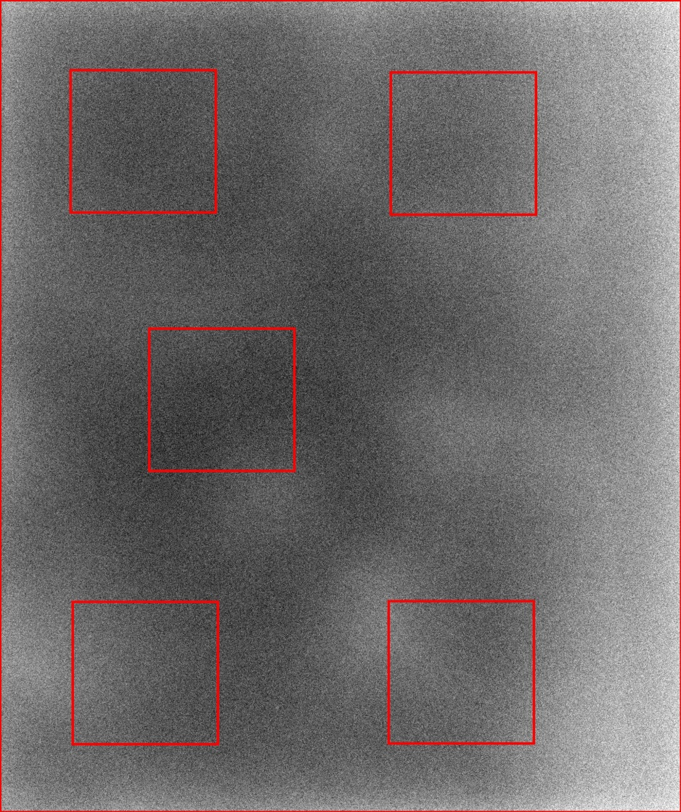
 | Station Name: | MG002R18
 | Datum: | 2016-12-13
 | Tid: | 9:34:52

 | Parameter | Värde
 | AGD (mGy): | 0.90
 | Huddos (mGy): | 3.45
 | Rörladdning (mAs): | 34.3
 | Rörspänning (kV): | 29
 | Fokusstorlek (mm): | 0.3
 | Anod: | RHODIUM
 | Filter: | RHODIUM
 | Tjocklek (mm): | 49
 | Kompressionskraft (N): | 70

 | AEC: | AUTOMATIC
 | AEC-typ: | AOP dose
 | Bildtyp: | FOR PROCESSING

 | Variationskoefficient (%): | 2.336

MG002R18
 | Variationskoefficient
12/4/2015 | 2.06
12/15/2015 | 2.14
12/16/2015 | 2.09
12/21/2015 | 2.17
11/1/2016 | 2.06
11/2/2016 | 2.12
11/3/2016 | 2.05
11/7/2016 | 2.10
11/8/2016 | 2.03
11/9/2016 | 2.07
11/10/2016 | 2.33
11/10/2016 | 2.22
11/10/2016 | 2.29
11/15/2016 | 2.34
11/16/2016 | 2.26
11/25/2016 | 2.34
11/28/2016 | 2.37
11/29/2016 | 2.39
11/30/2016 | 2.26
12/5/2016 | 2.46
12/7/2016 | 2.36
12/9/2016 | 2.30
12/13/2016 | 2.34

