Senaste kontroll
MG003L19

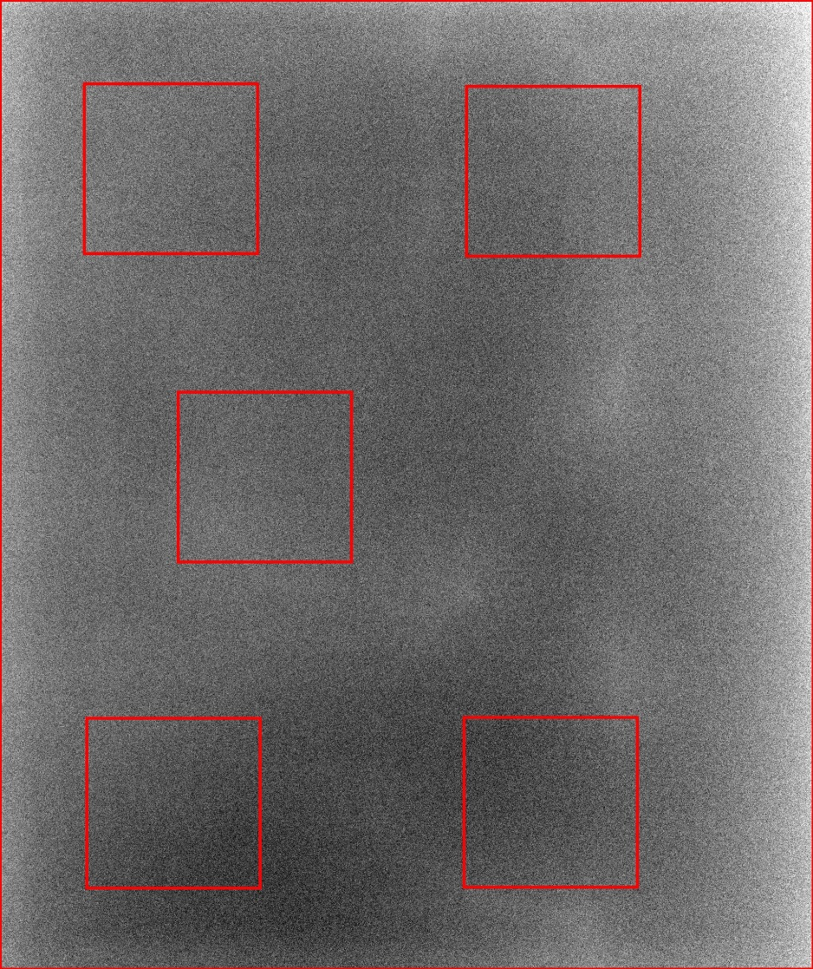
 | Station Name: | MG003L19
 | Datum: | 2016-12-13
 | Tid: | 17:16:10

 | Parameter | Värde
 | AGD (mGy): | 0.98
 | Huddos (mGy): | 4.17
 | Rörladdning (mAs): | 41.6
 | Rörspänning (kV): | 29
 | Fokusstorlek (mm): | 0.3
 | Anod: | RHODIUM
 | Filter: | RHODIUM
 | Tjocklek (mm): | 49
 | Kompressionskraft (N): | 70

 | AEC: | AUTOMATIC
 | AEC-typ: | AOP dose
 | Bildtyp: | FOR PROCESSING

 | Variationskoefficient (%): | 2.2

MG003L19
 | Variationskoefficient
11/19/2015 | 2.32
12/3/2015 | 2.23
12/14/2015 | 2.41
12/17/2015 | 2.47
11/4/2016 | 2.51
11/9/2016 | 2.20
11/16/2016 | 2.15
11/22/2016 | 2.24
11/23/2016 | 2.17
11/30/2016 | 2.25
12/1/2016 | 2.16
12/6/2016 | 2.27
12/7/2016 | 2.22
12/8/2016 | 2.15
12/13/2016 | 1.22
12/13/2016 | 2.16

