Senaste kontroll
GE Millenium VG, Röntgenavdelningen

Uniformitet UFOV
 | Detektor 1 IU |  | Detektor 2 IU |  | Åtgärdsnivå
1/14/2016 | 7.22% | 1/14/2016 | 9.80% | 1/14/2016 | 0.13
1/18/2016 | 8.19% | 1/18/2016 | 11.95% | 12/13/2016 | 0.13
1/19/2016 | 6.84% | 1/19/2016 | 11.61%
1/20/2016 | 7.89% | 1/20/2016 | 8.77%
1/21/2016 | 6.98% | 1/21/2016 | 8.81%
1/22/2016 | 7.53% | 1/22/2016 | 11.40%
1/25/2016 | 7.65% | 1/25/2016 | 10.82%
1/26/2016 | 6.62% | 1/26/2016 | 11.61%
1/27/2016 | 6.97% | 1/27/2016 | 10.00%
1/28/2016 | 7.23% | 1/28/2016 | 9.71%
1/29/2016 | 7.90% | 1/29/2016 | 8.70%
2/1/2016 | 8.02% | 2/1/2016 | 10.10%
2/2/2016 | 8.86% | 2/2/2016 | 10.02%
2/3/2016 | 7.99% | 2/3/2016 | 9.47%
2/4/2016 | 7.05% | 2/4/2016 | 8.78%
2/8/2016 | 7.98% | 2/8/2016 | 8.24%
2/9/2016 | 7.06% | 2/9/2016 | 8.79%
2/10/2016 | 7.54% | 2/10/2016 | 10.20%
2/11/2016 | 9.03% | 2/11/2016 | 11.28%
2/12/2016 | 7.95% | 2/12/2016 | 11.44%
2/15/2016 | 8.45% | 2/15/2016 | 10.59%
2/18/2016 | 8.83% | 2/18/2016 | 8.96%
2/19/2016 | 7.81% | 2/19/2016 | 9.64%
2/22/2016 | 8.27% | 2/22/2016 | 9.44%
2/23/2016 | 8.15% | 2/23/2016 | 12.06%
2/24/2016 | 7.68% | 2/24/2016 | 9.18%
2/25/2016 | 8.44% | 2/25/2016 | 9.36%
2/26/2016 | 8.28% | 2/26/2016 | 9.46%
2/29/2016 | 7.55% | 2/29/2016 | 8.39%
3/2/2016 | 7.85% | 3/2/2016 | 10.02%
3/3/2016 | 8.09% | 3/3/2016 | 9.26%
3/7/2016 | 8.66% | 3/7/2016 | 9.98%
3/8/2016 | 8.05% | 3/8/2016 | 11.34%
3/9/2016 | 8.51% | 3/9/2016 | 12.28%
3/10/2016 | 9.97% | 3/10/2016 | 10.79%
3/11/2016 | 8.79% | 3/11/2016 | 9.06%
3/14/2016 | 8.17% | 3/14/2016 | 9.57%
3/15/2016 | 8.15% | 3/15/2016 | 10.00%
3/16/2016 | 6.88% | 3/16/2016 | 9.54%
3/17/2016 | 7.75% | 3/17/2016 | 11.10%
3/18/2016 | 7.43% | 3/18/2016 | 10.24%
3/21/2016 | 8.13% | 3/21/2016 | 9.06%
3/22/2016 | 7.54% | 3/22/2016 | 10.29%
3/23/2016 | 9.06% | 3/23/2016 | 11.07%
3/24/2016 | 7.54% | 3/24/2016 | 9.12%
3/29/2016 | 8.33% | 3/29/2016 | 11.86%
3/30/2016 | 6.98% | 3/30/2016 | 10.68%
3/31/2016 | 9.23% | 3/31/2016 | 9.09%
4/1/2016 | 8.17% | 4/1/2016 | 8.79%
4/4/2016 | 8.16% | 4/4/2016 | 11.31%
...
Station Name: | SE23010NM_001R21
Datum: | 2016-12-13
Tid: | 6:57:07
Kollimator: | VP45

 | Detektor 1 |  | Detektor 2
 | UFOV | CFOV | UFOV | CFOV

IU | 8.4 | 6.4 | 7.6 | 5.6
DU x | 4.2 | 3.5 | 4.9 | 4.0
DU y | 4.4 | 3.3 | 5.1 | 3.9

Pulsantal (Mcounts): | 4.00 |  | 4.00
Insamlingstid (s): | 412 |  | 401
Känslighet (cps/MBq): | 60.1 |  | 61.7

Uniformitet CFOV
 | Detektor 1 IU |  | Detektor 2 IU |  | Åtgärdsnivå
1/14/2016 | 6.04% | 1/14/2016 | 6.37% | 1/14/2016 | 0.08
1/18/2016 | 6.44% | 1/18/2016 | 7.86% | 12/13/2016 | 0.08
1/19/2016 | 5.32% | 1/19/2016 | 6.81%
1/20/2016 | 5.95% | 1/20/2016 | 5.96%
1/21/2016 | 5.55% | 1/21/2016 | 5.97%
1/22/2016 | 5.64% | 1/22/2016 | 6.38%
1/25/2016 | 6.88% | 1/25/2016 | 5.85%
1/26/2016 | 5.60% | 1/26/2016 | 5.25%
1/27/2016 | 5.76% | 1/27/2016 | 5.98%
1/28/2016 | 5.75% | 1/28/2016 | 5.59%
1/29/2016 | 5.56% | 1/29/2016 | 5.60%
2/1/2016 | 6.40% | 2/1/2016 | 6.36%
2/2/2016 | 6.17% | 2/2/2016 | 5.95%
2/3/2016 | 5.94% | 2/3/2016 | 6.85%
2/4/2016 | 5.13% | 2/4/2016 | 6.75%
2/8/2016 | 5.68% | 2/8/2016 | 6.41%
2/9/2016 | 5.89% | 2/9/2016 | 6.31%
2/10/2016 | 5.49% | 2/10/2016 | 5.79%
2/11/2016 | 6.94% | 2/11/2016 | 5.95%
2/12/2016 | 5.78% | 2/12/2016 | 7.39%
2/15/2016 | 6.38% | 2/15/2016 | 6.32%
2/18/2016 | 6.57% | 2/18/2016 | 6.33%
2/19/2016 | 6.65% | 2/19/2016 | 6.40%
2/22/2016 | 6.29% | 2/22/2016 | 5.99%
2/23/2016 | 5.86% | 2/23/2016 | 5.54%
2/24/2016 | 5.43% | 2/24/2016 | 6.80%
2/25/2016 | 6.08% | 2/25/2016 | 5.96%
2/26/2016 | 5.74% | 2/26/2016 | 5.44%
2/29/2016 | 5.44% | 2/29/2016 | 4.98%
3/2/2016 | 6.94% | 3/2/2016 | 6.72%
3/3/2016 | 5.73% | 3/3/2016 | 5.54%
3/7/2016 | 6.04% | 3/7/2016 | 6.04%
3/8/2016 | 5.86% | 3/8/2016 | 6.16%
3/9/2016 | 6.12% | 3/9/2016 | 6.01%
3/10/2016 | 6.79% | 3/10/2016 | 6.49%
3/11/2016 | 5.43% | 3/11/2016 | 6.59%
3/14/2016 | 5.94% | 3/14/2016 | 5.95%
3/15/2016 | 5.92% | 3/15/2016 | 6.10%
3/16/2016 | 6.27% | 3/16/2016 | 6.06%
3/17/2016 | 5.74% | 3/17/2016 | 6.18%
3/18/2016 | 6.31% | 3/18/2016 | 5.36%
3/21/2016 | 6.28% | 3/21/2016 | 5.86%
3/22/2016 | 5.51% | 3/22/2016 | 5.71%
3/23/2016 | 6.57% | 3/23/2016 | 5.60%
3/24/2016 | 6.20% | 3/24/2016 | 5.60%
3/29/2016 | 6.27% | 3/29/2016 | 5.69%
3/30/2016 | 5.87% | 3/30/2016 | 6.94%
3/31/2016 | 6.27% | 3/31/2016 | 7.16%
4/1/2016 | 5.99% | 4/1/2016 | 6.15%
4/4/2016 | 6.07% | 4/4/2016 | 6.05%
...

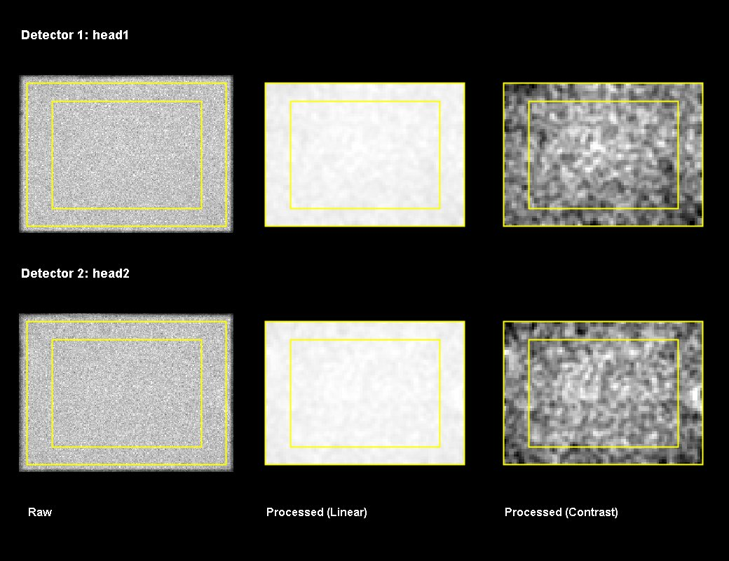

Känslighet (cps/MBq)
 | Detektor 1 |  | Detektor 2 |  | Åtgärdsnivå
1/14/2016 | 55.6 | 1/14/2016 | 56 | 1/14/2016 | 55
1/18/2016 | 55.0 | 1/18/2016 | 56 | 12/13/2016 | 55
1/19/2016 | 56.0 | 1/19/2016 | 56
1/20/2016 | 55.8 | 1/20/2016 | 56
1/21/2016 | 56.0 | 1/21/2016 | 57
1/22/2016 | 55.8 | 1/22/2016 | 57
1/25/2016 | 54.8 | 1/25/2016 | 56
1/26/2016 | 56.1 | 1/26/2016 | 57
1/27/2016 | 56.0 | 1/27/2016 | 57
1/28/2016 | 56.1 | 1/28/2016 | 57
1/29/2016 | 56.2 | 1/29/2016 | 57
2/1/2016 | 55.3 | 2/1/2016 | 56
2/2/2016 | 56.2 | 2/2/2016 | 57
2/3/2016 | 56.1 | 2/3/2016 | 57
2/4/2016 | 56.3 | 2/4/2016 | 57
2/8/2016 | 55.7 | 2/8/2016 | 56
2/9/2016 | 56.4 | 2/9/2016 | 57
2/10/2016 | 56.3 | 2/10/2016 | 57
2/11/2016 | 56.4 | 2/11/2016 | 57
2/12/2016 | 56.6 | 2/12/2016 | 57
2/15/2016 | 55.6 | 2/15/2016 | 56
2/18/2016 | 56.6 | 2/18/2016 | 57
2/19/2016 | 56.4 | 2/19/2016 | 57
2/22/2016 | 55.8 | 2/22/2016 | 57
2/23/2016 | 56.8 | 2/23/2016 | 57
2/24/2016 | 56.6 | 2/24/2016 | 57
2/25/2016 | 56.5 | 2/25/2016 | 58
2/26/2016 | 56.9 | 2/26/2016 | 58
2/29/2016 | 56.0 | 2/29/2016 | 57
3/2/2016 | 56.8 | 3/2/2016 | 58
3/3/2016 | 57.0 | 3/3/2016 | 58
3/7/2016 | 56.2 | 3/7/2016 | 57
3/8/2016 | 57.1 | 3/8/2016 | 58
3/9/2016 | 57.0 | 3/9/2016 | 58
3/10/2016 | 57.2 | 3/10/2016 | 58
3/11/2016 | 57.1 | 3/11/2016 | 58
3/14/2016 | 56.4 | 3/14/2016 | 57
3/15/2016 | 57.1 | 3/15/2016 | 58
3/16/2016 | 57.0 | 3/16/2016 | 58
3/17/2016 | 57.4 | 3/17/2016 | 58
3/18/2016 | 57.3 | 3/18/2016 | 58
3/21/2016 | 56.4 | 3/21/2016 | 57
3/22/2016 | 57.3 | 3/22/2016 | 58
3/23/2016 | 57.2 | 3/23/2016 | 58
3/24/2016 | 57.1 | 3/24/2016 | 58
3/29/2016 | 56.6 | 3/29/2016 | 57
3/30/2016 | 57.0 | 3/30/2016 | 58
3/31/2016 | 57.4 | 3/31/2016 | 58
4/1/2016 | 57.2 | 4/1/2016 | 59
4/4/2016 | 56.4 | 4/4/2016 | 58
...

