PL by Pair
ACCOUNT | 774678 - M-Alpari
P/L by Pair, 774678 - M-Alpari
 | Closed | Open | PL
AUDJPY | 1,999.97 | 0.00 | 1,999.97
NZDUSD | -11,928.55 | -7,172.22 | -19,100.77
EURUSD | -45,968.22 | -1,637.58 | -47,605.80
Grand Total | -55,896.80 | -8,809.80 | -64,706.60

 |  |  |  | P/L by Pair, 774678 - M-Alpari

Closed_Profits
Closed Profits, 774678 - M-Alpari
ACCOUNT | 774678 - M-Alpari

Profit | Column Labels
Row Labels | AUDJPY | EURUSD | NZDUSD | Grand Total
13.46 | 14.80 | 22.02 | 29.68 | 66.50
13.47 | 494.55 | 243.10 | 502.44 | 1,240.09
13.48 | 424.27 | 131.95 | 361.97 | 918.19
13.49 | 659.50 | 371.68 | 526.37 | 1,557.55
13.50 | 674.96 | 151.46 | 426.15 | 1,252.57
13.51 | 530.13 | 348.48 | 471.47 | 1,350.08
13.52 | 82.50 | 259.78 | 68.94 | 411.22
13.53 | 101.41 | 65.38 | 80.70 | 247.49
14.01 | 224.17 | 172.54 | 214.96 | 611.67
14.02 | 205.63 | 240.00 | 234.29 | 679.92
14.03 | 188.07 | 173.97 | 426.80 | 788.84
14.04 | 900.46 | 285.19 | 417.17 | 1,602.82
14.05 | 1,300.16 | 328.12 | 409.49 | 2,037.77
14.06 | 1,214.83 | 308.57 | 501.75 | 2,025.15
14.07 | 646.18 | 240.42 | 281.13 | 1,167.73
14.08 | -3,194.44 | -1,713.17 | -1,485.97 | -6,393.58
14.09 | 630.23 | 426.28 | 269.69 | 1,326.20
14.10 | 1,502.97 | 778.72 | 500.80 | 2,782.49
14.11 | 1,569.50 | 387.12 | 651.11 | 2,607.73
14.12 | 854.18 | 516.56 | 535.55 | 1,906.29
14.13 | 775.59 | 563.18 | 403.17 | 1,741.94
14.14 | 447.61 | 431.56 | 455.37 | 1,334.54
14.15 | 879.24 | 259.32 | 726.88 | 1,865.44
14.16 | 589.55 | 264.13 | 338.61 | 1,192.29
14.17 | 358.16 | 172.44 | 329.79 | 860.39
14.18 | 514.60 | 478.02 | 346.46 | 1,339.08
14.19 | 424.83 | 507.30 | 497.57 | 1,429.70
14.20 | 379.21 | 291.18 | 261.22 | 931.61
14.21 | 82.24 | 185.94 | 123.78 | 391.96
14.22 | 293.98 | 121.70 | 83.74 | 499.42
14.23 | 469.90 | 702.62 | 142.34 | 1,314.86
14.24 | 298.28 | 220.72 | 581.00 | 1,100.00
14.25 | 101.32 | 482.37 | 323.95 | 907.64
14.26 | 263.99 | 175.87 | 343.47 | 783.33
14.27 | 388.39 | 154.12 | 283.37 | 825.88
14.28 | 145.85 | 228.40 | 211.13 | 585.38
14.29 | 274.60 | 134.28 | 168.19 | 577.07
14.30 | 285.55 | 224.84 | 41.36 | 551.75
14.31 | 110.66 | 271.28 | 144.06 | 526.00
14.32 | 80.43 | 358.71 | 91.30 | 530.44
14.33 | 221.20 | 403.95 | 237.03 | 862.18
14.34 | 501.05 | 319.77 | -295.63 | 525.19
14.35 | 269.19 | 350.48 | -329.76 | 289.91
14.36 | 90.65 | 95.12 | 2.88 | 188.65
14.37 | 42.51 |  | -112.40 | -69.89
14.38 | 28.49 |  |  | 28.49
14.39 | -50.07 |  |  | -50.07
14.40 | -60.12 |  |  | -60.12
14.41 | -15,230.97 | 47.10 | 63.04 | -15,120.83
14.42 |  | 517.51 | 439.43 | 956.94
14.43 |  | 140.81 | 253.86 | 394.67
14.44 |  | 0.00 | 0.00 | 0.00
14.45 |  | -41,956.26 | -11,247.33 | -53,203.59
14.46 | 0.00 | 0.00 | 0.00 | 0.00
14.47 |  | 0.00 |  | 0.00
14.48 | 0.00 |  |  | 0.00
14.49 |  | -5,247.01 | 0.00 | -5,247.01
14.50 | 0.00 | -10,605.84 | -12,260.92 | -22,866.76
Grand Total | 1,999.97 | -45,968.22 | -11,928.55 | -55,896.80

 |  |  |  |  | Closed Profits, 774678 - M-Alpari

Open_Trades
ACCOUNT | 774678 - M-Alpari
Open Trades, 774678 - M-Alpari
Open P/L | Column Labels
Row Labels | AUDJPY | EURUSD | NZDUSD | Grand Total
13.46 | -48.39 | -29.84 | -168.21 | -246.44
13.47 | -574.80 | -381.20 | -559.65 | -1,515.65
13.48 | -501.98 | -530.51 | -844.08 | -1,876.57
13.49 | -886.57 | -1,269.60 | -943.31 | -3,099.48
13.50 | -1,010.78 | -1,629.85 | -983.04 | -3,623.67
13.51 | -1,203.39 | -1,384.14 | -730.62 | -3,318.15
14.01 | -1,521.78 | -1,680.87 | -972.94 | -4,175.59
14.03 | -1,630.34 | -1,860.14 | -1,047.73 | -4,538.21
14.04 | -5,894.44 | -1,656.86 | -853.26 | -8,404.56
14.05 | -5,147.97 | -2,225.68 | -930.79 | -8,304.44
14.06 | -3,504.87 | -1,611.53 | -1,585.74 | -6,702.14
14.07 | -3,690.06 | -1,681.06 | -2,695.52 | -8,066.64
14.08 | -8.54 |  | -14.44 | -22.98
14.09 | -978.85 | -644.79 | -900.92 | -2,524.56
14.10 | -4,921.98 | -1,399.00 | -1,616.50 | -7,937.48
14.11 | -4,073.75 | -1,838.71 | -2,962.73 | -8,875.19
14.12 | -3,986.46 | -1,204.43 | -3,300.04 | -8,490.93
14.13 | -9,416.56 | -1,301.29 | -6,054.06 | -16,771.91
14.14 | -13,199.40 | -1,667.11 | -4,931.93 | -19,798.44
14.15 | -12,348.41 | -1,572.86 | -7,056.47 | -20,977.74
14.16 | -12,817.94 | -1,414.53 | -5,397.57 | -19,630.04
14.17 | -10,433.80 | -1,298.62 | -5,590.66 | -17,323.08
14.18 | -10,397.29 | -1,470.03 | -6,752.17 | -18,619.49
14.19 | -12,167.10 | -1,624.04 | -6,453.24 | -20,244.38
14.20 | -12,068.53 | -2,137.12 | -6,790.49 | -20,996.14
14.21 | -9,193.49 | -3,148.70 | -6,186.11 | -18,528.30
14.22 | -10,794.16 | -3,074.98 | -5,825.41 | -19,694.55
14.23 | -13,315.47 | -3,373.46 | -5,879.84 | -22,568.77
14.24 | -14,746.60 | -5,094.22 | -7,522.27 | -27,363.09
14.25 | -15,103.09 | -3,870.42 | -8,036.21 | -27,009.72
14.26 | -14,488.28 | -3,277.77 | -10,608.72 | -28,374.77
14.27 | -14,506.67 | -3,887.11 | -9,942.32 | -28,336.10
14.28 | -13,318.67 | -3,929.50 | -13,402.89 | -30,651.06
14.29 | -13,521.58 | -5,391.28 | -9,635.95 | -28,548.81
14.30 | -15,150.91 | -7,770.90 | -7,474.06 | -30,395.87
14.31 | -14,920.21 | -7,985.41 | -7,287.88 | -30,193.50
14.32 | -12,229.80 | -8,518.23 | -7,340.65 | -28,088.68
14.33 | -14,389.70 | -8,522.79 | -6,737.70 | -29,650.19
14.34 | -20,930.82 | -14,278.05 | -8,008.42 | -43,217.29
14.35 | -23,707.30 | -18,779.68 | -8,411.56 | -50,898.54
14.36 | -31,581.92 | -27,482.51 | -8,143.09 | -67,207.52
14.37 | -22,665.35 | -26,901.30 | -14,763.31 | -64,329.96
14.38 | -24,334.25 | -33,537.86 | -15,412.17 | -73,284.28
14.39 | -17,648.35 | -40,835.20 | -24,585.49 | -83,069.04
14.40 | -15,194.74 | -49,437.86 | -28,557.44 | -93,190.04
14.41 |  | -43,686.75 | -26,625.07 | -70,311.82
14.42 |  | -37,306.18 | -22,501.44 | -59,807.62
14.43 |  | -42,363.76 | -25,493.45 | -67,857.21
14.44 |  | -50,593.94 | -28,147.59 | -78,741.53
14.45 |  | -14,629.62 | -19,190.23 | -33,819.85
14.46 |  | -13,091.92 | -14,405.06 | -27,496.98
14.47 |  | -16,064.52 | -15,308.02 | -31,372.54
14.48 |  | -14,769.14 | -16,661.96 | -31,431.10
14.49 |  | -13,305.81 | -20,211.89 | -33,517.70
14.50 |  | -1,808.70 | -7,387.96 | -9,196.66
14.51 |  | -1,809.66 | -8,189.38 | -9,999.04

 |  |  |  |  | Open Trades, 774678 - M-Alpari

Closed_vs_Open
Closed vs. Open, 774678 - M-Alpari
ACCOUNT | 774678 - M-Alpari

Row Labels | Closed | Open
13.46 | 66.50 | -246.44
13.47 | 1,306.59 | -1,515.65
13.48 | 2,224.78 | -1,876.57
13.49 | 3,782.33 | -3,099.48
13.50 | 5,034.90 | -3,623.67
13.51 | 6,384.98 | -3,318.15
13.52 | 6,796.20 | 0.00
13.53 | 7,043.69 | 0.00
14.01 | 7,655.36 | -4,175.59
14.02 | 8,335.28 | 0.00
14.03 | 9,124.12 | -4,538.21
14.04 | 10,726.94 | -8,404.56
14.05 | 12,764.71 | -8,304.44
14.06 | 14,789.86 | -6,702.14
14.07 | 15,957.59 | -8,066.64
14.08 | 9,564.01 | -22.98
14.09 | 10,890.21 | -2,524.56
14.10 | 13,672.70 | -7,937.48
14.11 | 16,280.43 | -8,875.19
14.12 | 18,186.72 | -8,490.93
14.13 | 19,928.66 | -16,771.91
14.14 | 21,263.20 | -19,798.44
14.15 | 23,128.64 | -20,977.74
14.16 | 24,320.93 | -19,630.04
14.17 | 25,181.32 | -17,323.08
14.18 | 26,520.40 | -18,619.49
14.19 | 27,950.10 | -20,244.38
14.20 | 28,881.71 | -20,996.14
14.21 | 29,273.67 | -18,528.30
14.22 | 29,773.09 | -19,694.55
14.23 | 31,087.95 | -22,568.77
14.24 | 32,187.95 | -27,363.09
14.25 | 33,095.59 | -27,009.72
14.26 | 33,878.92 | -28,374.77
14.27 | 34,704.80 | -28,336.10
14.28 | 35,290.18 | -30,651.06
14.29 | 35,867.25 | -28,548.81
14.30 | 36,419.00 | -30,395.87
14.31 | 36,945.00 | -30,193.50
14.32 | 37,475.44 | -28,088.68
14.33 | 38,337.62 | -29,650.19
14.34 | 38,862.81 | -43,217.29
14.35 | 39,152.72 | -50,898.54
14.36 | 39,341.37 | -67,207.52
14.37 | 39,271.48 | -64,329.96
14.38 | 39,299.97 | -73,284.28
14.39 | 39,249.90 | -83,069.04
14.40 | 39,189.78 | -93,190.04
14.41 | 24,068.95 | -70,311.82
14.42 | 25,025.89 | -59,807.62
14.43 | 25,420.56 | -67,857.21
14.44 | 25,420.56 | -78,741.53
14.45 | -27,783.03 | -33,819.85
14.46 | -27,783.03 | -27,496.98
14.47 | -27,783.03 | -31,372.54
14.48 | -27,783.03 | -31,431.10
14.49 | -33,030.04 | -33,517.70
14.50 | -55,896.80 | -9,196.66
14.51 | -55,896.80 | -9,662.21

 |  |  | Closed vs. Open, 774678 - M-Alpari

Equity
ACCOUNT | 776980 - R-Alpari

Equity, 776980 - R-Alpari
Row Labels | Net Equity
14.01 | -39,737.21
14.10 | 49,827.62
14.11 | 48,855.65
14.12 | 49,309.53
14.13 | 48,628.44
14.14 | 47,858.44
14.15 | 47,543.66
14.16 | 48,217.39
14.17 | 49,063.64
14.18 | 49,507.81
14.19 | 48,176.16
14.20 | 48,135.40
14.21 | 48,253.21
14.22 | 48,953.71
14.23 | 49,020.85
14.24 | 45,069.95
14.25 | 44,848.32
14.26 | 44,077.72
14.27 | 41,683.48
14.28 | 43,791.15
14.29 | 43,134.47
14.30 | 43,404.40
14.31 | 46,685.19
14.32 | 47,631.20
14.33 | 58,340.86
14.34 | 47,114.19
14.35 | 44,173.36
14.36 | 43,170.61
14.37 | 45,010.28
14.38 | 34,944.50
14.39 | 32,977.13
14.40 | 32,628.98
14.41 | 36,701.56
14.42 | 43,049.97
14.43 | 43,710.47
14.44 | 36,981.20
14.45 | 29,189.59
14.46 | 31,254.70
14.47 | 21,232.66
14.48 | 20,342.38
14.49 | 5,773.16
14.50 | 12,627.65
14.51 | 7,428.75
15.01 | 7,808.89
15.02 | 13,076.04
15.03 | -2,562.04

 |  | Equity, 776980 - R-Alpari

Channel Status
ACCOUNT | 774678 - M-Alpari

Channel Status - (774678 - M-Alpari)
 | Column Labels

Row Labels

 |  | Channel Status - (774678 - M-Alpari)

Balancing
Account | 774678 - M-Alpari
Balancing, 774678 - M-Alpari
Row Labels | Average of Position
EURUSD | -24.6%
NZDUSD | -21.8%

 |  | Balancing, 774678 - M-Alpari

Summary
Closed Profits, 774678 - M-Alpari
 | AUDJPY | EURUSD | NZDUSD
13.46 | 14.80 | 22.02 | 29.68
13.47 | 494.55 | 243.10 | 502.44
13.48 | 424.27 | 131.95 | 361.97
13.49 | 659.50 | 371.68 | 526.37
13.50 | 674.96 | 151.46 | 426.15
13.51 | 530.13 | 348.48 | 471.47
13.52 | 82.50 | 259.78 | 68.94
13.53 | 101.41 | 65.38 | 80.70
14.01 | 224.17 | 172.54 | 214.96
14.02 | 205.63 | 240.00 | 234.29
14.03 | 188.07 | 173.97 | 426.80
14.04 | 900.46 | 285.19 | 417.17
14.05 | 1,300.16 | 328.12 | 409.49
14.06 | 1,214.83 | 308.57 | 501.75
14.07 | 646.18 | 240.42 | 281.13
14.08 | -3,194.44 | -1,713.17 | -1,485.97
14.09 | 630.23 | 426.28 | 269.69
14.10 | 1,502.97 | 778.72 | 500.80
14.11 | 1,569.50 | 387.12 | 651.11
14.12 | 854.18 | 516.56 | 535.55
14.13 | 775.59 | 563.18 | 403.17
14.14 | 447.61 | 431.56 | 455.37
14.15 | 879.24 | 259.32 | 726.88
14.16 | 589.55 | 264.13 | 338.61
14.17 | 358.16 | 172.44 | 329.79
14.18 | 514.60 | 478.02 | 346.46
14.19 | 424.83 | 507.30 | 497.57
14.20 | 379.21 | 291.18 | 261.22
14.21 | 82.24 | 185.94 | 123.78
14.22 | 293.98 | 121.70 | 83.74
14.23 | 469.90 | 702.62 | 142.34
14.24 | 298.28 | 220.72 | 581.00
14.25 | 101.32 | 482.37 | 323.95
14.26 | 263.99 | 175.87 | 343.47
14.27 | 388.39 | 154.12 | 283.37
14.28 | 145.85 | 228.40 | 211.13
14.29 | 274.60 | 134.28 | 168.19
14.30 | 285.55 | 224.84 | 41.36
14.31 | 110.66 | 271.28 | 144.06
14.32 | 80.43 | 358.71 | 91.30
14.33 | 221.20 | 403.95 | 237.03
14.34 | 501.05 | 319.77 | -295.63
14.35 | 269.19 | 350.48 | -329.76
14.36 | 90.65 | 95.12 | 2.88
14.37 | 42.51 |  | -112.40
14.38 | 28.49
14.39 | -50.07
14.40 | -60.12
14.41 | -15,230.97 | 47.10 | 63.04
14.42 |  | 517.51 | 439.43
...
P/L by Pair, 774678 - M-Alpari
 | Closed | Open | PL
AUDJPY | 1,999.97 | 0.00 | 1,999.97
NZDUSD | -11,928.55 | -7,172.22 | -19,100.77
EURUSD | -45,968.22 | -1,637.58 | -47,605.80

Open Trades, 774678 - M-Alpari
 | AUDJPY | EURUSD | NZDUSD
13.46 | -48.39 | -29.84 | -168.21
13.47 | -574.80 | -381.20 | -559.65
13.48 | -501.98 | -530.51 | -844.08
13.49 | -886.57 | -1,269.60 | -943.31
13.50 | -1,010.78 | -1,629.85 | -983.04
13.51 | -1,203.39 | -1,384.14 | -730.62
14.01 | -1,521.78 | -1,680.87 | -972.94
14.03 | -1,630.34 | -1,860.14 | -1,047.73
14.04 | -5,894.44 | -1,656.86 | -853.26
14.05 | -5,147.97 | -2,225.68 | -930.79
14.06 | -3,504.87 | -1,611.53 | -1,585.74
14.07 | -3,690.06 | -1,681.06 | -2,695.52
14.08 | -8.54 |  | -14.44
14.09 | -978.85 | -644.79 | -900.92
14.10 | -4,921.98 | -1,399.00 | -1,616.50
14.11 | -4,073.75 | -1,838.71 | -2,962.73
14.12 | -3,986.46 | -1,204.43 | -3,300.04
14.13 | -9,416.56 | -1,301.29 | -6,054.06
14.14 | -13,199.40 | -1,667.11 | -4,931.93
14.15 | -12,348.41 | -1,572.86 | -7,056.47
14.16 | -12,817.94 | -1,414.53 | -5,397.57
14.17 | -10,433.80 | -1,298.62 | -5,590.66
14.18 | -10,397.29 | -1,470.03 | -6,752.17
14.19 | -12,167.10 | -1,624.04 | -6,453.24
14.20 | -12,068.53 | -2,137.12 | -6,790.49
14.21 | -9,193.49 | -3,148.70 | -6,186.11
14.22 | -10,794.16 | -3,074.98 | -5,825.41
14.23 | -13,315.47 | -3,373.46 | -5,879.84
14.24 | -14,746.60 | -5,094.22 | -7,522.27
14.25 | -15,103.09 | -3,870.42 | -8,036.21
14.26 | -14,488.28 | -3,277.77 | -10,608.72
14.27 | -14,506.67 | -3,887.11 | -9,942.32
14.28 | -13,318.67 | -3,929.50 | -13,402.89
14.29 | -13,521.58 | -5,391.28 | -9,635.95
14.30 | -15,150.91 | -7,770.90 | -7,474.06
14.31 | -14,920.21 | -7,985.41 | -7,287.88
14.32 | -12,229.80 | -8,518.23 | -7,340.65
14.33 | -14,389.70 | -8,522.79 | -6,737.70
14.34 | -20,930.82 | -14,278.05 | -8,008.42
14.35 | -23,707.30 | -18,779.68 | -8,411.56
14.36 | -31,581.92 | -27,482.51 | -8,143.09
14.37 | -22,665.35 | -26,901.30 | -14,763.31
14.38 | -24,334.25 | -33,537.86 | -15,412.17
14.39 | -17,648.35 | -40,835.20 | -24,585.49
14.40 | -15,194.74 | -49,437.86 | -28,557.44
14.41 |  | -43,686.75 | -26,625.07
14.42 |  | -37,306.18 | -22,501.44
14.43 |  | -42,363.76 | -25,493.45
14.44 |  | -50,593.94 | -28,147.59
14.45 |  | -14,629.62 | -19,190.23
...
Balancing, 774678 - M-Alpari
 | Total
EURUSD | -24.6%
NZDUSD | -21.8%

Closed vs. Open, 774678 - M-Alpari
 | Closed | Open
13.46 | 66.50 | -246.44
13.47 | 1,306.59 | -1,515.65
13.48 | 2,224.78 | -1,876.57
13.49 | 3,782.33 | -3,099.48
13.50 | 5,034.90 | -3,623.67
13.51 | 6,384.98 | -3,318.15
13.52 | 6,796.20 | 0.00
13.53 | 7,043.69 | 0.00
14.01 | 7,655.36 | -4,175.59
14.02 | 8,335.28 | 0.00
14.03 | 9,124.12 | -4,538.21
14.04 | 10,726.94 | -8,404.56
14.05 | 12,764.71 | -8,304.44
14.06 | 14,789.86 | -6,702.14
14.07 | 15,957.59 | -8,066.64
14.08 | 9,564.01 | -22.98
14.09 | 10,890.21 | -2,524.56
14.10 | 13,672.70 | -7,937.48
14.11 | 16,280.43 | -8,875.19
14.12 | 18,186.72 | -8,490.93
14.13 | 19,928.66 | -16,771.91
14.14 | 21,263.20 | -19,798.44
14.15 | 23,128.64 | -20,977.74
14.16 | 24,320.93 | -19,630.04
14.17 | 25,181.32 | -17,323.08
14.18 | 26,520.40 | -18,619.49
14.19 | 27,950.10 | -20,244.38
14.20 | 28,881.71 | -20,996.14
14.21 | 29,273.67 | -18,528.30
14.22 | 29,773.09 | -19,694.55
14.23 | 31,087.95 | -22,568.77
14.24 | 32,187.95 | -27,363.09
14.25 | 33,095.59 | -27,009.72
14.26 | 33,878.92 | -28,374.77
14.27 | 34,704.80 | -28,336.10
14.28 | 35,290.18 | -30,651.06
14.29 | 35,867.25 | -28,548.81
14.30 | 36,419.00 | -30,395.87
14.31 | 36,945.00 | -30,193.50
14.32 | 37,475.44 | -28,088.68
14.33 | 38,337.62 | -29,650.19
14.34 | 38,862.81 | -43,217.29
14.35 | 39,152.72 | -50,898.54
14.36 | 39,341.37 | -67,207.52
14.37 | 39,271.48 | -64,329.96
14.38 | 39,299.97 | -73,284.28
14.39 | 39,249.90 | -83,069.04
14.40 | 39,189.78 | -93,190.04
14.41 | 24,068.95 | -70,311.82
14.42 | 25,025.89 | -59,807.62
...
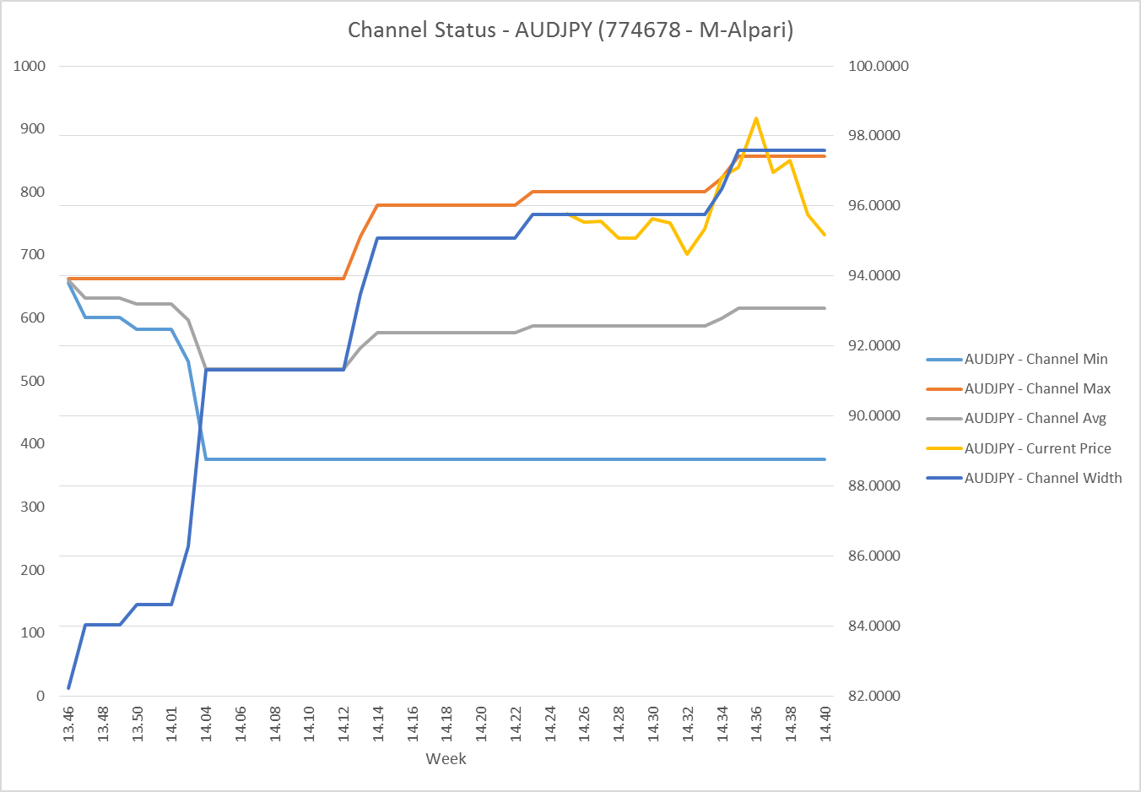

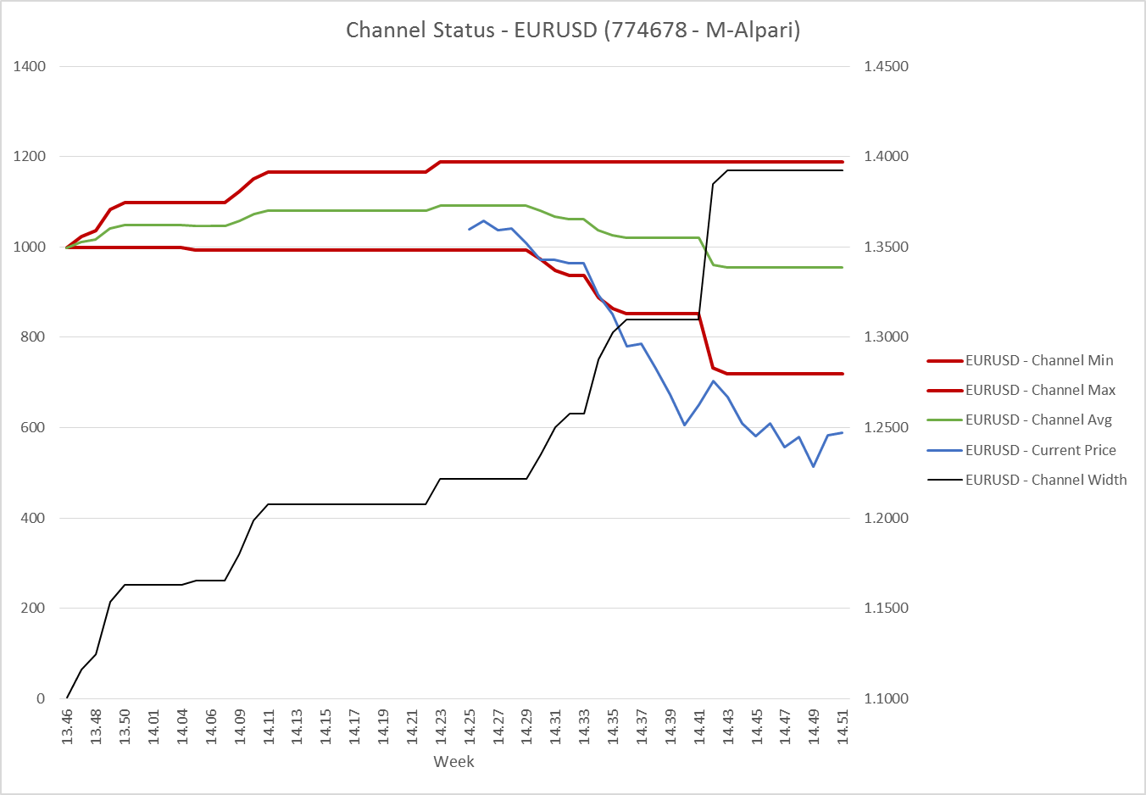
ACCOUNT | 774678 - M-Alpari | Margin Level: | 0.0%
 |  | as of 26-Jun-15
Row Labels | Sum of EQUITY
13.46 | 39,820.06
13.47 | 39,790.94
13.48 | 40,348.21
13.49 | 40,682.85
13.50 | 41,411.23
13.51 | 43,066.83
14.01 | 37,615.64
14.03 | 44,585.91
14.04 | 42,322.38
14.05 | 44,460.27
14.06 | 48,087.72
14.07 | 47,890.95
14.08 | 49,541.03
14.09 | 78,801.65
14.10 | 76,171.22
14.11 | 77,841.24
14.12 | 80,131.79
14.13 | 73,592.75
14.14 | 71,900.76
14.15 | 72,586.90
14.16 | 75,126.89
14.17 | 78,294.24
14.18 | 78,336.91
14.19 | 78,141.72
14.20 | 78,321.57
14.21 | 81,181.37
14.22 | 80,514.54
14.23 | 78,955.18
14.24 | 75,260.86
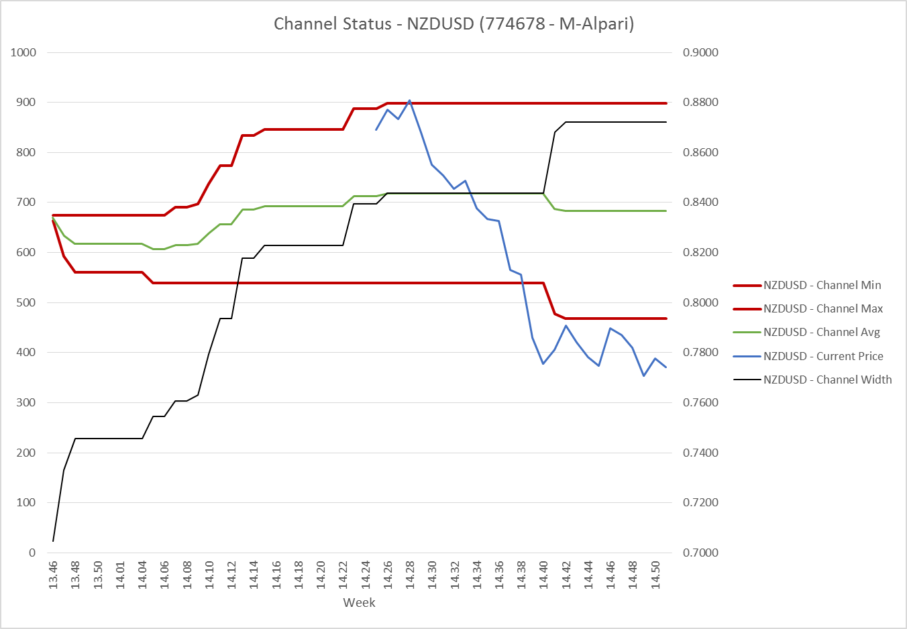
14.25 | 76,521.87
14.26 | 75,940.15
14.27 | 76,804.70
14.28 | 75,075.12
14.29 | 77,754.44
14.30 | 76,459.13
14.31 | 77,187.50
14.32 | 79,822.76
14.33 | 79,123.43
14.34 | 66,081.52
14.35 | 58,690.18
14.36 | 42,569.85
14.37 | 45,377.52
14.38 | 36,451.69
14.39 | 26,616.86
14.40 | 16,435.74
14.41 | 24,193.13
14.42 | 35,654.27
14.43 | 27,999.35
14.44 | 17,115.03
14.45 | 8,833.12
14.46 | 15,155.99
14.47 | 11,280.43
14.48 | 11,221.87
14.49 | 3,888.26
14.50 | 5,342.54
15.01 | 1,252.44
15.02 | 1,855.49
15.03 | -58.37

Equity, 776980 - R-Alpari
 | Total
14.01 | -39,737.21
14.10 | 49,827.62
14.11 | 48,855.65
14.12 | 49,309.53
14.13 | 48,628.44
14.14 | 47,858.44
14.15 | 47,543.66
14.16 | 48,217.39
14.17 | 49,063.64
14.18 | 49,507.81
14.19 | 48,176.16
14.20 | 48,135.40
14.21 | 48,253.21
14.22 | 48,953.71
14.23 | 49,020.85
14.24 | 45,069.95
14.25 | 44,848.32
14.26 | 44,077.72
14.27 | 41,683.48
14.28 | 43,791.15
14.29 | 43,134.47
14.30 | 43,404.40
14.31 | 46,685.19
14.32 | 47,631.20
14.33 | 58,340.86
14.34 | 47,114.19
14.35 | 44,173.36
14.36 | 43,170.61
14.37 | 45,010.28
14.38 | 34,944.50
14.39 | 32,977.13
14.40 | 32,628.98
14.41 | 36,701.56
14.42 | 43,049.97
14.43 | 43,710.47
14.44 | 36,981.20
14.45 | 29,189.59
14.46 | 31,254.70
14.47 | 21,232.66
14.48 | 20,342.38
14.49 | 5,773.16
14.50 | 12,627.65
14.51 | 7,428.75
15.01 | 7,808.89
15.02 | 13,076.04
15.03 | -2,562.04


 |  |  |  | blah

