Tabelle1
Part list for the ESP32 temperature contoller |  |  |  | ESP32 | HW463

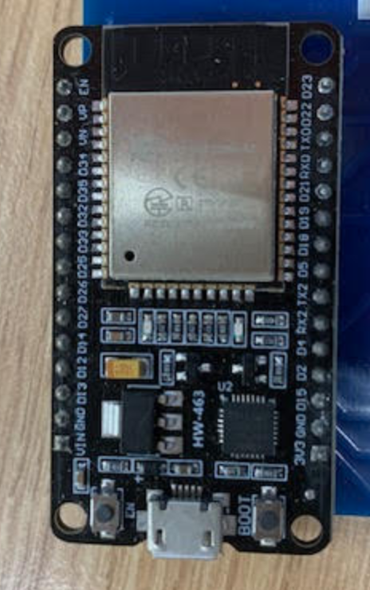
Name | Amazon Ref. | RS ref | JLCPCB ref
Alimentation 12V 30W |  | https://fr.rs-online.com/web/p/adaptateurs-ac-dc/2008942
ESP32 WROOM 32 |  | https://fr.rs-online.com/web/p/outils-de-developpement-pour-microcontroleurs/2863990
Mosfet IRLZ44N 3.3V | https://www.amazon.fr/dp/B0CBKH4XGL?ref=ppx_yo2ov_dt_b_fed_asin_title
Adapateur d'alimentation 4-35V | https://www.amazon.fr/dp/B07DP3JX2X?ref=ppx_yo2ov_dt_b_fed_asin_title&th=1
Display 0.96 pouces SSD1306 | https://www.amazon.fr/dp/B074N9VLZX?ref=ppx_yo2ov_dt_b_fed_asin_title
Encodeur roatif | https://www.amazon.fr/dp/B07D356LRH?ref=ppx_yo2ov_dt_b_fed_asin_title
Rotary encoder KY040 | https://www.amazon.fr/dp/B07SV5HHM5?ref=ppx_yo2ov_dt_b_fed_asin_title
Fiche banane 4mm mâle | https://www.amazon.fr/dp/B0C27CRJ8H?ref=ppx_yo2ov_dt_b_fed_asin_title
Fiche banane 4mm femelle | https://www.amazon.fr/dp/B0CFKTVG9W?ref=ppx_yo2ov_dt_b_fed_asin_title
Resistance film de puissance |  | https://fr.rs-online.com/web/p/resistances-traversantes/1646641

Capteur de temérature DHT22 | https://www.amazon.fr/dp/B0DFCGFXC3?ref=ppx_yo2ov_dt_b_fed_asin_title
Alt : capteur DHT22 | https://www.amazon.fr/dp/B06XF4TNT9?ref=ppx_yo2ov_dt_b_fed_asin_title
Connecteur 1.25mm préserti | https://www.amazon.fr/dp/B07S18D3RN?ref=ppx_yo2ov_dt_b_fed_asin_title
Nappe câble | https://www.amazon.fr/dp/B07VCCJTXN?ref=ppx_yo2ov_dt_b_fed_asin_title
Connecteur femelle montage jack en facade | https://www.amazon.fr/dp/B0836GD6DF?ref=ppx_yo2ov_dt_b_fed_asin_title
Bornier à souder | https://www.amazon.fr/dp/B08JB6SSCJ?ref=ppx_yo2ov_dt_b_fed_asin_title
Ruban cable 10 broches | https://www.amazon.fr/dp/B076CLC779?ref=ppx_yo2ov_dt_b_fed_asin_title
Fil 2 conducteurs 20AWG | https://www.amazon.fr/dp/B088RJ74JJ?ref=ppx_yo2ov_dt_b_fed_asin_title

Heater enclosure (3D printed) - Fusion 360 Link : | https://a360.co/439OyJz

PCB card printed using JLCPCB after design on easy EDA

