Sheet1
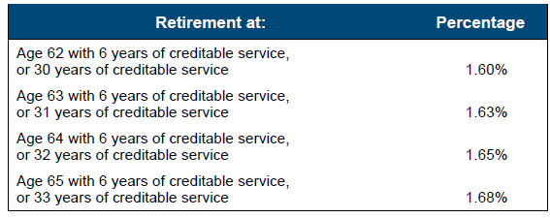
system | class_name | tier_group | dist_age_min_ge | dist_age_max_lt | yos_min_ge | yos_max_lt | dist_year_min_ge | dist_year_max_lt | benmult
frs | regular | tier_1 | 0 | 9999 | 33 | 9999 | 0 | 9999 | 1.680%
frs | regular | tier_1 | 0 | 65 | 32 | 33 | 0 | 9999 | 1.650%
frs | regular | tier_1 | 0 | 64 | 31 | 32 | 0 | 9999 | 1.630%
frs | regular | tier_1 | 0 | 63 | 30 | 31 | 0 | 9999 | 1.600%

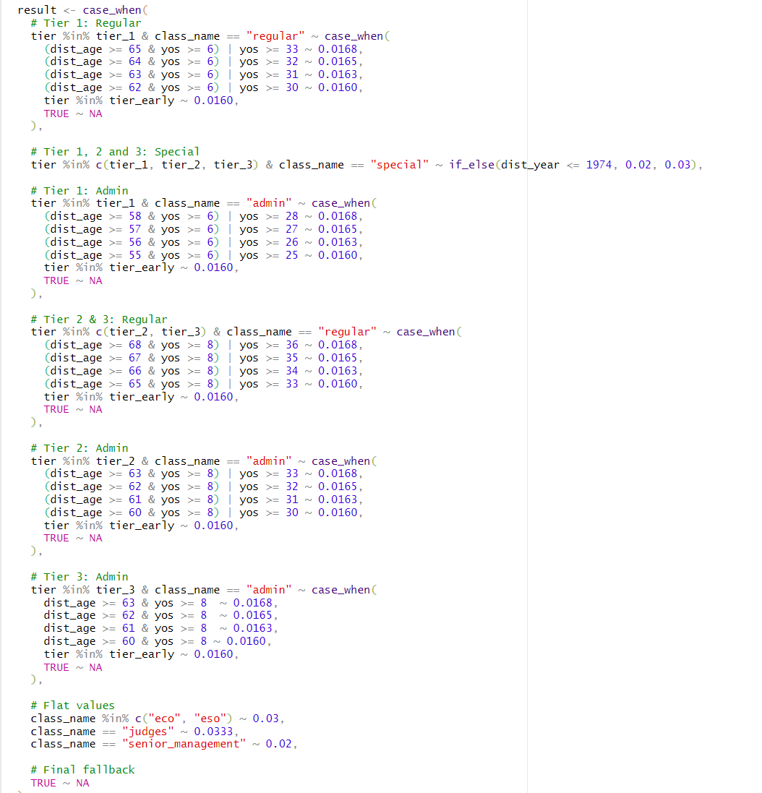
frs | regular | tier_1 | 65 | 9999 | 6 | 33 | 0 | 9999 | 1.680%
frs | regular | tier_1 | 64 | 65 | 6 | 32 | 0 | 9999 | 1.650%
frs | regular | tier_1 | 63 | 64 | 6 | 31 | 0 | 9999 | 1.630%
frs | regular | tier_1 | 62 | 63 | 6 | 30 | 0 | 9999 | 1.600%

