amortization_bases
start_col | D
end_col | G
start_row | 11
source | AV2022, Table 4-3+
note | apparently does not use special risk support
note | eco is leg/atty/cab subclass; eso is local

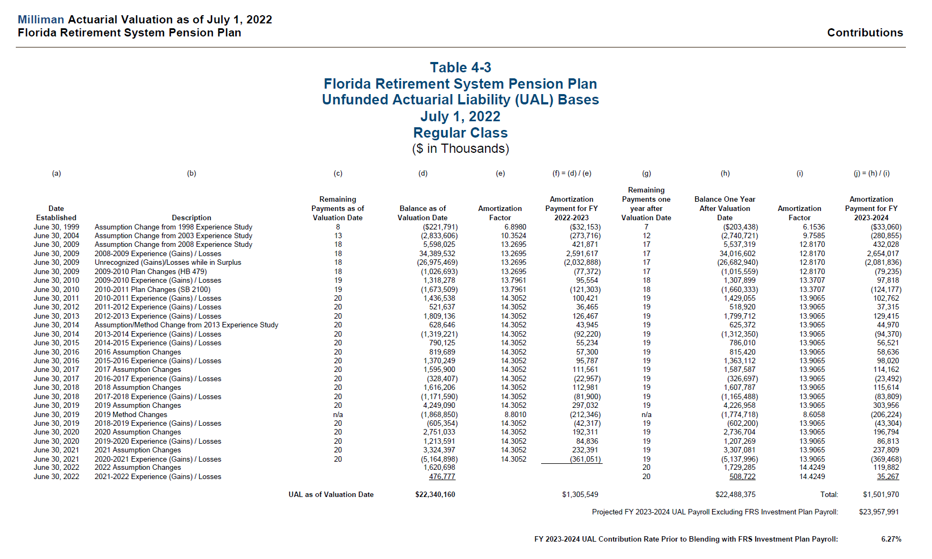
 |  | class | date | amo_period | amo_balance
 |  | regular | June 30, 1999 | 8 | (221,791,000)
 |  | regular | June 30, 2004 | 13 | (2,833,606,000)
 |  | regular | June 30, 2009 | 18 | 5,598,025,000
 |  | regular | June 30, 2009 | 18 | 34,389,532,000
 |  | regular | June 30, 2009 | 18 | (26,975,469,000)
 |  | regular | June 30, 2009 | 18 | (1,026,693,000)
 |  | regular | June 30, 2010 | 19 | 1,318,278,000
 |  | regular | June 30, 2010 | 19 | (1,673,509,000)
 |  | regular | June 30, 2011 | 20 | 1,436,538,000
 |  | regular | June 30, 2012 | 20 | 521,637,000
 |  | regular | June 30, 2013 | 20 | 1,809,136,000
 |  | regular | June 30, 2014 | 20 | 628,646,000
 |  | regular | June 30, 2014 | 20 | (1,319,221,000)
 |  | regular | June 30, 2015 | 20 | 790,125,000
 |  | regular | June 30, 2016 | 20 | 819,689,000
 |  | regular | June 30, 2016 | 20 | 1,370,249,000
 |  | regular | June 30, 2017 | 20 | 1,595,900,000
 |  | regular | June 30, 2017 | 20 | (328,407,000)
 |  | regular | June 30, 2018 | 20 | 1,616,206,000
 |  | regular | June 30, 2018 | 20 | (1,171,590,000)
 |  | regular | June 30, 2019 | 20 | 4,249,090,000
 |  | regular | June 30, 2019 | n/a | (1,868,850,000)
 |  | regular | June 30, 2019 | 20 | (605,354,000)
 |  | regular | June 30, 2020 | 20 | 2,751,033,000
 |  | regular | June 30, 2020 | 20 | 1,213,591,000
 |  | regular | June 30, 2021 | 20 | 3,324,397,000
 |  | regular | June 30, 2021 | 20 | (5,164,898,000)
 |  | regular | June 30, 2022 | 21 | 1,620,698,000
 |  | regular | June 30, 2022 | 21 | 476,777,000

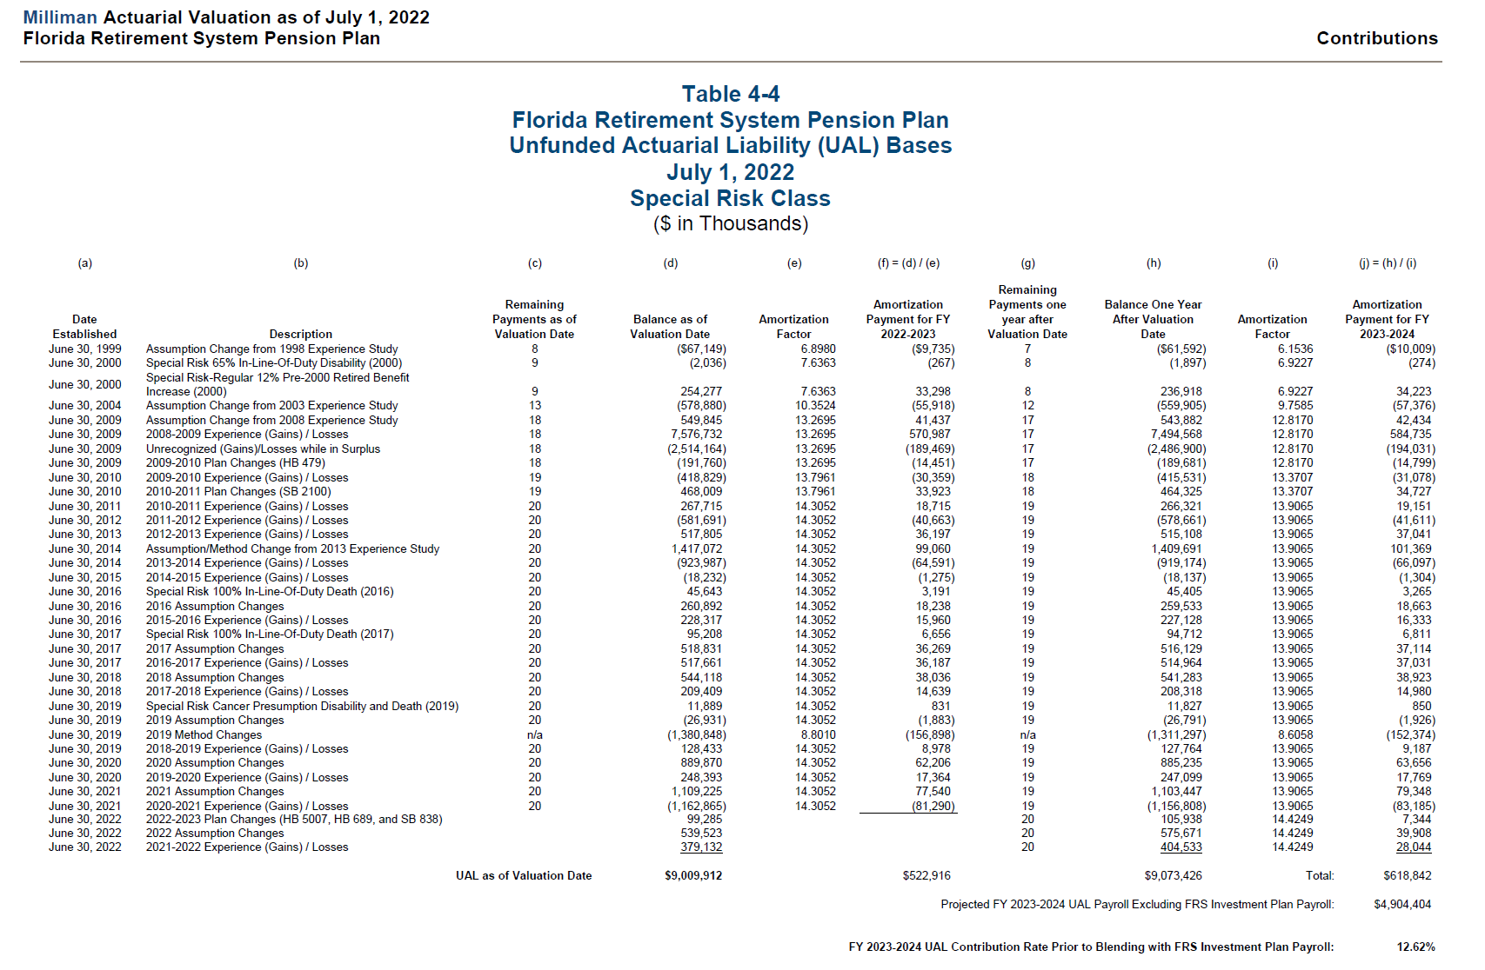
 |  | special | June 30, 1999 | 8 | (67,149,000)
 |  | special | June 30, 2000 | 9 | (2,036,000)
 |  | special | June 30, 2000 | 9 | 254,277,000
 |  | special | June 30, 2004 | 13 | (578,880,000)
 |  | special | June 30, 2009 | 18 | 549,845,000
 |  | special | June 30, 2009 | 18 | 7,576,732,000
 |  | special | June 30, 2009 | 18 | (2,514,164,000)
 |  | special | June 30, 2009 | 18 | (191,760,000)
 |  | special | June 30, 2010 | 19 | (418,829,000)
 |  | special | June 30, 2010 | 19 | 468,009,000
 |  | special | June 30, 2011 | 20 | 267,715,000
 |  | special | June 30, 2012 | 20 | (581,691,000)
 |  | special | June 30, 2013 | 20 | 517,805,000
 |  | special | June 30, 2014 | 20 | 1,417,072,000
 |  | special | June 30, 2014 | 20 | (923,987,000)
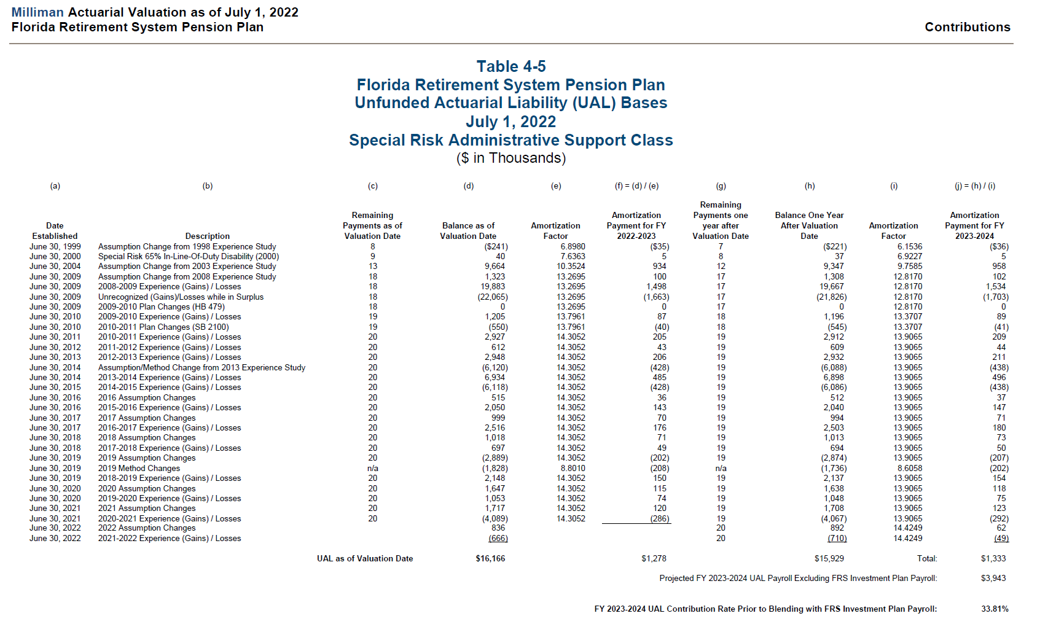
 |  | special | June 30, 2015 | 20 | (18,232,000)
 |  | special | June 30, 2016 | 20 | 45,643,000
 |  | special | June 30, 2016 | 20 | 260,892,000
 |  | special | June 30, 2016 | 20 | 228,317,000
 |  | special | June 30, 2017 | 20 | 95,208,000
 |  | special | June 30, 2017 | 20 | 518,831,000
 |  | special | June 30, 2017 | 20 | 517,661,000
 |  | special | June 30, 2018 | 20 | 544,118,000
 |  | special | June 30, 2018 | 20 | 209,409,000
 |  | special | June 30, 2019 | 20 | 11,889,000
 |  | special | June 30, 2019 | 20 | (26,931,000)
 |  | special | June 30, 2019 | n/a | (1,380,848,000)
 |  | special | June 30, 2019 | 20 | 128,433,000
 |  | special | June 30, 2020 | 20 | 889,870,000
 |  | special | June 30, 2020 | 20 | 248,393,000
 |  | special | June 30, 2021 | 20 | 1,109,225,000
 |  | special | June 30, 2021 | 20 | (1,162,865,000)
 |  | special | June 30, 2022 | 21 | 99,285,000
 |  | special | June 30, 2022 | 21 | 539,523,000
 |  | special | June 30, 2022 | 21 | 379,132,000

 |  | eso | June 30, 1999 | 8 | 4,000
 |  | eso | June 30, 2004 | 13 | 32,322,000
 |  | eso | June 30, 2009 | 18 | 11,792,000
 |  | eso | June 30, 2009 | 18 | 242,041,000
 |  | eso | June 30, 2009 | 18 | (59,928,000)
 |  | eso | June 30, 2009 | 18 | (7,316,000)
 |  | eso | June 30, 2010 | 19 | 2,143,000
 |  | eso | June 30, 2010 | 19 | 306,000
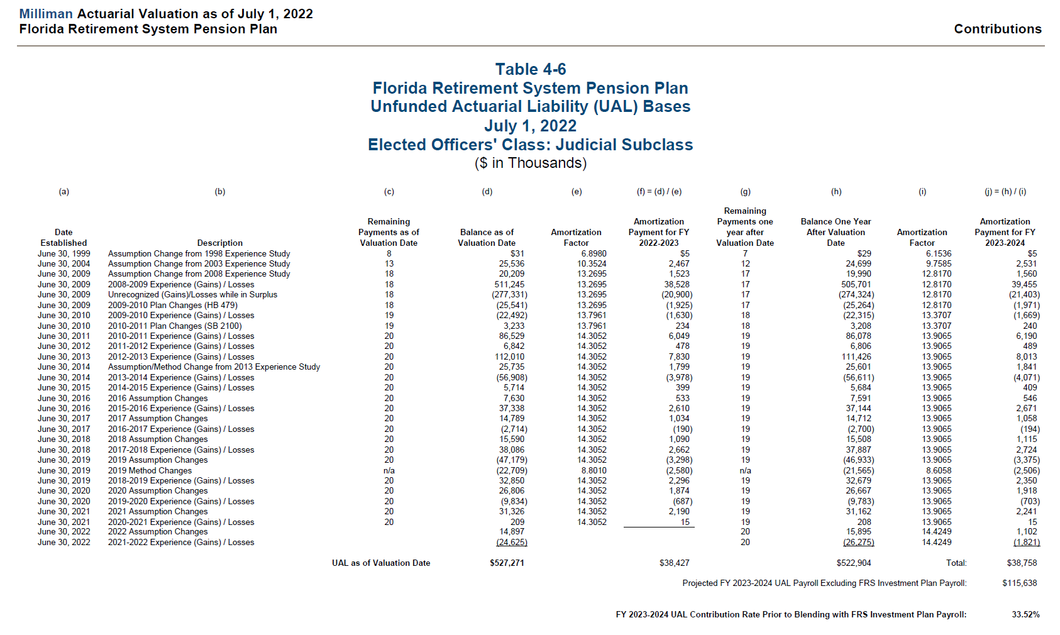
 |  | eso | June 30, 2011 | 20 | 14,411,000
 |  | eso | June 30, 2012 | 20 | (5,930,000)
 |  | eso | June 30, 2013 | 20 | 114,821,000
 |  | eso | June 30, 2014 | 20 | (24,551,000)
 |  | eso | June 30, 2014 | 20 | (10,908,000)
 |  | eso | June 30, 2015 | 20 | (10,912,000)
 |  | eso | June 30, 2016 | 20 | 3,428,000
 |  | eso | June 30, 2016 | 20 | 22,609,000
 |  | eso | June 30, 2017 | 20 | 7,187,000
 |  | eso | June 30, 2017 | 20 | 40,666,000
 |  | eso | June 30, 2018 | 20 | 7,331,000
 |  | eso | June 30, 2018 | 20 | 11,226,000
 |  | eso | June 30, 2019 | 20 | (9,010,000)
 |  | eso | June 30, 2019 | n/a | (5,367,000)
 |  | eso | June 30, 2019 | 20 | (2,139,000)
 |  | eso | June 30, 2020 | 20 | 12,342,000
 |  | eso | June 30, 2020 | 20 | 3,651,000
 |  | eso | June 30, 2021 | 20 | 14,471,000
 |  | eso | June 30, 2021 | 20 | 17,382,000
 |  | eso | June 30, 2022 | 21 | 7,030,000
 |  | eso | June 30, 2022 | 21 | 5,837,000

 |  | eco | June 30, 1999 | 8 | 2,000
 |  | eco | June 30, 2004 | 13 | 1,923,000
 |  | eco | June 30, 2009 | 18 | 2,028,000
 |  | eco | June 30, 2009 | 18 | 62,121,000
 |  | eco | June 30, 2009 | 18 | (35,527,000)
 |  | eco | June 30, 2009 | 18 | (806,000)
 |  | eco | June 30, 2010 | 19 | 2,928,000
 |  | eco | June 30, 2010 | 19 | 133,000
 |  | eco | June 30, 2011 | 20 | 8,722,000
 |  | eco | June 30, 2012 | 20 | (4,126,000)
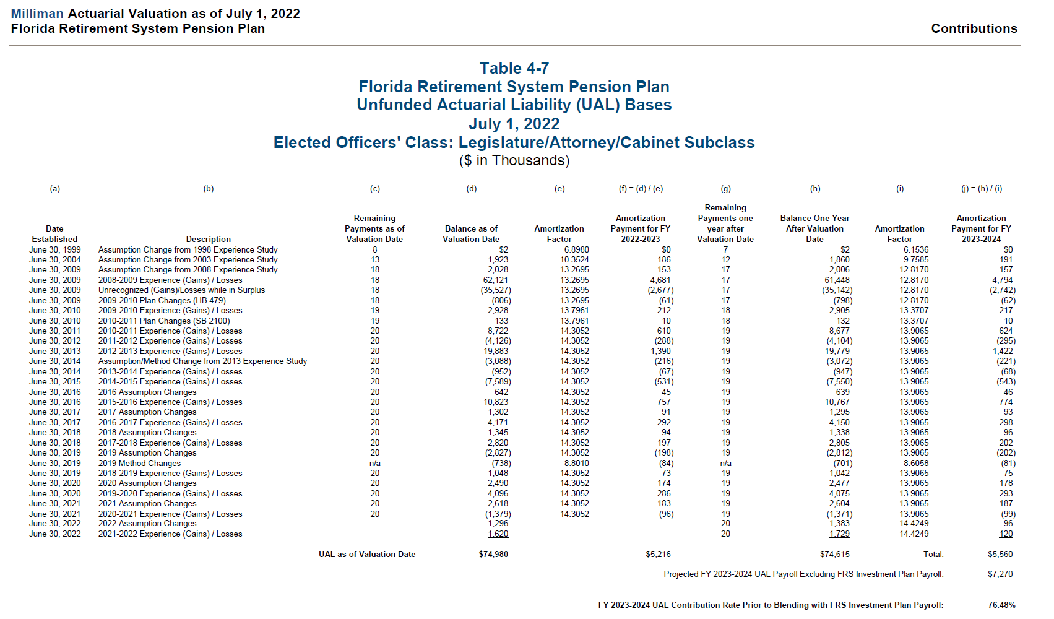
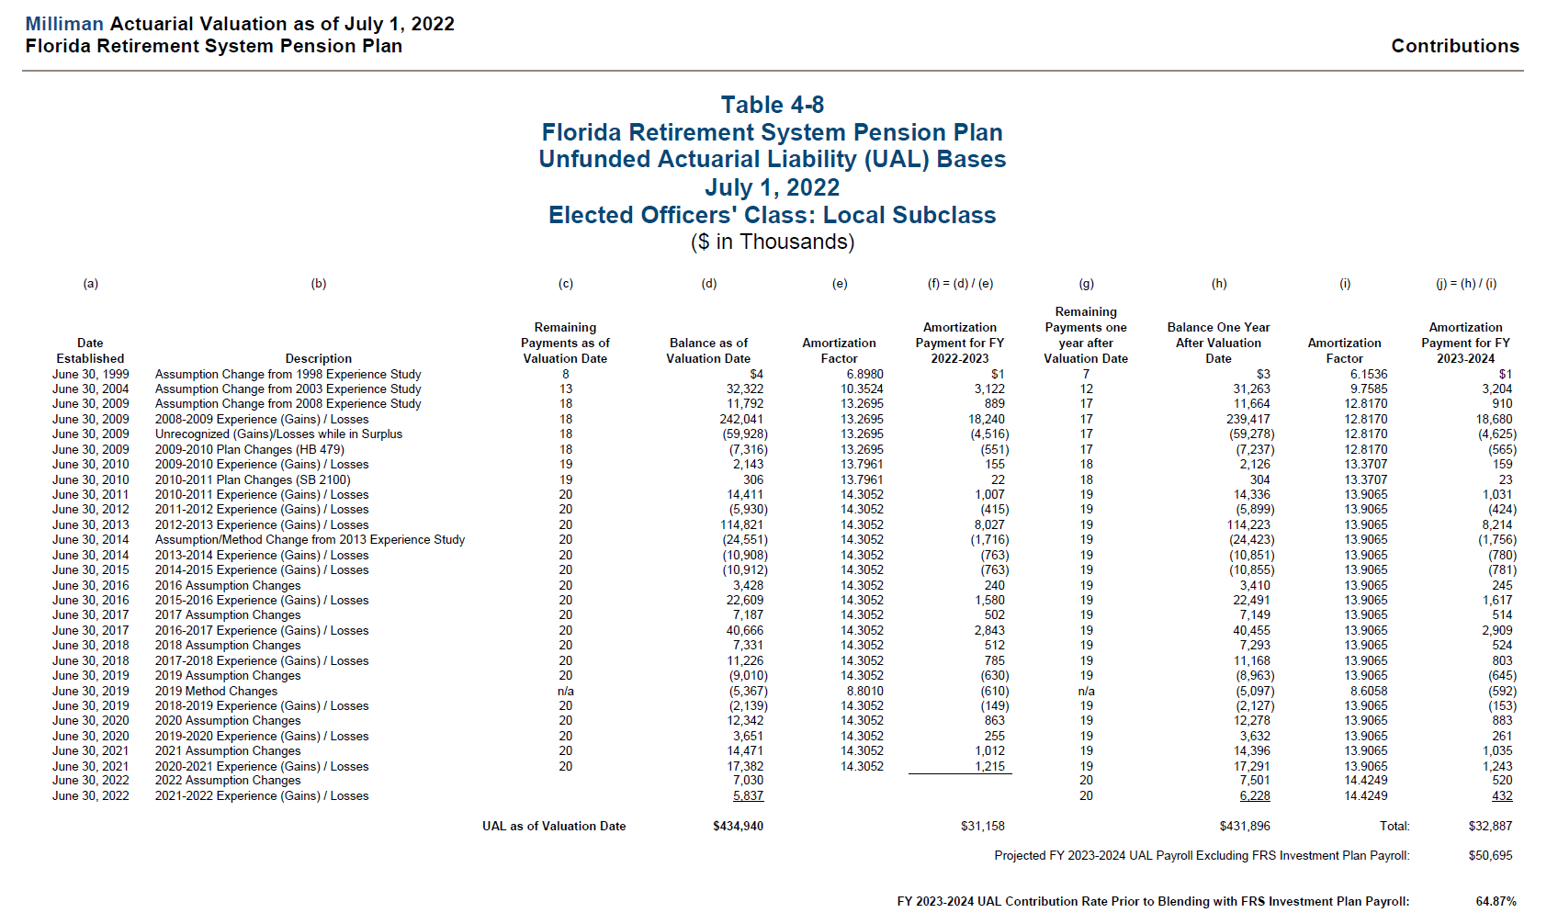
 |  | eco | June 30, 2013 | 20 | 19,883,000
 |  | eco | June 30, 2014 | 20 | (3,088,000)
 |  | eco | June 30, 2014 | 20 | (952,000)
 |  | eco | June 30, 2015 | 20 | (7,589,000)
 |  | eco | June 30, 2016 | 20 | 642,000
 |  | eco | June 30, 2016 | 20 | 10,823,000
 |  | eco | June 30, 2017 | 20 | 1,302,000
 |  | eco | June 30, 2017 | 20 | 4,171,000
 |  | eco | June 30, 2018 | 20 | 1,345,000
 |  | eco | June 30, 2018 | 20 | 2,820,000
 |  | eco | June 30, 2019 | 20 | (2,827,000)
 |  | eco | June 30, 2019 | n/a | (738,000)
 |  | eco | June 30, 2019 | 20 | 1,048,000
 |  | eco | June 30, 2020 | 20 | 2,490,000
 |  | eco | June 30, 2020 | 20 | 4,096,000
 |  | eco | June 30, 2021 | 20 | 2,618,000
 |  | eco | June 30, 2021 | 20 | (1,379,000)
 |  | eco | June 30, 2022 | 21 | 1,296,000
 |  | eco | June 30, 2022 | 21 | 1,620,000

 |  | judges | June 30, 1999 | 8 | 31,000
 |  | judges | June 30, 2004 | 13 | 25,536,000
 |  | judges | June 30, 2009 | 18 | 20,209,000
 |  | judges | June 30, 2009 | 18 | 511,245,000
 |  | judges | June 30, 2009 | 18 | (277,331,000)
 |  | judges | June 30, 2009 | 18 | (25,541,000)
 |  | judges | June 30, 2010 | 19 | (22,492,000)
 |  | judges | June 30, 2010 | 19 | 3,233,000
 |  | judges | June 30, 2011 | 20 | 86,529,000
 |  | judges | June 30, 2012 | 20 | 6,842,000

 |  | judges | June 30, 2013 | 20 | 112,010,000
 |  | judges | June 30, 2014 | 20 | 25,735,000
 |  | judges | June 30, 2014 | 20 | (56,908,000)
 |  | judges | June 30, 2015 | 20 | 5,714,000
 |  | judges | June 30, 2016 | 20 | 7,630,000
 |  | judges | June 30, 2016 | 20 | 37,338,000
 |  | judges | June 30, 2017 | 20 | 14,789,000
 |  | judges | June 30, 2017 | 20 | (2,714,000)
 |  | judges | June 30, 2018 | 20 | 15,590,000
 |  | judges | June 30, 2018 | 20 | 38,086,000
 |  | judges | June 30, 2019 | 20 | (47,179,000)
 |  | judges | June 30, 2019 | n/a | (22,709,000)
 |  | judges | June 30, 2019 | 20 | 32,850,000
 |  | judges | June 30, 2020 | 20 | 26,806,000
 |  | judges | June 30, 2020 | 20 | (9,834,000)
 |  | judges | June 30, 2021 | 20 | 31,326,000
 |  | judges | June 30, 2021 | 20 | 209,000
 |  | judges | June 30, 2022 | 21 | 14,897,000
 |  | judges | June 30, 2022 | 21 | (24,625,000)

 |  | admin | June 30, 1999 | 8 | (241,000)
 |  | admin | June 30, 2000 | 9 | 40,000
 |  | admin | June 30, 2004 | 13 | 9,664,000
 |  | admin | June 30, 2009 | 18 | 1,323,000
 |  | admin | June 30, 2009 | 18 | 19,883,000
 |  | admin | June 30, 2009 | 18 | (22,065,000)
 |  | admin | June 30, 2009 | 18 | -
 |  | admin | June 30, 2010 | 19 | 1,205,000
 |  | admin | June 30, 2010 | 19 | (550,000)
 |  | admin | June 30, 2011 | 20 | 2,927,000
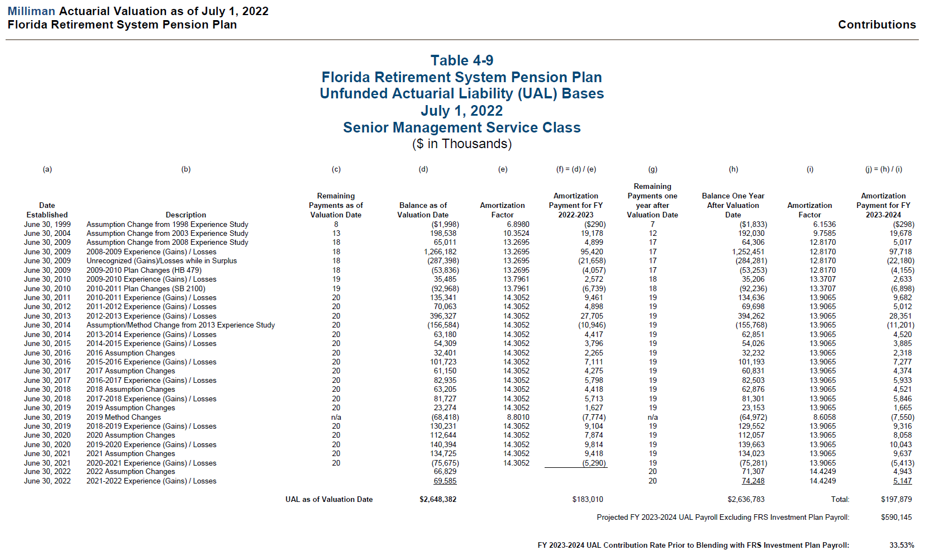
 |  | admin | June 30, 2012 | 20 | 612,000
 |  | admin | June 30, 2013 | 20 | 2,948,000
 |  | admin | June 30, 2014 | 20 | (6,120,000)
 |  | admin | June 30, 2014 | 20 | 6,934,000
 |  | admin | June 30, 2015 | 20 | (6,118,000)
 |  | admin | June 30, 2016 | 20 | 515,000
 |  | admin | June 30, 2016 | 20 | 2,050,000
 |  | admin | June 30, 2017 | 20 | 999,000
 |  | admin | June 30, 2017 | 20 | 2,516,000
 |  | admin | June 30, 2018 | 20 | 1,018,000
 |  | admin | June 30, 2018 | 20 | 697,000
 |  | admin | June 30, 2019 | 20 | (2,889,000)
 |  | admin | June 30, 2019 | n/a | (1,828,000)
 |  | admin | June 30, 2019 | 20 | 2,148,000
 |  | admin | June 30, 2020 | 20 | 1,647,000
 |  | admin | June 30, 2020 | 20 | 1,053,000
 |  | admin | June 30, 2021 | 20 | 1,717,000
 |  | admin | June 30, 2021 | 20 | (4,089,000)
 |  | admin | June 30, 2022 | 21 | 836,000
 |  | admin | June 30, 2022 | 21 | (666,000)

 |  | senior management | June 30, 1999 | 8 | (1,998,000)
 |  | senior management | June 30, 2004 | 13 | 198,538,000
 |  | senior management | June 30, 2009 | 18 | 65,011,000
 |  | senior management | June 30, 2009 | 18 | 1,266,182,000
 |  | senior management | June 30, 2009 | 18 | (287,398,000)
 |  | senior management | June 30, 2009 | 18 | (53,836,000)
 |  | senior management | June 30, 2010 | 19 | 35,485,000
 |  | senior management | June 30, 2010 | 19 | (92,968,000)
 |  | senior management | June 30, 2011 | 20 | 135,341,000
 |  | senior management | June 30, 2012 | 20 | 70,063,000
 |  | senior management | June 30, 2013 | 20 | 396,327,000
 |  | senior management | June 30, 2014 | 20 | (156,584,000)
 |  | senior management | June 30, 2014 | 20 | 63,180,000
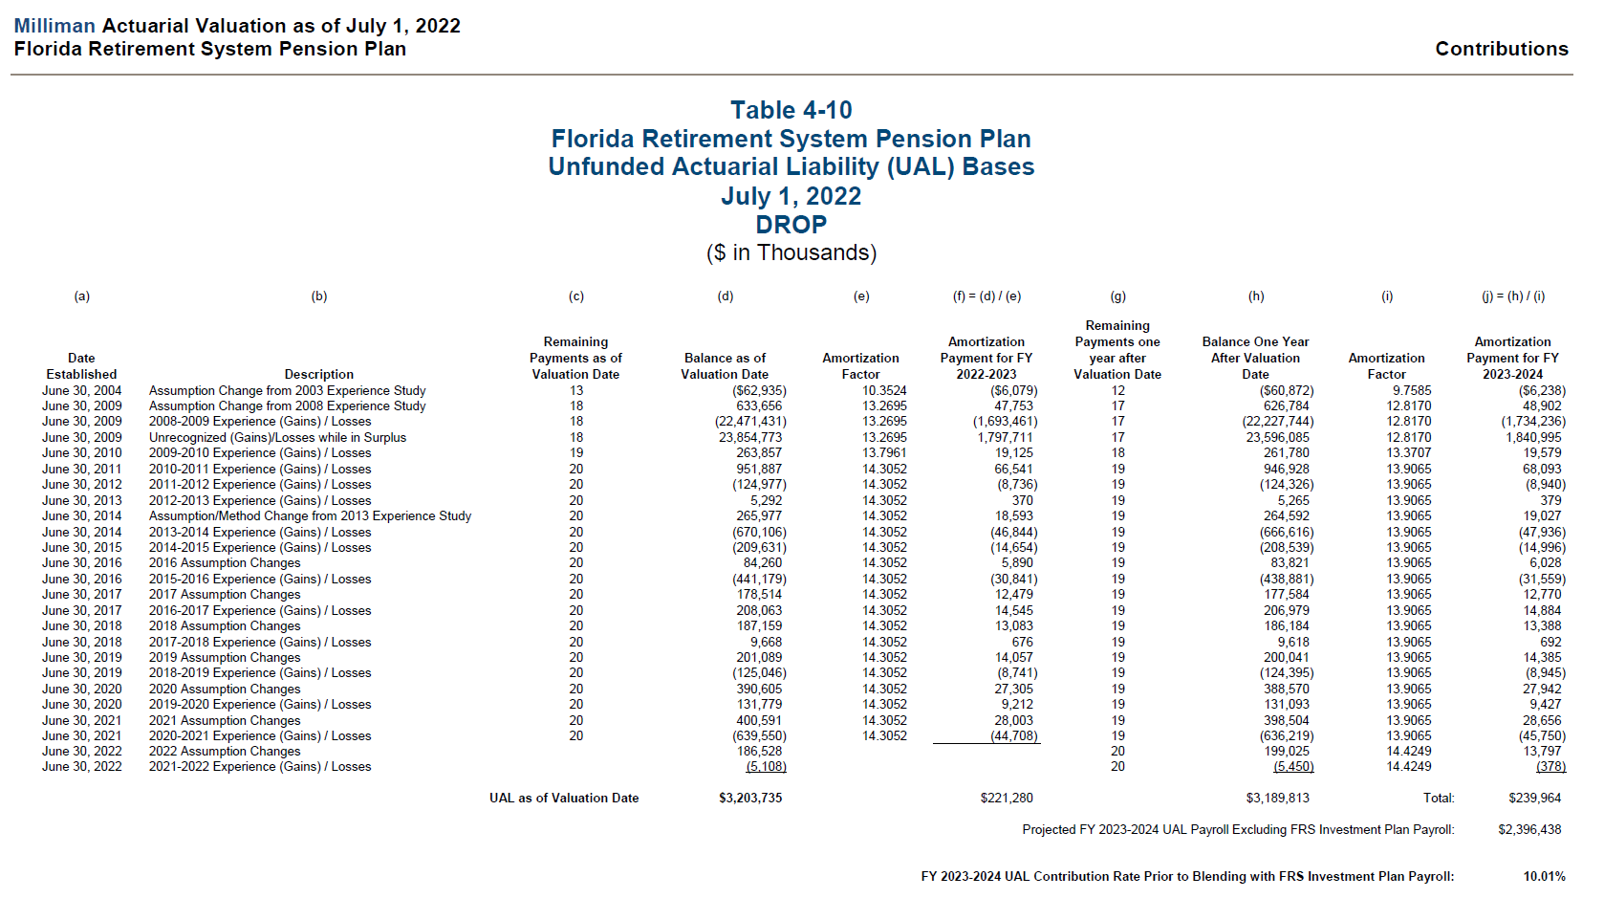
 |  | senior management | June 30, 2015 | 20 | 54,309,000
 |  | senior management | June 30, 2016 | 20 | 32,401,000
 |  | senior management | June 30, 2016 | 20 | 101,723,000
 |  | senior management | June 30, 2017 | 20 | 61,150,000
 |  | senior management | June 30, 2017 | 20 | 82,935,000
 |  | senior management | June 30, 2018 | 20 | 63,205,000
 |  | senior management | June 30, 2018 | 20 | 81,727,000
 |  | senior management | June 30, 2019 | 20 | 23,274,000
 |  | senior management | June 30, 2019 | n/a | (68,418,000)
 |  | senior management | June 30, 2019 | 20 | 130,231,000
 |  | senior management | June 30, 2020 | 20 | 112,644,000
 |  | senior management | June 30, 2020 | 20 | 140,394,000
 |  | senior management | June 30, 2021 | 20 | 134,725,000
 |  | senior management | June 30, 2021 | 20 | (75,675,000)
 |  | senior management | June 30, 2022 | 21 | 66,829,000
 |  | senior management | June 30, 2022 | 21 | 69,585,000

 |  | drop | June 30, 2004 | 13 | (62,935,000)
 |  | drop | June 30, 2009 | 18 | 633,656,000
 |  | drop | June 30, 2009 | 18 | (22,471,431,000)
 |  | drop | June 30, 2009 | 18 | 23,854,773,000
 |  | drop | June 30, 2010 | 19 | 263,857,000
 |  | drop | June 30, 2011 | 20 | 951,887,000
 |  | drop | June 30, 2012 | 20 | (124,977,000)
 |  | drop | June 30, 2013 | 20 | 5,292,000
 |  | drop | June 30, 2014 | 20 | 265,977,000
 |  | drop | June 30, 2014 | 20 | (670,106,000)
 |  | drop | June 30, 2015 | 20 | (209,631,000)
 |  | drop | June 30, 2016 | 20 | 84,260,000
 |  | drop | June 30, 2016 | 20 | (441,179,000)
 |  | drop | June 30, 2017 | 20 | 178,514,000
 |  | drop | June 30, 2017 | 20 | 208,063,000
 |  | drop | June 30, 2018 | 20 | 187,159,000
 |  | drop | June 30, 2018 | 20 | 9,668,000
 |  | drop | June 30, 2019 | 20 | 201,089,000
 |  | drop | June 30, 2019 | 20 | (125,046,000)
 |  | drop | June 30, 2020 | 20 | 390,605,000
 |  | drop | June 30, 2020 | 20 | 131,779,000
 |  | drop | June 30, 2021 | 20 | 400,591,000
 |  | drop | June 30, 2021 | 20 | (639,550,000)
 |  | drop | June 30, 2022 | 21 | 186,528,000
 |  | drop | June 30, 2022 | 21 | (5,108,000)

benefit_rules
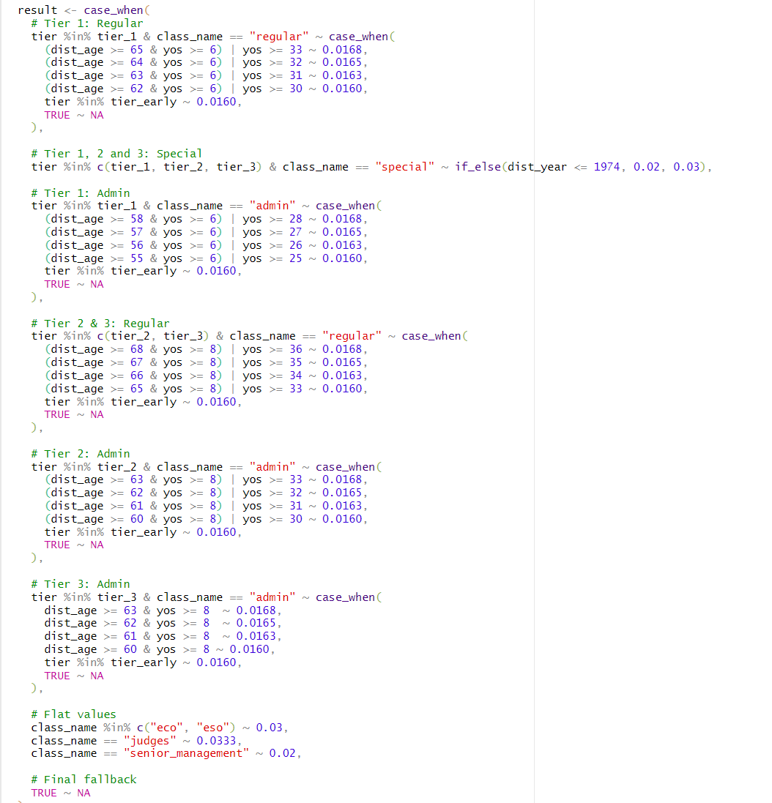
start_col | D
end_col | P
start_row | 7
note | rules are NOT mutually exclusive

 |  | class | tier | early_retirement | ruletype | dist_age_min_ge | dist_age_max_lt | yos_min_ge | yos_max_lt | dist_year_min_ge | dist_year_max_lt | special_calc_function | benmult | rule_description
 |  | regular | tier_1 | FALSE | ageyos | 62 | 63 | 6 | 70 | 2011 | 9999 |  | 0.0160 | regular_tier1_normal_ageyos_62_6
 |  | regular | tier_1 | FALSE | yos | - | 110 | 30 | 31 | 2011 | 9999 |  | 0.0160 | regular_tier1_normal_yos_30
 |  | regular | tier_1 | FALSE | ageyos | 63 | 64 | 6 | 70 | 2011 | 9999 |  | 0.0163 | regular_tier1_normal_ageyos_63_6
 |  | regular | tier_1 | FALSE | yos | - | 110 | 31 | 32 | 2011 | 9999 |  | 0.0163 | regular_tier1_normal_yos_31
 |  | regular | tier_1 | FALSE | ageyos | 64 | 65 | 6 | 70 | 2011 | 9999 |  | 0.0165 | regular_tier1_normal_ageyos_64_6
 |  | regular | tier_1 | FALSE | yos | - | 110 | 32 | 33 | 2011 | 9999 |  | 0.0165 | regular_tier1_normal_yos_32
 |  | regular | tier_1 | FALSE | ageyos | 65 | 110 | 6 | 70 | 2011 | 9999 |  | 0.0168 | regular_tier1_normal_ageyos_65_6
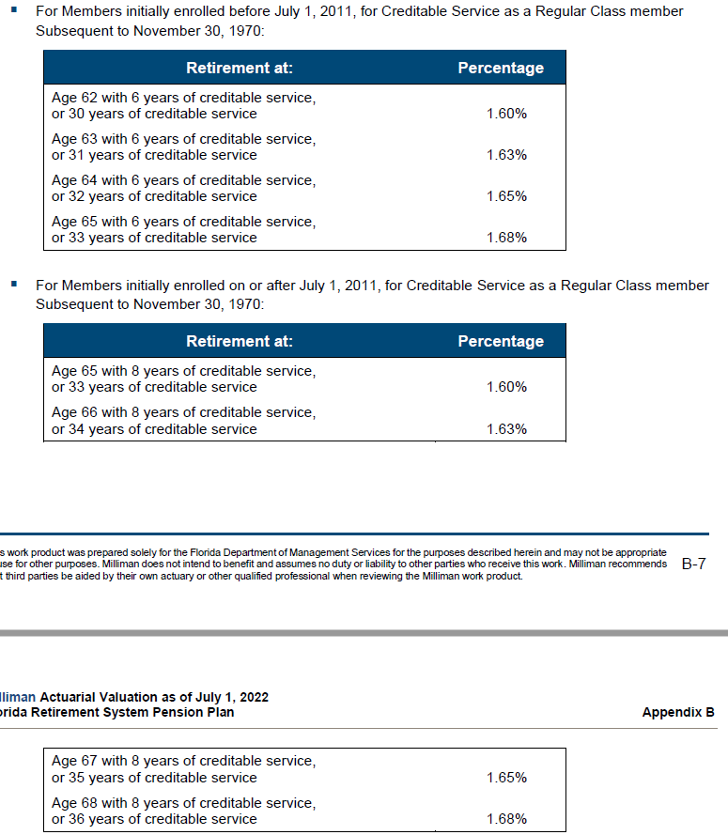
 |  | regular | tier_1 | FALSE | yos | - | 110 | 33 | 70 | 2011 | 9999 |  | 0.0168 | regular_tier1_normal_yos_33
 |  | regular | tier_1 | TRUE | early | 18 | 62 | 6 | 70 | 2011 | 9999 |  | 0.0160 | regular_tier1_early_reduction
 |  | regular | tier_2 | FALSE | ageyos | 65 | 110 | 8 | 70 | 2011 | 9999 |  | 0.0160 | regular_tier2_normal_ageyos_65_8
 |  | regular | tier_2 | FALSE | yos | - | 110 | 33 | 70 | 2011 | 9999 |  | 0.0160 | regular_tier2_normal_yos_33
 |  | regular | tier_2 | TRUE | early | 18 | 65 | 8 | 70 | 2011 | 9999 |  | 0.0160 | regular_tier2_early_reduction
 |  | special | tier_1 | FALSE | ageyos | 55 | 110 | 6 | 70 | 2011 | 9999 |  | 0.0300 | special_tier1_normal_ageyos_55_6
 |  | special | tier_1 | FALSE | yos | - | 110 | 25 | 70 | 2011 | 9999 |  | 0.0300 | special_tier1_normal_yos_25
 |  | special | tier_1 | FALSE | ageyos | 52 | 110 | 25 | 70 | 2011 | 9999 |  | 0.0300 | special_tier1_normal_ageyos_52_25
 |  | special | tier_1 | FALSE | ageyos | 62 | 110 | 6 | 70 | 2011 | 9999 |  | 0.0300 | special_tier1_normal_ageyos_62_6_mixed
 |  | special | tier_1 | FALSE | yos | - | 110 | 30 | 70 | 2011 | 9999 |  | 0.0300 | special_tier1_normal_yos_30_mixed
 |  | special | tier_1 | TRUE | early | 18 | 55 | 6 | 70 | 2011 | 9999 |  | 0.0300 | special_tier1_early_reduction
 |  | special | tier_2 | FALSE | ageyos | 60 | 110 | 8 | 70 | 2011 | 9999 |  | 0.0300 | special_tier2_normal_ageyos_60_8
 |  | special | tier_2 | FALSE | yos | - | 110 | 30 | 70 | 2011 | 9999 |  | 0.0300 | special_tier2_normal_yos_30
 |  | special | tier_2 | FALSE | ageyos | 65 | 110 | 8 | 70 | 2011 | 9999 |  | 0.0300 | special_tier2_normal_ageyos_65_8_mixed
 |  | special | tier_2 | FALSE | yos | - | 110 | 33 | 70 | 2011 | 9999 |  | 0.0300 | special_tier2_normal_yos_33_mixed
 |  | special | tier_2 | TRUE | early | 18 | 60 | 8 | 70 | 2011 | 9999 |  | 0.0300 | special_tier2_early_reduction
 |  | admin | tier_1 | FALSE | ageyos | 55 | 110 | 6 | 70 | 2011 | 9999 |  | 0.0300 | admin_tier1_normal_ageyos_55_6_specialrisk
 |  | admin | tier_1 | FALSE | yos | - | 110 | 25 | 70 | 2011 | 9999 |  | 0.0300 | admin_tier1_normal_yos_25_specialrisk
 |  | admin | tier_1 | FALSE | ageyos | 62 | 63 | 6 | 70 | 2011 | 9999 |  | 0.0160 | admin_tier1_normal_ageyos_62_6_regular
 |  | admin | tier_1 | FALSE | yos | - | 110 | 30 | 31 | 2011 | 9999 |  | 0.0160 | admin_tier1_normal_yos_30_regular
 |  | admin | tier_1 | FALSE | ageyos | 63 | 64 | 6 | 70 | 2011 | 9999 |  | 0.0163 | admin_tier1_normal_ageyos_63_6_regular
 |  | admin | tier_1 | FALSE | yos | - | 110 | 31 | 32 | 2011 | 9999 |  | 0.0163 | admin_tier1_normal_yos_31_regular
 |  | admin | tier_1 | FALSE | ageyos | 64 | 65 | 6 | 70 | 2011 | 9999 |  | 0.0165 | admin_tier1_normal_ageyos_64_6_regular
 |  | admin | tier_1 | FALSE | yos | - | 110 | 32 | 33 | 2011 | 9999 |  | 0.0165 | admin_tier1_normal_yos_32_regular
 |  | admin | tier_1 | FALSE | ageyos | 65 | 110 | 6 | 70 | 2011 | 9999 |  | 0.0168 | admin_tier1_normal_ageyos_65_6_regular
 |  | admin | tier_1 | FALSE | yos | - | 110 | 33 | 70 | 2011 | 9999 |  | 0.0168 | admin_tier1_normal_yos_33_regular
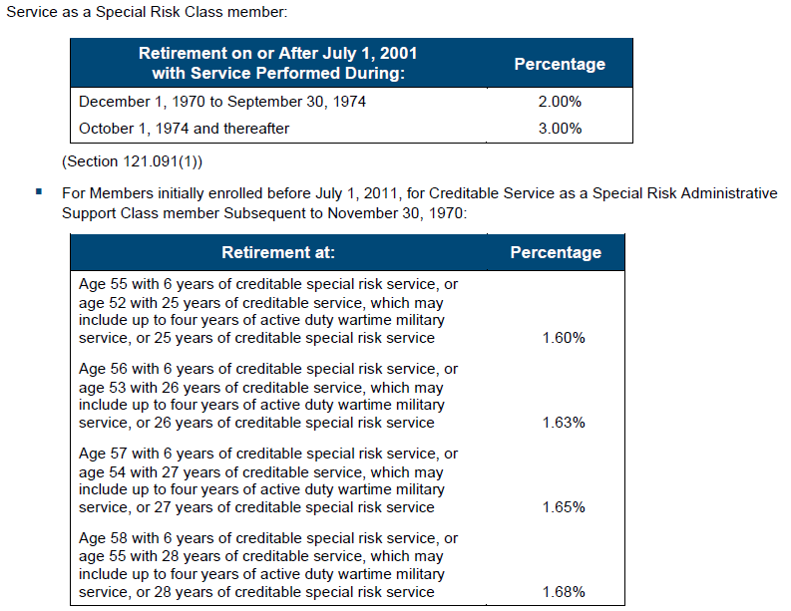
 |  | admin | tier_1 | TRUE | early | 18 | 55 | 6 | 70 | 2011 | 9999 |  | 0.0300 | admin_tier1_early_reduction_specialrisk
 |  | admin | tier_1 | TRUE | early | 18 | 62 | 6 | 70 | 2011 | 9999 |  | 0.0160 | admin_tier1_early_reduction_regular
 |  | admin | tier_2 | FALSE | ageyos | 60 | 110 | 8 | 70 | 2011 | 9999 |  | 0.0300 | admin_tier2_normal_ageyos_60_8_specialrisk
 |  | admin | tier_2 | FALSE | yos | - | 110 | 30 | 70 | 2011 | 9999 |  | 0.0300 | admin_tier2_normal_yos_30_specialrisk
 |  | admin | tier_2 | FALSE | ageyos | 65 | 110 | 8 | 70 | 2011 | 9999 |  | 0.0160 | admin_tier2_normal_ageyos_65_8_regular
 |  | admin | tier_2 | FALSE | yos | - | 110 | 33 | 70 | 2011 | 9999 |  | 0.0160 | admin_tier2_normal_yos_33_regular
 |  | admin | tier_2 | TRUE | early | 18 | 60 | 8 | 70 | 2011 | 9999 |  | 0.0300 | admin_tier2_early_reduction_specialrisk
 |  | admin | tier_2 | TRUE | early | 18 | 65 | 8 | 70 | 2011 | 9999 |  | 0.0160 | admin_tier2_early_reduction_regular
 |  | judges | tier_1 | FALSE | ageyos | 62 | 63 | 6 | 70 | 2011 | 9999 |  | 0.0333 | judges_tier1_normal_ageyos_62_6
 |  | judges | tier_1 | FALSE | yos | - | 110 | 30 | 31 | 2011 | 9999 |  | 0.0333 | judges_tier1_normal_yos_30
 |  | judges | tier_1 | FALSE | ageyos | 63 | 64 | 6 | 70 | 2011 | 9999 |  | 0.0333 | judges_tier1_normal_ageyos_63_6
 |  | judges | tier_1 | FALSE | yos | - | 110 | 31 | 32 | 2011 | 9999 |  | 0.0333 | judges_tier1_normal_yos_31
 |  | judges | tier_1 | FALSE | ageyos | 64 | 65 | 6 | 70 | 2011 | 9999 |  | 0.0333 | judges_tier1_normal_ageyos_64_6
 |  | judges | tier_1 | FALSE | yos | - | 110 | 32 | 33 | 2011 | 9999 |  | 0.0333 | judges_tier1_normal_yos_32
 |  | judges | tier_1 | FALSE | ageyos | 65 | 110 | 6 | 70 | 2011 | 9999 |  | 0.0333 | judges_tier1_normal_ageyos_65_6
 |  | judges | tier_1 | FALSE | yos | - | 110 | 33 | 70 | 2011 | 9999 |  | 0.0333 | judges_tier1_normal_yos_33
 |  | judges | tier_1 | TRUE | early | 18 | 62 | 6 | 70 | 2011 | 9999 |  | 0.0333 | judges_tier1_early_reduction
 |  | judges | tier_2 | FALSE | ageyos | 65 | 110 | 8 | 70 | 2011 | 9999 |  | 0.0333 | judges_tier2_normal_ageyos_65_8
 |  | judges | tier_2 | FALSE | yos | - | 110 | 33 | 70 | 2011 | 9999 |  | 0.0333 | judges_tier2_normal_yos_33
 |  | judges | tier_2 | TRUE | early | 18 | 65 | 8 | 70 | 2011 | 9999 |  | 0.0333 | judges_tier2_early_reduction
 |  | eso | tier_1 | FALSE | ageyos | 62 | 63 | 6 | 70 | 2011 | 9999 |  | 0.0300 | eso_tier1_normal_ageyos_62_6
 |  | eso | tier_1 | FALSE | yos | - | 110 | 30 | 31 | 2011 | 9999 |  | 0.0300 | eso_tier1_normal_yos_30
 |  | eso | tier_1 | FALSE | ageyos | 63 | 64 | 6 | 70 | 2011 | 9999 |  | 0.0300 | eso_tier1_normal_ageyos_63_6
 |  | eso | tier_1 | FALSE | yos | - | 110 | 31 | 32 | 2011 | 9999 |  | 0.0300 | eso_tier1_normal_yos_31
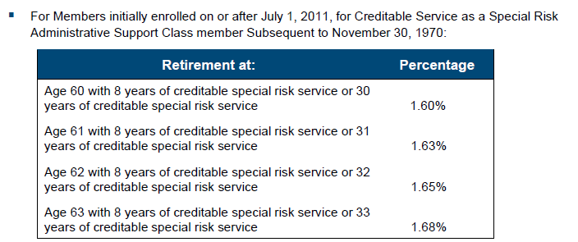
 |  | eso | tier_1 | FALSE | ageyos | 64 | 65 | 6 | 70 | 2011 | 9999 |  | 0.0300 | eso_tier1_normal_ageyos_64_6
 |  | eso | tier_1 | FALSE | yos | - | 110 | 32 | 33 | 2011 | 9999 |  | 0.0300 | eso_tier1_normal_yos_32
 |  | eso | tier_1 | FALSE | ageyos | 65 | 110 | 6 | 70 | 2011 | 9999 |  | 0.0300 | eso_tier1_normal_ageyos_65_6
 |  | eso | tier_1 | FALSE | yos | - | 110 | 33 | 70 | 2011 | 9999 |  | 0.0300 | eso_tier1_normal_yos_33
 |  | eso | tier_1 | TRUE | early | 18 | 62 | 6 | 70 | 2011 | 9999 |  | 0.0300 | eso_tier1_early_reduction
 |  | eso | tier_2 | FALSE | ageyos | 65 | 110 | 8 | 70 | 2011 | 9999 |  | 0.0300 | eso_tier2_normal_ageyos_65_8
 |  | eso | tier_2 | FALSE | yos | - | 110 | 33 | 70 | 2011 | 9999 |  | 0.0300 | eso_tier2_normal_yos_33
 |  | eso | tier_2 | TRUE | early | 18 | 65 | 8 | 70 | 2011 | 9999 |  | 0.0300 | eso_tier2_early_reduction
 |  | eco | tier_1 | FALSE | ageyos | 62 | 63 | 6 | 70 | 2011 | 9999 |  | 0.0300 | eco_tier1_normal_ageyos_62_6
 |  | eco | tier_1 | FALSE | yos | - | 110 | 30 | 31 | 2011 | 9999 |  | 0.0300 | eco_tier1_normal_yos_30
 |  | eco | tier_1 | FALSE | ageyos | 63 | 64 | 6 | 70 | 2011 | 9999 |  | 0.0300 | eco_tier1_normal_ageyos_63_6
 |  | eco | tier_1 | FALSE | yos | - | 110 | 31 | 32 | 2011 | 9999 |  | 0.0300 | eco_tier1_normal_yos_31
 |  | eco | tier_1 | FALSE | ageyos | 64 | 65 | 6 | 70 | 2011 | 9999 |  | 0.0300 | eco_tier1_normal_ageyos_64_6
 |  | eco | tier_1 | FALSE | yos | - | 110 | 32 | 33 | 2011 | 9999 |  | 0.0300 | eco_tier1_normal_yos_32
 |  | eco | tier_1 | FALSE | ageyos | 65 | 110 | 6 | 70 | 2011 | 9999 |  | 0.0300 | eco_tier1_normal_ageyos_65_6
 |  | eco | tier_1 | FALSE | yos | - | 110 | 33 | 70 | 2011 | 9999 |  | 0.0300 | eco_tier1_normal_yos_33
 |  | eco | tier_1 | TRUE | early | 18 | 62 | 6 | 70 | 2011 | 9999 |  | 0.0300 | eco_tier1_early_reduction
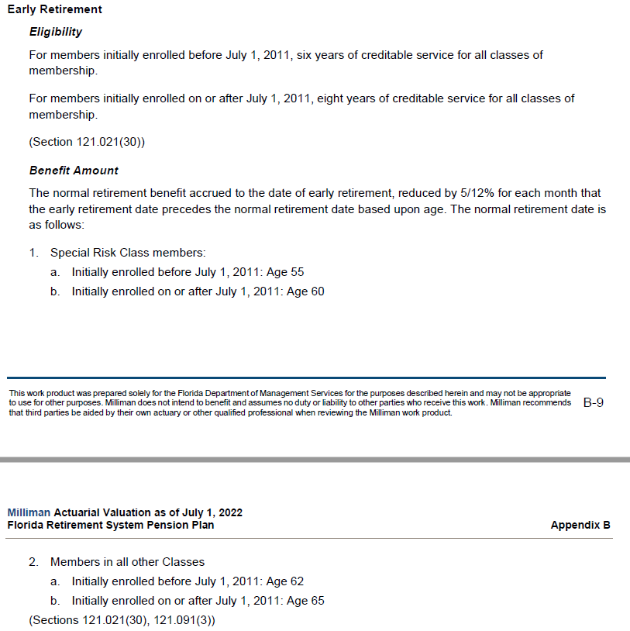
 |  | eco | tier_2 | FALSE | ageyos | 65 | 110 | 8 | 70 | 2011 | 9999 |  | 0.0300 | eco_tier2_normal_ageyos_65_8
 |  | eco | tier_2 | FALSE | yos | - | 110 | 33 | 70 | 2011 | 9999 |  | 0.0300 | eco_tier2_normal_yos_33
 |  | eco | tier_2 | TRUE | early | 18 | 65 | 8 | 70 | 2011 | 9999 |  | 0.0300 | eco_tier2_early_reduction
 |  | senior_management | tier_1 | FALSE | ageyos | 62 | 63 | 6 | 70 | 2011 | 9999 |  | 0.0200 | senior_tier1_normal_ageyos_62_6
 |  | senior_management | tier_1 | FALSE | yos | - | 110 | 30 | 31 | 2011 | 9999 |  | 0.0200 | senior_tier1_normal_yos_30
 |  | senior_management | tier_1 | FALSE | ageyos | 63 | 64 | 6 | 70 | 2011 | 9999 |  | 0.0200 | senior_tier1_normal_ageyos_63_6
 |  | senior_management | tier_1 | FALSE | yos | - | 110 | 31 | 32 | 2011 | 9999 |  | 0.0200 | senior_tier1_normal_yos_31
 |  | senior_management | tier_1 | FALSE | ageyos | 64 | 65 | 6 | 70 | 2011 | 9999 |  | 0.0200 | senior_tier1_normal_ageyos_64_6
 |  | senior_management | tier_1 | FALSE | yos | - | 110 | 32 | 33 | 2011 | 9999 |  | 0.0200 | senior_tier1_normal_yos_32
 |  | senior_management | tier_1 | FALSE | ageyos | 65 | 110 | 6 | 70 | 2011 | 9999 |  | 0.0200 | senior_tier1_normal_ageyos_65_6
 |  | senior_management | tier_1 | FALSE | yos | - | 110 | 33 | 70 | 2011 | 9999 |  | 0.0200 | senior_tier1_normal_yos_33
 |  | senior_management | tier_1 | TRUE | early | 18 | 62 | 6 | 70 | 2011 | 9999 |  | 0.0200 | senior_tier1_early_reduction
 |  | senior_management | tier_2 | FALSE | ageyos | 65 | 110 | 8 | 70 | 2011 | 9999 |  | 0.0200 | senior_tier2_normal_ageyos_65_8
 |  | senior_management | tier_2 | FALSE | yos | - | 110 | 33 | 70 | 2011 | 9999 |  | 0.0200 | senior_tier2_normal_yos_33
 |  | senior_management | tier_2 | TRUE | early | 18 | 65 | 8 | 70 | 2011 | 9999 |  | 0.0200 | senior_tier2_early_reduction

headcount_admin
start_col | C
end_col | O
start_row | 9
source | AV2022, pC-8
note | row & col totals

 |  |  | Under 5 | 5 to 10 | 10 to 15 | 15 to 20 | 20 to 25 | 25 to 30 | 30 to 35 | 35 to 40 | 40 to 45 | 45 to 50 | 50 & Up | All Years
 |  | Under 20
 |  | 20 to 24
 |  | 25 to 29 |  | 2 |  |  |  |  |  |  |  |  |  | 2
 |  | 30 to 34 |  | 5 | 4 |  |  |  |  |  |  |  |  | 9
 |  | 35 to 39 |  | 2 | 5 | 1 |  |  |  |  |  |  |  | 8
 |  | 40 to 44 |  | 1 | 4 | 5 | 3 |  |  |  |  |  |  | 13
 |  | 45 to 49 |  |  | 4 | 4 | 5 | 6 |  |  |  |  |  | 19
 |  | 50 to 54 |  | 2 | 1 | 4 | 6 | 4 | 2 |  |  |  |  | 19
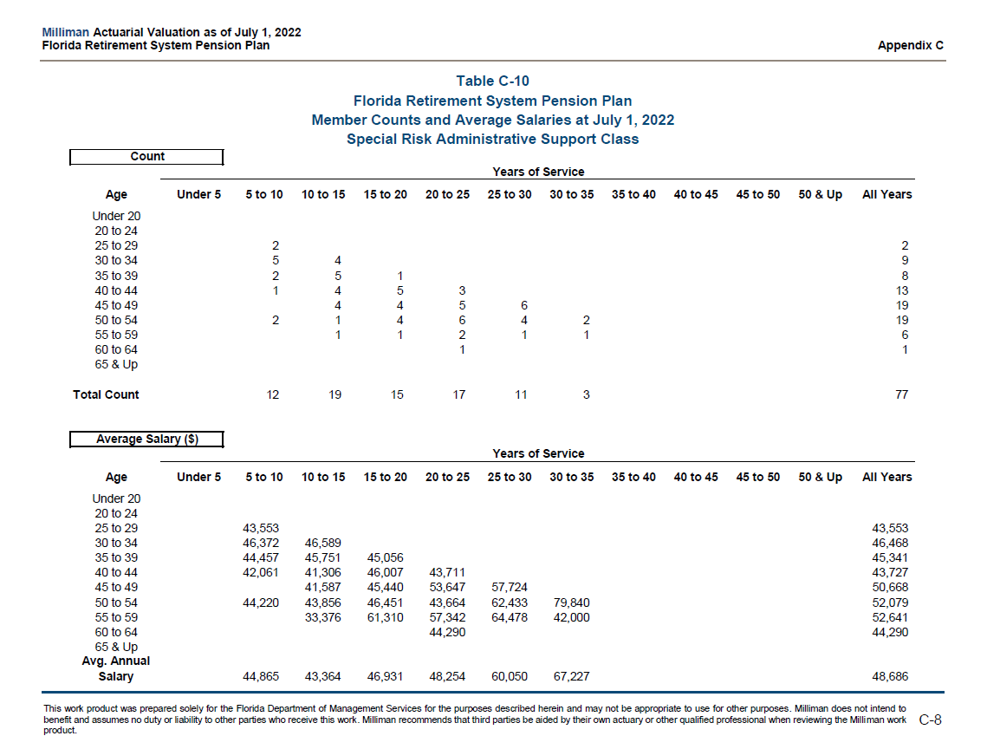
 |  | 55 to 59 |  |  | 1 | 1 | 2 | 1 | 1 |  |  |  |  | 6
 |  | 60 to 64 |  |  |  |  | 1 |  |  |  |  |  |  | 1
 |  | 65 & Up
 |  | Total Count |  | 12 | 19 | 15 | 17 | 11 | 3 |  |  |  |  | 77

headcount_eco
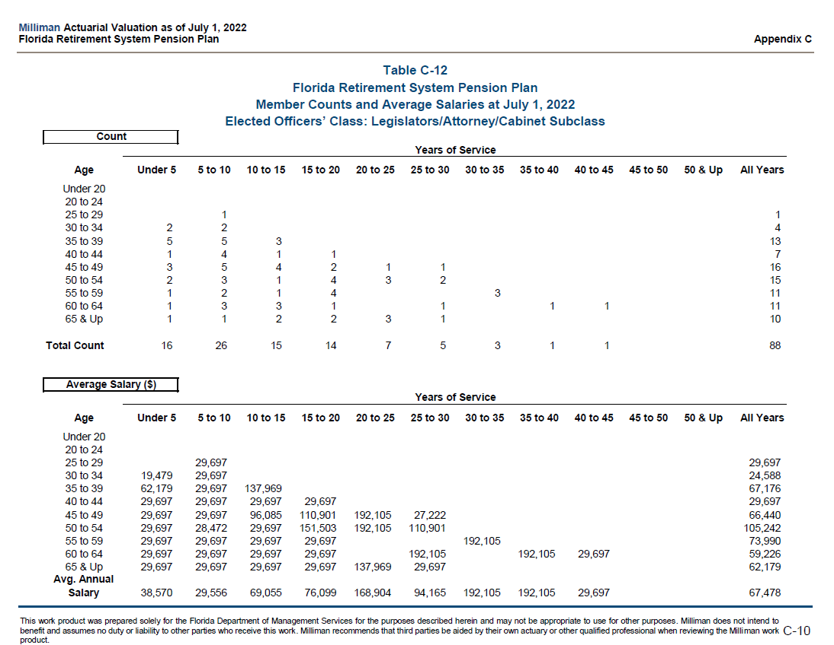
start_col | C
end_col | O
start_row | 9
source | AV2022, p. C-10
note | row & col totals
note | aka elected leg/atty/cab

 |  |  | Under 5 | 5 to 10 | 10 to 15 | 15 to 20 | 20 to 25 | 25 to 30 | 30 to 35 | 35 to 40 | 40 to 45 | 45 to 50 | 50 & Up | All Years
 |  | Under 20
 |  | 20 to 24
 |  | 25 to 29 |  | 1 |  |  |  |  |  |  |  |  |  | 1
 |  | 30 to 34 | 2 | 2 |  |  |  |  |  |  |  |  |  | 4
 |  | 35 to 39 | 5 | 5 | 3 |  |  |  |  |  |  |  |  | 13
 |  | 40 to 44 | 1 | 4 | 1 | 1 |  |  |  |  |  |  |  | 7
 |  | 45 to 49 | 3 | 5 | 4 | 2 | 1 | 1 |  |  |  |  |  | 16
 |  | 50 to 54 | 2 | 3 | 1 | 4 | 3 | 2 |  |  |  |  |  | 15
 |  | 55 to 59 | 1 | 2 | 1 | 4 |  |  | 3 |  |  |  |  | 11
 |  | 60 to 64 | 1 | 3 | 3 | 1 |  | 1 |  | 1 | 1 |  |  | 11
 |  | 65 & Up | 1 | 1 | 2 | 2 | 3 | 1 |  |  |  |  |  | 10
 |  | Total Count | 16 | 26 | 15 | 14 | 7 | 5 | 3 | 1 | 1 |  |  | 88

headcount_eso
start_col | C
end_col | O
start_row | 9
source | AV2022, p. C-11
note | row & col totals
note | aka elected local

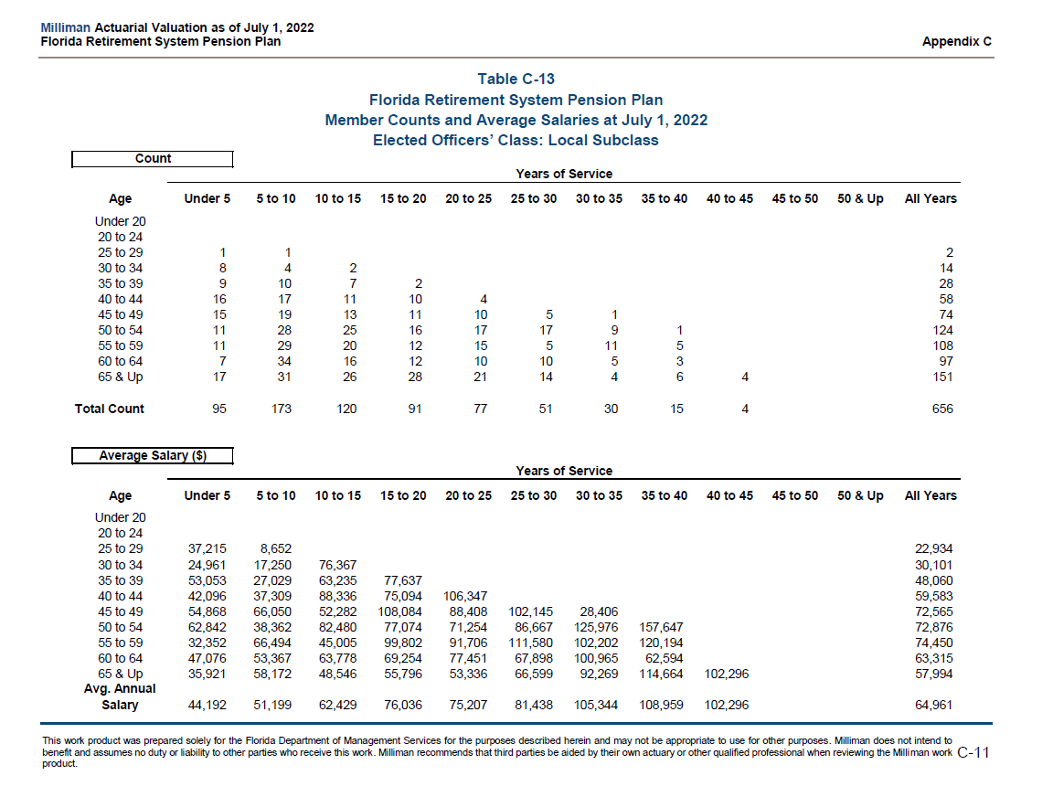
 |  |  | Under 5 | 5 to 10 | 10 to 15 | 15 to 20 | 20 to 25 | 25 to 30 | 30 to 35 | 35 to 40 | 40 to 45 | 45 to 50 | 50 & Up | All Years
 |  | Under 20
 |  | 20 to 24
 |  | 25 to 29 | 1 | 1 |  |  |  |  |  |  |  |  |  | 2
 |  | 30 to 34 | 8 | 4 | 2 |  |  |  |  |  |  |  |  | 14
 |  | 35 to 39 | 9 | 10 | 7 | 2 |  |  |  |  |  |  |  | 28
 |  | 40 to 44 | 16 | 17 | 11 | 10 | 4 |  |  |  |  |  |  | 58
 |  | 45 to 49 | 15 | 19 | 13 | 11 | 10 | 5 | 1 |  |  |  |  | 74
 |  | 50 to 54 | 11 | 28 | 25 | 16 | 17 | 17 | 9 | 1 |  |  |  | 124
 |  | 55 to 59 | 11 | 29 | 20 | 12 | 15 | 5 | 11 | 5 |  |  |  | 108
 |  | 60 to 64 | 7 | 34 | 16 | 12 | 10 | 10 | 5 | 3 |  |  |  | 97
 |  | 65 & Up | 17 | 31 | 26 | 28 | 21 | 14 | 4 | 6 | 4 |  |  | 151
 |  | Total Count | 95 | 173 | 120 | 91 | 77 | 51 | 30 | 15 | 4 |  |  | 656

headcount_judges
start_col | C
end_col | O
start_row | 9
source | AV2022, p. C-9
note | row & col totals

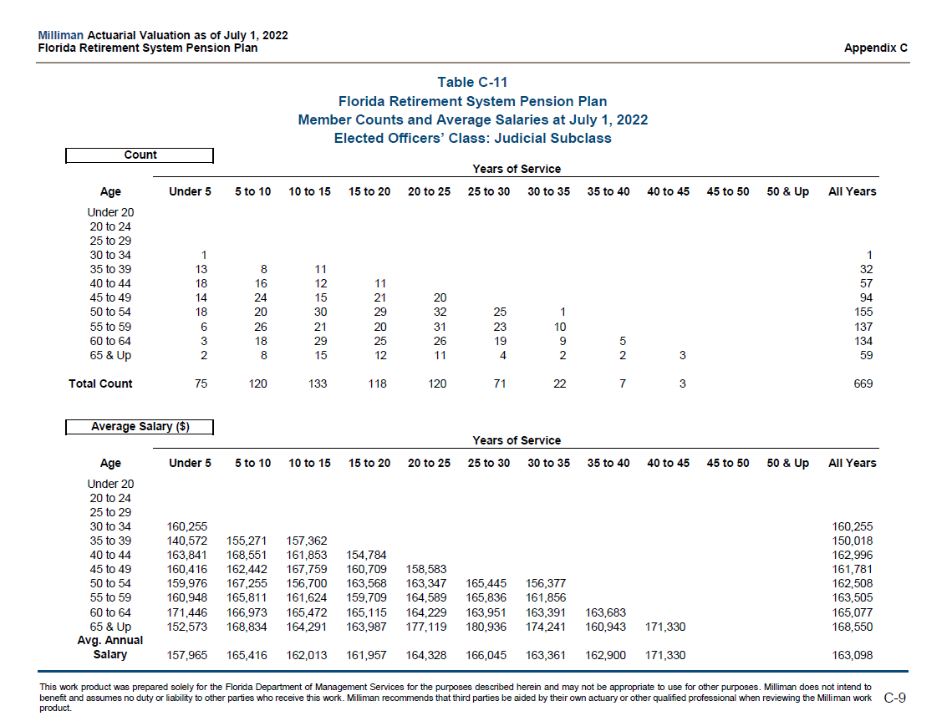
 |  |  | Under 5 | 5 to 10 | 10 to 15 | 15 to 20 | 20 to 25 | 25 to 30 | 30 to 35 | 35 to 40 | 40 to 45 | 45 to 50 | 50 & Up | All Years
 |  | Under 20
 |  | 20 to 24
 |  | 25 to 29
 |  | 30 to 34 | 1 |  |  |  |  |  |  |  |  |  |  | 1
 |  | 35 to 39 | 13 | 8 | 11 |  |  |  |  |  |  |  |  | 32
 |  | 40 to 44 | 18 | 16 | 12 | 11 |  |  |  |  |  |  |  | 57
 |  | 45 to 49 | 14 | 24 | 15 | 21 | 20 |  |  |  |  |  |  | 94
 |  | 50 to 54 | 18 | 20 | 30 | 29 | 32 | 25 | 1 |  |  |  |  | 155
 |  | 55 to 59 | 6 | 26 | 21 | 20 | 31 | 23 | 10 |  |  |  |  | 137
 |  | 60 to 64 | 3 | 18 | 29 | 25 | 26 | 19 | 9 | 5 |  |  |  | 134
 |  | 65 & Up | 2 | 8 | 15 | 12 | 11 | 4 | 2 | 2 | 3 |  |  | 59
 |  | Total Count | 75 | 120 | 133 | 118 | 120 | 71 | 22 | 7 | 3 |  |  | 669

headcount_regular
start_col | C
end_col | O
start_row | 9
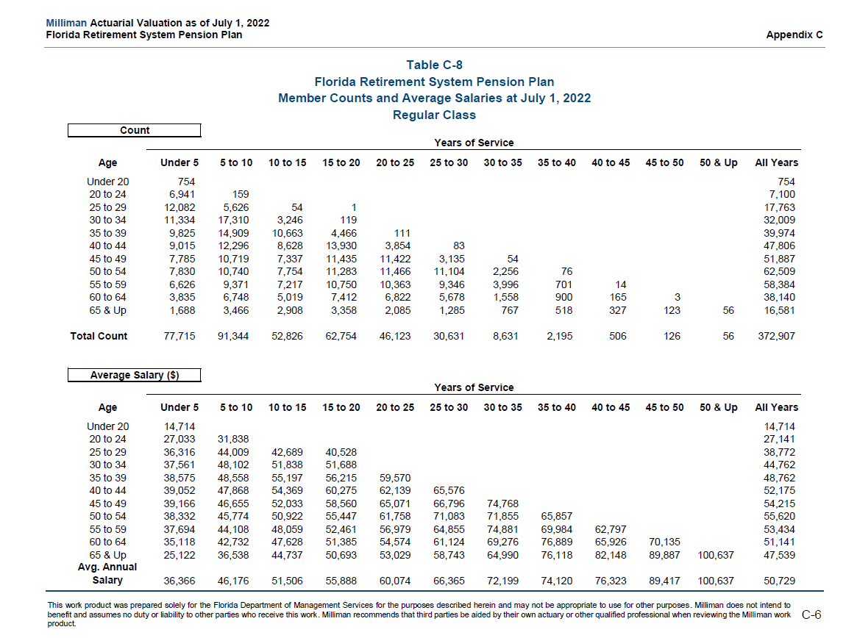
source | AV2022, p. C-6
note | row & col totals

 |  |  | Under 5 | 5 to 10 | 10 to 15 | 15 to 20 | 20 to 25 | 25 to 30 | 30 to 35 | 35 to 40 | 40 to 45 | 45 to 50 | 50 & Up | All Years
 |  | Under 20 | 754 |  |  |  |  |  |  |  |  |  |  | 754
 |  | 20 to 24 | 6,941 | 159 |  |  |  |  |  |  |  |  |  | 7,100
 |  | 25 to 29 | 12,082 | 5,626 | 54 | 1 |  |  |  |  |  |  |  | 17,763
 |  | 30 to 34 | 11,334 | 17,310 | 3,246 | 119 |  |  |  |  |  |  |  | 32,009
 |  | 35 to 39 | 9,825 | 14,909 | 10,663 | 4,466 | 111 |  |  |  |  |  |  | 39,974
 |  | 40 to 44 | 9,015 | 12,296 | 8,628 | 13,930 | 3,854 | 83 |  |  |  |  |  | 47,806
 |  | 45 to 49 | 7,785 | 10,719 | 7,337 | 11,435 | 11,422 | 3,135 | 54 |  |  |  |  | 51,887
 |  | 50 to 54 | 7,830 | 10,740 | 7,754 | 11,283 | 11,466 | 11,104 | 2,256 | 76 |  |  |  | 62,509
 |  | 55 to 59 | 6,626 | 9,371 | 7,217 | 10,750 | 10,363 | 9,346 | 3,996 | 701 | 14 |  |  | 58,384
 |  | 60 to 64 | 3,835 | 6,748 | 5,019 | 7,412 | 6,822 | 5,678 | 1,558 | 900 | 165 | 3 |  | 38,140
 |  | 65 & Up | 1,688 | 3,466 | 2,908 | 3,358 | 2,085 | 1,285 | 767 | 518 | 327 | 123 | 56 | 16,581
 |  | Total Count | 77,715 | 91,344 | 52,826 | 62,754 | 46,123 | 30,631 | 8,631 | 2,195 | 506 | 126 | 56 | 372,907

headcount_senior_management
start_col | C
end_col | O
start_row | 9
source | AV2022, p. C-12
note | row & col totals

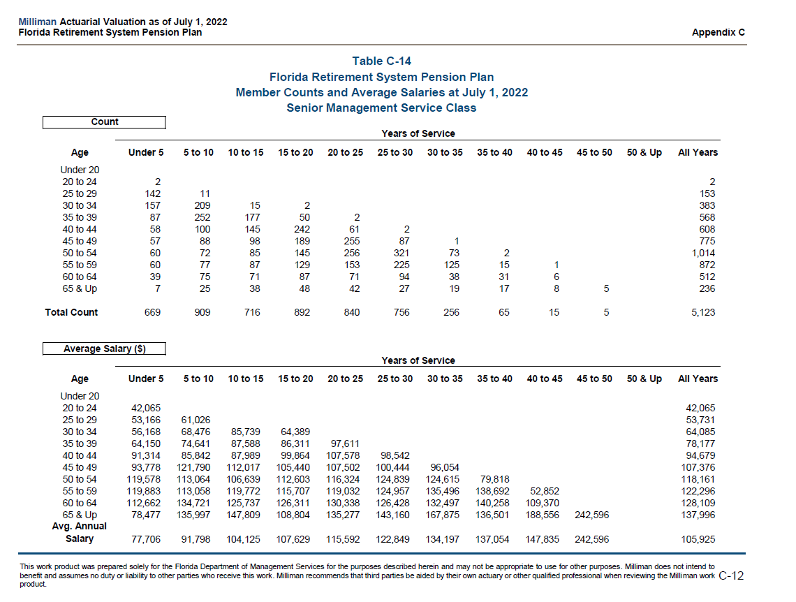

 |  |  | Under 5 | 5 to 10 | 10 to 15 | 15 to 20 | 20 to 25 | 25 to 30 | 30 to 35 | 35 to 40 | 40 to 45 | 45 to 50 | 50 & Up | All Years
 |  | Under 20
 |  | 20 to 24 | 2 |  |  |  |  |  |  |  |  |  |  | 2
 |  | 25 to 29 | 142 | 11 |  |  |  |  |  |  |  |  |  | 153
 |  | 30 to 34 | 157 | 209 | 15 | 2 |  |  |  |  |  |  |  | 383
 |  | 35 to 39 | 87 | 252 | 177 | 50 | 2 |  |  |  |  |  |  | 568
 |  | 40 to 44 | 58 | 100 | 145 | 242 | 61 | 2 |  |  |  |  |  | 608
 |  | 45 to 49 | 57 | 88 | 98 | 189 | 255 | 87 | 1 |  |  |  |  | 775
 |  | 50 to 54 | 60 | 72 | 85 | 145 | 256 | 321 | 73 | 2 |  |  |  | 1,014
 |  | 55 to 59 | 60 | 77 | 87 | 129 | 153 | 225 | 125 | 15 | 1 |  |  | 872
 |  | 60 to 64 | 39 | 75 | 71 | 87 | 71 | 94 | 38 | 31 | 6 |  |  | 512
 |  | 65 & Up | 7 | 25 | 38 | 48 | 42 | 27 | 19 | 17 | 8 | 5 |  | 236
 |  | Total Count | 669 | 909 | 716 | 892 | 840 | 756 | 256 | 65 | 15 | 5 |  | 5,123

headcount_special
start_col | C
end_col | O
start_row | 9
source | AV2022, p.C-7
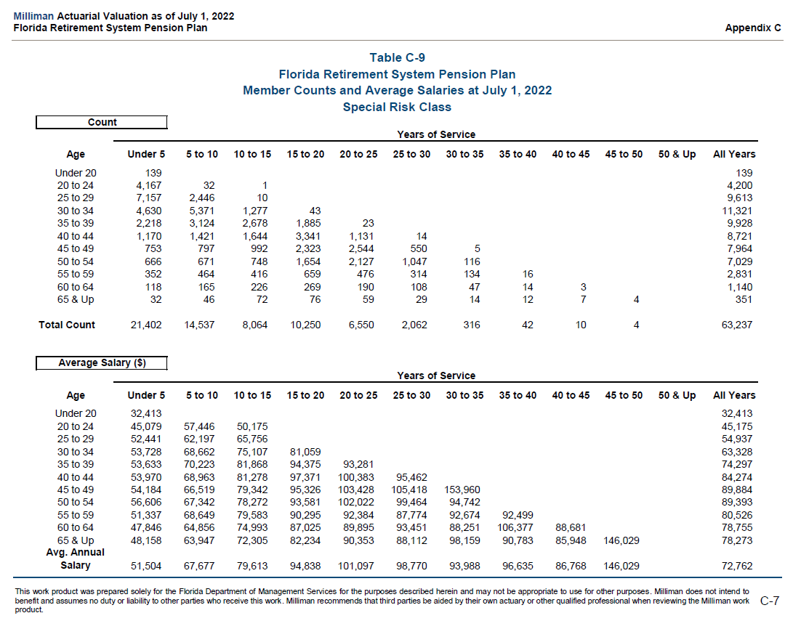
note | row & col totals

 |  |  | Under 5 | 5 to 10 | 10 to 15 | 15 to 20 | 20 to 25 | 25 to 30 | 30 to 35 | 35 to 40 | 40 to 45 | 45 to 50 | 50 & Up | All Years
 |  | Under 20 | 139 |  |  |  |  |  |  |  |  |  |  | 139
 |  | 20 to 24 | 4,167 | 32 | 1 |  |  |  |  |  |  |  |  | 4,200
 |  | 25 to 29 | 7,157 | 2,446 | 10 |  |  |  |  |  |  |  |  | 9,613
 |  | 30 to 34 | 4,630 | 5,371 | 1,277 | 43 |  |  |  |  |  |  |  | 11,321
 |  | 35 to 39 | 2,218 | 3,124 | 2,678 | 1,885 | 23 |  |  |  |  |  |  | 9,928
 |  | 40 to 44 | 1,170 | 1,421 | 1,644 | 3,341 | 1,131 | 14 |  |  |  |  |  | 8,721
 |  | 45 to 49 | 753 | 797 | 992 | 2,323 | 2,544 | 550 | 5 |  |  |  |  | 7,964
 |  | 50 to 54 | 666 | 671 | 748 | 1,654 | 2,127 | 1,047 | 116 |  |  |  |  | 7,029
 |  | 55 to 59 | 352 | 464 | 416 | 659 | 476 | 314 | 134 | 16 |  |  |  | 2,831
 |  | 60 to 64 | 118 | 165 | 226 | 269 | 190 | 108 | 47 | 14 | 3 |  |  | 1,140
 |  | 65 & Up | 32 | 46 | 72 | 76 | 59 | 29 | 14 | 12 | 7 | 4 |  | 351
 |  | Total Count | 21,402 | 14,537 | 8,064 | 10,250 | 6,550 | 2,062 | 316 | 42 | 10 | 4 |  | 63,237

retirees_disability
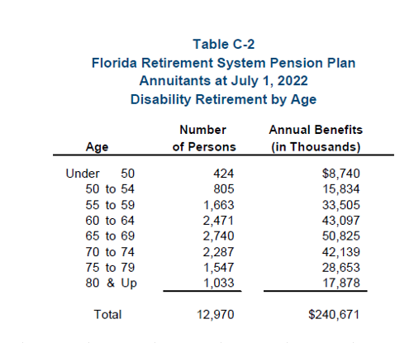
start_col | D
end_col | G
start_row | 9
source | AV2022, C-2
note | row totals

 |  | type | age | count | benefits
 |  | disability | Under 50 | 424 | 8,740
 |  | disability | 50 to 54 | 805 | 15,834
 |  | disability | 55 to 59 | 1,663 | 33,505
 |  | disability | 60 to 64 | 2,471 | 43,097
 |  | disability | 65 to 69 | 2,740 | 50,825
 |  | disability | 70 to 74 | 2,287 | 42,139
 |  | disability | 75 to 79 | 1,547 | 28,653
 |  | disability | 80 & Up | 1,033 | 17,878
 |  | disability | Total | 12,970 | 240,671

retirees_normearly
start_col | D
end_col | G
start_row | 9
source | AV2022, C-1
note | row totals

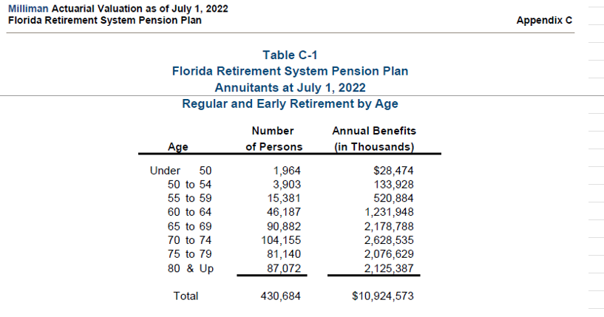
 |  | type | age | count | benefits
 |  | normearly | Under 50 | 1,964 | 28,474
 |  | normearly | 50 to 54 | 3,903 | 133,928
 |  | normearly | 55 to 59 | 15,381 | 520,884
 |  | normearly | 60 to 64 | 46,187 | 1,231,948
 |  | normearly | 65 to 69 | 90,882 | 2,178,788
 |  | normearly | 70 to 74 | 104,155 | 2,628,535
 |  | normearly | 75 to 79 | 81,140 | 2,076,629
 |  | normearly | 80 & Up | 87,072 | 2,125,387
 |  | normearly | Total | 430,684 | 10,924,573

retire_rates_drop_tier1
start_col | E
end_col | O
start_row | 19
source | AV2022, p.A-6
note | drop_entry_tier_1_table_ in Reason model
note | ages 70-79 are a single group

 |  | Milliman Actuarial Valuation as of July 1, 2022
 |  |  | Florida Retirement System Pension Plan |  |  |  |  |  |  |  |  | Appendix A
 |  |  | Retirement Assumptions (Tier I)
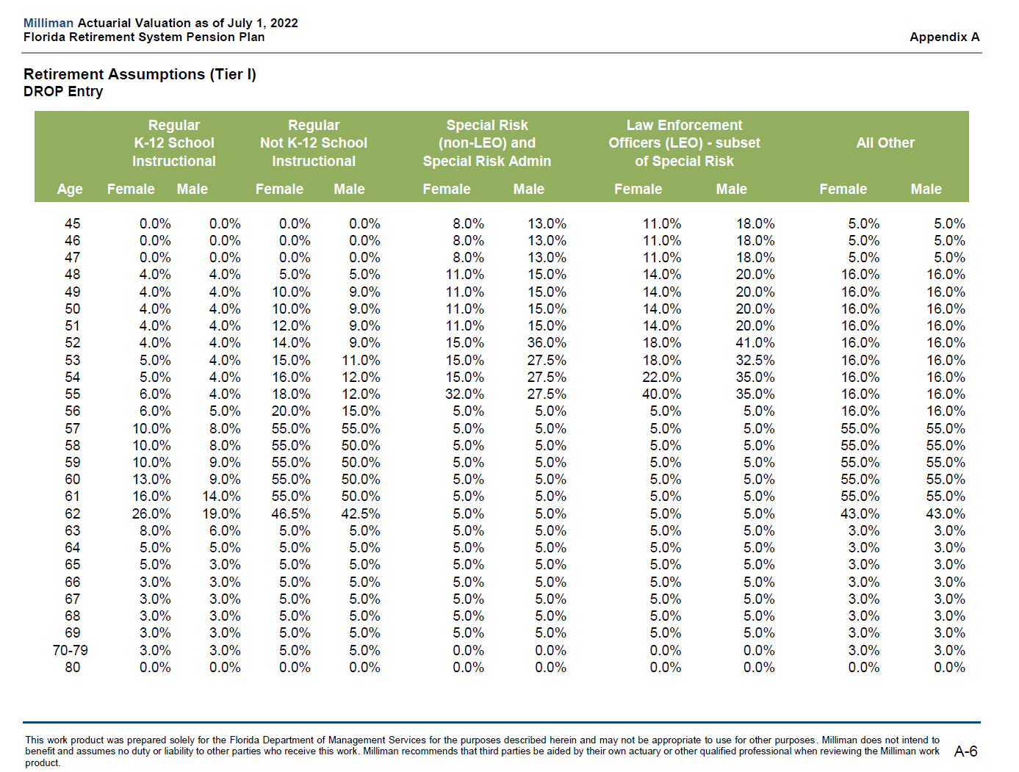
 |  | DROP Entry
 |  |  | Regular |  | Regular |  | Special Risk |  | Law Enforcement
 |  |  | K-12 School |  | Not K-12 School |  | (non-LEO) and |  | Officers (LEO) - subset |  | All Other
 |  |  | Instructional |  | Instructional |  | Special Risk Admin |  | of Special Risk
 |  | Age | Female | Male | Female | Male | Female | Male | Female | Male | Female | Male
 |  | age | v1 | v2 | v3 | v4 | v5 | v6 | v7 | v8 | v9 | v10
 |  | 45 | 0.0% | 0.0% | 0.0% | 0.0% | 8.0% | 13.0% | 11.0% | 18.0% | 5.0% | 5.0%
 |  | 46 | 0.0% | 0.0% | 0.0% | 0.0% | 8.0% | 13.0% | 11.0% | 18.0% | 5.0% | 5.0%
 |  | 47 | 0.0% | 0.0% | 0.0% | 0.0% | 8.0% | 13.0% | 11.0% | 18.0% | 5.0% | 5.0%
 |  | 48 | 4.0% | 4.0% | 5.0% | 5.0% | 11.0% | 15.0% | 14.0% | 20.0% | 16.0% | 16.0%
 |  | 49 | 4.0% | 4.0% | 10.0% | 9.0% | 11.0% | 15.0% | 14.0% | 20.0% | 16.0% | 16.0%
 |  | 50 | 4.0% | 4.0% | 10.0% | 9.0% | 11.0% | 15.0% | 14.0% | 20.0% | 16.0% | 16.0%
 |  | 51 | 4.0% | 4.0% | 12.0% | 9.0% | 11.0% | 15.0% | 14.0% | 20.0% | 16.0% | 16.0%
 |  | 52 | 4.0% | 4.0% | 14.0% | 9.0% | 15.0% | 36.0% | 18.0% | 41.0% | 16.0% | 16.0%
 |  | 53 | 5.0% | 4.0% | 15.0% | 11.0% | 15.0% | 27.5% | 18.0% | 32.5% | 16.0% | 16.0%
 |  | 54 | 5.0% | 4.0% | 16.0% | 12.0% | 15.0% | 27.5% | 22.0% | 35.0% | 16.0% | 16.0%
 |  | 55 | 6.0% | 4.0% | 18.0% | 12.0% | 32.0% | 27.5% | 40.0% | 35.0% | 16.0% | 16.0%
 |  | 56 | 6.0% | 5.0% | 20.0% | 15.0% | 5.0% | 5.0% | 5.0% | 5.0% | 16.0% | 16.0%
 |  | 57 | 10.0% | 8.0% | 55.0% | 55.0% | 5.0% | 5.0% | 5.0% | 5.0% | 55.0% | 55.0%
 |  | 58 | 10.0% | 8.0% | 55.0% | 50.0% | 5.0% | 5.0% | 5.0% | 5.0% | 55.0% | 55.0%
 |  | 59 | 10.0% | 9.0% | 55.0% | 50.0% | 5.0% | 5.0% | 5.0% | 5.0% | 55.0% | 55.0%
 |  | 60 | 13.0% | 9.0% | 55.0% | 50.0% | 5.0% | 5.0% | 5.0% | 5.0% | 55.0% | 55.0%
 |  | 61 | 16.0% | 14.0% | 55.0% | 50.0% | 5.0% | 5.0% | 5.0% | 5.0% | 55.0% | 55.0%
 |  | 62 | 26.0% | 19.0% | 46.5% | 42.5% | 5.0% | 5.0% | 5.0% | 5.0% | 43.0% | 43.0%
 |  | 63 | 8.0% | 6.0% | 5.0% | 5.0% | 5.0% | 5.0% | 5.0% | 5.0% | 3.0% | 3.0%
 |  | 64 | 5.0% | 5.0% | 5.0% | 5.0% | 5.0% | 5.0% | 5.0% | 5.0% | 3.0% | 3.0%
 |  | 65 | 5.0% | 3.0% | 5.0% | 5.0% | 5.0% | 5.0% | 5.0% | 5.0% | 3.0% | 3.0%
 |  | 66 | 3.0% | 3.0% | 5.0% | 5.0% | 5.0% | 5.0% | 5.0% | 5.0% | 3.0% | 3.0%
 |  | 67 | 3.0% | 3.0% | 5.0% | 5.0% | 5.0% | 5.0% | 5.0% | 5.0% | 3.0% | 3.0%
 |  | 68 | 3.0% | 3.0% | 5.0% | 5.0% | 5.0% | 5.0% | 5.0% | 5.0% | 3.0% | 3.0%
 |  | 69 | 3.0% | 3.0% | 5.0% | 5.0% | 5.0% | 5.0% | 5.0% | 5.0% | 3.0% | 3.0%
 |  | 70-79 | 3.0% | 3.0% | 5.0% | 5.0% | 0.0% | 0.0% | 0.0% | 0.0% | 3.0% | 3.0%
 |  | 80 | 0.0% | 0.0% | 0.0% | 0.0% | 0.0% | 0.0% | 0.0% | 0.0% | 0.0% | 0.0%

retire_rates_drop_tier2
start_col | E
end_col | O
start_row | 19
source | AV2022, p.A-9
note | drop_entry_tier_2_table_ in Reason model
note | ages 70-79 are a single group

 |  | Milliman Actuarial Valuation as of July 1, 2022
 |  |  | Florida Retirement System Pension Plan |  |  |  |  |  |  |  |  | Appendix A
 |  |  | Retirement Assumptions (Tier II)
 |  | DROP Entry
 |  |  | Regular |  | Regular |  | Special Risk |  | Law Enforcement
 |  |  | K-12 School |  | Not K-12 School |  | (non-LEO) and |  | Officers (LEO) - subset |  | All Other
 |  |  | Instructional |  | Instructional |  | Special Risk Admin |  | of Special Risk
 |  | Age | Female | Male | Female | Male | Female | Male | Female | Male | Female | Male
 |  | age | v1 | v2 | v3 | v4 | v5 | v6 | v7 | v8 | v9 | v10
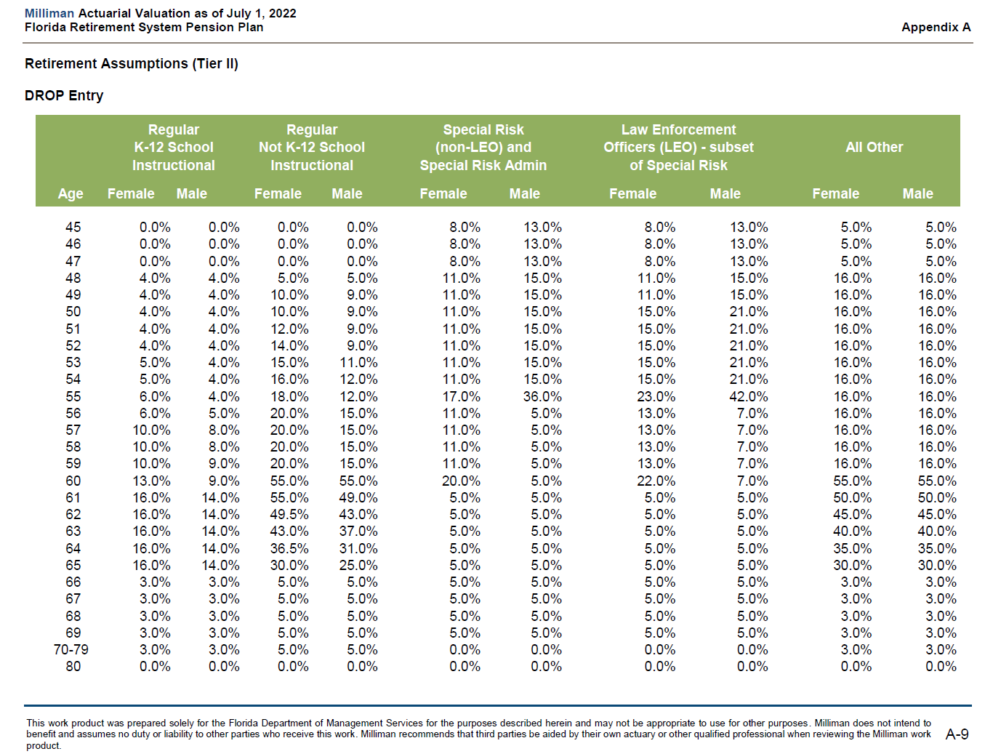
 |  | 45 | 0.0% | 0.0% | 0.0% | 0.0% | 8.0% | 13.0% | 8.0% | 13.0% | 5.0% | 5.0%
 |  | 46 | 0.0% | 0.0% | 0.0% | 0.0% | 8.0% | 13.0% | 8.0% | 13.0% | 5.0% | 5.0%
 |  | 47 | 0.0% | 0.0% | 0.0% | 0.0% | 8.0% | 13.0% | 8.0% | 13.0% | 5.0% | 5.0%
 |  | 48 | 4.0% | 4.0% | 5.0% | 5.0% | 11.0% | 15.0% | 11.0% | 15.0% | 16.0% | 16.0%
 |  | 49 | 4.0% | 4.0% | 10.0% | 9.0% | 11.0% | 15.0% | 11.0% | 15.0% | 16.0% | 16.0%
 |  | 50 | 4.0% | 4.0% | 10.0% | 9.0% | 11.0% | 15.0% | 15.0% | 21.0% | 16.0% | 16.0%
 |  | 51 | 4.0% | 4.0% | 12.0% | 9.0% | 11.0% | 15.0% | 15.0% | 21.0% | 16.0% | 16.0%
 |  | 52 | 4.0% | 4.0% | 14.0% | 9.0% | 11.0% | 15.0% | 15.0% | 21.0% | 16.0% | 16.0%
 |  | 53 | 5.0% | 4.0% | 15.0% | 11.0% | 11.0% | 15.0% | 15.0% | 21.0% | 16.0% | 16.0%
 |  | 54 | 5.0% | 4.0% | 16.0% | 12.0% | 11.0% | 15.0% | 15.0% | 21.0% | 16.0% | 16.0%
 |  | 55 | 6.0% | 4.0% | 18.0% | 12.0% | 17.0% | 36.0% | 23.0% | 42.0% | 16.0% | 16.0%
 |  | 56 | 6.0% | 5.0% | 20.0% | 15.0% | 11.0% | 5.0% | 13.0% | 7.0% | 16.0% | 16.0%
 |  | 57 | 10.0% | 8.0% | 20.0% | 15.0% | 11.0% | 5.0% | 13.0% | 7.0% | 16.0% | 16.0%
 |  | 58 | 10.0% | 8.0% | 20.0% | 15.0% | 11.0% | 5.0% | 13.0% | 7.0% | 16.0% | 16.0%
 |  | 59 | 10.0% | 9.0% | 20.0% | 15.0% | 11.0% | 5.0% | 13.0% | 7.0% | 16.0% | 16.0%
 |  | 60 | 13.0% | 9.0% | 55.0% | 55.0% | 20.0% | 5.0% | 22.0% | 7.0% | 55.0% | 55.0%
 |  | 61 | 16.0% | 14.0% | 55.0% | 49.0% | 5.0% | 5.0% | 5.0% | 5.0% | 50.0% | 50.0%
 |  | 62 | 16.0% | 14.0% | 49.5% | 43.0% | 5.0% | 5.0% | 5.0% | 5.0% | 45.0% | 45.0%
 |  | 63 | 16.0% | 14.0% | 43.0% | 37.0% | 5.0% | 5.0% | 5.0% | 5.0% | 40.0% | 40.0%
 |  | 64 | 16.0% | 14.0% | 36.5% | 31.0% | 5.0% | 5.0% | 5.0% | 5.0% | 35.0% | 35.0%
 |  | 65 | 16.0% | 14.0% | 30.0% | 25.0% | 5.0% | 5.0% | 5.0% | 5.0% | 30.0% | 30.0%
 |  | 66 | 3.0% | 3.0% | 5.0% | 5.0% | 5.0% | 5.0% | 5.0% | 5.0% | 3.0% | 3.0%
 |  | 67 | 3.0% | 3.0% | 5.0% | 5.0% | 5.0% | 5.0% | 5.0% | 5.0% | 3.0% | 3.0%
 |  | 68 | 3.0% | 3.0% | 5.0% | 5.0% | 5.0% | 5.0% | 5.0% | 5.0% | 3.0% | 3.0%
 |  | 69 | 3.0% | 3.0% | 5.0% | 5.0% | 5.0% | 5.0% | 5.0% | 5.0% | 3.0% | 3.0%
 |  | 70-79 | 3.0% | 3.0% | 5.0% | 5.0% | 0.0% | 0.0% | 0.0% | 0.0% | 3.0% | 3.0%
 |  | 80 | 0.0% | 0.0% | 0.0% | 0.0% | 0.0% | 0.0% | 0.0% | 0.0% | 0.0% | 0.0%

retire_rates_early_tier1
start_col | E
end_col | M
start_row | 21
source | AV2022, p.A-8
note | early_retirement_tier_1_table_ in Reason model
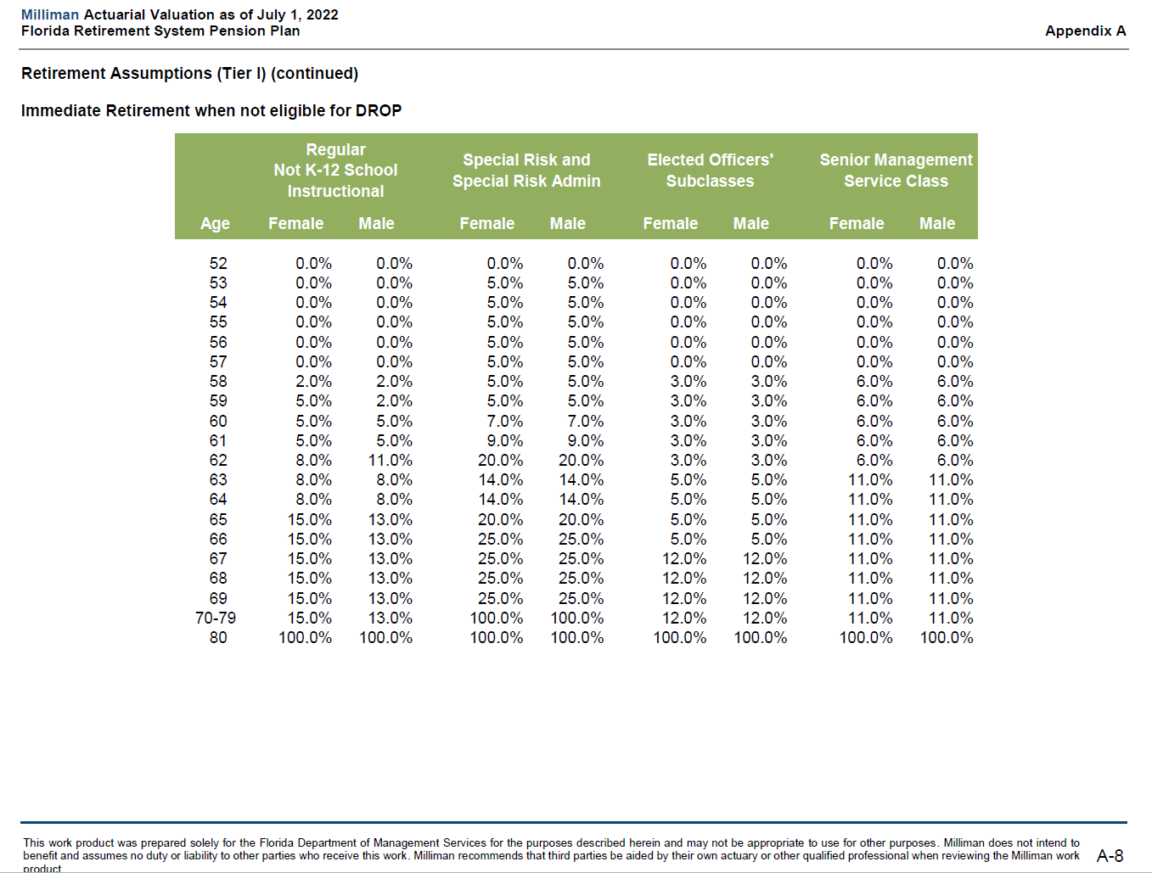
note | ages 70-79 are a single group

 |  | Milliman Actuarial Valuation as of July 1, 2022
 |  | Florida Retirement System Pension Plan |  |  |  |  |  |  |  |  | Appendix A
 |  | Retirement Assumptions (Tier I) (continued)
 |  | Immediate Retirement when not eligible for DROP
 |  |  | Regular
 |  |  |  |  | Special Risk and |  | Elected Officers' |  | Senior Management
 |  |  | Not K-12 School |  | Special Risk Admin |  | Subclasses |  | Service Class
 |  |  | Instructional
 |  | Age | Female | Male | Female | Male | Female | Male | Female | Male
 |  | age | v1 | v2 | v3 | v4 | v5 | v6 | v7 | v8
 |  | 52 | 0.0% | 0.0% | 0.0% | 0.0% | 0.0% | 0.0% | 0.0% | 0.0%
 |  | 53 | 0.0% | 0.0% | 5.0% | 5.0% | 0.0% | 0.0% | 0.0% | 0.0%
 |  | 54 | 0.0% | 0.0% | 5.0% | 5.0% | 0.0% | 0.0% | 0.0% | 0.0%
 |  | 55 | 0.0% | 0.0% | 5.0% | 5.0% | 0.0% | 0.0% | 0.0% | 0.0%
 |  | 56 | 0.0% | 0.0% | 5.0% | 5.0% | 0.0% | 0.0% | 0.0% | 0.0%
 |  | 57 | 0.0% | 0.0% | 5.0% | 5.0% | 0.0% | 0.0% | 0.0% | 0.0%
 |  | 58 | 2.0% | 2.0% | 5.0% | 5.0% | 3.0% | 3.0% | 6.0% | 6.0%
 |  | 59 | 5.0% | 2.0% | 5.0% | 5.0% | 3.0% | 3.0% | 6.0% | 6.0%
 |  | 60 | 5.0% | 5.0% | 7.0% | 7.0% | 3.0% | 3.0% | 6.0% | 6.0%
 |  | 61 | 5.0% | 5.0% | 9.0% | 9.0% | 3.0% | 3.0% | 6.0% | 6.0%
 |  | 62 | 8.0% | 11.0% | 20.0% | 20.0% | 3.0% | 3.0% | 6.0% | 6.0%
 |  | 63 | 8.0% | 8.0% | 14.0% | 14.0% | 5.0% | 5.0% | 11.0% | 11.0%
 |  | 64 | 8.0% | 8.0% | 14.0% | 14.0% | 5.0% | 5.0% | 11.0% | 11.0%
 |  | 65 | 15.0% | 13.0% | 20.0% | 20.0% | 5.0% | 5.0% | 11.0% | 11.0%
 |  | 66 | 15.0% | 13.0% | 25.0% | 25.0% | 5.0% | 5.0% | 11.0% | 11.0%
 |  | 67 | 15.0% | 13.0% | 25.0% | 25.0% | 12.0% | 12.0% | 11.0% | 11.0%
 |  | 68 | 15.0% | 13.0% | 25.0% | 25.0% | 12.0% | 12.0% | 11.0% | 11.0%
 |  | 69 | 15.0% | 13.0% | 25.0% | 25.0% | 12.0% | 12.0% | 11.0% | 11.0%
 |  | 70-79 | 15.0% | 13.0% | 100.0% | 100.0% | 12.0% | 12.0% | 11.0% | 11.0%
 |  | 80 | 100.0% | 100.0% | 100.0% | 100.0% | 100.0% | 100.0% | 100.0% | 100.0%

retire_rates_early_tier2
start_col | E
end_col | M
start_row | 21
source | AV2022, A-11
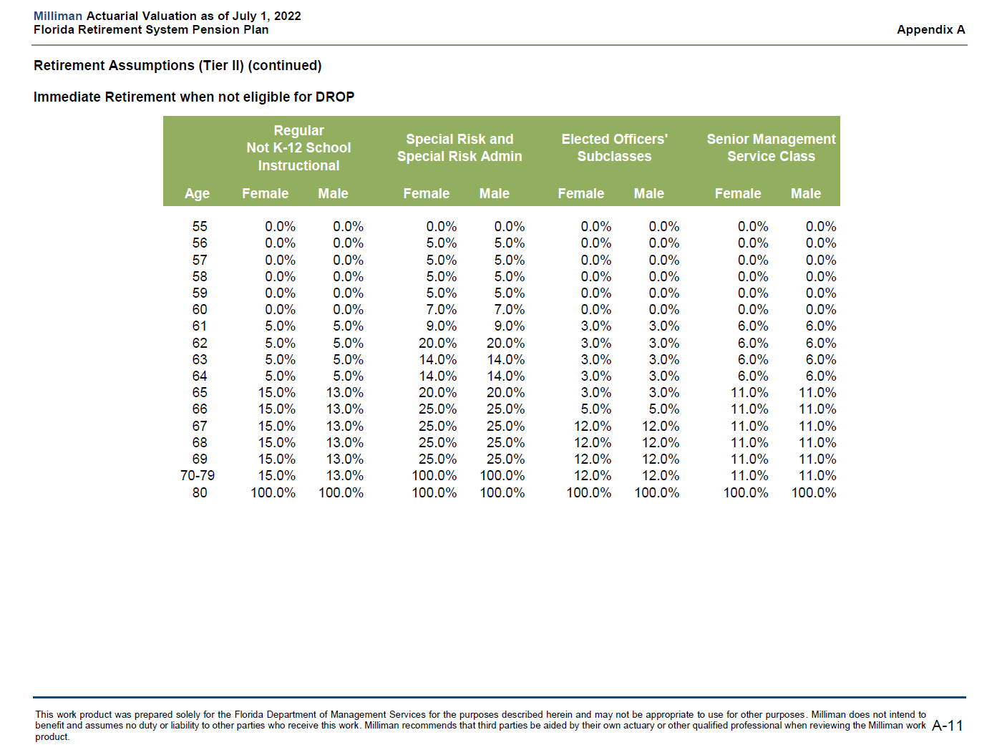
note | early_retirement_tier_2_table_ in Reason model
note | ages 70-79 are a single group

 |  | Milliman Actuarial Valuation as of July 1, 2022
 |  | Florida Retirement System Pension Plan |  |  |  |  |  |  |  |  | Appendix A
 |  | Retirement Assumptions (Tier II) (continued)
 |  | Immediate Retirement when not eligible for DROP
 |  |  | Regular |  | Special Risk and |  | Elected Officers' |  | Senior Management
 |  |  | Not K-12 School
 |  |  |  |  | Special Risk Admin |  | Subclasses |  | Service Class
 |  |  | Instructional
 |  | Age | Female | Male | Female | Male | Female | Male | Female | Male
 |  | age | v1 | v2 | v3 | v4 | v5 | v6 | v7 | v8
 |  | 55 | 0.0% | 0.0% | 0.0% | 0.0% | 0.0% | 0.0% | 0.0% | 0.0%
 |  | 56 | 0.0% | 0.0% | 5.0% | 5.0% | 0.0% | 0.0% | 0.0% | 0.0%
 |  | 57 | 0.0% | 0.0% | 5.0% | 5.0% | 0.0% | 0.0% | 0.0% | 0.0%
 |  | 58 | 0.0% | 0.0% | 5.0% | 5.0% | 0.0% | 0.0% | 0.0% | 0.0%
 |  | 59 | 0.0% | 0.0% | 5.0% | 5.0% | 0.0% | 0.0% | 0.0% | 0.0%
 |  | 60 | 0.0% | 0.0% | 7.0% | 7.0% | 0.0% | 0.0% | 0.0% | 0.0%
 |  | 61 | 5.0% | 5.0% | 9.0% | 9.0% | 3.0% | 3.0% | 6.0% | 6.0%
 |  | 62 | 5.0% | 5.0% | 20.0% | 20.0% | 3.0% | 3.0% | 6.0% | 6.0%
 |  | 63 | 5.0% | 5.0% | 14.0% | 14.0% | 3.0% | 3.0% | 6.0% | 6.0%
 |  | 64 | 5.0% | 5.0% | 14.0% | 14.0% | 3.0% | 3.0% | 6.0% | 6.0%
 |  | 65 | 15.0% | 13.0% | 20.0% | 20.0% | 3.0% | 3.0% | 11.0% | 11.0%
 |  | 66 | 15.0% | 13.0% | 25.0% | 25.0% | 5.0% | 5.0% | 11.0% | 11.0%
 |  | 67 | 15.0% | 13.0% | 25.0% | 25.0% | 12.0% | 12.0% | 11.0% | 11.0%
 |  | 68 | 15.0% | 13.0% | 25.0% | 25.0% | 12.0% | 12.0% | 11.0% | 11.0%
 |  | 69 | 15.0% | 13.0% | 25.0% | 25.0% | 12.0% | 12.0% | 11.0% | 11.0%
 |  | 70-79 | 15.0% | 13.0% | 100.0% | 100.0% | 12.0% | 12.0% | 11.0% | 11.0%
 |  | 80 | 100.0% | 100.0% | 100.0% | 100.0% | 100.0% | 100.0% | 100.0% | 100.0%

retire_rates_normal_tier1
start_col | E
end_col | O
start_row | 19
source | AV2022, A-7
note | normal_retirement_tier_1_table_ in Reason model
note | ages 70-79 are a single group

 |  | Milliman Actuarial Valuation as of July 1, 2022
 |  | Florida Retirement System Pension Plan |  |  |  |  |  |  |  |  |  |  | Appendix A
 |  | Retirement Assumptions (Tier I) (continued)
 |  | Immediate Retirement when eligible for DROP
 |  |  | Regular |  | Regular |  | Special Risk and |  |  |  | Senior
 |  |  | K-12 School |  | Not K-12 School |  | Special Risk |  | Elected Officers' |  | Management
 |  |  |  |  |  |  |  |  | Subclasses
 |  |  | Instructional |  | Instructional |  | Admin |  |  |  | Service Class
 |  | Age | Female | Male | Female | Male | Female | Male | Female | Male | Female | Male
 |  | age | v1 | v2 | v3 | v4 | v5 | v6 | v7 | v8 | v9 | v10
 |  | 45 | 0.0% | 0.0% | 0.0% | 0.0% | 4.0% | 5.0% | 0.0% | 0.0% | 0.0% | 0.0%
 |  | 46 | 0.0% | 0.0% | 0.0% | 0.0% | 4.0% | 5.0% | 0.0% | 0.0% | 0.0% | 0.0%
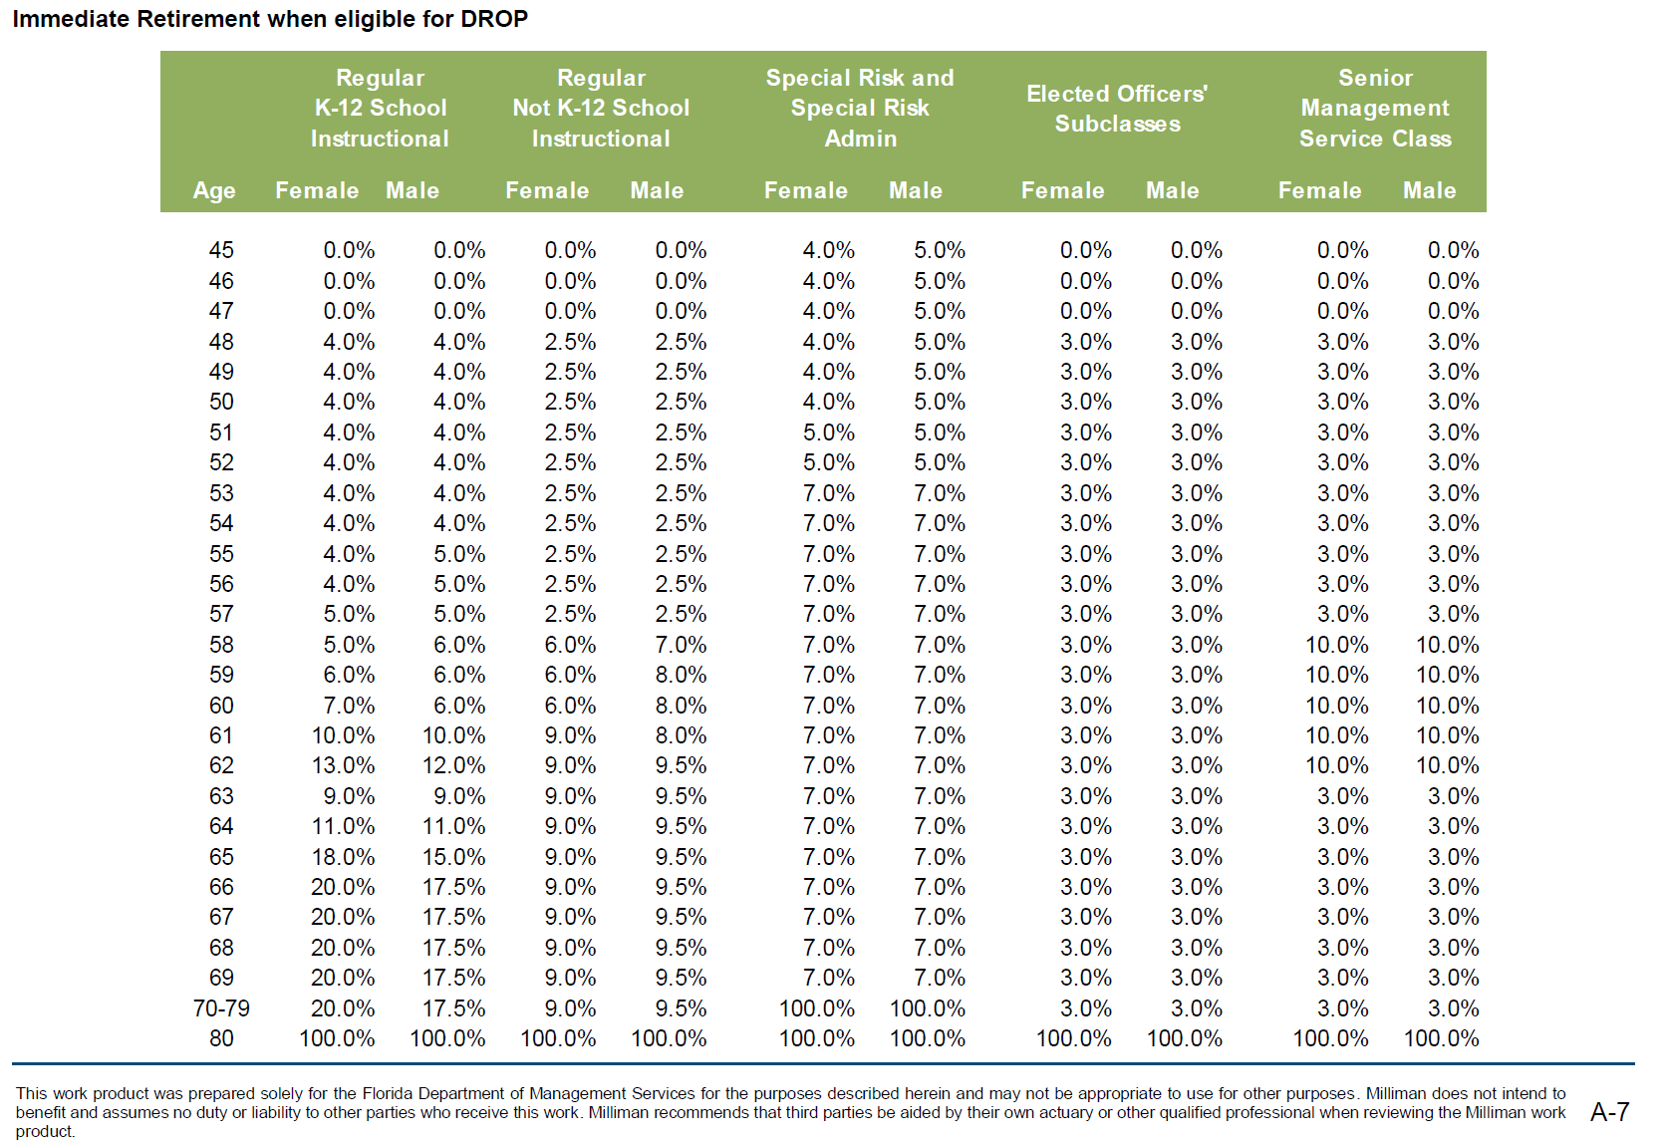
 |  | 47 | 0.0% | 0.0% | 0.0% | 0.0% | 4.0% | 5.0% | 0.0% | 0.0% | 0.0% | 0.0%
 |  | 48 | 4.0% | 4.0% | 2.5% | 2.5% | 4.0% | 5.0% | 3.0% | 3.0% | 3.0% | 3.0%
 |  | 49 | 4.0% | 4.0% | 2.5% | 2.5% | 4.0% | 5.0% | 3.0% | 3.0% | 3.0% | 3.0%
 |  | 50 | 4.0% | 4.0% | 2.5% | 2.5% | 4.0% | 5.0% | 3.0% | 3.0% | 3.0% | 3.0%
 |  | 51 | 4.0% | 4.0% | 2.5% | 2.5% | 5.0% | 5.0% | 3.0% | 3.0% | 3.0% | 3.0%
 |  | 52 | 4.0% | 4.0% | 2.5% | 2.5% | 5.0% | 5.0% | 3.0% | 3.0% | 3.0% | 3.0%
 |  | 53 | 4.0% | 4.0% | 2.5% | 2.5% | 7.0% | 7.0% | 3.0% | 3.0% | 3.0% | 3.0%
 |  | 54 | 4.0% | 4.0% | 2.5% | 2.5% | 7.0% | 7.0% | 3.0% | 3.0% | 3.0% | 3.0%
 |  | 55 | 4.0% | 5.0% | 2.5% | 2.5% | 7.0% | 7.0% | 3.0% | 3.0% | 3.0% | 3.0%
 |  | 56 | 4.0% | 5.0% | 2.5% | 2.5% | 7.0% | 7.0% | 3.0% | 3.0% | 3.0% | 3.0%
 |  | 57 | 5.0% | 5.0% | 2.5% | 2.5% | 7.0% | 7.0% | 3.0% | 3.0% | 3.0% | 3.0%
 |  | 58 | 5.0% | 6.0% | 6.0% | 7.0% | 7.0% | 7.0% | 3.0% | 3.0% | 10.0% | 10.0%
 |  | 59 | 6.0% | 6.0% | 6.0% | 8.0% | 7.0% | 7.0% | 3.0% | 3.0% | 10.0% | 10.0%
 |  | 60 | 7.0% | 6.0% | 6.0% | 8.0% | 7.0% | 7.0% | 3.0% | 3.0% | 10.0% | 10.0%
 |  | 61 | 10.0% | 10.0% | 9.0% | 8.0% | 7.0% | 7.0% | 3.0% | 3.0% | 10.0% | 10.0%
 |  | 62 | 13.0% | 12.0% | 9.0% | 9.5% | 7.0% | 7.0% | 3.0% | 3.0% | 10.0% | 10.0%
 |  | 63 | 9.0% | 9.0% | 9.0% | 9.5% | 7.0% | 7.0% | 3.0% | 3.0% | 3.0% | 3.0%
 |  | 64 | 11.0% | 11.0% | 9.0% | 9.5% | 7.0% | 7.0% | 3.0% | 3.0% | 3.0% | 3.0%
 |  | 65 | 18.0% | 15.0% | 9.0% | 9.5% | 7.0% | 7.0% | 3.0% | 3.0% | 3.0% | 3.0%
 |  | 66 | 20.0% | 17.5% | 9.0% | 9.5% | 7.0% | 7.0% | 3.0% | 3.0% | 3.0% | 3.0%
 |  | 67 | 20.0% | 17.5% | 9.0% | 9.5% | 7.0% | 7.0% | 3.0% | 3.0% | 3.0% | 3.0%
 |  | 68 | 20.0% | 17.5% | 9.0% | 9.5% | 7.0% | 7.0% | 3.0% | 3.0% | 3.0% | 3.0%
 |  | 69 | 20.0% | 17.5% | 9.0% | 9.5% | 7.0% | 7.0% | 3.0% | 3.0% | 3.0% | 3.0%
 |  | 70-79 | 20.0% | 17.5% | 9.0% | 9.5% | 100.0% | 100.0% | 3.0% | 3.0% | 3.0% | 3.0%
 |  | 80 | 100.0% | 100.0% | 100.0% | 100.0% | 100.0% | 100.0% | 100.0% | 100.0% | 100.0% | 100.0%

retire_rates_normal_tier2
start_col | E
end_col | O
start_row | 21
source | AV2022, p.A-10
note | normal_retirement_tier_2_table_ in Reason model
note | ages 70-79 are a single group

 |  | Milliman Actuarial Valuation as of July 1, 2022
 |  | Florida Retirement System Pension Plan |  |  |  |  |  |  |  |  |  |  | Appendix A
 |  | Retirement Assumptions (Tier II) (continued)
 |  | Immediate Retirement when eligible for DROP
 |  |  | Regular |  | Regular |  | Special Risk and |  |  |  | Senior
 |  |  |  |  |  |  |  |  | Elected Officers'
 |  |  | K-12 School |  | Not K-12 School |  | Special Risk |  | Subclasses |  | Management
 |  |  | Instructional |  | Instructional |  | Admin |  |  |  | Service Class
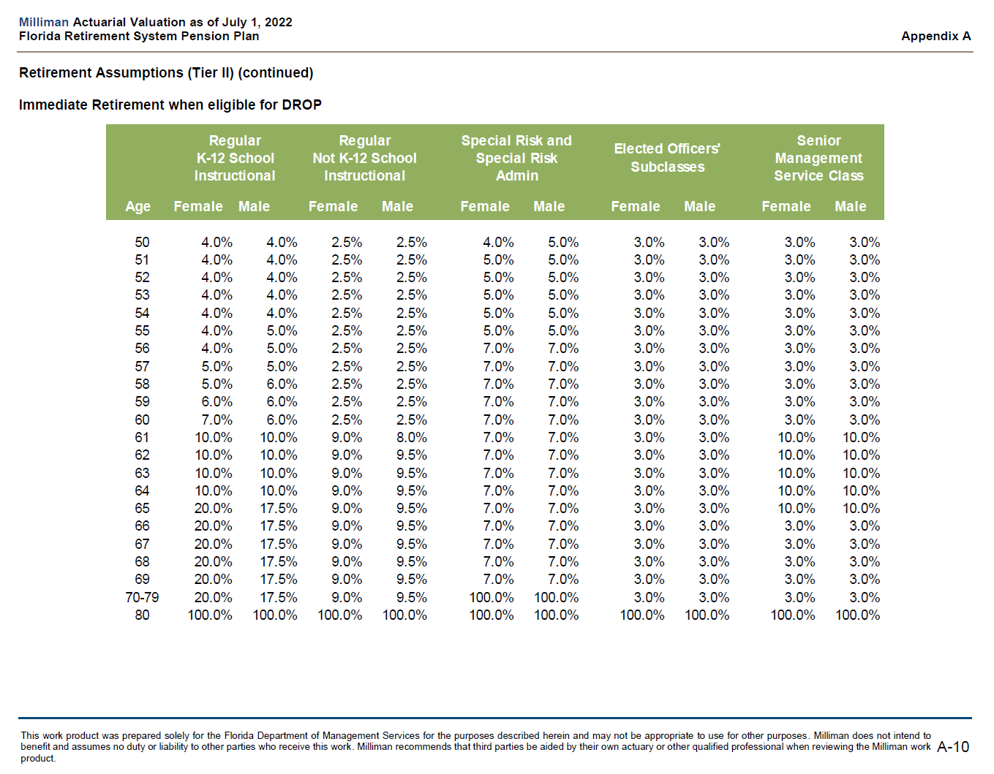
 |  | Age | Female | Male | Female | Male | Female | Male | Female | Male | Female | Male
 |  | age | v1 | v2 | v3 | v4 | v5 | v6 | v7 | v8 | v9 | v10
 |  | 50 | 4.0% | 4.0% | 2.5% | 2.5% | 4.0% | 5.0% | 3.0% | 3.0% | 3.0% | 3.0%
 |  | 51 | 4.0% | 4.0% | 2.5% | 2.5% | 5.0% | 5.0% | 3.0% | 3.0% | 3.0% | 3.0%
 |  | 52 | 4.0% | 4.0% | 2.5% | 2.5% | 5.0% | 5.0% | 3.0% | 3.0% | 3.0% | 3.0%
 |  | 53 | 4.0% | 4.0% | 2.5% | 2.5% | 5.0% | 5.0% | 3.0% | 3.0% | 3.0% | 3.0%
 |  | 54 | 4.0% | 4.0% | 2.5% | 2.5% | 5.0% | 5.0% | 3.0% | 3.0% | 3.0% | 3.0%
 |  | 55 | 4.0% | 5.0% | 2.5% | 2.5% | 5.0% | 5.0% | 3.0% | 3.0% | 3.0% | 3.0%
 |  | 56 | 4.0% | 5.0% | 2.5% | 2.5% | 7.0% | 7.0% | 3.0% | 3.0% | 3.0% | 3.0%
 |  | 57 | 5.0% | 5.0% | 2.5% | 2.5% | 7.0% | 7.0% | 3.0% | 3.0% | 3.0% | 3.0%
 |  | 58 | 5.0% | 6.0% | 2.5% | 2.5% | 7.0% | 7.0% | 3.0% | 3.0% | 3.0% | 3.0%
 |  | 59 | 6.0% | 6.0% | 2.5% | 2.5% | 7.0% | 7.0% | 3.0% | 3.0% | 3.0% | 3.0%
 |  | 60 | 7.0% | 6.0% | 2.5% | 2.5% | 7.0% | 7.0% | 3.0% | 3.0% | 3.0% | 3.0%
 |  | 61 | 10.0% | 10.0% | 9.0% | 8.0% | 7.0% | 7.0% | 3.0% | 3.0% | 10.0% | 10.0%
 |  | 62 | 10.0% | 10.0% | 9.0% | 9.5% | 7.0% | 7.0% | 3.0% | 3.0% | 10.0% | 10.0%
 |  | 63 | 10.0% | 10.0% | 9.0% | 9.5% | 7.0% | 7.0% | 3.0% | 3.0% | 10.0% | 10.0%
 |  | 64 | 10.0% | 10.0% | 9.0% | 9.5% | 7.0% | 7.0% | 3.0% | 3.0% | 10.0% | 10.0%
 |  | 65 | 20.0% | 17.5% | 9.0% | 9.5% | 7.0% | 7.0% | 3.0% | 3.0% | 10.0% | 10.0%
 |  | 66 | 20.0% | 17.5% | 9.0% | 9.5% | 7.0% | 7.0% | 3.0% | 3.0% | 3.0% | 3.0%
 |  | 67 | 20.0% | 17.5% | 9.0% | 9.5% | 7.0% | 7.0% | 3.0% | 3.0% | 3.0% | 3.0%
 |  | 68 | 20.0% | 17.5% | 9.0% | 9.5% | 7.0% | 7.0% | 3.0% | 3.0% | 3.0% | 3.0%
 |  | 69 | 20.0% | 17.5% | 9.0% | 9.5% | 7.0% | 7.0% | 3.0% | 3.0% | 3.0% | 3.0%
 |  | 70-79 | 20.0% | 17.5% | 9.0% | 9.5% | 100.0% | 100.0% | 3.0% | 3.0% | 3.0% | 3.0%
 |  | 80 | 100.0% | 100.0% | 100.0% | 100.0% | 100.0% | 100.0% | 100.0% | 100.0% | 100.0% | 100.0%

salarygrowth
start_col | D
end_col | K
start_row | 7
source | AV2022, p.A-22
note

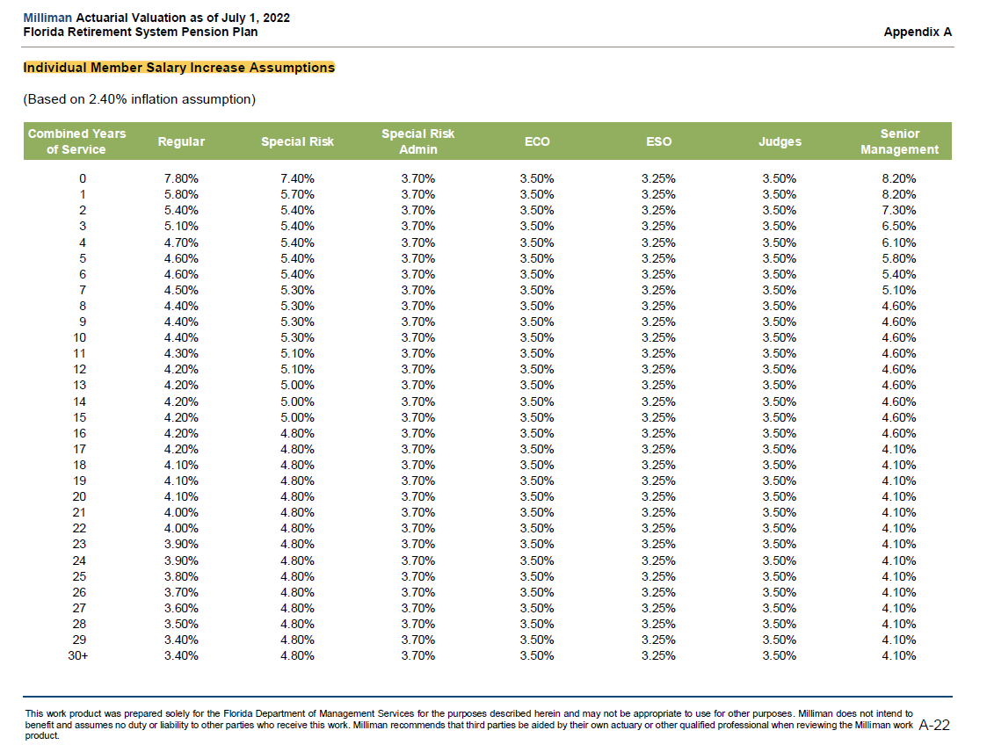
 |  | Combined Years of Service | Regular | Special Risk | Special Risk Admin | ECO | ESO | Judges | Senior Management
 |  | 0 | 0.078 | 0.074 | 0.037 | 0.035 | 0.0325 | 0.035 | 0.082
 |  | 1 | 0.058 | 0.057 | 0.037 | 0.035 | 0.0325 | 0.035 | 0.082
 |  | 2 | 0.054 | 0.054 | 0.037 | 0.035 | 0.0325 | 0.035 | 0.073
 |  | 3 | 0.051 | 0.054 | 0.037 | 0.035 | 0.0325 | 0.035 | 0.065
 |  | 4 | 0.047 | 0.054 | 0.037 | 0.035 | 0.0325 | 0.035 | 0.061
 |  | 5 | 0.046 | 0.054 | 0.037 | 0.035 | 0.0325 | 0.035 | 0.058
 |  | 6 | 0.046 | 0.054 | 0.037 | 0.035 | 0.0325 | 0.035 | 0.054
 |  | 7 | 0.045 | 0.053 | 0.037 | 0.035 | 0.0325 | 0.035 | 0.051
 |  | 8 | 0.044 | 0.053 | 0.037 | 0.035 | 0.0325 | 0.035 | 0.046
 |  | 9 | 0.044 | 0.053 | 0.037 | 0.035 | 0.0325 | 0.035 | 0.046
 |  | 10 | 0.044 | 0.053 | 0.037 | 0.035 | 0.0325 | 0.035 | 0.046
 |  | 11 | 0.043 | 0.051 | 0.037 | 0.035 | 0.0325 | 0.035 | 0.046
 |  | 12 | 0.042 | 0.051 | 0.037 | 0.035 | 0.0325 | 0.035 | 0.046
 |  | 13 | 0.042 | 0.05 | 0.037 | 0.035 | 0.0325 | 0.035 | 0.046
 |  | 14 | 0.042 | 0.05 | 0.037 | 0.035 | 0.0325 | 0.035 | 0.046
 |  | 15 | 0.042 | 0.05 | 0.037 | 0.035 | 0.0325 | 0.035 | 0.046
 |  | 16 | 0.042 | 0.048 | 0.037 | 0.035 | 0.0325 | 0.035 | 0.046
 |  | 17 | 0.042 | 0.048 | 0.037 | 0.035 | 0.0325 | 0.035 | 0.041
 |  | 18 | 0.041 | 0.048 | 0.037 | 0.035 | 0.0325 | 0.035 | 0.041
 |  | 19 | 0.041 | 0.048 | 0.037 | 0.035 | 0.0325 | 0.035 | 0.041
 |  | 20 | 0.041 | 0.048 | 0.037 | 0.035 | 0.0325 | 0.035 | 0.041
 |  | 21 | 0.04 | 0.048 | 0.037 | 0.035 | 0.0325 | 0.035 | 0.041
 |  | 22 | 0.04 | 0.048 | 0.037 | 0.035 | 0.0325 | 0.035 | 0.041
 |  | 23 | 0.039 | 0.048 | 0.037 | 0.035 | 0.0325 | 0.035 | 0.041
 |  | 24 | 0.039 | 0.048 | 0.037 | 0.035 | 0.0325 | 0.035 | 0.041
 |  | 25 | 0.038 | 0.048 | 0.037 | 0.035 | 0.0325 | 0.035 | 0.041
 |  | 26 | 0.037 | 0.048 | 0.037 | 0.035 | 0.0325 | 0.035 | 0.041
 |  | 27 | 0.036 | 0.048 | 0.037 | 0.035 | 0.0325 | 0.035 | 0.041
 |  | 28 | 0.035 | 0.048 | 0.037 | 0.035 | 0.0325 | 0.035 | 0.041
 |  | 29 | 0.034 | 0.048 | 0.037 | 0.035 | 0.0325 | 0.035 | 0.041
 |  | 30+ | 0.034 | 0.048 | 0.037 | 0.035 | 0.0325 | 0.035 | 0.041

withdrawal_eco
start_col | E
end_col | K
start_row | 10
source | AV2022, p.A-15
note | For withdrawal (term rate) tables, Reason used average of male and femle tables
note | see benefit model function get_separation_rate_table() for details
note | no row or column totals

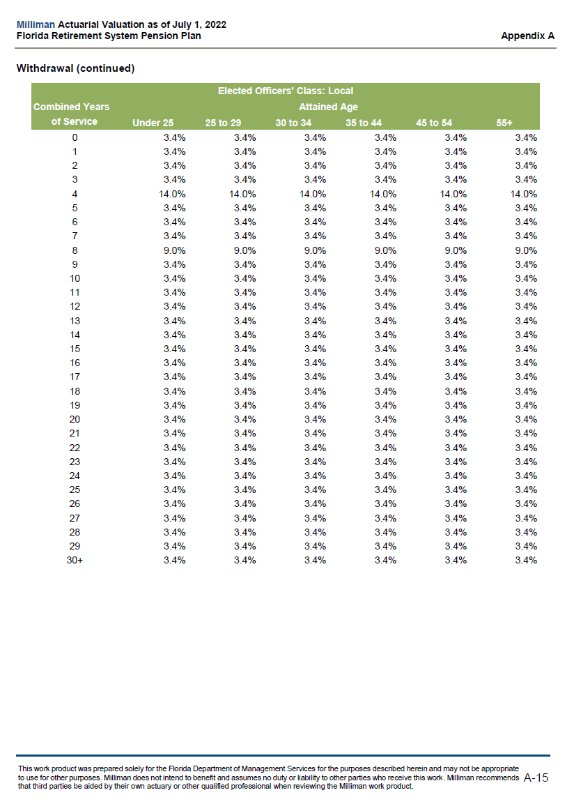
 |  | yos | under_25 | 25_to_29 | 30_to_34 | 35_to_44 | 45_to_54 | 55+
 |  | 0 | 3.40% | 3.40% | 3.40% | 3.40% | 3.40% | 3.40%
 |  | 1 | 3.40% | 3.40% | 3.40% | 3.40% | 3.40% | 3.40%
 |  | 2 | 3.40% | 3.40% | 3.40% | 3.40% | 3.40% | 3.40%
 |  | 3 | 3.40% | 3.40% | 3.40% | 3.40% | 3.40% | 3.40%
 |  | 4 | 14.00% | 14.00% | 14.00% | 14.00% | 14.00% | 14.00%
 |  | 5 | 3.40% | 3.40% | 3.40% | 3.40% | 3.40% | 3.40%
 |  | 6 | 3.40% | 3.40% | 3.40% | 3.40% | 3.40% | 3.40%
 |  | 7 | 3.40% | 3.40% | 3.40% | 3.40% | 3.40% | 3.40%
 |  | 8 | 9.00% | 9.00% | 9.00% | 9.00% | 9.00% | 9.00%
 |  | 9 | 3.40% | 3.40% | 3.40% | 3.40% | 3.40% | 3.40%
 |  | 10 | 3.40% | 3.40% | 3.40% | 3.40% | 3.40% | 3.40%
 |  | 11 | 3.40% | 3.40% | 3.40% | 3.40% | 3.40% | 3.40%
 |  | 12 | 3.40% | 3.40% | 3.40% | 3.40% | 3.40% | 3.40%
 |  | 13 | 3.40% | 3.40% | 3.40% | 3.40% | 3.40% | 3.40%
 |  | 14 | 3.40% | 3.40% | 3.40% | 3.40% | 3.40% | 3.40%
 |  | 15 | 3.40% | 3.40% | 3.40% | 3.40% | 3.40% | 3.40%
 |  | 16 | 3.40% | 3.40% | 3.40% | 3.40% | 3.40% | 3.40%
 |  | 17 | 3.40% | 3.40% | 3.40% | 3.40% | 3.40% | 3.40%
 |  | 18 | 3.40% | 3.40% | 3.40% | 3.40% | 3.40% | 3.40%
 |  | 19 | 3.40% | 3.40% | 3.40% | 3.40% | 3.40% | 3.40%
 |  | 20 | 3.40% | 3.40% | 3.40% | 3.40% | 3.40% | 3.40%
 |  | 21 | 3.40% | 3.40% | 3.40% | 3.40% | 3.40% | 3.40%
 |  | 22 | 3.40% | 3.40% | 3.40% | 3.40% | 3.40% | 3.40%
 |  | 23 | 3.40% | 3.40% | 3.40% | 3.40% | 3.40% | 3.40%
 |  | 24 | 3.40% | 3.40% | 3.40% | 3.40% | 3.40% | 3.40%
 |  | 25 | 3.40% | 3.40% | 3.40% | 3.40% | 3.40% | 3.40%
 |  | 26 | 3.40% | 3.40% | 3.40% | 3.40% | 3.40% | 3.40%
 |  | 27 | 3.40% | 3.40% | 3.40% | 3.40% | 3.40% | 3.40%
 |  | 28 | 3.40% | 3.40% | 3.40% | 3.40% | 3.40% | 3.40%
 |  | 29 | 3.40% | 3.40% | 3.40% | 3.40% | 3.40% | 3.40%
 |  | 30+ | 3.40% | 3.40% | 3.40% | 3.40% | 3.40% | 3.40%

withdrawal_eso
start_col | E
end_col | K
start_row | 10
source | AV2022, p.A-16
note | see withdrawal_eco note

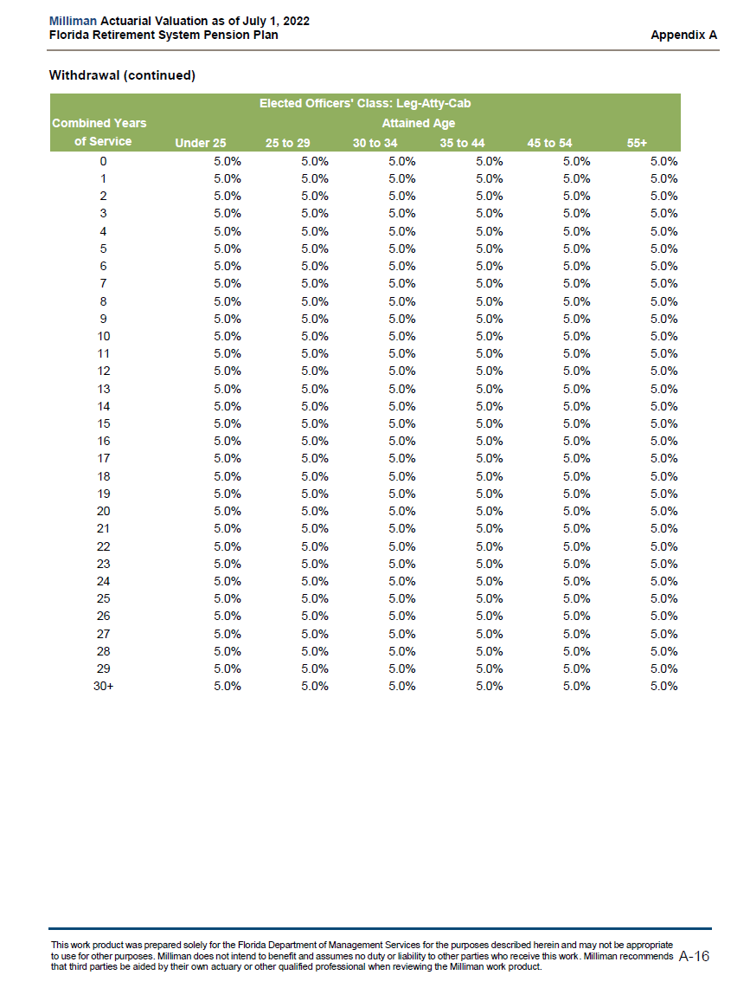
 |  | yos | under_25 | 25_to_29 | 30_to_34 | 35_to_44 | 45_to_54 | 55+
 |  | 0 | 5.00% | 5.00% | 5.00% | 5.00% | 5.00% | 5.00%
 |  | 1 | 5.00% | 5.00% | 5.00% | 5.00% | 5.00% | 5.00%
 |  | 2 | 5.00% | 5.00% | 5.00% | 5.00% | 5.00% | 5.00%
 |  | 3 | 5.00% | 5.00% | 5.00% | 5.00% | 5.00% | 5.00%
 |  | 4 | 5.00% | 5.00% | 5.00% | 5.00% | 5.00% | 5.00%
 |  | 5 | 5.00% | 5.00% | 5.00% | 5.00% | 5.00% | 5.00%
 |  | 6 | 5.00% | 5.00% | 5.00% | 5.00% | 5.00% | 5.00%
 |  | 7 | 5.00% | 5.00% | 5.00% | 5.00% | 5.00% | 5.00%
 |  | 8 | 5.00% | 5.00% | 5.00% | 5.00% | 5.00% | 5.00%
 |  | 9 | 5.00% | 5.00% | 5.00% | 5.00% | 5.00% | 5.00%
 |  | 10 | 5.00% | 5.00% | 5.00% | 5.00% | 5.00% | 5.00%
 |  | 11 | 5.00% | 5.00% | 5.00% | 5.00% | 5.00% | 5.00%
 |  | 12 | 5.00% | 5.00% | 5.00% | 5.00% | 5.00% | 5.00%
 |  | 13 | 5.00% | 5.00% | 5.00% | 5.00% | 5.00% | 5.00%
 |  | 14 | 5.00% | 5.00% | 5.00% | 5.00% | 5.00% | 5.00%
 |  | 15 | 5.00% | 5.00% | 5.00% | 5.00% | 5.00% | 5.00%
 |  | 16 | 5.00% | 5.00% | 5.00% | 5.00% | 5.00% | 5.00%
 |  | 17 | 5.00% | 5.00% | 5.00% | 5.00% | 5.00% | 5.00%
 |  | 18 | 5.00% | 5.00% | 5.00% | 5.00% | 5.00% | 5.00%
 |  | 19 | 5.00% | 5.00% | 5.00% | 5.00% | 5.00% | 5.00%
 |  | 20 | 5.00% | 5.00% | 5.00% | 5.00% | 5.00% | 5.00%
 |  | 21 | 5.00% | 5.00% | 5.00% | 5.00% | 5.00% | 5.00%
 |  | 22 | 5.00% | 5.00% | 5.00% | 5.00% | 5.00% | 5.00%
 |  | 23 | 5.00% | 5.00% | 5.00% | 5.00% | 5.00% | 5.00%
 |  | 24 | 5.00% | 5.00% | 5.00% | 5.00% | 5.00% | 5.00%
 |  | 25 | 5.00% | 5.00% | 5.00% | 5.00% | 5.00% | 5.00%
 |  | 26 | 5.00% | 5.00% | 5.00% | 5.00% | 5.00% | 5.00%
 |  | 27 | 5.00% | 5.00% | 5.00% | 5.00% | 5.00% | 5.00%
 |  | 28 | 5.00% | 5.00% | 5.00% | 5.00% | 5.00% | 5.00%
 |  | 29 | 5.00% | 5.00% | 5.00% | 5.00% | 5.00% | 5.00%
 |  | 30+ | 5.00% | 5.00% | 5.00% | 5.00% | 5.00% | 5.00%

withdrawal_female_admin
start_col | E
end_col | K
start_row | 10
source | AV2022, p.A-21
note | see withdrawal_eco note

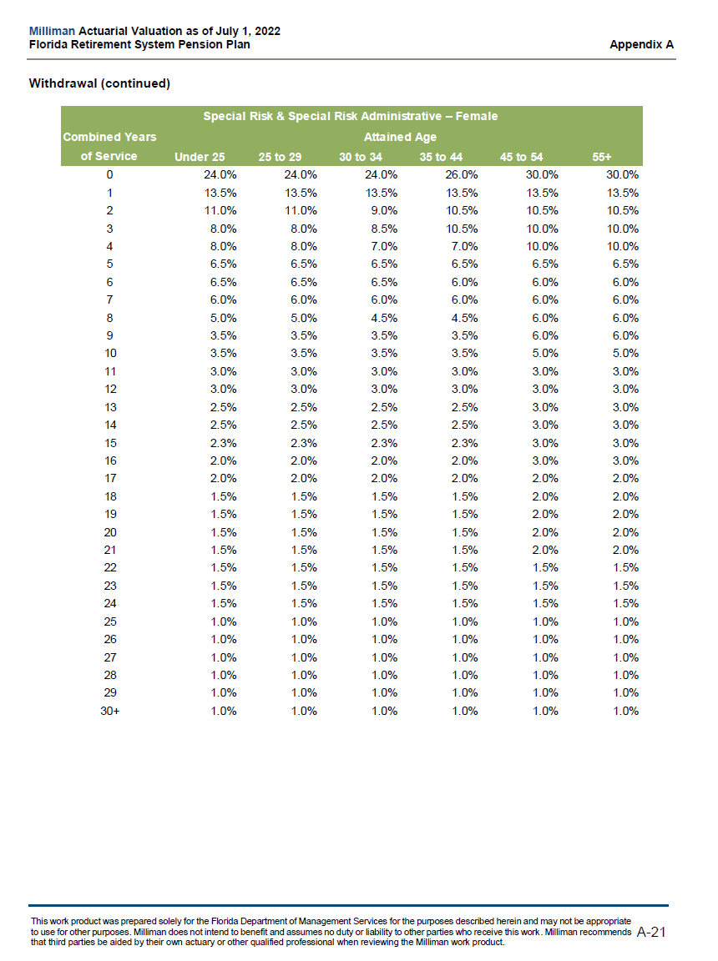
 |  | yos | under_25 | 25_to_29 | 30_to_34 | 35_to_44 | 45_to_54 | 55+
 |  | 0 | 24.00% | 24.00% | 24.00% | 26.00% | 30.00% | 30.00%
 |  | 1 | 13.50% | 13.50% | 13.50% | 13.50% | 13.50% | 13.50%
 |  | 2 | 11.00% | 11.00% | 9.00% | 10.50% | 10.50% | 10.50%
 |  | 3 | 8.00% | 8.00% | 8.50% | 10.50% | 10.00% | 10.00%
 |  | 4 | 8.00% | 8.00% | 7.00% | 7.00% | 10.00% | 10.00%
 |  | 5 | 6.50% | 6.50% | 6.50% | 6.50% | 6.50% | 6.50%
 |  | 6 | 6.50% | 6.50% | 6.50% | 6.00% | 6.00% | 6.00%
 |  | 7 | 6.00% | 6.00% | 6.00% | 6.00% | 6.00% | 6.00%
 |  | 8 | 5.00% | 5.00% | 4.50% | 4.50% | 6.00% | 6.00%
 |  | 9 | 3.50% | 3.50% | 3.50% | 3.50% | 6.00% | 6.00%
 |  | 10 | 3.50% | 3.50% | 3.50% | 3.50% | 5.00% | 5.00%
 |  | 11 | 3.00% | 3.00% | 3.00% | 3.00% | 3.00% | 3.00%
 |  | 12 | 3.00% | 3.00% | 3.00% | 3.00% | 3.00% | 3.00%
 |  | 13 | 2.50% | 2.50% | 2.50% | 2.50% | 3.00% | 3.00%
 |  | 14 | 2.50% | 2.50% | 2.50% | 2.50% | 3.00% | 3.00%
 |  | 15 | 2.30% | 2.30% | 2.30% | 2.30% | 3.00% | 3.00%
 |  | 16 | 2.00% | 2.00% | 2.00% | 2.00% | 3.00% | 3.00%
 |  | 17 | 2.00% | 2.00% | 2.00% | 2.00% | 2.00% | 2.00%
 |  | 18 | 1.50% | 1.50% | 1.50% | 1.50% | 2.00% | 2.00%
 |  | 19 | 1.50% | 1.50% | 1.50% | 1.50% | 2.00% | 2.00%
 |  | 20 | 1.50% | 1.50% | 1.50% | 1.50% | 2.00% | 2.00%
 |  | 21 | 1.50% | 1.50% | 1.50% | 1.50% | 2.00% | 2.00%
 |  | 22 | 1.50% | 1.50% | 1.50% | 1.50% | 1.50% | 1.50%
 |  | 23 | 1.50% | 1.50% | 1.50% | 1.50% | 1.50% | 1.50%
 |  | 24 | 1.50% | 1.50% | 1.50% | 1.50% | 1.50% | 1.50%
 |  | 25 | 1.00% | 1.00% | 1.00% | 1.00% | 1.00% | 1.00%
 |  | 26 | 1.00% | 1.00% | 1.00% | 1.00% | 1.00% | 1.00%
 |  | 27 | 1.00% | 1.00% | 1.00% | 1.00% | 1.00% | 1.00%
 |  | 28 | 1.00% | 1.00% | 1.00% | 1.00% | 1.00% | 1.00%
 |  | 29 | 1.00% | 1.00% | 1.00% | 1.00% | 1.00% | 1.00%
 |  | 30+ | 1.00% | 1.00% | 1.00% | 1.00% | 1.00% | 1.00%

withdrawal_female_regular
start_col | E
end_col | K
start_row | 10
source | AV2022, p.A-14
note | see withdrawal_eco note

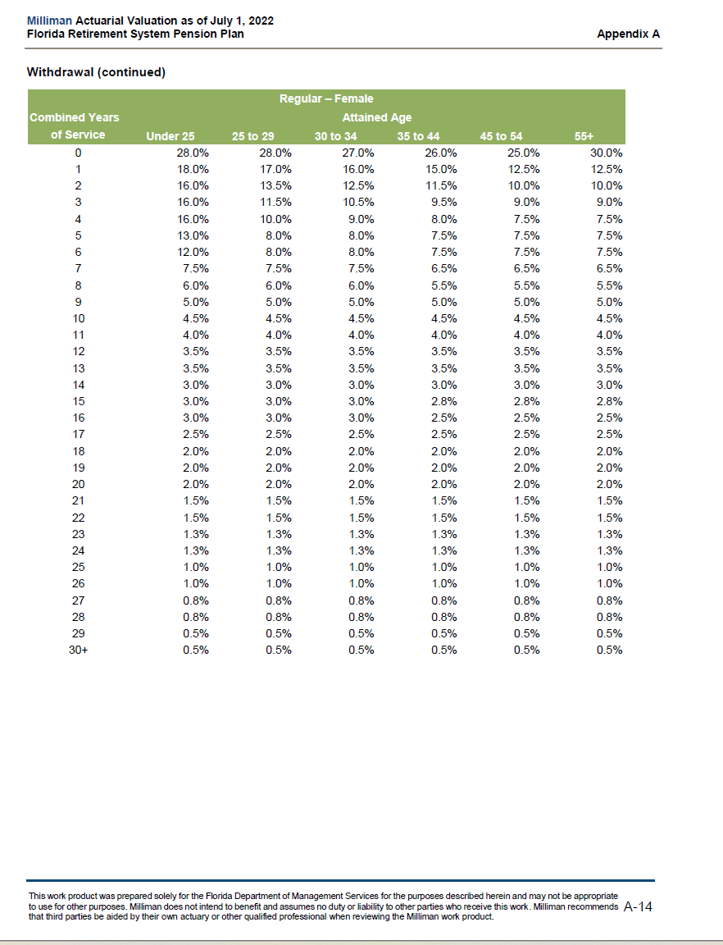

 |  | yos | under_25 | 25_to_29 | 30_to_34 | 35_to_44 | 45_to_54 | 55+
 |  | 0 | 28.00% | 28.00% | 27.00% | 26.00% | 25.00% | 30.00%
 |  | 1 | 18.00% | 17.00% | 16.00% | 15.00% | 12.50% | 12.50%
 |  | 2 | 16.00% | 13.50% | 12.50% | 11.50% | 10.00% | 10.00%
 |  | 3 | 16.00% | 11.50% | 10.50% | 9.50% | 9.00% | 9.00%
 |  | 4 | 16.00% | 10.00% | 9.00% | 8.00% | 7.50% | 7.50%
 |  | 5 | 13.00% | 8.00% | 8.00% | 7.50% | 7.50% | 7.50%
 |  | 6 | 12.00% | 8.00% | 8.00% | 7.50% | 7.50% | 7.50%
 |  | 7 | 7.50% | 7.50% | 7.50% | 6.50% | 6.50% | 6.50%
 |  | 8 | 6.00% | 6.00% | 6.00% | 5.50% | 5.50% | 5.50%
 |  | 9 | 5.00% | 5.00% | 5.00% | 5.00% | 5.00% | 5.00%
 |  | 10 | 4.50% | 4.50% | 4.50% | 4.50% | 4.50% | 4.50%
 |  | 11 | 4.00% | 4.00% | 4.00% | 4.00% | 4.00% | 4.00%
 |  | 12 | 3.50% | 3.50% | 3.50% | 3.50% | 3.50% | 3.50%
 |  | 13 | 3.50% | 3.50% | 3.50% | 3.50% | 3.50% | 3.50%
 |  | 14 | 3.00% | 3.00% | 3.00% | 3.00% | 3.00% | 3.00%
 |  | 15 | 3.00% | 3.00% | 3.00% | 2.80% | 2.80% | 2.80%
 |  | 16 | 3.00% | 3.00% | 3.00% | 2.50% | 2.50% | 2.50%
 |  | 17 | 2.50% | 2.50% | 2.50% | 2.50% | 2.50% | 2.50%
 |  | 18 | 2.00% | 2.00% | 2.00% | 2.00% | 2.00% | 2.00%
 |  | 19 | 2.00% | 2.00% | 2.00% | 2.00% | 2.00% | 2.00%
 |  | 20 | 2.00% | 2.00% | 2.00% | 2.00% | 2.00% | 2.00%
 |  | 21 | 1.50% | 1.50% | 1.50% | 1.50% | 1.50% | 1.50%
 |  | 22 | 1.50% | 1.50% | 1.50% | 1.50% | 1.50% | 1.50%
 |  | 23 | 1.30% | 1.30% | 1.30% | 1.30% | 1.30% | 1.30%
 |  | 24 | 1.30% | 1.30% | 1.30% | 1.30% | 1.30% | 1.30%
 |  | 25 | 1.00% | 1.00% | 1.00% | 1.00% | 1.00% | 1.00%
 |  | 26 | 1.00% | 1.00% | 1.00% | 1.00% | 1.00% | 1.00%
 |  | 27 | 0.80% | 0.80% | 0.80% | 0.80% | 0.80% | 0.80%
 |  | 28 | 0.80% | 0.80% | 0.80% | 0.80% | 0.80% | 0.80%
 |  | 29 | 0.50% | 0.50% | 0.50% | 0.50% | 0.50% | 0.50%
 |  | 30+ | 0.50% | 0.50% | 0.50% | 0.50% | 0.50% | 0.50%

withdrawal_female_senior_mgt
start_col | E
end_col | K
start_row | 10
source | AV2022, p.A-19
fullname | withdrawal_female_senior_management
note | see withdrawal_eco note

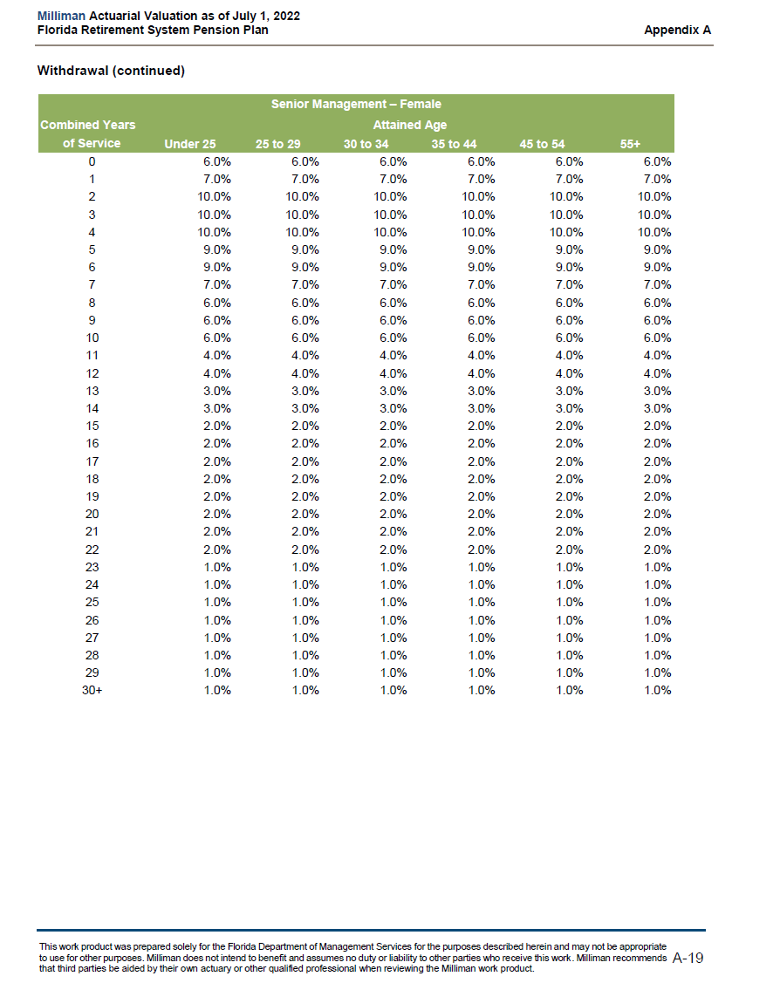
 |  | yos | under_25 | 25_to_29 | 30_to_34 | 35_to_44 | 45_to_54 | 55+
 |  | 0 | 6.00% | 6.00% | 6.00% | 6.00% | 6.00% | 6.00%
 |  | 1 | 7.00% | 7.00% | 7.00% | 7.00% | 7.00% | 7.00%
 |  | 2 | 10.00% | 10.00% | 10.00% | 10.00% | 10.00% | 10.00%
 |  | 3 | 10.00% | 10.00% | 10.00% | 10.00% | 10.00% | 10.00%
 |  | 4 | 10.00% | 10.00% | 10.00% | 10.00% | 10.00% | 10.00%
 |  | 5 | 9.00% | 9.00% | 9.00% | 9.00% | 9.00% | 9.00%
 |  | 6 | 9.00% | 9.00% | 9.00% | 9.00% | 9.00% | 9.00%
 |  | 7 | 7.00% | 7.00% | 7.00% | 7.00% | 7.00% | 7.00%
 |  | 8 | 6.00% | 6.00% | 6.00% | 6.00% | 6.00% | 6.00%
 |  | 9 | 6.00% | 6.00% | 6.00% | 6.00% | 6.00% | 6.00%
 |  | 10 | 6.00% | 6.00% | 6.00% | 6.00% | 6.00% | 6.00%
 |  | 11 | 4.00% | 4.00% | 4.00% | 4.00% | 4.00% | 4.00%
 |  | 12 | 4.00% | 4.00% | 4.00% | 4.00% | 4.00% | 4.00%
 |  | 13 | 3.00% | 3.00% | 3.00% | 3.00% | 3.00% | 3.00%
 |  | 14 | 3.00% | 3.00% | 3.00% | 3.00% | 3.00% | 3.00%
 |  | 15 | 2.00% | 2.00% | 2.00% | 2.00% | 2.00% | 2.00%
 |  | 16 | 2.00% | 2.00% | 2.00% | 2.00% | 2.00% | 2.00%
 |  | 17 | 2.00% | 2.00% | 2.00% | 2.00% | 2.00% | 2.00%
 |  | 18 | 2.00% | 2.00% | 2.00% | 2.00% | 2.00% | 2.00%
 |  | 19 | 2.00% | 2.00% | 2.00% | 2.00% | 2.00% | 2.00%
 |  | 20 | 2.00% | 2.00% | 2.00% | 2.00% | 2.00% | 2.00%
 |  | 21 | 2.00% | 2.00% | 2.00% | 2.00% | 2.00% | 2.00%
 |  | 22 | 2.00% | 2.00% | 2.00% | 2.00% | 2.00% | 2.00%
 |  | 23 | 1.00% | 1.00% | 1.00% | 1.00% | 1.00% | 1.00%
 |  | 24 | 1.00% | 1.00% | 1.00% | 1.00% | 1.00% | 1.00%
 |  | 25 | 1.00% | 1.00% | 1.00% | 1.00% | 1.00% | 1.00%
 |  | 26 | 1.00% | 1.00% | 1.00% | 1.00% | 1.00% | 1.00%
 |  | 27 | 1.00% | 1.00% | 1.00% | 1.00% | 1.00% | 1.00%
 |  | 28 | 1.00% | 1.00% | 1.00% | 1.00% | 1.00% | 1.00%
 |  | 29 | 1.00% | 1.00% | 1.00% | 1.00% | 1.00% | 1.00%
 |  | 30+ | 1.00% | 1.00% | 1.00% | 1.00% | 1.00% | 1.00%

withdrawal_female_special
start_col | E
end_col | K
start_row | 10
source | AV2022, p.A-21
note | see withdrawal_eco note

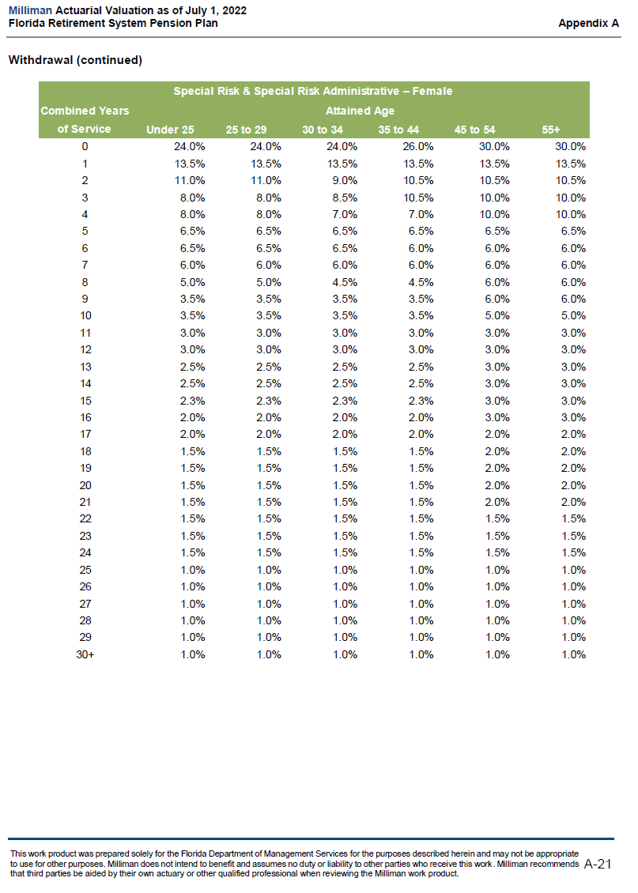
 |  | yos | under_25 | 25_to_29 | 30_to_34 | 35_to_44 | 45_to_54 | 55+
 |  | 0 | 24.00% | 24.00% | 24.00% | 26.00% | 30.00% | 30.00%
 |  | 1 | 13.50% | 13.50% | 13.50% | 13.50% | 13.50% | 13.50%
 |  | 2 | 11.00% | 11.00% | 9.00% | 10.50% | 10.50% | 10.50%
 |  | 3 | 8.00% | 8.00% | 8.50% | 10.50% | 10.00% | 10.00%
 |  | 4 | 8.00% | 8.00% | 7.00% | 7.00% | 10.00% | 10.00%
 |  | 5 | 6.50% | 6.50% | 6.50% | 6.50% | 6.50% | 6.50%
 |  | 6 | 6.50% | 6.50% | 6.50% | 6.00% | 6.00% | 6.00%
 |  | 7 | 6.00% | 6.00% | 6.00% | 6.00% | 6.00% | 6.00%
 |  | 8 | 5.00% | 5.00% | 4.50% | 4.50% | 6.00% | 6.00%
 |  | 9 | 3.50% | 3.50% | 3.50% | 3.50% | 6.00% | 6.00%
 |  | 10 | 3.50% | 3.50% | 3.50% | 3.50% | 5.00% | 5.00%
 |  | 11 | 3.00% | 3.00% | 3.00% | 3.00% | 3.00% | 3.00%
 |  | 12 | 3.00% | 3.00% | 3.00% | 3.00% | 3.00% | 3.00%
 |  | 13 | 2.50% | 2.50% | 2.50% | 2.50% | 3.00% | 3.00%
 |  | 14 | 2.50% | 2.50% | 2.50% | 2.50% | 3.00% | 3.00%
 |  | 15 | 2.30% | 2.30% | 2.30% | 2.30% | 3.00% | 3.00%
 |  | 16 | 2.00% | 2.00% | 2.00% | 2.00% | 3.00% | 3.00%
 |  | 17 | 2.00% | 2.00% | 2.00% | 2.00% | 2.00% | 2.00%
 |  | 18 | 1.50% | 1.50% | 1.50% | 1.50% | 2.00% | 2.00%
 |  | 19 | 1.50% | 1.50% | 1.50% | 1.50% | 2.00% | 2.00%
 |  | 20 | 1.50% | 1.50% | 1.50% | 1.50% | 2.00% | 2.00%
 |  | 21 | 1.50% | 1.50% | 1.50% | 1.50% | 2.00% | 2.00%
 |  | 22 | 1.50% | 1.50% | 1.50% | 1.50% | 1.50% | 1.50%
 |  | 23 | 1.50% | 1.50% | 1.50% | 1.50% | 1.50% | 1.50%
 |  | 24 | 1.50% | 1.50% | 1.50% | 1.50% | 1.50% | 1.50%
 |  | 25 | 1.00% | 1.00% | 1.00% | 1.00% | 1.00% | 1.00%
 |  | 26 | 1.00% | 1.00% | 1.00% | 1.00% | 1.00% | 1.00%
 |  | 27 | 1.00% | 1.00% | 1.00% | 1.00% | 1.00% | 1.00%
 |  | 28 | 1.00% | 1.00% | 1.00% | 1.00% | 1.00% | 1.00%
 |  | 29 | 1.00% | 1.00% | 1.00% | 1.00% | 1.00% | 1.00%
 |  | 30+ | 1.00% | 1.00% | 1.00% | 1.00% | 1.00% | 1.00%

withdrawal_judges
start_col | E
end_col | K
start_row | 10
source | AV2022, p.A-17
note | see withdrawal_eco note

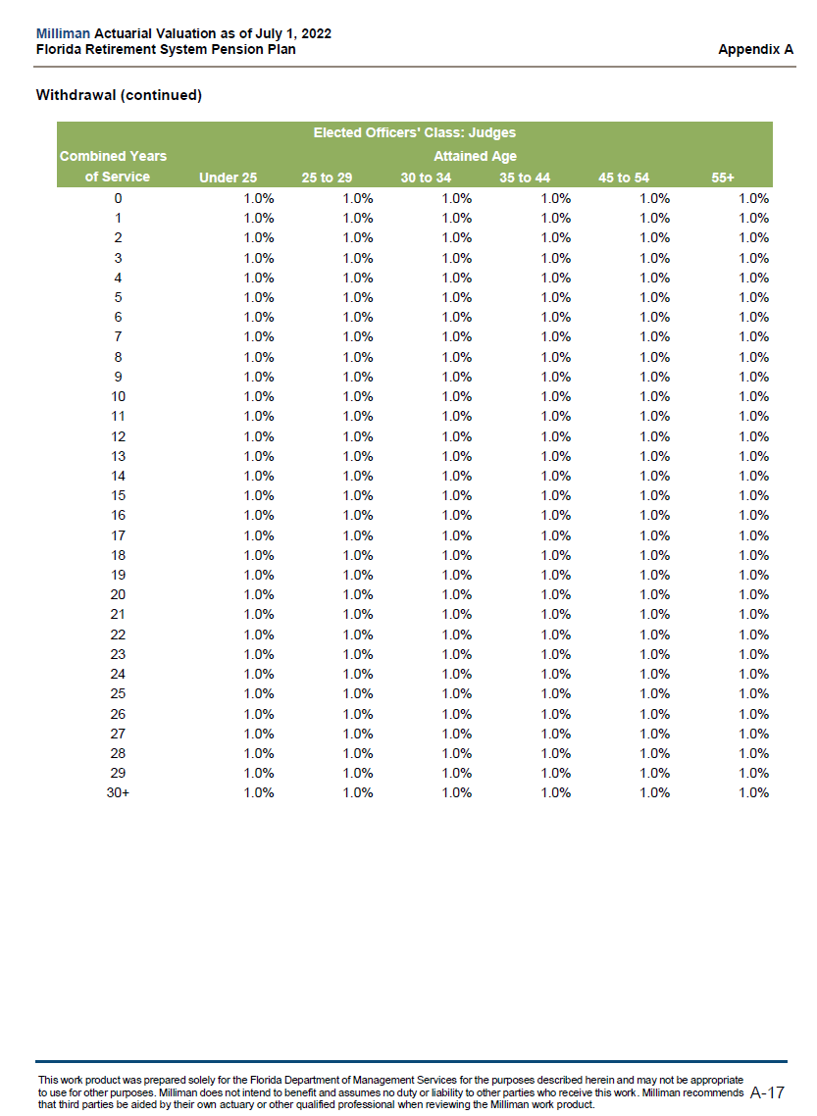

 |  | yos | under_25 | 25_to_29 | 30_to_34 | 35_to_44 | 45_to_54 | 55+
 |  | 0 | 1.00% | 1.00% | 1.00% | 1.00% | 1.00% | 1.00%
 |  | 1 | 1.00% | 1.00% | 1.00% | 1.00% | 1.00% | 1.00%
 |  | 2 | 1.00% | 1.00% | 1.00% | 1.00% | 1.00% | 1.00%
 |  | 3 | 1.00% | 1.00% | 1.00% | 1.00% | 1.00% | 1.00%
 |  | 4 | 1.00% | 1.00% | 1.00% | 1.00% | 1.00% | 1.00%
 |  | 5 | 1.00% | 1.00% | 1.00% | 1.00% | 1.00% | 1.00%
 |  | 6 | 1.00% | 1.00% | 1.00% | 1.00% | 1.00% | 1.00%
 |  | 7 | 1.00% | 1.00% | 1.00% | 1.00% | 1.00% | 1.00%
 |  | 8 | 1.00% | 1.00% | 1.00% | 1.00% | 1.00% | 1.00%
 |  | 9 | 1.00% | 1.00% | 1.00% | 1.00% | 1.00% | 1.00%
 |  | 10 | 1.00% | 1.00% | 1.00% | 1.00% | 1.00% | 1.00%
 |  | 11 | 1.00% | 1.00% | 1.00% | 1.00% | 1.00% | 1.00%
 |  | 12 | 1.00% | 1.00% | 1.00% | 1.00% | 1.00% | 1.00%
 |  | 13 | 1.00% | 1.00% | 1.00% | 1.00% | 1.00% | 1.00%
 |  | 14 | 1.00% | 1.00% | 1.00% | 1.00% | 1.00% | 1.00%
 |  | 15 | 1.00% | 1.00% | 1.00% | 1.00% | 1.00% | 1.00%
 |  | 16 | 1.00% | 1.00% | 1.00% | 1.00% | 1.00% | 1.00%
 |  | 17 | 1.00% | 1.00% | 1.00% | 1.00% | 1.00% | 1.00%
 |  | 18 | 1.00% | 1.00% | 1.00% | 1.00% | 1.00% | 1.00%
 |  | 19 | 1.00% | 1.00% | 1.00% | 1.00% | 1.00% | 1.00%
 |  | 20 | 1.00% | 1.00% | 1.00% | 1.00% | 1.00% | 1.00%
 |  | 21 | 1.00% | 1.00% | 1.00% | 1.00% | 1.00% | 1.00%
 |  | 22 | 1.00% | 1.00% | 1.00% | 1.00% | 1.00% | 1.00%
 |  | 23 | 1.00% | 1.00% | 1.00% | 1.00% | 1.00% | 1.00%
 |  | 24 | 1.00% | 1.00% | 1.00% | 1.00% | 1.00% | 1.00%
 |  | 25 | 1.00% | 1.00% | 1.00% | 1.00% | 1.00% | 1.00%
 |  | 26 | 1.00% | 1.00% | 1.00% | 1.00% | 1.00% | 1.00%
 |  | 27 | 1.00% | 1.00% | 1.00% | 1.00% | 1.00% | 1.00%
 |  | 28 | 1.00% | 1.00% | 1.00% | 1.00% | 1.00% | 1.00%
 |  | 29 | 1.00% | 1.00% | 1.00% | 1.00% | 1.00% | 1.00%
 |  | 30+ | 1.00% | 1.00% | 1.00% | 1.00% | 1.00% | 1.00%

withdrawal_male_admin
start_col | E
end_col | K
start_row | 10
source | AV2022, pA-20
note | see withdrawal_eco note

 |  | yos | under_25 | 25_to_29 | 30_to_34 | 35_to_44 | 45_to_54 | 55+
 |  | 0 | 17.50% | 15.50% | 15.50% | 17.50% | 17.50% | 17.50%
 |  | 1 | 10.00% | 9.00% | 9.00% | 10.00% | 9.00% | 9.00%
 |  | 2 | 8.00% | 8.00% | 8.00% | 8.00% | 7.00% | 8.00%
 |  | 3 | 7.00% | 7.00% | 7.00% | 7.00% | 5.50% | 7.00%
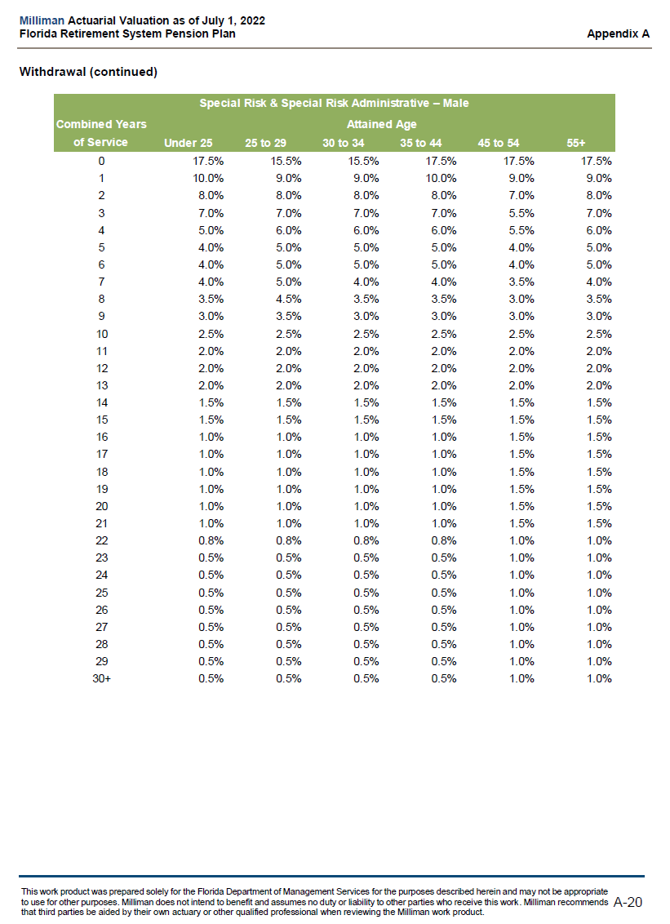
 |  | 4 | 5.00% | 6.00% | 6.00% | 6.00% | 5.50% | 6.00%
 |  | 5 | 4.00% | 5.00% | 5.00% | 5.00% | 4.00% | 5.00%
 |  | 6 | 4.00% | 5.00% | 5.00% | 5.00% | 4.00% | 5.00%
 |  | 7 | 4.00% | 5.00% | 4.00% | 4.00% | 3.50% | 4.00%
 |  | 8 | 3.50% | 4.50% | 3.50% | 3.50% | 3.00% | 3.50%
 |  | 9 | 3.00% | 3.50% | 3.00% | 3.00% | 3.00% | 3.00%
 |  | 10 | 2.50% | 2.50% | 2.50% | 2.50% | 2.50% | 2.50%
 |  | 11 | 2.00% | 2.00% | 2.00% | 2.00% | 2.00% | 2.00%
 |  | 12 | 2.00% | 2.00% | 2.00% | 2.00% | 2.00% | 2.00%
 |  | 13 | 2.00% | 2.00% | 2.00% | 2.00% | 2.00% | 2.00%
 |  | 14 | 1.50% | 1.50% | 1.50% | 1.50% | 1.50% | 1.50%
 |  | 15 | 1.50% | 1.50% | 1.50% | 1.50% | 1.50% | 1.50%
 |  | 16 | 1.00% | 1.00% | 1.00% | 1.00% | 1.50% | 1.50%
 |  | 17 | 1.00% | 1.00% | 1.00% | 1.00% | 1.50% | 1.50%
 |  | 18 | 1.00% | 1.00% | 1.00% | 1.00% | 1.50% | 1.50%
 |  | 19 | 1.00% | 1.00% | 1.00% | 1.00% | 1.50% | 1.50%
 |  | 20 | 1.00% | 1.00% | 1.00% | 1.00% | 1.50% | 1.50%
 |  | 21 | 1.00% | 1.00% | 1.00% | 1.00% | 1.50% | 1.50%
 |  | 22 | 0.80% | 0.80% | 0.80% | 0.80% | 1.00% | 1.00%
 |  | 23 | 0.50% | 0.50% | 0.50% | 0.50% | 1.00% | 1.00%
 |  | 24 | 0.50% | 0.50% | 0.50% | 0.50% | 1.00% | 1.00%
 |  | 25 | 0.50% | 0.50% | 0.50% | 0.50% | 1.00% | 1.00%
 |  | 26 | 0.50% | 0.50% | 0.50% | 0.50% | 1.00% | 1.00%
 |  | 27 | 0.50% | 0.50% | 0.50% | 0.50% | 1.00% | 1.00%
 |  | 28 | 0.50% | 0.50% | 0.50% | 0.50% | 1.00% | 1.00%
 |  | 29 | 0.50% | 0.50% | 0.50% | 0.50% | 1.00% | 1.00%
 |  | 30+ | 0.50% | 0.50% | 0.50% | 0.50% | 1.00% | 1.00%

withdrawal_male_regular
start_col | E
end_col | K
start_row | 10
source | AV2022, p.A-13
note | see withdrawal_eco note

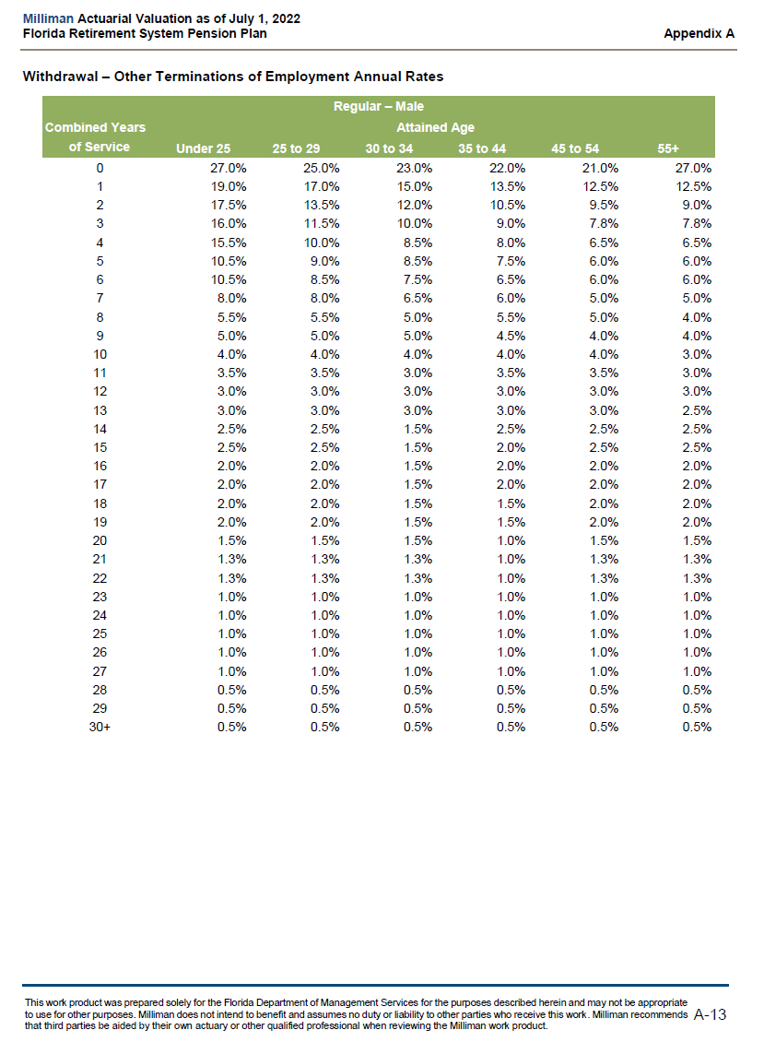
 |  | yos | under_25 | 25_to_29 | 30_to_34 | 35_to_44 | 45_to_54 | 55+
 |  | 0 | 27.00% | 25.00% | 23.00% | 22.00% | 21.00% | 27.00%
 |  | 1 | 19.00% | 17.00% | 15.00% | 13.50% | 12.50% | 12.50%
 |  | 2 | 17.50% | 13.50% | 12.00% | 10.50% | 9.50% | 9.00%
 |  | 3 | 16.00% | 11.50% | 10.00% | 9.00% | 7.80% | 7.80%
 |  | 4 | 15.50% | 10.00% | 8.50% | 8.00% | 6.50% | 6.50%
 |  | 5 | 10.50% | 9.00% | 8.50% | 7.50% | 6.00% | 6.00%
 |  | 6 | 10.50% | 8.50% | 7.50% | 6.50% | 6.00% | 6.00%
 |  | 7 | 8.00% | 8.00% | 6.50% | 6.00% | 5.00% | 5.00%
 |  | 8 | 5.50% | 5.50% | 5.00% | 5.50% | 5.00% | 4.00%
 |  | 9 | 5.00% | 5.00% | 5.00% | 4.50% | 4.00% | 4.00%
 |  | 10 | 4.00% | 4.00% | 4.00% | 4.00% | 4.00% | 3.00%
 |  | 11 | 3.50% | 3.50% | 3.00% | 3.50% | 3.50% | 3.00%
 |  | 12 | 3.00% | 3.00% | 3.00% | 3.00% | 3.00% | 3.00%
 |  | 13 | 3.00% | 3.00% | 3.00% | 3.00% | 3.00% | 2.50%
 |  | 14 | 2.50% | 2.50% | 1.50% | 2.50% | 2.50% | 2.50%
 |  | 15 | 2.50% | 2.50% | 1.50% | 2.00% | 2.00% | 2.50%
 |  | 16 | 2.00% | 2.00% | 1.50% | 2.00% | 2.00% | 2.00%
 |  | 17 | 2.00% | 2.00% | 1.50% | 2.00% | 2.00% | 2.00%
 |  | 18 | 2.00% | 2.00% | 1.50% | 1.50% | 1.50% | 2.00%
 |  | 19 | 2.00% | 2.00% | 1.50% | 1.50% | 1.50% | 2.00%
 |  | 20 | 1.50% | 1.50% | 1.50% | 1.00% | 1.00% | 1.50%
 |  | 21 | 1.30% | 1.30% | 1.50% | 1.00% | 1.00% | 1.30%
 |  | 22 | 1.30% | 1.30% | 1.50% | 1.00% | 1.00% | 1.30%
 |  | 23 | 1.00% | 1.00% | 1.00% | 1.00% | 1.00% | 1.00%
 |  | 24 | 1.00% | 1.00% | 1.00% | 1.00% | 1.00% | 1.00%
 |  | 25 | 1.00% | 1.00% | 1.00% | 1.00% | 1.00% | 1.00%
 |  | 26 | 1.00% | 1.00% | 1.00% | 1.00% | 1.00% | 1.00%
 |  | 27 | 1.00% | 1.00% | 1.00% | 1.00% | 1.00% | 1.00%
 |  | 28 | 0.50% | 0.50% | 0.50% | 0.50% | 0.50% | 0.50%
 |  | 29 | 0.50% | 0.50% | 0.50% | 0.50% | 0.50% | 0.50%
 |  | 30+ | 0.50% | 0.50% | 0.50% | 0.50% | 0.50% | 0.50%

withdrawal_male_senior_mgt
start_col | E
end_col | K
start_row | 10
source | AV2022, p.A-18
fullname | withdrawal_male_senior_management
note | see withdrawal_eco note

 |  | yos | under_25 | 25_to_29 | 30_to_34 | 35_to_44 | 45_to_54 | 55+
 |  | 0 | 9.00% | 9.00% | 9.00% | 9.00% | 9.00% | 11.00%
 |  | 1 | 10.50% | 10.50% | 10.50% | 10.50% | 10.50% | 11.00%
 |  | 2 | 17.00% | 17.00% | 17.00% | 17.00% | 17.00% | 14.50%
 |  | 3 | 16.00% | 16.00% | 16.00% | 16.00% | 16.00% | 10.50%
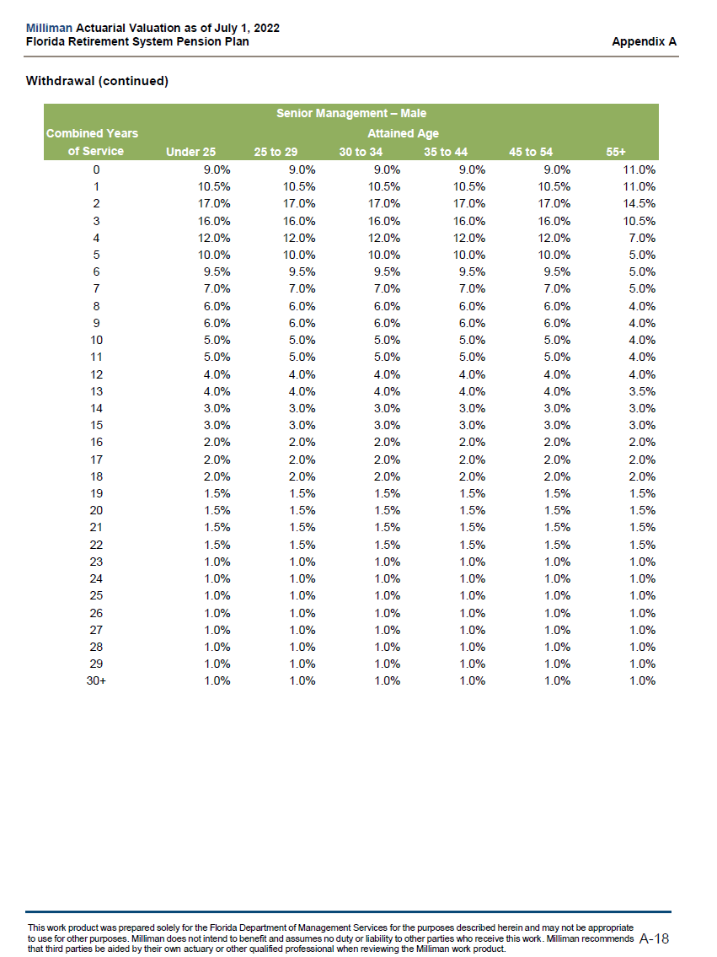
 |  | 4 | 12.00% | 12.00% | 12.00% | 12.00% | 12.00% | 7.00%
 |  | 5 | 10.00% | 10.00% | 10.00% | 10.00% | 10.00% | 5.00%
 |  | 6 | 9.50% | 9.50% | 9.50% | 9.50% | 9.50% | 5.00%
 |  | 7 | 7.00% | 7.00% | 7.00% | 7.00% | 7.00% | 5.00%
 |  | 8 | 6.00% | 6.00% | 6.00% | 6.00% | 6.00% | 4.00%
 |  | 9 | 6.00% | 6.00% | 6.00% | 6.00% | 6.00% | 4.00%
 |  | 10 | 5.00% | 5.00% | 5.00% | 5.00% | 5.00% | 4.00%
 |  | 11 | 5.00% | 5.00% | 5.00% | 5.00% | 5.00% | 4.00%
 |  | 12 | 4.00% | 4.00% | 4.00% | 4.00% | 4.00% | 4.00%
 |  | 13 | 4.00% | 4.00% | 4.00% | 4.00% | 4.00% | 3.50%
 |  | 14 | 3.00% | 3.00% | 3.00% | 3.00% | 3.00% | 3.00%
 |  | 15 | 3.00% | 3.00% | 3.00% | 3.00% | 3.00% | 3.00%
 |  | 16 | 2.00% | 2.00% | 2.00% | 2.00% | 2.00% | 2.00%
 |  | 17 | 2.00% | 2.00% | 2.00% | 2.00% | 2.00% | 2.00%
 |  | 18 | 2.00% | 2.00% | 2.00% | 2.00% | 2.00% | 2.00%
 |  | 19 | 1.50% | 1.50% | 1.50% | 1.50% | 1.50% | 1.50%
 |  | 20 | 1.50% | 1.50% | 1.50% | 1.50% | 1.50% | 1.50%
 |  | 21 | 1.50% | 1.50% | 1.50% | 1.50% | 1.50% | 1.50%
 |  | 22 | 1.50% | 1.50% | 1.50% | 1.50% | 1.50% | 1.50%
 |  | 23 | 1.00% | 1.00% | 1.00% | 1.00% | 1.00% | 1.00%
 |  | 24 | 1.00% | 1.00% | 1.00% | 1.00% | 1.00% | 1.00%
 |  | 25 | 1.00% | 1.00% | 1.00% | 1.00% | 1.00% | 1.00%
 |  | 26 | 1.00% | 1.00% | 1.00% | 1.00% | 1.00% | 1.00%
 |  | 27 | 1.00% | 1.00% | 1.00% | 1.00% | 1.00% | 1.00%
 |  | 28 | 1.00% | 1.00% | 1.00% | 1.00% | 1.00% | 1.00%
 |  | 29 | 1.00% | 1.00% | 1.00% | 1.00% | 1.00% | 1.00%
 |  | 30+ | 1.00% | 1.00% | 1.00% | 1.00% | 1.00% | 1.00%

withdrawal_male_special
start_col | E
end_col | K
start_row | 10
source | AV2022, p.A-20
note | see withdrawal_eco note

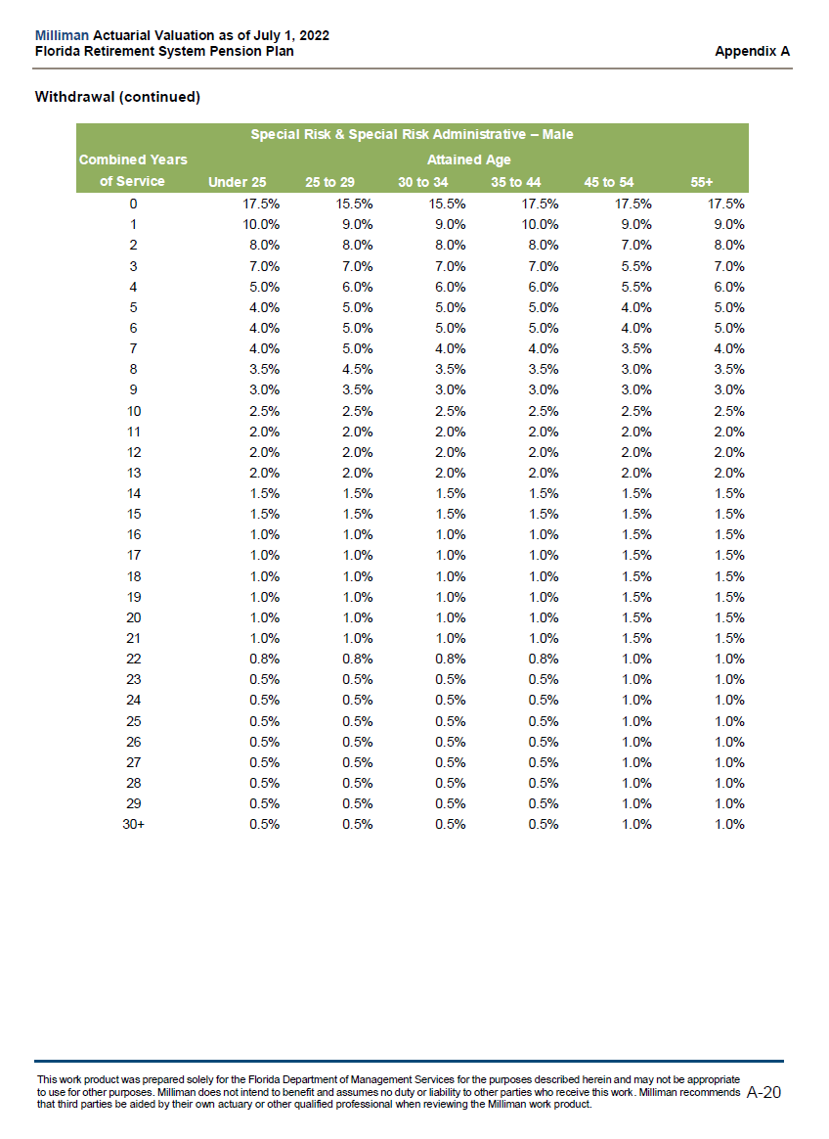
 |  | yos | under_25 | 25_to_29 | 30_to_34 | 35_to_44 | 45_to_54 | 55+
 |  | 0 | 17.50% | 15.50% | 15.50% | 17.50% | 17.50% | 17.50%
 |  | 1 | 10.00% | 9.00% | 9.00% | 10.00% | 9.00% | 9.00%
 |  | 2 | 8.00% | 8.00% | 8.00% | 8.00% | 7.00% | 8.00%
 |  | 3 | 7.00% | 7.00% | 7.00% | 7.00% | 5.50% | 7.00%
 |  | 4 | 5.00% | 6.00% | 6.00% | 6.00% | 5.50% | 6.00%
 |  | 5 | 4.00% | 5.00% | 5.00% | 5.00% | 4.00% | 5.00%
 |  | 6 | 4.00% | 5.00% | 5.00% | 5.00% | 4.00% | 5.00%
 |  | 7 | 4.00% | 5.00% | 4.00% | 4.00% | 3.50% | 4.00%
 |  | 8 | 3.50% | 4.50% | 3.50% | 3.50% | 3.00% | 3.50%
 |  | 9 | 3.00% | 3.50% | 3.00% | 3.00% | 3.00% | 3.00%
 |  | 10 | 2.50% | 2.50% | 2.50% | 2.50% | 2.50% | 2.50%
 |  | 11 | 2.00% | 2.00% | 2.00% | 2.00% | 2.00% | 2.00%
 |  | 12 | 2.00% | 2.00% | 2.00% | 2.00% | 2.00% | 2.00%
 |  | 13 | 2.00% | 2.00% | 2.00% | 2.00% | 2.00% | 2.00%
 |  | 14 | 1.50% | 1.50% | 1.50% | 1.50% | 1.50% | 1.50%
 |  | 15 | 1.50% | 1.50% | 1.50% | 1.50% | 1.50% | 1.50%
 |  | 16 | 1.00% | 1.00% | 1.00% | 1.00% | 1.50% | 1.50%
 |  | 17 | 1.00% | 1.00% | 1.00% | 1.00% | 1.50% | 1.50%
 |  | 18 | 1.00% | 1.00% | 1.00% | 1.00% | 1.50% | 1.50%
 |  | 19 | 1.00% | 1.00% | 1.00% | 1.00% | 1.50% | 1.50%
 |  | 20 | 1.00% | 1.00% | 1.00% | 1.00% | 1.50% | 1.50%
 |  | 21 | 1.00% | 1.00% | 1.00% | 1.00% | 1.50% | 1.50%
 |  | 22 | 0.80% | 0.80% | 0.80% | 0.80% | 1.00% | 1.00%
 |  | 23 | 0.50% | 0.50% | 0.50% | 0.50% | 1.00% | 1.00%
 |  | 24 | 0.50% | 0.50% | 0.50% | 0.50% | 1.00% | 1.00%
 |  | 25 | 0.50% | 0.50% | 0.50% | 0.50% | 1.00% | 1.00%
 |  | 26 | 0.50% | 0.50% | 0.50% | 0.50% | 1.00% | 1.00%
 |  | 27 | 0.50% | 0.50% | 0.50% | 0.50% | 1.00% | 1.00%
 |  | 28 | 0.50% | 0.50% | 0.50% | 0.50% | 1.00% | 1.00%
 |  | 29 | 0.50% | 0.50% | 0.50% | 0.50% | 1.00% | 1.00%
 |  | 30+ | 0.50% | 0.50% | 0.50% | 0.50% | 1.00% | 1.00%

