difference
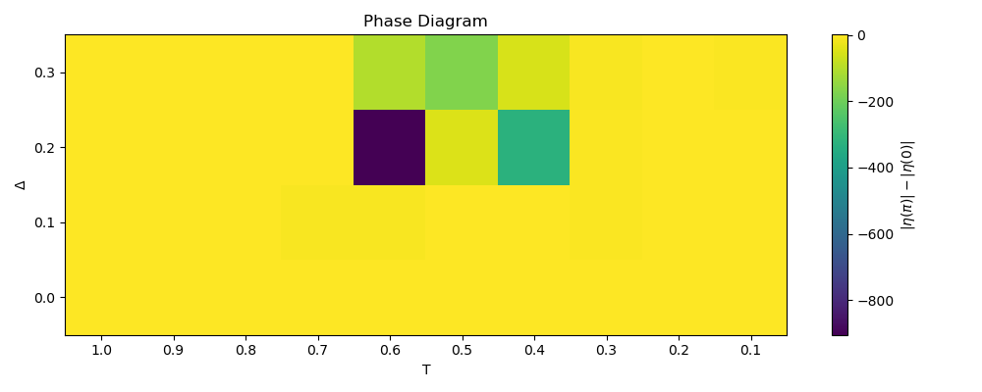
normal data grid
delta | 1 | 0.9 | 0.8 | 0.7 | 0.6 | 0.5 | 0.4 | 0.3 | 0.2 | 0.1
0 | 0.77154900299 | 0.77154901664 | 0.77161595148 | 0.78161522183 | -1.9317692505 | 0.018624762269 | -0.66031048568 | 0.061653047857 | 0.53905707345 | -1.0535744318
0.1 | 0.77154900299 | 0.77268458147 | 0.75413974221 | -7.9313581632 | -7.5551621215 | -1.8708001672 | -0.64619394613 | -3.0863760484 | -0.38451879657 | -1.1866977975
0.2 | 0.77154900299 | 0.79094690789 | 0.76674524386 | -1.2078442852 | -904.60933944 | -47.086509709 | -325.37635239 | -5.9532679215 | -0.72227436293 | -0.67515890205
0.3 | 0.77154900299 | 0.77224949727 | 0.17488228945 | -1.8119338676 | -103.36000469 | -170.22273289 | -55.061515266 | -7.8245767995 | -0.66112970861 | -4.6015388028

mean | 0.42818975408 | -2.1218897033 | -> | 2.5500794574
st. dev. | 0.80979559337 | 2.6106449086 | -> | 2.7333561315

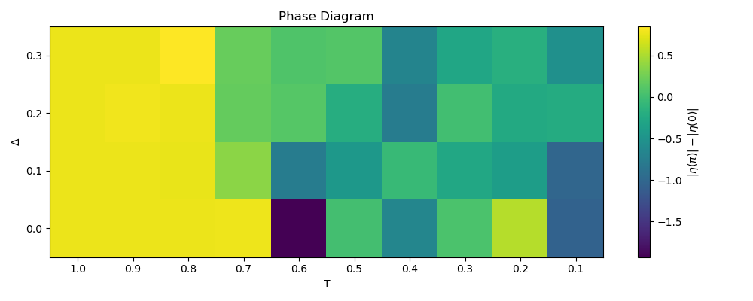
threshold data grid
delta | 1 | 0.9 | 0.8 | 0.7 | 0.6 | 0.5 | 0.4 | 0.3 | 0.2 | 0.1
0 | 0.77154900299 | 0.77154901664 | 0.77161595148 | 0.78161522183 | -1.9317692505 | 0.018624762269 | -0.66031048568 | 0.061653047857 | 0.53905707345 | -1.0535744318
0.1 | 0.77154900299 | 0.77268458147 | 0.75413974221 | 0.36871678407 | -0.76257936928 | -0.45024455067 | -0.056856736089 | -0.26385070791 | -0.38451879657 | -1.0086229583
0.2 | 0.77154900299 | 0.79094690789 | 0.76674524386 | 0.1966455175 | 0.1143108859 | -0.20081927402 | -0.76104568978 | 0.0029072430766 | -0.23733581594 | -0.21717788937
0.3 | 0.77154900299 | 0.77224949727 | 0.8501509659 | 0.20568185803 | 0.081812375221 | 0.10200990759 | -0.67655564776 | -0.28510737859 | -0.17765000275 | -0.53725584279

mean | 0.68055858126 | -0.36437081385 | -> | 1.0449293951
st. dev. | 0.21408863424 | 0.51163775436 | -> | 0.55462341728

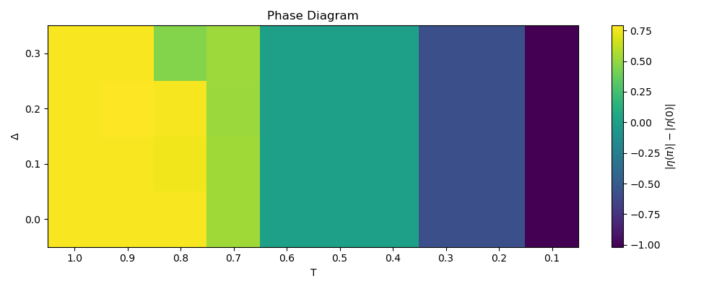
regularized data grid
delta | 1 | 0.9 | 0.8 | 0.7 | 0.6 | 0.5 | 0.4 | 0.3 | 0.2 | 0.1
0 | 0.77154900299 | 0.77154901664 | 0.77161595148 | 0.53258116728 | 1.8879009467E-11 | 3.0497826486E-13 | -1.8631707288E-11 | -0.5757462054 | -0.57574620643 | -1.0143868536
0.1 | 0.77154900299 | 0.77268458147 | 0.75413974221 | 0.52996856722 | 1.7726553558E-11 | -2.3371304891E-13 | -1.7658741136E-11 | -0.57574620554 | -0.57574620631 | -1.0171595438
0.2 | 0.77154900299 | 0.79094690789 | 0.76674524386 | 0.51945785522 | 1.7009949005E-11 | -1.7880141812E-14 | -1.5447365609E-11 | -0.57574620558 | -0.57574620637 | -1.014303385
0.3 | 0.77154900299 | 0.77224949727 | 0.45456665713 | 0.5261288113 | 1.6870005393E-11 | 1.5354384431E-13 | -1.333683719E-11 | -0.57574620559 | -0.57574620647 | -1.0130971115

mean | 0.69055187568 | -0.36103818923 | -> | 1.0515900649
st. dev. | 0.12528932545 | 0.39794445275 | -> | 0.41720163296

ratio
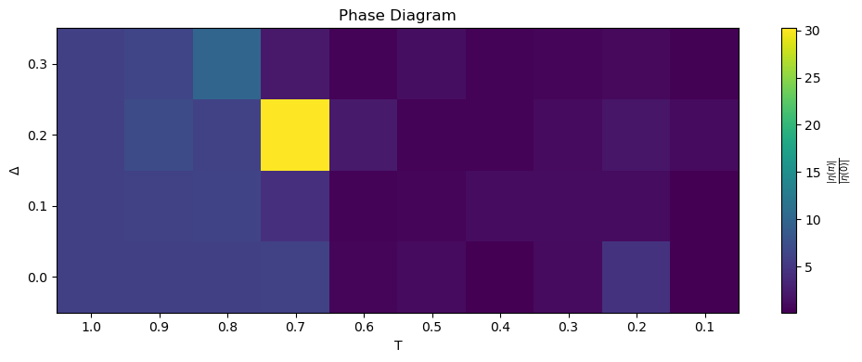
normal data grid
delta | 1 | 0.9 | 0.8 | 0.7 | 0.6 | 0.5 | 0.4 | 0.3 | 0.2 | 0.1
0 | 5.8453636712 | 5.8453638721 | 5.8455086911 | 6.0014697384 | 0.52266362813 | 1.0108520991 | 0.15204885427 | 1.0760821851 | 4.5093084298 | 0.16127977113
0.1 | 5.8453636712 | 6.0047929358 | 6.2899366135 | 4.3018395766 | 0.42108880492 | 0.57558609262 | 1.1555407397 | 1.14912026 | 1.1578594424 | 0.22775146189
0.2 | 5.8453636712 | 7.0931720985 | 6.0966941163 | 30.222534791 | 2.3696554701 | 0.42441272972 | 0.43455046383 | 1.0330166847 | 1.9277772239 | 1.0332781503
0.3 | 5.8453636712 | 6.4035022204 | 9.9538712961 | 2.2641042618 | 0.42203365969 | 1.3139998925 | 0.40409749947 | 0.59573251616 | 0.96108128323 | 0.30082011594

mean | 5.9654473404 | #NAME? | -> | #NAME?
st. dev. | 1.5595457809 | 0.99028152934 | -> | 1.8473874932
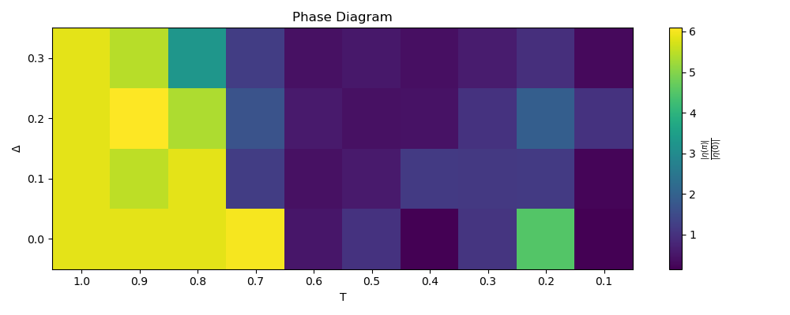
threshold data grid
delta | 1 | 0.9 | 0.8 | 0.7 | 0.6 | 0.5 | 0.4 | 0.3 | 0.2 | 0.1
0 | 5.8453636712 | 5.8453638721 | 5.8455086911 | 6.0014697384 | 0.52266362813 | 1.0108520991 | 0.15204885427 | 1.0760821851 | 4.5093084298 | 0.16127977113
0.1 | 5.8453636712 | 5.504861857 | 5.8563298397 | 1.2224874036 | 0.42108880492 | 0.57558609262 | 1.1555407397 | 1.14912026 | 1.1578594424 | 0.22775146189
0.2 | 5.8453636712 | 6.0887766884 | 5.354004476 | 1.6636370229 | 0.58598233505 | 0.42441272972 | 0.43455046383 | 1.0330166847 | 1.9277772239 | 1.0332781503
0.3 | 5.8453636712 | 5.4545980292 | 3.2645026851 | 1.237998533 | 0.42203365969 | 0.53353060667 | 0.40409749947 | 0.59573251616 | 0.96108128323 | 0.30082011594

mean | 4.7950620951 | 0.86564562657 | -> | 3.9294164685
st. dev. | 1.8200761466 | 0.88384489718 | -> | 2.0233286885
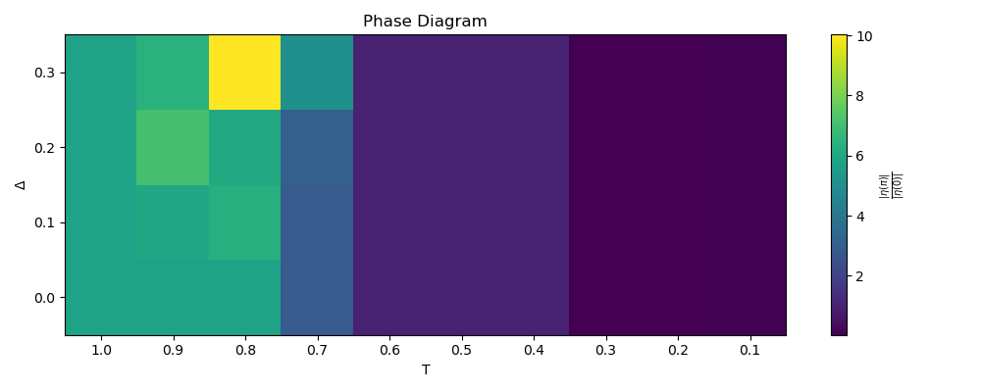
regularized data grid
delta | 1 | 0.9 | 0.8 | 0.7 | 0.6 | 0.5 | 0.4 | 0.3 | 0.2 | 0.1
0 | 5.8453636712 | 5.8453638721 | 5.8455086911 | 2.9047626794 | 1.0000000001 | 1 | 0.99999999994 | 0.03290449549 | 0.032904495988 | 0.083024654006
0.1 | 5.8453636712 | 6.0047929358 | 6.2899366135 | 2.9075690416 | 1.0000000001 | 1 | 0.99999999994 | 0.032904495393 | 0.032904495834 | 0.082078730937
0.2 | 5.8453636712 | 7.0931720985 | 6.0966941163 | 3.1070793264 | 1.0000000001 | 1 | 0.99999999995 | 0.032904495362 | 0.032904495737 | 0.083062257775
0.3 | 5.8453636712 | 6.4035022204 | 10.022474237 | 5.0641213362 | 1.0000000001 | 1 | 0.99999999996 | 0.032904495357 | 0.032904495622 | 0.083540527632

mean | 5.6854019908 | 0.52478925563 | -> | 5.1606127352
st. dev. | 1.7239477059 | 0.48573027533 | -> | 1.7910693993

