difference
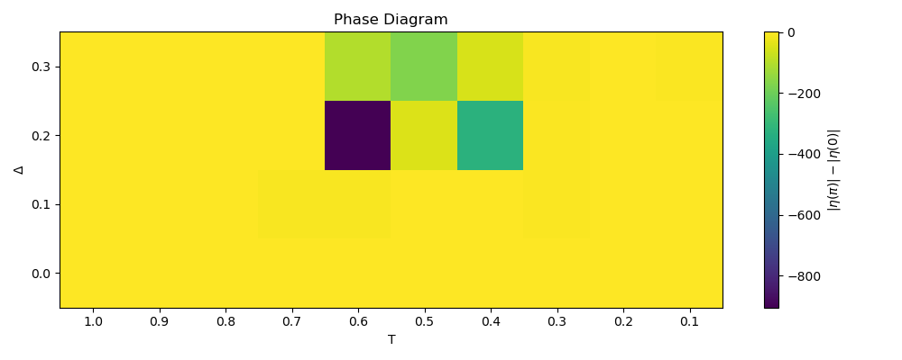
delta | 1 | 0.9 | 0.8 | 0.7 | 0.6 | 0.5 | 0.4 | 0.3 | 0.2 | 0.1
0 | 0.77154900299 | 0.77154901664 | 0.77161595148 | 0.78161522183 | -1.9317692505 | 0.018624762269 | -0.66031048568 | 0.061653047857 | 0.53905707345 | -1.0535744318
0.1 | 0.77154900299 | 0.77268458147 | 0.75413974221 | -7.9313581632 | -7.5551621215 | -1.8708001672 | -0.64619394613 | -3.0863760484 | -0.38451879657 | -1.1866977975
0.2 | 0.77154900299 | 0.79094690789 | 0.76674524386 | -1.2078442852 | -904.60933944 | -47.086509709 | -325.37635239 | -5.9532679215 | -0.72227436293 | -0.67515890205
0.3 | 0.77154900299 | 0.77224949727 | 0.17488228945 | -1.8119338676 | -103.36000469 | -170.22273289 | -55.061515266 | -7.8245767995 | -0.66112970861 | -4.6015388028

mean | 0.42818975408 | -2.1218897033 | -> | 2.5500794574
st. dev. | 0.80979559337 | 2.6106449086 | -> | 2.7333561315

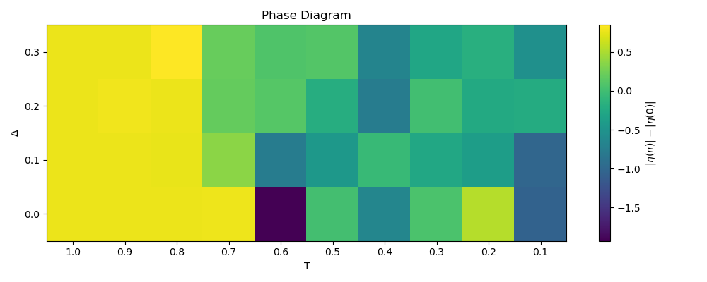
delta | 1 | 0.9 | 0.8 | 0.7 | 0.6 | 0.5 | 0.4 | 0.3 | 0.2 | 0.1
0 | 0.77154900299 | 0.77154901664 | 0.77161595148 | 0.78161522183 | -1.9317692505 | 0.018624762269 | -0.66031048568 | 0.061653047857 | 0.53905707345 | -1.0535744318
0.1 | 0.77154900299 | 0.77268458147 | 0.75413974221 | 0.36871678407 | -0.76257936928 | -0.45024455067 | -0.056856736089 | -0.26385070791 | -0.38451879657 | -1.0086229583
0.2 | 0.77154900299 | 0.79094690789 | 0.76674524386 | 0.1966455175 | 0.1143108859 | -0.20081927402 | -0.76104568978 | 0.0029072430766 | -0.23733581594 | -0.21717788937
0.3 | 0.77154900299 | 0.77224949727 | 0.8501509659 | 0.20568185803 | 0.081812375221 | 0.10200990759 | -0.67655564776 | -0.28510737859 | -0.17765000275 | -0.53725584279

mean | 0.68055858126 | -0.36437081385 | -> | 1.0449293951
st. dev. | 0.21408863424 | 0.51163775436 | -> | 0.55462341728

ratio
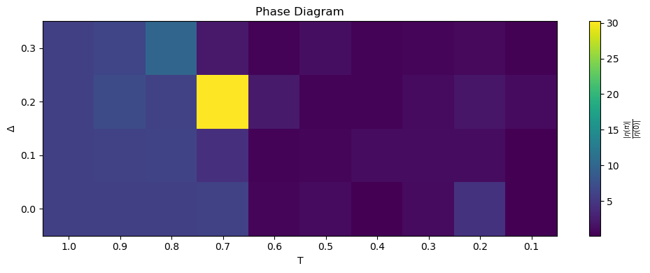
delta | 1 | 0.9 | 0.8 | 0.7 | 0.6 | 0.5 | 0.4 | 0.3 | 0.2 | 0.1
0 | 5.8453636712 | 5.8453638721 | 5.8455086911 | 6.0014697384 | 0.52266362813 | 1.0108520991 | 0.15204885427 | 1.0760821851 | 4.5093084298 | 0.16127977113
0.1 | 5.8453636712 | 6.0047929358 | 6.2899366135 | 5.2772416267 | 0.46452231677 | 0.57015200603 | 1.2914339041 | 1.2305343687 | 1.1578594424 | 0.21655086981
0.2 | 5.8453636712 | 7.0931720985 | 6.0966941163 | 37.723440066 | 4.5464916317 | 0.72358314148 | 0.53132478353 | 1.2468359144 | 2.2598471539 | 1.2381332227
0.3 | 5.8453636712 | 6.4035022204 | 11.026584176 | 2.786883763 | 0.80832468473 | 2.595279416 | 0.46521537754 | 0.69348577896 | 1.1337328494 | 0.34968363059

mean | 6.1368403025 | 1.0713892458 | -> | 5.0654510566
st. dev. | 1.6350376132 | 1.010754923 | -> | 1.9222313885

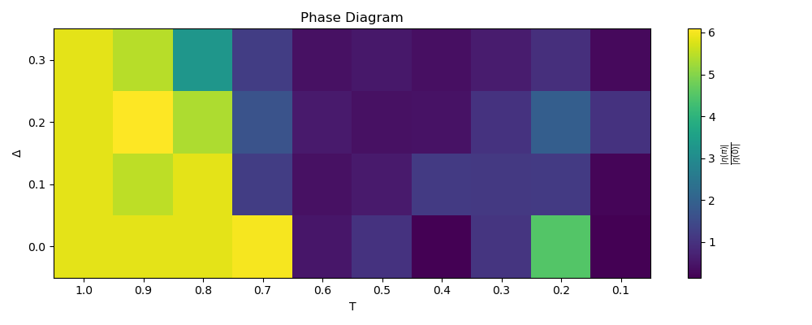
delta | 1 | 0.9 | 0.8 | 0.7 | 0.6 | 0.5 | 0.4 | 0.3 | 0.2 | 0.1
0 | 5.8453636712 | 5.8453638721 | 5.8455086911 | 6.0014697384 | 0.52266362813 | 1.0108520991 | 0.15204885427 | 1.0760821851 | 4.5093084298 | 0.16127977113
0.1 | 5.8453636712 | 5.504861857 | 5.8563298397 | 1.5513898144 | 0.46452231677 | 0.57015200603 | 1.2914339041 | 1.2305343687 | 1.1578594424 | 0.21655086981
0.2 | 5.8453636712 | 6.0887766884 | 5.354004476 | 2.076415117 | 1.0774361184 | 0.72358314148 | 0.53132478353 | 1.2468359144 | 2.2598471539 | 1.2381332227
0.3 | 5.8453636712 | 5.4545980292 | 4.2528517894 | 1.5422877547 | 0.80832468473 | 0.68096473311 | 0.46521537754 | 0.69348577896 | 1.1337328494 | 0.34968363059

mean | 4.922207022 | 0.982160636 | -> | 3.940046386
st. dev. | 1.646290018 | 0.88902262317 | -> | 1.8709976077

