ReadMe
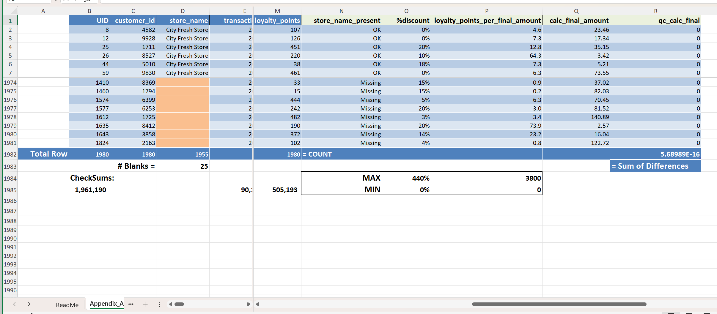
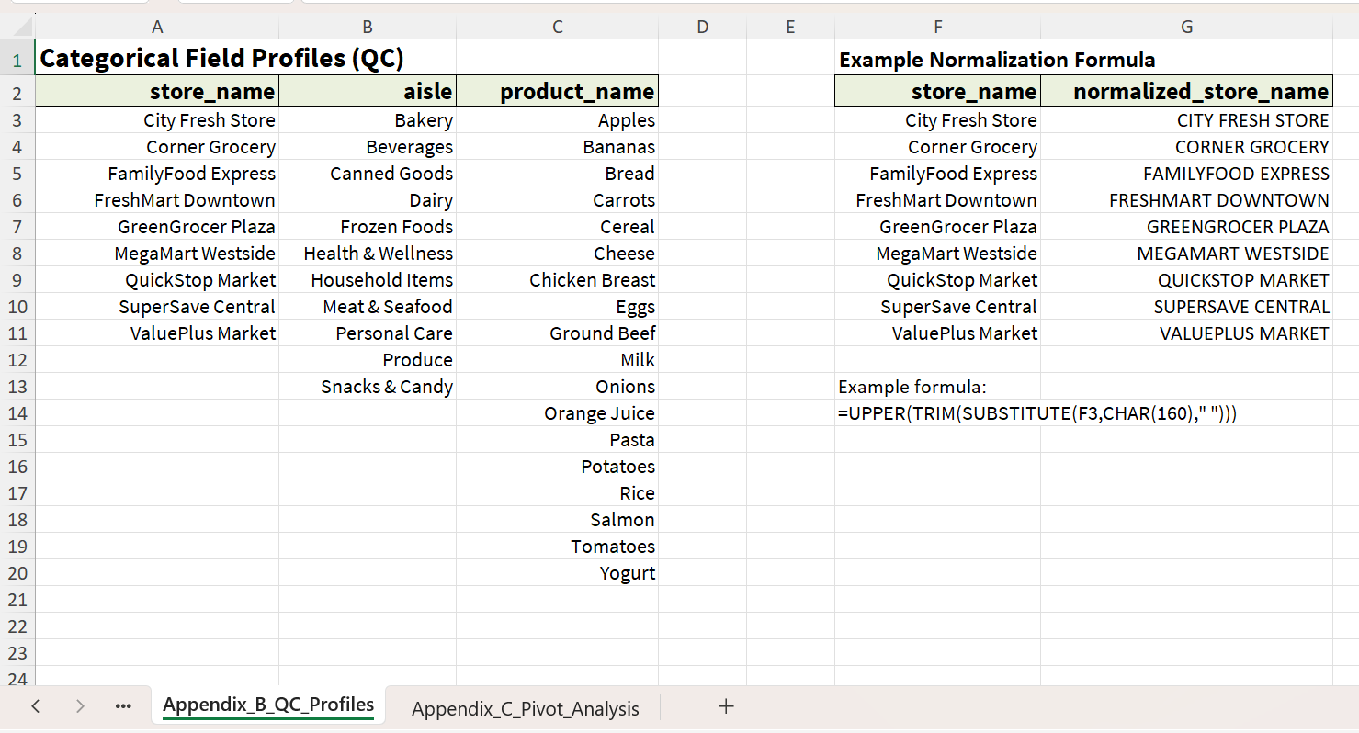
SUMMARY of Grocery_Data_Analysis_Workbook.xlsx

Objective | Structured Excel QC + analysis workflow
Dataset | Grocery sales dataset (Kaggle)
Key QC Steps | UID, checksums, missing values, categorical profiling, and normalization workflows
Derived Metrics | loyalty_points_per_final_amount
Workbook Structure | Appendix A = Data & QC, Appendix B = profiles, Appendix C = pivots

Example Workbook Sections

- Appendix A – Data cleaning, QC validation, and checksum workflows
- Appendix B – Categorical profiling and normalization examples
- Appendix C – Pivot analysis and derived metrics

