100ppm extracted TIC spectrums
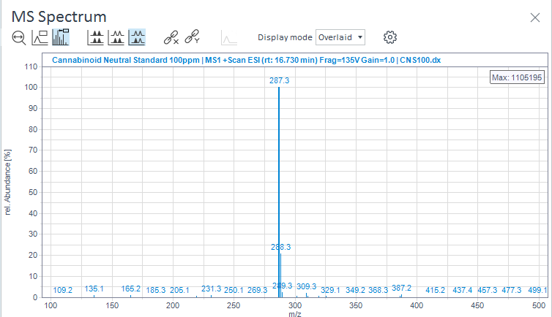
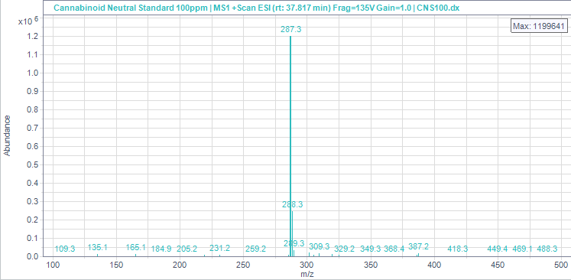
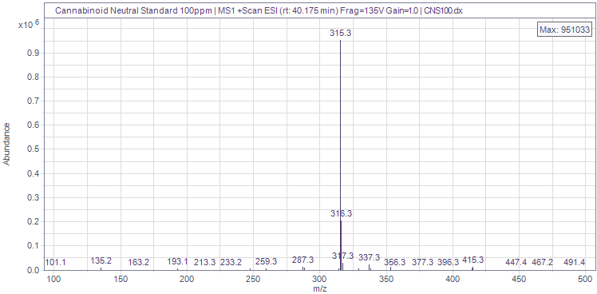
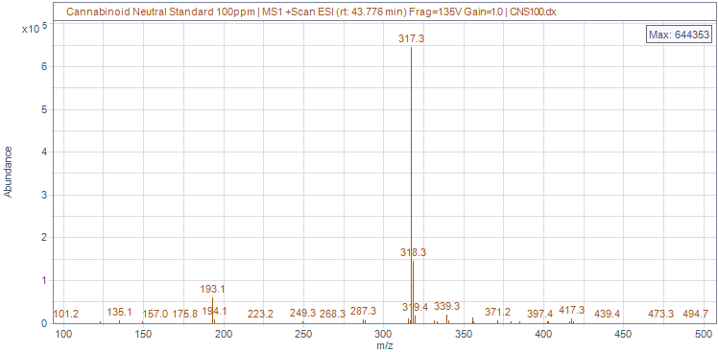
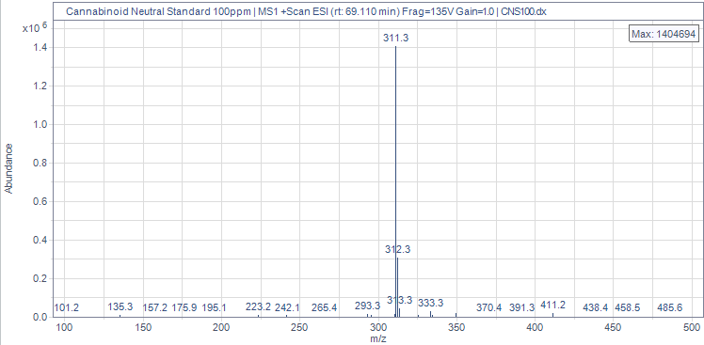
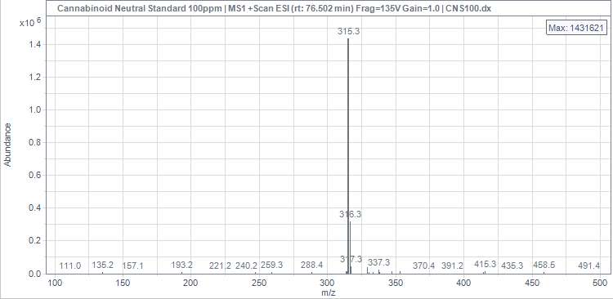
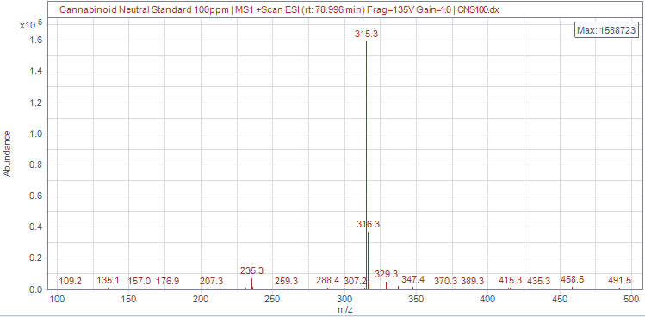
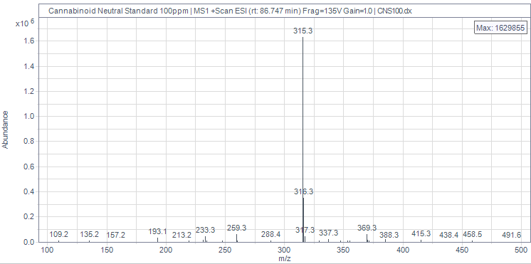
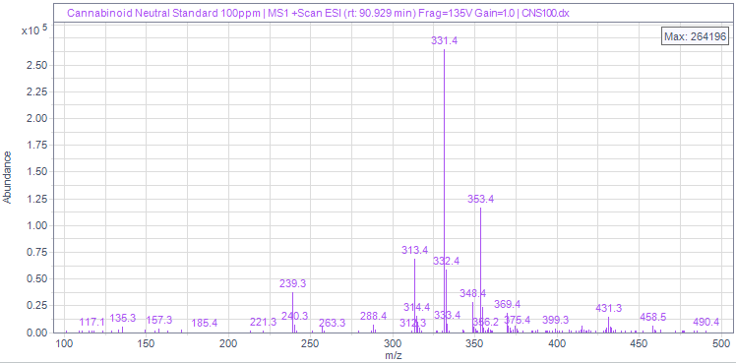
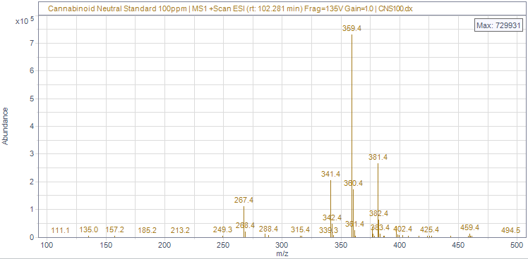
# | Name | Signal description | RT (min) | Area (Counts·s) | Area% | Height (Counts) | Height% | Amount | Concentration | Start time (min) | End time (min) | MS Purity
1 |  | MS1 +TIC SCAN ESI Frag=135V Gain=1.0 | 16.726 | 82548694.564 | 9.87 | 1499362.443 | 9.07 |  |  | 16.093 | 18.345
2 |  | MS1 +TIC SCAN ESI Frag=135V Gain=1.0 | 37.816 | 105894235.42 | 12.662 | 1643531.277 | 9.94 |  |  | 36.814 | 39.264
3 |  | MS1 +TIC SCAN ESI Frag=135V Gain=1.0 | 40.178 | 114033595.24 | 13.635 | 1317578.456 | 7.97 |  |  | 39.264 | 42.556
4 |  | MS1 +TIC SCAN ESI Frag=135V Gain=1.0 | 43.777 | 94874466.36 | 11.344 | 1004234.506 | 6.08 |  |  | 42.556 | 47.079
5 |  | MS1 +TIC SCAN ESI Frag=135V Gain=1.0 | 69.108 | 103689621.3 | 12.398 | 1886467.451 | 11.41 |  |  | 68.063 | 70.946
6 |  | MS1 +TIC SCAN ESI Frag=135V Gain=1.0 | 76.498 | 83793348.672 | 10.019 | 1977028.492 | 11.96 |  |  | 75.782 | 77.473
7 |  | MS1 +TIC SCAN ESI Frag=135V Gain=1.0 | 78.998 | 112904268.08 | 13.5 | 2255495.76 | 13.65 |  |  | 78.276 | 82.253
8 |  | MS1 +TIC SCAN ESI Frag=135V Gain=1.0 | 86.744 | 70976117.564 | 8.487 | 2431956.785 | 14.71 |  |  | 86.214 | 88.088
9 |  | MS1 +TIC SCAN ESI Frag=135V Gain=1.0 | 90.931 | 15748913.383 | 1.883 | 733916.116 | 4.44 |  |  | 90.416 | 91.493
10 |  | MS1 +TIC SCAN ESI Frag=135V Gain=1.0 | 102.283 | 51870993.633 | 6.202 | 1779701.715 | 10.77 |  |  | 101.746 | 103.174

Canurta 401 100x
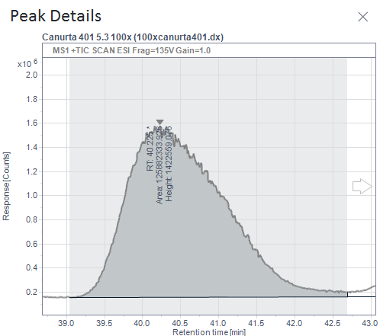

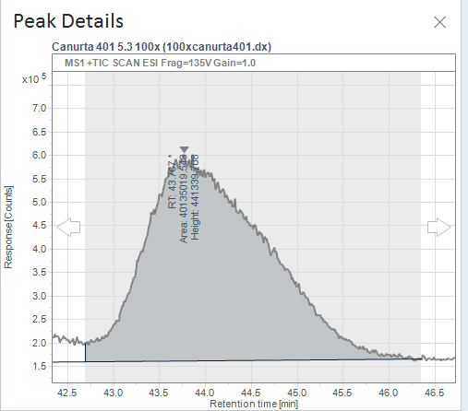

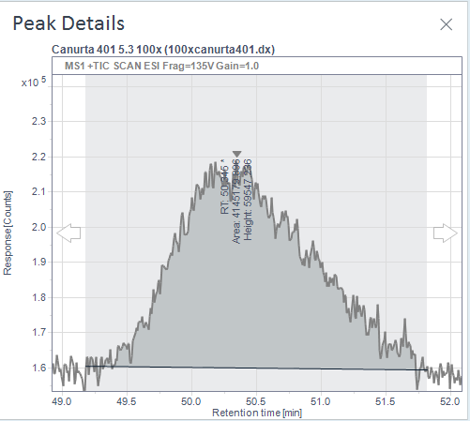

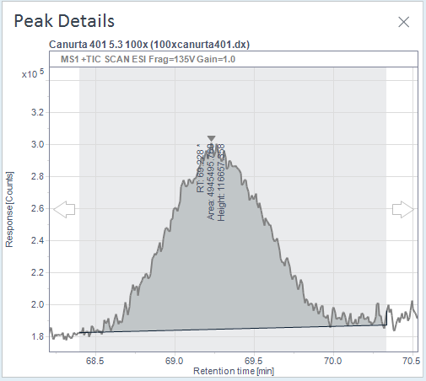

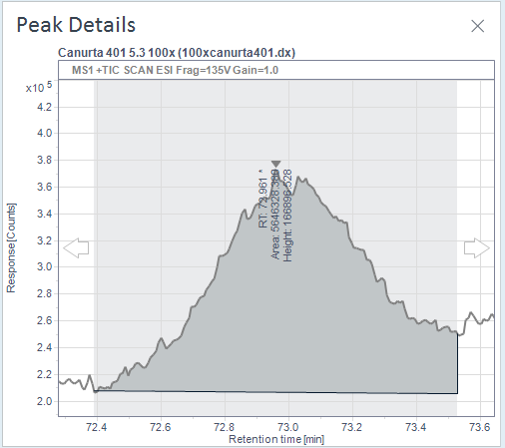

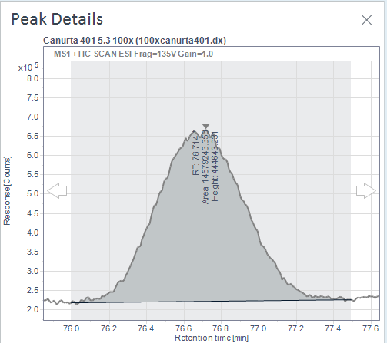

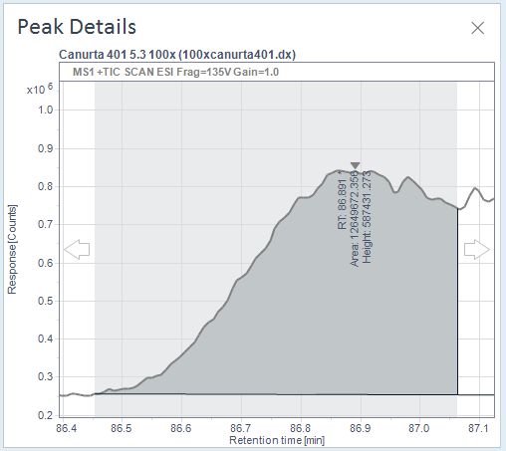

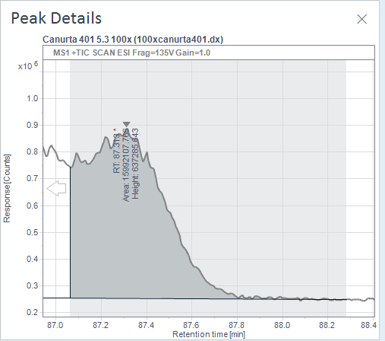

# | Name | Signal description | RT (min) | Area (Counts·s) | Area% | Height (Counts) | Height% | Amount | Concentration | Start time (min) | End time (min) | MS Purity
1 |  | MS1 +TIC SCAN ESI Frag=135V Gain=1.0 | 40.225 | 125882333.93 | 56.204 | 1422559.076 | 36.7 |  |  | 39.042 | 42.691
2 |  | MS1 +TIC SCAN ESI Frag=135V Gain=1.0 | 43.767 | 40135019.543 | 17.919 | 441339.708 | 11.39 |  |  | 42.691 | 46.352
3 |  | MS1 +TIC SCAN ESI Frag=135V Gain=1.0 | 50.345 | 4145179.896 | 1.851 | 59547.236 | 1.54 |  |  | 49.179 | 51.818
4 |  | MS1 +TIC SCAN ESI Frag=135V Gain=1.0 | 69.228 | 4945495.76 | 2.208 | 116657.358 | 3.01 |  |  | 68.398 | 70.337
5 |  | MS1 +TIC SCAN ESI Frag=135V Gain=1.0 | 72.961 | 5646328.38 | 2.521 | 166896.528 | 4.31 |  |  | 72.391 | 73.53
6 |  | MS1 +TIC SCAN ESI Frag=135V Gain=1.0 | 76.714 | 14579243.358 | 6.509 | 444643.231 | 11.47 |  |  | 75.996 | 77.493
7 |  | MS1 +TIC SCAN ESI Frag=135V Gain=1.0 | 86.891 | 12649672.356 | 5.648 | 587431.273 | 15.15 |  |  | 86.454 | 87.063
8 |  | MS1 +TIC SCAN ESI Frag=135V Gain=1.0 | 87.313 | 15992107.766 | 7.14 | 637285.643 | 16.44 |  |  | 87.063 | 88.283

# | Name | Signal description | RT (min) | Area (mAU·s) | Area% | Height (mAU) | Height% | Amount | Concentration | Start time (min) | End time (min) | MS Purity
1 |  | MWD1A,Sig=230,4 Ref=360,100 | 40.067 | 3256.879 | 70.764 | 50.25 | 54.58 |  |  | 38.887 | 42.412
2 |  | MWD1A,Sig=230,4 Ref=360,100 | 43.662 | 536.703 | 11.661 | 7.21 | 7.83 |  |  | 42.412 | 46.062
3 |  | MWD1A,Sig=230,4 Ref=360,100 | 50.102 | 52.124 | 1.133 | 0.721 | 0.78 |  |  | 49.06 | 51.596
4 |  | MWD1A,Sig=230,4 Ref=360,100 | 69.155 | 67.417 | 1.465 | 1.405 | 1.53 |  |  | 68.203 | 70.497
5 |  | MWD1A,Sig=230,4 Ref=360,100 | 72.848 | 19.497 | 0.424 | 0.769 | 0.83 |  |  | 72.381 | 73.463
6 |  | MWD1A,Sig=230,4 Ref=360,100 | 76.529 | 102.899 | 2.236 | 3.711 | 4.03 |  |  | 75.931 | 77.092
7 |  | MWD1A,Sig=230,4 Ref=360,100 | 86.753 | 498.021 | 10.821 | 23.354 | 25.37 |  |  | 86.143 | 87.077
8 |  | MWD1A,Sig=230,4 Ref=360,100 | 87.082 | 68.938 | 1.498 | 4.649 | 5.05 |  |  | 87.077 | 87.764

