#Language
id | 文本索引 | 中文|支持空字符串 | 英文|支持空字符串
id | key | ch | en
int | string | string | string
1 | ok | 确定 | OK
2 | simplified Chinese | 简体中文 | Simplified Chinese
3 | English | 英文 | English
4 | Race | 种族 | Race
5 | StartGame | 开始游戏 | StartGame
6 | Dress | 装扮 | Dress
7 | Body | 身体 | Body
8 | Face | 脸部 | Face
9 | Sleek | 光滑 | Sleek
10 | HumanFemale | 人类女性 | Human Female
11 | HumanMale | 人类男性 | Human Male
12 | Elf Female | 精灵女性 | Elf Female
13 | Elf Male | 精灵男性 | Elf Male
14 | Buzzcut | 寸头 | Buzzcut
15 | Military Cut | 时髦 | Military Cut
16 | HairX | 后梳 | HairX
17 | MaleShortHair | 短发 | MaleShortHair
18 | The Rebel | 光头 | The Rebel
19 | The Pompadour | 长发 | The Pompadour
20 | The Middle-Ager | 地中海 | The Middle-Ager
21 | Feet | 脚 | Feet
22 | Tall Shoes Black | 黑色 | Tall Shoes Black
23 | Tall Shoes | 白色 | Tall Shoes
24 | Mystic Robe Shoes | 布鞋 | Mystic Robe Shoes
25 | MaleChallengerBoots | 长靴 | MaleChallengerBoots
26 | Complexion | 局面 | Complexion
27 | Smooth | 光滑的 | Smooth
28 | Chest | 上身 | Chest
29 | chest | 胸部 | Chest
30 | MaleHoodie | 男帽衫 | MaleHoodie
31 | Mystic Robe | 神秘长袍 | Mystic Robe
32 | Shirt 1 | 衬衫1 | Shirt 1
33 | Shirt 2 | 衬衫2 | Shirt 2
34 | Shirt 3 | 衬衫3 | Shirt 3
35 | Shirt 4 | 衬衫4 | Shirt 4
36 | trunk | 躯干 | trunk
37 | MaleChallengerTorso | 挑战者 | MaleChallengerTorso
38 | ClothRobeRecipe | 布袍 | ClothRobeRecipe
39 | Legs | 下身 | Legs
40 | MaleSweatPants | 运动裤 | Sweat Pants
41 | Old Jeans | 旧牛仔裤 | Old Jeans
42 | Jeans | 牛仔裤 | Jeans
43 | WrappedPants | 裹身裤 | WrappedPants
44 | Shorts | 短裤 | Shorts
45 | Irresistable Underwear | 花短裤 | Irresistable Underwear
46 | MakeMeFatJeans | 牛仔裤 | MakeMeFatJeans
47 | Hands | 手 | Hands
48 | Hands high quality | 高质量的手 | Hands high quality
49 | Gloves of Hammer | 锤子手套 | Gloves of Hammer
50 | MaleChallengerGloves | 男性挑战者手套 | MaleChallengerGloves
51 | AlternateHead | 候补负责人 | AlternateHead
52 | Low Poly Head | 低聚头 | Low Poly Head
53 | Head | 头 | Head
54 | head | 头部 | Head
55 | Beard | 胡须 | Beard
56 | Devilish Goatee | 口子胡 | Devilish Goatee
57 | Bums Beard | 络腮胡 | Bums Beard
58 | Manly Beard | 浓密络腮胡 | Manly Beard
59 | Eyebrows | 眉毛 | Eyebrows
60 | Brow 1 | 浏览器1 | Brow 1
61 | Brow 2 | 浏览器2 | Brow 2
62 | High-Res Brows | 高分辨率眉毛 | High-Res Brows
63 | High-Res Brows 2 | 高分辨率眉毛2 | High-Res Brows 2
64 | Eyes | 眼睛 | Eyes
65 | Alligator Eyes | 鳄鱼眼睛 | Alligator Eyes
66 | Alligator Eyes Alt Test | 鳄鱼眼睛替代测试 | Alligator Eyes Alt Test
67 | Cat Eyes | 猫眼 | Cat Eyes
68 | Cat Eyes Alt | 猫眼Alt | Cat Eyes Alt
69 | large Eyes | 大眼睛 | large Eyes
70 | Old Face | 老面孔 | Old Face
71 | TrollFace | 巨魔脸 | TrollFace
72 | AlienHeadMorph | 异形头变形 | AlienHeadMorph
73 | Helmet | 头盔 | Helmet
74 | Mystic Robe Hood | 神秘长袍帽 | Mystic Robe Hood
75 | Underwear | 内衣 | Underwear
76 | Default Underwear | 默认内衣 | Default Underwear
77 | Ears | 耳朵 | Ears
78 | BlendShapeRecipe | 混合形状配方 | BlendShapeRecipe
79 | ElfEarsMorph | 精灵耳朵变形 | ElfEarsMorph
80 | Physique | 体形 | Physique
81 | OverweightMale | 超重男性 | OverweightMale
82 | Shoulders | 肩膀 | Shoulders
83 | MaleChallengerShouderPads | 男性挑战者手垫 | MaleChallengerShouderPads
84 | Skin | 皮肤 | Skin
85 | Hair | 头发 | Hair
86 | Pants | 裤子 | Pants
87 | skinGreenness | 皮肤绿色 | skinGreenness
88 | skinBlueness | 皮肤发青 | skinBlueness
89 | skinRedness | 皮肤发红 | skinRedness
90 | breastCleavage | 乳沟 | breastCleavage
91 | height | 高度 | height
92 | headSize | 头部尺寸 | headSize
93 | headWidth | 头部宽度 | headWidth
94 | neckThickness | 颈部厚度 | neckThickness
95 | armLength | 臂长 | armLength
96 | forearmLength | 前臂长度 | forearmLength
97 | armWidth | 臂宽 | armWidth
98 | forearmWidth | 前臂宽度 | forearmWidth
99 | handsSize | 手的大小 | handsSize
100 | feetSize | 脚大小 | feetSize
101 | legSeparation | 腿部间距 | legSeparation
102 | upperMuscle | 上部肌肉 | upperMuscle
103 | lowerMuscle | 下肌肉 | lowerMuscle
104 | upperWeight | 上部重量 | upperWeight
105 | lowerWeight | 重量 | lowerWeight
106 | legsSize | 腿部尺寸 | legsSize
107 | belly | 腹部 | belly
108 | waist | 腰 | waist
109 | gluteusSize | 臀肌大小 | gluteusSize
110 | earsSize | 耳朵大小 | earsSize
111 | earsPosition | 耳朵的位置 | earsPosition
112 | earsRotation | 耳朵旋转 | earsRotation
113 | noseSize | 鼻子大小 | noseSize
114 | noseCurve | 鼻子曲线 | noseCurve
115 | noseWidth | 鼻头宽度 | noseWidth
116 | noseInclination | 鼻子倾斜 | noseInclination
117 | nosePosition | 鼻头位置 | nosePosition
118 | nose | 鼻子 | nose
119 | nosePronounced | 突出鼻子 | nosePronounced
120 | noseFlatten | 压平鼻子 | noseFlatten
121 | chin | 下巴 | chin
122 | chinSize | 下巴尺寸 | chinSize
123 | chinPronounced | 下巴大小 | chinPronounced
124 | chinPosition | 下巴位置 | chinPosition
125 | mandibleSize | 下颌骨大小 | mandibleSize
126 | jawsSize | 颌骨大小 | jawsSize
127 | jawsPosition | 颌骨位置 | jawsPosition
128 | cheekSize | 脸颊大小 | cheekSize
129 | cheekPosition | 脸颊位置 | cheekPosition
130 | lowCheekPronounced | 低脸颊大小 | lowCheekPronounced
131 | lowCheekPosition | 低脸颊位置 | lowCheekPosition
132 | foreheadSize | 前额大小 | foreheadSize
133 | foreheadPosition | 前额位置 | foreheadPosition
134 | lipsSize | 嘴唇大小 | lipsSize
135 | mouth | 嘴巴 | mouth
136 | mouthSize | 嘴巴大小 | mouthSize
137 | eyeRotation | 眼睛旋转 | eyeRotation
138 | eyeSize | 眼睛大小 | eyeSize
139 | breastSize | 乳房大小 | breastSize
140 | eyeSpacing | 眼间距 | eyeSpacing
141 | Undies | 内衣 | Undies
142 | Ladies Intimate Wear | 内衣2 | Ladies Intimate Wear
143 | FemaleHandsMid | 女性双手中间 | Female Hands Mid
144 | FemaleTankTop | 背心 | Female Tank Top
145 | FemaleSportPants | 高腰裤 | Female Sport Pants
146 | Pants1 | 裤子 | Pants
147 | Pants 1 | 低腰裤 | Pants 1
148 | Pants 2 | 花裤子 | Pants 2
149 | FemaleLongHair | 中分 | Long Hair
150 | FemalePonyTail | 马尾1 | Pony Tail
151 | Hair 1 | 双马尾 | Hair 1
152 | Hair 2 | 短发 | Hair 2
153 | Hair 3 | 梨花头 | Hair 3
154 | BoneyTail | 马尾2 | Boney Tail
155 | High Tops - Black | 黑色 | High Tops Black
156 | High Tops - Turquoise | 松绿 | High Tops Turquoise
157 | High Tops - White | 白色 | High Tops White
158 | Color | 颜色 | Color
159 | Lipstick | 口红 | Lipstick
160 | Shirt | 衬衫 | Shirt
161 | Pants Accent | 裤子花纹 | Pants Accent
162 | Hair Accessory | 发饰 | Hair Accessory
163 | HairAccent | 发饰 | HairAccent
164 | InputName | 请输入名字 | Please Input Name
165 | fireBall | 火球术 | fireBall
166 | HP | 生命 | HP
167 | MP | 内力 | MP
168 | sunny | 晴 | sunny
169 | cloudy | 多云 | cloudy
170 | drizzle | 小雨 | drizzle
171 | downpour | 大雨 | downpour
172 | storm | 暴雨 | storm
173 | fineSnow | 小雪 | fine snow
174 | majorSnow | 大雪 | major snow
175 | blizzard | 暴雪 | blizzard
176 | sandstorm | 沙暴 | sandstorm
177 | haze | 雾霾 | haze
178 | morning | 上午 | morning
179 | afternoon | 下午 | afternoon
180 | night | 夜晚 | night
181 | showDate | 混沌历 {0}年{1}{2}日 | Chaotic {1} {2},{0}
182 | showTime | {0}:{1} | {0}：{1}
183 | Jan | 1月 | Jan
184 | Feb | 2月 | Feb
185 | Mar | 3月 | Mar
186 | Apr | 4月 | Apr
187 | May | 5月 | May
188 | Jun | 6月 | Jun
189 | Jul | 7月 | Jul
190 | Aug | 8月 | Aug
191 | Sept | 9月 | Sept
192 | Oct | 10月 | Oct
193 | Nov | 11月 | Nov
194 | Dec | 12月 | Dec
195 | January | 一月 | January
196 | February | 二月 | February
197 | March | 三月 | March
198 | April | 四月 | April
199 | June | 六月 | June
200 | July | 七月 | July
201 | August | 八月 | August
202 | September | 九月 | September
203 | October | 十月 | October
204 | November | 十一月 | November
205 | December | 十二月 | December
206 | Weather | 天气 | Weather
207 | role | 角色 | role
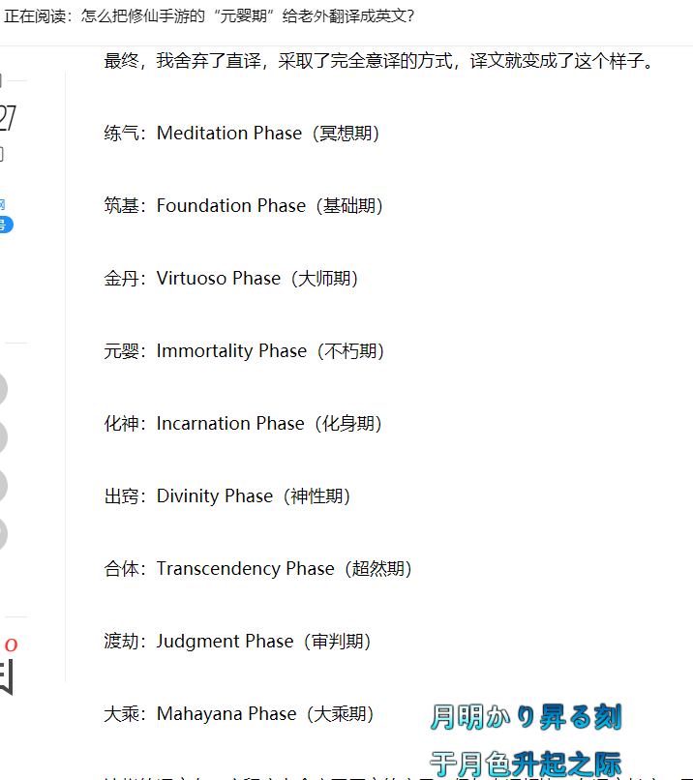
208 | race | 种族 | race
209 | gender | 性别 | gender
210 | name | 名字 | name
211 | level | 境界 | level
212 | health | 生命 | health
213 | magic | 内力 | magic
214 | health_restore | 生命回复 | health restore
215 | magic_restore | 内力回复 | magic restore
216 | attack | 攻击 | attack
217 | defend | 防御 | defend
218 | move_speed | 移动速度 | move speed
219 | resist_fire | 火抗性 | resist fire
220 | resist_forzen | 冰抗性 | resist forzen
221 | resist_lighting | 雷抗性 | resist lighting
222 | resist_poison | 毒抗性 | resist poison
223 | maohao | ： | :
224 | SmallLevel1 | 初期 | chuqi
225 | SmallLevel2 | 中期 | zhongqi
226 | SmallLevel3 | 后期 | houqi
227 | SmallLevel4 | 巅峰 | dianfeng
228 | SmallLevel5 | 大圆满 | yuanman
229 | BigLevel1 | 练气期 | lianqi
230 | BigLevel2 | 筑基期 | zhuji
231 | BigLevel3 | 结丹期 | jiedan
232 | BigLevel4 | 金丹期 | jindan
233 | BigLevel5 | 元婴期 | yuanying
234 | BigLevel6 | 化神期 | huashen
235 | BigLevel7 | 洞虚期 | dongxu
236 | BigLevel8 | 合道期 | hedao
237 | BigLevel9 | 大乘期 | dacheng
238 | BigLevel10 | 渡劫期 | dujie
239 | Man | 男 | Man
240 | Woman | 女 | Woman
241 | Human | 人类 | Human
242 | Elf | 精灵 | Elf

