#SchoolFloor
id | 占地宽度(cm) | 占地高度cm) | 占地长度cm) | 预制件
id | areaWidth | areaHeight | areaLong | prefab |  |  | 宗门地板
int | float | float | float | string
0 | 8 | 0.06 | 8 | Prefab/Build/Floor/SchoolTile | 地砖
1 | 4.1 | 1.85 | 2.9 | Prefab/Build/Floor/SchoolStairs | 楼梯
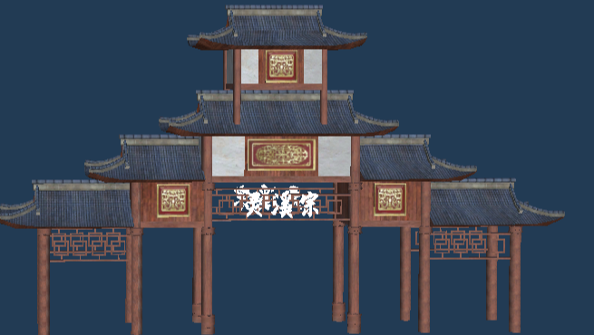
2 | 10.48 | 11 | 16.08 | Prefab/Build/Floor/SchoolFloor | 地板
3 | 30.85 | 17.8 | 6.5 | Prefab/Build/House/SchoolMainGate | 正门
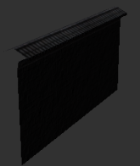
4 | 15 | 5 | 1 | Prefab/Build/Wall/SchoolWallGate | 墙门 | 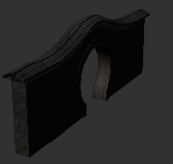
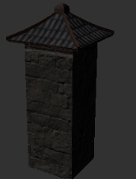
5 | 10 | 5 | 1 | Prefab/Build/Wall/SchoolWall | 墙壁
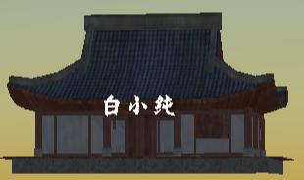
6 | 2 | 5 | 2 | Prefab/Build/Wall/SchoolWallCorner | 墙柱
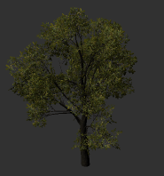
7 | 15.9 | 18 | 11.85 | Prefab/Build/House/SchoolOutHouse | 外门弟子房间
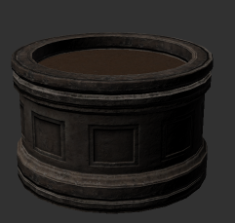
8 | 15 | 15 | 15 | Prefab/Build/Tree/SchoolOutTree | 外门树木
9 | 3.3 | 3.3 | 3.3 | Prefab/Build/Decorate/Flowerbed | 花盆
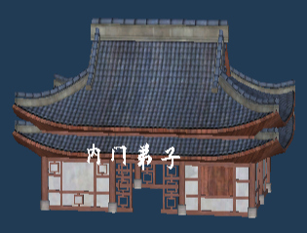
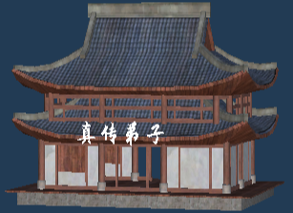
10 | 2.94 | 6.24 | 4.12 | Prefab/Build/Decorate/LionStatue | 石狮子
11 | 15.7 | 10.8 | 12.4 | Prefab/Build/House/SchoolInHouse | 内门弟子房间
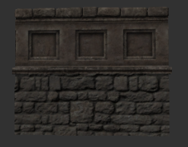
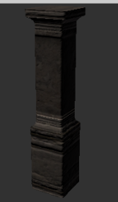
12 | 12 | 12.3 | 15.8 | Prefab/Build/House/SchoolInTrueHouse | 真传弟子房间
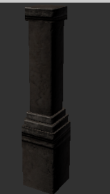
13 | 10 | 5 | 1 | Prefab/Build/Wall/SchoolWall1 | 1墙壁
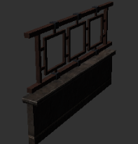
14 | 2 | 5 | 2 | Prefab/Build/Wall/SchoolWallCorner1 | 1墙柱
15 | 4 | 2.5 | 0.39 | Prefab/Build/Wall/SchoolWall2 | 墙壁2
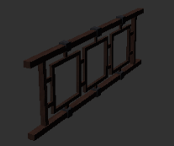
16 | 0.58 | 2.75 | 0.58 | Prefab/Build/Wall/SchoolWallCorner2 | 墙柱2
17 | 10 | 5 | 1 | Prefab/Build/Wall/SchoolWall3 | 墙壁3
18 | 2 | 5 | 2 | Prefab/Build/Wall/SchoolWallCorner3 | 3墙柱
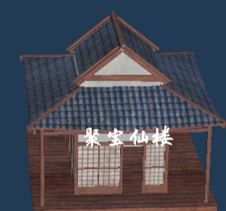
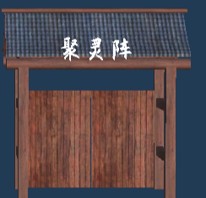
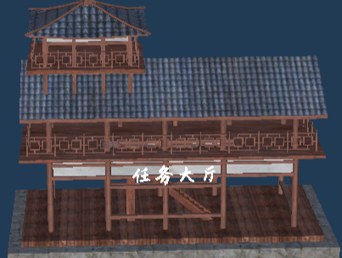
19 | 12.1 | 10.5 | 13.2 | Prefab/Build/House/SchoolStore | 聚宝仙楼
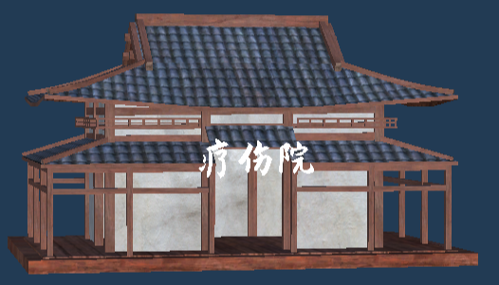
20 | 9.8 | 11.5 | 6.4 | Prefab/Build/House/SchoolUpLevelPlatform | 聚灵阵
21 | 22.7 | 16.5 | 13.3 | Prefab/Build/House/SchoolTask | 任务大厅
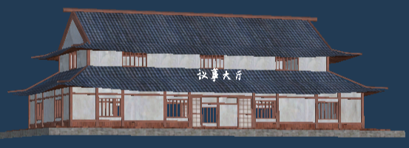
22 | 16.1 | 9 | 10.5 | Prefab/Build/House/SchoolHospital | 疗伤院
23 | 43.1 | 15 | 23.9 | Prefab/Build/House/SchoolMeeting | 议事大厅
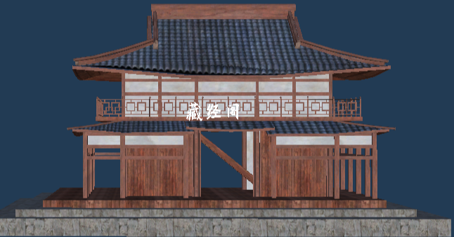
24 | 10.1 | 8.2 | 10.6 | Prefab/Build/House/SchoolDepot | 建木 |  |  | 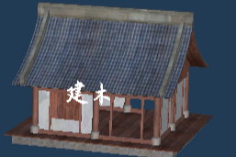
25 | 26.5 | 17 | 22 | Prefab/Build/House/SchoolBookShop | 藏经阁
26 | 10 | 12 | 10 | Prefab/Build/House/SchoolTransmit | 传送阵
27 | 15 | 15 | 15 | Prefab/Build/Tree/SchoolBambooA | 竹林
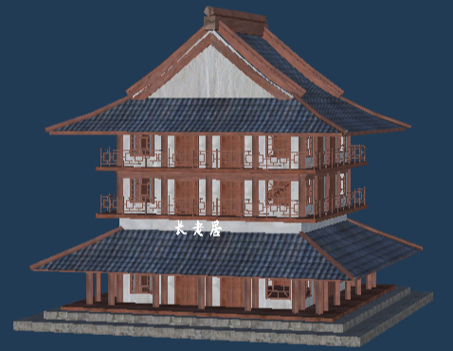
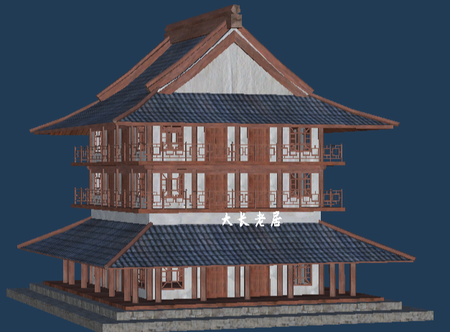
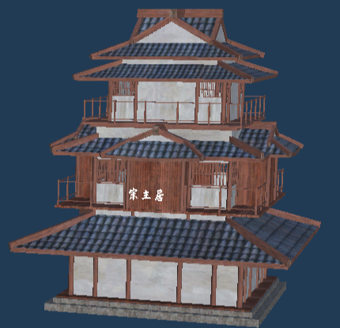
28 | 15 | 15 | 15 | Prefab/Build/Tree/SchoolBambooB | 竹林
29 | 15 | 15 | 15 | Prefab/Build/Tree/SchoolBambooC | 竹林
30 | 29.1 | 26.85 | 30.7 | Prefab/Build/House/SchoolElderHouse | 长老房间
31 | 29.1 | 26.85 | 30.7 | Prefab/Build/House/SchoolBigElderHouse | 大长老房间
32 | 31.7 | 35.5 | 32 | Prefab/Build/House/SchoolInTrueHouse | 宗主房间

 |  |  |  |  |  | 竹林

 |  |  |  | Prefab/Build/House/SchoolBookshop | 藏经阁 | 卧室：坐北朝南
 |  |  |  |  |  | 储藏室：坐南朝北
 |  |  |  |  | 聚宝仙楼 | 娱乐室：坐西朝东
 |  |  |  |  | 聚灵镇 | 餐厅：坐东朝西
 |  |  |  |  | 任务大厅
 |  |  |  |  | 疗伤院 | 门前有水，或者依山而建都会使房间的风水变好。建房间时应当对此适当注意。
 |  |  |  |  | 议事大厅
 |  |  |  |  | 建木

