74ls00
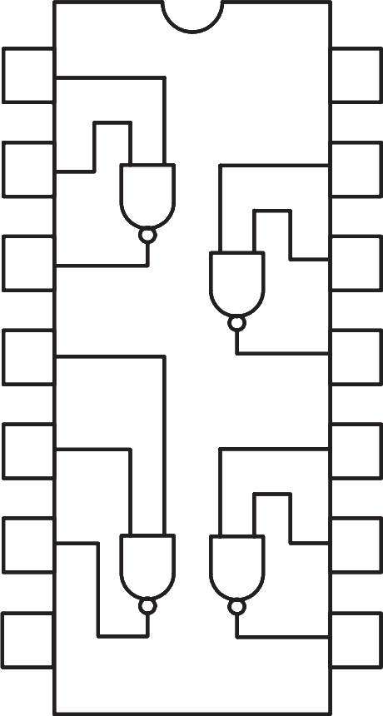
 | 1A | 1 | 14 | Vcc

 | 1B | 2 | 13 | 4A

 | 1Y | 3 | 12 | 4B

 | 2A | 4 | 11 | 4Y

 | 2B | 5 | 10 | 3A

 | 2Y | 6 | 9 | 3B

 | GND | 7 | 8 | 3Y

74LS00 - NAND Gate IC

74ls04
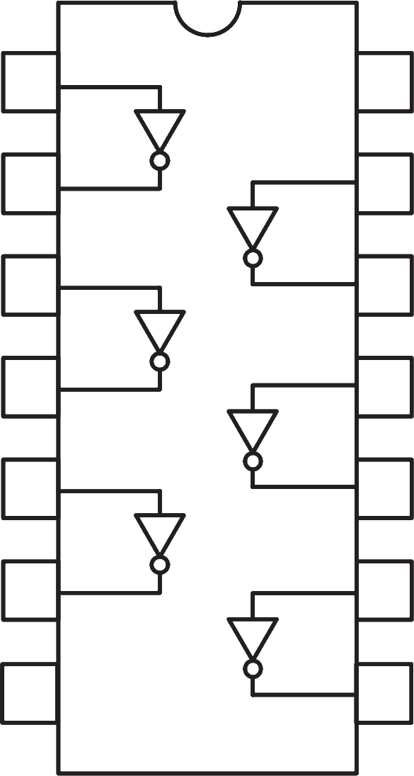

 | 1A | 1 | 14 | Vcc

 | 1Y | 2 | 13 | 6A

 | 2A | 3 | 12 | 6Y

 | 2Y | 4 | 11 | 5A

 | 3A | 5 | 10 | 5Y

 | 3Y | 6 | 9 | 4A

 | GND | 7 | 8 | 4Y

74LS04 - NOT Gate IC

74ls08
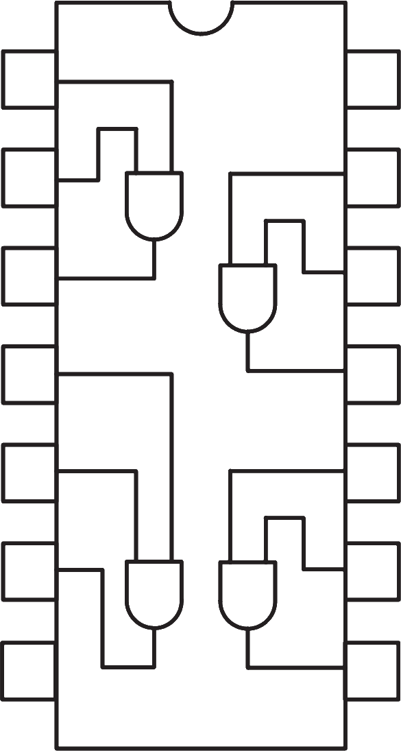

 | 1A | 1 | 14 | Vcc

 | 1B | 2 | 13 | 4A

 | 1Y | 3 | 12 | 4B

 | 2A | 4 | 11 | 4Y

 | 2B | 5 | 10 | 3A

 | 2Y | 6 | 9 | 3B

 | GND | 7 | 8 | 3Y

74LS08 - AND Gate IC

74ls32
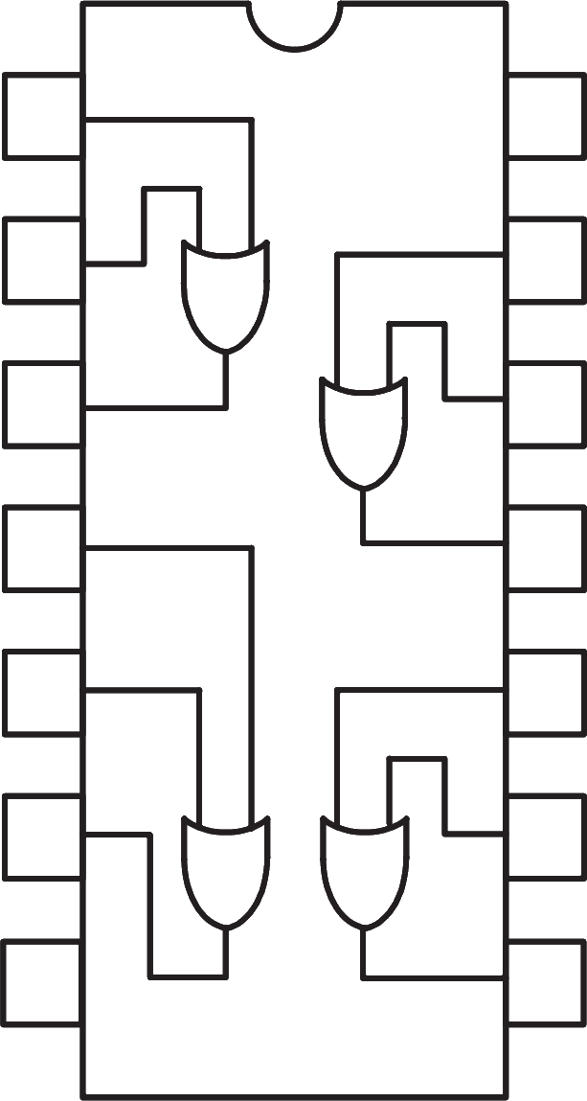

 | 1A | 1 | 14 | Vcc

 | 1B | 2 | 13 | 4A

 | 1Y | 3 | 12 | 4B

 | 2A | 4 | 11 | 4Y

 | 2B | 5 | 10 | 3A

 | 2Y | 6 | 9 | 3B

 | GND | 7 | 8 | 3Y

74LS32 - OR Gate IC

74ls47
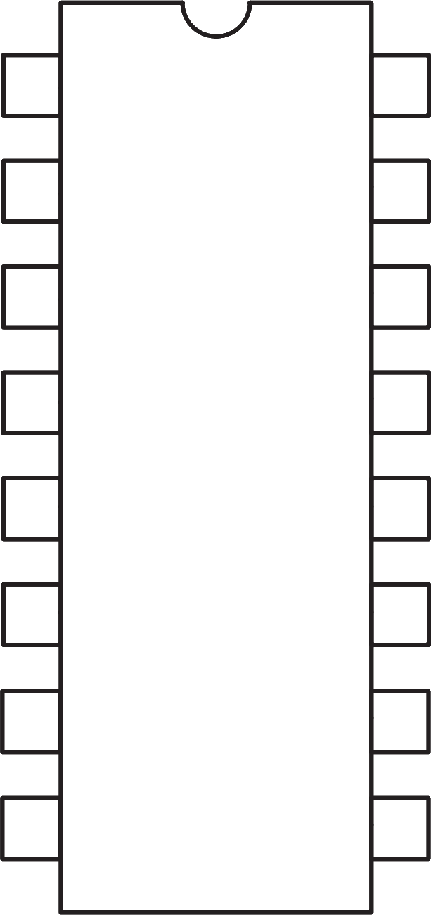
$${\text{A}}_{\text{1}}$$
 |  | 1 | 74LS47 | 16 | Vcc

$${\text{A}}_{\text{2}}$$
 |  | 2 |  | 15 | f

$$\overline{\text{LT} }$$
 |  | 3 |  | 14 | g
$$\overline{\text{BI}\text{/}\text{RBO}}$$
 |  | 4 |  | 13 | a

$$\overline{\text{RBI}}$$
 |  | 5 |  | 12 | b
$${\text{A}}_{\text{3}}$$
 |  | 6 |  | 11 | c
$${\text{A}}_{\text{0}}$$
 |  | 7 |  | 10 | d

 | GND | 8 |  | 9 | e

74LS47 - BCD to 7-Segment Decoder

74ls86
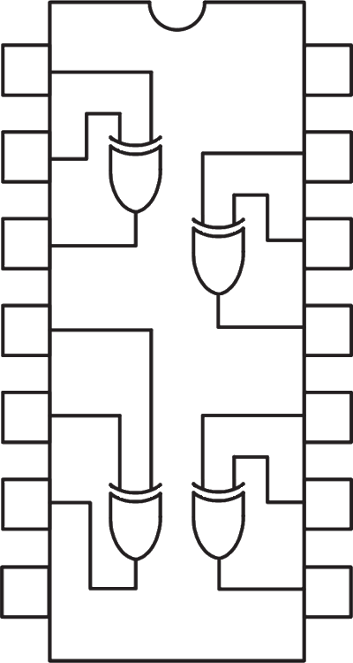
 | 1A | 1 | 14 | Vcc

 | 1B | 2 | 13 | 4A

 | 1Y | 3 | 12 | 4B

 | 2A | 4 | 11 | 4Y

 | 2B | 5 | 10 | 3A

 | 2Y | 6 | 9 | 3B

 | GND | 7 | 8 | 3Y

74LS86 - XOR Gate IC

74ls138
$${\text{S}}_{\text{0}}$$
 |  | 1 | 74LS138 | 16 | Vcc
$${\text{S}}_{\text{1}}$$
 |  | 2 |  | 15 | Y0

$${\text{S}}_{\text{2}}$$
 |  | 3 |  | 14 | Y1
$$\overline{\text{EN}\text{2}\text{A}}$$
 |  | 4 |  | 13 | Y2

$$\overline{\text{EN}\text{2}\text{B}}$$
 |  | 5 |  | 12 | Y3

 | EN1 | 6 |  | 11 | Y4

 | Y7 | 7 |  | 10 | Y5

 | GND | 8 |  | 9 | Y6

74LS138 - 3-to-8 Decoder

74ls151
 | D3 | 1 | 74LS151 | 16 | Vcc

 | D2 | 2 |  | 15 | D4

 | D1 | 3 |  | 14 | D5

 | D0 | 4 |  | 13 | D6

 | Z | 5 |  | 12 | D7

$$\overline{\text{Z}}$$
$${\text{S}}_{\text{0}}$$
 |  | 6 |  | 11
$$\overline{\text{EN}}$$
$${\text{S}}_{\text{1}}$$
 |  | 7 |  | 10

$${\text{S}}_{\text{2}}$$
 | GND | 8 |  | 9

74LS151 - 8-to-1 Multiplexer

74ls153
$$\overline{\text{1}\text{EN}}$$
 |  | 1 | 74LS153 | 16 | Vcc
$${\text{S}}_{\text{1}}$$
$$\overline{\text{2}\text{EN}}$$
 |  | 2 |  | 15
$${\text{S}}_{\text{0}}$$
 | 1D3 | 3 |  | 14

 | 1D2 | 4 |  | 13 | 2D3

 | 1D1 | 5 |  | 12 | 2D2

 | 1D0 | 6 |  | 11 | 2D1

 | 1Z | 7 |  | 10 | 2D0

 | GND | 8 |  | 9 | 2Z

74LS153 - 4-to-1 Multiplexer

74ls73
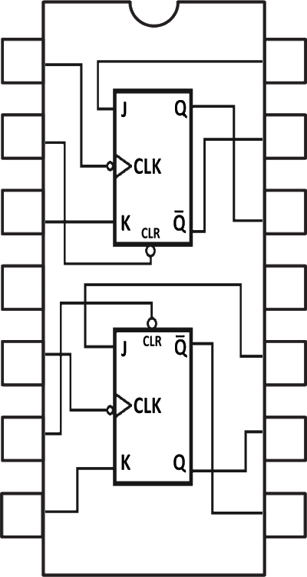
 | 1CLK | 1 | 14 | 1J
$$\overline{\text{1}\text{CLR}}$$
$$\overline{\text{1}\text{Q}}$$
 |  | 2 | 13

 | 1K | 3 | 12 | 1Q

 | Vcc | 4 | 11 | GND

 | 2CLK | 5 | 10 | 2K
$$\overline{\text{2}\text{CLR}}$$
 |  | 6 | 9 | 2Q

$$\overline{\text{2}\text{Q}}$$
 | 2J | 7 | 8

74LS73 - JK Flip Flop

at28c64b
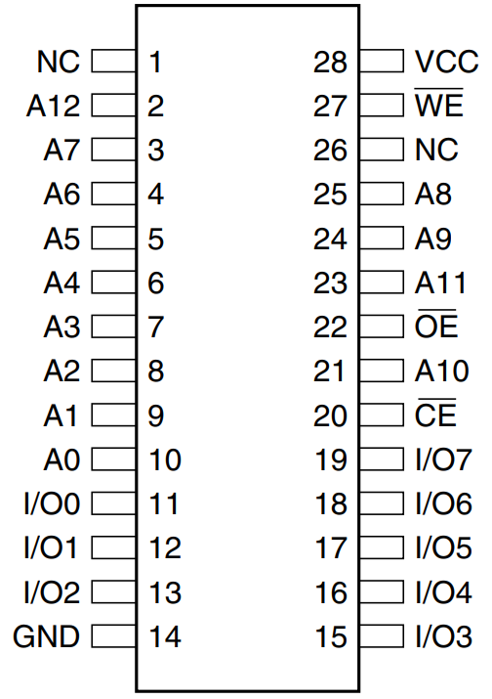

AT28C64B - 64Kbit Parallel EEPROM

7-Seg
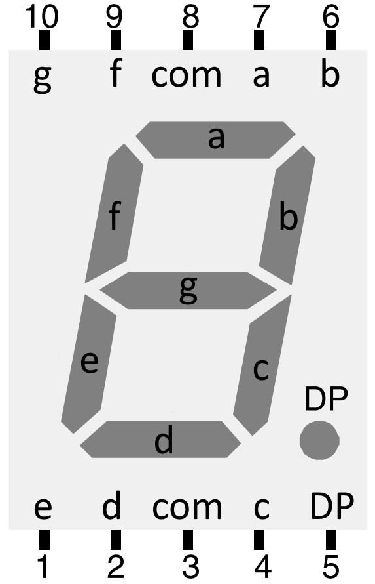

Common Anode 7 Segment Display

Clk
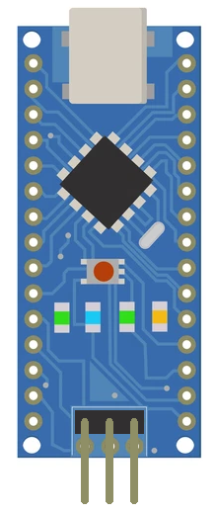

Arduino Clock Generator

How to save
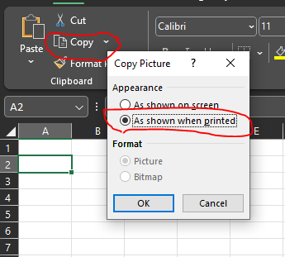
1 | Select cells to copy
2 | See picture

3 | Paste
4 | Right click
5 | Save as picture

