74ls00
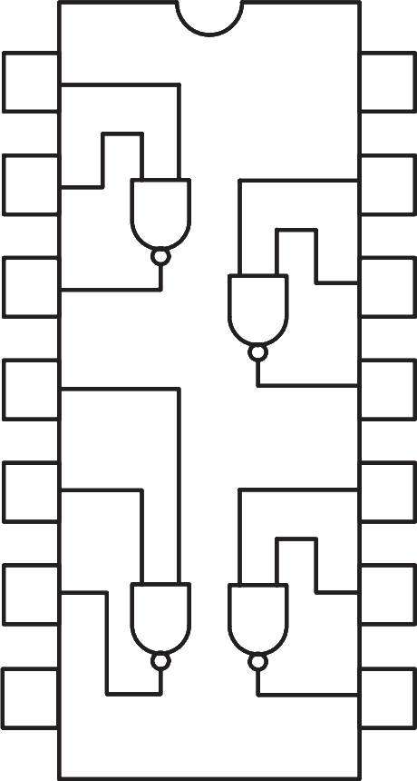
 | 1A | 1 | 14 | Vcc

 | 1B | 2 | 13 | 4A

 | 1Y | 3 | 12 | 4B

 | 2A | 4 | 11 | 4Y

 | 2B | 5 | 10 | 3A

 | 2Y | 6 | 9 | 3B

 | GND | 7 | 8 | 3Y

74LS00 - NAND Gate IC

74ls04
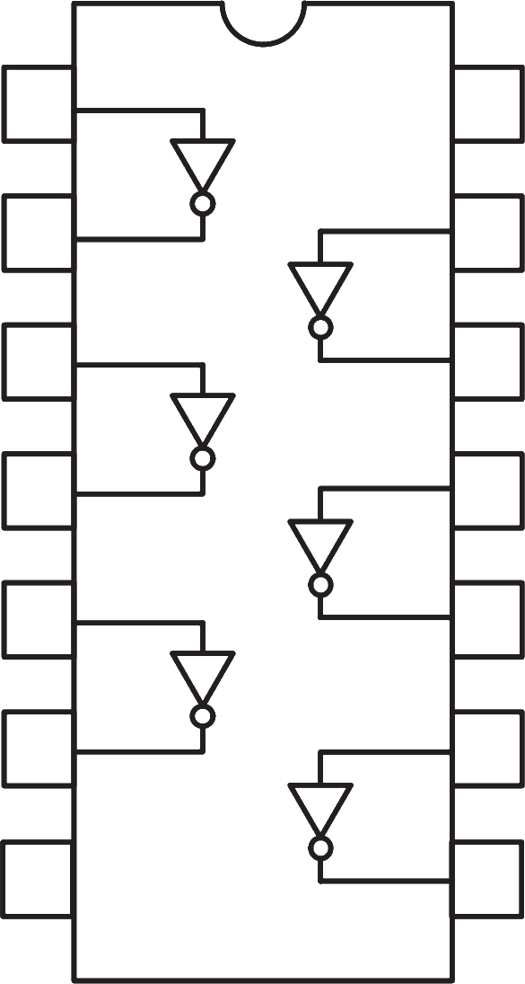

 | 1A | 1 | 14 | Vcc

 | 1Y | 2 | 13 | 6A

 | 2A | 3 | 12 | 6Y

 | 2Y | 4 | 11 | 5A

 | 3A | 5 | 10 | 5Y

 | 3Y | 6 | 9 | 4A

 | GND | 7 | 8 | 4Y

74LS04 - NOT Gate IC

74ls08
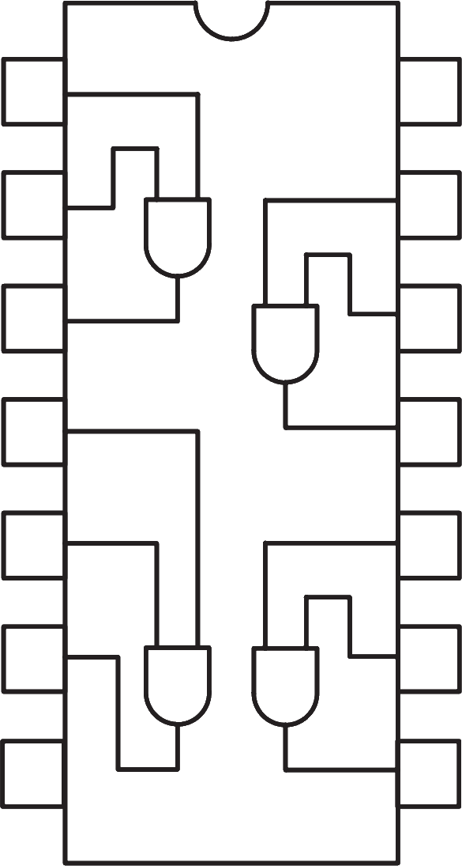

 | 1A | 1 | 14 | Vcc

 | 1B | 2 | 13 | 4A

 | 1Y | 3 | 12 | 4B

 | 2A | 4 | 11 | 4Y

 | 2B | 5 | 10 | 3A

 | 2Y | 6 | 9 | 3B

 | GND | 7 | 8 | 3Y

74LS08 - AND Gate IC

74ls32
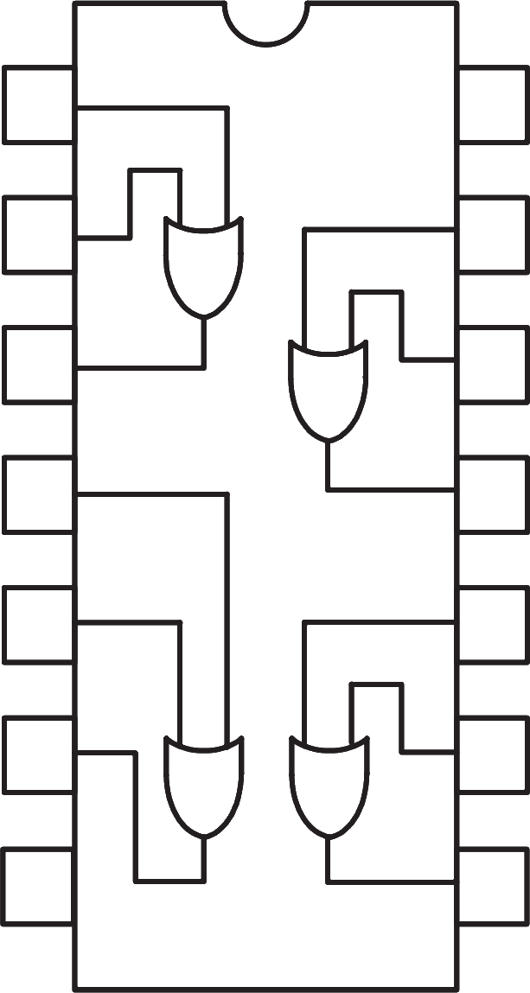

 | 1A | 1 | 14 | Vcc

 | 1B | 2 | 13 | 4A

 | 1Y | 3 | 12 | 4B

 | 2A | 4 | 11 | 4Y

 | 2B | 5 | 10 | 3A

 | 2Y | 6 | 9 | 3B

 | GND | 7 | 8 | 3Y

74LS32 - OR Gate IC

Sheet6
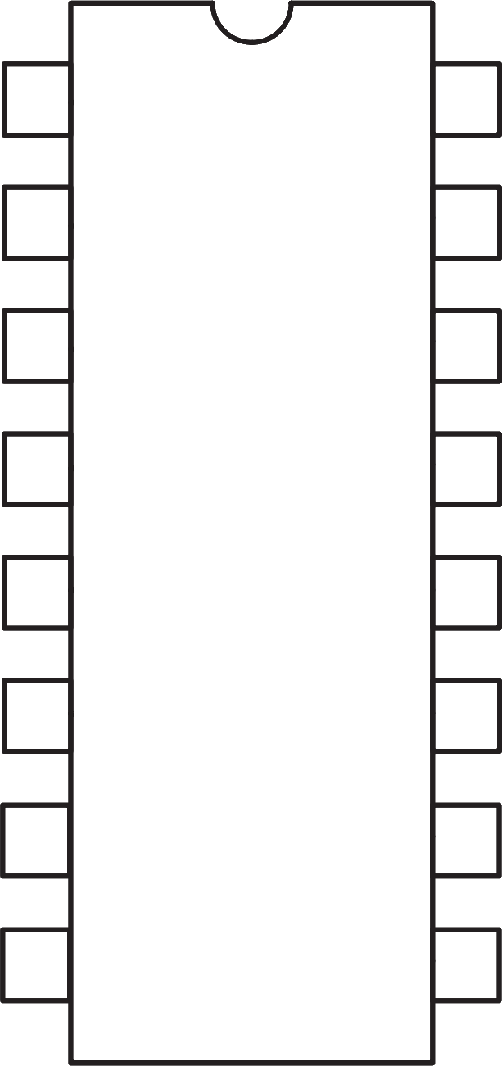
 | B | 1 | 74LS47 | 16 | Vcc

 | C | 2 |  | 15 | f

 | LT | 3 |  | 14 | g

 | BI/RBO | 4 |  | 13 | a

 | RBI | 5 |  | 12 | b

 | D | 6 |  | 11 | c

 | A | 7 |  | 10 | d

 | GND | 8 |  | 9 | e

74LS47 - BCD to 7-Segment Decoder

