Sheet1
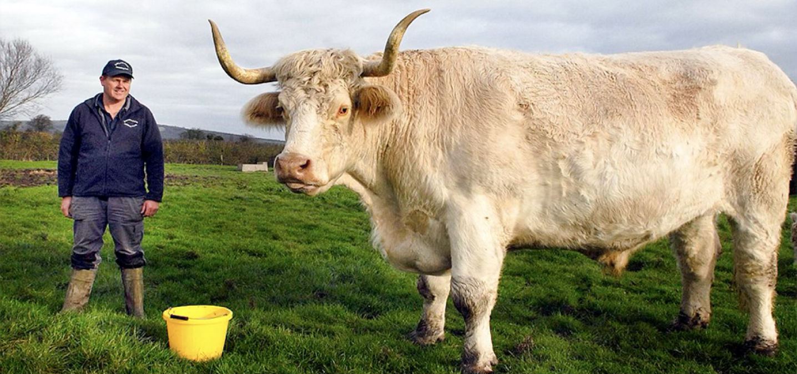
Guess ID | Guess (kg) | Average
1 | 1000 | 1938.4444444
2 | 580 | 1938.4444444
3 | 850 | 1938.4444444
4 | 10000 | 1938.4444444
5 | 2000 | 1938.4444444
6 | 1500 | 1938.4444444
7 | 416 | 1938.4444444
8 | 800 | 1938.4444444
9 | 300 | 1938.4444444
10 |  | 1938.4444444
11 |  | 1938.4444444
12 |  | 1938.4444444
13 |  | 1938.4444444
14 |  | 1938.4444444
15 |  | 1938.4444444
16 |  | 1938.4444444
 | Guess (kg) | Average (kg)
 | 1000 | 1938.4444444
 | 580 | 1938.4444444
 | 850 | 1938.4444444
 | 10000 | 1938.4444444
 | 2000 | 1938.4444444
 | 1500 | 1938.4444444
 | 416 | 1938.4444444
 | 800 | 1938.4444444
 | 300 | 1938.4444444
 |  | 1938.4444444
 |  | 1938.4444444
 |  | 1938.4444444
 |  | 1938.4444444
 |  | 1938.4444444
 |  | 1938.4444444
 |  | 1938.4444444
 |  | 1938.4444444
 |  | 1938.4444444
 |  | 1938.4444444
 |  | 1938.4444444
 |  | 1938.4444444
 |  | 1938.4444444
 |  | 1938.4444444
 |  | 1938.4444444
 |  | 1938.4444444
 |  | 1938.4444444
 |  | 1938.4444444
 |  | 1938.4444444
 |  | 1938.4444444
 |  | 1938.4444444
17 |  | 1938.4444444
18 |  | 1938.4444444
19 |  | 1938.4444444
20 |  | 1938.4444444
21 |  | 1938.4444444
22 |  | 1938.4444444
23 |  | 1938.4444444
24 |  | 1938.4444444
25 |  | 1938.4444444
26 |  | 1938.4444444
27 |  | 1938.4444444
28 |  | 1938.4444444
29 |  | 1938.4444444
30 |  | 1938.4444444

