Q-1
What is the performance analysis of campaigns in terms of page views, cart additions, purchases, and abandoned actions?

 | SQL_Query: |  | Output:

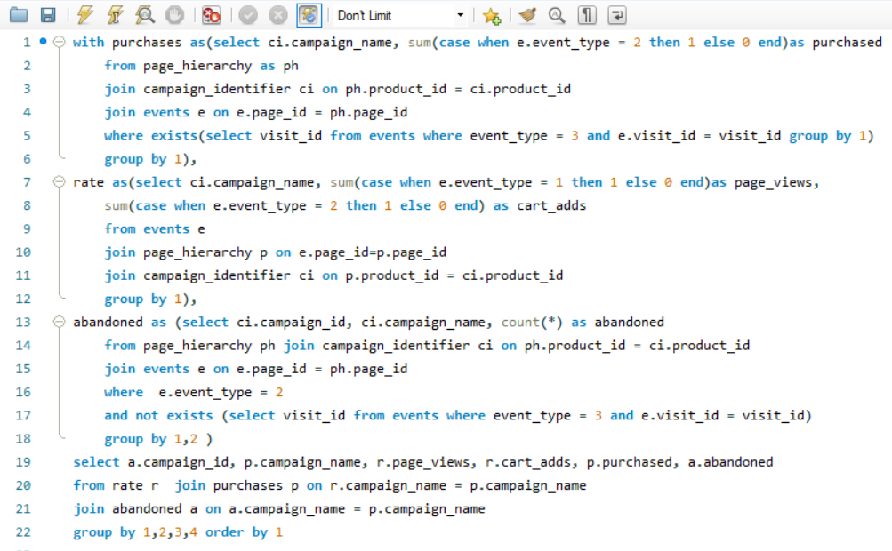
 |  | campaign_id | campaign_name | page_views | cart_adds | purchased | abandoned
 |  | 1 | BOGOF - Fishing For Compliments | 4633 | 2789 | 2115 | 674
 |  | 2 | 25% Off - Living The Lux Life | 3032 | 1870 | 1404 | 466
 |  | 3 | Half Off - Treat Your Shellf(ish) | 6204 | 3792 | 2898 | 894

 |  |  | INSIGHT:

 |  | The campaign "Half Off - Treat Your Shellf(ish)" exhibits the highest engagement with 6204 page views and 2898 purchases, but also has a relatively high cart abandonment rate of 894 actions. Conversely, the "25% Off - Living The Lux Life" campaign, while generating fewer page views and purchases, demonstrates a lower abandonment rate with 466 actions.

Q-2
Conversion rates of campaigns in terms of page views, cart additions, purchases, and abandoned actions?

 | SQL_Query: |  | Output:

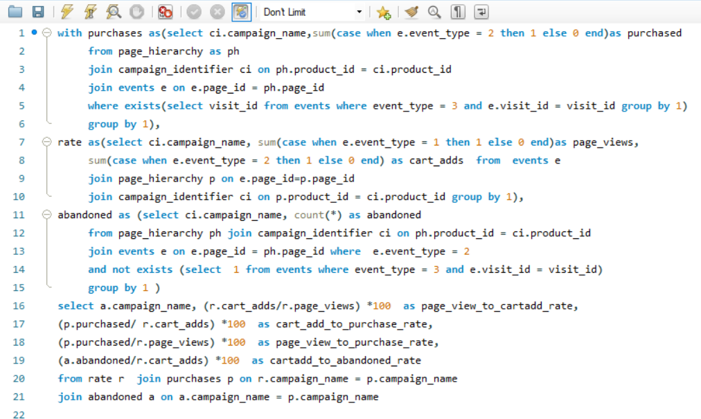
 |  | campaign_name | page_view_to_cartadd_rate | cart_add_to_purchase_rate | page_view_to_purchase_rate | cartadd_to_abandoned_rate
 |  | BOGOF - Fishing For Compliments | 60.1986 | 75.8336 | 45.6508 | 24.1664
 |  | Half Off - Treat Your Shellf(ish) | 61.1219 | 76.4241 | 46.7118 | 23.5759
 |  | 25% Off - Living The Lux Life | 61.6755 | 75.0802 | 46.3061 | 24.9198
 |  |  | INSIGHT:

 |  | The conversion rates for campaigns vary, with "25% Off - Living The Lux Life" showing the highest page view to cart addition rate at 61.68%, while "BOGOF - Fishing For Compliments" exhibits the highest cart addition to purchase rate at 75.83%. However, "Half Off - Treat Your Shellf(ish)" campaign demonstrates the highest overall page view to purchase rate at 46.71%. Conversely, the lowest cart addition to abandoned rate is observed in "Half Off - Treat Your Shellf(ish)" at 23.58%.

Q-3
What is the breakdown of unique users, unique visitors, and total visits for each campaign?

 | SQL_Query: |  | Output:

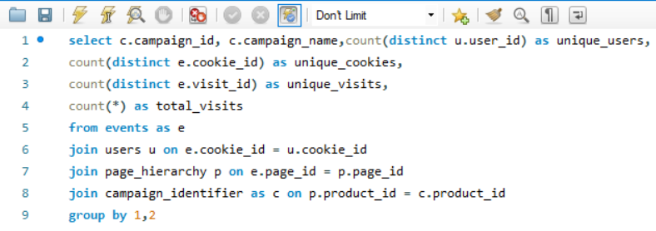
 |  | campaign_id | campaign_name | unique_users | unique_cookies | unique_visits | total_visits
 |  | 1 | BOGOF - Fishing For Compliments | 497 | 1678 | 2402 | 7422
 |  | 2 | 25% Off - Living The Lux Life | 492 | 1523 | 2130 | 4902
 |  | 3 | Half Off - Treat Your Shellf(ish) | 500 | 1728 | 2547 | 9996

 |  |  | INSIGHT:

 |  | The breakdown reveals varying levels of engagement across campaigns, with "Half Off - Treat Your Shellf(ish)" attracting the highest unique users (500) and unique visits (2547), followed by "BOGOF - Fishing For Compliments" and "25% Off - Living The Lux Life". However, "BOGOF - Fishing For Compliments" registers the highest total visits (7422).

Q-5
What is the average time spent by users on each campaign.

 | SQL_Query: | Output:

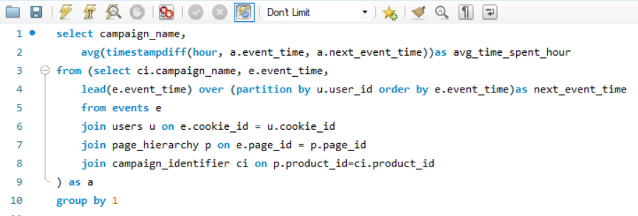
 |  | campaign_name | avg_time_spent_hour
 |  | BOGOF - Fishing For Compliments | 0.4515
 |  | 25% Off - Living The Lux Life | 3.2225
 |  | Half Off - Treat Your Shellf(ish) | 43.5979

 |  | INSIGHT:

 |  | The average time spent by users on campaigns varies notably: "BOGOF - Fishing For Compliments" has an average of approximately 0.45 hours, "25% Off - Living The Lux Life" averages around 3.22 hours, while "Half Off - Treat Your Shellf(ish)" stands out with an average of approximately 43.60 hours, indicating significantly higher user engagement.

Q-7
What are the average page views, cart additions, and purchases per visit for each campaign?

 | SQL_Query: |  | Output:

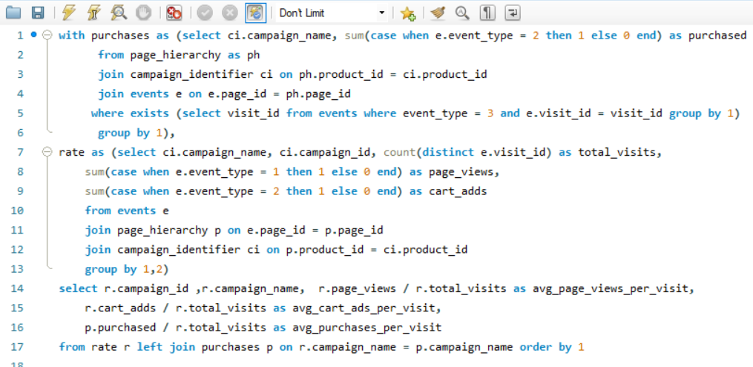
 |  | campaign_id | campaign_name | avg_page_views_per_visit | avg_cart_ads_per_visit | avg_purchases_per_visit
 |  | 1 | BOGOF - Fishing For Compliments | 1.9288 | 1.1611 | 0.8805
 |  | 2 | 25% Off - Living The Lux Life | 1.4235 | 0.8779 | 0.6592
 |  | 3 | Half Off - Treat Your Shellf(ish) | 2.4358 | 1.4888 | 1.1378

 |  |  | INSIGHT:

 |  | The analysis reveals varying engagement levels: "Half Off - Treat Your Shellf(ish)" campaign exhibits the highest average page views, cart additions, and purchases per visit, followed by "BOGOF - Fishing For Compliments" and "25% Off - Living The Lux Life" campaigns.

Q-8
Overall conversion rates per campaign, calculated as the percentage of visits that resulted in a purchase event, based on the given dataset.

 | SQL_Query: | Output:

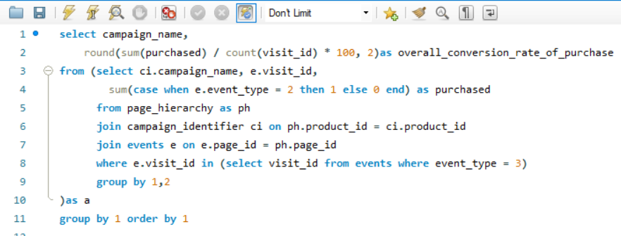
 |  | campaign_name | overall_conversion_rate_of_purchase
 |  | 25% Off - Living The Lux Life | 94.99
 |  | BOGOF - Fishing For Compliments | 128.81
 |  | Half Off - Treat Your Shellf(ish) | 168.39

 |  | INSIGHT:

 |  | The analysis indicates varying overall conversion rates per campaign. "Half Off - Treat Your Shellf(ish)" campaign exhibits the highest conversion rate at 168.39%, followed by "BOGOF - Fishing For Compliments" at 128.81%, and "25% Off - Living The Lux Life" at 94.99%. However, a conversion rate above 100% suggests potential issues with the dataset or calculation method, warranting further investigation.

Q-9
What is the monthly engagement level, measured by unique users and total visits, across various campaigns within the dataset.

 |  | SQL_Query: |  | Output:

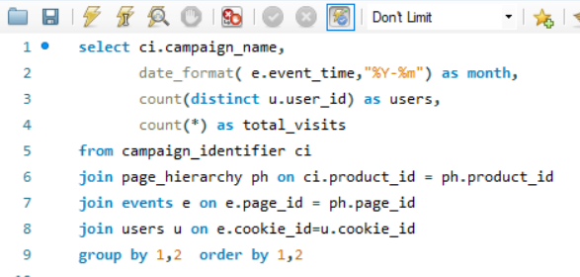
 |  |  | campaign_name | month | users | total_visits
 |  |  | 25% Off - Living The Lux Life | 2020-01-01 | 235 | 1172
 |  |  | 25% Off - Living The Lux Life | 2020-02-01 | 419 | 2107
 |  |  | 25% Off - Living The Lux Life | 2020-03-01 | 265 | 1214
 |  |  | 25% Off - Living The Lux Life | 2020-04-01 | 86 | 343
 |  |  | 25% Off - Living The Lux Life | 2020-05-01 | 16 | 66
 |  |  | BOGOF - Fishing For Compliments | 2020-01-01 | 246 | 1904
 |  |  | BOGOF - Fishing For Compliments | 2020-02-01 | 435 | 3037
 |  |  | BOGOF - Fishing For Compliments | 2020-03-01 | 279 | 1866
 |  |  | BOGOF - Fishing For Compliments | 2020-04-01 | 91 | 515
 |  |  | BOGOF - Fishing For Compliments | 2020-05-01 | 16 | 100
 |  | INSIGHT: | Half Off - Treat Your Shellf(ish) | 2020-01-01 | 253 | 2483
 |  |  | Half Off - Treat Your Shellf(ish) | 2020-02-01 | 443 | 4163
 |  |  | Half Off - Treat Your Shellf(ish) | 2020-03-01 | 285 | 2519
 | The "25% Off - Living The Lux Life" campaign witnessed varying levels of engagement over the months, with peaks in February and declines in May, indicating fluctuating user interest. In the second month, it recorded the highest number of visits and users, while experiencing lows in both metrics during the fourth and fifth months. |  | Half Off - Treat Your Shellf(ish) | 2020-04-01 | 93 | 710
 |  |  | Half Off - Treat Your Shellf(ish) | 2020-05-01 | 15 | 121

Q-10
Compare the purchase rate for visits with ad clicks, visits with impressions but no clicks, and visits with &without impressions.

 | SQL_Query: |  | Output:

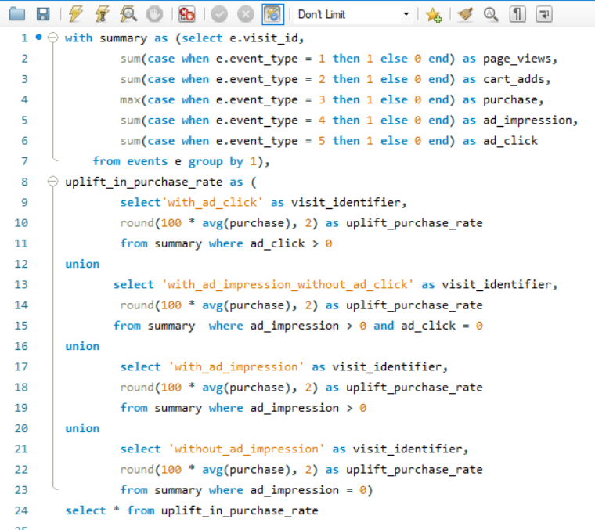
 |  |  | visit_identifier | uplift_purchase_rate
 |  |  | with_ad_click | 88.89
 |  |  | with_ad_impression_without_ad_click | 64.94
 |  |  | with_ad_impression | 84.13
 |  |  | without_ad_impression | 38.69

 |  |  | INSIGHT:

 |  | Clicks Drive Purchases Demonstrating the impact of user engagement, visits with clicks yield a substantial uplift in purchases, underlining the significance of clicks in driving conversions.Impressions Have Value Despite lacking direct engagement, visits with impressions but no clicks still exhibit a noteworthy purchase rate, emphasizing the influential role of impressions in shaping user behavior. Ad clicks purchase uplift is (88.89%), followed by impressions without clicks (64.94%) and impressions with clicks (84.13%), while no ad impressions lead to the lowest uplift (38.69%).

