Q-1
Count of unique users, unique cookies, distinct sequences, total visits, and total events.

 | SQL-Query: |  | OUTPUT:

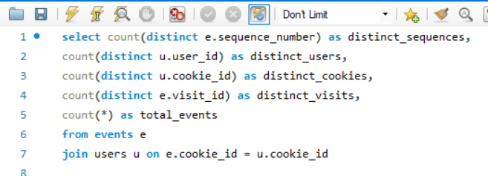
 |  | distinct_sequences | distinct_users | distinct_cookies | distinct_visits | total_events
 |  | 23 | 500 | 1782 | 3564 | 32734

 |  |  | INSIGHT:

 |  | The analysis reveals that there are 23 distinct sequences of events performed by users. Among the recorded data, there are 500 unique users identified by user IDs and 1782 unique users distinguished by cookies. The total number of distinct visits recorded in the dataset is 3564. Overall, there have been 32,734 events captured across the recorded data, showcasing significant user interaction and engagement with the platform.

Q-2
Counts of distinct sequences, unique users, unique cookies, events recorded for each event type.

 | SQL-Query: |  |  | Output:

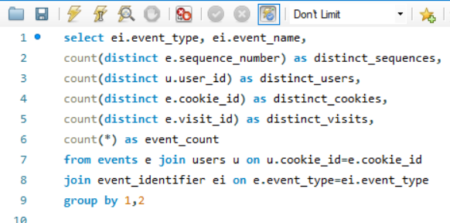
 |  | event_type | event_name | distinct_sequences | distinct_users | distinct_cookies | distinct_visits | event_count
 |  | 1 | Page View | 22 | 500 | 1782 | 3564 | 20928
 |  | 2 | Add to Cart | 19 | 499 | 1715 | 2510 | 8451
 |  | 3 | Purchase | 18 | 484 | 1352 | 1777 | 1777
 |  | 4 | Ad Impression | 1 | 442 | 876 | 876 | 876
 |  | 5 | Ad Click | 1 | 397 | 702 | 702 | 702

 |  |  |  | INSIGHT:

 |  | Page views are the most frequent event, with 22 distinct sequences involving 500 users and 1782 cookies. Add to Cart events follow with 19 sequences, engaging 499 users and 1715 cookies. Purchases are recorded in 18 sequences, with 484 users and 1352 cookies. Ad impressions and clicks each have a single sequence, involving 442-397 users and 876-702 cookies, respectively. These insights offer a snapshot of user engagement across different event types.

Q-3
Distribution of event counts, unique users, unique cookies, and unique visits across different months.

 | SQL-Query: |  | Output:

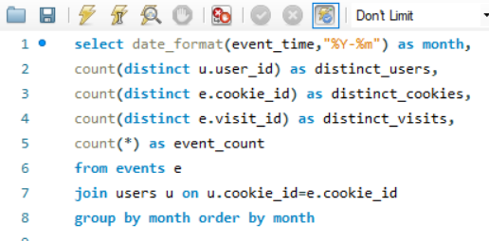
 |  | month | distinct_users | distinct_cookies | distinct_visits | event_count
 |  | 2020-01-01 | 255 | 438 | 876 | 8112
 |  | 2020-02-01 | 449 | 744 | 1488 | 13645
 |  | 2020-03-01 | 287 | 458 | 916 | 8255
 |  | 2020-04-01 | 96 | 124 | 248 | 2311
 |  | 2020-05-01 | 16 | 18 | 36 | 411

 |  |  | INSIGHT:

 |  | Analyzing the distribution of event counts, unique users, cookies, and visits over various months provides valuable insights into user behavior patterns, enabling businesses to tailor their marketing efforts and content strategies to maximize engagement and conversion rates during peak periods while optimizing resource allocation during slower months.

Q-9
What is the impact of ad impressions on user engagement and conversion rates within our dataset?

 | SQL-Query: |  | OUTPUT:

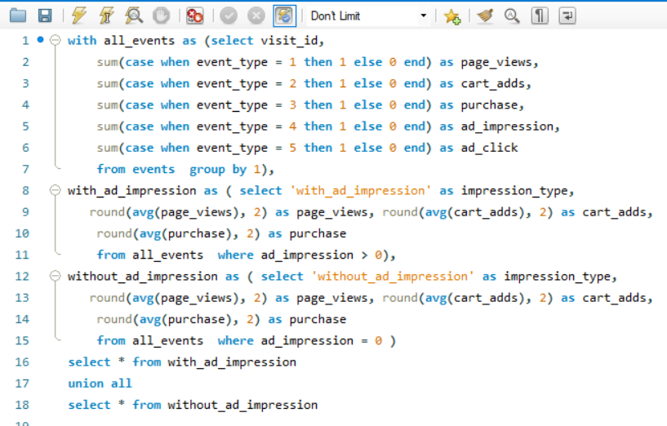
 |  |  | impression_type | page_views | cart_adds | purchase
 |  |  | with_ad_impression | 8.54 | 5.04 | 0.84
 |  |  | without_ad_impression | 5.00 | 1.50 | 0.39

 |  |  | INSIGHT:

 |  | The analysis indicates that user engagement and conversion rates are higher when ad impressions are present. On average, when ad impressions are included, there are 8.54 page views, 5.04 cart additions, and 0.84 purchases per visit. In contrast, when ad impressions are absent, these metrics decrease to 5.00 page views, 1.50 cart additions, and 0.39 purchases per visit. This suggests that ad impressions positively influence user engagement and conversion within the dataset, highlighting their importance in driving desired actions.

Q-10
What is the impact of ad clicks on user engagement and conversion rates within our dataset?

 | SQL-Query: |  | OUTPUT:

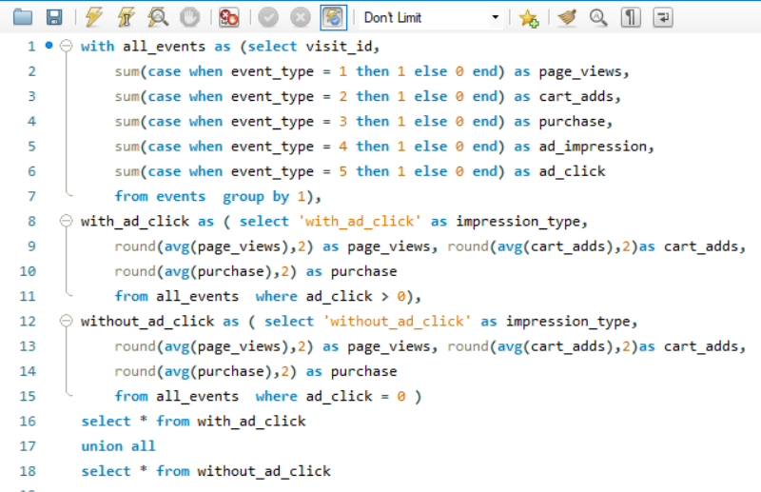
 |  |  | impression_type | page_views | cart_adds | purchase
 |  |  | with_ad_click | 9.07 | 5.72 | 0.89
 |  |  | without_ad_click | 5.09 | 1.55 | 0.40

 |  |  | INSIGHT:

 |  | Ad clicks substantially boost both user engagement and conversion rates within our dataset. Comparing instances with ad clicks to those without, we observe notable differences. With ad clicks, the average values are 9.07 for page views, 5.72 for cart additions, and 0.89 for purchases. In contrast, without ad clicks, these averages drop to 5.09 for page views, 1.55 for cart additions, and 0.40 for purchases. Clearly, ad clicks play a pivotal role in driving higher user engagement and conversion rates.

Q-11
Determine the average time spent by users between consecutive events.

 | SQL-Query: | OUTPUT: |  | INSIGHT:

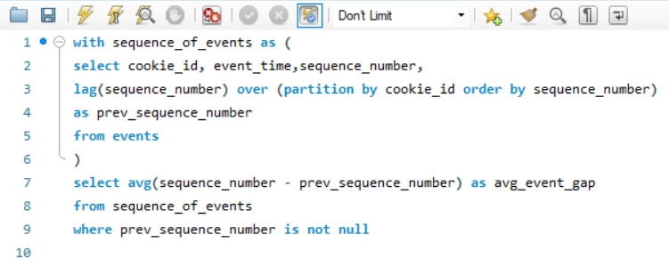
 |  |  |  | The average time spent by users between consecutive events is approximately 0.70 units. This suggests a relatively short interval between consecutive events in user interactions.
 |  |  | avg_event_gap
 |  |  | 0.7027

