Q-1
Distribution of unique users, cookies, distinct visits & total visits across different pages

 | SQL_Query: |  | OUTPUT:

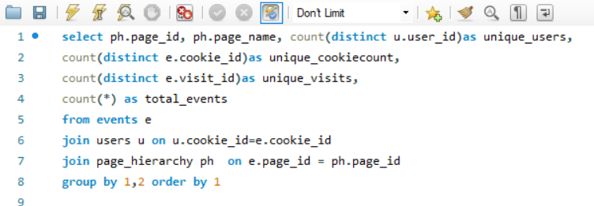
 |  | page_id | page_name | unique_users | unique_cookiecount | unique_visits | total_events
 |  | 1 | Home Page | 500 | 1782 | 1782 | 1782
 |  | 2 | All Products | 500 | 1782 | 3174 | 4752
 |  | 3 | Salmon | 484 | 1237 | 1559 | 2497
 |  | 4 | Kingfish | 482 | 1229 | 1559 | 2479
 |  | 5 | Tuna | 484 | 1210 | 1515 | 2446
 |  | 6 | Russian Caviar | 477 | 1233 | 1563 | 2509
 |  | 7 | Black Truffle | 472 | 1163 | 1469 | 2393
 |  | 8 | Abalone | 476 | 1200 | 1525 | 2457
 |  | 9 | Lobster | 486 | 1221 | 1547 | 2515
 |  | 10 | Crab | 480 | 1242 | 1564 | 2513
 | INSIGHTS: | 11 | Oyster | 486 | 1250 | 1568 | 2511
 |  | 12 | Checkout | 492 | 1525 | 2103 | 2103
 |  | 13 | Confirmation | 484 | 1352 | 1777 | 1777
The analysis reveals varying levels of user engagement across different pages, with the "All Products" page attracting the highest total visits, while the "Home Page" stands out in unique user and cookie counts, suggesting a broad initial audience engagement before navigating further into the platform.

Q-3
calculate the average time spent by users between consecutive events on each page.

 | SQL_Query: |  | OUTPUT: |  |  | INSIGHTS:

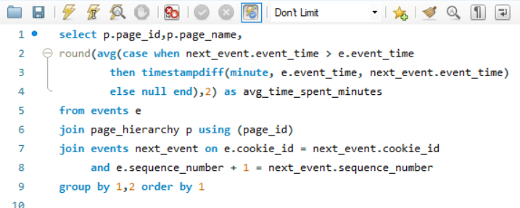
 |  | page_id | page_name | avg_time_spent_minutes | The analysis shows varying average times spent between consecutive events on different pages. While most pages exhibit relatively moderate values, such as "All Products" with 165.63 minutes and "Salmon" with 124.99 minutes, outliers like "Confirmation" stand out with an exceptionally high average time of 500.19 minutes, suggesting potential issues or anomalies in user behavior. Conversely, pages like "Crab" and "Oyster" demonstrate lower average times of 65.94 minutes and 68.03 minutes, respectively, warranting investigation into potential user engagement challenges or optimization opportunities.
 |  | 1 | Home Page | 94.73
 |  | 2 | All Products | 165.63
 |  | 3 | Salmon | 124.99
 |  | 4 | Kingfish | 121.98
 |  | 5 | Tuna | 113.91
 |  | 6 | Russian Caviar | 105.21
 |  | 7 | Black Truffle | 89.52
 |  | 8 | Abalone | 75.33
 |  | 9 | Lobster | 74.57
 |  | 10 | Crab | 65.94
 |  | 11 | Oyster | 68.03
 |  | 12 | Checkout | 76.86
 |  | 13 | Confirmation | 500.19

Q-5
Pages wise entry rates, indicating most common starting points for visitors? How do these entry rates vary across different pages?

 | SQL_Query: | OUTPUT: |  |  |  |  | INSIGHTS:

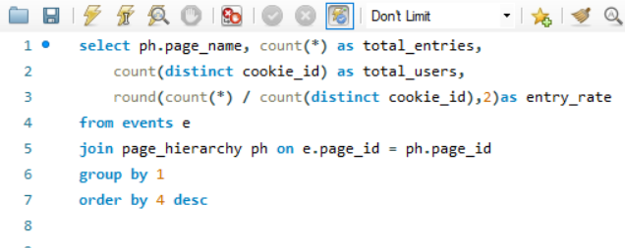
 |  | page_name | total_entries | total_users | entry_rate
 |  | All Products | 4752 | 1782 | 2.67 | The analysis reveals that "All Products" is the page with the highest entry rate, indicating it as the most common starting point for visitors, with an entry rate of 2.67. This suggests that many users prefer to begin their browsing experience from the product overview page. Conversely, "Home Page" has the lowest entry rate of 1.00, indicating that users are less likely to land directly on the home page, possibly due to direct links or bookmarks leading to specific product categories or pages. Understanding these entry rates can help in optimizing landing pages and enhancing user experience based on visitor preferences and behavior patterns.
 |  | Black Truffle | 2393 | 1163 | 2.06
 |  | Lobster | 2515 | 1221 | 2.06
 |  | Abalone | 2457 | 1200 | 2.05
 |  | Russian Caviar | 2509 | 1233 | 2.03
 |  | Crab | 2513 | 1242 | 2.02
 |  | Kingfish | 2479 | 1229 | 2.02
 |  | Salmon | 2497 | 1237 | 2.02
 |  | Tuna | 2446 | 1210 | 2.02
 |  | Oyster | 2511 | 1250 | 2.01
 |  | Checkout | 2103 | 1525 | 1.38
 |  | Confirmation | 1777 | 1352 | 1.31
 |  | Home Page | 1782 | 1782 | 1.00

Q-6
How does page engagement vary over different time periods?

 | SQL_Query: | OUTPUT: |  |  |  | INSIGHTS:

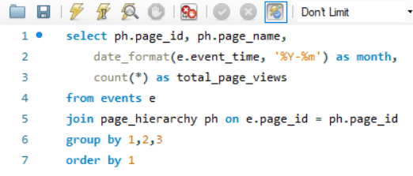
 |  | page_id | page_name | month | total_page_views | The analysis indicates varying levels of page engagement across different months. Some pages exhibit higher engagement rates in specific months, while others show lower activity during certain periods. Understanding these fluctuations can aid in identifying seasonal trends and optimizing content or promotions accordingly to capitalize on peak engagement periods and address any lulls in activity.
 |  | 1 | Home Page | 2020-01-01 | 438
 |  | 1 | Home Page | 2020-02-01 | 744
 |  | 1 | Home Page | 2020-03-01 | 458
 |  | 1 | Home Page | 2020-04-01 | 124
 |  | 1 | Home Page | 2020-05-01 | 18
 |  | 2 | All Products | 2020-01-01 | 1182
 |  | 2 | All Products | 2020-02-01 | 1973
 |  | 2 | All Products | 2020-03-01 | 1206
 |  | 2 | All Products | 2020-04-01 | 334
 |  | 2 | All Products | 2020-05-01 | 57
 |  | 3 | Salmon | 2020-01-01 | 646
 |  | 3 | Salmon | 2020-02-01 | 994
 |  | 3 | Salmon | 2020-03-01 | 646
 |  | 3 | Salmon | 2020-04-01 | 179
 |  | 3 | Salmon | 2020-05-01 | 32
 |  | 4 | Kingfish | 2020-01-01 | 620
 |  | 4 | Kingfish | 2020-02-01 | 1053
 |  | 4 | Kingfish | 2020-03-01 | 606
 |  | 4 | Kingfish | 2020-04-01 | 171
 |  | 4 | Kingfish | 2020-05-01 | 29
 |  | 5 | Tuna | 2020-01-01 | 638
 |  | 5 | Tuna | 2020-02-01 | 990
 |  | 5 | Tuna | 2020-03-01 | 614
 |  | 5 | Tuna | 2020-04-01 | 165
 |  | 5 | Tuna | 2020-05-01 | 39
 |  | 6 | Russian Caviar | 2020-01-01 | 607
 |  | 6 | Russian Caviar | 2020-02-01 | 1091
 |  | 6 | Russian Caviar | 2020-03-01 | 611
 |  | 6 | Russian Caviar | 2020-04-01 | 164
 |  | 6 | Russian Caviar | 2020-05-01 | 36
 |  | 7 | Black Truffle | 2020-01-01 | 565
 |  | 7 | Black Truffle | 2020-02-01 | 1016
 |  | 7 | Black Truffle | 2020-03-01 | 603
 |  | 7 | Black Truffle | 2020-04-01 | 179
 |  | 7 | Black Truffle | 2020-05-01 | 30
 |  | 8 | Abalone | 2020-01-01 | 591
 |  | 8 | Abalone | 2020-02-01 | 1032
 |  | 8 | Abalone | 2020-03-01 | 619
 |  | 8 | Abalone | 2020-04-01 | 187
 |  | 8 | Abalone | 2020-05-01 | 28
 |  | 9 | Lobster | 2020-01-01 | 631
 |  | 9 | Lobster | 2020-02-01 | 1033
 |  | 9 | Lobster | 2020-03-01 | 649
 |  | 9 | Lobster | 2020-04-01 | 167
 |  | 9 | Lobster | 2020-05-01 | 35
 |  | 10 | Crab | 2020-01-01 | 623
 |  | 10 | Crab | 2020-02-01 | 1061
 |  | 10 | Crab | 2020-03-01 | 629
 |  | 10 | Crab | 2020-04-01 | 163
 |  | 10 | Crab | 2020-05-01 | 37
 |  | 11 | Oyster | 2020-01-01 | 638
 |  | 11 | Oyster | 2020-02-01 | 1037
 |  | 11 | Oyster | 2020-03-01 | 622
 |  | 11 | Oyster | 2020-04-01 | 193
 |  | 11 | Oyster | 2020-05-01 | 21
 |  | 12 | Checkout | 2020-01-01 | 503
 |  | 12 | Checkout | 2020-02-01 | 877
 |  | 12 | Checkout | 2020-03-01 | 544
 |  | 12 | Checkout | 2020-04-01 | 151
 |  | 12 | Checkout | 2020-05-01 | 28
 |  | 13 | Confirmation | 2020-01-01 | 430
 |  | 13 | Confirmation | 2020-02-01 | 744
 |  | 13 | Confirmation | 2020-03-01 | 448
 |  | 13 | Confirmation | 2020-04-01 | 134
 |  | 13 | Confirmation | 2020-05-01 | 21

Q-7
User engagement with different pages on our website, and how effectively do these pages convert visitors into engaged users?

 | SQL_Query: |  | OUTPUT: |  |  |  |  | INSIGHTS:

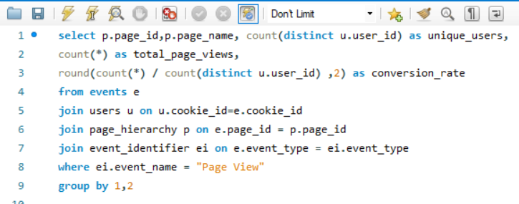
 |  | page_id | page_name | unique_users | total_page_views | conversion_rate
 |  | 1 | Home Page | 500 | 1782 | 3.56 | The user engagement level across different pages on our website varies, with "All Products" garnering the highest total page views at 3174 and a conversion rate of 6.35%, indicating its effectiveness in attracting and retaining visitors. Conversely, while "Black Truffle" and "Tuna" have relatively lower conversion rates at 3.11% and 3.13% respectively, they still contribute to user engagement with a considerable number of unique users.
 |  | 2 | All Products | 500 | 3174 | 6.35
 |  | 3 | Salmon | 484 | 1559 | 3.22
 |  | 4 | Kingfish | 482 | 1559 | 3.23
 |  | 5 | Tuna | 484 | 1515 | 3.13
 |  | 6 | Russian Caviar | 477 | 1563 | 3.28
 |  | 7 | Black Truffle | 472 | 1469 | 3.11
 |  | 8 | Abalone | 476 | 1525 | 3.20
 |  | 9 | Lobster | 486 | 1547 | 3.18
 |  | 10 | Crab | 480 | 1564 | 3.26
 |  | 11 | Oyster | 486 | 1568 | 3.23
 |  | 12 | Checkout | 492 | 2103 | 4.27

Q-8
What is the conversion rate for adding products to the cart on each page?

 | SQL_Query: | OUTPUT: |  |  |  |  | INSIGHTS:

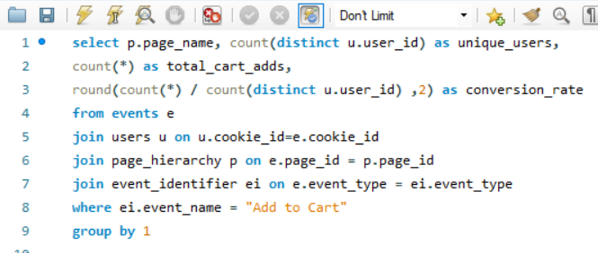
 |  | page_name | unique_users | total_cart_adds | conversion_rate
 |  | Abalone | 418 | 932 | 2.23 | The conversion rate for adding products to the cart on each page ranges from 2.15% to 2.25%, with "Crab" and "Lobster" having the highest conversion rates at 2.25%, while "Tuna" has the lowest at 2.15%. This suggests that users across different product pages show similar behaviors in adding items to their carts, indicating a consistent level of engagement and interest in products throughout the website.
 |  | Black Truffle | 423 | 924 | 2.18
 |  | Crab | 421 | 949 | 2.25
 |  | Kingfish | 426 | 920 | 2.16
 |  | Lobster | 432 | 968 | 2.24
 |  | Oyster | 437 | 943 | 2.16
 |  | Russian Caviar | 429 | 946 | 2.21
 |  | Salmon | 429 | 938 | 2.19
 |  | Tuna | 434 | 931 | 2.15

Q-9
How effective are our website pages in converting visitors into purchasers, and what is the overall conversion rate for each page?

 | SQL_Query: |  | OUTPUT:

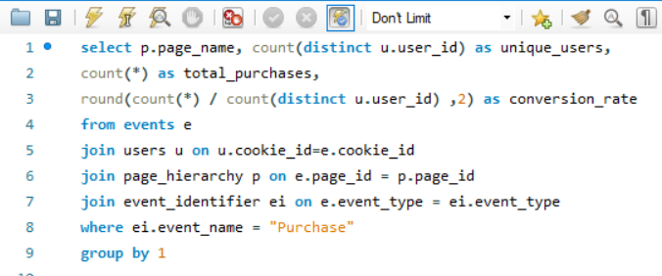
 |  | page_name | unique_users | total_purchases | conversion_rate
 |  | Confirmation | 484 | 1777 | 3.67

 |  |  | INSIGHTS:

 |  | The "Confirmation" page shows a high conversion rate of approximately 3.67, indicating its effectiveness in converting visitors into purchasers. This suggests that users who reach the Confirmation page are highly likely to complete a purchase. Further analysis and optimization of user journeys leading to this page could enhance overall conversion rates and drive business growth.

Q-12
Determine the most visited pages and events performed by users.

 | SQL_Query: |  | OUTPUT: |  |  |  |  | INSIGHTS:

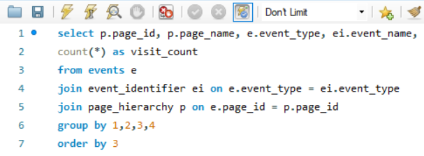
 |  | page_id | page_name | event_type | event_name | visit_count
 |  | 1 | Home Page | 1 | Page View | 1782 | The most visited pages on the platform include the "All Products" page, which garnered the highest visit count of 3174, followed by the "Checkout" page with 2103 visits. Among specific product pages, "Oyster" and "Crab" were the most frequented, each recording 1568 and 1564 visits, respectively. In terms of events performed by users, the "Purchase" event, indicative of successful transactions, occurred 1777 times, showcasing significant user engagement with the purchasing process. Additionally, "Ad Impression" and "Ad Click" events occurred 876 and 702 times, respectively, highlighting user interaction with advertisements displayed on the platform.
 |  | 2 | All Products | 1 | Page View | 3174
 |  | 6 | Russian Caviar | 1 | Page View | 1563
 |  | 9 | Lobster | 1 | Page View | 1547
 |  | 10 | Crab | 1 | Page View | 1564
 |  | 11 | Oyster | 1 | Page View | 1568
 |  | 12 | Checkout | 1 | Page View | 2103
 |  | 4 | Kingfish | 1 | Page View | 1559
 |  | 5 | Tuna | 1 | Page View | 1515
 |  | 7 | Black Truffle | 1 | Page View | 1469
 |  | 8 | Abalone | 1 | Page View | 1525
 |  | 3 | Salmon | 1 | Page View | 1559
 |  | 9 | Lobster | 2 | Add to Cart | 968
 |  | 10 | Crab | 2 | Add to Cart | 949
 |  | 11 | Oyster | 2 | Add to Cart | 943
 |  | 4 | Kingfish | 2 | Add to Cart | 920
 |  | 5 | Tuna | 2 | Add to Cart | 931
 |  | 8 | Abalone | 2 | Add to Cart | 932
 |  | 7 | Black Truffle | 2 | Add to Cart | 924
 |  | 6 | Russian Caviar | 2 | Add to Cart | 946
 |  | 3 | Salmon | 2 | Add to Cart | 938
 |  | 13 | Confirmation | 3 | Purchase | 1777
 |  | 2 | All Products | 4 | Ad Impression | 876
 |  | 2 | All Products | 5 | Ad Click | 702

