Assumptions
ANOVA assumptions for Intrinsic Motivation

Shapiro-Wilk normality test for Intrinsic Motivation
W | p.value
0.9684352608 | 0.12848893488

Plots for normality test
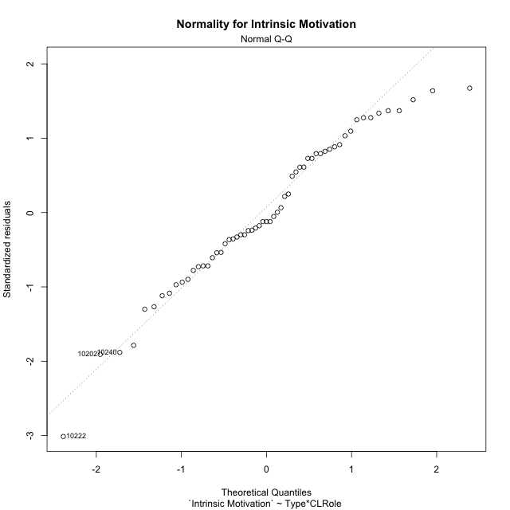

Levene's Test for Homogeneity of Variance in Intrinsic Motivation
Df | F value | Pr(>F)
3 | 2.087643063 | 0.11237525254
55

Plots for homogeneity of variance
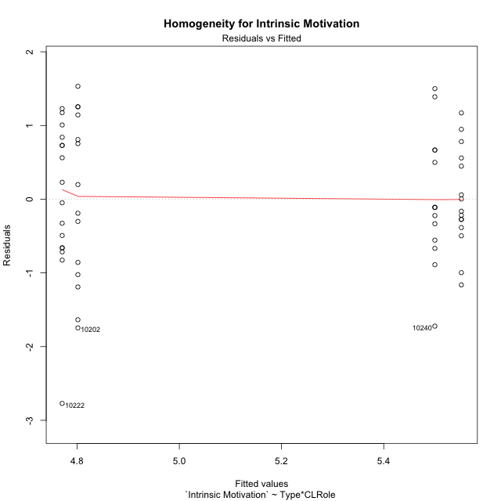

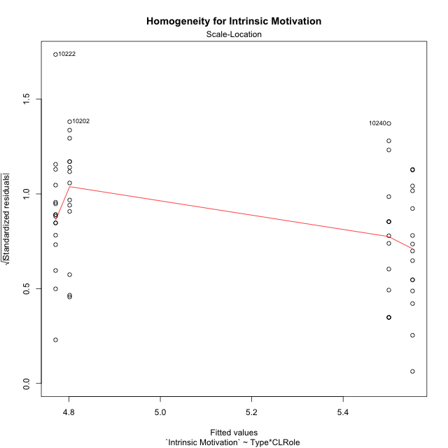

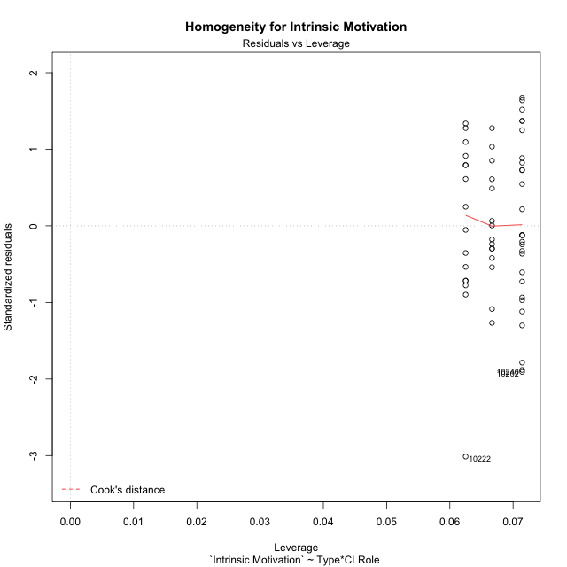

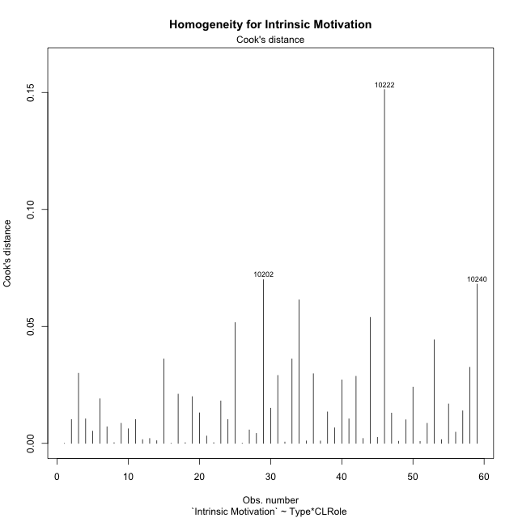

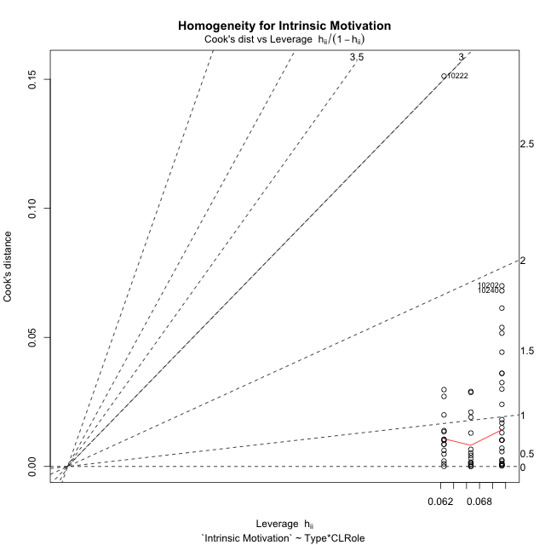

Minimum Sample Size Test for Intrinsic Motivation
Type | CLRole | Freq
non-gamified | Apprentice | 14
ont-gamified | Apprentice | 14
non-gamified | Master | 16
ont-gamified | Master | 15

Errors and Warnings in Sample Size Test for ANOVA in Intrinsic Motivation
code | description
WARN: sample.size | current.size is = 14 and recommended.size must be = 15 for the group: 'non-gamified:Apprentice'. Size sample for parametric test isn't recomended
WARN: sample.size | current.size is = 14 and recommended.size must be = 15 for the group: 'ont-gamified:Apprentice'. Size sample for parametric test isn't recomended

For the group: 'non-gamified:Apprentice', we recommend the use of non parametric test. For the group: 'ont-gamified:Apprentice', we recommend the use of non parametric test. For the group: 'non-gamified:Master', you can perform a parametric test with a non-normal distribution For the group: 'ont-gamified:Master', you can perform a parametric test with a non-normal distribution

If you don't want to remove non-normal data, you must cite the following references: ... (1) Lix, L.M., J.C. Keselman, and H.J. Keselman. 1996. Consequences of assumption violations revisited: A quantitative review of alternatives to the one-way analysis of variance F test. Rev. Educ. Res. 66: 579-619. ... (2) Harwell, M.R., E.N. Rubinstein, W.S. Hayes, and C.C. Olds. 1992. Summarizing Monte Carlo results in methodological research: the one- and two-factor fixed effects ANOVA cases. J. Educ. Stat. 17: 315-339.

Post-hoc
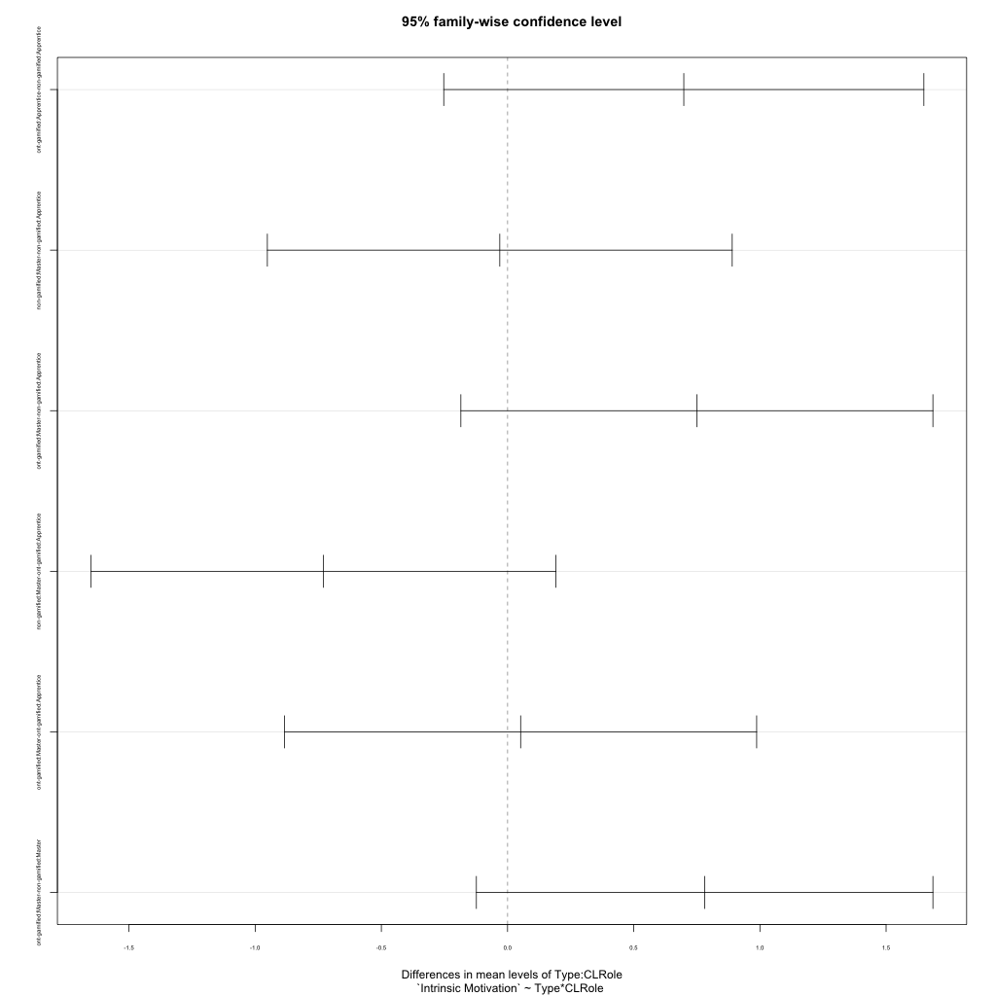
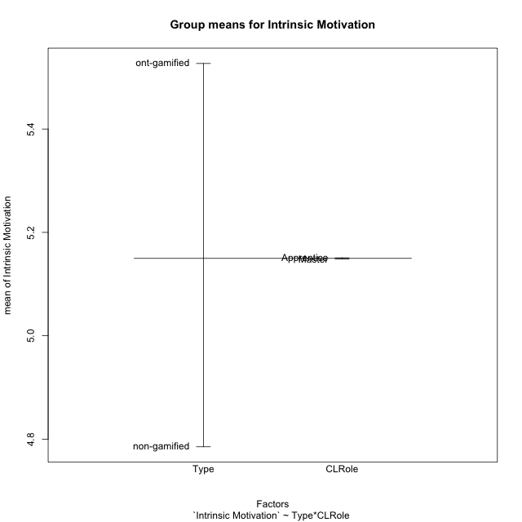
Post-hoc Tukey Honestly Significant Difference (HSD) Test for Intrinsic Motivation

Comparisons of means for Type
 | diff | lwr | upr | p adj
ont-gamified-non-gamified | 0.74163473819 | 0.24588272635 | 1.23738675 | 0.0040738470997

Comparisons of means for CLRole
 | diff | lwr | upr | p adj
Master-Apprentice | 0.0099137195355 | -0.48640910655 | 0.50623654562 | 0.96821458922

Comparisons of means for Type:CLRole
 | diff | lwr | upr | p adj
ont-gamified:Apprentice-non-gamified:Apprentice | 0.69841269841 | -0.25280865192 | 1.6496340487 | 0.22150443757
non-gamified:Master-non-gamified:Apprentice | -0.030753968254 | -0.95177008036 | 0.89026214385 | 0.9997487335
ont-gamified:Master-non-gamified:Apprentice | 0.75026455026 | -0.18496874795 | 1.6854978485 | 0.1578904133
non-gamified:Master-ont-gamified:Apprentice | -0.72916666667 | -1.6501827788 | 0.19184944543 | 0.16672010026
ont-gamified:Master-ont-gamified:Apprentice | 0.051851851852 | -0.88338144636 | 0.98708515007 | 0.99885604798
ont-gamified:Master-non-gamified:Master | 0.78101851852 | -0.12347578412 | 1.6855128212 | 0.11340618288

Contrast Matrices for Intrinsic Motivation
contrast | CLRole | estimate | SE | df | t.ratio | p.value
non-gamified - ont-gamified | Apprentice | -0.69841269841 | 0.35903903132 | 55 | -1.9452277816 | 0.056866454692
non-gamified - ont-gamified | Master | -0.78101851852 | 0.341401881 | 55 | -2.2876807715 | 0.026025231395

Least Squares Means and Confidence Intervals
Type | CLRole | lsmean | SE | df | lower.CL | upper.CL
non-gamified | Apprentice | 4.8015873016 | 0.25387893376 | 55 | 4.2928025488 | 5.3103720544
ont-gamified | Apprentice | 5.5 | 0.25387893376 | 55 | 4.9912152472 | 6.0087847528
non-gamified | Master | 4.7708333333 | 0.23748199696 | 55 | 4.2949087762 | 5.2467578905
ont-gamified | Master | 5.5518518519 | 0.2452703518 | 55 | 5.0603190828 | 6.0433846209

Plots

Type_1
Student's t-Test for Intrinsic Motivation in Type between non-gamified:ont-gamified

Student's t-Test results
Alternative hypothesis: less
Group | N | Mean | Mean.Difference | Std.deviation | Std.error | CI.lower | CI.upper | df | t.value | p.value | g | magnitude
non-gamified | 30 | 4.7851851852 | -0.74163473819 | 1.0707947472 | 0.19549947917 | 4.3941862268 | 5.1761841435 | 52.553284591 | -3.0682935839 | 0.0017001508045 | -0.7840821601 | medium
ont-gamified | 29 | 5.5268199234 | 0.74163473819 | 0.76543792287 | 0.14213825394 | 5.2425434155 | 5.8110964313 | 52.553284591 | -3.0682935839 | 0.0017001508045 | -0.7840821601 | medium
Alternative hypothesis: greater
Group | N | Mean | Mean.Difference | Std.deviation | Std.error | CI.lower | CI.upper | df | t.value | p.value | g | magnitude
non-gamified | 30 | 4.7851851852 | -0.74163473819 | 1.0707947472 | 0.19549947917 | 4.3941862268 | 5.1761841435 | 52.553284591 | -3.0682935839 | 0.9982998492 | -0.7840821601 | medium
ont-gamified | 29 | 5.5268199234 | 0.74163473819 | 0.76543792287 | 0.14213825394 | 5.2425434155 | 5.8110964313 | 52.553284591 | -3.0682935839 | 0.9982998492 | -0.7840821601 | medium
Alternative hypothesis: two.sided
Group | N | Mean | Mean.Difference | Std.deviation | Std.error | CI.lower | CI.upper | df | t.value | p.value | g | magnitude
non-gamified | 30 | 4.7851851852 | -0.74163473819 | 1.0707947472 | 0.19549947917 | 4.3941862268 | 5.1761841435 | 52.553284591 | -3.0682935839 | 0.003400301609 | -0.7840821601 | medium
ont-gamified | 29 | 5.5268199234 | 0.74163473819 | 0.76543792287 | 0.14213825394 | 5.2425434155 | 5.8110964313 | 52.553284591 | -3.0682935839 | 0.003400301609 | -0.7840821601 | medium

Box plots for Student's t-Test
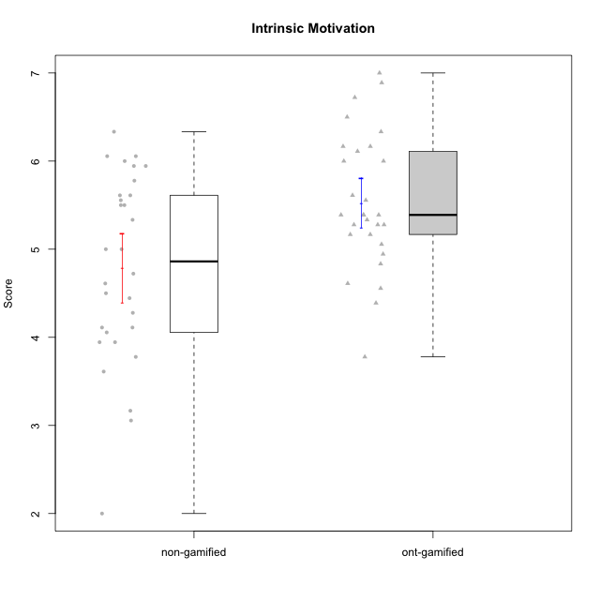

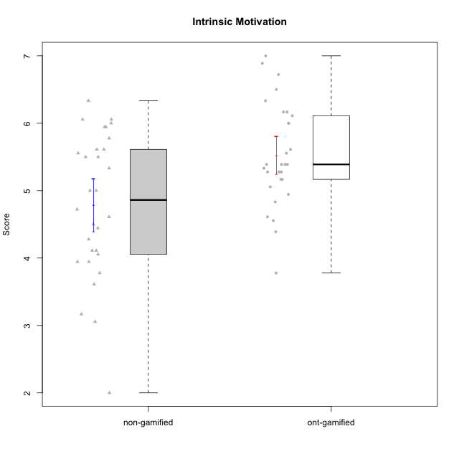

Student's t-Test data
UserID | NroUSP | Type | CLGroup | CLRole | PlayerRole | Item01IE | Item09IE | Item12IE | Item21IE | Item22IE | Item24IE | Item02PC | Item05PC | Item06PC | Item08PC | Item15PC | Item17PC | Item20PC | Item23PC | Item11PT | Item14PT | Item16PT | Item18PT | Interest/Enjoyment | Perceived Choice | Pressure/Tension | Intrinsic Motivation
10169 | 10377538 | ont-gamified | Grupo Hefesto | Master | Yee Achiever | 4 | 6 | 6 | 6 | 6 | 6 | 4 | 6 | 6 | 2 | 2 | 2 | 2 | 6 | 7 | 1 | 4 | 2 | 5.6666666667 | 5.25 | 2 | 5.5555555556
10170 | 10260351 | ont-gamified | Grupo Afrodite | Apprentice | Yee Achiever | 5 | 5 | 5 | 6 | 6 | 4 | 2 | 7 | 1 | 2 | 2 | 1 | 2 | 7 | 7 | 1 | 1 | 1 | 5.1666666667 | 6.5 | 1 | 6.1666666667
10171 | 698531 | non-gamified | Grupo Team 6 | Apprentice |  | 6 | 6 | 6 | 5 | 5 | 6 | 2 | 7 | 2 | 1 | 3 | 2 | 1 | 2 | 6 | 1 | 1 | 1 | 5.6666666667 | 5.75 | 1.25 | 5.9444444444
10172 | 10273971 | non-gamified | Grupo Team 1 | Master |  | 6 | 6 | 5 | 5 | 5 | 4 | 4 | 3 | 2 | 3 | 2 | 2 | 3 | 5 | 7 | 1 | 1 | 1 | 5.1666666667 | 5 | 1 | 5.5
10174 | 10276852 | ont-gamified | Grupo Urano | Master | Yee Achiever | 4 | 5 | 4 | 4 | 6 | 6 | 4 | 4 | 4 | 3 | 4 | 3 | 3 | 4 | 6 | 1 | 1 | 1 | 4.8333333333 | 4.375 | 1.25 | 5.0555555556
10175 | 10310700 | ont-gamified | Grupo Hélio | Master | Yee Socializer | 6 | 6 | 6 | 5 | 5 | 6 | 1 | 7 | 1 | 1 | 1 | 1 | 1 | 6 | 7 | 1 | 1 | 1 | 5.6666666667 | 6.875 | 1 | 6.5
10176 | 10276949 | ont-gamified | Grupo Cronus | Apprentice | Yee Achiever | 5 | 5 | 4 | 4 | 4 | 3 | 5 | 6 | 1 | 1 | 2 | 2 | 2 | 2 | 4 | 2 | 3 | 2 | 4.1666666667 | 5.375 | 2.75 | 4.9444444444
10178 | 8656201 | ont-gamified | Grupo Morfeu | Apprentice | Yee Socializer | 5 | 5 | 5 | 5 | 5 | 5 | 4 | 5 | 2 | 1 | 3 | 1 | 3 | 5 | 5 | 1 | 4 | 1 | 5 | 5.5 | 2.25 | 5.3888888889
10179 | 10310759 | non-gamified | Grupo Team 9 | Master |  | 4 | 4 | 3 | 4 | 4 | 4 | 6 | 3 | 5 | 4 | 5 | 4 | 3 | 3 | 6 | 2 | 2 | 2 | 3.8333333333 | 3.375 | 2 | 4.1111111111
10181 | 10276866 | non-gamified | Grupo Team 10 | Master |  | 5 | 5 | 5 | 5 | 4 | 2 | 2 | 2 | 1 | 3 | 2 | 2 | 2 | 4 | 7 | 1 | 1 | 1 | 4.3333333333 | 5.25 | 1 | 5.3333333333
10183 | 10352030 | ont-gamified | Grupo Hélio | Apprentice | Yee Socializer | 5 | 4 | 4 | 4 | 4 | 3 | 3 | 5 | 2 | 4 | 2 | 2 | 2 | 4 | 5 | 2 | 3 | 3 | 4 | 5.25 | 2.75 | 4.8333333333
10184 | 10276675 | ont-gamified | Grupo Apolo | Master | Yee Socializer | 5 | 5 | 5 | 4 | 4 | 4 | 5 | 7 | 1 | 1 | 4 | 1 | 2 | 4 | 4 | 1 | 3 | 1 | 4.5 | 5.625 | 2.25 | 5.2777777778
10185 | 10276960 | non-gamified | Grupo Team 12 | Apprentice |  | 4 | 4 | 4 | 4 | 4 | 4 | 4 | 3 | 3 | 3 | 4 | 4 | 3 | 4 | 6 | 2 | 2 | 3 | 4 | 4.25 | 2.25 | 4.5
10186 | 10310551 | ont-gamified | Grupo Ares | Apprentice | Yee Achiever | 3 | 6 | 4 | 4 | 5 | 6 | 2 | 4 | 4 | 1 | 1 | 1 | 1 | 5 | 4 | 1 | 4 | 3 | 4.6666666667 | 5.875 | 3 | 5.2777777778
10187 | 9790781 | non-gamified | Grupo Team 15 | Apprentice |  | 7 | 7 | 7 | 7 | 7 | 7 | 1 | 5 | 1 | 3 | 4 | 1 | 1 | 7 | 1 | 1 | 5 | 1 | 7 | 6.125 | 3.5 | 6.0555555556
10188 | 10276995 | non-gamified | Grupo Team 3 | Master |  | 4 | 4 | 4 | 3 | 4 | 4 | 3 | 3 | 3 | 3 | 3 | 3 | 4 | 4 | 6 | 2 | 1 | 1 | 3.8333333333 | 4.5 | 1.5 | 4.7222222222
10189 | 9363926 | ont-gamified | Grupo Hades | Master | Yee Socializer | 2 | 4 | 3 | 6 | 4 | 5 | 4 | 5 | 2 | 1 | 5 | 2 | 1 | 2 | 5 | 4 | 5 | 2 | 4 | 5 | 3.5 | 4.5555555556
10190 | 10276907 | ont-gamified | Grupo Zeus | Apprentice | Yee Socializer | 4 | 5 | 5 | 4 | 4 | 5 | 4 | 7 | 1 | 3 | 1 | 2 | 3 | 4 | 6 | 1 | 2 | 2 | 4.5 | 5.625 | 1.75 | 5.3888888889
10191 | 10276981 | non-gamified | Grupo Team 6 | Master |  | 4 | 6 | 6 | 6 | 5 | 7 | 2 | 6 | 2 | 3 | 6 | 1 | 1 | 4 | 7 | 1 | 2 | 1 | 5.6666666667 | 5.375 | 1.25 | 5.7777777778
10192 | 10276682 | non-gamified | Grupo Team 5 | Apprentice |  | 4 | 7 | 7 | 6 | 6 | 7 | 2 | 7 | 7 | 1 | 7 | 1 | 6 | 4 | 7 | 1 | 1 | 1 | 6.1666666667 | 4.375 | 1 | 5.5555555556
10193 | 10276762 | ont-gamified | Grupo Afrodite | Master | Yee Achiever | 4 | 5 | 5 | 5 | 6 | 4 | 2 | 4 | 5 | 3 | 5 | 3 | 2 | 5 | 6 | 1 | 1 | 1 | 4.8333333333 | 4.625 | 1.25 | 5.1666666667
10195 | 10351971 | ont-gamified | Grupo Urano | Apprentice | Yee Achiever | 5 | 6 | 5 | 6 | 5 | 5 | 4 | 4 | 4 | 1 | 4 | 4 | 2 | 4 | 7 | 1 | 1 | 1 | 5.3333333333 | 4.625 | 1 | 5.3888888889
10196 | 10310655 | ont-gamified | Grupo Hefesto | Apprentice | Yee Achiever | 4 | 4 | 4 | 4 | 4 | 4 | 6 | 2 | 1 | 4 | 7 | 1 | 4 | 4 | 7 | 1 | 1 | 1 | 4 | 3.875 | 1 | 4.6111111111
10197 | 10276661 | ont-gamified | Grupo Gaia | Apprentice | Yee Achiever | 4 | 6 | 4 | 6 | 4 | 5 | 1 | 7 | 2 | 1 | 1 | 1 | 1 | 6 | 7 | 1 | 1 | 1 | 4.8333333333 | 6.75 | 1 | 6.1666666667
10198 | 10310888 | ont-gamified | Grupo Apolo | Apprentice | Yee Socializer | 7 | 7 | 7 | 7 | 7 | 7 | 1 | 7 | 1 | 1 | 1 | 1 | 1 | 7 | 7 | 1 | 1 | 1 | 7 | 7 | 1 | 7
10199 | 10276737 | ont-gamified | Grupo Gaia | Master | Yee Achiever | 4 | 4 | 4 | 4 | 7 | 1 | 1 | 7 | 1 | 1 | 1 | 1 | 1 | 7 | 2 | 3 | 1 | 1 | 4 | 7 | 2.75 | 5.6111111111
10200 | 9795272 | ont-gamified | Grupo Hades | Apprentice | Yee Socializer | 6 | 6 | 7 | 6 | 6 | 7 | 2 | 5 | 2 | 3 | 4 | 2 | 2 | 4 | 7 | 1 | 1 | 1 | 6.3333333333 | 5.25 | 1 | 6
10201 | 10276928 | ont-gamified | Grupo Caronte | Master | Yee Achiever | 5 | 7 | 7 | 7 | 7 | 5 | 2 | 7 | 3 | 2 | 2 | 2 | 1 | 3 | 6 | 3 | 2 | 1 | 6.3333333333 | 5.75 | 2 | 6
10202 | 10277036 | non-gamified | Grupo Team 11 | Apprentice |  | 4 | 4 | 4 | 4 | 4 | 4 | 7 | 4 | 4 | 5 | 4 | 4 | 4 | 3 | 1 | 7 | 7 | 7 | 4 | 3.375 | 7 | 3.0555555556
10203 | 9921470 | non-gamified | Grupo Team 3 | Apprentice |  | 7 | 7 | 7 | 1 | 1 | 1 | 1 | 7 | 1 | 1 | 1 | 1 | 1 | 1 | 7 | 1 | 2 | 1 | 4 | 6.25 | 1.25 | 5.6111111111
10204 | 10310471 | ont-gamified | Grupo Hermes | Master | Yee Achiever | 6 | 7 | 7 | 7 | 7 | 7 | 2 | 7 | 4 | 1 | 1 | 1 | 1 | 7 | 7 | 1 | 1 | 1 | 6.8333333333 | 6.5 | 1 | 6.7222222222
10206 | 10310721 | ont-gamified | Grupo Hera | Master | Yee Achiever | 4 | 6 | 4 | 5 | 5 | 3 | 1 | 7 | 1 | 2 | 2 | 1 | 2 | 6 | 2 | 3 | 3 | 2 | 4.5 | 6.5 | 3.5 | 5.3888888889
10208 | 10276932 | non-gamified | Grupo Team 7 | Apprentice |  | 6 | 6 | 7 | 7 | 6 | 6 | 4 | 7 | 4 | 1 | 2 | 1 | 2 | 5 | 7 | 1 | 4 | 1 | 6.3333333333 | 5.75 | 1.75 | 6.0555555556
10210 | 10277015 | non-gamified | Grupo Team 9 | Apprentice |  | 4 | 5 | 4 | 2 | 2 | 4 | 6 | 3 | 5 | 5 | 6 | 4 | 5 | 2 | 4 | 4 | 4 | 6 | 3.5 | 2.75 | 4.5 | 3.1666666667
10211 | 9311643 | non-gamified | Grupo Team 2 | Master |  | 7 | 7 | 5 | 6 | 6 | 6 | 7 | 3 | 6 | 3 | 6 | 3 | 2 | 5 | 7 | 2 | 2 | 3 | 6.1666666667 | 3.625 | 2 | 5
10212 | 9065750 | non-gamified | Grupo Team 4 | Master |  | 5 | 6 | 6 | 7 | 7 | 7 | 3 | 7 | 3 | 1 | 1 | 2 | 1 | 4 | 6 | 2 | 4 | 2 | 6.3333333333 | 6 | 2.5 | 6
10213 | 10277040 | ont-gamified | Grupo Morfeu | Master | Yee Socializer | 7 | 6 | 5 | 4 | 4 | 7 | 4 | 4 | 1 | 4 | 7 | 1 | 2 | 2 | 7 | 1 | 1 | 1 | 5.5 | 4.375 | 1 | 5.3333333333
10214 | 10277022 | non-gamified | Grupo Team 5 | Master |  | 4 | 4 | 3 | 3 | 3 | 1 | 4 | 4 | 4 | 4 | 5 | 4 | 4 | 2 | 4 | 1 | 1 | 2 | 3 | 3.625 | 2 | 3.9444444444
10215 | 9285227 | ont-gamified | Grupo Zeus | Master | Yee Socializer | 4 | 7 | 4 | 6 | 5 | 4 | 1 | 6 | 1 | 1 | 1 | 1 | 1 | 4 | 7 | 1 | 1 | 1 | 5 | 6.5 | 1 | 6.1111111111
10216 | 10276720 | non-gamified | Grupo Team 15 | Master |  | 4 | 7 | 5 | 5 | 7 | 1 | 1 | 7 | 1 | 1 | 4 | 1 | 3 | 7 | 7 | 2 | 1 | 1 | 4.8333333333 | 6.375 | 1.25 | 5.9444444444
10217 | 9805341 | non-gamified | Grupo Team 13 | Master |  | 3 | 5 | 4 | 5 | 4 | 2 | 2 | 4 | 1 | 1 | 1 | 1 | 2 | 4 | 7 | 1 | 1 | 1 | 3.8333333333 | 6 | 1 | 5.5
10218 | 9842913 | ont-gamified | Grupo Ares | Master | Yee Achiever | 4 | 3 | 3 | 4 | 4 | 2 | 2 | 5 | 4 | 1 | 3 | 3 | 2 | 3 | 3 | 3 | 4 | 2 | 3.3333333333 | 5.125 | 3.5 | 4.3888888889
10219 | 10276831 | non-gamified | Grupo Team 12 | Master |  | 4 | 4 | 4 | 3 | 4 | 3 | 2 | 1 | 4 | 3 | 4 | 4 | 3 | 1 | 7 | 1 | 1 | 1 | 3.6666666667 | 3.75 | 1 | 4.4444444444
10220 | 9760151 | non-gamified | Grupo Team 2 | Apprentice |  | 4 | 7 | 4 | 4 | 7 | 7 | 1 | 7 | 4 | 1 | 1 | 1 | 1 | 7 | 7 | 1 | 1 | 1 | 5.5 | 6.625 | 1 | 6.3333333333
10221 | 9082496 | ont-gamified | Grupo Hermes | Apprentice | Yee Achiever | 4 | 5 | 4 | 5 | 5 | 4 | 3 | 6 | 4 | 1 | 4 | 1 | 4 | 1 | 7 | 1 | 1 | 1 | 4.5 | 4.75 | 1 | 5.1666666667
10222 | 9436110 | non-gamified | Grupo Team 16 | Master |  | 1 | 1 | 1 | 1 | 1 | 1 | 7 | 2 | 6 | 7 | 7 | 6 | 6 | 2 | 3 | 3 | 3 | 4 | 1 | 1.625 | 3.75 | 2
10223 | 9795185 | ont-gamified | Grupo Cronus | Master | Yee Achiever | 6 | 6 | 6 | 7 | 7 | 6 | 2 | 6 | 2 | 1 | 2 | 1 | 3 | 6 | 7 | 1 | 2 | 1 | 6.3333333333 | 6.125 | 1.25 | 6.3333333333
10224 | 9368772 | non-gamified | Grupo Team 10 | Apprentice |  | 6 | 7 | 7 | 7 | 6 | 6 | 4 | 7 | 4 | 7 | 7 | 7 | 3 | 2 | 7 | 1 | 1 | 3 | 6.5 | 3.125 | 1.5 | 5
10226 | 10310342 | non-gamified | Grupo Team 8 | Master |  | 2 | 4 | 4 | 4 | 4 | 5 | 6 | 2 | 4 | 5 | 6 | 4 | 2 | 1 | 7 | 1 | 1 | 3 | 3.8333333333 | 3 | 1.5 | 4.0555555556
10227 | 9274382 | non-gamified | Grupo Team 4 | Apprentice |  | 1 | 2 | 3 | 3 | 6 | 2 | 3 | 6 | 4 | 3 | 5 | 4 | 2 | 3 | 3 | 4 | 4 | 4 | 2.8333333333 | 4.5 | 4.25 | 3.7777777778
10228 | 10310492 | non-gamified | Grupo Team 14 | Apprentice |  | 4 | 4 | 5 | 4 | 4 | 3 | 5 | 4 | 3 | 2 | 3 | 3 | 3 | 3 | 6 | 1 | 2 | 4 | 4 | 4.5 | 2.25 | 4.6111111111
10230 | 10351992 | non-gamified | Grupo Team 14 | Master |  | 1 | 4 | 1 | 6 | 1 | 3 | 2 | 5 | 1 | 5 | 4 | 1 | 5 | 4 | 1 | 1 | 4 | 1 | 2.6666666667 | 4.875 | 3.25 | 4.1111111111
10231 | 10276911 | ont-gamified | Grupo Caronte | Apprentice | Yee Achiever | 7 | 7 | 7 | 7 | 7 | 7 | 1 | 6 | 1 | 1 | 2 | 1 | 1 | 7 | 7 | 1 | 1 | 1 | 7 | 6.75 | 1 | 6.8888888889
10232 | 10276974 | ont-gamified | Grupo Artemis | Master | Yee Achiever | 6 | 4 | 5 | 6 | 5 | 7 | 2 | 5 | 4 | 2 | 4 | 2 | 1 | 4 | 1 | 1 | 2 | 2 | 5.5 | 5.25 | 3 | 5.2777777778
10233 | 9805320 | non-gamified | Grupo Team 16 | Apprentice |  | 2 | 4 | 2 | 1 | 2 | 3 | 7 | 6 | 3 | 3 | 6 | 3 | 5 | 3 | 7 | 1 | 1 | 2 | 2.3333333333 | 3.75 | 1.25 | 3.9444444444
10234 | 10310676 | non-gamified | Grupo Team 7 | Master |  | 2 | 3 | 2 | 6 | 5 | 2 | 2 | 2 | 5 | 4 | 6 | 4 | 3 | 4 | 7 | 2 | 1 | 1 | 3.3333333333 | 3.75 | 1.25 | 4.2777777778
10237 | 10377688 | non-gamified | Grupo Team 11 | Master |  | 6 | 5 | 4 | 6 | 5 | 3 | 3 | 7 | 5 | 2 | 2 | 1 | 2 | 4 | 7 | 1 | 1 | 1 | 4.8333333333 | 5.5 | 1 | 5.6111111111
10238 | 10276953 | non-gamified | Grupo Team 13 | Apprentice |  | 4 | 3 | 4 | 4 | 4 | 4 | 4 | 3 | 5 | 4 | 7 | 5 | 2 | 3 | 4 | 4 | 4 | 5 | 3.8333333333 | 3.375 | 4.25 | 3.6111111111
10240 | 10276654 | ont-gamified | Grupo Hera | Apprentice | Yee Achiever | 4 | 3 | 4 | 2 | 4 | 4 | 6 | 6 | 7 | 5 | 7 | 7 | 7 | 4 | 7 | 1 | 1 | 1 | 3.5 | 2.375 | 1 | 3.7777777778

Type_CLRole_1
Student's t-Test for Intrinsic Motivation in Type:CLRole between non-gamified.Apprentice:non-gamified.Master

Student's t-Test results
Alternative hypothesis: less
Group | N | Mean | Mean.Difference | Std.deviation | Std.error | CI.lower | CI.upper | df | t.value | p.value | g | magnitude
non-gamified.Apprentice | 14 | 4.8015873016 | 0.030753968254 | 1.1472156072 | 0.30660626793 | 4.1883747657 | 5.4147998374 | 26.497602866 | 0.076589496216 | 0.5302372544 | 0.027461347653 | negligible
non-gamified.Master | 16 | 4.7708333333 | -0.030753968254 | 1.037144505 | 0.25928612625 | 4.2522610808 | 5.2894055858 | 26.497602866 | 0.076589496216 | 0.5302372544 | 0.027461347653 | negligible
Alternative hypothesis: greater
Group | N | Mean | Mean.Difference | Std.deviation | Std.error | CI.lower | CI.upper | df | t.value | p.value | g | magnitude
non-gamified.Apprentice | 14 | 4.8015873016 | 0.030753968254 | 1.1472156072 | 0.30660626793 | 4.1883747657 | 5.4147998374 | 26.497602866 | 0.076589496216 | 0.4697627456 | 0.027461347653 | negligible
non-gamified.Master | 16 | 4.7708333333 | -0.030753968254 | 1.037144505 | 0.25928612625 | 4.2522610808 | 5.2894055858 | 26.497602866 | 0.076589496216 | 0.4697627456 | 0.027461347653 | negligible
Alternative hypothesis: two.sided
Group | N | Mean | Mean.Difference | Std.deviation | Std.error | CI.lower | CI.upper | df | t.value | p.value | g | magnitude
non-gamified.Apprentice | 14 | 4.8015873016 | 0.030753968254 | 1.1472156072 | 0.30660626793 | 4.1883747657 | 5.4147998374 | 26.497602866 | 0.076589496216 | 0.93952549121 | 0.027461347653 | negligible
non-gamified.Master | 16 | 4.7708333333 | -0.030753968254 | 1.037144505 | 0.25928612625 | 4.2522610808 | 5.2894055858 | 26.497602866 | 0.076589496216 | 0.93952549121 | 0.027461347653 | negligible

Box plots for Student's t-Test
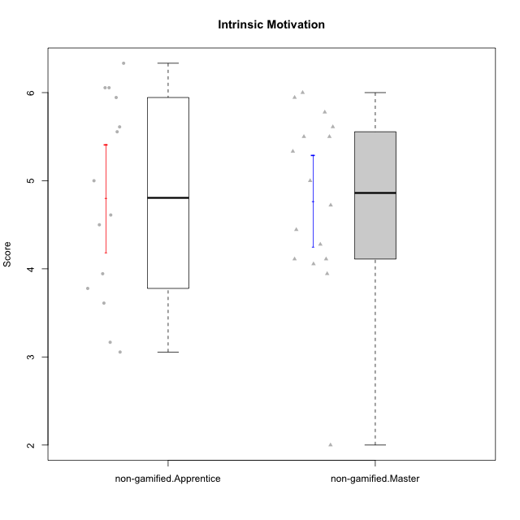

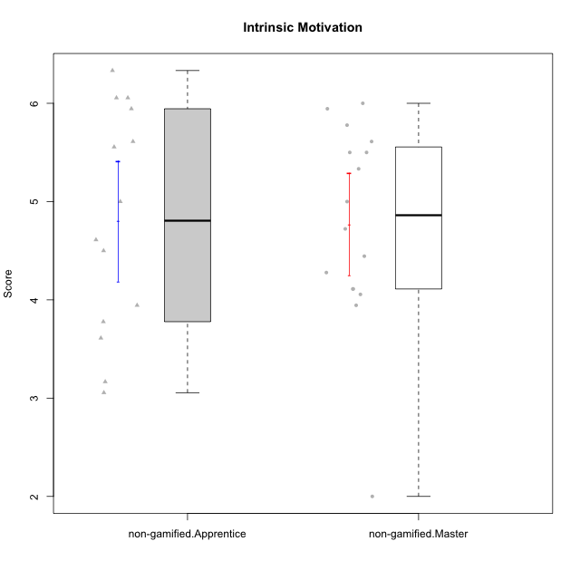

Student's t-Test data
UserID | NroUSP | Type | CLGroup | CLRole | PlayerRole | Item01IE | Item09IE | Item12IE | Item21IE | Item22IE | Item24IE | Item02PC | Item05PC | Item06PC | Item08PC | Item15PC | Item17PC | Item20PC | Item23PC | Item11PT | Item14PT | Item16PT | Item18PT | Interest/Enjoyment | Perceived Choice | Pressure/Tension | Intrinsic Motivation
10171 | 698531 | non-gamified | Grupo Team 6 | Apprentice |  | 6 | 6 | 6 | 5 | 5 | 6 | 2 | 7 | 2 | 1 | 3 | 2 | 1 | 2 | 6 | 1 | 1 | 1 | 5.6666666667 | 5.75 | 1.25 | 5.9444444444
10172 | 10273971 | non-gamified | Grupo Team 1 | Master |  | 6 | 6 | 5 | 5 | 5 | 4 | 4 | 3 | 2 | 3 | 2 | 2 | 3 | 5 | 7 | 1 | 1 | 1 | 5.1666666667 | 5 | 1 | 5.5
10179 | 10310759 | non-gamified | Grupo Team 9 | Master |  | 4 | 4 | 3 | 4 | 4 | 4 | 6 | 3 | 5 | 4 | 5 | 4 | 3 | 3 | 6 | 2 | 2 | 2 | 3.8333333333 | 3.375 | 2 | 4.1111111111
10181 | 10276866 | non-gamified | Grupo Team 10 | Master |  | 5 | 5 | 5 | 5 | 4 | 2 | 2 | 2 | 1 | 3 | 2 | 2 | 2 | 4 | 7 | 1 | 1 | 1 | 4.3333333333 | 5.25 | 1 | 5.3333333333
10185 | 10276960 | non-gamified | Grupo Team 12 | Apprentice |  | 4 | 4 | 4 | 4 | 4 | 4 | 4 | 3 | 3 | 3 | 4 | 4 | 3 | 4 | 6 | 2 | 2 | 3 | 4 | 4.25 | 2.25 | 4.5
10187 | 9790781 | non-gamified | Grupo Team 15 | Apprentice |  | 7 | 7 | 7 | 7 | 7 | 7 | 1 | 5 | 1 | 3 | 4 | 1 | 1 | 7 | 1 | 1 | 5 | 1 | 7 | 6.125 | 3.5 | 6.0555555556
10188 | 10276995 | non-gamified | Grupo Team 3 | Master |  | 4 | 4 | 4 | 3 | 4 | 4 | 3 | 3 | 3 | 3 | 3 | 3 | 4 | 4 | 6 | 2 | 1 | 1 | 3.8333333333 | 4.5 | 1.5 | 4.7222222222
10191 | 10276981 | non-gamified | Grupo Team 6 | Master |  | 4 | 6 | 6 | 6 | 5 | 7 | 2 | 6 | 2 | 3 | 6 | 1 | 1 | 4 | 7 | 1 | 2 | 1 | 5.6666666667 | 5.375 | 1.25 | 5.7777777778
10192 | 10276682 | non-gamified | Grupo Team 5 | Apprentice |  | 4 | 7 | 7 | 6 | 6 | 7 | 2 | 7 | 7 | 1 | 7 | 1 | 6 | 4 | 7 | 1 | 1 | 1 | 6.1666666667 | 4.375 | 1 | 5.5555555556
10202 | 10277036 | non-gamified | Grupo Team 11 | Apprentice |  | 4 | 4 | 4 | 4 | 4 | 4 | 7 | 4 | 4 | 5 | 4 | 4 | 4 | 3 | 1 | 7 | 7 | 7 | 4 | 3.375 | 7 | 3.0555555556
10203 | 9921470 | non-gamified | Grupo Team 3 | Apprentice |  | 7 | 7 | 7 | 1 | 1 | 1 | 1 | 7 | 1 | 1 | 1 | 1 | 1 | 1 | 7 | 1 | 2 | 1 | 4 | 6.25 | 1.25 | 5.6111111111
10208 | 10276932 | non-gamified | Grupo Team 7 | Apprentice |  | 6 | 6 | 7 | 7 | 6 | 6 | 4 | 7 | 4 | 1 | 2 | 1 | 2 | 5 | 7 | 1 | 4 | 1 | 6.3333333333 | 5.75 | 1.75 | 6.0555555556
10210 | 10277015 | non-gamified | Grupo Team 9 | Apprentice |  | 4 | 5 | 4 | 2 | 2 | 4 | 6 | 3 | 5 | 5 | 6 | 4 | 5 | 2 | 4 | 4 | 4 | 6 | 3.5 | 2.75 | 4.5 | 3.1666666667
10211 | 9311643 | non-gamified | Grupo Team 2 | Master |  | 7 | 7 | 5 | 6 | 6 | 6 | 7 | 3 | 6 | 3 | 6 | 3 | 2 | 5 | 7 | 2 | 2 | 3 | 6.1666666667 | 3.625 | 2 | 5
10212 | 9065750 | non-gamified | Grupo Team 4 | Master |  | 5 | 6 | 6 | 7 | 7 | 7 | 3 | 7 | 3 | 1 | 1 | 2 | 1 | 4 | 6 | 2 | 4 | 2 | 6.3333333333 | 6 | 2.5 | 6
10214 | 10277022 | non-gamified | Grupo Team 5 | Master |  | 4 | 4 | 3 | 3 | 3 | 1 | 4 | 4 | 4 | 4 | 5 | 4 | 4 | 2 | 4 | 1 | 1 | 2 | 3 | 3.625 | 2 | 3.9444444444
10216 | 10276720 | non-gamified | Grupo Team 15 | Master |  | 4 | 7 | 5 | 5 | 7 | 1 | 1 | 7 | 1 | 1 | 4 | 1 | 3 | 7 | 7 | 2 | 1 | 1 | 4.8333333333 | 6.375 | 1.25 | 5.9444444444
10217 | 9805341 | non-gamified | Grupo Team 13 | Master |  | 3 | 5 | 4 | 5 | 4 | 2 | 2 | 4 | 1 | 1 | 1 | 1 | 2 | 4 | 7 | 1 | 1 | 1 | 3.8333333333 | 6 | 1 | 5.5
10219 | 10276831 | non-gamified | Grupo Team 12 | Master |  | 4 | 4 | 4 | 3 | 4 | 3 | 2 | 1 | 4 | 3 | 4 | 4 | 3 | 1 | 7 | 1 | 1 | 1 | 3.6666666667 | 3.75 | 1 | 4.4444444444
10220 | 9760151 | non-gamified | Grupo Team 2 | Apprentice |  | 4 | 7 | 4 | 4 | 7 | 7 | 1 | 7 | 4 | 1 | 1 | 1 | 1 | 7 | 7 | 1 | 1 | 1 | 5.5 | 6.625 | 1 | 6.3333333333
10222 | 9436110 | non-gamified | Grupo Team 16 | Master |  | 1 | 1 | 1 | 1 | 1 | 1 | 7 | 2 | 6 | 7 | 7 | 6 | 6 | 2 | 3 | 3 | 3 | 4 | 1 | 1.625 | 3.75 | 2
10224 | 9368772 | non-gamified | Grupo Team 10 | Apprentice |  | 6 | 7 | 7 | 7 | 6 | 6 | 4 | 7 | 4 | 7 | 7 | 7 | 3 | 2 | 7 | 1 | 1 | 3 | 6.5 | 3.125 | 1.5 | 5
10226 | 10310342 | non-gamified | Grupo Team 8 | Master |  | 2 | 4 | 4 | 4 | 4 | 5 | 6 | 2 | 4 | 5 | 6 | 4 | 2 | 1 | 7 | 1 | 1 | 3 | 3.8333333333 | 3 | 1.5 | 4.0555555556
10227 | 9274382 | non-gamified | Grupo Team 4 | Apprentice |  | 1 | 2 | 3 | 3 | 6 | 2 | 3 | 6 | 4 | 3 | 5 | 4 | 2 | 3 | 3 | 4 | 4 | 4 | 2.8333333333 | 4.5 | 4.25 | 3.7777777778
10228 | 10310492 | non-gamified | Grupo Team 14 | Apprentice |  | 4 | 4 | 5 | 4 | 4 | 3 | 5 | 4 | 3 | 2 | 3 | 3 | 3 | 3 | 6 | 1 | 2 | 4 | 4 | 4.5 | 2.25 | 4.6111111111
10230 | 10351992 | non-gamified | Grupo Team 14 | Master |  | 1 | 4 | 1 | 6 | 1 | 3 | 2 | 5 | 1 | 5 | 4 | 1 | 5 | 4 | 1 | 1 | 4 | 1 | 2.6666666667 | 4.875 | 3.25 | 4.1111111111
10233 | 9805320 | non-gamified | Grupo Team 16 | Apprentice |  | 2 | 4 | 2 | 1 | 2 | 3 | 7 | 6 | 3 | 3 | 6 | 3 | 5 | 3 | 7 | 1 | 1 | 2 | 2.3333333333 | 3.75 | 1.25 | 3.9444444444
10234 | 10310676 | non-gamified | Grupo Team 7 | Master |  | 2 | 3 | 2 | 6 | 5 | 2 | 2 | 2 | 5 | 4 | 6 | 4 | 3 | 4 | 7 | 2 | 1 | 1 | 3.3333333333 | 3.75 | 1.25 | 4.2777777778
10237 | 10377688 | non-gamified | Grupo Team 11 | Master |  | 6 | 5 | 4 | 6 | 5 | 3 | 3 | 7 | 5 | 2 | 2 | 1 | 2 | 4 | 7 | 1 | 1 | 1 | 4.8333333333 | 5.5 | 1 | 5.6111111111
10238 | 10276953 | non-gamified | Grupo Team 13 | Apprentice |  | 4 | 3 | 4 | 4 | 4 | 4 | 4 | 3 | 5 | 4 | 7 | 5 | 2 | 3 | 4 | 4 | 4 | 5 | 3.8333333333 | 3.375 | 4.25 | 3.6111111111

Type_CLRole_2
Student's t-Test for Intrinsic Motivation in Type:CLRole between non-gamified.Apprentice:ont-gamified.Apprentice

Student's t-Test results
Alternative hypothesis: less
Group | N | Mean | Mean.Difference | Std.deviation | Std.error | CI.lower | CI.upper | df | t.value | p.value | g | magnitude
non-gamified.Apprentice | 14 | 4.8015873016 | -0.69841269841 | 1.1472156072 | 0.30660626793 | 4.1883747657 | 5.4147998374 | 24.340639862 | -1.8088002118 | 0.041426095018 | -0.663749727 | medium
ont-gamified.Apprentice | 14 | 5.5 | 0.69841269841 | 0.87814013942 | 0.23469282423 | 5.0306143515 | 5.9693856485 | 24.340639862 | -1.8088002118 | 0.041426095018 | -0.663749727 | medium
Alternative hypothesis: greater
Group | N | Mean | Mean.Difference | Std.deviation | Std.error | CI.lower | CI.upper | df | t.value | p.value | g | magnitude
non-gamified.Apprentice | 14 | 4.8015873016 | -0.69841269841 | 1.1472156072 | 0.30660626793 | 4.1883747657 | 5.4147998374 | 24.340639862 | -1.8088002118 | 0.95857390498 | -0.663749727 | medium
ont-gamified.Apprentice | 14 | 5.5 | 0.69841269841 | 0.87814013942 | 0.23469282423 | 5.0306143515 | 5.9693856485 | 24.340639862 | -1.8088002118 | 0.95857390498 | -0.663749727 | medium
Alternative hypothesis: two.sided
Group | N | Mean | Mean.Difference | Std.deviation | Std.error | CI.lower | CI.upper | df | t.value | p.value | g | magnitude
non-gamified.Apprentice | 14 | 4.8015873016 | -0.69841269841 | 1.1472156072 | 0.30660626793 | 4.1883747657 | 5.4147998374 | 24.340639862 | -1.8088002118 | 0.082852190036 | -0.663749727 | medium
ont-gamified.Apprentice | 14 | 5.5 | 0.69841269841 | 0.87814013942 | 0.23469282423 | 5.0306143515 | 5.9693856485 | 24.340639862 | -1.8088002118 | 0.082852190036 | -0.663749727 | medium

Box plots for Student's t-Test
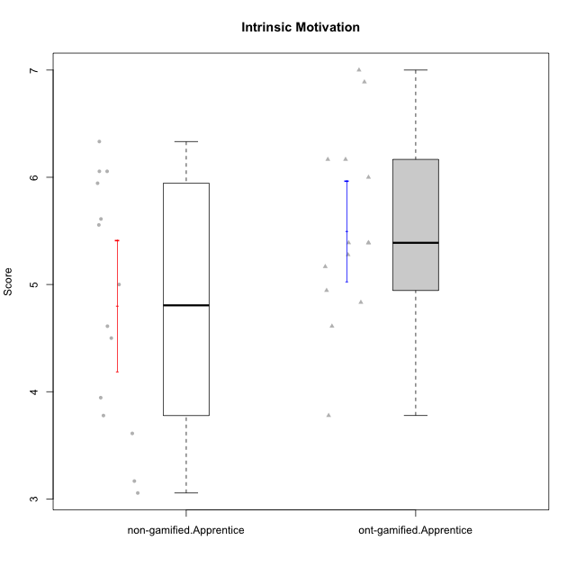

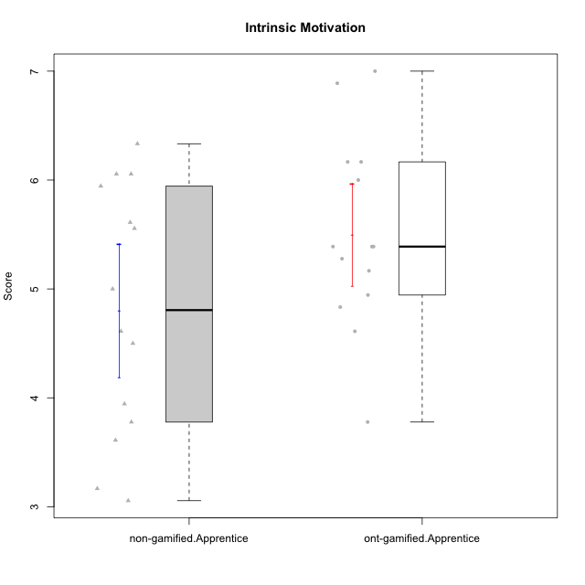

Student's t-Test data
UserID | NroUSP | Type | CLGroup | CLRole | PlayerRole | Item01IE | Item09IE | Item12IE | Item21IE | Item22IE | Item24IE | Item02PC | Item05PC | Item06PC | Item08PC | Item15PC | Item17PC | Item20PC | Item23PC | Item11PT | Item14PT | Item16PT | Item18PT | Interest/Enjoyment | Perceived Choice | Pressure/Tension | Intrinsic Motivation
10170 | 10260351 | ont-gamified | Grupo Afrodite | Apprentice | Yee Achiever | 5 | 5 | 5 | 6 | 6 | 4 | 2 | 7 | 1 | 2 | 2 | 1 | 2 | 7 | 7 | 1 | 1 | 1 | 5.1666666667 | 6.5 | 1 | 6.1666666667
10171 | 698531 | non-gamified | Grupo Team 6 | Apprentice |  | 6 | 6 | 6 | 5 | 5 | 6 | 2 | 7 | 2 | 1 | 3 | 2 | 1 | 2 | 6 | 1 | 1 | 1 | 5.6666666667 | 5.75 | 1.25 | 5.9444444444
10176 | 10276949 | ont-gamified | Grupo Cronus | Apprentice | Yee Achiever | 5 | 5 | 4 | 4 | 4 | 3 | 5 | 6 | 1 | 1 | 2 | 2 | 2 | 2 | 4 | 2 | 3 | 2 | 4.1666666667 | 5.375 | 2.75 | 4.9444444444
10178 | 8656201 | ont-gamified | Grupo Morfeu | Apprentice | Yee Socializer | 5 | 5 | 5 | 5 | 5 | 5 | 4 | 5 | 2 | 1 | 3 | 1 | 3 | 5 | 5 | 1 | 4 | 1 | 5 | 5.5 | 2.25 | 5.3888888889
10183 | 10352030 | ont-gamified | Grupo Hélio | Apprentice | Yee Socializer | 5 | 4 | 4 | 4 | 4 | 3 | 3 | 5 | 2 | 4 | 2 | 2 | 2 | 4 | 5 | 2 | 3 | 3 | 4 | 5.25 | 2.75 | 4.8333333333
10185 | 10276960 | non-gamified | Grupo Team 12 | Apprentice |  | 4 | 4 | 4 | 4 | 4 | 4 | 4 | 3 | 3 | 3 | 4 | 4 | 3 | 4 | 6 | 2 | 2 | 3 | 4 | 4.25 | 2.25 | 4.5
10186 | 10310551 | ont-gamified | Grupo Ares | Apprentice | Yee Achiever | 3 | 6 | 4 | 4 | 5 | 6 | 2 | 4 | 4 | 1 | 1 | 1 | 1 | 5 | 4 | 1 | 4 | 3 | 4.6666666667 | 5.875 | 3 | 5.2777777778
10187 | 9790781 | non-gamified | Grupo Team 15 | Apprentice |  | 7 | 7 | 7 | 7 | 7 | 7 | 1 | 5 | 1 | 3 | 4 | 1 | 1 | 7 | 1 | 1 | 5 | 1 | 7 | 6.125 | 3.5 | 6.0555555556
10190 | 10276907 | ont-gamified | Grupo Zeus | Apprentice | Yee Socializer | 4 | 5 | 5 | 4 | 4 | 5 | 4 | 7 | 1 | 3 | 1 | 2 | 3 | 4 | 6 | 1 | 2 | 2 | 4.5 | 5.625 | 1.75 | 5.3888888889
10192 | 10276682 | non-gamified | Grupo Team 5 | Apprentice |  | 4 | 7 | 7 | 6 | 6 | 7 | 2 | 7 | 7 | 1 | 7 | 1 | 6 | 4 | 7 | 1 | 1 | 1 | 6.1666666667 | 4.375 | 1 | 5.5555555556
10195 | 10351971 | ont-gamified | Grupo Urano | Apprentice | Yee Achiever | 5 | 6 | 5 | 6 | 5 | 5 | 4 | 4 | 4 | 1 | 4 | 4 | 2 | 4 | 7 | 1 | 1 | 1 | 5.3333333333 | 4.625 | 1 | 5.3888888889
10196 | 10310655 | ont-gamified | Grupo Hefesto | Apprentice | Yee Achiever | 4 | 4 | 4 | 4 | 4 | 4 | 6 | 2 | 1 | 4 | 7 | 1 | 4 | 4 | 7 | 1 | 1 | 1 | 4 | 3.875 | 1 | 4.6111111111
10197 | 10276661 | ont-gamified | Grupo Gaia | Apprentice | Yee Achiever | 4 | 6 | 4 | 6 | 4 | 5 | 1 | 7 | 2 | 1 | 1 | 1 | 1 | 6 | 7 | 1 | 1 | 1 | 4.8333333333 | 6.75 | 1 | 6.1666666667
10198 | 10310888 | ont-gamified | Grupo Apolo | Apprentice | Yee Socializer | 7 | 7 | 7 | 7 | 7 | 7 | 1 | 7 | 1 | 1 | 1 | 1 | 1 | 7 | 7 | 1 | 1 | 1 | 7 | 7 | 1 | 7
10200 | 9795272 | ont-gamified | Grupo Hades | Apprentice | Yee Socializer | 6 | 6 | 7 | 6 | 6 | 7 | 2 | 5 | 2 | 3 | 4 | 2 | 2 | 4 | 7 | 1 | 1 | 1 | 6.3333333333 | 5.25 | 1 | 6
10202 | 10277036 | non-gamified | Grupo Team 11 | Apprentice |  | 4 | 4 | 4 | 4 | 4 | 4 | 7 | 4 | 4 | 5 | 4 | 4 | 4 | 3 | 1 | 7 | 7 | 7 | 4 | 3.375 | 7 | 3.0555555556
10203 | 9921470 | non-gamified | Grupo Team 3 | Apprentice |  | 7 | 7 | 7 | 1 | 1 | 1 | 1 | 7 | 1 | 1 | 1 | 1 | 1 | 1 | 7 | 1 | 2 | 1 | 4 | 6.25 | 1.25 | 5.6111111111
10208 | 10276932 | non-gamified | Grupo Team 7 | Apprentice |  | 6 | 6 | 7 | 7 | 6 | 6 | 4 | 7 | 4 | 1 | 2 | 1 | 2 | 5 | 7 | 1 | 4 | 1 | 6.3333333333 | 5.75 | 1.75 | 6.0555555556
10210 | 10277015 | non-gamified | Grupo Team 9 | Apprentice |  | 4 | 5 | 4 | 2 | 2 | 4 | 6 | 3 | 5 | 5 | 6 | 4 | 5 | 2 | 4 | 4 | 4 | 6 | 3.5 | 2.75 | 4.5 | 3.1666666667
10220 | 9760151 | non-gamified | Grupo Team 2 | Apprentice |  | 4 | 7 | 4 | 4 | 7 | 7 | 1 | 7 | 4 | 1 | 1 | 1 | 1 | 7 | 7 | 1 | 1 | 1 | 5.5 | 6.625 | 1 | 6.3333333333
10221 | 9082496 | ont-gamified | Grupo Hermes | Apprentice | Yee Achiever | 4 | 5 | 4 | 5 | 5 | 4 | 3 | 6 | 4 | 1 | 4 | 1 | 4 | 1 | 7 | 1 | 1 | 1 | 4.5 | 4.75 | 1 | 5.1666666667
10224 | 9368772 | non-gamified | Grupo Team 10 | Apprentice |  | 6 | 7 | 7 | 7 | 6 | 6 | 4 | 7 | 4 | 7 | 7 | 7 | 3 | 2 | 7 | 1 | 1 | 3 | 6.5 | 3.125 | 1.5 | 5
10227 | 9274382 | non-gamified | Grupo Team 4 | Apprentice |  | 1 | 2 | 3 | 3 | 6 | 2 | 3 | 6 | 4 | 3 | 5 | 4 | 2 | 3 | 3 | 4 | 4 | 4 | 2.8333333333 | 4.5 | 4.25 | 3.7777777778
10228 | 10310492 | non-gamified | Grupo Team 14 | Apprentice |  | 4 | 4 | 5 | 4 | 4 | 3 | 5 | 4 | 3 | 2 | 3 | 3 | 3 | 3 | 6 | 1 | 2 | 4 | 4 | 4.5 | 2.25 | 4.6111111111
10231 | 10276911 | ont-gamified | Grupo Caronte | Apprentice | Yee Achiever | 7 | 7 | 7 | 7 | 7 | 7 | 1 | 6 | 1 | 1 | 2 | 1 | 1 | 7 | 7 | 1 | 1 | 1 | 7 | 6.75 | 1 | 6.8888888889
10233 | 9805320 | non-gamified | Grupo Team 16 | Apprentice |  | 2 | 4 | 2 | 1 | 2 | 3 | 7 | 6 | 3 | 3 | 6 | 3 | 5 | 3 | 7 | 1 | 1 | 2 | 2.3333333333 | 3.75 | 1.25 | 3.9444444444
10238 | 10276953 | non-gamified | Grupo Team 13 | Apprentice |  | 4 | 3 | 4 | 4 | 4 | 4 | 4 | 3 | 5 | 4 | 7 | 5 | 2 | 3 | 4 | 4 | 4 | 5 | 3.8333333333 | 3.375 | 4.25 | 3.6111111111
10240 | 10276654 | ont-gamified | Grupo Hera | Apprentice | Yee Achiever | 4 | 3 | 4 | 2 | 4 | 4 | 6 | 6 | 7 | 5 | 7 | 7 | 7 | 4 | 7 | 1 | 1 | 1 | 3.5 | 2.375 | 1 | 3.7777777778

Type_CLRole_3
Student's t-Test for Intrinsic Motivation in Type:CLRole between non-gamified.Apprentice:ont-gamified.Master

Student's t-Test results
Alternative hypothesis: less
Group | N | Mean | Mean.Difference | Std.deviation | Std.error | CI.lower | CI.upper | df | t.value | p.value | g | magnitude
non-gamified.Apprentice | 14 | 4.8015873016 | -0.75026455026 | 1.1472156072 | 0.30660626793 | 4.1883747657 | 5.4147998374 | 20.728759811 | -2.1280574776 | 0.022750433 | -0.78214448379 | medium
ont-gamified.Master | 15 | 5.5518518519 | 0.75026455026 | 0.67405517736 | 0.17404029842 | 5.203771255 | 5.8999324487 | 20.728759811 | -2.1280574776 | 0.022750433 | -0.78214448379 | medium
Alternative hypothesis: greater
Group | N | Mean | Mean.Difference | Std.deviation | Std.error | CI.lower | CI.upper | df | t.value | p.value | g | magnitude
non-gamified.Apprentice | 14 | 4.8015873016 | -0.75026455026 | 1.1472156072 | 0.30660626793 | 4.1883747657 | 5.4147998374 | 20.728759811 | -2.1280574776 | 0.977249567 | -0.78214448379 | medium
ont-gamified.Master | 15 | 5.5518518519 | 0.75026455026 | 0.67405517736 | 0.17404029842 | 5.203771255 | 5.8999324487 | 20.728759811 | -2.1280574776 | 0.977249567 | -0.78214448379 | medium
Alternative hypothesis: two.sided
Group | N | Mean | Mean.Difference | Std.deviation | Std.error | CI.lower | CI.upper | df | t.value | p.value | g | magnitude
non-gamified.Apprentice | 14 | 4.8015873016 | -0.75026455026 | 1.1472156072 | 0.30660626793 | 4.1883747657 | 5.4147998374 | 20.728759811 | -2.1280574776 | 0.045500866 | -0.78214448379 | medium
ont-gamified.Master | 15 | 5.5518518519 | 0.75026455026 | 0.67405517736 | 0.17404029842 | 5.203771255 | 5.8999324487 | 20.728759811 | -2.1280574776 | 0.045500866 | -0.78214448379 | medium

Box plots for Student's t-Test
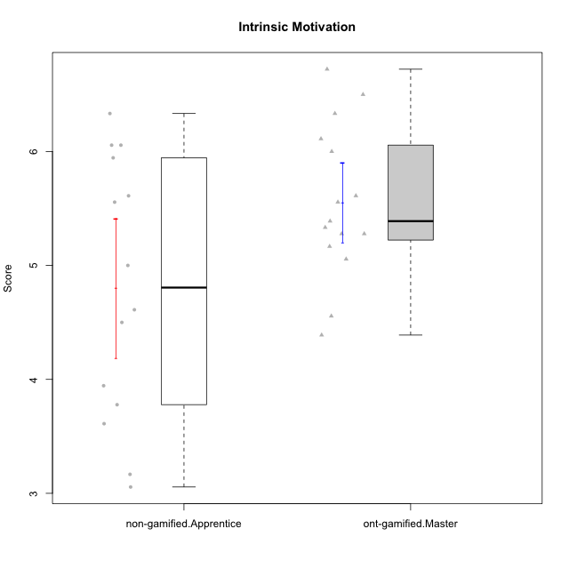

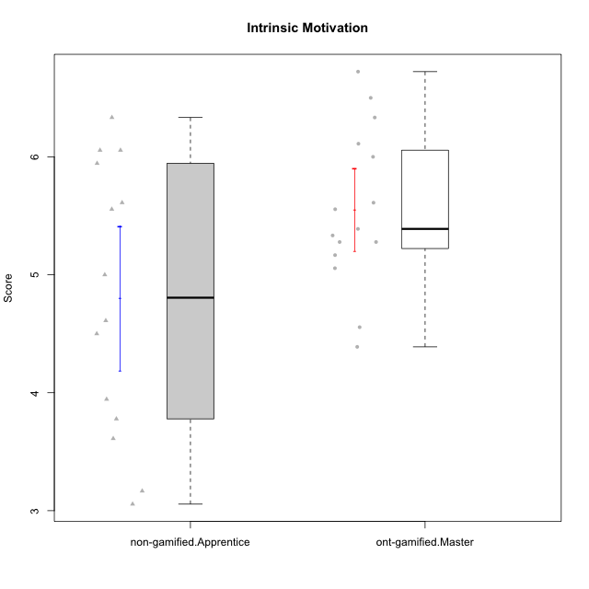

Student's t-Test data
UserID | NroUSP | Type | CLGroup | CLRole | PlayerRole | Item01IE | Item09IE | Item12IE | Item21IE | Item22IE | Item24IE | Item02PC | Item05PC | Item06PC | Item08PC | Item15PC | Item17PC | Item20PC | Item23PC | Item11PT | Item14PT | Item16PT | Item18PT | Interest/Enjoyment | Perceived Choice | Pressure/Tension | Intrinsic Motivation
10169 | 10377538 | ont-gamified | Grupo Hefesto | Master | Yee Achiever | 4 | 6 | 6 | 6 | 6 | 6 | 4 | 6 | 6 | 2 | 2 | 2 | 2 | 6 | 7 | 1 | 4 | 2 | 5.6666666667 | 5.25 | 2 | 5.5555555556
10171 | 698531 | non-gamified | Grupo Team 6 | Apprentice |  | 6 | 6 | 6 | 5 | 5 | 6 | 2 | 7 | 2 | 1 | 3 | 2 | 1 | 2 | 6 | 1 | 1 | 1 | 5.6666666667 | 5.75 | 1.25 | 5.9444444444
10174 | 10276852 | ont-gamified | Grupo Urano | Master | Yee Achiever | 4 | 5 | 4 | 4 | 6 | 6 | 4 | 4 | 4 | 3 | 4 | 3 | 3 | 4 | 6 | 1 | 1 | 1 | 4.8333333333 | 4.375 | 1.25 | 5.0555555556
10175 | 10310700 | ont-gamified | Grupo Hélio | Master | Yee Socializer | 6 | 6 | 6 | 5 | 5 | 6 | 1 | 7 | 1 | 1 | 1 | 1 | 1 | 6 | 7 | 1 | 1 | 1 | 5.6666666667 | 6.875 | 1 | 6.5
10184 | 10276675 | ont-gamified | Grupo Apolo | Master | Yee Socializer | 5 | 5 | 5 | 4 | 4 | 4 | 5 | 7 | 1 | 1 | 4 | 1 | 2 | 4 | 4 | 1 | 3 | 1 | 4.5 | 5.625 | 2.25 | 5.2777777778
10185 | 10276960 | non-gamified | Grupo Team 12 | Apprentice |  | 4 | 4 | 4 | 4 | 4 | 4 | 4 | 3 | 3 | 3 | 4 | 4 | 3 | 4 | 6 | 2 | 2 | 3 | 4 | 4.25 | 2.25 | 4.5
10187 | 9790781 | non-gamified | Grupo Team 15 | Apprentice |  | 7 | 7 | 7 | 7 | 7 | 7 | 1 | 5 | 1 | 3 | 4 | 1 | 1 | 7 | 1 | 1 | 5 | 1 | 7 | 6.125 | 3.5 | 6.0555555556
10189 | 9363926 | ont-gamified | Grupo Hades | Master | Yee Socializer | 2 | 4 | 3 | 6 | 4 | 5 | 4 | 5 | 2 | 1 | 5 | 2 | 1 | 2 | 5 | 4 | 5 | 2 | 4 | 5 | 3.5 | 4.5555555556
10192 | 10276682 | non-gamified | Grupo Team 5 | Apprentice |  | 4 | 7 | 7 | 6 | 6 | 7 | 2 | 7 | 7 | 1 | 7 | 1 | 6 | 4 | 7 | 1 | 1 | 1 | 6.1666666667 | 4.375 | 1 | 5.5555555556
10193 | 10276762 | ont-gamified | Grupo Afrodite | Master | Yee Achiever | 4 | 5 | 5 | 5 | 6 | 4 | 2 | 4 | 5 | 3 | 5 | 3 | 2 | 5 | 6 | 1 | 1 | 1 | 4.8333333333 | 4.625 | 1.25 | 5.1666666667
10199 | 10276737 | ont-gamified | Grupo Gaia | Master | Yee Achiever | 4 | 4 | 4 | 4 | 7 | 1 | 1 | 7 | 1 | 1 | 1 | 1 | 1 | 7 | 2 | 3 | 1 | 1 | 4 | 7 | 2.75 | 5.6111111111
10201 | 10276928 | ont-gamified | Grupo Caronte | Master | Yee Achiever | 5 | 7 | 7 | 7 | 7 | 5 | 2 | 7 | 3 | 2 | 2 | 2 | 1 | 3 | 6 | 3 | 2 | 1 | 6.3333333333 | 5.75 | 2 | 6
10202 | 10277036 | non-gamified | Grupo Team 11 | Apprentice |  | 4 | 4 | 4 | 4 | 4 | 4 | 7 | 4 | 4 | 5 | 4 | 4 | 4 | 3 | 1 | 7 | 7 | 7 | 4 | 3.375 | 7 | 3.0555555556
10203 | 9921470 | non-gamified | Grupo Team 3 | Apprentice |  | 7 | 7 | 7 | 1 | 1 | 1 | 1 | 7 | 1 | 1 | 1 | 1 | 1 | 1 | 7 | 1 | 2 | 1 | 4 | 6.25 | 1.25 | 5.6111111111
10204 | 10310471 | ont-gamified | Grupo Hermes | Master | Yee Achiever | 6 | 7 | 7 | 7 | 7 | 7 | 2 | 7 | 4 | 1 | 1 | 1 | 1 | 7 | 7 | 1 | 1 | 1 | 6.8333333333 | 6.5 | 1 | 6.7222222222
10206 | 10310721 | ont-gamified | Grupo Hera | Master | Yee Achiever | 4 | 6 | 4 | 5 | 5 | 3 | 1 | 7 | 1 | 2 | 2 | 1 | 2 | 6 | 2 | 3 | 3 | 2 | 4.5 | 6.5 | 3.5 | 5.3888888889
10208 | 10276932 | non-gamified | Grupo Team 7 | Apprentice |  | 6 | 6 | 7 | 7 | 6 | 6 | 4 | 7 | 4 | 1 | 2 | 1 | 2 | 5 | 7 | 1 | 4 | 1 | 6.3333333333 | 5.75 | 1.75 | 6.0555555556
10210 | 10277015 | non-gamified | Grupo Team 9 | Apprentice |  | 4 | 5 | 4 | 2 | 2 | 4 | 6 | 3 | 5 | 5 | 6 | 4 | 5 | 2 | 4 | 4 | 4 | 6 | 3.5 | 2.75 | 4.5 | 3.1666666667
10213 | 10277040 | ont-gamified | Grupo Morfeu | Master | Yee Socializer | 7 | 6 | 5 | 4 | 4 | 7 | 4 | 4 | 1 | 4 | 7 | 1 | 2 | 2 | 7 | 1 | 1 | 1 | 5.5 | 4.375 | 1 | 5.3333333333
10215 | 9285227 | ont-gamified | Grupo Zeus | Master | Yee Socializer | 4 | 7 | 4 | 6 | 5 | 4 | 1 | 6 | 1 | 1 | 1 | 1 | 1 | 4 | 7 | 1 | 1 | 1 | 5 | 6.5 | 1 | 6.1111111111
10218 | 9842913 | ont-gamified | Grupo Ares | Master | Yee Achiever | 4 | 3 | 3 | 4 | 4 | 2 | 2 | 5 | 4 | 1 | 3 | 3 | 2 | 3 | 3 | 3 | 4 | 2 | 3.3333333333 | 5.125 | 3.5 | 4.3888888889
10220 | 9760151 | non-gamified | Grupo Team 2 | Apprentice |  | 4 | 7 | 4 | 4 | 7 | 7 | 1 | 7 | 4 | 1 | 1 | 1 | 1 | 7 | 7 | 1 | 1 | 1 | 5.5 | 6.625 | 1 | 6.3333333333
10223 | 9795185 | ont-gamified | Grupo Cronus | Master | Yee Achiever | 6 | 6 | 6 | 7 | 7 | 6 | 2 | 6 | 2 | 1 | 2 | 1 | 3 | 6 | 7 | 1 | 2 | 1 | 6.3333333333 | 6.125 | 1.25 | 6.3333333333
10224 | 9368772 | non-gamified | Grupo Team 10 | Apprentice |  | 6 | 7 | 7 | 7 | 6 | 6 | 4 | 7 | 4 | 7 | 7 | 7 | 3 | 2 | 7 | 1 | 1 | 3 | 6.5 | 3.125 | 1.5 | 5
10227 | 9274382 | non-gamified | Grupo Team 4 | Apprentice |  | 1 | 2 | 3 | 3 | 6 | 2 | 3 | 6 | 4 | 3 | 5 | 4 | 2 | 3 | 3 | 4 | 4 | 4 | 2.8333333333 | 4.5 | 4.25 | 3.7777777778
10228 | 10310492 | non-gamified | Grupo Team 14 | Apprentice |  | 4 | 4 | 5 | 4 | 4 | 3 | 5 | 4 | 3 | 2 | 3 | 3 | 3 | 3 | 6 | 1 | 2 | 4 | 4 | 4.5 | 2.25 | 4.6111111111
10232 | 10276974 | ont-gamified | Grupo Artemis | Master | Yee Achiever | 6 | 4 | 5 | 6 | 5 | 7 | 2 | 5 | 4 | 2 | 4 | 2 | 1 | 4 | 1 | 1 | 2 | 2 | 5.5 | 5.25 | 3 | 5.2777777778
10233 | 9805320 | non-gamified | Grupo Team 16 | Apprentice |  | 2 | 4 | 2 | 1 | 2 | 3 | 7 | 6 | 3 | 3 | 6 | 3 | 5 | 3 | 7 | 1 | 1 | 2 | 2.3333333333 | 3.75 | 1.25 | 3.9444444444
10238 | 10276953 | non-gamified | Grupo Team 13 | Apprentice |  | 4 | 3 | 4 | 4 | 4 | 4 | 4 | 3 | 5 | 4 | 7 | 5 | 2 | 3 | 4 | 4 | 4 | 5 | 3.8333333333 | 3.375 | 4.25 | 3.6111111111

Type_CLRole_4
Student's t-Test for Intrinsic Motivation in Type:CLRole between non-gamified.Master:ont-gamified.Apprentice

Student's t-Test results
Alternative hypothesis: less
Group | N | Mean | Mean.Difference | Std.deviation | Std.error | CI.lower | CI.upper | df | t.value | p.value | g | magnitude
non-gamified.Master | 16 | 4.7708333333 | -0.72916666667 | 1.037144505 | 0.25928612625 | 4.2522610808 | 5.2894055858 | 27.978113794 | -2.0849507164 | 0.023159128636 | -0.73398981787 | medium
ont-gamified.Apprentice | 14 | 5.5 | 0.72916666667 | 0.87814013942 | 0.23469282423 | 5.0306143515 | 5.9693856485 | 27.978113794 | -2.0849507164 | 0.023159128636 | -0.73398981787 | medium
Alternative hypothesis: greater
Group | N | Mean | Mean.Difference | Std.deviation | Std.error | CI.lower | CI.upper | df | t.value | p.value | g | magnitude
non-gamified.Master | 16 | 4.7708333333 | -0.72916666667 | 1.037144505 | 0.25928612625 | 4.2522610808 | 5.2894055858 | 27.978113794 | -2.0849507164 | 0.97684087136 | -0.73398981787 | medium
ont-gamified.Apprentice | 14 | 5.5 | 0.72916666667 | 0.87814013942 | 0.23469282423 | 5.0306143515 | 5.9693856485 | 27.978113794 | -2.0849507164 | 0.97684087136 | -0.73398981787 | medium
Alternative hypothesis: two.sided
Group | N | Mean | Mean.Difference | Std.deviation | Std.error | CI.lower | CI.upper | df | t.value | p.value | g | magnitude
non-gamified.Master | 16 | 4.7708333333 | -0.72916666667 | 1.037144505 | 0.25928612625 | 4.2522610808 | 5.2894055858 | 27.978113794 | -2.0849507164 | 0.046318257272 | -0.73398981787 | medium
ont-gamified.Apprentice | 14 | 5.5 | 0.72916666667 | 0.87814013942 | 0.23469282423 | 5.0306143515 | 5.9693856485 | 27.978113794 | -2.0849507164 | 0.046318257272 | -0.73398981787 | medium

Box plots for Student's t-Test
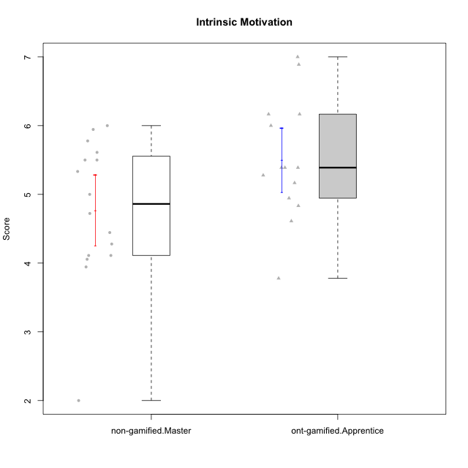

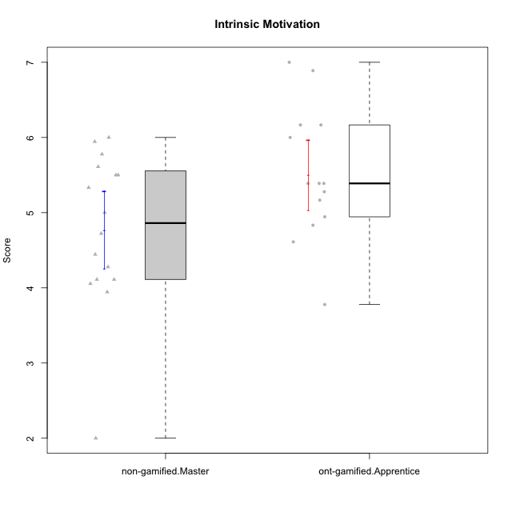

Student's t-Test data
UserID | NroUSP | Type | CLGroup | CLRole | PlayerRole | Item01IE | Item09IE | Item12IE | Item21IE | Item22IE | Item24IE | Item02PC | Item05PC | Item06PC | Item08PC | Item15PC | Item17PC | Item20PC | Item23PC | Item11PT | Item14PT | Item16PT | Item18PT | Interest/Enjoyment | Perceived Choice | Pressure/Tension | Intrinsic Motivation
10170 | 10260351 | ont-gamified | Grupo Afrodite | Apprentice | Yee Achiever | 5 | 5 | 5 | 6 | 6 | 4 | 2 | 7 | 1 | 2 | 2 | 1 | 2 | 7 | 7 | 1 | 1 | 1 | 5.1666666667 | 6.5 | 1 | 6.1666666667
10172 | 10273971 | non-gamified | Grupo Team 1 | Master |  | 6 | 6 | 5 | 5 | 5 | 4 | 4 | 3 | 2 | 3 | 2 | 2 | 3 | 5 | 7 | 1 | 1 | 1 | 5.1666666667 | 5 | 1 | 5.5
10176 | 10276949 | ont-gamified | Grupo Cronus | Apprentice | Yee Achiever | 5 | 5 | 4 | 4 | 4 | 3 | 5 | 6 | 1 | 1 | 2 | 2 | 2 | 2 | 4 | 2 | 3 | 2 | 4.1666666667 | 5.375 | 2.75 | 4.9444444444
10178 | 8656201 | ont-gamified | Grupo Morfeu | Apprentice | Yee Socializer | 5 | 5 | 5 | 5 | 5 | 5 | 4 | 5 | 2 | 1 | 3 | 1 | 3 | 5 | 5 | 1 | 4 | 1 | 5 | 5.5 | 2.25 | 5.3888888889
10179 | 10310759 | non-gamified | Grupo Team 9 | Master |  | 4 | 4 | 3 | 4 | 4 | 4 | 6 | 3 | 5 | 4 | 5 | 4 | 3 | 3 | 6 | 2 | 2 | 2 | 3.8333333333 | 3.375 | 2 | 4.1111111111
10181 | 10276866 | non-gamified | Grupo Team 10 | Master |  | 5 | 5 | 5 | 5 | 4 | 2 | 2 | 2 | 1 | 3 | 2 | 2 | 2 | 4 | 7 | 1 | 1 | 1 | 4.3333333333 | 5.25 | 1 | 5.3333333333
10183 | 10352030 | ont-gamified | Grupo Hélio | Apprentice | Yee Socializer | 5 | 4 | 4 | 4 | 4 | 3 | 3 | 5 | 2 | 4 | 2 | 2 | 2 | 4 | 5 | 2 | 3 | 3 | 4 | 5.25 | 2.75 | 4.8333333333
10186 | 10310551 | ont-gamified | Grupo Ares | Apprentice | Yee Achiever | 3 | 6 | 4 | 4 | 5 | 6 | 2 | 4 | 4 | 1 | 1 | 1 | 1 | 5 | 4 | 1 | 4 | 3 | 4.6666666667 | 5.875 | 3 | 5.2777777778
10188 | 10276995 | non-gamified | Grupo Team 3 | Master |  | 4 | 4 | 4 | 3 | 4 | 4 | 3 | 3 | 3 | 3 | 3 | 3 | 4 | 4 | 6 | 2 | 1 | 1 | 3.8333333333 | 4.5 | 1.5 | 4.7222222222
10190 | 10276907 | ont-gamified | Grupo Zeus | Apprentice | Yee Socializer | 4 | 5 | 5 | 4 | 4 | 5 | 4 | 7 | 1 | 3 | 1 | 2 | 3 | 4 | 6 | 1 | 2 | 2 | 4.5 | 5.625 | 1.75 | 5.3888888889
10191 | 10276981 | non-gamified | Grupo Team 6 | Master |  | 4 | 6 | 6 | 6 | 5 | 7 | 2 | 6 | 2 | 3 | 6 | 1 | 1 | 4 | 7 | 1 | 2 | 1 | 5.6666666667 | 5.375 | 1.25 | 5.7777777778
10195 | 10351971 | ont-gamified | Grupo Urano | Apprentice | Yee Achiever | 5 | 6 | 5 | 6 | 5 | 5 | 4 | 4 | 4 | 1 | 4 | 4 | 2 | 4 | 7 | 1 | 1 | 1 | 5.3333333333 | 4.625 | 1 | 5.3888888889
10196 | 10310655 | ont-gamified | Grupo Hefesto | Apprentice | Yee Achiever | 4 | 4 | 4 | 4 | 4 | 4 | 6 | 2 | 1 | 4 | 7 | 1 | 4 | 4 | 7 | 1 | 1 | 1 | 4 | 3.875 | 1 | 4.6111111111
10197 | 10276661 | ont-gamified | Grupo Gaia | Apprentice | Yee Achiever | 4 | 6 | 4 | 6 | 4 | 5 | 1 | 7 | 2 | 1 | 1 | 1 | 1 | 6 | 7 | 1 | 1 | 1 | 4.8333333333 | 6.75 | 1 | 6.1666666667
10198 | 10310888 | ont-gamified | Grupo Apolo | Apprentice | Yee Socializer | 7 | 7 | 7 | 7 | 7 | 7 | 1 | 7 | 1 | 1 | 1 | 1 | 1 | 7 | 7 | 1 | 1 | 1 | 7 | 7 | 1 | 7
10200 | 9795272 | ont-gamified | Grupo Hades | Apprentice | Yee Socializer | 6 | 6 | 7 | 6 | 6 | 7 | 2 | 5 | 2 | 3 | 4 | 2 | 2 | 4 | 7 | 1 | 1 | 1 | 6.3333333333 | 5.25 | 1 | 6
10211 | 9311643 | non-gamified | Grupo Team 2 | Master |  | 7 | 7 | 5 | 6 | 6 | 6 | 7 | 3 | 6 | 3 | 6 | 3 | 2 | 5 | 7 | 2 | 2 | 3 | 6.1666666667 | 3.625 | 2 | 5
10212 | 9065750 | non-gamified | Grupo Team 4 | Master |  | 5 | 6 | 6 | 7 | 7 | 7 | 3 | 7 | 3 | 1 | 1 | 2 | 1 | 4 | 6 | 2 | 4 | 2 | 6.3333333333 | 6 | 2.5 | 6
10214 | 10277022 | non-gamified | Grupo Team 5 | Master |  | 4 | 4 | 3 | 3 | 3 | 1 | 4 | 4 | 4 | 4 | 5 | 4 | 4 | 2 | 4 | 1 | 1 | 2 | 3 | 3.625 | 2 | 3.9444444444
10216 | 10276720 | non-gamified | Grupo Team 15 | Master |  | 4 | 7 | 5 | 5 | 7 | 1 | 1 | 7 | 1 | 1 | 4 | 1 | 3 | 7 | 7 | 2 | 1 | 1 | 4.8333333333 | 6.375 | 1.25 | 5.9444444444
10217 | 9805341 | non-gamified | Grupo Team 13 | Master |  | 3 | 5 | 4 | 5 | 4 | 2 | 2 | 4 | 1 | 1 | 1 | 1 | 2 | 4 | 7 | 1 | 1 | 1 | 3.8333333333 | 6 | 1 | 5.5
10219 | 10276831 | non-gamified | Grupo Team 12 | Master |  | 4 | 4 | 4 | 3 | 4 | 3 | 2 | 1 | 4 | 3 | 4 | 4 | 3 | 1 | 7 | 1 | 1 | 1 | 3.6666666667 | 3.75 | 1 | 4.4444444444
10221 | 9082496 | ont-gamified | Grupo Hermes | Apprentice | Yee Achiever | 4 | 5 | 4 | 5 | 5 | 4 | 3 | 6 | 4 | 1 | 4 | 1 | 4 | 1 | 7 | 1 | 1 | 1 | 4.5 | 4.75 | 1 | 5.1666666667
10222 | 9436110 | non-gamified | Grupo Team 16 | Master |  | 1 | 1 | 1 | 1 | 1 | 1 | 7 | 2 | 6 | 7 | 7 | 6 | 6 | 2 | 3 | 3 | 3 | 4 | 1 | 1.625 | 3.75 | 2
10226 | 10310342 | non-gamified | Grupo Team 8 | Master |  | 2 | 4 | 4 | 4 | 4 | 5 | 6 | 2 | 4 | 5 | 6 | 4 | 2 | 1 | 7 | 1 | 1 | 3 | 3.8333333333 | 3 | 1.5 | 4.0555555556
10230 | 10351992 | non-gamified | Grupo Team 14 | Master |  | 1 | 4 | 1 | 6 | 1 | 3 | 2 | 5 | 1 | 5 | 4 | 1 | 5 | 4 | 1 | 1 | 4 | 1 | 2.6666666667 | 4.875 | 3.25 | 4.1111111111
10231 | 10276911 | ont-gamified | Grupo Caronte | Apprentice | Yee Achiever | 7 | 7 | 7 | 7 | 7 | 7 | 1 | 6 | 1 | 1 | 2 | 1 | 1 | 7 | 7 | 1 | 1 | 1 | 7 | 6.75 | 1 | 6.8888888889
10234 | 10310676 | non-gamified | Grupo Team 7 | Master |  | 2 | 3 | 2 | 6 | 5 | 2 | 2 | 2 | 5 | 4 | 6 | 4 | 3 | 4 | 7 | 2 | 1 | 1 | 3.3333333333 | 3.75 | 1.25 | 4.2777777778
10237 | 10377688 | non-gamified | Grupo Team 11 | Master |  | 6 | 5 | 4 | 6 | 5 | 3 | 3 | 7 | 5 | 2 | 2 | 1 | 2 | 4 | 7 | 1 | 1 | 1 | 4.8333333333 | 5.5 | 1 | 5.6111111111
10240 | 10276654 | ont-gamified | Grupo Hera | Apprentice | Yee Achiever | 4 | 3 | 4 | 2 | 4 | 4 | 6 | 6 | 7 | 5 | 7 | 7 | 7 | 4 | 7 | 1 | 1 | 1 | 3.5 | 2.375 | 1 | 3.7777777778

Type_CLRole_5
Student's t-Test for Intrinsic Motivation in Type:CLRole between non-gamified.Master:ont-gamified.Master

Student's t-Test results
Alternative hypothesis: less
Group | N | Mean | Mean.Difference | Std.deviation | Std.error | CI.lower | CI.upper | df | t.value | p.value | g | magnitude
non-gamified.Master | 16 | 4.7708333333 | -0.78101851852 | 1.037144505 | 0.25928612625 | 4.2522610808 | 5.2894055858 | 25.923222418 | -2.5010132792 | 0.0095174492556 | -0.86363150474 | large
ont-gamified.Master | 15 | 5.5518518519 | 0.78101851852 | 0.67405517736 | 0.17404029842 | 5.203771255 | 5.8999324487 | 25.923222418 | -2.5010132792 | 0.0095174492556 | -0.86363150474 | large
Alternative hypothesis: greater
Group | N | Mean | Mean.Difference | Std.deviation | Std.error | CI.lower | CI.upper | df | t.value | p.value | g | magnitude
non-gamified.Master | 16 | 4.7708333333 | -0.78101851852 | 1.037144505 | 0.25928612625 | 4.2522610808 | 5.2894055858 | 25.923222418 | -2.5010132792 | 0.99048255074 | -0.86363150474 | large
ont-gamified.Master | 15 | 5.5518518519 | 0.78101851852 | 0.67405517736 | 0.17404029842 | 5.203771255 | 5.8999324487 | 25.923222418 | -2.5010132792 | 0.99048255074 | -0.86363150474 | large
Alternative hypothesis: two.sided
Group | N | Mean | Mean.Difference | Std.deviation | Std.error | CI.lower | CI.upper | df | t.value | p.value | g | magnitude
non-gamified.Master | 16 | 4.7708333333 | -0.78101851852 | 1.037144505 | 0.25928612625 | 4.2522610808 | 5.2894055858 | 25.923222418 | -2.5010132792 | 0.019034898511 | -0.86363150474 | large
ont-gamified.Master | 15 | 5.5518518519 | 0.78101851852 | 0.67405517736 | 0.17404029842 | 5.203771255 | 5.8999324487 | 25.923222418 | -2.5010132792 | 0.019034898511 | -0.86363150474 | large

Box plots for Student's t-Test
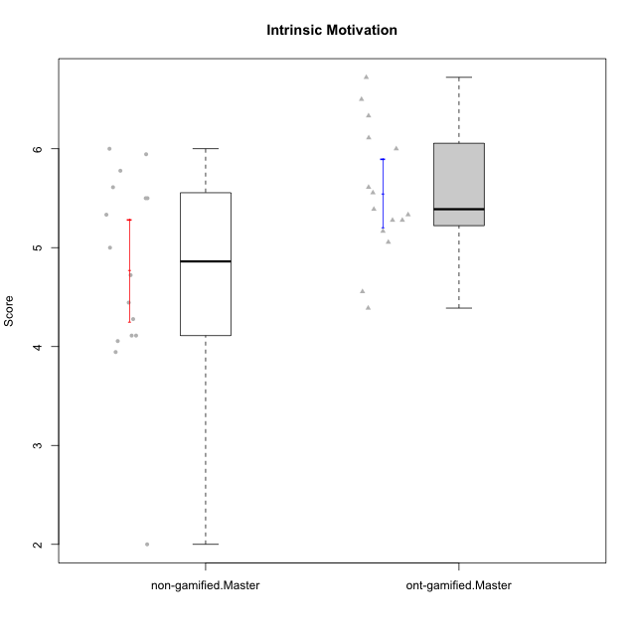

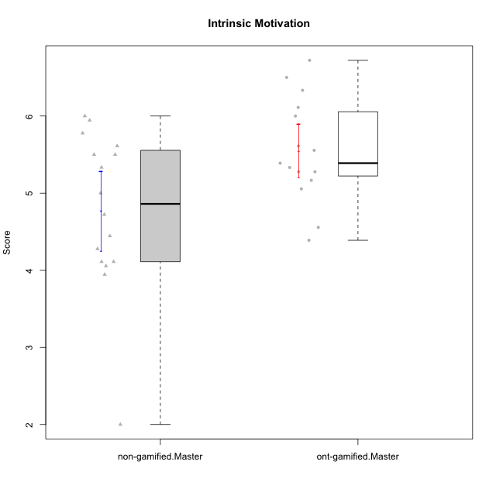

Student's t-Test data
UserID | NroUSP | Type | CLGroup | CLRole | PlayerRole | Item01IE | Item09IE | Item12IE | Item21IE | Item22IE | Item24IE | Item02PC | Item05PC | Item06PC | Item08PC | Item15PC | Item17PC | Item20PC | Item23PC | Item11PT | Item14PT | Item16PT | Item18PT | Interest/Enjoyment | Perceived Choice | Pressure/Tension | Intrinsic Motivation
10169 | 10377538 | ont-gamified | Grupo Hefesto | Master | Yee Achiever | 4 | 6 | 6 | 6 | 6 | 6 | 4 | 6 | 6 | 2 | 2 | 2 | 2 | 6 | 7 | 1 | 4 | 2 | 5.6666666667 | 5.25 | 2 | 5.5555555556
10172 | 10273971 | non-gamified | Grupo Team 1 | Master |  | 6 | 6 | 5 | 5 | 5 | 4 | 4 | 3 | 2 | 3 | 2 | 2 | 3 | 5 | 7 | 1 | 1 | 1 | 5.1666666667 | 5 | 1 | 5.5
10174 | 10276852 | ont-gamified | Grupo Urano | Master | Yee Achiever | 4 | 5 | 4 | 4 | 6 | 6 | 4 | 4 | 4 | 3 | 4 | 3 | 3 | 4 | 6 | 1 | 1 | 1 | 4.8333333333 | 4.375 | 1.25 | 5.0555555556
10175 | 10310700 | ont-gamified | Grupo Hélio | Master | Yee Socializer | 6 | 6 | 6 | 5 | 5 | 6 | 1 | 7 | 1 | 1 | 1 | 1 | 1 | 6 | 7 | 1 | 1 | 1 | 5.6666666667 | 6.875 | 1 | 6.5
10179 | 10310759 | non-gamified | Grupo Team 9 | Master |  | 4 | 4 | 3 | 4 | 4 | 4 | 6 | 3 | 5 | 4 | 5 | 4 | 3 | 3 | 6 | 2 | 2 | 2 | 3.8333333333 | 3.375 | 2 | 4.1111111111
10181 | 10276866 | non-gamified | Grupo Team 10 | Master |  | 5 | 5 | 5 | 5 | 4 | 2 | 2 | 2 | 1 | 3 | 2 | 2 | 2 | 4 | 7 | 1 | 1 | 1 | 4.3333333333 | 5.25 | 1 | 5.3333333333
10184 | 10276675 | ont-gamified | Grupo Apolo | Master | Yee Socializer | 5 | 5 | 5 | 4 | 4 | 4 | 5 | 7 | 1 | 1 | 4 | 1 | 2 | 4 | 4 | 1 | 3 | 1 | 4.5 | 5.625 | 2.25 | 5.2777777778
10188 | 10276995 | non-gamified | Grupo Team 3 | Master |  | 4 | 4 | 4 | 3 | 4 | 4 | 3 | 3 | 3 | 3 | 3 | 3 | 4 | 4 | 6 | 2 | 1 | 1 | 3.8333333333 | 4.5 | 1.5 | 4.7222222222
10189 | 9363926 | ont-gamified | Grupo Hades | Master | Yee Socializer | 2 | 4 | 3 | 6 | 4 | 5 | 4 | 5 | 2 | 1 | 5 | 2 | 1 | 2 | 5 | 4 | 5 | 2 | 4 | 5 | 3.5 | 4.5555555556
10191 | 10276981 | non-gamified | Grupo Team 6 | Master |  | 4 | 6 | 6 | 6 | 5 | 7 | 2 | 6 | 2 | 3 | 6 | 1 | 1 | 4 | 7 | 1 | 2 | 1 | 5.6666666667 | 5.375 | 1.25 | 5.7777777778
10193 | 10276762 | ont-gamified | Grupo Afrodite | Master | Yee Achiever | 4 | 5 | 5 | 5 | 6 | 4 | 2 | 4 | 5 | 3 | 5 | 3 | 2 | 5 | 6 | 1 | 1 | 1 | 4.8333333333 | 4.625 | 1.25 | 5.1666666667
10199 | 10276737 | ont-gamified | Grupo Gaia | Master | Yee Achiever | 4 | 4 | 4 | 4 | 7 | 1 | 1 | 7 | 1 | 1 | 1 | 1 | 1 | 7 | 2 | 3 | 1 | 1 | 4 | 7 | 2.75 | 5.6111111111
10201 | 10276928 | ont-gamified | Grupo Caronte | Master | Yee Achiever | 5 | 7 | 7 | 7 | 7 | 5 | 2 | 7 | 3 | 2 | 2 | 2 | 1 | 3 | 6 | 3 | 2 | 1 | 6.3333333333 | 5.75 | 2 | 6
10204 | 10310471 | ont-gamified | Grupo Hermes | Master | Yee Achiever | 6 | 7 | 7 | 7 | 7 | 7 | 2 | 7 | 4 | 1 | 1 | 1 | 1 | 7 | 7 | 1 | 1 | 1 | 6.8333333333 | 6.5 | 1 | 6.7222222222
10206 | 10310721 | ont-gamified | Grupo Hera | Master | Yee Achiever | 4 | 6 | 4 | 5 | 5 | 3 | 1 | 7 | 1 | 2 | 2 | 1 | 2 | 6 | 2 | 3 | 3 | 2 | 4.5 | 6.5 | 3.5 | 5.3888888889
10211 | 9311643 | non-gamified | Grupo Team 2 | Master |  | 7 | 7 | 5 | 6 | 6 | 6 | 7 | 3 | 6 | 3 | 6 | 3 | 2 | 5 | 7 | 2 | 2 | 3 | 6.1666666667 | 3.625 | 2 | 5
10212 | 9065750 | non-gamified | Grupo Team 4 | Master |  | 5 | 6 | 6 | 7 | 7 | 7 | 3 | 7 | 3 | 1 | 1 | 2 | 1 | 4 | 6 | 2 | 4 | 2 | 6.3333333333 | 6 | 2.5 | 6
10213 | 10277040 | ont-gamified | Grupo Morfeu | Master | Yee Socializer | 7 | 6 | 5 | 4 | 4 | 7 | 4 | 4 | 1 | 4 | 7 | 1 | 2 | 2 | 7 | 1 | 1 | 1 | 5.5 | 4.375 | 1 | 5.3333333333
10214 | 10277022 | non-gamified | Grupo Team 5 | Master |  | 4 | 4 | 3 | 3 | 3 | 1 | 4 | 4 | 4 | 4 | 5 | 4 | 4 | 2 | 4 | 1 | 1 | 2 | 3 | 3.625 | 2 | 3.9444444444
10215 | 9285227 | ont-gamified | Grupo Zeus | Master | Yee Socializer | 4 | 7 | 4 | 6 | 5 | 4 | 1 | 6 | 1 | 1 | 1 | 1 | 1 | 4 | 7 | 1 | 1 | 1 | 5 | 6.5 | 1 | 6.1111111111
10216 | 10276720 | non-gamified | Grupo Team 15 | Master |  | 4 | 7 | 5 | 5 | 7 | 1 | 1 | 7 | 1 | 1 | 4 | 1 | 3 | 7 | 7 | 2 | 1 | 1 | 4.8333333333 | 6.375 | 1.25 | 5.9444444444
10217 | 9805341 | non-gamified | Grupo Team 13 | Master |  | 3 | 5 | 4 | 5 | 4 | 2 | 2 | 4 | 1 | 1 | 1 | 1 | 2 | 4 | 7 | 1 | 1 | 1 | 3.8333333333 | 6 | 1 | 5.5
10218 | 9842913 | ont-gamified | Grupo Ares | Master | Yee Achiever | 4 | 3 | 3 | 4 | 4 | 2 | 2 | 5 | 4 | 1 | 3 | 3 | 2 | 3 | 3 | 3 | 4 | 2 | 3.3333333333 | 5.125 | 3.5 | 4.3888888889
10219 | 10276831 | non-gamified | Grupo Team 12 | Master |  | 4 | 4 | 4 | 3 | 4 | 3 | 2 | 1 | 4 | 3 | 4 | 4 | 3 | 1 | 7 | 1 | 1 | 1 | 3.6666666667 | 3.75 | 1 | 4.4444444444
10222 | 9436110 | non-gamified | Grupo Team 16 | Master |  | 1 | 1 | 1 | 1 | 1 | 1 | 7 | 2 | 6 | 7 | 7 | 6 | 6 | 2 | 3 | 3 | 3 | 4 | 1 | 1.625 | 3.75 | 2
10223 | 9795185 | ont-gamified | Grupo Cronus | Master | Yee Achiever | 6 | 6 | 6 | 7 | 7 | 6 | 2 | 6 | 2 | 1 | 2 | 1 | 3 | 6 | 7 | 1 | 2 | 1 | 6.3333333333 | 6.125 | 1.25 | 6.3333333333
10226 | 10310342 | non-gamified | Grupo Team 8 | Master |  | 2 | 4 | 4 | 4 | 4 | 5 | 6 | 2 | 4 | 5 | 6 | 4 | 2 | 1 | 7 | 1 | 1 | 3 | 3.8333333333 | 3 | 1.5 | 4.0555555556
10230 | 10351992 | non-gamified | Grupo Team 14 | Master |  | 1 | 4 | 1 | 6 | 1 | 3 | 2 | 5 | 1 | 5 | 4 | 1 | 5 | 4 | 1 | 1 | 4 | 1 | 2.6666666667 | 4.875 | 3.25 | 4.1111111111
10232 | 10276974 | ont-gamified | Grupo Artemis | Master | Yee Achiever | 6 | 4 | 5 | 6 | 5 | 7 | 2 | 5 | 4 | 2 | 4 | 2 | 1 | 4 | 1 | 1 | 2 | 2 | 5.5 | 5.25 | 3 | 5.2777777778
10234 | 10310676 | non-gamified | Grupo Team 7 | Master |  | 2 | 3 | 2 | 6 | 5 | 2 | 2 | 2 | 5 | 4 | 6 | 4 | 3 | 4 | 7 | 2 | 1 | 1 | 3.3333333333 | 3.75 | 1.25 | 4.2777777778
10237 | 10377688 | non-gamified | Grupo Team 11 | Master |  | 6 | 5 | 4 | 6 | 5 | 3 | 3 | 7 | 5 | 2 | 2 | 1 | 2 | 4 | 7 | 1 | 1 | 1 | 4.8333333333 | 5.5 | 1 | 5.6111111111

Type_CLRole_6
Student's t-Test for Intrinsic Motivation in Type:CLRole between ont-gamified.Apprentice:ont-gamified.Master

Student's t-Test results
Alternative hypothesis: less
Group | N | Mean | Mean.Difference | Std.deviation | Std.error | CI.lower | CI.upper | df | t.value | p.value | g | magnitude
ont-gamified.Apprentice | 14 | 5.5 | -0.051851851852 | 0.87814013942 | 0.23469282423 | 5.0306143515 | 5.9693856485 | 24.382428189 | -0.17746378097 | 0.43030507886 | -0.064694086436 | negligible
ont-gamified.Master | 15 | 5.5518518519 | 0.051851851852 | 0.67405517736 | 0.17404029842 | 5.203771255 | 5.8999324487 | 24.382428189 | -0.17746378097 | 0.43030507886 | -0.064694086436 | negligible
Alternative hypothesis: greater
Group | N | Mean | Mean.Difference | Std.deviation | Std.error | CI.lower | CI.upper | df | t.value | p.value | g | magnitude
ont-gamified.Apprentice | 14 | 5.5 | -0.051851851852 | 0.87814013942 | 0.23469282423 | 5.0306143515 | 5.9693856485 | 24.382428189 | -0.17746378097 | 0.56969492114 | -0.064694086436 | negligible
ont-gamified.Master | 15 | 5.5518518519 | 0.051851851852 | 0.67405517736 | 0.17404029842 | 5.203771255 | 5.8999324487 | 24.382428189 | -0.17746378097 | 0.56969492114 | -0.064694086436 | negligible
Alternative hypothesis: two.sided
Group | N | Mean | Mean.Difference | Std.deviation | Std.error | CI.lower | CI.upper | df | t.value | p.value | g | magnitude
ont-gamified.Apprentice | 14 | 5.5 | -0.051851851852 | 0.87814013942 | 0.23469282423 | 5.0306143515 | 5.9693856485 | 24.382428189 | -0.17746378097 | 0.86061015773 | -0.064694086436 | negligible
ont-gamified.Master | 15 | 5.5518518519 | 0.051851851852 | 0.67405517736 | 0.17404029842 | 5.203771255 | 5.8999324487 | 24.382428189 | -0.17746378097 | 0.86061015773 | -0.064694086436 | negligible

Box plots for Student's t-Test
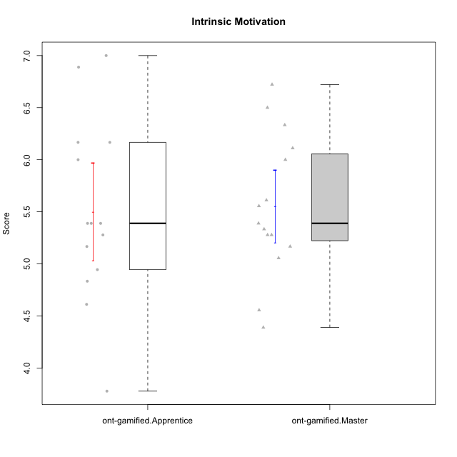

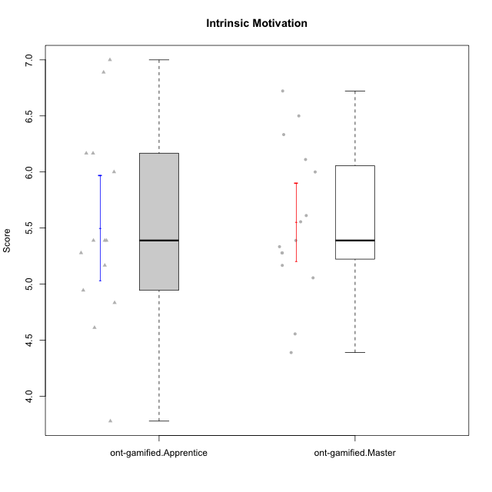

Student's t-Test data
UserID | NroUSP | Type | CLGroup | CLRole | PlayerRole | Item01IE | Item09IE | Item12IE | Item21IE | Item22IE | Item24IE | Item02PC | Item05PC | Item06PC | Item08PC | Item15PC | Item17PC | Item20PC | Item23PC | Item11PT | Item14PT | Item16PT | Item18PT | Interest/Enjoyment | Perceived Choice | Pressure/Tension | Intrinsic Motivation
10169 | 10377538 | ont-gamified | Grupo Hefesto | Master | Yee Achiever | 4 | 6 | 6 | 6 | 6 | 6 | 4 | 6 | 6 | 2 | 2 | 2 | 2 | 6 | 7 | 1 | 4 | 2 | 5.6666666667 | 5.25 | 2 | 5.5555555556
10170 | 10260351 | ont-gamified | Grupo Afrodite | Apprentice | Yee Achiever | 5 | 5 | 5 | 6 | 6 | 4 | 2 | 7 | 1 | 2 | 2 | 1 | 2 | 7 | 7 | 1 | 1 | 1 | 5.1666666667 | 6.5 | 1 | 6.1666666667
10174 | 10276852 | ont-gamified | Grupo Urano | Master | Yee Achiever | 4 | 5 | 4 | 4 | 6 | 6 | 4 | 4 | 4 | 3 | 4 | 3 | 3 | 4 | 6 | 1 | 1 | 1 | 4.8333333333 | 4.375 | 1.25 | 5.0555555556
10175 | 10310700 | ont-gamified | Grupo Hélio | Master | Yee Socializer | 6 | 6 | 6 | 5 | 5 | 6 | 1 | 7 | 1 | 1 | 1 | 1 | 1 | 6 | 7 | 1 | 1 | 1 | 5.6666666667 | 6.875 | 1 | 6.5
10176 | 10276949 | ont-gamified | Grupo Cronus | Apprentice | Yee Achiever | 5 | 5 | 4 | 4 | 4 | 3 | 5 | 6 | 1 | 1 | 2 | 2 | 2 | 2 | 4 | 2 | 3 | 2 | 4.1666666667 | 5.375 | 2.75 | 4.9444444444
10178 | 8656201 | ont-gamified | Grupo Morfeu | Apprentice | Yee Socializer | 5 | 5 | 5 | 5 | 5 | 5 | 4 | 5 | 2 | 1 | 3 | 1 | 3 | 5 | 5 | 1 | 4 | 1 | 5 | 5.5 | 2.25 | 5.3888888889
10183 | 10352030 | ont-gamified | Grupo Hélio | Apprentice | Yee Socializer | 5 | 4 | 4 | 4 | 4 | 3 | 3 | 5 | 2 | 4 | 2 | 2 | 2 | 4 | 5 | 2 | 3 | 3 | 4 | 5.25 | 2.75 | 4.8333333333
10184 | 10276675 | ont-gamified | Grupo Apolo | Master | Yee Socializer | 5 | 5 | 5 | 4 | 4 | 4 | 5 | 7 | 1 | 1 | 4 | 1 | 2 | 4 | 4 | 1 | 3 | 1 | 4.5 | 5.625 | 2.25 | 5.2777777778
10186 | 10310551 | ont-gamified | Grupo Ares | Apprentice | Yee Achiever | 3 | 6 | 4 | 4 | 5 | 6 | 2 | 4 | 4 | 1 | 1 | 1 | 1 | 5 | 4 | 1 | 4 | 3 | 4.6666666667 | 5.875 | 3 | 5.2777777778
10189 | 9363926 | ont-gamified | Grupo Hades | Master | Yee Socializer | 2 | 4 | 3 | 6 | 4 | 5 | 4 | 5 | 2 | 1 | 5 | 2 | 1 | 2 | 5 | 4 | 5 | 2 | 4 | 5 | 3.5 | 4.5555555556
10190 | 10276907 | ont-gamified | Grupo Zeus | Apprentice | Yee Socializer | 4 | 5 | 5 | 4 | 4 | 5 | 4 | 7 | 1 | 3 | 1 | 2 | 3 | 4 | 6 | 1 | 2 | 2 | 4.5 | 5.625 | 1.75 | 5.3888888889
10193 | 10276762 | ont-gamified | Grupo Afrodite | Master | Yee Achiever | 4 | 5 | 5 | 5 | 6 | 4 | 2 | 4 | 5 | 3 | 5 | 3 | 2 | 5 | 6 | 1 | 1 | 1 | 4.8333333333 | 4.625 | 1.25 | 5.1666666667
10195 | 10351971 | ont-gamified | Grupo Urano | Apprentice | Yee Achiever | 5 | 6 | 5 | 6 | 5 | 5 | 4 | 4 | 4 | 1 | 4 | 4 | 2 | 4 | 7 | 1 | 1 | 1 | 5.3333333333 | 4.625 | 1 | 5.3888888889
10196 | 10310655 | ont-gamified | Grupo Hefesto | Apprentice | Yee Achiever | 4 | 4 | 4 | 4 | 4 | 4 | 6 | 2 | 1 | 4 | 7 | 1 | 4 | 4 | 7 | 1 | 1 | 1 | 4 | 3.875 | 1 | 4.6111111111
10197 | 10276661 | ont-gamified | Grupo Gaia | Apprentice | Yee Achiever | 4 | 6 | 4 | 6 | 4 | 5 | 1 | 7 | 2 | 1 | 1 | 1 | 1 | 6 | 7 | 1 | 1 | 1 | 4.8333333333 | 6.75 | 1 | 6.1666666667
10198 | 10310888 | ont-gamified | Grupo Apolo | Apprentice | Yee Socializer | 7 | 7 | 7 | 7 | 7 | 7 | 1 | 7 | 1 | 1 | 1 | 1 | 1 | 7 | 7 | 1 | 1 | 1 | 7 | 7 | 1 | 7
10199 | 10276737 | ont-gamified | Grupo Gaia | Master | Yee Achiever | 4 | 4 | 4 | 4 | 7 | 1 | 1 | 7 | 1 | 1 | 1 | 1 | 1 | 7 | 2 | 3 | 1 | 1 | 4 | 7 | 2.75 | 5.6111111111
10200 | 9795272 | ont-gamified | Grupo Hades | Apprentice | Yee Socializer | 6 | 6 | 7 | 6 | 6 | 7 | 2 | 5 | 2 | 3 | 4 | 2 | 2 | 4 | 7 | 1 | 1 | 1 | 6.3333333333 | 5.25 | 1 | 6
10201 | 10276928 | ont-gamified | Grupo Caronte | Master | Yee Achiever | 5 | 7 | 7 | 7 | 7 | 5 | 2 | 7 | 3 | 2 | 2 | 2 | 1 | 3 | 6 | 3 | 2 | 1 | 6.3333333333 | 5.75 | 2 | 6
10204 | 10310471 | ont-gamified | Grupo Hermes | Master | Yee Achiever | 6 | 7 | 7 | 7 | 7 | 7 | 2 | 7 | 4 | 1 | 1 | 1 | 1 | 7 | 7 | 1 | 1 | 1 | 6.8333333333 | 6.5 | 1 | 6.7222222222
10206 | 10310721 | ont-gamified | Grupo Hera | Master | Yee Achiever | 4 | 6 | 4 | 5 | 5 | 3 | 1 | 7 | 1 | 2 | 2 | 1 | 2 | 6 | 2 | 3 | 3 | 2 | 4.5 | 6.5 | 3.5 | 5.3888888889
10213 | 10277040 | ont-gamified | Grupo Morfeu | Master | Yee Socializer | 7 | 6 | 5 | 4 | 4 | 7 | 4 | 4 | 1 | 4 | 7 | 1 | 2 | 2 | 7 | 1 | 1 | 1 | 5.5 | 4.375 | 1 | 5.3333333333
10215 | 9285227 | ont-gamified | Grupo Zeus | Master | Yee Socializer | 4 | 7 | 4 | 6 | 5 | 4 | 1 | 6 | 1 | 1 | 1 | 1 | 1 | 4 | 7 | 1 | 1 | 1 | 5 | 6.5 | 1 | 6.1111111111
10218 | 9842913 | ont-gamified | Grupo Ares | Master | Yee Achiever | 4 | 3 | 3 | 4 | 4 | 2 | 2 | 5 | 4 | 1 | 3 | 3 | 2 | 3 | 3 | 3 | 4 | 2 | 3.3333333333 | 5.125 | 3.5 | 4.3888888889
10221 | 9082496 | ont-gamified | Grupo Hermes | Apprentice | Yee Achiever | 4 | 5 | 4 | 5 | 5 | 4 | 3 | 6 | 4 | 1 | 4 | 1 | 4 | 1 | 7 | 1 | 1 | 1 | 4.5 | 4.75 | 1 | 5.1666666667
10223 | 9795185 | ont-gamified | Grupo Cronus | Master | Yee Achiever | 6 | 6 | 6 | 7 | 7 | 6 | 2 | 6 | 2 | 1 | 2 | 1 | 3 | 6 | 7 | 1 | 2 | 1 | 6.3333333333 | 6.125 | 1.25 | 6.3333333333
10231 | 10276911 | ont-gamified | Grupo Caronte | Apprentice | Yee Achiever | 7 | 7 | 7 | 7 | 7 | 7 | 1 | 6 | 1 | 1 | 2 | 1 | 1 | 7 | 7 | 1 | 1 | 1 | 7 | 6.75 | 1 | 6.8888888889
10232 | 10276974 | ont-gamified | Grupo Artemis | Master | Yee Achiever | 6 | 4 | 5 | 6 | 5 | 7 | 2 | 5 | 4 | 2 | 4 | 2 | 1 | 4 | 1 | 1 | 2 | 2 | 5.5 | 5.25 | 3 | 5.2777777778
10240 | 10276654 | ont-gamified | Grupo Hera | Apprentice | Yee Achiever | 4 | 3 | 4 | 2 | 4 | 4 | 6 | 6 | 7 | 5 | 7 | 7 | 7 | 4 | 7 | 1 | 1 | 1 | 3.5 | 2.375 | 1 | 3.7777777778

