Assumptions
ANOVA assumptions for Perceived Choice

Shapiro-Wilk normality test for Perceived Choice
W | p.value
0.96220013032 | 0.072211086424

Plots for normality test
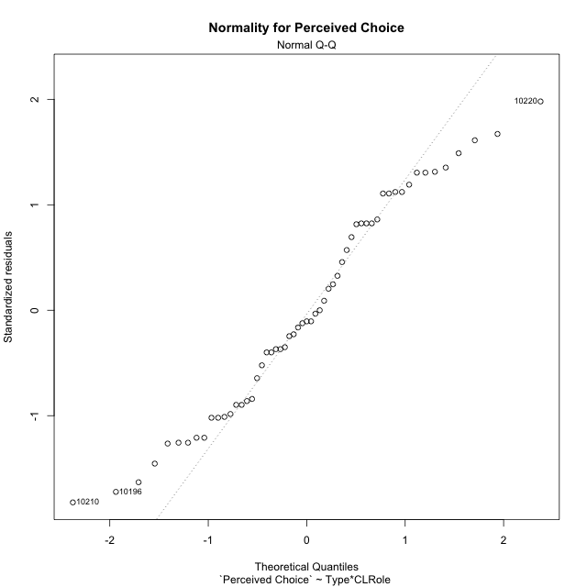

Levene's Test for Homogeneity of Variance in Perceived Choice
Df | F value | Pr(>F)
3 | 0.93635666436 | 0.42968237877
53

Plots for homogeneity of variance
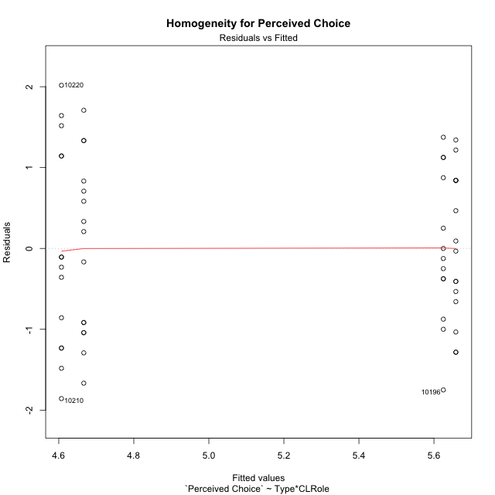

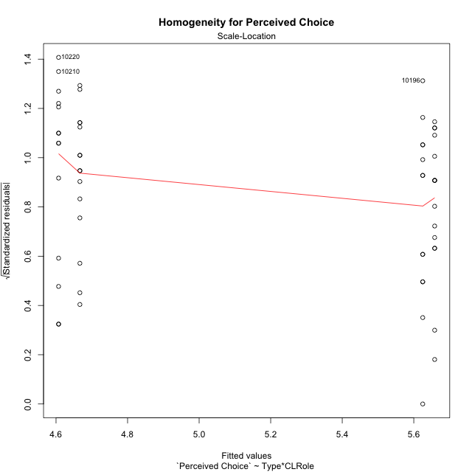

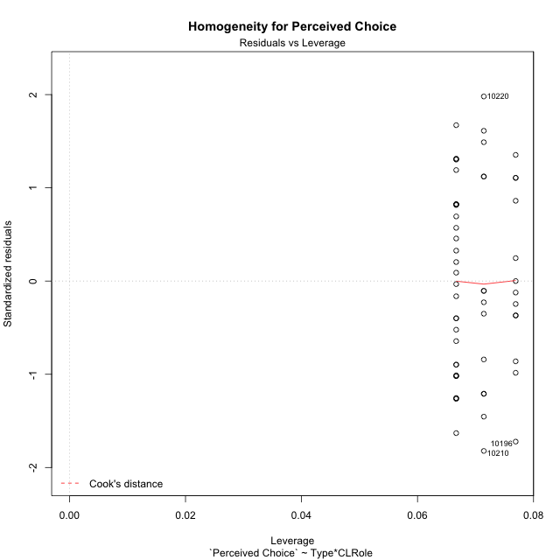

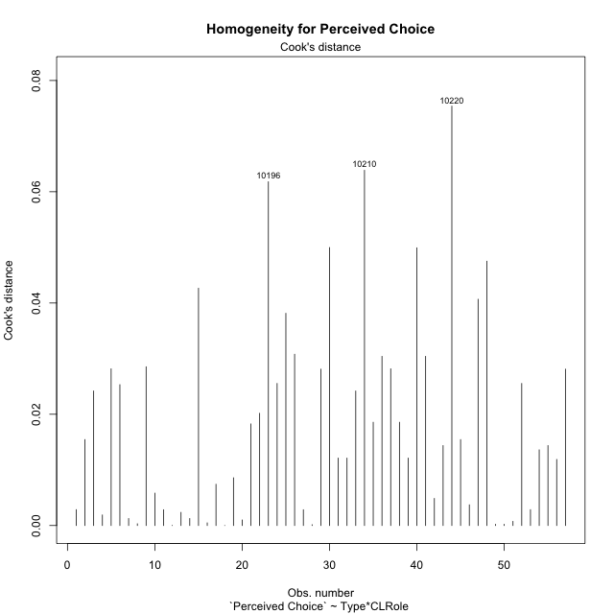

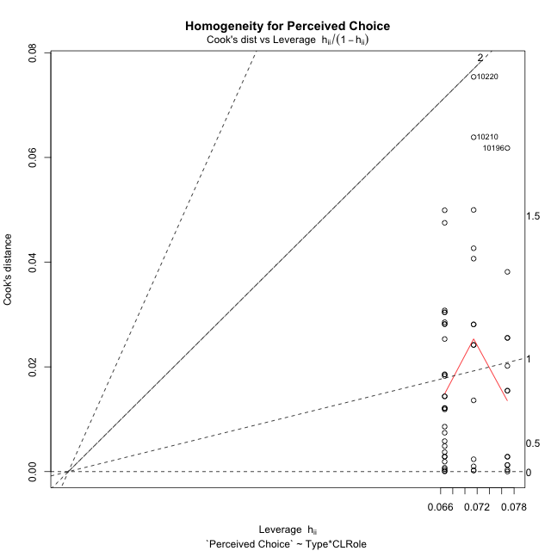

Minimum Sample Size Test for Perceived Choice
Type | CLRole | Freq
non-gamified | Apprentice | 14
ont-gamified | Apprentice | 13
non-gamified | Master | 15
ont-gamified | Master | 15

Errors and Warnings in Sample Size Test for ANOVA in Perceived Choice
code | description
WARN: sample.size | current.size is = 14 and recommended.size must be = 15 for the group: 'non-gamified:Apprentice'. Size sample for parametric test isn't recomended
WARN: sample.size | current.size is = 13 and recommended.size must be = 15 for the group: 'ont-gamified:Apprentice'. Size sample for parametric test isn't recomended

For the group: 'non-gamified:Apprentice', we recommend the use of non parametric test. For the group: 'ont-gamified:Apprentice', we recommend the use of non parametric test. For the group: 'non-gamified:Master', you can perform a parametric test with a non-normal distribution For the group: 'ont-gamified:Master', you can perform a parametric test with a non-normal distribution

If you don't want to remove non-normal data, you must cite the following references: ... (1) Lix, L.M., J.C. Keselman, and H.J. Keselman. 1996. Consequences of assumption violations revisited: A quantitative review of alternatives to the one-way analysis of variance F test. Rev. Educ. Res. 66: 579-619. ... (2) Harwell, M.R., E.N. Rubinstein, W.S. Hayes, and C.C. Olds. 1992. Summarizing Monte Carlo results in methodological research: the one- and two-factor fixed effects ANOVA cases. J. Educ. Stat. 17: 315-339.

Post-hoc
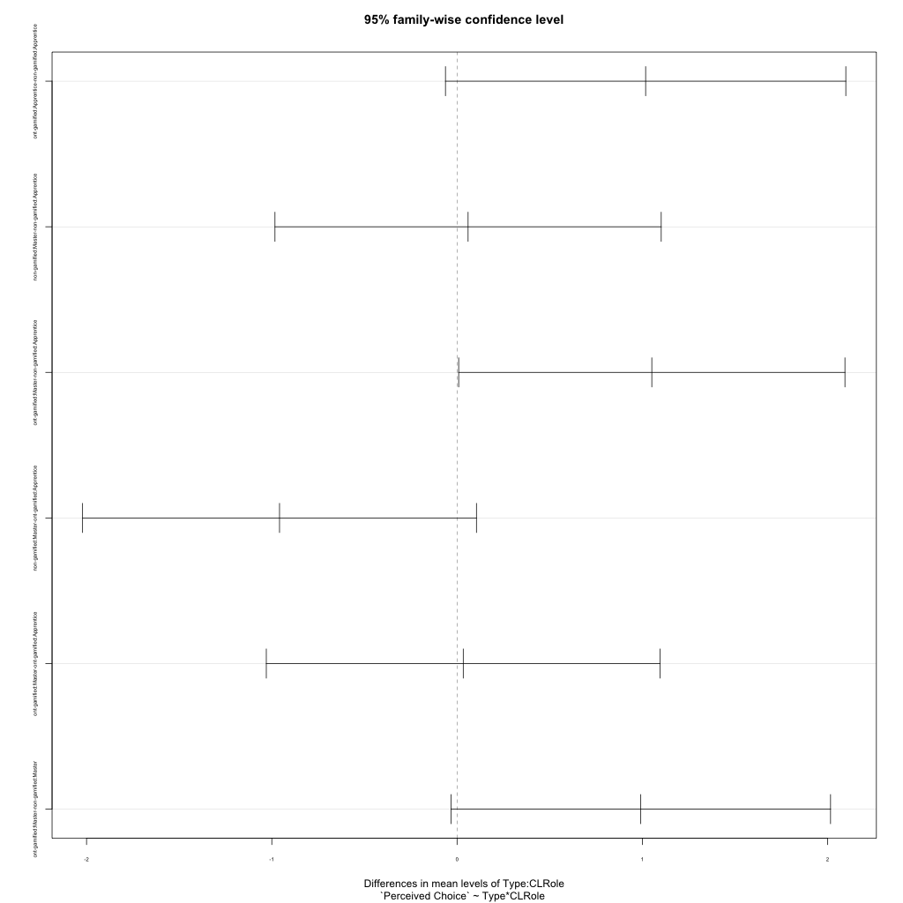
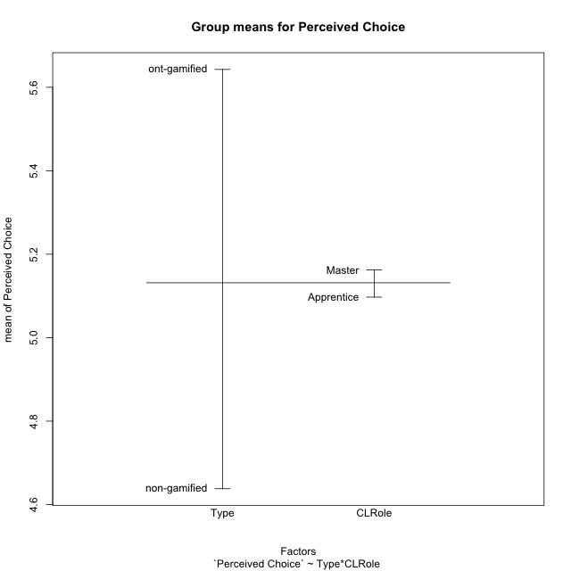
Post-hoc Tukey Honestly Significant Difference (HSD) Test for Perceived Choice

Comparisons of means for Type
 | diff | lwr | upr | p adj
ont-gamified-non-gamified | 1.0049261084 | 0.44290193142 | 1.5669502853 | 0.00073082010946

Comparisons of means for CLRole
 | diff | lwr | upr | p adj
Master-Apprentice | 0.04666803503 | -0.51604957115 | 0.60938564121 | 0.8685198759

Comparisons of means for Type:CLRole
 | diff | lwr | upr | p adj
ont-gamified:Apprentice-non-gamified:Apprentice | 1.0178571429 | -0.062616127509 | 2.0983304132 | 0.07166854647
non-gamified:Master-non-gamified:Apprentice | 0.059523809524 | -0.98293088851 | 1.1019785076 | 0.99874605873
ont-gamified:Master-non-gamified:Apprentice | 1.0511904762 | 0.0087357781585 | 2.0936451742 | 0.047391781294
non-gamified:Master-ont-gamified:Apprentice | -0.95833333333 | -2.0213242399 | 0.1046575732 | 0.091142098627
ont-gamified:Master-ont-gamified:Apprentice | 0.033333333333 | -1.0296575732 | 1.0963242399 | 0.99979098535
ont-gamified:Master-non-gamified:Master | 0.99166666667 | -0.032657001344 | 2.0159903347 | 0.061091996629

Contrast Matrices for Perceived Choice
contrast | CLRole | estimate | SE | df | t.ratio | p.value
non-gamified - ont-gamified | Apprentice | -1.0178571429 | 0.40734823546 | 53 | -2.4987395409 | 0.015598518462
non-gamified - ont-gamified | Master | -0.99166666667 | 0.38617932544 | 53 | -2.5678916538 | 0.013087688909

Least Squares Means and Confidence Intervals
Type | CLRole | lsmean | SE | df | lower.CL | upper.CL
non-gamified | Apprentice | 4.6071428571 | 0.2826543239 | 53 | 4.0402100789 | 5.1740756354
ont-gamified | Apprentice | 5.625 | 0.29332425422 | 53 | 5.0366660518 | 6.2133339482
non-gamified | Master | 4.6666666667 | 0.27307001977 | 53 | 4.1189575681 | 5.2143757653
ont-gamified | Master | 5.6583333333 | 0.27307001977 | 53 | 5.1106242347 | 6.2060424319

Plots

Type_1
Student's t-Test for Perceived Choice in Type between non-gamified:ont-gamified

Student's t-Test results
Alternative hypothesis: less
Group | N | Mean | Mean.Difference | Std.deviation | Std.error | CI.lower | CI.upper | df | t.value | p.value | g | magnitude
non-gamified | 29 | 4.6379310345 | -1.0049261084 | 1.1622526751 | 0.21582490355 | 4.2062812274 | 5.0695808416 | 52.375058595 | -3.6692821831 | 0.00028514145664 | -0.95443252939 | large
ont-gamified | 28 | 5.6428571429 | 1.0049261084 | 0.89216904702 | 0.16860410185 | 5.3056489392 | 5.9800653466 | 52.375058595 | -3.6692821831 | 0.00028514145664 | -0.95443252939 | large
Alternative hypothesis: greater
Group | N | Mean | Mean.Difference | Std.deviation | Std.error | CI.lower | CI.upper | df | t.value | p.value | g | magnitude
non-gamified | 29 | 4.6379310345 | -1.0049261084 | 1.1622526751 | 0.21582490355 | 4.2062812274 | 5.0695808416 | 52.375058595 | -3.6692821831 | 0.99971485854 | -0.95443252939 | large
ont-gamified | 28 | 5.6428571429 | 1.0049261084 | 0.89216904702 | 0.16860410185 | 5.3056489392 | 5.9800653466 | 52.375058595 | -3.6692821831 | 0.99971485854 | -0.95443252939 | large
Alternative hypothesis: two.sided
Group | N | Mean | Mean.Difference | Std.deviation | Std.error | CI.lower | CI.upper | df | t.value | p.value | g | magnitude
non-gamified | 29 | 4.6379310345 | -1.0049261084 | 1.1622526751 | 0.21582490355 | 4.2062812274 | 5.0695808416 | 52.375058595 | -3.6692821831 | 0.00057028291328 | -0.95443252939 | large
ont-gamified | 28 | 5.6428571429 | 1.0049261084 | 0.89216904702 | 0.16860410185 | 5.3056489392 | 5.9800653466 | 52.375058595 | -3.6692821831 | 0.00057028291328 | -0.95443252939 | large

Box plots for Student's t-Test
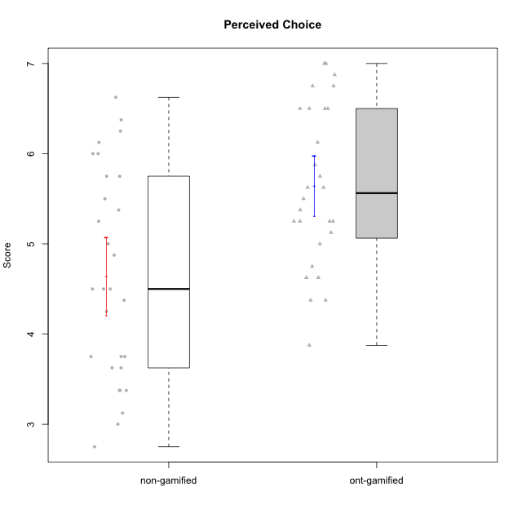

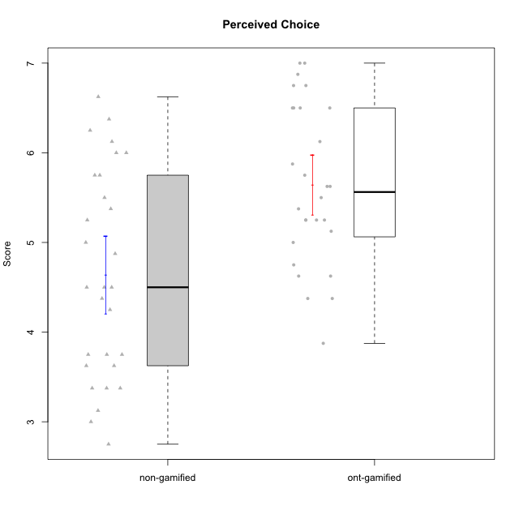

Student's t-Test data
UserID | NroUSP | Type | CLGroup | CLRole | PlayerRole | Item01IE | Item09IE | Item12IE | Item21IE | Item22IE | Item24IE | Item02PC | Item05PC | Item06PC | Item08PC | Item15PC | Item17PC | Item20PC | Item23PC | Item11PT | Item14PT | Item16PT | Item18PT | Interest/Enjoyment | Perceived Choice | Pressure/Tension | Intrinsic Motivation
10169 | 10377538 | ont-gamified | Grupo Hefesto | Master | Yee Achiever | 4 | 6 | 6 | 6 | 6 | 6 | 4 | 6 | 6 | 2 | 2 | 2 | 2 | 6 | 7 | 1 | 4 | 2 | 5.6666666667 | 5.25 | 2 | 5.5555555556
10170 | 10260351 | ont-gamified | Grupo Afrodite | Apprentice | Yee Achiever | 5 | 5 | 5 | 6 | 6 | 4 | 2 | 7 | 1 | 2 | 2 | 1 | 2 | 7 | 7 | 1 | 1 | 1 | 5.1666666667 | 6.5 | 1 | 6.1666666667
10171 | 698531 | non-gamified | Grupo Team 6 | Apprentice |  | 6 | 6 | 6 | 5 | 5 | 6 | 2 | 7 | 2 | 1 | 3 | 2 | 1 | 2 | 6 | 1 | 1 | 1 | 5.6666666667 | 5.75 | 1.25 | 5.9444444444
10172 | 10273971 | non-gamified | Grupo Team 1 | Master |  | 6 | 6 | 5 | 5 | 5 | 4 | 4 | 3 | 2 | 3 | 2 | 2 | 3 | 5 | 7 | 1 | 1 | 1 | 5.1666666667 | 5 | 1 | 5.5
10174 | 10276852 | ont-gamified | Grupo Urano | Master | Yee Achiever | 4 | 5 | 4 | 4 | 6 | 6 | 4 | 4 | 4 | 3 | 4 | 3 | 3 | 4 | 6 | 1 | 1 | 1 | 4.8333333333 | 4.375 | 1.25 | 5.0555555556
10175 | 10310700 | ont-gamified | Grupo Hélio | Master | Yee Socializer | 6 | 6 | 6 | 5 | 5 | 6 | 1 | 7 | 1 | 1 | 1 | 1 | 1 | 6 | 7 | 1 | 1 | 1 | 5.6666666667 | 6.875 | 1 | 6.5
10176 | 10276949 | ont-gamified | Grupo Cronus | Apprentice | Yee Achiever | 5 | 5 | 4 | 4 | 4 | 3 | 5 | 6 | 1 | 1 | 2 | 2 | 2 | 2 | 4 | 2 | 3 | 2 | 4.1666666667 | 5.375 | 2.75 | 4.9444444444
10178 | 8656201 | ont-gamified | Grupo Morfeu | Apprentice | Yee Socializer | 5 | 5 | 5 | 5 | 5 | 5 | 4 | 5 | 2 | 1 | 3 | 1 | 3 | 5 | 5 | 1 | 4 | 1 | 5 | 5.5 | 2.25 | 5.3888888889
10179 | 10310759 | non-gamified | Grupo Team 9 | Master |  | 4 | 4 | 3 | 4 | 4 | 4 | 6 | 3 | 5 | 4 | 5 | 4 | 3 | 3 | 6 | 2 | 2 | 2 | 3.8333333333 | 3.375 | 2 | 4.1111111111
10181 | 10276866 | non-gamified | Grupo Team 10 | Master |  | 5 | 5 | 5 | 5 | 4 | 2 | 2 | 2 | 1 | 3 | 2 | 2 | 2 | 4 | 7 | 1 | 1 | 1 | 4.3333333333 | 5.25 | 1 | 5.3333333333
10183 | 10352030 | ont-gamified | Grupo Hélio | Apprentice | Yee Socializer | 5 | 4 | 4 | 4 | 4 | 3 | 3 | 5 | 2 | 4 | 2 | 2 | 2 | 4 | 5 | 2 | 3 | 3 | 4 | 5.25 | 2.75 | 4.8333333333
10184 | 10276675 | ont-gamified | Grupo Apolo | Master | Yee Socializer | 5 | 5 | 5 | 4 | 4 | 4 | 5 | 7 | 1 | 1 | 4 | 1 | 2 | 4 | 4 | 1 | 3 | 1 | 4.5 | 5.625 | 2.25 | 5.2777777778
10185 | 10276960 | non-gamified | Grupo Team 12 | Apprentice |  | 4 | 4 | 4 | 4 | 4 | 4 | 4 | 3 | 3 | 3 | 4 | 4 | 3 | 4 | 6 | 2 | 2 | 3 | 4 | 4.25 | 2.25 | 4.5
10186 | 10310551 | ont-gamified | Grupo Ares | Apprentice | Yee Achiever | 3 | 6 | 4 | 4 | 5 | 6 | 2 | 4 | 4 | 1 | 1 | 1 | 1 | 5 | 4 | 1 | 4 | 3 | 4.6666666667 | 5.875 | 3 | 5.2777777778
10187 | 9790781 | non-gamified | Grupo Team 15 | Apprentice |  | 7 | 7 | 7 | 7 | 7 | 7 | 1 | 5 | 1 | 3 | 4 | 1 | 1 | 7 | 1 | 1 | 5 | 1 | 7 | 6.125 | 3.5 | 6.0555555556
10188 | 10276995 | non-gamified | Grupo Team 3 | Master |  | 4 | 4 | 4 | 3 | 4 | 4 | 3 | 3 | 3 | 3 | 3 | 3 | 4 | 4 | 6 | 2 | 1 | 1 | 3.8333333333 | 4.5 | 1.5 | 4.7222222222
10189 | 9363926 | ont-gamified | Grupo Hades | Master | Yee Socializer | 2 | 4 | 3 | 6 | 4 | 5 | 4 | 5 | 2 | 1 | 5 | 2 | 1 | 2 | 5 | 4 | 5 | 2 | 4 | 5 | 3.5 | 4.5555555556
10190 | 10276907 | ont-gamified | Grupo Zeus | Apprentice | Yee Socializer | 4 | 5 | 5 | 4 | 4 | 5 | 4 | 7 | 1 | 3 | 1 | 2 | 3 | 4 | 6 | 1 | 2 | 2 | 4.5 | 5.625 | 1.75 | 5.3888888889
10191 | 10276981 | non-gamified | Grupo Team 6 | Master |  | 4 | 6 | 6 | 6 | 5 | 7 | 2 | 6 | 2 | 3 | 6 | 1 | 1 | 4 | 7 | 1 | 2 | 1 | 5.6666666667 | 5.375 | 1.25 | 5.7777777778
10192 | 10276682 | non-gamified | Grupo Team 5 | Apprentice |  | 4 | 7 | 7 | 6 | 6 | 7 | 2 | 7 | 7 | 1 | 7 | 1 | 6 | 4 | 7 | 1 | 1 | 1 | 6.1666666667 | 4.375 | 1 | 5.5555555556
10193 | 10276762 | ont-gamified | Grupo Afrodite | Master | Yee Achiever | 4 | 5 | 5 | 5 | 6 | 4 | 2 | 4 | 5 | 3 | 5 | 3 | 2 | 5 | 6 | 1 | 1 | 1 | 4.8333333333 | 4.625 | 1.25 | 5.1666666667
10195 | 10351971 | ont-gamified | Grupo Urano | Apprentice | Yee Achiever | 5 | 6 | 5 | 6 | 5 | 5 | 4 | 4 | 4 | 1 | 4 | 4 | 2 | 4 | 7 | 1 | 1 | 1 | 5.3333333333 | 4.625 | 1 | 5.3888888889
10196 | 10310655 | ont-gamified | Grupo Hefesto | Apprentice | Yee Achiever | 4 | 4 | 4 | 4 | 4 | 4 | 6 | 2 | 1 | 4 | 7 | 1 | 4 | 4 | 7 | 1 | 1 | 1 | 4 | 3.875 | 1 | 4.6111111111
10197 | 10276661 | ont-gamified | Grupo Gaia | Apprentice | Yee Achiever | 4 | 6 | 4 | 6 | 4 | 5 | 1 | 7 | 2 | 1 | 1 | 1 | 1 | 6 | 7 | 1 | 1 | 1 | 4.8333333333 | 6.75 | 1 | 6.1666666667
10198 | 10310888 | ont-gamified | Grupo Apolo | Apprentice | Yee Socializer | 7 | 7 | 7 | 7 | 7 | 7 | 1 | 7 | 1 | 1 | 1 | 1 | 1 | 7 | 7 | 1 | 1 | 1 | 7 | 7 | 1 | 7
10199 | 10276737 | ont-gamified | Grupo Gaia | Master | Yee Achiever | 4 | 4 | 4 | 4 | 7 | 1 | 1 | 7 | 1 | 1 | 1 | 1 | 1 | 7 | 2 | 3 | 1 | 1 | 4 | 7 | 2.75 | 5.6111111111
10200 | 9795272 | ont-gamified | Grupo Hades | Apprentice | Yee Socializer | 6 | 6 | 7 | 6 | 6 | 7 | 2 | 5 | 2 | 3 | 4 | 2 | 2 | 4 | 7 | 1 | 1 | 1 | 6.3333333333 | 5.25 | 1 | 6
10201 | 10276928 | ont-gamified | Grupo Caronte | Master | Yee Achiever | 5 | 7 | 7 | 7 | 7 | 5 | 2 | 7 | 3 | 2 | 2 | 2 | 1 | 3 | 6 | 3 | 2 | 1 | 6.3333333333 | 5.75 | 2 | 6
10202 | 10277036 | non-gamified | Grupo Team 11 | Apprentice |  | 4 | 4 | 4 | 4 | 4 | 4 | 7 | 4 | 4 | 5 | 4 | 4 | 4 | 3 | 1 | 7 | 7 | 7 | 4 | 3.375 | 7 | 3.0555555556
10203 | 9921470 | non-gamified | Grupo Team 3 | Apprentice |  | 7 | 7 | 7 | 1 | 1 | 1 | 1 | 7 | 1 | 1 | 1 | 1 | 1 | 1 | 7 | 1 | 2 | 1 | 4 | 6.25 | 1.25 | 5.6111111111
10204 | 10310471 | ont-gamified | Grupo Hermes | Master | Yee Achiever | 6 | 7 | 7 | 7 | 7 | 7 | 2 | 7 | 4 | 1 | 1 | 1 | 1 | 7 | 7 | 1 | 1 | 1 | 6.8333333333 | 6.5 | 1 | 6.7222222222
10206 | 10310721 | ont-gamified | Grupo Hera | Master | Yee Achiever | 4 | 6 | 4 | 5 | 5 | 3 | 1 | 7 | 1 | 2 | 2 | 1 | 2 | 6 | 2 | 3 | 3 | 2 | 4.5 | 6.5 | 3.5 | 5.3888888889
10208 | 10276932 | non-gamified | Grupo Team 7 | Apprentice |  | 6 | 6 | 7 | 7 | 6 | 6 | 4 | 7 | 4 | 1 | 2 | 1 | 2 | 5 | 7 | 1 | 4 | 1 | 6.3333333333 | 5.75 | 1.75 | 6.0555555556
10210 | 10277015 | non-gamified | Grupo Team 9 | Apprentice |  | 4 | 5 | 4 | 2 | 2 | 4 | 6 | 3 | 5 | 5 | 6 | 4 | 5 | 2 | 4 | 4 | 4 | 6 | 3.5 | 2.75 | 4.5 | 3.1666666667
10211 | 9311643 | non-gamified | Grupo Team 2 | Master |  | 7 | 7 | 5 | 6 | 6 | 6 | 7 | 3 | 6 | 3 | 6 | 3 | 2 | 5 | 7 | 2 | 2 | 3 | 6.1666666667 | 3.625 | 2 | 5
10212 | 9065750 | non-gamified | Grupo Team 4 | Master |  | 5 | 6 | 6 | 7 | 7 | 7 | 3 | 7 | 3 | 1 | 1 | 2 | 1 | 4 | 6 | 2 | 4 | 2 | 6.3333333333 | 6 | 2.5 | 6
10213 | 10277040 | ont-gamified | Grupo Morfeu | Master | Yee Socializer | 7 | 6 | 5 | 4 | 4 | 7 | 4 | 4 | 1 | 4 | 7 | 1 | 2 | 2 | 7 | 1 | 1 | 1 | 5.5 | 4.375 | 1 | 5.3333333333
10214 | 10277022 | non-gamified | Grupo Team 5 | Master |  | 4 | 4 | 3 | 3 | 3 | 1 | 4 | 4 | 4 | 4 | 5 | 4 | 4 | 2 | 4 | 1 | 1 | 2 | 3 | 3.625 | 2 | 3.9444444444
10215 | 9285227 | ont-gamified | Grupo Zeus | Master | Yee Socializer | 4 | 7 | 4 | 6 | 5 | 4 | 1 | 6 | 1 | 1 | 1 | 1 | 1 | 4 | 7 | 1 | 1 | 1 | 5 | 6.5 | 1 | 6.1111111111
10216 | 10276720 | non-gamified | Grupo Team 15 | Master |  | 4 | 7 | 5 | 5 | 7 | 1 | 1 | 7 | 1 | 1 | 4 | 1 | 3 | 7 | 7 | 2 | 1 | 1 | 4.8333333333 | 6.375 | 1.25 | 5.9444444444
10217 | 9805341 | non-gamified | Grupo Team 13 | Master |  | 3 | 5 | 4 | 5 | 4 | 2 | 2 | 4 | 1 | 1 | 1 | 1 | 2 | 4 | 7 | 1 | 1 | 1 | 3.8333333333 | 6 | 1 | 5.5
10218 | 9842913 | ont-gamified | Grupo Ares | Master | Yee Achiever | 4 | 3 | 3 | 4 | 4 | 2 | 2 | 5 | 4 | 1 | 3 | 3 | 2 | 3 | 3 | 3 | 4 | 2 | 3.3333333333 | 5.125 | 3.5 | 4.3888888889
10219 | 10276831 | non-gamified | Grupo Team 12 | Master |  | 4 | 4 | 4 | 3 | 4 | 3 | 2 | 1 | 4 | 3 | 4 | 4 | 3 | 1 | 7 | 1 | 1 | 1 | 3.6666666667 | 3.75 | 1 | 4.4444444444
10220 | 9760151 | non-gamified | Grupo Team 2 | Apprentice |  | 4 | 7 | 4 | 4 | 7 | 7 | 1 | 7 | 4 | 1 | 1 | 1 | 1 | 7 | 7 | 1 | 1 | 1 | 5.5 | 6.625 | 1 | 6.3333333333
10221 | 9082496 | ont-gamified | Grupo Hermes | Apprentice | Yee Achiever | 4 | 5 | 4 | 5 | 5 | 4 | 3 | 6 | 4 | 1 | 4 | 1 | 4 | 1 | 7 | 1 | 1 | 1 | 4.5 | 4.75 | 1 | 5.1666666667
10223 | 9795185 | ont-gamified | Grupo Cronus | Master | Yee Achiever | 6 | 6 | 6 | 7 | 7 | 6 | 2 | 6 | 2 | 1 | 2 | 1 | 3 | 6 | 7 | 1 | 2 | 1 | 6.3333333333 | 6.125 | 1.25 | 6.3333333333
10224 | 9368772 | non-gamified | Grupo Team 10 | Apprentice |  | 6 | 7 | 7 | 7 | 6 | 6 | 4 | 7 | 4 | 7 | 7 | 7 | 3 | 2 | 7 | 1 | 1 | 3 | 6.5 | 3.125 | 1.5 | 5
10226 | 10310342 | non-gamified | Grupo Team 8 | Master |  | 2 | 4 | 4 | 4 | 4 | 5 | 6 | 2 | 4 | 5 | 6 | 4 | 2 | 1 | 7 | 1 | 1 | 3 | 3.8333333333 | 3 | 1.5 | 4.0555555556
10227 | 9274382 | non-gamified | Grupo Team 4 | Apprentice |  | 1 | 2 | 3 | 3 | 6 | 2 | 3 | 6 | 4 | 3 | 5 | 4 | 2 | 3 | 3 | 4 | 4 | 4 | 2.8333333333 | 4.5 | 4.25 | 3.7777777778
10228 | 10310492 | non-gamified | Grupo Team 14 | Apprentice |  | 4 | 4 | 5 | 4 | 4 | 3 | 5 | 4 | 3 | 2 | 3 | 3 | 3 | 3 | 6 | 1 | 2 | 4 | 4 | 4.5 | 2.25 | 4.6111111111
10230 | 10351992 | non-gamified | Grupo Team 14 | Master |  | 1 | 4 | 1 | 6 | 1 | 3 | 2 | 5 | 1 | 5 | 4 | 1 | 5 | 4 | 1 | 1 | 4 | 1 | 2.6666666667 | 4.875 | 3.25 | 4.1111111111
10231 | 10276911 | ont-gamified | Grupo Caronte | Apprentice | Yee Achiever | 7 | 7 | 7 | 7 | 7 | 7 | 1 | 6 | 1 | 1 | 2 | 1 | 1 | 7 | 7 | 1 | 1 | 1 | 7 | 6.75 | 1 | 6.8888888889
10232 | 10276974 | ont-gamified | Grupo Artemis | Master | Yee Achiever | 6 | 4 | 5 | 6 | 5 | 7 | 2 | 5 | 4 | 2 | 4 | 2 | 1 | 4 | 1 | 1 | 2 | 2 | 5.5 | 5.25 | 3 | 5.2777777778
10233 | 9805320 | non-gamified | Grupo Team 16 | Apprentice |  | 2 | 4 | 2 | 1 | 2 | 3 | 7 | 6 | 3 | 3 | 6 | 3 | 5 | 3 | 7 | 1 | 1 | 2 | 2.3333333333 | 3.75 | 1.25 | 3.9444444444
10234 | 10310676 | non-gamified | Grupo Team 7 | Master |  | 2 | 3 | 2 | 6 | 5 | 2 | 2 | 2 | 5 | 4 | 6 | 4 | 3 | 4 | 7 | 2 | 1 | 1 | 3.3333333333 | 3.75 | 1.25 | 4.2777777778
10237 | 10377688 | non-gamified | Grupo Team 11 | Master |  | 6 | 5 | 4 | 6 | 5 | 3 | 3 | 7 | 5 | 2 | 2 | 1 | 2 | 4 | 7 | 1 | 1 | 1 | 4.8333333333 | 5.5 | 1 | 5.6111111111
10238 | 10276953 | non-gamified | Grupo Team 13 | Apprentice |  | 4 | 3 | 4 | 4 | 4 | 4 | 4 | 3 | 5 | 4 | 7 | 5 | 2 | 3 | 4 | 4 | 4 | 5 | 3.8333333333 | 3.375 | 4.25 | 3.6111111111

Type_CLRole_1
Student's t-Test for Perceived Choice in Type:CLRole between non-gamified.Apprentice:non-gamified.Master

Student's t-Test results
Alternative hypothesis: less
Group | N | Mean | Mean.Difference | Std.deviation | Std.error | CI.lower | CI.upper | df | t.value | p.value | g | magnitude
non-gamified.Apprentice | 14 | 4.6071428571 | -0.059523809524 | 1.2802654687 | 0.34216533914 | 3.9228121789 | 5.2914735354 | 25.594793908 | -0.13458834867 | 0.4469950754 | -0.048897869842 | negligible
non-gamified.Master | 15 | 4.6666666667 | 0.059523809524 | 1.0852775594 | 0.28021746091 | 4.1062317449 | 5.2271015885 | 25.594793908 | -0.13458834867 | 0.4469950754 | -0.048897869842 | negligible
Alternative hypothesis: greater
Group | N | Mean | Mean.Difference | Std.deviation | Std.error | CI.lower | CI.upper | df | t.value | p.value | g | magnitude
non-gamified.Apprentice | 14 | 4.6071428571 | -0.059523809524 | 1.2802654687 | 0.34216533914 | 3.9228121789 | 5.2914735354 | 25.594793908 | -0.13458834867 | 0.5530049246 | -0.048897869842 | negligible
non-gamified.Master | 15 | 4.6666666667 | 0.059523809524 | 1.0852775594 | 0.28021746091 | 4.1062317449 | 5.2271015885 | 25.594793908 | -0.13458834867 | 0.5530049246 | -0.048897869842 | negligible
Alternative hypothesis: two.sided
Group | N | Mean | Mean.Difference | Std.deviation | Std.error | CI.lower | CI.upper | df | t.value | p.value | g | magnitude
non-gamified.Apprentice | 14 | 4.6071428571 | -0.059523809524 | 1.2802654687 | 0.34216533914 | 3.9228121789 | 5.2914735354 | 25.594793908 | -0.13458834867 | 0.89399015079 | -0.048897869842 | negligible
non-gamified.Master | 15 | 4.6666666667 | 0.059523809524 | 1.0852775594 | 0.28021746091 | 4.1062317449 | 5.2271015885 | 25.594793908 | -0.13458834867 | 0.89399015079 | -0.048897869842 | negligible

Box plots for Student's t-Test
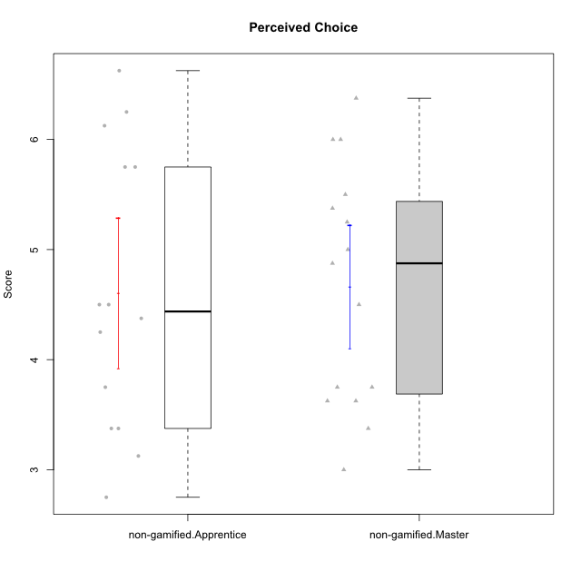

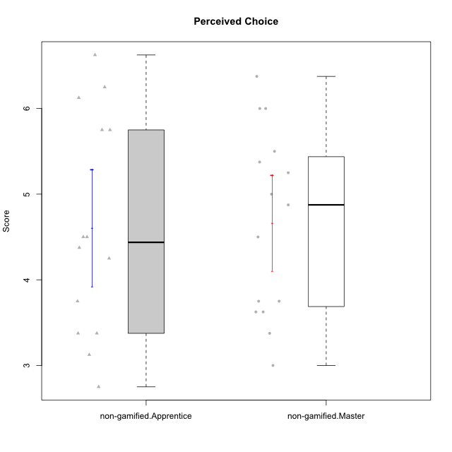

Student's t-Test data
UserID | NroUSP | Type | CLGroup | CLRole | PlayerRole | Item01IE | Item09IE | Item12IE | Item21IE | Item22IE | Item24IE | Item02PC | Item05PC | Item06PC | Item08PC | Item15PC | Item17PC | Item20PC | Item23PC | Item11PT | Item14PT | Item16PT | Item18PT | Interest/Enjoyment | Perceived Choice | Pressure/Tension | Intrinsic Motivation
10171 | 698531 | non-gamified | Grupo Team 6 | Apprentice |  | 6 | 6 | 6 | 5 | 5 | 6 | 2 | 7 | 2 | 1 | 3 | 2 | 1 | 2 | 6 | 1 | 1 | 1 | 5.6666666667 | 5.75 | 1.25 | 5.9444444444
10172 | 10273971 | non-gamified | Grupo Team 1 | Master |  | 6 | 6 | 5 | 5 | 5 | 4 | 4 | 3 | 2 | 3 | 2 | 2 | 3 | 5 | 7 | 1 | 1 | 1 | 5.1666666667 | 5 | 1 | 5.5
10179 | 10310759 | non-gamified | Grupo Team 9 | Master |  | 4 | 4 | 3 | 4 | 4 | 4 | 6 | 3 | 5 | 4 | 5 | 4 | 3 | 3 | 6 | 2 | 2 | 2 | 3.8333333333 | 3.375 | 2 | 4.1111111111
10181 | 10276866 | non-gamified | Grupo Team 10 | Master |  | 5 | 5 | 5 | 5 | 4 | 2 | 2 | 2 | 1 | 3 | 2 | 2 | 2 | 4 | 7 | 1 | 1 | 1 | 4.3333333333 | 5.25 | 1 | 5.3333333333
10185 | 10276960 | non-gamified | Grupo Team 12 | Apprentice |  | 4 | 4 | 4 | 4 | 4 | 4 | 4 | 3 | 3 | 3 | 4 | 4 | 3 | 4 | 6 | 2 | 2 | 3 | 4 | 4.25 | 2.25 | 4.5
10187 | 9790781 | non-gamified | Grupo Team 15 | Apprentice |  | 7 | 7 | 7 | 7 | 7 | 7 | 1 | 5 | 1 | 3 | 4 | 1 | 1 | 7 | 1 | 1 | 5 | 1 | 7 | 6.125 | 3.5 | 6.0555555556
10188 | 10276995 | non-gamified | Grupo Team 3 | Master |  | 4 | 4 | 4 | 3 | 4 | 4 | 3 | 3 | 3 | 3 | 3 | 3 | 4 | 4 | 6 | 2 | 1 | 1 | 3.8333333333 | 4.5 | 1.5 | 4.7222222222
10191 | 10276981 | non-gamified | Grupo Team 6 | Master |  | 4 | 6 | 6 | 6 | 5 | 7 | 2 | 6 | 2 | 3 | 6 | 1 | 1 | 4 | 7 | 1 | 2 | 1 | 5.6666666667 | 5.375 | 1.25 | 5.7777777778
10192 | 10276682 | non-gamified | Grupo Team 5 | Apprentice |  | 4 | 7 | 7 | 6 | 6 | 7 | 2 | 7 | 7 | 1 | 7 | 1 | 6 | 4 | 7 | 1 | 1 | 1 | 6.1666666667 | 4.375 | 1 | 5.5555555556
10202 | 10277036 | non-gamified | Grupo Team 11 | Apprentice |  | 4 | 4 | 4 | 4 | 4 | 4 | 7 | 4 | 4 | 5 | 4 | 4 | 4 | 3 | 1 | 7 | 7 | 7 | 4 | 3.375 | 7 | 3.0555555556
10203 | 9921470 | non-gamified | Grupo Team 3 | Apprentice |  | 7 | 7 | 7 | 1 | 1 | 1 | 1 | 7 | 1 | 1 | 1 | 1 | 1 | 1 | 7 | 1 | 2 | 1 | 4 | 6.25 | 1.25 | 5.6111111111
10208 | 10276932 | non-gamified | Grupo Team 7 | Apprentice |  | 6 | 6 | 7 | 7 | 6 | 6 | 4 | 7 | 4 | 1 | 2 | 1 | 2 | 5 | 7 | 1 | 4 | 1 | 6.3333333333 | 5.75 | 1.75 | 6.0555555556
10210 | 10277015 | non-gamified | Grupo Team 9 | Apprentice |  | 4 | 5 | 4 | 2 | 2 | 4 | 6 | 3 | 5 | 5 | 6 | 4 | 5 | 2 | 4 | 4 | 4 | 6 | 3.5 | 2.75 | 4.5 | 3.1666666667
10211 | 9311643 | non-gamified | Grupo Team 2 | Master |  | 7 | 7 | 5 | 6 | 6 | 6 | 7 | 3 | 6 | 3 | 6 | 3 | 2 | 5 | 7 | 2 | 2 | 3 | 6.1666666667 | 3.625 | 2 | 5
10212 | 9065750 | non-gamified | Grupo Team 4 | Master |  | 5 | 6 | 6 | 7 | 7 | 7 | 3 | 7 | 3 | 1 | 1 | 2 | 1 | 4 | 6 | 2 | 4 | 2 | 6.3333333333 | 6 | 2.5 | 6
10214 | 10277022 | non-gamified | Grupo Team 5 | Master |  | 4 | 4 | 3 | 3 | 3 | 1 | 4 | 4 | 4 | 4 | 5 | 4 | 4 | 2 | 4 | 1 | 1 | 2 | 3 | 3.625 | 2 | 3.9444444444
10216 | 10276720 | non-gamified | Grupo Team 15 | Master |  | 4 | 7 | 5 | 5 | 7 | 1 | 1 | 7 | 1 | 1 | 4 | 1 | 3 | 7 | 7 | 2 | 1 | 1 | 4.8333333333 | 6.375 | 1.25 | 5.9444444444
10217 | 9805341 | non-gamified | Grupo Team 13 | Master |  | 3 | 5 | 4 | 5 | 4 | 2 | 2 | 4 | 1 | 1 | 1 | 1 | 2 | 4 | 7 | 1 | 1 | 1 | 3.8333333333 | 6 | 1 | 5.5
10219 | 10276831 | non-gamified | Grupo Team 12 | Master |  | 4 | 4 | 4 | 3 | 4 | 3 | 2 | 1 | 4 | 3 | 4 | 4 | 3 | 1 | 7 | 1 | 1 | 1 | 3.6666666667 | 3.75 | 1 | 4.4444444444
10220 | 9760151 | non-gamified | Grupo Team 2 | Apprentice |  | 4 | 7 | 4 | 4 | 7 | 7 | 1 | 7 | 4 | 1 | 1 | 1 | 1 | 7 | 7 | 1 | 1 | 1 | 5.5 | 6.625 | 1 | 6.3333333333
10224 | 9368772 | non-gamified | Grupo Team 10 | Apprentice |  | 6 | 7 | 7 | 7 | 6 | 6 | 4 | 7 | 4 | 7 | 7 | 7 | 3 | 2 | 7 | 1 | 1 | 3 | 6.5 | 3.125 | 1.5 | 5
10226 | 10310342 | non-gamified | Grupo Team 8 | Master |  | 2 | 4 | 4 | 4 | 4 | 5 | 6 | 2 | 4 | 5 | 6 | 4 | 2 | 1 | 7 | 1 | 1 | 3 | 3.8333333333 | 3 | 1.5 | 4.0555555556
10227 | 9274382 | non-gamified | Grupo Team 4 | Apprentice |  | 1 | 2 | 3 | 3 | 6 | 2 | 3 | 6 | 4 | 3 | 5 | 4 | 2 | 3 | 3 | 4 | 4 | 4 | 2.8333333333 | 4.5 | 4.25 | 3.7777777778
10228 | 10310492 | non-gamified | Grupo Team 14 | Apprentice |  | 4 | 4 | 5 | 4 | 4 | 3 | 5 | 4 | 3 | 2 | 3 | 3 | 3 | 3 | 6 | 1 | 2 | 4 | 4 | 4.5 | 2.25 | 4.6111111111
10230 | 10351992 | non-gamified | Grupo Team 14 | Master |  | 1 | 4 | 1 | 6 | 1 | 3 | 2 | 5 | 1 | 5 | 4 | 1 | 5 | 4 | 1 | 1 | 4 | 1 | 2.6666666667 | 4.875 | 3.25 | 4.1111111111
10233 | 9805320 | non-gamified | Grupo Team 16 | Apprentice |  | 2 | 4 | 2 | 1 | 2 | 3 | 7 | 6 | 3 | 3 | 6 | 3 | 5 | 3 | 7 | 1 | 1 | 2 | 2.3333333333 | 3.75 | 1.25 | 3.9444444444
10234 | 10310676 | non-gamified | Grupo Team 7 | Master |  | 2 | 3 | 2 | 6 | 5 | 2 | 2 | 2 | 5 | 4 | 6 | 4 | 3 | 4 | 7 | 2 | 1 | 1 | 3.3333333333 | 3.75 | 1.25 | 4.2777777778
10237 | 10377688 | non-gamified | Grupo Team 11 | Master |  | 6 | 5 | 4 | 6 | 5 | 3 | 3 | 7 | 5 | 2 | 2 | 1 | 2 | 4 | 7 | 1 | 1 | 1 | 4.8333333333 | 5.5 | 1 | 5.6111111111
10238 | 10276953 | non-gamified | Grupo Team 13 | Apprentice |  | 4 | 3 | 4 | 4 | 4 | 4 | 4 | 3 | 5 | 4 | 7 | 5 | 2 | 3 | 4 | 4 | 4 | 5 | 3.8333333333 | 3.375 | 4.25 | 3.6111111111

Type_CLRole_2
Student's t-Test for Perceived Choice in Type:CLRole between non-gamified.Apprentice:ont-gamified.Apprentice

Student's t-Test results
Alternative hypothesis: less
Group | N | Mean | Mean.Difference | Std.deviation | Std.error | CI.lower | CI.upper | df | t.value | p.value | g | magnitude
non-gamified.Apprentice | 14 | 4.6071428571 | -1.0178571429 | 1.2802654687 | 0.34216533914 | 3.9228121789 | 5.2914735354 | 23.713991465 | -2.3729937753 | 0.013052819963 | -0.87589397967 | large
ont-gamified.Apprentice | 13 | 5.625 | 1.0178571429 | 0.93262622023 | 0.25866397368 | 5.1076720526 | 6.1423279474 | 23.713991465 | -2.3729937753 | 0.013052819963 | -0.87589397967 | large
Alternative hypothesis: greater
Group | N | Mean | Mean.Difference | Std.deviation | Std.error | CI.lower | CI.upper | df | t.value | p.value | g | magnitude
non-gamified.Apprentice | 14 | 4.6071428571 | -1.0178571429 | 1.2802654687 | 0.34216533914 | 3.9228121789 | 5.2914735354 | 23.713991465 | -2.3729937753 | 0.98694718004 | -0.87589397967 | large
ont-gamified.Apprentice | 13 | 5.625 | 1.0178571429 | 0.93262622023 | 0.25866397368 | 5.1076720526 | 6.1423279474 | 23.713991465 | -2.3729937753 | 0.98694718004 | -0.87589397967 | large
Alternative hypothesis: two.sided
Group | N | Mean | Mean.Difference | Std.deviation | Std.error | CI.lower | CI.upper | df | t.value | p.value | g | magnitude
non-gamified.Apprentice | 14 | 4.6071428571 | -1.0178571429 | 1.2802654687 | 0.34216533914 | 3.9228121789 | 5.2914735354 | 23.713991465 | -2.3729937753 | 0.026105639926 | -0.87589397967 | large
ont-gamified.Apprentice | 13 | 5.625 | 1.0178571429 | 0.93262622023 | 0.25866397368 | 5.1076720526 | 6.1423279474 | 23.713991465 | -2.3729937753 | 0.026105639926 | -0.87589397967 | large

Box plots for Student's t-Test
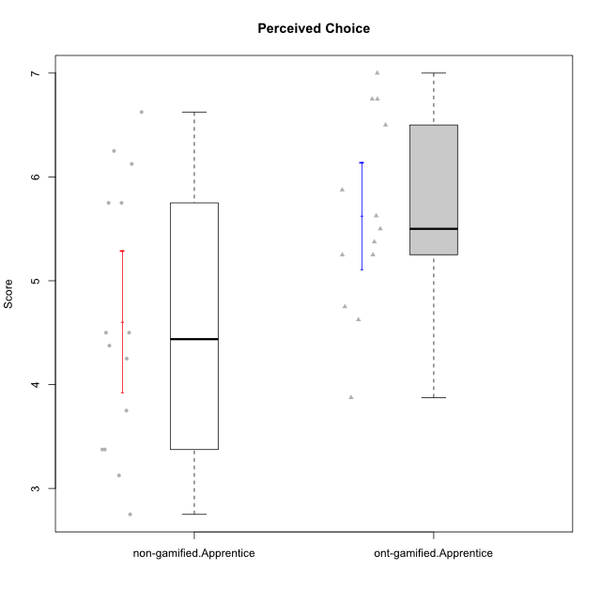

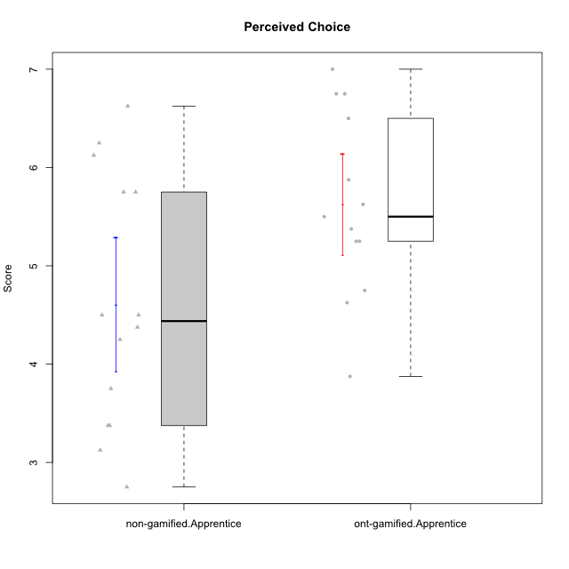

Student's t-Test data
UserID | NroUSP | Type | CLGroup | CLRole | PlayerRole | Item01IE | Item09IE | Item12IE | Item21IE | Item22IE | Item24IE | Item02PC | Item05PC | Item06PC | Item08PC | Item15PC | Item17PC | Item20PC | Item23PC | Item11PT | Item14PT | Item16PT | Item18PT | Interest/Enjoyment | Perceived Choice | Pressure/Tension | Intrinsic Motivation
10170 | 10260351 | ont-gamified | Grupo Afrodite | Apprentice | Yee Achiever | 5 | 5 | 5 | 6 | 6 | 4 | 2 | 7 | 1 | 2 | 2 | 1 | 2 | 7 | 7 | 1 | 1 | 1 | 5.1666666667 | 6.5 | 1 | 6.1666666667
10171 | 698531 | non-gamified | Grupo Team 6 | Apprentice |  | 6 | 6 | 6 | 5 | 5 | 6 | 2 | 7 | 2 | 1 | 3 | 2 | 1 | 2 | 6 | 1 | 1 | 1 | 5.6666666667 | 5.75 | 1.25 | 5.9444444444
10176 | 10276949 | ont-gamified | Grupo Cronus | Apprentice | Yee Achiever | 5 | 5 | 4 | 4 | 4 | 3 | 5 | 6 | 1 | 1 | 2 | 2 | 2 | 2 | 4 | 2 | 3 | 2 | 4.1666666667 | 5.375 | 2.75 | 4.9444444444
10178 | 8656201 | ont-gamified | Grupo Morfeu | Apprentice | Yee Socializer | 5 | 5 | 5 | 5 | 5 | 5 | 4 | 5 | 2 | 1 | 3 | 1 | 3 | 5 | 5 | 1 | 4 | 1 | 5 | 5.5 | 2.25 | 5.3888888889
10183 | 10352030 | ont-gamified | Grupo Hélio | Apprentice | Yee Socializer | 5 | 4 | 4 | 4 | 4 | 3 | 3 | 5 | 2 | 4 | 2 | 2 | 2 | 4 | 5 | 2 | 3 | 3 | 4 | 5.25 | 2.75 | 4.8333333333
10185 | 10276960 | non-gamified | Grupo Team 12 | Apprentice |  | 4 | 4 | 4 | 4 | 4 | 4 | 4 | 3 | 3 | 3 | 4 | 4 | 3 | 4 | 6 | 2 | 2 | 3 | 4 | 4.25 | 2.25 | 4.5
10186 | 10310551 | ont-gamified | Grupo Ares | Apprentice | Yee Achiever | 3 | 6 | 4 | 4 | 5 | 6 | 2 | 4 | 4 | 1 | 1 | 1 | 1 | 5 | 4 | 1 | 4 | 3 | 4.6666666667 | 5.875 | 3 | 5.2777777778
10187 | 9790781 | non-gamified | Grupo Team 15 | Apprentice |  | 7 | 7 | 7 | 7 | 7 | 7 | 1 | 5 | 1 | 3 | 4 | 1 | 1 | 7 | 1 | 1 | 5 | 1 | 7 | 6.125 | 3.5 | 6.0555555556
10190 | 10276907 | ont-gamified | Grupo Zeus | Apprentice | Yee Socializer | 4 | 5 | 5 | 4 | 4 | 5 | 4 | 7 | 1 | 3 | 1 | 2 | 3 | 4 | 6 | 1 | 2 | 2 | 4.5 | 5.625 | 1.75 | 5.3888888889
10192 | 10276682 | non-gamified | Grupo Team 5 | Apprentice |  | 4 | 7 | 7 | 6 | 6 | 7 | 2 | 7 | 7 | 1 | 7 | 1 | 6 | 4 | 7 | 1 | 1 | 1 | 6.1666666667 | 4.375 | 1 | 5.5555555556
10195 | 10351971 | ont-gamified | Grupo Urano | Apprentice | Yee Achiever | 5 | 6 | 5 | 6 | 5 | 5 | 4 | 4 | 4 | 1 | 4 | 4 | 2 | 4 | 7 | 1 | 1 | 1 | 5.3333333333 | 4.625 | 1 | 5.3888888889
10196 | 10310655 | ont-gamified | Grupo Hefesto | Apprentice | Yee Achiever | 4 | 4 | 4 | 4 | 4 | 4 | 6 | 2 | 1 | 4 | 7 | 1 | 4 | 4 | 7 | 1 | 1 | 1 | 4 | 3.875 | 1 | 4.6111111111
10197 | 10276661 | ont-gamified | Grupo Gaia | Apprentice | Yee Achiever | 4 | 6 | 4 | 6 | 4 | 5 | 1 | 7 | 2 | 1 | 1 | 1 | 1 | 6 | 7 | 1 | 1 | 1 | 4.8333333333 | 6.75 | 1 | 6.1666666667
10198 | 10310888 | ont-gamified | Grupo Apolo | Apprentice | Yee Socializer | 7 | 7 | 7 | 7 | 7 | 7 | 1 | 7 | 1 | 1 | 1 | 1 | 1 | 7 | 7 | 1 | 1 | 1 | 7 | 7 | 1 | 7
10200 | 9795272 | ont-gamified | Grupo Hades | Apprentice | Yee Socializer | 6 | 6 | 7 | 6 | 6 | 7 | 2 | 5 | 2 | 3 | 4 | 2 | 2 | 4 | 7 | 1 | 1 | 1 | 6.3333333333 | 5.25 | 1 | 6
10202 | 10277036 | non-gamified | Grupo Team 11 | Apprentice |  | 4 | 4 | 4 | 4 | 4 | 4 | 7 | 4 | 4 | 5 | 4 | 4 | 4 | 3 | 1 | 7 | 7 | 7 | 4 | 3.375 | 7 | 3.0555555556
10203 | 9921470 | non-gamified | Grupo Team 3 | Apprentice |  | 7 | 7 | 7 | 1 | 1 | 1 | 1 | 7 | 1 | 1 | 1 | 1 | 1 | 1 | 7 | 1 | 2 | 1 | 4 | 6.25 | 1.25 | 5.6111111111
10208 | 10276932 | non-gamified | Grupo Team 7 | Apprentice |  | 6 | 6 | 7 | 7 | 6 | 6 | 4 | 7 | 4 | 1 | 2 | 1 | 2 | 5 | 7 | 1 | 4 | 1 | 6.3333333333 | 5.75 | 1.75 | 6.0555555556
10210 | 10277015 | non-gamified | Grupo Team 9 | Apprentice |  | 4 | 5 | 4 | 2 | 2 | 4 | 6 | 3 | 5 | 5 | 6 | 4 | 5 | 2 | 4 | 4 | 4 | 6 | 3.5 | 2.75 | 4.5 | 3.1666666667
10220 | 9760151 | non-gamified | Grupo Team 2 | Apprentice |  | 4 | 7 | 4 | 4 | 7 | 7 | 1 | 7 | 4 | 1 | 1 | 1 | 1 | 7 | 7 | 1 | 1 | 1 | 5.5 | 6.625 | 1 | 6.3333333333
10221 | 9082496 | ont-gamified | Grupo Hermes | Apprentice | Yee Achiever | 4 | 5 | 4 | 5 | 5 | 4 | 3 | 6 | 4 | 1 | 4 | 1 | 4 | 1 | 7 | 1 | 1 | 1 | 4.5 | 4.75 | 1 | 5.1666666667
10224 | 9368772 | non-gamified | Grupo Team 10 | Apprentice |  | 6 | 7 | 7 | 7 | 6 | 6 | 4 | 7 | 4 | 7 | 7 | 7 | 3 | 2 | 7 | 1 | 1 | 3 | 6.5 | 3.125 | 1.5 | 5
10227 | 9274382 | non-gamified | Grupo Team 4 | Apprentice |  | 1 | 2 | 3 | 3 | 6 | 2 | 3 | 6 | 4 | 3 | 5 | 4 | 2 | 3 | 3 | 4 | 4 | 4 | 2.8333333333 | 4.5 | 4.25 | 3.7777777778
10228 | 10310492 | non-gamified | Grupo Team 14 | Apprentice |  | 4 | 4 | 5 | 4 | 4 | 3 | 5 | 4 | 3 | 2 | 3 | 3 | 3 | 3 | 6 | 1 | 2 | 4 | 4 | 4.5 | 2.25 | 4.6111111111
10231 | 10276911 | ont-gamified | Grupo Caronte | Apprentice | Yee Achiever | 7 | 7 | 7 | 7 | 7 | 7 | 1 | 6 | 1 | 1 | 2 | 1 | 1 | 7 | 7 | 1 | 1 | 1 | 7 | 6.75 | 1 | 6.8888888889
10233 | 9805320 | non-gamified | Grupo Team 16 | Apprentice |  | 2 | 4 | 2 | 1 | 2 | 3 | 7 | 6 | 3 | 3 | 6 | 3 | 5 | 3 | 7 | 1 | 1 | 2 | 2.3333333333 | 3.75 | 1.25 | 3.9444444444
10238 | 10276953 | non-gamified | Grupo Team 13 | Apprentice |  | 4 | 3 | 4 | 4 | 4 | 4 | 4 | 3 | 5 | 4 | 7 | 5 | 2 | 3 | 4 | 4 | 4 | 5 | 3.8333333333 | 3.375 | 4.25 | 3.6111111111

Type_CLRole_3
Student's t-Test for Perceived Choice in Type:CLRole between non-gamified.Apprentice:ont-gamified.Master

Student's t-Test results
Alternative hypothesis: less
Group | N | Mean | Mean.Difference | Std.deviation | Std.error | CI.lower | CI.upper | df | t.value | p.value | g | magnitude
non-gamified.Apprentice | 14 | 4.6071428571 | -1.0511904762 | 1.2802654687 | 0.34216533914 | 3.9228121789 | 5.2914735354 | 22.995098522 | -2.5519419555 | 0.0089116787754 | -0.93336121356 | large
ont-gamified.Master | 15 | 5.6583333333 | 1.0511904762 | 0.88825001843 | 0.22934516858 | 5.1996429962 | 6.1170236705 | 22.995098522 | -2.5519419555 | 0.0089116787754 | -0.93336121356 | large
Alternative hypothesis: greater
Group | N | Mean | Mean.Difference | Std.deviation | Std.error | CI.lower | CI.upper | df | t.value | p.value | g | magnitude
non-gamified.Apprentice | 14 | 4.6071428571 | -1.0511904762 | 1.2802654687 | 0.34216533914 | 3.9228121789 | 5.2914735354 | 22.995098522 | -2.5519419555 | 0.99108832122 | -0.93336121356 | large
ont-gamified.Master | 15 | 5.6583333333 | 1.0511904762 | 0.88825001843 | 0.22934516858 | 5.1996429962 | 6.1170236705 | 22.995098522 | -2.5519419555 | 0.99108832122 | -0.93336121356 | large
Alternative hypothesis: two.sided
Group | N | Mean | Mean.Difference | Std.deviation | Std.error | CI.lower | CI.upper | df | t.value | p.value | g | magnitude
non-gamified.Apprentice | 14 | 4.6071428571 | -1.0511904762 | 1.2802654687 | 0.34216533914 | 3.9228121789 | 5.2914735354 | 22.995098522 | -2.5519419555 | 0.017823357551 | -0.93336121356 | large
ont-gamified.Master | 15 | 5.6583333333 | 1.0511904762 | 0.88825001843 | 0.22934516858 | 5.1996429962 | 6.1170236705 | 22.995098522 | -2.5519419555 | 0.017823357551 | -0.93336121356 | large

Box plots for Student's t-Test
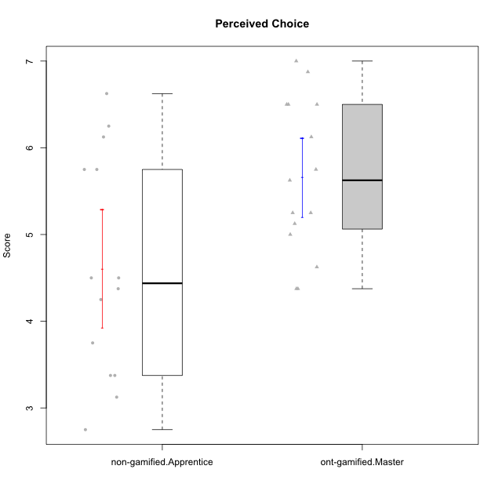



Student's t-Test data
UserID | NroUSP | Type | CLGroup | CLRole | PlayerRole | Item01IE | Item09IE | Item12IE | Item21IE | Item22IE | Item24IE | Item02PC | Item05PC | Item06PC | Item08PC | Item15PC | Item17PC | Item20PC | Item23PC | Item11PT | Item14PT | Item16PT | Item18PT | Interest/Enjoyment | Perceived Choice | Pressure/Tension | Intrinsic Motivation
10169 | 10377538 | ont-gamified | Grupo Hefesto | Master | Yee Achiever | 4 | 6 | 6 | 6 | 6 | 6 | 4 | 6 | 6 | 2 | 2 | 2 | 2 | 6 | 7 | 1 | 4 | 2 | 5.6666666667 | 5.25 | 2 | 5.5555555556
10171 | 698531 | non-gamified | Grupo Team 6 | Apprentice |  | 6 | 6 | 6 | 5 | 5 | 6 | 2 | 7 | 2 | 1 | 3 | 2 | 1 | 2 | 6 | 1 | 1 | 1 | 5.6666666667 | 5.75 | 1.25 | 5.9444444444
10174 | 10276852 | ont-gamified | Grupo Urano | Master | Yee Achiever | 4 | 5 | 4 | 4 | 6 | 6 | 4 | 4 | 4 | 3 | 4 | 3 | 3 | 4 | 6 | 1 | 1 | 1 | 4.8333333333 | 4.375 | 1.25 | 5.0555555556
10175 | 10310700 | ont-gamified | Grupo Hélio | Master | Yee Socializer | 6 | 6 | 6 | 5 | 5 | 6 | 1 | 7 | 1 | 1 | 1 | 1 | 1 | 6 | 7 | 1 | 1 | 1 | 5.6666666667 | 6.875 | 1 | 6.5
10184 | 10276675 | ont-gamified | Grupo Apolo | Master | Yee Socializer | 5 | 5 | 5 | 4 | 4 | 4 | 5 | 7 | 1 | 1 | 4 | 1 | 2 | 4 | 4 | 1 | 3 | 1 | 4.5 | 5.625 | 2.25 | 5.2777777778
10185 | 10276960 | non-gamified | Grupo Team 12 | Apprentice |  | 4 | 4 | 4 | 4 | 4 | 4 | 4 | 3 | 3 | 3 | 4 | 4 | 3 | 4 | 6 | 2 | 2 | 3 | 4 | 4.25 | 2.25 | 4.5
10187 | 9790781 | non-gamified | Grupo Team 15 | Apprentice |  | 7 | 7 | 7 | 7 | 7 | 7 | 1 | 5 | 1 | 3 | 4 | 1 | 1 | 7 | 1 | 1 | 5 | 1 | 7 | 6.125 | 3.5 | 6.0555555556
10189 | 9363926 | ont-gamified | Grupo Hades | Master | Yee Socializer | 2 | 4 | 3 | 6 | 4 | 5 | 4 | 5 | 2 | 1 | 5 | 2 | 1 | 2 | 5 | 4 | 5 | 2 | 4 | 5 | 3.5 | 4.5555555556
10192 | 10276682 | non-gamified | Grupo Team 5 | Apprentice |  | 4 | 7 | 7 | 6 | 6 | 7 | 2 | 7 | 7 | 1 | 7 | 1 | 6 | 4 | 7 | 1 | 1 | 1 | 6.1666666667 | 4.375 | 1 | 5.5555555556
10193 | 10276762 | ont-gamified | Grupo Afrodite | Master | Yee Achiever | 4 | 5 | 5 | 5 | 6 | 4 | 2 | 4 | 5 | 3 | 5 | 3 | 2 | 5 | 6 | 1 | 1 | 1 | 4.8333333333 | 4.625 | 1.25 | 5.1666666667
10199 | 10276737 | ont-gamified | Grupo Gaia | Master | Yee Achiever | 4 | 4 | 4 | 4 | 7 | 1 | 1 | 7 | 1 | 1 | 1 | 1 | 1 | 7 | 2 | 3 | 1 | 1 | 4 | 7 | 2.75 | 5.6111111111
10201 | 10276928 | ont-gamified | Grupo Caronte | Master | Yee Achiever | 5 | 7 | 7 | 7 | 7 | 5 | 2 | 7 | 3 | 2 | 2 | 2 | 1 | 3 | 6 | 3 | 2 | 1 | 6.3333333333 | 5.75 | 2 | 6
10202 | 10277036 | non-gamified | Grupo Team 11 | Apprentice |  | 4 | 4 | 4 | 4 | 4 | 4 | 7 | 4 | 4 | 5 | 4 | 4 | 4 | 3 | 1 | 7 | 7 | 7 | 4 | 3.375 | 7 | 3.0555555556
10203 | 9921470 | non-gamified | Grupo Team 3 | Apprentice |  | 7 | 7 | 7 | 1 | 1 | 1 | 1 | 7 | 1 | 1 | 1 | 1 | 1 | 1 | 7 | 1 | 2 | 1 | 4 | 6.25 | 1.25 | 5.6111111111
10204 | 10310471 | ont-gamified | Grupo Hermes | Master | Yee Achiever | 6 | 7 | 7 | 7 | 7 | 7 | 2 | 7 | 4 | 1 | 1 | 1 | 1 | 7 | 7 | 1 | 1 | 1 | 6.8333333333 | 6.5 | 1 | 6.7222222222
10206 | 10310721 | ont-gamified | Grupo Hera | Master | Yee Achiever | 4 | 6 | 4 | 5 | 5 | 3 | 1 | 7 | 1 | 2 | 2 | 1 | 2 | 6 | 2 | 3 | 3 | 2 | 4.5 | 6.5 | 3.5 | 5.3888888889
10208 | 10276932 | non-gamified | Grupo Team 7 | Apprentice |  | 6 | 6 | 7 | 7 | 6 | 6 | 4 | 7 | 4 | 1 | 2 | 1 | 2 | 5 | 7 | 1 | 4 | 1 | 6.3333333333 | 5.75 | 1.75 | 6.0555555556
10210 | 10277015 | non-gamified | Grupo Team 9 | Apprentice |  | 4 | 5 | 4 | 2 | 2 | 4 | 6 | 3 | 5 | 5 | 6 | 4 | 5 | 2 | 4 | 4 | 4 | 6 | 3.5 | 2.75 | 4.5 | 3.1666666667
10213 | 10277040 | ont-gamified | Grupo Morfeu | Master | Yee Socializer | 7 | 6 | 5 | 4 | 4 | 7 | 4 | 4 | 1 | 4 | 7 | 1 | 2 | 2 | 7 | 1 | 1 | 1 | 5.5 | 4.375 | 1 | 5.3333333333
10215 | 9285227 | ont-gamified | Grupo Zeus | Master | Yee Socializer | 4 | 7 | 4 | 6 | 5 | 4 | 1 | 6 | 1 | 1 | 1 | 1 | 1 | 4 | 7 | 1 | 1 | 1 | 5 | 6.5 | 1 | 6.1111111111
10218 | 9842913 | ont-gamified | Grupo Ares | Master | Yee Achiever | 4 | 3 | 3 | 4 | 4 | 2 | 2 | 5 | 4 | 1 | 3 | 3 | 2 | 3 | 3 | 3 | 4 | 2 | 3.3333333333 | 5.125 | 3.5 | 4.3888888889
10220 | 9760151 | non-gamified | Grupo Team 2 | Apprentice |  | 4 | 7 | 4 | 4 | 7 | 7 | 1 | 7 | 4 | 1 | 1 | 1 | 1 | 7 | 7 | 1 | 1 | 1 | 5.5 | 6.625 | 1 | 6.3333333333
10223 | 9795185 | ont-gamified | Grupo Cronus | Master | Yee Achiever | 6 | 6 | 6 | 7 | 7 | 6 | 2 | 6 | 2 | 1 | 2 | 1 | 3 | 6 | 7 | 1 | 2 | 1 | 6.3333333333 | 6.125 | 1.25 | 6.3333333333
10224 | 9368772 | non-gamified | Grupo Team 10 | Apprentice |  | 6 | 7 | 7 | 7 | 6 | 6 | 4 | 7 | 4 | 7 | 7 | 7 | 3 | 2 | 7 | 1 | 1 | 3 | 6.5 | 3.125 | 1.5 | 5
10227 | 9274382 | non-gamified | Grupo Team 4 | Apprentice |  | 1 | 2 | 3 | 3 | 6 | 2 | 3 | 6 | 4 | 3 | 5 | 4 | 2 | 3 | 3 | 4 | 4 | 4 | 2.8333333333 | 4.5 | 4.25 | 3.7777777778
10228 | 10310492 | non-gamified | Grupo Team 14 | Apprentice |  | 4 | 4 | 5 | 4 | 4 | 3 | 5 | 4 | 3 | 2 | 3 | 3 | 3 | 3 | 6 | 1 | 2 | 4 | 4 | 4.5 | 2.25 | 4.6111111111
10232 | 10276974 | ont-gamified | Grupo Artemis | Master | Yee Achiever | 6 | 4 | 5 | 6 | 5 | 7 | 2 | 5 | 4 | 2 | 4 | 2 | 1 | 4 | 1 | 1 | 2 | 2 | 5.5 | 5.25 | 3 | 5.2777777778
10233 | 9805320 | non-gamified | Grupo Team 16 | Apprentice |  | 2 | 4 | 2 | 1 | 2 | 3 | 7 | 6 | 3 | 3 | 6 | 3 | 5 | 3 | 7 | 1 | 1 | 2 | 2.3333333333 | 3.75 | 1.25 | 3.9444444444
10238 | 10276953 | non-gamified | Grupo Team 13 | Apprentice |  | 4 | 3 | 4 | 4 | 4 | 4 | 4 | 3 | 5 | 4 | 7 | 5 | 2 | 3 | 4 | 4 | 4 | 5 | 3.8333333333 | 3.375 | 4.25 | 3.6111111111

Type_CLRole_4
Student's t-Test for Perceived Choice in Type:CLRole between non-gamified.Master:ont-gamified.Apprentice

Student's t-Test results
Alternative hypothesis: less
Group | N | Mean | Mean.Difference | Std.deviation | Std.error | CI.lower | CI.upper | df | t.value | p.value | g | magnitude
non-gamified.Master | 15 | 4.6666666667 | -0.95833333333 | 1.0852775594 | 0.28021746091 | 4.1062317449 | 5.2271015885 | 25.999773532 | -2.512992946 | 0.0092523696972 | -0.91426350958 | large
ont-gamified.Apprentice | 13 | 5.625 | 0.95833333333 | 0.93262622023 | 0.25866397368 | 5.1076720526 | 6.1423279474 | 25.999773532 | -2.512992946 | 0.0092523696972 | -0.91426350958 | large
Alternative hypothesis: greater
Group | N | Mean | Mean.Difference | Std.deviation | Std.error | CI.lower | CI.upper | df | t.value | p.value | g | magnitude
non-gamified.Master | 15 | 4.6666666667 | -0.95833333333 | 1.0852775594 | 0.28021746091 | 4.1062317449 | 5.2271015885 | 25.999773532 | -2.512992946 | 0.9907476303 | -0.91426350958 | large
ont-gamified.Apprentice | 13 | 5.625 | 0.95833333333 | 0.93262622023 | 0.25866397368 | 5.1076720526 | 6.1423279474 | 25.999773532 | -2.512992946 | 0.9907476303 | -0.91426350958 | large
Alternative hypothesis: two.sided
Group | N | Mean | Mean.Difference | Std.deviation | Std.error | CI.lower | CI.upper | df | t.value | p.value | g | magnitude
non-gamified.Master | 15 | 4.6666666667 | -0.95833333333 | 1.0852775594 | 0.28021746091 | 4.1062317449 | 5.2271015885 | 25.999773532 | -2.512992946 | 0.018504739394 | -0.91426350958 | large
ont-gamified.Apprentice | 13 | 5.625 | 0.95833333333 | 0.93262622023 | 0.25866397368 | 5.1076720526 | 6.1423279474 | 25.999773532 | -2.512992946 | 0.018504739394 | -0.91426350958 | large

Box plots for Student's t-Test
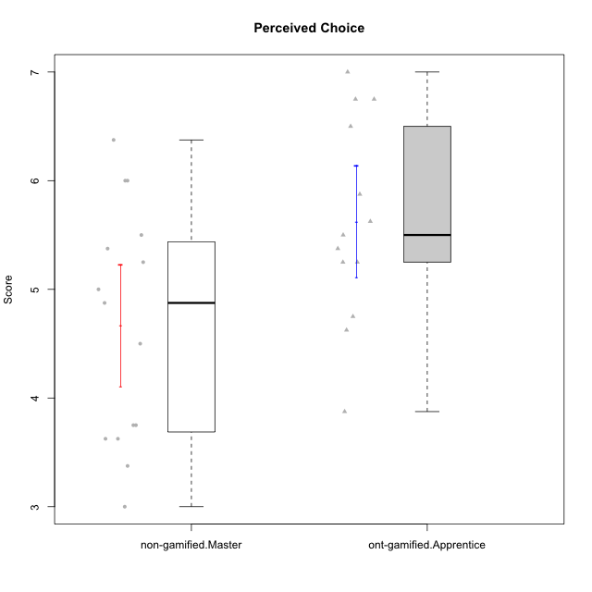

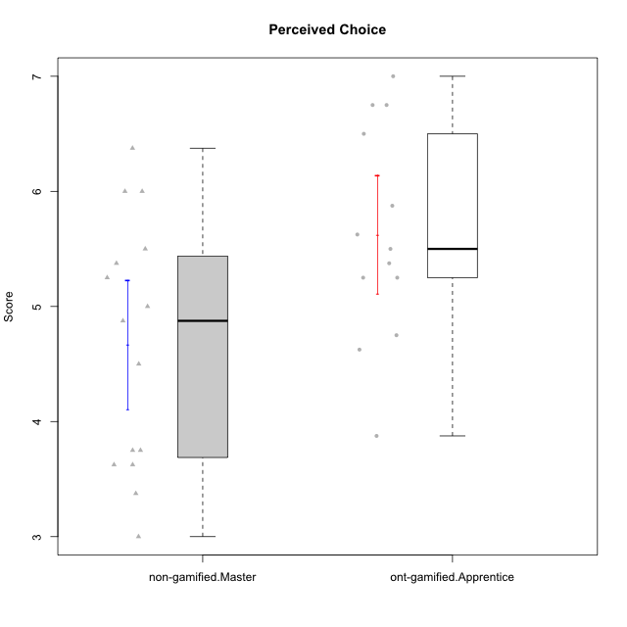

Student's t-Test data
UserID | NroUSP | Type | CLGroup | CLRole | PlayerRole | Item01IE | Item09IE | Item12IE | Item21IE | Item22IE | Item24IE | Item02PC | Item05PC | Item06PC | Item08PC | Item15PC | Item17PC | Item20PC | Item23PC | Item11PT | Item14PT | Item16PT | Item18PT | Interest/Enjoyment | Perceived Choice | Pressure/Tension | Intrinsic Motivation
10170 | 10260351 | ont-gamified | Grupo Afrodite | Apprentice | Yee Achiever | 5 | 5 | 5 | 6 | 6 | 4 | 2 | 7 | 1 | 2 | 2 | 1 | 2 | 7 | 7 | 1 | 1 | 1 | 5.1666666667 | 6.5 | 1 | 6.1666666667
10172 | 10273971 | non-gamified | Grupo Team 1 | Master |  | 6 | 6 | 5 | 5 | 5 | 4 | 4 | 3 | 2 | 3 | 2 | 2 | 3 | 5 | 7 | 1 | 1 | 1 | 5.1666666667 | 5 | 1 | 5.5
10176 | 10276949 | ont-gamified | Grupo Cronus | Apprentice | Yee Achiever | 5 | 5 | 4 | 4 | 4 | 3 | 5 | 6 | 1 | 1 | 2 | 2 | 2 | 2 | 4 | 2 | 3 | 2 | 4.1666666667 | 5.375 | 2.75 | 4.9444444444
10178 | 8656201 | ont-gamified | Grupo Morfeu | Apprentice | Yee Socializer | 5 | 5 | 5 | 5 | 5 | 5 | 4 | 5 | 2 | 1 | 3 | 1 | 3 | 5 | 5 | 1 | 4 | 1 | 5 | 5.5 | 2.25 | 5.3888888889
10179 | 10310759 | non-gamified | Grupo Team 9 | Master |  | 4 | 4 | 3 | 4 | 4 | 4 | 6 | 3 | 5 | 4 | 5 | 4 | 3 | 3 | 6 | 2 | 2 | 2 | 3.8333333333 | 3.375 | 2 | 4.1111111111
10181 | 10276866 | non-gamified | Grupo Team 10 | Master |  | 5 | 5 | 5 | 5 | 4 | 2 | 2 | 2 | 1 | 3 | 2 | 2 | 2 | 4 | 7 | 1 | 1 | 1 | 4.3333333333 | 5.25 | 1 | 5.3333333333
10183 | 10352030 | ont-gamified | Grupo Hélio | Apprentice | Yee Socializer | 5 | 4 | 4 | 4 | 4 | 3 | 3 | 5 | 2 | 4 | 2 | 2 | 2 | 4 | 5 | 2 | 3 | 3 | 4 | 5.25 | 2.75 | 4.8333333333
10186 | 10310551 | ont-gamified | Grupo Ares | Apprentice | Yee Achiever | 3 | 6 | 4 | 4 | 5 | 6 | 2 | 4 | 4 | 1 | 1 | 1 | 1 | 5 | 4 | 1 | 4 | 3 | 4.6666666667 | 5.875 | 3 | 5.2777777778
10188 | 10276995 | non-gamified | Grupo Team 3 | Master |  | 4 | 4 | 4 | 3 | 4 | 4 | 3 | 3 | 3 | 3 | 3 | 3 | 4 | 4 | 6 | 2 | 1 | 1 | 3.8333333333 | 4.5 | 1.5 | 4.7222222222
10190 | 10276907 | ont-gamified | Grupo Zeus | Apprentice | Yee Socializer | 4 | 5 | 5 | 4 | 4 | 5 | 4 | 7 | 1 | 3 | 1 | 2 | 3 | 4 | 6 | 1 | 2 | 2 | 4.5 | 5.625 | 1.75 | 5.3888888889
10191 | 10276981 | non-gamified | Grupo Team 6 | Master |  | 4 | 6 | 6 | 6 | 5 | 7 | 2 | 6 | 2 | 3 | 6 | 1 | 1 | 4 | 7 | 1 | 2 | 1 | 5.6666666667 | 5.375 | 1.25 | 5.7777777778
10195 | 10351971 | ont-gamified | Grupo Urano | Apprentice | Yee Achiever | 5 | 6 | 5 | 6 | 5 | 5 | 4 | 4 | 4 | 1 | 4 | 4 | 2 | 4 | 7 | 1 | 1 | 1 | 5.3333333333 | 4.625 | 1 | 5.3888888889
10196 | 10310655 | ont-gamified | Grupo Hefesto | Apprentice | Yee Achiever | 4 | 4 | 4 | 4 | 4 | 4 | 6 | 2 | 1 | 4 | 7 | 1 | 4 | 4 | 7 | 1 | 1 | 1 | 4 | 3.875 | 1 | 4.6111111111
10197 | 10276661 | ont-gamified | Grupo Gaia | Apprentice | Yee Achiever | 4 | 6 | 4 | 6 | 4 | 5 | 1 | 7 | 2 | 1 | 1 | 1 | 1 | 6 | 7 | 1 | 1 | 1 | 4.8333333333 | 6.75 | 1 | 6.1666666667
10198 | 10310888 | ont-gamified | Grupo Apolo | Apprentice | Yee Socializer | 7 | 7 | 7 | 7 | 7 | 7 | 1 | 7 | 1 | 1 | 1 | 1 | 1 | 7 | 7 | 1 | 1 | 1 | 7 | 7 | 1 | 7
10200 | 9795272 | ont-gamified | Grupo Hades | Apprentice | Yee Socializer | 6 | 6 | 7 | 6 | 6 | 7 | 2 | 5 | 2 | 3 | 4 | 2 | 2 | 4 | 7 | 1 | 1 | 1 | 6.3333333333 | 5.25 | 1 | 6
10211 | 9311643 | non-gamified | Grupo Team 2 | Master |  | 7 | 7 | 5 | 6 | 6 | 6 | 7 | 3 | 6 | 3 | 6 | 3 | 2 | 5 | 7 | 2 | 2 | 3 | 6.1666666667 | 3.625 | 2 | 5
10212 | 9065750 | non-gamified | Grupo Team 4 | Master |  | 5 | 6 | 6 | 7 | 7 | 7 | 3 | 7 | 3 | 1 | 1 | 2 | 1 | 4 | 6 | 2 | 4 | 2 | 6.3333333333 | 6 | 2.5 | 6
10214 | 10277022 | non-gamified | Grupo Team 5 | Master |  | 4 | 4 | 3 | 3 | 3 | 1 | 4 | 4 | 4 | 4 | 5 | 4 | 4 | 2 | 4 | 1 | 1 | 2 | 3 | 3.625 | 2 | 3.9444444444
10216 | 10276720 | non-gamified | Grupo Team 15 | Master |  | 4 | 7 | 5 | 5 | 7 | 1 | 1 | 7 | 1 | 1 | 4 | 1 | 3 | 7 | 7 | 2 | 1 | 1 | 4.8333333333 | 6.375 | 1.25 | 5.9444444444
10217 | 9805341 | non-gamified | Grupo Team 13 | Master |  | 3 | 5 | 4 | 5 | 4 | 2 | 2 | 4 | 1 | 1 | 1 | 1 | 2 | 4 | 7 | 1 | 1 | 1 | 3.8333333333 | 6 | 1 | 5.5
10219 | 10276831 | non-gamified | Grupo Team 12 | Master |  | 4 | 4 | 4 | 3 | 4 | 3 | 2 | 1 | 4 | 3 | 4 | 4 | 3 | 1 | 7 | 1 | 1 | 1 | 3.6666666667 | 3.75 | 1 | 4.4444444444
10221 | 9082496 | ont-gamified | Grupo Hermes | Apprentice | Yee Achiever | 4 | 5 | 4 | 5 | 5 | 4 | 3 | 6 | 4 | 1 | 4 | 1 | 4 | 1 | 7 | 1 | 1 | 1 | 4.5 | 4.75 | 1 | 5.1666666667
10226 | 10310342 | non-gamified | Grupo Team 8 | Master |  | 2 | 4 | 4 | 4 | 4 | 5 | 6 | 2 | 4 | 5 | 6 | 4 | 2 | 1 | 7 | 1 | 1 | 3 | 3.8333333333 | 3 | 1.5 | 4.0555555556
10230 | 10351992 | non-gamified | Grupo Team 14 | Master |  | 1 | 4 | 1 | 6 | 1 | 3 | 2 | 5 | 1 | 5 | 4 | 1 | 5 | 4 | 1 | 1 | 4 | 1 | 2.6666666667 | 4.875 | 3.25 | 4.1111111111
10231 | 10276911 | ont-gamified | Grupo Caronte | Apprentice | Yee Achiever | 7 | 7 | 7 | 7 | 7 | 7 | 1 | 6 | 1 | 1 | 2 | 1 | 1 | 7 | 7 | 1 | 1 | 1 | 7 | 6.75 | 1 | 6.8888888889
10234 | 10310676 | non-gamified | Grupo Team 7 | Master |  | 2 | 3 | 2 | 6 | 5 | 2 | 2 | 2 | 5 | 4 | 6 | 4 | 3 | 4 | 7 | 2 | 1 | 1 | 3.3333333333 | 3.75 | 1.25 | 4.2777777778
10237 | 10377688 | non-gamified | Grupo Team 11 | Master |  | 6 | 5 | 4 | 6 | 5 | 3 | 3 | 7 | 5 | 2 | 2 | 1 | 2 | 4 | 7 | 1 | 1 | 1 | 4.8333333333 | 5.5 | 1 | 5.6111111111

Type_CLRole_5
Student's t-Test for Perceived Choice in Type:CLRole between non-gamified.Master:ont-gamified.Master

Student's t-Test results
Alternative hypothesis: less
Group | N | Mean | Mean.Difference | Std.deviation | Std.error | CI.lower | CI.upper | df | t.value | p.value | g | magnitude
non-gamified.Master | 15 | 4.6666666667 | -0.99166666667 | 1.0852775594 | 0.28021746091 | 4.1062317449 | 5.2271015885 | 26.946778089 | -2.7386058807 | 0.0054007344698 | -0.97297051913 | large
ont-gamified.Master | 15 | 5.6583333333 | 0.99166666667 | 0.88825001843 | 0.22934516858 | 5.1996429962 | 6.1170236705 | 26.946778089 | -2.7386058807 | 0.0054007344698 | -0.97297051913 | large
Alternative hypothesis: greater
Group | N | Mean | Mean.Difference | Std.deviation | Std.error | CI.lower | CI.upper | df | t.value | p.value | g | magnitude
non-gamified.Master | 15 | 4.6666666667 | -0.99166666667 | 1.0852775594 | 0.28021746091 | 4.1062317449 | 5.2271015885 | 26.946778089 | -2.7386058807 | 0.99459926553 | -0.97297051913 | large
ont-gamified.Master | 15 | 5.6583333333 | 0.99166666667 | 0.88825001843 | 0.22934516858 | 5.1996429962 | 6.1170236705 | 26.946778089 | -2.7386058807 | 0.99459926553 | -0.97297051913 | large
Alternative hypothesis: two.sided
Group | N | Mean | Mean.Difference | Std.deviation | Std.error | CI.lower | CI.upper | df | t.value | p.value | g | magnitude
non-gamified.Master | 15 | 4.6666666667 | -0.99166666667 | 1.0852775594 | 0.28021746091 | 4.1062317449 | 5.2271015885 | 26.946778089 | -2.7386058807 | 0.01080146894 | -0.97297051913 | large
ont-gamified.Master | 15 | 5.6583333333 | 0.99166666667 | 0.88825001843 | 0.22934516858 | 5.1996429962 | 6.1170236705 | 26.946778089 | -2.7386058807 | 0.01080146894 | -0.97297051913 | large

Box plots for Student's t-Test
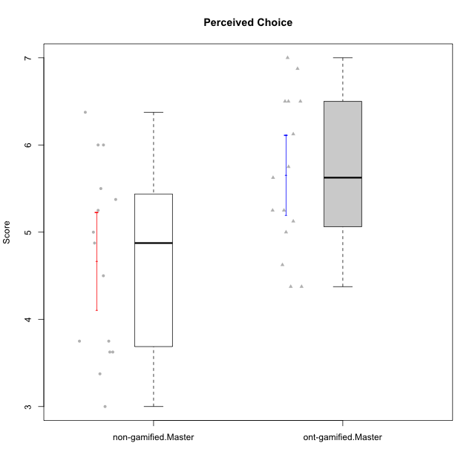

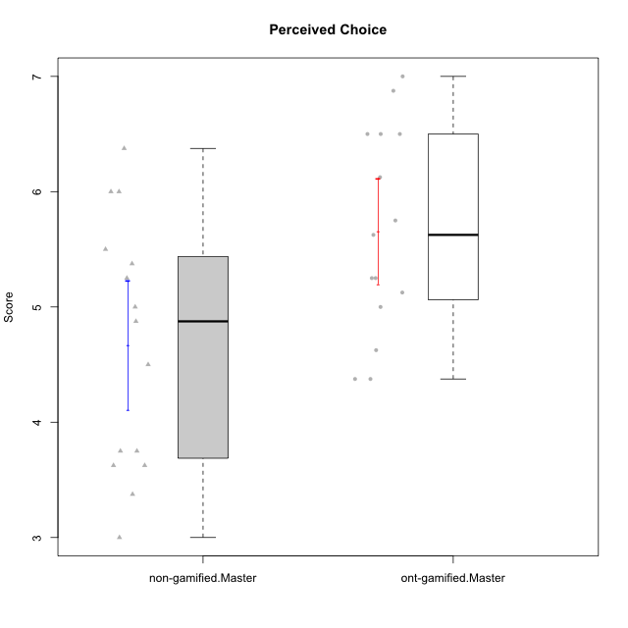

Student's t-Test data
UserID | NroUSP | Type | CLGroup | CLRole | PlayerRole | Item01IE | Item09IE | Item12IE | Item21IE | Item22IE | Item24IE | Item02PC | Item05PC | Item06PC | Item08PC | Item15PC | Item17PC | Item20PC | Item23PC | Item11PT | Item14PT | Item16PT | Item18PT | Interest/Enjoyment | Perceived Choice | Pressure/Tension | Intrinsic Motivation
10169 | 10377538 | ont-gamified | Grupo Hefesto | Master | Yee Achiever | 4 | 6 | 6 | 6 | 6 | 6 | 4 | 6 | 6 | 2 | 2 | 2 | 2 | 6 | 7 | 1 | 4 | 2 | 5.6666666667 | 5.25 | 2 | 5.5555555556
10172 | 10273971 | non-gamified | Grupo Team 1 | Master |  | 6 | 6 | 5 | 5 | 5 | 4 | 4 | 3 | 2 | 3 | 2 | 2 | 3 | 5 | 7 | 1 | 1 | 1 | 5.1666666667 | 5 | 1 | 5.5
10174 | 10276852 | ont-gamified | Grupo Urano | Master | Yee Achiever | 4 | 5 | 4 | 4 | 6 | 6 | 4 | 4 | 4 | 3 | 4 | 3 | 3 | 4 | 6 | 1 | 1 | 1 | 4.8333333333 | 4.375 | 1.25 | 5.0555555556
10175 | 10310700 | ont-gamified | Grupo Hélio | Master | Yee Socializer | 6 | 6 | 6 | 5 | 5 | 6 | 1 | 7 | 1 | 1 | 1 | 1 | 1 | 6 | 7 | 1 | 1 | 1 | 5.6666666667 | 6.875 | 1 | 6.5
10179 | 10310759 | non-gamified | Grupo Team 9 | Master |  | 4 | 4 | 3 | 4 | 4 | 4 | 6 | 3 | 5 | 4 | 5 | 4 | 3 | 3 | 6 | 2 | 2 | 2 | 3.8333333333 | 3.375 | 2 | 4.1111111111
10181 | 10276866 | non-gamified | Grupo Team 10 | Master |  | 5 | 5 | 5 | 5 | 4 | 2 | 2 | 2 | 1 | 3 | 2 | 2 | 2 | 4 | 7 | 1 | 1 | 1 | 4.3333333333 | 5.25 | 1 | 5.3333333333
10184 | 10276675 | ont-gamified | Grupo Apolo | Master | Yee Socializer | 5 | 5 | 5 | 4 | 4 | 4 | 5 | 7 | 1 | 1 | 4 | 1 | 2 | 4 | 4 | 1 | 3 | 1 | 4.5 | 5.625 | 2.25 | 5.2777777778
10188 | 10276995 | non-gamified | Grupo Team 3 | Master |  | 4 | 4 | 4 | 3 | 4 | 4 | 3 | 3 | 3 | 3 | 3 | 3 | 4 | 4 | 6 | 2 | 1 | 1 | 3.8333333333 | 4.5 | 1.5 | 4.7222222222
10189 | 9363926 | ont-gamified | Grupo Hades | Master | Yee Socializer | 2 | 4 | 3 | 6 | 4 | 5 | 4 | 5 | 2 | 1 | 5 | 2 | 1 | 2 | 5 | 4 | 5 | 2 | 4 | 5 | 3.5 | 4.5555555556
10191 | 10276981 | non-gamified | Grupo Team 6 | Master |  | 4 | 6 | 6 | 6 | 5 | 7 | 2 | 6 | 2 | 3 | 6 | 1 | 1 | 4 | 7 | 1 | 2 | 1 | 5.6666666667 | 5.375 | 1.25 | 5.7777777778
10193 | 10276762 | ont-gamified | Grupo Afrodite | Master | Yee Achiever | 4 | 5 | 5 | 5 | 6 | 4 | 2 | 4 | 5 | 3 | 5 | 3 | 2 | 5 | 6 | 1 | 1 | 1 | 4.8333333333 | 4.625 | 1.25 | 5.1666666667
10199 | 10276737 | ont-gamified | Grupo Gaia | Master | Yee Achiever | 4 | 4 | 4 | 4 | 7 | 1 | 1 | 7 | 1 | 1 | 1 | 1 | 1 | 7 | 2 | 3 | 1 | 1 | 4 | 7 | 2.75 | 5.6111111111
10201 | 10276928 | ont-gamified | Grupo Caronte | Master | Yee Achiever | 5 | 7 | 7 | 7 | 7 | 5 | 2 | 7 | 3 | 2 | 2 | 2 | 1 | 3 | 6 | 3 | 2 | 1 | 6.3333333333 | 5.75 | 2 | 6
10204 | 10310471 | ont-gamified | Grupo Hermes | Master | Yee Achiever | 6 | 7 | 7 | 7 | 7 | 7 | 2 | 7 | 4 | 1 | 1 | 1 | 1 | 7 | 7 | 1 | 1 | 1 | 6.8333333333 | 6.5 | 1 | 6.7222222222
10206 | 10310721 | ont-gamified | Grupo Hera | Master | Yee Achiever | 4 | 6 | 4 | 5 | 5 | 3 | 1 | 7 | 1 | 2 | 2 | 1 | 2 | 6 | 2 | 3 | 3 | 2 | 4.5 | 6.5 | 3.5 | 5.3888888889
10211 | 9311643 | non-gamified | Grupo Team 2 | Master |  | 7 | 7 | 5 | 6 | 6 | 6 | 7 | 3 | 6 | 3 | 6 | 3 | 2 | 5 | 7 | 2 | 2 | 3 | 6.1666666667 | 3.625 | 2 | 5
10212 | 9065750 | non-gamified | Grupo Team 4 | Master |  | 5 | 6 | 6 | 7 | 7 | 7 | 3 | 7 | 3 | 1 | 1 | 2 | 1 | 4 | 6 | 2 | 4 | 2 | 6.3333333333 | 6 | 2.5 | 6
10213 | 10277040 | ont-gamified | Grupo Morfeu | Master | Yee Socializer | 7 | 6 | 5 | 4 | 4 | 7 | 4 | 4 | 1 | 4 | 7 | 1 | 2 | 2 | 7 | 1 | 1 | 1 | 5.5 | 4.375 | 1 | 5.3333333333
10214 | 10277022 | non-gamified | Grupo Team 5 | Master |  | 4 | 4 | 3 | 3 | 3 | 1 | 4 | 4 | 4 | 4 | 5 | 4 | 4 | 2 | 4 | 1 | 1 | 2 | 3 | 3.625 | 2 | 3.9444444444
10215 | 9285227 | ont-gamified | Grupo Zeus | Master | Yee Socializer | 4 | 7 | 4 | 6 | 5 | 4 | 1 | 6 | 1 | 1 | 1 | 1 | 1 | 4 | 7 | 1 | 1 | 1 | 5 | 6.5 | 1 | 6.1111111111
10216 | 10276720 | non-gamified | Grupo Team 15 | Master |  | 4 | 7 | 5 | 5 | 7 | 1 | 1 | 7 | 1 | 1 | 4 | 1 | 3 | 7 | 7 | 2 | 1 | 1 | 4.8333333333 | 6.375 | 1.25 | 5.9444444444
10217 | 9805341 | non-gamified | Grupo Team 13 | Master |  | 3 | 5 | 4 | 5 | 4 | 2 | 2 | 4 | 1 | 1 | 1 | 1 | 2 | 4 | 7 | 1 | 1 | 1 | 3.8333333333 | 6 | 1 | 5.5
10218 | 9842913 | ont-gamified | Grupo Ares | Master | Yee Achiever | 4 | 3 | 3 | 4 | 4 | 2 | 2 | 5 | 4 | 1 | 3 | 3 | 2 | 3 | 3 | 3 | 4 | 2 | 3.3333333333 | 5.125 | 3.5 | 4.3888888889
10219 | 10276831 | non-gamified | Grupo Team 12 | Master |  | 4 | 4 | 4 | 3 | 4 | 3 | 2 | 1 | 4 | 3 | 4 | 4 | 3 | 1 | 7 | 1 | 1 | 1 | 3.6666666667 | 3.75 | 1 | 4.4444444444
10223 | 9795185 | ont-gamified | Grupo Cronus | Master | Yee Achiever | 6 | 6 | 6 | 7 | 7 | 6 | 2 | 6 | 2 | 1 | 2 | 1 | 3 | 6 | 7 | 1 | 2 | 1 | 6.3333333333 | 6.125 | 1.25 | 6.3333333333
10226 | 10310342 | non-gamified | Grupo Team 8 | Master |  | 2 | 4 | 4 | 4 | 4 | 5 | 6 | 2 | 4 | 5 | 6 | 4 | 2 | 1 | 7 | 1 | 1 | 3 | 3.8333333333 | 3 | 1.5 | 4.0555555556
10230 | 10351992 | non-gamified | Grupo Team 14 | Master |  | 1 | 4 | 1 | 6 | 1 | 3 | 2 | 5 | 1 | 5 | 4 | 1 | 5 | 4 | 1 | 1 | 4 | 1 | 2.6666666667 | 4.875 | 3.25 | 4.1111111111
10232 | 10276974 | ont-gamified | Grupo Artemis | Master | Yee Achiever | 6 | 4 | 5 | 6 | 5 | 7 | 2 | 5 | 4 | 2 | 4 | 2 | 1 | 4 | 1 | 1 | 2 | 2 | 5.5 | 5.25 | 3 | 5.2777777778
10234 | 10310676 | non-gamified | Grupo Team 7 | Master |  | 2 | 3 | 2 | 6 | 5 | 2 | 2 | 2 | 5 | 4 | 6 | 4 | 3 | 4 | 7 | 2 | 1 | 1 | 3.3333333333 | 3.75 | 1.25 | 4.2777777778
10237 | 10377688 | non-gamified | Grupo Team 11 | Master |  | 6 | 5 | 4 | 6 | 5 | 3 | 3 | 7 | 5 | 2 | 2 | 1 | 2 | 4 | 7 | 1 | 1 | 1 | 4.8333333333 | 5.5 | 1 | 5.6111111111

Type_CLRole_6
Student's t-Test for Perceived Choice in Type:CLRole between ont-gamified.Apprentice:ont-gamified.Master

Student's t-Test results
Alternative hypothesis: less
Group | N | Mean | Mean.Difference | Std.deviation | Std.error | CI.lower | CI.upper | df | t.value | p.value | g | magnitude
ont-gamified.Apprentice | 13 | 5.625 | -0.033333333333 | 0.93262622023 | 0.25866397368 | 5.1076720526 | 6.1423279474 | 25.026458038 | -0.096423617773 | 0.46197607468 | -0.03560224308 | negligible
ont-gamified.Master | 15 | 5.6583333333 | 0.033333333333 | 0.88825001843 | 0.22934516858 | 5.1996429962 | 6.1170236705 | 25.026458038 | -0.096423617773 | 0.46197607468 | -0.03560224308 | negligible
Alternative hypothesis: greater
Group | N | Mean | Mean.Difference | Std.deviation | Std.error | CI.lower | CI.upper | df | t.value | p.value | g | magnitude
ont-gamified.Apprentice | 13 | 5.625 | -0.033333333333 | 0.93262622023 | 0.25866397368 | 5.1076720526 | 6.1423279474 | 25.026458038 | -0.096423617773 | 0.53802392532 | -0.03560224308 | negligible
ont-gamified.Master | 15 | 5.6583333333 | 0.033333333333 | 0.88825001843 | 0.22934516858 | 5.1996429962 | 6.1170236705 | 25.026458038 | -0.096423617773 | 0.53802392532 | -0.03560224308 | negligible
Alternative hypothesis: two.sided
Group | N | Mean | Mean.Difference | Std.deviation | Std.error | CI.lower | CI.upper | df | t.value | p.value | g | magnitude
ont-gamified.Apprentice | 13 | 5.625 | -0.033333333333 | 0.93262622023 | 0.25866397368 | 5.1076720526 | 6.1423279474 | 25.026458038 | -0.096423617773 | 0.92395214936 | -0.03560224308 | negligible
ont-gamified.Master | 15 | 5.6583333333 | 0.033333333333 | 0.88825001843 | 0.22934516858 | 5.1996429962 | 6.1170236705 | 25.026458038 | -0.096423617773 | 0.92395214936 | -0.03560224308 | negligible

Box plots for Student's t-Test
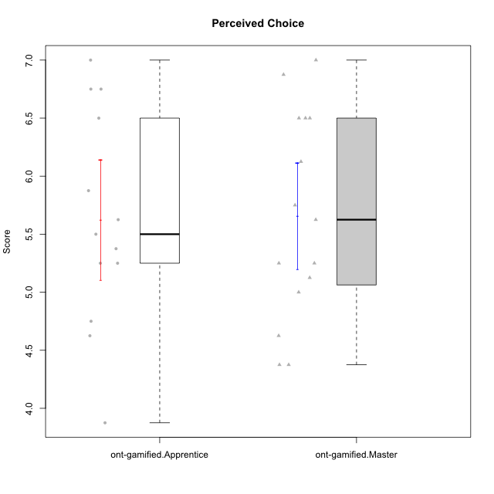

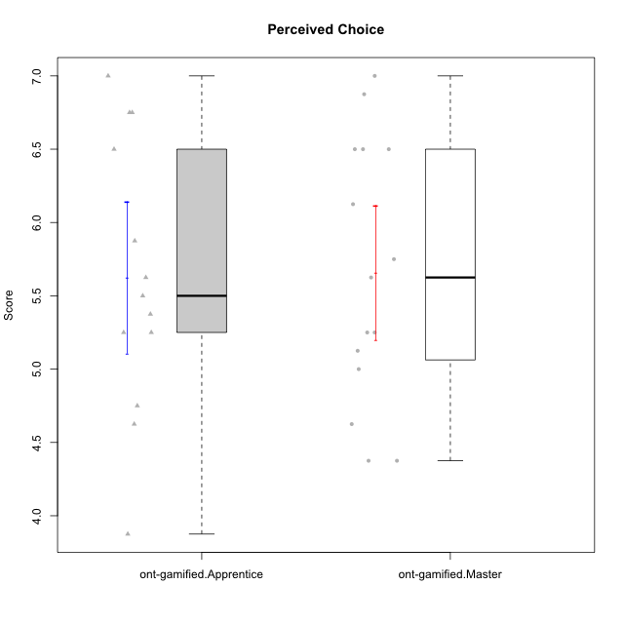

Student's t-Test data
UserID | NroUSP | Type | CLGroup | CLRole | PlayerRole | Item01IE | Item09IE | Item12IE | Item21IE | Item22IE | Item24IE | Item02PC | Item05PC | Item06PC | Item08PC | Item15PC | Item17PC | Item20PC | Item23PC | Item11PT | Item14PT | Item16PT | Item18PT | Interest/Enjoyment | Perceived Choice | Pressure/Tension | Intrinsic Motivation
10169 | 10377538 | ont-gamified | Grupo Hefesto | Master | Yee Achiever | 4 | 6 | 6 | 6 | 6 | 6 | 4 | 6 | 6 | 2 | 2 | 2 | 2 | 6 | 7 | 1 | 4 | 2 | 5.6666666667 | 5.25 | 2 | 5.5555555556
10170 | 10260351 | ont-gamified | Grupo Afrodite | Apprentice | Yee Achiever | 5 | 5 | 5 | 6 | 6 | 4 | 2 | 7 | 1 | 2 | 2 | 1 | 2 | 7 | 7 | 1 | 1 | 1 | 5.1666666667 | 6.5 | 1 | 6.1666666667
10174 | 10276852 | ont-gamified | Grupo Urano | Master | Yee Achiever | 4 | 5 | 4 | 4 | 6 | 6 | 4 | 4 | 4 | 3 | 4 | 3 | 3 | 4 | 6 | 1 | 1 | 1 | 4.8333333333 | 4.375 | 1.25 | 5.0555555556
10175 | 10310700 | ont-gamified | Grupo Hélio | Master | Yee Socializer | 6 | 6 | 6 | 5 | 5 | 6 | 1 | 7 | 1 | 1 | 1 | 1 | 1 | 6 | 7 | 1 | 1 | 1 | 5.6666666667 | 6.875 | 1 | 6.5
10176 | 10276949 | ont-gamified | Grupo Cronus | Apprentice | Yee Achiever | 5 | 5 | 4 | 4 | 4 | 3 | 5 | 6 | 1 | 1 | 2 | 2 | 2 | 2 | 4 | 2 | 3 | 2 | 4.1666666667 | 5.375 | 2.75 | 4.9444444444
10178 | 8656201 | ont-gamified | Grupo Morfeu | Apprentice | Yee Socializer | 5 | 5 | 5 | 5 | 5 | 5 | 4 | 5 | 2 | 1 | 3 | 1 | 3 | 5 | 5 | 1 | 4 | 1 | 5 | 5.5 | 2.25 | 5.3888888889
10183 | 10352030 | ont-gamified | Grupo Hélio | Apprentice | Yee Socializer | 5 | 4 | 4 | 4 | 4 | 3 | 3 | 5 | 2 | 4 | 2 | 2 | 2 | 4 | 5 | 2 | 3 | 3 | 4 | 5.25 | 2.75 | 4.8333333333
10184 | 10276675 | ont-gamified | Grupo Apolo | Master | Yee Socializer | 5 | 5 | 5 | 4 | 4 | 4 | 5 | 7 | 1 | 1 | 4 | 1 | 2 | 4 | 4 | 1 | 3 | 1 | 4.5 | 5.625 | 2.25 | 5.2777777778
10186 | 10310551 | ont-gamified | Grupo Ares | Apprentice | Yee Achiever | 3 | 6 | 4 | 4 | 5 | 6 | 2 | 4 | 4 | 1 | 1 | 1 | 1 | 5 | 4 | 1 | 4 | 3 | 4.6666666667 | 5.875 | 3 | 5.2777777778
10189 | 9363926 | ont-gamified | Grupo Hades | Master | Yee Socializer | 2 | 4 | 3 | 6 | 4 | 5 | 4 | 5 | 2 | 1 | 5 | 2 | 1 | 2 | 5 | 4 | 5 | 2 | 4 | 5 | 3.5 | 4.5555555556
10190 | 10276907 | ont-gamified | Grupo Zeus | Apprentice | Yee Socializer | 4 | 5 | 5 | 4 | 4 | 5 | 4 | 7 | 1 | 3 | 1 | 2 | 3 | 4 | 6 | 1 | 2 | 2 | 4.5 | 5.625 | 1.75 | 5.3888888889
10193 | 10276762 | ont-gamified | Grupo Afrodite | Master | Yee Achiever | 4 | 5 | 5 | 5 | 6 | 4 | 2 | 4 | 5 | 3 | 5 | 3 | 2 | 5 | 6 | 1 | 1 | 1 | 4.8333333333 | 4.625 | 1.25 | 5.1666666667
10195 | 10351971 | ont-gamified | Grupo Urano | Apprentice | Yee Achiever | 5 | 6 | 5 | 6 | 5 | 5 | 4 | 4 | 4 | 1 | 4 | 4 | 2 | 4 | 7 | 1 | 1 | 1 | 5.3333333333 | 4.625 | 1 | 5.3888888889
10196 | 10310655 | ont-gamified | Grupo Hefesto | Apprentice | Yee Achiever | 4 | 4 | 4 | 4 | 4 | 4 | 6 | 2 | 1 | 4 | 7 | 1 | 4 | 4 | 7 | 1 | 1 | 1 | 4 | 3.875 | 1 | 4.6111111111
10197 | 10276661 | ont-gamified | Grupo Gaia | Apprentice | Yee Achiever | 4 | 6 | 4 | 6 | 4 | 5 | 1 | 7 | 2 | 1 | 1 | 1 | 1 | 6 | 7 | 1 | 1 | 1 | 4.8333333333 | 6.75 | 1 | 6.1666666667
10198 | 10310888 | ont-gamified | Grupo Apolo | Apprentice | Yee Socializer | 7 | 7 | 7 | 7 | 7 | 7 | 1 | 7 | 1 | 1 | 1 | 1 | 1 | 7 | 7 | 1 | 1 | 1 | 7 | 7 | 1 | 7
10199 | 10276737 | ont-gamified | Grupo Gaia | Master | Yee Achiever | 4 | 4 | 4 | 4 | 7 | 1 | 1 | 7 | 1 | 1 | 1 | 1 | 1 | 7 | 2 | 3 | 1 | 1 | 4 | 7 | 2.75 | 5.6111111111
10200 | 9795272 | ont-gamified | Grupo Hades | Apprentice | Yee Socializer | 6 | 6 | 7 | 6 | 6 | 7 | 2 | 5 | 2 | 3 | 4 | 2 | 2 | 4 | 7 | 1 | 1 | 1 | 6.3333333333 | 5.25 | 1 | 6
10201 | 10276928 | ont-gamified | Grupo Caronte | Master | Yee Achiever | 5 | 7 | 7 | 7 | 7 | 5 | 2 | 7 | 3 | 2 | 2 | 2 | 1 | 3 | 6 | 3 | 2 | 1 | 6.3333333333 | 5.75 | 2 | 6
10204 | 10310471 | ont-gamified | Grupo Hermes | Master | Yee Achiever | 6 | 7 | 7 | 7 | 7 | 7 | 2 | 7 | 4 | 1 | 1 | 1 | 1 | 7 | 7 | 1 | 1 | 1 | 6.8333333333 | 6.5 | 1 | 6.7222222222
10206 | 10310721 | ont-gamified | Grupo Hera | Master | Yee Achiever | 4 | 6 | 4 | 5 | 5 | 3 | 1 | 7 | 1 | 2 | 2 | 1 | 2 | 6 | 2 | 3 | 3 | 2 | 4.5 | 6.5 | 3.5 | 5.3888888889
10213 | 10277040 | ont-gamified | Grupo Morfeu | Master | Yee Socializer | 7 | 6 | 5 | 4 | 4 | 7 | 4 | 4 | 1 | 4 | 7 | 1 | 2 | 2 | 7 | 1 | 1 | 1 | 5.5 | 4.375 | 1 | 5.3333333333
10215 | 9285227 | ont-gamified | Grupo Zeus | Master | Yee Socializer | 4 | 7 | 4 | 6 | 5 | 4 | 1 | 6 | 1 | 1 | 1 | 1 | 1 | 4 | 7 | 1 | 1 | 1 | 5 | 6.5 | 1 | 6.1111111111
10218 | 9842913 | ont-gamified | Grupo Ares | Master | Yee Achiever | 4 | 3 | 3 | 4 | 4 | 2 | 2 | 5 | 4 | 1 | 3 | 3 | 2 | 3 | 3 | 3 | 4 | 2 | 3.3333333333 | 5.125 | 3.5 | 4.3888888889
10221 | 9082496 | ont-gamified | Grupo Hermes | Apprentice | Yee Achiever | 4 | 5 | 4 | 5 | 5 | 4 | 3 | 6 | 4 | 1 | 4 | 1 | 4 | 1 | 7 | 1 | 1 | 1 | 4.5 | 4.75 | 1 | 5.1666666667
10223 | 9795185 | ont-gamified | Grupo Cronus | Master | Yee Achiever | 6 | 6 | 6 | 7 | 7 | 6 | 2 | 6 | 2 | 1 | 2 | 1 | 3 | 6 | 7 | 1 | 2 | 1 | 6.3333333333 | 6.125 | 1.25 | 6.3333333333
10231 | 10276911 | ont-gamified | Grupo Caronte | Apprentice | Yee Achiever | 7 | 7 | 7 | 7 | 7 | 7 | 1 | 6 | 1 | 1 | 2 | 1 | 1 | 7 | 7 | 1 | 1 | 1 | 7 | 6.75 | 1 | 6.8888888889
10232 | 10276974 | ont-gamified | Grupo Artemis | Master | Yee Achiever | 6 | 4 | 5 | 6 | 5 | 7 | 2 | 5 | 4 | 2 | 4 | 2 | 1 | 4 | 1 | 1 | 2 | 2 | 5.5 | 5.25 | 3 | 5.2777777778

