Type_1
Wilcoxon Analysis for Perceived Choice in Type between non-gamified:ont-gamified

Wilcoxon test results
Alternative hypothesis: less
Group | N | Median | Mean.Ranks | Sum.Ranks | U | Z | p.value | r | magnitude
non-gamified | 30 | 4.5 | 24.416666667 | 732.5 | 267.5 | -2.700447124 | 0.0031869315319 | 0.34862622462 | medium
ont-gamified | 30 | 5.4375 | 36.583333333 | 1097.5 | 267.5 | -2.700447124 | 0.0031869315319 | 0.34862622462 | medium
Alternative hypothesis: greater
Group | N | Median | Mean.Ranks | Sum.Ranks | U | Z | p.value | r | magnitude
non-gamified | 30 | 4.5 | 24.416666667 | 732.5 | 267.5 | -2.700447124 | 0.99688752876 | 0.34862622462 | medium
ont-gamified | 30 | 5.4375 | 36.583333333 | 1097.5 | 267.5 | -2.700447124 | 0.99688752876 | 0.34862622462 | medium
Alternative hypothesis: two.sided
Group | N | Median | Mean.Ranks | Sum.Ranks | U | Z | p.value | r | magnitude
non-gamified | 30 | 4.5 | 24.416666667 | 732.5 | 267.5 | -2.700447124 | 0.0063738630638 | 0.34862622462 | medium
ont-gamified | 30 | 5.4375 | 36.583333333 | 1097.5 | 267.5 | -2.700447124 | 0.0063738630638 | 0.34862622462 | medium

Box plots for wilcoxon tests
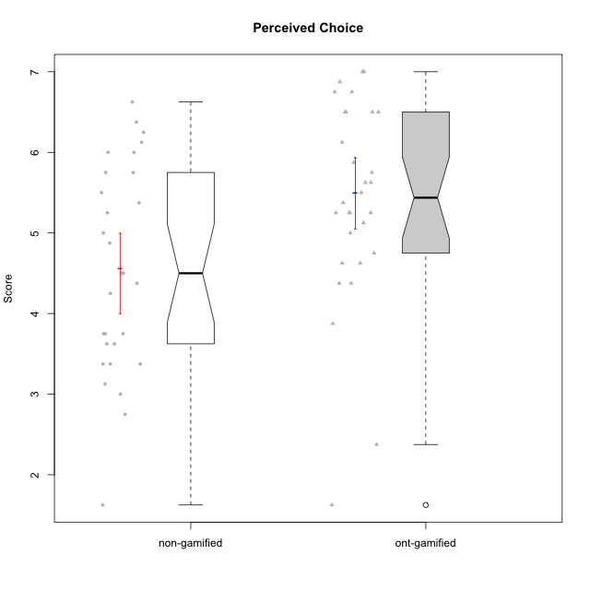

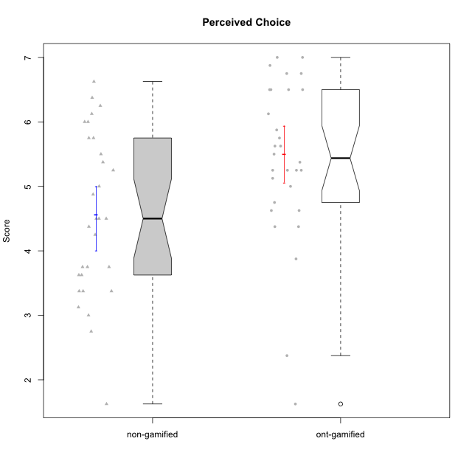

Wilcoxon data
UserID | NroUSP | Type | CLGroup | CLRole | PlayerRole | Item01IE | Item09IE | Item12IE | Item21IE | Item22IE | Item24IE | Item02PC | Item05PC | Item06PC | Item08PC | Item15PC | Item17PC | Item20PC | Item23PC | Item11PT | Item14PT | Item16PT | Item18PT | Interest/Enjoyment | Perceived Choice | Pressure/Tension | Intrinsic Motivation
10169 | 10377538 | ont-gamified | Grupo Hefesto | Master | Yee Achiever | 4 | 6 | 6 | 6 | 6 | 6 | 4 | 6 | 6 | 2 | 2 | 2 | 2 | 6 | 7 | 1 | 4 | 2 | 5.6666666667 | 5.25 | 2 | 5.5555555556
10170 | 10260351 | ont-gamified | Grupo Afrodite | Apprentice | Yee Achiever | 5 | 5 | 5 | 6 | 6 | 4 | 2 | 7 | 1 | 2 | 2 | 1 | 2 | 7 | 7 | 1 | 1 | 1 | 5.1666666667 | 6.5 | 1 | 6.1666666667
10171 | 698531 | non-gamified | Grupo Team 6 | Apprentice |  | 6 | 6 | 6 | 5 | 5 | 6 | 2 | 7 | 2 | 1 | 3 | 2 | 1 | 2 | 6 | 1 | 1 | 1 | 5.6666666667 | 5.75 | 1.25 | 5.9444444444
10172 | 10273971 | non-gamified | Grupo Team 1 | Master |  | 6 | 6 | 5 | 5 | 5 | 4 | 4 | 3 | 2 | 3 | 2 | 2 | 3 | 5 | 7 | 1 | 1 | 1 | 5.1666666667 | 5 | 1 | 5.5
10174 | 10276852 | ont-gamified | Grupo Urano | Master | Yee Achiever | 4 | 5 | 4 | 4 | 6 | 6 | 4 | 4 | 4 | 3 | 4 | 3 | 3 | 4 | 6 | 1 | 1 | 1 | 4.8333333333 | 4.375 | 1.25 | 5.0555555556
10175 | 10310700 | ont-gamified | Grupo Hélio | Master | Yee Socializer | 6 | 6 | 6 | 5 | 5 | 6 | 1 | 7 | 1 | 1 | 1 | 1 | 1 | 6 | 7 | 1 | 1 | 1 | 5.6666666667 | 6.875 | 1 | 6.5
10176 | 10276949 | ont-gamified | Grupo Cronus | Apprentice | Yee Achiever | 5 | 5 | 4 | 4 | 4 | 3 | 5 | 6 | 1 | 1 | 2 | 2 | 2 | 2 | 4 | 2 | 3 | 2 | 4.1666666667 | 5.375 | 2.75 | 4.9444444444
10178 | 8656201 | ont-gamified | Grupo Morfeu | Apprentice | Yee Socializer | 5 | 5 | 5 | 5 | 5 | 5 | 4 | 5 | 2 | 1 | 3 | 1 | 3 | 5 | 5 | 1 | 4 | 1 | 5 | 5.5 | 2.25 | 5.3888888889
10179 | 10310759 | non-gamified | Grupo Team 9 | Master |  | 4 | 4 | 3 | 4 | 4 | 4 | 6 | 3 | 5 | 4 | 5 | 4 | 3 | 3 | 6 | 2 | 2 | 2 | 3.8333333333 | 3.375 | 2 | 4.1111111111
10181 | 10276866 | non-gamified | Grupo Team 10 | Master |  | 5 | 5 | 5 | 5 | 4 | 2 | 2 | 2 | 1 | 3 | 2 | 2 | 2 | 4 | 7 | 1 | 1 | 1 | 4.3333333333 | 5.25 | 1 | 5.3333333333
10183 | 10352030 | ont-gamified | Grupo Hélio | Apprentice | Yee Socializer | 5 | 4 | 4 | 4 | 4 | 3 | 3 | 5 | 2 | 4 | 2 | 2 | 2 | 4 | 5 | 2 | 3 | 3 | 4 | 5.25 | 2.75 | 4.8333333333
10184 | 10276675 | ont-gamified | Grupo Apolo | Master | Yee Socializer | 5 | 5 | 5 | 4 | 4 | 4 | 5 | 7 | 1 | 1 | 4 | 1 | 2 | 4 | 4 | 1 | 3 | 1 | 4.5 | 5.625 | 2.25 | 5.2777777778
10185 | 10276960 | non-gamified | Grupo Team 12 | Apprentice |  | 4 | 4 | 4 | 4 | 4 | 4 | 4 | 3 | 3 | 3 | 4 | 4 | 3 | 4 | 6 | 2 | 2 | 3 | 4 | 4.25 | 2.25 | 4.5
10186 | 10310551 | ont-gamified | Grupo Ares | Apprentice | Yee Achiever | 3 | 6 | 4 | 4 | 5 | 6 | 2 | 4 | 4 | 1 | 1 | 1 | 1 | 5 | 4 | 1 | 4 | 3 | 4.6666666667 | 5.875 | 3 | 5.2777777778
10187 | 9790781 | non-gamified | Grupo Team 15 | Apprentice |  | 7 | 7 | 7 | 7 | 7 | 7 | 1 | 5 | 1 | 3 | 4 | 1 | 1 | 7 | 1 | 1 | 5 | 1 | 7 | 6.125 | 3.5 | 6.0555555556
10188 | 10276995 | non-gamified | Grupo Team 3 | Master |  | 4 | 4 | 4 | 3 | 4 | 4 | 3 | 3 | 3 | 3 | 3 | 3 | 4 | 4 | 6 | 2 | 1 | 1 | 3.8333333333 | 4.5 | 1.5 | 4.7222222222
10189 | 9363926 | ont-gamified | Grupo Hades | Master | Yee Socializer | 2 | 4 | 3 | 6 | 4 | 5 | 4 | 5 | 2 | 1 | 5 | 2 | 1 | 2 | 5 | 4 | 5 | 2 | 4 | 5 | 3.5 | 4.5555555556
10190 | 10276907 | ont-gamified | Grupo Zeus | Apprentice | Yee Socializer | 4 | 5 | 5 | 4 | 4 | 5 | 4 | 7 | 1 | 3 | 1 | 2 | 3 | 4 | 6 | 1 | 2 | 2 | 4.5 | 5.625 | 1.75 | 5.3888888889
10191 | 10276981 | non-gamified | Grupo Team 6 | Master |  | 4 | 6 | 6 | 6 | 5 | 7 | 2 | 6 | 2 | 3 | 6 | 1 | 1 | 4 | 7 | 1 | 2 | 1 | 5.6666666667 | 5.375 | 1.25 | 5.7777777778
10192 | 10276682 | non-gamified | Grupo Team 5 | Apprentice |  | 4 | 7 | 7 | 6 | 6 | 7 | 2 | 7 | 7 | 1 | 7 | 1 | 6 | 4 | 7 | 1 | 1 | 1 | 6.1666666667 | 4.375 | 1 | 5.5555555556
10193 | 10276762 | ont-gamified | Grupo Afrodite | Master | Yee Achiever | 4 | 5 | 5 | 5 | 6 | 4 | 2 | 4 | 5 | 3 | 5 | 3 | 2 | 5 | 6 | 1 | 1 | 1 | 4.8333333333 | 4.625 | 1.25 | 5.1666666667
10195 | 10351971 | ont-gamified | Grupo Urano | Apprentice | Yee Achiever | 5 | 6 | 5 | 6 | 5 | 5 | 4 | 4 | 4 | 1 | 4 | 4 | 2 | 4 | 7 | 1 | 1 | 1 | 5.3333333333 | 4.625 | 1 | 5.3888888889
10196 | 10310655 | ont-gamified | Grupo Hefesto | Apprentice | Yee Achiever | 4 | 4 | 4 | 4 | 4 | 4 | 6 | 2 | 1 | 4 | 7 | 1 | 4 | 4 | 7 | 1 | 1 | 1 | 4 | 3.875 | 1 | 4.6111111111
10197 | 10276661 | ont-gamified | Grupo Gaia | Apprentice | Yee Achiever | 4 | 6 | 4 | 6 | 4 | 5 | 1 | 7 | 2 | 1 | 1 | 1 | 1 | 6 | 7 | 1 | 1 | 1 | 4.8333333333 | 6.75 | 1 | 6.1666666667
10198 | 10310888 | ont-gamified | Grupo Apolo | Apprentice | Yee Socializer | 7 | 7 | 7 | 7 | 7 | 7 | 1 | 7 | 1 | 1 | 1 | 1 | 1 | 7 | 7 | 1 | 1 | 1 | 7 | 7 | 1 | 7
10199 | 10276737 | ont-gamified | Grupo Gaia | Master | Yee Achiever | 4 | 4 | 4 | 4 | 7 | 1 | 1 | 7 | 1 | 1 | 1 | 1 | 1 | 7 | 2 | 3 | 1 | 1 | 4 | 7 | 2.75 | 5.6111111111
10200 | 9795272 | ont-gamified | Grupo Hades | Apprentice | Yee Socializer | 6 | 6 | 7 | 6 | 6 | 7 | 2 | 5 | 2 | 3 | 4 | 2 | 2 | 4 | 7 | 1 | 1 | 1 | 6.3333333333 | 5.25 | 1 | 6
10201 | 10276928 | ont-gamified | Grupo Caronte | Master | Yee Achiever | 5 | 7 | 7 | 7 | 7 | 5 | 2 | 7 | 3 | 2 | 2 | 2 | 1 | 3 | 6 | 3 | 2 | 1 | 6.3333333333 | 5.75 | 2 | 6
10202 | 10277036 | non-gamified | Grupo Team 11 | Apprentice |  | 4 | 4 | 4 | 4 | 4 | 4 | 7 | 4 | 4 | 5 | 4 | 4 | 4 | 3 | 1 | 7 | 7 | 7 | 4 | 3.375 | 7 | 3.0555555556
10203 | 9921470 | non-gamified | Grupo Team 3 | Apprentice |  | 7 | 7 | 7 | 1 | 1 | 1 | 1 | 7 | 1 | 1 | 1 | 1 | 1 | 1 | 7 | 1 | 2 | 1 | 4 | 6.25 | 1.25 | 5.6111111111
10204 | 10310471 | ont-gamified | Grupo Hermes | Master | Yee Achiever | 6 | 7 | 7 | 7 | 7 | 7 | 2 | 7 | 4 | 1 | 1 | 1 | 1 | 7 | 7 | 1 | 1 | 1 | 6.8333333333 | 6.5 | 1 | 6.7222222222
10206 | 10310721 | ont-gamified | Grupo Hera | Master | Yee Achiever | 4 | 6 | 4 | 5 | 5 | 3 | 1 | 7 | 1 | 2 | 2 | 1 | 2 | 6 | 2 | 3 | 3 | 2 | 4.5 | 6.5 | 3.5 | 5.3888888889
10208 | 10276932 | non-gamified | Grupo Team 7 | Apprentice |  | 6 | 6 | 7 | 7 | 6 | 6 | 4 | 7 | 4 | 1 | 2 | 1 | 2 | 5 | 7 | 1 | 4 | 1 | 6.3333333333 | 5.75 | 1.75 | 6.0555555556
10209 | 10262669 | ont-gamified | Grupo Artemis | Apprentice | Yee Achiever | 4 | 3 | 3 | 3 | 2 | 4 | 7 | 4 | 7 | 7 | 7 | 7 | 5 | 1 | 7 | 1 | 1 | 1 | 3.1666666667 | 1.625 | 1 | 3.3333333333
10210 | 10277015 | non-gamified | Grupo Team 9 | Apprentice |  | 4 | 5 | 4 | 2 | 2 | 4 | 6 | 3 | 5 | 5 | 6 | 4 | 5 | 2 | 4 | 4 | 4 | 6 | 3.5 | 2.75 | 4.5 | 3.1666666667
10211 | 9311643 | non-gamified | Grupo Team 2 | Master |  | 7 | 7 | 5 | 6 | 6 | 6 | 7 | 3 | 6 | 3 | 6 | 3 | 2 | 5 | 7 | 2 | 2 | 3 | 6.1666666667 | 3.625 | 2 | 5
10212 | 9065750 | non-gamified | Grupo Team 4 | Master |  | 5 | 6 | 6 | 7 | 7 | 7 | 3 | 7 | 3 | 1 | 1 | 2 | 1 | 4 | 6 | 2 | 4 | 2 | 6.3333333333 | 6 | 2.5 | 6
10213 | 10277040 | ont-gamified | Grupo Morfeu | Master | Yee Socializer | 7 | 6 | 5 | 4 | 4 | 7 | 4 | 4 | 1 | 4 | 7 | 1 | 2 | 2 | 7 | 1 | 1 | 1 | 5.5 | 4.375 | 1 | 5.3333333333
10214 | 10277022 | non-gamified | Grupo Team 5 | Master |  | 4 | 4 | 3 | 3 | 3 | 1 | 4 | 4 | 4 | 4 | 5 | 4 | 4 | 2 | 4 | 1 | 1 | 2 | 3 | 3.625 | 2 | 3.9444444444
10215 | 9285227 | ont-gamified | Grupo Zeus | Master | Yee Socializer | 4 | 7 | 4 | 6 | 5 | 4 | 1 | 6 | 1 | 1 | 1 | 1 | 1 | 4 | 7 | 1 | 1 | 1 | 5 | 6.5 | 1 | 6.1111111111
10216 | 10276720 | non-gamified | Grupo Team 15 | Master |  | 4 | 7 | 5 | 5 | 7 | 1 | 1 | 7 | 1 | 1 | 4 | 1 | 3 | 7 | 7 | 2 | 1 | 1 | 4.8333333333 | 6.375 | 1.25 | 5.9444444444
10217 | 9805341 | non-gamified | Grupo Team 13 | Master |  | 3 | 5 | 4 | 5 | 4 | 2 | 2 | 4 | 1 | 1 | 1 | 1 | 2 | 4 | 7 | 1 | 1 | 1 | 3.8333333333 | 6 | 1 | 5.5
10218 | 9842913 | ont-gamified | Grupo Ares | Master | Yee Achiever | 4 | 3 | 3 | 4 | 4 | 2 | 2 | 5 | 4 | 1 | 3 | 3 | 2 | 3 | 3 | 3 | 4 | 2 | 3.3333333333 | 5.125 | 3.5 | 4.3888888889
10219 | 10276831 | non-gamified | Grupo Team 12 | Master |  | 4 | 4 | 4 | 3 | 4 | 3 | 2 | 1 | 4 | 3 | 4 | 4 | 3 | 1 | 7 | 1 | 1 | 1 | 3.6666666667 | 3.75 | 1 | 4.4444444444
10220 | 9760151 | non-gamified | Grupo Team 2 | Apprentice |  | 4 | 7 | 4 | 4 | 7 | 7 | 1 | 7 | 4 | 1 | 1 | 1 | 1 | 7 | 7 | 1 | 1 | 1 | 5.5 | 6.625 | 1 | 6.3333333333
10221 | 9082496 | ont-gamified | Grupo Hermes | Apprentice | Yee Achiever | 4 | 5 | 4 | 5 | 5 | 4 | 3 | 6 | 4 | 1 | 4 | 1 | 4 | 1 | 7 | 1 | 1 | 1 | 4.5 | 4.75 | 1 | 5.1666666667
10222 | 9436110 | non-gamified | Grupo Team 16 | Master |  | 1 | 1 | 1 | 1 | 1 | 1 | 7 | 2 | 6 | 7 | 7 | 6 | 6 | 2 | 3 | 3 | 3 | 4 | 1 | 1.625 | 3.75 | 2
10223 | 9795185 | ont-gamified | Grupo Cronus | Master | Yee Achiever | 6 | 6 | 6 | 7 | 7 | 6 | 2 | 6 | 2 | 1 | 2 | 1 | 3 | 6 | 7 | 1 | 2 | 1 | 6.3333333333 | 6.125 | 1.25 | 6.3333333333
10224 | 9368772 | non-gamified | Grupo Team 10 | Apprentice |  | 6 | 7 | 7 | 7 | 6 | 6 | 4 | 7 | 4 | 7 | 7 | 7 | 3 | 2 | 7 | 1 | 1 | 3 | 6.5 | 3.125 | 1.5 | 5
10226 | 10310342 | non-gamified | Grupo Team 8 | Master |  | 2 | 4 | 4 | 4 | 4 | 5 | 6 | 2 | 4 | 5 | 6 | 4 | 2 | 1 | 7 | 1 | 1 | 3 | 3.8333333333 | 3 | 1.5 | 4.0555555556
10227 | 9274382 | non-gamified | Grupo Team 4 | Apprentice |  | 1 | 2 | 3 | 3 | 6 | 2 | 3 | 6 | 4 | 3 | 5 | 4 | 2 | 3 | 3 | 4 | 4 | 4 | 2.8333333333 | 4.5 | 4.25 | 3.7777777778
10228 | 10310492 | non-gamified | Grupo Team 14 | Apprentice |  | 4 | 4 | 5 | 4 | 4 | 3 | 5 | 4 | 3 | 2 | 3 | 3 | 3 | 3 | 6 | 1 | 2 | 4 | 4 | 4.5 | 2.25 | 4.6111111111
10230 | 10351992 | non-gamified | Grupo Team 14 | Master |  | 1 | 4 | 1 | 6 | 1 | 3 | 2 | 5 | 1 | 5 | 4 | 1 | 5 | 4 | 1 | 1 | 4 | 1 | 2.6666666667 | 4.875 | 3.25 | 4.1111111111
10231 | 10276911 | ont-gamified | Grupo Caronte | Apprentice | Yee Achiever | 7 | 7 | 7 | 7 | 7 | 7 | 1 | 6 | 1 | 1 | 2 | 1 | 1 | 7 | 7 | 1 | 1 | 1 | 7 | 6.75 | 1 | 6.8888888889
10232 | 10276974 | ont-gamified | Grupo Artemis | Master | Yee Achiever | 6 | 4 | 5 | 6 | 5 | 7 | 2 | 5 | 4 | 2 | 4 | 2 | 1 | 4 | 1 | 1 | 2 | 2 | 5.5 | 5.25 | 3 | 5.2777777778
10233 | 9805320 | non-gamified | Grupo Team 16 | Apprentice |  | 2 | 4 | 2 | 1 | 2 | 3 | 7 | 6 | 3 | 3 | 6 | 3 | 5 | 3 | 7 | 1 | 1 | 2 | 2.3333333333 | 3.75 | 1.25 | 3.9444444444
10234 | 10310676 | non-gamified | Grupo Team 7 | Master |  | 2 | 3 | 2 | 6 | 5 | 2 | 2 | 2 | 5 | 4 | 6 | 4 | 3 | 4 | 7 | 2 | 1 | 1 | 3.3333333333 | 3.75 | 1.25 | 4.2777777778
10237 | 10377688 | non-gamified | Grupo Team 11 | Master |  | 6 | 5 | 4 | 6 | 5 | 3 | 3 | 7 | 5 | 2 | 2 | 1 | 2 | 4 | 7 | 1 | 1 | 1 | 4.8333333333 | 5.5 | 1 | 5.6111111111
10238 | 10276953 | non-gamified | Grupo Team 13 | Apprentice |  | 4 | 3 | 4 | 4 | 4 | 4 | 4 | 3 | 5 | 4 | 7 | 5 | 2 | 3 | 4 | 4 | 4 | 5 | 3.8333333333 | 3.375 | 4.25 | 3.6111111111
10240 | 10276654 | ont-gamified | Grupo Hera | Apprentice | Yee Achiever | 4 | 3 | 4 | 2 | 4 | 4 | 6 | 6 | 7 | 5 | 7 | 7 | 7 | 4 | 7 | 1 | 1 | 1 | 3.5 | 2.375 | 1 | 3.7777777778

Type_CLRole_1
Wilcoxon Analysis for Perceived Choice in Type:CLRole between non-gamified.Apprentice:non-gamified.Master

Wilcoxon test results
Alternative hypothesis: less
Group | N | Median | Mean.Ranks | Sum.Ranks | U | Z | p.value | r | magnitude
non-gamified.Apprentice | 14 | 4.4375 | 15.714285714 | 220 | 115 | 0.12492025518 | 0.55300783733 | 0.022807213883 | none
non-gamified.Master | 16 | 4.6875 | 15.3125 | 245 | 115 | 0.12492025518 | 0.55300783733 | 0.022807213883 | none
Alternative hypothesis: greater
Group | N | Median | Mean.Ranks | Sum.Ranks | U | Z | p.value | r | magnitude
non-gamified.Apprentice | 14 | 4.4375 | 15.714285714 | 220 | 115 | 0.12492025518 | 0.45510209464 | 0.022807213883 | none
non-gamified.Master | 16 | 4.6875 | 15.3125 | 245 | 115 | 0.12492025518 | 0.45510209464 | 0.022807213883 | none
Alternative hypothesis: two.sided
Group | N | Median | Mean.Ranks | Sum.Ranks | U | Z | p.value | r | magnitude
non-gamified.Apprentice | 14 | 4.4375 | 15.714285714 | 220 | 115 | 0.12492025518 | 0.91021921444 | 0.022807213883 | none
non-gamified.Master | 16 | 4.6875 | 15.3125 | 245 | 115 | 0.12492025518 | 0.91021921444 | 0.022807213883 | none

Box plots for wilcoxon tests
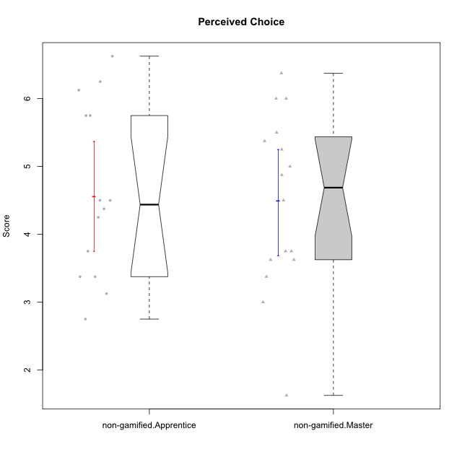

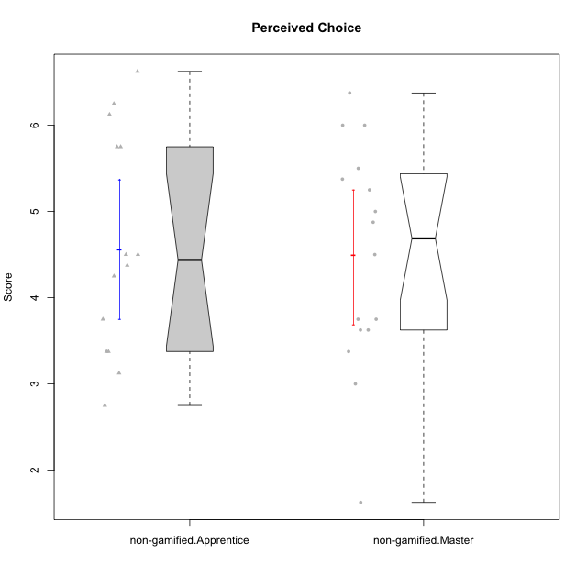

Wilcoxon data
UserID | NroUSP | Type | CLGroup | CLRole | PlayerRole | Item01IE | Item09IE | Item12IE | Item21IE | Item22IE | Item24IE | Item02PC | Item05PC | Item06PC | Item08PC | Item15PC | Item17PC | Item20PC | Item23PC | Item11PT | Item14PT | Item16PT | Item18PT | Interest/Enjoyment | Perceived Choice | Pressure/Tension | Intrinsic Motivation
10171 | 698531 | non-gamified | Grupo Team 6 | Apprentice |  | 6 | 6 | 6 | 5 | 5 | 6 | 2 | 7 | 2 | 1 | 3 | 2 | 1 | 2 | 6 | 1 | 1 | 1 | 5.6666666667 | 5.75 | 1.25 | 5.9444444444
10172 | 10273971 | non-gamified | Grupo Team 1 | Master |  | 6 | 6 | 5 | 5 | 5 | 4 | 4 | 3 | 2 | 3 | 2 | 2 | 3 | 5 | 7 | 1 | 1 | 1 | 5.1666666667 | 5 | 1 | 5.5
10179 | 10310759 | non-gamified | Grupo Team 9 | Master |  | 4 | 4 | 3 | 4 | 4 | 4 | 6 | 3 | 5 | 4 | 5 | 4 | 3 | 3 | 6 | 2 | 2 | 2 | 3.8333333333 | 3.375 | 2 | 4.1111111111
10181 | 10276866 | non-gamified | Grupo Team 10 | Master |  | 5 | 5 | 5 | 5 | 4 | 2 | 2 | 2 | 1 | 3 | 2 | 2 | 2 | 4 | 7 | 1 | 1 | 1 | 4.3333333333 | 5.25 | 1 | 5.3333333333
10185 | 10276960 | non-gamified | Grupo Team 12 | Apprentice |  | 4 | 4 | 4 | 4 | 4 | 4 | 4 | 3 | 3 | 3 | 4 | 4 | 3 | 4 | 6 | 2 | 2 | 3 | 4 | 4.25 | 2.25 | 4.5
10187 | 9790781 | non-gamified | Grupo Team 15 | Apprentice |  | 7 | 7 | 7 | 7 | 7 | 7 | 1 | 5 | 1 | 3 | 4 | 1 | 1 | 7 | 1 | 1 | 5 | 1 | 7 | 6.125 | 3.5 | 6.0555555556
10188 | 10276995 | non-gamified | Grupo Team 3 | Master |  | 4 | 4 | 4 | 3 | 4 | 4 | 3 | 3 | 3 | 3 | 3 | 3 | 4 | 4 | 6 | 2 | 1 | 1 | 3.8333333333 | 4.5 | 1.5 | 4.7222222222
10191 | 10276981 | non-gamified | Grupo Team 6 | Master |  | 4 | 6 | 6 | 6 | 5 | 7 | 2 | 6 | 2 | 3 | 6 | 1 | 1 | 4 | 7 | 1 | 2 | 1 | 5.6666666667 | 5.375 | 1.25 | 5.7777777778
10192 | 10276682 | non-gamified | Grupo Team 5 | Apprentice |  | 4 | 7 | 7 | 6 | 6 | 7 | 2 | 7 | 7 | 1 | 7 | 1 | 6 | 4 | 7 | 1 | 1 | 1 | 6.1666666667 | 4.375 | 1 | 5.5555555556
10202 | 10277036 | non-gamified | Grupo Team 11 | Apprentice |  | 4 | 4 | 4 | 4 | 4 | 4 | 7 | 4 | 4 | 5 | 4 | 4 | 4 | 3 | 1 | 7 | 7 | 7 | 4 | 3.375 | 7 | 3.0555555556
10203 | 9921470 | non-gamified | Grupo Team 3 | Apprentice |  | 7 | 7 | 7 | 1 | 1 | 1 | 1 | 7 | 1 | 1 | 1 | 1 | 1 | 1 | 7 | 1 | 2 | 1 | 4 | 6.25 | 1.25 | 5.6111111111
10208 | 10276932 | non-gamified | Grupo Team 7 | Apprentice |  | 6 | 6 | 7 | 7 | 6 | 6 | 4 | 7 | 4 | 1 | 2 | 1 | 2 | 5 | 7 | 1 | 4 | 1 | 6.3333333333 | 5.75 | 1.75 | 6.0555555556
10210 | 10277015 | non-gamified | Grupo Team 9 | Apprentice |  | 4 | 5 | 4 | 2 | 2 | 4 | 6 | 3 | 5 | 5 | 6 | 4 | 5 | 2 | 4 | 4 | 4 | 6 | 3.5 | 2.75 | 4.5 | 3.1666666667
10211 | 9311643 | non-gamified | Grupo Team 2 | Master |  | 7 | 7 | 5 | 6 | 6 | 6 | 7 | 3 | 6 | 3 | 6 | 3 | 2 | 5 | 7 | 2 | 2 | 3 | 6.1666666667 | 3.625 | 2 | 5
10212 | 9065750 | non-gamified | Grupo Team 4 | Master |  | 5 | 6 | 6 | 7 | 7 | 7 | 3 | 7 | 3 | 1 | 1 | 2 | 1 | 4 | 6 | 2 | 4 | 2 | 6.3333333333 | 6 | 2.5 | 6
10214 | 10277022 | non-gamified | Grupo Team 5 | Master |  | 4 | 4 | 3 | 3 | 3 | 1 | 4 | 4 | 4 | 4 | 5 | 4 | 4 | 2 | 4 | 1 | 1 | 2 | 3 | 3.625 | 2 | 3.9444444444
10216 | 10276720 | non-gamified | Grupo Team 15 | Master |  | 4 | 7 | 5 | 5 | 7 | 1 | 1 | 7 | 1 | 1 | 4 | 1 | 3 | 7 | 7 | 2 | 1 | 1 | 4.8333333333 | 6.375 | 1.25 | 5.9444444444
10217 | 9805341 | non-gamified | Grupo Team 13 | Master |  | 3 | 5 | 4 | 5 | 4 | 2 | 2 | 4 | 1 | 1 | 1 | 1 | 2 | 4 | 7 | 1 | 1 | 1 | 3.8333333333 | 6 | 1 | 5.5
10219 | 10276831 | non-gamified | Grupo Team 12 | Master |  | 4 | 4 | 4 | 3 | 4 | 3 | 2 | 1 | 4 | 3 | 4 | 4 | 3 | 1 | 7 | 1 | 1 | 1 | 3.6666666667 | 3.75 | 1 | 4.4444444444
10220 | 9760151 | non-gamified | Grupo Team 2 | Apprentice |  | 4 | 7 | 4 | 4 | 7 | 7 | 1 | 7 | 4 | 1 | 1 | 1 | 1 | 7 | 7 | 1 | 1 | 1 | 5.5 | 6.625 | 1 | 6.3333333333
10222 | 9436110 | non-gamified | Grupo Team 16 | Master |  | 1 | 1 | 1 | 1 | 1 | 1 | 7 | 2 | 6 | 7 | 7 | 6 | 6 | 2 | 3 | 3 | 3 | 4 | 1 | 1.625 | 3.75 | 2
10224 | 9368772 | non-gamified | Grupo Team 10 | Apprentice |  | 6 | 7 | 7 | 7 | 6 | 6 | 4 | 7 | 4 | 7 | 7 | 7 | 3 | 2 | 7 | 1 | 1 | 3 | 6.5 | 3.125 | 1.5 | 5
10226 | 10310342 | non-gamified | Grupo Team 8 | Master |  | 2 | 4 | 4 | 4 | 4 | 5 | 6 | 2 | 4 | 5 | 6 | 4 | 2 | 1 | 7 | 1 | 1 | 3 | 3.8333333333 | 3 | 1.5 | 4.0555555556
10227 | 9274382 | non-gamified | Grupo Team 4 | Apprentice |  | 1 | 2 | 3 | 3 | 6 | 2 | 3 | 6 | 4 | 3 | 5 | 4 | 2 | 3 | 3 | 4 | 4 | 4 | 2.8333333333 | 4.5 | 4.25 | 3.7777777778
10228 | 10310492 | non-gamified | Grupo Team 14 | Apprentice |  | 4 | 4 | 5 | 4 | 4 | 3 | 5 | 4 | 3 | 2 | 3 | 3 | 3 | 3 | 6 | 1 | 2 | 4 | 4 | 4.5 | 2.25 | 4.6111111111
10230 | 10351992 | non-gamified | Grupo Team 14 | Master |  | 1 | 4 | 1 | 6 | 1 | 3 | 2 | 5 | 1 | 5 | 4 | 1 | 5 | 4 | 1 | 1 | 4 | 1 | 2.6666666667 | 4.875 | 3.25 | 4.1111111111
10233 | 9805320 | non-gamified | Grupo Team 16 | Apprentice |  | 2 | 4 | 2 | 1 | 2 | 3 | 7 | 6 | 3 | 3 | 6 | 3 | 5 | 3 | 7 | 1 | 1 | 2 | 2.3333333333 | 3.75 | 1.25 | 3.9444444444
10234 | 10310676 | non-gamified | Grupo Team 7 | Master |  | 2 | 3 | 2 | 6 | 5 | 2 | 2 | 2 | 5 | 4 | 6 | 4 | 3 | 4 | 7 | 2 | 1 | 1 | 3.3333333333 | 3.75 | 1.25 | 4.2777777778
10237 | 10377688 | non-gamified | Grupo Team 11 | Master |  | 6 | 5 | 4 | 6 | 5 | 3 | 3 | 7 | 5 | 2 | 2 | 1 | 2 | 4 | 7 | 1 | 1 | 1 | 4.8333333333 | 5.5 | 1 | 5.6111111111
10238 | 10276953 | non-gamified | Grupo Team 13 | Apprentice |  | 4 | 3 | 4 | 4 | 4 | 4 | 4 | 3 | 5 | 4 | 7 | 5 | 2 | 3 | 4 | 4 | 4 | 5 | 3.8333333333 | 3.375 | 4.25 | 3.6111111111

Type_CLRole_2
Wilcoxon Analysis for Perceived Choice in Type:CLRole between non-gamified.Apprentice:ont-gamified.Apprentice

Wilcoxon test results
Alternative hypothesis: less
Group | N | Median | Mean.Ranks | Sum.Ranks | U | Z | p.value | r | magnitude
non-gamified.Apprentice | 14 | 4.4375 | 12.928571429 | 181 | 76 | -1.2664438336 | 0.1064253477 | 0.23517271595 | small
ont-gamified.Apprentice | 15 | 5.375 | 16.933333333 | 254 | 76 | -1.2664438336 | 0.1064253477 | 0.23517271595 | small
Alternative hypothesis: greater
Group | N | Median | Mean.Ranks | Sum.Ranks | U | Z | p.value | r | magnitude
non-gamified.Apprentice | 14 | 4.4375 | 12.928571429 | 181 | 76 | -1.2664438336 | 0.8975756059 | 0.23517271595 | small
ont-gamified.Apprentice | 15 | 5.375 | 16.933333333 | 254 | 76 | -1.2664438336 | 0.8975756059 | 0.23517271595 | small
Alternative hypothesis: two.sided
Group | N | Median | Mean.Ranks | Sum.Ranks | U | Z | p.value | r | magnitude
non-gamified.Apprentice | 14 | 4.4375 | 12.928571429 | 181 | 76 | -1.2664438336 | 0.21284275303 | 0.23517271595 | small
ont-gamified.Apprentice | 15 | 5.375 | 16.933333333 | 254 | 76 | -1.2664438336 | 0.21284275303 | 0.23517271595 | small

Box plots for wilcoxon tests
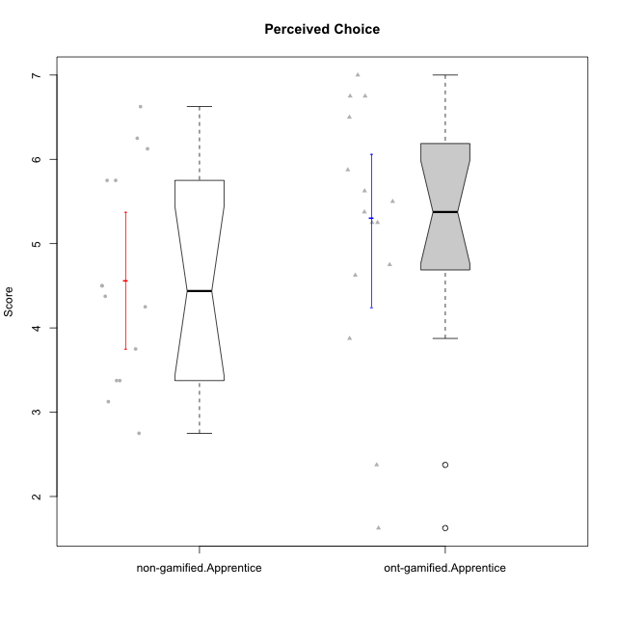

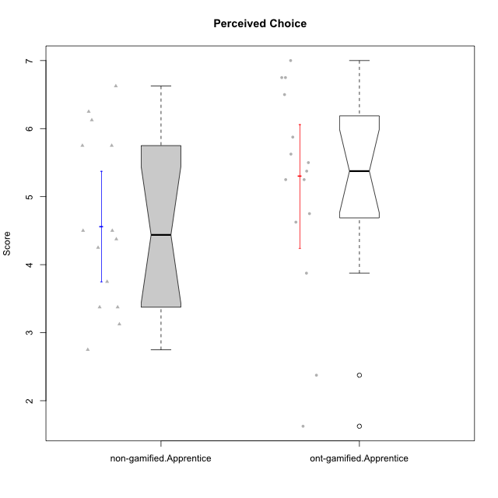

Wilcoxon data
UserID | NroUSP | Type | CLGroup | CLRole | PlayerRole | Item01IE | Item09IE | Item12IE | Item21IE | Item22IE | Item24IE | Item02PC | Item05PC | Item06PC | Item08PC | Item15PC | Item17PC | Item20PC | Item23PC | Item11PT | Item14PT | Item16PT | Item18PT | Interest/Enjoyment | Perceived Choice | Pressure/Tension | Intrinsic Motivation
10170 | 10260351 | ont-gamified | Grupo Afrodite | Apprentice | Yee Achiever | 5 | 5 | 5 | 6 | 6 | 4 | 2 | 7 | 1 | 2 | 2 | 1 | 2 | 7 | 7 | 1 | 1 | 1 | 5.1666666667 | 6.5 | 1 | 6.1666666667
10171 | 698531 | non-gamified | Grupo Team 6 | Apprentice |  | 6 | 6 | 6 | 5 | 5 | 6 | 2 | 7 | 2 | 1 | 3 | 2 | 1 | 2 | 6 | 1 | 1 | 1 | 5.6666666667 | 5.75 | 1.25 | 5.9444444444
10176 | 10276949 | ont-gamified | Grupo Cronus | Apprentice | Yee Achiever | 5 | 5 | 4 | 4 | 4 | 3 | 5 | 6 | 1 | 1 | 2 | 2 | 2 | 2 | 4 | 2 | 3 | 2 | 4.1666666667 | 5.375 | 2.75 | 4.9444444444
10178 | 8656201 | ont-gamified | Grupo Morfeu | Apprentice | Yee Socializer | 5 | 5 | 5 | 5 | 5 | 5 | 4 | 5 | 2 | 1 | 3 | 1 | 3 | 5 | 5 | 1 | 4 | 1 | 5 | 5.5 | 2.25 | 5.3888888889
10183 | 10352030 | ont-gamified | Grupo Hélio | Apprentice | Yee Socializer | 5 | 4 | 4 | 4 | 4 | 3 | 3 | 5 | 2 | 4 | 2 | 2 | 2 | 4 | 5 | 2 | 3 | 3 | 4 | 5.25 | 2.75 | 4.8333333333
10185 | 10276960 | non-gamified | Grupo Team 12 | Apprentice |  | 4 | 4 | 4 | 4 | 4 | 4 | 4 | 3 | 3 | 3 | 4 | 4 | 3 | 4 | 6 | 2 | 2 | 3 | 4 | 4.25 | 2.25 | 4.5
10186 | 10310551 | ont-gamified | Grupo Ares | Apprentice | Yee Achiever | 3 | 6 | 4 | 4 | 5 | 6 | 2 | 4 | 4 | 1 | 1 | 1 | 1 | 5 | 4 | 1 | 4 | 3 | 4.6666666667 | 5.875 | 3 | 5.2777777778
10187 | 9790781 | non-gamified | Grupo Team 15 | Apprentice |  | 7 | 7 | 7 | 7 | 7 | 7 | 1 | 5 | 1 | 3 | 4 | 1 | 1 | 7 | 1 | 1 | 5 | 1 | 7 | 6.125 | 3.5 | 6.0555555556
10190 | 10276907 | ont-gamified | Grupo Zeus | Apprentice | Yee Socializer | 4 | 5 | 5 | 4 | 4 | 5 | 4 | 7 | 1 | 3 | 1 | 2 | 3 | 4 | 6 | 1 | 2 | 2 | 4.5 | 5.625 | 1.75 | 5.3888888889
10192 | 10276682 | non-gamified | Grupo Team 5 | Apprentice |  | 4 | 7 | 7 | 6 | 6 | 7 | 2 | 7 | 7 | 1 | 7 | 1 | 6 | 4 | 7 | 1 | 1 | 1 | 6.1666666667 | 4.375 | 1 | 5.5555555556
10195 | 10351971 | ont-gamified | Grupo Urano | Apprentice | Yee Achiever | 5 | 6 | 5 | 6 | 5 | 5 | 4 | 4 | 4 | 1 | 4 | 4 | 2 | 4 | 7 | 1 | 1 | 1 | 5.3333333333 | 4.625 | 1 | 5.3888888889
10196 | 10310655 | ont-gamified | Grupo Hefesto | Apprentice | Yee Achiever | 4 | 4 | 4 | 4 | 4 | 4 | 6 | 2 | 1 | 4 | 7 | 1 | 4 | 4 | 7 | 1 | 1 | 1 | 4 | 3.875 | 1 | 4.6111111111
10197 | 10276661 | ont-gamified | Grupo Gaia | Apprentice | Yee Achiever | 4 | 6 | 4 | 6 | 4 | 5 | 1 | 7 | 2 | 1 | 1 | 1 | 1 | 6 | 7 | 1 | 1 | 1 | 4.8333333333 | 6.75 | 1 | 6.1666666667
10198 | 10310888 | ont-gamified | Grupo Apolo | Apprentice | Yee Socializer | 7 | 7 | 7 | 7 | 7 | 7 | 1 | 7 | 1 | 1 | 1 | 1 | 1 | 7 | 7 | 1 | 1 | 1 | 7 | 7 | 1 | 7
10200 | 9795272 | ont-gamified | Grupo Hades | Apprentice | Yee Socializer | 6 | 6 | 7 | 6 | 6 | 7 | 2 | 5 | 2 | 3 | 4 | 2 | 2 | 4 | 7 | 1 | 1 | 1 | 6.3333333333 | 5.25 | 1 | 6
10202 | 10277036 | non-gamified | Grupo Team 11 | Apprentice |  | 4 | 4 | 4 | 4 | 4 | 4 | 7 | 4 | 4 | 5 | 4 | 4 | 4 | 3 | 1 | 7 | 7 | 7 | 4 | 3.375 | 7 | 3.0555555556
10203 | 9921470 | non-gamified | Grupo Team 3 | Apprentice |  | 7 | 7 | 7 | 1 | 1 | 1 | 1 | 7 | 1 | 1 | 1 | 1 | 1 | 1 | 7 | 1 | 2 | 1 | 4 | 6.25 | 1.25 | 5.6111111111
10208 | 10276932 | non-gamified | Grupo Team 7 | Apprentice |  | 6 | 6 | 7 | 7 | 6 | 6 | 4 | 7 | 4 | 1 | 2 | 1 | 2 | 5 | 7 | 1 | 4 | 1 | 6.3333333333 | 5.75 | 1.75 | 6.0555555556
10209 | 10262669 | ont-gamified | Grupo Artemis | Apprentice | Yee Achiever | 4 | 3 | 3 | 3 | 2 | 4 | 7 | 4 | 7 | 7 | 7 | 7 | 5 | 1 | 7 | 1 | 1 | 1 | 3.1666666667 | 1.625 | 1 | 3.3333333333
10210 | 10277015 | non-gamified | Grupo Team 9 | Apprentice |  | 4 | 5 | 4 | 2 | 2 | 4 | 6 | 3 | 5 | 5 | 6 | 4 | 5 | 2 | 4 | 4 | 4 | 6 | 3.5 | 2.75 | 4.5 | 3.1666666667
10220 | 9760151 | non-gamified | Grupo Team 2 | Apprentice |  | 4 | 7 | 4 | 4 | 7 | 7 | 1 | 7 | 4 | 1 | 1 | 1 | 1 | 7 | 7 | 1 | 1 | 1 | 5.5 | 6.625 | 1 | 6.3333333333
10221 | 9082496 | ont-gamified | Grupo Hermes | Apprentice | Yee Achiever | 4 | 5 | 4 | 5 | 5 | 4 | 3 | 6 | 4 | 1 | 4 | 1 | 4 | 1 | 7 | 1 | 1 | 1 | 4.5 | 4.75 | 1 | 5.1666666667
10224 | 9368772 | non-gamified | Grupo Team 10 | Apprentice |  | 6 | 7 | 7 | 7 | 6 | 6 | 4 | 7 | 4 | 7 | 7 | 7 | 3 | 2 | 7 | 1 | 1 | 3 | 6.5 | 3.125 | 1.5 | 5
10227 | 9274382 | non-gamified | Grupo Team 4 | Apprentice |  | 1 | 2 | 3 | 3 | 6 | 2 | 3 | 6 | 4 | 3 | 5 | 4 | 2 | 3 | 3 | 4 | 4 | 4 | 2.8333333333 | 4.5 | 4.25 | 3.7777777778
10228 | 10310492 | non-gamified | Grupo Team 14 | Apprentice |  | 4 | 4 | 5 | 4 | 4 | 3 | 5 | 4 | 3 | 2 | 3 | 3 | 3 | 3 | 6 | 1 | 2 | 4 | 4 | 4.5 | 2.25 | 4.6111111111
10231 | 10276911 | ont-gamified | Grupo Caronte | Apprentice | Yee Achiever | 7 | 7 | 7 | 7 | 7 | 7 | 1 | 6 | 1 | 1 | 2 | 1 | 1 | 7 | 7 | 1 | 1 | 1 | 7 | 6.75 | 1 | 6.8888888889
10233 | 9805320 | non-gamified | Grupo Team 16 | Apprentice |  | 2 | 4 | 2 | 1 | 2 | 3 | 7 | 6 | 3 | 3 | 6 | 3 | 5 | 3 | 7 | 1 | 1 | 2 | 2.3333333333 | 3.75 | 1.25 | 3.9444444444
10238 | 10276953 | non-gamified | Grupo Team 13 | Apprentice |  | 4 | 3 | 4 | 4 | 4 | 4 | 4 | 3 | 5 | 4 | 7 | 5 | 2 | 3 | 4 | 4 | 4 | 5 | 3.8333333333 | 3.375 | 4.25 | 3.6111111111
10240 | 10276654 | ont-gamified | Grupo Hera | Apprentice | Yee Achiever | 4 | 3 | 4 | 2 | 4 | 4 | 6 | 6 | 7 | 5 | 7 | 7 | 7 | 4 | 7 | 1 | 1 | 1 | 3.5 | 2.375 | 1 | 3.7777777778

Type_CLRole_3
Wilcoxon Analysis for Perceived Choice in Type:CLRole between non-gamified.Apprentice:ont-gamified.Master

Wilcoxon test results
Alternative hypothesis: less
Group | N | Median | Mean.Ranks | Sum.Ranks | U | Z | p.value | r | magnitude
non-gamified.Apprentice | 14 | 4.4375 | 11.392857143 | 159.5 | 54.5 | -2.2083564282 | 0.013188503787 | 0.41008149375 | medium
ont-gamified.Master | 15 | 5.625 | 18.366666667 | 275.5 | 54.5 | -2.2083564282 | 0.013188503787 | 0.41008149375 | medium
Alternative hypothesis: greater
Group | N | Median | Mean.Ranks | Sum.Ranks | U | Z | p.value | r | magnitude
non-gamified.Apprentice | 14 | 4.4375 | 11.392857143 | 159.5 | 54.5 | -2.2083564282 | 0.98759350975 | 0.41008149375 | medium
ont-gamified.Master | 15 | 5.625 | 18.366666667 | 275.5 | 54.5 | -2.2083564282 | 0.98759350975 | 0.41008149375 | medium
Alternative hypothesis: two.sided
Group | N | Median | Mean.Ranks | Sum.Ranks | U | Z | p.value | r | magnitude
non-gamified.Apprentice | 14 | 4.4375 | 11.392857143 | 159.5 | 54.5 | -2.2083564282 | 0.026366215757 | 0.41008149375 | medium
ont-gamified.Master | 15 | 5.625 | 18.366666667 | 275.5 | 54.5 | -2.2083564282 | 0.026366215757 | 0.41008149375 | medium

Box plots for wilcoxon tests
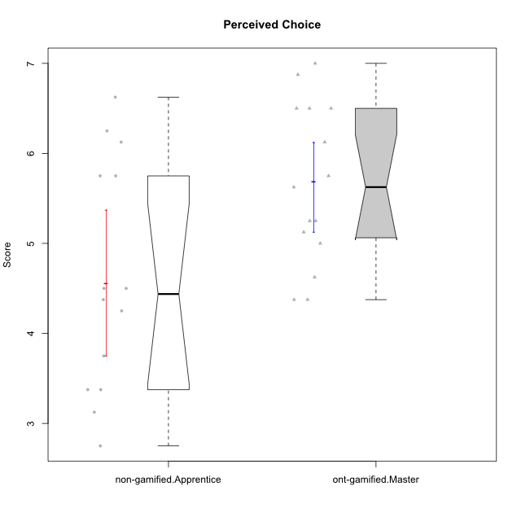

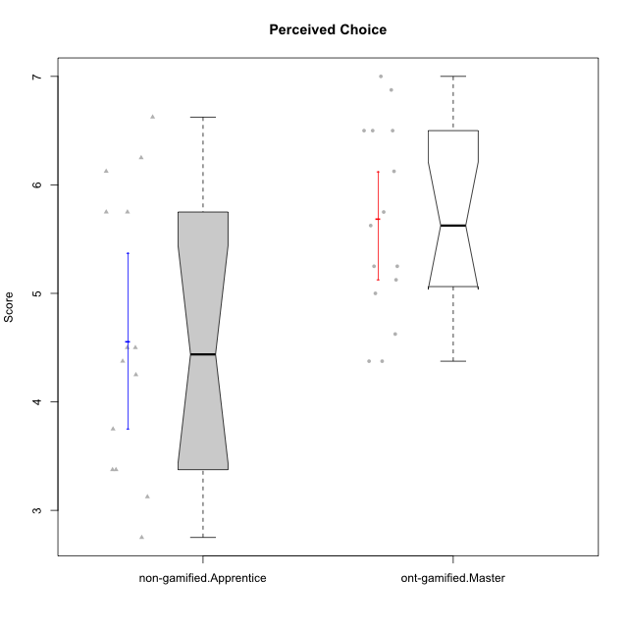

Wilcoxon data
UserID | NroUSP | Type | CLGroup | CLRole | PlayerRole | Item01IE | Item09IE | Item12IE | Item21IE | Item22IE | Item24IE | Item02PC | Item05PC | Item06PC | Item08PC | Item15PC | Item17PC | Item20PC | Item23PC | Item11PT | Item14PT | Item16PT | Item18PT | Interest/Enjoyment | Perceived Choice | Pressure/Tension | Intrinsic Motivation
10169 | 10377538 | ont-gamified | Grupo Hefesto | Master | Yee Achiever | 4 | 6 | 6 | 6 | 6 | 6 | 4 | 6 | 6 | 2 | 2 | 2 | 2 | 6 | 7 | 1 | 4 | 2 | 5.6666666667 | 5.25 | 2 | 5.5555555556
10171 | 698531 | non-gamified | Grupo Team 6 | Apprentice |  | 6 | 6 | 6 | 5 | 5 | 6 | 2 | 7 | 2 | 1 | 3 | 2 | 1 | 2 | 6 | 1 | 1 | 1 | 5.6666666667 | 5.75 | 1.25 | 5.9444444444
10174 | 10276852 | ont-gamified | Grupo Urano | Master | Yee Achiever | 4 | 5 | 4 | 4 | 6 | 6 | 4 | 4 | 4 | 3 | 4 | 3 | 3 | 4 | 6 | 1 | 1 | 1 | 4.8333333333 | 4.375 | 1.25 | 5.0555555556
10175 | 10310700 | ont-gamified | Grupo Hélio | Master | Yee Socializer | 6 | 6 | 6 | 5 | 5 | 6 | 1 | 7 | 1 | 1 | 1 | 1 | 1 | 6 | 7 | 1 | 1 | 1 | 5.6666666667 | 6.875 | 1 | 6.5
10184 | 10276675 | ont-gamified | Grupo Apolo | Master | Yee Socializer | 5 | 5 | 5 | 4 | 4 | 4 | 5 | 7 | 1 | 1 | 4 | 1 | 2 | 4 | 4 | 1 | 3 | 1 | 4.5 | 5.625 | 2.25 | 5.2777777778
10185 | 10276960 | non-gamified | Grupo Team 12 | Apprentice |  | 4 | 4 | 4 | 4 | 4 | 4 | 4 | 3 | 3 | 3 | 4 | 4 | 3 | 4 | 6 | 2 | 2 | 3 | 4 | 4.25 | 2.25 | 4.5
10187 | 9790781 | non-gamified | Grupo Team 15 | Apprentice |  | 7 | 7 | 7 | 7 | 7 | 7 | 1 | 5 | 1 | 3 | 4 | 1 | 1 | 7 | 1 | 1 | 5 | 1 | 7 | 6.125 | 3.5 | 6.0555555556
10189 | 9363926 | ont-gamified | Grupo Hades | Master | Yee Socializer | 2 | 4 | 3 | 6 | 4 | 5 | 4 | 5 | 2 | 1 | 5 | 2 | 1 | 2 | 5 | 4 | 5 | 2 | 4 | 5 | 3.5 | 4.5555555556
10192 | 10276682 | non-gamified | Grupo Team 5 | Apprentice |  | 4 | 7 | 7 | 6 | 6 | 7 | 2 | 7 | 7 | 1 | 7 | 1 | 6 | 4 | 7 | 1 | 1 | 1 | 6.1666666667 | 4.375 | 1 | 5.5555555556
10193 | 10276762 | ont-gamified | Grupo Afrodite | Master | Yee Achiever | 4 | 5 | 5 | 5 | 6 | 4 | 2 | 4 | 5 | 3 | 5 | 3 | 2 | 5 | 6 | 1 | 1 | 1 | 4.8333333333 | 4.625 | 1.25 | 5.1666666667
10199 | 10276737 | ont-gamified | Grupo Gaia | Master | Yee Achiever | 4 | 4 | 4 | 4 | 7 | 1 | 1 | 7 | 1 | 1 | 1 | 1 | 1 | 7 | 2 | 3 | 1 | 1 | 4 | 7 | 2.75 | 5.6111111111
10201 | 10276928 | ont-gamified | Grupo Caronte | Master | Yee Achiever | 5 | 7 | 7 | 7 | 7 | 5 | 2 | 7 | 3 | 2 | 2 | 2 | 1 | 3 | 6 | 3 | 2 | 1 | 6.3333333333 | 5.75 | 2 | 6
10202 | 10277036 | non-gamified | Grupo Team 11 | Apprentice |  | 4 | 4 | 4 | 4 | 4 | 4 | 7 | 4 | 4 | 5 | 4 | 4 | 4 | 3 | 1 | 7 | 7 | 7 | 4 | 3.375 | 7 | 3.0555555556
10203 | 9921470 | non-gamified | Grupo Team 3 | Apprentice |  | 7 | 7 | 7 | 1 | 1 | 1 | 1 | 7 | 1 | 1 | 1 | 1 | 1 | 1 | 7 | 1 | 2 | 1 | 4 | 6.25 | 1.25 | 5.6111111111
10204 | 10310471 | ont-gamified | Grupo Hermes | Master | Yee Achiever | 6 | 7 | 7 | 7 | 7 | 7 | 2 | 7 | 4 | 1 | 1 | 1 | 1 | 7 | 7 | 1 | 1 | 1 | 6.8333333333 | 6.5 | 1 | 6.7222222222
10206 | 10310721 | ont-gamified | Grupo Hera | Master | Yee Achiever | 4 | 6 | 4 | 5 | 5 | 3 | 1 | 7 | 1 | 2 | 2 | 1 | 2 | 6 | 2 | 3 | 3 | 2 | 4.5 | 6.5 | 3.5 | 5.3888888889
10208 | 10276932 | non-gamified | Grupo Team 7 | Apprentice |  | 6 | 6 | 7 | 7 | 6 | 6 | 4 | 7 | 4 | 1 | 2 | 1 | 2 | 5 | 7 | 1 | 4 | 1 | 6.3333333333 | 5.75 | 1.75 | 6.0555555556
10210 | 10277015 | non-gamified | Grupo Team 9 | Apprentice |  | 4 | 5 | 4 | 2 | 2 | 4 | 6 | 3 | 5 | 5 | 6 | 4 | 5 | 2 | 4 | 4 | 4 | 6 | 3.5 | 2.75 | 4.5 | 3.1666666667
10213 | 10277040 | ont-gamified | Grupo Morfeu | Master | Yee Socializer | 7 | 6 | 5 | 4 | 4 | 7 | 4 | 4 | 1 | 4 | 7 | 1 | 2 | 2 | 7 | 1 | 1 | 1 | 5.5 | 4.375 | 1 | 5.3333333333
10215 | 9285227 | ont-gamified | Grupo Zeus | Master | Yee Socializer | 4 | 7 | 4 | 6 | 5 | 4 | 1 | 6 | 1 | 1 | 1 | 1 | 1 | 4 | 7 | 1 | 1 | 1 | 5 | 6.5 | 1 | 6.1111111111
10218 | 9842913 | ont-gamified | Grupo Ares | Master | Yee Achiever | 4 | 3 | 3 | 4 | 4 | 2 | 2 | 5 | 4 | 1 | 3 | 3 | 2 | 3 | 3 | 3 | 4 | 2 | 3.3333333333 | 5.125 | 3.5 | 4.3888888889
10220 | 9760151 | non-gamified | Grupo Team 2 | Apprentice |  | 4 | 7 | 4 | 4 | 7 | 7 | 1 | 7 | 4 | 1 | 1 | 1 | 1 | 7 | 7 | 1 | 1 | 1 | 5.5 | 6.625 | 1 | 6.3333333333
10223 | 9795185 | ont-gamified | Grupo Cronus | Master | Yee Achiever | 6 | 6 | 6 | 7 | 7 | 6 | 2 | 6 | 2 | 1 | 2 | 1 | 3 | 6 | 7 | 1 | 2 | 1 | 6.3333333333 | 6.125 | 1.25 | 6.3333333333
10224 | 9368772 | non-gamified | Grupo Team 10 | Apprentice |  | 6 | 7 | 7 | 7 | 6 | 6 | 4 | 7 | 4 | 7 | 7 | 7 | 3 | 2 | 7 | 1 | 1 | 3 | 6.5 | 3.125 | 1.5 | 5
10227 | 9274382 | non-gamified | Grupo Team 4 | Apprentice |  | 1 | 2 | 3 | 3 | 6 | 2 | 3 | 6 | 4 | 3 | 5 | 4 | 2 | 3 | 3 | 4 | 4 | 4 | 2.8333333333 | 4.5 | 4.25 | 3.7777777778
10228 | 10310492 | non-gamified | Grupo Team 14 | Apprentice |  | 4 | 4 | 5 | 4 | 4 | 3 | 5 | 4 | 3 | 2 | 3 | 3 | 3 | 3 | 6 | 1 | 2 | 4 | 4 | 4.5 | 2.25 | 4.6111111111
10232 | 10276974 | ont-gamified | Grupo Artemis | Master | Yee Achiever | 6 | 4 | 5 | 6 | 5 | 7 | 2 | 5 | 4 | 2 | 4 | 2 | 1 | 4 | 1 | 1 | 2 | 2 | 5.5 | 5.25 | 3 | 5.2777777778
10233 | 9805320 | non-gamified | Grupo Team 16 | Apprentice |  | 2 | 4 | 2 | 1 | 2 | 3 | 7 | 6 | 3 | 3 | 6 | 3 | 5 | 3 | 7 | 1 | 1 | 2 | 2.3333333333 | 3.75 | 1.25 | 3.9444444444
10238 | 10276953 | non-gamified | Grupo Team 13 | Apprentice |  | 4 | 3 | 4 | 4 | 4 | 4 | 4 | 3 | 5 | 4 | 7 | 5 | 2 | 3 | 4 | 4 | 4 | 5 | 3.8333333333 | 3.375 | 4.25 | 3.6111111111

Type_CLRole_4
Wilcoxon Analysis for Perceived Choice in Type:CLRole between non-gamified.Master:ont-gamified.Apprentice

Wilcoxon test results
Alternative hypothesis: less
Group | N | Median | Mean.Ranks | Sum.Ranks | U | Z | p.value | r | magnitude
non-gamified.Master | 16 | 4.6875 | 13.53125 | 216.5 | 80.5 | -1.5631088428 | 0.060751614272 | 0.28074263581 | small
ont-gamified.Apprentice | 15 | 5.375 | 18.633333333 | 279.5 | 80.5 | -1.5631088428 | 0.060751614272 | 0.28074263581 | small
Alternative hypothesis: greater
Group | N | Median | Mean.Ranks | Sum.Ranks | U | Z | p.value | r | magnitude
non-gamified.Master | 16 | 4.6875 | 13.53125 | 216.5 | 80.5 | -1.5631088428 | 0.94164054495 | 0.28074263581 | small
ont-gamified.Apprentice | 15 | 5.375 | 18.633333333 | 279.5 | 80.5 | -1.5631088428 | 0.94164054495 | 0.28074263581 | small
Alternative hypothesis: two.sided
Group | N | Median | Mean.Ranks | Sum.Ranks | U | Z | p.value | r | magnitude
non-gamified.Master | 16 | 4.6875 | 13.53125 | 216.5 | 80.5 | -1.5631088428 | 0.1215052915 | 0.28074263581 | small
ont-gamified.Apprentice | 15 | 5.375 | 18.633333333 | 279.5 | 80.5 | -1.5631088428 | 0.1215052915 | 0.28074263581 | small

Box plots for wilcoxon tests


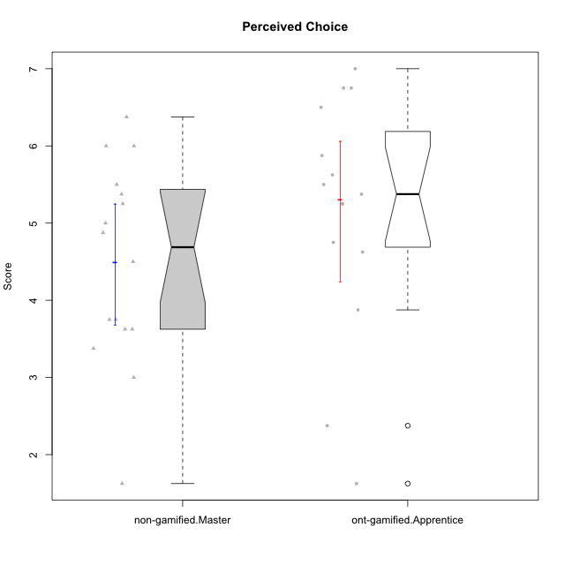

Wilcoxon data
UserID | NroUSP | Type | CLGroup | CLRole | PlayerRole | Item01IE | Item09IE | Item12IE | Item21IE | Item22IE | Item24IE | Item02PC | Item05PC | Item06PC | Item08PC | Item15PC | Item17PC | Item20PC | Item23PC | Item11PT | Item14PT | Item16PT | Item18PT | Interest/Enjoyment | Perceived Choice | Pressure/Tension | Intrinsic Motivation
10170 | 10260351 | ont-gamified | Grupo Afrodite | Apprentice | Yee Achiever | 5 | 5 | 5 | 6 | 6 | 4 | 2 | 7 | 1 | 2 | 2 | 1 | 2 | 7 | 7 | 1 | 1 | 1 | 5.1666666667 | 6.5 | 1 | 6.1666666667
10172 | 10273971 | non-gamified | Grupo Team 1 | Master |  | 6 | 6 | 5 | 5 | 5 | 4 | 4 | 3 | 2 | 3 | 2 | 2 | 3 | 5 | 7 | 1 | 1 | 1 | 5.1666666667 | 5 | 1 | 5.5
10176 | 10276949 | ont-gamified | Grupo Cronus | Apprentice | Yee Achiever | 5 | 5 | 4 | 4 | 4 | 3 | 5 | 6 | 1 | 1 | 2 | 2 | 2 | 2 | 4 | 2 | 3 | 2 | 4.1666666667 | 5.375 | 2.75 | 4.9444444444
10178 | 8656201 | ont-gamified | Grupo Morfeu | Apprentice | Yee Socializer | 5 | 5 | 5 | 5 | 5 | 5 | 4 | 5 | 2 | 1 | 3 | 1 | 3 | 5 | 5 | 1 | 4 | 1 | 5 | 5.5 | 2.25 | 5.3888888889
10179 | 10310759 | non-gamified | Grupo Team 9 | Master |  | 4 | 4 | 3 | 4 | 4 | 4 | 6 | 3 | 5 | 4 | 5 | 4 | 3 | 3 | 6 | 2 | 2 | 2 | 3.8333333333 | 3.375 | 2 | 4.1111111111
10181 | 10276866 | non-gamified | Grupo Team 10 | Master |  | 5 | 5 | 5 | 5 | 4 | 2 | 2 | 2 | 1 | 3 | 2 | 2 | 2 | 4 | 7 | 1 | 1 | 1 | 4.3333333333 | 5.25 | 1 | 5.3333333333
10183 | 10352030 | ont-gamified | Grupo Hélio | Apprentice | Yee Socializer | 5 | 4 | 4 | 4 | 4 | 3 | 3 | 5 | 2 | 4 | 2 | 2 | 2 | 4 | 5 | 2 | 3 | 3 | 4 | 5.25 | 2.75 | 4.8333333333
10186 | 10310551 | ont-gamified | Grupo Ares | Apprentice | Yee Achiever | 3 | 6 | 4 | 4 | 5 | 6 | 2 | 4 | 4 | 1 | 1 | 1 | 1 | 5 | 4 | 1 | 4 | 3 | 4.6666666667 | 5.875 | 3 | 5.2777777778
10188 | 10276995 | non-gamified | Grupo Team 3 | Master |  | 4 | 4 | 4 | 3 | 4 | 4 | 3 | 3 | 3 | 3 | 3 | 3 | 4 | 4 | 6 | 2 | 1 | 1 | 3.8333333333 | 4.5 | 1.5 | 4.7222222222
10190 | 10276907 | ont-gamified | Grupo Zeus | Apprentice | Yee Socializer | 4 | 5 | 5 | 4 | 4 | 5 | 4 | 7 | 1 | 3 | 1 | 2 | 3 | 4 | 6 | 1 | 2 | 2 | 4.5 | 5.625 | 1.75 | 5.3888888889
10191 | 10276981 | non-gamified | Grupo Team 6 | Master |  | 4 | 6 | 6 | 6 | 5 | 7 | 2 | 6 | 2 | 3 | 6 | 1 | 1 | 4 | 7 | 1 | 2 | 1 | 5.6666666667 | 5.375 | 1.25 | 5.7777777778
10195 | 10351971 | ont-gamified | Grupo Urano | Apprentice | Yee Achiever | 5 | 6 | 5 | 6 | 5 | 5 | 4 | 4 | 4 | 1 | 4 | 4 | 2 | 4 | 7 | 1 | 1 | 1 | 5.3333333333 | 4.625 | 1 | 5.3888888889
10196 | 10310655 | ont-gamified | Grupo Hefesto | Apprentice | Yee Achiever | 4 | 4 | 4 | 4 | 4 | 4 | 6 | 2 | 1 | 4 | 7 | 1 | 4 | 4 | 7 | 1 | 1 | 1 | 4 | 3.875 | 1 | 4.6111111111
10197 | 10276661 | ont-gamified | Grupo Gaia | Apprentice | Yee Achiever | 4 | 6 | 4 | 6 | 4 | 5 | 1 | 7 | 2 | 1 | 1 | 1 | 1 | 6 | 7 | 1 | 1 | 1 | 4.8333333333 | 6.75 | 1 | 6.1666666667
10198 | 10310888 | ont-gamified | Grupo Apolo | Apprentice | Yee Socializer | 7 | 7 | 7 | 7 | 7 | 7 | 1 | 7 | 1 | 1 | 1 | 1 | 1 | 7 | 7 | 1 | 1 | 1 | 7 | 7 | 1 | 7
10200 | 9795272 | ont-gamified | Grupo Hades | Apprentice | Yee Socializer | 6 | 6 | 7 | 6 | 6 | 7 | 2 | 5 | 2 | 3 | 4 | 2 | 2 | 4 | 7 | 1 | 1 | 1 | 6.3333333333 | 5.25 | 1 | 6
10209 | 10262669 | ont-gamified | Grupo Artemis | Apprentice | Yee Achiever | 4 | 3 | 3 | 3 | 2 | 4 | 7 | 4 | 7 | 7 | 7 | 7 | 5 | 1 | 7 | 1 | 1 | 1 | 3.1666666667 | 1.625 | 1 | 3.3333333333
10211 | 9311643 | non-gamified | Grupo Team 2 | Master |  | 7 | 7 | 5 | 6 | 6 | 6 | 7 | 3 | 6 | 3 | 6 | 3 | 2 | 5 | 7 | 2 | 2 | 3 | 6.1666666667 | 3.625 | 2 | 5
10212 | 9065750 | non-gamified | Grupo Team 4 | Master |  | 5 | 6 | 6 | 7 | 7 | 7 | 3 | 7 | 3 | 1 | 1 | 2 | 1 | 4 | 6 | 2 | 4 | 2 | 6.3333333333 | 6 | 2.5 | 6
10214 | 10277022 | non-gamified | Grupo Team 5 | Master |  | 4 | 4 | 3 | 3 | 3 | 1 | 4 | 4 | 4 | 4 | 5 | 4 | 4 | 2 | 4 | 1 | 1 | 2 | 3 | 3.625 | 2 | 3.9444444444
10216 | 10276720 | non-gamified | Grupo Team 15 | Master |  | 4 | 7 | 5 | 5 | 7 | 1 | 1 | 7 | 1 | 1 | 4 | 1 | 3 | 7 | 7 | 2 | 1 | 1 | 4.8333333333 | 6.375 | 1.25 | 5.9444444444
10217 | 9805341 | non-gamified | Grupo Team 13 | Master |  | 3 | 5 | 4 | 5 | 4 | 2 | 2 | 4 | 1 | 1 | 1 | 1 | 2 | 4 | 7 | 1 | 1 | 1 | 3.8333333333 | 6 | 1 | 5.5
10219 | 10276831 | non-gamified | Grupo Team 12 | Master |  | 4 | 4 | 4 | 3 | 4 | 3 | 2 | 1 | 4 | 3 | 4 | 4 | 3 | 1 | 7 | 1 | 1 | 1 | 3.6666666667 | 3.75 | 1 | 4.4444444444
10221 | 9082496 | ont-gamified | Grupo Hermes | Apprentice | Yee Achiever | 4 | 5 | 4 | 5 | 5 | 4 | 3 | 6 | 4 | 1 | 4 | 1 | 4 | 1 | 7 | 1 | 1 | 1 | 4.5 | 4.75 | 1 | 5.1666666667
10222 | 9436110 | non-gamified | Grupo Team 16 | Master |  | 1 | 1 | 1 | 1 | 1 | 1 | 7 | 2 | 6 | 7 | 7 | 6 | 6 | 2 | 3 | 3 | 3 | 4 | 1 | 1.625 | 3.75 | 2
10226 | 10310342 | non-gamified | Grupo Team 8 | Master |  | 2 | 4 | 4 | 4 | 4 | 5 | 6 | 2 | 4 | 5 | 6 | 4 | 2 | 1 | 7 | 1 | 1 | 3 | 3.8333333333 | 3 | 1.5 | 4.0555555556
10230 | 10351992 | non-gamified | Grupo Team 14 | Master |  | 1 | 4 | 1 | 6 | 1 | 3 | 2 | 5 | 1 | 5 | 4 | 1 | 5 | 4 | 1 | 1 | 4 | 1 | 2.6666666667 | 4.875 | 3.25 | 4.1111111111
10231 | 10276911 | ont-gamified | Grupo Caronte | Apprentice | Yee Achiever | 7 | 7 | 7 | 7 | 7 | 7 | 1 | 6 | 1 | 1 | 2 | 1 | 1 | 7 | 7 | 1 | 1 | 1 | 7 | 6.75 | 1 | 6.8888888889
10234 | 10310676 | non-gamified | Grupo Team 7 | Master |  | 2 | 3 | 2 | 6 | 5 | 2 | 2 | 2 | 5 | 4 | 6 | 4 | 3 | 4 | 7 | 2 | 1 | 1 | 3.3333333333 | 3.75 | 1.25 | 4.2777777778
10237 | 10377688 | non-gamified | Grupo Team 11 | Master |  | 6 | 5 | 4 | 6 | 5 | 3 | 3 | 7 | 5 | 2 | 2 | 1 | 2 | 4 | 7 | 1 | 1 | 1 | 4.8333333333 | 5.5 | 1 | 5.6111111111
10240 | 10276654 | ont-gamified | Grupo Hera | Apprentice | Yee Achiever | 4 | 3 | 4 | 2 | 4 | 4 | 6 | 6 | 7 | 5 | 7 | 7 | 7 | 4 | 7 | 1 | 1 | 1 | 3.5 | 2.375 | 1 | 3.7777777778

Type_CLRole_5
Wilcoxon Analysis for Perceived Choice in Type:CLRole between non-gamified.Master:ont-gamified.Master

Wilcoxon test results
Alternative hypothesis: less
Group | N | Median | Mean.Ranks | Sum.Ranks | U | Z | p.value | r | magnitude
non-gamified.Master | 16 | 4.6875 | 12.03125 | 192.5 | 56.5 | -2.5133537633 | 0.0054034036945 | 0.45141166176 | medium
ont-gamified.Master | 15 | 5.625 | 20.233333333 | 303.5 | 56.5 | -2.5133537633 | 0.0054034036945 | 0.45141166176 | medium
Alternative hypothesis: greater
Group | N | Median | Mean.Ranks | Sum.Ranks | U | Z | p.value | r | magnitude
non-gamified.Master | 16 | 4.6875 | 12.03125 | 192.5 | 56.5 | -2.5133537633 | 0.99492260262 | 0.45141166176 | medium
ont-gamified.Master | 15 | 5.625 | 20.233333333 | 303.5 | 56.5 | -2.5133537633 | 0.99492260262 | 0.45141166176 | medium
Alternative hypothesis: two.sided
Group | N | Median | Mean.Ranks | Sum.Ranks | U | Z | p.value | r | magnitude
non-gamified.Master | 16 | 4.6875 | 12.03125 | 192.5 | 56.5 | -2.5133537633 | 0.010807602624 | 0.45141166176 | medium
ont-gamified.Master | 15 | 5.625 | 20.233333333 | 303.5 | 56.5 | -2.5133537633 | 0.010807602624 | 0.45141166176 | medium

Box plots for wilcoxon tests
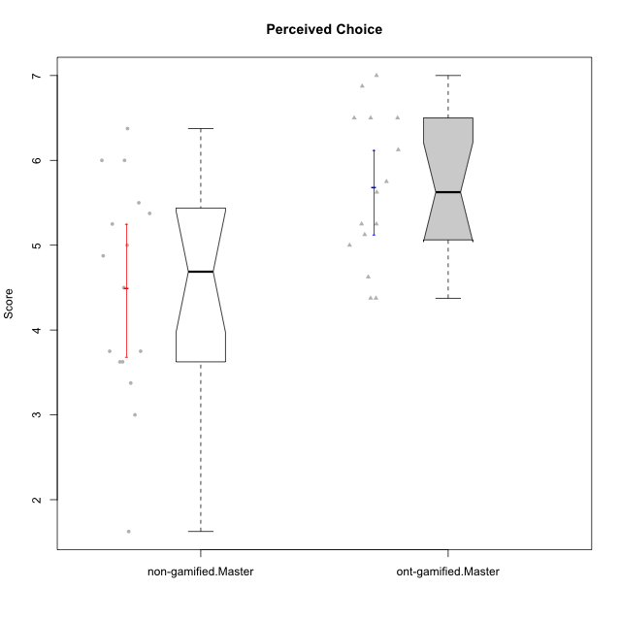

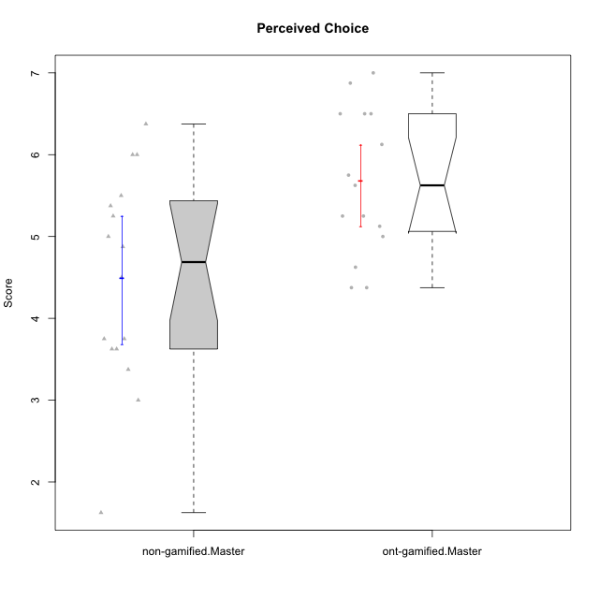

Wilcoxon data
UserID | NroUSP | Type | CLGroup | CLRole | PlayerRole | Item01IE | Item09IE | Item12IE | Item21IE | Item22IE | Item24IE | Item02PC | Item05PC | Item06PC | Item08PC | Item15PC | Item17PC | Item20PC | Item23PC | Item11PT | Item14PT | Item16PT | Item18PT | Interest/Enjoyment | Perceived Choice | Pressure/Tension | Intrinsic Motivation
10169 | 10377538 | ont-gamified | Grupo Hefesto | Master | Yee Achiever | 4 | 6 | 6 | 6 | 6 | 6 | 4 | 6 | 6 | 2 | 2 | 2 | 2 | 6 | 7 | 1 | 4 | 2 | 5.6666666667 | 5.25 | 2 | 5.5555555556
10172 | 10273971 | non-gamified | Grupo Team 1 | Master |  | 6 | 6 | 5 | 5 | 5 | 4 | 4 | 3 | 2 | 3 | 2 | 2 | 3 | 5 | 7 | 1 | 1 | 1 | 5.1666666667 | 5 | 1 | 5.5
10174 | 10276852 | ont-gamified | Grupo Urano | Master | Yee Achiever | 4 | 5 | 4 | 4 | 6 | 6 | 4 | 4 | 4 | 3 | 4 | 3 | 3 | 4 | 6 | 1 | 1 | 1 | 4.8333333333 | 4.375 | 1.25 | 5.0555555556
10175 | 10310700 | ont-gamified | Grupo Hélio | Master | Yee Socializer | 6 | 6 | 6 | 5 | 5 | 6 | 1 | 7 | 1 | 1 | 1 | 1 | 1 | 6 | 7 | 1 | 1 | 1 | 5.6666666667 | 6.875 | 1 | 6.5
10179 | 10310759 | non-gamified | Grupo Team 9 | Master |  | 4 | 4 | 3 | 4 | 4 | 4 | 6 | 3 | 5 | 4 | 5 | 4 | 3 | 3 | 6 | 2 | 2 | 2 | 3.8333333333 | 3.375 | 2 | 4.1111111111
10181 | 10276866 | non-gamified | Grupo Team 10 | Master |  | 5 | 5 | 5 | 5 | 4 | 2 | 2 | 2 | 1 | 3 | 2 | 2 | 2 | 4 | 7 | 1 | 1 | 1 | 4.3333333333 | 5.25 | 1 | 5.3333333333
10184 | 10276675 | ont-gamified | Grupo Apolo | Master | Yee Socializer | 5 | 5 | 5 | 4 | 4 | 4 | 5 | 7 | 1 | 1 | 4 | 1 | 2 | 4 | 4 | 1 | 3 | 1 | 4.5 | 5.625 | 2.25 | 5.2777777778
10188 | 10276995 | non-gamified | Grupo Team 3 | Master |  | 4 | 4 | 4 | 3 | 4 | 4 | 3 | 3 | 3 | 3 | 3 | 3 | 4 | 4 | 6 | 2 | 1 | 1 | 3.8333333333 | 4.5 | 1.5 | 4.7222222222
10189 | 9363926 | ont-gamified | Grupo Hades | Master | Yee Socializer | 2 | 4 | 3 | 6 | 4 | 5 | 4 | 5 | 2 | 1 | 5 | 2 | 1 | 2 | 5 | 4 | 5 | 2 | 4 | 5 | 3.5 | 4.5555555556
10191 | 10276981 | non-gamified | Grupo Team 6 | Master |  | 4 | 6 | 6 | 6 | 5 | 7 | 2 | 6 | 2 | 3 | 6 | 1 | 1 | 4 | 7 | 1 | 2 | 1 | 5.6666666667 | 5.375 | 1.25 | 5.7777777778
10193 | 10276762 | ont-gamified | Grupo Afrodite | Master | Yee Achiever | 4 | 5 | 5 | 5 | 6 | 4 | 2 | 4 | 5 | 3 | 5 | 3 | 2 | 5 | 6 | 1 | 1 | 1 | 4.8333333333 | 4.625 | 1.25 | 5.1666666667
10199 | 10276737 | ont-gamified | Grupo Gaia | Master | Yee Achiever | 4 | 4 | 4 | 4 | 7 | 1 | 1 | 7 | 1 | 1 | 1 | 1 | 1 | 7 | 2 | 3 | 1 | 1 | 4 | 7 | 2.75 | 5.6111111111
10201 | 10276928 | ont-gamified | Grupo Caronte | Master | Yee Achiever | 5 | 7 | 7 | 7 | 7 | 5 | 2 | 7 | 3 | 2 | 2 | 2 | 1 | 3 | 6 | 3 | 2 | 1 | 6.3333333333 | 5.75 | 2 | 6
10204 | 10310471 | ont-gamified | Grupo Hermes | Master | Yee Achiever | 6 | 7 | 7 | 7 | 7 | 7 | 2 | 7 | 4 | 1 | 1 | 1 | 1 | 7 | 7 | 1 | 1 | 1 | 6.8333333333 | 6.5 | 1 | 6.7222222222
10206 | 10310721 | ont-gamified | Grupo Hera | Master | Yee Achiever | 4 | 6 | 4 | 5 | 5 | 3 | 1 | 7 | 1 | 2 | 2 | 1 | 2 | 6 | 2 | 3 | 3 | 2 | 4.5 | 6.5 | 3.5 | 5.3888888889
10211 | 9311643 | non-gamified | Grupo Team 2 | Master |  | 7 | 7 | 5 | 6 | 6 | 6 | 7 | 3 | 6 | 3 | 6 | 3 | 2 | 5 | 7 | 2 | 2 | 3 | 6.1666666667 | 3.625 | 2 | 5
10212 | 9065750 | non-gamified | Grupo Team 4 | Master |  | 5 | 6 | 6 | 7 | 7 | 7 | 3 | 7 | 3 | 1 | 1 | 2 | 1 | 4 | 6 | 2 | 4 | 2 | 6.3333333333 | 6 | 2.5 | 6
10213 | 10277040 | ont-gamified | Grupo Morfeu | Master | Yee Socializer | 7 | 6 | 5 | 4 | 4 | 7 | 4 | 4 | 1 | 4 | 7 | 1 | 2 | 2 | 7 | 1 | 1 | 1 | 5.5 | 4.375 | 1 | 5.3333333333
10214 | 10277022 | non-gamified | Grupo Team 5 | Master |  | 4 | 4 | 3 | 3 | 3 | 1 | 4 | 4 | 4 | 4 | 5 | 4 | 4 | 2 | 4 | 1 | 1 | 2 | 3 | 3.625 | 2 | 3.9444444444
10215 | 9285227 | ont-gamified | Grupo Zeus | Master | Yee Socializer | 4 | 7 | 4 | 6 | 5 | 4 | 1 | 6 | 1 | 1 | 1 | 1 | 1 | 4 | 7 | 1 | 1 | 1 | 5 | 6.5 | 1 | 6.1111111111
10216 | 10276720 | non-gamified | Grupo Team 15 | Master |  | 4 | 7 | 5 | 5 | 7 | 1 | 1 | 7 | 1 | 1 | 4 | 1 | 3 | 7 | 7 | 2 | 1 | 1 | 4.8333333333 | 6.375 | 1.25 | 5.9444444444
10217 | 9805341 | non-gamified | Grupo Team 13 | Master |  | 3 | 5 | 4 | 5 | 4 | 2 | 2 | 4 | 1 | 1 | 1 | 1 | 2 | 4 | 7 | 1 | 1 | 1 | 3.8333333333 | 6 | 1 | 5.5
10218 | 9842913 | ont-gamified | Grupo Ares | Master | Yee Achiever | 4 | 3 | 3 | 4 | 4 | 2 | 2 | 5 | 4 | 1 | 3 | 3 | 2 | 3 | 3 | 3 | 4 | 2 | 3.3333333333 | 5.125 | 3.5 | 4.3888888889
10219 | 10276831 | non-gamified | Grupo Team 12 | Master |  | 4 | 4 | 4 | 3 | 4 | 3 | 2 | 1 | 4 | 3 | 4 | 4 | 3 | 1 | 7 | 1 | 1 | 1 | 3.6666666667 | 3.75 | 1 | 4.4444444444
10222 | 9436110 | non-gamified | Grupo Team 16 | Master |  | 1 | 1 | 1 | 1 | 1 | 1 | 7 | 2 | 6 | 7 | 7 | 6 | 6 | 2 | 3 | 3 | 3 | 4 | 1 | 1.625 | 3.75 | 2
10223 | 9795185 | ont-gamified | Grupo Cronus | Master | Yee Achiever | 6 | 6 | 6 | 7 | 7 | 6 | 2 | 6 | 2 | 1 | 2 | 1 | 3 | 6 | 7 | 1 | 2 | 1 | 6.3333333333 | 6.125 | 1.25 | 6.3333333333
10226 | 10310342 | non-gamified | Grupo Team 8 | Master |  | 2 | 4 | 4 | 4 | 4 | 5 | 6 | 2 | 4 | 5 | 6 | 4 | 2 | 1 | 7 | 1 | 1 | 3 | 3.8333333333 | 3 | 1.5 | 4.0555555556
10230 | 10351992 | non-gamified | Grupo Team 14 | Master |  | 1 | 4 | 1 | 6 | 1 | 3 | 2 | 5 | 1 | 5 | 4 | 1 | 5 | 4 | 1 | 1 | 4 | 1 | 2.6666666667 | 4.875 | 3.25 | 4.1111111111
10232 | 10276974 | ont-gamified | Grupo Artemis | Master | Yee Achiever | 6 | 4 | 5 | 6 | 5 | 7 | 2 | 5 | 4 | 2 | 4 | 2 | 1 | 4 | 1 | 1 | 2 | 2 | 5.5 | 5.25 | 3 | 5.2777777778
10234 | 10310676 | non-gamified | Grupo Team 7 | Master |  | 2 | 3 | 2 | 6 | 5 | 2 | 2 | 2 | 5 | 4 | 6 | 4 | 3 | 4 | 7 | 2 | 1 | 1 | 3.3333333333 | 3.75 | 1.25 | 4.2777777778
10237 | 10377688 | non-gamified | Grupo Team 11 | Master |  | 6 | 5 | 4 | 6 | 5 | 3 | 3 | 7 | 5 | 2 | 2 | 1 | 2 | 4 | 7 | 1 | 1 | 1 | 4.8333333333 | 5.5 | 1 | 5.6111111111

Type_CLRole_6
Wilcoxon Analysis for Perceived Choice in Type:CLRole between ont-gamified.Apprentice:ont-gamified.Master

Wilcoxon test results
Alternative hypothesis: less
Group | N | Median | Mean.Ranks | Sum.Ranks | U | Z | p.value | r | magnitude
ont-gamified.Apprentice | 15 | 5.375 | 14.666666667 | 220 | 100 | -0.51992370231 | 0.30765616289 | 0.094924646646 | none
ont-gamified.Master | 15 | 5.625 | 16.333333333 | 245 | 100 | -0.51992370231 | 0.30765616289 | 0.094924646646 | none
Alternative hypothesis: greater
Group | N | Median | Mean.Ranks | Sum.Ranks | U | Z | p.value | r | magnitude
ont-gamified.Apprentice | 15 | 5.375 | 14.666666667 | 220 | 100 | -0.51992370231 | 0.69946099577 | 0.094924646646 | none
ont-gamified.Master | 15 | 5.625 | 16.333333333 | 245 | 100 | -0.51992370231 | 0.69946099577 | 0.094924646646 | none
Alternative hypothesis: two.sided
Group | N | Median | Mean.Ranks | Sum.Ranks | U | Z | p.value | r | magnitude
ont-gamified.Apprentice | 15 | 5.375 | 14.666666667 | 220 | 100 | -0.51992370231 | 0.61531232578 | 0.094924646646 | none
ont-gamified.Master | 15 | 5.625 | 16.333333333 | 245 | 100 | -0.51992370231 | 0.61531232578 | 0.094924646646 | none

Box plots for wilcoxon tests
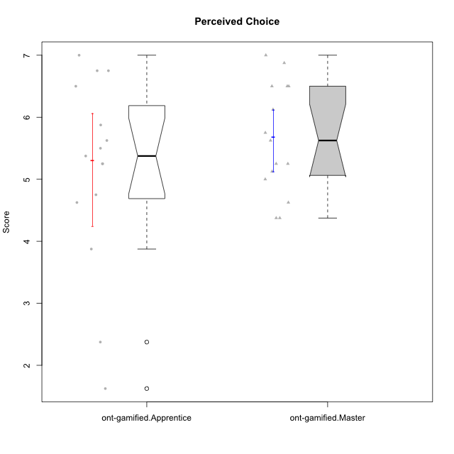

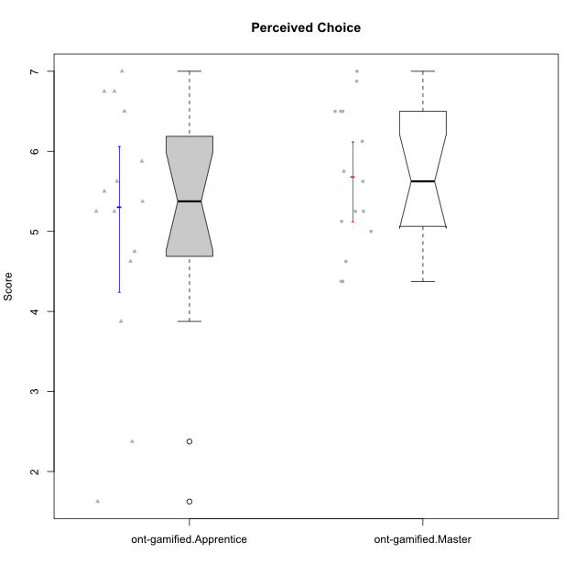

Wilcoxon data
UserID | NroUSP | Type | CLGroup | CLRole | PlayerRole | Item01IE | Item09IE | Item12IE | Item21IE | Item22IE | Item24IE | Item02PC | Item05PC | Item06PC | Item08PC | Item15PC | Item17PC | Item20PC | Item23PC | Item11PT | Item14PT | Item16PT | Item18PT | Interest/Enjoyment | Perceived Choice | Pressure/Tension | Intrinsic Motivation
10169 | 10377538 | ont-gamified | Grupo Hefesto | Master | Yee Achiever | 4 | 6 | 6 | 6 | 6 | 6 | 4 | 6 | 6 | 2 | 2 | 2 | 2 | 6 | 7 | 1 | 4 | 2 | 5.6666666667 | 5.25 | 2 | 5.5555555556
10170 | 10260351 | ont-gamified | Grupo Afrodite | Apprentice | Yee Achiever | 5 | 5 | 5 | 6 | 6 | 4 | 2 | 7 | 1 | 2 | 2 | 1 | 2 | 7 | 7 | 1 | 1 | 1 | 5.1666666667 | 6.5 | 1 | 6.1666666667
10174 | 10276852 | ont-gamified | Grupo Urano | Master | Yee Achiever | 4 | 5 | 4 | 4 | 6 | 6 | 4 | 4 | 4 | 3 | 4 | 3 | 3 | 4 | 6 | 1 | 1 | 1 | 4.8333333333 | 4.375 | 1.25 | 5.0555555556
10175 | 10310700 | ont-gamified | Grupo Hélio | Master | Yee Socializer | 6 | 6 | 6 | 5 | 5 | 6 | 1 | 7 | 1 | 1 | 1 | 1 | 1 | 6 | 7 | 1 | 1 | 1 | 5.6666666667 | 6.875 | 1 | 6.5
10176 | 10276949 | ont-gamified | Grupo Cronus | Apprentice | Yee Achiever | 5 | 5 | 4 | 4 | 4 | 3 | 5 | 6 | 1 | 1 | 2 | 2 | 2 | 2 | 4 | 2 | 3 | 2 | 4.1666666667 | 5.375 | 2.75 | 4.9444444444
10178 | 8656201 | ont-gamified | Grupo Morfeu | Apprentice | Yee Socializer | 5 | 5 | 5 | 5 | 5 | 5 | 4 | 5 | 2 | 1 | 3 | 1 | 3 | 5 | 5 | 1 | 4 | 1 | 5 | 5.5 | 2.25 | 5.3888888889
10183 | 10352030 | ont-gamified | Grupo Hélio | Apprentice | Yee Socializer | 5 | 4 | 4 | 4 | 4 | 3 | 3 | 5 | 2 | 4 | 2 | 2 | 2 | 4 | 5 | 2 | 3 | 3 | 4 | 5.25 | 2.75 | 4.8333333333
10184 | 10276675 | ont-gamified | Grupo Apolo | Master | Yee Socializer | 5 | 5 | 5 | 4 | 4 | 4 | 5 | 7 | 1 | 1 | 4 | 1 | 2 | 4 | 4 | 1 | 3 | 1 | 4.5 | 5.625 | 2.25 | 5.2777777778
10186 | 10310551 | ont-gamified | Grupo Ares | Apprentice | Yee Achiever | 3 | 6 | 4 | 4 | 5 | 6 | 2 | 4 | 4 | 1 | 1 | 1 | 1 | 5 | 4 | 1 | 4 | 3 | 4.6666666667 | 5.875 | 3 | 5.2777777778
10189 | 9363926 | ont-gamified | Grupo Hades | Master | Yee Socializer | 2 | 4 | 3 | 6 | 4 | 5 | 4 | 5 | 2 | 1 | 5 | 2 | 1 | 2 | 5 | 4 | 5 | 2 | 4 | 5 | 3.5 | 4.5555555556
10190 | 10276907 | ont-gamified | Grupo Zeus | Apprentice | Yee Socializer | 4 | 5 | 5 | 4 | 4 | 5 | 4 | 7 | 1 | 3 | 1 | 2 | 3 | 4 | 6 | 1 | 2 | 2 | 4.5 | 5.625 | 1.75 | 5.3888888889
10193 | 10276762 | ont-gamified | Grupo Afrodite | Master | Yee Achiever | 4 | 5 | 5 | 5 | 6 | 4 | 2 | 4 | 5 | 3 | 5 | 3 | 2 | 5 | 6 | 1 | 1 | 1 | 4.8333333333 | 4.625 | 1.25 | 5.1666666667
10195 | 10351971 | ont-gamified | Grupo Urano | Apprentice | Yee Achiever | 5 | 6 | 5 | 6 | 5 | 5 | 4 | 4 | 4 | 1 | 4 | 4 | 2 | 4 | 7 | 1 | 1 | 1 | 5.3333333333 | 4.625 | 1 | 5.3888888889
10196 | 10310655 | ont-gamified | Grupo Hefesto | Apprentice | Yee Achiever | 4 | 4 | 4 | 4 | 4 | 4 | 6 | 2 | 1 | 4 | 7 | 1 | 4 | 4 | 7 | 1 | 1 | 1 | 4 | 3.875 | 1 | 4.6111111111
10197 | 10276661 | ont-gamified | Grupo Gaia | Apprentice | Yee Achiever | 4 | 6 | 4 | 6 | 4 | 5 | 1 | 7 | 2 | 1 | 1 | 1 | 1 | 6 | 7 | 1 | 1 | 1 | 4.8333333333 | 6.75 | 1 | 6.1666666667
10198 | 10310888 | ont-gamified | Grupo Apolo | Apprentice | Yee Socializer | 7 | 7 | 7 | 7 | 7 | 7 | 1 | 7 | 1 | 1 | 1 | 1 | 1 | 7 | 7 | 1 | 1 | 1 | 7 | 7 | 1 | 7
10199 | 10276737 | ont-gamified | Grupo Gaia | Master | Yee Achiever | 4 | 4 | 4 | 4 | 7 | 1 | 1 | 7 | 1 | 1 | 1 | 1 | 1 | 7 | 2 | 3 | 1 | 1 | 4 | 7 | 2.75 | 5.6111111111
10200 | 9795272 | ont-gamified | Grupo Hades | Apprentice | Yee Socializer | 6 | 6 | 7 | 6 | 6 | 7 | 2 | 5 | 2 | 3 | 4 | 2 | 2 | 4 | 7 | 1 | 1 | 1 | 6.3333333333 | 5.25 | 1 | 6
10201 | 10276928 | ont-gamified | Grupo Caronte | Master | Yee Achiever | 5 | 7 | 7 | 7 | 7 | 5 | 2 | 7 | 3 | 2 | 2 | 2 | 1 | 3 | 6 | 3 | 2 | 1 | 6.3333333333 | 5.75 | 2 | 6
10204 | 10310471 | ont-gamified | Grupo Hermes | Master | Yee Achiever | 6 | 7 | 7 | 7 | 7 | 7 | 2 | 7 | 4 | 1 | 1 | 1 | 1 | 7 | 7 | 1 | 1 | 1 | 6.8333333333 | 6.5 | 1 | 6.7222222222
10206 | 10310721 | ont-gamified | Grupo Hera | Master | Yee Achiever | 4 | 6 | 4 | 5 | 5 | 3 | 1 | 7 | 1 | 2 | 2 | 1 | 2 | 6 | 2 | 3 | 3 | 2 | 4.5 | 6.5 | 3.5 | 5.3888888889
10209 | 10262669 | ont-gamified | Grupo Artemis | Apprentice | Yee Achiever | 4 | 3 | 3 | 3 | 2 | 4 | 7 | 4 | 7 | 7 | 7 | 7 | 5 | 1 | 7 | 1 | 1 | 1 | 3.1666666667 | 1.625 | 1 | 3.3333333333
10213 | 10277040 | ont-gamified | Grupo Morfeu | Master | Yee Socializer | 7 | 6 | 5 | 4 | 4 | 7 | 4 | 4 | 1 | 4 | 7 | 1 | 2 | 2 | 7 | 1 | 1 | 1 | 5.5 | 4.375 | 1 | 5.3333333333
10215 | 9285227 | ont-gamified | Grupo Zeus | Master | Yee Socializer | 4 | 7 | 4 | 6 | 5 | 4 | 1 | 6 | 1 | 1 | 1 | 1 | 1 | 4 | 7 | 1 | 1 | 1 | 5 | 6.5 | 1 | 6.1111111111
10218 | 9842913 | ont-gamified | Grupo Ares | Master | Yee Achiever | 4 | 3 | 3 | 4 | 4 | 2 | 2 | 5 | 4 | 1 | 3 | 3 | 2 | 3 | 3 | 3 | 4 | 2 | 3.3333333333 | 5.125 | 3.5 | 4.3888888889
10221 | 9082496 | ont-gamified | Grupo Hermes | Apprentice | Yee Achiever | 4 | 5 | 4 | 5 | 5 | 4 | 3 | 6 | 4 | 1 | 4 | 1 | 4 | 1 | 7 | 1 | 1 | 1 | 4.5 | 4.75 | 1 | 5.1666666667
10223 | 9795185 | ont-gamified | Grupo Cronus | Master | Yee Achiever | 6 | 6 | 6 | 7 | 7 | 6 | 2 | 6 | 2 | 1 | 2 | 1 | 3 | 6 | 7 | 1 | 2 | 1 | 6.3333333333 | 6.125 | 1.25 | 6.3333333333
10231 | 10276911 | ont-gamified | Grupo Caronte | Apprentice | Yee Achiever | 7 | 7 | 7 | 7 | 7 | 7 | 1 | 6 | 1 | 1 | 2 | 1 | 1 | 7 | 7 | 1 | 1 | 1 | 7 | 6.75 | 1 | 6.8888888889
10232 | 10276974 | ont-gamified | Grupo Artemis | Master | Yee Achiever | 6 | 4 | 5 | 6 | 5 | 7 | 2 | 5 | 4 | 2 | 4 | 2 | 1 | 4 | 1 | 1 | 2 | 2 | 5.5 | 5.25 | 3 | 5.2777777778
10240 | 10276654 | ont-gamified | Grupo Hera | Apprentice | Yee Achiever | 4 | 3 | 4 | 2 | 4 | 4 | 6 | 6 | 7 | 5 | 7 | 7 | 7 | 4 | 7 | 1 | 1 | 1 | 3.5 | 2.375 | 1 | 3.7777777778

