Assumptions
ANOVA assumptions for Pressure/Tension

Shapiro-Wilk normality test for Pressure/Tension
W | p.value
0.88181828932 | 6.1472997604E-05

Plots for normality test
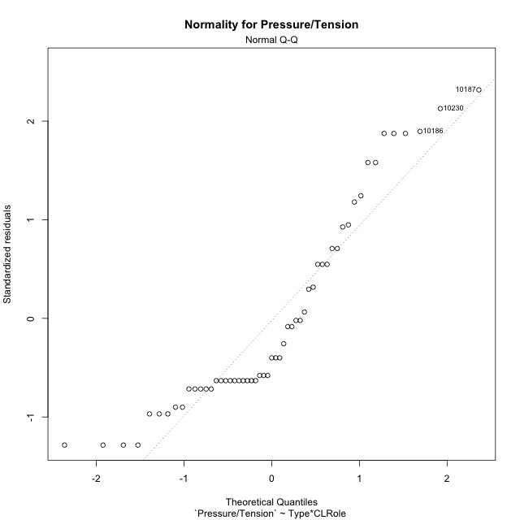

Levene's Test for Homogeneity of Variance in Pressure/Tension
Df | F value | Pr(>F)
3 | 1.1529134027 | 0.33681568328
51

Plots for homogeneity of variance
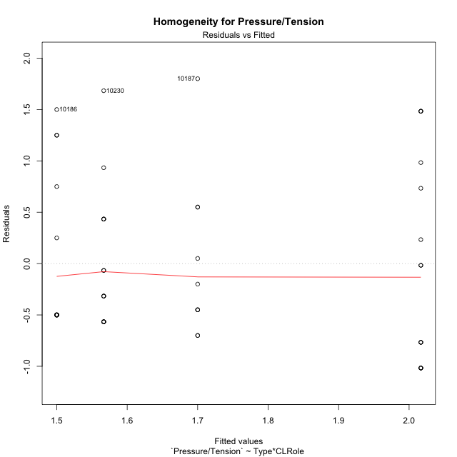

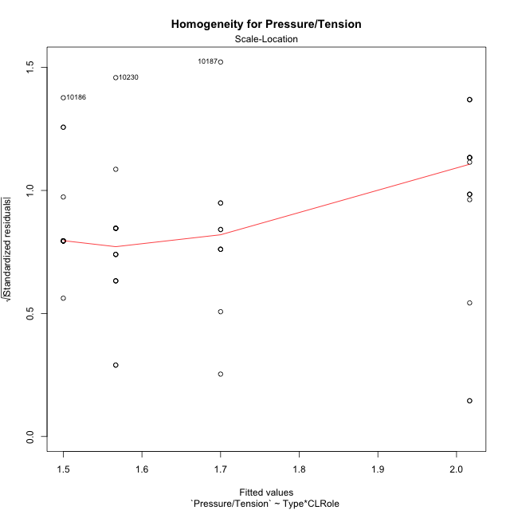

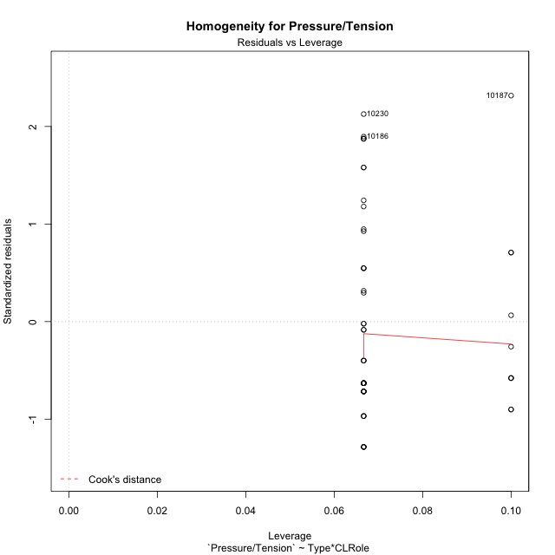

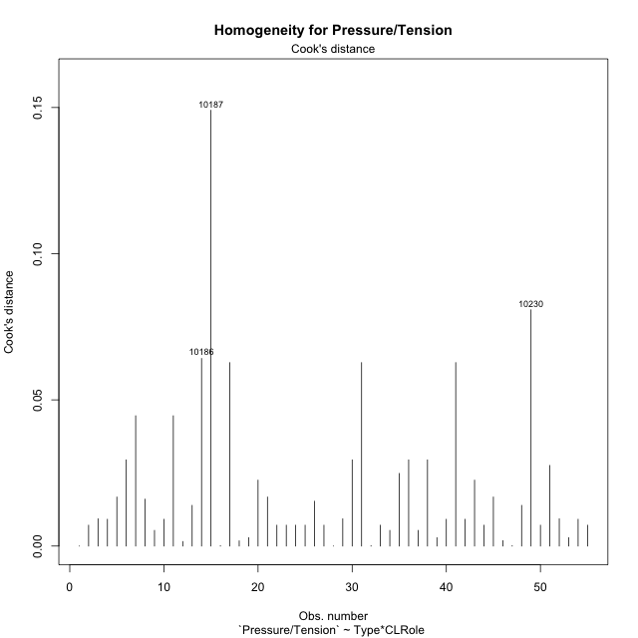

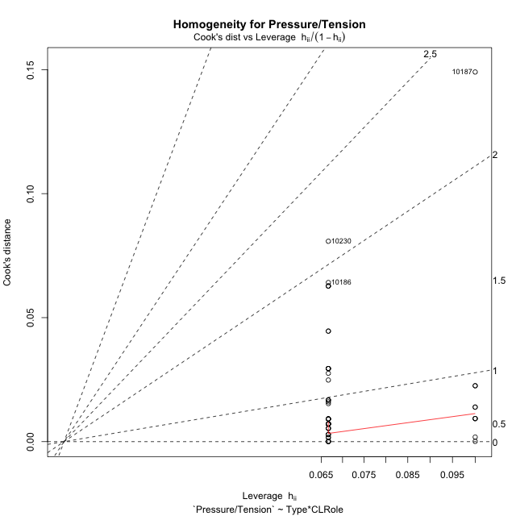

Minimum Sample Size Test for Pressure/Tension
Type | CLRole | Freq
non-gamified | Apprentice | 10
ont-gamified | Apprentice | 15
non-gamified | Master | 15
ont-gamified | Master | 15

Errors and Warnings in Sample Size Test for ANOVA in Pressure/Tension
code | description
WARN: sample.size | current.size is = 10 and recommended.size must be = 15 for the group: 'non-gamified:Apprentice'. Size sample for parametric test isn't recomended

For the group: 'non-gamified:Apprentice', we recommend the use of non parametric test. For the group: 'ont-gamified:Apprentice', you can perform a parametric test with a non-normal distribution For the group: 'non-gamified:Master', you can perform a parametric test with a non-normal distribution For the group: 'ont-gamified:Master', you can perform a parametric test with a non-normal distribution

If you don't want to remove non-normal data, you must cite the following references: ... (1) Lix, L.M., J.C. Keselman, and H.J. Keselman. 1996. Consequences of assumption violations revisited: A quantitative review of alternatives to the one-way analysis of variance F test. Rev. Educ. Res. 66: 579-619. ... (2) Harwell, M.R., E.N. Rubinstein, W.S. Hayes, and C.C. Olds. 1992. Summarizing Monte Carlo results in methodological research: the one- and two-factor fixed effects ANOVA cases. J. Educ. Stat. 17: 315-339.

Post-hoc
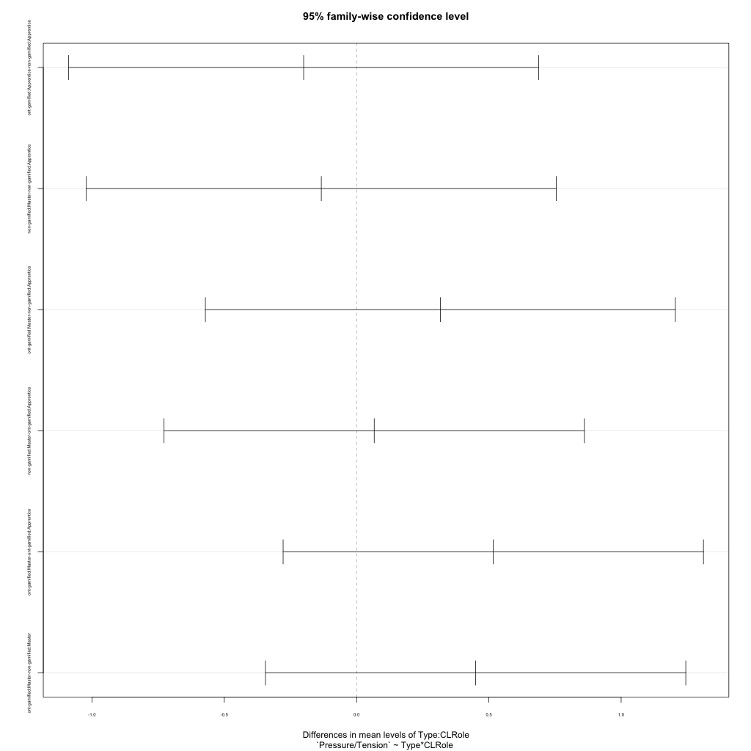
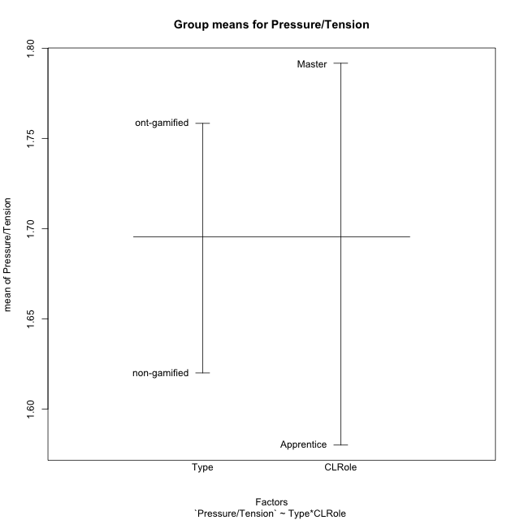
Post-hoc Tukey Honestly Significant Difference (HSD) Test for Pressure/Tension

Comparisons of means for Type
 | diff | lwr | upr | p adj
ont-gamified-non-gamified | 0.13833333333 | -0.30697226043 | 0.58363892709 | 0.53563562356

Comparisons of means for CLRole
 | diff | lwr | upr | p adj
Master-Apprentice | 0.2255 | -0.21980559376 | 0.67080559376 | 0.31412920107

Comparisons of means for Type:CLRole
 | diff | lwr | upr | p adj
ont-gamified:Apprentice-non-gamified:Apprentice | -0.2 | -1.0880854444 | 0.68808544438 | 0.9321784912
non-gamified:Master-non-gamified:Apprentice | -0.13333333333 | -1.0214187777 | 0.75475211105 | 0.97830000965
ont-gamified:Master-non-gamified:Apprentice | 0.31666666667 | -0.57141877771 | 1.204752111 | 0.77971312551
non-gamified:Master-ont-gamified:Apprentice | 0.066666666667 | -0.72766110272 | 0.86099443605 | 0.99604286442
ont-gamified:Master-ont-gamified:Apprentice | 0.51666666667 | -0.27766110272 | 1.3109944361 | 0.32034231137
ont-gamified:Master-non-gamified:Master | 0.45 | -0.34432776939 | 1.2443277694 | 0.44231792562

Contrast Matrices for Pressure/Tension
contrast | CLRole | estimate | SE | df | t.ratio | p.value
non-gamified - ont-gamified | Apprentice | 0.2 | 0.33439373815 | 51 | 0.59809732415 | 0.55242192967
non-gamified - ont-gamified | Master | -0.45 | 0.2990908519 | 51 | -1.5045595582 | 0.13860567091

Least Squares Means and Confidence Intervals
Type | CLRole | lsmean | SE | df | lower.CL | upper.CL
non-gamified | Apprentice | 1.7 | 0.25902027579 | 51 | 1.1799950982 | 2.2200049018
ont-gamified | Apprentice | 1.5 | 0.21148916957 | 51 | 1.0754177756 | 1.9245822244
non-gamified | Master | 1.5666666667 | 0.21148916957 | 51 | 1.1420844422 | 1.9912488911
ont-gamified | Master | 2.0166666667 | 0.21148916957 | 51 | 1.5920844422 | 2.4412488911

Plots

Type_1
Student's t-Test for Pressure/Tension in Type between non-gamified:ont-gamified

Student's t-Test results
Alternative hypothesis: less
Group | N | Mean | Mean.Difference | Std.deviation | Std.error | CI.lower | CI.upper | df | t.value | p.value | g | magnitude
non-gamified | 25 | 1.62 | -0.13833333333 | 0.70014879371 | 0.14002975874 | 1.3399404825 | 1.9000595175 | 52.608402599 | -0.63246597925 | 0.26491091963 | -0.16471773213 | negligible
ont-gamified | 30 | 1.7583333333 | 0.13833333333 | 0.92027763177 | 0.16801893936 | 1.4222954546 | 2.0943712121 | 52.608402599 | -0.63246597925 | 0.26491091963 | -0.16471773213 | negligible
Alternative hypothesis: greater
Group | N | Mean | Mean.Difference | Std.deviation | Std.error | CI.lower | CI.upper | df | t.value | p.value | g | magnitude
non-gamified | 25 | 1.62 | -0.13833333333 | 0.70014879371 | 0.14002975874 | 1.3399404825 | 1.9000595175 | 52.608402599 | -0.63246597925 | 0.73508908037 | -0.16471773213 | negligible
ont-gamified | 30 | 1.7583333333 | 0.13833333333 | 0.92027763177 | 0.16801893936 | 1.4222954546 | 2.0943712121 | 52.608402599 | -0.63246597925 | 0.73508908037 | -0.16471773213 | negligible
Alternative hypothesis: two.sided
Group | N | Mean | Mean.Difference | Std.deviation | Std.error | CI.lower | CI.upper | df | t.value | p.value | g | magnitude
non-gamified | 25 | 1.62 | -0.13833333333 | 0.70014879371 | 0.14002975874 | 1.3399404825 | 1.9000595175 | 52.608402599 | -0.63246597925 | 0.52982183926 | -0.16471773213 | negligible
ont-gamified | 30 | 1.7583333333 | 0.13833333333 | 0.92027763177 | 0.16801893936 | 1.4222954546 | 2.0943712121 | 52.608402599 | -0.63246597925 | 0.52982183926 | -0.16471773213 | negligible

Box plots for Student's t-Test
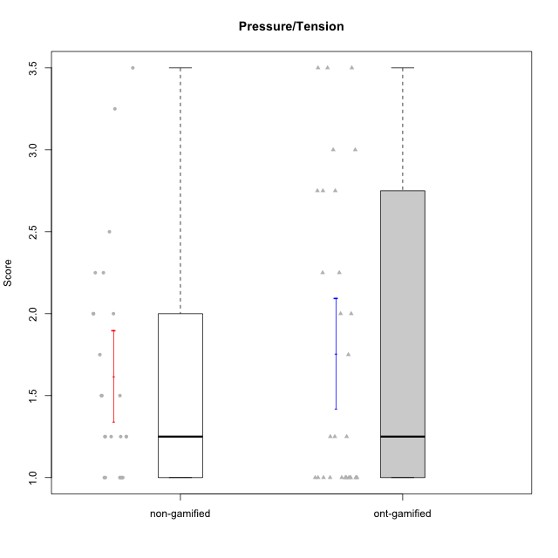

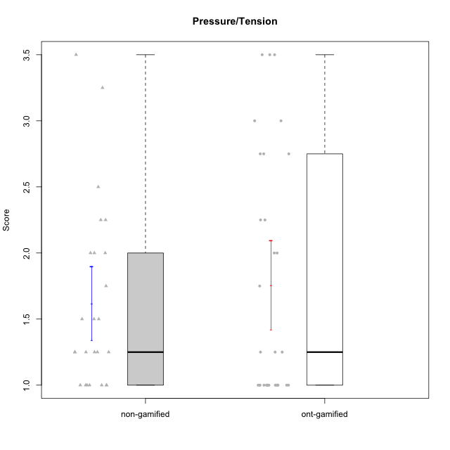

Student's t-Test data
UserID | NroUSP | Type | CLGroup | CLRole | PlayerRole | Item01IE | Item09IE | Item12IE | Item21IE | Item22IE | Item24IE | Item02PC | Item05PC | Item06PC | Item08PC | Item15PC | Item17PC | Item20PC | Item23PC | Item11PT | Item14PT | Item16PT | Item18PT | Interest/Enjoyment | Perceived Choice | Pressure/Tension | Intrinsic Motivation
10169 | 10377538 | ont-gamified | Grupo Hefesto | Master | Yee Achiever | 4 | 6 | 6 | 6 | 6 | 6 | 4 | 6 | 6 | 2 | 2 | 2 | 2 | 6 | 7 | 1 | 4 | 2 | 5.6666666667 | 5.25 | 2 | 5.5555555556
10170 | 10260351 | ont-gamified | Grupo Afrodite | Apprentice | Yee Achiever | 5 | 5 | 5 | 6 | 6 | 4 | 2 | 7 | 1 | 2 | 2 | 1 | 2 | 7 | 7 | 1 | 1 | 1 | 5.1666666667 | 6.5 | 1 | 6.1666666667
10171 | 698531 | non-gamified | Grupo Team 6 | Apprentice |  | 6 | 6 | 6 | 5 | 5 | 6 | 2 | 7 | 2 | 1 | 3 | 2 | 1 | 2 | 6 | 1 | 1 | 1 | 5.6666666667 | 5.75 | 1.25 | 5.9444444444
10172 | 10273971 | non-gamified | Grupo Team 1 | Master |  | 6 | 6 | 5 | 5 | 5 | 4 | 4 | 3 | 2 | 3 | 2 | 2 | 3 | 5 | 7 | 1 | 1 | 1 | 5.1666666667 | 5 | 1 | 5.5
10174 | 10276852 | ont-gamified | Grupo Urano | Master | Yee Achiever | 4 | 5 | 4 | 4 | 6 | 6 | 4 | 4 | 4 | 3 | 4 | 3 | 3 | 4 | 6 | 1 | 1 | 1 | 4.8333333333 | 4.375 | 1.25 | 5.0555555556
10175 | 10310700 | ont-gamified | Grupo Hélio | Master | Yee Socializer | 6 | 6 | 6 | 5 | 5 | 6 | 1 | 7 | 1 | 1 | 1 | 1 | 1 | 6 | 7 | 1 | 1 | 1 | 5.6666666667 | 6.875 | 1 | 6.5
10176 | 10276949 | ont-gamified | Grupo Cronus | Apprentice | Yee Achiever | 5 | 5 | 4 | 4 | 4 | 3 | 5 | 6 | 1 | 1 | 2 | 2 | 2 | 2 | 4 | 2 | 3 | 2 | 4.1666666667 | 5.375 | 2.75 | 4.9444444444
10178 | 8656201 | ont-gamified | Grupo Morfeu | Apprentice | Yee Socializer | 5 | 5 | 5 | 5 | 5 | 5 | 4 | 5 | 2 | 1 | 3 | 1 | 3 | 5 | 5 | 1 | 4 | 1 | 5 | 5.5 | 2.25 | 5.3888888889
10179 | 10310759 | non-gamified | Grupo Team 9 | Master |  | 4 | 4 | 3 | 4 | 4 | 4 | 6 | 3 | 5 | 4 | 5 | 4 | 3 | 3 | 6 | 2 | 2 | 2 | 3.8333333333 | 3.375 | 2 | 4.1111111111
10181 | 10276866 | non-gamified | Grupo Team 10 | Master |  | 5 | 5 | 5 | 5 | 4 | 2 | 2 | 2 | 1 | 3 | 2 | 2 | 2 | 4 | 7 | 1 | 1 | 1 | 4.3333333333 | 5.25 | 1 | 5.3333333333
10183 | 10352030 | ont-gamified | Grupo Hélio | Apprentice | Yee Socializer | 5 | 4 | 4 | 4 | 4 | 3 | 3 | 5 | 2 | 4 | 2 | 2 | 2 | 4 | 5 | 2 | 3 | 3 | 4 | 5.25 | 2.75 | 4.8333333333
10184 | 10276675 | ont-gamified | Grupo Apolo | Master | Yee Socializer | 5 | 5 | 5 | 4 | 4 | 4 | 5 | 7 | 1 | 1 | 4 | 1 | 2 | 4 | 4 | 1 | 3 | 1 | 4.5 | 5.625 | 2.25 | 5.2777777778
10185 | 10276960 | non-gamified | Grupo Team 12 | Apprentice |  | 4 | 4 | 4 | 4 | 4 | 4 | 4 | 3 | 3 | 3 | 4 | 4 | 3 | 4 | 6 | 2 | 2 | 3 | 4 | 4.25 | 2.25 | 4.5
10186 | 10310551 | ont-gamified | Grupo Ares | Apprentice | Yee Achiever | 3 | 6 | 4 | 4 | 5 | 6 | 2 | 4 | 4 | 1 | 1 | 1 | 1 | 5 | 4 | 1 | 4 | 3 | 4.6666666667 | 5.875 | 3 | 5.2777777778
10187 | 9790781 | non-gamified | Grupo Team 15 | Apprentice |  | 7 | 7 | 7 | 7 | 7 | 7 | 1 | 5 | 1 | 3 | 4 | 1 | 1 | 7 | 1 | 1 | 5 | 1 | 7 | 6.125 | 3.5 | 6.0555555556
10188 | 10276995 | non-gamified | Grupo Team 3 | Master |  | 4 | 4 | 4 | 3 | 4 | 4 | 3 | 3 | 3 | 3 | 3 | 3 | 4 | 4 | 6 | 2 | 1 | 1 | 3.8333333333 | 4.5 | 1.5 | 4.7222222222
10189 | 9363926 | ont-gamified | Grupo Hades | Master | Yee Socializer | 2 | 4 | 3 | 6 | 4 | 5 | 4 | 5 | 2 | 1 | 5 | 2 | 1 | 2 | 5 | 4 | 5 | 2 | 4 | 5 | 3.5 | 4.5555555556
10190 | 10276907 | ont-gamified | Grupo Zeus | Apprentice | Yee Socializer | 4 | 5 | 5 | 4 | 4 | 5 | 4 | 7 | 1 | 3 | 1 | 2 | 3 | 4 | 6 | 1 | 2 | 2 | 4.5 | 5.625 | 1.75 | 5.3888888889
10191 | 10276981 | non-gamified | Grupo Team 6 | Master |  | 4 | 6 | 6 | 6 | 5 | 7 | 2 | 6 | 2 | 3 | 6 | 1 | 1 | 4 | 7 | 1 | 2 | 1 | 5.6666666667 | 5.375 | 1.25 | 5.7777777778
10192 | 10276682 | non-gamified | Grupo Team 5 | Apprentice |  | 4 | 7 | 7 | 6 | 6 | 7 | 2 | 7 | 7 | 1 | 7 | 1 | 6 | 4 | 7 | 1 | 1 | 1 | 6.1666666667 | 4.375 | 1 | 5.5555555556
10193 | 10276762 | ont-gamified | Grupo Afrodite | Master | Yee Achiever | 4 | 5 | 5 | 5 | 6 | 4 | 2 | 4 | 5 | 3 | 5 | 3 | 2 | 5 | 6 | 1 | 1 | 1 | 4.8333333333 | 4.625 | 1.25 | 5.1666666667
10195 | 10351971 | ont-gamified | Grupo Urano | Apprentice | Yee Achiever | 5 | 6 | 5 | 6 | 5 | 5 | 4 | 4 | 4 | 1 | 4 | 4 | 2 | 4 | 7 | 1 | 1 | 1 | 5.3333333333 | 4.625 | 1 | 5.3888888889
10196 | 10310655 | ont-gamified | Grupo Hefesto | Apprentice | Yee Achiever | 4 | 4 | 4 | 4 | 4 | 4 | 6 | 2 | 1 | 4 | 7 | 1 | 4 | 4 | 7 | 1 | 1 | 1 | 4 | 3.875 | 1 | 4.6111111111
10197 | 10276661 | ont-gamified | Grupo Gaia | Apprentice | Yee Achiever | 4 | 6 | 4 | 6 | 4 | 5 | 1 | 7 | 2 | 1 | 1 | 1 | 1 | 6 | 7 | 1 | 1 | 1 | 4.8333333333 | 6.75 | 1 | 6.1666666667
10198 | 10310888 | ont-gamified | Grupo Apolo | Apprentice | Yee Socializer | 7 | 7 | 7 | 7 | 7 | 7 | 1 | 7 | 1 | 1 | 1 | 1 | 1 | 7 | 7 | 1 | 1 | 1 | 7 | 7 | 1 | 7
10199 | 10276737 | ont-gamified | Grupo Gaia | Master | Yee Achiever | 4 | 4 | 4 | 4 | 7 | 1 | 1 | 7 | 1 | 1 | 1 | 1 | 1 | 7 | 2 | 3 | 1 | 1 | 4 | 7 | 2.75 | 5.6111111111
10200 | 9795272 | ont-gamified | Grupo Hades | Apprentice | Yee Socializer | 6 | 6 | 7 | 6 | 6 | 7 | 2 | 5 | 2 | 3 | 4 | 2 | 2 | 4 | 7 | 1 | 1 | 1 | 6.3333333333 | 5.25 | 1 | 6
10201 | 10276928 | ont-gamified | Grupo Caronte | Master | Yee Achiever | 5 | 7 | 7 | 7 | 7 | 5 | 2 | 7 | 3 | 2 | 2 | 2 | 1 | 3 | 6 | 3 | 2 | 1 | 6.3333333333 | 5.75 | 2 | 6
10203 | 9921470 | non-gamified | Grupo Team 3 | Apprentice |  | 7 | 7 | 7 | 1 | 1 | 1 | 1 | 7 | 1 | 1 | 1 | 1 | 1 | 1 | 7 | 1 | 2 | 1 | 4 | 6.25 | 1.25 | 5.6111111111
10204 | 10310471 | ont-gamified | Grupo Hermes | Master | Yee Achiever | 6 | 7 | 7 | 7 | 7 | 7 | 2 | 7 | 4 | 1 | 1 | 1 | 1 | 7 | 7 | 1 | 1 | 1 | 6.8333333333 | 6.5 | 1 | 6.7222222222
10206 | 10310721 | ont-gamified | Grupo Hera | Master | Yee Achiever | 4 | 6 | 4 | 5 | 5 | 3 | 1 | 7 | 1 | 2 | 2 | 1 | 2 | 6 | 2 | 3 | 3 | 2 | 4.5 | 6.5 | 3.5 | 5.3888888889
10208 | 10276932 | non-gamified | Grupo Team 7 | Apprentice |  | 6 | 6 | 7 | 7 | 6 | 6 | 4 | 7 | 4 | 1 | 2 | 1 | 2 | 5 | 7 | 1 | 4 | 1 | 6.3333333333 | 5.75 | 1.75 | 6.0555555556
10209 | 10262669 | ont-gamified | Grupo Artemis | Apprentice | Yee Achiever | 4 | 3 | 3 | 3 | 2 | 4 | 7 | 4 | 7 | 7 | 7 | 7 | 5 | 1 | 7 | 1 | 1 | 1 | 3.1666666667 | 1.625 | 1 | 3.3333333333
10211 | 9311643 | non-gamified | Grupo Team 2 | Master |  | 7 | 7 | 5 | 6 | 6 | 6 | 7 | 3 | 6 | 3 | 6 | 3 | 2 | 5 | 7 | 2 | 2 | 3 | 6.1666666667 | 3.625 | 2 | 5
10212 | 9065750 | non-gamified | Grupo Team 4 | Master |  | 5 | 6 | 6 | 7 | 7 | 7 | 3 | 7 | 3 | 1 | 1 | 2 | 1 | 4 | 6 | 2 | 4 | 2 | 6.3333333333 | 6 | 2.5 | 6
10213 | 10277040 | ont-gamified | Grupo Morfeu | Master | Yee Socializer | 7 | 6 | 5 | 4 | 4 | 7 | 4 | 4 | 1 | 4 | 7 | 1 | 2 | 2 | 7 | 1 | 1 | 1 | 5.5 | 4.375 | 1 | 5.3333333333
10214 | 10277022 | non-gamified | Grupo Team 5 | Master |  | 4 | 4 | 3 | 3 | 3 | 1 | 4 | 4 | 4 | 4 | 5 | 4 | 4 | 2 | 4 | 1 | 1 | 2 | 3 | 3.625 | 2 | 3.9444444444
10215 | 9285227 | ont-gamified | Grupo Zeus | Master | Yee Socializer | 4 | 7 | 4 | 6 | 5 | 4 | 1 | 6 | 1 | 1 | 1 | 1 | 1 | 4 | 7 | 1 | 1 | 1 | 5 | 6.5 | 1 | 6.1111111111
10216 | 10276720 | non-gamified | Grupo Team 15 | Master |  | 4 | 7 | 5 | 5 | 7 | 1 | 1 | 7 | 1 | 1 | 4 | 1 | 3 | 7 | 7 | 2 | 1 | 1 | 4.8333333333 | 6.375 | 1.25 | 5.9444444444
10217 | 9805341 | non-gamified | Grupo Team 13 | Master |  | 3 | 5 | 4 | 5 | 4 | 2 | 2 | 4 | 1 | 1 | 1 | 1 | 2 | 4 | 7 | 1 | 1 | 1 | 3.8333333333 | 6 | 1 | 5.5
10218 | 9842913 | ont-gamified | Grupo Ares | Master | Yee Achiever | 4 | 3 | 3 | 4 | 4 | 2 | 2 | 5 | 4 | 1 | 3 | 3 | 2 | 3 | 3 | 3 | 4 | 2 | 3.3333333333 | 5.125 | 3.5 | 4.3888888889
10219 | 10276831 | non-gamified | Grupo Team 12 | Master |  | 4 | 4 | 4 | 3 | 4 | 3 | 2 | 1 | 4 | 3 | 4 | 4 | 3 | 1 | 7 | 1 | 1 | 1 | 3.6666666667 | 3.75 | 1 | 4.4444444444
10220 | 9760151 | non-gamified | Grupo Team 2 | Apprentice |  | 4 | 7 | 4 | 4 | 7 | 7 | 1 | 7 | 4 | 1 | 1 | 1 | 1 | 7 | 7 | 1 | 1 | 1 | 5.5 | 6.625 | 1 | 6.3333333333
10221 | 9082496 | ont-gamified | Grupo Hermes | Apprentice | Yee Achiever | 4 | 5 | 4 | 5 | 5 | 4 | 3 | 6 | 4 | 1 | 4 | 1 | 4 | 1 | 7 | 1 | 1 | 1 | 4.5 | 4.75 | 1 | 5.1666666667
10223 | 9795185 | ont-gamified | Grupo Cronus | Master | Yee Achiever | 6 | 6 | 6 | 7 | 7 | 6 | 2 | 6 | 2 | 1 | 2 | 1 | 3 | 6 | 7 | 1 | 2 | 1 | 6.3333333333 | 6.125 | 1.25 | 6.3333333333
10224 | 9368772 | non-gamified | Grupo Team 10 | Apprentice |  | 6 | 7 | 7 | 7 | 6 | 6 | 4 | 7 | 4 | 7 | 7 | 7 | 3 | 2 | 7 | 1 | 1 | 3 | 6.5 | 3.125 | 1.5 | 5
10226 | 10310342 | non-gamified | Grupo Team 8 | Master |  | 2 | 4 | 4 | 4 | 4 | 5 | 6 | 2 | 4 | 5 | 6 | 4 | 2 | 1 | 7 | 1 | 1 | 3 | 3.8333333333 | 3 | 1.5 | 4.0555555556
10228 | 10310492 | non-gamified | Grupo Team 14 | Apprentice |  | 4 | 4 | 5 | 4 | 4 | 3 | 5 | 4 | 3 | 2 | 3 | 3 | 3 | 3 | 6 | 1 | 2 | 4 | 4 | 4.5 | 2.25 | 4.6111111111
10230 | 10351992 | non-gamified | Grupo Team 14 | Master |  | 1 | 4 | 1 | 6 | 1 | 3 | 2 | 5 | 1 | 5 | 4 | 1 | 5 | 4 | 1 | 1 | 4 | 1 | 2.6666666667 | 4.875 | 3.25 | 4.1111111111
10231 | 10276911 | ont-gamified | Grupo Caronte | Apprentice | Yee Achiever | 7 | 7 | 7 | 7 | 7 | 7 | 1 | 6 | 1 | 1 | 2 | 1 | 1 | 7 | 7 | 1 | 1 | 1 | 7 | 6.75 | 1 | 6.8888888889
10232 | 10276974 | ont-gamified | Grupo Artemis | Master | Yee Achiever | 6 | 4 | 5 | 6 | 5 | 7 | 2 | 5 | 4 | 2 | 4 | 2 | 1 | 4 | 1 | 1 | 2 | 2 | 5.5 | 5.25 | 3 | 5.2777777778
10233 | 9805320 | non-gamified | Grupo Team 16 | Apprentice |  | 2 | 4 | 2 | 1 | 2 | 3 | 7 | 6 | 3 | 3 | 6 | 3 | 5 | 3 | 7 | 1 | 1 | 2 | 2.3333333333 | 3.75 | 1.25 | 3.9444444444
10234 | 10310676 | non-gamified | Grupo Team 7 | Master |  | 2 | 3 | 2 | 6 | 5 | 2 | 2 | 2 | 5 | 4 | 6 | 4 | 3 | 4 | 7 | 2 | 1 | 1 | 3.3333333333 | 3.75 | 1.25 | 4.2777777778
10237 | 10377688 | non-gamified | Grupo Team 11 | Master |  | 6 | 5 | 4 | 6 | 5 | 3 | 3 | 7 | 5 | 2 | 2 | 1 | 2 | 4 | 7 | 1 | 1 | 1 | 4.8333333333 | 5.5 | 1 | 5.6111111111
10240 | 10276654 | ont-gamified | Grupo Hera | Apprentice | Yee Achiever | 4 | 3 | 4 | 2 | 4 | 4 | 6 | 6 | 7 | 5 | 7 | 7 | 7 | 4 | 7 | 1 | 1 | 1 | 3.5 | 2.375 | 1 | 3.7777777778

Type_CLRole_1
Student's t-Test for Pressure/Tension in Type:CLRole between non-gamified.Apprentice:non-gamified.Master

Student's t-Test results
Alternative hypothesis: less
Group | N | Mean | Mean.Difference | Std.deviation | Std.error | CI.lower | CI.upper | df | t.value | p.value | g | magnitude
non-gamified.Apprentice | 10 | 1.7 | 0.13333333333 | 0.77995726379 | 0.24664414312 | 1.2067117138 | 2.1932882862 | 17.226415974 | 0.44376015698 | 0.66863024502 | 0.18110302322 | negligible
non-gamified.Master | 15 | 1.5666666667 | -0.13333333333 | 0.66458006791 | 0.17159383568 | 1.2234789953 | 1.909854338 | 17.226415974 | 0.44376015698 | 0.66863024502 | 0.18110302322 | negligible
Alternative hypothesis: greater
Group | N | Mean | Mean.Difference | Std.deviation | Std.error | CI.lower | CI.upper | df | t.value | p.value | g | magnitude
non-gamified.Apprentice | 10 | 1.7 | 0.13333333333 | 0.77995726379 | 0.24664414312 | 1.2067117138 | 2.1932882862 | 17.226415974 | 0.44376015698 | 0.33136975498 | 0.18110302322 | negligible
non-gamified.Master | 15 | 1.5666666667 | -0.13333333333 | 0.66458006791 | 0.17159383568 | 1.2234789953 | 1.909854338 | 17.226415974 | 0.44376015698 | 0.33136975498 | 0.18110302322 | negligible
Alternative hypothesis: two.sided
Group | N | Mean | Mean.Difference | Std.deviation | Std.error | CI.lower | CI.upper | df | t.value | p.value | g | magnitude
non-gamified.Apprentice | 10 | 1.7 | 0.13333333333 | 0.77995726379 | 0.24664414312 | 1.2067117138 | 2.1932882862 | 17.226415974 | 0.44376015698 | 0.66273950996 | 0.18110302322 | negligible
non-gamified.Master | 15 | 1.5666666667 | -0.13333333333 | 0.66458006791 | 0.17159383568 | 1.2234789953 | 1.909854338 | 17.226415974 | 0.44376015698 | 0.66273950996 | 0.18110302322 | negligible

Box plots for Student's t-Test
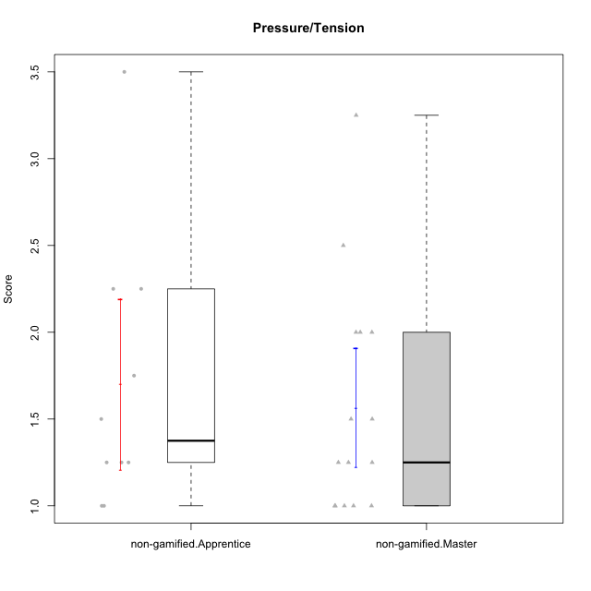

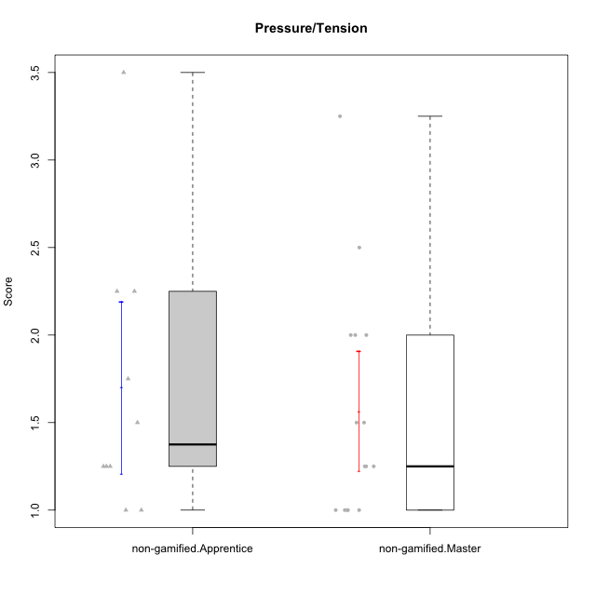

Student's t-Test data
UserID | NroUSP | Type | CLGroup | CLRole | PlayerRole | Item01IE | Item09IE | Item12IE | Item21IE | Item22IE | Item24IE | Item02PC | Item05PC | Item06PC | Item08PC | Item15PC | Item17PC | Item20PC | Item23PC | Item11PT | Item14PT | Item16PT | Item18PT | Interest/Enjoyment | Perceived Choice | Pressure/Tension | Intrinsic Motivation
10171 | 698531 | non-gamified | Grupo Team 6 | Apprentice |  | 6 | 6 | 6 | 5 | 5 | 6 | 2 | 7 | 2 | 1 | 3 | 2 | 1 | 2 | 6 | 1 | 1 | 1 | 5.6666666667 | 5.75 | 1.25 | 5.9444444444
10172 | 10273971 | non-gamified | Grupo Team 1 | Master |  | 6 | 6 | 5 | 5 | 5 | 4 | 4 | 3 | 2 | 3 | 2 | 2 | 3 | 5 | 7 | 1 | 1 | 1 | 5.1666666667 | 5 | 1 | 5.5
10179 | 10310759 | non-gamified | Grupo Team 9 | Master |  | 4 | 4 | 3 | 4 | 4 | 4 | 6 | 3 | 5 | 4 | 5 | 4 | 3 | 3 | 6 | 2 | 2 | 2 | 3.8333333333 | 3.375 | 2 | 4.1111111111
10181 | 10276866 | non-gamified | Grupo Team 10 | Master |  | 5 | 5 | 5 | 5 | 4 | 2 | 2 | 2 | 1 | 3 | 2 | 2 | 2 | 4 | 7 | 1 | 1 | 1 | 4.3333333333 | 5.25 | 1 | 5.3333333333
10185 | 10276960 | non-gamified | Grupo Team 12 | Apprentice |  | 4 | 4 | 4 | 4 | 4 | 4 | 4 | 3 | 3 | 3 | 4 | 4 | 3 | 4 | 6 | 2 | 2 | 3 | 4 | 4.25 | 2.25 | 4.5
10187 | 9790781 | non-gamified | Grupo Team 15 | Apprentice |  | 7 | 7 | 7 | 7 | 7 | 7 | 1 | 5 | 1 | 3 | 4 | 1 | 1 | 7 | 1 | 1 | 5 | 1 | 7 | 6.125 | 3.5 | 6.0555555556
10188 | 10276995 | non-gamified | Grupo Team 3 | Master |  | 4 | 4 | 4 | 3 | 4 | 4 | 3 | 3 | 3 | 3 | 3 | 3 | 4 | 4 | 6 | 2 | 1 | 1 | 3.8333333333 | 4.5 | 1.5 | 4.7222222222
10191 | 10276981 | non-gamified | Grupo Team 6 | Master |  | 4 | 6 | 6 | 6 | 5 | 7 | 2 | 6 | 2 | 3 | 6 | 1 | 1 | 4 | 7 | 1 | 2 | 1 | 5.6666666667 | 5.375 | 1.25 | 5.7777777778
10192 | 10276682 | non-gamified | Grupo Team 5 | Apprentice |  | 4 | 7 | 7 | 6 | 6 | 7 | 2 | 7 | 7 | 1 | 7 | 1 | 6 | 4 | 7 | 1 | 1 | 1 | 6.1666666667 | 4.375 | 1 | 5.5555555556
10203 | 9921470 | non-gamified | Grupo Team 3 | Apprentice |  | 7 | 7 | 7 | 1 | 1 | 1 | 1 | 7 | 1 | 1 | 1 | 1 | 1 | 1 | 7 | 1 | 2 | 1 | 4 | 6.25 | 1.25 | 5.6111111111
10208 | 10276932 | non-gamified | Grupo Team 7 | Apprentice |  | 6 | 6 | 7 | 7 | 6 | 6 | 4 | 7 | 4 | 1 | 2 | 1 | 2 | 5 | 7 | 1 | 4 | 1 | 6.3333333333 | 5.75 | 1.75 | 6.0555555556
10211 | 9311643 | non-gamified | Grupo Team 2 | Master |  | 7 | 7 | 5 | 6 | 6 | 6 | 7 | 3 | 6 | 3 | 6 | 3 | 2 | 5 | 7 | 2 | 2 | 3 | 6.1666666667 | 3.625 | 2 | 5
10212 | 9065750 | non-gamified | Grupo Team 4 | Master |  | 5 | 6 | 6 | 7 | 7 | 7 | 3 | 7 | 3 | 1 | 1 | 2 | 1 | 4 | 6 | 2 | 4 | 2 | 6.3333333333 | 6 | 2.5 | 6
10214 | 10277022 | non-gamified | Grupo Team 5 | Master |  | 4 | 4 | 3 | 3 | 3 | 1 | 4 | 4 | 4 | 4 | 5 | 4 | 4 | 2 | 4 | 1 | 1 | 2 | 3 | 3.625 | 2 | 3.9444444444
10216 | 10276720 | non-gamified | Grupo Team 15 | Master |  | 4 | 7 | 5 | 5 | 7 | 1 | 1 | 7 | 1 | 1 | 4 | 1 | 3 | 7 | 7 | 2 | 1 | 1 | 4.8333333333 | 6.375 | 1.25 | 5.9444444444
10217 | 9805341 | non-gamified | Grupo Team 13 | Master |  | 3 | 5 | 4 | 5 | 4 | 2 | 2 | 4 | 1 | 1 | 1 | 1 | 2 | 4 | 7 | 1 | 1 | 1 | 3.8333333333 | 6 | 1 | 5.5
10219 | 10276831 | non-gamified | Grupo Team 12 | Master |  | 4 | 4 | 4 | 3 | 4 | 3 | 2 | 1 | 4 | 3 | 4 | 4 | 3 | 1 | 7 | 1 | 1 | 1 | 3.6666666667 | 3.75 | 1 | 4.4444444444
10220 | 9760151 | non-gamified | Grupo Team 2 | Apprentice |  | 4 | 7 | 4 | 4 | 7 | 7 | 1 | 7 | 4 | 1 | 1 | 1 | 1 | 7 | 7 | 1 | 1 | 1 | 5.5 | 6.625 | 1 | 6.3333333333
10224 | 9368772 | non-gamified | Grupo Team 10 | Apprentice |  | 6 | 7 | 7 | 7 | 6 | 6 | 4 | 7 | 4 | 7 | 7 | 7 | 3 | 2 | 7 | 1 | 1 | 3 | 6.5 | 3.125 | 1.5 | 5
10226 | 10310342 | non-gamified | Grupo Team 8 | Master |  | 2 | 4 | 4 | 4 | 4 | 5 | 6 | 2 | 4 | 5 | 6 | 4 | 2 | 1 | 7 | 1 | 1 | 3 | 3.8333333333 | 3 | 1.5 | 4.0555555556
10228 | 10310492 | non-gamified | Grupo Team 14 | Apprentice |  | 4 | 4 | 5 | 4 | 4 | 3 | 5 | 4 | 3 | 2 | 3 | 3 | 3 | 3 | 6 | 1 | 2 | 4 | 4 | 4.5 | 2.25 | 4.6111111111
10230 | 10351992 | non-gamified | Grupo Team 14 | Master |  | 1 | 4 | 1 | 6 | 1 | 3 | 2 | 5 | 1 | 5 | 4 | 1 | 5 | 4 | 1 | 1 | 4 | 1 | 2.6666666667 | 4.875 | 3.25 | 4.1111111111
10233 | 9805320 | non-gamified | Grupo Team 16 | Apprentice |  | 2 | 4 | 2 | 1 | 2 | 3 | 7 | 6 | 3 | 3 | 6 | 3 | 5 | 3 | 7 | 1 | 1 | 2 | 2.3333333333 | 3.75 | 1.25 | 3.9444444444
10234 | 10310676 | non-gamified | Grupo Team 7 | Master |  | 2 | 3 | 2 | 6 | 5 | 2 | 2 | 2 | 5 | 4 | 6 | 4 | 3 | 4 | 7 | 2 | 1 | 1 | 3.3333333333 | 3.75 | 1.25 | 4.2777777778
10237 | 10377688 | non-gamified | Grupo Team 11 | Master |  | 6 | 5 | 4 | 6 | 5 | 3 | 3 | 7 | 5 | 2 | 2 | 1 | 2 | 4 | 7 | 1 | 1 | 1 | 4.8333333333 | 5.5 | 1 | 5.6111111111

Type_CLRole_2
Student's t-Test for Pressure/Tension in Type:CLRole between non-gamified.Apprentice:ont-gamified.Apprentice

Student's t-Test results
Alternative hypothesis: less
Group | N | Mean | Mean.Difference | Std.deviation | Std.error | CI.lower | CI.upper | df | t.value | p.value | g | magnitude
non-gamified.Apprentice | 10 | 1.7 | 0.2 | 0.77995726379 | 0.24664414312 | 1.2067117138 | 2.1932882862 | 19.43089853 | 0.62835468664 | 0.73145589945 | 0.24811857898 | small
ont-gamified.Apprentice | 15 | 1.5 | -0.2 | 0.77919372247 | 0.20118695404 | 1.0976260919 | 1.9023739081 | 19.43089853 | 0.62835468664 | 0.73145589945 | 0.24811857898 | small
Alternative hypothesis: greater
Group | N | Mean | Mean.Difference | Std.deviation | Std.error | CI.lower | CI.upper | df | t.value | p.value | g | magnitude
non-gamified.Apprentice | 10 | 1.7 | 0.2 | 0.77995726379 | 0.24664414312 | 1.2067117138 | 2.1932882862 | 19.43089853 | 0.62835468664 | 0.26854410055 | 0.24811857898 | small
ont-gamified.Apprentice | 15 | 1.5 | -0.2 | 0.77919372247 | 0.20118695404 | 1.0976260919 | 1.9023739081 | 19.43089853 | 0.62835468664 | 0.26854410055 | 0.24811857898 | small
Alternative hypothesis: two.sided
Group | N | Mean | Mean.Difference | Std.deviation | Std.error | CI.lower | CI.upper | df | t.value | p.value | g | magnitude
non-gamified.Apprentice | 10 | 1.7 | 0.2 | 0.77995726379 | 0.24664414312 | 1.2067117138 | 2.1932882862 | 19.43089853 | 0.62835468664 | 0.5370882011 | 0.24811857898 | small
ont-gamified.Apprentice | 15 | 1.5 | -0.2 | 0.77919372247 | 0.20118695404 | 1.0976260919 | 1.9023739081 | 19.43089853 | 0.62835468664 | 0.5370882011 | 0.24811857898 | small

Box plots for Student's t-Test
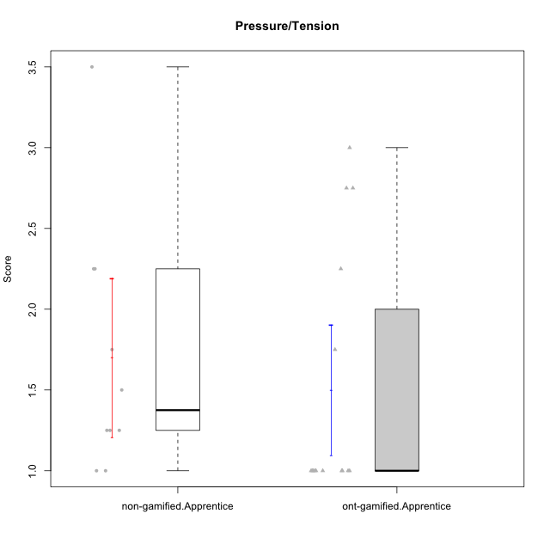

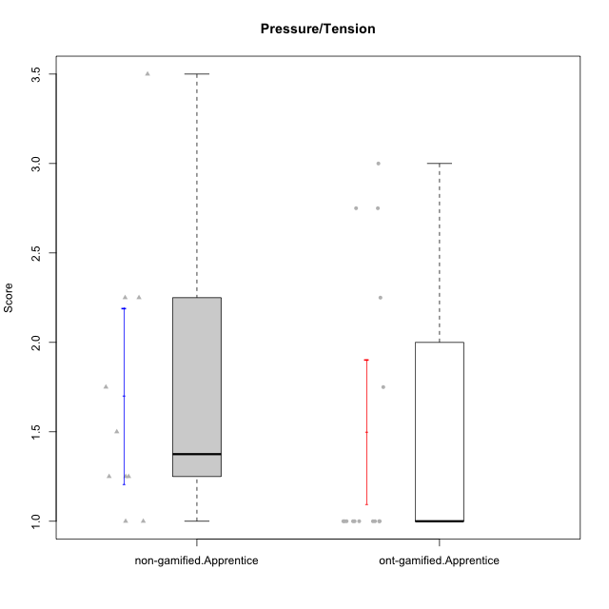

Student's t-Test data
UserID | NroUSP | Type | CLGroup | CLRole | PlayerRole | Item01IE | Item09IE | Item12IE | Item21IE | Item22IE | Item24IE | Item02PC | Item05PC | Item06PC | Item08PC | Item15PC | Item17PC | Item20PC | Item23PC | Item11PT | Item14PT | Item16PT | Item18PT | Interest/Enjoyment | Perceived Choice | Pressure/Tension | Intrinsic Motivation
10170 | 10260351 | ont-gamified | Grupo Afrodite | Apprentice | Yee Achiever | 5 | 5 | 5 | 6 | 6 | 4 | 2 | 7 | 1 | 2 | 2 | 1 | 2 | 7 | 7 | 1 | 1 | 1 | 5.1666666667 | 6.5 | 1 | 6.1666666667
10171 | 698531 | non-gamified | Grupo Team 6 | Apprentice |  | 6 | 6 | 6 | 5 | 5 | 6 | 2 | 7 | 2 | 1 | 3 | 2 | 1 | 2 | 6 | 1 | 1 | 1 | 5.6666666667 | 5.75 | 1.25 | 5.9444444444
10176 | 10276949 | ont-gamified | Grupo Cronus | Apprentice | Yee Achiever | 5 | 5 | 4 | 4 | 4 | 3 | 5 | 6 | 1 | 1 | 2 | 2 | 2 | 2 | 4 | 2 | 3 | 2 | 4.1666666667 | 5.375 | 2.75 | 4.9444444444
10178 | 8656201 | ont-gamified | Grupo Morfeu | Apprentice | Yee Socializer | 5 | 5 | 5 | 5 | 5 | 5 | 4 | 5 | 2 | 1 | 3 | 1 | 3 | 5 | 5 | 1 | 4 | 1 | 5 | 5.5 | 2.25 | 5.3888888889
10183 | 10352030 | ont-gamified | Grupo Hélio | Apprentice | Yee Socializer | 5 | 4 | 4 | 4 | 4 | 3 | 3 | 5 | 2 | 4 | 2 | 2 | 2 | 4 | 5 | 2 | 3 | 3 | 4 | 5.25 | 2.75 | 4.8333333333
10185 | 10276960 | non-gamified | Grupo Team 12 | Apprentice |  | 4 | 4 | 4 | 4 | 4 | 4 | 4 | 3 | 3 | 3 | 4 | 4 | 3 | 4 | 6 | 2 | 2 | 3 | 4 | 4.25 | 2.25 | 4.5
10186 | 10310551 | ont-gamified | Grupo Ares | Apprentice | Yee Achiever | 3 | 6 | 4 | 4 | 5 | 6 | 2 | 4 | 4 | 1 | 1 | 1 | 1 | 5 | 4 | 1 | 4 | 3 | 4.6666666667 | 5.875 | 3 | 5.2777777778
10187 | 9790781 | non-gamified | Grupo Team 15 | Apprentice |  | 7 | 7 | 7 | 7 | 7 | 7 | 1 | 5 | 1 | 3 | 4 | 1 | 1 | 7 | 1 | 1 | 5 | 1 | 7 | 6.125 | 3.5 | 6.0555555556
10190 | 10276907 | ont-gamified | Grupo Zeus | Apprentice | Yee Socializer | 4 | 5 | 5 | 4 | 4 | 5 | 4 | 7 | 1 | 3 | 1 | 2 | 3 | 4 | 6 | 1 | 2 | 2 | 4.5 | 5.625 | 1.75 | 5.3888888889
10192 | 10276682 | non-gamified | Grupo Team 5 | Apprentice |  | 4 | 7 | 7 | 6 | 6 | 7 | 2 | 7 | 7 | 1 | 7 | 1 | 6 | 4 | 7 | 1 | 1 | 1 | 6.1666666667 | 4.375 | 1 | 5.5555555556
10195 | 10351971 | ont-gamified | Grupo Urano | Apprentice | Yee Achiever | 5 | 6 | 5 | 6 | 5 | 5 | 4 | 4 | 4 | 1 | 4 | 4 | 2 | 4 | 7 | 1 | 1 | 1 | 5.3333333333 | 4.625 | 1 | 5.3888888889
10196 | 10310655 | ont-gamified | Grupo Hefesto | Apprentice | Yee Achiever | 4 | 4 | 4 | 4 | 4 | 4 | 6 | 2 | 1 | 4 | 7 | 1 | 4 | 4 | 7 | 1 | 1 | 1 | 4 | 3.875 | 1 | 4.6111111111
10197 | 10276661 | ont-gamified | Grupo Gaia | Apprentice | Yee Achiever | 4 | 6 | 4 | 6 | 4 | 5 | 1 | 7 | 2 | 1 | 1 | 1 | 1 | 6 | 7 | 1 | 1 | 1 | 4.8333333333 | 6.75 | 1 | 6.1666666667
10198 | 10310888 | ont-gamified | Grupo Apolo | Apprentice | Yee Socializer | 7 | 7 | 7 | 7 | 7 | 7 | 1 | 7 | 1 | 1 | 1 | 1 | 1 | 7 | 7 | 1 | 1 | 1 | 7 | 7 | 1 | 7
10200 | 9795272 | ont-gamified | Grupo Hades | Apprentice | Yee Socializer | 6 | 6 | 7 | 6 | 6 | 7 | 2 | 5 | 2 | 3 | 4 | 2 | 2 | 4 | 7 | 1 | 1 | 1 | 6.3333333333 | 5.25 | 1 | 6
10203 | 9921470 | non-gamified | Grupo Team 3 | Apprentice |  | 7 | 7 | 7 | 1 | 1 | 1 | 1 | 7 | 1 | 1 | 1 | 1 | 1 | 1 | 7 | 1 | 2 | 1 | 4 | 6.25 | 1.25 | 5.6111111111
10208 | 10276932 | non-gamified | Grupo Team 7 | Apprentice |  | 6 | 6 | 7 | 7 | 6 | 6 | 4 | 7 | 4 | 1 | 2 | 1 | 2 | 5 | 7 | 1 | 4 | 1 | 6.3333333333 | 5.75 | 1.75 | 6.0555555556
10209 | 10262669 | ont-gamified | Grupo Artemis | Apprentice | Yee Achiever | 4 | 3 | 3 | 3 | 2 | 4 | 7 | 4 | 7 | 7 | 7 | 7 | 5 | 1 | 7 | 1 | 1 | 1 | 3.1666666667 | 1.625 | 1 | 3.3333333333
10220 | 9760151 | non-gamified | Grupo Team 2 | Apprentice |  | 4 | 7 | 4 | 4 | 7 | 7 | 1 | 7 | 4 | 1 | 1 | 1 | 1 | 7 | 7 | 1 | 1 | 1 | 5.5 | 6.625 | 1 | 6.3333333333
10221 | 9082496 | ont-gamified | Grupo Hermes | Apprentice | Yee Achiever | 4 | 5 | 4 | 5 | 5 | 4 | 3 | 6 | 4 | 1 | 4 | 1 | 4 | 1 | 7 | 1 | 1 | 1 | 4.5 | 4.75 | 1 | 5.1666666667
10224 | 9368772 | non-gamified | Grupo Team 10 | Apprentice |  | 6 | 7 | 7 | 7 | 6 | 6 | 4 | 7 | 4 | 7 | 7 | 7 | 3 | 2 | 7 | 1 | 1 | 3 | 6.5 | 3.125 | 1.5 | 5
10228 | 10310492 | non-gamified | Grupo Team 14 | Apprentice |  | 4 | 4 | 5 | 4 | 4 | 3 | 5 | 4 | 3 | 2 | 3 | 3 | 3 | 3 | 6 | 1 | 2 | 4 | 4 | 4.5 | 2.25 | 4.6111111111
10231 | 10276911 | ont-gamified | Grupo Caronte | Apprentice | Yee Achiever | 7 | 7 | 7 | 7 | 7 | 7 | 1 | 6 | 1 | 1 | 2 | 1 | 1 | 7 | 7 | 1 | 1 | 1 | 7 | 6.75 | 1 | 6.8888888889
10233 | 9805320 | non-gamified | Grupo Team 16 | Apprentice |  | 2 | 4 | 2 | 1 | 2 | 3 | 7 | 6 | 3 | 3 | 6 | 3 | 5 | 3 | 7 | 1 | 1 | 2 | 2.3333333333 | 3.75 | 1.25 | 3.9444444444
10240 | 10276654 | ont-gamified | Grupo Hera | Apprentice | Yee Achiever | 4 | 3 | 4 | 2 | 4 | 4 | 6 | 6 | 7 | 5 | 7 | 7 | 7 | 4 | 7 | 1 | 1 | 1 | 3.5 | 2.375 | 1 | 3.7777777778

Type_CLRole_3
Student's t-Test for Pressure/Tension in Type:CLRole between non-gamified.Apprentice:ont-gamified.Master

Student's t-Test results
Alternative hypothesis: less
Group | N | Mean | Mean.Difference | Std.deviation | Std.error | CI.lower | CI.upper | df | t.value | p.value | g | magnitude
non-gamified.Apprentice | 10 | 1.7 | -0.31666666667 | 0.77995726379 | 0.24664414312 | 1.2067117138 | 2.1932882862 | 22.326226382 | -0.88587956783 | 0.19256250295 | -0.33229160373 | small
ont-gamified.Master | 15 | 2.0166666667 | 0.31666666667 | 1.0020811677 | 0.25873624494 | 1.4991941768 | 2.5341391565 | 22.326226382 | -0.88587956783 | 0.19256250295 | -0.33229160373 | small
Alternative hypothesis: greater
Group | N | Mean | Mean.Difference | Std.deviation | Std.error | CI.lower | CI.upper | df | t.value | p.value | g | magnitude
non-gamified.Apprentice | 10 | 1.7 | -0.31666666667 | 0.77995726379 | 0.24664414312 | 1.2067117138 | 2.1932882862 | 22.326226382 | -0.88587956783 | 0.80743749705 | -0.33229160373 | small
ont-gamified.Master | 15 | 2.0166666667 | 0.31666666667 | 1.0020811677 | 0.25873624494 | 1.4991941768 | 2.5341391565 | 22.326226382 | -0.88587956783 | 0.80743749705 | -0.33229160373 | small
Alternative hypothesis: two.sided
Group | N | Mean | Mean.Difference | Std.deviation | Std.error | CI.lower | CI.upper | df | t.value | p.value | g | magnitude
non-gamified.Apprentice | 10 | 1.7 | -0.31666666667 | 0.77995726379 | 0.24664414312 | 1.2067117138 | 2.1932882862 | 22.326226382 | -0.88587956783 | 0.38512500591 | -0.33229160373 | small
ont-gamified.Master | 15 | 2.0166666667 | 0.31666666667 | 1.0020811677 | 0.25873624494 | 1.4991941768 | 2.5341391565 | 22.326226382 | -0.88587956783 | 0.38512500591 | -0.33229160373 | small

Box plots for Student's t-Test
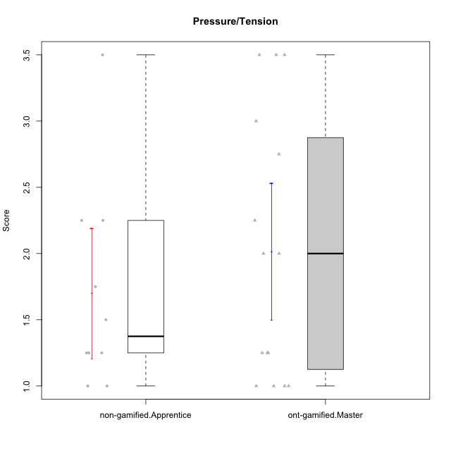

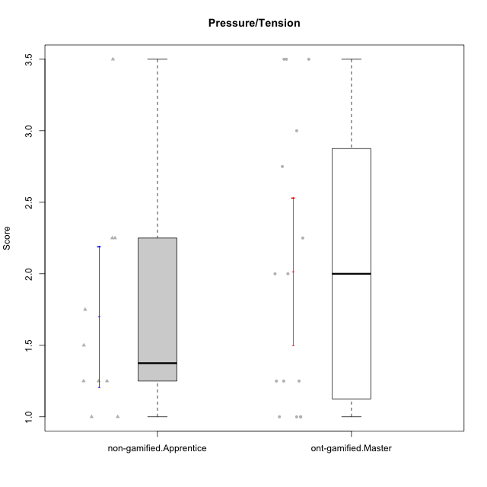

Student's t-Test data
UserID | NroUSP | Type | CLGroup | CLRole | PlayerRole | Item01IE | Item09IE | Item12IE | Item21IE | Item22IE | Item24IE | Item02PC | Item05PC | Item06PC | Item08PC | Item15PC | Item17PC | Item20PC | Item23PC | Item11PT | Item14PT | Item16PT | Item18PT | Interest/Enjoyment | Perceived Choice | Pressure/Tension | Intrinsic Motivation
10169 | 10377538 | ont-gamified | Grupo Hefesto | Master | Yee Achiever | 4 | 6 | 6 | 6 | 6 | 6 | 4 | 6 | 6 | 2 | 2 | 2 | 2 | 6 | 7 | 1 | 4 | 2 | 5.6666666667 | 5.25 | 2 | 5.5555555556
10171 | 698531 | non-gamified | Grupo Team 6 | Apprentice |  | 6 | 6 | 6 | 5 | 5 | 6 | 2 | 7 | 2 | 1 | 3 | 2 | 1 | 2 | 6 | 1 | 1 | 1 | 5.6666666667 | 5.75 | 1.25 | 5.9444444444
10174 | 10276852 | ont-gamified | Grupo Urano | Master | Yee Achiever | 4 | 5 | 4 | 4 | 6 | 6 | 4 | 4 | 4 | 3 | 4 | 3 | 3 | 4 | 6 | 1 | 1 | 1 | 4.8333333333 | 4.375 | 1.25 | 5.0555555556
10175 | 10310700 | ont-gamified | Grupo Hélio | Master | Yee Socializer | 6 | 6 | 6 | 5 | 5 | 6 | 1 | 7 | 1 | 1 | 1 | 1 | 1 | 6 | 7 | 1 | 1 | 1 | 5.6666666667 | 6.875 | 1 | 6.5
10184 | 10276675 | ont-gamified | Grupo Apolo | Master | Yee Socializer | 5 | 5 | 5 | 4 | 4 | 4 | 5 | 7 | 1 | 1 | 4 | 1 | 2 | 4 | 4 | 1 | 3 | 1 | 4.5 | 5.625 | 2.25 | 5.2777777778
10185 | 10276960 | non-gamified | Grupo Team 12 | Apprentice |  | 4 | 4 | 4 | 4 | 4 | 4 | 4 | 3 | 3 | 3 | 4 | 4 | 3 | 4 | 6 | 2 | 2 | 3 | 4 | 4.25 | 2.25 | 4.5
10187 | 9790781 | non-gamified | Grupo Team 15 | Apprentice |  | 7 | 7 | 7 | 7 | 7 | 7 | 1 | 5 | 1 | 3 | 4 | 1 | 1 | 7 | 1 | 1 | 5 | 1 | 7 | 6.125 | 3.5 | 6.0555555556
10189 | 9363926 | ont-gamified | Grupo Hades | Master | Yee Socializer | 2 | 4 | 3 | 6 | 4 | 5 | 4 | 5 | 2 | 1 | 5 | 2 | 1 | 2 | 5 | 4 | 5 | 2 | 4 | 5 | 3.5 | 4.5555555556
10192 | 10276682 | non-gamified | Grupo Team 5 | Apprentice |  | 4 | 7 | 7 | 6 | 6 | 7 | 2 | 7 | 7 | 1 | 7 | 1 | 6 | 4 | 7 | 1 | 1 | 1 | 6.1666666667 | 4.375 | 1 | 5.5555555556
10193 | 10276762 | ont-gamified | Grupo Afrodite | Master | Yee Achiever | 4 | 5 | 5 | 5 | 6 | 4 | 2 | 4 | 5 | 3 | 5 | 3 | 2 | 5 | 6 | 1 | 1 | 1 | 4.8333333333 | 4.625 | 1.25 | 5.1666666667
10199 | 10276737 | ont-gamified | Grupo Gaia | Master | Yee Achiever | 4 | 4 | 4 | 4 | 7 | 1 | 1 | 7 | 1 | 1 | 1 | 1 | 1 | 7 | 2 | 3 | 1 | 1 | 4 | 7 | 2.75 | 5.6111111111
10201 | 10276928 | ont-gamified | Grupo Caronte | Master | Yee Achiever | 5 | 7 | 7 | 7 | 7 | 5 | 2 | 7 | 3 | 2 | 2 | 2 | 1 | 3 | 6 | 3 | 2 | 1 | 6.3333333333 | 5.75 | 2 | 6
10203 | 9921470 | non-gamified | Grupo Team 3 | Apprentice |  | 7 | 7 | 7 | 1 | 1 | 1 | 1 | 7 | 1 | 1 | 1 | 1 | 1 | 1 | 7 | 1 | 2 | 1 | 4 | 6.25 | 1.25 | 5.6111111111
10204 | 10310471 | ont-gamified | Grupo Hermes | Master | Yee Achiever | 6 | 7 | 7 | 7 | 7 | 7 | 2 | 7 | 4 | 1 | 1 | 1 | 1 | 7 | 7 | 1 | 1 | 1 | 6.8333333333 | 6.5 | 1 | 6.7222222222
10206 | 10310721 | ont-gamified | Grupo Hera | Master | Yee Achiever | 4 | 6 | 4 | 5 | 5 | 3 | 1 | 7 | 1 | 2 | 2 | 1 | 2 | 6 | 2 | 3 | 3 | 2 | 4.5 | 6.5 | 3.5 | 5.3888888889
10208 | 10276932 | non-gamified | Grupo Team 7 | Apprentice |  | 6 | 6 | 7 | 7 | 6 | 6 | 4 | 7 | 4 | 1 | 2 | 1 | 2 | 5 | 7 | 1 | 4 | 1 | 6.3333333333 | 5.75 | 1.75 | 6.0555555556
10213 | 10277040 | ont-gamified | Grupo Morfeu | Master | Yee Socializer | 7 | 6 | 5 | 4 | 4 | 7 | 4 | 4 | 1 | 4 | 7 | 1 | 2 | 2 | 7 | 1 | 1 | 1 | 5.5 | 4.375 | 1 | 5.3333333333
10215 | 9285227 | ont-gamified | Grupo Zeus | Master | Yee Socializer | 4 | 7 | 4 | 6 | 5 | 4 | 1 | 6 | 1 | 1 | 1 | 1 | 1 | 4 | 7 | 1 | 1 | 1 | 5 | 6.5 | 1 | 6.1111111111
10218 | 9842913 | ont-gamified | Grupo Ares | Master | Yee Achiever | 4 | 3 | 3 | 4 | 4 | 2 | 2 | 5 | 4 | 1 | 3 | 3 | 2 | 3 | 3 | 3 | 4 | 2 | 3.3333333333 | 5.125 | 3.5 | 4.3888888889
10220 | 9760151 | non-gamified | Grupo Team 2 | Apprentice |  | 4 | 7 | 4 | 4 | 7 | 7 | 1 | 7 | 4 | 1 | 1 | 1 | 1 | 7 | 7 | 1 | 1 | 1 | 5.5 | 6.625 | 1 | 6.3333333333
10223 | 9795185 | ont-gamified | Grupo Cronus | Master | Yee Achiever | 6 | 6 | 6 | 7 | 7 | 6 | 2 | 6 | 2 | 1 | 2 | 1 | 3 | 6 | 7 | 1 | 2 | 1 | 6.3333333333 | 6.125 | 1.25 | 6.3333333333
10224 | 9368772 | non-gamified | Grupo Team 10 | Apprentice |  | 6 | 7 | 7 | 7 | 6 | 6 | 4 | 7 | 4 | 7 | 7 | 7 | 3 | 2 | 7 | 1 | 1 | 3 | 6.5 | 3.125 | 1.5 | 5
10228 | 10310492 | non-gamified | Grupo Team 14 | Apprentice |  | 4 | 4 | 5 | 4 | 4 | 3 | 5 | 4 | 3 | 2 | 3 | 3 | 3 | 3 | 6 | 1 | 2 | 4 | 4 | 4.5 | 2.25 | 4.6111111111
10232 | 10276974 | ont-gamified | Grupo Artemis | Master | Yee Achiever | 6 | 4 | 5 | 6 | 5 | 7 | 2 | 5 | 4 | 2 | 4 | 2 | 1 | 4 | 1 | 1 | 2 | 2 | 5.5 | 5.25 | 3 | 5.2777777778
10233 | 9805320 | non-gamified | Grupo Team 16 | Apprentice |  | 2 | 4 | 2 | 1 | 2 | 3 | 7 | 6 | 3 | 3 | 6 | 3 | 5 | 3 | 7 | 1 | 1 | 2 | 2.3333333333 | 3.75 | 1.25 | 3.9444444444

Type_CLRole_4
Student's t-Test for Pressure/Tension in Type:CLRole between non-gamified.Master:ont-gamified.Apprentice

Student's t-Test results
Alternative hypothesis: less
Group | N | Mean | Mean.Difference | Std.deviation | Std.error | CI.lower | CI.upper | df | t.value | p.value | g | magnitude
non-gamified.Master | 15 | 1.5666666667 | 0.066666666667 | 0.66458006791 | 0.17159383568 | 1.2234789953 | 1.909854338 | 27.319924272 | 0.25211928064 | 0.59858201972 | 0.089572811148 | negligible
ont-gamified.Apprentice | 15 | 1.5 | -0.066666666667 | 0.77919372247 | 0.20118695404 | 1.0976260919 | 1.9023739081 | 27.319924272 | 0.25211928064 | 0.59858201972 | 0.089572811148 | negligible
Alternative hypothesis: greater
Group | N | Mean | Mean.Difference | Std.deviation | Std.error | CI.lower | CI.upper | df | t.value | p.value | g | magnitude
non-gamified.Master | 15 | 1.5666666667 | 0.066666666667 | 0.66458006791 | 0.17159383568 | 1.2234789953 | 1.909854338 | 27.319924272 | 0.25211928064 | 0.40141798028 | 0.089572811148 | negligible
ont-gamified.Apprentice | 15 | 1.5 | -0.066666666667 | 0.77919372247 | 0.20118695404 | 1.0976260919 | 1.9023739081 | 27.319924272 | 0.25211928064 | 0.40141798028 | 0.089572811148 | negligible
Alternative hypothesis: two.sided
Group | N | Mean | Mean.Difference | Std.deviation | Std.error | CI.lower | CI.upper | df | t.value | p.value | g | magnitude
non-gamified.Master | 15 | 1.5666666667 | 0.066666666667 | 0.66458006791 | 0.17159383568 | 1.2234789953 | 1.909854338 | 27.319924272 | 0.25211928064 | 0.80283596056 | 0.089572811148 | negligible
ont-gamified.Apprentice | 15 | 1.5 | -0.066666666667 | 0.77919372247 | 0.20118695404 | 1.0976260919 | 1.9023739081 | 27.319924272 | 0.25211928064 | 0.80283596056 | 0.089572811148 | negligible

Box plots for Student's t-Test
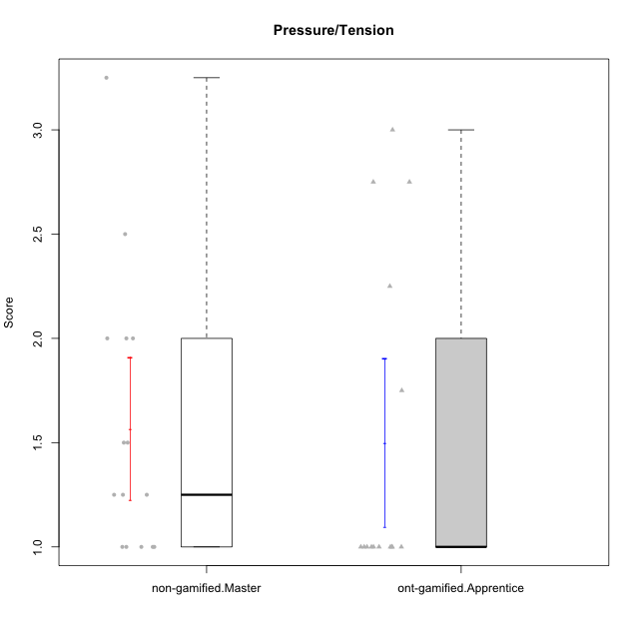

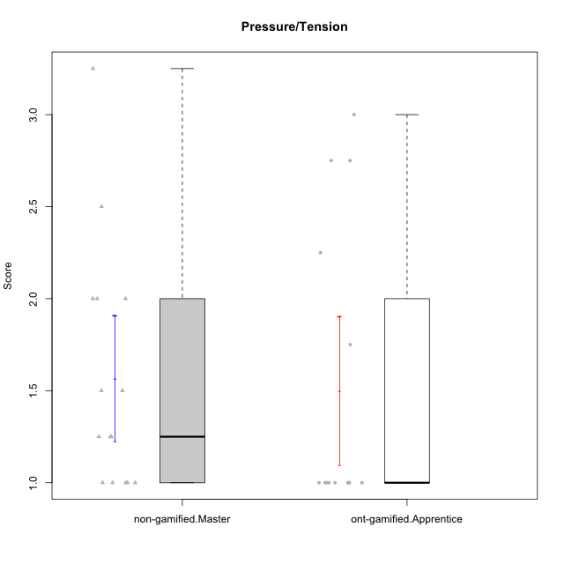

Student's t-Test data
UserID | NroUSP | Type | CLGroup | CLRole | PlayerRole | Item01IE | Item09IE | Item12IE | Item21IE | Item22IE | Item24IE | Item02PC | Item05PC | Item06PC | Item08PC | Item15PC | Item17PC | Item20PC | Item23PC | Item11PT | Item14PT | Item16PT | Item18PT | Interest/Enjoyment | Perceived Choice | Pressure/Tension | Intrinsic Motivation
10170 | 10260351 | ont-gamified | Grupo Afrodite | Apprentice | Yee Achiever | 5 | 5 | 5 | 6 | 6 | 4 | 2 | 7 | 1 | 2 | 2 | 1 | 2 | 7 | 7 | 1 | 1 | 1 | 5.1666666667 | 6.5 | 1 | 6.1666666667
10172 | 10273971 | non-gamified | Grupo Team 1 | Master |  | 6 | 6 | 5 | 5 | 5 | 4 | 4 | 3 | 2 | 3 | 2 | 2 | 3 | 5 | 7 | 1 | 1 | 1 | 5.1666666667 | 5 | 1 | 5.5
10176 | 10276949 | ont-gamified | Grupo Cronus | Apprentice | Yee Achiever | 5 | 5 | 4 | 4 | 4 | 3 | 5 | 6 | 1 | 1 | 2 | 2 | 2 | 2 | 4 | 2 | 3 | 2 | 4.1666666667 | 5.375 | 2.75 | 4.9444444444
10178 | 8656201 | ont-gamified | Grupo Morfeu | Apprentice | Yee Socializer | 5 | 5 | 5 | 5 | 5 | 5 | 4 | 5 | 2 | 1 | 3 | 1 | 3 | 5 | 5 | 1 | 4 | 1 | 5 | 5.5 | 2.25 | 5.3888888889
10179 | 10310759 | non-gamified | Grupo Team 9 | Master |  | 4 | 4 | 3 | 4 | 4 | 4 | 6 | 3 | 5 | 4 | 5 | 4 | 3 | 3 | 6 | 2 | 2 | 2 | 3.8333333333 | 3.375 | 2 | 4.1111111111
10181 | 10276866 | non-gamified | Grupo Team 10 | Master |  | 5 | 5 | 5 | 5 | 4 | 2 | 2 | 2 | 1 | 3 | 2 | 2 | 2 | 4 | 7 | 1 | 1 | 1 | 4.3333333333 | 5.25 | 1 | 5.3333333333
10183 | 10352030 | ont-gamified | Grupo Hélio | Apprentice | Yee Socializer | 5 | 4 | 4 | 4 | 4 | 3 | 3 | 5 | 2 | 4 | 2 | 2 | 2 | 4 | 5 | 2 | 3 | 3 | 4 | 5.25 | 2.75 | 4.8333333333
10186 | 10310551 | ont-gamified | Grupo Ares | Apprentice | Yee Achiever | 3 | 6 | 4 | 4 | 5 | 6 | 2 | 4 | 4 | 1 | 1 | 1 | 1 | 5 | 4 | 1 | 4 | 3 | 4.6666666667 | 5.875 | 3 | 5.2777777778
10188 | 10276995 | non-gamified | Grupo Team 3 | Master |  | 4 | 4 | 4 | 3 | 4 | 4 | 3 | 3 | 3 | 3 | 3 | 3 | 4 | 4 | 6 | 2 | 1 | 1 | 3.8333333333 | 4.5 | 1.5 | 4.7222222222
10190 | 10276907 | ont-gamified | Grupo Zeus | Apprentice | Yee Socializer | 4 | 5 | 5 | 4 | 4 | 5 | 4 | 7 | 1 | 3 | 1 | 2 | 3 | 4 | 6 | 1 | 2 | 2 | 4.5 | 5.625 | 1.75 | 5.3888888889
10191 | 10276981 | non-gamified | Grupo Team 6 | Master |  | 4 | 6 | 6 | 6 | 5 | 7 | 2 | 6 | 2 | 3 | 6 | 1 | 1 | 4 | 7 | 1 | 2 | 1 | 5.6666666667 | 5.375 | 1.25 | 5.7777777778
10195 | 10351971 | ont-gamified | Grupo Urano | Apprentice | Yee Achiever | 5 | 6 | 5 | 6 | 5 | 5 | 4 | 4 | 4 | 1 | 4 | 4 | 2 | 4 | 7 | 1 | 1 | 1 | 5.3333333333 | 4.625 | 1 | 5.3888888889
10196 | 10310655 | ont-gamified | Grupo Hefesto | Apprentice | Yee Achiever | 4 | 4 | 4 | 4 | 4 | 4 | 6 | 2 | 1 | 4 | 7 | 1 | 4 | 4 | 7 | 1 | 1 | 1 | 4 | 3.875 | 1 | 4.6111111111
10197 | 10276661 | ont-gamified | Grupo Gaia | Apprentice | Yee Achiever | 4 | 6 | 4 | 6 | 4 | 5 | 1 | 7 | 2 | 1 | 1 | 1 | 1 | 6 | 7 | 1 | 1 | 1 | 4.8333333333 | 6.75 | 1 | 6.1666666667
10198 | 10310888 | ont-gamified | Grupo Apolo | Apprentice | Yee Socializer | 7 | 7 | 7 | 7 | 7 | 7 | 1 | 7 | 1 | 1 | 1 | 1 | 1 | 7 | 7 | 1 | 1 | 1 | 7 | 7 | 1 | 7
10200 | 9795272 | ont-gamified | Grupo Hades | Apprentice | Yee Socializer | 6 | 6 | 7 | 6 | 6 | 7 | 2 | 5 | 2 | 3 | 4 | 2 | 2 | 4 | 7 | 1 | 1 | 1 | 6.3333333333 | 5.25 | 1 | 6
10209 | 10262669 | ont-gamified | Grupo Artemis | Apprentice | Yee Achiever | 4 | 3 | 3 | 3 | 2 | 4 | 7 | 4 | 7 | 7 | 7 | 7 | 5 | 1 | 7 | 1 | 1 | 1 | 3.1666666667 | 1.625 | 1 | 3.3333333333
10211 | 9311643 | non-gamified | Grupo Team 2 | Master |  | 7 | 7 | 5 | 6 | 6 | 6 | 7 | 3 | 6 | 3 | 6 | 3 | 2 | 5 | 7 | 2 | 2 | 3 | 6.1666666667 | 3.625 | 2 | 5
10212 | 9065750 | non-gamified | Grupo Team 4 | Master |  | 5 | 6 | 6 | 7 | 7 | 7 | 3 | 7 | 3 | 1 | 1 | 2 | 1 | 4 | 6 | 2 | 4 | 2 | 6.3333333333 | 6 | 2.5 | 6
10214 | 10277022 | non-gamified | Grupo Team 5 | Master |  | 4 | 4 | 3 | 3 | 3 | 1 | 4 | 4 | 4 | 4 | 5 | 4 | 4 | 2 | 4 | 1 | 1 | 2 | 3 | 3.625 | 2 | 3.9444444444
10216 | 10276720 | non-gamified | Grupo Team 15 | Master |  | 4 | 7 | 5 | 5 | 7 | 1 | 1 | 7 | 1 | 1 | 4 | 1 | 3 | 7 | 7 | 2 | 1 | 1 | 4.8333333333 | 6.375 | 1.25 | 5.9444444444
10217 | 9805341 | non-gamified | Grupo Team 13 | Master |  | 3 | 5 | 4 | 5 | 4 | 2 | 2 | 4 | 1 | 1 | 1 | 1 | 2 | 4 | 7 | 1 | 1 | 1 | 3.8333333333 | 6 | 1 | 5.5
10219 | 10276831 | non-gamified | Grupo Team 12 | Master |  | 4 | 4 | 4 | 3 | 4 | 3 | 2 | 1 | 4 | 3 | 4 | 4 | 3 | 1 | 7 | 1 | 1 | 1 | 3.6666666667 | 3.75 | 1 | 4.4444444444
10221 | 9082496 | ont-gamified | Grupo Hermes | Apprentice | Yee Achiever | 4 | 5 | 4 | 5 | 5 | 4 | 3 | 6 | 4 | 1 | 4 | 1 | 4 | 1 | 7 | 1 | 1 | 1 | 4.5 | 4.75 | 1 | 5.1666666667
10226 | 10310342 | non-gamified | Grupo Team 8 | Master |  | 2 | 4 | 4 | 4 | 4 | 5 | 6 | 2 | 4 | 5 | 6 | 4 | 2 | 1 | 7 | 1 | 1 | 3 | 3.8333333333 | 3 | 1.5 | 4.0555555556
10230 | 10351992 | non-gamified | Grupo Team 14 | Master |  | 1 | 4 | 1 | 6 | 1 | 3 | 2 | 5 | 1 | 5 | 4 | 1 | 5 | 4 | 1 | 1 | 4 | 1 | 2.6666666667 | 4.875 | 3.25 | 4.1111111111
10231 | 10276911 | ont-gamified | Grupo Caronte | Apprentice | Yee Achiever | 7 | 7 | 7 | 7 | 7 | 7 | 1 | 6 | 1 | 1 | 2 | 1 | 1 | 7 | 7 | 1 | 1 | 1 | 7 | 6.75 | 1 | 6.8888888889
10234 | 10310676 | non-gamified | Grupo Team 7 | Master |  | 2 | 3 | 2 | 6 | 5 | 2 | 2 | 2 | 5 | 4 | 6 | 4 | 3 | 4 | 7 | 2 | 1 | 1 | 3.3333333333 | 3.75 | 1.25 | 4.2777777778
10237 | 10377688 | non-gamified | Grupo Team 11 | Master |  | 6 | 5 | 4 | 6 | 5 | 3 | 3 | 7 | 5 | 2 | 2 | 1 | 2 | 4 | 7 | 1 | 1 | 1 | 4.8333333333 | 5.5 | 1 | 5.6111111111
10240 | 10276654 | ont-gamified | Grupo Hera | Apprentice | Yee Achiever | 4 | 3 | 4 | 2 | 4 | 4 | 6 | 6 | 7 | 5 | 7 | 7 | 7 | 4 | 7 | 1 | 1 | 1 | 3.5 | 2.375 | 1 | 3.7777777778

Type_CLRole_5
Student's t-Test for Pressure/Tension in Type:CLRole between non-gamified.Master:ont-gamified.Master

Student's t-Test results
Alternative hypothesis: less
Group | N | Mean | Mean.Difference | Std.deviation | Std.error | CI.lower | CI.upper | df | t.value | p.value | g | magnitude
non-gamified.Master | 15 | 1.5666666667 | -0.45 | 0.66458006791 | 0.17159383568 | 1.2234789953 | 1.909854338 | 24.319084784 | -1.4494359432 | 0.079994985564 | -0.51495487247 | medium
ont-gamified.Master | 15 | 2.0166666667 | 0.45 | 1.0020811677 | 0.25873624494 | 1.4991941768 | 2.5341391565 | 24.319084784 | -1.4494359432 | 0.079994985564 | -0.51495487247 | medium
Alternative hypothesis: greater
Group | N | Mean | Mean.Difference | Std.deviation | Std.error | CI.lower | CI.upper | df | t.value | p.value | g | magnitude
non-gamified.Master | 15 | 1.5666666667 | -0.45 | 0.66458006791 | 0.17159383568 | 1.2234789953 | 1.909854338 | 24.319084784 | -1.4494359432 | 0.92000501444 | -0.51495487247 | medium
ont-gamified.Master | 15 | 2.0166666667 | 0.45 | 1.0020811677 | 0.25873624494 | 1.4991941768 | 2.5341391565 | 24.319084784 | -1.4494359432 | 0.92000501444 | -0.51495487247 | medium
Alternative hypothesis: two.sided
Group | N | Mean | Mean.Difference | Std.deviation | Std.error | CI.lower | CI.upper | df | t.value | p.value | g | magnitude
non-gamified.Master | 15 | 1.5666666667 | -0.45 | 0.66458006791 | 0.17159383568 | 1.2234789953 | 1.909854338 | 24.319084784 | -1.4494359432 | 0.15998997113 | -0.51495487247 | medium
ont-gamified.Master | 15 | 2.0166666667 | 0.45 | 1.0020811677 | 0.25873624494 | 1.4991941768 | 2.5341391565 | 24.319084784 | -1.4494359432 | 0.15998997113 | -0.51495487247 | medium

Box plots for Student's t-Test
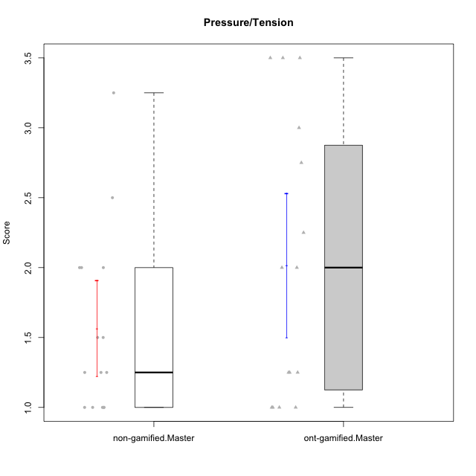

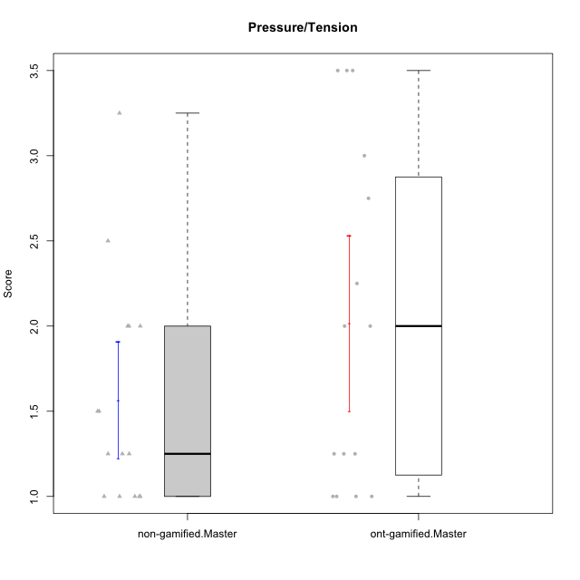

Student's t-Test data
UserID | NroUSP | Type | CLGroup | CLRole | PlayerRole | Item01IE | Item09IE | Item12IE | Item21IE | Item22IE | Item24IE | Item02PC | Item05PC | Item06PC | Item08PC | Item15PC | Item17PC | Item20PC | Item23PC | Item11PT | Item14PT | Item16PT | Item18PT | Interest/Enjoyment | Perceived Choice | Pressure/Tension | Intrinsic Motivation
10169 | 10377538 | ont-gamified | Grupo Hefesto | Master | Yee Achiever | 4 | 6 | 6 | 6 | 6 | 6 | 4 | 6 | 6 | 2 | 2 | 2 | 2 | 6 | 7 | 1 | 4 | 2 | 5.6666666667 | 5.25 | 2 | 5.5555555556
10172 | 10273971 | non-gamified | Grupo Team 1 | Master |  | 6 | 6 | 5 | 5 | 5 | 4 | 4 | 3 | 2 | 3 | 2 | 2 | 3 | 5 | 7 | 1 | 1 | 1 | 5.1666666667 | 5 | 1 | 5.5
10174 | 10276852 | ont-gamified | Grupo Urano | Master | Yee Achiever | 4 | 5 | 4 | 4 | 6 | 6 | 4 | 4 | 4 | 3 | 4 | 3 | 3 | 4 | 6 | 1 | 1 | 1 | 4.8333333333 | 4.375 | 1.25 | 5.0555555556
10175 | 10310700 | ont-gamified | Grupo Hélio | Master | Yee Socializer | 6 | 6 | 6 | 5 | 5 | 6 | 1 | 7 | 1 | 1 | 1 | 1 | 1 | 6 | 7 | 1 | 1 | 1 | 5.6666666667 | 6.875 | 1 | 6.5
10179 | 10310759 | non-gamified | Grupo Team 9 | Master |  | 4 | 4 | 3 | 4 | 4 | 4 | 6 | 3 | 5 | 4 | 5 | 4 | 3 | 3 | 6 | 2 | 2 | 2 | 3.8333333333 | 3.375 | 2 | 4.1111111111
10181 | 10276866 | non-gamified | Grupo Team 10 | Master |  | 5 | 5 | 5 | 5 | 4 | 2 | 2 | 2 | 1 | 3 | 2 | 2 | 2 | 4 | 7 | 1 | 1 | 1 | 4.3333333333 | 5.25 | 1 | 5.3333333333
10184 | 10276675 | ont-gamified | Grupo Apolo | Master | Yee Socializer | 5 | 5 | 5 | 4 | 4 | 4 | 5 | 7 | 1 | 1 | 4 | 1 | 2 | 4 | 4 | 1 | 3 | 1 | 4.5 | 5.625 | 2.25 | 5.2777777778
10188 | 10276995 | non-gamified | Grupo Team 3 | Master |  | 4 | 4 | 4 | 3 | 4 | 4 | 3 | 3 | 3 | 3 | 3 | 3 | 4 | 4 | 6 | 2 | 1 | 1 | 3.8333333333 | 4.5 | 1.5 | 4.7222222222
10189 | 9363926 | ont-gamified | Grupo Hades | Master | Yee Socializer | 2 | 4 | 3 | 6 | 4 | 5 | 4 | 5 | 2 | 1 | 5 | 2 | 1 | 2 | 5 | 4 | 5 | 2 | 4 | 5 | 3.5 | 4.5555555556
10191 | 10276981 | non-gamified | Grupo Team 6 | Master |  | 4 | 6 | 6 | 6 | 5 | 7 | 2 | 6 | 2 | 3 | 6 | 1 | 1 | 4 | 7 | 1 | 2 | 1 | 5.6666666667 | 5.375 | 1.25 | 5.7777777778
10193 | 10276762 | ont-gamified | Grupo Afrodite | Master | Yee Achiever | 4 | 5 | 5 | 5 | 6 | 4 | 2 | 4 | 5 | 3 | 5 | 3 | 2 | 5 | 6 | 1 | 1 | 1 | 4.8333333333 | 4.625 | 1.25 | 5.1666666667
10199 | 10276737 | ont-gamified | Grupo Gaia | Master | Yee Achiever | 4 | 4 | 4 | 4 | 7 | 1 | 1 | 7 | 1 | 1 | 1 | 1 | 1 | 7 | 2 | 3 | 1 | 1 | 4 | 7 | 2.75 | 5.6111111111
10201 | 10276928 | ont-gamified | Grupo Caronte | Master | Yee Achiever | 5 | 7 | 7 | 7 | 7 | 5 | 2 | 7 | 3 | 2 | 2 | 2 | 1 | 3 | 6 | 3 | 2 | 1 | 6.3333333333 | 5.75 | 2 | 6
10204 | 10310471 | ont-gamified | Grupo Hermes | Master | Yee Achiever | 6 | 7 | 7 | 7 | 7 | 7 | 2 | 7 | 4 | 1 | 1 | 1 | 1 | 7 | 7 | 1 | 1 | 1 | 6.8333333333 | 6.5 | 1 | 6.7222222222
10206 | 10310721 | ont-gamified | Grupo Hera | Master | Yee Achiever | 4 | 6 | 4 | 5 | 5 | 3 | 1 | 7 | 1 | 2 | 2 | 1 | 2 | 6 | 2 | 3 | 3 | 2 | 4.5 | 6.5 | 3.5 | 5.3888888889
10211 | 9311643 | non-gamified | Grupo Team 2 | Master |  | 7 | 7 | 5 | 6 | 6 | 6 | 7 | 3 | 6 | 3 | 6 | 3 | 2 | 5 | 7 | 2 | 2 | 3 | 6.1666666667 | 3.625 | 2 | 5
10212 | 9065750 | non-gamified | Grupo Team 4 | Master |  | 5 | 6 | 6 | 7 | 7 | 7 | 3 | 7 | 3 | 1 | 1 | 2 | 1 | 4 | 6 | 2 | 4 | 2 | 6.3333333333 | 6 | 2.5 | 6
10213 | 10277040 | ont-gamified | Grupo Morfeu | Master | Yee Socializer | 7 | 6 | 5 | 4 | 4 | 7 | 4 | 4 | 1 | 4 | 7 | 1 | 2 | 2 | 7 | 1 | 1 | 1 | 5.5 | 4.375 | 1 | 5.3333333333
10214 | 10277022 | non-gamified | Grupo Team 5 | Master |  | 4 | 4 | 3 | 3 | 3 | 1 | 4 | 4 | 4 | 4 | 5 | 4 | 4 | 2 | 4 | 1 | 1 | 2 | 3 | 3.625 | 2 | 3.9444444444
10215 | 9285227 | ont-gamified | Grupo Zeus | Master | Yee Socializer | 4 | 7 | 4 | 6 | 5 | 4 | 1 | 6 | 1 | 1 | 1 | 1 | 1 | 4 | 7 | 1 | 1 | 1 | 5 | 6.5 | 1 | 6.1111111111
10216 | 10276720 | non-gamified | Grupo Team 15 | Master |  | 4 | 7 | 5 | 5 | 7 | 1 | 1 | 7 | 1 | 1 | 4 | 1 | 3 | 7 | 7 | 2 | 1 | 1 | 4.8333333333 | 6.375 | 1.25 | 5.9444444444
10217 | 9805341 | non-gamified | Grupo Team 13 | Master |  | 3 | 5 | 4 | 5 | 4 | 2 | 2 | 4 | 1 | 1 | 1 | 1 | 2 | 4 | 7 | 1 | 1 | 1 | 3.8333333333 | 6 | 1 | 5.5
10218 | 9842913 | ont-gamified | Grupo Ares | Master | Yee Achiever | 4 | 3 | 3 | 4 | 4 | 2 | 2 | 5 | 4 | 1 | 3 | 3 | 2 | 3 | 3 | 3 | 4 | 2 | 3.3333333333 | 5.125 | 3.5 | 4.3888888889
10219 | 10276831 | non-gamified | Grupo Team 12 | Master |  | 4 | 4 | 4 | 3 | 4 | 3 | 2 | 1 | 4 | 3 | 4 | 4 | 3 | 1 | 7 | 1 | 1 | 1 | 3.6666666667 | 3.75 | 1 | 4.4444444444
10223 | 9795185 | ont-gamified | Grupo Cronus | Master | Yee Achiever | 6 | 6 | 6 | 7 | 7 | 6 | 2 | 6 | 2 | 1 | 2 | 1 | 3 | 6 | 7 | 1 | 2 | 1 | 6.3333333333 | 6.125 | 1.25 | 6.3333333333
10226 | 10310342 | non-gamified | Grupo Team 8 | Master |  | 2 | 4 | 4 | 4 | 4 | 5 | 6 | 2 | 4 | 5 | 6 | 4 | 2 | 1 | 7 | 1 | 1 | 3 | 3.8333333333 | 3 | 1.5 | 4.0555555556
10230 | 10351992 | non-gamified | Grupo Team 14 | Master |  | 1 | 4 | 1 | 6 | 1 | 3 | 2 | 5 | 1 | 5 | 4 | 1 | 5 | 4 | 1 | 1 | 4 | 1 | 2.6666666667 | 4.875 | 3.25 | 4.1111111111
10232 | 10276974 | ont-gamified | Grupo Artemis | Master | Yee Achiever | 6 | 4 | 5 | 6 | 5 | 7 | 2 | 5 | 4 | 2 | 4 | 2 | 1 | 4 | 1 | 1 | 2 | 2 | 5.5 | 5.25 | 3 | 5.2777777778
10234 | 10310676 | non-gamified | Grupo Team 7 | Master |  | 2 | 3 | 2 | 6 | 5 | 2 | 2 | 2 | 5 | 4 | 6 | 4 | 3 | 4 | 7 | 2 | 1 | 1 | 3.3333333333 | 3.75 | 1.25 | 4.2777777778
10237 | 10377688 | non-gamified | Grupo Team 11 | Master |  | 6 | 5 | 4 | 6 | 5 | 3 | 3 | 7 | 5 | 2 | 2 | 1 | 2 | 4 | 7 | 1 | 1 | 1 | 4.8333333333 | 5.5 | 1 | 5.6111111111

Type_CLRole_6
Student's t-Test for Pressure/Tension in Type:CLRole between ont-gamified.Apprentice:ont-gamified.Master

Student's t-Test results
Alternative hypothesis: less
Group | N | Mean | Mean.Difference | Std.deviation | Std.error | CI.lower | CI.upper | df | t.value | p.value | g | magnitude
ont-gamified.Apprentice | 15 | 1.5 | -0.51666666667 | 0.77919372247 | 0.20118695404 | 1.0976260919 | 1.9023739081 | 26.397361136 | -1.5764005799 | 0.0634218419 | -0.56006280472 | medium
ont-gamified.Master | 15 | 2.0166666667 | 0.51666666667 | 1.0020811677 | 0.25873624494 | 1.4991941768 | 2.5341391565 | 26.397361136 | -1.5764005799 | 0.0634218419 | -0.56006280472 | medium
Alternative hypothesis: greater
Group | N | Mean | Mean.Difference | Std.deviation | Std.error | CI.lower | CI.upper | df | t.value | p.value | g | magnitude
ont-gamified.Apprentice | 15 | 1.5 | -0.51666666667 | 0.77919372247 | 0.20118695404 | 1.0976260919 | 1.9023739081 | 26.397361136 | -1.5764005799 | 0.9365781581 | -0.56006280472 | medium
ont-gamified.Master | 15 | 2.0166666667 | 0.51666666667 | 1.0020811677 | 0.25873624494 | 1.4991941768 | 2.5341391565 | 26.397361136 | -1.5764005799 | 0.9365781581 | -0.56006280472 | medium
Alternative hypothesis: two.sided
Group | N | Mean | Mean.Difference | Std.deviation | Std.error | CI.lower | CI.upper | df | t.value | p.value | g | magnitude
ont-gamified.Apprentice | 15 | 1.5 | -0.51666666667 | 0.77919372247 | 0.20118695404 | 1.0976260919 | 1.9023739081 | 26.397361136 | -1.5764005799 | 0.1268436838 | -0.56006280472 | medium
ont-gamified.Master | 15 | 2.0166666667 | 0.51666666667 | 1.0020811677 | 0.25873624494 | 1.4991941768 | 2.5341391565 | 26.397361136 | -1.5764005799 | 0.1268436838 | -0.56006280472 | medium

Box plots for Student's t-Test
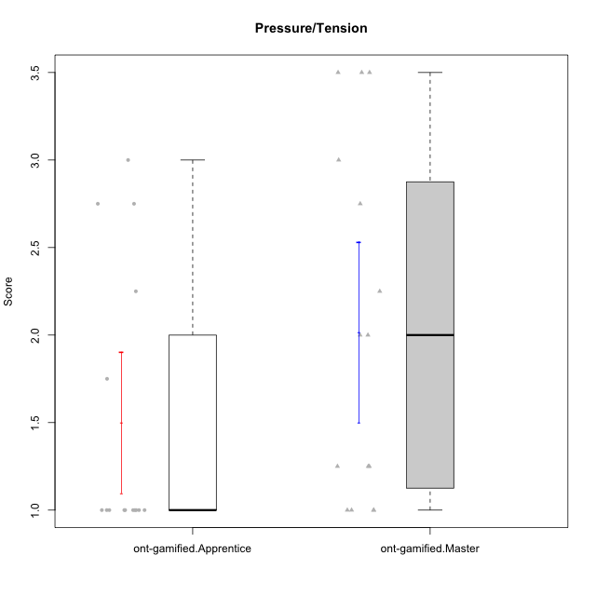



Student's t-Test data
UserID | NroUSP | Type | CLGroup | CLRole | PlayerRole | Item01IE | Item09IE | Item12IE | Item21IE | Item22IE | Item24IE | Item02PC | Item05PC | Item06PC | Item08PC | Item15PC | Item17PC | Item20PC | Item23PC | Item11PT | Item14PT | Item16PT | Item18PT | Interest/Enjoyment | Perceived Choice | Pressure/Tension | Intrinsic Motivation
10169 | 10377538 | ont-gamified | Grupo Hefesto | Master | Yee Achiever | 4 | 6 | 6 | 6 | 6 | 6 | 4 | 6 | 6 | 2 | 2 | 2 | 2 | 6 | 7 | 1 | 4 | 2 | 5.6666666667 | 5.25 | 2 | 5.5555555556
10170 | 10260351 | ont-gamified | Grupo Afrodite | Apprentice | Yee Achiever | 5 | 5 | 5 | 6 | 6 | 4 | 2 | 7 | 1 | 2 | 2 | 1 | 2 | 7 | 7 | 1 | 1 | 1 | 5.1666666667 | 6.5 | 1 | 6.1666666667
10174 | 10276852 | ont-gamified | Grupo Urano | Master | Yee Achiever | 4 | 5 | 4 | 4 | 6 | 6 | 4 | 4 | 4 | 3 | 4 | 3 | 3 | 4 | 6 | 1 | 1 | 1 | 4.8333333333 | 4.375 | 1.25 | 5.0555555556
10175 | 10310700 | ont-gamified | Grupo Hélio | Master | Yee Socializer | 6 | 6 | 6 | 5 | 5 | 6 | 1 | 7 | 1 | 1 | 1 | 1 | 1 | 6 | 7 | 1 | 1 | 1 | 5.6666666667 | 6.875 | 1 | 6.5
10176 | 10276949 | ont-gamified | Grupo Cronus | Apprentice | Yee Achiever | 5 | 5 | 4 | 4 | 4 | 3 | 5 | 6 | 1 | 1 | 2 | 2 | 2 | 2 | 4 | 2 | 3 | 2 | 4.1666666667 | 5.375 | 2.75 | 4.9444444444
10178 | 8656201 | ont-gamified | Grupo Morfeu | Apprentice | Yee Socializer | 5 | 5 | 5 | 5 | 5 | 5 | 4 | 5 | 2 | 1 | 3 | 1 | 3 | 5 | 5 | 1 | 4 | 1 | 5 | 5.5 | 2.25 | 5.3888888889
10183 | 10352030 | ont-gamified | Grupo Hélio | Apprentice | Yee Socializer | 5 | 4 | 4 | 4 | 4 | 3 | 3 | 5 | 2 | 4 | 2 | 2 | 2 | 4 | 5 | 2 | 3 | 3 | 4 | 5.25 | 2.75 | 4.8333333333
10184 | 10276675 | ont-gamified | Grupo Apolo | Master | Yee Socializer | 5 | 5 | 5 | 4 | 4 | 4 | 5 | 7 | 1 | 1 | 4 | 1 | 2 | 4 | 4 | 1 | 3 | 1 | 4.5 | 5.625 | 2.25 | 5.2777777778
10186 | 10310551 | ont-gamified | Grupo Ares | Apprentice | Yee Achiever | 3 | 6 | 4 | 4 | 5 | 6 | 2 | 4 | 4 | 1 | 1 | 1 | 1 | 5 | 4 | 1 | 4 | 3 | 4.6666666667 | 5.875 | 3 | 5.2777777778
10189 | 9363926 | ont-gamified | Grupo Hades | Master | Yee Socializer | 2 | 4 | 3 | 6 | 4 | 5 | 4 | 5 | 2 | 1 | 5 | 2 | 1 | 2 | 5 | 4 | 5 | 2 | 4 | 5 | 3.5 | 4.5555555556
10190 | 10276907 | ont-gamified | Grupo Zeus | Apprentice | Yee Socializer | 4 | 5 | 5 | 4 | 4 | 5 | 4 | 7 | 1 | 3 | 1 | 2 | 3 | 4 | 6 | 1 | 2 | 2 | 4.5 | 5.625 | 1.75 | 5.3888888889
10193 | 10276762 | ont-gamified | Grupo Afrodite | Master | Yee Achiever | 4 | 5 | 5 | 5 | 6 | 4 | 2 | 4 | 5 | 3 | 5 | 3 | 2 | 5 | 6 | 1 | 1 | 1 | 4.8333333333 | 4.625 | 1.25 | 5.1666666667
10195 | 10351971 | ont-gamified | Grupo Urano | Apprentice | Yee Achiever | 5 | 6 | 5 | 6 | 5 | 5 | 4 | 4 | 4 | 1 | 4 | 4 | 2 | 4 | 7 | 1 | 1 | 1 | 5.3333333333 | 4.625 | 1 | 5.3888888889
10196 | 10310655 | ont-gamified | Grupo Hefesto | Apprentice | Yee Achiever | 4 | 4 | 4 | 4 | 4 | 4 | 6 | 2 | 1 | 4 | 7 | 1 | 4 | 4 | 7 | 1 | 1 | 1 | 4 | 3.875 | 1 | 4.6111111111
10197 | 10276661 | ont-gamified | Grupo Gaia | Apprentice | Yee Achiever | 4 | 6 | 4 | 6 | 4 | 5 | 1 | 7 | 2 | 1 | 1 | 1 | 1 | 6 | 7 | 1 | 1 | 1 | 4.8333333333 | 6.75 | 1 | 6.1666666667
10198 | 10310888 | ont-gamified | Grupo Apolo | Apprentice | Yee Socializer | 7 | 7 | 7 | 7 | 7 | 7 | 1 | 7 | 1 | 1 | 1 | 1 | 1 | 7 | 7 | 1 | 1 | 1 | 7 | 7 | 1 | 7
10199 | 10276737 | ont-gamified | Grupo Gaia | Master | Yee Achiever | 4 | 4 | 4 | 4 | 7 | 1 | 1 | 7 | 1 | 1 | 1 | 1 | 1 | 7 | 2 | 3 | 1 | 1 | 4 | 7 | 2.75 | 5.6111111111
10200 | 9795272 | ont-gamified | Grupo Hades | Apprentice | Yee Socializer | 6 | 6 | 7 | 6 | 6 | 7 | 2 | 5 | 2 | 3 | 4 | 2 | 2 | 4 | 7 | 1 | 1 | 1 | 6.3333333333 | 5.25 | 1 | 6
10201 | 10276928 | ont-gamified | Grupo Caronte | Master | Yee Achiever | 5 | 7 | 7 | 7 | 7 | 5 | 2 | 7 | 3 | 2 | 2 | 2 | 1 | 3 | 6 | 3 | 2 | 1 | 6.3333333333 | 5.75 | 2 | 6
10204 | 10310471 | ont-gamified | Grupo Hermes | Master | Yee Achiever | 6 | 7 | 7 | 7 | 7 | 7 | 2 | 7 | 4 | 1 | 1 | 1 | 1 | 7 | 7 | 1 | 1 | 1 | 6.8333333333 | 6.5 | 1 | 6.7222222222
10206 | 10310721 | ont-gamified | Grupo Hera | Master | Yee Achiever | 4 | 6 | 4 | 5 | 5 | 3 | 1 | 7 | 1 | 2 | 2 | 1 | 2 | 6 | 2 | 3 | 3 | 2 | 4.5 | 6.5 | 3.5 | 5.3888888889
10209 | 10262669 | ont-gamified | Grupo Artemis | Apprentice | Yee Achiever | 4 | 3 | 3 | 3 | 2 | 4 | 7 | 4 | 7 | 7 | 7 | 7 | 5 | 1 | 7 | 1 | 1 | 1 | 3.1666666667 | 1.625 | 1 | 3.3333333333
10213 | 10277040 | ont-gamified | Grupo Morfeu | Master | Yee Socializer | 7 | 6 | 5 | 4 | 4 | 7 | 4 | 4 | 1 | 4 | 7 | 1 | 2 | 2 | 7 | 1 | 1 | 1 | 5.5 | 4.375 | 1 | 5.3333333333
10215 | 9285227 | ont-gamified | Grupo Zeus | Master | Yee Socializer | 4 | 7 | 4 | 6 | 5 | 4 | 1 | 6 | 1 | 1 | 1 | 1 | 1 | 4 | 7 | 1 | 1 | 1 | 5 | 6.5 | 1 | 6.1111111111
10218 | 9842913 | ont-gamified | Grupo Ares | Master | Yee Achiever | 4 | 3 | 3 | 4 | 4 | 2 | 2 | 5 | 4 | 1 | 3 | 3 | 2 | 3 | 3 | 3 | 4 | 2 | 3.3333333333 | 5.125 | 3.5 | 4.3888888889
10221 | 9082496 | ont-gamified | Grupo Hermes | Apprentice | Yee Achiever | 4 | 5 | 4 | 5 | 5 | 4 | 3 | 6 | 4 | 1 | 4 | 1 | 4 | 1 | 7 | 1 | 1 | 1 | 4.5 | 4.75 | 1 | 5.1666666667
10223 | 9795185 | ont-gamified | Grupo Cronus | Master | Yee Achiever | 6 | 6 | 6 | 7 | 7 | 6 | 2 | 6 | 2 | 1 | 2 | 1 | 3 | 6 | 7 | 1 | 2 | 1 | 6.3333333333 | 6.125 | 1.25 | 6.3333333333
10231 | 10276911 | ont-gamified | Grupo Caronte | Apprentice | Yee Achiever | 7 | 7 | 7 | 7 | 7 | 7 | 1 | 6 | 1 | 1 | 2 | 1 | 1 | 7 | 7 | 1 | 1 | 1 | 7 | 6.75 | 1 | 6.8888888889
10232 | 10276974 | ont-gamified | Grupo Artemis | Master | Yee Achiever | 6 | 4 | 5 | 6 | 5 | 7 | 2 | 5 | 4 | 2 | 4 | 2 | 1 | 4 | 1 | 1 | 2 | 2 | 5.5 | 5.25 | 3 | 5.2777777778
10240 | 10276654 | ont-gamified | Grupo Hera | Apprentice | Yee Achiever | 4 | 3 | 4 | 2 | 4 | 4 | 6 | 6 | 7 | 5 | 7 | 7 | 7 | 4 | 7 | 1 | 1 | 1 | 3.5 | 2.375 | 1 | 3.7777777778

