Assumptions
ANOVA assumptions for Level of Motivation

Shapiro-Wilk normality test for Level of Motivation
W | p.value
0.98158745528 | 0.58300447321

Plots for normality test
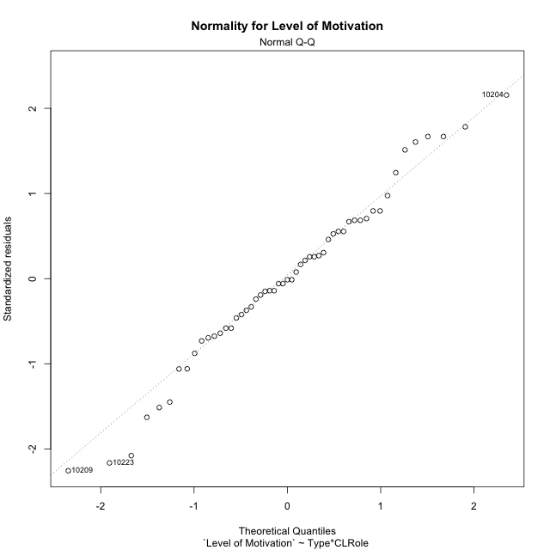

Levene's Test for Homogeneity of Variance in Level of Motivation
Df | F value | Pr(>F)
3 | 2.2838986114 | 0.090563020786
49

Plots for homogeneity of variance
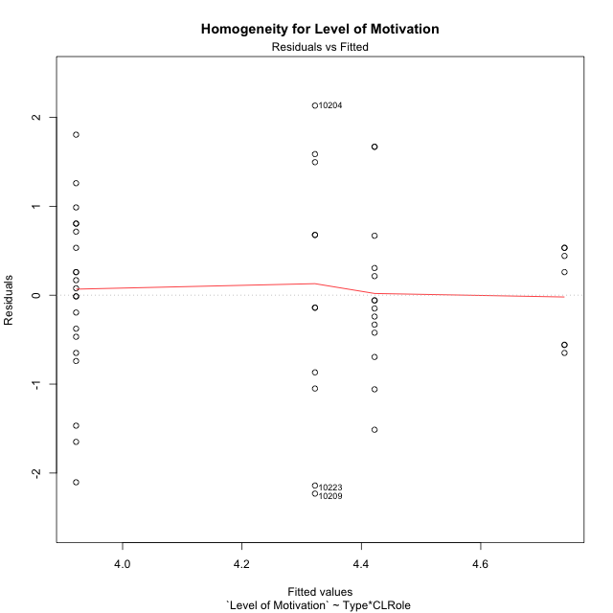

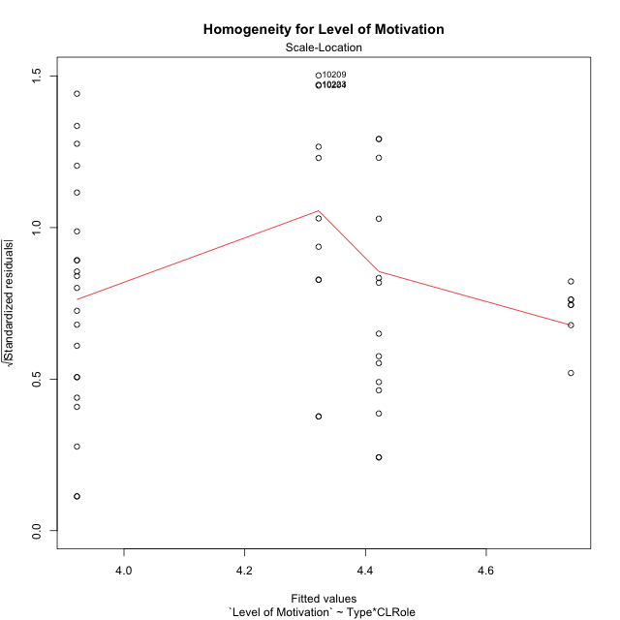

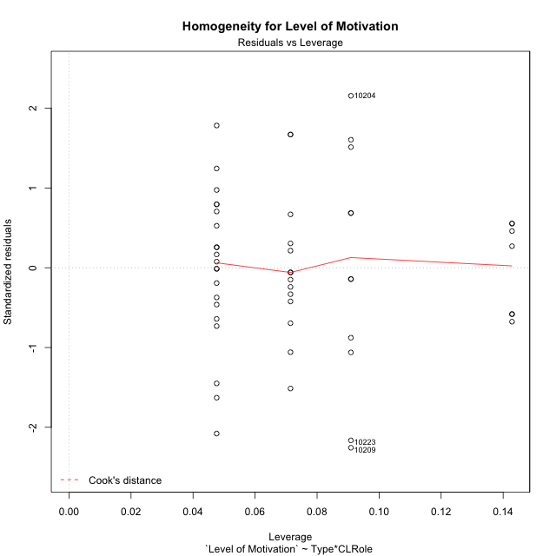

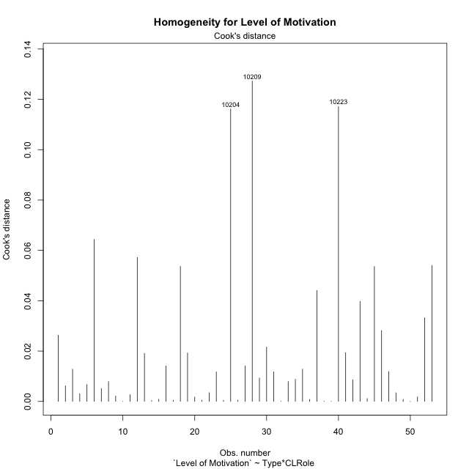

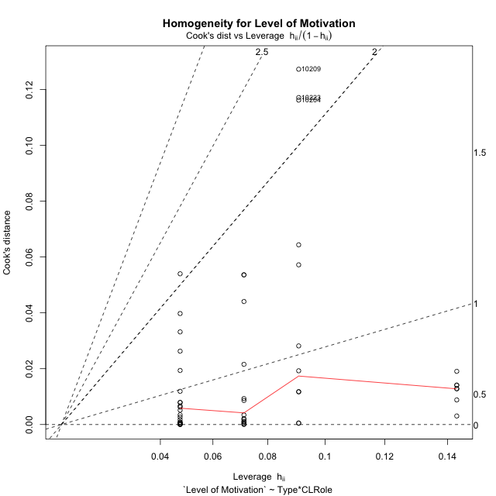

Minimum Sample Size Test for Level of Motivation
Type | CLRole | Freq
non-gamified | Apprentice | 21
ont-gamified | Apprentice | 14
non-gamified | Master | 11
ont-gamified | Master | 7

Errors and Warnings in Sample Size Test for ANOVA in Level of Motivation
code | description
WARN: sample.size | current.size is = 14 and recommended.size must be = 15 for the group: 'ont-gamified:Apprentice'. Size sample for parametric test isn't recomended
WARN: sample.size | current.size is = 11 and recommended.size must be = 15 for the group: 'non-gamified:Master'. Size sample for parametric test isn't recomended
WARN: sample.size | current.size is = 7 and recommended.size must be = 15 for the group: 'ont-gamified:Master'. Size sample for parametric test isn't recomended

For the group: 'non-gamified:Apprentice', you can perform a parametric test with a non-normal distribution For the group: 'ont-gamified:Apprentice', we recommend the use of non parametric test. For the group: 'non-gamified:Master', we recommend the use of non parametric test. For the group: 'ont-gamified:Master', we recommend the use of non parametric test.

If you don't want to remove non-normal data, you must cite the following references: ... (1) Lix, L.M., J.C. Keselman, and H.J. Keselman. 1996. Consequences of assumption violations revisited: A quantitative review of alternatives to the one-way analysis of variance F test. Rev. Educ. Res. 66: 579-619. ... (2) Harwell, M.R., E.N. Rubinstein, W.S. Hayes, and C.C. Olds. 1992. Summarizing Monte Carlo results in methodological research: the one- and two-factor fixed effects ANOVA cases. J. Educ. Stat. 17: 315-339.

Post-hoc
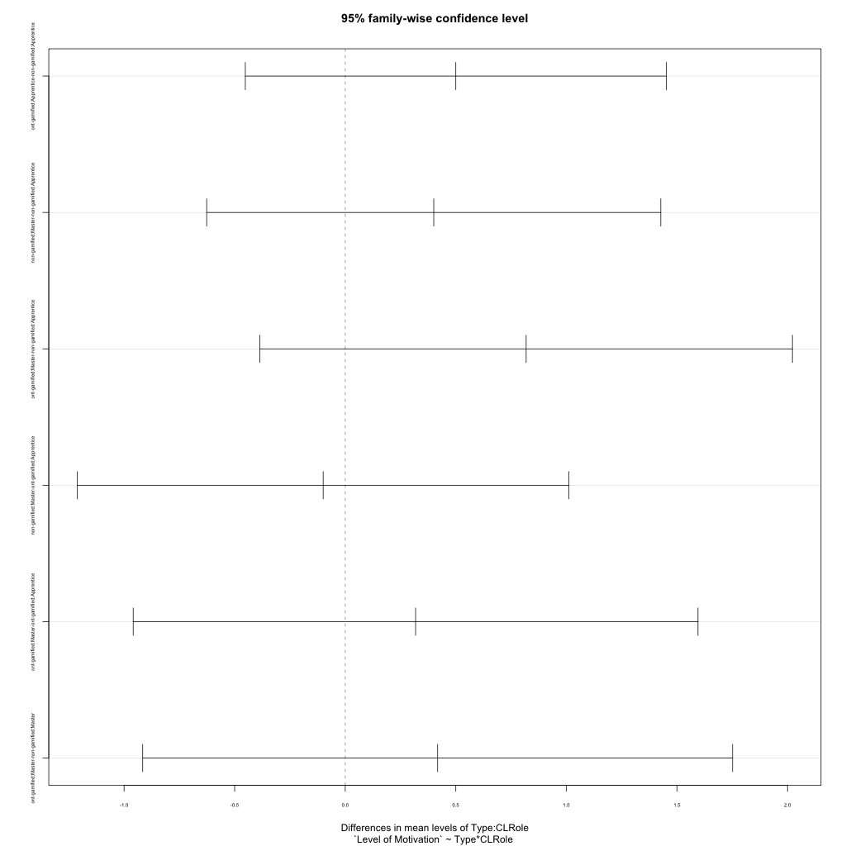
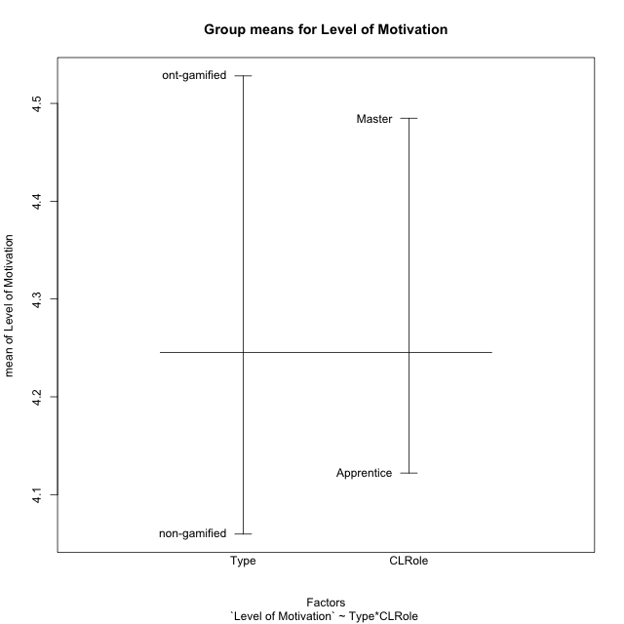
Post-hoc Tukey Honestly Significant Difference (HSD) Test for Level of Motivation

Comparisons of means for Type
 | diff | lwr | upr | p adj
ont-gamified-non-gamified | 0.46847943723 | -0.11692464138 | 1.0538835158 | 0.11421734407

Comparisons of means for CLRole
 | diff | lwr | upr | p adj
Master-Apprentice | 0.36797588985 | -0.23662684275 | 0.97257862245 | 0.227150681

Comparisons of means for Type:CLRole
 | diff | lwr | upr | p adj
ont-gamified:Apprentice-non-gamified:Apprentice | 0.5 | -0.45180656975 | 1.4518065697 | 0.50722317707
non-gamified:Master-non-gamified:Apprentice | 0.40023612751 | -0.62649644595 | 1.426968701 | 0.72888362018
ont-gamified:Master-non-gamified:Apprentice | 0.81818181818 | -0.38576884274 | 2.0221324791 | 0.28227393855
non-gamified:Master-ont-gamified:Apprentice | -0.099763872491 | -1.2112344869 | 1.0117067419 | 0.9951511255
ont-gamified:Master-ont-gamified:Apprentice | 0.31818181818 | -0.95880069665 | 1.595164333 | 0.91056052649
ont-gamified:Master-non-gamified:Master | 0.41794569067 | -0.9158190466 | 1.7517104279 | 0.83834644402

Contrast Matrices for Level of Motivation
contrast | CLRole | estimate | SE | df | t.ratio | p.value
non-gamified - ont-gamified | Apprentice | -0.5 | 0.35789739067 | 49 | -1.3970484643 | 0.16869399287
non-gamified - ont-gamified | Master | -0.41794569067 | 0.50152093336 | 49 | -0.83335642219 | 0.40868765921

Least Squares Means and Confidence Intervals
Type | CLRole | lsmean | SE | df | lower.CL | upper.CL
non-gamified | Apprentice | 3.9220779221 | 0.22635418463 | 49 | 3.4672021578 | 4.3769536863
ont-gamified | Apprentice | 4.4220779221 | 0.27722612674 | 49 | 3.8649711627 | 4.9791846815
non-gamified | Master | 4.3223140496 | 0.31275325082 | 49 | 3.6938128614 | 4.9508152378
ont-gamified | Master | 4.7402597403 | 0.39205694828 | 49 | 3.9523918054 | 5.5281276751

Plots

Type_1
Student's t-Test for Level of Motivation in Type between non-gamified:ont-gamified

Student's t-Test results
Alternative hypothesis: less
Group | N | Mean | Mean.Difference | Std.deviation | Std.error | CI.lower | CI.upper | df | t.value | p.value | g | magnitude
non-gamified | 32 | 4.0596590909 | -0.46847943723 | 1.1581453506 | 0.20473310776 | 3.6501928754 | 4.4691253064 | 50.829565431 | -1.7420317992 | 0.043775755571 | -0.44710165451 | small
ont-gamified | 21 | 4.5281385281 | 0.46847943723 | 0.79907955707 | 0.17437345507 | 4.179391618 | 4.8768854383 | 50.829565431 | -1.7420317992 | 0.043775755571 | -0.44710165451 | small
Alternative hypothesis: greater
Group | N | Mean | Mean.Difference | Std.deviation | Std.error | CI.lower | CI.upper | df | t.value | p.value | g | magnitude
non-gamified | 32 | 4.0596590909 | -0.46847943723 | 1.1581453506 | 0.20473310776 | 3.6501928754 | 4.4691253064 | 50.829565431 | -1.7420317992 | 0.95622424443 | -0.44710165451 | small
ont-gamified | 21 | 4.5281385281 | 0.46847943723 | 0.79907955707 | 0.17437345507 | 4.179391618 | 4.8768854383 | 50.829565431 | -1.7420317992 | 0.95622424443 | -0.44710165451 | small
Alternative hypothesis: two.sided
Group | N | Mean | Mean.Difference | Std.deviation | Std.error | CI.lower | CI.upper | df | t.value | p.value | g | magnitude
non-gamified | 32 | 4.0596590909 | -0.46847943723 | 1.1581453506 | 0.20473310776 | 3.6501928754 | 4.4691253064 | 50.829565431 | -1.7420317992 | 0.087551511142 | -0.44710165451 | small
ont-gamified | 21 | 4.5281385281 | 0.46847943723 | 0.79907955707 | 0.17437345507 | 4.179391618 | 4.8768854383 | 50.829565431 | -1.7420317992 | 0.087551511142 | -0.44710165451 | small

Box plots for Student's t-Test
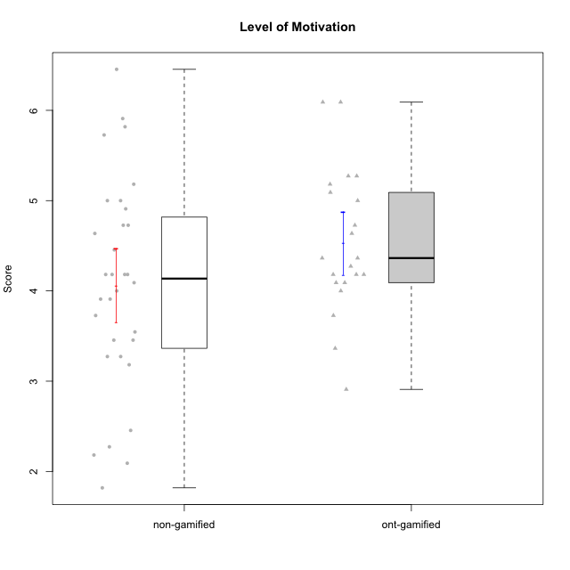

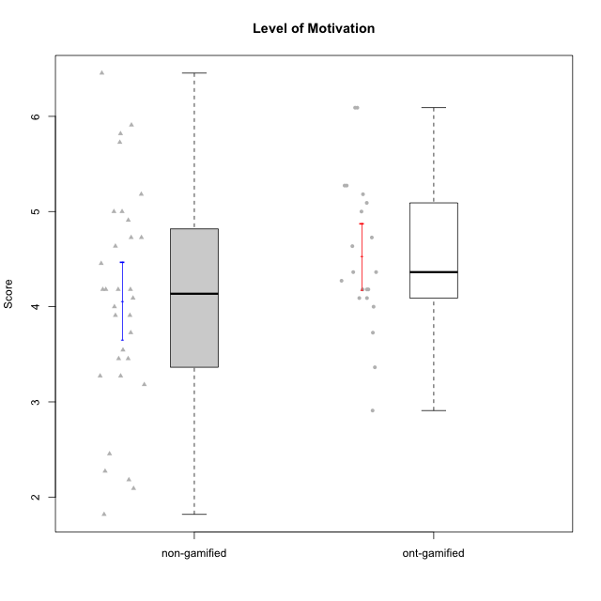

Student's t-Test data
UserID | NroUSP | Type | CLGroup | CLRole | PlayerRole | Item01A | Item04A | Item05A | Item12A | Item19A | Item20A | Item09S | Item11S | Item14S | Item24S | Item25S | Attention | Satisfaction | Level of Motivation
10169 | 10377538 | non-gamified | Grupo Team 10 | Apprentice |  | 2 | 2 | 2 | 2 | 2 | 2 | 1 | 2 | 2 | 3 | 7 | 2 | 3 | 2.4545454545
10170 | 10260351 | non-gamified | Grupo Team 6 | Apprentice |  | 4 | 5 | 4 | 5 | 5 | 3 | 4 | 5 | 4 | 6 | 6 | 4.3333333333 | 5 | 4.6363636364
10171 | 698531 | ont-gamified | Grupo Losvakai | Master | Yee Achiever | 5 | 5 | 6 | 5 | 5 | 4 | 4 | 5 | 6 | 6 | 7 | 5 | 5.6 | 5.2727272727
10172 | 10273971 | ont-gamified | Grupo Koil | Master | Yee Achiever | 6 | 6 | 6 | 4 | 5 | 5 | 4 | 5 | 4 | 5 | 5 | 5.3333333333 | 4.6 | 5
10174 | 10276852 | non-gamified | Grupo Team 1 | Apprentice |  | 4 | 4 | 4 | 3 | 1 | 3 | 2 | 4 | 2 | 4 | 4 | 3.1666666667 | 3.2 | 3.1818181818
10175 | 10310700 | non-gamified | Grupo Team 6 | Master |  | 7 | 5 | 6 | 7 | 6 | 4 | 6 | 6 | 5 | 6 | 7 | 5.8333333333 | 6 | 5.9090909091
10176 | 10276949 | non-gamified | Grupo Team 9 | Apprentice |  | 3 | 3 | 3 | 3 | 3 | 3 | 3 | 6 | 3 | 3 | 3 | 3 | 3.6 | 3.2727272727
10178 | 8656201 | non-gamified | Grupo Team 11 | Apprentice |  | 4 | 5 | 5 | 5 | 5 | 5 | 4 | 5 | 4 | 5 | 5 | 4.8333333333 | 4.6 | 4.7272727273
10179 | 10310759 | ont-gamified | Grupo Tosskor | Apprentice | Yee Achiever | 4 | 4 | 4 | 4 | 4 | 4 | 2 | 4 | 3 | 6 | 6 | 4 | 4.2 | 4.0909090909
10181 | 10276866 | non-gamified | Grupo Team 7 | Apprentice |  | 5 | 5 | 4 | 5 | 1 | 4 | 3 | 5 | 5 | 3 | 3 | 4 | 3.8 | 3.9090909091
10183 | 10352030 | non-gamified | Grupo Belos | Apprentice | Yee Socializer | 4 | 2 | 3 | 3 | 5 | 2 | 3 | 3 | 4 | 5 | 4 | 3.1666666667 | 3.8 | 3.4545454545
10184 | 10276675 | non-gamified | Grupo Team 7 | Master |  | 5 | 6 | 6 | 6 | 4 | 6 | 6 | 6 | 6 | 7 | 6 | 5.5 | 6.2 | 5.8181818182
10185 | 10276960 | ont-gamified | Grupo Tosskor | Master | Yee Achiever | 4 | 5 | 5 | 4 | 5 | 3 | 3 | 4 | 4 | 4 | 4 | 4.3333333333 | 3.8 | 4.0909090909
10186 | 10310551 | non-gamified | Grupo Team 5 | Apprentice |  | 1 | 4 | 6 | 3 | 1 | 4 | 4 | 3 | 5 | 7 | 7 | 3.1666666667 | 5.2 | 4.0909090909
10187 | 9790781 | ont-gamified | Grupo Razorg | Apprentice | Yee Achiever | 6 | 4 | 4 | 4 | 4 | 5 | 5 | 4 | 5 | 5 | 5 | 4.5 | 4.8 | 4.6363636364
10188 | 10276995 | ont-gamified | Grupo Paldira | Master | Yee Achiever | 4 | 5 | 4 | 5 | 3 | 4 | 4 | 4 | 4 | 5 | 4 | 4.1666666667 | 4.2 | 4.1818181818
10190 | 10276907 | non-gamified | Grupo Team 8 | Apprentice |  | 3 | 4 | 2 | 1 | 1 | 1 | 4 | 6 | 7 | 7 | 5 | 2 | 5.8 | 3.7272727273
10191 | 10276981 | ont-gamified | Grupo Yeka | Apprentice | Yee Socializer | 6 | 6 | 7 | 6 | 7 | 6 | 4 | 5 | 6 | 7 | 7 | 6.3333333333 | 5.8 | 6.0909090909
10193 | 10276762 | non-gamified | Grupo Team 2 | Master |  | 3 | 3 | 6 | 4 | 4 | 3 | 3 | 1 | 4 | 4 | 3 | 3.8333333333 | 3 | 3.4545454545
10196 | 10310655 | non-gamified | Grupo Team 5 | Apprentice |  | 4 | 1 | 3 | 4 | 4 | 4 | 4 | 4 | 5 | 2 | 4 | 3.3333333333 | 3.8 | 3.5454545455
10197 | 10276661 | non-gamified | Grupo Team 11 | Master |  | 7 | 5 | 4 | 4 | 2 | 4 | 4 | 3 | 3 | 4 | 6 | 4.3333333333 | 4 | 4.1818181818
10200 | 9795272 | non-gamified | Grupo Team 4 | Apprentice |  | 5 | 5 | 3 | 4 | 4 | 4 | 4 | 4 | 5 | 6 | 5 | 4.1666666667 | 4.8 | 4.4545454545
10201 | 10276928 | non-gamified | Grupo Team 10 | Master |  | 4 | 4 | 5 | 5 | 5 | 5 | 3 | 6 | 6 | 6 | 6 | 4.6666666667 | 5.4 | 5
10202 | 10277036 | ont-gamified | Grupo Paldira | Apprentice | Yee Achiever | 5 | 4 | 4 | 4 | 3 | 4 | 4 | 5 | 4 | 5 | 5 | 4 | 4.6 | 4.2727272727
10204 | 10310471 | non-gamified | Grupo Team 5 | Master |  | 7 | 6 | 7 | 7 | 7 | 7 | 4 | 7 | 7 | 7 | 5 | 6.8333333333 | 6 | 6.4545454545
10206 | 10310721 | non-gamified | Grupo Team 9 | Master |  | 4 | 5 | 3 | 3 | 4 | 3 | 4 | 4 | 5 | 6 | 5 | 3.6666666667 | 4.8 | 4.1818181818
10208 | 10276932 | ont-gamified | Grupo Yeka | Master | Yee Socializer | 4 | 3 | 5 | 3 | 5 | 4 | 4 | 5 | 4 | 5 | 4 | 4 | 4.4 | 4.1818181818
10209 | 10262669 | non-gamified | Grupo Team 1 | Master |  | 1 | 1 | 7 | 1 | 1 | 1 | 4 | 1 | 1 | 1 | 4 | 2 | 2.2 | 2.0909090909
10210 | 10277015 | ont-gamified | Grupo Losvakai | Apprentice | Yee Achiever | 4 | 4 | 6 | 4 | 2 | 3 | 2 | 4 | 6 | 3 | 3 | 3.8333333333 | 3.6 | 3.7272727273
10212 | 9065750 | ont-gamified | Grupo Ellaru | Apprentice | Yee Socializer | 2 | 4 | 2 | 3 | 4 | 3 | 3 | 5 | 2 | 4 | 5 | 3 | 3.8 | 3.3636363636
10213 | 10277040 | non-gamified | Grupo Team 8 | Master |  | 4 | 3 | 7 | 5 | 6 | 5 | 2 | 4 | 6 | 6 | 7 | 5 | 5 | 5
10214 | 10277022 | ont-gamified | Grupo Koil | Apprentice | Yee Achiever | 4 | 5 | 5 | 4 | 5 | 4 | 3 | 4 | 4 | 5 | 5 | 4.5 | 4.2 | 4.3636363636
10215 | 9285227 | non-gamified | Grupo Team 7 | Apprentice |  | 6 | 4 | 3 | 3 | 4 | 4 | 7 | 4 | 5 | 6 | 6 | 4 | 5.6 | 4.7272727273
10216 | 10276720 | ont-gamified | Grupo Ellaru | Master | Yee Socializer | 2 | 5 | 7 | 3 | 7 | 2 | 4 | 7 | 6 | 7 | 7 | 4.3333333333 | 6.2 | 5.1818181818
10217 | 9805341 | ont-gamified | Grupo Belos | Master | Yee Socializer | 5 | 6 | 6 | 4 | 4 | 5 | 4 | 6 | 6 | 6 | 6 | 5 | 5.6 | 5.2727272727
10218 | 9842913 | non-gamified | Grupo Team 10 | Apprentice |  | 4 | 2 | 4 | 4 | 2 | 2 | 4 | 5 | 5 | 7 | 7 | 3 | 5.6 | 4.1818181818
10219 | 10276831 | ont-gamified | Grupo Razorg | Apprentice | Yee Achiever | 1 | 1 | 4 | 5 | 4 | 3 | 4 | 3 | 2 | 2 | 3 | 3 | 2.8 | 2.9090909091
10220 | 9760151 | non-gamified | Grupo Team 4 | Apprentice |  | 1 | 1 | 1 | 1 | 1 | 4 | 7 | 7 | 7 | 7 | 7 | 1.5 | 7 | 4
10221 | 9082496 | non-gamified | Grupo Team 3 | Apprentice |  | 4 | 2 | 3 | 3 | 4 | 4 | 4 | 6 | 3 | 4 | 6 | 3.3333333333 | 4.6 | 3.9090909091
10223 | 9795185 | non-gamified | Grupo Team 3 | Master |  | 1 | 1 | 2 | 2 | 3 | 3 | 2 | 4 | 2 | 2 | 2 | 2 | 2.4 | 2.1818181818
10224 | 9368772 | non-gamified | Grupo Team 9 | Apprentice |  | 4 | 7 | 5 | 5 | 5 | 5 | 4 | 4 | 6 | 6 | 6 | 5.1666666667 | 5.2 | 5.1818181818
10226 | 10310342 | ont-gamified | Grupo Yeka | Apprentice | Yee Socializer | 6 | 4 | 3 | 6 | 5 | 5 | 4 | 6 | 5 | 6 | 6 | 4.8333333333 | 5.4 | 5.0909090909
10227 | 9274382 | non-gamified | Grupo Team 2 | Apprentice |  | 7 | 5 | 4 | 6 | 5 | 6 | 6 | 6 | 6 | 6 | 6 | 5.5 | 6 | 5.7272727273
10228 | 10310492 | ont-gamified | Grupo Losvakai | Apprentice | Yee Achiever | 4 | 4 | 4 | 5 | 4 | 4 | 4 | 4 | 4 | 5 | 4 | 4.1666666667 | 4.2 | 4.1818181818
10230 | 10351992 | ont-gamified | Grupo Koil | Apprentice | Yee Achiever | 6 | 7 | 7 | 5 | 7 | 6 | 5 | 5 | 5 | 7 | 7 | 6.3333333333 | 5.8 | 6.0909090909
10231 | 10276911 | non-gamified | Grupo Team 4 | Master |  | 3 | 4 | 4 | 2 | 2 | 2 | 1 | 3 | 4 | 6 | 5 | 2.8333333333 | 3.8 | 3.2727272727
10232 | 10276974 | non-gamified | Grupo Team 3 | Apprentice |  | 5 | 5 | 5 | 5 | 5 | 5 | 5 | 6 | 5 | 7 | 1 | 5 | 4.8 | 4.9090909091
10233 | 9805320 | ont-gamified | Grupo Tosskor | Apprentice | Yee Achiever | 2 | 3 | 5 | 4 | 6 | 7 | 1 | 4 | 2 | 6 | 4 | 4.5 | 3.4 | 4
10234 | 10310676 | non-gamified | Grupo Team 6 | Apprentice |  | 4 | 4 | 5 | 4 | 6 | 6 | 2 | 4 | 3 | 4 | 4 | 4.8333333333 | 3.4 | 4.1818181818
10237 | 10377688 | ont-gamified | Grupo Ellaru | Apprentice | Yee Socializer | 4 | 3 | 6 | 4 | 4 | 3 | 4 | 5 | 5 | 5 | 5 | 4 | 4.8 | 4.3636363636
10238 | 10276953 | ont-gamified | Grupo Belos | Apprentice | Yee Socializer | 4 | 4 | 4 | 5 | 5 | 4 | 5 | 5 | 5 | 5 | 6 | 4.3333333333 | 5.2 | 4.7272727273
10240 | 10276654 | non-gamified | Grupo Team 8 | Apprentice |  | 2 | 2 | 2 | 2 | 2 | 2 | 2 | 4 | 2 | 3 | 2 | 2 | 2.6 | 2.2727272727
10242 | 9424506 | non-gamified | Grupo Team 11 | Apprentice |  | 1 | 1 | 1 | 1 | 1 | 1 | 1 | 1 | 1 | 7 | 4 | 1 | 2.8 | 1.8181818182

Type_CLRole_1
Student's t-Test for Level of Motivation in Type:CLRole between non-gamified.Apprentice:non-gamified.Master

Student's t-Test results
Alternative hypothesis: less
Group | N | Mean | Mean.Difference | Std.deviation | Std.error | CI.lower | CI.upper | df | t.value | p.value | g | magnitude
non-gamified.Apprentice | 21 | 3.9220779221 | -0.40023612751 | 0.96820773089 | 0.21128024834 | 3.4995174254 | 4.3446384188 | 14.667606148 | -0.81411937845 | 0.21429821387 | -0.33610001797 | small
non-gamified.Master | 11 | 4.3223140496 | 0.40023612751 | 1.4722578581 | 0.44390244635 | 3.4345091569 | 5.2101189423 | 14.667606148 | -0.81411937845 | 0.21429821387 | -0.33610001797 | small
Alternative hypothesis: greater
Group | N | Mean | Mean.Difference | Std.deviation | Std.error | CI.lower | CI.upper | df | t.value | p.value | g | magnitude
non-gamified.Apprentice | 21 | 3.9220779221 | -0.40023612751 | 0.96820773089 | 0.21128024834 | 3.4995174254 | 4.3446384188 | 14.667606148 | -0.81411937845 | 0.78570178613 | -0.33610001797 | small
non-gamified.Master | 11 | 4.3223140496 | 0.40023612751 | 1.4722578581 | 0.44390244635 | 3.4345091569 | 5.2101189423 | 14.667606148 | -0.81411937845 | 0.78570178613 | -0.33610001797 | small
Alternative hypothesis: two.sided
Group | N | Mean | Mean.Difference | Std.deviation | Std.error | CI.lower | CI.upper | df | t.value | p.value | g | magnitude
non-gamified.Apprentice | 21 | 3.9220779221 | -0.40023612751 | 0.96820773089 | 0.21128024834 | 3.4995174254 | 4.3446384188 | 14.667606148 | -0.81411937845 | 0.42859642774 | -0.33610001797 | small
non-gamified.Master | 11 | 4.3223140496 | 0.40023612751 | 1.4722578581 | 0.44390244635 | 3.4345091569 | 5.2101189423 | 14.667606148 | -0.81411937845 | 0.42859642774 | -0.33610001797 | small

Box plots for Student's t-Test
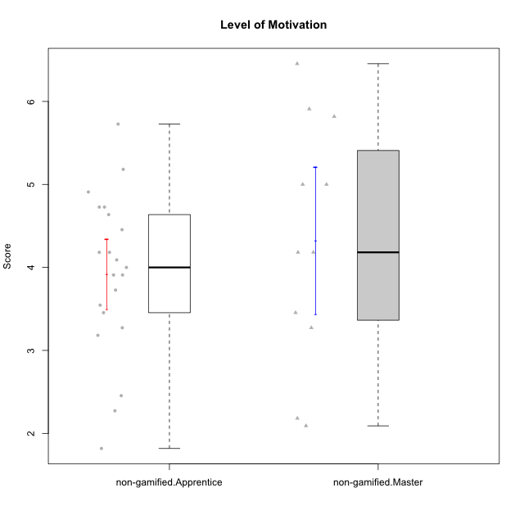

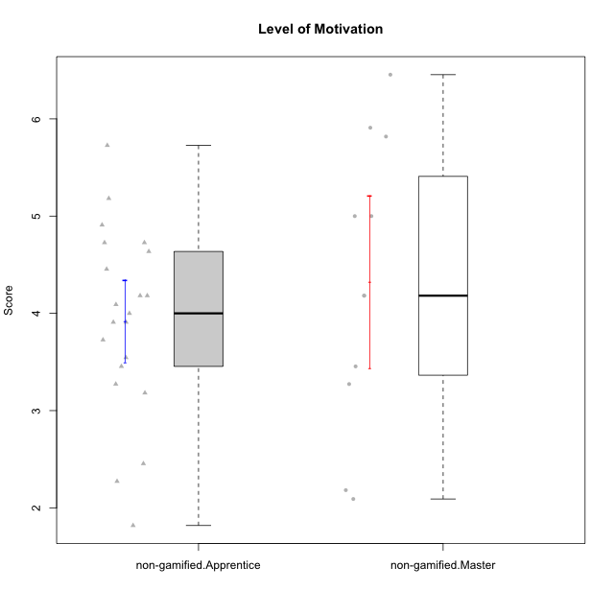

Student's t-Test data
UserID | NroUSP | Type | CLGroup | CLRole | PlayerRole | Item01A | Item04A | Item05A | Item12A | Item19A | Item20A | Item09S | Item11S | Item14S | Item24S | Item25S | Attention | Satisfaction | Level of Motivation
10169 | 10377538 | non-gamified | Grupo Team 10 | Apprentice |  | 2 | 2 | 2 | 2 | 2 | 2 | 1 | 2 | 2 | 3 | 7 | 2 | 3 | 2.4545454545
10170 | 10260351 | non-gamified | Grupo Team 6 | Apprentice |  | 4 | 5 | 4 | 5 | 5 | 3 | 4 | 5 | 4 | 6 | 6 | 4.3333333333 | 5 | 4.6363636364
10174 | 10276852 | non-gamified | Grupo Team 1 | Apprentice |  | 4 | 4 | 4 | 3 | 1 | 3 | 2 | 4 | 2 | 4 | 4 | 3.1666666667 | 3.2 | 3.1818181818
10175 | 10310700 | non-gamified | Grupo Team 6 | Master |  | 7 | 5 | 6 | 7 | 6 | 4 | 6 | 6 | 5 | 6 | 7 | 5.8333333333 | 6 | 5.9090909091
10176 | 10276949 | non-gamified | Grupo Team 9 | Apprentice |  | 3 | 3 | 3 | 3 | 3 | 3 | 3 | 6 | 3 | 3 | 3 | 3 | 3.6 | 3.2727272727
10178 | 8656201 | non-gamified | Grupo Team 11 | Apprentice |  | 4 | 5 | 5 | 5 | 5 | 5 | 4 | 5 | 4 | 5 | 5 | 4.8333333333 | 4.6 | 4.7272727273
10181 | 10276866 | non-gamified | Grupo Team 7 | Apprentice |  | 5 | 5 | 4 | 5 | 1 | 4 | 3 | 5 | 5 | 3 | 3 | 4 | 3.8 | 3.9090909091
10183 | 10352030 | non-gamified | Grupo Belos | Apprentice | Yee Socializer | 4 | 2 | 3 | 3 | 5 | 2 | 3 | 3 | 4 | 5 | 4 | 3.1666666667 | 3.8 | 3.4545454545
10184 | 10276675 | non-gamified | Grupo Team 7 | Master |  | 5 | 6 | 6 | 6 | 4 | 6 | 6 | 6 | 6 | 7 | 6 | 5.5 | 6.2 | 5.8181818182
10186 | 10310551 | non-gamified | Grupo Team 5 | Apprentice |  | 1 | 4 | 6 | 3 | 1 | 4 | 4 | 3 | 5 | 7 | 7 | 3.1666666667 | 5.2 | 4.0909090909
10190 | 10276907 | non-gamified | Grupo Team 8 | Apprentice |  | 3 | 4 | 2 | 1 | 1 | 1 | 4 | 6 | 7 | 7 | 5 | 2 | 5.8 | 3.7272727273
10193 | 10276762 | non-gamified | Grupo Team 2 | Master |  | 3 | 3 | 6 | 4 | 4 | 3 | 3 | 1 | 4 | 4 | 3 | 3.8333333333 | 3 | 3.4545454545
10196 | 10310655 | non-gamified | Grupo Team 5 | Apprentice |  | 4 | 1 | 3 | 4 | 4 | 4 | 4 | 4 | 5 | 2 | 4 | 3.3333333333 | 3.8 | 3.5454545455
10197 | 10276661 | non-gamified | Grupo Team 11 | Master |  | 7 | 5 | 4 | 4 | 2 | 4 | 4 | 3 | 3 | 4 | 6 | 4.3333333333 | 4 | 4.1818181818
10200 | 9795272 | non-gamified | Grupo Team 4 | Apprentice |  | 5 | 5 | 3 | 4 | 4 | 4 | 4 | 4 | 5 | 6 | 5 | 4.1666666667 | 4.8 | 4.4545454545
10201 | 10276928 | non-gamified | Grupo Team 10 | Master |  | 4 | 4 | 5 | 5 | 5 | 5 | 3 | 6 | 6 | 6 | 6 | 4.6666666667 | 5.4 | 5
10204 | 10310471 | non-gamified | Grupo Team 5 | Master |  | 7 | 6 | 7 | 7 | 7 | 7 | 4 | 7 | 7 | 7 | 5 | 6.8333333333 | 6 | 6.4545454545
10206 | 10310721 | non-gamified | Grupo Team 9 | Master |  | 4 | 5 | 3 | 3 | 4 | 3 | 4 | 4 | 5 | 6 | 5 | 3.6666666667 | 4.8 | 4.1818181818
10209 | 10262669 | non-gamified | Grupo Team 1 | Master |  | 1 | 1 | 7 | 1 | 1 | 1 | 4 | 1 | 1 | 1 | 4 | 2 | 2.2 | 2.0909090909
10213 | 10277040 | non-gamified | Grupo Team 8 | Master |  | 4 | 3 | 7 | 5 | 6 | 5 | 2 | 4 | 6 | 6 | 7 | 5 | 5 | 5
10215 | 9285227 | non-gamified | Grupo Team 7 | Apprentice |  | 6 | 4 | 3 | 3 | 4 | 4 | 7 | 4 | 5 | 6 | 6 | 4 | 5.6 | 4.7272727273
10218 | 9842913 | non-gamified | Grupo Team 10 | Apprentice |  | 4 | 2 | 4 | 4 | 2 | 2 | 4 | 5 | 5 | 7 | 7 | 3 | 5.6 | 4.1818181818
10220 | 9760151 | non-gamified | Grupo Team 4 | Apprentice |  | 1 | 1 | 1 | 1 | 1 | 4 | 7 | 7 | 7 | 7 | 7 | 1.5 | 7 | 4
10221 | 9082496 | non-gamified | Grupo Team 3 | Apprentice |  | 4 | 2 | 3 | 3 | 4 | 4 | 4 | 6 | 3 | 4 | 6 | 3.3333333333 | 4.6 | 3.9090909091
10223 | 9795185 | non-gamified | Grupo Team 3 | Master |  | 1 | 1 | 2 | 2 | 3 | 3 | 2 | 4 | 2 | 2 | 2 | 2 | 2.4 | 2.1818181818
10224 | 9368772 | non-gamified | Grupo Team 9 | Apprentice |  | 4 | 7 | 5 | 5 | 5 | 5 | 4 | 4 | 6 | 6 | 6 | 5.1666666667 | 5.2 | 5.1818181818
10227 | 9274382 | non-gamified | Grupo Team 2 | Apprentice |  | 7 | 5 | 4 | 6 | 5 | 6 | 6 | 6 | 6 | 6 | 6 | 5.5 | 6 | 5.7272727273
10231 | 10276911 | non-gamified | Grupo Team 4 | Master |  | 3 | 4 | 4 | 2 | 2 | 2 | 1 | 3 | 4 | 6 | 5 | 2.8333333333 | 3.8 | 3.2727272727
10232 | 10276974 | non-gamified | Grupo Team 3 | Apprentice |  | 5 | 5 | 5 | 5 | 5 | 5 | 5 | 6 | 5 | 7 | 1 | 5 | 4.8 | 4.9090909091
10234 | 10310676 | non-gamified | Grupo Team 6 | Apprentice |  | 4 | 4 | 5 | 4 | 6 | 6 | 2 | 4 | 3 | 4 | 4 | 4.8333333333 | 3.4 | 4.1818181818
10240 | 10276654 | non-gamified | Grupo Team 8 | Apprentice |  | 2 | 2 | 2 | 2 | 2 | 2 | 2 | 4 | 2 | 3 | 2 | 2 | 2.6 | 2.2727272727
10242 | 9424506 | non-gamified | Grupo Team 11 | Apprentice |  | 1 | 1 | 1 | 1 | 1 | 1 | 1 | 1 | 1 | 7 | 4 | 1 | 2.8 | 1.8181818182

Type_CLRole_2
Student's t-Test for Level of Motivation in Type:CLRole between non-gamified.Apprentice:ont-gamified.Apprentice

Student's t-Test results
Alternative hypothesis: less
Group | N | Mean | Mean.Difference | Std.deviation | Std.error | CI.lower | CI.upper | df | t.value | p.value | g | magnitude
non-gamified.Apprentice | 21 | 3.9220779221 | -0.5 | 0.96820773089 | 0.21128024834 | 3.4995174254 | 4.3446384188 | 29.510072607 | -1.5662519139 | 0.063975742533 | -0.51961797115 | medium
ont-gamified.Apprentice | 14 | 4.4220779221 | 0.5 | 0.89542678091 | 0.23931287351 | 3.9434521751 | 4.9007036691 | 29.510072607 | -1.5662519139 | 0.063975742533 | -0.51961797115 | medium
Alternative hypothesis: greater
Group | N | Mean | Mean.Difference | Std.deviation | Std.error | CI.lower | CI.upper | df | t.value | p.value | g | magnitude
non-gamified.Apprentice | 21 | 3.9220779221 | -0.5 | 0.96820773089 | 0.21128024834 | 3.4995174254 | 4.3446384188 | 29.510072607 | -1.5662519139 | 0.93602425747 | -0.51961797115 | medium
ont-gamified.Apprentice | 14 | 4.4220779221 | 0.5 | 0.89542678091 | 0.23931287351 | 3.9434521751 | 4.9007036691 | 29.510072607 | -1.5662519139 | 0.93602425747 | -0.51961797115 | medium
Alternative hypothesis: two.sided
Group | N | Mean | Mean.Difference | Std.deviation | Std.error | CI.lower | CI.upper | df | t.value | p.value | g | magnitude
non-gamified.Apprentice | 21 | 3.9220779221 | -0.5 | 0.96820773089 | 0.21128024834 | 3.4995174254 | 4.3446384188 | 29.510072607 | -1.5662519139 | 0.12795148507 | -0.51961797115 | medium
ont-gamified.Apprentice | 14 | 4.4220779221 | 0.5 | 0.89542678091 | 0.23931287351 | 3.9434521751 | 4.9007036691 | 29.510072607 | -1.5662519139 | 0.12795148507 | -0.51961797115 | medium

Box plots for Student's t-Test
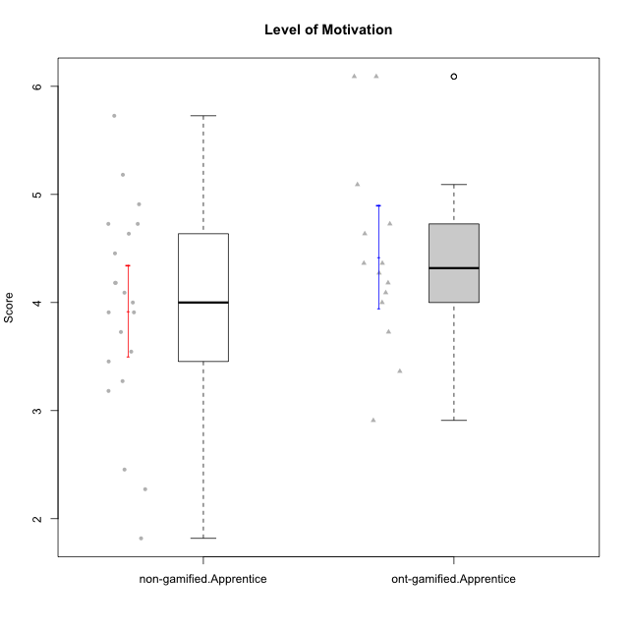

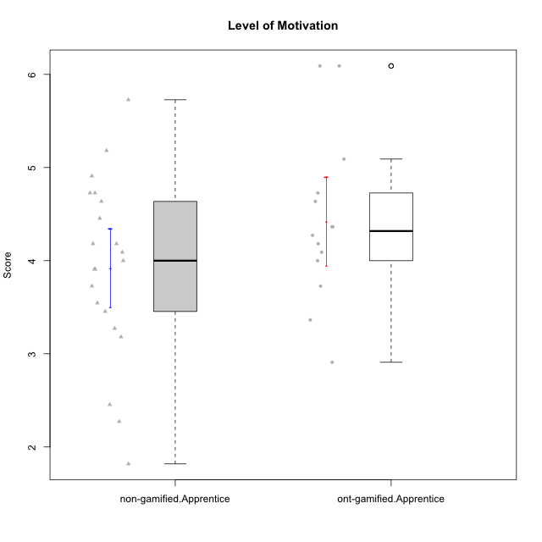

Student's t-Test data
UserID | NroUSP | Type | CLGroup | CLRole | PlayerRole | Item01A | Item04A | Item05A | Item12A | Item19A | Item20A | Item09S | Item11S | Item14S | Item24S | Item25S | Attention | Satisfaction | Level of Motivation
10169 | 10377538 | non-gamified | Grupo Team 10 | Apprentice |  | 2 | 2 | 2 | 2 | 2 | 2 | 1 | 2 | 2 | 3 | 7 | 2 | 3 | 2.4545454545
10170 | 10260351 | non-gamified | Grupo Team 6 | Apprentice |  | 4 | 5 | 4 | 5 | 5 | 3 | 4 | 5 | 4 | 6 | 6 | 4.3333333333 | 5 | 4.6363636364
10174 | 10276852 | non-gamified | Grupo Team 1 | Apprentice |  | 4 | 4 | 4 | 3 | 1 | 3 | 2 | 4 | 2 | 4 | 4 | 3.1666666667 | 3.2 | 3.1818181818
10176 | 10276949 | non-gamified | Grupo Team 9 | Apprentice |  | 3 | 3 | 3 | 3 | 3 | 3 | 3 | 6 | 3 | 3 | 3 | 3 | 3.6 | 3.2727272727
10178 | 8656201 | non-gamified | Grupo Team 11 | Apprentice |  | 4 | 5 | 5 | 5 | 5 | 5 | 4 | 5 | 4 | 5 | 5 | 4.8333333333 | 4.6 | 4.7272727273
10179 | 10310759 | ont-gamified | Grupo Tosskor | Apprentice | Yee Achiever | 4 | 4 | 4 | 4 | 4 | 4 | 2 | 4 | 3 | 6 | 6 | 4 | 4.2 | 4.0909090909
10181 | 10276866 | non-gamified | Grupo Team 7 | Apprentice |  | 5 | 5 | 4 | 5 | 1 | 4 | 3 | 5 | 5 | 3 | 3 | 4 | 3.8 | 3.9090909091
10183 | 10352030 | non-gamified | Grupo Belos | Apprentice | Yee Socializer | 4 | 2 | 3 | 3 | 5 | 2 | 3 | 3 | 4 | 5 | 4 | 3.1666666667 | 3.8 | 3.4545454545
10186 | 10310551 | non-gamified | Grupo Team 5 | Apprentice |  | 1 | 4 | 6 | 3 | 1 | 4 | 4 | 3 | 5 | 7 | 7 | 3.1666666667 | 5.2 | 4.0909090909
10187 | 9790781 | ont-gamified | Grupo Razorg | Apprentice | Yee Achiever | 6 | 4 | 4 | 4 | 4 | 5 | 5 | 4 | 5 | 5 | 5 | 4.5 | 4.8 | 4.6363636364
10190 | 10276907 | non-gamified | Grupo Team 8 | Apprentice |  | 3 | 4 | 2 | 1 | 1 | 1 | 4 | 6 | 7 | 7 | 5 | 2 | 5.8 | 3.7272727273
10191 | 10276981 | ont-gamified | Grupo Yeka | Apprentice | Yee Socializer | 6 | 6 | 7 | 6 | 7 | 6 | 4 | 5 | 6 | 7 | 7 | 6.3333333333 | 5.8 | 6.0909090909
10196 | 10310655 | non-gamified | Grupo Team 5 | Apprentice |  | 4 | 1 | 3 | 4 | 4 | 4 | 4 | 4 | 5 | 2 | 4 | 3.3333333333 | 3.8 | 3.5454545455
10200 | 9795272 | non-gamified | Grupo Team 4 | Apprentice |  | 5 | 5 | 3 | 4 | 4 | 4 | 4 | 4 | 5 | 6 | 5 | 4.1666666667 | 4.8 | 4.4545454545
10202 | 10277036 | ont-gamified | Grupo Paldira | Apprentice | Yee Achiever | 5 | 4 | 4 | 4 | 3 | 4 | 4 | 5 | 4 | 5 | 5 | 4 | 4.6 | 4.2727272727
10210 | 10277015 | ont-gamified | Grupo Losvakai | Apprentice | Yee Achiever | 4 | 4 | 6 | 4 | 2 | 3 | 2 | 4 | 6 | 3 | 3 | 3.8333333333 | 3.6 | 3.7272727273
10212 | 9065750 | ont-gamified | Grupo Ellaru | Apprentice | Yee Socializer | 2 | 4 | 2 | 3 | 4 | 3 | 3 | 5 | 2 | 4 | 5 | 3 | 3.8 | 3.3636363636
10214 | 10277022 | ont-gamified | Grupo Koil | Apprentice | Yee Achiever | 4 | 5 | 5 | 4 | 5 | 4 | 3 | 4 | 4 | 5 | 5 | 4.5 | 4.2 | 4.3636363636
10215 | 9285227 | non-gamified | Grupo Team 7 | Apprentice |  | 6 | 4 | 3 | 3 | 4 | 4 | 7 | 4 | 5 | 6 | 6 | 4 | 5.6 | 4.7272727273
10218 | 9842913 | non-gamified | Grupo Team 10 | Apprentice |  | 4 | 2 | 4 | 4 | 2 | 2 | 4 | 5 | 5 | 7 | 7 | 3 | 5.6 | 4.1818181818
10219 | 10276831 | ont-gamified | Grupo Razorg | Apprentice | Yee Achiever | 1 | 1 | 4 | 5 | 4 | 3 | 4 | 3 | 2 | 2 | 3 | 3 | 2.8 | 2.9090909091
10220 | 9760151 | non-gamified | Grupo Team 4 | Apprentice |  | 1 | 1 | 1 | 1 | 1 | 4 | 7 | 7 | 7 | 7 | 7 | 1.5 | 7 | 4
10221 | 9082496 | non-gamified | Grupo Team 3 | Apprentice |  | 4 | 2 | 3 | 3 | 4 | 4 | 4 | 6 | 3 | 4 | 6 | 3.3333333333 | 4.6 | 3.9090909091
10224 | 9368772 | non-gamified | Grupo Team 9 | Apprentice |  | 4 | 7 | 5 | 5 | 5 | 5 | 4 | 4 | 6 | 6 | 6 | 5.1666666667 | 5.2 | 5.1818181818
10226 | 10310342 | ont-gamified | Grupo Yeka | Apprentice | Yee Socializer | 6 | 4 | 3 | 6 | 5 | 5 | 4 | 6 | 5 | 6 | 6 | 4.8333333333 | 5.4 | 5.0909090909
10227 | 9274382 | non-gamified | Grupo Team 2 | Apprentice |  | 7 | 5 | 4 | 6 | 5 | 6 | 6 | 6 | 6 | 6 | 6 | 5.5 | 6 | 5.7272727273
10228 | 10310492 | ont-gamified | Grupo Losvakai | Apprentice | Yee Achiever | 4 | 4 | 4 | 5 | 4 | 4 | 4 | 4 | 4 | 5 | 4 | 4.1666666667 | 4.2 | 4.1818181818
10230 | 10351992 | ont-gamified | Grupo Koil | Apprentice | Yee Achiever | 6 | 7 | 7 | 5 | 7 | 6 | 5 | 5 | 5 | 7 | 7 | 6.3333333333 | 5.8 | 6.0909090909
10232 | 10276974 | non-gamified | Grupo Team 3 | Apprentice |  | 5 | 5 | 5 | 5 | 5 | 5 | 5 | 6 | 5 | 7 | 1 | 5 | 4.8 | 4.9090909091
10233 | 9805320 | ont-gamified | Grupo Tosskor | Apprentice | Yee Achiever | 2 | 3 | 5 | 4 | 6 | 7 | 1 | 4 | 2 | 6 | 4 | 4.5 | 3.4 | 4
10234 | 10310676 | non-gamified | Grupo Team 6 | Apprentice |  | 4 | 4 | 5 | 4 | 6 | 6 | 2 | 4 | 3 | 4 | 4 | 4.8333333333 | 3.4 | 4.1818181818
10237 | 10377688 | ont-gamified | Grupo Ellaru | Apprentice | Yee Socializer | 4 | 3 | 6 | 4 | 4 | 3 | 4 | 5 | 5 | 5 | 5 | 4 | 4.8 | 4.3636363636
10238 | 10276953 | ont-gamified | Grupo Belos | Apprentice | Yee Socializer | 4 | 4 | 4 | 5 | 5 | 4 | 5 | 5 | 5 | 5 | 6 | 4.3333333333 | 5.2 | 4.7272727273
10240 | 10276654 | non-gamified | Grupo Team 8 | Apprentice |  | 2 | 2 | 2 | 2 | 2 | 2 | 2 | 4 | 2 | 3 | 2 | 2 | 2.6 | 2.2727272727
10242 | 9424506 | non-gamified | Grupo Team 11 | Apprentice |  | 1 | 1 | 1 | 1 | 1 | 1 | 1 | 1 | 1 | 7 | 4 | 1 | 2.8 | 1.8181818182

Type_CLRole_3
Student's t-Test for Level of Motivation in Type:CLRole between non-gamified.Apprentice:ont-gamified.Master

Student's t-Test results
Alternative hypothesis: less
Group | N | Mean | Mean.Difference | Std.deviation | Std.error | CI.lower | CI.upper | df | t.value | p.value | g | magnitude
non-gamified.Apprentice | 21 | 3.9220779221 | -0.81818181818 | 0.96820773089 | 0.21128024834 | 3.4995174254 | 4.3446384188 | 18.461538462 | -2.7382678524 | 0.0066474060518 | -0.89190661939 | large
ont-gamified.Master | 7 | 4.7402597403 | 0.81818181818 | 0.55899499406 | 0.21128024834 | 4.3176992436 | 5.1628202369 | 18.461538462 | -2.7382678524 | 0.0066474060518 | -0.89190661939 | large
Alternative hypothesis: greater
Group | N | Mean | Mean.Difference | Std.deviation | Std.error | CI.lower | CI.upper | df | t.value | p.value | g | magnitude
non-gamified.Apprentice | 21 | 3.9220779221 | -0.81818181818 | 0.96820773089 | 0.21128024834 | 3.4995174254 | 4.3446384188 | 18.461538462 | -2.7382678524 | 0.99335259395 | -0.89190661939 | large
ont-gamified.Master | 7 | 4.7402597403 | 0.81818181818 | 0.55899499406 | 0.21128024834 | 4.3176992436 | 5.1628202369 | 18.461538462 | -2.7382678524 | 0.99335259395 | -0.89190661939 | large
Alternative hypothesis: two.sided
Group | N | Mean | Mean.Difference | Std.deviation | Std.error | CI.lower | CI.upper | df | t.value | p.value | g | magnitude
non-gamified.Apprentice | 21 | 3.9220779221 | -0.81818181818 | 0.96820773089 | 0.21128024834 | 3.4995174254 | 4.3446384188 | 18.461538462 | -2.7382678524 | 0.013294812104 | -0.89190661939 | large
ont-gamified.Master | 7 | 4.7402597403 | 0.81818181818 | 0.55899499406 | 0.21128024834 | 4.3176992436 | 5.1628202369 | 18.461538462 | -2.7382678524 | 0.013294812104 | -0.89190661939 | large

Box plots for Student's t-Test
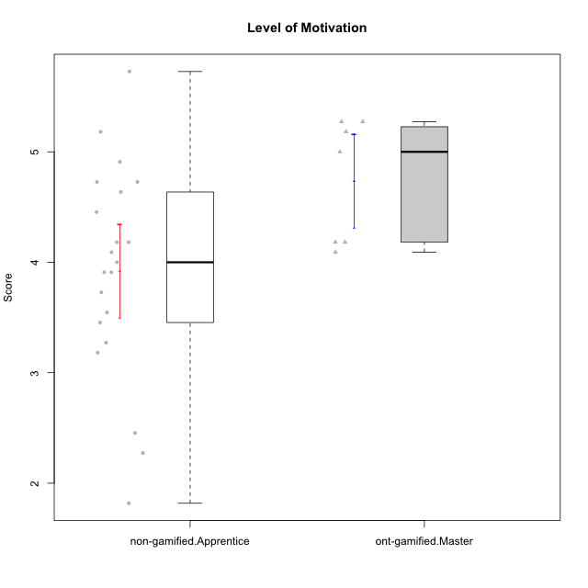

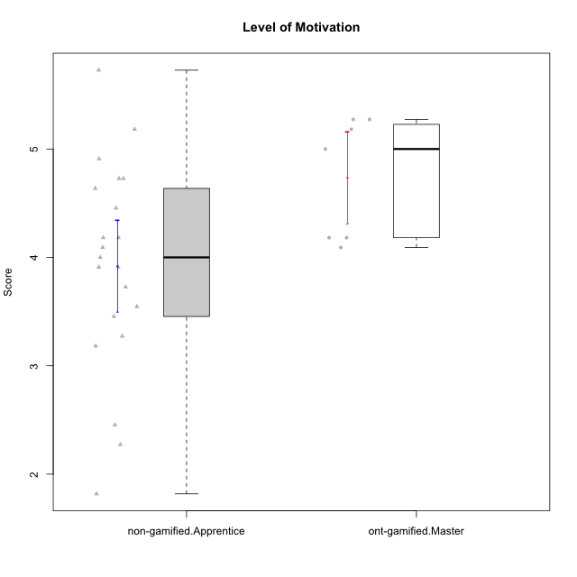

Student's t-Test data
UserID | NroUSP | Type | CLGroup | CLRole | PlayerRole | Item01A | Item04A | Item05A | Item12A | Item19A | Item20A | Item09S | Item11S | Item14S | Item24S | Item25S | Attention | Satisfaction | Level of Motivation
10169 | 10377538 | non-gamified | Grupo Team 10 | Apprentice |  | 2 | 2 | 2 | 2 | 2 | 2 | 1 | 2 | 2 | 3 | 7 | 2 | 3 | 2.4545454545
10170 | 10260351 | non-gamified | Grupo Team 6 | Apprentice |  | 4 | 5 | 4 | 5 | 5 | 3 | 4 | 5 | 4 | 6 | 6 | 4.3333333333 | 5 | 4.6363636364
10171 | 698531 | ont-gamified | Grupo Losvakai | Master | Yee Achiever | 5 | 5 | 6 | 5 | 5 | 4 | 4 | 5 | 6 | 6 | 7 | 5 | 5.6 | 5.2727272727
10172 | 10273971 | ont-gamified | Grupo Koil | Master | Yee Achiever | 6 | 6 | 6 | 4 | 5 | 5 | 4 | 5 | 4 | 5 | 5 | 5.3333333333 | 4.6 | 5
10174 | 10276852 | non-gamified | Grupo Team 1 | Apprentice |  | 4 | 4 | 4 | 3 | 1 | 3 | 2 | 4 | 2 | 4 | 4 | 3.1666666667 | 3.2 | 3.1818181818
10176 | 10276949 | non-gamified | Grupo Team 9 | Apprentice |  | 3 | 3 | 3 | 3 | 3 | 3 | 3 | 6 | 3 | 3 | 3 | 3 | 3.6 | 3.2727272727
10178 | 8656201 | non-gamified | Grupo Team 11 | Apprentice |  | 4 | 5 | 5 | 5 | 5 | 5 | 4 | 5 | 4 | 5 | 5 | 4.8333333333 | 4.6 | 4.7272727273
10181 | 10276866 | non-gamified | Grupo Team 7 | Apprentice |  | 5 | 5 | 4 | 5 | 1 | 4 | 3 | 5 | 5 | 3 | 3 | 4 | 3.8 | 3.9090909091
10183 | 10352030 | non-gamified | Grupo Belos | Apprentice | Yee Socializer | 4 | 2 | 3 | 3 | 5 | 2 | 3 | 3 | 4 | 5 | 4 | 3.1666666667 | 3.8 | 3.4545454545
10185 | 10276960 | ont-gamified | Grupo Tosskor | Master | Yee Achiever | 4 | 5 | 5 | 4 | 5 | 3 | 3 | 4 | 4 | 4 | 4 | 4.3333333333 | 3.8 | 4.0909090909
10186 | 10310551 | non-gamified | Grupo Team 5 | Apprentice |  | 1 | 4 | 6 | 3 | 1 | 4 | 4 | 3 | 5 | 7 | 7 | 3.1666666667 | 5.2 | 4.0909090909
10188 | 10276995 | ont-gamified | Grupo Paldira | Master | Yee Achiever | 4 | 5 | 4 | 5 | 3 | 4 | 4 | 4 | 4 | 5 | 4 | 4.1666666667 | 4.2 | 4.1818181818
10190 | 10276907 | non-gamified | Grupo Team 8 | Apprentice |  | 3 | 4 | 2 | 1 | 1 | 1 | 4 | 6 | 7 | 7 | 5 | 2 | 5.8 | 3.7272727273
10196 | 10310655 | non-gamified | Grupo Team 5 | Apprentice |  | 4 | 1 | 3 | 4 | 4 | 4 | 4 | 4 | 5 | 2 | 4 | 3.3333333333 | 3.8 | 3.5454545455
10200 | 9795272 | non-gamified | Grupo Team 4 | Apprentice |  | 5 | 5 | 3 | 4 | 4 | 4 | 4 | 4 | 5 | 6 | 5 | 4.1666666667 | 4.8 | 4.4545454545
10208 | 10276932 | ont-gamified | Grupo Yeka | Master | Yee Socializer | 4 | 3 | 5 | 3 | 5 | 4 | 4 | 5 | 4 | 5 | 4 | 4 | 4.4 | 4.1818181818
10215 | 9285227 | non-gamified | Grupo Team 7 | Apprentice |  | 6 | 4 | 3 | 3 | 4 | 4 | 7 | 4 | 5 | 6 | 6 | 4 | 5.6 | 4.7272727273
10216 | 10276720 | ont-gamified | Grupo Ellaru | Master | Yee Socializer | 2 | 5 | 7 | 3 | 7 | 2 | 4 | 7 | 6 | 7 | 7 | 4.3333333333 | 6.2 | 5.1818181818
10217 | 9805341 | ont-gamified | Grupo Belos | Master | Yee Socializer | 5 | 6 | 6 | 4 | 4 | 5 | 4 | 6 | 6 | 6 | 6 | 5 | 5.6 | 5.2727272727
10218 | 9842913 | non-gamified | Grupo Team 10 | Apprentice |  | 4 | 2 | 4 | 4 | 2 | 2 | 4 | 5 | 5 | 7 | 7 | 3 | 5.6 | 4.1818181818
10220 | 9760151 | non-gamified | Grupo Team 4 | Apprentice |  | 1 | 1 | 1 | 1 | 1 | 4 | 7 | 7 | 7 | 7 | 7 | 1.5 | 7 | 4
10221 | 9082496 | non-gamified | Grupo Team 3 | Apprentice |  | 4 | 2 | 3 | 3 | 4 | 4 | 4 | 6 | 3 | 4 | 6 | 3.3333333333 | 4.6 | 3.9090909091
10224 | 9368772 | non-gamified | Grupo Team 9 | Apprentice |  | 4 | 7 | 5 | 5 | 5 | 5 | 4 | 4 | 6 | 6 | 6 | 5.1666666667 | 5.2 | 5.1818181818
10227 | 9274382 | non-gamified | Grupo Team 2 | Apprentice |  | 7 | 5 | 4 | 6 | 5 | 6 | 6 | 6 | 6 | 6 | 6 | 5.5 | 6 | 5.7272727273
10232 | 10276974 | non-gamified | Grupo Team 3 | Apprentice |  | 5 | 5 | 5 | 5 | 5 | 5 | 5 | 6 | 5 | 7 | 1 | 5 | 4.8 | 4.9090909091
10234 | 10310676 | non-gamified | Grupo Team 6 | Apprentice |  | 4 | 4 | 5 | 4 | 6 | 6 | 2 | 4 | 3 | 4 | 4 | 4.8333333333 | 3.4 | 4.1818181818
10240 | 10276654 | non-gamified | Grupo Team 8 | Apprentice |  | 2 | 2 | 2 | 2 | 2 | 2 | 2 | 4 | 2 | 3 | 2 | 2 | 2.6 | 2.2727272727
10242 | 9424506 | non-gamified | Grupo Team 11 | Apprentice |  | 1 | 1 | 1 | 1 | 1 | 1 | 1 | 1 | 1 | 7 | 4 | 1 | 2.8 | 1.8181818182

Type_CLRole_4
Student's t-Test for Level of Motivation in Type:CLRole between non-gamified.Master:ont-gamified.Apprentice

Student's t-Test results
Alternative hypothesis: less
Group | N | Mean | Mean.Difference | Std.deviation | Std.error | CI.lower | CI.upper | df | t.value | p.value | g | magnitude
non-gamified.Master | 11 | 4.3223140496 | -0.099763872491 | 1.4722578581 | 0.44390244635 | 3.4345091569 | 5.2101189423 | 15.641200567 | -0.19782583738 | 0.42286471798 | -0.081664787887 | negligible
ont-gamified.Apprentice | 14 | 4.4220779221 | 0.099763872491 | 0.89542678091 | 0.23931287351 | 3.9434521751 | 4.9007036691 | 15.641200567 | -0.19782583738 | 0.42286471798 | -0.081664787887 | negligible
Alternative hypothesis: greater
Group | N | Mean | Mean.Difference | Std.deviation | Std.error | CI.lower | CI.upper | df | t.value | p.value | g | magnitude
non-gamified.Master | 11 | 4.3223140496 | -0.099763872491 | 1.4722578581 | 0.44390244635 | 3.4345091569 | 5.2101189423 | 15.641200567 | -0.19782583738 | 0.57713528202 | -0.081664787887 | negligible
ont-gamified.Apprentice | 14 | 4.4220779221 | 0.099763872491 | 0.89542678091 | 0.23931287351 | 3.9434521751 | 4.9007036691 | 15.641200567 | -0.19782583738 | 0.57713528202 | -0.081664787887 | negligible
Alternative hypothesis: two.sided
Group | N | Mean | Mean.Difference | Std.deviation | Std.error | CI.lower | CI.upper | df | t.value | p.value | g | magnitude
non-gamified.Master | 11 | 4.3223140496 | -0.099763872491 | 1.4722578581 | 0.44390244635 | 3.4345091569 | 5.2101189423 | 15.641200567 | -0.19782583738 | 0.84572943596 | -0.081664787887 | negligible
ont-gamified.Apprentice | 14 | 4.4220779221 | 0.099763872491 | 0.89542678091 | 0.23931287351 | 3.9434521751 | 4.9007036691 | 15.641200567 | -0.19782583738 | 0.84572943596 | -0.081664787887 | negligible

Box plots for Student's t-Test
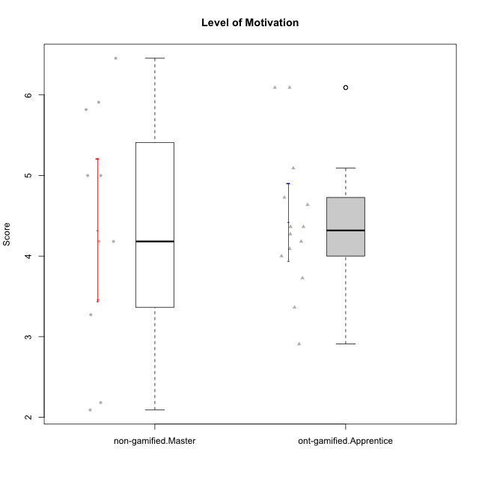

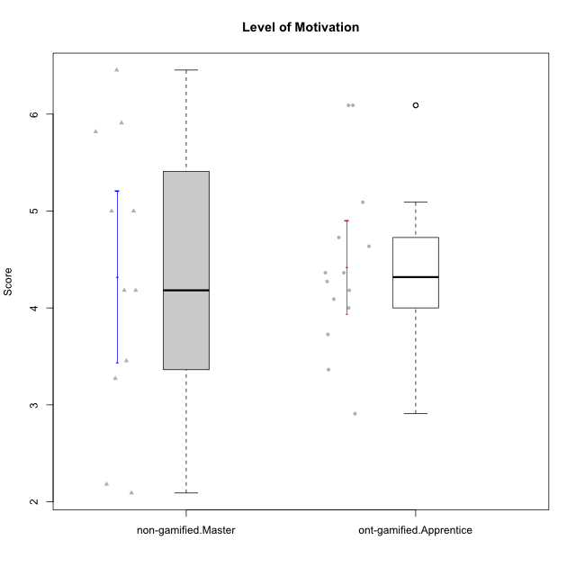

Student's t-Test data
UserID | NroUSP | Type | CLGroup | CLRole | PlayerRole | Item01A | Item04A | Item05A | Item12A | Item19A | Item20A | Item09S | Item11S | Item14S | Item24S | Item25S | Attention | Satisfaction | Level of Motivation
10175 | 10310700 | non-gamified | Grupo Team 6 | Master |  | 7 | 5 | 6 | 7 | 6 | 4 | 6 | 6 | 5 | 6 | 7 | 5.8333333333 | 6 | 5.9090909091
10179 | 10310759 | ont-gamified | Grupo Tosskor | Apprentice | Yee Achiever | 4 | 4 | 4 | 4 | 4 | 4 | 2 | 4 | 3 | 6 | 6 | 4 | 4.2 | 4.0909090909
10184 | 10276675 | non-gamified | Grupo Team 7 | Master |  | 5 | 6 | 6 | 6 | 4 | 6 | 6 | 6 | 6 | 7 | 6 | 5.5 | 6.2 | 5.8181818182
10187 | 9790781 | ont-gamified | Grupo Razorg | Apprentice | Yee Achiever | 6 | 4 | 4 | 4 | 4 | 5 | 5 | 4 | 5 | 5 | 5 | 4.5 | 4.8 | 4.6363636364
10191 | 10276981 | ont-gamified | Grupo Yeka | Apprentice | Yee Socializer | 6 | 6 | 7 | 6 | 7 | 6 | 4 | 5 | 6 | 7 | 7 | 6.3333333333 | 5.8 | 6.0909090909
10193 | 10276762 | non-gamified | Grupo Team 2 | Master |  | 3 | 3 | 6 | 4 | 4 | 3 | 3 | 1 | 4 | 4 | 3 | 3.8333333333 | 3 | 3.4545454545
10197 | 10276661 | non-gamified | Grupo Team 11 | Master |  | 7 | 5 | 4 | 4 | 2 | 4 | 4 | 3 | 3 | 4 | 6 | 4.3333333333 | 4 | 4.1818181818
10201 | 10276928 | non-gamified | Grupo Team 10 | Master |  | 4 | 4 | 5 | 5 | 5 | 5 | 3 | 6 | 6 | 6 | 6 | 4.6666666667 | 5.4 | 5
10202 | 10277036 | ont-gamified | Grupo Paldira | Apprentice | Yee Achiever | 5 | 4 | 4 | 4 | 3 | 4 | 4 | 5 | 4 | 5 | 5 | 4 | 4.6 | 4.2727272727
10204 | 10310471 | non-gamified | Grupo Team 5 | Master |  | 7 | 6 | 7 | 7 | 7 | 7 | 4 | 7 | 7 | 7 | 5 | 6.8333333333 | 6 | 6.4545454545
10206 | 10310721 | non-gamified | Grupo Team 9 | Master |  | 4 | 5 | 3 | 3 | 4 | 3 | 4 | 4 | 5 | 6 | 5 | 3.6666666667 | 4.8 | 4.1818181818
10209 | 10262669 | non-gamified | Grupo Team 1 | Master |  | 1 | 1 | 7 | 1 | 1 | 1 | 4 | 1 | 1 | 1 | 4 | 2 | 2.2 | 2.0909090909
10210 | 10277015 | ont-gamified | Grupo Losvakai | Apprentice | Yee Achiever | 4 | 4 | 6 | 4 | 2 | 3 | 2 | 4 | 6 | 3 | 3 | 3.8333333333 | 3.6 | 3.7272727273
10212 | 9065750 | ont-gamified | Grupo Ellaru | Apprentice | Yee Socializer | 2 | 4 | 2 | 3 | 4 | 3 | 3 | 5 | 2 | 4 | 5 | 3 | 3.8 | 3.3636363636
10213 | 10277040 | non-gamified | Grupo Team 8 | Master |  | 4 | 3 | 7 | 5 | 6 | 5 | 2 | 4 | 6 | 6 | 7 | 5 | 5 | 5
10214 | 10277022 | ont-gamified | Grupo Koil | Apprentice | Yee Achiever | 4 | 5 | 5 | 4 | 5 | 4 | 3 | 4 | 4 | 5 | 5 | 4.5 | 4.2 | 4.3636363636
10219 | 10276831 | ont-gamified | Grupo Razorg | Apprentice | Yee Achiever | 1 | 1 | 4 | 5 | 4 | 3 | 4 | 3 | 2 | 2 | 3 | 3 | 2.8 | 2.9090909091
10223 | 9795185 | non-gamified | Grupo Team 3 | Master |  | 1 | 1 | 2 | 2 | 3 | 3 | 2 | 4 | 2 | 2 | 2 | 2 | 2.4 | 2.1818181818
10226 | 10310342 | ont-gamified | Grupo Yeka | Apprentice | Yee Socializer | 6 | 4 | 3 | 6 | 5 | 5 | 4 | 6 | 5 | 6 | 6 | 4.8333333333 | 5.4 | 5.0909090909
10228 | 10310492 | ont-gamified | Grupo Losvakai | Apprentice | Yee Achiever | 4 | 4 | 4 | 5 | 4 | 4 | 4 | 4 | 4 | 5 | 4 | 4.1666666667 | 4.2 | 4.1818181818
10230 | 10351992 | ont-gamified | Grupo Koil | Apprentice | Yee Achiever | 6 | 7 | 7 | 5 | 7 | 6 | 5 | 5 | 5 | 7 | 7 | 6.3333333333 | 5.8 | 6.0909090909
10231 | 10276911 | non-gamified | Grupo Team 4 | Master |  | 3 | 4 | 4 | 2 | 2 | 2 | 1 | 3 | 4 | 6 | 5 | 2.8333333333 | 3.8 | 3.2727272727
10233 | 9805320 | ont-gamified | Grupo Tosskor | Apprentice | Yee Achiever | 2 | 3 | 5 | 4 | 6 | 7 | 1 | 4 | 2 | 6 | 4 | 4.5 | 3.4 | 4
10237 | 10377688 | ont-gamified | Grupo Ellaru | Apprentice | Yee Socializer | 4 | 3 | 6 | 4 | 4 | 3 | 4 | 5 | 5 | 5 | 5 | 4 | 4.8 | 4.3636363636
10238 | 10276953 | ont-gamified | Grupo Belos | Apprentice | Yee Socializer | 4 | 4 | 4 | 5 | 5 | 4 | 5 | 5 | 5 | 5 | 6 | 4.3333333333 | 5.2 | 4.7272727273

Type_CLRole_5
Student's t-Test for Level of Motivation in Type:CLRole between non-gamified.Master:ont-gamified.Master

Student's t-Test results
Alternative hypothesis: less
Group | N | Mean | Mean.Difference | Std.deviation | Std.error | CI.lower | CI.upper | df | t.value | p.value | g | magnitude
non-gamified.Master | 11 | 4.3223140496 | -0.41794569067 | 1.4722578581 | 0.44390244635 | 3.4345091569 | 5.2101189423 | 13.858606372 | -0.85014235979 | 0.20484675153 | -0.32808960119 | small
ont-gamified.Master | 7 | 4.7402597403 | 0.41794569067 | 0.55899499406 | 0.21128024834 | 4.3176992436 | 5.1628202369 | 13.858606372 | -0.85014235979 | 0.20484675153 | -0.32808960119 | small
Alternative hypothesis: greater
Group | N | Mean | Mean.Difference | Std.deviation | Std.error | CI.lower | CI.upper | df | t.value | p.value | g | magnitude
non-gamified.Master | 11 | 4.3223140496 | -0.41794569067 | 1.4722578581 | 0.44390244635 | 3.4345091569 | 5.2101189423 | 13.858606372 | -0.85014235979 | 0.79515324847 | -0.32808960119 | small
ont-gamified.Master | 7 | 4.7402597403 | 0.41794569067 | 0.55899499406 | 0.21128024834 | 4.3176992436 | 5.1628202369 | 13.858606372 | -0.85014235979 | 0.79515324847 | -0.32808960119 | small
Alternative hypothesis: two.sided
Group | N | Mean | Mean.Difference | Std.deviation | Std.error | CI.lower | CI.upper | df | t.value | p.value | g | magnitude
non-gamified.Master | 11 | 4.3223140496 | -0.41794569067 | 1.4722578581 | 0.44390244635 | 3.4345091569 | 5.2101189423 | 13.858606372 | -0.85014235979 | 0.40969350305 | -0.32808960119 | small
ont-gamified.Master | 7 | 4.7402597403 | 0.41794569067 | 0.55899499406 | 0.21128024834 | 4.3176992436 | 5.1628202369 | 13.858606372 | -0.85014235979 | 0.40969350305 | -0.32808960119 | small

Box plots for Student's t-Test
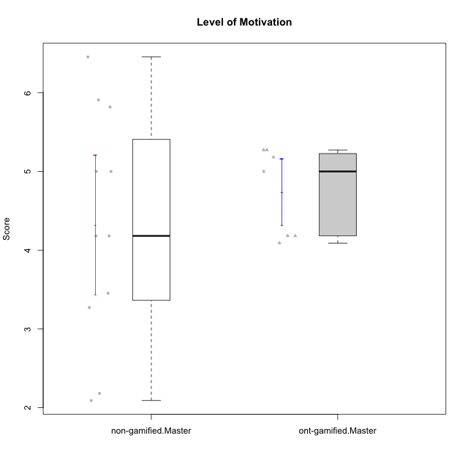

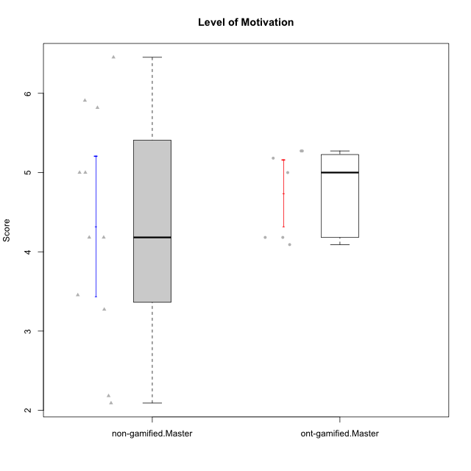

Student's t-Test data
UserID | NroUSP | Type | CLGroup | CLRole | PlayerRole | Item01A | Item04A | Item05A | Item12A | Item19A | Item20A | Item09S | Item11S | Item14S | Item24S | Item25S | Attention | Satisfaction | Level of Motivation
10171 | 698531 | ont-gamified | Grupo Losvakai | Master | Yee Achiever | 5 | 5 | 6 | 5 | 5 | 4 | 4 | 5 | 6 | 6 | 7 | 5 | 5.6 | 5.2727272727
10172 | 10273971 | ont-gamified | Grupo Koil | Master | Yee Achiever | 6 | 6 | 6 | 4 | 5 | 5 | 4 | 5 | 4 | 5 | 5 | 5.3333333333 | 4.6 | 5
10175 | 10310700 | non-gamified | Grupo Team 6 | Master |  | 7 | 5 | 6 | 7 | 6 | 4 | 6 | 6 | 5 | 6 | 7 | 5.8333333333 | 6 | 5.9090909091
10184 | 10276675 | non-gamified | Grupo Team 7 | Master |  | 5 | 6 | 6 | 6 | 4 | 6 | 6 | 6 | 6 | 7 | 6 | 5.5 | 6.2 | 5.8181818182
10185 | 10276960 | ont-gamified | Grupo Tosskor | Master | Yee Achiever | 4 | 5 | 5 | 4 | 5 | 3 | 3 | 4 | 4 | 4 | 4 | 4.3333333333 | 3.8 | 4.0909090909
10188 | 10276995 | ont-gamified | Grupo Paldira | Master | Yee Achiever | 4 | 5 | 4 | 5 | 3 | 4 | 4 | 4 | 4 | 5 | 4 | 4.1666666667 | 4.2 | 4.1818181818
10193 | 10276762 | non-gamified | Grupo Team 2 | Master |  | 3 | 3 | 6 | 4 | 4 | 3 | 3 | 1 | 4 | 4 | 3 | 3.8333333333 | 3 | 3.4545454545
10197 | 10276661 | non-gamified | Grupo Team 11 | Master |  | 7 | 5 | 4 | 4 | 2 | 4 | 4 | 3 | 3 | 4 | 6 | 4.3333333333 | 4 | 4.1818181818
10201 | 10276928 | non-gamified | Grupo Team 10 | Master |  | 4 | 4 | 5 | 5 | 5 | 5 | 3 | 6 | 6 | 6 | 6 | 4.6666666667 | 5.4 | 5
10204 | 10310471 | non-gamified | Grupo Team 5 | Master |  | 7 | 6 | 7 | 7 | 7 | 7 | 4 | 7 | 7 | 7 | 5 | 6.8333333333 | 6 | 6.4545454545
10206 | 10310721 | non-gamified | Grupo Team 9 | Master |  | 4 | 5 | 3 | 3 | 4 | 3 | 4 | 4 | 5 | 6 | 5 | 3.6666666667 | 4.8 | 4.1818181818
10208 | 10276932 | ont-gamified | Grupo Yeka | Master | Yee Socializer | 4 | 3 | 5 | 3 | 5 | 4 | 4 | 5 | 4 | 5 | 4 | 4 | 4.4 | 4.1818181818
10209 | 10262669 | non-gamified | Grupo Team 1 | Master |  | 1 | 1 | 7 | 1 | 1 | 1 | 4 | 1 | 1 | 1 | 4 | 2 | 2.2 | 2.0909090909
10213 | 10277040 | non-gamified | Grupo Team 8 | Master |  | 4 | 3 | 7 | 5 | 6 | 5 | 2 | 4 | 6 | 6 | 7 | 5 | 5 | 5
10216 | 10276720 | ont-gamified | Grupo Ellaru | Master | Yee Socializer | 2 | 5 | 7 | 3 | 7 | 2 | 4 | 7 | 6 | 7 | 7 | 4.3333333333 | 6.2 | 5.1818181818
10217 | 9805341 | ont-gamified | Grupo Belos | Master | Yee Socializer | 5 | 6 | 6 | 4 | 4 | 5 | 4 | 6 | 6 | 6 | 6 | 5 | 5.6 | 5.2727272727
10223 | 9795185 | non-gamified | Grupo Team 3 | Master |  | 1 | 1 | 2 | 2 | 3 | 3 | 2 | 4 | 2 | 2 | 2 | 2 | 2.4 | 2.1818181818
10231 | 10276911 | non-gamified | Grupo Team 4 | Master |  | 3 | 4 | 4 | 2 | 2 | 2 | 1 | 3 | 4 | 6 | 5 | 2.8333333333 | 3.8 | 3.2727272727

Type_CLRole_6
Student's t-Test for Level of Motivation in Type:CLRole between ont-gamified.Apprentice:ont-gamified.Master

Student's t-Test results
Alternative hypothesis: less
Group | N | Mean | Mean.Difference | Std.deviation | Std.error | CI.lower | CI.upper | df | t.value | p.value | g | magnitude
ont-gamified.Apprentice | 14 | 4.4220779221 | -0.31818181818 | 0.89542678091 | 0.23931287351 | 3.9434521751 | 4.9007036691 | 17.771045871 | -0.99670576339 | 0.16614308353 | -0.37966816981 | small
ont-gamified.Master | 7 | 4.7402597403 | 0.31818181818 | 0.55899499406 | 0.21128024834 | 4.3176992436 | 5.1628202369 | 17.771045871 | -0.99670576339 | 0.16614308353 | -0.37966816981 | small
Alternative hypothesis: greater
Group | N | Mean | Mean.Difference | Std.deviation | Std.error | CI.lower | CI.upper | df | t.value | p.value | g | magnitude
ont-gamified.Apprentice | 14 | 4.4220779221 | -0.31818181818 | 0.89542678091 | 0.23931287351 | 3.9434521751 | 4.9007036691 | 17.771045871 | -0.99670576339 | 0.83385691647 | -0.37966816981 | small
ont-gamified.Master | 7 | 4.7402597403 | 0.31818181818 | 0.55899499406 | 0.21128024834 | 4.3176992436 | 5.1628202369 | 17.771045871 | -0.99670576339 | 0.83385691647 | -0.37966816981 | small
Alternative hypothesis: two.sided
Group | N | Mean | Mean.Difference | Std.deviation | Std.error | CI.lower | CI.upper | df | t.value | p.value | g | magnitude
ont-gamified.Apprentice | 14 | 4.4220779221 | -0.31818181818 | 0.89542678091 | 0.23931287351 | 3.9434521751 | 4.9007036691 | 17.771045871 | -0.99670576339 | 0.33228616705 | -0.37966816981 | small
ont-gamified.Master | 7 | 4.7402597403 | 0.31818181818 | 0.55899499406 | 0.21128024834 | 4.3176992436 | 5.1628202369 | 17.771045871 | -0.99670576339 | 0.33228616705 | -0.37966816981 | small

Box plots for Student's t-Test
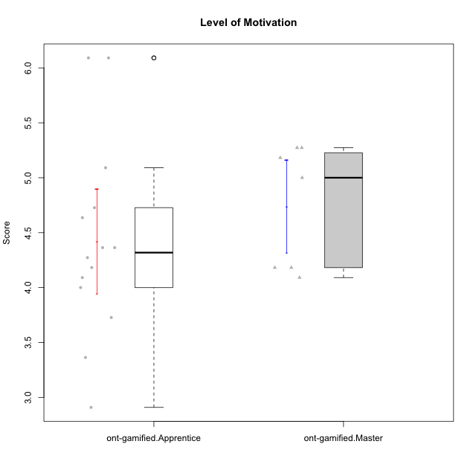

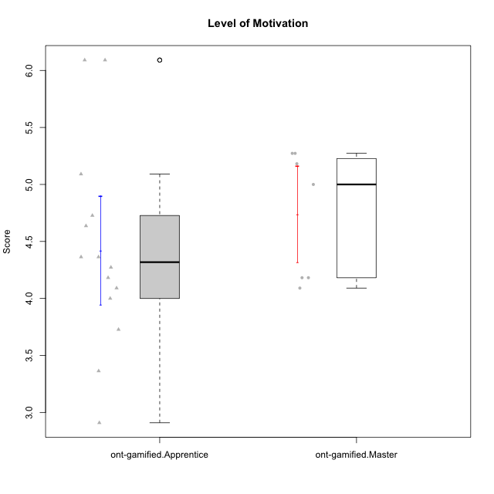

Student's t-Test data
UserID | NroUSP | Type | CLGroup | CLRole | PlayerRole | Item01A | Item04A | Item05A | Item12A | Item19A | Item20A | Item09S | Item11S | Item14S | Item24S | Item25S | Attention | Satisfaction | Level of Motivation
10171 | 698531 | ont-gamified | Grupo Losvakai | Master | Yee Achiever | 5 | 5 | 6 | 5 | 5 | 4 | 4 | 5 | 6 | 6 | 7 | 5 | 5.6 | 5.2727272727
10172 | 10273971 | ont-gamified | Grupo Koil | Master | Yee Achiever | 6 | 6 | 6 | 4 | 5 | 5 | 4 | 5 | 4 | 5 | 5 | 5.3333333333 | 4.6 | 5
10179 | 10310759 | ont-gamified | Grupo Tosskor | Apprentice | Yee Achiever | 4 | 4 | 4 | 4 | 4 | 4 | 2 | 4 | 3 | 6 | 6 | 4 | 4.2 | 4.0909090909
10185 | 10276960 | ont-gamified | Grupo Tosskor | Master | Yee Achiever | 4 | 5 | 5 | 4 | 5 | 3 | 3 | 4 | 4 | 4 | 4 | 4.3333333333 | 3.8 | 4.0909090909
10187 | 9790781 | ont-gamified | Grupo Razorg | Apprentice | Yee Achiever | 6 | 4 | 4 | 4 | 4 | 5 | 5 | 4 | 5 | 5 | 5 | 4.5 | 4.8 | 4.6363636364
10188 | 10276995 | ont-gamified | Grupo Paldira | Master | Yee Achiever | 4 | 5 | 4 | 5 | 3 | 4 | 4 | 4 | 4 | 5 | 4 | 4.1666666667 | 4.2 | 4.1818181818
10191 | 10276981 | ont-gamified | Grupo Yeka | Apprentice | Yee Socializer | 6 | 6 | 7 | 6 | 7 | 6 | 4 | 5 | 6 | 7 | 7 | 6.3333333333 | 5.8 | 6.0909090909
10202 | 10277036 | ont-gamified | Grupo Paldira | Apprentice | Yee Achiever | 5 | 4 | 4 | 4 | 3 | 4 | 4 | 5 | 4 | 5 | 5 | 4 | 4.6 | 4.2727272727
10208 | 10276932 | ont-gamified | Grupo Yeka | Master | Yee Socializer | 4 | 3 | 5 | 3 | 5 | 4 | 4 | 5 | 4 | 5 | 4 | 4 | 4.4 | 4.1818181818
10210 | 10277015 | ont-gamified | Grupo Losvakai | Apprentice | Yee Achiever | 4 | 4 | 6 | 4 | 2 | 3 | 2 | 4 | 6 | 3 | 3 | 3.8333333333 | 3.6 | 3.7272727273
10212 | 9065750 | ont-gamified | Grupo Ellaru | Apprentice | Yee Socializer | 2 | 4 | 2 | 3 | 4 | 3 | 3 | 5 | 2 | 4 | 5 | 3 | 3.8 | 3.3636363636
10214 | 10277022 | ont-gamified | Grupo Koil | Apprentice | Yee Achiever | 4 | 5 | 5 | 4 | 5 | 4 | 3 | 4 | 4 | 5 | 5 | 4.5 | 4.2 | 4.3636363636
10216 | 10276720 | ont-gamified | Grupo Ellaru | Master | Yee Socializer | 2 | 5 | 7 | 3 | 7 | 2 | 4 | 7 | 6 | 7 | 7 | 4.3333333333 | 6.2 | 5.1818181818
10217 | 9805341 | ont-gamified | Grupo Belos | Master | Yee Socializer | 5 | 6 | 6 | 4 | 4 | 5 | 4 | 6 | 6 | 6 | 6 | 5 | 5.6 | 5.2727272727
10219 | 10276831 | ont-gamified | Grupo Razorg | Apprentice | Yee Achiever | 1 | 1 | 4 | 5 | 4 | 3 | 4 | 3 | 2 | 2 | 3 | 3 | 2.8 | 2.9090909091
10226 | 10310342 | ont-gamified | Grupo Yeka | Apprentice | Yee Socializer | 6 | 4 | 3 | 6 | 5 | 5 | 4 | 6 | 5 | 6 | 6 | 4.8333333333 | 5.4 | 5.0909090909
10228 | 10310492 | ont-gamified | Grupo Losvakai | Apprentice | Yee Achiever | 4 | 4 | 4 | 5 | 4 | 4 | 4 | 4 | 4 | 5 | 4 | 4.1666666667 | 4.2 | 4.1818181818
10230 | 10351992 | ont-gamified | Grupo Koil | Apprentice | Yee Achiever | 6 | 7 | 7 | 5 | 7 | 6 | 5 | 5 | 5 | 7 | 7 | 6.3333333333 | 5.8 | 6.0909090909
10233 | 9805320 | ont-gamified | Grupo Tosskor | Apprentice | Yee Achiever | 2 | 3 | 5 | 4 | 6 | 7 | 1 | 4 | 2 | 6 | 4 | 4.5 | 3.4 | 4
10237 | 10377688 | ont-gamified | Grupo Ellaru | Apprentice | Yee Socializer | 4 | 3 | 6 | 4 | 4 | 3 | 4 | 5 | 5 | 5 | 5 | 4 | 4.8 | 4.3636363636
10238 | 10276953 | ont-gamified | Grupo Belos | Apprentice | Yee Socializer | 4 | 4 | 4 | 5 | 5 | 4 | 5 | 5 | 5 | 5 | 6 | 4.3333333333 | 5.2 | 4.7272727273

