Assumptions
ANOVA assumptions for Interest/Enjoyment

Shapiro-Wilk normality test for Interest/Enjoyment
W | p.value
0.96406630134 | 0.1558473113

Plots for normality test
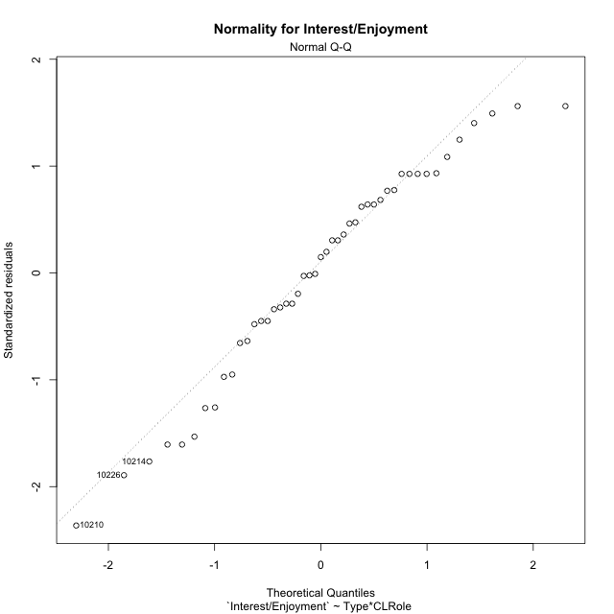

Levene's Test for Homogeneity of Variance in Interest/Enjoyment
Df | F value | Pr(>F)
3 | 1.1879191083 | 0.32560212087
43

Plots for homogeneity of variance
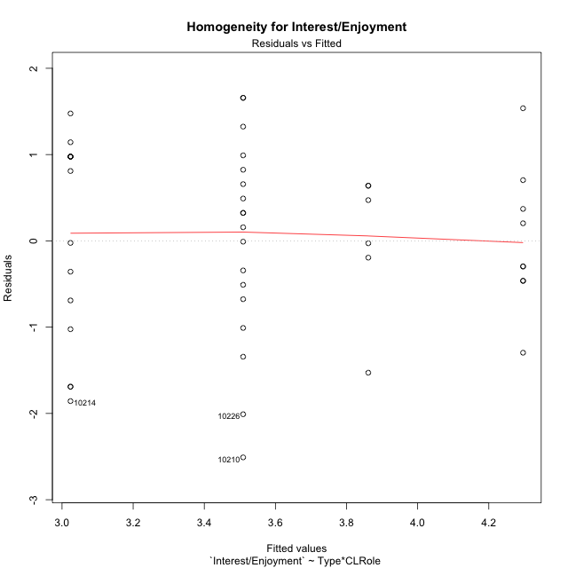

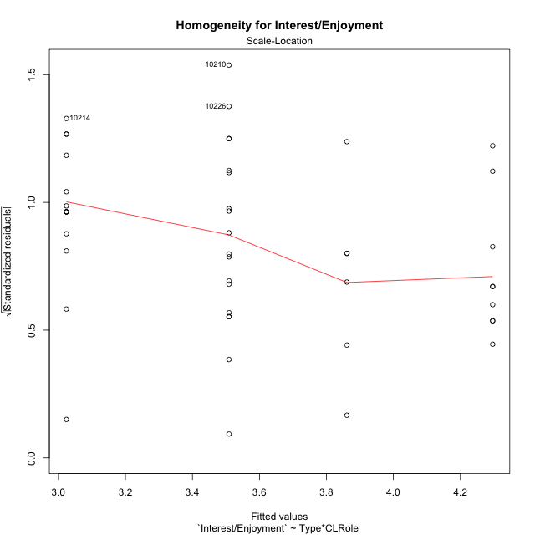

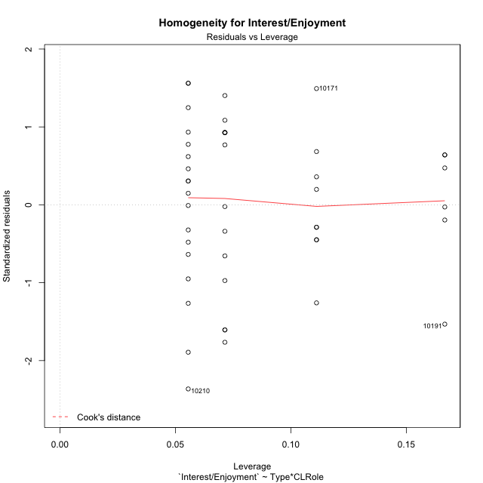

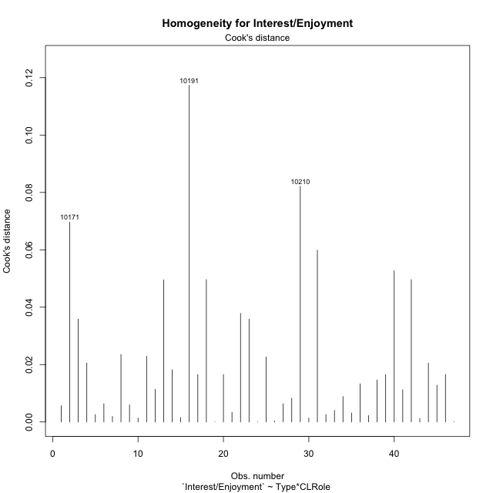

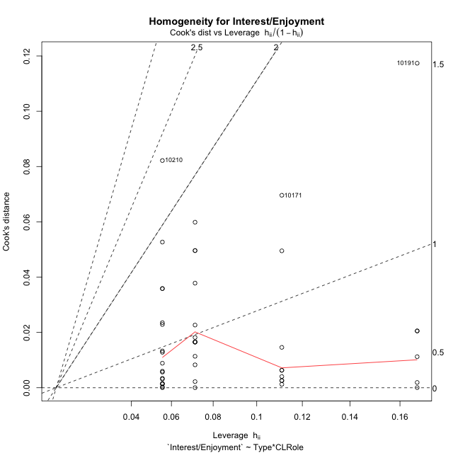

Minimum Sample Size Test for Interest/Enjoyment
Type | CLRole | Freq
ont-gamified | Apprentice | 14
w/o-gamified | Apprentice | 18
ont-gamified | Master | 9
w/o-gamified | Master | 6

Errors and Warnings in Sample Size Test for ANOVA in Interest/Enjoyment
code | description
WARN: sample.size | current.size is = 14 and recommended.size must be = 15 for the group: 'ont-gamified:Apprentice'. Size sample for parametric test isn't recomended
WARN: sample.size | current.size is = 9 and recommended.size must be = 15 for the group: 'ont-gamified:Master'. Size sample for parametric test isn't recomended
WARN: sample.size | current.size is = 6 and recommended.size must be = 15 for the group: 'w/o-gamified:Master'. Size sample for parametric test isn't recomended

For the group: 'ont-gamified:Apprentice', we recommend the use of non parametric test. For the group: 'w/o-gamified:Apprentice', you can perform a parametric test with a non-normal distribution For the group: 'ont-gamified:Master', we recommend the use of non parametric test. For the group: 'w/o-gamified:Master', we recommend the use of non parametric test.

If you don't want to remove non-normal data, you must cite the following references: ... (1) Lix, L.M., J.C. Keselman, and H.J. Keselman. 1996. Consequences of assumption violations revisited: A quantitative review of alternatives to the one-way analysis of variance F test. Rev. Educ. Res. 66: 579-619. ... (2) Harwell, M.R., E.N. Rubinstein, W.S. Hayes, and C.C. Olds. 1992. Summarizing Monte Carlo results in methodological research: the one- and two-factor fixed effects ANOVA cases. J. Educ. Stat. 17: 315-339.

Post-hoc
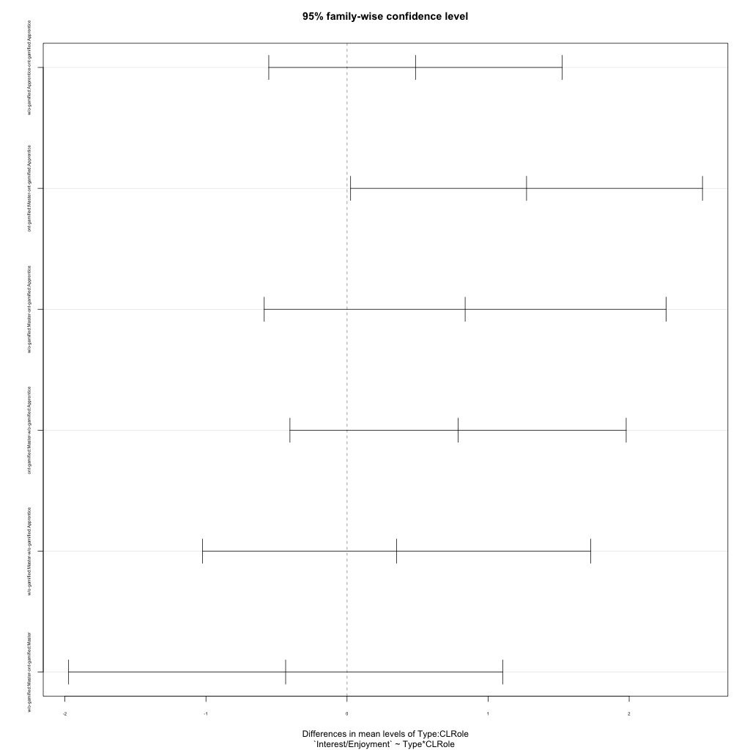
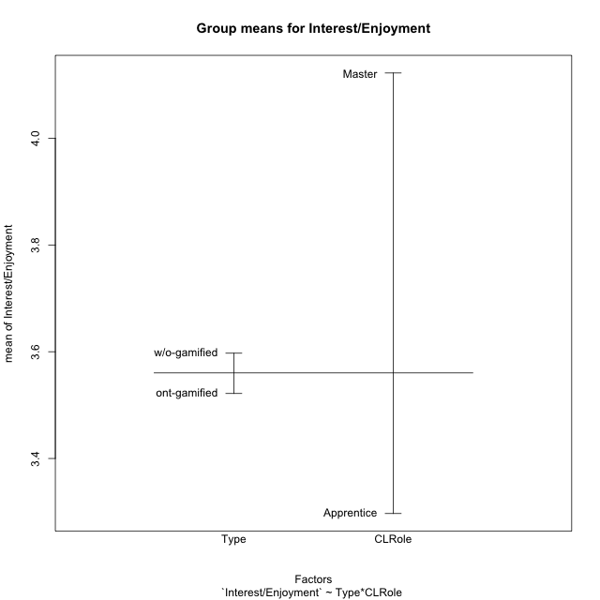
Post-hoc Tukey Honestly Significant Difference (HSD) Test for Interest/Enjoyment

Comparisons of means for Type
 | diff | lwr | upr | p adj
w/o-gamified-ont-gamified | 0.075483091787 | -0.56731203626 | 0.71827821984 | 0.81392172821

Comparisons of means for CLRole
 | diff | lwr | upr | p adj
Master-Apprentice | 0.83761322464 | 0.14829224488 | 1.5269342044 | 0.018407839532

Comparisons of means for Type:CLRole
 | diff | lwr | upr | p adj
w/o-gamified:Apprentice-ont-gamified:Apprentice | 0.48544973545 | -0.55478980763 | 1.5256892785 | 0.60087235178
ont-gamified:Master-ont-gamified:Apprentice | 1.2724867725 | 0.025283374361 | 2.5196901706 | 0.043985637301
w/o-gamified:Master-ont-gamified:Apprentice | 0.8373015873 | -0.58710507008 | 2.2617082447 | 0.40560882679
ont-gamified:Master-w/o-gamified:Apprentice | 0.78703703704 | -0.40470707473 | 1.9787811488 | 0.3039736096
w/o-gamified:Master-w/o-gamified:Apprentice | 0.35185185185 | -1.0242557156 | 1.7279594193 | 0.9028891447
w/o-gamified:Master-ont-gamified:Master | -0.43518518519 | -1.9737202178 | 1.1033498474 | 0.87363411245

Contrast Matrices for Interest/Enjoyment
contrast | CLRole | estimate | SE | df | t.ratio | p.value
ont-gamified - w/o-gamified | Apprentice | -0.48544973545 | 0.38924970016 | 43 | -1.2471422207 | 0.21909555959
ont-gamified - w/o-gamified | Master | 0.43518518519 | 0.57570807042 | 43 | 0.75591294885 | 0.45382271088

Least Squares Means and Confidence Intervals
Type | CLRole | lsmean | SE | df | lower.CL | upper.CL
ont-gamified | Apprentice | 3.0238095238 | 0.29193727512 | 43 | 2.4350618984 | 3.6125571492
w/o-gamified | Apprentice | 3.5092592593 | 0.25746447613 | 43 | 2.9900326587 | 4.0284858598
ont-gamified | Master | 4.2962962963 | 0.36410975397 | 43 | 3.5619989958 | 5.0305935968
w/o-gamified | Master | 3.8611111111 | 0.4459415538 | 43 | 2.9617842582 | 4.760437964

Plots

Type_1
Student's t-Test for Interest/Enjoyment in Type between ont-gamified:w/o-gamified

Student's t-Test results
Alternative hypothesis: less
Group | N | Mean | Mean.Difference | Std.deviation | Std.error | CI.lower | CI.upper | df | t.value | p.value | g | magnitude
ont-gamified | 23 | 3.5217391304 | -0.075483091787 | 1.2240274926 | 0.25522737541 | 3.0112843796 | 4.0321938812 | 44.000915949 | -0.22214876122 | 0.41261299135 | -0.063884844372 | negligible
w/o-gamified | 24 | 3.5972222222 | 0.075483091787 | 1.0988758712 | 0.22430709793 | 3.1486080264 | 4.0458364181 | 44.000915949 | -0.22214876122 | 0.41261299135 | -0.063884844372 | negligible
Alternative hypothesis: greater
Group | N | Mean | Mean.Difference | Std.deviation | Std.error | CI.lower | CI.upper | df | t.value | p.value | g | magnitude
ont-gamified | 23 | 3.5217391304 | -0.075483091787 | 1.2240274926 | 0.25522737541 | 3.0112843796 | 4.0321938812 | 44.000915949 | -0.22214876122 | 0.58738700865 | -0.063884844372 | negligible
w/o-gamified | 24 | 3.5972222222 | 0.075483091787 | 1.0988758712 | 0.22430709793 | 3.1486080264 | 4.0458364181 | 44.000915949 | -0.22214876122 | 0.58738700865 | -0.063884844372 | negligible
Alternative hypothesis: two.sided
Group | N | Mean | Mean.Difference | Std.deviation | Std.error | CI.lower | CI.upper | df | t.value | p.value | g | magnitude
ont-gamified | 23 | 3.5217391304 | -0.075483091787 | 1.2240274926 | 0.25522737541 | 3.0112843796 | 4.0321938812 | 44.000915949 | -0.22214876122 | 0.82522598271 | -0.063884844372 | negligible
w/o-gamified | 24 | 3.5972222222 | 0.075483091787 | 1.0988758712 | 0.22430709793 | 3.1486080264 | 4.0458364181 | 44.000915949 | -0.22214876122 | 0.82522598271 | -0.063884844372 | negligible

Box plots for Student's t-Test
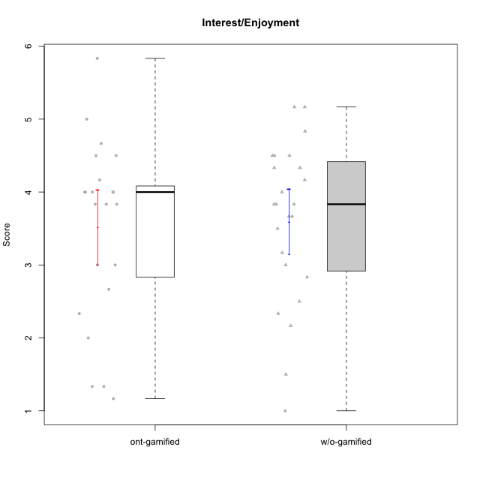

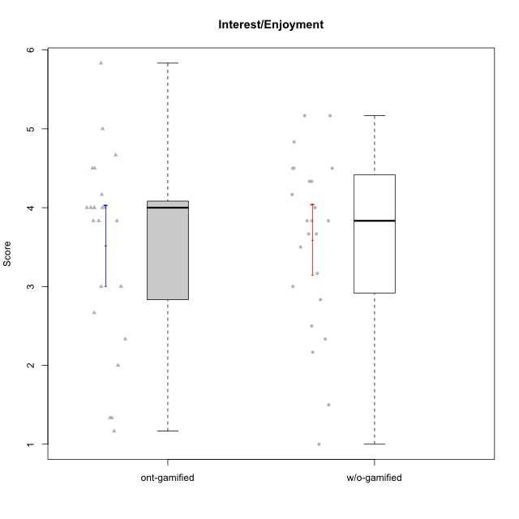

Student's t-Test data
UserID | NroUSP | Type | CLGroup | CLRole | PlayerRole | Item08IE | Item09IE | Item11IE | Item12IE | Item21IE | Item24IE | Item03PC | Item05PC | Item13PC | Item18PC | Item20PC | Item02PT | Item04PT | Item06PT | Item23PT | Item01EI | Item14EI | Item19EI | Item22EI | Item18A | Item25A | Item20A | Item07A | Item13A | Item01S | Item02S | Item05S | Item21S | Interest/Enjoyment | Perceived Choice | Pressure/Tension | Effort/Importance | Attention | Satisfaction | Intrinsic Motivation | Level of Motivation
10170 | 10260351 | w/o-gamified | Grupo11 | Apprentice |  | 6 | 4 | 4 | 3 | 4 | 4 | 3 | 2 | 2 | 1 | 3 | 1 | 1 | 1 | 1 | 3 | 4 | 3 | 5 | 6 | 5 | 6 | 5 | 6 | 4 | 4 | 5 | 5 | 4.1666666667 | 5.8 | 2.5 | 4.75 | 5.6 | 4 | 5 | 4.8888888889
10171 | 698531 | ont-gamified | Mafia | Master | Social Achiever | 6 | 6 | 6 | 5 | 7 | 5 | 2 | 2 | 2 | 2 | 1 | 2 | 2 | 1 | 6 | 1 | 7 | 1 | 6 | 6 | 5 | 6 | 5 | 6 | 6 | 6 | 4 | 1 | 5.8333333333 | 6.2 | 1.75 | 6.75 | 5.6 | 5.75 | 6.2105263158 | 5.6666666667
10172 | 10273971 | w/o-gamified | Grupo5 | Apprentice |  | 7 | 5 | 5 | 4 | 5 | 5 | 5 | 6 | 5 | 5 | 5 | 4 | 6 | 5 | 5 | 5 | 4 | 5 | 5 | 5 | 5 | 5 | 6 | 6 | 6 | 4 | 5 | 5 | 5.1666666667 | 2.8 | 4.5 | 3.75 | 5.4 | 4.5 | 3.8947368421 | 5
10174 | 10276852 | w/o-gamified | Grupo7 | Master |  | 6 | 4 | 4 | 3 | 4 | 6 | 4 | 4 | 4 | 3 | 4 | 4 | 5 | 6 | 5 | 5 | 4 | 2 | 4 | 5 | 4 | 4 | 6 | 4 | 6 | 5 | 4 | 4 | 4.5 | 4.2 | 4.5 | 4.25 | 4.6 | 4.75 | 4.1578947368 | 4.6666666667
10175 | 10310700 | ont-gamified | Warriors | Master | Social Achiever | 4 | 4 | 4 | 4 | 4 | 4 | 3 | 1 | 1 | 1 | 1 | 1 | 1 | 1 | 7 | 1 | 4 | 1 | 4 | 5 | 5 | 5 | 6 | 6 | 6 | 6 | 5 | 1 | 4 | 6.6 | 1 | 5.5 | 5.4 | 6 | 5.6315789474 | 5.6666666667
10176 | 10276949 | ont-gamified | Outlaws | Master | Social Achiever | 4 | 4 | 4 | 3 | 4 | 4 | 4 | 4 | 6 | 5 | 4 | 4 | 6 | 6 | 4 | 4 | 4 | 5 | 4 | 5 | 5 | 5 | 4 | 4 | 4 | 4 | 4 | 4 | 3.8333333333 | 3.4 | 5 | 3.75 | 4.6 | 4 | 3.5263157895 | 4.3333333333
10179 | 10310759 | w/o-gamified | Grupo10 | Master |  | 3 | 3 | 2 | 6 | 4 | 4 | 7 | 6 | 5 | 5 | 4 | 1 | 1 | 2 | 7 | 2 | 6 | 1 | 5 | 4 | 4 | 4 | 2 | 4 | 3 | 4 | 5 | 2 | 3.6666666667 | 2.6 | 1.25 | 6 | 3.6 | 4.5 | 4.5263157895 | 4
10181 | 10276866 | w/o-gamified | Grupo2 | Apprentice |  | 2 | 3 | 1 | 2 | 3 | 2 | 5 | 1 | 5 | 5 | 3 | 4 | 1 | 5 | 4 | 7 | 1 | 4 | 5 | 4 | 4 | 4 | 5 | 4 | 1 | 1 | 3 | 4 | 2.1666666667 | 4.2 | 3.5 | 2.75 | 4.2 | 2.25 | 3.3157894737 | 3.3333333333
10183 | 10352030 | w/o-gamified | Grupo3 | Apprentice |  | 3 | 3 | 3 | 3 | 3 | 2 | 4 | 4 | 2 | 3 | 5 | 4 | 4 | 5 | 2 | 4 | 2 | 3 | 4 | 2 | 2 | 2 | 2 | 3 | 2 | 2 | 4 | 4 | 2.8333333333 | 4.4 | 4.75 | 3.75 | 2.2 | 3 | 3.5263157895 | 2.5555555556
10184 | 10276675 | w/o-gamified | Grupo10 | Apprentice |  | 4 | 4 | 4 | 4 | 3 | 4 | 4 | 5 | 3 | 4 | 4 | 4 | 3 | 4 | 4 | 4 | 3 | 4 | 4 | 4 | 4 | 4 | 2 | 4 | 6 | 4 | 4 | 4 | 3.8333333333 | 4 | 3.75 | 3.75 | 3.6 | 4.5 | 3.9473684211 | 4
10185 | 10276960 | w/o-gamified | Grupo9 | Apprentice |  | 6 | 4 | 5 | 5 | 3 | 6 | 3 | 6 | 5 | 6 | 3 | 4 | 4 | 5 | 4 | 4 | 4 | 3 | 5 | 3 | 5 | 3 | 4 | 3 | 4 | 5 | 5 | 6 | 4.8333333333 | 3.4 | 4.25 | 4.5 | 3.6 | 4 | 4.1578947368 | 3.7777777778
10186 | 10310551 | ont-gamified | Slayers | Apprentice | Social Achiever | 6 | 4 | 6 | 1 | 3 | 3 | 4 | 4 | 4 | 4 | 1 | 5 | 4 | 4 | 1 | 1 | 7 | 1 | 7 | 4 | 1 | 4 | 1 | 4 | 7 | 7 | 5 | 1 | 3.8333333333 | 4.6 | 5 | 7 | 2.8 | 6.5 | 4.5263157895 | 4.4444444444
10188 | 10276995 | ont-gamified | Vandals | Master | Yee Achiever | 4 | 3 | 1 | 4 | 3 | 3 | 3 | 1 | 3 | 1 | 1 | 1 | 1 | 1 | 7 | 2 | 4 | 3 | 1 | 4 | 4 | 3 | 2 | 4 | 3 | 3 | 3 | 2 | 3 | 6.2 | 1 | 4 | 3.4 | 3.75 | 4.8947368421 | 3.5555555556
10189 | 9363926 | ont-gamified | Vikings | Apprentice | Social Achiever | 4 | 2 | 1 | 1 | 2 | 2 | 5 | 5 | 5 | 4 | 4 | 1 | 1 | 2 | 4 | 1 | 5 | 3 | 6 | 2 | 1 | 1 | 1 | 3 | 3 | 2 | 3 | 1 | 2 | 3.4 | 2 | 5.75 | 1.6 | 3.75 | 4 | 2.5555555556
10190 | 10276907 | w/o-gamified | Grupo4 | Apprentice |  | 3 | 3 | 3 | 2 | 4 | 4 | 7 | 7 | 3 | 5 | 4 | 5 | 7 | 6 | 5 | 3 | 4 | 5 | 4 | 6 | 5 | 5 | 5 | 3 | 3 | 4 | 4 | 4 | 3.1666666667 | 2.8 | 5.25 | 4 | 4.8 | 3.75 | 3.1578947368 | 4.3333333333
10191 | 10276981 | w/o-gamified | Grupo1 | Master |  | 3 | 3 | 3 | 1 | 2 | 2 | 5 | 5 | 5 | 4 | 5 | 1 | 1 | 1 | 7 | 2 | 4 | 4 | 4 | 2 | 4 | 2 | 4 | 5 | 4 | 4 | 5 | 6 | 2.3333333333 | 3.2 | 1 | 4.5 | 3.4 | 3.75 | 4 | 3.5555555556
10192 | 10276682 | ont-gamified | Attractive Devils | Apprentice | Social Achiever | 4 | 4 | 6 | 4 | 5 | 1 | 3 | 2 | 3 | 4 | 4 | 4 | 4 | 4 | 3 | 1 | 7 | 5 | 5 | 4 | 4 | 4 | 7 | 6 | 7 | 6 | 7 | 4 | 4 | 4.8 | 4.25 | 5.5 | 5 | 6 | 4.4736842105 | 5.4444444444
10193 | 10276762 | ont-gamified | Vandals | Apprentice | Yee Achiever | 1 | 2 | 1 | 1 | 1 | 2 | 1 | 1 | 1 | 1 | 1 | 1 | 1 | 2 | 1 | 1 | 1 | 2 | 2 | 2 | 1 | 2 | 1 | 1 | 1 | 2 | 1 | 1 | 1.3333333333 | 7 | 2.75 | 4 | 1.4 | 2.75 | 4.2105263158 | 2
10197 | 10276661 | w/o-gamified | Grupo8 | Apprentice |  | 5 | 3 | 5 | 4 | 2 | 2 | 2 | 3 | 4 | 2 | 4 | 3 | 3 | 5 | 5 | 3 | 4 | 3 | 4 | 7 | 4 | 4 | 5 | 3 | 4 | 4 | 2 | 4 | 3.5 | 5 | 3.5 | 4.5 | 4.6 | 3.5 | 4.3157894737 | 4.1111111111
10198 | 10310888 | ont-gamified | Attractive Devils | Apprentice | Social Achiever | 4 | 6 | 4 | 5 | 3 | 2 | 1 | 4 | 5 | 6 | 6 | 4 | 4 | 4 | 3 | 2 | 6 | 3 | 6 | 5 | 5 | 6 | 7 | 5 | 7 | 7 | 6 | 2 | 4 | 3.6 | 4.25 | 5.75 | 5.6 | 6.5 | 4.2105263158 | 6
10199 | 10276737 | w/o-gamified | Grupo1 | Apprentice |  | 4 | 3 | 4 | 1 | 3 | 3 | 3 | 5 | 3 | 5 | 5 | 4 | 2 | 3 | 4 | 4 | 4 | 4 | 5 | 5 | 4 | 3 | 3 | 4 | 6 | 4 | 4 | 2 | 3 | 3.8 | 3.25 | 4.25 | 3.8 | 5 | 3.8421052632 | 4.3333333333
10200 | 9795272 | ont-gamified | Warriors | Apprentice | Social Achiever | 5 | 4 | 5 | 3 | 5 | 5 | 3 | 4 | 5 | 2 | 2 | 5 | 5 | 4 | 3 | 1 | 6 | 1 | 6 | 4 | 5 | 4 | 6 | 5 | 5 | 6 | 7 | 2 | 4.5 | 4.8 | 4.75 | 6.5 | 4.8 | 6 | 4.7368421053 | 5.3333333333
10201 | 10276928 | w/o-gamified | Grupo11 | Apprentice |  | 6 | 5 | 5 | 6 | 6 | 3 | 5 | 3 | 3 | 4 | 4 | 3 | 2 | 4 | 5 | 3 | 5 | 3 | 5 | 6 | 5 | 6 | 6 | 6 | 6 | 5 | 6 | 5 | 5.1666666667 | 4.2 | 3 | 5 | 5.8 | 5 | 4.8421052632 | 5.4444444444
10202 | 10277036 | ont-gamified | Silly Knights | Apprentice | Social Achiever | 3 | 3 | 3 | 3 | 3 | 3 | 3 | 2 | 2 | 5 | 2 | 3 | 3 | 3 | 3 | 2 | 5 | 2 | 5 | 2 | 3 | 2 | 2 | 3 | 5 | 5 | 5 | 3 | 3 | 5.2 | 3.5 | 5.5 | 2.4 | 5 | 4.4210526316 | 3.5555555556
10203 | 9921470 | ont-gamified | Mercenaries | Apprentice | Social Achiever | 3 | 5 | 4 | 5 | 4 | 4 | 4 | 1 | 1 | 1 | 1 | 2 | 5 | 1 | 3 | 1 | 7 | 1 | 6 | 4 | 5 | 7 | 6 | 5 | 5 | 7 | 7 | 3 | 4.1666666667 | 6.4 | 3.25 | 6.75 | 5.4 | 6 | 5.4210526316 | 5.6666666667
10206 | 10310721 | w/o-gamified | Grupo8 | Apprentice |  | 4 | 4 | 2 | 3 | 5 | 4 | 3 | 2 | 3 | 2 | 2 | 3 | 2 | 3 | 4 | 2 | 5 | 2 | 5 | 4 | 6 | 4 | 4 | 5 | 5 | 5 | 6 | 3 | 3.6666666667 | 5.6 | 3 | 5.5 | 4.6 | 5.25 | 4.8421052632 | 4.8888888889
10208 | 10276932 | ont-gamified | Mercenaries | Master | Social Achiever | 4 | 4 | 4 | 3 | 4 | 4 | 4 | 2 | 4 | 4 | 2 | 2 | 2 | 2 | 5 | 2 | 5 | 2 | 4 | 2 | 2 | 2 | 3 | 4 | 5 | 5 | 3 | 3 | 3.8333333333 | 4.8 | 2.25 | 5.25 | 2.6 | 4.5 | 4.7894736842 | 3.4444444444
10209 | 10262669 | ont-gamified | Mafia | Apprentice | Social Achiever | 2 | 2 | 4 | 2 | 2 | 2 | 7 | 7 | 7 | 7 | 7 | 2 | 1 | 1 | 7 | 2 | 3 | 3 | 2 | 2 | 2 | 1 | 2 | 4 | 2 | 2 | 3 | 1 | 2.3333333333 | 1 | 1.25 | 4 | 2.2 | 3.5 | 3.2631578947 | 2.7777777778
10210 | 10277015 | w/o-gamified | Grupo6 | Apprentice |  | 1 | 1 | 1 | 1 | 1 | 1 | 7 | 7 | 7 | 7 | 7 | 7 | 7 | 7 | 1 | 1 | 7 | 1 | 7 | 1 | 1 | 1 | 1 | 1 | 1 | 1 | 1 | 7 | 1 | 1 | 7 | 7 | 1 | 1 | 2.2631578947 | 1
10213 | 10277040 | w/o-gamified | Grupo7 | Apprentice |  | 4 | 3 | 7 | 1 | 4 | 4 | 7 | 7 | 7 | 7 | 7 | 1 | 7 | 7 | 4 | 1 | 7 | 1 | 7 | 5 | 7 | 7 | 7 | 4 | 7 | 4 | 7 | 1 | 3.8333333333 | 1 | 4.75 | 7 | 6 | 6.25 | 3.6315789474 | 6.1111111111
10214 | 10277022 | ont-gamified | Vikings | Apprentice | Social Achiever | 2 | 1 | 1 | 1 | 1 | 1 | 6 | 2 | 6 | 7 | 6 | 5 | 1 | 4 | 2 | 1 | 7 | 1 | 7 | 1 | 2 | 1 | 1 | 2 | 3 | 4 | 4 | 3 | 1.1666666667 | 2.6 | 4 | 7 | 1.4 | 4 | 3.3684210526 | 2.5555555556
10215 | 9285227 | ont-gamified | Vikings | Master | Social Achiever | 5 | 5 | 2 | 3 | 4 | 5 | 5 | 1 | 2 | 4 | 1 | 1 | 1 | 1 | 1 | 1 | 2 | 4 | 1 | 4 | 4 | 1 | 1 | 3 | 3 | 3 | 1 | 1 | 4 | 5.4 | 2.5 | 3.5 | 2.6 | 3.5 | 4.5789473684 | 3
10216 | 10276720 | ont-gamified | Silly Knights | Master | Social Achiever | 4 | 5 | 3 | 7 | 4 | 5 | 3 | 2 | 2 | 1 | 3 | 1 | 1 | 1 | 7 | 1 | 4 | 2 | 4 | 4 | 6 | 5 | 2 | 4 | 5 | 5 | 6 | 2 | 4.6666666667 | 5.8 | 1 | 5.25 | 4.2 | 5.5 | 5.5789473684 | 4.7777777778
10217 | 9805341 | w/o-gamified | Grupo9 | Apprentice |  | 5 | 5 | 3 | 4 | 5 | 4 | 4 | 5 | 4 | 4 | 2 | 1 | 1 | 1 | 7 | 3 | 3 | 4 | 2 | 3 | 4 | 4 | 4 | 6 | 4 | 4 | 4 | 3 | 4.3333333333 | 4.2 | 1 | 3.5 | 4.2 | 4.25 | 4.6842105263 | 4.2222222222
10218 | 9842913 | w/o-gamified | Grupo10 | Apprentice |  | 4 | 4 | 4 | 4 | 4 | 4 | 4 | 5 | 4 | 5 | 4 | 4 | 5 | 4 | 5 | 4 | 4 | 4 | 5 | 3 | 4 | 4 | 5 | 4 | 4 | 3 | 3 | 4 | 4 | 3.6 | 4 | 4.25 | 4 | 3.5 | 3.9473684211 | 3.7777777778
10220 | 9760151 | w/o-gamified | Grupo3 | Apprentice |  | 4 | 1 | 1 | 1 | 4 | 4 | 1 | 1 | 1 | 4 | 1 | 1 | 1 | 1 | 7 | 1 | 4 | 1 | 7 | 1 | 1 | 1 | 1 | 1 | 7 | 4 | 7 | 1 | 2.5 | 6.4 | 1 | 6.25 | 1 | 6.25 | 5.2631578947 | 3.3333333333
10221 | 9082496 | ont-gamified | Warriors | Apprentice | Social Achiever | 3 | 3 | 2 | 2 | 3 | 3 | 4 | 4 | 6 | 5 | 6 | 4 | 2 | 6 | 6 | 2 | 5 | 3 | 5 | 4 | 2 | 3 | 3 | 2 | 4 | 3 | 5 | 7 | 2.6666666667 | 3 | 3.5 | 5.25 | 2.8 | 3.25 | 3.6842105263 | 3
10223 | 9795185 | ont-gamified | Slayers | Master | Social Achiever | 6 | 5 | 4 | 5 | 5 | 5 | 4 | 4 | 4 | 3 | 4 | 4 | 4 | 2 | 4 | 4 | 5 | 4 | 4 | 3 | 4 | 4 | 4 | 5 | 4 | 5 | 4 | 4 | 5 | 4.2 | 3.5 | 4.25 | 4 | 4.25 | 4.5263157895 | 4.1111111111
10224 | 9368772 | ont-gamified | Mercenaries | Apprentice | Social Achiever | 4 | 4 | 4 | 4 | 4 | 4 | 5 | 5 | 4 | 4 | 4 | 4 | 5 | 5 | 3 | 4 | 5 | 5 | 6 | 4 | 4 | 4 | 4 | 4 | 5 | 4 | 6 | 3 | 4 | 3.6 | 4.75 | 4.5 | 4 | 5 | 3.8421052632 | 4.4444444444
10226 | 10310342 | w/o-gamified | Grupo4 | Apprentice |  | 4 | 1 | 1 | 1 | 1 | 1 | 7 | 7 | 7 | 7 | 7 | 7 | 7 | 7 | 1 | 7 | 1 | 7 | 1 | 3 | 2 | 1 | 2 | 2 | 3 | 2 | 3 | 5 | 1.5 | 1 | 7 | 1 | 2 | 2.75 | 1.1578947368 | 2.3333333333
10227 | 9274382 | w/o-gamified | Grupo5 | Master |  | 6 | 4 | 3 | 5 | 3 | 5 | 4 | 4 | 3 | 3 | 3 | 5 | 4 | 3 | 5 | 5 | 4 | 3 | 3 | 5 | 5 | 5 | 6 | 6 | 6 | 6 | 6 | 2 | 4.3333333333 | 4.6 | 3.75 | 3.75 | 5.4 | 6 | 4.2631578947 | 5.6666666667
10228 | 10310492 | ont-gamified | Resistance | Apprentice | Social Achiever | 2 | 1 | 1 | 1 | 1 | 2 | 2 | 2 | 1 | 1 | 2 | 2 | 3 | 2 | 1 | 2 | 1 | 1 | 1 | 1 | 1 | 1 | 4 | 3 | 4 | 4 | 4 | 1 | 1.3333333333 | 6.4 | 3.5 | 3.75 | 2 | 4.75 | 3.8421052632 | 3.2222222222
10230 | 10351992 | ont-gamified | Resistance | Master | Social Achiever | 5 | 4 | 4 | 4 | 5 | 5 | 5 | 4 | 3 | 3 | 5 | 5 | 4 | 6 | 6 | 3 | 3 | 2 | 5 | 3 | 4 | 2 | 6 | 4 | 4 | 6 | 2 | 3 | 4.5 | 4 | 4.25 | 4.75 | 3.8 | 4.25 | 4.2631578947 | 4
10231 | 10276911 | w/o-gamified | Grupo9 | Master |  | 4 | 4 | 4 | 6 | 4 | 5 | 1 | 1 | 2 | 2 | 2 | 1 | 1 | 1 | 7 | 3 | 1 | 4 | 1 | 4 | 4 | 4 | 4 | 4 | 7 | 5 | 4 | 2 | 4.5 | 6.4 | 1 | 2.75 | 4 | 5.5 | 5.1578947368 | 4.6666666667
10232 | 10276974 | w/o-gamified | Grupo7 | Apprentice |  | 5 | 4 | 5 | 4 | 4 | 5 | 3 | 3 | 3 | 4 | 4 | 2 | 2 | 2 | 3 | 1 | 5 | 1 | 6 | 4 | 6 | 4 | 5 | 4 | 6 | 5 | 6 | 1 | 4.5 | 4.6 | 2.75 | 6.25 | 4.6 | 6 | 5.0526315789 | 5.2222222222
10237 | 10377688 | ont-gamified | Outlaws | Apprentice | Social Achiever | 3 | 3 | 3 | 4 | 5 | 6 | 6 | 3 | 3 | 3 | 4 | 6 | 5 | 4 | 3 | 2 | 4 | 4 | 5 | 4 | 3 | 3 | 5 | 4 | 3 | 4 | 6 | 2 | 4 | 4.2 | 5 | 4.75 | 3.8 | 4.75 | 4 | 4.2222222222
10238 | 10276953 | w/o-gamified | Grupo2 | Master |  | 4 | 4 | 4 | 3 | 4 | 4 | 7 | 5 | 5 | 5 | 4 | 5 | 5 | 5 | 3 | 1 | 5 | 2 | 5 | 4 | 5 | 4 | 5 | 5 | 3 | 2 | 5 | 4 | 3.8333333333 | 2.8 | 5 | 5.75 | 4.6 | 3.5 | 3.7894736842 | 4.1111111111

Type_CLRole_1
Student's t-Test for Interest/Enjoyment in Type:CLRole between ont-gamified.Apprentice:ont-gamified.Master

Student's t-Test results
Alternative hypothesis: less
Group | N | Mean | Mean.Difference | Std.deviation | Std.error | CI.lower | CI.upper | df | t.value | p.value | g | magnitude
ont-gamified.Apprentice | 14 | 3.0238095238 | -1.2724867725 | 1.2015964147 | 0.32114015007 | 2.3815292237 | 3.666089824 | 20.88205001 | -3.0243038566 | 0.0032402276396 | -1.1451145864 | large
ont-gamified.Master | 9 | 4.2962962963 | 1.2724867725 | 0.81555101422 | 0.27185033807 | 3.7525956202 | 4.8399969724 | 20.88205001 | -3.0243038566 | 0.0032402276396 | -1.1451145864 | large
Alternative hypothesis: greater
Group | N | Mean | Mean.Difference | Std.deviation | Std.error | CI.lower | CI.upper | df | t.value | p.value | g | magnitude
ont-gamified.Apprentice | 14 | 3.0238095238 | -1.2724867725 | 1.2015964147 | 0.32114015007 | 2.3815292237 | 3.666089824 | 20.88205001 | -3.0243038566 | 0.99675977236 | -1.1451145864 | large
ont-gamified.Master | 9 | 4.2962962963 | 1.2724867725 | 0.81555101422 | 0.27185033807 | 3.7525956202 | 4.8399969724 | 20.88205001 | -3.0243038566 | 0.99675977236 | -1.1451145864 | large
Alternative hypothesis: two.sided
Group | N | Mean | Mean.Difference | Std.deviation | Std.error | CI.lower | CI.upper | df | t.value | p.value | g | magnitude
ont-gamified.Apprentice | 14 | 3.0238095238 | -1.2724867725 | 1.2015964147 | 0.32114015007 | 2.3815292237 | 3.666089824 | 20.88205001 | -3.0243038566 | 0.0064804552793 | -1.1451145864 | large
ont-gamified.Master | 9 | 4.2962962963 | 1.2724867725 | 0.81555101422 | 0.27185033807 | 3.7525956202 | 4.8399969724 | 20.88205001 | -3.0243038566 | 0.0064804552793 | -1.1451145864 | large

Box plots for Student's t-Test
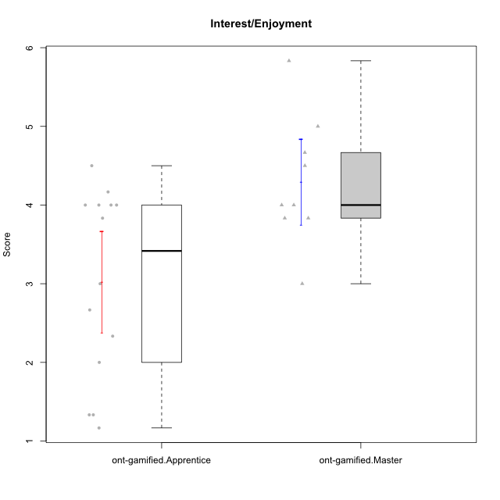

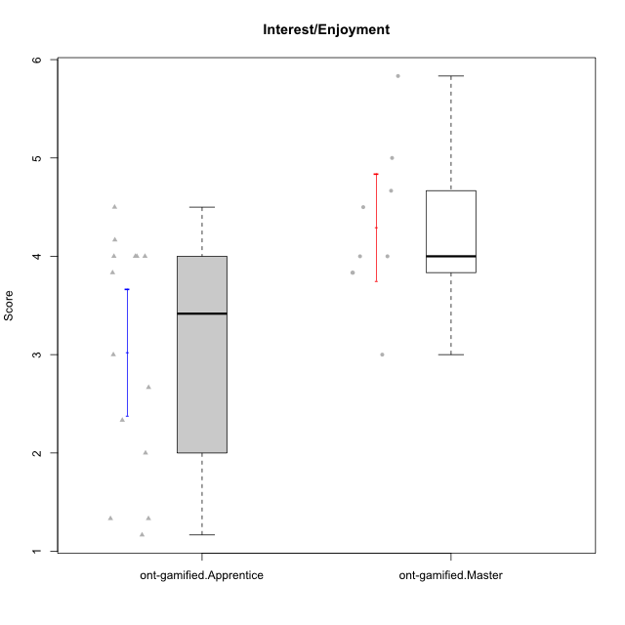

Student's t-Test data
UserID | NroUSP | Type | CLGroup | CLRole | PlayerRole | Item08IE | Item09IE | Item11IE | Item12IE | Item21IE | Item24IE | Item03PC | Item05PC | Item13PC | Item18PC | Item20PC | Item02PT | Item04PT | Item06PT | Item23PT | Item01EI | Item14EI | Item19EI | Item22EI | Item18A | Item25A | Item20A | Item07A | Item13A | Item01S | Item02S | Item05S | Item21S | Interest/Enjoyment | Perceived Choice | Pressure/Tension | Effort/Importance | Attention | Satisfaction | Intrinsic Motivation | Level of Motivation
10171 | 698531 | ont-gamified | Mafia | Master | Social Achiever | 6 | 6 | 6 | 5 | 7 | 5 | 2 | 2 | 2 | 2 | 1 | 2 | 2 | 1 | 6 | 1 | 7 | 1 | 6 | 6 | 5 | 6 | 5 | 6 | 6 | 6 | 4 | 1 | 5.8333333333 | 6.2 | 1.75 | 6.75 | 5.6 | 5.75 | 6.2105263158 | 5.6666666667
10175 | 10310700 | ont-gamified | Warriors | Master | Social Achiever | 4 | 4 | 4 | 4 | 4 | 4 | 3 | 1 | 1 | 1 | 1 | 1 | 1 | 1 | 7 | 1 | 4 | 1 | 4 | 5 | 5 | 5 | 6 | 6 | 6 | 6 | 5 | 1 | 4 | 6.6 | 1 | 5.5 | 5.4 | 6 | 5.6315789474 | 5.6666666667
10176 | 10276949 | ont-gamified | Outlaws | Master | Social Achiever | 4 | 4 | 4 | 3 | 4 | 4 | 4 | 4 | 6 | 5 | 4 | 4 | 6 | 6 | 4 | 4 | 4 | 5 | 4 | 5 | 5 | 5 | 4 | 4 | 4 | 4 | 4 | 4 | 3.8333333333 | 3.4 | 5 | 3.75 | 4.6 | 4 | 3.5263157895 | 4.3333333333
10186 | 10310551 | ont-gamified | Slayers | Apprentice | Social Achiever | 6 | 4 | 6 | 1 | 3 | 3 | 4 | 4 | 4 | 4 | 1 | 5 | 4 | 4 | 1 | 1 | 7 | 1 | 7 | 4 | 1 | 4 | 1 | 4 | 7 | 7 | 5 | 1 | 3.8333333333 | 4.6 | 5 | 7 | 2.8 | 6.5 | 4.5263157895 | 4.4444444444
10188 | 10276995 | ont-gamified | Vandals | Master | Yee Achiever | 4 | 3 | 1 | 4 | 3 | 3 | 3 | 1 | 3 | 1 | 1 | 1 | 1 | 1 | 7 | 2 | 4 | 3 | 1 | 4 | 4 | 3 | 2 | 4 | 3 | 3 | 3 | 2 | 3 | 6.2 | 1 | 4 | 3.4 | 3.75 | 4.8947368421 | 3.5555555556
10189 | 9363926 | ont-gamified | Vikings | Apprentice | Social Achiever | 4 | 2 | 1 | 1 | 2 | 2 | 5 | 5 | 5 | 4 | 4 | 1 | 1 | 2 | 4 | 1 | 5 | 3 | 6 | 2 | 1 | 1 | 1 | 3 | 3 | 2 | 3 | 1 | 2 | 3.4 | 2 | 5.75 | 1.6 | 3.75 | 4 | 2.5555555556
10192 | 10276682 | ont-gamified | Attractive Devils | Apprentice | Social Achiever | 4 | 4 | 6 | 4 | 5 | 1 | 3 | 2 | 3 | 4 | 4 | 4 | 4 | 4 | 3 | 1 | 7 | 5 | 5 | 4 | 4 | 4 | 7 | 6 | 7 | 6 | 7 | 4 | 4 | 4.8 | 4.25 | 5.5 | 5 | 6 | 4.4736842105 | 5.4444444444
10193 | 10276762 | ont-gamified | Vandals | Apprentice | Yee Achiever | 1 | 2 | 1 | 1 | 1 | 2 | 1 | 1 | 1 | 1 | 1 | 1 | 1 | 2 | 1 | 1 | 1 | 2 | 2 | 2 | 1 | 2 | 1 | 1 | 1 | 2 | 1 | 1 | 1.3333333333 | 7 | 2.75 | 4 | 1.4 | 2.75 | 4.2105263158 | 2
10198 | 10310888 | ont-gamified | Attractive Devils | Apprentice | Social Achiever | 4 | 6 | 4 | 5 | 3 | 2 | 1 | 4 | 5 | 6 | 6 | 4 | 4 | 4 | 3 | 2 | 6 | 3 | 6 | 5 | 5 | 6 | 7 | 5 | 7 | 7 | 6 | 2 | 4 | 3.6 | 4.25 | 5.75 | 5.6 | 6.5 | 4.2105263158 | 6
10200 | 9795272 | ont-gamified | Warriors | Apprentice | Social Achiever | 5 | 4 | 5 | 3 | 5 | 5 | 3 | 4 | 5 | 2 | 2 | 5 | 5 | 4 | 3 | 1 | 6 | 1 | 6 | 4 | 5 | 4 | 6 | 5 | 5 | 6 | 7 | 2 | 4.5 | 4.8 | 4.75 | 6.5 | 4.8 | 6 | 4.7368421053 | 5.3333333333
10202 | 10277036 | ont-gamified | Silly Knights | Apprentice | Social Achiever | 3 | 3 | 3 | 3 | 3 | 3 | 3 | 2 | 2 | 5 | 2 | 3 | 3 | 3 | 3 | 2 | 5 | 2 | 5 | 2 | 3 | 2 | 2 | 3 | 5 | 5 | 5 | 3 | 3 | 5.2 | 3.5 | 5.5 | 2.4 | 5 | 4.4210526316 | 3.5555555556
10203 | 9921470 | ont-gamified | Mercenaries | Apprentice | Social Achiever | 3 | 5 | 4 | 5 | 4 | 4 | 4 | 1 | 1 | 1 | 1 | 2 | 5 | 1 | 3 | 1 | 7 | 1 | 6 | 4 | 5 | 7 | 6 | 5 | 5 | 7 | 7 | 3 | 4.1666666667 | 6.4 | 3.25 | 6.75 | 5.4 | 6 | 5.4210526316 | 5.6666666667
10208 | 10276932 | ont-gamified | Mercenaries | Master | Social Achiever | 4 | 4 | 4 | 3 | 4 | 4 | 4 | 2 | 4 | 4 | 2 | 2 | 2 | 2 | 5 | 2 | 5 | 2 | 4 | 2 | 2 | 2 | 3 | 4 | 5 | 5 | 3 | 3 | 3.8333333333 | 4.8 | 2.25 | 5.25 | 2.6 | 4.5 | 4.7894736842 | 3.4444444444
10209 | 10262669 | ont-gamified | Mafia | Apprentice | Social Achiever | 2 | 2 | 4 | 2 | 2 | 2 | 7 | 7 | 7 | 7 | 7 | 2 | 1 | 1 | 7 | 2 | 3 | 3 | 2 | 2 | 2 | 1 | 2 | 4 | 2 | 2 | 3 | 1 | 2.3333333333 | 1 | 1.25 | 4 | 2.2 | 3.5 | 3.2631578947 | 2.7777777778
10214 | 10277022 | ont-gamified | Vikings | Apprentice | Social Achiever | 2 | 1 | 1 | 1 | 1 | 1 | 6 | 2 | 6 | 7 | 6 | 5 | 1 | 4 | 2 | 1 | 7 | 1 | 7 | 1 | 2 | 1 | 1 | 2 | 3 | 4 | 4 | 3 | 1.1666666667 | 2.6 | 4 | 7 | 1.4 | 4 | 3.3684210526 | 2.5555555556
10215 | 9285227 | ont-gamified | Vikings | Master | Social Achiever | 5 | 5 | 2 | 3 | 4 | 5 | 5 | 1 | 2 | 4 | 1 | 1 | 1 | 1 | 1 | 1 | 2 | 4 | 1 | 4 | 4 | 1 | 1 | 3 | 3 | 3 | 1 | 1 | 4 | 5.4 | 2.5 | 3.5 | 2.6 | 3.5 | 4.5789473684 | 3
10216 | 10276720 | ont-gamified | Silly Knights | Master | Social Achiever | 4 | 5 | 3 | 7 | 4 | 5 | 3 | 2 | 2 | 1 | 3 | 1 | 1 | 1 | 7 | 1 | 4 | 2 | 4 | 4 | 6 | 5 | 2 | 4 | 5 | 5 | 6 | 2 | 4.6666666667 | 5.8 | 1 | 5.25 | 4.2 | 5.5 | 5.5789473684 | 4.7777777778
10221 | 9082496 | ont-gamified | Warriors | Apprentice | Social Achiever | 3 | 3 | 2 | 2 | 3 | 3 | 4 | 4 | 6 | 5 | 6 | 4 | 2 | 6 | 6 | 2 | 5 | 3 | 5 | 4 | 2 | 3 | 3 | 2 | 4 | 3 | 5 | 7 | 2.6666666667 | 3 | 3.5 | 5.25 | 2.8 | 3.25 | 3.6842105263 | 3
10223 | 9795185 | ont-gamified | Slayers | Master | Social Achiever | 6 | 5 | 4 | 5 | 5 | 5 | 4 | 4 | 4 | 3 | 4 | 4 | 4 | 2 | 4 | 4 | 5 | 4 | 4 | 3 | 4 | 4 | 4 | 5 | 4 | 5 | 4 | 4 | 5 | 4.2 | 3.5 | 4.25 | 4 | 4.25 | 4.5263157895 | 4.1111111111
10224 | 9368772 | ont-gamified | Mercenaries | Apprentice | Social Achiever | 4 | 4 | 4 | 4 | 4 | 4 | 5 | 5 | 4 | 4 | 4 | 4 | 5 | 5 | 3 | 4 | 5 | 5 | 6 | 4 | 4 | 4 | 4 | 4 | 5 | 4 | 6 | 3 | 4 | 3.6 | 4.75 | 4.5 | 4 | 5 | 3.8421052632 | 4.4444444444
10228 | 10310492 | ont-gamified | Resistance | Apprentice | Social Achiever | 2 | 1 | 1 | 1 | 1 | 2 | 2 | 2 | 1 | 1 | 2 | 2 | 3 | 2 | 1 | 2 | 1 | 1 | 1 | 1 | 1 | 1 | 4 | 3 | 4 | 4 | 4 | 1 | 1.3333333333 | 6.4 | 3.5 | 3.75 | 2 | 4.75 | 3.8421052632 | 3.2222222222
10230 | 10351992 | ont-gamified | Resistance | Master | Social Achiever | 5 | 4 | 4 | 4 | 5 | 5 | 5 | 4 | 3 | 3 | 5 | 5 | 4 | 6 | 6 | 3 | 3 | 2 | 5 | 3 | 4 | 2 | 6 | 4 | 4 | 6 | 2 | 3 | 4.5 | 4 | 4.25 | 4.75 | 3.8 | 4.25 | 4.2631578947 | 4
10237 | 10377688 | ont-gamified | Outlaws | Apprentice | Social Achiever | 3 | 3 | 3 | 4 | 5 | 6 | 6 | 3 | 3 | 3 | 4 | 6 | 5 | 4 | 3 | 2 | 4 | 4 | 5 | 4 | 3 | 3 | 5 | 4 | 3 | 4 | 6 | 2 | 4 | 4.2 | 5 | 4.75 | 3.8 | 4.75 | 4 | 4.2222222222

Type_CLRole_2
Student's t-Test for Interest/Enjoyment in Type:CLRole between ont-gamified.Apprentice:w/o-gamified.Apprentice

Student's t-Test results
Alternative hypothesis: less
Group | N | Mean | Mean.Difference | Std.deviation | Std.error | CI.lower | CI.upper | df | t.value | p.value | g | magnitude
ont-gamified.Apprentice | 14 | 3.0238095238 | -0.48544973545 | 1.2015964147 | 0.32114015007 | 2.3815292237 | 3.666089824 | 27.87851939 | -1.1412971048 | 0.13172768836 | -0.39723219736 | small
w/o-gamified.Apprentice | 18 | 3.5092592593 | 0.48544973545 | 1.1833156892 | 0.27891018271 | 2.9514388938 | 4.0670796247 | 27.87851939 | -1.1412971048 | 0.13172768836 | -0.39723219736 | small
Alternative hypothesis: greater
Group | N | Mean | Mean.Difference | Std.deviation | Std.error | CI.lower | CI.upper | df | t.value | p.value | g | magnitude
ont-gamified.Apprentice | 14 | 3.0238095238 | -0.48544973545 | 1.2015964147 | 0.32114015007 | 2.3815292237 | 3.666089824 | 27.87851939 | -1.1412971048 | 0.86827231164 | -0.39723219736 | small
w/o-gamified.Apprentice | 18 | 3.5092592593 | 0.48544973545 | 1.1833156892 | 0.27891018271 | 2.9514388938 | 4.0670796247 | 27.87851939 | -1.1412971048 | 0.86827231164 | -0.39723219736 | small
Alternative hypothesis: two.sided
Group | N | Mean | Mean.Difference | Std.deviation | Std.error | CI.lower | CI.upper | df | t.value | p.value | g | magnitude
ont-gamified.Apprentice | 14 | 3.0238095238 | -0.48544973545 | 1.2015964147 | 0.32114015007 | 2.3815292237 | 3.666089824 | 27.87851939 | -1.1412971048 | 0.26345537673 | -0.39723219736 | small
w/o-gamified.Apprentice | 18 | 3.5092592593 | 0.48544973545 | 1.1833156892 | 0.27891018271 | 2.9514388938 | 4.0670796247 | 27.87851939 | -1.1412971048 | 0.26345537673 | -0.39723219736 | small

Box plots for Student's t-Test
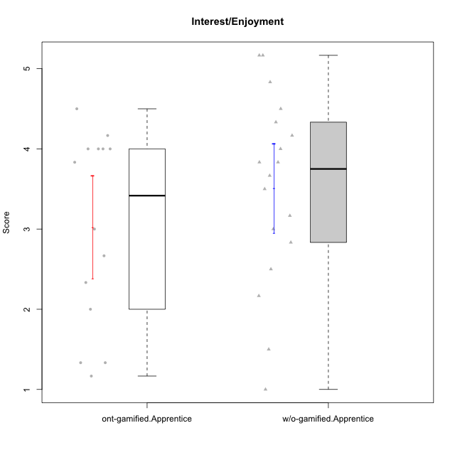

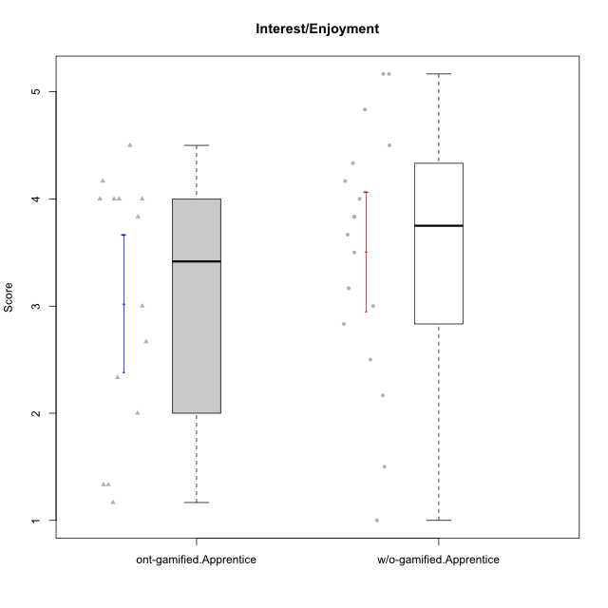

Student's t-Test data
UserID | NroUSP | Type | CLGroup | CLRole | PlayerRole | Item08IE | Item09IE | Item11IE | Item12IE | Item21IE | Item24IE | Item03PC | Item05PC | Item13PC | Item18PC | Item20PC | Item02PT | Item04PT | Item06PT | Item23PT | Item01EI | Item14EI | Item19EI | Item22EI | Item18A | Item25A | Item20A | Item07A | Item13A | Item01S | Item02S | Item05S | Item21S | Interest/Enjoyment | Perceived Choice | Pressure/Tension | Effort/Importance | Attention | Satisfaction | Intrinsic Motivation | Level of Motivation
10170 | 10260351 | w/o-gamified | Grupo11 | Apprentice |  | 6 | 4 | 4 | 3 | 4 | 4 | 3 | 2 | 2 | 1 | 3 | 1 | 1 | 1 | 1 | 3 | 4 | 3 | 5 | 6 | 5 | 6 | 5 | 6 | 4 | 4 | 5 | 5 | 4.1666666667 | 5.8 | 2.5 | 4.75 | 5.6 | 4 | 5 | 4.8888888889
10172 | 10273971 | w/o-gamified | Grupo5 | Apprentice |  | 7 | 5 | 5 | 4 | 5 | 5 | 5 | 6 | 5 | 5 | 5 | 4 | 6 | 5 | 5 | 5 | 4 | 5 | 5 | 5 | 5 | 5 | 6 | 6 | 6 | 4 | 5 | 5 | 5.1666666667 | 2.8 | 4.5 | 3.75 | 5.4 | 4.5 | 3.8947368421 | 5
10181 | 10276866 | w/o-gamified | Grupo2 | Apprentice |  | 2 | 3 | 1 | 2 | 3 | 2 | 5 | 1 | 5 | 5 | 3 | 4 | 1 | 5 | 4 | 7 | 1 | 4 | 5 | 4 | 4 | 4 | 5 | 4 | 1 | 1 | 3 | 4 | 2.1666666667 | 4.2 | 3.5 | 2.75 | 4.2 | 2.25 | 3.3157894737 | 3.3333333333
10183 | 10352030 | w/o-gamified | Grupo3 | Apprentice |  | 3 | 3 | 3 | 3 | 3 | 2 | 4 | 4 | 2 | 3 | 5 | 4 | 4 | 5 | 2 | 4 | 2 | 3 | 4 | 2 | 2 | 2 | 2 | 3 | 2 | 2 | 4 | 4 | 2.8333333333 | 4.4 | 4.75 | 3.75 | 2.2 | 3 | 3.5263157895 | 2.5555555556
10184 | 10276675 | w/o-gamified | Grupo10 | Apprentice |  | 4 | 4 | 4 | 4 | 3 | 4 | 4 | 5 | 3 | 4 | 4 | 4 | 3 | 4 | 4 | 4 | 3 | 4 | 4 | 4 | 4 | 4 | 2 | 4 | 6 | 4 | 4 | 4 | 3.8333333333 | 4 | 3.75 | 3.75 | 3.6 | 4.5 | 3.9473684211 | 4
10185 | 10276960 | w/o-gamified | Grupo9 | Apprentice |  | 6 | 4 | 5 | 5 | 3 | 6 | 3 | 6 | 5 | 6 | 3 | 4 | 4 | 5 | 4 | 4 | 4 | 3 | 5 | 3 | 5 | 3 | 4 | 3 | 4 | 5 | 5 | 6 | 4.8333333333 | 3.4 | 4.25 | 4.5 | 3.6 | 4 | 4.1578947368 | 3.7777777778
10186 | 10310551 | ont-gamified | Slayers | Apprentice | Social Achiever | 6 | 4 | 6 | 1 | 3 | 3 | 4 | 4 | 4 | 4 | 1 | 5 | 4 | 4 | 1 | 1 | 7 | 1 | 7 | 4 | 1 | 4 | 1 | 4 | 7 | 7 | 5 | 1 | 3.8333333333 | 4.6 | 5 | 7 | 2.8 | 6.5 | 4.5263157895 | 4.4444444444
10189 | 9363926 | ont-gamified | Vikings | Apprentice | Social Achiever | 4 | 2 | 1 | 1 | 2 | 2 | 5 | 5 | 5 | 4 | 4 | 1 | 1 | 2 | 4 | 1 | 5 | 3 | 6 | 2 | 1 | 1 | 1 | 3 | 3 | 2 | 3 | 1 | 2 | 3.4 | 2 | 5.75 | 1.6 | 3.75 | 4 | 2.5555555556
10190 | 10276907 | w/o-gamified | Grupo4 | Apprentice |  | 3 | 3 | 3 | 2 | 4 | 4 | 7 | 7 | 3 | 5 | 4 | 5 | 7 | 6 | 5 | 3 | 4 | 5 | 4 | 6 | 5 | 5 | 5 | 3 | 3 | 4 | 4 | 4 | 3.1666666667 | 2.8 | 5.25 | 4 | 4.8 | 3.75 | 3.1578947368 | 4.3333333333
10192 | 10276682 | ont-gamified | Attractive Devils | Apprentice | Social Achiever | 4 | 4 | 6 | 4 | 5 | 1 | 3 | 2 | 3 | 4 | 4 | 4 | 4 | 4 | 3 | 1 | 7 | 5 | 5 | 4 | 4 | 4 | 7 | 6 | 7 | 6 | 7 | 4 | 4 | 4.8 | 4.25 | 5.5 | 5 | 6 | 4.4736842105 | 5.4444444444
10193 | 10276762 | ont-gamified | Vandals | Apprentice | Yee Achiever | 1 | 2 | 1 | 1 | 1 | 2 | 1 | 1 | 1 | 1 | 1 | 1 | 1 | 2 | 1 | 1 | 1 | 2 | 2 | 2 | 1 | 2 | 1 | 1 | 1 | 2 | 1 | 1 | 1.3333333333 | 7 | 2.75 | 4 | 1.4 | 2.75 | 4.2105263158 | 2
10197 | 10276661 | w/o-gamified | Grupo8 | Apprentice |  | 5 | 3 | 5 | 4 | 2 | 2 | 2 | 3 | 4 | 2 | 4 | 3 | 3 | 5 | 5 | 3 | 4 | 3 | 4 | 7 | 4 | 4 | 5 | 3 | 4 | 4 | 2 | 4 | 3.5 | 5 | 3.5 | 4.5 | 4.6 | 3.5 | 4.3157894737 | 4.1111111111
10198 | 10310888 | ont-gamified | Attractive Devils | Apprentice | Social Achiever | 4 | 6 | 4 | 5 | 3 | 2 | 1 | 4 | 5 | 6 | 6 | 4 | 4 | 4 | 3 | 2 | 6 | 3 | 6 | 5 | 5 | 6 | 7 | 5 | 7 | 7 | 6 | 2 | 4 | 3.6 | 4.25 | 5.75 | 5.6 | 6.5 | 4.2105263158 | 6
10199 | 10276737 | w/o-gamified | Grupo1 | Apprentice |  | 4 | 3 | 4 | 1 | 3 | 3 | 3 | 5 | 3 | 5 | 5 | 4 | 2 | 3 | 4 | 4 | 4 | 4 | 5 | 5 | 4 | 3 | 3 | 4 | 6 | 4 | 4 | 2 | 3 | 3.8 | 3.25 | 4.25 | 3.8 | 5 | 3.8421052632 | 4.3333333333
10200 | 9795272 | ont-gamified | Warriors | Apprentice | Social Achiever | 5 | 4 | 5 | 3 | 5 | 5 | 3 | 4 | 5 | 2 | 2 | 5 | 5 | 4 | 3 | 1 | 6 | 1 | 6 | 4 | 5 | 4 | 6 | 5 | 5 | 6 | 7 | 2 | 4.5 | 4.8 | 4.75 | 6.5 | 4.8 | 6 | 4.7368421053 | 5.3333333333
10201 | 10276928 | w/o-gamified | Grupo11 | Apprentice |  | 6 | 5 | 5 | 6 | 6 | 3 | 5 | 3 | 3 | 4 | 4 | 3 | 2 | 4 | 5 | 3 | 5 | 3 | 5 | 6 | 5 | 6 | 6 | 6 | 6 | 5 | 6 | 5 | 5.1666666667 | 4.2 | 3 | 5 | 5.8 | 5 | 4.8421052632 | 5.4444444444
10202 | 10277036 | ont-gamified | Silly Knights | Apprentice | Social Achiever | 3 | 3 | 3 | 3 | 3 | 3 | 3 | 2 | 2 | 5 | 2 | 3 | 3 | 3 | 3 | 2 | 5 | 2 | 5 | 2 | 3 | 2 | 2 | 3 | 5 | 5 | 5 | 3 | 3 | 5.2 | 3.5 | 5.5 | 2.4 | 5 | 4.4210526316 | 3.5555555556
10203 | 9921470 | ont-gamified | Mercenaries | Apprentice | Social Achiever | 3 | 5 | 4 | 5 | 4 | 4 | 4 | 1 | 1 | 1 | 1 | 2 | 5 | 1 | 3 | 1 | 7 | 1 | 6 | 4 | 5 | 7 | 6 | 5 | 5 | 7 | 7 | 3 | 4.1666666667 | 6.4 | 3.25 | 6.75 | 5.4 | 6 | 5.4210526316 | 5.6666666667
10206 | 10310721 | w/o-gamified | Grupo8 | Apprentice |  | 4 | 4 | 2 | 3 | 5 | 4 | 3 | 2 | 3 | 2 | 2 | 3 | 2 | 3 | 4 | 2 | 5 | 2 | 5 | 4 | 6 | 4 | 4 | 5 | 5 | 5 | 6 | 3 | 3.6666666667 | 5.6 | 3 | 5.5 | 4.6 | 5.25 | 4.8421052632 | 4.8888888889
10209 | 10262669 | ont-gamified | Mafia | Apprentice | Social Achiever | 2 | 2 | 4 | 2 | 2 | 2 | 7 | 7 | 7 | 7 | 7 | 2 | 1 | 1 | 7 | 2 | 3 | 3 | 2 | 2 | 2 | 1 | 2 | 4 | 2 | 2 | 3 | 1 | 2.3333333333 | 1 | 1.25 | 4 | 2.2 | 3.5 | 3.2631578947 | 2.7777777778
10210 | 10277015 | w/o-gamified | Grupo6 | Apprentice |  | 1 | 1 | 1 | 1 | 1 | 1 | 7 | 7 | 7 | 7 | 7 | 7 | 7 | 7 | 1 | 1 | 7 | 1 | 7 | 1 | 1 | 1 | 1 | 1 | 1 | 1 | 1 | 7 | 1 | 1 | 7 | 7 | 1 | 1 | 2.2631578947 | 1
10213 | 10277040 | w/o-gamified | Grupo7 | Apprentice |  | 4 | 3 | 7 | 1 | 4 | 4 | 7 | 7 | 7 | 7 | 7 | 1 | 7 | 7 | 4 | 1 | 7 | 1 | 7 | 5 | 7 | 7 | 7 | 4 | 7 | 4 | 7 | 1 | 3.8333333333 | 1 | 4.75 | 7 | 6 | 6.25 | 3.6315789474 | 6.1111111111
10214 | 10277022 | ont-gamified | Vikings | Apprentice | Social Achiever | 2 | 1 | 1 | 1 | 1 | 1 | 6 | 2 | 6 | 7 | 6 | 5 | 1 | 4 | 2 | 1 | 7 | 1 | 7 | 1 | 2 | 1 | 1 | 2 | 3 | 4 | 4 | 3 | 1.1666666667 | 2.6 | 4 | 7 | 1.4 | 4 | 3.3684210526 | 2.5555555556
10217 | 9805341 | w/o-gamified | Grupo9 | Apprentice |  | 5 | 5 | 3 | 4 | 5 | 4 | 4 | 5 | 4 | 4 | 2 | 1 | 1 | 1 | 7 | 3 | 3 | 4 | 2 | 3 | 4 | 4 | 4 | 6 | 4 | 4 | 4 | 3 | 4.3333333333 | 4.2 | 1 | 3.5 | 4.2 | 4.25 | 4.6842105263 | 4.2222222222
10218 | 9842913 | w/o-gamified | Grupo10 | Apprentice |  | 4 | 4 | 4 | 4 | 4 | 4 | 4 | 5 | 4 | 5 | 4 | 4 | 5 | 4 | 5 | 4 | 4 | 4 | 5 | 3 | 4 | 4 | 5 | 4 | 4 | 3 | 3 | 4 | 4 | 3.6 | 4 | 4.25 | 4 | 3.5 | 3.9473684211 | 3.7777777778
10220 | 9760151 | w/o-gamified | Grupo3 | Apprentice |  | 4 | 1 | 1 | 1 | 4 | 4 | 1 | 1 | 1 | 4 | 1 | 1 | 1 | 1 | 7 | 1 | 4 | 1 | 7 | 1 | 1 | 1 | 1 | 1 | 7 | 4 | 7 | 1 | 2.5 | 6.4 | 1 | 6.25 | 1 | 6.25 | 5.2631578947 | 3.3333333333
10221 | 9082496 | ont-gamified | Warriors | Apprentice | Social Achiever | 3 | 3 | 2 | 2 | 3 | 3 | 4 | 4 | 6 | 5 | 6 | 4 | 2 | 6 | 6 | 2 | 5 | 3 | 5 | 4 | 2 | 3 | 3 | 2 | 4 | 3 | 5 | 7 | 2.6666666667 | 3 | 3.5 | 5.25 | 2.8 | 3.25 | 3.6842105263 | 3
10224 | 9368772 | ont-gamified | Mercenaries | Apprentice | Social Achiever | 4 | 4 | 4 | 4 | 4 | 4 | 5 | 5 | 4 | 4 | 4 | 4 | 5 | 5 | 3 | 4 | 5 | 5 | 6 | 4 | 4 | 4 | 4 | 4 | 5 | 4 | 6 | 3 | 4 | 3.6 | 4.75 | 4.5 | 4 | 5 | 3.8421052632 | 4.4444444444
10226 | 10310342 | w/o-gamified | Grupo4 | Apprentice |  | 4 | 1 | 1 | 1 | 1 | 1 | 7 | 7 | 7 | 7 | 7 | 7 | 7 | 7 | 1 | 7 | 1 | 7 | 1 | 3 | 2 | 1 | 2 | 2 | 3 | 2 | 3 | 5 | 1.5 | 1 | 7 | 1 | 2 | 2.75 | 1.1578947368 | 2.3333333333
10228 | 10310492 | ont-gamified | Resistance | Apprentice | Social Achiever | 2 | 1 | 1 | 1 | 1 | 2 | 2 | 2 | 1 | 1 | 2 | 2 | 3 | 2 | 1 | 2 | 1 | 1 | 1 | 1 | 1 | 1 | 4 | 3 | 4 | 4 | 4 | 1 | 1.3333333333 | 6.4 | 3.5 | 3.75 | 2 | 4.75 | 3.8421052632 | 3.2222222222
10232 | 10276974 | w/o-gamified | Grupo7 | Apprentice |  | 5 | 4 | 5 | 4 | 4 | 5 | 3 | 3 | 3 | 4 | 4 | 2 | 2 | 2 | 3 | 1 | 5 | 1 | 6 | 4 | 6 | 4 | 5 | 4 | 6 | 5 | 6 | 1 | 4.5 | 4.6 | 2.75 | 6.25 | 4.6 | 6 | 5.0526315789 | 5.2222222222
10237 | 10377688 | ont-gamified | Outlaws | Apprentice | Social Achiever | 3 | 3 | 3 | 4 | 5 | 6 | 6 | 3 | 3 | 3 | 4 | 6 | 5 | 4 | 3 | 2 | 4 | 4 | 5 | 4 | 3 | 3 | 5 | 4 | 3 | 4 | 6 | 2 | 4 | 4.2 | 5 | 4.75 | 3.8 | 4.75 | 4 | 4.2222222222

Type_CLRole_3
Student's t-Test for Interest/Enjoyment in Type:CLRole between ont-gamified.Apprentice:w/o-gamified.Master

Student's t-Test results
Alternative hypothesis: less
Group | N | Mean | Mean.Difference | Std.deviation | Std.error | CI.lower | CI.upper | df | t.value | p.value | g | magnitude
ont-gamified.Apprentice | 14 | 3.0238095238 | -0.8373015873 | 1.2015964147 | 0.32114015007 | 2.3815292237 | 3.666089824 | 13.811166212 | -1.7979872868 | 0.047033451155 | -0.72238641785 | medium
w/o-gamified.Master | 6 | 3.8611111111 | 0.8373015873 | 0.82607954061 | 0.33724556024 | 3.1866199906 | 4.5356022316 | 13.811166212 | -1.7979872868 | 0.047033451155 | -0.72238641785 | medium
Alternative hypothesis: greater
Group | N | Mean | Mean.Difference | Std.deviation | Std.error | CI.lower | CI.upper | df | t.value | p.value | g | magnitude
ont-gamified.Apprentice | 14 | 3.0238095238 | -0.8373015873 | 1.2015964147 | 0.32114015007 | 2.3815292237 | 3.666089824 | 13.811166212 | -1.7979872868 | 0.95296654884 | -0.72238641785 | medium
w/o-gamified.Master | 6 | 3.8611111111 | 0.8373015873 | 0.82607954061 | 0.33724556024 | 3.1866199906 | 4.5356022316 | 13.811166212 | -1.7979872868 | 0.95296654884 | -0.72238641785 | medium
Alternative hypothesis: two.sided
Group | N | Mean | Mean.Difference | Std.deviation | Std.error | CI.lower | CI.upper | df | t.value | p.value | g | magnitude
ont-gamified.Apprentice | 14 | 3.0238095238 | -0.8373015873 | 1.2015964147 | 0.32114015007 | 2.3815292237 | 3.666089824 | 13.811166212 | -1.7979872868 | 0.094066902311 | -0.72238641785 | medium
w/o-gamified.Master | 6 | 3.8611111111 | 0.8373015873 | 0.82607954061 | 0.33724556024 | 3.1866199906 | 4.5356022316 | 13.811166212 | -1.7979872868 | 0.094066902311 | -0.72238641785 | medium

Box plots for Student's t-Test
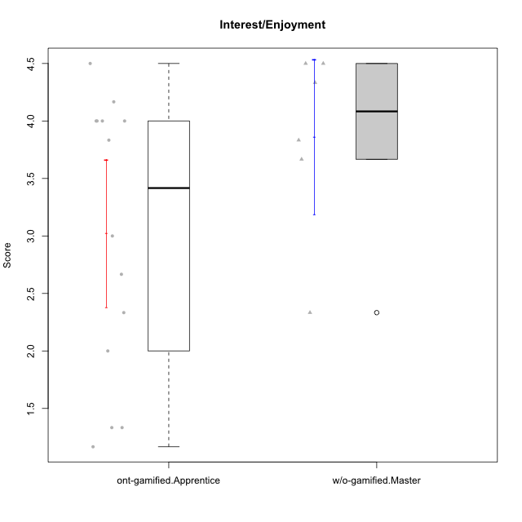

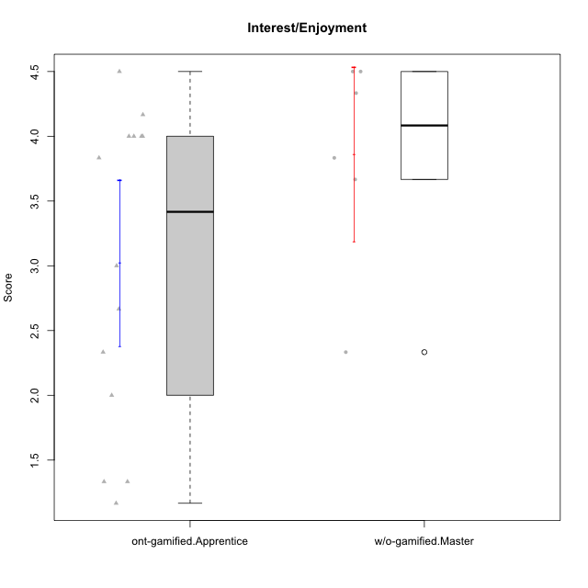

Student's t-Test data
UserID | NroUSP | Type | CLGroup | CLRole | PlayerRole | Item08IE | Item09IE | Item11IE | Item12IE | Item21IE | Item24IE | Item03PC | Item05PC | Item13PC | Item18PC | Item20PC | Item02PT | Item04PT | Item06PT | Item23PT | Item01EI | Item14EI | Item19EI | Item22EI | Item18A | Item25A | Item20A | Item07A | Item13A | Item01S | Item02S | Item05S | Item21S | Interest/Enjoyment | Perceived Choice | Pressure/Tension | Effort/Importance | Attention | Satisfaction | Intrinsic Motivation | Level of Motivation
10174 | 10276852 | w/o-gamified | Grupo7 | Master |  | 6 | 4 | 4 | 3 | 4 | 6 | 4 | 4 | 4 | 3 | 4 | 4 | 5 | 6 | 5 | 5 | 4 | 2 | 4 | 5 | 4 | 4 | 6 | 4 | 6 | 5 | 4 | 4 | 4.5 | 4.2 | 4.5 | 4.25 | 4.6 | 4.75 | 4.1578947368 | 4.6666666667
10179 | 10310759 | w/o-gamified | Grupo10 | Master |  | 3 | 3 | 2 | 6 | 4 | 4 | 7 | 6 | 5 | 5 | 4 | 1 | 1 | 2 | 7 | 2 | 6 | 1 | 5 | 4 | 4 | 4 | 2 | 4 | 3 | 4 | 5 | 2 | 3.6666666667 | 2.6 | 1.25 | 6 | 3.6 | 4.5 | 4.5263157895 | 4
10186 | 10310551 | ont-gamified | Slayers | Apprentice | Social Achiever | 6 | 4 | 6 | 1 | 3 | 3 | 4 | 4 | 4 | 4 | 1 | 5 | 4 | 4 | 1 | 1 | 7 | 1 | 7 | 4 | 1 | 4 | 1 | 4 | 7 | 7 | 5 | 1 | 3.8333333333 | 4.6 | 5 | 7 | 2.8 | 6.5 | 4.5263157895 | 4.4444444444
10189 | 9363926 | ont-gamified | Vikings | Apprentice | Social Achiever | 4 | 2 | 1 | 1 | 2 | 2 | 5 | 5 | 5 | 4 | 4 | 1 | 1 | 2 | 4 | 1 | 5 | 3 | 6 | 2 | 1 | 1 | 1 | 3 | 3 | 2 | 3 | 1 | 2 | 3.4 | 2 | 5.75 | 1.6 | 3.75 | 4 | 2.5555555556
10191 | 10276981 | w/o-gamified | Grupo1 | Master |  | 3 | 3 | 3 | 1 | 2 | 2 | 5 | 5 | 5 | 4 | 5 | 1 | 1 | 1 | 7 | 2 | 4 | 4 | 4 | 2 | 4 | 2 | 4 | 5 | 4 | 4 | 5 | 6 | 2.3333333333 | 3.2 | 1 | 4.5 | 3.4 | 3.75 | 4 | 3.5555555556
10192 | 10276682 | ont-gamified | Attractive Devils | Apprentice | Social Achiever | 4 | 4 | 6 | 4 | 5 | 1 | 3 | 2 | 3 | 4 | 4 | 4 | 4 | 4 | 3 | 1 | 7 | 5 | 5 | 4 | 4 | 4 | 7 | 6 | 7 | 6 | 7 | 4 | 4 | 4.8 | 4.25 | 5.5 | 5 | 6 | 4.4736842105 | 5.4444444444
10193 | 10276762 | ont-gamified | Vandals | Apprentice | Yee Achiever | 1 | 2 | 1 | 1 | 1 | 2 | 1 | 1 | 1 | 1 | 1 | 1 | 1 | 2 | 1 | 1 | 1 | 2 | 2 | 2 | 1 | 2 | 1 | 1 | 1 | 2 | 1 | 1 | 1.3333333333 | 7 | 2.75 | 4 | 1.4 | 2.75 | 4.2105263158 | 2
10198 | 10310888 | ont-gamified | Attractive Devils | Apprentice | Social Achiever | 4 | 6 | 4 | 5 | 3 | 2 | 1 | 4 | 5 | 6 | 6 | 4 | 4 | 4 | 3 | 2 | 6 | 3 | 6 | 5 | 5 | 6 | 7 | 5 | 7 | 7 | 6 | 2 | 4 | 3.6 | 4.25 | 5.75 | 5.6 | 6.5 | 4.2105263158 | 6
10200 | 9795272 | ont-gamified | Warriors | Apprentice | Social Achiever | 5 | 4 | 5 | 3 | 5 | 5 | 3 | 4 | 5 | 2 | 2 | 5 | 5 | 4 | 3 | 1 | 6 | 1 | 6 | 4 | 5 | 4 | 6 | 5 | 5 | 6 | 7 | 2 | 4.5 | 4.8 | 4.75 | 6.5 | 4.8 | 6 | 4.7368421053 | 5.3333333333
10202 | 10277036 | ont-gamified | Silly Knights | Apprentice | Social Achiever | 3 | 3 | 3 | 3 | 3 | 3 | 3 | 2 | 2 | 5 | 2 | 3 | 3 | 3 | 3 | 2 | 5 | 2 | 5 | 2 | 3 | 2 | 2 | 3 | 5 | 5 | 5 | 3 | 3 | 5.2 | 3.5 | 5.5 | 2.4 | 5 | 4.4210526316 | 3.5555555556
10203 | 9921470 | ont-gamified | Mercenaries | Apprentice | Social Achiever | 3 | 5 | 4 | 5 | 4 | 4 | 4 | 1 | 1 | 1 | 1 | 2 | 5 | 1 | 3 | 1 | 7 | 1 | 6 | 4 | 5 | 7 | 6 | 5 | 5 | 7 | 7 | 3 | 4.1666666667 | 6.4 | 3.25 | 6.75 | 5.4 | 6 | 5.4210526316 | 5.6666666667
10209 | 10262669 | ont-gamified | Mafia | Apprentice | Social Achiever | 2 | 2 | 4 | 2 | 2 | 2 | 7 | 7 | 7 | 7 | 7 | 2 | 1 | 1 | 7 | 2 | 3 | 3 | 2 | 2 | 2 | 1 | 2 | 4 | 2 | 2 | 3 | 1 | 2.3333333333 | 1 | 1.25 | 4 | 2.2 | 3.5 | 3.2631578947 | 2.7777777778
10214 | 10277022 | ont-gamified | Vikings | Apprentice | Social Achiever | 2 | 1 | 1 | 1 | 1 | 1 | 6 | 2 | 6 | 7 | 6 | 5 | 1 | 4 | 2 | 1 | 7 | 1 | 7 | 1 | 2 | 1 | 1 | 2 | 3 | 4 | 4 | 3 | 1.1666666667 | 2.6 | 4 | 7 | 1.4 | 4 | 3.3684210526 | 2.5555555556
10221 | 9082496 | ont-gamified | Warriors | Apprentice | Social Achiever | 3 | 3 | 2 | 2 | 3 | 3 | 4 | 4 | 6 | 5 | 6 | 4 | 2 | 6 | 6 | 2 | 5 | 3 | 5 | 4 | 2 | 3 | 3 | 2 | 4 | 3 | 5 | 7 | 2.6666666667 | 3 | 3.5 | 5.25 | 2.8 | 3.25 | 3.6842105263 | 3
10224 | 9368772 | ont-gamified | Mercenaries | Apprentice | Social Achiever | 4 | 4 | 4 | 4 | 4 | 4 | 5 | 5 | 4 | 4 | 4 | 4 | 5 | 5 | 3 | 4 | 5 | 5 | 6 | 4 | 4 | 4 | 4 | 4 | 5 | 4 | 6 | 3 | 4 | 3.6 | 4.75 | 4.5 | 4 | 5 | 3.8421052632 | 4.4444444444
10227 | 9274382 | w/o-gamified | Grupo5 | Master |  | 6 | 4 | 3 | 5 | 3 | 5 | 4 | 4 | 3 | 3 | 3 | 5 | 4 | 3 | 5 | 5 | 4 | 3 | 3 | 5 | 5 | 5 | 6 | 6 | 6 | 6 | 6 | 2 | 4.3333333333 | 4.6 | 3.75 | 3.75 | 5.4 | 6 | 4.2631578947 | 5.6666666667
10228 | 10310492 | ont-gamified | Resistance | Apprentice | Social Achiever | 2 | 1 | 1 | 1 | 1 | 2 | 2 | 2 | 1 | 1 | 2 | 2 | 3 | 2 | 1 | 2 | 1 | 1 | 1 | 1 | 1 | 1 | 4 | 3 | 4 | 4 | 4 | 1 | 1.3333333333 | 6.4 | 3.5 | 3.75 | 2 | 4.75 | 3.8421052632 | 3.2222222222
10231 | 10276911 | w/o-gamified | Grupo9 | Master |  | 4 | 4 | 4 | 6 | 4 | 5 | 1 | 1 | 2 | 2 | 2 | 1 | 1 | 1 | 7 | 3 | 1 | 4 | 1 | 4 | 4 | 4 | 4 | 4 | 7 | 5 | 4 | 2 | 4.5 | 6.4 | 1 | 2.75 | 4 | 5.5 | 5.1578947368 | 4.6666666667
10237 | 10377688 | ont-gamified | Outlaws | Apprentice | Social Achiever | 3 | 3 | 3 | 4 | 5 | 6 | 6 | 3 | 3 | 3 | 4 | 6 | 5 | 4 | 3 | 2 | 4 | 4 | 5 | 4 | 3 | 3 | 5 | 4 | 3 | 4 | 6 | 2 | 4 | 4.2 | 5 | 4.75 | 3.8 | 4.75 | 4 | 4.2222222222
10238 | 10276953 | w/o-gamified | Grupo2 | Master |  | 4 | 4 | 4 | 3 | 4 | 4 | 7 | 5 | 5 | 5 | 4 | 5 | 5 | 5 | 3 | 1 | 5 | 2 | 5 | 4 | 5 | 4 | 5 | 5 | 3 | 2 | 5 | 4 | 3.8333333333 | 2.8 | 5 | 5.75 | 4.6 | 3.5 | 3.7894736842 | 4.1111111111

Type_CLRole_4
Student's t-Test for Interest/Enjoyment in Type:CLRole between ont-gamified.Master:w/o-gamified.Apprentice

Student's t-Test results
Alternative hypothesis: less
Group | N | Mean | Mean.Difference | Std.deviation | Std.error | CI.lower | CI.upper | df | t.value | p.value | g | magnitude
ont-gamified.Master | 9 | 4.2962962963 | 0.78703703704 | 0.81555101422 | 0.27185033807 | 3.7525956202 | 4.8399969724 | 22.154310745 | 2.020745822 | 0.97222238091 | 0.70707949974 | medium
w/o-gamified.Apprentice | 18 | 3.5092592593 | -0.78703703704 | 1.1833156892 | 0.27891018271 | 2.9514388938 | 4.0670796247 | 22.154310745 | 2.020745822 | 0.97222238091 | 0.70707949974 | medium
Alternative hypothesis: greater
Group | N | Mean | Mean.Difference | Std.deviation | Std.error | CI.lower | CI.upper | df | t.value | p.value | g | magnitude
ont-gamified.Master | 9 | 4.2962962963 | 0.78703703704 | 0.81555101422 | 0.27185033807 | 3.7525956202 | 4.8399969724 | 22.154310745 | 2.020745822 | 0.027777619087 | 0.70707949974 | medium
w/o-gamified.Apprentice | 18 | 3.5092592593 | -0.78703703704 | 1.1833156892 | 0.27891018271 | 2.9514388938 | 4.0670796247 | 22.154310745 | 2.020745822 | 0.027777619087 | 0.70707949974 | medium
Alternative hypothesis: two.sided
Group | N | Mean | Mean.Difference | Std.deviation | Std.error | CI.lower | CI.upper | df | t.value | p.value | g | magnitude
ont-gamified.Master | 9 | 4.2962962963 | 0.78703703704 | 0.81555101422 | 0.27185033807 | 3.7525956202 | 4.8399969724 | 22.154310745 | 2.020745822 | 0.055555238174 | 0.70707949974 | medium
w/o-gamified.Apprentice | 18 | 3.5092592593 | -0.78703703704 | 1.1833156892 | 0.27891018271 | 2.9514388938 | 4.0670796247 | 22.154310745 | 2.020745822 | 0.055555238174 | 0.70707949974 | medium

Box plots for Student's t-Test
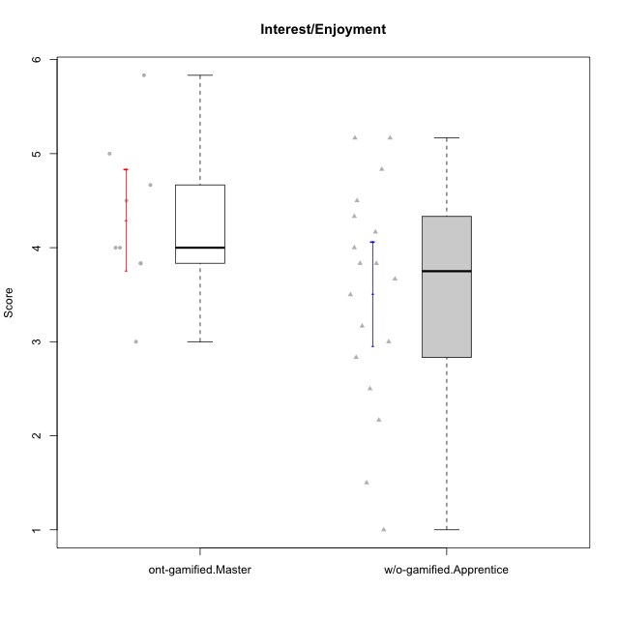

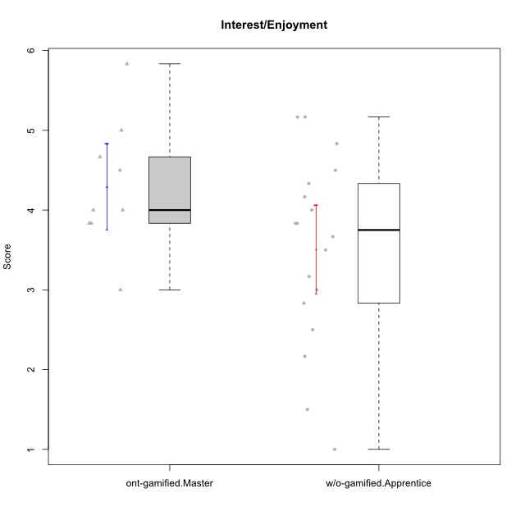

Student's t-Test data
UserID | NroUSP | Type | CLGroup | CLRole | PlayerRole | Item08IE | Item09IE | Item11IE | Item12IE | Item21IE | Item24IE | Item03PC | Item05PC | Item13PC | Item18PC | Item20PC | Item02PT | Item04PT | Item06PT | Item23PT | Item01EI | Item14EI | Item19EI | Item22EI | Item18A | Item25A | Item20A | Item07A | Item13A | Item01S | Item02S | Item05S | Item21S | Interest/Enjoyment | Perceived Choice | Pressure/Tension | Effort/Importance | Attention | Satisfaction | Intrinsic Motivation | Level of Motivation
10170 | 10260351 | w/o-gamified | Grupo11 | Apprentice |  | 6 | 4 | 4 | 3 | 4 | 4 | 3 | 2 | 2 | 1 | 3 | 1 | 1 | 1 | 1 | 3 | 4 | 3 | 5 | 6 | 5 | 6 | 5 | 6 | 4 | 4 | 5 | 5 | 4.1666666667 | 5.8 | 2.5 | 4.75 | 5.6 | 4 | 5 | 4.8888888889
10171 | 698531 | ont-gamified | Mafia | Master | Social Achiever | 6 | 6 | 6 | 5 | 7 | 5 | 2 | 2 | 2 | 2 | 1 | 2 | 2 | 1 | 6 | 1 | 7 | 1 | 6 | 6 | 5 | 6 | 5 | 6 | 6 | 6 | 4 | 1 | 5.8333333333 | 6.2 | 1.75 | 6.75 | 5.6 | 5.75 | 6.2105263158 | 5.6666666667
10172 | 10273971 | w/o-gamified | Grupo5 | Apprentice |  | 7 | 5 | 5 | 4 | 5 | 5 | 5 | 6 | 5 | 5 | 5 | 4 | 6 | 5 | 5 | 5 | 4 | 5 | 5 | 5 | 5 | 5 | 6 | 6 | 6 | 4 | 5 | 5 | 5.1666666667 | 2.8 | 4.5 | 3.75 | 5.4 | 4.5 | 3.8947368421 | 5
10175 | 10310700 | ont-gamified | Warriors | Master | Social Achiever | 4 | 4 | 4 | 4 | 4 | 4 | 3 | 1 | 1 | 1 | 1 | 1 | 1 | 1 | 7 | 1 | 4 | 1 | 4 | 5 | 5 | 5 | 6 | 6 | 6 | 6 | 5 | 1 | 4 | 6.6 | 1 | 5.5 | 5.4 | 6 | 5.6315789474 | 5.6666666667
10176 | 10276949 | ont-gamified | Outlaws | Master | Social Achiever | 4 | 4 | 4 | 3 | 4 | 4 | 4 | 4 | 6 | 5 | 4 | 4 | 6 | 6 | 4 | 4 | 4 | 5 | 4 | 5 | 5 | 5 | 4 | 4 | 4 | 4 | 4 | 4 | 3.8333333333 | 3.4 | 5 | 3.75 | 4.6 | 4 | 3.5263157895 | 4.3333333333
10181 | 10276866 | w/o-gamified | Grupo2 | Apprentice |  | 2 | 3 | 1 | 2 | 3 | 2 | 5 | 1 | 5 | 5 | 3 | 4 | 1 | 5 | 4 | 7 | 1 | 4 | 5 | 4 | 4 | 4 | 5 | 4 | 1 | 1 | 3 | 4 | 2.1666666667 | 4.2 | 3.5 | 2.75 | 4.2 | 2.25 | 3.3157894737 | 3.3333333333
10183 | 10352030 | w/o-gamified | Grupo3 | Apprentice |  | 3 | 3 | 3 | 3 | 3 | 2 | 4 | 4 | 2 | 3 | 5 | 4 | 4 | 5 | 2 | 4 | 2 | 3 | 4 | 2 | 2 | 2 | 2 | 3 | 2 | 2 | 4 | 4 | 2.8333333333 | 4.4 | 4.75 | 3.75 | 2.2 | 3 | 3.5263157895 | 2.5555555556
10184 | 10276675 | w/o-gamified | Grupo10 | Apprentice |  | 4 | 4 | 4 | 4 | 3 | 4 | 4 | 5 | 3 | 4 | 4 | 4 | 3 | 4 | 4 | 4 | 3 | 4 | 4 | 4 | 4 | 4 | 2 | 4 | 6 | 4 | 4 | 4 | 3.8333333333 | 4 | 3.75 | 3.75 | 3.6 | 4.5 | 3.9473684211 | 4
10185 | 10276960 | w/o-gamified | Grupo9 | Apprentice |  | 6 | 4 | 5 | 5 | 3 | 6 | 3 | 6 | 5 | 6 | 3 | 4 | 4 | 5 | 4 | 4 | 4 | 3 | 5 | 3 | 5 | 3 | 4 | 3 | 4 | 5 | 5 | 6 | 4.8333333333 | 3.4 | 4.25 | 4.5 | 3.6 | 4 | 4.1578947368 | 3.7777777778
10188 | 10276995 | ont-gamified | Vandals | Master | Yee Achiever | 4 | 3 | 1 | 4 | 3 | 3 | 3 | 1 | 3 | 1 | 1 | 1 | 1 | 1 | 7 | 2 | 4 | 3 | 1 | 4 | 4 | 3 | 2 | 4 | 3 | 3 | 3 | 2 | 3 | 6.2 | 1 | 4 | 3.4 | 3.75 | 4.8947368421 | 3.5555555556
10190 | 10276907 | w/o-gamified | Grupo4 | Apprentice |  | 3 | 3 | 3 | 2 | 4 | 4 | 7 | 7 | 3 | 5 | 4 | 5 | 7 | 6 | 5 | 3 | 4 | 5 | 4 | 6 | 5 | 5 | 5 | 3 | 3 | 4 | 4 | 4 | 3.1666666667 | 2.8 | 5.25 | 4 | 4.8 | 3.75 | 3.1578947368 | 4.3333333333
10197 | 10276661 | w/o-gamified | Grupo8 | Apprentice |  | 5 | 3 | 5 | 4 | 2 | 2 | 2 | 3 | 4 | 2 | 4 | 3 | 3 | 5 | 5 | 3 | 4 | 3 | 4 | 7 | 4 | 4 | 5 | 3 | 4 | 4 | 2 | 4 | 3.5 | 5 | 3.5 | 4.5 | 4.6 | 3.5 | 4.3157894737 | 4.1111111111
10199 | 10276737 | w/o-gamified | Grupo1 | Apprentice |  | 4 | 3 | 4 | 1 | 3 | 3 | 3 | 5 | 3 | 5 | 5 | 4 | 2 | 3 | 4 | 4 | 4 | 4 | 5 | 5 | 4 | 3 | 3 | 4 | 6 | 4 | 4 | 2 | 3 | 3.8 | 3.25 | 4.25 | 3.8 | 5 | 3.8421052632 | 4.3333333333
10201 | 10276928 | w/o-gamified | Grupo11 | Apprentice |  | 6 | 5 | 5 | 6 | 6 | 3 | 5 | 3 | 3 | 4 | 4 | 3 | 2 | 4 | 5 | 3 | 5 | 3 | 5 | 6 | 5 | 6 | 6 | 6 | 6 | 5 | 6 | 5 | 5.1666666667 | 4.2 | 3 | 5 | 5.8 | 5 | 4.8421052632 | 5.4444444444
10206 | 10310721 | w/o-gamified | Grupo8 | Apprentice |  | 4 | 4 | 2 | 3 | 5 | 4 | 3 | 2 | 3 | 2 | 2 | 3 | 2 | 3 | 4 | 2 | 5 | 2 | 5 | 4 | 6 | 4 | 4 | 5 | 5 | 5 | 6 | 3 | 3.6666666667 | 5.6 | 3 | 5.5 | 4.6 | 5.25 | 4.8421052632 | 4.8888888889
10208 | 10276932 | ont-gamified | Mercenaries | Master | Social Achiever | 4 | 4 | 4 | 3 | 4 | 4 | 4 | 2 | 4 | 4 | 2 | 2 | 2 | 2 | 5 | 2 | 5 | 2 | 4 | 2 | 2 | 2 | 3 | 4 | 5 | 5 | 3 | 3 | 3.8333333333 | 4.8 | 2.25 | 5.25 | 2.6 | 4.5 | 4.7894736842 | 3.4444444444
10210 | 10277015 | w/o-gamified | Grupo6 | Apprentice |  | 1 | 1 | 1 | 1 | 1 | 1 | 7 | 7 | 7 | 7 | 7 | 7 | 7 | 7 | 1 | 1 | 7 | 1 | 7 | 1 | 1 | 1 | 1 | 1 | 1 | 1 | 1 | 7 | 1 | 1 | 7 | 7 | 1 | 1 | 2.2631578947 | 1
10213 | 10277040 | w/o-gamified | Grupo7 | Apprentice |  | 4 | 3 | 7 | 1 | 4 | 4 | 7 | 7 | 7 | 7 | 7 | 1 | 7 | 7 | 4 | 1 | 7 | 1 | 7 | 5 | 7 | 7 | 7 | 4 | 7 | 4 | 7 | 1 | 3.8333333333 | 1 | 4.75 | 7 | 6 | 6.25 | 3.6315789474 | 6.1111111111
10215 | 9285227 | ont-gamified | Vikings | Master | Social Achiever | 5 | 5 | 2 | 3 | 4 | 5 | 5 | 1 | 2 | 4 | 1 | 1 | 1 | 1 | 1 | 1 | 2 | 4 | 1 | 4 | 4 | 1 | 1 | 3 | 3 | 3 | 1 | 1 | 4 | 5.4 | 2.5 | 3.5 | 2.6 | 3.5 | 4.5789473684 | 3
10216 | 10276720 | ont-gamified | Silly Knights | Master | Social Achiever | 4 | 5 | 3 | 7 | 4 | 5 | 3 | 2 | 2 | 1 | 3 | 1 | 1 | 1 | 7 | 1 | 4 | 2 | 4 | 4 | 6 | 5 | 2 | 4 | 5 | 5 | 6 | 2 | 4.6666666667 | 5.8 | 1 | 5.25 | 4.2 | 5.5 | 5.5789473684 | 4.7777777778
10217 | 9805341 | w/o-gamified | Grupo9 | Apprentice |  | 5 | 5 | 3 | 4 | 5 | 4 | 4 | 5 | 4 | 4 | 2 | 1 | 1 | 1 | 7 | 3 | 3 | 4 | 2 | 3 | 4 | 4 | 4 | 6 | 4 | 4 | 4 | 3 | 4.3333333333 | 4.2 | 1 | 3.5 | 4.2 | 4.25 | 4.6842105263 | 4.2222222222
10218 | 9842913 | w/o-gamified | Grupo10 | Apprentice |  | 4 | 4 | 4 | 4 | 4 | 4 | 4 | 5 | 4 | 5 | 4 | 4 | 5 | 4 | 5 | 4 | 4 | 4 | 5 | 3 | 4 | 4 | 5 | 4 | 4 | 3 | 3 | 4 | 4 | 3.6 | 4 | 4.25 | 4 | 3.5 | 3.9473684211 | 3.7777777778
10220 | 9760151 | w/o-gamified | Grupo3 | Apprentice |  | 4 | 1 | 1 | 1 | 4 | 4 | 1 | 1 | 1 | 4 | 1 | 1 | 1 | 1 | 7 | 1 | 4 | 1 | 7 | 1 | 1 | 1 | 1 | 1 | 7 | 4 | 7 | 1 | 2.5 | 6.4 | 1 | 6.25 | 1 | 6.25 | 5.2631578947 | 3.3333333333
10223 | 9795185 | ont-gamified | Slayers | Master | Social Achiever | 6 | 5 | 4 | 5 | 5 | 5 | 4 | 4 | 4 | 3 | 4 | 4 | 4 | 2 | 4 | 4 | 5 | 4 | 4 | 3 | 4 | 4 | 4 | 5 | 4 | 5 | 4 | 4 | 5 | 4.2 | 3.5 | 4.25 | 4 | 4.25 | 4.5263157895 | 4.1111111111
10226 | 10310342 | w/o-gamified | Grupo4 | Apprentice |  | 4 | 1 | 1 | 1 | 1 | 1 | 7 | 7 | 7 | 7 | 7 | 7 | 7 | 7 | 1 | 7 | 1 | 7 | 1 | 3 | 2 | 1 | 2 | 2 | 3 | 2 | 3 | 5 | 1.5 | 1 | 7 | 1 | 2 | 2.75 | 1.1578947368 | 2.3333333333
10230 | 10351992 | ont-gamified | Resistance | Master | Social Achiever | 5 | 4 | 4 | 4 | 5 | 5 | 5 | 4 | 3 | 3 | 5 | 5 | 4 | 6 | 6 | 3 | 3 | 2 | 5 | 3 | 4 | 2 | 6 | 4 | 4 | 6 | 2 | 3 | 4.5 | 4 | 4.25 | 4.75 | 3.8 | 4.25 | 4.2631578947 | 4
10232 | 10276974 | w/o-gamified | Grupo7 | Apprentice |  | 5 | 4 | 5 | 4 | 4 | 5 | 3 | 3 | 3 | 4 | 4 | 2 | 2 | 2 | 3 | 1 | 5 | 1 | 6 | 4 | 6 | 4 | 5 | 4 | 6 | 5 | 6 | 1 | 4.5 | 4.6 | 2.75 | 6.25 | 4.6 | 6 | 5.0526315789 | 5.2222222222

Type_CLRole_5
Student's t-Test for Interest/Enjoyment in Type:CLRole between ont-gamified.Master:w/o-gamified.Master

Student's t-Test results
Alternative hypothesis: less
Group | N | Mean | Mean.Difference | Std.deviation | Std.error | CI.lower | CI.upper | df | t.value | p.value | g | magnitude
ont-gamified.Master | 9 | 4.2962962963 | 0.43518518519 | 0.81555101422 | 0.27185033807 | 3.7525956202 | 4.8399969724 | 10.767509859 | 1.0046497037 | 0.83144563145 | 0.49972893434 | small
w/o-gamified.Master | 6 | 3.8611111111 | -0.43518518519 | 0.82607954061 | 0.33724556024 | 3.1866199906 | 4.5356022316 | 10.767509859 | 1.0046497037 | 0.83144563145 | 0.49972893434 | small
Alternative hypothesis: greater
Group | N | Mean | Mean.Difference | Std.deviation | Std.error | CI.lower | CI.upper | df | t.value | p.value | g | magnitude
ont-gamified.Master | 9 | 4.2962962963 | 0.43518518519 | 0.81555101422 | 0.27185033807 | 3.7525956202 | 4.8399969724 | 10.767509859 | 1.0046497037 | 0.16855436855 | 0.49972893434 | small
w/o-gamified.Master | 6 | 3.8611111111 | -0.43518518519 | 0.82607954061 | 0.33724556024 | 3.1866199906 | 4.5356022316 | 10.767509859 | 1.0046497037 | 0.16855436855 | 0.49972893434 | small
Alternative hypothesis: two.sided
Group | N | Mean | Mean.Difference | Std.deviation | Std.error | CI.lower | CI.upper | df | t.value | p.value | g | magnitude
ont-gamified.Master | 9 | 4.2962962963 | 0.43518518519 | 0.81555101422 | 0.27185033807 | 3.7525956202 | 4.8399969724 | 10.767509859 | 1.0046497037 | 0.33710873711 | 0.49972893434 | small
w/o-gamified.Master | 6 | 3.8611111111 | -0.43518518519 | 0.82607954061 | 0.33724556024 | 3.1866199906 | 4.5356022316 | 10.767509859 | 1.0046497037 | 0.33710873711 | 0.49972893434 | small

Box plots for Student's t-Test
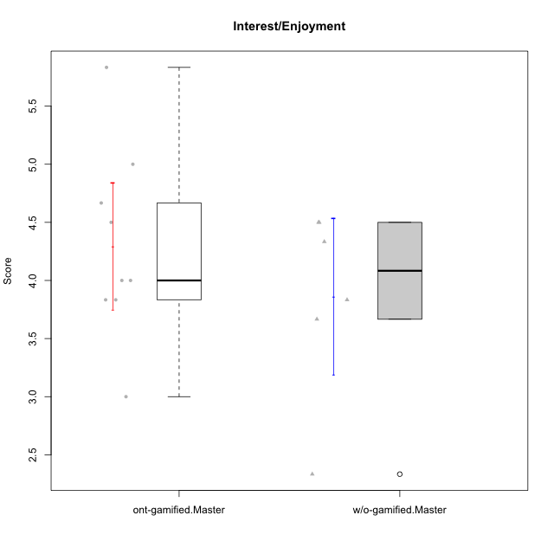

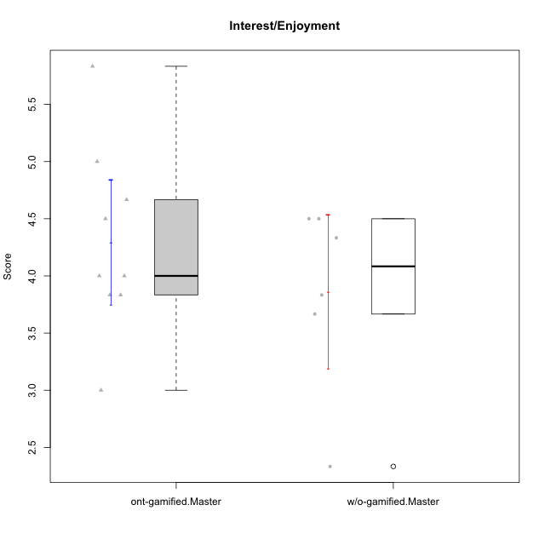

Student's t-Test data
UserID | NroUSP | Type | CLGroup | CLRole | PlayerRole | Item08IE | Item09IE | Item11IE | Item12IE | Item21IE | Item24IE | Item03PC | Item05PC | Item13PC | Item18PC | Item20PC | Item02PT | Item04PT | Item06PT | Item23PT | Item01EI | Item14EI | Item19EI | Item22EI | Item18A | Item25A | Item20A | Item07A | Item13A | Item01S | Item02S | Item05S | Item21S | Interest/Enjoyment | Perceived Choice | Pressure/Tension | Effort/Importance | Attention | Satisfaction | Intrinsic Motivation | Level of Motivation
10171 | 698531 | ont-gamified | Mafia | Master | Social Achiever | 6 | 6 | 6 | 5 | 7 | 5 | 2 | 2 | 2 | 2 | 1 | 2 | 2 | 1 | 6 | 1 | 7 | 1 | 6 | 6 | 5 | 6 | 5 | 6 | 6 | 6 | 4 | 1 | 5.8333333333 | 6.2 | 1.75 | 6.75 | 5.6 | 5.75 | 6.2105263158 | 5.6666666667
10174 | 10276852 | w/o-gamified | Grupo7 | Master |  | 6 | 4 | 4 | 3 | 4 | 6 | 4 | 4 | 4 | 3 | 4 | 4 | 5 | 6 | 5 | 5 | 4 | 2 | 4 | 5 | 4 | 4 | 6 | 4 | 6 | 5 | 4 | 4 | 4.5 | 4.2 | 4.5 | 4.25 | 4.6 | 4.75 | 4.1578947368 | 4.6666666667
10175 | 10310700 | ont-gamified | Warriors | Master | Social Achiever | 4 | 4 | 4 | 4 | 4 | 4 | 3 | 1 | 1 | 1 | 1 | 1 | 1 | 1 | 7 | 1 | 4 | 1 | 4 | 5 | 5 | 5 | 6 | 6 | 6 | 6 | 5 | 1 | 4 | 6.6 | 1 | 5.5 | 5.4 | 6 | 5.6315789474 | 5.6666666667
10176 | 10276949 | ont-gamified | Outlaws | Master | Social Achiever | 4 | 4 | 4 | 3 | 4 | 4 | 4 | 4 | 6 | 5 | 4 | 4 | 6 | 6 | 4 | 4 | 4 | 5 | 4 | 5 | 5 | 5 | 4 | 4 | 4 | 4 | 4 | 4 | 3.8333333333 | 3.4 | 5 | 3.75 | 4.6 | 4 | 3.5263157895 | 4.3333333333
10179 | 10310759 | w/o-gamified | Grupo10 | Master |  | 3 | 3 | 2 | 6 | 4 | 4 | 7 | 6 | 5 | 5 | 4 | 1 | 1 | 2 | 7 | 2 | 6 | 1 | 5 | 4 | 4 | 4 | 2 | 4 | 3 | 4 | 5 | 2 | 3.6666666667 | 2.6 | 1.25 | 6 | 3.6 | 4.5 | 4.5263157895 | 4
10188 | 10276995 | ont-gamified | Vandals | Master | Yee Achiever | 4 | 3 | 1 | 4 | 3 | 3 | 3 | 1 | 3 | 1 | 1 | 1 | 1 | 1 | 7 | 2 | 4 | 3 | 1 | 4 | 4 | 3 | 2 | 4 | 3 | 3 | 3 | 2 | 3 | 6.2 | 1 | 4 | 3.4 | 3.75 | 4.8947368421 | 3.5555555556
10191 | 10276981 | w/o-gamified | Grupo1 | Master |  | 3 | 3 | 3 | 1 | 2 | 2 | 5 | 5 | 5 | 4 | 5 | 1 | 1 | 1 | 7 | 2 | 4 | 4 | 4 | 2 | 4 | 2 | 4 | 5 | 4 | 4 | 5 | 6 | 2.3333333333 | 3.2 | 1 | 4.5 | 3.4 | 3.75 | 4 | 3.5555555556
10208 | 10276932 | ont-gamified | Mercenaries | Master | Social Achiever | 4 | 4 | 4 | 3 | 4 | 4 | 4 | 2 | 4 | 4 | 2 | 2 | 2 | 2 | 5 | 2 | 5 | 2 | 4 | 2 | 2 | 2 | 3 | 4 | 5 | 5 | 3 | 3 | 3.8333333333 | 4.8 | 2.25 | 5.25 | 2.6 | 4.5 | 4.7894736842 | 3.4444444444
10215 | 9285227 | ont-gamified | Vikings | Master | Social Achiever | 5 | 5 | 2 | 3 | 4 | 5 | 5 | 1 | 2 | 4 | 1 | 1 | 1 | 1 | 1 | 1 | 2 | 4 | 1 | 4 | 4 | 1 | 1 | 3 | 3 | 3 | 1 | 1 | 4 | 5.4 | 2.5 | 3.5 | 2.6 | 3.5 | 4.5789473684 | 3
10216 | 10276720 | ont-gamified | Silly Knights | Master | Social Achiever | 4 | 5 | 3 | 7 | 4 | 5 | 3 | 2 | 2 | 1 | 3 | 1 | 1 | 1 | 7 | 1 | 4 | 2 | 4 | 4 | 6 | 5 | 2 | 4 | 5 | 5 | 6 | 2 | 4.6666666667 | 5.8 | 1 | 5.25 | 4.2 | 5.5 | 5.5789473684 | 4.7777777778
10223 | 9795185 | ont-gamified | Slayers | Master | Social Achiever | 6 | 5 | 4 | 5 | 5 | 5 | 4 | 4 | 4 | 3 | 4 | 4 | 4 | 2 | 4 | 4 | 5 | 4 | 4 | 3 | 4 | 4 | 4 | 5 | 4 | 5 | 4 | 4 | 5 | 4.2 | 3.5 | 4.25 | 4 | 4.25 | 4.5263157895 | 4.1111111111
10227 | 9274382 | w/o-gamified | Grupo5 | Master |  | 6 | 4 | 3 | 5 | 3 | 5 | 4 | 4 | 3 | 3 | 3 | 5 | 4 | 3 | 5 | 5 | 4 | 3 | 3 | 5 | 5 | 5 | 6 | 6 | 6 | 6 | 6 | 2 | 4.3333333333 | 4.6 | 3.75 | 3.75 | 5.4 | 6 | 4.2631578947 | 5.6666666667
10230 | 10351992 | ont-gamified | Resistance | Master | Social Achiever | 5 | 4 | 4 | 4 | 5 | 5 | 5 | 4 | 3 | 3 | 5 | 5 | 4 | 6 | 6 | 3 | 3 | 2 | 5 | 3 | 4 | 2 | 6 | 4 | 4 | 6 | 2 | 3 | 4.5 | 4 | 4.25 | 4.75 | 3.8 | 4.25 | 4.2631578947 | 4
10231 | 10276911 | w/o-gamified | Grupo9 | Master |  | 4 | 4 | 4 | 6 | 4 | 5 | 1 | 1 | 2 | 2 | 2 | 1 | 1 | 1 | 7 | 3 | 1 | 4 | 1 | 4 | 4 | 4 | 4 | 4 | 7 | 5 | 4 | 2 | 4.5 | 6.4 | 1 | 2.75 | 4 | 5.5 | 5.1578947368 | 4.6666666667
10238 | 10276953 | w/o-gamified | Grupo2 | Master |  | 4 | 4 | 4 | 3 | 4 | 4 | 7 | 5 | 5 | 5 | 4 | 5 | 5 | 5 | 3 | 1 | 5 | 2 | 5 | 4 | 5 | 4 | 5 | 5 | 3 | 2 | 5 | 4 | 3.8333333333 | 2.8 | 5 | 5.75 | 4.6 | 3.5 | 3.7894736842 | 4.1111111111

Type_CLRole_6
Student's t-Test for Interest/Enjoyment in Type:CLRole between w/o-gamified.Apprentice:w/o-gamified.Master

Student's t-Test results
Alternative hypothesis: less
Group | N | Mean | Mean.Difference | Std.deviation | Std.error | CI.lower | CI.upper | df | t.value | p.value | g | magnitude
w/o-gamified.Apprentice | 18 | 3.5092592593 | -0.35185185185 | 1.1833156892 | 0.27891018271 | 2.9514388938 | 4.0670796247 | 12.463828929 | -0.80398248283 | 0.21823670829 | -0.3054349094 | small
w/o-gamified.Master | 6 | 3.8611111111 | 0.35185185185 | 0.82607954061 | 0.33724556024 | 3.1866199906 | 4.5356022316 | 12.463828929 | -0.80398248283 | 0.21823670829 | -0.3054349094 | small
Alternative hypothesis: greater
Group | N | Mean | Mean.Difference | Std.deviation | Std.error | CI.lower | CI.upper | df | t.value | p.value | g | magnitude
w/o-gamified.Apprentice | 18 | 3.5092592593 | -0.35185185185 | 1.1833156892 | 0.27891018271 | 2.9514388938 | 4.0670796247 | 12.463828929 | -0.80398248283 | 0.78176329171 | -0.3054349094 | small
w/o-gamified.Master | 6 | 3.8611111111 | 0.35185185185 | 0.82607954061 | 0.33724556024 | 3.1866199906 | 4.5356022316 | 12.463828929 | -0.80398248283 | 0.78176329171 | -0.3054349094 | small
Alternative hypothesis: two.sided
Group | N | Mean | Mean.Difference | Std.deviation | Std.error | CI.lower | CI.upper | df | t.value | p.value | g | magnitude
w/o-gamified.Apprentice | 18 | 3.5092592593 | -0.35185185185 | 1.1833156892 | 0.27891018271 | 2.9514388938 | 4.0670796247 | 12.463828929 | -0.80398248283 | 0.43647341659 | -0.3054349094 | small
w/o-gamified.Master | 6 | 3.8611111111 | 0.35185185185 | 0.82607954061 | 0.33724556024 | 3.1866199906 | 4.5356022316 | 12.463828929 | -0.80398248283 | 0.43647341659 | -0.3054349094 | small

Box plots for Student's t-Test
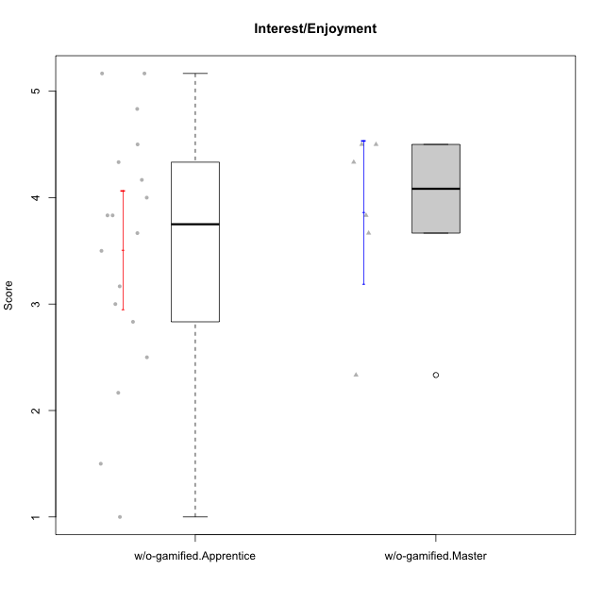

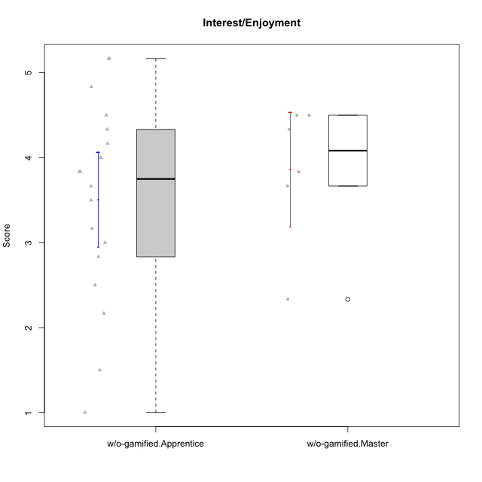

Student's t-Test data
UserID | NroUSP | Type | CLGroup | CLRole | PlayerRole | Item08IE | Item09IE | Item11IE | Item12IE | Item21IE | Item24IE | Item03PC | Item05PC | Item13PC | Item18PC | Item20PC | Item02PT | Item04PT | Item06PT | Item23PT | Item01EI | Item14EI | Item19EI | Item22EI | Item18A | Item25A | Item20A | Item07A | Item13A | Item01S | Item02S | Item05S | Item21S | Interest/Enjoyment | Perceived Choice | Pressure/Tension | Effort/Importance | Attention | Satisfaction | Intrinsic Motivation | Level of Motivation
10170 | 10260351 | w/o-gamified | Grupo11 | Apprentice |  | 6 | 4 | 4 | 3 | 4 | 4 | 3 | 2 | 2 | 1 | 3 | 1 | 1 | 1 | 1 | 3 | 4 | 3 | 5 | 6 | 5 | 6 | 5 | 6 | 4 | 4 | 5 | 5 | 4.1666666667 | 5.8 | 2.5 | 4.75 | 5.6 | 4 | 5 | 4.8888888889
10172 | 10273971 | w/o-gamified | Grupo5 | Apprentice |  | 7 | 5 | 5 | 4 | 5 | 5 | 5 | 6 | 5 | 5 | 5 | 4 | 6 | 5 | 5 | 5 | 4 | 5 | 5 | 5 | 5 | 5 | 6 | 6 | 6 | 4 | 5 | 5 | 5.1666666667 | 2.8 | 4.5 | 3.75 | 5.4 | 4.5 | 3.8947368421 | 5
10174 | 10276852 | w/o-gamified | Grupo7 | Master |  | 6 | 4 | 4 | 3 | 4 | 6 | 4 | 4 | 4 | 3 | 4 | 4 | 5 | 6 | 5 | 5 | 4 | 2 | 4 | 5 | 4 | 4 | 6 | 4 | 6 | 5 | 4 | 4 | 4.5 | 4.2 | 4.5 | 4.25 | 4.6 | 4.75 | 4.1578947368 | 4.6666666667
10179 | 10310759 | w/o-gamified | Grupo10 | Master |  | 3 | 3 | 2 | 6 | 4 | 4 | 7 | 6 | 5 | 5 | 4 | 1 | 1 | 2 | 7 | 2 | 6 | 1 | 5 | 4 | 4 | 4 | 2 | 4 | 3 | 4 | 5 | 2 | 3.6666666667 | 2.6 | 1.25 | 6 | 3.6 | 4.5 | 4.5263157895 | 4
10181 | 10276866 | w/o-gamified | Grupo2 | Apprentice |  | 2 | 3 | 1 | 2 | 3 | 2 | 5 | 1 | 5 | 5 | 3 | 4 | 1 | 5 | 4 | 7 | 1 | 4 | 5 | 4 | 4 | 4 | 5 | 4 | 1 | 1 | 3 | 4 | 2.1666666667 | 4.2 | 3.5 | 2.75 | 4.2 | 2.25 | 3.3157894737 | 3.3333333333
10183 | 10352030 | w/o-gamified | Grupo3 | Apprentice |  | 3 | 3 | 3 | 3 | 3 | 2 | 4 | 4 | 2 | 3 | 5 | 4 | 4 | 5 | 2 | 4 | 2 | 3 | 4 | 2 | 2 | 2 | 2 | 3 | 2 | 2 | 4 | 4 | 2.8333333333 | 4.4 | 4.75 | 3.75 | 2.2 | 3 | 3.5263157895 | 2.5555555556
10184 | 10276675 | w/o-gamified | Grupo10 | Apprentice |  | 4 | 4 | 4 | 4 | 3 | 4 | 4 | 5 | 3 | 4 | 4 | 4 | 3 | 4 | 4 | 4 | 3 | 4 | 4 | 4 | 4 | 4 | 2 | 4 | 6 | 4 | 4 | 4 | 3.8333333333 | 4 | 3.75 | 3.75 | 3.6 | 4.5 | 3.9473684211 | 4
10185 | 10276960 | w/o-gamified | Grupo9 | Apprentice |  | 6 | 4 | 5 | 5 | 3 | 6 | 3 | 6 | 5 | 6 | 3 | 4 | 4 | 5 | 4 | 4 | 4 | 3 | 5 | 3 | 5 | 3 | 4 | 3 | 4 | 5 | 5 | 6 | 4.8333333333 | 3.4 | 4.25 | 4.5 | 3.6 | 4 | 4.1578947368 | 3.7777777778
10190 | 10276907 | w/o-gamified | Grupo4 | Apprentice |  | 3 | 3 | 3 | 2 | 4 | 4 | 7 | 7 | 3 | 5 | 4 | 5 | 7 | 6 | 5 | 3 | 4 | 5 | 4 | 6 | 5 | 5 | 5 | 3 | 3 | 4 | 4 | 4 | 3.1666666667 | 2.8 | 5.25 | 4 | 4.8 | 3.75 | 3.1578947368 | 4.3333333333
10191 | 10276981 | w/o-gamified | Grupo1 | Master |  | 3 | 3 | 3 | 1 | 2 | 2 | 5 | 5 | 5 | 4 | 5 | 1 | 1 | 1 | 7 | 2 | 4 | 4 | 4 | 2 | 4 | 2 | 4 | 5 | 4 | 4 | 5 | 6 | 2.3333333333 | 3.2 | 1 | 4.5 | 3.4 | 3.75 | 4 | 3.5555555556
10197 | 10276661 | w/o-gamified | Grupo8 | Apprentice |  | 5 | 3 | 5 | 4 | 2 | 2 | 2 | 3 | 4 | 2 | 4 | 3 | 3 | 5 | 5 | 3 | 4 | 3 | 4 | 7 | 4 | 4 | 5 | 3 | 4 | 4 | 2 | 4 | 3.5 | 5 | 3.5 | 4.5 | 4.6 | 3.5 | 4.3157894737 | 4.1111111111
10199 | 10276737 | w/o-gamified | Grupo1 | Apprentice |  | 4 | 3 | 4 | 1 | 3 | 3 | 3 | 5 | 3 | 5 | 5 | 4 | 2 | 3 | 4 | 4 | 4 | 4 | 5 | 5 | 4 | 3 | 3 | 4 | 6 | 4 | 4 | 2 | 3 | 3.8 | 3.25 | 4.25 | 3.8 | 5 | 3.8421052632 | 4.3333333333
10201 | 10276928 | w/o-gamified | Grupo11 | Apprentice |  | 6 | 5 | 5 | 6 | 6 | 3 | 5 | 3 | 3 | 4 | 4 | 3 | 2 | 4 | 5 | 3 | 5 | 3 | 5 | 6 | 5 | 6 | 6 | 6 | 6 | 5 | 6 | 5 | 5.1666666667 | 4.2 | 3 | 5 | 5.8 | 5 | 4.8421052632 | 5.4444444444
10206 | 10310721 | w/o-gamified | Grupo8 | Apprentice |  | 4 | 4 | 2 | 3 | 5 | 4 | 3 | 2 | 3 | 2 | 2 | 3 | 2 | 3 | 4 | 2 | 5 | 2 | 5 | 4 | 6 | 4 | 4 | 5 | 5 | 5 | 6 | 3 | 3.6666666667 | 5.6 | 3 | 5.5 | 4.6 | 5.25 | 4.8421052632 | 4.8888888889
10210 | 10277015 | w/o-gamified | Grupo6 | Apprentice |  | 1 | 1 | 1 | 1 | 1 | 1 | 7 | 7 | 7 | 7 | 7 | 7 | 7 | 7 | 1 | 1 | 7 | 1 | 7 | 1 | 1 | 1 | 1 | 1 | 1 | 1 | 1 | 7 | 1 | 1 | 7 | 7 | 1 | 1 | 2.2631578947 | 1
10213 | 10277040 | w/o-gamified | Grupo7 | Apprentice |  | 4 | 3 | 7 | 1 | 4 | 4 | 7 | 7 | 7 | 7 | 7 | 1 | 7 | 7 | 4 | 1 | 7 | 1 | 7 | 5 | 7 | 7 | 7 | 4 | 7 | 4 | 7 | 1 | 3.8333333333 | 1 | 4.75 | 7 | 6 | 6.25 | 3.6315789474 | 6.1111111111
10217 | 9805341 | w/o-gamified | Grupo9 | Apprentice |  | 5 | 5 | 3 | 4 | 5 | 4 | 4 | 5 | 4 | 4 | 2 | 1 | 1 | 1 | 7 | 3 | 3 | 4 | 2 | 3 | 4 | 4 | 4 | 6 | 4 | 4 | 4 | 3 | 4.3333333333 | 4.2 | 1 | 3.5 | 4.2 | 4.25 | 4.6842105263 | 4.2222222222
10218 | 9842913 | w/o-gamified | Grupo10 | Apprentice |  | 4 | 4 | 4 | 4 | 4 | 4 | 4 | 5 | 4 | 5 | 4 | 4 | 5 | 4 | 5 | 4 | 4 | 4 | 5 | 3 | 4 | 4 | 5 | 4 | 4 | 3 | 3 | 4 | 4 | 3.6 | 4 | 4.25 | 4 | 3.5 | 3.9473684211 | 3.7777777778
10220 | 9760151 | w/o-gamified | Grupo3 | Apprentice |  | 4 | 1 | 1 | 1 | 4 | 4 | 1 | 1 | 1 | 4 | 1 | 1 | 1 | 1 | 7 | 1 | 4 | 1 | 7 | 1 | 1 | 1 | 1 | 1 | 7 | 4 | 7 | 1 | 2.5 | 6.4 | 1 | 6.25 | 1 | 6.25 | 5.2631578947 | 3.3333333333
10226 | 10310342 | w/o-gamified | Grupo4 | Apprentice |  | 4 | 1 | 1 | 1 | 1 | 1 | 7 | 7 | 7 | 7 | 7 | 7 | 7 | 7 | 1 | 7 | 1 | 7 | 1 | 3 | 2 | 1 | 2 | 2 | 3 | 2 | 3 | 5 | 1.5 | 1 | 7 | 1 | 2 | 2.75 | 1.1578947368 | 2.3333333333
10227 | 9274382 | w/o-gamified | Grupo5 | Master |  | 6 | 4 | 3 | 5 | 3 | 5 | 4 | 4 | 3 | 3 | 3 | 5 | 4 | 3 | 5 | 5 | 4 | 3 | 3 | 5 | 5 | 5 | 6 | 6 | 6 | 6 | 6 | 2 | 4.3333333333 | 4.6 | 3.75 | 3.75 | 5.4 | 6 | 4.2631578947 | 5.6666666667
10231 | 10276911 | w/o-gamified | Grupo9 | Master |  | 4 | 4 | 4 | 6 | 4 | 5 | 1 | 1 | 2 | 2 | 2 | 1 | 1 | 1 | 7 | 3 | 1 | 4 | 1 | 4 | 4 | 4 | 4 | 4 | 7 | 5 | 4 | 2 | 4.5 | 6.4 | 1 | 2.75 | 4 | 5.5 | 5.1578947368 | 4.6666666667
10232 | 10276974 | w/o-gamified | Grupo7 | Apprentice |  | 5 | 4 | 5 | 4 | 4 | 5 | 3 | 3 | 3 | 4 | 4 | 2 | 2 | 2 | 3 | 1 | 5 | 1 | 6 | 4 | 6 | 4 | 5 | 4 | 6 | 5 | 6 | 1 | 4.5 | 4.6 | 2.75 | 6.25 | 4.6 | 6 | 5.0526315789 | 5.2222222222
10238 | 10276953 | w/o-gamified | Grupo2 | Master |  | 4 | 4 | 4 | 3 | 4 | 4 | 7 | 5 | 5 | 5 | 4 | 5 | 5 | 5 | 3 | 1 | 5 | 2 | 5 | 4 | 5 | 4 | 5 | 5 | 3 | 2 | 5 | 4 | 3.8333333333 | 2.8 | 5 | 5.75 | 4.6 | 3.5 | 3.7894736842 | 4.1111111111

