Assumptions
ANOVA assumptions for Level of Motivation

Shapiro-Wilk normality test for Level of Motivation
W | p.value
0.98284698308 | 0.67656244641

Plots for normality test
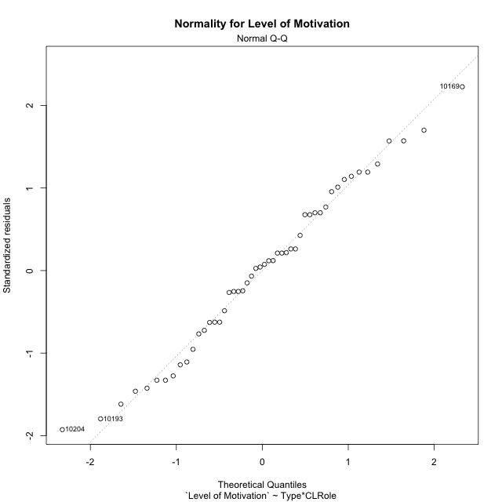

Levene's Test for Homogeneity of Variance in Level of Motivation
Df | F value | Pr(>F)
3 | 1.2129879545 | 0.31565203105
46

Plots for homogeneity of variance
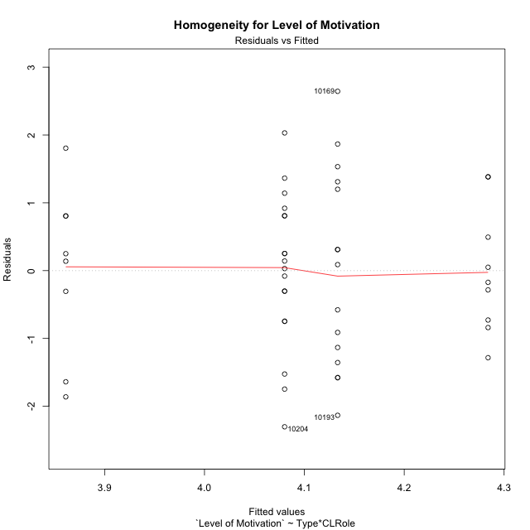

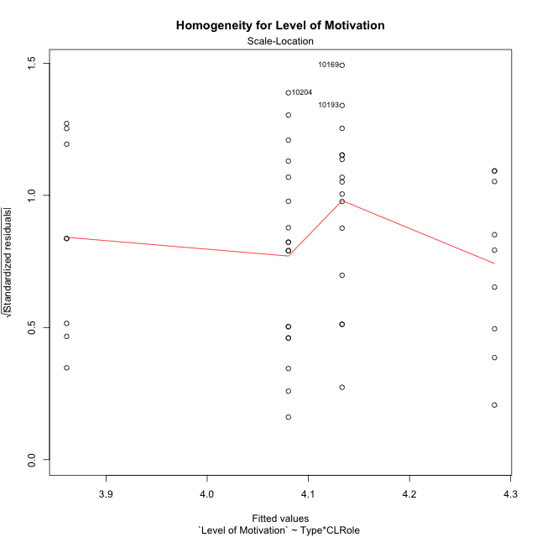

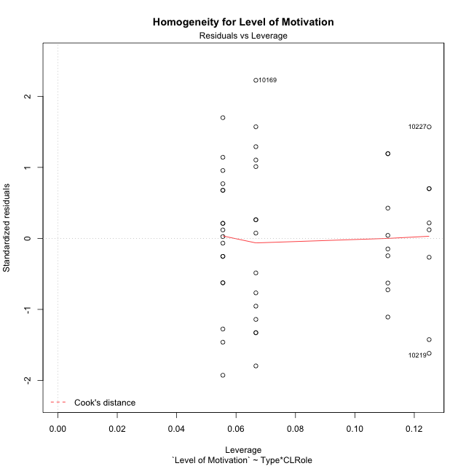

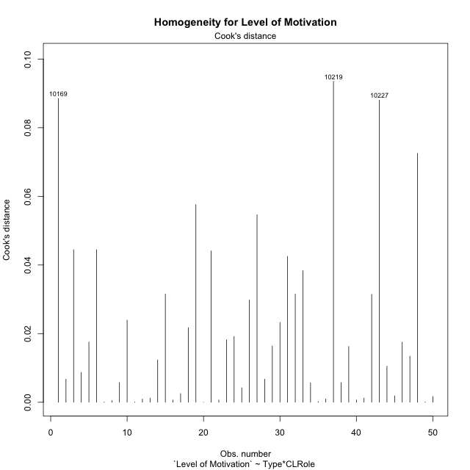

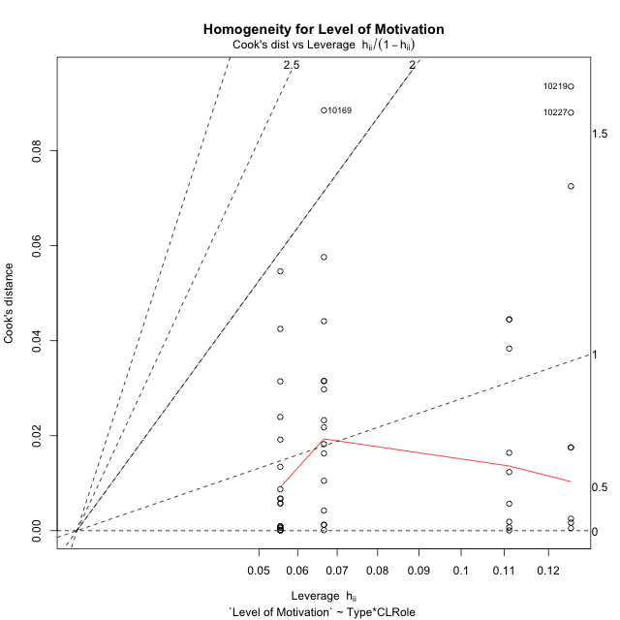

Minimum Sample Size Test for Level of Motivation
Type | CLRole | Freq
ont-gamified | Apprentice | 15
w/o-gamified | Apprentice | 18
ont-gamified | Master | 9
w/o-gamified | Master | 8

Errors and Warnings in Sample Size Test for ANOVA in Level of Motivation
code | description
WARN: sample.size | current.size is = 9 and recommended.size must be = 15 for the group: 'ont-gamified:Master'. Size sample for parametric test isn't recomended
WARN: sample.size | current.size is = 8 and recommended.size must be = 15 for the group: 'w/o-gamified:Master'. Size sample for parametric test isn't recomended

For the group: 'ont-gamified:Apprentice', you can perform a parametric test with a non-normal distribution For the group: 'w/o-gamified:Apprentice', you can perform a parametric test with a non-normal distribution For the group: 'ont-gamified:Master', we recommend the use of non parametric test. For the group: 'w/o-gamified:Master', we recommend the use of non parametric test.

If you don't want to remove non-normal data, you must cite the following references: ... (1) Lix, L.M., J.C. Keselman, and H.J. Keselman. 1996. Consequences of assumption violations revisited: A quantitative review of alternatives to the one-way analysis of variance F test. Rev. Educ. Res. 66: 579-619. ... (2) Harwell, M.R., E.N. Rubinstein, W.S. Hayes, and C.C. Olds. 1992. Summarizing Monte Carlo results in methodological research: the one- and two-factor fixed effects ANOVA cases. J. Educ. Stat. 17: 315-339.

Post-hoc
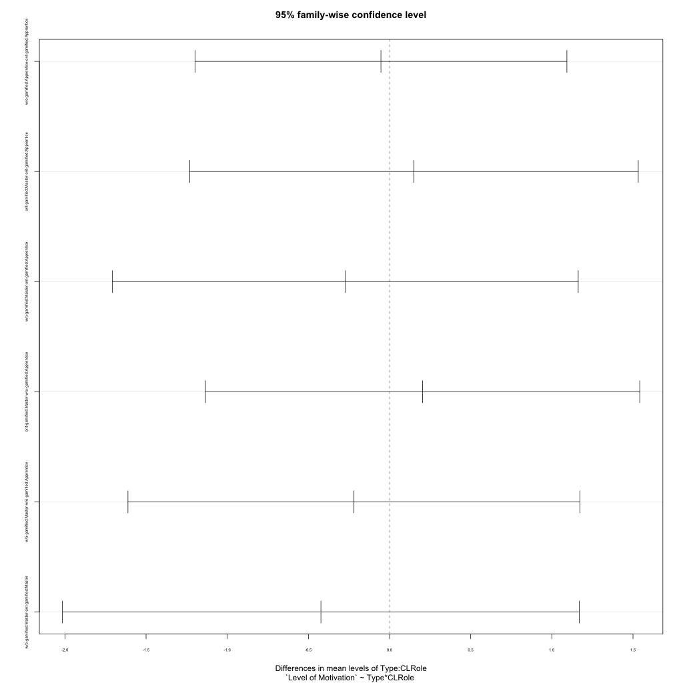
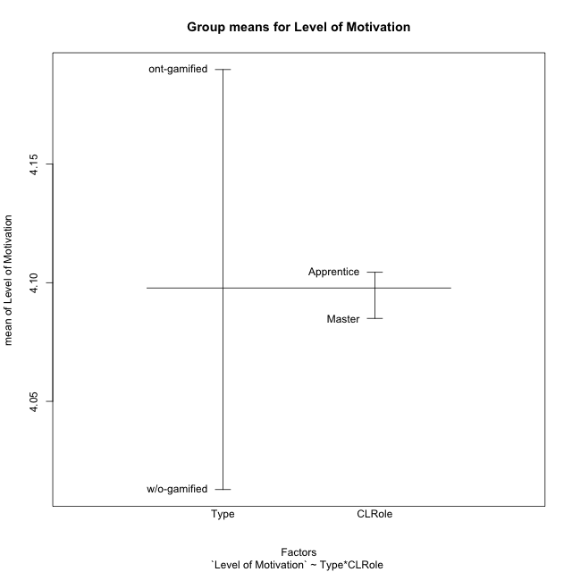
Post-hoc Tukey Honestly Significant Difference (HSD) Test for Level of Motivation

Comparisons of means for Type
 | diff | lwr | upr | p adj
w/o-gamified-ont-gamified | -0.17699430199 | -0.87750306683 | 0.52351446284 | 0.61347103685

Comparisons of means for CLRole
 | diff | lwr | upr | p adj
Master-Apprentice | -0.032660694425 | -0.77145652838 | 0.70613513953 | 0.92947925334

Comparisons of means for Type:CLRole
 | diff | lwr | upr | p adj
w/o-gamified:Apprentice-ont-gamified:Apprentice | -0.053086419753 | -1.1987385878 | 1.0925657483 | 0.99931645528
ont-gamified:Master-ont-gamified:Apprentice | 0.15061728395 | -1.2310912185 | 1.5323257864 | 0.99134208411
w/o-gamified:Master-ont-gamified:Apprentice | -0.27222222222 | -1.7068888245 | 1.16244438 | 0.95730711385
ont-gamified:Master-w/o-gamified:Apprentice | 0.2037037037 | -1.1341298011 | 1.5415372085 | 0.97713973941
w/o-gamified:Master-w/o-gamified:Apprentice | -0.21913580247 | -1.6115970624 | 1.1733254575 | 0.97487152131
w/o-gamified:Master-ont-gamified:Master | -0.42283950617 | -2.0151798768 | 1.1695008645 | 0.89348974809

Contrast Matrices for Level of Motivation
contrast | CLRole | estimate | SE | df | t.ratio | p.value
ont-gamified - w/o-gamified | Apprentice | 0.053086419753 | 0.42980820691 | 46 | 0.12351188018 | 0.90223987321
ont-gamified - w/o-gamified | Master | 0.42283950617 | 0.59738983488 | 46 | 0.70781168591 | 0.4826333073

Least Squares Means and Confidence Intervals
Type | CLRole | lsmean | SE | df | lower.CL | upper.CL
ont-gamified | Apprentice | 4.1333333333 | 0.31743439814 | 46 | 3.4943710304 | 4.7722956363
w/o-gamified | Apprentice | 4.0802469136 | 0.28977663399 | 46 | 3.4969568024 | 4.6635370248
ont-gamified | Master | 4.2839506173 | 0.40980604584 | 46 | 3.4590538312 | 5.1088474034
w/o-gamified | Master | 3.8611111111 | 0.43466495098 | 46 | 2.9861759443 | 4.7360462779

Plots

Type_1
Student's t-Test for Level of Motivation in Type between ont-gamified:w/o-gamified

Student's t-Test results
Alternative hypothesis: less
Group | N | Mean | Mean.Difference | Std.deviation | Std.error | CI.lower | CI.upper | df | t.value | p.value | g | magnitude
ont-gamified | 24 | 4.1898148148 | 0.17699430199 | 1.2717160002 | 0.25958794153 | 3.6706389318 | 4.7089906979 | 46.385314608 | 0.515839291 | 0.69579157344 | 0.14434446724 | negligible
w/o-gamified | 26 | 4.0128205128 | -0.17699430199 | 1.1441000229 | 0.22437647469 | 3.5640675634 | 4.4615734622 | 46.385314608 | 0.515839291 | 0.69579157344 | 0.14434446724 | negligible
Alternative hypothesis: greater
Group | N | Mean | Mean.Difference | Std.deviation | Std.error | CI.lower | CI.upper | df | t.value | p.value | g | magnitude
ont-gamified | 24 | 4.1898148148 | 0.17699430199 | 1.2717160002 | 0.25958794153 | 3.6706389318 | 4.7089906979 | 46.385314608 | 0.515839291 | 0.30420842656 | 0.14434446724 | negligible
w/o-gamified | 26 | 4.0128205128 | -0.17699430199 | 1.1441000229 | 0.22437647469 | 3.5640675634 | 4.4615734622 | 46.385314608 | 0.515839291 | 0.30420842656 | 0.14434446724 | negligible
Alternative hypothesis: two.sided
Group | N | Mean | Mean.Difference | Std.deviation | Std.error | CI.lower | CI.upper | df | t.value | p.value | g | magnitude
ont-gamified | 24 | 4.1898148148 | 0.17699430199 | 1.2717160002 | 0.25958794153 | 3.6706389318 | 4.7089906979 | 46.385314608 | 0.515839291 | 0.60841685313 | 0.14434446724 | negligible
w/o-gamified | 26 | 4.0128205128 | -0.17699430199 | 1.1441000229 | 0.22437647469 | 3.5640675634 | 4.4615734622 | 46.385314608 | 0.515839291 | 0.60841685313 | 0.14434446724 | negligible

Box plots for Student's t-Test
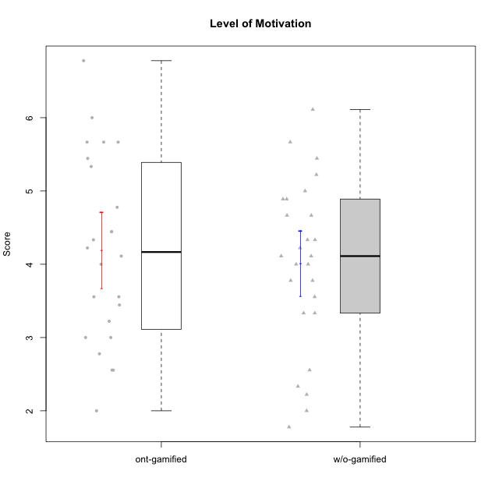

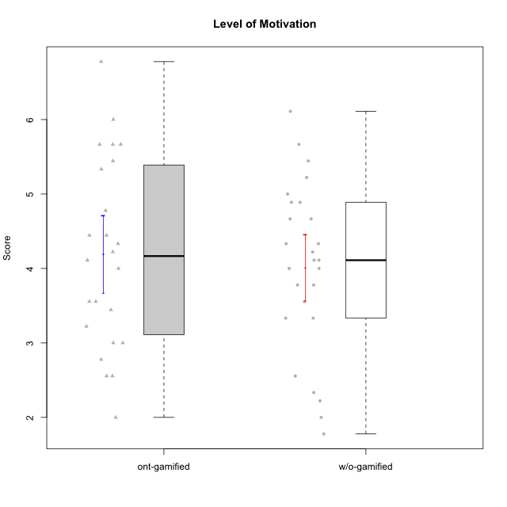

Student's t-Test data
UserID | NroUSP | Type | CLGroup | CLRole | PlayerRole | Item08IE | Item09IE | Item11IE | Item12IE | Item21IE | Item24IE | Item03PC | Item05PC | Item13PC | Item18PC | Item20PC | Item02PT | Item04PT | Item06PT | Item23PT | Item01EI | Item14EI | Item19EI | Item22EI | Item18A | Item25A | Item20A | Item07A | Item13A | Item01S | Item02S | Item05S | Item21S | Interest/Enjoyment | Perceived Choice | Pressure/Tension | Effort/Importance | Attention | Satisfaction | Intrinsic Motivation | Level of Motivation
10169 | 10377538 | ont-gamified | Resistance | Apprentice | Social Achiever | 7 | 7 | 7 | 7 | 7 | 7 | 4 | 2 | 4 | 2 | 2 | 7 | 7 | 6 | 1 | 5 | 5 | 5 | 6 | 7 | 7 | 7 | 7 | 7 | 7 | 7 | 7 | 3 | 7 | 5.2 | 6.75 | 4.25 | 7 | 6.5 | 4.7368421053 | 6.7777777778
10170 | 10260351 | w/o-gamified | Grupo11 | Apprentice |  | 6 | 4 | 4 | 3 | 4 | 4 | 3 | 2 | 2 | 1 | 3 | 1 | 1 | 1 | 1 | 3 | 4 | 3 | 5 | 6 | 5 | 6 | 5 | 6 | 4 | 4 | 5 | 5 | 4.1666666667 | 5.8 | 2.5 | 4.75 | 5.6 | 4 | 5 | 4.8888888889
10171 | 698531 | ont-gamified | Mafia | Master | Social Achiever | 6 | 6 | 6 | 5 | 7 | 5 | 2 | 2 | 2 | 2 | 1 | 2 | 2 | 1 | 6 | 1 | 7 | 1 | 6 | 6 | 5 | 6 | 5 | 6 | 6 | 6 | 4 | 1 | 5.8333333333 | 6.2 | 1.75 | 6.75 | 5.6 | 5.75 | 6.2105263158 | 5.6666666667
10172 | 10273971 | w/o-gamified | Grupo5 | Apprentice |  | 7 | 5 | 5 | 4 | 5 | 5 | 5 | 6 | 5 | 5 | 5 | 4 | 6 | 5 | 5 | 5 | 4 | 5 | 5 | 5 | 5 | 5 | 6 | 6 | 6 | 4 | 5 | 5 | 5.1666666667 | 2.8 | 4.5 | 3.75 | 5.4 | 4.5 | 3.8947368421 | 5
10174 | 10276852 | w/o-gamified | Grupo7 | Master |  | 6 | 4 | 4 | 3 | 4 | 6 | 4 | 4 | 4 | 3 | 4 | 4 | 5 | 6 | 5 | 5 | 4 | 2 | 4 | 5 | 4 | 4 | 6 | 4 | 6 | 5 | 4 | 4 | 4.5 | 4.2 | 4.5 | 4.25 | 4.6 | 4.75 | 4.1578947368 | 4.6666666667
10175 | 10310700 | ont-gamified | Warriors | Master | Social Achiever | 4 | 4 | 4 | 4 | 4 | 4 | 3 | 1 | 1 | 1 | 1 | 1 | 1 | 1 | 7 | 1 | 4 | 1 | 4 | 5 | 5 | 5 | 6 | 6 | 6 | 6 | 5 | 1 | 4 | 6.6 | 1 | 5.5 | 5.4 | 6 | 5.6315789474 | 5.6666666667
10176 | 10276949 | ont-gamified | Outlaws | Master | Social Achiever | 4 | 4 | 4 | 3 | 4 | 4 | 4 | 4 | 6 | 5 | 4 | 4 | 6 | 6 | 4 | 4 | 4 | 5 | 4 | 5 | 5 | 5 | 4 | 4 | 4 | 4 | 4 | 4 | 3.8333333333 | 3.4 | 5 | 3.75 | 4.6 | 4 | 3.5263157895 | 4.3333333333
10179 | 10310759 | w/o-gamified | Grupo10 | Master |  | 3 | 3 | 2 | 6 | 4 | 4 | 7 | 6 | 5 | 5 | 4 | 1 | 1 | 2 | 7 | 2 | 6 | 1 | 5 | 4 | 4 | 4 | 2 | 4 | 3 | 4 | 5 | 2 | 3.6666666667 | 2.6 | 1.25 | 6 | 3.6 | 4.5 | 4.5263157895 | 4
10181 | 10276866 | w/o-gamified | Grupo2 | Apprentice |  | 2 | 3 | 1 | 2 | 3 | 2 | 5 | 1 | 5 | 5 | 3 | 4 | 1 | 5 | 4 | 7 | 1 | 4 | 5 | 4 | 4 | 4 | 5 | 4 | 1 | 1 | 3 | 4 | 2.1666666667 | 4.2 | 3.5 | 2.75 | 4.2 | 2.25 | 3.3157894737 | 3.3333333333
10183 | 10352030 | w/o-gamified | Grupo3 | Apprentice |  | 3 | 3 | 3 | 3 | 3 | 2 | 4 | 4 | 2 | 3 | 5 | 4 | 4 | 5 | 2 | 4 | 2 | 3 | 4 | 2 | 2 | 2 | 2 | 3 | 2 | 2 | 4 | 4 | 2.8333333333 | 4.4 | 4.75 | 3.75 | 2.2 | 3 | 3.5263157895 | 2.5555555556
10184 | 10276675 | w/o-gamified | Grupo10 | Apprentice |  | 4 | 4 | 4 | 4 | 3 | 4 | 4 | 5 | 3 | 4 | 4 | 4 | 3 | 4 | 4 | 4 | 3 | 4 | 4 | 4 | 4 | 4 | 2 | 4 | 6 | 4 | 4 | 4 | 3.8333333333 | 4 | 3.75 | 3.75 | 3.6 | 4.5 | 3.9473684211 | 4
10185 | 10276960 | w/o-gamified | Grupo9 | Apprentice |  | 6 | 4 | 5 | 5 | 3 | 6 | 3 | 6 | 5 | 6 | 3 | 4 | 4 | 5 | 4 | 4 | 4 | 3 | 5 | 3 | 5 | 3 | 4 | 3 | 4 | 5 | 5 | 6 | 4.8333333333 | 3.4 | 4.25 | 4.5 | 3.6 | 4 | 4.1578947368 | 3.7777777778
10186 | 10310551 | ont-gamified | Slayers | Apprentice | Social Achiever | 6 | 4 | 6 | 1 | 3 | 3 | 4 | 4 | 4 | 4 | 1 | 5 | 4 | 4 | 1 | 1 | 7 | 1 | 7 | 4 | 1 | 4 | 1 | 4 | 7 | 7 | 5 | 1 | 3.8333333333 | 4.6 | 5 | 7 | 2.8 | 6.5 | 4.5263157895 | 4.4444444444
10188 | 10276995 | ont-gamified | Vandals | Master | Yee Achiever | 4 | 3 | 1 | 4 | 3 | 3 | 3 | 1 | 3 | 1 | 1 | 1 | 1 | 1 | 7 | 2 | 4 | 3 | 1 | 4 | 4 | 3 | 2 | 4 | 3 | 3 | 3 | 2 | 3 | 6.2 | 1 | 4 | 3.4 | 3.75 | 4.8947368421 | 3.5555555556
10189 | 9363926 | ont-gamified | Vikings | Apprentice | Social Achiever | 4 | 2 | 1 | 1 | 2 | 2 | 5 | 5 | 5 | 4 | 4 | 1 | 1 | 2 | 4 | 1 | 5 | 3 | 6 | 2 | 1 | 1 | 1 | 3 | 3 | 2 | 3 | 1 | 2 | 3.4 | 2 | 5.75 | 1.6 | 3.75 | 4 | 2.5555555556
10190 | 10276907 | w/o-gamified | Grupo4 | Apprentice |  | 3 | 3 | 3 | 2 | 4 | 4 | 7 | 7 | 3 | 5 | 4 | 5 | 7 | 6 | 5 | 3 | 4 | 5 | 4 | 6 | 5 | 5 | 5 | 3 | 3 | 4 | 4 | 4 | 3.1666666667 | 2.8 | 5.25 | 4 | 4.8 | 3.75 | 3.1578947368 | 4.3333333333
10191 | 10276981 | w/o-gamified | Grupo1 | Master |  | 3 | 3 | 3 | 1 | 2 | 2 | 5 | 5 | 5 | 4 | 5 | 1 | 1 | 1 | 7 | 2 | 4 | 4 | 4 | 2 | 4 | 2 | 4 | 5 | 4 | 4 | 5 | 6 | 2.3333333333 | 3.2 | 1 | 4.5 | 3.4 | 3.75 | 4 | 3.5555555556
10192 | 10276682 | ont-gamified | Attractive Devils | Apprentice | Social Achiever | 4 | 4 | 6 | 4 | 5 | 1 | 3 | 2 | 3 | 4 | 4 | 4 | 4 | 4 | 3 | 1 | 7 | 5 | 5 | 4 | 4 | 4 | 7 | 6 | 7 | 6 | 7 | 4 | 4 | 4.8 | 4.25 | 5.5 | 5 | 6 | 4.4736842105 | 5.4444444444
10193 | 10276762 | ont-gamified | Vandals | Apprentice | Yee Achiever | 1 | 2 | 1 | 1 | 1 | 2 | 1 | 1 | 1 | 1 | 1 | 1 | 1 | 2 | 1 | 1 | 1 | 2 | 2 | 2 | 1 | 2 | 1 | 1 | 1 | 2 | 1 | 1 | 1.3333333333 | 7 | 2.75 | 4 | 1.4 | 2.75 | 4.2105263158 | 2
10197 | 10276661 | w/o-gamified | Grupo8 | Apprentice |  | 5 | 3 | 5 | 4 | 2 | 2 | 2 | 3 | 4 | 2 | 4 | 3 | 3 | 5 | 5 | 3 | 4 | 3 | 4 | 7 | 4 | 4 | 5 | 3 | 4 | 4 | 2 | 4 | 3.5 | 5 | 3.5 | 4.5 | 4.6 | 3.5 | 4.3157894737 | 4.1111111111
10198 | 10310888 | ont-gamified | Attractive Devils | Apprentice | Social Achiever | 4 | 6 | 4 | 5 | 3 | 2 | 1 | 4 | 5 | 6 | 6 | 4 | 4 | 4 | 3 | 2 | 6 | 3 | 6 | 5 | 5 | 6 | 7 | 5 | 7 | 7 | 6 | 2 | 4 | 3.6 | 4.25 | 5.75 | 5.6 | 6.5 | 4.2105263158 | 6
10199 | 10276737 | w/o-gamified | Grupo1 | Apprentice |  | 4 | 3 | 4 | 1 | 3 | 3 | 3 | 5 | 3 | 5 | 5 | 4 | 2 | 3 | 4 | 4 | 4 | 4 | 5 | 5 | 4 | 3 | 3 | 4 | 6 | 4 | 4 | 2 | 3 | 3.8 | 3.25 | 4.25 | 3.8 | 5 | 3.8421052632 | 4.3333333333
10200 | 9795272 | ont-gamified | Warriors | Apprentice | Social Achiever | 5 | 4 | 5 | 3 | 5 | 5 | 3 | 4 | 5 | 2 | 2 | 5 | 5 | 4 | 3 | 1 | 6 | 1 | 6 | 4 | 5 | 4 | 6 | 5 | 5 | 6 | 7 | 2 | 4.5 | 4.8 | 4.75 | 6.5 | 4.8 | 6 | 4.7368421053 | 5.3333333333
10201 | 10276928 | w/o-gamified | Grupo11 | Apprentice |  | 6 | 5 | 5 | 6 | 6 | 3 | 5 | 3 | 3 | 4 | 4 | 3 | 2 | 4 | 5 | 3 | 5 | 3 | 5 | 6 | 5 | 6 | 6 | 6 | 6 | 5 | 6 | 5 | 5.1666666667 | 4.2 | 3 | 5 | 5.8 | 5 | 4.8421052632 | 5.4444444444
10202 | 10277036 | ont-gamified | Silly Knights | Apprentice | Social Achiever | 3 | 3 | 3 | 3 | 3 | 3 | 3 | 2 | 2 | 5 | 2 | 3 | 3 | 3 | 3 | 2 | 5 | 2 | 5 | 2 | 3 | 2 | 2 | 3 | 5 | 5 | 5 | 3 | 3 | 5.2 | 3.5 | 5.5 | 2.4 | 5 | 4.4210526316 | 3.5555555556
10203 | 9921470 | ont-gamified | Mercenaries | Apprentice | Social Achiever | 3 | 5 | 4 | 5 | 4 | 4 | 4 | 1 | 1 | 1 | 1 | 2 | 5 | 1 | 3 | 1 | 7 | 1 | 6 | 4 | 5 | 7 | 6 | 5 | 5 | 7 | 7 | 3 | 4.1666666667 | 6.4 | 3.25 | 6.75 | 5.4 | 6 | 5.4210526316 | 5.6666666667
10204 | 10310471 | w/o-gamified | Grupo6 | Apprentice |  | 1 | 1 | 1 | 1 | 1 | 1 | 7 | 7 | 7 | 7 | 7 | 7 | 7 | 7 | 1 | 4 | 4 | 1 | 7 | 1 | 1 | 1 | 1 | 1 | 2 | 1 | 4 | 4 | 1 | 1 | 7 | 5.5 | 1 | 2.75 | 1.9473684211 | 1.7777777778
10206 | 10310721 | w/o-gamified | Grupo8 | Apprentice |  | 4 | 4 | 2 | 3 | 5 | 4 | 3 | 2 | 3 | 2 | 2 | 3 | 2 | 3 | 4 | 2 | 5 | 2 | 5 | 4 | 6 | 4 | 4 | 5 | 5 | 5 | 6 | 3 | 3.6666666667 | 5.6 | 3 | 5.5 | 4.6 | 5.25 | 4.8421052632 | 4.8888888889
10208 | 10276932 | ont-gamified | Mercenaries | Master | Social Achiever | 4 | 4 | 4 | 3 | 4 | 4 | 4 | 2 | 4 | 4 | 2 | 2 | 2 | 2 | 5 | 2 | 5 | 2 | 4 | 2 | 2 | 2 | 3 | 4 | 5 | 5 | 3 | 3 | 3.8333333333 | 4.8 | 2.25 | 5.25 | 2.6 | 4.5 | 4.7894736842 | 3.4444444444
10209 | 10262669 | ont-gamified | Mafia | Apprentice | Social Achiever | 2 | 2 | 4 | 2 | 2 | 2 | 7 | 7 | 7 | 7 | 7 | 2 | 1 | 1 | 7 | 2 | 3 | 3 | 2 | 2 | 2 | 1 | 2 | 4 | 2 | 2 | 3 | 1 | 2.3333333333 | 1 | 1.25 | 4 | 2.2 | 3.5 | 3.2631578947 | 2.7777777778
10213 | 10277040 | w/o-gamified | Grupo7 | Apprentice |  | 4 | 3 | 7 | 1 | 4 | 4 | 7 | 7 | 7 | 7 | 7 | 1 | 7 | 7 | 4 | 1 | 7 | 1 | 7 | 5 | 7 | 7 | 7 | 4 | 7 | 4 | 7 | 1 | 3.8333333333 | 1 | 4.75 | 7 | 6 | 6.25 | 3.6315789474 | 6.1111111111
10214 | 10277022 | ont-gamified | Vikings | Apprentice | Social Achiever | 2 | 1 | 1 | 1 | 1 | 1 | 6 | 2 | 6 | 7 | 6 | 5 | 1 | 4 | 2 | 1 | 7 | 1 | 7 | 1 | 2 | 1 | 1 | 2 | 3 | 4 | 4 | 3 | 1.1666666667 | 2.6 | 4 | 7 | 1.4 | 4 | 3.3684210526 | 2.5555555556
10215 | 9285227 | ont-gamified | Vikings | Master | Social Achiever | 5 | 5 | 2 | 3 | 4 | 5 | 5 | 1 | 2 | 4 | 1 | 1 | 1 | 1 | 1 | 1 | 2 | 4 | 1 | 4 | 4 | 1 | 1 | 3 | 3 | 3 | 1 | 1 | 4 | 5.4 | 2.5 | 3.5 | 2.6 | 3.5 | 4.5789473684 | 3
10216 | 10276720 | ont-gamified | Silly Knights | Master | Social Achiever | 4 | 5 | 3 | 7 | 4 | 5 | 3 | 2 | 2 | 1 | 3 | 1 | 1 | 1 | 7 | 1 | 4 | 2 | 4 | 4 | 6 | 5 | 2 | 4 | 5 | 5 | 6 | 2 | 4.6666666667 | 5.8 | 1 | 5.25 | 4.2 | 5.5 | 5.5789473684 | 4.7777777778
10217 | 9805341 | w/o-gamified | Grupo9 | Apprentice |  | 5 | 5 | 3 | 4 | 5 | 4 | 4 | 5 | 4 | 4 | 2 | 1 | 1 | 1 | 7 | 3 | 3 | 4 | 2 | 3 | 4 | 4 | 4 | 6 | 4 | 4 | 4 | 3 | 4.3333333333 | 4.2 | 1 | 3.5 | 4.2 | 4.25 | 4.6842105263 | 4.2222222222
10218 | 9842913 | w/o-gamified | Grupo10 | Apprentice |  | 4 | 4 | 4 | 4 | 4 | 4 | 4 | 5 | 4 | 5 | 4 | 4 | 5 | 4 | 5 | 4 | 4 | 4 | 5 | 3 | 4 | 4 | 5 | 4 | 4 | 3 | 3 | 4 | 4 | 3.6 | 4 | 4.25 | 4 | 3.5 | 3.9473684211 | 3.7777777778
10219 | 10276831 | w/o-gamified | Grupo3 | Master |  | 1 | 2 | 1 | 4 | 1 | 2 | 7 | 7 | 1 | 4 | 7 | 1 | 1 | 1 | 7 | 5 | 1 | 7 | 2 | 3 | 2 | 2 | 3 | 2 | 1 | 1 | 1 | 5 | 1.8333333333 | 2.8 | 1 | 1.75 | 2.4 | 1.5 | 3.1578947368 | 2
10220 | 9760151 | w/o-gamified | Grupo3 | Apprentice |  | 4 | 1 | 1 | 1 | 4 | 4 | 1 | 1 | 1 | 4 | 1 | 1 | 1 | 1 | 7 | 1 | 4 | 1 | 7 | 1 | 1 | 1 | 1 | 1 | 7 | 4 | 7 | 1 | 2.5 | 6.4 | 1 | 6.25 | 1 | 6.25 | 5.2631578947 | 3.3333333333
10221 | 9082496 | ont-gamified | Warriors | Apprentice | Social Achiever | 3 | 3 | 2 | 2 | 3 | 3 | 4 | 4 | 6 | 5 | 6 | 4 | 2 | 6 | 6 | 2 | 5 | 3 | 5 | 4 | 2 | 3 | 3 | 2 | 4 | 3 | 5 | 7 | 2.6666666667 | 3 | 3.5 | 5.25 | 2.8 | 3.25 | 3.6842105263 | 3
10223 | 9795185 | ont-gamified | Slayers | Master | Social Achiever | 6 | 5 | 4 | 5 | 5 | 5 | 4 | 4 | 4 | 3 | 4 | 4 | 4 | 2 | 4 | 4 | 5 | 4 | 4 | 3 | 4 | 4 | 4 | 5 | 4 | 5 | 4 | 4 | 5 | 4.2 | 3.5 | 4.25 | 4 | 4.25 | 4.5263157895 | 4.1111111111
10224 | 9368772 | ont-gamified | Mercenaries | Apprentice | Social Achiever | 4 | 4 | 4 | 4 | 4 | 4 | 5 | 5 | 4 | 4 | 4 | 4 | 5 | 5 | 3 | 4 | 5 | 5 | 6 | 4 | 4 | 4 | 4 | 4 | 5 | 4 | 6 | 3 | 4 | 3.6 | 4.75 | 4.5 | 4 | 5 | 3.8421052632 | 4.4444444444
10226 | 10310342 | w/o-gamified | Grupo4 | Apprentice |  | 4 | 1 | 1 | 1 | 1 | 1 | 7 | 7 | 7 | 7 | 7 | 7 | 7 | 7 | 1 | 7 | 1 | 7 | 1 | 3 | 2 | 1 | 2 | 2 | 3 | 2 | 3 | 5 | 1.5 | 1 | 7 | 1 | 2 | 2.75 | 1.1578947368 | 2.3333333333
10227 | 9274382 | w/o-gamified | Grupo5 | Master |  | 6 | 4 | 3 | 5 | 3 | 5 | 4 | 4 | 3 | 3 | 3 | 5 | 4 | 3 | 5 | 5 | 4 | 3 | 3 | 5 | 5 | 5 | 6 | 6 | 6 | 6 | 6 | 2 | 4.3333333333 | 4.6 | 3.75 | 3.75 | 5.4 | 6 | 4.2631578947 | 5.6666666667
10228 | 10310492 | ont-gamified | Resistance | Apprentice | Social Achiever | 2 | 1 | 1 | 1 | 1 | 2 | 2 | 2 | 1 | 1 | 2 | 2 | 3 | 2 | 1 | 2 | 1 | 1 | 1 | 1 | 1 | 1 | 4 | 3 | 4 | 4 | 4 | 1 | 1.3333333333 | 6.4 | 3.5 | 3.75 | 2 | 4.75 | 3.8421052632 | 3.2222222222
10230 | 10351992 | ont-gamified | Resistance | Master | Social Achiever | 5 | 4 | 4 | 4 | 5 | 5 | 5 | 4 | 3 | 3 | 5 | 5 | 4 | 6 | 6 | 3 | 3 | 2 | 5 | 3 | 4 | 2 | 6 | 4 | 4 | 6 | 2 | 3 | 4.5 | 4 | 4.25 | 4.75 | 3.8 | 4.25 | 4.2631578947 | 4
10231 | 10276911 | w/o-gamified | Grupo9 | Master |  | 4 | 4 | 4 | 6 | 4 | 5 | 1 | 1 | 2 | 2 | 2 | 1 | 1 | 1 | 7 | 3 | 1 | 4 | 1 | 4 | 4 | 4 | 4 | 4 | 7 | 5 | 4 | 2 | 4.5 | 6.4 | 1 | 2.75 | 4 | 5.5 | 5.1578947368 | 4.6666666667
10232 | 10276974 | w/o-gamified | Grupo7 | Apprentice |  | 5 | 4 | 5 | 4 | 4 | 5 | 3 | 3 | 3 | 4 | 4 | 2 | 2 | 2 | 3 | 1 | 5 | 1 | 6 | 4 | 6 | 4 | 5 | 4 | 6 | 5 | 6 | 1 | 4.5 | 4.6 | 2.75 | 6.25 | 4.6 | 6 | 5.0526315789 | 5.2222222222
10234 | 10310676 | w/o-gamified | Grupo4 | Master |  | 2 | 2 | 1 | 1 | 2 | 2 | 6 | 6 | 7 | 6 | 6 | 4 | 2 | 2 | 7 | 6 | 1 | 6 | 4 | 2 | 2 | 2 | 1 | 2 | 1 | 2 | 2 | 2 | 1.6666666667 | 1.8 | 2.25 | 2.25 | 1.8 | 2.75 | 2.6842105263 | 2.2222222222
10237 | 10377688 | ont-gamified | Outlaws | Apprentice | Social Achiever | 3 | 3 | 3 | 4 | 5 | 6 | 6 | 3 | 3 | 3 | 4 | 6 | 5 | 4 | 3 | 2 | 4 | 4 | 5 | 4 | 3 | 3 | 5 | 4 | 3 | 4 | 6 | 2 | 4 | 4.2 | 5 | 4.75 | 3.8 | 4.75 | 4 | 4.2222222222
10238 | 10276953 | w/o-gamified | Grupo2 | Master |  | 4 | 4 | 4 | 3 | 4 | 4 | 7 | 5 | 5 | 5 | 4 | 5 | 5 | 5 | 3 | 1 | 5 | 2 | 5 | 4 | 5 | 4 | 5 | 5 | 3 | 2 | 5 | 4 | 3.8333333333 | 2.8 | 5 | 5.75 | 4.6 | 3.5 | 3.7894736842 | 4.1111111111

Type_CLRole_1
Student's t-Test for Level of Motivation in Type:CLRole between ont-gamified.Apprentice:ont-gamified.Master

Student's t-Test results
Alternative hypothesis: less
Group | N | Mean | Mean.Difference | Std.deviation | Std.error | CI.lower | CI.upper | df | t.value | p.value | g | magnitude
ont-gamified.Apprentice | 15 | 4.1333333333 | -0.15061728395 | 1.463970586 | 0.37799557992 | 3.3773421735 | 4.8893244932 | 21.821611419 | -0.3068087923 | 0.38094872916 | -0.11203103491 | negligible
ont-gamified.Master | 9 | 4.2839506173 | 0.15061728395 | 0.93971218195 | 0.31323739398 | 3.6574758293 | 4.9104254053 | 21.821611419 | -0.3068087923 | 0.38094872916 | -0.11203103491 | negligible
Alternative hypothesis: greater
Group | N | Mean | Mean.Difference | Std.deviation | Std.error | CI.lower | CI.upper | df | t.value | p.value | g | magnitude
ont-gamified.Apprentice | 15 | 4.1333333333 | -0.15061728395 | 1.463970586 | 0.37799557992 | 3.3773421735 | 4.8893244932 | 21.821611419 | -0.3068087923 | 0.61905127084 | -0.11203103491 | negligible
ont-gamified.Master | 9 | 4.2839506173 | 0.15061728395 | 0.93971218195 | 0.31323739398 | 3.6574758293 | 4.9104254053 | 21.821611419 | -0.3068087923 | 0.61905127084 | -0.11203103491 | negligible
Alternative hypothesis: two.sided
Group | N | Mean | Mean.Difference | Std.deviation | Std.error | CI.lower | CI.upper | df | t.value | p.value | g | magnitude
ont-gamified.Apprentice | 15 | 4.1333333333 | -0.15061728395 | 1.463970586 | 0.37799557992 | 3.3773421735 | 4.8893244932 | 21.821611419 | -0.3068087923 | 0.76189745831 | -0.11203103491 | negligible
ont-gamified.Master | 9 | 4.2839506173 | 0.15061728395 | 0.93971218195 | 0.31323739398 | 3.6574758293 | 4.9104254053 | 21.821611419 | -0.3068087923 | 0.76189745831 | -0.11203103491 | negligible

Box plots for Student's t-Test
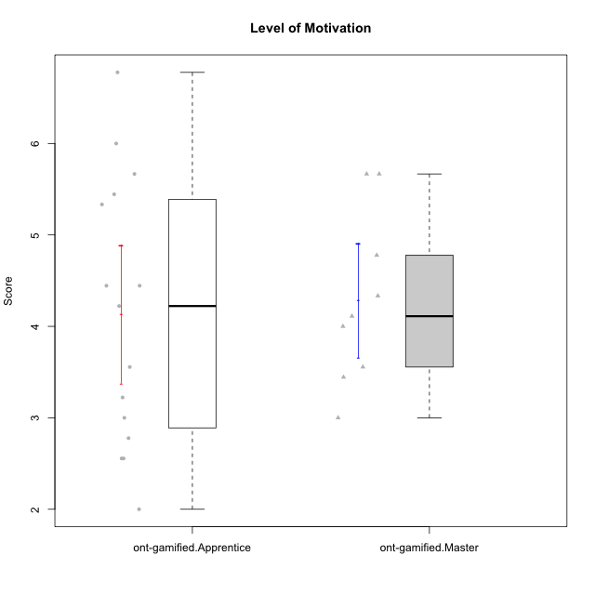

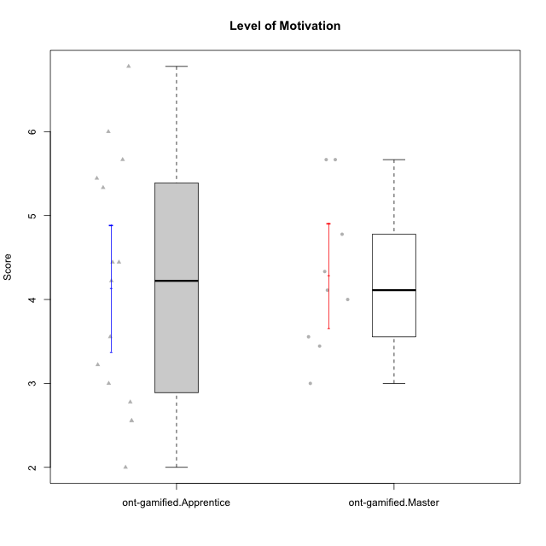

Student's t-Test data
UserID | NroUSP | Type | CLGroup | CLRole | PlayerRole | Item08IE | Item09IE | Item11IE | Item12IE | Item21IE | Item24IE | Item03PC | Item05PC | Item13PC | Item18PC | Item20PC | Item02PT | Item04PT | Item06PT | Item23PT | Item01EI | Item14EI | Item19EI | Item22EI | Item18A | Item25A | Item20A | Item07A | Item13A | Item01S | Item02S | Item05S | Item21S | Interest/Enjoyment | Perceived Choice | Pressure/Tension | Effort/Importance | Attention | Satisfaction | Intrinsic Motivation | Level of Motivation
10169 | 10377538 | ont-gamified | Resistance | Apprentice | Social Achiever | 7 | 7 | 7 | 7 | 7 | 7 | 4 | 2 | 4 | 2 | 2 | 7 | 7 | 6 | 1 | 5 | 5 | 5 | 6 | 7 | 7 | 7 | 7 | 7 | 7 | 7 | 7 | 3 | 7 | 5.2 | 6.75 | 4.25 | 7 | 6.5 | 4.7368421053 | 6.7777777778
10171 | 698531 | ont-gamified | Mafia | Master | Social Achiever | 6 | 6 | 6 | 5 | 7 | 5 | 2 | 2 | 2 | 2 | 1 | 2 | 2 | 1 | 6 | 1 | 7 | 1 | 6 | 6 | 5 | 6 | 5 | 6 | 6 | 6 | 4 | 1 | 5.8333333333 | 6.2 | 1.75 | 6.75 | 5.6 | 5.75 | 6.2105263158 | 5.6666666667
10175 | 10310700 | ont-gamified | Warriors | Master | Social Achiever | 4 | 4 | 4 | 4 | 4 | 4 | 3 | 1 | 1 | 1 | 1 | 1 | 1 | 1 | 7 | 1 | 4 | 1 | 4 | 5 | 5 | 5 | 6 | 6 | 6 | 6 | 5 | 1 | 4 | 6.6 | 1 | 5.5 | 5.4 | 6 | 5.6315789474 | 5.6666666667
10176 | 10276949 | ont-gamified | Outlaws | Master | Social Achiever | 4 | 4 | 4 | 3 | 4 | 4 | 4 | 4 | 6 | 5 | 4 | 4 | 6 | 6 | 4 | 4 | 4 | 5 | 4 | 5 | 5 | 5 | 4 | 4 | 4 | 4 | 4 | 4 | 3.8333333333 | 3.4 | 5 | 3.75 | 4.6 | 4 | 3.5263157895 | 4.3333333333
10186 | 10310551 | ont-gamified | Slayers | Apprentice | Social Achiever | 6 | 4 | 6 | 1 | 3 | 3 | 4 | 4 | 4 | 4 | 1 | 5 | 4 | 4 | 1 | 1 | 7 | 1 | 7 | 4 | 1 | 4 | 1 | 4 | 7 | 7 | 5 | 1 | 3.8333333333 | 4.6 | 5 | 7 | 2.8 | 6.5 | 4.5263157895 | 4.4444444444
10188 | 10276995 | ont-gamified | Vandals | Master | Yee Achiever | 4 | 3 | 1 | 4 | 3 | 3 | 3 | 1 | 3 | 1 | 1 | 1 | 1 | 1 | 7 | 2 | 4 | 3 | 1 | 4 | 4 | 3 | 2 | 4 | 3 | 3 | 3 | 2 | 3 | 6.2 | 1 | 4 | 3.4 | 3.75 | 4.8947368421 | 3.5555555556
10189 | 9363926 | ont-gamified | Vikings | Apprentice | Social Achiever | 4 | 2 | 1 | 1 | 2 | 2 | 5 | 5 | 5 | 4 | 4 | 1 | 1 | 2 | 4 | 1 | 5 | 3 | 6 | 2 | 1 | 1 | 1 | 3 | 3 | 2 | 3 | 1 | 2 | 3.4 | 2 | 5.75 | 1.6 | 3.75 | 4 | 2.5555555556
10192 | 10276682 | ont-gamified | Attractive Devils | Apprentice | Social Achiever | 4 | 4 | 6 | 4 | 5 | 1 | 3 | 2 | 3 | 4 | 4 | 4 | 4 | 4 | 3 | 1 | 7 | 5 | 5 | 4 | 4 | 4 | 7 | 6 | 7 | 6 | 7 | 4 | 4 | 4.8 | 4.25 | 5.5 | 5 | 6 | 4.4736842105 | 5.4444444444
10193 | 10276762 | ont-gamified | Vandals | Apprentice | Yee Achiever | 1 | 2 | 1 | 1 | 1 | 2 | 1 | 1 | 1 | 1 | 1 | 1 | 1 | 2 | 1 | 1 | 1 | 2 | 2 | 2 | 1 | 2 | 1 | 1 | 1 | 2 | 1 | 1 | 1.3333333333 | 7 | 2.75 | 4 | 1.4 | 2.75 | 4.2105263158 | 2
10198 | 10310888 | ont-gamified | Attractive Devils | Apprentice | Social Achiever | 4 | 6 | 4 | 5 | 3 | 2 | 1 | 4 | 5 | 6 | 6 | 4 | 4 | 4 | 3 | 2 | 6 | 3 | 6 | 5 | 5 | 6 | 7 | 5 | 7 | 7 | 6 | 2 | 4 | 3.6 | 4.25 | 5.75 | 5.6 | 6.5 | 4.2105263158 | 6
10200 | 9795272 | ont-gamified | Warriors | Apprentice | Social Achiever | 5 | 4 | 5 | 3 | 5 | 5 | 3 | 4 | 5 | 2 | 2 | 5 | 5 | 4 | 3 | 1 | 6 | 1 | 6 | 4 | 5 | 4 | 6 | 5 | 5 | 6 | 7 | 2 | 4.5 | 4.8 | 4.75 | 6.5 | 4.8 | 6 | 4.7368421053 | 5.3333333333
10202 | 10277036 | ont-gamified | Silly Knights | Apprentice | Social Achiever | 3 | 3 | 3 | 3 | 3 | 3 | 3 | 2 | 2 | 5 | 2 | 3 | 3 | 3 | 3 | 2 | 5 | 2 | 5 | 2 | 3 | 2 | 2 | 3 | 5 | 5 | 5 | 3 | 3 | 5.2 | 3.5 | 5.5 | 2.4 | 5 | 4.4210526316 | 3.5555555556
10203 | 9921470 | ont-gamified | Mercenaries | Apprentice | Social Achiever | 3 | 5 | 4 | 5 | 4 | 4 | 4 | 1 | 1 | 1 | 1 | 2 | 5 | 1 | 3 | 1 | 7 | 1 | 6 | 4 | 5 | 7 | 6 | 5 | 5 | 7 | 7 | 3 | 4.1666666667 | 6.4 | 3.25 | 6.75 | 5.4 | 6 | 5.4210526316 | 5.6666666667
10208 | 10276932 | ont-gamified | Mercenaries | Master | Social Achiever | 4 | 4 | 4 | 3 | 4 | 4 | 4 | 2 | 4 | 4 | 2 | 2 | 2 | 2 | 5 | 2 | 5 | 2 | 4 | 2 | 2 | 2 | 3 | 4 | 5 | 5 | 3 | 3 | 3.8333333333 | 4.8 | 2.25 | 5.25 | 2.6 | 4.5 | 4.7894736842 | 3.4444444444
10209 | 10262669 | ont-gamified | Mafia | Apprentice | Social Achiever | 2 | 2 | 4 | 2 | 2 | 2 | 7 | 7 | 7 | 7 | 7 | 2 | 1 | 1 | 7 | 2 | 3 | 3 | 2 | 2 | 2 | 1 | 2 | 4 | 2 | 2 | 3 | 1 | 2.3333333333 | 1 | 1.25 | 4 | 2.2 | 3.5 | 3.2631578947 | 2.7777777778
10214 | 10277022 | ont-gamified | Vikings | Apprentice | Social Achiever | 2 | 1 | 1 | 1 | 1 | 1 | 6 | 2 | 6 | 7 | 6 | 5 | 1 | 4 | 2 | 1 | 7 | 1 | 7 | 1 | 2 | 1 | 1 | 2 | 3 | 4 | 4 | 3 | 1.1666666667 | 2.6 | 4 | 7 | 1.4 | 4 | 3.3684210526 | 2.5555555556
10215 | 9285227 | ont-gamified | Vikings | Master | Social Achiever | 5 | 5 | 2 | 3 | 4 | 5 | 5 | 1 | 2 | 4 | 1 | 1 | 1 | 1 | 1 | 1 | 2 | 4 | 1 | 4 | 4 | 1 | 1 | 3 | 3 | 3 | 1 | 1 | 4 | 5.4 | 2.5 | 3.5 | 2.6 | 3.5 | 4.5789473684 | 3
10216 | 10276720 | ont-gamified | Silly Knights | Master | Social Achiever | 4 | 5 | 3 | 7 | 4 | 5 | 3 | 2 | 2 | 1 | 3 | 1 | 1 | 1 | 7 | 1 | 4 | 2 | 4 | 4 | 6 | 5 | 2 | 4 | 5 | 5 | 6 | 2 | 4.6666666667 | 5.8 | 1 | 5.25 | 4.2 | 5.5 | 5.5789473684 | 4.7777777778
10221 | 9082496 | ont-gamified | Warriors | Apprentice | Social Achiever | 3 | 3 | 2 | 2 | 3 | 3 | 4 | 4 | 6 | 5 | 6 | 4 | 2 | 6 | 6 | 2 | 5 | 3 | 5 | 4 | 2 | 3 | 3 | 2 | 4 | 3 | 5 | 7 | 2.6666666667 | 3 | 3.5 | 5.25 | 2.8 | 3.25 | 3.6842105263 | 3
10223 | 9795185 | ont-gamified | Slayers | Master | Social Achiever | 6 | 5 | 4 | 5 | 5 | 5 | 4 | 4 | 4 | 3 | 4 | 4 | 4 | 2 | 4 | 4 | 5 | 4 | 4 | 3 | 4 | 4 | 4 | 5 | 4 | 5 | 4 | 4 | 5 | 4.2 | 3.5 | 4.25 | 4 | 4.25 | 4.5263157895 | 4.1111111111
10224 | 9368772 | ont-gamified | Mercenaries | Apprentice | Social Achiever | 4 | 4 | 4 | 4 | 4 | 4 | 5 | 5 | 4 | 4 | 4 | 4 | 5 | 5 | 3 | 4 | 5 | 5 | 6 | 4 | 4 | 4 | 4 | 4 | 5 | 4 | 6 | 3 | 4 | 3.6 | 4.75 | 4.5 | 4 | 5 | 3.8421052632 | 4.4444444444
10228 | 10310492 | ont-gamified | Resistance | Apprentice | Social Achiever | 2 | 1 | 1 | 1 | 1 | 2 | 2 | 2 | 1 | 1 | 2 | 2 | 3 | 2 | 1 | 2 | 1 | 1 | 1 | 1 | 1 | 1 | 4 | 3 | 4 | 4 | 4 | 1 | 1.3333333333 | 6.4 | 3.5 | 3.75 | 2 | 4.75 | 3.8421052632 | 3.2222222222
10230 | 10351992 | ont-gamified | Resistance | Master | Social Achiever | 5 | 4 | 4 | 4 | 5 | 5 | 5 | 4 | 3 | 3 | 5 | 5 | 4 | 6 | 6 | 3 | 3 | 2 | 5 | 3 | 4 | 2 | 6 | 4 | 4 | 6 | 2 | 3 | 4.5 | 4 | 4.25 | 4.75 | 3.8 | 4.25 | 4.2631578947 | 4
10237 | 10377688 | ont-gamified | Outlaws | Apprentice | Social Achiever | 3 | 3 | 3 | 4 | 5 | 6 | 6 | 3 | 3 | 3 | 4 | 6 | 5 | 4 | 3 | 2 | 4 | 4 | 5 | 4 | 3 | 3 | 5 | 4 | 3 | 4 | 6 | 2 | 4 | 4.2 | 5 | 4.75 | 3.8 | 4.75 | 4 | 4.2222222222

Type_CLRole_2
Student's t-Test for Level of Motivation in Type:CLRole between ont-gamified.Apprentice:w/o-gamified.Apprentice

Student's t-Test results
Alternative hypothesis: less
Group | N | Mean | Mean.Difference | Std.deviation | Std.error | CI.lower | CI.upper | df | t.value | p.value | g | magnitude
ont-gamified.Apprentice | 15 | 4.1333333333 | 0.053086419753 | 1.463970586 | 0.37799557992 | 3.3773421735 | 4.8893244932 | 26.010328011 | 0.1149205716 | 0.54530467192 | 0.040151163276 | negligible
w/o-gamified.Apprentice | 18 | 4.0802469136 | -0.053086419753 | 1.1265628573 | 0.26553341195 | 3.5491800897 | 4.6113137375 | 26.010328011 | 0.1149205716 | 0.54530467192 | 0.040151163276 | negligible
Alternative hypothesis: greater
Group | N | Mean | Mean.Difference | Std.deviation | Std.error | CI.lower | CI.upper | df | t.value | p.value | g | magnitude
ont-gamified.Apprentice | 15 | 4.1333333333 | 0.053086419753 | 1.463970586 | 0.37799557992 | 3.3773421735 | 4.8893244932 | 26.010328011 | 0.1149205716 | 0.45469532808 | 0.040151163276 | negligible
w/o-gamified.Apprentice | 18 | 4.0802469136 | -0.053086419753 | 1.1265628573 | 0.26553341195 | 3.5491800897 | 4.6113137375 | 26.010328011 | 0.1149205716 | 0.45469532808 | 0.040151163276 | negligible
Alternative hypothesis: two.sided
Group | N | Mean | Mean.Difference | Std.deviation | Std.error | CI.lower | CI.upper | df | t.value | p.value | g | magnitude
ont-gamified.Apprentice | 15 | 4.1333333333 | 0.053086419753 | 1.463970586 | 0.37799557992 | 3.3773421735 | 4.8893244932 | 26.010328011 | 0.1149205716 | 0.90939065616 | 0.040151163276 | negligible
w/o-gamified.Apprentice | 18 | 4.0802469136 | -0.053086419753 | 1.1265628573 | 0.26553341195 | 3.5491800897 | 4.6113137375 | 26.010328011 | 0.1149205716 | 0.90939065616 | 0.040151163276 | negligible

Box plots for Student's t-Test
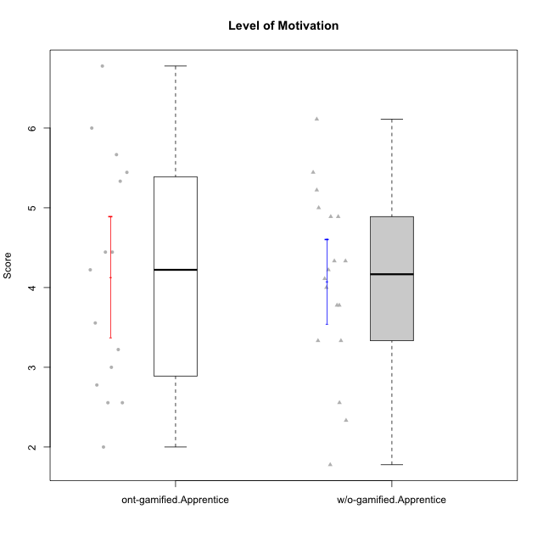

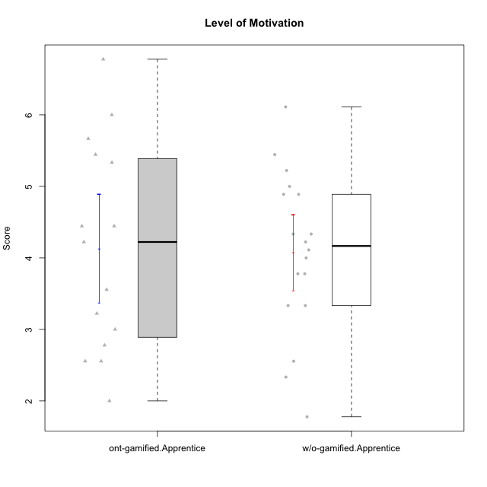

Student's t-Test data
UserID | NroUSP | Type | CLGroup | CLRole | PlayerRole | Item08IE | Item09IE | Item11IE | Item12IE | Item21IE | Item24IE | Item03PC | Item05PC | Item13PC | Item18PC | Item20PC | Item02PT | Item04PT | Item06PT | Item23PT | Item01EI | Item14EI | Item19EI | Item22EI | Item18A | Item25A | Item20A | Item07A | Item13A | Item01S | Item02S | Item05S | Item21S | Interest/Enjoyment | Perceived Choice | Pressure/Tension | Effort/Importance | Attention | Satisfaction | Intrinsic Motivation | Level of Motivation
10169 | 10377538 | ont-gamified | Resistance | Apprentice | Social Achiever | 7 | 7 | 7 | 7 | 7 | 7 | 4 | 2 | 4 | 2 | 2 | 7 | 7 | 6 | 1 | 5 | 5 | 5 | 6 | 7 | 7 | 7 | 7 | 7 | 7 | 7 | 7 | 3 | 7 | 5.2 | 6.75 | 4.25 | 7 | 6.5 | 4.7368421053 | 6.7777777778
10170 | 10260351 | w/o-gamified | Grupo11 | Apprentice |  | 6 | 4 | 4 | 3 | 4 | 4 | 3 | 2 | 2 | 1 | 3 | 1 | 1 | 1 | 1 | 3 | 4 | 3 | 5 | 6 | 5 | 6 | 5 | 6 | 4 | 4 | 5 | 5 | 4.1666666667 | 5.8 | 2.5 | 4.75 | 5.6 | 4 | 5 | 4.8888888889
10172 | 10273971 | w/o-gamified | Grupo5 | Apprentice |  | 7 | 5 | 5 | 4 | 5 | 5 | 5 | 6 | 5 | 5 | 5 | 4 | 6 | 5 | 5 | 5 | 4 | 5 | 5 | 5 | 5 | 5 | 6 | 6 | 6 | 4 | 5 | 5 | 5.1666666667 | 2.8 | 4.5 | 3.75 | 5.4 | 4.5 | 3.8947368421 | 5
10181 | 10276866 | w/o-gamified | Grupo2 | Apprentice |  | 2 | 3 | 1 | 2 | 3 | 2 | 5 | 1 | 5 | 5 | 3 | 4 | 1 | 5 | 4 | 7 | 1 | 4 | 5 | 4 | 4 | 4 | 5 | 4 | 1 | 1 | 3 | 4 | 2.1666666667 | 4.2 | 3.5 | 2.75 | 4.2 | 2.25 | 3.3157894737 | 3.3333333333
10183 | 10352030 | w/o-gamified | Grupo3 | Apprentice |  | 3 | 3 | 3 | 3 | 3 | 2 | 4 | 4 | 2 | 3 | 5 | 4 | 4 | 5 | 2 | 4 | 2 | 3 | 4 | 2 | 2 | 2 | 2 | 3 | 2 | 2 | 4 | 4 | 2.8333333333 | 4.4 | 4.75 | 3.75 | 2.2 | 3 | 3.5263157895 | 2.5555555556
10184 | 10276675 | w/o-gamified | Grupo10 | Apprentice |  | 4 | 4 | 4 | 4 | 3 | 4 | 4 | 5 | 3 | 4 | 4 | 4 | 3 | 4 | 4 | 4 | 3 | 4 | 4 | 4 | 4 | 4 | 2 | 4 | 6 | 4 | 4 | 4 | 3.8333333333 | 4 | 3.75 | 3.75 | 3.6 | 4.5 | 3.9473684211 | 4
10185 | 10276960 | w/o-gamified | Grupo9 | Apprentice |  | 6 | 4 | 5 | 5 | 3 | 6 | 3 | 6 | 5 | 6 | 3 | 4 | 4 | 5 | 4 | 4 | 4 | 3 | 5 | 3 | 5 | 3 | 4 | 3 | 4 | 5 | 5 | 6 | 4.8333333333 | 3.4 | 4.25 | 4.5 | 3.6 | 4 | 4.1578947368 | 3.7777777778
10186 | 10310551 | ont-gamified | Slayers | Apprentice | Social Achiever | 6 | 4 | 6 | 1 | 3 | 3 | 4 | 4 | 4 | 4 | 1 | 5 | 4 | 4 | 1 | 1 | 7 | 1 | 7 | 4 | 1 | 4 | 1 | 4 | 7 | 7 | 5 | 1 | 3.8333333333 | 4.6 | 5 | 7 | 2.8 | 6.5 | 4.5263157895 | 4.4444444444
10189 | 9363926 | ont-gamified | Vikings | Apprentice | Social Achiever | 4 | 2 | 1 | 1 | 2 | 2 | 5 | 5 | 5 | 4 | 4 | 1 | 1 | 2 | 4 | 1 | 5 | 3 | 6 | 2 | 1 | 1 | 1 | 3 | 3 | 2 | 3 | 1 | 2 | 3.4 | 2 | 5.75 | 1.6 | 3.75 | 4 | 2.5555555556
10190 | 10276907 | w/o-gamified | Grupo4 | Apprentice |  | 3 | 3 | 3 | 2 | 4 | 4 | 7 | 7 | 3 | 5 | 4 | 5 | 7 | 6 | 5 | 3 | 4 | 5 | 4 | 6 | 5 | 5 | 5 | 3 | 3 | 4 | 4 | 4 | 3.1666666667 | 2.8 | 5.25 | 4 | 4.8 | 3.75 | 3.1578947368 | 4.3333333333
10192 | 10276682 | ont-gamified | Attractive Devils | Apprentice | Social Achiever | 4 | 4 | 6 | 4 | 5 | 1 | 3 | 2 | 3 | 4 | 4 | 4 | 4 | 4 | 3 | 1 | 7 | 5 | 5 | 4 | 4 | 4 | 7 | 6 | 7 | 6 | 7 | 4 | 4 | 4.8 | 4.25 | 5.5 | 5 | 6 | 4.4736842105 | 5.4444444444
10193 | 10276762 | ont-gamified | Vandals | Apprentice | Yee Achiever | 1 | 2 | 1 | 1 | 1 | 2 | 1 | 1 | 1 | 1 | 1 | 1 | 1 | 2 | 1 | 1 | 1 | 2 | 2 | 2 | 1 | 2 | 1 | 1 | 1 | 2 | 1 | 1 | 1.3333333333 | 7 | 2.75 | 4 | 1.4 | 2.75 | 4.2105263158 | 2
10197 | 10276661 | w/o-gamified | Grupo8 | Apprentice |  | 5 | 3 | 5 | 4 | 2 | 2 | 2 | 3 | 4 | 2 | 4 | 3 | 3 | 5 | 5 | 3 | 4 | 3 | 4 | 7 | 4 | 4 | 5 | 3 | 4 | 4 | 2 | 4 | 3.5 | 5 | 3.5 | 4.5 | 4.6 | 3.5 | 4.3157894737 | 4.1111111111
10198 | 10310888 | ont-gamified | Attractive Devils | Apprentice | Social Achiever | 4 | 6 | 4 | 5 | 3 | 2 | 1 | 4 | 5 | 6 | 6 | 4 | 4 | 4 | 3 | 2 | 6 | 3 | 6 | 5 | 5 | 6 | 7 | 5 | 7 | 7 | 6 | 2 | 4 | 3.6 | 4.25 | 5.75 | 5.6 | 6.5 | 4.2105263158 | 6
10199 | 10276737 | w/o-gamified | Grupo1 | Apprentice |  | 4 | 3 | 4 | 1 | 3 | 3 | 3 | 5 | 3 | 5 | 5 | 4 | 2 | 3 | 4 | 4 | 4 | 4 | 5 | 5 | 4 | 3 | 3 | 4 | 6 | 4 | 4 | 2 | 3 | 3.8 | 3.25 | 4.25 | 3.8 | 5 | 3.8421052632 | 4.3333333333
10200 | 9795272 | ont-gamified | Warriors | Apprentice | Social Achiever | 5 | 4 | 5 | 3 | 5 | 5 | 3 | 4 | 5 | 2 | 2 | 5 | 5 | 4 | 3 | 1 | 6 | 1 | 6 | 4 | 5 | 4 | 6 | 5 | 5 | 6 | 7 | 2 | 4.5 | 4.8 | 4.75 | 6.5 | 4.8 | 6 | 4.7368421053 | 5.3333333333
10201 | 10276928 | w/o-gamified | Grupo11 | Apprentice |  | 6 | 5 | 5 | 6 | 6 | 3 | 5 | 3 | 3 | 4 | 4 | 3 | 2 | 4 | 5 | 3 | 5 | 3 | 5 | 6 | 5 | 6 | 6 | 6 | 6 | 5 | 6 | 5 | 5.1666666667 | 4.2 | 3 | 5 | 5.8 | 5 | 4.8421052632 | 5.4444444444
10202 | 10277036 | ont-gamified | Silly Knights | Apprentice | Social Achiever | 3 | 3 | 3 | 3 | 3 | 3 | 3 | 2 | 2 | 5 | 2 | 3 | 3 | 3 | 3 | 2 | 5 | 2 | 5 | 2 | 3 | 2 | 2 | 3 | 5 | 5 | 5 | 3 | 3 | 5.2 | 3.5 | 5.5 | 2.4 | 5 | 4.4210526316 | 3.5555555556
10203 | 9921470 | ont-gamified | Mercenaries | Apprentice | Social Achiever | 3 | 5 | 4 | 5 | 4 | 4 | 4 | 1 | 1 | 1 | 1 | 2 | 5 | 1 | 3 | 1 | 7 | 1 | 6 | 4 | 5 | 7 | 6 | 5 | 5 | 7 | 7 | 3 | 4.1666666667 | 6.4 | 3.25 | 6.75 | 5.4 | 6 | 5.4210526316 | 5.6666666667
10204 | 10310471 | w/o-gamified | Grupo6 | Apprentice |  | 1 | 1 | 1 | 1 | 1 | 1 | 7 | 7 | 7 | 7 | 7 | 7 | 7 | 7 | 1 | 4 | 4 | 1 | 7 | 1 | 1 | 1 | 1 | 1 | 2 | 1 | 4 | 4 | 1 | 1 | 7 | 5.5 | 1 | 2.75 | 1.9473684211 | 1.7777777778
10206 | 10310721 | w/o-gamified | Grupo8 | Apprentice |  | 4 | 4 | 2 | 3 | 5 | 4 | 3 | 2 | 3 | 2 | 2 | 3 | 2 | 3 | 4 | 2 | 5 | 2 | 5 | 4 | 6 | 4 | 4 | 5 | 5 | 5 | 6 | 3 | 3.6666666667 | 5.6 | 3 | 5.5 | 4.6 | 5.25 | 4.8421052632 | 4.8888888889
10209 | 10262669 | ont-gamified | Mafia | Apprentice | Social Achiever | 2 | 2 | 4 | 2 | 2 | 2 | 7 | 7 | 7 | 7 | 7 | 2 | 1 | 1 | 7 | 2 | 3 | 3 | 2 | 2 | 2 | 1 | 2 | 4 | 2 | 2 | 3 | 1 | 2.3333333333 | 1 | 1.25 | 4 | 2.2 | 3.5 | 3.2631578947 | 2.7777777778
10213 | 10277040 | w/o-gamified | Grupo7 | Apprentice |  | 4 | 3 | 7 | 1 | 4 | 4 | 7 | 7 | 7 | 7 | 7 | 1 | 7 | 7 | 4 | 1 | 7 | 1 | 7 | 5 | 7 | 7 | 7 | 4 | 7 | 4 | 7 | 1 | 3.8333333333 | 1 | 4.75 | 7 | 6 | 6.25 | 3.6315789474 | 6.1111111111
10214 | 10277022 | ont-gamified | Vikings | Apprentice | Social Achiever | 2 | 1 | 1 | 1 | 1 | 1 | 6 | 2 | 6 | 7 | 6 | 5 | 1 | 4 | 2 | 1 | 7 | 1 | 7 | 1 | 2 | 1 | 1 | 2 | 3 | 4 | 4 | 3 | 1.1666666667 | 2.6 | 4 | 7 | 1.4 | 4 | 3.3684210526 | 2.5555555556
10217 | 9805341 | w/o-gamified | Grupo9 | Apprentice |  | 5 | 5 | 3 | 4 | 5 | 4 | 4 | 5 | 4 | 4 | 2 | 1 | 1 | 1 | 7 | 3 | 3 | 4 | 2 | 3 | 4 | 4 | 4 | 6 | 4 | 4 | 4 | 3 | 4.3333333333 | 4.2 | 1 | 3.5 | 4.2 | 4.25 | 4.6842105263 | 4.2222222222
10218 | 9842913 | w/o-gamified | Grupo10 | Apprentice |  | 4 | 4 | 4 | 4 | 4 | 4 | 4 | 5 | 4 | 5 | 4 | 4 | 5 | 4 | 5 | 4 | 4 | 4 | 5 | 3 | 4 | 4 | 5 | 4 | 4 | 3 | 3 | 4 | 4 | 3.6 | 4 | 4.25 | 4 | 3.5 | 3.9473684211 | 3.7777777778
10220 | 9760151 | w/o-gamified | Grupo3 | Apprentice |  | 4 | 1 | 1 | 1 | 4 | 4 | 1 | 1 | 1 | 4 | 1 | 1 | 1 | 1 | 7 | 1 | 4 | 1 | 7 | 1 | 1 | 1 | 1 | 1 | 7 | 4 | 7 | 1 | 2.5 | 6.4 | 1 | 6.25 | 1 | 6.25 | 5.2631578947 | 3.3333333333
10221 | 9082496 | ont-gamified | Warriors | Apprentice | Social Achiever | 3 | 3 | 2 | 2 | 3 | 3 | 4 | 4 | 6 | 5 | 6 | 4 | 2 | 6 | 6 | 2 | 5 | 3 | 5 | 4 | 2 | 3 | 3 | 2 | 4 | 3 | 5 | 7 | 2.6666666667 | 3 | 3.5 | 5.25 | 2.8 | 3.25 | 3.6842105263 | 3
10224 | 9368772 | ont-gamified | Mercenaries | Apprentice | Social Achiever | 4 | 4 | 4 | 4 | 4 | 4 | 5 | 5 | 4 | 4 | 4 | 4 | 5 | 5 | 3 | 4 | 5 | 5 | 6 | 4 | 4 | 4 | 4 | 4 | 5 | 4 | 6 | 3 | 4 | 3.6 | 4.75 | 4.5 | 4 | 5 | 3.8421052632 | 4.4444444444
10226 | 10310342 | w/o-gamified | Grupo4 | Apprentice |  | 4 | 1 | 1 | 1 | 1 | 1 | 7 | 7 | 7 | 7 | 7 | 7 | 7 | 7 | 1 | 7 | 1 | 7 | 1 | 3 | 2 | 1 | 2 | 2 | 3 | 2 | 3 | 5 | 1.5 | 1 | 7 | 1 | 2 | 2.75 | 1.1578947368 | 2.3333333333
10228 | 10310492 | ont-gamified | Resistance | Apprentice | Social Achiever | 2 | 1 | 1 | 1 | 1 | 2 | 2 | 2 | 1 | 1 | 2 | 2 | 3 | 2 | 1 | 2 | 1 | 1 | 1 | 1 | 1 | 1 | 4 | 3 | 4 | 4 | 4 | 1 | 1.3333333333 | 6.4 | 3.5 | 3.75 | 2 | 4.75 | 3.8421052632 | 3.2222222222
10232 | 10276974 | w/o-gamified | Grupo7 | Apprentice |  | 5 | 4 | 5 | 4 | 4 | 5 | 3 | 3 | 3 | 4 | 4 | 2 | 2 | 2 | 3 | 1 | 5 | 1 | 6 | 4 | 6 | 4 | 5 | 4 | 6 | 5 | 6 | 1 | 4.5 | 4.6 | 2.75 | 6.25 | 4.6 | 6 | 5.0526315789 | 5.2222222222
10237 | 10377688 | ont-gamified | Outlaws | Apprentice | Social Achiever | 3 | 3 | 3 | 4 | 5 | 6 | 6 | 3 | 3 | 3 | 4 | 6 | 5 | 4 | 3 | 2 | 4 | 4 | 5 | 4 | 3 | 3 | 5 | 4 | 3 | 4 | 6 | 2 | 4 | 4.2 | 5 | 4.75 | 3.8 | 4.75 | 4 | 4.2222222222

Type_CLRole_3
Student's t-Test for Level of Motivation in Type:CLRole between ont-gamified.Apprentice:w/o-gamified.Master

Student's t-Test results
Alternative hypothesis: less
Group | N | Mean | Mean.Difference | Std.deviation | Std.error | CI.lower | CI.upper | df | t.value | p.value | g | magnitude
ont-gamified.Apprentice | 15 | 4.1333333333 | 0.27222222222 | 1.463970586 | 0.37799557992 | 3.3773421735 | 4.8893244932 | 16.592527173 | 0.46878122976 | 0.67733697392 | 0.18803947014 | negligible
w/o-gamified.Master | 8 | 3.8611111111 | -0.27222222222 | 1.2468655586 | 0.44083354587 | 2.9794440194 | 4.7427782029 | 16.592527173 | 0.46878122976 | 0.67733697392 | 0.18803947014 | negligible
Alternative hypothesis: greater
Group | N | Mean | Mean.Difference | Std.deviation | Std.error | CI.lower | CI.upper | df | t.value | p.value | g | magnitude
ont-gamified.Apprentice | 15 | 4.1333333333 | 0.27222222222 | 1.463970586 | 0.37799557992 | 3.3773421735 | 4.8893244932 | 16.592527173 | 0.46878122976 | 0.32266302608 | 0.18803947014 | negligible
w/o-gamified.Master | 8 | 3.8611111111 | -0.27222222222 | 1.2468655586 | 0.44083354587 | 2.9794440194 | 4.7427782029 | 16.592527173 | 0.46878122976 | 0.32266302608 | 0.18803947014 | negligible
Alternative hypothesis: two.sided
Group | N | Mean | Mean.Difference | Std.deviation | Std.error | CI.lower | CI.upper | df | t.value | p.value | g | magnitude
ont-gamified.Apprentice | 15 | 4.1333333333 | 0.27222222222 | 1.463970586 | 0.37799557992 | 3.3773421735 | 4.8893244932 | 16.592527173 | 0.46878122976 | 0.64532605217 | 0.18803947014 | negligible
w/o-gamified.Master | 8 | 3.8611111111 | -0.27222222222 | 1.2468655586 | 0.44083354587 | 2.9794440194 | 4.7427782029 | 16.592527173 | 0.46878122976 | 0.64532605217 | 0.18803947014 | negligible

Box plots for Student's t-Test
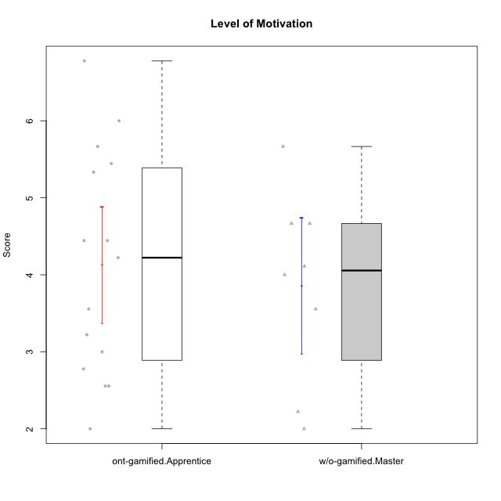

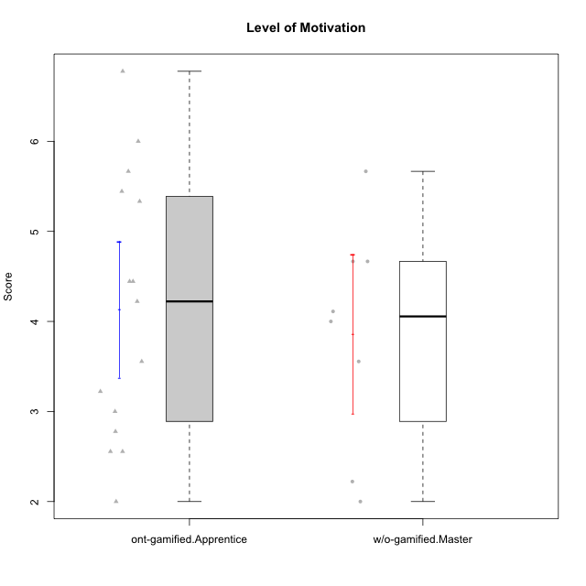

Student's t-Test data
UserID | NroUSP | Type | CLGroup | CLRole | PlayerRole | Item08IE | Item09IE | Item11IE | Item12IE | Item21IE | Item24IE | Item03PC | Item05PC | Item13PC | Item18PC | Item20PC | Item02PT | Item04PT | Item06PT | Item23PT | Item01EI | Item14EI | Item19EI | Item22EI | Item18A | Item25A | Item20A | Item07A | Item13A | Item01S | Item02S | Item05S | Item21S | Interest/Enjoyment | Perceived Choice | Pressure/Tension | Effort/Importance | Attention | Satisfaction | Intrinsic Motivation | Level of Motivation
10169 | 10377538 | ont-gamified | Resistance | Apprentice | Social Achiever | 7 | 7 | 7 | 7 | 7 | 7 | 4 | 2 | 4 | 2 | 2 | 7 | 7 | 6 | 1 | 5 | 5 | 5 | 6 | 7 | 7 | 7 | 7 | 7 | 7 | 7 | 7 | 3 | 7 | 5.2 | 6.75 | 4.25 | 7 | 6.5 | 4.7368421053 | 6.7777777778
10174 | 10276852 | w/o-gamified | Grupo7 | Master |  | 6 | 4 | 4 | 3 | 4 | 6 | 4 | 4 | 4 | 3 | 4 | 4 | 5 | 6 | 5 | 5 | 4 | 2 | 4 | 5 | 4 | 4 | 6 | 4 | 6 | 5 | 4 | 4 | 4.5 | 4.2 | 4.5 | 4.25 | 4.6 | 4.75 | 4.1578947368 | 4.6666666667
10179 | 10310759 | w/o-gamified | Grupo10 | Master |  | 3 | 3 | 2 | 6 | 4 | 4 | 7 | 6 | 5 | 5 | 4 | 1 | 1 | 2 | 7 | 2 | 6 | 1 | 5 | 4 | 4 | 4 | 2 | 4 | 3 | 4 | 5 | 2 | 3.6666666667 | 2.6 | 1.25 | 6 | 3.6 | 4.5 | 4.5263157895 | 4
10186 | 10310551 | ont-gamified | Slayers | Apprentice | Social Achiever | 6 | 4 | 6 | 1 | 3 | 3 | 4 | 4 | 4 | 4 | 1 | 5 | 4 | 4 | 1 | 1 | 7 | 1 | 7 | 4 | 1 | 4 | 1 | 4 | 7 | 7 | 5 | 1 | 3.8333333333 | 4.6 | 5 | 7 | 2.8 | 6.5 | 4.5263157895 | 4.4444444444
10189 | 9363926 | ont-gamified | Vikings | Apprentice | Social Achiever | 4 | 2 | 1 | 1 | 2 | 2 | 5 | 5 | 5 | 4 | 4 | 1 | 1 | 2 | 4 | 1 | 5 | 3 | 6 | 2 | 1 | 1 | 1 | 3 | 3 | 2 | 3 | 1 | 2 | 3.4 | 2 | 5.75 | 1.6 | 3.75 | 4 | 2.5555555556
10191 | 10276981 | w/o-gamified | Grupo1 | Master |  | 3 | 3 | 3 | 1 | 2 | 2 | 5 | 5 | 5 | 4 | 5 | 1 | 1 | 1 | 7 | 2 | 4 | 4 | 4 | 2 | 4 | 2 | 4 | 5 | 4 | 4 | 5 | 6 | 2.3333333333 | 3.2 | 1 | 4.5 | 3.4 | 3.75 | 4 | 3.5555555556
10192 | 10276682 | ont-gamified | Attractive Devils | Apprentice | Social Achiever | 4 | 4 | 6 | 4 | 5 | 1 | 3 | 2 | 3 | 4 | 4 | 4 | 4 | 4 | 3 | 1 | 7 | 5 | 5 | 4 | 4 | 4 | 7 | 6 | 7 | 6 | 7 | 4 | 4 | 4.8 | 4.25 | 5.5 | 5 | 6 | 4.4736842105 | 5.4444444444
10193 | 10276762 | ont-gamified | Vandals | Apprentice | Yee Achiever | 1 | 2 | 1 | 1 | 1 | 2 | 1 | 1 | 1 | 1 | 1 | 1 | 1 | 2 | 1 | 1 | 1 | 2 | 2 | 2 | 1 | 2 | 1 | 1 | 1 | 2 | 1 | 1 | 1.3333333333 | 7 | 2.75 | 4 | 1.4 | 2.75 | 4.2105263158 | 2
10198 | 10310888 | ont-gamified | Attractive Devils | Apprentice | Social Achiever | 4 | 6 | 4 | 5 | 3 | 2 | 1 | 4 | 5 | 6 | 6 | 4 | 4 | 4 | 3 | 2 | 6 | 3 | 6 | 5 | 5 | 6 | 7 | 5 | 7 | 7 | 6 | 2 | 4 | 3.6 | 4.25 | 5.75 | 5.6 | 6.5 | 4.2105263158 | 6
10200 | 9795272 | ont-gamified | Warriors | Apprentice | Social Achiever | 5 | 4 | 5 | 3 | 5 | 5 | 3 | 4 | 5 | 2 | 2 | 5 | 5 | 4 | 3 | 1 | 6 | 1 | 6 | 4 | 5 | 4 | 6 | 5 | 5 | 6 | 7 | 2 | 4.5 | 4.8 | 4.75 | 6.5 | 4.8 | 6 | 4.7368421053 | 5.3333333333
10202 | 10277036 | ont-gamified | Silly Knights | Apprentice | Social Achiever | 3 | 3 | 3 | 3 | 3 | 3 | 3 | 2 | 2 | 5 | 2 | 3 | 3 | 3 | 3 | 2 | 5 | 2 | 5 | 2 | 3 | 2 | 2 | 3 | 5 | 5 | 5 | 3 | 3 | 5.2 | 3.5 | 5.5 | 2.4 | 5 | 4.4210526316 | 3.5555555556
10203 | 9921470 | ont-gamified | Mercenaries | Apprentice | Social Achiever | 3 | 5 | 4 | 5 | 4 | 4 | 4 | 1 | 1 | 1 | 1 | 2 | 5 | 1 | 3 | 1 | 7 | 1 | 6 | 4 | 5 | 7 | 6 | 5 | 5 | 7 | 7 | 3 | 4.1666666667 | 6.4 | 3.25 | 6.75 | 5.4 | 6 | 5.4210526316 | 5.6666666667
10209 | 10262669 | ont-gamified | Mafia | Apprentice | Social Achiever | 2 | 2 | 4 | 2 | 2 | 2 | 7 | 7 | 7 | 7 | 7 | 2 | 1 | 1 | 7 | 2 | 3 | 3 | 2 | 2 | 2 | 1 | 2 | 4 | 2 | 2 | 3 | 1 | 2.3333333333 | 1 | 1.25 | 4 | 2.2 | 3.5 | 3.2631578947 | 2.7777777778
10214 | 10277022 | ont-gamified | Vikings | Apprentice | Social Achiever | 2 | 1 | 1 | 1 | 1 | 1 | 6 | 2 | 6 | 7 | 6 | 5 | 1 | 4 | 2 | 1 | 7 | 1 | 7 | 1 | 2 | 1 | 1 | 2 | 3 | 4 | 4 | 3 | 1.1666666667 | 2.6 | 4 | 7 | 1.4 | 4 | 3.3684210526 | 2.5555555556
10219 | 10276831 | w/o-gamified | Grupo3 | Master |  | 1 | 2 | 1 | 4 | 1 | 2 | 7 | 7 | 1 | 4 | 7 | 1 | 1 | 1 | 7 | 5 | 1 | 7 | 2 | 3 | 2 | 2 | 3 | 2 | 1 | 1 | 1 | 5 | 1.8333333333 | 2.8 | 1 | 1.75 | 2.4 | 1.5 | 3.1578947368 | 2
10221 | 9082496 | ont-gamified | Warriors | Apprentice | Social Achiever | 3 | 3 | 2 | 2 | 3 | 3 | 4 | 4 | 6 | 5 | 6 | 4 | 2 | 6 | 6 | 2 | 5 | 3 | 5 | 4 | 2 | 3 | 3 | 2 | 4 | 3 | 5 | 7 | 2.6666666667 | 3 | 3.5 | 5.25 | 2.8 | 3.25 | 3.6842105263 | 3
10224 | 9368772 | ont-gamified | Mercenaries | Apprentice | Social Achiever | 4 | 4 | 4 | 4 | 4 | 4 | 5 | 5 | 4 | 4 | 4 | 4 | 5 | 5 | 3 | 4 | 5 | 5 | 6 | 4 | 4 | 4 | 4 | 4 | 5 | 4 | 6 | 3 | 4 | 3.6 | 4.75 | 4.5 | 4 | 5 | 3.8421052632 | 4.4444444444
10227 | 9274382 | w/o-gamified | Grupo5 | Master |  | 6 | 4 | 3 | 5 | 3 | 5 | 4 | 4 | 3 | 3 | 3 | 5 | 4 | 3 | 5 | 5 | 4 | 3 | 3 | 5 | 5 | 5 | 6 | 6 | 6 | 6 | 6 | 2 | 4.3333333333 | 4.6 | 3.75 | 3.75 | 5.4 | 6 | 4.2631578947 | 5.6666666667
10228 | 10310492 | ont-gamified | Resistance | Apprentice | Social Achiever | 2 | 1 | 1 | 1 | 1 | 2 | 2 | 2 | 1 | 1 | 2 | 2 | 3 | 2 | 1 | 2 | 1 | 1 | 1 | 1 | 1 | 1 | 4 | 3 | 4 | 4 | 4 | 1 | 1.3333333333 | 6.4 | 3.5 | 3.75 | 2 | 4.75 | 3.8421052632 | 3.2222222222
10231 | 10276911 | w/o-gamified | Grupo9 | Master |  | 4 | 4 | 4 | 6 | 4 | 5 | 1 | 1 | 2 | 2 | 2 | 1 | 1 | 1 | 7 | 3 | 1 | 4 | 1 | 4 | 4 | 4 | 4 | 4 | 7 | 5 | 4 | 2 | 4.5 | 6.4 | 1 | 2.75 | 4 | 5.5 | 5.1578947368 | 4.6666666667
10234 | 10310676 | w/o-gamified | Grupo4 | Master |  | 2 | 2 | 1 | 1 | 2 | 2 | 6 | 6 | 7 | 6 | 6 | 4 | 2 | 2 | 7 | 6 | 1 | 6 | 4 | 2 | 2 | 2 | 1 | 2 | 1 | 2 | 2 | 2 | 1.6666666667 | 1.8 | 2.25 | 2.25 | 1.8 | 2.75 | 2.6842105263 | 2.2222222222
10237 | 10377688 | ont-gamified | Outlaws | Apprentice | Social Achiever | 3 | 3 | 3 | 4 | 5 | 6 | 6 | 3 | 3 | 3 | 4 | 6 | 5 | 4 | 3 | 2 | 4 | 4 | 5 | 4 | 3 | 3 | 5 | 4 | 3 | 4 | 6 | 2 | 4 | 4.2 | 5 | 4.75 | 3.8 | 4.75 | 4 | 4.2222222222
10238 | 10276953 | w/o-gamified | Grupo2 | Master |  | 4 | 4 | 4 | 3 | 4 | 4 | 7 | 5 | 5 | 5 | 4 | 5 | 5 | 5 | 3 | 1 | 5 | 2 | 5 | 4 | 5 | 4 | 5 | 5 | 3 | 2 | 5 | 4 | 3.8333333333 | 2.8 | 5 | 5.75 | 4.6 | 3.5 | 3.7894736842 | 4.1111111111

Type_CLRole_4
Student's t-Test for Level of Motivation in Type:CLRole between ont-gamified.Master:w/o-gamified.Apprentice

Student's t-Test results
Alternative hypothesis: less
Group | N | Mean | Mean.Difference | Std.deviation | Std.error | CI.lower | CI.upper | df | t.value | p.value | g | magnitude
ont-gamified.Master | 9 | 4.2839506173 | 0.2037037037 | 0.93971218195 | 0.31323739398 | 3.6574758293 | 4.9104254053 | 19.009400609 | 0.49606329864 | 0.68723169636 | 0.18455213993 | negligible
w/o-gamified.Apprentice | 18 | 4.0802469136 | -0.2037037037 | 1.1265628573 | 0.26553341195 | 3.5491800897 | 4.6113137375 | 19.009400609 | 0.49606329864 | 0.68723169636 | 0.18455213993 | negligible
Alternative hypothesis: greater
Group | N | Mean | Mean.Difference | Std.deviation | Std.error | CI.lower | CI.upper | df | t.value | p.value | g | magnitude
ont-gamified.Master | 9 | 4.2839506173 | 0.2037037037 | 0.93971218195 | 0.31323739398 | 3.6574758293 | 4.9104254053 | 19.009400609 | 0.49606329864 | 0.31276830364 | 0.18455213993 | negligible
w/o-gamified.Apprentice | 18 | 4.0802469136 | -0.2037037037 | 1.1265628573 | 0.26553341195 | 3.5491800897 | 4.6113137375 | 19.009400609 | 0.49606329864 | 0.31276830364 | 0.18455213993 | negligible
Alternative hypothesis: two.sided
Group | N | Mean | Mean.Difference | Std.deviation | Std.error | CI.lower | CI.upper | df | t.value | p.value | g | magnitude
ont-gamified.Master | 9 | 4.2839506173 | 0.2037037037 | 0.93971218195 | 0.31323739398 | 3.6574758293 | 4.9104254053 | 19.009400609 | 0.49606329864 | 0.62553660729 | 0.18455213993 | negligible
w/o-gamified.Apprentice | 18 | 4.0802469136 | -0.2037037037 | 1.1265628573 | 0.26553341195 | 3.5491800897 | 4.6113137375 | 19.009400609 | 0.49606329864 | 0.62553660729 | 0.18455213993 | negligible

Box plots for Student's t-Test
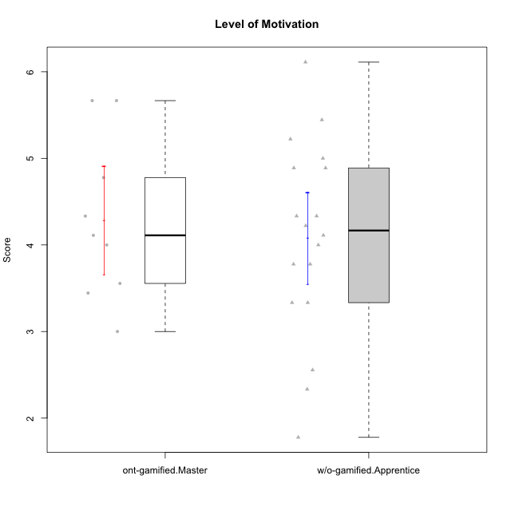

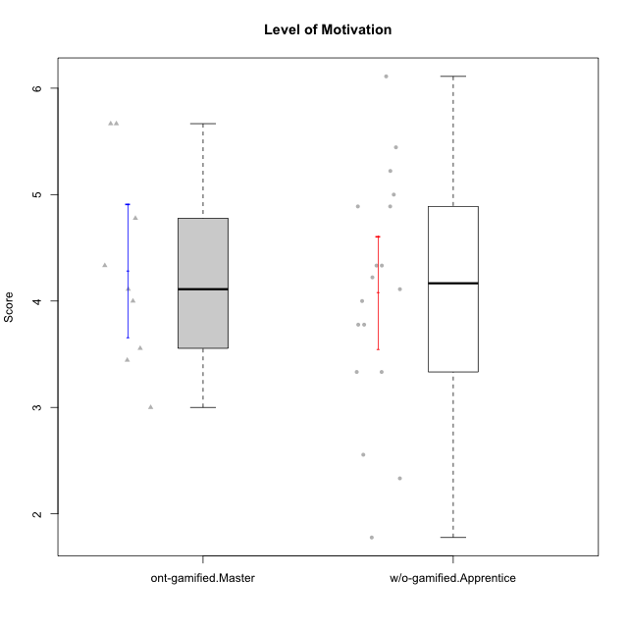

Student's t-Test data
UserID | NroUSP | Type | CLGroup | CLRole | PlayerRole | Item08IE | Item09IE | Item11IE | Item12IE | Item21IE | Item24IE | Item03PC | Item05PC | Item13PC | Item18PC | Item20PC | Item02PT | Item04PT | Item06PT | Item23PT | Item01EI | Item14EI | Item19EI | Item22EI | Item18A | Item25A | Item20A | Item07A | Item13A | Item01S | Item02S | Item05S | Item21S | Interest/Enjoyment | Perceived Choice | Pressure/Tension | Effort/Importance | Attention | Satisfaction | Intrinsic Motivation | Level of Motivation
10170 | 10260351 | w/o-gamified | Grupo11 | Apprentice |  | 6 | 4 | 4 | 3 | 4 | 4 | 3 | 2 | 2 | 1 | 3 | 1 | 1 | 1 | 1 | 3 | 4 | 3 | 5 | 6 | 5 | 6 | 5 | 6 | 4 | 4 | 5 | 5 | 4.1666666667 | 5.8 | 2.5 | 4.75 | 5.6 | 4 | 5 | 4.8888888889
10171 | 698531 | ont-gamified | Mafia | Master | Social Achiever | 6 | 6 | 6 | 5 | 7 | 5 | 2 | 2 | 2 | 2 | 1 | 2 | 2 | 1 | 6 | 1 | 7 | 1 | 6 | 6 | 5 | 6 | 5 | 6 | 6 | 6 | 4 | 1 | 5.8333333333 | 6.2 | 1.75 | 6.75 | 5.6 | 5.75 | 6.2105263158 | 5.6666666667
10172 | 10273971 | w/o-gamified | Grupo5 | Apprentice |  | 7 | 5 | 5 | 4 | 5 | 5 | 5 | 6 | 5 | 5 | 5 | 4 | 6 | 5 | 5 | 5 | 4 | 5 | 5 | 5 | 5 | 5 | 6 | 6 | 6 | 4 | 5 | 5 | 5.1666666667 | 2.8 | 4.5 | 3.75 | 5.4 | 4.5 | 3.8947368421 | 5
10175 | 10310700 | ont-gamified | Warriors | Master | Social Achiever | 4 | 4 | 4 | 4 | 4 | 4 | 3 | 1 | 1 | 1 | 1 | 1 | 1 | 1 | 7 | 1 | 4 | 1 | 4 | 5 | 5 | 5 | 6 | 6 | 6 | 6 | 5 | 1 | 4 | 6.6 | 1 | 5.5 | 5.4 | 6 | 5.6315789474 | 5.6666666667
10176 | 10276949 | ont-gamified | Outlaws | Master | Social Achiever | 4 | 4 | 4 | 3 | 4 | 4 | 4 | 4 | 6 | 5 | 4 | 4 | 6 | 6 | 4 | 4 | 4 | 5 | 4 | 5 | 5 | 5 | 4 | 4 | 4 | 4 | 4 | 4 | 3.8333333333 | 3.4 | 5 | 3.75 | 4.6 | 4 | 3.5263157895 | 4.3333333333
10181 | 10276866 | w/o-gamified | Grupo2 | Apprentice |  | 2 | 3 | 1 | 2 | 3 | 2 | 5 | 1 | 5 | 5 | 3 | 4 | 1 | 5 | 4 | 7 | 1 | 4 | 5 | 4 | 4 | 4 | 5 | 4 | 1 | 1 | 3 | 4 | 2.1666666667 | 4.2 | 3.5 | 2.75 | 4.2 | 2.25 | 3.3157894737 | 3.3333333333
10183 | 10352030 | w/o-gamified | Grupo3 | Apprentice |  | 3 | 3 | 3 | 3 | 3 | 2 | 4 | 4 | 2 | 3 | 5 | 4 | 4 | 5 | 2 | 4 | 2 | 3 | 4 | 2 | 2 | 2 | 2 | 3 | 2 | 2 | 4 | 4 | 2.8333333333 | 4.4 | 4.75 | 3.75 | 2.2 | 3 | 3.5263157895 | 2.5555555556
10184 | 10276675 | w/o-gamified | Grupo10 | Apprentice |  | 4 | 4 | 4 | 4 | 3 | 4 | 4 | 5 | 3 | 4 | 4 | 4 | 3 | 4 | 4 | 4 | 3 | 4 | 4 | 4 | 4 | 4 | 2 | 4 | 6 | 4 | 4 | 4 | 3.8333333333 | 4 | 3.75 | 3.75 | 3.6 | 4.5 | 3.9473684211 | 4
10185 | 10276960 | w/o-gamified | Grupo9 | Apprentice |  | 6 | 4 | 5 | 5 | 3 | 6 | 3 | 6 | 5 | 6 | 3 | 4 | 4 | 5 | 4 | 4 | 4 | 3 | 5 | 3 | 5 | 3 | 4 | 3 | 4 | 5 | 5 | 6 | 4.8333333333 | 3.4 | 4.25 | 4.5 | 3.6 | 4 | 4.1578947368 | 3.7777777778
10188 | 10276995 | ont-gamified | Vandals | Master | Yee Achiever | 4 | 3 | 1 | 4 | 3 | 3 | 3 | 1 | 3 | 1 | 1 | 1 | 1 | 1 | 7 | 2 | 4 | 3 | 1 | 4 | 4 | 3 | 2 | 4 | 3 | 3 | 3 | 2 | 3 | 6.2 | 1 | 4 | 3.4 | 3.75 | 4.8947368421 | 3.5555555556
10190 | 10276907 | w/o-gamified | Grupo4 | Apprentice |  | 3 | 3 | 3 | 2 | 4 | 4 | 7 | 7 | 3 | 5 | 4 | 5 | 7 | 6 | 5 | 3 | 4 | 5 | 4 | 6 | 5 | 5 | 5 | 3 | 3 | 4 | 4 | 4 | 3.1666666667 | 2.8 | 5.25 | 4 | 4.8 | 3.75 | 3.1578947368 | 4.3333333333
10197 | 10276661 | w/o-gamified | Grupo8 | Apprentice |  | 5 | 3 | 5 | 4 | 2 | 2 | 2 | 3 | 4 | 2 | 4 | 3 | 3 | 5 | 5 | 3 | 4 | 3 | 4 | 7 | 4 | 4 | 5 | 3 | 4 | 4 | 2 | 4 | 3.5 | 5 | 3.5 | 4.5 | 4.6 | 3.5 | 4.3157894737 | 4.1111111111
10199 | 10276737 | w/o-gamified | Grupo1 | Apprentice |  | 4 | 3 | 4 | 1 | 3 | 3 | 3 | 5 | 3 | 5 | 5 | 4 | 2 | 3 | 4 | 4 | 4 | 4 | 5 | 5 | 4 | 3 | 3 | 4 | 6 | 4 | 4 | 2 | 3 | 3.8 | 3.25 | 4.25 | 3.8 | 5 | 3.8421052632 | 4.3333333333
10201 | 10276928 | w/o-gamified | Grupo11 | Apprentice |  | 6 | 5 | 5 | 6 | 6 | 3 | 5 | 3 | 3 | 4 | 4 | 3 | 2 | 4 | 5 | 3 | 5 | 3 | 5 | 6 | 5 | 6 | 6 | 6 | 6 | 5 | 6 | 5 | 5.1666666667 | 4.2 | 3 | 5 | 5.8 | 5 | 4.8421052632 | 5.4444444444
10204 | 10310471 | w/o-gamified | Grupo6 | Apprentice |  | 1 | 1 | 1 | 1 | 1 | 1 | 7 | 7 | 7 | 7 | 7 | 7 | 7 | 7 | 1 | 4 | 4 | 1 | 7 | 1 | 1 | 1 | 1 | 1 | 2 | 1 | 4 | 4 | 1 | 1 | 7 | 5.5 | 1 | 2.75 | 1.9473684211 | 1.7777777778
10206 | 10310721 | w/o-gamified | Grupo8 | Apprentice |  | 4 | 4 | 2 | 3 | 5 | 4 | 3 | 2 | 3 | 2 | 2 | 3 | 2 | 3 | 4 | 2 | 5 | 2 | 5 | 4 | 6 | 4 | 4 | 5 | 5 | 5 | 6 | 3 | 3.6666666667 | 5.6 | 3 | 5.5 | 4.6 | 5.25 | 4.8421052632 | 4.8888888889
10208 | 10276932 | ont-gamified | Mercenaries | Master | Social Achiever | 4 | 4 | 4 | 3 | 4 | 4 | 4 | 2 | 4 | 4 | 2 | 2 | 2 | 2 | 5 | 2 | 5 | 2 | 4 | 2 | 2 | 2 | 3 | 4 | 5 | 5 | 3 | 3 | 3.8333333333 | 4.8 | 2.25 | 5.25 | 2.6 | 4.5 | 4.7894736842 | 3.4444444444
10213 | 10277040 | w/o-gamified | Grupo7 | Apprentice |  | 4 | 3 | 7 | 1 | 4 | 4 | 7 | 7 | 7 | 7 | 7 | 1 | 7 | 7 | 4 | 1 | 7 | 1 | 7 | 5 | 7 | 7 | 7 | 4 | 7 | 4 | 7 | 1 | 3.8333333333 | 1 | 4.75 | 7 | 6 | 6.25 | 3.6315789474 | 6.1111111111
10215 | 9285227 | ont-gamified | Vikings | Master | Social Achiever | 5 | 5 | 2 | 3 | 4 | 5 | 5 | 1 | 2 | 4 | 1 | 1 | 1 | 1 | 1 | 1 | 2 | 4 | 1 | 4 | 4 | 1 | 1 | 3 | 3 | 3 | 1 | 1 | 4 | 5.4 | 2.5 | 3.5 | 2.6 | 3.5 | 4.5789473684 | 3
10216 | 10276720 | ont-gamified | Silly Knights | Master | Social Achiever | 4 | 5 | 3 | 7 | 4 | 5 | 3 | 2 | 2 | 1 | 3 | 1 | 1 | 1 | 7 | 1 | 4 | 2 | 4 | 4 | 6 | 5 | 2 | 4 | 5 | 5 | 6 | 2 | 4.6666666667 | 5.8 | 1 | 5.25 | 4.2 | 5.5 | 5.5789473684 | 4.7777777778
10217 | 9805341 | w/o-gamified | Grupo9 | Apprentice |  | 5 | 5 | 3 | 4 | 5 | 4 | 4 | 5 | 4 | 4 | 2 | 1 | 1 | 1 | 7 | 3 | 3 | 4 | 2 | 3 | 4 | 4 | 4 | 6 | 4 | 4 | 4 | 3 | 4.3333333333 | 4.2 | 1 | 3.5 | 4.2 | 4.25 | 4.6842105263 | 4.2222222222
10218 | 9842913 | w/o-gamified | Grupo10 | Apprentice |  | 4 | 4 | 4 | 4 | 4 | 4 | 4 | 5 | 4 | 5 | 4 | 4 | 5 | 4 | 5 | 4 | 4 | 4 | 5 | 3 | 4 | 4 | 5 | 4 | 4 | 3 | 3 | 4 | 4 | 3.6 | 4 | 4.25 | 4 | 3.5 | 3.9473684211 | 3.7777777778
10220 | 9760151 | w/o-gamified | Grupo3 | Apprentice |  | 4 | 1 | 1 | 1 | 4 | 4 | 1 | 1 | 1 | 4 | 1 | 1 | 1 | 1 | 7 | 1 | 4 | 1 | 7 | 1 | 1 | 1 | 1 | 1 | 7 | 4 | 7 | 1 | 2.5 | 6.4 | 1 | 6.25 | 1 | 6.25 | 5.2631578947 | 3.3333333333
10223 | 9795185 | ont-gamified | Slayers | Master | Social Achiever | 6 | 5 | 4 | 5 | 5 | 5 | 4 | 4 | 4 | 3 | 4 | 4 | 4 | 2 | 4 | 4 | 5 | 4 | 4 | 3 | 4 | 4 | 4 | 5 | 4 | 5 | 4 | 4 | 5 | 4.2 | 3.5 | 4.25 | 4 | 4.25 | 4.5263157895 | 4.1111111111
10226 | 10310342 | w/o-gamified | Grupo4 | Apprentice |  | 4 | 1 | 1 | 1 | 1 | 1 | 7 | 7 | 7 | 7 | 7 | 7 | 7 | 7 | 1 | 7 | 1 | 7 | 1 | 3 | 2 | 1 | 2 | 2 | 3 | 2 | 3 | 5 | 1.5 | 1 | 7 | 1 | 2 | 2.75 | 1.1578947368 | 2.3333333333
10230 | 10351992 | ont-gamified | Resistance | Master | Social Achiever | 5 | 4 | 4 | 4 | 5 | 5 | 5 | 4 | 3 | 3 | 5 | 5 | 4 | 6 | 6 | 3 | 3 | 2 | 5 | 3 | 4 | 2 | 6 | 4 | 4 | 6 | 2 | 3 | 4.5 | 4 | 4.25 | 4.75 | 3.8 | 4.25 | 4.2631578947 | 4
10232 | 10276974 | w/o-gamified | Grupo7 | Apprentice |  | 5 | 4 | 5 | 4 | 4 | 5 | 3 | 3 | 3 | 4 | 4 | 2 | 2 | 2 | 3 | 1 | 5 | 1 | 6 | 4 | 6 | 4 | 5 | 4 | 6 | 5 | 6 | 1 | 4.5 | 4.6 | 2.75 | 6.25 | 4.6 | 6 | 5.0526315789 | 5.2222222222

Type_CLRole_5
Student's t-Test for Level of Motivation in Type:CLRole between ont-gamified.Master:w/o-gamified.Master

Student's t-Test results
Alternative hypothesis: less
Group | N | Mean | Mean.Difference | Std.deviation | Std.error | CI.lower | CI.upper | df | t.value | p.value | g | magnitude
ont-gamified.Master | 9 | 4.2839506173 | 0.42283950617 | 0.93971218195 | 0.31323739398 | 3.6574758293 | 4.9104254053 | 12.961755153 | 0.78189484178 | 0.77583779024 | 0.36690953379 | small
w/o-gamified.Master | 8 | 3.8611111111 | -0.42283950617 | 1.2468655586 | 0.44083354587 | 2.9794440194 | 4.7427782029 | 12.961755153 | 0.78189484178 | 0.77583779024 | 0.36690953379 | small
Alternative hypothesis: greater
Group | N | Mean | Mean.Difference | Std.deviation | Std.error | CI.lower | CI.upper | df | t.value | p.value | g | magnitude
ont-gamified.Master | 9 | 4.2839506173 | 0.42283950617 | 0.93971218195 | 0.31323739398 | 3.6574758293 | 4.9104254053 | 12.961755153 | 0.78189484178 | 0.22416220976 | 0.36690953379 | small
w/o-gamified.Master | 8 | 3.8611111111 | -0.42283950617 | 1.2468655586 | 0.44083354587 | 2.9794440194 | 4.7427782029 | 12.961755153 | 0.78189484178 | 0.22416220976 | 0.36690953379 | small
Alternative hypothesis: two.sided
Group | N | Mean | Mean.Difference | Std.deviation | Std.error | CI.lower | CI.upper | df | t.value | p.value | g | magnitude
ont-gamified.Master | 9 | 4.2839506173 | 0.42283950617 | 0.93971218195 | 0.31323739398 | 3.6574758293 | 4.9104254053 | 12.961755153 | 0.78189484178 | 0.44832441952 | 0.36690953379 | small
w/o-gamified.Master | 8 | 3.8611111111 | -0.42283950617 | 1.2468655586 | 0.44083354587 | 2.9794440194 | 4.7427782029 | 12.961755153 | 0.78189484178 | 0.44832441952 | 0.36690953379 | small

Box plots for Student's t-Test
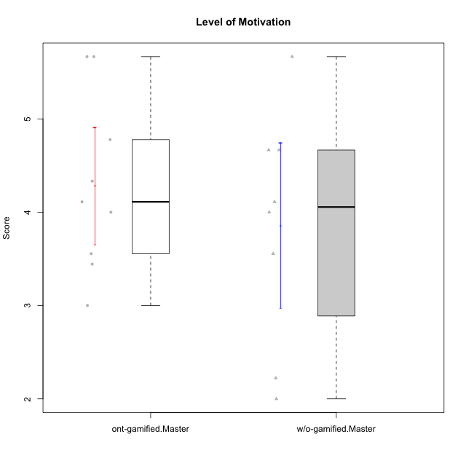

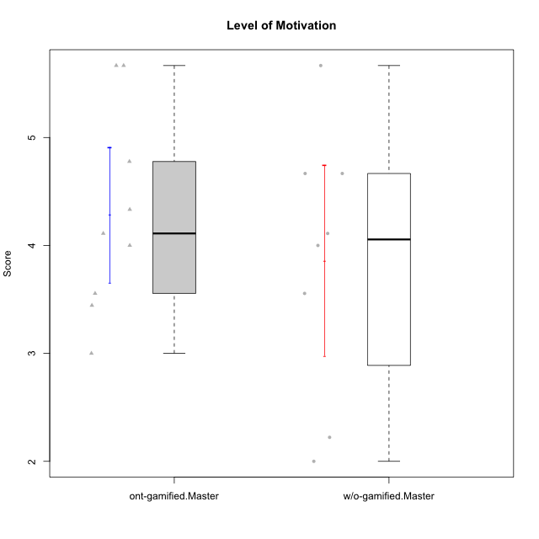

Student's t-Test data
UserID | NroUSP | Type | CLGroup | CLRole | PlayerRole | Item08IE | Item09IE | Item11IE | Item12IE | Item21IE | Item24IE | Item03PC | Item05PC | Item13PC | Item18PC | Item20PC | Item02PT | Item04PT | Item06PT | Item23PT | Item01EI | Item14EI | Item19EI | Item22EI | Item18A | Item25A | Item20A | Item07A | Item13A | Item01S | Item02S | Item05S | Item21S | Interest/Enjoyment | Perceived Choice | Pressure/Tension | Effort/Importance | Attention | Satisfaction | Intrinsic Motivation | Level of Motivation
10171 | 698531 | ont-gamified | Mafia | Master | Social Achiever | 6 | 6 | 6 | 5 | 7 | 5 | 2 | 2 | 2 | 2 | 1 | 2 | 2 | 1 | 6 | 1 | 7 | 1 | 6 | 6 | 5 | 6 | 5 | 6 | 6 | 6 | 4 | 1 | 5.8333333333 | 6.2 | 1.75 | 6.75 | 5.6 | 5.75 | 6.2105263158 | 5.6666666667
10174 | 10276852 | w/o-gamified | Grupo7 | Master |  | 6 | 4 | 4 | 3 | 4 | 6 | 4 | 4 | 4 | 3 | 4 | 4 | 5 | 6 | 5 | 5 | 4 | 2 | 4 | 5 | 4 | 4 | 6 | 4 | 6 | 5 | 4 | 4 | 4.5 | 4.2 | 4.5 | 4.25 | 4.6 | 4.75 | 4.1578947368 | 4.6666666667
10175 | 10310700 | ont-gamified | Warriors | Master | Social Achiever | 4 | 4 | 4 | 4 | 4 | 4 | 3 | 1 | 1 | 1 | 1 | 1 | 1 | 1 | 7 | 1 | 4 | 1 | 4 | 5 | 5 | 5 | 6 | 6 | 6 | 6 | 5 | 1 | 4 | 6.6 | 1 | 5.5 | 5.4 | 6 | 5.6315789474 | 5.6666666667
10176 | 10276949 | ont-gamified | Outlaws | Master | Social Achiever | 4 | 4 | 4 | 3 | 4 | 4 | 4 | 4 | 6 | 5 | 4 | 4 | 6 | 6 | 4 | 4 | 4 | 5 | 4 | 5 | 5 | 5 | 4 | 4 | 4 | 4 | 4 | 4 | 3.8333333333 | 3.4 | 5 | 3.75 | 4.6 | 4 | 3.5263157895 | 4.3333333333
10179 | 10310759 | w/o-gamified | Grupo10 | Master |  | 3 | 3 | 2 | 6 | 4 | 4 | 7 | 6 | 5 | 5 | 4 | 1 | 1 | 2 | 7 | 2 | 6 | 1 | 5 | 4 | 4 | 4 | 2 | 4 | 3 | 4 | 5 | 2 | 3.6666666667 | 2.6 | 1.25 | 6 | 3.6 | 4.5 | 4.5263157895 | 4
10188 | 10276995 | ont-gamified | Vandals | Master | Yee Achiever | 4 | 3 | 1 | 4 | 3 | 3 | 3 | 1 | 3 | 1 | 1 | 1 | 1 | 1 | 7 | 2 | 4 | 3 | 1 | 4 | 4 | 3 | 2 | 4 | 3 | 3 | 3 | 2 | 3 | 6.2 | 1 | 4 | 3.4 | 3.75 | 4.8947368421 | 3.5555555556
10191 | 10276981 | w/o-gamified | Grupo1 | Master |  | 3 | 3 | 3 | 1 | 2 | 2 | 5 | 5 | 5 | 4 | 5 | 1 | 1 | 1 | 7 | 2 | 4 | 4 | 4 | 2 | 4 | 2 | 4 | 5 | 4 | 4 | 5 | 6 | 2.3333333333 | 3.2 | 1 | 4.5 | 3.4 | 3.75 | 4 | 3.5555555556
10208 | 10276932 | ont-gamified | Mercenaries | Master | Social Achiever | 4 | 4 | 4 | 3 | 4 | 4 | 4 | 2 | 4 | 4 | 2 | 2 | 2 | 2 | 5 | 2 | 5 | 2 | 4 | 2 | 2 | 2 | 3 | 4 | 5 | 5 | 3 | 3 | 3.8333333333 | 4.8 | 2.25 | 5.25 | 2.6 | 4.5 | 4.7894736842 | 3.4444444444
10215 | 9285227 | ont-gamified | Vikings | Master | Social Achiever | 5 | 5 | 2 | 3 | 4 | 5 | 5 | 1 | 2 | 4 | 1 | 1 | 1 | 1 | 1 | 1 | 2 | 4 | 1 | 4 | 4 | 1 | 1 | 3 | 3 | 3 | 1 | 1 | 4 | 5.4 | 2.5 | 3.5 | 2.6 | 3.5 | 4.5789473684 | 3
10216 | 10276720 | ont-gamified | Silly Knights | Master | Social Achiever | 4 | 5 | 3 | 7 | 4 | 5 | 3 | 2 | 2 | 1 | 3 | 1 | 1 | 1 | 7 | 1 | 4 | 2 | 4 | 4 | 6 | 5 | 2 | 4 | 5 | 5 | 6 | 2 | 4.6666666667 | 5.8 | 1 | 5.25 | 4.2 | 5.5 | 5.5789473684 | 4.7777777778
10219 | 10276831 | w/o-gamified | Grupo3 | Master |  | 1 | 2 | 1 | 4 | 1 | 2 | 7 | 7 | 1 | 4 | 7 | 1 | 1 | 1 | 7 | 5 | 1 | 7 | 2 | 3 | 2 | 2 | 3 | 2 | 1 | 1 | 1 | 5 | 1.8333333333 | 2.8 | 1 | 1.75 | 2.4 | 1.5 | 3.1578947368 | 2
10223 | 9795185 | ont-gamified | Slayers | Master | Social Achiever | 6 | 5 | 4 | 5 | 5 | 5 | 4 | 4 | 4 | 3 | 4 | 4 | 4 | 2 | 4 | 4 | 5 | 4 | 4 | 3 | 4 | 4 | 4 | 5 | 4 | 5 | 4 | 4 | 5 | 4.2 | 3.5 | 4.25 | 4 | 4.25 | 4.5263157895 | 4.1111111111
10227 | 9274382 | w/o-gamified | Grupo5 | Master |  | 6 | 4 | 3 | 5 | 3 | 5 | 4 | 4 | 3 | 3 | 3 | 5 | 4 | 3 | 5 | 5 | 4 | 3 | 3 | 5 | 5 | 5 | 6 | 6 | 6 | 6 | 6 | 2 | 4.3333333333 | 4.6 | 3.75 | 3.75 | 5.4 | 6 | 4.2631578947 | 5.6666666667
10230 | 10351992 | ont-gamified | Resistance | Master | Social Achiever | 5 | 4 | 4 | 4 | 5 | 5 | 5 | 4 | 3 | 3 | 5 | 5 | 4 | 6 | 6 | 3 | 3 | 2 | 5 | 3 | 4 | 2 | 6 | 4 | 4 | 6 | 2 | 3 | 4.5 | 4 | 4.25 | 4.75 | 3.8 | 4.25 | 4.2631578947 | 4
10231 | 10276911 | w/o-gamified | Grupo9 | Master |  | 4 | 4 | 4 | 6 | 4 | 5 | 1 | 1 | 2 | 2 | 2 | 1 | 1 | 1 | 7 | 3 | 1 | 4 | 1 | 4 | 4 | 4 | 4 | 4 | 7 | 5 | 4 | 2 | 4.5 | 6.4 | 1 | 2.75 | 4 | 5.5 | 5.1578947368 | 4.6666666667
10234 | 10310676 | w/o-gamified | Grupo4 | Master |  | 2 | 2 | 1 | 1 | 2 | 2 | 6 | 6 | 7 | 6 | 6 | 4 | 2 | 2 | 7 | 6 | 1 | 6 | 4 | 2 | 2 | 2 | 1 | 2 | 1 | 2 | 2 | 2 | 1.6666666667 | 1.8 | 2.25 | 2.25 | 1.8 | 2.75 | 2.6842105263 | 2.2222222222
10238 | 10276953 | w/o-gamified | Grupo2 | Master |  | 4 | 4 | 4 | 3 | 4 | 4 | 7 | 5 | 5 | 5 | 4 | 5 | 5 | 5 | 3 | 1 | 5 | 2 | 5 | 4 | 5 | 4 | 5 | 5 | 3 | 2 | 5 | 4 | 3.8333333333 | 2.8 | 5 | 5.75 | 4.6 | 3.5 | 3.7894736842 | 4.1111111111

Type_CLRole_6
Student's t-Test for Level of Motivation in Type:CLRole between w/o-gamified.Apprentice:w/o-gamified.Master

Student's t-Test results
Alternative hypothesis: less
Group | N | Mean | Mean.Difference | Std.deviation | Std.error | CI.lower | CI.upper | df | t.value | p.value | g | magnitude
w/o-gamified.Apprentice | 18 | 4.0802469136 | 0.21913580247 | 1.1265628573 | 0.26553341195 | 3.5491800897 | 4.6113137375 | 12.332452384 | 0.42581380621 | 0.66120971406 | 0.18248249935 | negligible
w/o-gamified.Master | 8 | 3.8611111111 | -0.21913580247 | 1.2468655586 | 0.44083354587 | 2.9794440194 | 4.7427782029 | 12.332452384 | 0.42581380621 | 0.66120971406 | 0.18248249935 | negligible
Alternative hypothesis: greater
Group | N | Mean | Mean.Difference | Std.deviation | Std.error | CI.lower | CI.upper | df | t.value | p.value | g | magnitude
w/o-gamified.Apprentice | 18 | 4.0802469136 | 0.21913580247 | 1.1265628573 | 0.26553341195 | 3.5491800897 | 4.6113137375 | 12.332452384 | 0.42581380621 | 0.33879028594 | 0.18248249935 | negligible
w/o-gamified.Master | 8 | 3.8611111111 | -0.21913580247 | 1.2468655586 | 0.44083354587 | 2.9794440194 | 4.7427782029 | 12.332452384 | 0.42581380621 | 0.33879028594 | 0.18248249935 | negligible
Alternative hypothesis: two.sided
Group | N | Mean | Mean.Difference | Std.deviation | Std.error | CI.lower | CI.upper | df | t.value | p.value | g | magnitude
w/o-gamified.Apprentice | 18 | 4.0802469136 | 0.21913580247 | 1.1265628573 | 0.26553341195 | 3.5491800897 | 4.6113137375 | 12.332452384 | 0.42581380621 | 0.67758057188 | 0.18248249935 | negligible
w/o-gamified.Master | 8 | 3.8611111111 | -0.21913580247 | 1.2468655586 | 0.44083354587 | 2.9794440194 | 4.7427782029 | 12.332452384 | 0.42581380621 | 0.67758057188 | 0.18248249935 | negligible

Box plots for Student's t-Test
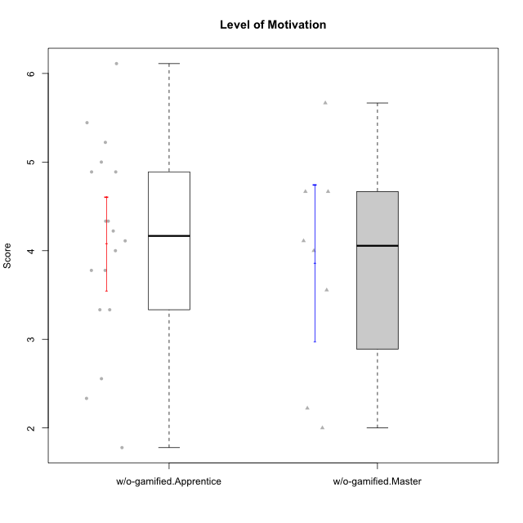

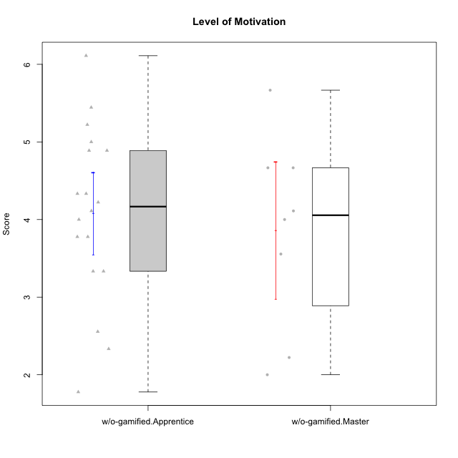

Student's t-Test data
UserID | NroUSP | Type | CLGroup | CLRole | PlayerRole | Item08IE | Item09IE | Item11IE | Item12IE | Item21IE | Item24IE | Item03PC | Item05PC | Item13PC | Item18PC | Item20PC | Item02PT | Item04PT | Item06PT | Item23PT | Item01EI | Item14EI | Item19EI | Item22EI | Item18A | Item25A | Item20A | Item07A | Item13A | Item01S | Item02S | Item05S | Item21S | Interest/Enjoyment | Perceived Choice | Pressure/Tension | Effort/Importance | Attention | Satisfaction | Intrinsic Motivation | Level of Motivation
10170 | 10260351 | w/o-gamified | Grupo11 | Apprentice |  | 6 | 4 | 4 | 3 | 4 | 4 | 3 | 2 | 2 | 1 | 3 | 1 | 1 | 1 | 1 | 3 | 4 | 3 | 5 | 6 | 5 | 6 | 5 | 6 | 4 | 4 | 5 | 5 | 4.1666666667 | 5.8 | 2.5 | 4.75 | 5.6 | 4 | 5 | 4.8888888889
10172 | 10273971 | w/o-gamified | Grupo5 | Apprentice |  | 7 | 5 | 5 | 4 | 5 | 5 | 5 | 6 | 5 | 5 | 5 | 4 | 6 | 5 | 5 | 5 | 4 | 5 | 5 | 5 | 5 | 5 | 6 | 6 | 6 | 4 | 5 | 5 | 5.1666666667 | 2.8 | 4.5 | 3.75 | 5.4 | 4.5 | 3.8947368421 | 5
10174 | 10276852 | w/o-gamified | Grupo7 | Master |  | 6 | 4 | 4 | 3 | 4 | 6 | 4 | 4 | 4 | 3 | 4 | 4 | 5 | 6 | 5 | 5 | 4 | 2 | 4 | 5 | 4 | 4 | 6 | 4 | 6 | 5 | 4 | 4 | 4.5 | 4.2 | 4.5 | 4.25 | 4.6 | 4.75 | 4.1578947368 | 4.6666666667
10179 | 10310759 | w/o-gamified | Grupo10 | Master |  | 3 | 3 | 2 | 6 | 4 | 4 | 7 | 6 | 5 | 5 | 4 | 1 | 1 | 2 | 7 | 2 | 6 | 1 | 5 | 4 | 4 | 4 | 2 | 4 | 3 | 4 | 5 | 2 | 3.6666666667 | 2.6 | 1.25 | 6 | 3.6 | 4.5 | 4.5263157895 | 4
10181 | 10276866 | w/o-gamified | Grupo2 | Apprentice |  | 2 | 3 | 1 | 2 | 3 | 2 | 5 | 1 | 5 | 5 | 3 | 4 | 1 | 5 | 4 | 7 | 1 | 4 | 5 | 4 | 4 | 4 | 5 | 4 | 1 | 1 | 3 | 4 | 2.1666666667 | 4.2 | 3.5 | 2.75 | 4.2 | 2.25 | 3.3157894737 | 3.3333333333
10183 | 10352030 | w/o-gamified | Grupo3 | Apprentice |  | 3 | 3 | 3 | 3 | 3 | 2 | 4 | 4 | 2 | 3 | 5 | 4 | 4 | 5 | 2 | 4 | 2 | 3 | 4 | 2 | 2 | 2 | 2 | 3 | 2 | 2 | 4 | 4 | 2.8333333333 | 4.4 | 4.75 | 3.75 | 2.2 | 3 | 3.5263157895 | 2.5555555556
10184 | 10276675 | w/o-gamified | Grupo10 | Apprentice |  | 4 | 4 | 4 | 4 | 3 | 4 | 4 | 5 | 3 | 4 | 4 | 4 | 3 | 4 | 4 | 4 | 3 | 4 | 4 | 4 | 4 | 4 | 2 | 4 | 6 | 4 | 4 | 4 | 3.8333333333 | 4 | 3.75 | 3.75 | 3.6 | 4.5 | 3.9473684211 | 4
10185 | 10276960 | w/o-gamified | Grupo9 | Apprentice |  | 6 | 4 | 5 | 5 | 3 | 6 | 3 | 6 | 5 | 6 | 3 | 4 | 4 | 5 | 4 | 4 | 4 | 3 | 5 | 3 | 5 | 3 | 4 | 3 | 4 | 5 | 5 | 6 | 4.8333333333 | 3.4 | 4.25 | 4.5 | 3.6 | 4 | 4.1578947368 | 3.7777777778
10190 | 10276907 | w/o-gamified | Grupo4 | Apprentice |  | 3 | 3 | 3 | 2 | 4 | 4 | 7 | 7 | 3 | 5 | 4 | 5 | 7 | 6 | 5 | 3 | 4 | 5 | 4 | 6 | 5 | 5 | 5 | 3 | 3 | 4 | 4 | 4 | 3.1666666667 | 2.8 | 5.25 | 4 | 4.8 | 3.75 | 3.1578947368 | 4.3333333333
10191 | 10276981 | w/o-gamified | Grupo1 | Master |  | 3 | 3 | 3 | 1 | 2 | 2 | 5 | 5 | 5 | 4 | 5 | 1 | 1 | 1 | 7 | 2 | 4 | 4 | 4 | 2 | 4 | 2 | 4 | 5 | 4 | 4 | 5 | 6 | 2.3333333333 | 3.2 | 1 | 4.5 | 3.4 | 3.75 | 4 | 3.5555555556
10197 | 10276661 | w/o-gamified | Grupo8 | Apprentice |  | 5 | 3 | 5 | 4 | 2 | 2 | 2 | 3 | 4 | 2 | 4 | 3 | 3 | 5 | 5 | 3 | 4 | 3 | 4 | 7 | 4 | 4 | 5 | 3 | 4 | 4 | 2 | 4 | 3.5 | 5 | 3.5 | 4.5 | 4.6 | 3.5 | 4.3157894737 | 4.1111111111
10199 | 10276737 | w/o-gamified | Grupo1 | Apprentice |  | 4 | 3 | 4 | 1 | 3 | 3 | 3 | 5 | 3 | 5 | 5 | 4 | 2 | 3 | 4 | 4 | 4 | 4 | 5 | 5 | 4 | 3 | 3 | 4 | 6 | 4 | 4 | 2 | 3 | 3.8 | 3.25 | 4.25 | 3.8 | 5 | 3.8421052632 | 4.3333333333
10201 | 10276928 | w/o-gamified | Grupo11 | Apprentice |  | 6 | 5 | 5 | 6 | 6 | 3 | 5 | 3 | 3 | 4 | 4 | 3 | 2 | 4 | 5 | 3 | 5 | 3 | 5 | 6 | 5 | 6 | 6 | 6 | 6 | 5 | 6 | 5 | 5.1666666667 | 4.2 | 3 | 5 | 5.8 | 5 | 4.8421052632 | 5.4444444444
10204 | 10310471 | w/o-gamified | Grupo6 | Apprentice |  | 1 | 1 | 1 | 1 | 1 | 1 | 7 | 7 | 7 | 7 | 7 | 7 | 7 | 7 | 1 | 4 | 4 | 1 | 7 | 1 | 1 | 1 | 1 | 1 | 2 | 1 | 4 | 4 | 1 | 1 | 7 | 5.5 | 1 | 2.75 | 1.9473684211 | 1.7777777778
10206 | 10310721 | w/o-gamified | Grupo8 | Apprentice |  | 4 | 4 | 2 | 3 | 5 | 4 | 3 | 2 | 3 | 2 | 2 | 3 | 2 | 3 | 4 | 2 | 5 | 2 | 5 | 4 | 6 | 4 | 4 | 5 | 5 | 5 | 6 | 3 | 3.6666666667 | 5.6 | 3 | 5.5 | 4.6 | 5.25 | 4.8421052632 | 4.8888888889
10213 | 10277040 | w/o-gamified | Grupo7 | Apprentice |  | 4 | 3 | 7 | 1 | 4 | 4 | 7 | 7 | 7 | 7 | 7 | 1 | 7 | 7 | 4 | 1 | 7 | 1 | 7 | 5 | 7 | 7 | 7 | 4 | 7 | 4 | 7 | 1 | 3.8333333333 | 1 | 4.75 | 7 | 6 | 6.25 | 3.6315789474 | 6.1111111111
10217 | 9805341 | w/o-gamified | Grupo9 | Apprentice |  | 5 | 5 | 3 | 4 | 5 | 4 | 4 | 5 | 4 | 4 | 2 | 1 | 1 | 1 | 7 | 3 | 3 | 4 | 2 | 3 | 4 | 4 | 4 | 6 | 4 | 4 | 4 | 3 | 4.3333333333 | 4.2 | 1 | 3.5 | 4.2 | 4.25 | 4.6842105263 | 4.2222222222
10218 | 9842913 | w/o-gamified | Grupo10 | Apprentice |  | 4 | 4 | 4 | 4 | 4 | 4 | 4 | 5 | 4 | 5 | 4 | 4 | 5 | 4 | 5 | 4 | 4 | 4 | 5 | 3 | 4 | 4 | 5 | 4 | 4 | 3 | 3 | 4 | 4 | 3.6 | 4 | 4.25 | 4 | 3.5 | 3.9473684211 | 3.7777777778
10219 | 10276831 | w/o-gamified | Grupo3 | Master |  | 1 | 2 | 1 | 4 | 1 | 2 | 7 | 7 | 1 | 4 | 7 | 1 | 1 | 1 | 7 | 5 | 1 | 7 | 2 | 3 | 2 | 2 | 3 | 2 | 1 | 1 | 1 | 5 | 1.8333333333 | 2.8 | 1 | 1.75 | 2.4 | 1.5 | 3.1578947368 | 2
10220 | 9760151 | w/o-gamified | Grupo3 | Apprentice |  | 4 | 1 | 1 | 1 | 4 | 4 | 1 | 1 | 1 | 4 | 1 | 1 | 1 | 1 | 7 | 1 | 4 | 1 | 7 | 1 | 1 | 1 | 1 | 1 | 7 | 4 | 7 | 1 | 2.5 | 6.4 | 1 | 6.25 | 1 | 6.25 | 5.2631578947 | 3.3333333333
10226 | 10310342 | w/o-gamified | Grupo4 | Apprentice |  | 4 | 1 | 1 | 1 | 1 | 1 | 7 | 7 | 7 | 7 | 7 | 7 | 7 | 7 | 1 | 7 | 1 | 7 | 1 | 3 | 2 | 1 | 2 | 2 | 3 | 2 | 3 | 5 | 1.5 | 1 | 7 | 1 | 2 | 2.75 | 1.1578947368 | 2.3333333333
10227 | 9274382 | w/o-gamified | Grupo5 | Master |  | 6 | 4 | 3 | 5 | 3 | 5 | 4 | 4 | 3 | 3 | 3 | 5 | 4 | 3 | 5 | 5 | 4 | 3 | 3 | 5 | 5 | 5 | 6 | 6 | 6 | 6 | 6 | 2 | 4.3333333333 | 4.6 | 3.75 | 3.75 | 5.4 | 6 | 4.2631578947 | 5.6666666667
10231 | 10276911 | w/o-gamified | Grupo9 | Master |  | 4 | 4 | 4 | 6 | 4 | 5 | 1 | 1 | 2 | 2 | 2 | 1 | 1 | 1 | 7 | 3 | 1 | 4 | 1 | 4 | 4 | 4 | 4 | 4 | 7 | 5 | 4 | 2 | 4.5 | 6.4 | 1 | 2.75 | 4 | 5.5 | 5.1578947368 | 4.6666666667
10232 | 10276974 | w/o-gamified | Grupo7 | Apprentice |  | 5 | 4 | 5 | 4 | 4 | 5 | 3 | 3 | 3 | 4 | 4 | 2 | 2 | 2 | 3 | 1 | 5 | 1 | 6 | 4 | 6 | 4 | 5 | 4 | 6 | 5 | 6 | 1 | 4.5 | 4.6 | 2.75 | 6.25 | 4.6 | 6 | 5.0526315789 | 5.2222222222
10234 | 10310676 | w/o-gamified | Grupo4 | Master |  | 2 | 2 | 1 | 1 | 2 | 2 | 6 | 6 | 7 | 6 | 6 | 4 | 2 | 2 | 7 | 6 | 1 | 6 | 4 | 2 | 2 | 2 | 1 | 2 | 1 | 2 | 2 | 2 | 1.6666666667 | 1.8 | 2.25 | 2.25 | 1.8 | 2.75 | 2.6842105263 | 2.2222222222
10238 | 10276953 | w/o-gamified | Grupo2 | Master |  | 4 | 4 | 4 | 3 | 4 | 4 | 7 | 5 | 5 | 5 | 4 | 5 | 5 | 5 | 3 | 1 | 5 | 2 | 5 | 4 | 5 | 4 | 5 | 5 | 3 | 2 | 5 | 4 | 3.8333333333 | 2.8 | 5 | 5.75 | 4.6 | 3.5 | 3.7894736842 | 4.1111111111

