Type_1
Wilcoxon Analysis for Level of Motivation in Type between ont-gamified:w/o-gamified

Wilcoxon test results
Alternative hypothesis: less
Group | N | Median | Mean.Ranks | Sum.Ranks | U | Z | p.value | r | magnitude
ont-gamified | 24 | 4.1666666667 | 27.291666667 | 655 | 355 | 0.58552667029 | 0.72091563092 | 0.081990133507 | none
w/o-gamified | 27 | 4.1111111111 | 24.851851852 | 671 | 355 | 0.58552667029 | 0.72091563092 | 0.081990133507 | none
Alternative hypothesis: greater
Group | N | Median | Mean.Ranks | Sum.Ranks | U | Z | p.value | r | magnitude
ont-gamified | 24 | 4.1666666667 | 27.291666667 | 655 | 355 | 0.58552667029 | 0.28224812131 | 0.081990133507 | none
w/o-gamified | 27 | 4.1111111111 | 24.851851852 | 671 | 355 | 0.58552667029 | 0.28224812131 | 0.081990133507 | none
Alternative hypothesis: two.sided
Group | N | Median | Mean.Ranks | Sum.Ranks | U | Z | p.value | r | magnitude
ont-gamified | 24 | 4.1666666667 | 27.291666667 | 655 | 355 | 0.58552667029 | 0.56449492309 | 0.081990133507 | none
w/o-gamified | 27 | 4.1111111111 | 24.851851852 | 671 | 355 | 0.58552667029 | 0.56449492309 | 0.081990133507 | none

Box plots for wilcoxon tests
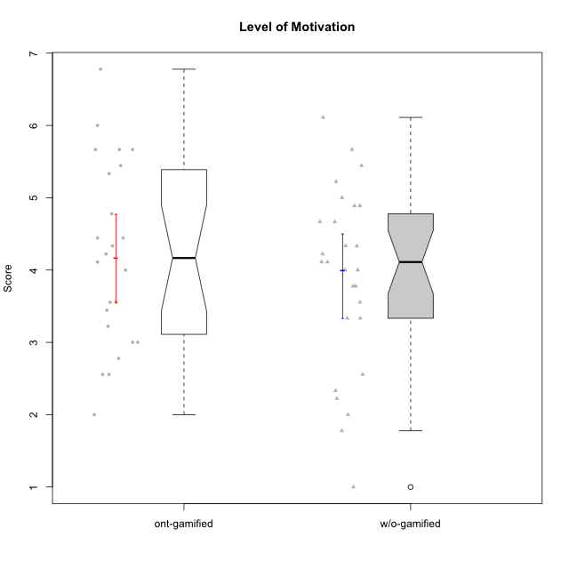

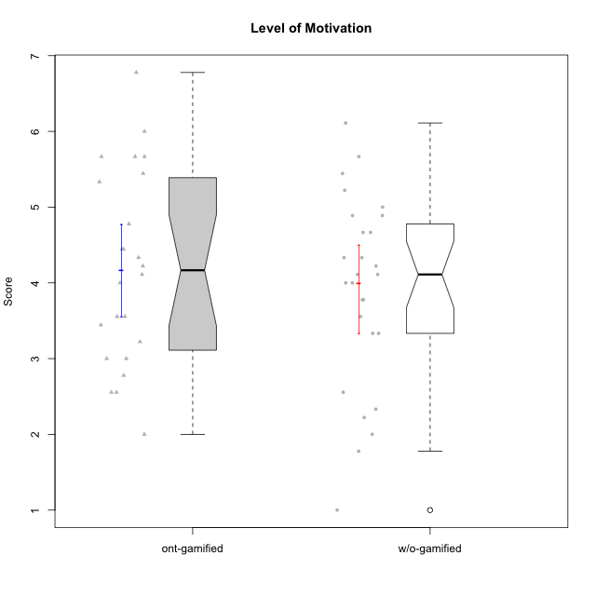

Wilcoxon data
UserID | NroUSP | Type | CLGroup | CLRole | PlayerRole | Item08IE | Item09IE | Item11IE | Item12IE | Item21IE | Item24IE | Item03PC | Item05PC | Item13PC | Item18PC | Item20PC | Item02PT | Item04PT | Item06PT | Item23PT | Item01EI | Item14EI | Item19EI | Item22EI | Item18A | Item25A | Item20A | Item07A | Item13A | Item01S | Item02S | Item05S | Item21S | Interest/Enjoyment | Perceived Choice | Pressure/Tension | Effort/Importance | Attention | Satisfaction | Intrinsic Motivation | Level of Motivation
10169 | 10377538 | ont-gamified | Resistance | Apprentice | Social Achiever | 7 | 7 | 7 | 7 | 7 | 7 | 4 | 2 | 4 | 2 | 2 | 7 | 7 | 6 | 1 | 5 | 5 | 5 | 6 | 7 | 7 | 7 | 7 | 7 | 7 | 7 | 7 | 3 | 7 | 5.2 | 6.75 | 4.25 | 7 | 6.5 | 4.7368421053 | 6.7777777778
10170 | 10260351 | w/o-gamified | Grupo11 | Apprentice |  | 6 | 4 | 4 | 3 | 4 | 4 | 3 | 2 | 2 | 1 | 3 | 1 | 1 | 1 | 1 | 3 | 4 | 3 | 5 | 6 | 5 | 6 | 5 | 6 | 4 | 4 | 5 | 5 | 4.1666666667 | 5.8 | 2.5 | 4.75 | 5.6 | 4 | 5 | 4.8888888889
10171 | 698531 | ont-gamified | Mafia | Master | Social Achiever | 6 | 6 | 6 | 5 | 7 | 5 | 2 | 2 | 2 | 2 | 1 | 2 | 2 | 1 | 6 | 1 | 7 | 1 | 6 | 6 | 5 | 6 | 5 | 6 | 6 | 6 | 4 | 1 | 5.8333333333 | 6.2 | 1.75 | 6.75 | 5.6 | 5.75 | 6.2105263158 | 5.6666666667
10172 | 10273971 | w/o-gamified | Grupo5 | Apprentice |  | 7 | 5 | 5 | 4 | 5 | 5 | 5 | 6 | 5 | 5 | 5 | 4 | 6 | 5 | 5 | 5 | 4 | 5 | 5 | 5 | 5 | 5 | 6 | 6 | 6 | 4 | 5 | 5 | 5.1666666667 | 2.8 | 4.5 | 3.75 | 5.4 | 4.5 | 3.8947368421 | 5
10174 | 10276852 | w/o-gamified | Grupo7 | Master |  | 6 | 4 | 4 | 3 | 4 | 6 | 4 | 4 | 4 | 3 | 4 | 4 | 5 | 6 | 5 | 5 | 4 | 2 | 4 | 5 | 4 | 4 | 6 | 4 | 6 | 5 | 4 | 4 | 4.5 | 4.2 | 4.5 | 4.25 | 4.6 | 4.75 | 4.1578947368 | 4.6666666667
10175 | 10310700 | ont-gamified | Warriors | Master | Social Achiever | 4 | 4 | 4 | 4 | 4 | 4 | 3 | 1 | 1 | 1 | 1 | 1 | 1 | 1 | 7 | 1 | 4 | 1 | 4 | 5 | 5 | 5 | 6 | 6 | 6 | 6 | 5 | 1 | 4 | 6.6 | 1 | 5.5 | 5.4 | 6 | 5.6315789474 | 5.6666666667
10176 | 10276949 | ont-gamified | Outlaws | Master | Social Achiever | 4 | 4 | 4 | 3 | 4 | 4 | 4 | 4 | 6 | 5 | 4 | 4 | 6 | 6 | 4 | 4 | 4 | 5 | 4 | 5 | 5 | 5 | 4 | 4 | 4 | 4 | 4 | 4 | 3.8333333333 | 3.4 | 5 | 3.75 | 4.6 | 4 | 3.5263157895 | 4.3333333333
10179 | 10310759 | w/o-gamified | Grupo10 | Master |  | 3 | 3 | 2 | 6 | 4 | 4 | 7 | 6 | 5 | 5 | 4 | 1 | 1 | 2 | 7 | 2 | 6 | 1 | 5 | 4 | 4 | 4 | 2 | 4 | 3 | 4 | 5 | 2 | 3.6666666667 | 2.6 | 1.25 | 6 | 3.6 | 4.5 | 4.5263157895 | 4
10181 | 10276866 | w/o-gamified | Grupo2 | Apprentice |  | 2 | 3 | 1 | 2 | 3 | 2 | 5 | 1 | 5 | 5 | 3 | 4 | 1 | 5 | 4 | 7 | 1 | 4 | 5 | 4 | 4 | 4 | 5 | 4 | 1 | 1 | 3 | 4 | 2.1666666667 | 4.2 | 3.5 | 2.75 | 4.2 | 2.25 | 3.3157894737 | 3.3333333333
10183 | 10352030 | w/o-gamified | Grupo3 | Apprentice |  | 3 | 3 | 3 | 3 | 3 | 2 | 4 | 4 | 2 | 3 | 5 | 4 | 4 | 5 | 2 | 4 | 2 | 3 | 4 | 2 | 2 | 2 | 2 | 3 | 2 | 2 | 4 | 4 | 2.8333333333 | 4.4 | 4.75 | 3.75 | 2.2 | 3 | 3.5263157895 | 2.5555555556
10184 | 10276675 | w/o-gamified | Grupo10 | Apprentice |  | 4 | 4 | 4 | 4 | 3 | 4 | 4 | 5 | 3 | 4 | 4 | 4 | 3 | 4 | 4 | 4 | 3 | 4 | 4 | 4 | 4 | 4 | 2 | 4 | 6 | 4 | 4 | 4 | 3.8333333333 | 4 | 3.75 | 3.75 | 3.6 | 4.5 | 3.9473684211 | 4
10185 | 10276960 | w/o-gamified | Grupo9 | Apprentice |  | 6 | 4 | 5 | 5 | 3 | 6 | 3 | 6 | 5 | 6 | 3 | 4 | 4 | 5 | 4 | 4 | 4 | 3 | 5 | 3 | 5 | 3 | 4 | 3 | 4 | 5 | 5 | 6 | 4.8333333333 | 3.4 | 4.25 | 4.5 | 3.6 | 4 | 4.1578947368 | 3.7777777778
10186 | 10310551 | ont-gamified | Slayers | Apprentice | Social Achiever | 6 | 4 | 6 | 1 | 3 | 3 | 4 | 4 | 4 | 4 | 1 | 5 | 4 | 4 | 1 | 1 | 7 | 1 | 7 | 4 | 1 | 4 | 1 | 4 | 7 | 7 | 5 | 1 | 3.8333333333 | 4.6 | 5 | 7 | 2.8 | 6.5 | 4.5263157895 | 4.4444444444
10188 | 10276995 | ont-gamified | Vandals | Master | Yee Achiever | 4 | 3 | 1 | 4 | 3 | 3 | 3 | 1 | 3 | 1 | 1 | 1 | 1 | 1 | 7 | 2 | 4 | 3 | 1 | 4 | 4 | 3 | 2 | 4 | 3 | 3 | 3 | 2 | 3 | 6.2 | 1 | 4 | 3.4 | 3.75 | 4.8947368421 | 3.5555555556
10189 | 9363926 | ont-gamified | Vikings | Apprentice | Social Achiever | 4 | 2 | 1 | 1 | 2 | 2 | 5 | 5 | 5 | 4 | 4 | 1 | 1 | 2 | 4 | 1 | 5 | 3 | 6 | 2 | 1 | 1 | 1 | 3 | 3 | 2 | 3 | 1 | 2 | 3.4 | 2 | 5.75 | 1.6 | 3.75 | 4 | 2.5555555556
10190 | 10276907 | w/o-gamified | Grupo4 | Apprentice |  | 3 | 3 | 3 | 2 | 4 | 4 | 7 | 7 | 3 | 5 | 4 | 5 | 7 | 6 | 5 | 3 | 4 | 5 | 4 | 6 | 5 | 5 | 5 | 3 | 3 | 4 | 4 | 4 | 3.1666666667 | 2.8 | 5.25 | 4 | 4.8 | 3.75 | 3.1578947368 | 4.3333333333
10191 | 10276981 | w/o-gamified | Grupo1 | Master |  | 3 | 3 | 3 | 1 | 2 | 2 | 5 | 5 | 5 | 4 | 5 | 1 | 1 | 1 | 7 | 2 | 4 | 4 | 4 | 2 | 4 | 2 | 4 | 5 | 4 | 4 | 5 | 6 | 2.3333333333 | 3.2 | 1 | 4.5 | 3.4 | 3.75 | 4 | 3.5555555556
10192 | 10276682 | ont-gamified | Attractive Devils | Apprentice | Social Achiever | 4 | 4 | 6 | 4 | 5 | 1 | 3 | 2 | 3 | 4 | 4 | 4 | 4 | 4 | 3 | 1 | 7 | 5 | 5 | 4 | 4 | 4 | 7 | 6 | 7 | 6 | 7 | 4 | 4 | 4.8 | 4.25 | 5.5 | 5 | 6 | 4.4736842105 | 5.4444444444
10193 | 10276762 | ont-gamified | Vandals | Apprentice | Yee Achiever | 1 | 2 | 1 | 1 | 1 | 2 | 1 | 1 | 1 | 1 | 1 | 1 | 1 | 2 | 1 | 1 | 1 | 2 | 2 | 2 | 1 | 2 | 1 | 1 | 1 | 2 | 1 | 1 | 1.3333333333 | 7 | 2.75 | 4 | 1.4 | 2.75 | 4.2105263158 | 2
10197 | 10276661 | w/o-gamified | Grupo8 | Apprentice |  | 5 | 3 | 5 | 4 | 2 | 2 | 2 | 3 | 4 | 2 | 4 | 3 | 3 | 5 | 5 | 3 | 4 | 3 | 4 | 7 | 4 | 4 | 5 | 3 | 4 | 4 | 2 | 4 | 3.5 | 5 | 3.5 | 4.5 | 4.6 | 3.5 | 4.3157894737 | 4.1111111111
10198 | 10310888 | ont-gamified | Attractive Devils | Apprentice | Social Achiever | 4 | 6 | 4 | 5 | 3 | 2 | 1 | 4 | 5 | 6 | 6 | 4 | 4 | 4 | 3 | 2 | 6 | 3 | 6 | 5 | 5 | 6 | 7 | 5 | 7 | 7 | 6 | 2 | 4 | 3.6 | 4.25 | 5.75 | 5.6 | 6.5 | 4.2105263158 | 6
10199 | 10276737 | w/o-gamified | Grupo1 | Apprentice |  | 4 | 3 | 4 | 1 | 3 | 3 | 3 | 5 | 3 | 5 | 5 | 4 | 2 | 3 | 4 | 4 | 4 | 4 | 5 | 5 | 4 | 3 | 3 | 4 | 6 | 4 | 4 | 2 | 3 | 3.8 | 3.25 | 4.25 | 3.8 | 5 | 3.8421052632 | 4.3333333333
10200 | 9795272 | ont-gamified | Warriors | Apprentice | Social Achiever | 5 | 4 | 5 | 3 | 5 | 5 | 3 | 4 | 5 | 2 | 2 | 5 | 5 | 4 | 3 | 1 | 6 | 1 | 6 | 4 | 5 | 4 | 6 | 5 | 5 | 6 | 7 | 2 | 4.5 | 4.8 | 4.75 | 6.5 | 4.8 | 6 | 4.7368421053 | 5.3333333333
10201 | 10276928 | w/o-gamified | Grupo11 | Apprentice |  | 6 | 5 | 5 | 6 | 6 | 3 | 5 | 3 | 3 | 4 | 4 | 3 | 2 | 4 | 5 | 3 | 5 | 3 | 5 | 6 | 5 | 6 | 6 | 6 | 6 | 5 | 6 | 5 | 5.1666666667 | 4.2 | 3 | 5 | 5.8 | 5 | 4.8421052632 | 5.4444444444
10202 | 10277036 | ont-gamified | Silly Knights | Apprentice | Social Achiever | 3 | 3 | 3 | 3 | 3 | 3 | 3 | 2 | 2 | 5 | 2 | 3 | 3 | 3 | 3 | 2 | 5 | 2 | 5 | 2 | 3 | 2 | 2 | 3 | 5 | 5 | 5 | 3 | 3 | 5.2 | 3.5 | 5.5 | 2.4 | 5 | 4.4210526316 | 3.5555555556
10203 | 9921470 | ont-gamified | Mercenaries | Apprentice | Social Achiever | 3 | 5 | 4 | 5 | 4 | 4 | 4 | 1 | 1 | 1 | 1 | 2 | 5 | 1 | 3 | 1 | 7 | 1 | 6 | 4 | 5 | 7 | 6 | 5 | 5 | 7 | 7 | 3 | 4.1666666667 | 6.4 | 3.25 | 6.75 | 5.4 | 6 | 5.4210526316 | 5.6666666667
10204 | 10310471 | w/o-gamified | Grupo6 | Apprentice |  | 1 | 1 | 1 | 1 | 1 | 1 | 7 | 7 | 7 | 7 | 7 | 7 | 7 | 7 | 1 | 4 | 4 | 1 | 7 | 1 | 1 | 1 | 1 | 1 | 2 | 1 | 4 | 4 | 1 | 1 | 7 | 5.5 | 1 | 2.75 | 1.9473684211 | 1.7777777778
10206 | 10310721 | w/o-gamified | Grupo8 | Apprentice |  | 4 | 4 | 2 | 3 | 5 | 4 | 3 | 2 | 3 | 2 | 2 | 3 | 2 | 3 | 4 | 2 | 5 | 2 | 5 | 4 | 6 | 4 | 4 | 5 | 5 | 5 | 6 | 3 | 3.6666666667 | 5.6 | 3 | 5.5 | 4.6 | 5.25 | 4.8421052632 | 4.8888888889
10208 | 10276932 | ont-gamified | Mercenaries | Master | Social Achiever | 4 | 4 | 4 | 3 | 4 | 4 | 4 | 2 | 4 | 4 | 2 | 2 | 2 | 2 | 5 | 2 | 5 | 2 | 4 | 2 | 2 | 2 | 3 | 4 | 5 | 5 | 3 | 3 | 3.8333333333 | 4.8 | 2.25 | 5.25 | 2.6 | 4.5 | 4.7894736842 | 3.4444444444
10209 | 10262669 | ont-gamified | Mafia | Apprentice | Social Achiever | 2 | 2 | 4 | 2 | 2 | 2 | 7 | 7 | 7 | 7 | 7 | 2 | 1 | 1 | 7 | 2 | 3 | 3 | 2 | 2 | 2 | 1 | 2 | 4 | 2 | 2 | 3 | 1 | 2.3333333333 | 1 | 1.25 | 4 | 2.2 | 3.5 | 3.2631578947 | 2.7777777778
10210 | 10277015 | w/o-gamified | Grupo6 | Apprentice |  | 1 | 1 | 1 | 1 | 1 | 1 | 7 | 7 | 7 | 7 | 7 | 7 | 7 | 7 | 1 | 1 | 7 | 1 | 7 | 1 | 1 | 1 | 1 | 1 | 1 | 1 | 1 | 7 | 1 | 1 | 7 | 7 | 1 | 1 | 2.2631578947 | 1
10213 | 10277040 | w/o-gamified | Grupo7 | Apprentice |  | 4 | 3 | 7 | 1 | 4 | 4 | 7 | 7 | 7 | 7 | 7 | 1 | 7 | 7 | 4 | 1 | 7 | 1 | 7 | 5 | 7 | 7 | 7 | 4 | 7 | 4 | 7 | 1 | 3.8333333333 | 1 | 4.75 | 7 | 6 | 6.25 | 3.6315789474 | 6.1111111111
10214 | 10277022 | ont-gamified | Vikings | Apprentice | Social Achiever | 2 | 1 | 1 | 1 | 1 | 1 | 6 | 2 | 6 | 7 | 6 | 5 | 1 | 4 | 2 | 1 | 7 | 1 | 7 | 1 | 2 | 1 | 1 | 2 | 3 | 4 | 4 | 3 | 1.1666666667 | 2.6 | 4 | 7 | 1.4 | 4 | 3.3684210526 | 2.5555555556
10215 | 9285227 | ont-gamified | Vikings | Master | Social Achiever | 5 | 5 | 2 | 3 | 4 | 5 | 5 | 1 | 2 | 4 | 1 | 1 | 1 | 1 | 1 | 1 | 2 | 4 | 1 | 4 | 4 | 1 | 1 | 3 | 3 | 3 | 1 | 1 | 4 | 5.4 | 2.5 | 3.5 | 2.6 | 3.5 | 4.5789473684 | 3
10216 | 10276720 | ont-gamified | Silly Knights | Master | Social Achiever | 4 | 5 | 3 | 7 | 4 | 5 | 3 | 2 | 2 | 1 | 3 | 1 | 1 | 1 | 7 | 1 | 4 | 2 | 4 | 4 | 6 | 5 | 2 | 4 | 5 | 5 | 6 | 2 | 4.6666666667 | 5.8 | 1 | 5.25 | 4.2 | 5.5 | 5.5789473684 | 4.7777777778
10217 | 9805341 | w/o-gamified | Grupo9 | Apprentice |  | 5 | 5 | 3 | 4 | 5 | 4 | 4 | 5 | 4 | 4 | 2 | 1 | 1 | 1 | 7 | 3 | 3 | 4 | 2 | 3 | 4 | 4 | 4 | 6 | 4 | 4 | 4 | 3 | 4.3333333333 | 4.2 | 1 | 3.5 | 4.2 | 4.25 | 4.6842105263 | 4.2222222222
10218 | 9842913 | w/o-gamified | Grupo10 | Apprentice |  | 4 | 4 | 4 | 4 | 4 | 4 | 4 | 5 | 4 | 5 | 4 | 4 | 5 | 4 | 5 | 4 | 4 | 4 | 5 | 3 | 4 | 4 | 5 | 4 | 4 | 3 | 3 | 4 | 4 | 3.6 | 4 | 4.25 | 4 | 3.5 | 3.9473684211 | 3.7777777778
10219 | 10276831 | w/o-gamified | Grupo3 | Master |  | 1 | 2 | 1 | 4 | 1 | 2 | 7 | 7 | 1 | 4 | 7 | 1 | 1 | 1 | 7 | 5 | 1 | 7 | 2 | 3 | 2 | 2 | 3 | 2 | 1 | 1 | 1 | 5 | 1.8333333333 | 2.8 | 1 | 1.75 | 2.4 | 1.5 | 3.1578947368 | 2
10220 | 9760151 | w/o-gamified | Grupo3 | Apprentice |  | 4 | 1 | 1 | 1 | 4 | 4 | 1 | 1 | 1 | 4 | 1 | 1 | 1 | 1 | 7 | 1 | 4 | 1 | 7 | 1 | 1 | 1 | 1 | 1 | 7 | 4 | 7 | 1 | 2.5 | 6.4 | 1 | 6.25 | 1 | 6.25 | 5.2631578947 | 3.3333333333
10221 | 9082496 | ont-gamified | Warriors | Apprentice | Social Achiever | 3 | 3 | 2 | 2 | 3 | 3 | 4 | 4 | 6 | 5 | 6 | 4 | 2 | 6 | 6 | 2 | 5 | 3 | 5 | 4 | 2 | 3 | 3 | 2 | 4 | 3 | 5 | 7 | 2.6666666667 | 3 | 3.5 | 5.25 | 2.8 | 3.25 | 3.6842105263 | 3
10223 | 9795185 | ont-gamified | Slayers | Master | Social Achiever | 6 | 5 | 4 | 5 | 5 | 5 | 4 | 4 | 4 | 3 | 4 | 4 | 4 | 2 | 4 | 4 | 5 | 4 | 4 | 3 | 4 | 4 | 4 | 5 | 4 | 5 | 4 | 4 | 5 | 4.2 | 3.5 | 4.25 | 4 | 4.25 | 4.5263157895 | 4.1111111111
10224 | 9368772 | ont-gamified | Mercenaries | Apprentice | Social Achiever | 4 | 4 | 4 | 4 | 4 | 4 | 5 | 5 | 4 | 4 | 4 | 4 | 5 | 5 | 3 | 4 | 5 | 5 | 6 | 4 | 4 | 4 | 4 | 4 | 5 | 4 | 6 | 3 | 4 | 3.6 | 4.75 | 4.5 | 4 | 5 | 3.8421052632 | 4.4444444444
10226 | 10310342 | w/o-gamified | Grupo4 | Apprentice |  | 4 | 1 | 1 | 1 | 1 | 1 | 7 | 7 | 7 | 7 | 7 | 7 | 7 | 7 | 1 | 7 | 1 | 7 | 1 | 3 | 2 | 1 | 2 | 2 | 3 | 2 | 3 | 5 | 1.5 | 1 | 7 | 1 | 2 | 2.75 | 1.1578947368 | 2.3333333333
10227 | 9274382 | w/o-gamified | Grupo5 | Master |  | 6 | 4 | 3 | 5 | 3 | 5 | 4 | 4 | 3 | 3 | 3 | 5 | 4 | 3 | 5 | 5 | 4 | 3 | 3 | 5 | 5 | 5 | 6 | 6 | 6 | 6 | 6 | 2 | 4.3333333333 | 4.6 | 3.75 | 3.75 | 5.4 | 6 | 4.2631578947 | 5.6666666667
10228 | 10310492 | ont-gamified | Resistance | Apprentice | Social Achiever | 2 | 1 | 1 | 1 | 1 | 2 | 2 | 2 | 1 | 1 | 2 | 2 | 3 | 2 | 1 | 2 | 1 | 1 | 1 | 1 | 1 | 1 | 4 | 3 | 4 | 4 | 4 | 1 | 1.3333333333 | 6.4 | 3.5 | 3.75 | 2 | 4.75 | 3.8421052632 | 3.2222222222
10230 | 10351992 | ont-gamified | Resistance | Master | Social Achiever | 5 | 4 | 4 | 4 | 5 | 5 | 5 | 4 | 3 | 3 | 5 | 5 | 4 | 6 | 6 | 3 | 3 | 2 | 5 | 3 | 4 | 2 | 6 | 4 | 4 | 6 | 2 | 3 | 4.5 | 4 | 4.25 | 4.75 | 3.8 | 4.25 | 4.2631578947 | 4
10231 | 10276911 | w/o-gamified | Grupo9 | Master |  | 4 | 4 | 4 | 6 | 4 | 5 | 1 | 1 | 2 | 2 | 2 | 1 | 1 | 1 | 7 | 3 | 1 | 4 | 1 | 4 | 4 | 4 | 4 | 4 | 7 | 5 | 4 | 2 | 4.5 | 6.4 | 1 | 2.75 | 4 | 5.5 | 5.1578947368 | 4.6666666667
10232 | 10276974 | w/o-gamified | Grupo7 | Apprentice |  | 5 | 4 | 5 | 4 | 4 | 5 | 3 | 3 | 3 | 4 | 4 | 2 | 2 | 2 | 3 | 1 | 5 | 1 | 6 | 4 | 6 | 4 | 5 | 4 | 6 | 5 | 6 | 1 | 4.5 | 4.6 | 2.75 | 6.25 | 4.6 | 6 | 5.0526315789 | 5.2222222222
10234 | 10310676 | w/o-gamified | Grupo4 | Master |  | 2 | 2 | 1 | 1 | 2 | 2 | 6 | 6 | 7 | 6 | 6 | 4 | 2 | 2 | 7 | 6 | 1 | 6 | 4 | 2 | 2 | 2 | 1 | 2 | 1 | 2 | 2 | 2 | 1.6666666667 | 1.8 | 2.25 | 2.25 | 1.8 | 2.75 | 2.6842105263 | 2.2222222222
10237 | 10377688 | ont-gamified | Outlaws | Apprentice | Social Achiever | 3 | 3 | 3 | 4 | 5 | 6 | 6 | 3 | 3 | 3 | 4 | 6 | 5 | 4 | 3 | 2 | 4 | 4 | 5 | 4 | 3 | 3 | 5 | 4 | 3 | 4 | 6 | 2 | 4 | 4.2 | 5 | 4.75 | 3.8 | 4.75 | 4 | 4.2222222222
10238 | 10276953 | w/o-gamified | Grupo2 | Master |  | 4 | 4 | 4 | 3 | 4 | 4 | 7 | 5 | 5 | 5 | 4 | 5 | 5 | 5 | 3 | 1 | 5 | 2 | 5 | 4 | 5 | 4 | 5 | 5 | 3 | 2 | 5 | 4 | 3.8333333333 | 2.8 | 5 | 5.75 | 4.6 | 3.5 | 3.7894736842 | 4.1111111111

Type_CLRole_1
Wilcoxon Analysis for Level of Motivation in Type:CLRole between ont-gamified.Apprentice:ont-gamified.Master

Wilcoxon test results
Alternative hypothesis: less
Group | N | Median | Mean.Ranks | Sum.Ranks | U | Z | p.value | r | magnitude
ont-gamified.Apprentice | 15 | 4.2222222222 | 12.066666667 | 181 | 61 | -0.3882609407 | 0.35725779806 | 0.079253432648 | none
ont-gamified.Master | 9 | 4.1111111111 | 13.222222222 | 119 | 61 | -0.3882609407 | 0.35725779806 | 0.079253432648 | none
Alternative hypothesis: greater
Group | N | Median | Mean.Ranks | Sum.Ranks | U | Z | p.value | r | magnitude
ont-gamified.Apprentice | 15 | 4.2222222222 | 12.066666667 | 181 | 61 | -0.3882609407 | 0.65367218762 | 0.079253432648 | none
ont-gamified.Master | 9 | 4.1111111111 | 13.222222222 | 119 | 61 | -0.3882609407 | 0.65367218762 | 0.079253432648 | none
Alternative hypothesis: two.sided
Group | N | Median | Mean.Ranks | Sum.Ranks | U | Z | p.value | r | magnitude
ont-gamified.Apprentice | 15 | 4.2222222222 | 12.066666667 | 181 | 61 | -0.3882609407 | 0.71451559613 | 0.079253432648 | none
ont-gamified.Master | 9 | 4.1111111111 | 13.222222222 | 119 | 61 | -0.3882609407 | 0.71451559613 | 0.079253432648 | none

Box plots for wilcoxon tests
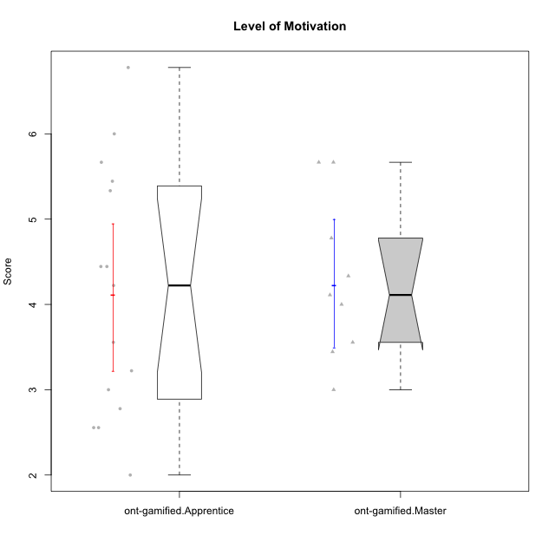

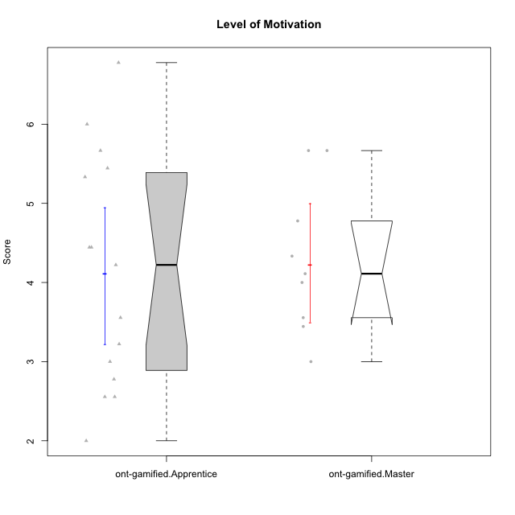

Wilcoxon data
UserID | NroUSP | Type | CLGroup | CLRole | PlayerRole | Item08IE | Item09IE | Item11IE | Item12IE | Item21IE | Item24IE | Item03PC | Item05PC | Item13PC | Item18PC | Item20PC | Item02PT | Item04PT | Item06PT | Item23PT | Item01EI | Item14EI | Item19EI | Item22EI | Item18A | Item25A | Item20A | Item07A | Item13A | Item01S | Item02S | Item05S | Item21S | Interest/Enjoyment | Perceived Choice | Pressure/Tension | Effort/Importance | Attention | Satisfaction | Intrinsic Motivation | Level of Motivation
10169 | 10377538 | ont-gamified | Resistance | Apprentice | Social Achiever | 7 | 7 | 7 | 7 | 7 | 7 | 4 | 2 | 4 | 2 | 2 | 7 | 7 | 6 | 1 | 5 | 5 | 5 | 6 | 7 | 7 | 7 | 7 | 7 | 7 | 7 | 7 | 3 | 7 | 5.2 | 6.75 | 4.25 | 7 | 6.5 | 4.7368421053 | 6.7777777778
10171 | 698531 | ont-gamified | Mafia | Master | Social Achiever | 6 | 6 | 6 | 5 | 7 | 5 | 2 | 2 | 2 | 2 | 1 | 2 | 2 | 1 | 6 | 1 | 7 | 1 | 6 | 6 | 5 | 6 | 5 | 6 | 6 | 6 | 4 | 1 | 5.8333333333 | 6.2 | 1.75 | 6.75 | 5.6 | 5.75 | 6.2105263158 | 5.6666666667
10175 | 10310700 | ont-gamified | Warriors | Master | Social Achiever | 4 | 4 | 4 | 4 | 4 | 4 | 3 | 1 | 1 | 1 | 1 | 1 | 1 | 1 | 7 | 1 | 4 | 1 | 4 | 5 | 5 | 5 | 6 | 6 | 6 | 6 | 5 | 1 | 4 | 6.6 | 1 | 5.5 | 5.4 | 6 | 5.6315789474 | 5.6666666667
10176 | 10276949 | ont-gamified | Outlaws | Master | Social Achiever | 4 | 4 | 4 | 3 | 4 | 4 | 4 | 4 | 6 | 5 | 4 | 4 | 6 | 6 | 4 | 4 | 4 | 5 | 4 | 5 | 5 | 5 | 4 | 4 | 4 | 4 | 4 | 4 | 3.8333333333 | 3.4 | 5 | 3.75 | 4.6 | 4 | 3.5263157895 | 4.3333333333
10186 | 10310551 | ont-gamified | Slayers | Apprentice | Social Achiever | 6 | 4 | 6 | 1 | 3 | 3 | 4 | 4 | 4 | 4 | 1 | 5 | 4 | 4 | 1 | 1 | 7 | 1 | 7 | 4 | 1 | 4 | 1 | 4 | 7 | 7 | 5 | 1 | 3.8333333333 | 4.6 | 5 | 7 | 2.8 | 6.5 | 4.5263157895 | 4.4444444444
10188 | 10276995 | ont-gamified | Vandals | Master | Yee Achiever | 4 | 3 | 1 | 4 | 3 | 3 | 3 | 1 | 3 | 1 | 1 | 1 | 1 | 1 | 7 | 2 | 4 | 3 | 1 | 4 | 4 | 3 | 2 | 4 | 3 | 3 | 3 | 2 | 3 | 6.2 | 1 | 4 | 3.4 | 3.75 | 4.8947368421 | 3.5555555556
10189 | 9363926 | ont-gamified | Vikings | Apprentice | Social Achiever | 4 | 2 | 1 | 1 | 2 | 2 | 5 | 5 | 5 | 4 | 4 | 1 | 1 | 2 | 4 | 1 | 5 | 3 | 6 | 2 | 1 | 1 | 1 | 3 | 3 | 2 | 3 | 1 | 2 | 3.4 | 2 | 5.75 | 1.6 | 3.75 | 4 | 2.5555555556
10192 | 10276682 | ont-gamified | Attractive Devils | Apprentice | Social Achiever | 4 | 4 | 6 | 4 | 5 | 1 | 3 | 2 | 3 | 4 | 4 | 4 | 4 | 4 | 3 | 1 | 7 | 5 | 5 | 4 | 4 | 4 | 7 | 6 | 7 | 6 | 7 | 4 | 4 | 4.8 | 4.25 | 5.5 | 5 | 6 | 4.4736842105 | 5.4444444444
10193 | 10276762 | ont-gamified | Vandals | Apprentice | Yee Achiever | 1 | 2 | 1 | 1 | 1 | 2 | 1 | 1 | 1 | 1 | 1 | 1 | 1 | 2 | 1 | 1 | 1 | 2 | 2 | 2 | 1 | 2 | 1 | 1 | 1 | 2 | 1 | 1 | 1.3333333333 | 7 | 2.75 | 4 | 1.4 | 2.75 | 4.2105263158 | 2
10198 | 10310888 | ont-gamified | Attractive Devils | Apprentice | Social Achiever | 4 | 6 | 4 | 5 | 3 | 2 | 1 | 4 | 5 | 6 | 6 | 4 | 4 | 4 | 3 | 2 | 6 | 3 | 6 | 5 | 5 | 6 | 7 | 5 | 7 | 7 | 6 | 2 | 4 | 3.6 | 4.25 | 5.75 | 5.6 | 6.5 | 4.2105263158 | 6
10200 | 9795272 | ont-gamified | Warriors | Apprentice | Social Achiever | 5 | 4 | 5 | 3 | 5 | 5 | 3 | 4 | 5 | 2 | 2 | 5 | 5 | 4 | 3 | 1 | 6 | 1 | 6 | 4 | 5 | 4 | 6 | 5 | 5 | 6 | 7 | 2 | 4.5 | 4.8 | 4.75 | 6.5 | 4.8 | 6 | 4.7368421053 | 5.3333333333
10202 | 10277036 | ont-gamified | Silly Knights | Apprentice | Social Achiever | 3 | 3 | 3 | 3 | 3 | 3 | 3 | 2 | 2 | 5 | 2 | 3 | 3 | 3 | 3 | 2 | 5 | 2 | 5 | 2 | 3 | 2 | 2 | 3 | 5 | 5 | 5 | 3 | 3 | 5.2 | 3.5 | 5.5 | 2.4 | 5 | 4.4210526316 | 3.5555555556
10203 | 9921470 | ont-gamified | Mercenaries | Apprentice | Social Achiever | 3 | 5 | 4 | 5 | 4 | 4 | 4 | 1 | 1 | 1 | 1 | 2 | 5 | 1 | 3 | 1 | 7 | 1 | 6 | 4 | 5 | 7 | 6 | 5 | 5 | 7 | 7 | 3 | 4.1666666667 | 6.4 | 3.25 | 6.75 | 5.4 | 6 | 5.4210526316 | 5.6666666667
10208 | 10276932 | ont-gamified | Mercenaries | Master | Social Achiever | 4 | 4 | 4 | 3 | 4 | 4 | 4 | 2 | 4 | 4 | 2 | 2 | 2 | 2 | 5 | 2 | 5 | 2 | 4 | 2 | 2 | 2 | 3 | 4 | 5 | 5 | 3 | 3 | 3.8333333333 | 4.8 | 2.25 | 5.25 | 2.6 | 4.5 | 4.7894736842 | 3.4444444444
10209 | 10262669 | ont-gamified | Mafia | Apprentice | Social Achiever | 2 | 2 | 4 | 2 | 2 | 2 | 7 | 7 | 7 | 7 | 7 | 2 | 1 | 1 | 7 | 2 | 3 | 3 | 2 | 2 | 2 | 1 | 2 | 4 | 2 | 2 | 3 | 1 | 2.3333333333 | 1 | 1.25 | 4 | 2.2 | 3.5 | 3.2631578947 | 2.7777777778
10214 | 10277022 | ont-gamified | Vikings | Apprentice | Social Achiever | 2 | 1 | 1 | 1 | 1 | 1 | 6 | 2 | 6 | 7 | 6 | 5 | 1 | 4 | 2 | 1 | 7 | 1 | 7 | 1 | 2 | 1 | 1 | 2 | 3 | 4 | 4 | 3 | 1.1666666667 | 2.6 | 4 | 7 | 1.4 | 4 | 3.3684210526 | 2.5555555556
10215 | 9285227 | ont-gamified | Vikings | Master | Social Achiever | 5 | 5 | 2 | 3 | 4 | 5 | 5 | 1 | 2 | 4 | 1 | 1 | 1 | 1 | 1 | 1 | 2 | 4 | 1 | 4 | 4 | 1 | 1 | 3 | 3 | 3 | 1 | 1 | 4 | 5.4 | 2.5 | 3.5 | 2.6 | 3.5 | 4.5789473684 | 3
10216 | 10276720 | ont-gamified | Silly Knights | Master | Social Achiever | 4 | 5 | 3 | 7 | 4 | 5 | 3 | 2 | 2 | 1 | 3 | 1 | 1 | 1 | 7 | 1 | 4 | 2 | 4 | 4 | 6 | 5 | 2 | 4 | 5 | 5 | 6 | 2 | 4.6666666667 | 5.8 | 1 | 5.25 | 4.2 | 5.5 | 5.5789473684 | 4.7777777778
10221 | 9082496 | ont-gamified | Warriors | Apprentice | Social Achiever | 3 | 3 | 2 | 2 | 3 | 3 | 4 | 4 | 6 | 5 | 6 | 4 | 2 | 6 | 6 | 2 | 5 | 3 | 5 | 4 | 2 | 3 | 3 | 2 | 4 | 3 | 5 | 7 | 2.6666666667 | 3 | 3.5 | 5.25 | 2.8 | 3.25 | 3.6842105263 | 3
10223 | 9795185 | ont-gamified | Slayers | Master | Social Achiever | 6 | 5 | 4 | 5 | 5 | 5 | 4 | 4 | 4 | 3 | 4 | 4 | 4 | 2 | 4 | 4 | 5 | 4 | 4 | 3 | 4 | 4 | 4 | 5 | 4 | 5 | 4 | 4 | 5 | 4.2 | 3.5 | 4.25 | 4 | 4.25 | 4.5263157895 | 4.1111111111
10224 | 9368772 | ont-gamified | Mercenaries | Apprentice | Social Achiever | 4 | 4 | 4 | 4 | 4 | 4 | 5 | 5 | 4 | 4 | 4 | 4 | 5 | 5 | 3 | 4 | 5 | 5 | 6 | 4 | 4 | 4 | 4 | 4 | 5 | 4 | 6 | 3 | 4 | 3.6 | 4.75 | 4.5 | 4 | 5 | 3.8421052632 | 4.4444444444
10228 | 10310492 | ont-gamified | Resistance | Apprentice | Social Achiever | 2 | 1 | 1 | 1 | 1 | 2 | 2 | 2 | 1 | 1 | 2 | 2 | 3 | 2 | 1 | 2 | 1 | 1 | 1 | 1 | 1 | 1 | 4 | 3 | 4 | 4 | 4 | 1 | 1.3333333333 | 6.4 | 3.5 | 3.75 | 2 | 4.75 | 3.8421052632 | 3.2222222222
10230 | 10351992 | ont-gamified | Resistance | Master | Social Achiever | 5 | 4 | 4 | 4 | 5 | 5 | 5 | 4 | 3 | 3 | 5 | 5 | 4 | 6 | 6 | 3 | 3 | 2 | 5 | 3 | 4 | 2 | 6 | 4 | 4 | 6 | 2 | 3 | 4.5 | 4 | 4.25 | 4.75 | 3.8 | 4.25 | 4.2631578947 | 4
10237 | 10377688 | ont-gamified | Outlaws | Apprentice | Social Achiever | 3 | 3 | 3 | 4 | 5 | 6 | 6 | 3 | 3 | 3 | 4 | 6 | 5 | 4 | 3 | 2 | 4 | 4 | 5 | 4 | 3 | 3 | 5 | 4 | 3 | 4 | 6 | 2 | 4 | 4.2 | 5 | 4.75 | 3.8 | 4.75 | 4 | 4.2222222222

Type_CLRole_2
Wilcoxon Analysis for Level of Motivation in Type:CLRole between ont-gamified.Apprentice:w/o-gamified.Apprentice

Wilcoxon test results
Alternative hypothesis: less
Group | N | Median | Mean.Ranks | Sum.Ranks | U | Z | p.value | r | magnitude
ont-gamified.Apprentice | 15 | 4.2222222222 | 18.2 | 273 | 153 | 0.36449261232 | 0.64367235371 | 0.062509967307 | none
w/o-gamified.Apprentice | 19 | 4.1111111111 | 16.947368421 | 322 | 153 | 0.36449261232 | 0.64367235371 | 0.062509967307 | none
Alternative hypothesis: greater
Group | N | Median | Mean.Ranks | Sum.Ranks | U | Z | p.value | r | magnitude
ont-gamified.Apprentice | 15 | 4.2222222222 | 18.2 | 273 | 153 | 0.36449261232 | 0.36273365226 | 0.062509967307 | none
w/o-gamified.Apprentice | 19 | 4.1111111111 | 16.947368421 | 322 | 153 | 0.36449261232 | 0.36273365226 | 0.062509967307 | none
Alternative hypothesis: two.sided
Group | N | Median | Mean.Ranks | Sum.Ranks | U | Z | p.value | r | magnitude
ont-gamified.Apprentice | 15 | 4.2222222222 | 18.2 | 273 | 153 | 0.36449261232 | 0.72547978156 | 0.062509967307 | none
w/o-gamified.Apprentice | 19 | 4.1111111111 | 16.947368421 | 322 | 153 | 0.36449261232 | 0.72547978156 | 0.062509967307 | none

Box plots for wilcoxon tests
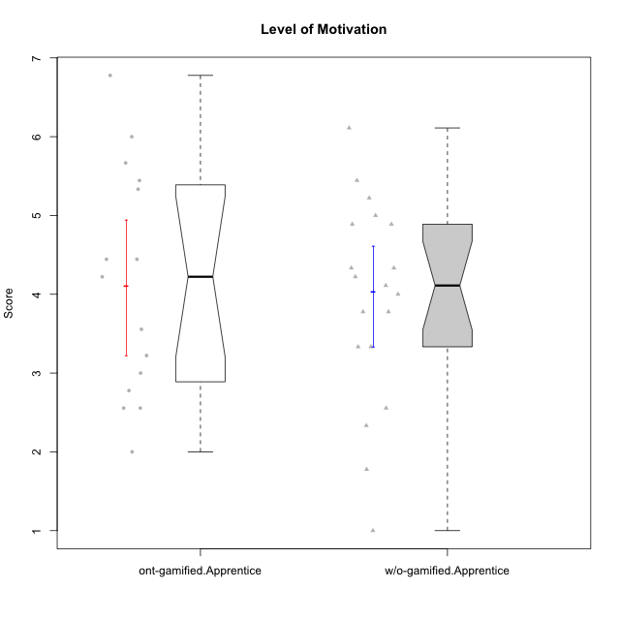

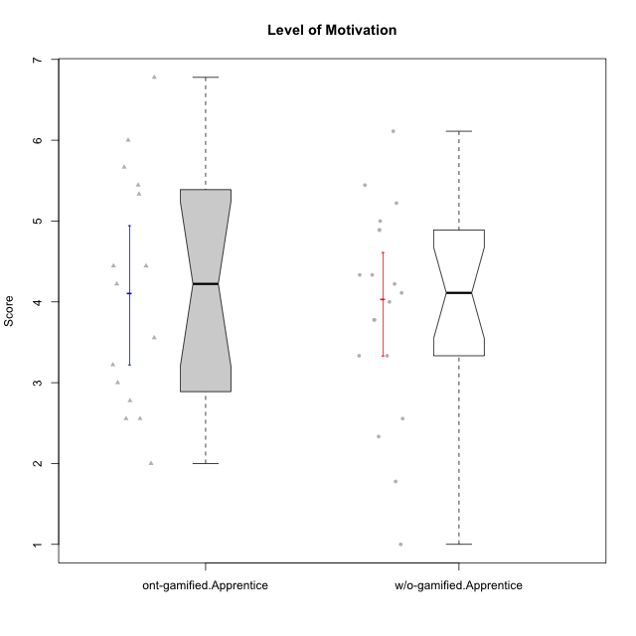

Wilcoxon data
UserID | NroUSP | Type | CLGroup | CLRole | PlayerRole | Item08IE | Item09IE | Item11IE | Item12IE | Item21IE | Item24IE | Item03PC | Item05PC | Item13PC | Item18PC | Item20PC | Item02PT | Item04PT | Item06PT | Item23PT | Item01EI | Item14EI | Item19EI | Item22EI | Item18A | Item25A | Item20A | Item07A | Item13A | Item01S | Item02S | Item05S | Item21S | Interest/Enjoyment | Perceived Choice | Pressure/Tension | Effort/Importance | Attention | Satisfaction | Intrinsic Motivation | Level of Motivation
10169 | 10377538 | ont-gamified | Resistance | Apprentice | Social Achiever | 7 | 7 | 7 | 7 | 7 | 7 | 4 | 2 | 4 | 2 | 2 | 7 | 7 | 6 | 1 | 5 | 5 | 5 | 6 | 7 | 7 | 7 | 7 | 7 | 7 | 7 | 7 | 3 | 7 | 5.2 | 6.75 | 4.25 | 7 | 6.5 | 4.7368421053 | 6.7777777778
10170 | 10260351 | w/o-gamified | Grupo11 | Apprentice |  | 6 | 4 | 4 | 3 | 4 | 4 | 3 | 2 | 2 | 1 | 3 | 1 | 1 | 1 | 1 | 3 | 4 | 3 | 5 | 6 | 5 | 6 | 5 | 6 | 4 | 4 | 5 | 5 | 4.1666666667 | 5.8 | 2.5 | 4.75 | 5.6 | 4 | 5 | 4.8888888889
10172 | 10273971 | w/o-gamified | Grupo5 | Apprentice |  | 7 | 5 | 5 | 4 | 5 | 5 | 5 | 6 | 5 | 5 | 5 | 4 | 6 | 5 | 5 | 5 | 4 | 5 | 5 | 5 | 5 | 5 | 6 | 6 | 6 | 4 | 5 | 5 | 5.1666666667 | 2.8 | 4.5 | 3.75 | 5.4 | 4.5 | 3.8947368421 | 5
10181 | 10276866 | w/o-gamified | Grupo2 | Apprentice |  | 2 | 3 | 1 | 2 | 3 | 2 | 5 | 1 | 5 | 5 | 3 | 4 | 1 | 5 | 4 | 7 | 1 | 4 | 5 | 4 | 4 | 4 | 5 | 4 | 1 | 1 | 3 | 4 | 2.1666666667 | 4.2 | 3.5 | 2.75 | 4.2 | 2.25 | 3.3157894737 | 3.3333333333
10183 | 10352030 | w/o-gamified | Grupo3 | Apprentice |  | 3 | 3 | 3 | 3 | 3 | 2 | 4 | 4 | 2 | 3 | 5 | 4 | 4 | 5 | 2 | 4 | 2 | 3 | 4 | 2 | 2 | 2 | 2 | 3 | 2 | 2 | 4 | 4 | 2.8333333333 | 4.4 | 4.75 | 3.75 | 2.2 | 3 | 3.5263157895 | 2.5555555556
10184 | 10276675 | w/o-gamified | Grupo10 | Apprentice |  | 4 | 4 | 4 | 4 | 3 | 4 | 4 | 5 | 3 | 4 | 4 | 4 | 3 | 4 | 4 | 4 | 3 | 4 | 4 | 4 | 4 | 4 | 2 | 4 | 6 | 4 | 4 | 4 | 3.8333333333 | 4 | 3.75 | 3.75 | 3.6 | 4.5 | 3.9473684211 | 4
10185 | 10276960 | w/o-gamified | Grupo9 | Apprentice |  | 6 | 4 | 5 | 5 | 3 | 6 | 3 | 6 | 5 | 6 | 3 | 4 | 4 | 5 | 4 | 4 | 4 | 3 | 5 | 3 | 5 | 3 | 4 | 3 | 4 | 5 | 5 | 6 | 4.8333333333 | 3.4 | 4.25 | 4.5 | 3.6 | 4 | 4.1578947368 | 3.7777777778
10186 | 10310551 | ont-gamified | Slayers | Apprentice | Social Achiever | 6 | 4 | 6 | 1 | 3 | 3 | 4 | 4 | 4 | 4 | 1 | 5 | 4 | 4 | 1 | 1 | 7 | 1 | 7 | 4 | 1 | 4 | 1 | 4 | 7 | 7 | 5 | 1 | 3.8333333333 | 4.6 | 5 | 7 | 2.8 | 6.5 | 4.5263157895 | 4.4444444444
10189 | 9363926 | ont-gamified | Vikings | Apprentice | Social Achiever | 4 | 2 | 1 | 1 | 2 | 2 | 5 | 5 | 5 | 4 | 4 | 1 | 1 | 2 | 4 | 1 | 5 | 3 | 6 | 2 | 1 | 1 | 1 | 3 | 3 | 2 | 3 | 1 | 2 | 3.4 | 2 | 5.75 | 1.6 | 3.75 | 4 | 2.5555555556
10190 | 10276907 | w/o-gamified | Grupo4 | Apprentice |  | 3 | 3 | 3 | 2 | 4 | 4 | 7 | 7 | 3 | 5 | 4 | 5 | 7 | 6 | 5 | 3 | 4 | 5 | 4 | 6 | 5 | 5 | 5 | 3 | 3 | 4 | 4 | 4 | 3.1666666667 | 2.8 | 5.25 | 4 | 4.8 | 3.75 | 3.1578947368 | 4.3333333333
10192 | 10276682 | ont-gamified | Attractive Devils | Apprentice | Social Achiever | 4 | 4 | 6 | 4 | 5 | 1 | 3 | 2 | 3 | 4 | 4 | 4 | 4 | 4 | 3 | 1 | 7 | 5 | 5 | 4 | 4 | 4 | 7 | 6 | 7 | 6 | 7 | 4 | 4 | 4.8 | 4.25 | 5.5 | 5 | 6 | 4.4736842105 | 5.4444444444
10193 | 10276762 | ont-gamified | Vandals | Apprentice | Yee Achiever | 1 | 2 | 1 | 1 | 1 | 2 | 1 | 1 | 1 | 1 | 1 | 1 | 1 | 2 | 1 | 1 | 1 | 2 | 2 | 2 | 1 | 2 | 1 | 1 | 1 | 2 | 1 | 1 | 1.3333333333 | 7 | 2.75 | 4 | 1.4 | 2.75 | 4.2105263158 | 2
10197 | 10276661 | w/o-gamified | Grupo8 | Apprentice |  | 5 | 3 | 5 | 4 | 2 | 2 | 2 | 3 | 4 | 2 | 4 | 3 | 3 | 5 | 5 | 3 | 4 | 3 | 4 | 7 | 4 | 4 | 5 | 3 | 4 | 4 | 2 | 4 | 3.5 | 5 | 3.5 | 4.5 | 4.6 | 3.5 | 4.3157894737 | 4.1111111111
10198 | 10310888 | ont-gamified | Attractive Devils | Apprentice | Social Achiever | 4 | 6 | 4 | 5 | 3 | 2 | 1 | 4 | 5 | 6 | 6 | 4 | 4 | 4 | 3 | 2 | 6 | 3 | 6 | 5 | 5 | 6 | 7 | 5 | 7 | 7 | 6 | 2 | 4 | 3.6 | 4.25 | 5.75 | 5.6 | 6.5 | 4.2105263158 | 6
10199 | 10276737 | w/o-gamified | Grupo1 | Apprentice |  | 4 | 3 | 4 | 1 | 3 | 3 | 3 | 5 | 3 | 5 | 5 | 4 | 2 | 3 | 4 | 4 | 4 | 4 | 5 | 5 | 4 | 3 | 3 | 4 | 6 | 4 | 4 | 2 | 3 | 3.8 | 3.25 | 4.25 | 3.8 | 5 | 3.8421052632 | 4.3333333333
10200 | 9795272 | ont-gamified | Warriors | Apprentice | Social Achiever | 5 | 4 | 5 | 3 | 5 | 5 | 3 | 4 | 5 | 2 | 2 | 5 | 5 | 4 | 3 | 1 | 6 | 1 | 6 | 4 | 5 | 4 | 6 | 5 | 5 | 6 | 7 | 2 | 4.5 | 4.8 | 4.75 | 6.5 | 4.8 | 6 | 4.7368421053 | 5.3333333333
10201 | 10276928 | w/o-gamified | Grupo11 | Apprentice |  | 6 | 5 | 5 | 6 | 6 | 3 | 5 | 3 | 3 | 4 | 4 | 3 | 2 | 4 | 5 | 3 | 5 | 3 | 5 | 6 | 5 | 6 | 6 | 6 | 6 | 5 | 6 | 5 | 5.1666666667 | 4.2 | 3 | 5 | 5.8 | 5 | 4.8421052632 | 5.4444444444
10202 | 10277036 | ont-gamified | Silly Knights | Apprentice | Social Achiever | 3 | 3 | 3 | 3 | 3 | 3 | 3 | 2 | 2 | 5 | 2 | 3 | 3 | 3 | 3 | 2 | 5 | 2 | 5 | 2 | 3 | 2 | 2 | 3 | 5 | 5 | 5 | 3 | 3 | 5.2 | 3.5 | 5.5 | 2.4 | 5 | 4.4210526316 | 3.5555555556
10203 | 9921470 | ont-gamified | Mercenaries | Apprentice | Social Achiever | 3 | 5 | 4 | 5 | 4 | 4 | 4 | 1 | 1 | 1 | 1 | 2 | 5 | 1 | 3 | 1 | 7 | 1 | 6 | 4 | 5 | 7 | 6 | 5 | 5 | 7 | 7 | 3 | 4.1666666667 | 6.4 | 3.25 | 6.75 | 5.4 | 6 | 5.4210526316 | 5.6666666667
10204 | 10310471 | w/o-gamified | Grupo6 | Apprentice |  | 1 | 1 | 1 | 1 | 1 | 1 | 7 | 7 | 7 | 7 | 7 | 7 | 7 | 7 | 1 | 4 | 4 | 1 | 7 | 1 | 1 | 1 | 1 | 1 | 2 | 1 | 4 | 4 | 1 | 1 | 7 | 5.5 | 1 | 2.75 | 1.9473684211 | 1.7777777778
10206 | 10310721 | w/o-gamified | Grupo8 | Apprentice |  | 4 | 4 | 2 | 3 | 5 | 4 | 3 | 2 | 3 | 2 | 2 | 3 | 2 | 3 | 4 | 2 | 5 | 2 | 5 | 4 | 6 | 4 | 4 | 5 | 5 | 5 | 6 | 3 | 3.6666666667 | 5.6 | 3 | 5.5 | 4.6 | 5.25 | 4.8421052632 | 4.8888888889
10209 | 10262669 | ont-gamified | Mafia | Apprentice | Social Achiever | 2 | 2 | 4 | 2 | 2 | 2 | 7 | 7 | 7 | 7 | 7 | 2 | 1 | 1 | 7 | 2 | 3 | 3 | 2 | 2 | 2 | 1 | 2 | 4 | 2 | 2 | 3 | 1 | 2.3333333333 | 1 | 1.25 | 4 | 2.2 | 3.5 | 3.2631578947 | 2.7777777778
10210 | 10277015 | w/o-gamified | Grupo6 | Apprentice |  | 1 | 1 | 1 | 1 | 1 | 1 | 7 | 7 | 7 | 7 | 7 | 7 | 7 | 7 | 1 | 1 | 7 | 1 | 7 | 1 | 1 | 1 | 1 | 1 | 1 | 1 | 1 | 7 | 1 | 1 | 7 | 7 | 1 | 1 | 2.2631578947 | 1
10213 | 10277040 | w/o-gamified | Grupo7 | Apprentice |  | 4 | 3 | 7 | 1 | 4 | 4 | 7 | 7 | 7 | 7 | 7 | 1 | 7 | 7 | 4 | 1 | 7 | 1 | 7 | 5 | 7 | 7 | 7 | 4 | 7 | 4 | 7 | 1 | 3.8333333333 | 1 | 4.75 | 7 | 6 | 6.25 | 3.6315789474 | 6.1111111111
10214 | 10277022 | ont-gamified | Vikings | Apprentice | Social Achiever | 2 | 1 | 1 | 1 | 1 | 1 | 6 | 2 | 6 | 7 | 6 | 5 | 1 | 4 | 2 | 1 | 7 | 1 | 7 | 1 | 2 | 1 | 1 | 2 | 3 | 4 | 4 | 3 | 1.1666666667 | 2.6 | 4 | 7 | 1.4 | 4 | 3.3684210526 | 2.5555555556
10217 | 9805341 | w/o-gamified | Grupo9 | Apprentice |  | 5 | 5 | 3 | 4 | 5 | 4 | 4 | 5 | 4 | 4 | 2 | 1 | 1 | 1 | 7 | 3 | 3 | 4 | 2 | 3 | 4 | 4 | 4 | 6 | 4 | 4 | 4 | 3 | 4.3333333333 | 4.2 | 1 | 3.5 | 4.2 | 4.25 | 4.6842105263 | 4.2222222222
10218 | 9842913 | w/o-gamified | Grupo10 | Apprentice |  | 4 | 4 | 4 | 4 | 4 | 4 | 4 | 5 | 4 | 5 | 4 | 4 | 5 | 4 | 5 | 4 | 4 | 4 | 5 | 3 | 4 | 4 | 5 | 4 | 4 | 3 | 3 | 4 | 4 | 3.6 | 4 | 4.25 | 4 | 3.5 | 3.9473684211 | 3.7777777778
10220 | 9760151 | w/o-gamified | Grupo3 | Apprentice |  | 4 | 1 | 1 | 1 | 4 | 4 | 1 | 1 | 1 | 4 | 1 | 1 | 1 | 1 | 7 | 1 | 4 | 1 | 7 | 1 | 1 | 1 | 1 | 1 | 7 | 4 | 7 | 1 | 2.5 | 6.4 | 1 | 6.25 | 1 | 6.25 | 5.2631578947 | 3.3333333333
10221 | 9082496 | ont-gamified | Warriors | Apprentice | Social Achiever | 3 | 3 | 2 | 2 | 3 | 3 | 4 | 4 | 6 | 5 | 6 | 4 | 2 | 6 | 6 | 2 | 5 | 3 | 5 | 4 | 2 | 3 | 3 | 2 | 4 | 3 | 5 | 7 | 2.6666666667 | 3 | 3.5 | 5.25 | 2.8 | 3.25 | 3.6842105263 | 3
10224 | 9368772 | ont-gamified | Mercenaries | Apprentice | Social Achiever | 4 | 4 | 4 | 4 | 4 | 4 | 5 | 5 | 4 | 4 | 4 | 4 | 5 | 5 | 3 | 4 | 5 | 5 | 6 | 4 | 4 | 4 | 4 | 4 | 5 | 4 | 6 | 3 | 4 | 3.6 | 4.75 | 4.5 | 4 | 5 | 3.8421052632 | 4.4444444444
10226 | 10310342 | w/o-gamified | Grupo4 | Apprentice |  | 4 | 1 | 1 | 1 | 1 | 1 | 7 | 7 | 7 | 7 | 7 | 7 | 7 | 7 | 1 | 7 | 1 | 7 | 1 | 3 | 2 | 1 | 2 | 2 | 3 | 2 | 3 | 5 | 1.5 | 1 | 7 | 1 | 2 | 2.75 | 1.1578947368 | 2.3333333333
10228 | 10310492 | ont-gamified | Resistance | Apprentice | Social Achiever | 2 | 1 | 1 | 1 | 1 | 2 | 2 | 2 | 1 | 1 | 2 | 2 | 3 | 2 | 1 | 2 | 1 | 1 | 1 | 1 | 1 | 1 | 4 | 3 | 4 | 4 | 4 | 1 | 1.3333333333 | 6.4 | 3.5 | 3.75 | 2 | 4.75 | 3.8421052632 | 3.2222222222
10232 | 10276974 | w/o-gamified | Grupo7 | Apprentice |  | 5 | 4 | 5 | 4 | 4 | 5 | 3 | 3 | 3 | 4 | 4 | 2 | 2 | 2 | 3 | 1 | 5 | 1 | 6 | 4 | 6 | 4 | 5 | 4 | 6 | 5 | 6 | 1 | 4.5 | 4.6 | 2.75 | 6.25 | 4.6 | 6 | 5.0526315789 | 5.2222222222
10237 | 10377688 | ont-gamified | Outlaws | Apprentice | Social Achiever | 3 | 3 | 3 | 4 | 5 | 6 | 6 | 3 | 3 | 3 | 4 | 6 | 5 | 4 | 3 | 2 | 4 | 4 | 5 | 4 | 3 | 3 | 5 | 4 | 3 | 4 | 6 | 2 | 4 | 4.2 | 5 | 4.75 | 3.8 | 4.75 | 4 | 4.2222222222

Type_CLRole_3
Wilcoxon Analysis for Level of Motivation in Type:CLRole between ont-gamified.Apprentice:w/o-gamified.Master

Wilcoxon test results
Alternative hypothesis: less
Group | N | Median | Mean.Ranks | Sum.Ranks | U | Z | p.value | r | magnitude
ont-gamified.Apprentice | 15 | 4.2222222222 | 12.366666667 | 185.5 | 65.5 | 0.35555086682 | 0.64188254873 | 0.074137480662 | none
w/o-gamified.Master | 8 | 4.0555555556 | 11.3125 | 90.5 | 65.5 | 0.35555086682 | 0.64188254873 | 0.074137480662 | none
Alternative hypothesis: greater
Group | N | Median | Mean.Ranks | Sum.Ranks | U | Z | p.value | r | magnitude
ont-gamified.Apprentice | 15 | 4.2222222222 | 12.366666667 | 185.5 | 65.5 | 0.35555086682 | 0.36986094625 | 0.074137480662 | none
w/o-gamified.Master | 8 | 4.0555555556 | 11.3125 | 90.5 | 65.5 | 0.35555086682 | 0.36986094625 | 0.074137480662 | none
Alternative hypothesis: two.sided
Group | N | Median | Mean.Ranks | Sum.Ranks | U | Z | p.value | r | magnitude
ont-gamified.Apprentice | 15 | 4.2222222222 | 12.366666667 | 185.5 | 65.5 | 0.35555086682 | 0.73964439115 | 0.074137480662 | none
w/o-gamified.Master | 8 | 4.0555555556 | 11.3125 | 90.5 | 65.5 | 0.35555086682 | 0.73964439115 | 0.074137480662 | none

Box plots for wilcoxon tests
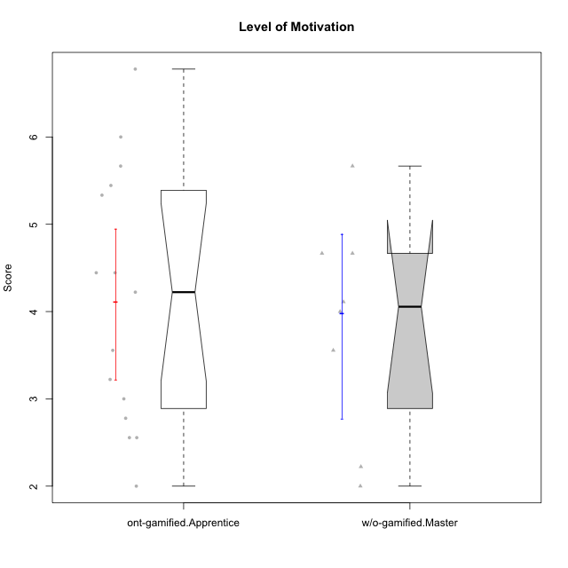

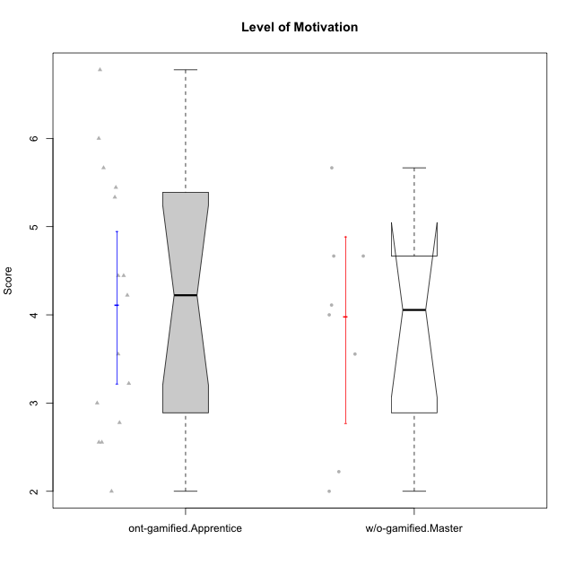

Wilcoxon data
UserID | NroUSP | Type | CLGroup | CLRole | PlayerRole | Item08IE | Item09IE | Item11IE | Item12IE | Item21IE | Item24IE | Item03PC | Item05PC | Item13PC | Item18PC | Item20PC | Item02PT | Item04PT | Item06PT | Item23PT | Item01EI | Item14EI | Item19EI | Item22EI | Item18A | Item25A | Item20A | Item07A | Item13A | Item01S | Item02S | Item05S | Item21S | Interest/Enjoyment | Perceived Choice | Pressure/Tension | Effort/Importance | Attention | Satisfaction | Intrinsic Motivation | Level of Motivation
10169 | 10377538 | ont-gamified | Resistance | Apprentice | Social Achiever | 7 | 7 | 7 | 7 | 7 | 7 | 4 | 2 | 4 | 2 | 2 | 7 | 7 | 6 | 1 | 5 | 5 | 5 | 6 | 7 | 7 | 7 | 7 | 7 | 7 | 7 | 7 | 3 | 7 | 5.2 | 6.75 | 4.25 | 7 | 6.5 | 4.7368421053 | 6.7777777778
10174 | 10276852 | w/o-gamified | Grupo7 | Master |  | 6 | 4 | 4 | 3 | 4 | 6 | 4 | 4 | 4 | 3 | 4 | 4 | 5 | 6 | 5 | 5 | 4 | 2 | 4 | 5 | 4 | 4 | 6 | 4 | 6 | 5 | 4 | 4 | 4.5 | 4.2 | 4.5 | 4.25 | 4.6 | 4.75 | 4.1578947368 | 4.6666666667
10179 | 10310759 | w/o-gamified | Grupo10 | Master |  | 3 | 3 | 2 | 6 | 4 | 4 | 7 | 6 | 5 | 5 | 4 | 1 | 1 | 2 | 7 | 2 | 6 | 1 | 5 | 4 | 4 | 4 | 2 | 4 | 3 | 4 | 5 | 2 | 3.6666666667 | 2.6 | 1.25 | 6 | 3.6 | 4.5 | 4.5263157895 | 4
10186 | 10310551 | ont-gamified | Slayers | Apprentice | Social Achiever | 6 | 4 | 6 | 1 | 3 | 3 | 4 | 4 | 4 | 4 | 1 | 5 | 4 | 4 | 1 | 1 | 7 | 1 | 7 | 4 | 1 | 4 | 1 | 4 | 7 | 7 | 5 | 1 | 3.8333333333 | 4.6 | 5 | 7 | 2.8 | 6.5 | 4.5263157895 | 4.4444444444
10189 | 9363926 | ont-gamified | Vikings | Apprentice | Social Achiever | 4 | 2 | 1 | 1 | 2 | 2 | 5 | 5 | 5 | 4 | 4 | 1 | 1 | 2 | 4 | 1 | 5 | 3 | 6 | 2 | 1 | 1 | 1 | 3 | 3 | 2 | 3 | 1 | 2 | 3.4 | 2 | 5.75 | 1.6 | 3.75 | 4 | 2.5555555556
10191 | 10276981 | w/o-gamified | Grupo1 | Master |  | 3 | 3 | 3 | 1 | 2 | 2 | 5 | 5 | 5 | 4 | 5 | 1 | 1 | 1 | 7 | 2 | 4 | 4 | 4 | 2 | 4 | 2 | 4 | 5 | 4 | 4 | 5 | 6 | 2.3333333333 | 3.2 | 1 | 4.5 | 3.4 | 3.75 | 4 | 3.5555555556
10192 | 10276682 | ont-gamified | Attractive Devils | Apprentice | Social Achiever | 4 | 4 | 6 | 4 | 5 | 1 | 3 | 2 | 3 | 4 | 4 | 4 | 4 | 4 | 3 | 1 | 7 | 5 | 5 | 4 | 4 | 4 | 7 | 6 | 7 | 6 | 7 | 4 | 4 | 4.8 | 4.25 | 5.5 | 5 | 6 | 4.4736842105 | 5.4444444444
10193 | 10276762 | ont-gamified | Vandals | Apprentice | Yee Achiever | 1 | 2 | 1 | 1 | 1 | 2 | 1 | 1 | 1 | 1 | 1 | 1 | 1 | 2 | 1 | 1 | 1 | 2 | 2 | 2 | 1 | 2 | 1 | 1 | 1 | 2 | 1 | 1 | 1.3333333333 | 7 | 2.75 | 4 | 1.4 | 2.75 | 4.2105263158 | 2
10198 | 10310888 | ont-gamified | Attractive Devils | Apprentice | Social Achiever | 4 | 6 | 4 | 5 | 3 | 2 | 1 | 4 | 5 | 6 | 6 | 4 | 4 | 4 | 3 | 2 | 6 | 3 | 6 | 5 | 5 | 6 | 7 | 5 | 7 | 7 | 6 | 2 | 4 | 3.6 | 4.25 | 5.75 | 5.6 | 6.5 | 4.2105263158 | 6
10200 | 9795272 | ont-gamified | Warriors | Apprentice | Social Achiever | 5 | 4 | 5 | 3 | 5 | 5 | 3 | 4 | 5 | 2 | 2 | 5 | 5 | 4 | 3 | 1 | 6 | 1 | 6 | 4 | 5 | 4 | 6 | 5 | 5 | 6 | 7 | 2 | 4.5 | 4.8 | 4.75 | 6.5 | 4.8 | 6 | 4.7368421053 | 5.3333333333
10202 | 10277036 | ont-gamified | Silly Knights | Apprentice | Social Achiever | 3 | 3 | 3 | 3 | 3 | 3 | 3 | 2 | 2 | 5 | 2 | 3 | 3 | 3 | 3 | 2 | 5 | 2 | 5 | 2 | 3 | 2 | 2 | 3 | 5 | 5 | 5 | 3 | 3 | 5.2 | 3.5 | 5.5 | 2.4 | 5 | 4.4210526316 | 3.5555555556
10203 | 9921470 | ont-gamified | Mercenaries | Apprentice | Social Achiever | 3 | 5 | 4 | 5 | 4 | 4 | 4 | 1 | 1 | 1 | 1 | 2 | 5 | 1 | 3 | 1 | 7 | 1 | 6 | 4 | 5 | 7 | 6 | 5 | 5 | 7 | 7 | 3 | 4.1666666667 | 6.4 | 3.25 | 6.75 | 5.4 | 6 | 5.4210526316 | 5.6666666667
10209 | 10262669 | ont-gamified | Mafia | Apprentice | Social Achiever | 2 | 2 | 4 | 2 | 2 | 2 | 7 | 7 | 7 | 7 | 7 | 2 | 1 | 1 | 7 | 2 | 3 | 3 | 2 | 2 | 2 | 1 | 2 | 4 | 2 | 2 | 3 | 1 | 2.3333333333 | 1 | 1.25 | 4 | 2.2 | 3.5 | 3.2631578947 | 2.7777777778
10214 | 10277022 | ont-gamified | Vikings | Apprentice | Social Achiever | 2 | 1 | 1 | 1 | 1 | 1 | 6 | 2 | 6 | 7 | 6 | 5 | 1 | 4 | 2 | 1 | 7 | 1 | 7 | 1 | 2 | 1 | 1 | 2 | 3 | 4 | 4 | 3 | 1.1666666667 | 2.6 | 4 | 7 | 1.4 | 4 | 3.3684210526 | 2.5555555556
10219 | 10276831 | w/o-gamified | Grupo3 | Master |  | 1 | 2 | 1 | 4 | 1 | 2 | 7 | 7 | 1 | 4 | 7 | 1 | 1 | 1 | 7 | 5 | 1 | 7 | 2 | 3 | 2 | 2 | 3 | 2 | 1 | 1 | 1 | 5 | 1.8333333333 | 2.8 | 1 | 1.75 | 2.4 | 1.5 | 3.1578947368 | 2
10221 | 9082496 | ont-gamified | Warriors | Apprentice | Social Achiever | 3 | 3 | 2 | 2 | 3 | 3 | 4 | 4 | 6 | 5 | 6 | 4 | 2 | 6 | 6 | 2 | 5 | 3 | 5 | 4 | 2 | 3 | 3 | 2 | 4 | 3 | 5 | 7 | 2.6666666667 | 3 | 3.5 | 5.25 | 2.8 | 3.25 | 3.6842105263 | 3
10224 | 9368772 | ont-gamified | Mercenaries | Apprentice | Social Achiever | 4 | 4 | 4 | 4 | 4 | 4 | 5 | 5 | 4 | 4 | 4 | 4 | 5 | 5 | 3 | 4 | 5 | 5 | 6 | 4 | 4 | 4 | 4 | 4 | 5 | 4 | 6 | 3 | 4 | 3.6 | 4.75 | 4.5 | 4 | 5 | 3.8421052632 | 4.4444444444
10227 | 9274382 | w/o-gamified | Grupo5 | Master |  | 6 | 4 | 3 | 5 | 3 | 5 | 4 | 4 | 3 | 3 | 3 | 5 | 4 | 3 | 5 | 5 | 4 | 3 | 3 | 5 | 5 | 5 | 6 | 6 | 6 | 6 | 6 | 2 | 4.3333333333 | 4.6 | 3.75 | 3.75 | 5.4 | 6 | 4.2631578947 | 5.6666666667
10228 | 10310492 | ont-gamified | Resistance | Apprentice | Social Achiever | 2 | 1 | 1 | 1 | 1 | 2 | 2 | 2 | 1 | 1 | 2 | 2 | 3 | 2 | 1 | 2 | 1 | 1 | 1 | 1 | 1 | 1 | 4 | 3 | 4 | 4 | 4 | 1 | 1.3333333333 | 6.4 | 3.5 | 3.75 | 2 | 4.75 | 3.8421052632 | 3.2222222222
10231 | 10276911 | w/o-gamified | Grupo9 | Master |  | 4 | 4 | 4 | 6 | 4 | 5 | 1 | 1 | 2 | 2 | 2 | 1 | 1 | 1 | 7 | 3 | 1 | 4 | 1 | 4 | 4 | 4 | 4 | 4 | 7 | 5 | 4 | 2 | 4.5 | 6.4 | 1 | 2.75 | 4 | 5.5 | 5.1578947368 | 4.6666666667
10234 | 10310676 | w/o-gamified | Grupo4 | Master |  | 2 | 2 | 1 | 1 | 2 | 2 | 6 | 6 | 7 | 6 | 6 | 4 | 2 | 2 | 7 | 6 | 1 | 6 | 4 | 2 | 2 | 2 | 1 | 2 | 1 | 2 | 2 | 2 | 1.6666666667 | 1.8 | 2.25 | 2.25 | 1.8 | 2.75 | 2.6842105263 | 2.2222222222
10237 | 10377688 | ont-gamified | Outlaws | Apprentice | Social Achiever | 3 | 3 | 3 | 4 | 5 | 6 | 6 | 3 | 3 | 3 | 4 | 6 | 5 | 4 | 3 | 2 | 4 | 4 | 5 | 4 | 3 | 3 | 5 | 4 | 3 | 4 | 6 | 2 | 4 | 4.2 | 5 | 4.75 | 3.8 | 4.75 | 4 | 4.2222222222
10238 | 10276953 | w/o-gamified | Grupo2 | Master |  | 4 | 4 | 4 | 3 | 4 | 4 | 7 | 5 | 5 | 5 | 4 | 5 | 5 | 5 | 3 | 1 | 5 | 2 | 5 | 4 | 5 | 4 | 5 | 5 | 3 | 2 | 5 | 4 | 3.8333333333 | 2.8 | 5 | 5.75 | 4.6 | 3.5 | 3.7894736842 | 4.1111111111

Type_CLRole_4
Wilcoxon Analysis for Level of Motivation in Type:CLRole between ont-gamified.Master:w/o-gamified.Apprentice

Wilcoxon test results
Alternative hypothesis: less
Group | N | Median | Mean.Ranks | Sum.Ranks | U | Z | p.value | r | magnitude
ont-gamified.Master | 9 | 4.1111111111 | 15.555555556 | 140 | 95 | 0.46796380282 | 0.68135951006 | 0.088436846059 | none
w/o-gamified.Apprentice | 19 | 4.1111111111 | 14 | 266 | 95 | 0.46796380282 | 0.68135951006 | 0.088436846059 | none
Alternative hypothesis: greater
Group | N | Median | Mean.Ranks | Sum.Ranks | U | Z | p.value | r | magnitude
ont-gamified.Master | 9 | 4.1111111111 | 15.555555556 | 140 | 95 | 0.46796380282 | 0.32733758995 | 0.088436846059 | none
w/o-gamified.Apprentice | 19 | 4.1111111111 | 14 | 266 | 95 | 0.46796380282 | 0.32733758995 | 0.088436846059 | none
Alternative hypothesis: two.sided
Group | N | Median | Mean.Ranks | Sum.Ranks | U | Z | p.value | r | magnitude
ont-gamified.Master | 9 | 4.1111111111 | 15.555555556 | 140 | 95 | 0.46796380282 | 0.65464796073 | 0.088436846059 | none
w/o-gamified.Apprentice | 19 | 4.1111111111 | 14 | 266 | 95 | 0.46796380282 | 0.65464796073 | 0.088436846059 | none

Box plots for wilcoxon tests
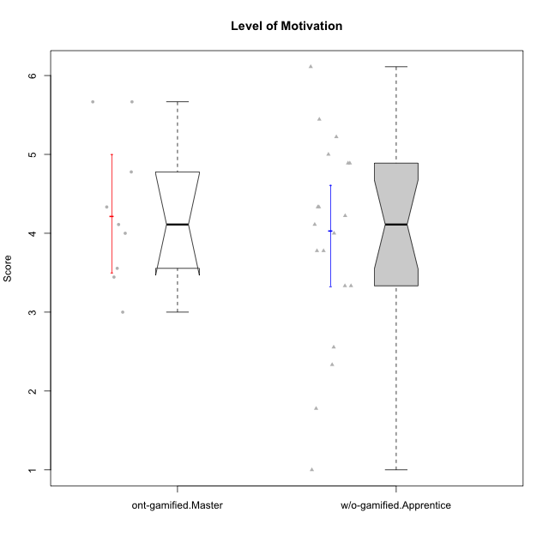

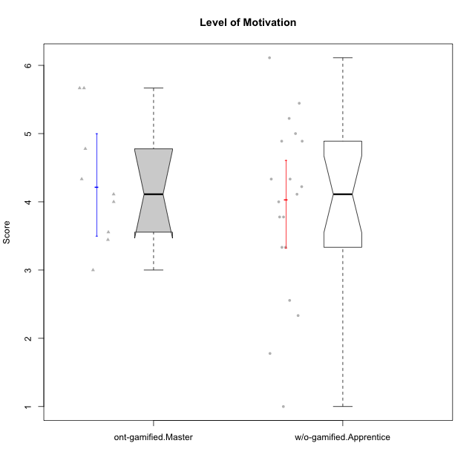

Wilcoxon data
UserID | NroUSP | Type | CLGroup | CLRole | PlayerRole | Item08IE | Item09IE | Item11IE | Item12IE | Item21IE | Item24IE | Item03PC | Item05PC | Item13PC | Item18PC | Item20PC | Item02PT | Item04PT | Item06PT | Item23PT | Item01EI | Item14EI | Item19EI | Item22EI | Item18A | Item25A | Item20A | Item07A | Item13A | Item01S | Item02S | Item05S | Item21S | Interest/Enjoyment | Perceived Choice | Pressure/Tension | Effort/Importance | Attention | Satisfaction | Intrinsic Motivation | Level of Motivation
10170 | 10260351 | w/o-gamified | Grupo11 | Apprentice |  | 6 | 4 | 4 | 3 | 4 | 4 | 3 | 2 | 2 | 1 | 3 | 1 | 1 | 1 | 1 | 3 | 4 | 3 | 5 | 6 | 5 | 6 | 5 | 6 | 4 | 4 | 5 | 5 | 4.1666666667 | 5.8 | 2.5 | 4.75 | 5.6 | 4 | 5 | 4.8888888889
10171 | 698531 | ont-gamified | Mafia | Master | Social Achiever | 6 | 6 | 6 | 5 | 7 | 5 | 2 | 2 | 2 | 2 | 1 | 2 | 2 | 1 | 6 | 1 | 7 | 1 | 6 | 6 | 5 | 6 | 5 | 6 | 6 | 6 | 4 | 1 | 5.8333333333 | 6.2 | 1.75 | 6.75 | 5.6 | 5.75 | 6.2105263158 | 5.6666666667
10172 | 10273971 | w/o-gamified | Grupo5 | Apprentice |  | 7 | 5 | 5 | 4 | 5 | 5 | 5 | 6 | 5 | 5 | 5 | 4 | 6 | 5 | 5 | 5 | 4 | 5 | 5 | 5 | 5 | 5 | 6 | 6 | 6 | 4 | 5 | 5 | 5.1666666667 | 2.8 | 4.5 | 3.75 | 5.4 | 4.5 | 3.8947368421 | 5
10175 | 10310700 | ont-gamified | Warriors | Master | Social Achiever | 4 | 4 | 4 | 4 | 4 | 4 | 3 | 1 | 1 | 1 | 1 | 1 | 1 | 1 | 7 | 1 | 4 | 1 | 4 | 5 | 5 | 5 | 6 | 6 | 6 | 6 | 5 | 1 | 4 | 6.6 | 1 | 5.5 | 5.4 | 6 | 5.6315789474 | 5.6666666667
10176 | 10276949 | ont-gamified | Outlaws | Master | Social Achiever | 4 | 4 | 4 | 3 | 4 | 4 | 4 | 4 | 6 | 5 | 4 | 4 | 6 | 6 | 4 | 4 | 4 | 5 | 4 | 5 | 5 | 5 | 4 | 4 | 4 | 4 | 4 | 4 | 3.8333333333 | 3.4 | 5 | 3.75 | 4.6 | 4 | 3.5263157895 | 4.3333333333
10181 | 10276866 | w/o-gamified | Grupo2 | Apprentice |  | 2 | 3 | 1 | 2 | 3 | 2 | 5 | 1 | 5 | 5 | 3 | 4 | 1 | 5 | 4 | 7 | 1 | 4 | 5 | 4 | 4 | 4 | 5 | 4 | 1 | 1 | 3 | 4 | 2.1666666667 | 4.2 | 3.5 | 2.75 | 4.2 | 2.25 | 3.3157894737 | 3.3333333333
10183 | 10352030 | w/o-gamified | Grupo3 | Apprentice |  | 3 | 3 | 3 | 3 | 3 | 2 | 4 | 4 | 2 | 3 | 5 | 4 | 4 | 5 | 2 | 4 | 2 | 3 | 4 | 2 | 2 | 2 | 2 | 3 | 2 | 2 | 4 | 4 | 2.8333333333 | 4.4 | 4.75 | 3.75 | 2.2 | 3 | 3.5263157895 | 2.5555555556
10184 | 10276675 | w/o-gamified | Grupo10 | Apprentice |  | 4 | 4 | 4 | 4 | 3 | 4 | 4 | 5 | 3 | 4 | 4 | 4 | 3 | 4 | 4 | 4 | 3 | 4 | 4 | 4 | 4 | 4 | 2 | 4 | 6 | 4 | 4 | 4 | 3.8333333333 | 4 | 3.75 | 3.75 | 3.6 | 4.5 | 3.9473684211 | 4
10185 | 10276960 | w/o-gamified | Grupo9 | Apprentice |  | 6 | 4 | 5 | 5 | 3 | 6 | 3 | 6 | 5 | 6 | 3 | 4 | 4 | 5 | 4 | 4 | 4 | 3 | 5 | 3 | 5 | 3 | 4 | 3 | 4 | 5 | 5 | 6 | 4.8333333333 | 3.4 | 4.25 | 4.5 | 3.6 | 4 | 4.1578947368 | 3.7777777778
10188 | 10276995 | ont-gamified | Vandals | Master | Yee Achiever | 4 | 3 | 1 | 4 | 3 | 3 | 3 | 1 | 3 | 1 | 1 | 1 | 1 | 1 | 7 | 2 | 4 | 3 | 1 | 4 | 4 | 3 | 2 | 4 | 3 | 3 | 3 | 2 | 3 | 6.2 | 1 | 4 | 3.4 | 3.75 | 4.8947368421 | 3.5555555556
10190 | 10276907 | w/o-gamified | Grupo4 | Apprentice |  | 3 | 3 | 3 | 2 | 4 | 4 | 7 | 7 | 3 | 5 | 4 | 5 | 7 | 6 | 5 | 3 | 4 | 5 | 4 | 6 | 5 | 5 | 5 | 3 | 3 | 4 | 4 | 4 | 3.1666666667 | 2.8 | 5.25 | 4 | 4.8 | 3.75 | 3.1578947368 | 4.3333333333
10197 | 10276661 | w/o-gamified | Grupo8 | Apprentice |  | 5 | 3 | 5 | 4 | 2 | 2 | 2 | 3 | 4 | 2 | 4 | 3 | 3 | 5 | 5 | 3 | 4 | 3 | 4 | 7 | 4 | 4 | 5 | 3 | 4 | 4 | 2 | 4 | 3.5 | 5 | 3.5 | 4.5 | 4.6 | 3.5 | 4.3157894737 | 4.1111111111
10199 | 10276737 | w/o-gamified | Grupo1 | Apprentice |  | 4 | 3 | 4 | 1 | 3 | 3 | 3 | 5 | 3 | 5 | 5 | 4 | 2 | 3 | 4 | 4 | 4 | 4 | 5 | 5 | 4 | 3 | 3 | 4 | 6 | 4 | 4 | 2 | 3 | 3.8 | 3.25 | 4.25 | 3.8 | 5 | 3.8421052632 | 4.3333333333
10201 | 10276928 | w/o-gamified | Grupo11 | Apprentice |  | 6 | 5 | 5 | 6 | 6 | 3 | 5 | 3 | 3 | 4 | 4 | 3 | 2 | 4 | 5 | 3 | 5 | 3 | 5 | 6 | 5 | 6 | 6 | 6 | 6 | 5 | 6 | 5 | 5.1666666667 | 4.2 | 3 | 5 | 5.8 | 5 | 4.8421052632 | 5.4444444444
10204 | 10310471 | w/o-gamified | Grupo6 | Apprentice |  | 1 | 1 | 1 | 1 | 1 | 1 | 7 | 7 | 7 | 7 | 7 | 7 | 7 | 7 | 1 | 4 | 4 | 1 | 7 | 1 | 1 | 1 | 1 | 1 | 2 | 1 | 4 | 4 | 1 | 1 | 7 | 5.5 | 1 | 2.75 | 1.9473684211 | 1.7777777778
10206 | 10310721 | w/o-gamified | Grupo8 | Apprentice |  | 4 | 4 | 2 | 3 | 5 | 4 | 3 | 2 | 3 | 2 | 2 | 3 | 2 | 3 | 4 | 2 | 5 | 2 | 5 | 4 | 6 | 4 | 4 | 5 | 5 | 5 | 6 | 3 | 3.6666666667 | 5.6 | 3 | 5.5 | 4.6 | 5.25 | 4.8421052632 | 4.8888888889
10208 | 10276932 | ont-gamified | Mercenaries | Master | Social Achiever | 4 | 4 | 4 | 3 | 4 | 4 | 4 | 2 | 4 | 4 | 2 | 2 | 2 | 2 | 5 | 2 | 5 | 2 | 4 | 2 | 2 | 2 | 3 | 4 | 5 | 5 | 3 | 3 | 3.8333333333 | 4.8 | 2.25 | 5.25 | 2.6 | 4.5 | 4.7894736842 | 3.4444444444
10210 | 10277015 | w/o-gamified | Grupo6 | Apprentice |  | 1 | 1 | 1 | 1 | 1 | 1 | 7 | 7 | 7 | 7 | 7 | 7 | 7 | 7 | 1 | 1 | 7 | 1 | 7 | 1 | 1 | 1 | 1 | 1 | 1 | 1 | 1 | 7 | 1 | 1 | 7 | 7 | 1 | 1 | 2.2631578947 | 1
10213 | 10277040 | w/o-gamified | Grupo7 | Apprentice |  | 4 | 3 | 7 | 1 | 4 | 4 | 7 | 7 | 7 | 7 | 7 | 1 | 7 | 7 | 4 | 1 | 7 | 1 | 7 | 5 | 7 | 7 | 7 | 4 | 7 | 4 | 7 | 1 | 3.8333333333 | 1 | 4.75 | 7 | 6 | 6.25 | 3.6315789474 | 6.1111111111
10215 | 9285227 | ont-gamified | Vikings | Master | Social Achiever | 5 | 5 | 2 | 3 | 4 | 5 | 5 | 1 | 2 | 4 | 1 | 1 | 1 | 1 | 1 | 1 | 2 | 4 | 1 | 4 | 4 | 1 | 1 | 3 | 3 | 3 | 1 | 1 | 4 | 5.4 | 2.5 | 3.5 | 2.6 | 3.5 | 4.5789473684 | 3
10216 | 10276720 | ont-gamified | Silly Knights | Master | Social Achiever | 4 | 5 | 3 | 7 | 4 | 5 | 3 | 2 | 2 | 1 | 3 | 1 | 1 | 1 | 7 | 1 | 4 | 2 | 4 | 4 | 6 | 5 | 2 | 4 | 5 | 5 | 6 | 2 | 4.6666666667 | 5.8 | 1 | 5.25 | 4.2 | 5.5 | 5.5789473684 | 4.7777777778
10217 | 9805341 | w/o-gamified | Grupo9 | Apprentice |  | 5 | 5 | 3 | 4 | 5 | 4 | 4 | 5 | 4 | 4 | 2 | 1 | 1 | 1 | 7 | 3 | 3 | 4 | 2 | 3 | 4 | 4 | 4 | 6 | 4 | 4 | 4 | 3 | 4.3333333333 | 4.2 | 1 | 3.5 | 4.2 | 4.25 | 4.6842105263 | 4.2222222222
10218 | 9842913 | w/o-gamified | Grupo10 | Apprentice |  | 4 | 4 | 4 | 4 | 4 | 4 | 4 | 5 | 4 | 5 | 4 | 4 | 5 | 4 | 5 | 4 | 4 | 4 | 5 | 3 | 4 | 4 | 5 | 4 | 4 | 3 | 3 | 4 | 4 | 3.6 | 4 | 4.25 | 4 | 3.5 | 3.9473684211 | 3.7777777778
10220 | 9760151 | w/o-gamified | Grupo3 | Apprentice |  | 4 | 1 | 1 | 1 | 4 | 4 | 1 | 1 | 1 | 4 | 1 | 1 | 1 | 1 | 7 | 1 | 4 | 1 | 7 | 1 | 1 | 1 | 1 | 1 | 7 | 4 | 7 | 1 | 2.5 | 6.4 | 1 | 6.25 | 1 | 6.25 | 5.2631578947 | 3.3333333333
10223 | 9795185 | ont-gamified | Slayers | Master | Social Achiever | 6 | 5 | 4 | 5 | 5 | 5 | 4 | 4 | 4 | 3 | 4 | 4 | 4 | 2 | 4 | 4 | 5 | 4 | 4 | 3 | 4 | 4 | 4 | 5 | 4 | 5 | 4 | 4 | 5 | 4.2 | 3.5 | 4.25 | 4 | 4.25 | 4.5263157895 | 4.1111111111
10226 | 10310342 | w/o-gamified | Grupo4 | Apprentice |  | 4 | 1 | 1 | 1 | 1 | 1 | 7 | 7 | 7 | 7 | 7 | 7 | 7 | 7 | 1 | 7 | 1 | 7 | 1 | 3 | 2 | 1 | 2 | 2 | 3 | 2 | 3 | 5 | 1.5 | 1 | 7 | 1 | 2 | 2.75 | 1.1578947368 | 2.3333333333
10230 | 10351992 | ont-gamified | Resistance | Master | Social Achiever | 5 | 4 | 4 | 4 | 5 | 5 | 5 | 4 | 3 | 3 | 5 | 5 | 4 | 6 | 6 | 3 | 3 | 2 | 5 | 3 | 4 | 2 | 6 | 4 | 4 | 6 | 2 | 3 | 4.5 | 4 | 4.25 | 4.75 | 3.8 | 4.25 | 4.2631578947 | 4
10232 | 10276974 | w/o-gamified | Grupo7 | Apprentice |  | 5 | 4 | 5 | 4 | 4 | 5 | 3 | 3 | 3 | 4 | 4 | 2 | 2 | 2 | 3 | 1 | 5 | 1 | 6 | 4 | 6 | 4 | 5 | 4 | 6 | 5 | 6 | 1 | 4.5 | 4.6 | 2.75 | 6.25 | 4.6 | 6 | 5.0526315789 | 5.2222222222

Type_CLRole_5
Wilcoxon Analysis for Level of Motivation in Type:CLRole between ont-gamified.Master:w/o-gamified.Master

Wilcoxon test results
Alternative hypothesis: less
Group | N | Median | Mean.Ranks | Sum.Ranks | U | Z | p.value | r | magnitude
ont-gamified.Master | 9 | 4.1111111111 | 9.6111111111 | 86.5 | 41.5 | 0.53185128239 | 0.70695187166 | 0.1289928832 | small
w/o-gamified.Master | 8 | 4.0555555556 | 8.3125 | 66.5 | 41.5 | 0.53185128239 | 0.70695187166 | 0.1289928832 | small
Alternative hypothesis: greater
Group | N | Median | Mean.Ranks | Sum.Ranks | U | Z | p.value | r | magnitude
ont-gamified.Master | 9 | 4.1111111111 | 9.6111111111 | 86.5 | 41.5 | 0.53185128239 | 0.30859728507 | 0.1289928832 | small
w/o-gamified.Master | 8 | 4.0555555556 | 8.3125 | 66.5 | 41.5 | 0.53185128239 | 0.30859728507 | 0.1289928832 | small
Alternative hypothesis: two.sided
Group | N | Median | Mean.Ranks | Sum.Ranks | U | Z | p.value | r | magnitude
ont-gamified.Master | 9 | 4.1111111111 | 9.6111111111 | 86.5 | 41.5 | 0.53185128239 | 0.6185520362 | 0.1289928832 | small
w/o-gamified.Master | 8 | 4.0555555556 | 8.3125 | 66.5 | 41.5 | 0.53185128239 | 0.6185520362 | 0.1289928832 | small

Box plots for wilcoxon tests
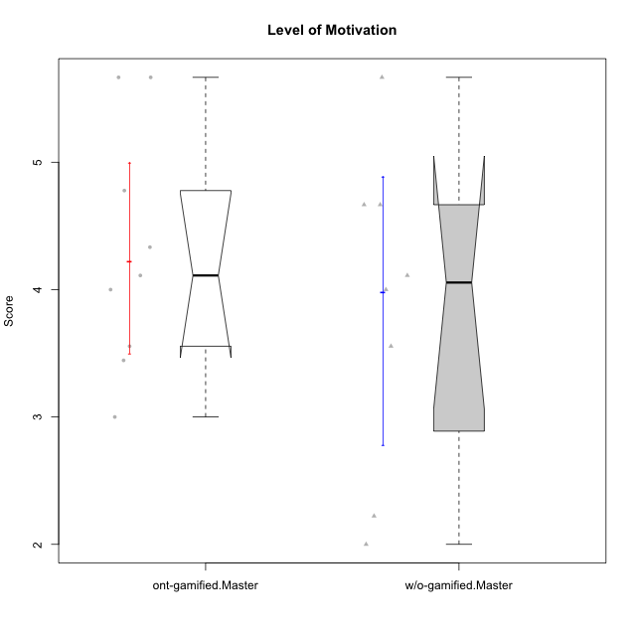

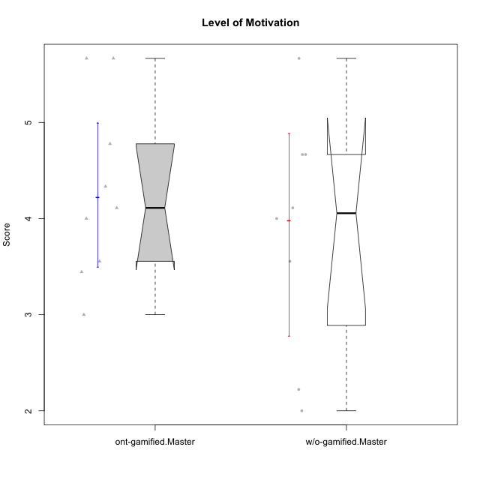

Wilcoxon data
UserID | NroUSP | Type | CLGroup | CLRole | PlayerRole | Item08IE | Item09IE | Item11IE | Item12IE | Item21IE | Item24IE | Item03PC | Item05PC | Item13PC | Item18PC | Item20PC | Item02PT | Item04PT | Item06PT | Item23PT | Item01EI | Item14EI | Item19EI | Item22EI | Item18A | Item25A | Item20A | Item07A | Item13A | Item01S | Item02S | Item05S | Item21S | Interest/Enjoyment | Perceived Choice | Pressure/Tension | Effort/Importance | Attention | Satisfaction | Intrinsic Motivation | Level of Motivation
10171 | 698531 | ont-gamified | Mafia | Master | Social Achiever | 6 | 6 | 6 | 5 | 7 | 5 | 2 | 2 | 2 | 2 | 1 | 2 | 2 | 1 | 6 | 1 | 7 | 1 | 6 | 6 | 5 | 6 | 5 | 6 | 6 | 6 | 4 | 1 | 5.8333333333 | 6.2 | 1.75 | 6.75 | 5.6 | 5.75 | 6.2105263158 | 5.6666666667
10174 | 10276852 | w/o-gamified | Grupo7 | Master |  | 6 | 4 | 4 | 3 | 4 | 6 | 4 | 4 | 4 | 3 | 4 | 4 | 5 | 6 | 5 | 5 | 4 | 2 | 4 | 5 | 4 | 4 | 6 | 4 | 6 | 5 | 4 | 4 | 4.5 | 4.2 | 4.5 | 4.25 | 4.6 | 4.75 | 4.1578947368 | 4.6666666667
10175 | 10310700 | ont-gamified | Warriors | Master | Social Achiever | 4 | 4 | 4 | 4 | 4 | 4 | 3 | 1 | 1 | 1 | 1 | 1 | 1 | 1 | 7 | 1 | 4 | 1 | 4 | 5 | 5 | 5 | 6 | 6 | 6 | 6 | 5 | 1 | 4 | 6.6 | 1 | 5.5 | 5.4 | 6 | 5.6315789474 | 5.6666666667
10176 | 10276949 | ont-gamified | Outlaws | Master | Social Achiever | 4 | 4 | 4 | 3 | 4 | 4 | 4 | 4 | 6 | 5 | 4 | 4 | 6 | 6 | 4 | 4 | 4 | 5 | 4 | 5 | 5 | 5 | 4 | 4 | 4 | 4 | 4 | 4 | 3.8333333333 | 3.4 | 5 | 3.75 | 4.6 | 4 | 3.5263157895 | 4.3333333333
10179 | 10310759 | w/o-gamified | Grupo10 | Master |  | 3 | 3 | 2 | 6 | 4 | 4 | 7 | 6 | 5 | 5 | 4 | 1 | 1 | 2 | 7 | 2 | 6 | 1 | 5 | 4 | 4 | 4 | 2 | 4 | 3 | 4 | 5 | 2 | 3.6666666667 | 2.6 | 1.25 | 6 | 3.6 | 4.5 | 4.5263157895 | 4
10188 | 10276995 | ont-gamified | Vandals | Master | Yee Achiever | 4 | 3 | 1 | 4 | 3 | 3 | 3 | 1 | 3 | 1 | 1 | 1 | 1 | 1 | 7 | 2 | 4 | 3 | 1 | 4 | 4 | 3 | 2 | 4 | 3 | 3 | 3 | 2 | 3 | 6.2 | 1 | 4 | 3.4 | 3.75 | 4.8947368421 | 3.5555555556
10191 | 10276981 | w/o-gamified | Grupo1 | Master |  | 3 | 3 | 3 | 1 | 2 | 2 | 5 | 5 | 5 | 4 | 5 | 1 | 1 | 1 | 7 | 2 | 4 | 4 | 4 | 2 | 4 | 2 | 4 | 5 | 4 | 4 | 5 | 6 | 2.3333333333 | 3.2 | 1 | 4.5 | 3.4 | 3.75 | 4 | 3.5555555556
10208 | 10276932 | ont-gamified | Mercenaries | Master | Social Achiever | 4 | 4 | 4 | 3 | 4 | 4 | 4 | 2 | 4 | 4 | 2 | 2 | 2 | 2 | 5 | 2 | 5 | 2 | 4 | 2 | 2 | 2 | 3 | 4 | 5 | 5 | 3 | 3 | 3.8333333333 | 4.8 | 2.25 | 5.25 | 2.6 | 4.5 | 4.7894736842 | 3.4444444444
10215 | 9285227 | ont-gamified | Vikings | Master | Social Achiever | 5 | 5 | 2 | 3 | 4 | 5 | 5 | 1 | 2 | 4 | 1 | 1 | 1 | 1 | 1 | 1 | 2 | 4 | 1 | 4 | 4 | 1 | 1 | 3 | 3 | 3 | 1 | 1 | 4 | 5.4 | 2.5 | 3.5 | 2.6 | 3.5 | 4.5789473684 | 3
10216 | 10276720 | ont-gamified | Silly Knights | Master | Social Achiever | 4 | 5 | 3 | 7 | 4 | 5 | 3 | 2 | 2 | 1 | 3 | 1 | 1 | 1 | 7 | 1 | 4 | 2 | 4 | 4 | 6 | 5 | 2 | 4 | 5 | 5 | 6 | 2 | 4.6666666667 | 5.8 | 1 | 5.25 | 4.2 | 5.5 | 5.5789473684 | 4.7777777778
10219 | 10276831 | w/o-gamified | Grupo3 | Master |  | 1 | 2 | 1 | 4 | 1 | 2 | 7 | 7 | 1 | 4 | 7 | 1 | 1 | 1 | 7 | 5 | 1 | 7 | 2 | 3 | 2 | 2 | 3 | 2 | 1 | 1 | 1 | 5 | 1.8333333333 | 2.8 | 1 | 1.75 | 2.4 | 1.5 | 3.1578947368 | 2
10223 | 9795185 | ont-gamified | Slayers | Master | Social Achiever | 6 | 5 | 4 | 5 | 5 | 5 | 4 | 4 | 4 | 3 | 4 | 4 | 4 | 2 | 4 | 4 | 5 | 4 | 4 | 3 | 4 | 4 | 4 | 5 | 4 | 5 | 4 | 4 | 5 | 4.2 | 3.5 | 4.25 | 4 | 4.25 | 4.5263157895 | 4.1111111111
10227 | 9274382 | w/o-gamified | Grupo5 | Master |  | 6 | 4 | 3 | 5 | 3 | 5 | 4 | 4 | 3 | 3 | 3 | 5 | 4 | 3 | 5 | 5 | 4 | 3 | 3 | 5 | 5 | 5 | 6 | 6 | 6 | 6 | 6 | 2 | 4.3333333333 | 4.6 | 3.75 | 3.75 | 5.4 | 6 | 4.2631578947 | 5.6666666667
10230 | 10351992 | ont-gamified | Resistance | Master | Social Achiever | 5 | 4 | 4 | 4 | 5 | 5 | 5 | 4 | 3 | 3 | 5 | 5 | 4 | 6 | 6 | 3 | 3 | 2 | 5 | 3 | 4 | 2 | 6 | 4 | 4 | 6 | 2 | 3 | 4.5 | 4 | 4.25 | 4.75 | 3.8 | 4.25 | 4.2631578947 | 4
10231 | 10276911 | w/o-gamified | Grupo9 | Master |  | 4 | 4 | 4 | 6 | 4 | 5 | 1 | 1 | 2 | 2 | 2 | 1 | 1 | 1 | 7 | 3 | 1 | 4 | 1 | 4 | 4 | 4 | 4 | 4 | 7 | 5 | 4 | 2 | 4.5 | 6.4 | 1 | 2.75 | 4 | 5.5 | 5.1578947368 | 4.6666666667
10234 | 10310676 | w/o-gamified | Grupo4 | Master |  | 2 | 2 | 1 | 1 | 2 | 2 | 6 | 6 | 7 | 6 | 6 | 4 | 2 | 2 | 7 | 6 | 1 | 6 | 4 | 2 | 2 | 2 | 1 | 2 | 1 | 2 | 2 | 2 | 1.6666666667 | 1.8 | 2.25 | 2.25 | 1.8 | 2.75 | 2.6842105263 | 2.2222222222
10238 | 10276953 | w/o-gamified | Grupo2 | Master |  | 4 | 4 | 4 | 3 | 4 | 4 | 7 | 5 | 5 | 5 | 4 | 5 | 5 | 5 | 3 | 1 | 5 | 2 | 5 | 4 | 5 | 4 | 5 | 5 | 3 | 2 | 5 | 4 | 3.8333333333 | 2.8 | 5 | 5.75 | 4.6 | 3.5 | 3.7894736842 | 4.1111111111

Type_CLRole_6
Wilcoxon Analysis for Level of Motivation in Type:CLRole between w/o-gamified.Apprentice:w/o-gamified.Master

Wilcoxon test results
Alternative hypothesis: less
Group | N | Median | Mean.Ranks | Sum.Ranks | U | Z | p.value | r | magnitude
w/o-gamified.Apprentice | 19 | 4.1111111111 | 14.210526316 | 270 | 80 | 0.21262498254 | 0.58738511086 | 0.040919696969 | none
w/o-gamified.Master | 8 | 4.0555555556 | 13.5 | 108 | 80 | 0.21262498254 | 0.58738511086 | 0.040919696969 | none
Alternative hypothesis: greater
Group | N | Median | Mean.Ranks | Sum.Ranks | U | Z | p.value | r | magnitude
w/o-gamified.Apprentice | 19 | 4.1111111111 | 14.210526316 | 270 | 80 | 0.21262498254 | 0.42255824691 | 0.040919696969 | none
w/o-gamified.Master | 8 | 4.0555555556 | 13.5 | 108 | 80 | 0.21262498254 | 0.42255824691 | 0.040919696969 | none
Alternative hypothesis: two.sided
Group | N | Median | Mean.Ranks | Sum.Ranks | U | Z | p.value | r | magnitude
w/o-gamified.Apprentice | 19 | 4.1111111111 | 14.210526316 | 270 | 80 | 0.21262498254 | 0.84537008885 | 0.040919696969 | none
w/o-gamified.Master | 8 | 4.0555555556 | 13.5 | 108 | 80 | 0.21262498254 | 0.84537008885 | 0.040919696969 | none

Box plots for wilcoxon tests
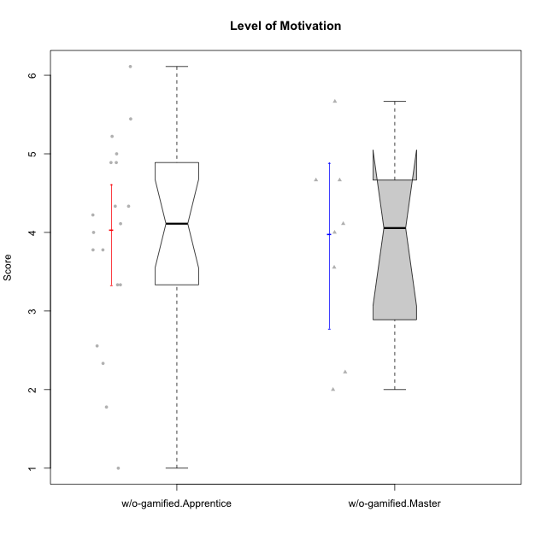

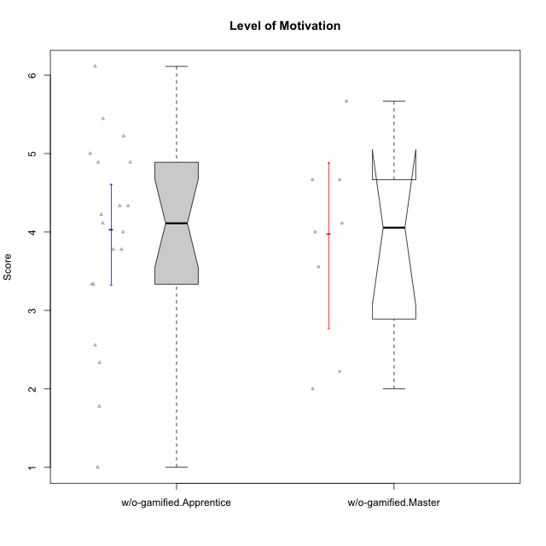

Wilcoxon data
UserID | NroUSP | Type | CLGroup | CLRole | PlayerRole | Item08IE | Item09IE | Item11IE | Item12IE | Item21IE | Item24IE | Item03PC | Item05PC | Item13PC | Item18PC | Item20PC | Item02PT | Item04PT | Item06PT | Item23PT | Item01EI | Item14EI | Item19EI | Item22EI | Item18A | Item25A | Item20A | Item07A | Item13A | Item01S | Item02S | Item05S | Item21S | Interest/Enjoyment | Perceived Choice | Pressure/Tension | Effort/Importance | Attention | Satisfaction | Intrinsic Motivation | Level of Motivation
10170 | 10260351 | w/o-gamified | Grupo11 | Apprentice |  | 6 | 4 | 4 | 3 | 4 | 4 | 3 | 2 | 2 | 1 | 3 | 1 | 1 | 1 | 1 | 3 | 4 | 3 | 5 | 6 | 5 | 6 | 5 | 6 | 4 | 4 | 5 | 5 | 4.1666666667 | 5.8 | 2.5 | 4.75 | 5.6 | 4 | 5 | 4.8888888889
10172 | 10273971 | w/o-gamified | Grupo5 | Apprentice |  | 7 | 5 | 5 | 4 | 5 | 5 | 5 | 6 | 5 | 5 | 5 | 4 | 6 | 5 | 5 | 5 | 4 | 5 | 5 | 5 | 5 | 5 | 6 | 6 | 6 | 4 | 5 | 5 | 5.1666666667 | 2.8 | 4.5 | 3.75 | 5.4 | 4.5 | 3.8947368421 | 5
10174 | 10276852 | w/o-gamified | Grupo7 | Master |  | 6 | 4 | 4 | 3 | 4 | 6 | 4 | 4 | 4 | 3 | 4 | 4 | 5 | 6 | 5 | 5 | 4 | 2 | 4 | 5 | 4 | 4 | 6 | 4 | 6 | 5 | 4 | 4 | 4.5 | 4.2 | 4.5 | 4.25 | 4.6 | 4.75 | 4.1578947368 | 4.6666666667
10179 | 10310759 | w/o-gamified | Grupo10 | Master |  | 3 | 3 | 2 | 6 | 4 | 4 | 7 | 6 | 5 | 5 | 4 | 1 | 1 | 2 | 7 | 2 | 6 | 1 | 5 | 4 | 4 | 4 | 2 | 4 | 3 | 4 | 5 | 2 | 3.6666666667 | 2.6 | 1.25 | 6 | 3.6 | 4.5 | 4.5263157895 | 4
10181 | 10276866 | w/o-gamified | Grupo2 | Apprentice |  | 2 | 3 | 1 | 2 | 3 | 2 | 5 | 1 | 5 | 5 | 3 | 4 | 1 | 5 | 4 | 7 | 1 | 4 | 5 | 4 | 4 | 4 | 5 | 4 | 1 | 1 | 3 | 4 | 2.1666666667 | 4.2 | 3.5 | 2.75 | 4.2 | 2.25 | 3.3157894737 | 3.3333333333
10183 | 10352030 | w/o-gamified | Grupo3 | Apprentice |  | 3 | 3 | 3 | 3 | 3 | 2 | 4 | 4 | 2 | 3 | 5 | 4 | 4 | 5 | 2 | 4 | 2 | 3 | 4 | 2 | 2 | 2 | 2 | 3 | 2 | 2 | 4 | 4 | 2.8333333333 | 4.4 | 4.75 | 3.75 | 2.2 | 3 | 3.5263157895 | 2.5555555556
10184 | 10276675 | w/o-gamified | Grupo10 | Apprentice |  | 4 | 4 | 4 | 4 | 3 | 4 | 4 | 5 | 3 | 4 | 4 | 4 | 3 | 4 | 4 | 4 | 3 | 4 | 4 | 4 | 4 | 4 | 2 | 4 | 6 | 4 | 4 | 4 | 3.8333333333 | 4 | 3.75 | 3.75 | 3.6 | 4.5 | 3.9473684211 | 4
10185 | 10276960 | w/o-gamified | Grupo9 | Apprentice |  | 6 | 4 | 5 | 5 | 3 | 6 | 3 | 6 | 5 | 6 | 3 | 4 | 4 | 5 | 4 | 4 | 4 | 3 | 5 | 3 | 5 | 3 | 4 | 3 | 4 | 5 | 5 | 6 | 4.8333333333 | 3.4 | 4.25 | 4.5 | 3.6 | 4 | 4.1578947368 | 3.7777777778
10190 | 10276907 | w/o-gamified | Grupo4 | Apprentice |  | 3 | 3 | 3 | 2 | 4 | 4 | 7 | 7 | 3 | 5 | 4 | 5 | 7 | 6 | 5 | 3 | 4 | 5 | 4 | 6 | 5 | 5 | 5 | 3 | 3 | 4 | 4 | 4 | 3.1666666667 | 2.8 | 5.25 | 4 | 4.8 | 3.75 | 3.1578947368 | 4.3333333333
10191 | 10276981 | w/o-gamified | Grupo1 | Master |  | 3 | 3 | 3 | 1 | 2 | 2 | 5 | 5 | 5 | 4 | 5 | 1 | 1 | 1 | 7 | 2 | 4 | 4 | 4 | 2 | 4 | 2 | 4 | 5 | 4 | 4 | 5 | 6 | 2.3333333333 | 3.2 | 1 | 4.5 | 3.4 | 3.75 | 4 | 3.5555555556
10197 | 10276661 | w/o-gamified | Grupo8 | Apprentice |  | 5 | 3 | 5 | 4 | 2 | 2 | 2 | 3 | 4 | 2 | 4 | 3 | 3 | 5 | 5 | 3 | 4 | 3 | 4 | 7 | 4 | 4 | 5 | 3 | 4 | 4 | 2 | 4 | 3.5 | 5 | 3.5 | 4.5 | 4.6 | 3.5 | 4.3157894737 | 4.1111111111
10199 | 10276737 | w/o-gamified | Grupo1 | Apprentice |  | 4 | 3 | 4 | 1 | 3 | 3 | 3 | 5 | 3 | 5 | 5 | 4 | 2 | 3 | 4 | 4 | 4 | 4 | 5 | 5 | 4 | 3 | 3 | 4 | 6 | 4 | 4 | 2 | 3 | 3.8 | 3.25 | 4.25 | 3.8 | 5 | 3.8421052632 | 4.3333333333
10201 | 10276928 | w/o-gamified | Grupo11 | Apprentice |  | 6 | 5 | 5 | 6 | 6 | 3 | 5 | 3 | 3 | 4 | 4 | 3 | 2 | 4 | 5 | 3 | 5 | 3 | 5 | 6 | 5 | 6 | 6 | 6 | 6 | 5 | 6 | 5 | 5.1666666667 | 4.2 | 3 | 5 | 5.8 | 5 | 4.8421052632 | 5.4444444444
10204 | 10310471 | w/o-gamified | Grupo6 | Apprentice |  | 1 | 1 | 1 | 1 | 1 | 1 | 7 | 7 | 7 | 7 | 7 | 7 | 7 | 7 | 1 | 4 | 4 | 1 | 7 | 1 | 1 | 1 | 1 | 1 | 2 | 1 | 4 | 4 | 1 | 1 | 7 | 5.5 | 1 | 2.75 | 1.9473684211 | 1.7777777778
10206 | 10310721 | w/o-gamified | Grupo8 | Apprentice |  | 4 | 4 | 2 | 3 | 5 | 4 | 3 | 2 | 3 | 2 | 2 | 3 | 2 | 3 | 4 | 2 | 5 | 2 | 5 | 4 | 6 | 4 | 4 | 5 | 5 | 5 | 6 | 3 | 3.6666666667 | 5.6 | 3 | 5.5 | 4.6 | 5.25 | 4.8421052632 | 4.8888888889
10210 | 10277015 | w/o-gamified | Grupo6 | Apprentice |  | 1 | 1 | 1 | 1 | 1 | 1 | 7 | 7 | 7 | 7 | 7 | 7 | 7 | 7 | 1 | 1 | 7 | 1 | 7 | 1 | 1 | 1 | 1 | 1 | 1 | 1 | 1 | 7 | 1 | 1 | 7 | 7 | 1 | 1 | 2.2631578947 | 1
10213 | 10277040 | w/o-gamified | Grupo7 | Apprentice |  | 4 | 3 | 7 | 1 | 4 | 4 | 7 | 7 | 7 | 7 | 7 | 1 | 7 | 7 | 4 | 1 | 7 | 1 | 7 | 5 | 7 | 7 | 7 | 4 | 7 | 4 | 7 | 1 | 3.8333333333 | 1 | 4.75 | 7 | 6 | 6.25 | 3.6315789474 | 6.1111111111
10217 | 9805341 | w/o-gamified | Grupo9 | Apprentice |  | 5 | 5 | 3 | 4 | 5 | 4 | 4 | 5 | 4 | 4 | 2 | 1 | 1 | 1 | 7 | 3 | 3 | 4 | 2 | 3 | 4 | 4 | 4 | 6 | 4 | 4 | 4 | 3 | 4.3333333333 | 4.2 | 1 | 3.5 | 4.2 | 4.25 | 4.6842105263 | 4.2222222222
10218 | 9842913 | w/o-gamified | Grupo10 | Apprentice |  | 4 | 4 | 4 | 4 | 4 | 4 | 4 | 5 | 4 | 5 | 4 | 4 | 5 | 4 | 5 | 4 | 4 | 4 | 5 | 3 | 4 | 4 | 5 | 4 | 4 | 3 | 3 | 4 | 4 | 3.6 | 4 | 4.25 | 4 | 3.5 | 3.9473684211 | 3.7777777778
10219 | 10276831 | w/o-gamified | Grupo3 | Master |  | 1 | 2 | 1 | 4 | 1 | 2 | 7 | 7 | 1 | 4 | 7 | 1 | 1 | 1 | 7 | 5 | 1 | 7 | 2 | 3 | 2 | 2 | 3 | 2 | 1 | 1 | 1 | 5 | 1.8333333333 | 2.8 | 1 | 1.75 | 2.4 | 1.5 | 3.1578947368 | 2
10220 | 9760151 | w/o-gamified | Grupo3 | Apprentice |  | 4 | 1 | 1 | 1 | 4 | 4 | 1 | 1 | 1 | 4 | 1 | 1 | 1 | 1 | 7 | 1 | 4 | 1 | 7 | 1 | 1 | 1 | 1 | 1 | 7 | 4 | 7 | 1 | 2.5 | 6.4 | 1 | 6.25 | 1 | 6.25 | 5.2631578947 | 3.3333333333
10226 | 10310342 | w/o-gamified | Grupo4 | Apprentice |  | 4 | 1 | 1 | 1 | 1 | 1 | 7 | 7 | 7 | 7 | 7 | 7 | 7 | 7 | 1 | 7 | 1 | 7 | 1 | 3 | 2 | 1 | 2 | 2 | 3 | 2 | 3 | 5 | 1.5 | 1 | 7 | 1 | 2 | 2.75 | 1.1578947368 | 2.3333333333
10227 | 9274382 | w/o-gamified | Grupo5 | Master |  | 6 | 4 | 3 | 5 | 3 | 5 | 4 | 4 | 3 | 3 | 3 | 5 | 4 | 3 | 5 | 5 | 4 | 3 | 3 | 5 | 5 | 5 | 6 | 6 | 6 | 6 | 6 | 2 | 4.3333333333 | 4.6 | 3.75 | 3.75 | 5.4 | 6 | 4.2631578947 | 5.6666666667
10231 | 10276911 | w/o-gamified | Grupo9 | Master |  | 4 | 4 | 4 | 6 | 4 | 5 | 1 | 1 | 2 | 2 | 2 | 1 | 1 | 1 | 7 | 3 | 1 | 4 | 1 | 4 | 4 | 4 | 4 | 4 | 7 | 5 | 4 | 2 | 4.5 | 6.4 | 1 | 2.75 | 4 | 5.5 | 5.1578947368 | 4.6666666667
10232 | 10276974 | w/o-gamified | Grupo7 | Apprentice |  | 5 | 4 | 5 | 4 | 4 | 5 | 3 | 3 | 3 | 4 | 4 | 2 | 2 | 2 | 3 | 1 | 5 | 1 | 6 | 4 | 6 | 4 | 5 | 4 | 6 | 5 | 6 | 1 | 4.5 | 4.6 | 2.75 | 6.25 | 4.6 | 6 | 5.0526315789 | 5.2222222222
10234 | 10310676 | w/o-gamified | Grupo4 | Master |  | 2 | 2 | 1 | 1 | 2 | 2 | 6 | 6 | 7 | 6 | 6 | 4 | 2 | 2 | 7 | 6 | 1 | 6 | 4 | 2 | 2 | 2 | 1 | 2 | 1 | 2 | 2 | 2 | 1.6666666667 | 1.8 | 2.25 | 2.25 | 1.8 | 2.75 | 2.6842105263 | 2.2222222222
10238 | 10276953 | w/o-gamified | Grupo2 | Master |  | 4 | 4 | 4 | 3 | 4 | 4 | 7 | 5 | 5 | 5 | 4 | 5 | 5 | 5 | 3 | 1 | 5 | 2 | 5 | 4 | 5 | 4 | 5 | 5 | 3 | 2 | 5 | 4 | 3.8333333333 | 2.8 | 5 | 5.75 | 4.6 | 3.5 | 3.7894736842 | 4.1111111111

