Assumptions
ANOVA assumptions for Pressure/Tension

Shapiro-Wilk normality test for Pressure/Tension
W | p.value
0.97236503302 | 0.31229240753

Plots for normality test
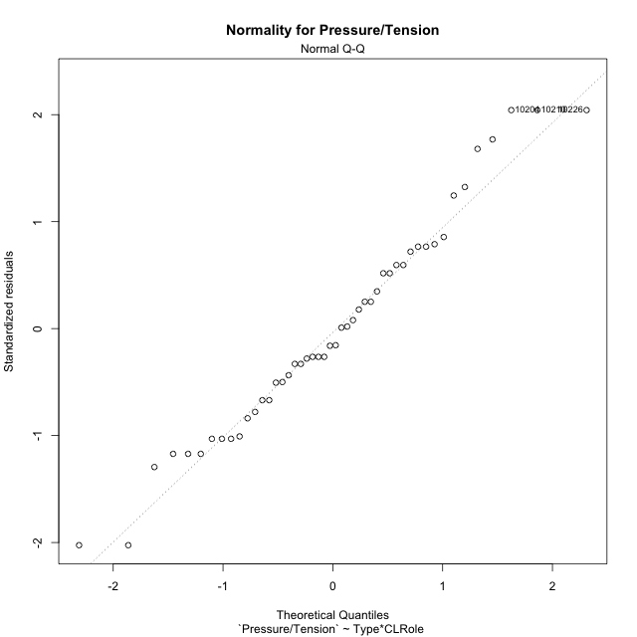

Levene's Test for Homogeneity of Variance in Pressure/Tension
Df | F value | Pr(>F)
3 | 1.3984667398 | 0.25590152505
44

Plots for homogeneity of variance
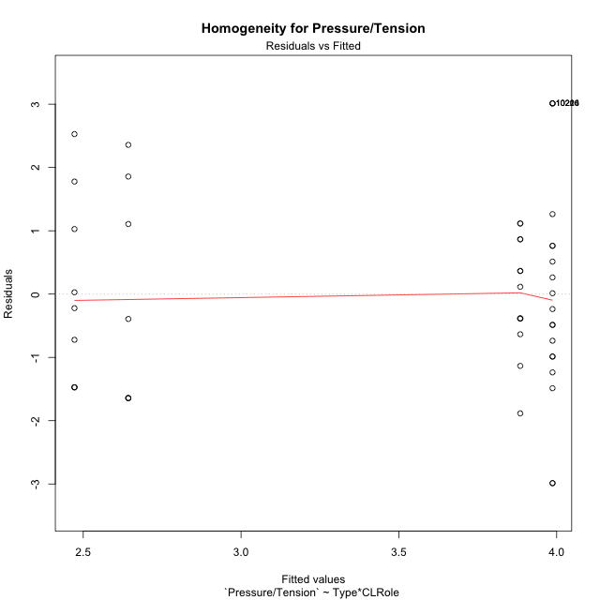

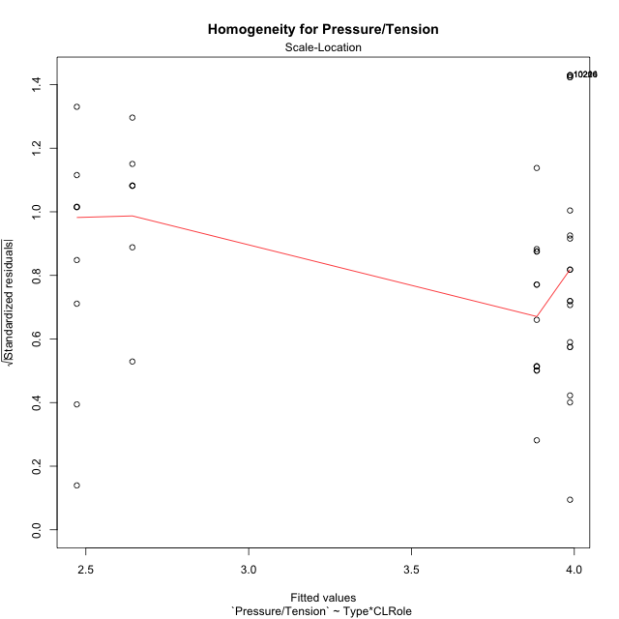

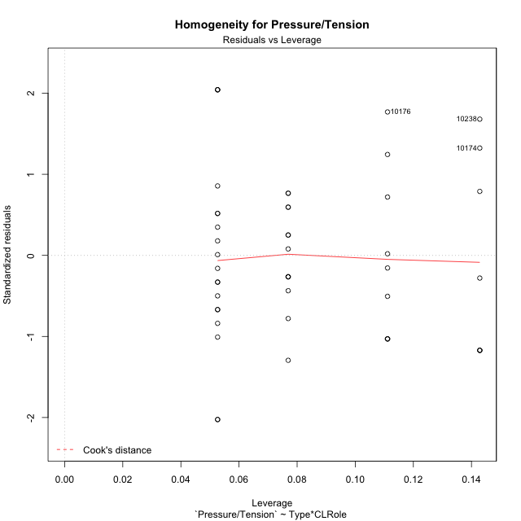

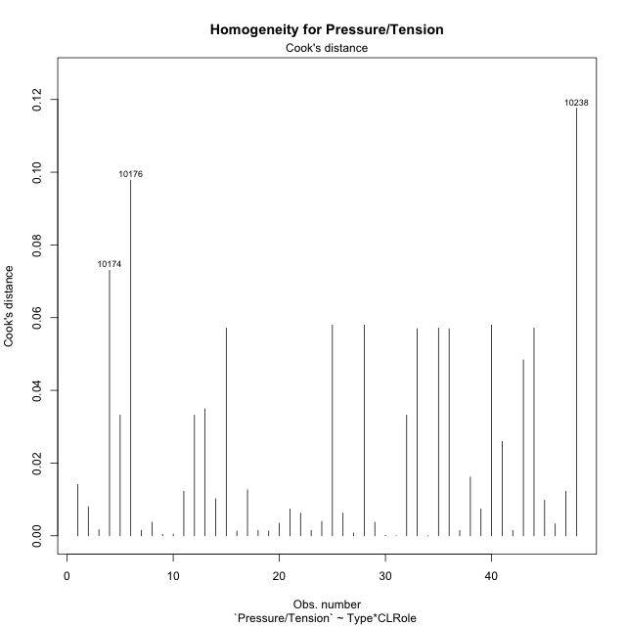

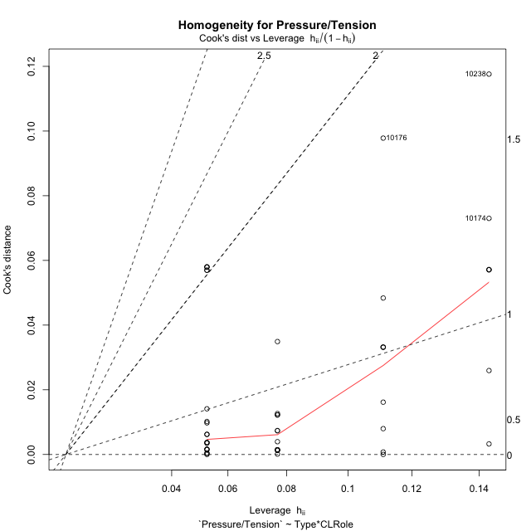

Minimum Sample Size Test for Pressure/Tension
Type | CLRole | Freq
ont-gamified | Apprentice | 13
w/o-gamified | Apprentice | 19
ont-gamified | Master | 9
w/o-gamified | Master | 7

Errors and Warnings in Sample Size Test for ANOVA in Pressure/Tension
code | description
WARN: sample.size | current.size is = 13 and recommended.size must be = 15 for the group: 'ont-gamified:Apprentice'. Size sample for parametric test isn't recomended
WARN: sample.size | current.size is = 9 and recommended.size must be = 15 for the group: 'ont-gamified:Master'. Size sample for parametric test isn't recomended
WARN: sample.size | current.size is = 7 and recommended.size must be = 15 for the group: 'w/o-gamified:Master'. Size sample for parametric test isn't recomended

For the group: 'ont-gamified:Apprentice', we recommend the use of non parametric test. For the group: 'w/o-gamified:Apprentice', you can perform a parametric test with a non-normal distribution For the group: 'ont-gamified:Master', we recommend the use of non parametric test. For the group: 'w/o-gamified:Master', we recommend the use of non parametric test.

If you don't want to remove non-normal data, you must cite the following references: ... (1) Lix, L.M., J.C. Keselman, and H.J. Keselman. 1996. Consequences of assumption violations revisited: A quantitative review of alternatives to the one-way analysis of variance F test. Rev. Educ. Res. 66: 579-619. ... (2) Harwell, M.R., E.N. Rubinstein, W.S. Hayes, and C.C. Olds. 1992. Summarizing Monte Carlo results in methodological research: the one- and two-factor fixed effects ANOVA cases. J. Educ. Stat. 17: 315-339.

Post-hoc
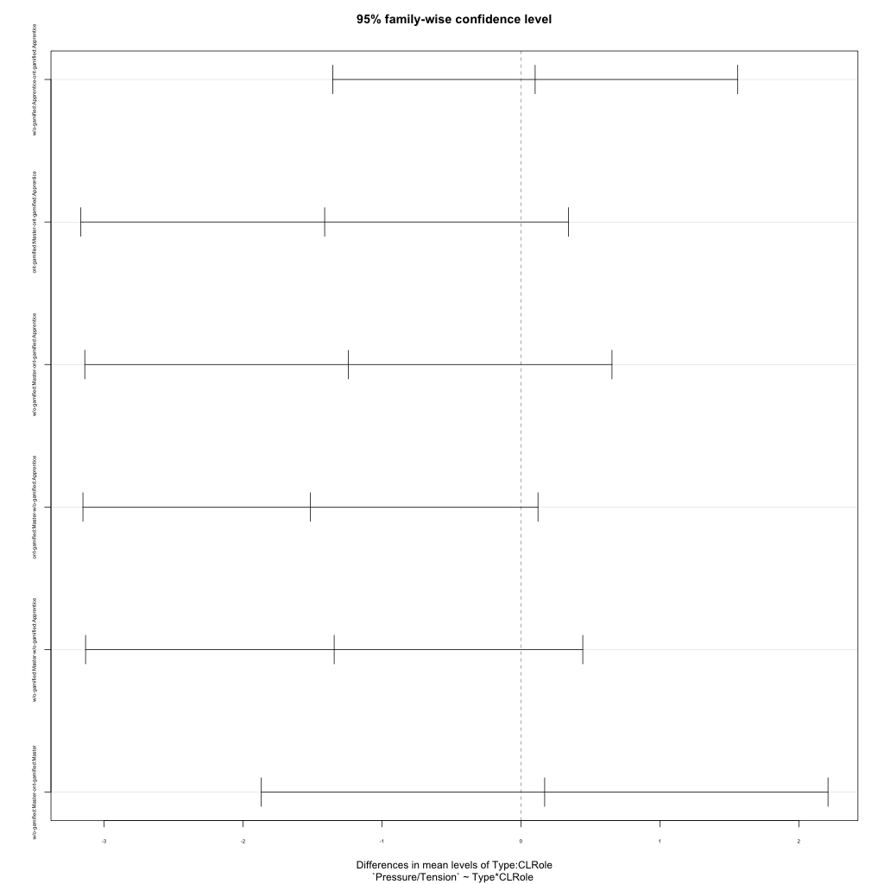
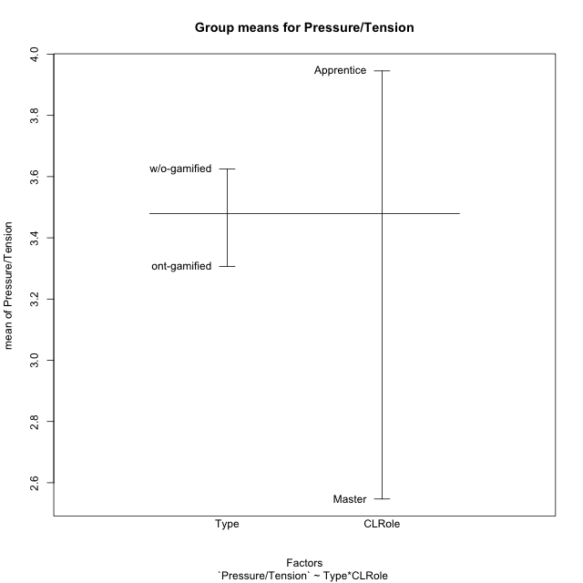
Post-hoc Tukey Honestly Significant Difference (HSD) Test for Pressure/Tension

Comparisons of means for Type
 | diff | lwr | upr | p adj
w/o-gamified-ont-gamified | 0.31818181818 | -0.56655923977 | 1.2029228761 | 0.47241652525

Comparisons of means for CLRole
 | diff | lwr | upr | p adj
Master-Apprentice | -1.3487215909 | -2.2838671501 | -0.41357603169 | 0.0057009974709

Comparisons of means for Type:CLRole
 | diff | lwr | upr | p adj
w/o-gamified:Apprentice-ont-gamified:Apprentice | 0.10222672065 | -1.3541643433 | 1.5586177846 | 0.99762920131
ont-gamified:Master-ont-gamified:Apprentice | -1.4123931624 | -3.166959943 | 0.34217361822 | 0.15374104568
w/o-gamified:Master-ont-gamified:Apprentice | -1.2417582418 | -3.1386641739 | 0.65514769039 | 0.3119571404
ont-gamified:Master-w/o-gamified:Apprentice | -1.514619883 | -3.1519356858 | 0.12269591974 | 0.078927955779
w/o-gamified:Master-w/o-gamified:Apprentice | -1.3439849624 | -3.1329932256 | 0.4450233008 | 0.20141055621
w/o-gamified:Master-ont-gamified:Master | 0.17063492063 | -1.8684776859 | 2.2097475272 | 0.99600650589

Contrast Matrices for Pressure/Tension
contrast | CLRole | estimate | SE | df | t.ratio | p.value
ont-gamified - w/o-gamified | Apprentice | -0.10222672065 | 0.54546366136 | 44 | -0.18741252239 | 0.85219877459
ont-gamified - w/o-gamified | Master | -0.17063492063 | 0.76371096735 | 44 | -0.22342866337 | 0.8242360099

Least Squares Means and Confidence Intervals
Type | CLRole | lsmean | SE | df | lower.CL | upper.CL
ont-gamified | Apprentice | 3.8846153846 | 0.42030797902 | 44 | 3.0375403124 | 4.7316904568
w/o-gamified | Apprentice | 3.9868421053 | 0.34766623165 | 44 | 3.2861668553 | 4.6875173553
ont-gamified | Master | 2.4722222222 | 0.50514732329 | 44 | 1.4541646866 | 3.4902797579
w/o-gamified | Master | 2.6428571429 | 0.57278322551 | 44 | 1.488488403 | 3.7972258827

Plots

Type_1
Student's t-Test for Pressure/Tension in Type between ont-gamified:w/o-gamified

Student's t-Test results
Alternative hypothesis: less
Group | N | Mean | Mean.Difference | Std.deviation | Std.error | CI.lower | CI.upper | df | t.value | p.value | g | magnitude
ont-gamified | 22 | 3.3068181818 | -0.31818181818 | 1.349452751 | 0.28770429321 | 2.7314095954 | 3.8822267682 | 45.292758589 | -0.69443345669 | 0.24547867158 | -0.19304858471 | negligible
w/o-gamified | 26 | 3.625 | 0.31818181818 | 1.8183096546 | 0.35659986194 | 2.9118002761 | 4.3381997239 | 45.292758589 | -0.69443345669 | 0.24547867158 | -0.19304858471 | negligible
Alternative hypothesis: greater
Group | N | Mean | Mean.Difference | Std.deviation | Std.error | CI.lower | CI.upper | df | t.value | p.value | g | magnitude
ont-gamified | 22 | 3.3068181818 | -0.31818181818 | 1.349452751 | 0.28770429321 | 2.7314095954 | 3.8822267682 | 45.292758589 | -0.69443345669 | 0.75452132842 | -0.19304858471 | negligible
w/o-gamified | 26 | 3.625 | 0.31818181818 | 1.8183096546 | 0.35659986194 | 2.9118002761 | 4.3381997239 | 45.292758589 | -0.69443345669 | 0.75452132842 | -0.19304858471 | negligible
Alternative hypothesis: two.sided
Group | N | Mean | Mean.Difference | Std.deviation | Std.error | CI.lower | CI.upper | df | t.value | p.value | g | magnitude
ont-gamified | 22 | 3.3068181818 | -0.31818181818 | 1.349452751 | 0.28770429321 | 2.7314095954 | 3.8822267682 | 45.292758589 | -0.69443345669 | 0.49095734316 | -0.19304858471 | negligible
w/o-gamified | 26 | 3.625 | 0.31818181818 | 1.8183096546 | 0.35659986194 | 2.9118002761 | 4.3381997239 | 45.292758589 | -0.69443345669 | 0.49095734316 | -0.19304858471 | negligible

Box plots for Student's t-Test
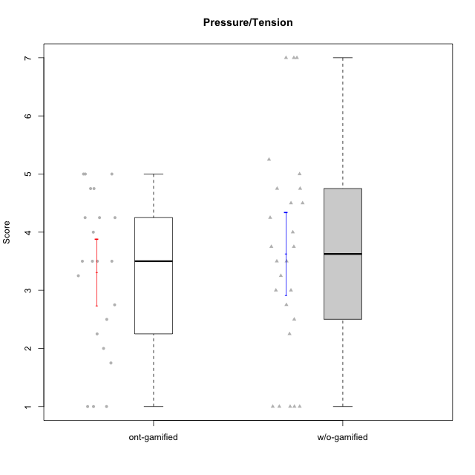

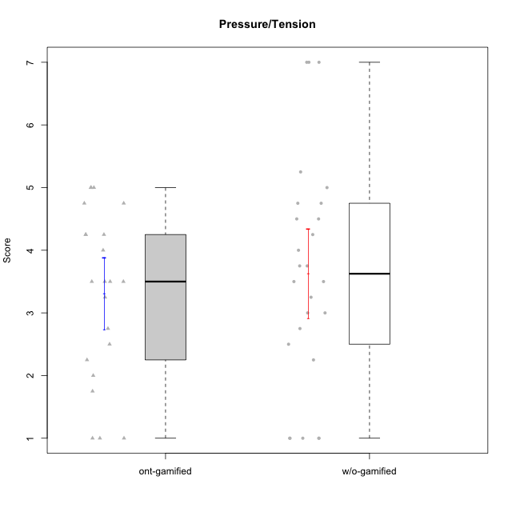

Student's t-Test data
UserID | NroUSP | Type | CLGroup | CLRole | PlayerRole | Item08IE | Item09IE | Item11IE | Item12IE | Item21IE | Item24IE | Item03PC | Item05PC | Item13PC | Item18PC | Item20PC | Item02PT | Item04PT | Item06PT | Item23PT | Item01EI | Item14EI | Item19EI | Item22EI | Item18A | Item25A | Item20A | Item07A | Item13A | Item01S | Item02S | Item05S | Item21S | Interest/Enjoyment | Perceived Choice | Pressure/Tension | Effort/Importance | Attention | Satisfaction | Intrinsic Motivation | Level of Motivation
10170 | 10260351 | w/o-gamified | Grupo11 | Apprentice |  | 6 | 4 | 4 | 3 | 4 | 4 | 3 | 2 | 2 | 1 | 3 | 1 | 1 | 1 | 1 | 3 | 4 | 3 | 5 | 6 | 5 | 6 | 5 | 6 | 4 | 4 | 5 | 5 | 4.1666666667 | 5.8 | 2.5 | 4.75 | 5.6 | 4 | 5 | 4.8888888889
10171 | 698531 | ont-gamified | Mafia | Master | Social Achiever | 6 | 6 | 6 | 5 | 7 | 5 | 2 | 2 | 2 | 2 | 1 | 2 | 2 | 1 | 6 | 1 | 7 | 1 | 6 | 6 | 5 | 6 | 5 | 6 | 6 | 6 | 4 | 1 | 5.8333333333 | 6.2 | 1.75 | 6.75 | 5.6 | 5.75 | 6.2105263158 | 5.6666666667
10172 | 10273971 | w/o-gamified | Grupo5 | Apprentice |  | 7 | 5 | 5 | 4 | 5 | 5 | 5 | 6 | 5 | 5 | 5 | 4 | 6 | 5 | 5 | 5 | 4 | 5 | 5 | 5 | 5 | 5 | 6 | 6 | 6 | 4 | 5 | 5 | 5.1666666667 | 2.8 | 4.5 | 3.75 | 5.4 | 4.5 | 3.8947368421 | 5
10174 | 10276852 | w/o-gamified | Grupo7 | Master |  | 6 | 4 | 4 | 3 | 4 | 6 | 4 | 4 | 4 | 3 | 4 | 4 | 5 | 6 | 5 | 5 | 4 | 2 | 4 | 5 | 4 | 4 | 6 | 4 | 6 | 5 | 4 | 4 | 4.5 | 4.2 | 4.5 | 4.25 | 4.6 | 4.75 | 4.1578947368 | 4.6666666667
10175 | 10310700 | ont-gamified | Warriors | Master | Social Achiever | 4 | 4 | 4 | 4 | 4 | 4 | 3 | 1 | 1 | 1 | 1 | 1 | 1 | 1 | 7 | 1 | 4 | 1 | 4 | 5 | 5 | 5 | 6 | 6 | 6 | 6 | 5 | 1 | 4 | 6.6 | 1 | 5.5 | 5.4 | 6 | 5.6315789474 | 5.6666666667
10176 | 10276949 | ont-gamified | Outlaws | Master | Social Achiever | 4 | 4 | 4 | 3 | 4 | 4 | 4 | 4 | 6 | 5 | 4 | 4 | 6 | 6 | 4 | 4 | 4 | 5 | 4 | 5 | 5 | 5 | 4 | 4 | 4 | 4 | 4 | 4 | 3.8333333333 | 3.4 | 5 | 3.75 | 4.6 | 4 | 3.5263157895 | 4.3333333333
10181 | 10276866 | w/o-gamified | Grupo2 | Apprentice |  | 2 | 3 | 1 | 2 | 3 | 2 | 5 | 1 | 5 | 5 | 3 | 4 | 1 | 5 | 4 | 7 | 1 | 4 | 5 | 4 | 4 | 4 | 5 | 4 | 1 | 1 | 3 | 4 | 2.1666666667 | 4.2 | 3.5 | 2.75 | 4.2 | 2.25 | 3.3157894737 | 3.3333333333
10183 | 10352030 | w/o-gamified | Grupo3 | Apprentice |  | 3 | 3 | 3 | 3 | 3 | 2 | 4 | 4 | 2 | 3 | 5 | 4 | 4 | 5 | 2 | 4 | 2 | 3 | 4 | 2 | 2 | 2 | 2 | 3 | 2 | 2 | 4 | 4 | 2.8333333333 | 4.4 | 4.75 | 3.75 | 2.2 | 3 | 3.5263157895 | 2.5555555556
10184 | 10276675 | w/o-gamified | Grupo10 | Apprentice |  | 4 | 4 | 4 | 4 | 3 | 4 | 4 | 5 | 3 | 4 | 4 | 4 | 3 | 4 | 4 | 4 | 3 | 4 | 4 | 4 | 4 | 4 | 2 | 4 | 6 | 4 | 4 | 4 | 3.8333333333 | 4 | 3.75 | 3.75 | 3.6 | 4.5 | 3.9473684211 | 4
10185 | 10276960 | w/o-gamified | Grupo9 | Apprentice |  | 6 | 4 | 5 | 5 | 3 | 6 | 3 | 6 | 5 | 6 | 3 | 4 | 4 | 5 | 4 | 4 | 4 | 3 | 5 | 3 | 5 | 3 | 4 | 3 | 4 | 5 | 5 | 6 | 4.8333333333 | 3.4 | 4.25 | 4.5 | 3.6 | 4 | 4.1578947368 | 3.7777777778
10186 | 10310551 | ont-gamified | Slayers | Apprentice | Social Achiever | 6 | 4 | 6 | 1 | 3 | 3 | 4 | 4 | 4 | 4 | 1 | 5 | 4 | 4 | 1 | 1 | 7 | 1 | 7 | 4 | 1 | 4 | 1 | 4 | 7 | 7 | 5 | 1 | 3.8333333333 | 4.6 | 5 | 7 | 2.8 | 6.5 | 4.5263157895 | 4.4444444444
10188 | 10276995 | ont-gamified | Vandals | Master | Yee Achiever | 4 | 3 | 1 | 4 | 3 | 3 | 3 | 1 | 3 | 1 | 1 | 1 | 1 | 1 | 7 | 2 | 4 | 3 | 1 | 4 | 4 | 3 | 2 | 4 | 3 | 3 | 3 | 2 | 3 | 6.2 | 1 | 4 | 3.4 | 3.75 | 4.8947368421 | 3.5555555556
10189 | 9363926 | ont-gamified | Vikings | Apprentice | Social Achiever | 4 | 2 | 1 | 1 | 2 | 2 | 5 | 5 | 5 | 4 | 4 | 1 | 1 | 2 | 4 | 1 | 5 | 3 | 6 | 2 | 1 | 1 | 1 | 3 | 3 | 2 | 3 | 1 | 2 | 3.4 | 2 | 5.75 | 1.6 | 3.75 | 4 | 2.5555555556
10190 | 10276907 | w/o-gamified | Grupo4 | Apprentice |  | 3 | 3 | 3 | 2 | 4 | 4 | 7 | 7 | 3 | 5 | 4 | 5 | 7 | 6 | 5 | 3 | 4 | 5 | 4 | 6 | 5 | 5 | 5 | 3 | 3 | 4 | 4 | 4 | 3.1666666667 | 2.8 | 5.25 | 4 | 4.8 | 3.75 | 3.1578947368 | 4.3333333333
10191 | 10276981 | w/o-gamified | Grupo1 | Master |  | 3 | 3 | 3 | 1 | 2 | 2 | 5 | 5 | 5 | 4 | 5 | 1 | 1 | 1 | 7 | 2 | 4 | 4 | 4 | 2 | 4 | 2 | 4 | 5 | 4 | 4 | 5 | 6 | 2.3333333333 | 3.2 | 1 | 4.5 | 3.4 | 3.75 | 4 | 3.5555555556
10192 | 10276682 | ont-gamified | Attractive Devils | Apprentice | Social Achiever | 4 | 4 | 6 | 4 | 5 | 1 | 3 | 2 | 3 | 4 | 4 | 4 | 4 | 4 | 3 | 1 | 7 | 5 | 5 | 4 | 4 | 4 | 7 | 6 | 7 | 6 | 7 | 4 | 4 | 4.8 | 4.25 | 5.5 | 5 | 6 | 4.4736842105 | 5.4444444444
10193 | 10276762 | ont-gamified | Vandals | Apprentice | Yee Achiever | 1 | 2 | 1 | 1 | 1 | 2 | 1 | 1 | 1 | 1 | 1 | 1 | 1 | 2 | 1 | 1 | 1 | 2 | 2 | 2 | 1 | 2 | 1 | 1 | 1 | 2 | 1 | 1 | 1.3333333333 | 7 | 2.75 | 4 | 1.4 | 2.75 | 4.2105263158 | 2
10197 | 10276661 | w/o-gamified | Grupo8 | Apprentice |  | 5 | 3 | 5 | 4 | 2 | 2 | 2 | 3 | 4 | 2 | 4 | 3 | 3 | 5 | 5 | 3 | 4 | 3 | 4 | 7 | 4 | 4 | 5 | 3 | 4 | 4 | 2 | 4 | 3.5 | 5 | 3.5 | 4.5 | 4.6 | 3.5 | 4.3157894737 | 4.1111111111
10198 | 10310888 | ont-gamified | Attractive Devils | Apprentice | Social Achiever | 4 | 6 | 4 | 5 | 3 | 2 | 1 | 4 | 5 | 6 | 6 | 4 | 4 | 4 | 3 | 2 | 6 | 3 | 6 | 5 | 5 | 6 | 7 | 5 | 7 | 7 | 6 | 2 | 4 | 3.6 | 4.25 | 5.75 | 5.6 | 6.5 | 4.2105263158 | 6
10199 | 10276737 | w/o-gamified | Grupo1 | Apprentice |  | 4 | 3 | 4 | 1 | 3 | 3 | 3 | 5 | 3 | 5 | 5 | 4 | 2 | 3 | 4 | 4 | 4 | 4 | 5 | 5 | 4 | 3 | 3 | 4 | 6 | 4 | 4 | 2 | 3 | 3.8 | 3.25 | 4.25 | 3.8 | 5 | 3.8421052632 | 4.3333333333
10200 | 9795272 | ont-gamified | Warriors | Apprentice | Social Achiever | 5 | 4 | 5 | 3 | 5 | 5 | 3 | 4 | 5 | 2 | 2 | 5 | 5 | 4 | 3 | 1 | 6 | 1 | 6 | 4 | 5 | 4 | 6 | 5 | 5 | 6 | 7 | 2 | 4.5 | 4.8 | 4.75 | 6.5 | 4.8 | 6 | 4.7368421053 | 5.3333333333
10201 | 10276928 | w/o-gamified | Grupo11 | Apprentice |  | 6 | 5 | 5 | 6 | 6 | 3 | 5 | 3 | 3 | 4 | 4 | 3 | 2 | 4 | 5 | 3 | 5 | 3 | 5 | 6 | 5 | 6 | 6 | 6 | 6 | 5 | 6 | 5 | 5.1666666667 | 4.2 | 3 | 5 | 5.8 | 5 | 4.8421052632 | 5.4444444444
10202 | 10277036 | ont-gamified | Silly Knights | Apprentice | Social Achiever | 3 | 3 | 3 | 3 | 3 | 3 | 3 | 2 | 2 | 5 | 2 | 3 | 3 | 3 | 3 | 2 | 5 | 2 | 5 | 2 | 3 | 2 | 2 | 3 | 5 | 5 | 5 | 3 | 3 | 5.2 | 3.5 | 5.5 | 2.4 | 5 | 4.4210526316 | 3.5555555556
10203 | 9921470 | ont-gamified | Mercenaries | Apprentice | Social Achiever | 3 | 5 | 4 | 5 | 4 | 4 | 4 | 1 | 1 | 1 | 1 | 2 | 5 | 1 | 3 | 1 | 7 | 1 | 6 | 4 | 5 | 7 | 6 | 5 | 5 | 7 | 7 | 3 | 4.1666666667 | 6.4 | 3.25 | 6.75 | 5.4 | 6 | 5.4210526316 | 5.6666666667
10204 | 10310471 | w/o-gamified | Grupo6 | Apprentice |  | 1 | 1 | 1 | 1 | 1 | 1 | 7 | 7 | 7 | 7 | 7 | 7 | 7 | 7 | 1 | 4 | 4 | 1 | 7 | 1 | 1 | 1 | 1 | 1 | 2 | 1 | 4 | 4 | 1 | 1 | 7 | 5.5 | 1 | 2.75 | 1.9473684211 | 1.7777777778
10206 | 10310721 | w/o-gamified | Grupo8 | Apprentice |  | 4 | 4 | 2 | 3 | 5 | 4 | 3 | 2 | 3 | 2 | 2 | 3 | 2 | 3 | 4 | 2 | 5 | 2 | 5 | 4 | 6 | 4 | 4 | 5 | 5 | 5 | 6 | 3 | 3.6666666667 | 5.6 | 3 | 5.5 | 4.6 | 5.25 | 4.8421052632 | 4.8888888889
10208 | 10276932 | ont-gamified | Mercenaries | Master | Social Achiever | 4 | 4 | 4 | 3 | 4 | 4 | 4 | 2 | 4 | 4 | 2 | 2 | 2 | 2 | 5 | 2 | 5 | 2 | 4 | 2 | 2 | 2 | 3 | 4 | 5 | 5 | 3 | 3 | 3.8333333333 | 4.8 | 2.25 | 5.25 | 2.6 | 4.5 | 4.7894736842 | 3.4444444444
10210 | 10277015 | w/o-gamified | Grupo6 | Apprentice |  | 1 | 1 | 1 | 1 | 1 | 1 | 7 | 7 | 7 | 7 | 7 | 7 | 7 | 7 | 1 | 1 | 7 | 1 | 7 | 1 | 1 | 1 | 1 | 1 | 1 | 1 | 1 | 7 | 1 | 1 | 7 | 7 | 1 | 1 | 2.2631578947 | 1
10213 | 10277040 | w/o-gamified | Grupo7 | Apprentice |  | 4 | 3 | 7 | 1 | 4 | 4 | 7 | 7 | 7 | 7 | 7 | 1 | 7 | 7 | 4 | 1 | 7 | 1 | 7 | 5 | 7 | 7 | 7 | 4 | 7 | 4 | 7 | 1 | 3.8333333333 | 1 | 4.75 | 7 | 6 | 6.25 | 3.6315789474 | 6.1111111111
10214 | 10277022 | ont-gamified | Vikings | Apprentice | Social Achiever | 2 | 1 | 1 | 1 | 1 | 1 | 6 | 2 | 6 | 7 | 6 | 5 | 1 | 4 | 2 | 1 | 7 | 1 | 7 | 1 | 2 | 1 | 1 | 2 | 3 | 4 | 4 | 3 | 1.1666666667 | 2.6 | 4 | 7 | 1.4 | 4 | 3.3684210526 | 2.5555555556
10215 | 9285227 | ont-gamified | Vikings | Master | Social Achiever | 5 | 5 | 2 | 3 | 4 | 5 | 5 | 1 | 2 | 4 | 1 | 1 | 1 | 1 | 1 | 1 | 2 | 4 | 1 | 4 | 4 | 1 | 1 | 3 | 3 | 3 | 1 | 1 | 4 | 5.4 | 2.5 | 3.5 | 2.6 | 3.5 | 4.5789473684 | 3
10216 | 10276720 | ont-gamified | Silly Knights | Master | Social Achiever | 4 | 5 | 3 | 7 | 4 | 5 | 3 | 2 | 2 | 1 | 3 | 1 | 1 | 1 | 7 | 1 | 4 | 2 | 4 | 4 | 6 | 5 | 2 | 4 | 5 | 5 | 6 | 2 | 4.6666666667 | 5.8 | 1 | 5.25 | 4.2 | 5.5 | 5.5789473684 | 4.7777777778
10217 | 9805341 | w/o-gamified | Grupo9 | Apprentice |  | 5 | 5 | 3 | 4 | 5 | 4 | 4 | 5 | 4 | 4 | 2 | 1 | 1 | 1 | 7 | 3 | 3 | 4 | 2 | 3 | 4 | 4 | 4 | 6 | 4 | 4 | 4 | 3 | 4.3333333333 | 4.2 | 1 | 3.5 | 4.2 | 4.25 | 4.6842105263 | 4.2222222222
10218 | 9842913 | w/o-gamified | Grupo10 | Apprentice |  | 4 | 4 | 4 | 4 | 4 | 4 | 4 | 5 | 4 | 5 | 4 | 4 | 5 | 4 | 5 | 4 | 4 | 4 | 5 | 3 | 4 | 4 | 5 | 4 | 4 | 3 | 3 | 4 | 4 | 3.6 | 4 | 4.25 | 4 | 3.5 | 3.9473684211 | 3.7777777778
10219 | 10276831 | w/o-gamified | Grupo3 | Master |  | 1 | 2 | 1 | 4 | 1 | 2 | 7 | 7 | 1 | 4 | 7 | 1 | 1 | 1 | 7 | 5 | 1 | 7 | 2 | 3 | 2 | 2 | 3 | 2 | 1 | 1 | 1 | 5 | 1.8333333333 | 2.8 | 1 | 1.75 | 2.4 | 1.5 | 3.1578947368 | 2
10220 | 9760151 | w/o-gamified | Grupo3 | Apprentice |  | 4 | 1 | 1 | 1 | 4 | 4 | 1 | 1 | 1 | 4 | 1 | 1 | 1 | 1 | 7 | 1 | 4 | 1 | 7 | 1 | 1 | 1 | 1 | 1 | 7 | 4 | 7 | 1 | 2.5 | 6.4 | 1 | 6.25 | 1 | 6.25 | 5.2631578947 | 3.3333333333
10221 | 9082496 | ont-gamified | Warriors | Apprentice | Social Achiever | 3 | 3 | 2 | 2 | 3 | 3 | 4 | 4 | 6 | 5 | 6 | 4 | 2 | 6 | 6 | 2 | 5 | 3 | 5 | 4 | 2 | 3 | 3 | 2 | 4 | 3 | 5 | 7 | 2.6666666667 | 3 | 3.5 | 5.25 | 2.8 | 3.25 | 3.6842105263 | 3
10223 | 9795185 | ont-gamified | Slayers | Master | Social Achiever | 6 | 5 | 4 | 5 | 5 | 5 | 4 | 4 | 4 | 3 | 4 | 4 | 4 | 2 | 4 | 4 | 5 | 4 | 4 | 3 | 4 | 4 | 4 | 5 | 4 | 5 | 4 | 4 | 5 | 4.2 | 3.5 | 4.25 | 4 | 4.25 | 4.5263157895 | 4.1111111111
10224 | 9368772 | ont-gamified | Mercenaries | Apprentice | Social Achiever | 4 | 4 | 4 | 4 | 4 | 4 | 5 | 5 | 4 | 4 | 4 | 4 | 5 | 5 | 3 | 4 | 5 | 5 | 6 | 4 | 4 | 4 | 4 | 4 | 5 | 4 | 6 | 3 | 4 | 3.6 | 4.75 | 4.5 | 4 | 5 | 3.8421052632 | 4.4444444444
10226 | 10310342 | w/o-gamified | Grupo4 | Apprentice |  | 4 | 1 | 1 | 1 | 1 | 1 | 7 | 7 | 7 | 7 | 7 | 7 | 7 | 7 | 1 | 7 | 1 | 7 | 1 | 3 | 2 | 1 | 2 | 2 | 3 | 2 | 3 | 5 | 1.5 | 1 | 7 | 1 | 2 | 2.75 | 1.1578947368 | 2.3333333333
10227 | 9274382 | w/o-gamified | Grupo5 | Master |  | 6 | 4 | 3 | 5 | 3 | 5 | 4 | 4 | 3 | 3 | 3 | 5 | 4 | 3 | 5 | 5 | 4 | 3 | 3 | 5 | 5 | 5 | 6 | 6 | 6 | 6 | 6 | 2 | 4.3333333333 | 4.6 | 3.75 | 3.75 | 5.4 | 6 | 4.2631578947 | 5.6666666667
10228 | 10310492 | ont-gamified | Resistance | Apprentice | Social Achiever | 2 | 1 | 1 | 1 | 1 | 2 | 2 | 2 | 1 | 1 | 2 | 2 | 3 | 2 | 1 | 2 | 1 | 1 | 1 | 1 | 1 | 1 | 4 | 3 | 4 | 4 | 4 | 1 | 1.3333333333 | 6.4 | 3.5 | 3.75 | 2 | 4.75 | 3.8421052632 | 3.2222222222
10230 | 10351992 | ont-gamified | Resistance | Master | Social Achiever | 5 | 4 | 4 | 4 | 5 | 5 | 5 | 4 | 3 | 3 | 5 | 5 | 4 | 6 | 6 | 3 | 3 | 2 | 5 | 3 | 4 | 2 | 6 | 4 | 4 | 6 | 2 | 3 | 4.5 | 4 | 4.25 | 4.75 | 3.8 | 4.25 | 4.2631578947 | 4
10231 | 10276911 | w/o-gamified | Grupo9 | Master |  | 4 | 4 | 4 | 6 | 4 | 5 | 1 | 1 | 2 | 2 | 2 | 1 | 1 | 1 | 7 | 3 | 1 | 4 | 1 | 4 | 4 | 4 | 4 | 4 | 7 | 5 | 4 | 2 | 4.5 | 6.4 | 1 | 2.75 | 4 | 5.5 | 5.1578947368 | 4.6666666667
10232 | 10276974 | w/o-gamified | Grupo7 | Apprentice |  | 5 | 4 | 5 | 4 | 4 | 5 | 3 | 3 | 3 | 4 | 4 | 2 | 2 | 2 | 3 | 1 | 5 | 1 | 6 | 4 | 6 | 4 | 5 | 4 | 6 | 5 | 6 | 1 | 4.5 | 4.6 | 2.75 | 6.25 | 4.6 | 6 | 5.0526315789 | 5.2222222222
10234 | 10310676 | w/o-gamified | Grupo4 | Master |  | 2 | 2 | 1 | 1 | 2 | 2 | 6 | 6 | 7 | 6 | 6 | 4 | 2 | 2 | 7 | 6 | 1 | 6 | 4 | 2 | 2 | 2 | 1 | 2 | 1 | 2 | 2 | 2 | 1.6666666667 | 1.8 | 2.25 | 2.25 | 1.8 | 2.75 | 2.6842105263 | 2.2222222222
10237 | 10377688 | ont-gamified | Outlaws | Apprentice | Social Achiever | 3 | 3 | 3 | 4 | 5 | 6 | 6 | 3 | 3 | 3 | 4 | 6 | 5 | 4 | 3 | 2 | 4 | 4 | 5 | 4 | 3 | 3 | 5 | 4 | 3 | 4 | 6 | 2 | 4 | 4.2 | 5 | 4.75 | 3.8 | 4.75 | 4 | 4.2222222222
10238 | 10276953 | w/o-gamified | Grupo2 | Master |  | 4 | 4 | 4 | 3 | 4 | 4 | 7 | 5 | 5 | 5 | 4 | 5 | 5 | 5 | 3 | 1 | 5 | 2 | 5 | 4 | 5 | 4 | 5 | 5 | 3 | 2 | 5 | 4 | 3.8333333333 | 2.8 | 5 | 5.75 | 4.6 | 3.5 | 3.7894736842 | 4.1111111111

Type_CLRole_1
Student's t-Test for Pressure/Tension in Type:CLRole between ont-gamified.Apprentice:ont-gamified.Master

Student's t-Test results
Alternative hypothesis: less
Group | N | Mean | Mean.Difference | Std.deviation | Std.error | CI.lower | CI.upper | df | t.value | p.value | g | magnitude
ont-gamified.Apprentice | 13 | 3.8846153846 | 1.4123931624 | 0.91067388404 | 0.25257549109 | 3.3794644024 | 4.3897663668 | 12.149864312 | 2.5393652735 | 0.98711934752 | 1.1559716515 | large
ont-gamified.Master | 9 | 2.4722222222 | -1.4123931624 | 1.4866302312 | 0.49554341041 | 1.4811354014 | 3.4633090431 | 12.149864312 | 2.5393652735 | 0.98711934752 | 1.1559716515 | large
Alternative hypothesis: greater
Group | N | Mean | Mean.Difference | Std.deviation | Std.error | CI.lower | CI.upper | df | t.value | p.value | g | magnitude
ont-gamified.Apprentice | 13 | 3.8846153846 | 1.4123931624 | 0.91067388404 | 0.25257549109 | 3.3794644024 | 4.3897663668 | 12.149864312 | 2.5393652735 | 0.012880652477 | 1.1559716515 | large
ont-gamified.Master | 9 | 2.4722222222 | -1.4123931624 | 1.4866302312 | 0.49554341041 | 1.4811354014 | 3.4633090431 | 12.149864312 | 2.5393652735 | 0.012880652477 | 1.1559716515 | large
Alternative hypothesis: two.sided
Group | N | Mean | Mean.Difference | Std.deviation | Std.error | CI.lower | CI.upper | df | t.value | p.value | g | magnitude
ont-gamified.Apprentice | 13 | 3.8846153846 | 1.4123931624 | 0.91067388404 | 0.25257549109 | 3.3794644024 | 4.3897663668 | 12.149864312 | 2.5393652735 | 0.025761304954 | 1.1559716515 | large
ont-gamified.Master | 9 | 2.4722222222 | -1.4123931624 | 1.4866302312 | 0.49554341041 | 1.4811354014 | 3.4633090431 | 12.149864312 | 2.5393652735 | 0.025761304954 | 1.1559716515 | large

Box plots for Student's t-Test
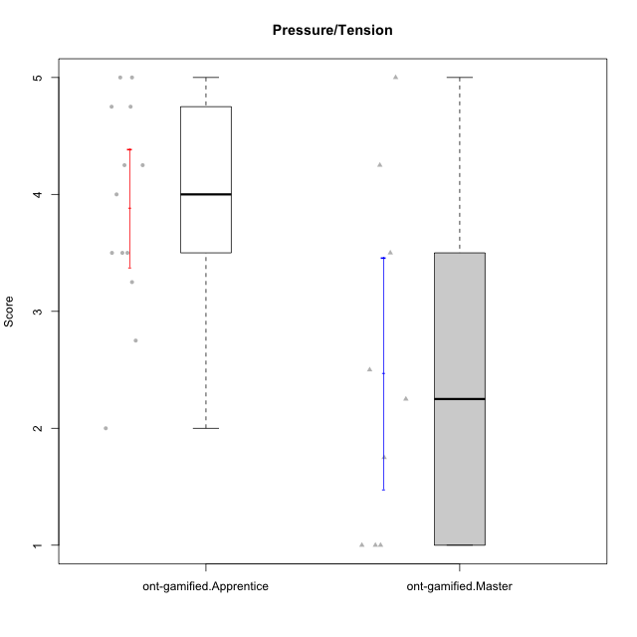

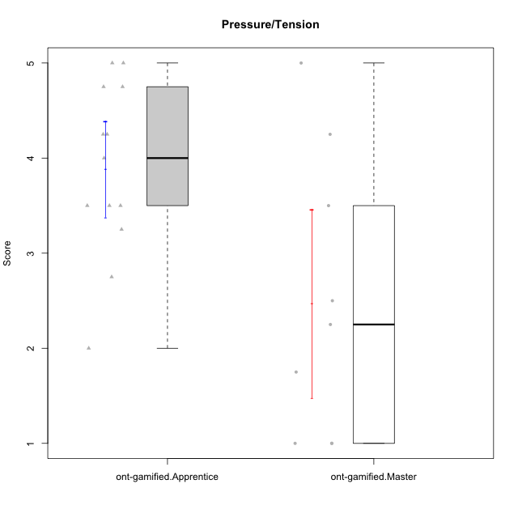

Student's t-Test data
UserID | NroUSP | Type | CLGroup | CLRole | PlayerRole | Item08IE | Item09IE | Item11IE | Item12IE | Item21IE | Item24IE | Item03PC | Item05PC | Item13PC | Item18PC | Item20PC | Item02PT | Item04PT | Item06PT | Item23PT | Item01EI | Item14EI | Item19EI | Item22EI | Item18A | Item25A | Item20A | Item07A | Item13A | Item01S | Item02S | Item05S | Item21S | Interest/Enjoyment | Perceived Choice | Pressure/Tension | Effort/Importance | Attention | Satisfaction | Intrinsic Motivation | Level of Motivation
10171 | 698531 | ont-gamified | Mafia | Master | Social Achiever | 6 | 6 | 6 | 5 | 7 | 5 | 2 | 2 | 2 | 2 | 1 | 2 | 2 | 1 | 6 | 1 | 7 | 1 | 6 | 6 | 5 | 6 | 5 | 6 | 6 | 6 | 4 | 1 | 5.8333333333 | 6.2 | 1.75 | 6.75 | 5.6 | 5.75 | 6.2105263158 | 5.6666666667
10175 | 10310700 | ont-gamified | Warriors | Master | Social Achiever | 4 | 4 | 4 | 4 | 4 | 4 | 3 | 1 | 1 | 1 | 1 | 1 | 1 | 1 | 7 | 1 | 4 | 1 | 4 | 5 | 5 | 5 | 6 | 6 | 6 | 6 | 5 | 1 | 4 | 6.6 | 1 | 5.5 | 5.4 | 6 | 5.6315789474 | 5.6666666667
10176 | 10276949 | ont-gamified | Outlaws | Master | Social Achiever | 4 | 4 | 4 | 3 | 4 | 4 | 4 | 4 | 6 | 5 | 4 | 4 | 6 | 6 | 4 | 4 | 4 | 5 | 4 | 5 | 5 | 5 | 4 | 4 | 4 | 4 | 4 | 4 | 3.8333333333 | 3.4 | 5 | 3.75 | 4.6 | 4 | 3.5263157895 | 4.3333333333
10186 | 10310551 | ont-gamified | Slayers | Apprentice | Social Achiever | 6 | 4 | 6 | 1 | 3 | 3 | 4 | 4 | 4 | 4 | 1 | 5 | 4 | 4 | 1 | 1 | 7 | 1 | 7 | 4 | 1 | 4 | 1 | 4 | 7 | 7 | 5 | 1 | 3.8333333333 | 4.6 | 5 | 7 | 2.8 | 6.5 | 4.5263157895 | 4.4444444444
10188 | 10276995 | ont-gamified | Vandals | Master | Yee Achiever | 4 | 3 | 1 | 4 | 3 | 3 | 3 | 1 | 3 | 1 | 1 | 1 | 1 | 1 | 7 | 2 | 4 | 3 | 1 | 4 | 4 | 3 | 2 | 4 | 3 | 3 | 3 | 2 | 3 | 6.2 | 1 | 4 | 3.4 | 3.75 | 4.8947368421 | 3.5555555556
10189 | 9363926 | ont-gamified | Vikings | Apprentice | Social Achiever | 4 | 2 | 1 | 1 | 2 | 2 | 5 | 5 | 5 | 4 | 4 | 1 | 1 | 2 | 4 | 1 | 5 | 3 | 6 | 2 | 1 | 1 | 1 | 3 | 3 | 2 | 3 | 1 | 2 | 3.4 | 2 | 5.75 | 1.6 | 3.75 | 4 | 2.5555555556
10192 | 10276682 | ont-gamified | Attractive Devils | Apprentice | Social Achiever | 4 | 4 | 6 | 4 | 5 | 1 | 3 | 2 | 3 | 4 | 4 | 4 | 4 | 4 | 3 | 1 | 7 | 5 | 5 | 4 | 4 | 4 | 7 | 6 | 7 | 6 | 7 | 4 | 4 | 4.8 | 4.25 | 5.5 | 5 | 6 | 4.4736842105 | 5.4444444444
10193 | 10276762 | ont-gamified | Vandals | Apprentice | Yee Achiever | 1 | 2 | 1 | 1 | 1 | 2 | 1 | 1 | 1 | 1 | 1 | 1 | 1 | 2 | 1 | 1 | 1 | 2 | 2 | 2 | 1 | 2 | 1 | 1 | 1 | 2 | 1 | 1 | 1.3333333333 | 7 | 2.75 | 4 | 1.4 | 2.75 | 4.2105263158 | 2
10198 | 10310888 | ont-gamified | Attractive Devils | Apprentice | Social Achiever | 4 | 6 | 4 | 5 | 3 | 2 | 1 | 4 | 5 | 6 | 6 | 4 | 4 | 4 | 3 | 2 | 6 | 3 | 6 | 5 | 5 | 6 | 7 | 5 | 7 | 7 | 6 | 2 | 4 | 3.6 | 4.25 | 5.75 | 5.6 | 6.5 | 4.2105263158 | 6
10200 | 9795272 | ont-gamified | Warriors | Apprentice | Social Achiever | 5 | 4 | 5 | 3 | 5 | 5 | 3 | 4 | 5 | 2 | 2 | 5 | 5 | 4 | 3 | 1 | 6 | 1 | 6 | 4 | 5 | 4 | 6 | 5 | 5 | 6 | 7 | 2 | 4.5 | 4.8 | 4.75 | 6.5 | 4.8 | 6 | 4.7368421053 | 5.3333333333
10202 | 10277036 | ont-gamified | Silly Knights | Apprentice | Social Achiever | 3 | 3 | 3 | 3 | 3 | 3 | 3 | 2 | 2 | 5 | 2 | 3 | 3 | 3 | 3 | 2 | 5 | 2 | 5 | 2 | 3 | 2 | 2 | 3 | 5 | 5 | 5 | 3 | 3 | 5.2 | 3.5 | 5.5 | 2.4 | 5 | 4.4210526316 | 3.5555555556
10203 | 9921470 | ont-gamified | Mercenaries | Apprentice | Social Achiever | 3 | 5 | 4 | 5 | 4 | 4 | 4 | 1 | 1 | 1 | 1 | 2 | 5 | 1 | 3 | 1 | 7 | 1 | 6 | 4 | 5 | 7 | 6 | 5 | 5 | 7 | 7 | 3 | 4.1666666667 | 6.4 | 3.25 | 6.75 | 5.4 | 6 | 5.4210526316 | 5.6666666667
10208 | 10276932 | ont-gamified | Mercenaries | Master | Social Achiever | 4 | 4 | 4 | 3 | 4 | 4 | 4 | 2 | 4 | 4 | 2 | 2 | 2 | 2 | 5 | 2 | 5 | 2 | 4 | 2 | 2 | 2 | 3 | 4 | 5 | 5 | 3 | 3 | 3.8333333333 | 4.8 | 2.25 | 5.25 | 2.6 | 4.5 | 4.7894736842 | 3.4444444444
10214 | 10277022 | ont-gamified | Vikings | Apprentice | Social Achiever | 2 | 1 | 1 | 1 | 1 | 1 | 6 | 2 | 6 | 7 | 6 | 5 | 1 | 4 | 2 | 1 | 7 | 1 | 7 | 1 | 2 | 1 | 1 | 2 | 3 | 4 | 4 | 3 | 1.1666666667 | 2.6 | 4 | 7 | 1.4 | 4 | 3.3684210526 | 2.5555555556
10215 | 9285227 | ont-gamified | Vikings | Master | Social Achiever | 5 | 5 | 2 | 3 | 4 | 5 | 5 | 1 | 2 | 4 | 1 | 1 | 1 | 1 | 1 | 1 | 2 | 4 | 1 | 4 | 4 | 1 | 1 | 3 | 3 | 3 | 1 | 1 | 4 | 5.4 | 2.5 | 3.5 | 2.6 | 3.5 | 4.5789473684 | 3
10216 | 10276720 | ont-gamified | Silly Knights | Master | Social Achiever | 4 | 5 | 3 | 7 | 4 | 5 | 3 | 2 | 2 | 1 | 3 | 1 | 1 | 1 | 7 | 1 | 4 | 2 | 4 | 4 | 6 | 5 | 2 | 4 | 5 | 5 | 6 | 2 | 4.6666666667 | 5.8 | 1 | 5.25 | 4.2 | 5.5 | 5.5789473684 | 4.7777777778
10221 | 9082496 | ont-gamified | Warriors | Apprentice | Social Achiever | 3 | 3 | 2 | 2 | 3 | 3 | 4 | 4 | 6 | 5 | 6 | 4 | 2 | 6 | 6 | 2 | 5 | 3 | 5 | 4 | 2 | 3 | 3 | 2 | 4 | 3 | 5 | 7 | 2.6666666667 | 3 | 3.5 | 5.25 | 2.8 | 3.25 | 3.6842105263 | 3
10223 | 9795185 | ont-gamified | Slayers | Master | Social Achiever | 6 | 5 | 4 | 5 | 5 | 5 | 4 | 4 | 4 | 3 | 4 | 4 | 4 | 2 | 4 | 4 | 5 | 4 | 4 | 3 | 4 | 4 | 4 | 5 | 4 | 5 | 4 | 4 | 5 | 4.2 | 3.5 | 4.25 | 4 | 4.25 | 4.5263157895 | 4.1111111111
10224 | 9368772 | ont-gamified | Mercenaries | Apprentice | Social Achiever | 4 | 4 | 4 | 4 | 4 | 4 | 5 | 5 | 4 | 4 | 4 | 4 | 5 | 5 | 3 | 4 | 5 | 5 | 6 | 4 | 4 | 4 | 4 | 4 | 5 | 4 | 6 | 3 | 4 | 3.6 | 4.75 | 4.5 | 4 | 5 | 3.8421052632 | 4.4444444444
10228 | 10310492 | ont-gamified | Resistance | Apprentice | Social Achiever | 2 | 1 | 1 | 1 | 1 | 2 | 2 | 2 | 1 | 1 | 2 | 2 | 3 | 2 | 1 | 2 | 1 | 1 | 1 | 1 | 1 | 1 | 4 | 3 | 4 | 4 | 4 | 1 | 1.3333333333 | 6.4 | 3.5 | 3.75 | 2 | 4.75 | 3.8421052632 | 3.2222222222
10230 | 10351992 | ont-gamified | Resistance | Master | Social Achiever | 5 | 4 | 4 | 4 | 5 | 5 | 5 | 4 | 3 | 3 | 5 | 5 | 4 | 6 | 6 | 3 | 3 | 2 | 5 | 3 | 4 | 2 | 6 | 4 | 4 | 6 | 2 | 3 | 4.5 | 4 | 4.25 | 4.75 | 3.8 | 4.25 | 4.2631578947 | 4
10237 | 10377688 | ont-gamified | Outlaws | Apprentice | Social Achiever | 3 | 3 | 3 | 4 | 5 | 6 | 6 | 3 | 3 | 3 | 4 | 6 | 5 | 4 | 3 | 2 | 4 | 4 | 5 | 4 | 3 | 3 | 5 | 4 | 3 | 4 | 6 | 2 | 4 | 4.2 | 5 | 4.75 | 3.8 | 4.75 | 4 | 4.2222222222

Type_CLRole_2
Student's t-Test for Pressure/Tension in Type:CLRole between ont-gamified.Apprentice:w/o-gamified.Apprentice

Student's t-Test results
Alternative hypothesis: less
Group | N | Mean | Mean.Difference | Std.deviation | Std.error | CI.lower | CI.upper | df | t.value | p.value | g | magnitude
ont-gamified.Apprentice | 13 | 3.8846153846 | -0.10222672065 | 0.91067388404 | 0.25257549109 | 3.3794644024 | 4.3897663668 | 28.414115043 | -0.2157908116 | 0.41534620688 | -0.067757930984 | negligible
w/o-gamified.Apprentice | 19 | 3.9868421053 | 0.10222672065 | 1.7469689708 | 0.40078216848 | 3.1852777683 | 4.7884064422 | 28.414115043 | -0.2157908116 | 0.41534620688 | -0.067757930984 | negligible
Alternative hypothesis: greater
Group | N | Mean | Mean.Difference | Std.deviation | Std.error | CI.lower | CI.upper | df | t.value | p.value | g | magnitude
ont-gamified.Apprentice | 13 | 3.8846153846 | -0.10222672065 | 0.91067388404 | 0.25257549109 | 3.3794644024 | 4.3897663668 | 28.414115043 | -0.2157908116 | 0.58465379312 | -0.067757930984 | negligible
w/o-gamified.Apprentice | 19 | 3.9868421053 | 0.10222672065 | 1.7469689708 | 0.40078216848 | 3.1852777683 | 4.7884064422 | 28.414115043 | -0.2157908116 | 0.58465379312 | -0.067757930984 | negligible
Alternative hypothesis: two.sided
Group | N | Mean | Mean.Difference | Std.deviation | Std.error | CI.lower | CI.upper | df | t.value | p.value | g | magnitude
ont-gamified.Apprentice | 13 | 3.8846153846 | -0.10222672065 | 0.91067388404 | 0.25257549109 | 3.3794644024 | 4.3897663668 | 28.414115043 | -0.2157908116 | 0.83069241376 | -0.067757930984 | negligible
w/o-gamified.Apprentice | 19 | 3.9868421053 | 0.10222672065 | 1.7469689708 | 0.40078216848 | 3.1852777683 | 4.7884064422 | 28.414115043 | -0.2157908116 | 0.83069241376 | -0.067757930984 | negligible

Box plots for Student's t-Test
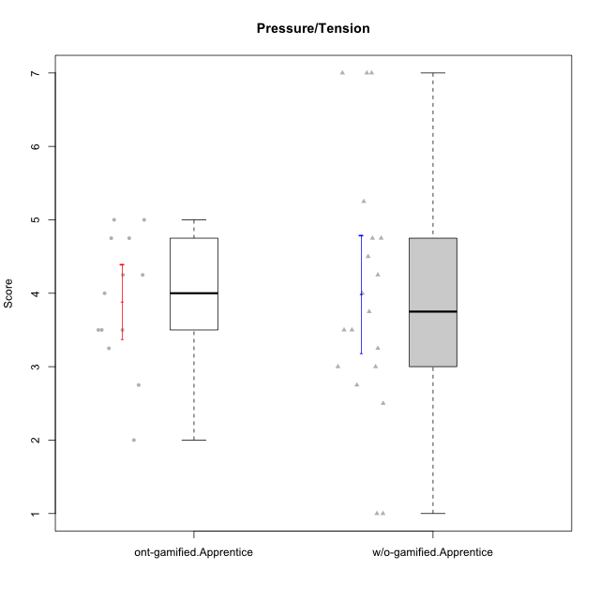

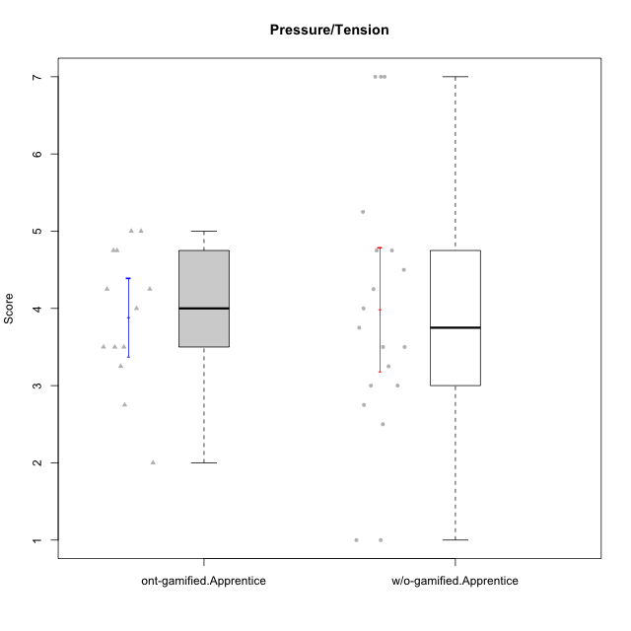

Student's t-Test data
UserID | NroUSP | Type | CLGroup | CLRole | PlayerRole | Item08IE | Item09IE | Item11IE | Item12IE | Item21IE | Item24IE | Item03PC | Item05PC | Item13PC | Item18PC | Item20PC | Item02PT | Item04PT | Item06PT | Item23PT | Item01EI | Item14EI | Item19EI | Item22EI | Item18A | Item25A | Item20A | Item07A | Item13A | Item01S | Item02S | Item05S | Item21S | Interest/Enjoyment | Perceived Choice | Pressure/Tension | Effort/Importance | Attention | Satisfaction | Intrinsic Motivation | Level of Motivation
10170 | 10260351 | w/o-gamified | Grupo11 | Apprentice |  | 6 | 4 | 4 | 3 | 4 | 4 | 3 | 2 | 2 | 1 | 3 | 1 | 1 | 1 | 1 | 3 | 4 | 3 | 5 | 6 | 5 | 6 | 5 | 6 | 4 | 4 | 5 | 5 | 4.1666666667 | 5.8 | 2.5 | 4.75 | 5.6 | 4 | 5 | 4.8888888889
10172 | 10273971 | w/o-gamified | Grupo5 | Apprentice |  | 7 | 5 | 5 | 4 | 5 | 5 | 5 | 6 | 5 | 5 | 5 | 4 | 6 | 5 | 5 | 5 | 4 | 5 | 5 | 5 | 5 | 5 | 6 | 6 | 6 | 4 | 5 | 5 | 5.1666666667 | 2.8 | 4.5 | 3.75 | 5.4 | 4.5 | 3.8947368421 | 5
10181 | 10276866 | w/o-gamified | Grupo2 | Apprentice |  | 2 | 3 | 1 | 2 | 3 | 2 | 5 | 1 | 5 | 5 | 3 | 4 | 1 | 5 | 4 | 7 | 1 | 4 | 5 | 4 | 4 | 4 | 5 | 4 | 1 | 1 | 3 | 4 | 2.1666666667 | 4.2 | 3.5 | 2.75 | 4.2 | 2.25 | 3.3157894737 | 3.3333333333
10183 | 10352030 | w/o-gamified | Grupo3 | Apprentice |  | 3 | 3 | 3 | 3 | 3 | 2 | 4 | 4 | 2 | 3 | 5 | 4 | 4 | 5 | 2 | 4 | 2 | 3 | 4 | 2 | 2 | 2 | 2 | 3 | 2 | 2 | 4 | 4 | 2.8333333333 | 4.4 | 4.75 | 3.75 | 2.2 | 3 | 3.5263157895 | 2.5555555556
10184 | 10276675 | w/o-gamified | Grupo10 | Apprentice |  | 4 | 4 | 4 | 4 | 3 | 4 | 4 | 5 | 3 | 4 | 4 | 4 | 3 | 4 | 4 | 4 | 3 | 4 | 4 | 4 | 4 | 4 | 2 | 4 | 6 | 4 | 4 | 4 | 3.8333333333 | 4 | 3.75 | 3.75 | 3.6 | 4.5 | 3.9473684211 | 4
10185 | 10276960 | w/o-gamified | Grupo9 | Apprentice |  | 6 | 4 | 5 | 5 | 3 | 6 | 3 | 6 | 5 | 6 | 3 | 4 | 4 | 5 | 4 | 4 | 4 | 3 | 5 | 3 | 5 | 3 | 4 | 3 | 4 | 5 | 5 | 6 | 4.8333333333 | 3.4 | 4.25 | 4.5 | 3.6 | 4 | 4.1578947368 | 3.7777777778
10186 | 10310551 | ont-gamified | Slayers | Apprentice | Social Achiever | 6 | 4 | 6 | 1 | 3 | 3 | 4 | 4 | 4 | 4 | 1 | 5 | 4 | 4 | 1 | 1 | 7 | 1 | 7 | 4 | 1 | 4 | 1 | 4 | 7 | 7 | 5 | 1 | 3.8333333333 | 4.6 | 5 | 7 | 2.8 | 6.5 | 4.5263157895 | 4.4444444444
10189 | 9363926 | ont-gamified | Vikings | Apprentice | Social Achiever | 4 | 2 | 1 | 1 | 2 | 2 | 5 | 5 | 5 | 4 | 4 | 1 | 1 | 2 | 4 | 1 | 5 | 3 | 6 | 2 | 1 | 1 | 1 | 3 | 3 | 2 | 3 | 1 | 2 | 3.4 | 2 | 5.75 | 1.6 | 3.75 | 4 | 2.5555555556
10190 | 10276907 | w/o-gamified | Grupo4 | Apprentice |  | 3 | 3 | 3 | 2 | 4 | 4 | 7 | 7 | 3 | 5 | 4 | 5 | 7 | 6 | 5 | 3 | 4 | 5 | 4 | 6 | 5 | 5 | 5 | 3 | 3 | 4 | 4 | 4 | 3.1666666667 | 2.8 | 5.25 | 4 | 4.8 | 3.75 | 3.1578947368 | 4.3333333333
10192 | 10276682 | ont-gamified | Attractive Devils | Apprentice | Social Achiever | 4 | 4 | 6 | 4 | 5 | 1 | 3 | 2 | 3 | 4 | 4 | 4 | 4 | 4 | 3 | 1 | 7 | 5 | 5 | 4 | 4 | 4 | 7 | 6 | 7 | 6 | 7 | 4 | 4 | 4.8 | 4.25 | 5.5 | 5 | 6 | 4.4736842105 | 5.4444444444
10193 | 10276762 | ont-gamified | Vandals | Apprentice | Yee Achiever | 1 | 2 | 1 | 1 | 1 | 2 | 1 | 1 | 1 | 1 | 1 | 1 | 1 | 2 | 1 | 1 | 1 | 2 | 2 | 2 | 1 | 2 | 1 | 1 | 1 | 2 | 1 | 1 | 1.3333333333 | 7 | 2.75 | 4 | 1.4 | 2.75 | 4.2105263158 | 2
10197 | 10276661 | w/o-gamified | Grupo8 | Apprentice |  | 5 | 3 | 5 | 4 | 2 | 2 | 2 | 3 | 4 | 2 | 4 | 3 | 3 | 5 | 5 | 3 | 4 | 3 | 4 | 7 | 4 | 4 | 5 | 3 | 4 | 4 | 2 | 4 | 3.5 | 5 | 3.5 | 4.5 | 4.6 | 3.5 | 4.3157894737 | 4.1111111111
10198 | 10310888 | ont-gamified | Attractive Devils | Apprentice | Social Achiever | 4 | 6 | 4 | 5 | 3 | 2 | 1 | 4 | 5 | 6 | 6 | 4 | 4 | 4 | 3 | 2 | 6 | 3 | 6 | 5 | 5 | 6 | 7 | 5 | 7 | 7 | 6 | 2 | 4 | 3.6 | 4.25 | 5.75 | 5.6 | 6.5 | 4.2105263158 | 6
10199 | 10276737 | w/o-gamified | Grupo1 | Apprentice |  | 4 | 3 | 4 | 1 | 3 | 3 | 3 | 5 | 3 | 5 | 5 | 4 | 2 | 3 | 4 | 4 | 4 | 4 | 5 | 5 | 4 | 3 | 3 | 4 | 6 | 4 | 4 | 2 | 3 | 3.8 | 3.25 | 4.25 | 3.8 | 5 | 3.8421052632 | 4.3333333333
10200 | 9795272 | ont-gamified | Warriors | Apprentice | Social Achiever | 5 | 4 | 5 | 3 | 5 | 5 | 3 | 4 | 5 | 2 | 2 | 5 | 5 | 4 | 3 | 1 | 6 | 1 | 6 | 4 | 5 | 4 | 6 | 5 | 5 | 6 | 7 | 2 | 4.5 | 4.8 | 4.75 | 6.5 | 4.8 | 6 | 4.7368421053 | 5.3333333333
10201 | 10276928 | w/o-gamified | Grupo11 | Apprentice |  | 6 | 5 | 5 | 6 | 6 | 3 | 5 | 3 | 3 | 4 | 4 | 3 | 2 | 4 | 5 | 3 | 5 | 3 | 5 | 6 | 5 | 6 | 6 | 6 | 6 | 5 | 6 | 5 | 5.1666666667 | 4.2 | 3 | 5 | 5.8 | 5 | 4.8421052632 | 5.4444444444
10202 | 10277036 | ont-gamified | Silly Knights | Apprentice | Social Achiever | 3 | 3 | 3 | 3 | 3 | 3 | 3 | 2 | 2 | 5 | 2 | 3 | 3 | 3 | 3 | 2 | 5 | 2 | 5 | 2 | 3 | 2 | 2 | 3 | 5 | 5 | 5 | 3 | 3 | 5.2 | 3.5 | 5.5 | 2.4 | 5 | 4.4210526316 | 3.5555555556
10203 | 9921470 | ont-gamified | Mercenaries | Apprentice | Social Achiever | 3 | 5 | 4 | 5 | 4 | 4 | 4 | 1 | 1 | 1 | 1 | 2 | 5 | 1 | 3 | 1 | 7 | 1 | 6 | 4 | 5 | 7 | 6 | 5 | 5 | 7 | 7 | 3 | 4.1666666667 | 6.4 | 3.25 | 6.75 | 5.4 | 6 | 5.4210526316 | 5.6666666667
10204 | 10310471 | w/o-gamified | Grupo6 | Apprentice |  | 1 | 1 | 1 | 1 | 1 | 1 | 7 | 7 | 7 | 7 | 7 | 7 | 7 | 7 | 1 | 4 | 4 | 1 | 7 | 1 | 1 | 1 | 1 | 1 | 2 | 1 | 4 | 4 | 1 | 1 | 7 | 5.5 | 1 | 2.75 | 1.9473684211 | 1.7777777778
10206 | 10310721 | w/o-gamified | Grupo8 | Apprentice |  | 4 | 4 | 2 | 3 | 5 | 4 | 3 | 2 | 3 | 2 | 2 | 3 | 2 | 3 | 4 | 2 | 5 | 2 | 5 | 4 | 6 | 4 | 4 | 5 | 5 | 5 | 6 | 3 | 3.6666666667 | 5.6 | 3 | 5.5 | 4.6 | 5.25 | 4.8421052632 | 4.8888888889
10210 | 10277015 | w/o-gamified | Grupo6 | Apprentice |  | 1 | 1 | 1 | 1 | 1 | 1 | 7 | 7 | 7 | 7 | 7 | 7 | 7 | 7 | 1 | 1 | 7 | 1 | 7 | 1 | 1 | 1 | 1 | 1 | 1 | 1 | 1 | 7 | 1 | 1 | 7 | 7 | 1 | 1 | 2.2631578947 | 1
10213 | 10277040 | w/o-gamified | Grupo7 | Apprentice |  | 4 | 3 | 7 | 1 | 4 | 4 | 7 | 7 | 7 | 7 | 7 | 1 | 7 | 7 | 4 | 1 | 7 | 1 | 7 | 5 | 7 | 7 | 7 | 4 | 7 | 4 | 7 | 1 | 3.8333333333 | 1 | 4.75 | 7 | 6 | 6.25 | 3.6315789474 | 6.1111111111
10214 | 10277022 | ont-gamified | Vikings | Apprentice | Social Achiever | 2 | 1 | 1 | 1 | 1 | 1 | 6 | 2 | 6 | 7 | 6 | 5 | 1 | 4 | 2 | 1 | 7 | 1 | 7 | 1 | 2 | 1 | 1 | 2 | 3 | 4 | 4 | 3 | 1.1666666667 | 2.6 | 4 | 7 | 1.4 | 4 | 3.3684210526 | 2.5555555556
10217 | 9805341 | w/o-gamified | Grupo9 | Apprentice |  | 5 | 5 | 3 | 4 | 5 | 4 | 4 | 5 | 4 | 4 | 2 | 1 | 1 | 1 | 7 | 3 | 3 | 4 | 2 | 3 | 4 | 4 | 4 | 6 | 4 | 4 | 4 | 3 | 4.3333333333 | 4.2 | 1 | 3.5 | 4.2 | 4.25 | 4.6842105263 | 4.2222222222
10218 | 9842913 | w/o-gamified | Grupo10 | Apprentice |  | 4 | 4 | 4 | 4 | 4 | 4 | 4 | 5 | 4 | 5 | 4 | 4 | 5 | 4 | 5 | 4 | 4 | 4 | 5 | 3 | 4 | 4 | 5 | 4 | 4 | 3 | 3 | 4 | 4 | 3.6 | 4 | 4.25 | 4 | 3.5 | 3.9473684211 | 3.7777777778
10220 | 9760151 | w/o-gamified | Grupo3 | Apprentice |  | 4 | 1 | 1 | 1 | 4 | 4 | 1 | 1 | 1 | 4 | 1 | 1 | 1 | 1 | 7 | 1 | 4 | 1 | 7 | 1 | 1 | 1 | 1 | 1 | 7 | 4 | 7 | 1 | 2.5 | 6.4 | 1 | 6.25 | 1 | 6.25 | 5.2631578947 | 3.3333333333
10221 | 9082496 | ont-gamified | Warriors | Apprentice | Social Achiever | 3 | 3 | 2 | 2 | 3 | 3 | 4 | 4 | 6 | 5 | 6 | 4 | 2 | 6 | 6 | 2 | 5 | 3 | 5 | 4 | 2 | 3 | 3 | 2 | 4 | 3 | 5 | 7 | 2.6666666667 | 3 | 3.5 | 5.25 | 2.8 | 3.25 | 3.6842105263 | 3
10224 | 9368772 | ont-gamified | Mercenaries | Apprentice | Social Achiever | 4 | 4 | 4 | 4 | 4 | 4 | 5 | 5 | 4 | 4 | 4 | 4 | 5 | 5 | 3 | 4 | 5 | 5 | 6 | 4 | 4 | 4 | 4 | 4 | 5 | 4 | 6 | 3 | 4 | 3.6 | 4.75 | 4.5 | 4 | 5 | 3.8421052632 | 4.4444444444
10226 | 10310342 | w/o-gamified | Grupo4 | Apprentice |  | 4 | 1 | 1 | 1 | 1 | 1 | 7 | 7 | 7 | 7 | 7 | 7 | 7 | 7 | 1 | 7 | 1 | 7 | 1 | 3 | 2 | 1 | 2 | 2 | 3 | 2 | 3 | 5 | 1.5 | 1 | 7 | 1 | 2 | 2.75 | 1.1578947368 | 2.3333333333
10228 | 10310492 | ont-gamified | Resistance | Apprentice | Social Achiever | 2 | 1 | 1 | 1 | 1 | 2 | 2 | 2 | 1 | 1 | 2 | 2 | 3 | 2 | 1 | 2 | 1 | 1 | 1 | 1 | 1 | 1 | 4 | 3 | 4 | 4 | 4 | 1 | 1.3333333333 | 6.4 | 3.5 | 3.75 | 2 | 4.75 | 3.8421052632 | 3.2222222222
10232 | 10276974 | w/o-gamified | Grupo7 | Apprentice |  | 5 | 4 | 5 | 4 | 4 | 5 | 3 | 3 | 3 | 4 | 4 | 2 | 2 | 2 | 3 | 1 | 5 | 1 | 6 | 4 | 6 | 4 | 5 | 4 | 6 | 5 | 6 | 1 | 4.5 | 4.6 | 2.75 | 6.25 | 4.6 | 6 | 5.0526315789 | 5.2222222222
10237 | 10377688 | ont-gamified | Outlaws | Apprentice | Social Achiever | 3 | 3 | 3 | 4 | 5 | 6 | 6 | 3 | 3 | 3 | 4 | 6 | 5 | 4 | 3 | 2 | 4 | 4 | 5 | 4 | 3 | 3 | 5 | 4 | 3 | 4 | 6 | 2 | 4 | 4.2 | 5 | 4.75 | 3.8 | 4.75 | 4 | 4.2222222222

Type_CLRole_3
Student's t-Test for Pressure/Tension in Type:CLRole between ont-gamified.Apprentice:w/o-gamified.Master

Student's t-Test results
Alternative hypothesis: less
Group | N | Mean | Mean.Difference | Std.deviation | Std.error | CI.lower | CI.upper | df | t.value | p.value | g | magnitude
ont-gamified.Apprentice | 13 | 3.8846153846 | 1.2417582418 | 0.91067388404 | 0.25257549109 | 3.3794644024 | 4.3897663668 | 7.7839481309 | 1.7493971014 | 0.94030743575 | 0.94624671461 | large
w/o-gamified.Master | 7 | 2.6428571429 | -1.2417582418 | 1.755094625 | 0.66336341504 | 1.3161303128 | 3.9695839729 | 7.7839481309 | 1.7493971014 | 0.94030743575 | 0.94624671461 | large
Alternative hypothesis: greater
Group | N | Mean | Mean.Difference | Std.deviation | Std.error | CI.lower | CI.upper | df | t.value | p.value | g | magnitude
ont-gamified.Apprentice | 13 | 3.8846153846 | 1.2417582418 | 0.91067388404 | 0.25257549109 | 3.3794644024 | 4.3897663668 | 7.7839481309 | 1.7493971014 | 0.05969256425 | 0.94624671461 | large
w/o-gamified.Master | 7 | 2.6428571429 | -1.2417582418 | 1.755094625 | 0.66336341504 | 1.3161303128 | 3.9695839729 | 7.7839481309 | 1.7493971014 | 0.05969256425 | 0.94624671461 | large
Alternative hypothesis: two.sided
Group | N | Mean | Mean.Difference | Std.deviation | Std.error | CI.lower | CI.upper | df | t.value | p.value | g | magnitude
ont-gamified.Apprentice | 13 | 3.8846153846 | 1.2417582418 | 0.91067388404 | 0.25257549109 | 3.3794644024 | 4.3897663668 | 7.7839481309 | 1.7493971014 | 0.1193851285 | 0.94624671461 | large
w/o-gamified.Master | 7 | 2.6428571429 | -1.2417582418 | 1.755094625 | 0.66336341504 | 1.3161303128 | 3.9695839729 | 7.7839481309 | 1.7493971014 | 0.1193851285 | 0.94624671461 | large

Box plots for Student's t-Test
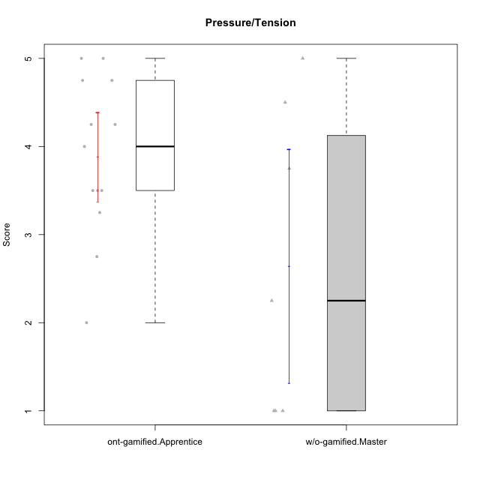

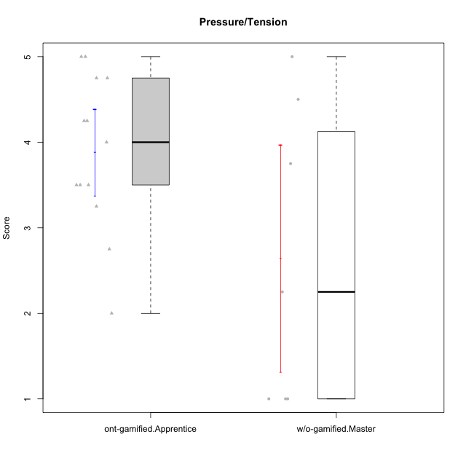

Student's t-Test data
UserID | NroUSP | Type | CLGroup | CLRole | PlayerRole | Item08IE | Item09IE | Item11IE | Item12IE | Item21IE | Item24IE | Item03PC | Item05PC | Item13PC | Item18PC | Item20PC | Item02PT | Item04PT | Item06PT | Item23PT | Item01EI | Item14EI | Item19EI | Item22EI | Item18A | Item25A | Item20A | Item07A | Item13A | Item01S | Item02S | Item05S | Item21S | Interest/Enjoyment | Perceived Choice | Pressure/Tension | Effort/Importance | Attention | Satisfaction | Intrinsic Motivation | Level of Motivation
10174 | 10276852 | w/o-gamified | Grupo7 | Master |  | 6 | 4 | 4 | 3 | 4 | 6 | 4 | 4 | 4 | 3 | 4 | 4 | 5 | 6 | 5 | 5 | 4 | 2 | 4 | 5 | 4 | 4 | 6 | 4 | 6 | 5 | 4 | 4 | 4.5 | 4.2 | 4.5 | 4.25 | 4.6 | 4.75 | 4.1578947368 | 4.6666666667
10186 | 10310551 | ont-gamified | Slayers | Apprentice | Social Achiever | 6 | 4 | 6 | 1 | 3 | 3 | 4 | 4 | 4 | 4 | 1 | 5 | 4 | 4 | 1 | 1 | 7 | 1 | 7 | 4 | 1 | 4 | 1 | 4 | 7 | 7 | 5 | 1 | 3.8333333333 | 4.6 | 5 | 7 | 2.8 | 6.5 | 4.5263157895 | 4.4444444444
10189 | 9363926 | ont-gamified | Vikings | Apprentice | Social Achiever | 4 | 2 | 1 | 1 | 2 | 2 | 5 | 5 | 5 | 4 | 4 | 1 | 1 | 2 | 4 | 1 | 5 | 3 | 6 | 2 | 1 | 1 | 1 | 3 | 3 | 2 | 3 | 1 | 2 | 3.4 | 2 | 5.75 | 1.6 | 3.75 | 4 | 2.5555555556
10191 | 10276981 | w/o-gamified | Grupo1 | Master |  | 3 | 3 | 3 | 1 | 2 | 2 | 5 | 5 | 5 | 4 | 5 | 1 | 1 | 1 | 7 | 2 | 4 | 4 | 4 | 2 | 4 | 2 | 4 | 5 | 4 | 4 | 5 | 6 | 2.3333333333 | 3.2 | 1 | 4.5 | 3.4 | 3.75 | 4 | 3.5555555556
10192 | 10276682 | ont-gamified | Attractive Devils | Apprentice | Social Achiever | 4 | 4 | 6 | 4 | 5 | 1 | 3 | 2 | 3 | 4 | 4 | 4 | 4 | 4 | 3 | 1 | 7 | 5 | 5 | 4 | 4 | 4 | 7 | 6 | 7 | 6 | 7 | 4 | 4 | 4.8 | 4.25 | 5.5 | 5 | 6 | 4.4736842105 | 5.4444444444
10193 | 10276762 | ont-gamified | Vandals | Apprentice | Yee Achiever | 1 | 2 | 1 | 1 | 1 | 2 | 1 | 1 | 1 | 1 | 1 | 1 | 1 | 2 | 1 | 1 | 1 | 2 | 2 | 2 | 1 | 2 | 1 | 1 | 1 | 2 | 1 | 1 | 1.3333333333 | 7 | 2.75 | 4 | 1.4 | 2.75 | 4.2105263158 | 2
10198 | 10310888 | ont-gamified | Attractive Devils | Apprentice | Social Achiever | 4 | 6 | 4 | 5 | 3 | 2 | 1 | 4 | 5 | 6 | 6 | 4 | 4 | 4 | 3 | 2 | 6 | 3 | 6 | 5 | 5 | 6 | 7 | 5 | 7 | 7 | 6 | 2 | 4 | 3.6 | 4.25 | 5.75 | 5.6 | 6.5 | 4.2105263158 | 6
10200 | 9795272 | ont-gamified | Warriors | Apprentice | Social Achiever | 5 | 4 | 5 | 3 | 5 | 5 | 3 | 4 | 5 | 2 | 2 | 5 | 5 | 4 | 3 | 1 | 6 | 1 | 6 | 4 | 5 | 4 | 6 | 5 | 5 | 6 | 7 | 2 | 4.5 | 4.8 | 4.75 | 6.5 | 4.8 | 6 | 4.7368421053 | 5.3333333333
10202 | 10277036 | ont-gamified | Silly Knights | Apprentice | Social Achiever | 3 | 3 | 3 | 3 | 3 | 3 | 3 | 2 | 2 | 5 | 2 | 3 | 3 | 3 | 3 | 2 | 5 | 2 | 5 | 2 | 3 | 2 | 2 | 3 | 5 | 5 | 5 | 3 | 3 | 5.2 | 3.5 | 5.5 | 2.4 | 5 | 4.4210526316 | 3.5555555556
10203 | 9921470 | ont-gamified | Mercenaries | Apprentice | Social Achiever | 3 | 5 | 4 | 5 | 4 | 4 | 4 | 1 | 1 | 1 | 1 | 2 | 5 | 1 | 3 | 1 | 7 | 1 | 6 | 4 | 5 | 7 | 6 | 5 | 5 | 7 | 7 | 3 | 4.1666666667 | 6.4 | 3.25 | 6.75 | 5.4 | 6 | 5.4210526316 | 5.6666666667
10214 | 10277022 | ont-gamified | Vikings | Apprentice | Social Achiever | 2 | 1 | 1 | 1 | 1 | 1 | 6 | 2 | 6 | 7 | 6 | 5 | 1 | 4 | 2 | 1 | 7 | 1 | 7 | 1 | 2 | 1 | 1 | 2 | 3 | 4 | 4 | 3 | 1.1666666667 | 2.6 | 4 | 7 | 1.4 | 4 | 3.3684210526 | 2.5555555556
10219 | 10276831 | w/o-gamified | Grupo3 | Master |  | 1 | 2 | 1 | 4 | 1 | 2 | 7 | 7 | 1 | 4 | 7 | 1 | 1 | 1 | 7 | 5 | 1 | 7 | 2 | 3 | 2 | 2 | 3 | 2 | 1 | 1 | 1 | 5 | 1.8333333333 | 2.8 | 1 | 1.75 | 2.4 | 1.5 | 3.1578947368 | 2
10221 | 9082496 | ont-gamified | Warriors | Apprentice | Social Achiever | 3 | 3 | 2 | 2 | 3 | 3 | 4 | 4 | 6 | 5 | 6 | 4 | 2 | 6 | 6 | 2 | 5 | 3 | 5 | 4 | 2 | 3 | 3 | 2 | 4 | 3 | 5 | 7 | 2.6666666667 | 3 | 3.5 | 5.25 | 2.8 | 3.25 | 3.6842105263 | 3
10224 | 9368772 | ont-gamified | Mercenaries | Apprentice | Social Achiever | 4 | 4 | 4 | 4 | 4 | 4 | 5 | 5 | 4 | 4 | 4 | 4 | 5 | 5 | 3 | 4 | 5 | 5 | 6 | 4 | 4 | 4 | 4 | 4 | 5 | 4 | 6 | 3 | 4 | 3.6 | 4.75 | 4.5 | 4 | 5 | 3.8421052632 | 4.4444444444
10227 | 9274382 | w/o-gamified | Grupo5 | Master |  | 6 | 4 | 3 | 5 | 3 | 5 | 4 | 4 | 3 | 3 | 3 | 5 | 4 | 3 | 5 | 5 | 4 | 3 | 3 | 5 | 5 | 5 | 6 | 6 | 6 | 6 | 6 | 2 | 4.3333333333 | 4.6 | 3.75 | 3.75 | 5.4 | 6 | 4.2631578947 | 5.6666666667
10228 | 10310492 | ont-gamified | Resistance | Apprentice | Social Achiever | 2 | 1 | 1 | 1 | 1 | 2 | 2 | 2 | 1 | 1 | 2 | 2 | 3 | 2 | 1 | 2 | 1 | 1 | 1 | 1 | 1 | 1 | 4 | 3 | 4 | 4 | 4 | 1 | 1.3333333333 | 6.4 | 3.5 | 3.75 | 2 | 4.75 | 3.8421052632 | 3.2222222222
10231 | 10276911 | w/o-gamified | Grupo9 | Master |  | 4 | 4 | 4 | 6 | 4 | 5 | 1 | 1 | 2 | 2 | 2 | 1 | 1 | 1 | 7 | 3 | 1 | 4 | 1 | 4 | 4 | 4 | 4 | 4 | 7 | 5 | 4 | 2 | 4.5 | 6.4 | 1 | 2.75 | 4 | 5.5 | 5.1578947368 | 4.6666666667
10234 | 10310676 | w/o-gamified | Grupo4 | Master |  | 2 | 2 | 1 | 1 | 2 | 2 | 6 | 6 | 7 | 6 | 6 | 4 | 2 | 2 | 7 | 6 | 1 | 6 | 4 | 2 | 2 | 2 | 1 | 2 | 1 | 2 | 2 | 2 | 1.6666666667 | 1.8 | 2.25 | 2.25 | 1.8 | 2.75 | 2.6842105263 | 2.2222222222
10237 | 10377688 | ont-gamified | Outlaws | Apprentice | Social Achiever | 3 | 3 | 3 | 4 | 5 | 6 | 6 | 3 | 3 | 3 | 4 | 6 | 5 | 4 | 3 | 2 | 4 | 4 | 5 | 4 | 3 | 3 | 5 | 4 | 3 | 4 | 6 | 2 | 4 | 4.2 | 5 | 4.75 | 3.8 | 4.75 | 4 | 4.2222222222
10238 | 10276953 | w/o-gamified | Grupo2 | Master |  | 4 | 4 | 4 | 3 | 4 | 4 | 7 | 5 | 5 | 5 | 4 | 5 | 5 | 5 | 3 | 1 | 5 | 2 | 5 | 4 | 5 | 4 | 5 | 5 | 3 | 2 | 5 | 4 | 3.8333333333 | 2.8 | 5 | 5.75 | 4.6 | 3.5 | 3.7894736842 | 4.1111111111

Type_CLRole_4
Student's t-Test for Pressure/Tension in Type:CLRole between ont-gamified.Master:w/o-gamified.Apprentice

Student's t-Test results
Alternative hypothesis: less
Group | N | Mean | Mean.Difference | Std.deviation | Std.error | CI.lower | CI.upper | df | t.value | p.value | g | magnitude
ont-gamified.Master | 9 | 2.4722222222 | -1.514619883 | 1.4866302312 | 0.49554341041 | 1.4811354014 | 3.4633090431 | 18.391393894 | -2.3765078007 | 0.014261256899 | -0.87991481847 | large
w/o-gamified.Apprentice | 19 | 3.9868421053 | 1.514619883 | 1.7469689708 | 0.40078216848 | 3.1852777683 | 4.7884064422 | 18.391393894 | -2.3765078007 | 0.014261256899 | -0.87991481847 | large
Alternative hypothesis: greater
Group | N | Mean | Mean.Difference | Std.deviation | Std.error | CI.lower | CI.upper | df | t.value | p.value | g | magnitude
ont-gamified.Master | 9 | 2.4722222222 | -1.514619883 | 1.4866302312 | 0.49554341041 | 1.4811354014 | 3.4633090431 | 18.391393894 | -2.3765078007 | 0.9857387431 | -0.87991481847 | large
w/o-gamified.Apprentice | 19 | 3.9868421053 | 1.514619883 | 1.7469689708 | 0.40078216848 | 3.1852777683 | 4.7884064422 | 18.391393894 | -2.3765078007 | 0.9857387431 | -0.87991481847 | large
Alternative hypothesis: two.sided
Group | N | Mean | Mean.Difference | Std.deviation | Std.error | CI.lower | CI.upper | df | t.value | p.value | g | magnitude
ont-gamified.Master | 9 | 2.4722222222 | -1.514619883 | 1.4866302312 | 0.49554341041 | 1.4811354014 | 3.4633090431 | 18.391393894 | -2.3765078007 | 0.028522513798 | -0.87991481847 | large
w/o-gamified.Apprentice | 19 | 3.9868421053 | 1.514619883 | 1.7469689708 | 0.40078216848 | 3.1852777683 | 4.7884064422 | 18.391393894 | -2.3765078007 | 0.028522513798 | -0.87991481847 | large

Box plots for Student's t-Test
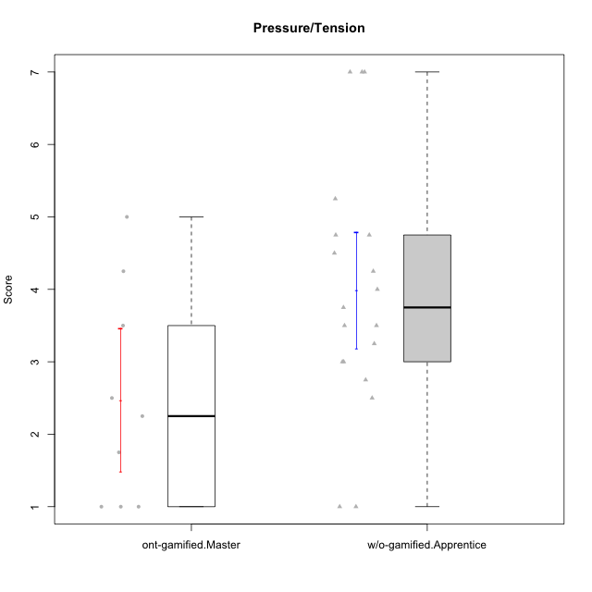

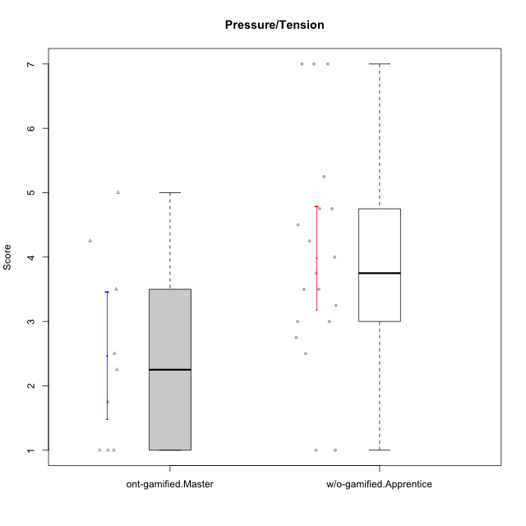

Student's t-Test data
UserID | NroUSP | Type | CLGroup | CLRole | PlayerRole | Item08IE | Item09IE | Item11IE | Item12IE | Item21IE | Item24IE | Item03PC | Item05PC | Item13PC | Item18PC | Item20PC | Item02PT | Item04PT | Item06PT | Item23PT | Item01EI | Item14EI | Item19EI | Item22EI | Item18A | Item25A | Item20A | Item07A | Item13A | Item01S | Item02S | Item05S | Item21S | Interest/Enjoyment | Perceived Choice | Pressure/Tension | Effort/Importance | Attention | Satisfaction | Intrinsic Motivation | Level of Motivation
10170 | 10260351 | w/o-gamified | Grupo11 | Apprentice |  | 6 | 4 | 4 | 3 | 4 | 4 | 3 | 2 | 2 | 1 | 3 | 1 | 1 | 1 | 1 | 3 | 4 | 3 | 5 | 6 | 5 | 6 | 5 | 6 | 4 | 4 | 5 | 5 | 4.1666666667 | 5.8 | 2.5 | 4.75 | 5.6 | 4 | 5 | 4.8888888889
10171 | 698531 | ont-gamified | Mafia | Master | Social Achiever | 6 | 6 | 6 | 5 | 7 | 5 | 2 | 2 | 2 | 2 | 1 | 2 | 2 | 1 | 6 | 1 | 7 | 1 | 6 | 6 | 5 | 6 | 5 | 6 | 6 | 6 | 4 | 1 | 5.8333333333 | 6.2 | 1.75 | 6.75 | 5.6 | 5.75 | 6.2105263158 | 5.6666666667
10172 | 10273971 | w/o-gamified | Grupo5 | Apprentice |  | 7 | 5 | 5 | 4 | 5 | 5 | 5 | 6 | 5 | 5 | 5 | 4 | 6 | 5 | 5 | 5 | 4 | 5 | 5 | 5 | 5 | 5 | 6 | 6 | 6 | 4 | 5 | 5 | 5.1666666667 | 2.8 | 4.5 | 3.75 | 5.4 | 4.5 | 3.8947368421 | 5
10175 | 10310700 | ont-gamified | Warriors | Master | Social Achiever | 4 | 4 | 4 | 4 | 4 | 4 | 3 | 1 | 1 | 1 | 1 | 1 | 1 | 1 | 7 | 1 | 4 | 1 | 4 | 5 | 5 | 5 | 6 | 6 | 6 | 6 | 5 | 1 | 4 | 6.6 | 1 | 5.5 | 5.4 | 6 | 5.6315789474 | 5.6666666667
10176 | 10276949 | ont-gamified | Outlaws | Master | Social Achiever | 4 | 4 | 4 | 3 | 4 | 4 | 4 | 4 | 6 | 5 | 4 | 4 | 6 | 6 | 4 | 4 | 4 | 5 | 4 | 5 | 5 | 5 | 4 | 4 | 4 | 4 | 4 | 4 | 3.8333333333 | 3.4 | 5 | 3.75 | 4.6 | 4 | 3.5263157895 | 4.3333333333
10181 | 10276866 | w/o-gamified | Grupo2 | Apprentice |  | 2 | 3 | 1 | 2 | 3 | 2 | 5 | 1 | 5 | 5 | 3 | 4 | 1 | 5 | 4 | 7 | 1 | 4 | 5 | 4 | 4 | 4 | 5 | 4 | 1 | 1 | 3 | 4 | 2.1666666667 | 4.2 | 3.5 | 2.75 | 4.2 | 2.25 | 3.3157894737 | 3.3333333333
10183 | 10352030 | w/o-gamified | Grupo3 | Apprentice |  | 3 | 3 | 3 | 3 | 3 | 2 | 4 | 4 | 2 | 3 | 5 | 4 | 4 | 5 | 2 | 4 | 2 | 3 | 4 | 2 | 2 | 2 | 2 | 3 | 2 | 2 | 4 | 4 | 2.8333333333 | 4.4 | 4.75 | 3.75 | 2.2 | 3 | 3.5263157895 | 2.5555555556
10184 | 10276675 | w/o-gamified | Grupo10 | Apprentice |  | 4 | 4 | 4 | 4 | 3 | 4 | 4 | 5 | 3 | 4 | 4 | 4 | 3 | 4 | 4 | 4 | 3 | 4 | 4 | 4 | 4 | 4 | 2 | 4 | 6 | 4 | 4 | 4 | 3.8333333333 | 4 | 3.75 | 3.75 | 3.6 | 4.5 | 3.9473684211 | 4
10185 | 10276960 | w/o-gamified | Grupo9 | Apprentice |  | 6 | 4 | 5 | 5 | 3 | 6 | 3 | 6 | 5 | 6 | 3 | 4 | 4 | 5 | 4 | 4 | 4 | 3 | 5 | 3 | 5 | 3 | 4 | 3 | 4 | 5 | 5 | 6 | 4.8333333333 | 3.4 | 4.25 | 4.5 | 3.6 | 4 | 4.1578947368 | 3.7777777778
10188 | 10276995 | ont-gamified | Vandals | Master | Yee Achiever | 4 | 3 | 1 | 4 | 3 | 3 | 3 | 1 | 3 | 1 | 1 | 1 | 1 | 1 | 7 | 2 | 4 | 3 | 1 | 4 | 4 | 3 | 2 | 4 | 3 | 3 | 3 | 2 | 3 | 6.2 | 1 | 4 | 3.4 | 3.75 | 4.8947368421 | 3.5555555556
10190 | 10276907 | w/o-gamified | Grupo4 | Apprentice |  | 3 | 3 | 3 | 2 | 4 | 4 | 7 | 7 | 3 | 5 | 4 | 5 | 7 | 6 | 5 | 3 | 4 | 5 | 4 | 6 | 5 | 5 | 5 | 3 | 3 | 4 | 4 | 4 | 3.1666666667 | 2.8 | 5.25 | 4 | 4.8 | 3.75 | 3.1578947368 | 4.3333333333
10197 | 10276661 | w/o-gamified | Grupo8 | Apprentice |  | 5 | 3 | 5 | 4 | 2 | 2 | 2 | 3 | 4 | 2 | 4 | 3 | 3 | 5 | 5 | 3 | 4 | 3 | 4 | 7 | 4 | 4 | 5 | 3 | 4 | 4 | 2 | 4 | 3.5 | 5 | 3.5 | 4.5 | 4.6 | 3.5 | 4.3157894737 | 4.1111111111
10199 | 10276737 | w/o-gamified | Grupo1 | Apprentice |  | 4 | 3 | 4 | 1 | 3 | 3 | 3 | 5 | 3 | 5 | 5 | 4 | 2 | 3 | 4 | 4 | 4 | 4 | 5 | 5 | 4 | 3 | 3 | 4 | 6 | 4 | 4 | 2 | 3 | 3.8 | 3.25 | 4.25 | 3.8 | 5 | 3.8421052632 | 4.3333333333
10201 | 10276928 | w/o-gamified | Grupo11 | Apprentice |  | 6 | 5 | 5 | 6 | 6 | 3 | 5 | 3 | 3 | 4 | 4 | 3 | 2 | 4 | 5 | 3 | 5 | 3 | 5 | 6 | 5 | 6 | 6 | 6 | 6 | 5 | 6 | 5 | 5.1666666667 | 4.2 | 3 | 5 | 5.8 | 5 | 4.8421052632 | 5.4444444444
10204 | 10310471 | w/o-gamified | Grupo6 | Apprentice |  | 1 | 1 | 1 | 1 | 1 | 1 | 7 | 7 | 7 | 7 | 7 | 7 | 7 | 7 | 1 | 4 | 4 | 1 | 7 | 1 | 1 | 1 | 1 | 1 | 2 | 1 | 4 | 4 | 1 | 1 | 7 | 5.5 | 1 | 2.75 | 1.9473684211 | 1.7777777778
10206 | 10310721 | w/o-gamified | Grupo8 | Apprentice |  | 4 | 4 | 2 | 3 | 5 | 4 | 3 | 2 | 3 | 2 | 2 | 3 | 2 | 3 | 4 | 2 | 5 | 2 | 5 | 4 | 6 | 4 | 4 | 5 | 5 | 5 | 6 | 3 | 3.6666666667 | 5.6 | 3 | 5.5 | 4.6 | 5.25 | 4.8421052632 | 4.8888888889
10208 | 10276932 | ont-gamified | Mercenaries | Master | Social Achiever | 4 | 4 | 4 | 3 | 4 | 4 | 4 | 2 | 4 | 4 | 2 | 2 | 2 | 2 | 5 | 2 | 5 | 2 | 4 | 2 | 2 | 2 | 3 | 4 | 5 | 5 | 3 | 3 | 3.8333333333 | 4.8 | 2.25 | 5.25 | 2.6 | 4.5 | 4.7894736842 | 3.4444444444
10210 | 10277015 | w/o-gamified | Grupo6 | Apprentice |  | 1 | 1 | 1 | 1 | 1 | 1 | 7 | 7 | 7 | 7 | 7 | 7 | 7 | 7 | 1 | 1 | 7 | 1 | 7 | 1 | 1 | 1 | 1 | 1 | 1 | 1 | 1 | 7 | 1 | 1 | 7 | 7 | 1 | 1 | 2.2631578947 | 1
10213 | 10277040 | w/o-gamified | Grupo7 | Apprentice |  | 4 | 3 | 7 | 1 | 4 | 4 | 7 | 7 | 7 | 7 | 7 | 1 | 7 | 7 | 4 | 1 | 7 | 1 | 7 | 5 | 7 | 7 | 7 | 4 | 7 | 4 | 7 | 1 | 3.8333333333 | 1 | 4.75 | 7 | 6 | 6.25 | 3.6315789474 | 6.1111111111
10215 | 9285227 | ont-gamified | Vikings | Master | Social Achiever | 5 | 5 | 2 | 3 | 4 | 5 | 5 | 1 | 2 | 4 | 1 | 1 | 1 | 1 | 1 | 1 | 2 | 4 | 1 | 4 | 4 | 1 | 1 | 3 | 3 | 3 | 1 | 1 | 4 | 5.4 | 2.5 | 3.5 | 2.6 | 3.5 | 4.5789473684 | 3
10216 | 10276720 | ont-gamified | Silly Knights | Master | Social Achiever | 4 | 5 | 3 | 7 | 4 | 5 | 3 | 2 | 2 | 1 | 3 | 1 | 1 | 1 | 7 | 1 | 4 | 2 | 4 | 4 | 6 | 5 | 2 | 4 | 5 | 5 | 6 | 2 | 4.6666666667 | 5.8 | 1 | 5.25 | 4.2 | 5.5 | 5.5789473684 | 4.7777777778
10217 | 9805341 | w/o-gamified | Grupo9 | Apprentice |  | 5 | 5 | 3 | 4 | 5 | 4 | 4 | 5 | 4 | 4 | 2 | 1 | 1 | 1 | 7 | 3 | 3 | 4 | 2 | 3 | 4 | 4 | 4 | 6 | 4 | 4 | 4 | 3 | 4.3333333333 | 4.2 | 1 | 3.5 | 4.2 | 4.25 | 4.6842105263 | 4.2222222222
10218 | 9842913 | w/o-gamified | Grupo10 | Apprentice |  | 4 | 4 | 4 | 4 | 4 | 4 | 4 | 5 | 4 | 5 | 4 | 4 | 5 | 4 | 5 | 4 | 4 | 4 | 5 | 3 | 4 | 4 | 5 | 4 | 4 | 3 | 3 | 4 | 4 | 3.6 | 4 | 4.25 | 4 | 3.5 | 3.9473684211 | 3.7777777778
10220 | 9760151 | w/o-gamified | Grupo3 | Apprentice |  | 4 | 1 | 1 | 1 | 4 | 4 | 1 | 1 | 1 | 4 | 1 | 1 | 1 | 1 | 7 | 1 | 4 | 1 | 7 | 1 | 1 | 1 | 1 | 1 | 7 | 4 | 7 | 1 | 2.5 | 6.4 | 1 | 6.25 | 1 | 6.25 | 5.2631578947 | 3.3333333333
10223 | 9795185 | ont-gamified | Slayers | Master | Social Achiever | 6 | 5 | 4 | 5 | 5 | 5 | 4 | 4 | 4 | 3 | 4 | 4 | 4 | 2 | 4 | 4 | 5 | 4 | 4 | 3 | 4 | 4 | 4 | 5 | 4 | 5 | 4 | 4 | 5 | 4.2 | 3.5 | 4.25 | 4 | 4.25 | 4.5263157895 | 4.1111111111
10226 | 10310342 | w/o-gamified | Grupo4 | Apprentice |  | 4 | 1 | 1 | 1 | 1 | 1 | 7 | 7 | 7 | 7 | 7 | 7 | 7 | 7 | 1 | 7 | 1 | 7 | 1 | 3 | 2 | 1 | 2 | 2 | 3 | 2 | 3 | 5 | 1.5 | 1 | 7 | 1 | 2 | 2.75 | 1.1578947368 | 2.3333333333
10230 | 10351992 | ont-gamified | Resistance | Master | Social Achiever | 5 | 4 | 4 | 4 | 5 | 5 | 5 | 4 | 3 | 3 | 5 | 5 | 4 | 6 | 6 | 3 | 3 | 2 | 5 | 3 | 4 | 2 | 6 | 4 | 4 | 6 | 2 | 3 | 4.5 | 4 | 4.25 | 4.75 | 3.8 | 4.25 | 4.2631578947 | 4
10232 | 10276974 | w/o-gamified | Grupo7 | Apprentice |  | 5 | 4 | 5 | 4 | 4 | 5 | 3 | 3 | 3 | 4 | 4 | 2 | 2 | 2 | 3 | 1 | 5 | 1 | 6 | 4 | 6 | 4 | 5 | 4 | 6 | 5 | 6 | 1 | 4.5 | 4.6 | 2.75 | 6.25 | 4.6 | 6 | 5.0526315789 | 5.2222222222

Type_CLRole_5
Student's t-Test for Pressure/Tension in Type:CLRole between ont-gamified.Master:w/o-gamified.Master

Student's t-Test results
Alternative hypothesis: less
Group | N | Mean | Mean.Difference | Std.deviation | Std.error | CI.lower | CI.upper | df | t.value | p.value | g | magnitude
ont-gamified.Master | 9 | 2.4722222222 | -0.17063492063 | 1.4866302312 | 0.49554341041 | 1.4811354014 | 3.4633090431 | 11.807222448 | -0.20607626941 | 0.42012093486 | -0.10037883988 | negligible
w/o-gamified.Master | 7 | 2.6428571429 | 0.17063492063 | 1.755094625 | 0.66336341504 | 1.3161303128 | 3.9695839729 | 11.807222448 | -0.20607626941 | 0.42012093486 | -0.10037883988 | negligible
Alternative hypothesis: greater
Group | N | Mean | Mean.Difference | Std.deviation | Std.error | CI.lower | CI.upper | df | t.value | p.value | g | magnitude
ont-gamified.Master | 9 | 2.4722222222 | -0.17063492063 | 1.4866302312 | 0.49554341041 | 1.4811354014 | 3.4633090431 | 11.807222448 | -0.20607626941 | 0.57987906514 | -0.10037883988 | negligible
w/o-gamified.Master | 7 | 2.6428571429 | 0.17063492063 | 1.755094625 | 0.66336341504 | 1.3161303128 | 3.9695839729 | 11.807222448 | -0.20607626941 | 0.57987906514 | -0.10037883988 | negligible
Alternative hypothesis: two.sided
Group | N | Mean | Mean.Difference | Std.deviation | Std.error | CI.lower | CI.upper | df | t.value | p.value | g | magnitude
ont-gamified.Master | 9 | 2.4722222222 | -0.17063492063 | 1.4866302312 | 0.49554341041 | 1.4811354014 | 3.4633090431 | 11.807222448 | -0.20607626941 | 0.84024186972 | -0.10037883988 | negligible
w/o-gamified.Master | 7 | 2.6428571429 | 0.17063492063 | 1.755094625 | 0.66336341504 | 1.3161303128 | 3.9695839729 | 11.807222448 | -0.20607626941 | 0.84024186972 | -0.10037883988 | negligible

Box plots for Student's t-Test
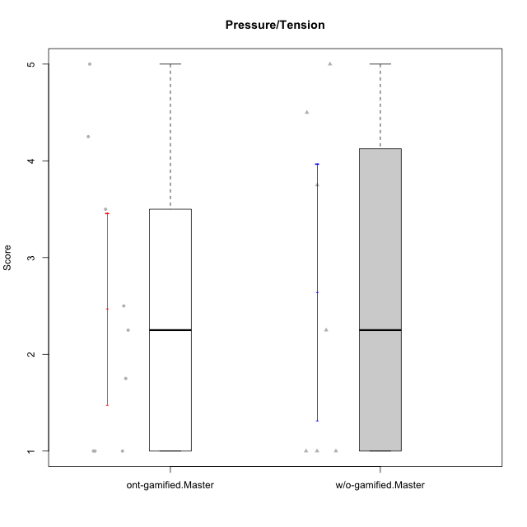

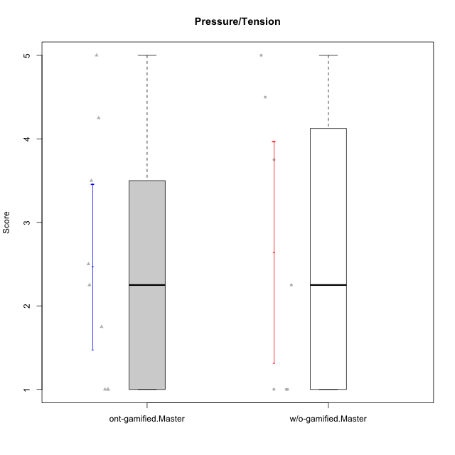

Student's t-Test data
UserID | NroUSP | Type | CLGroup | CLRole | PlayerRole | Item08IE | Item09IE | Item11IE | Item12IE | Item21IE | Item24IE | Item03PC | Item05PC | Item13PC | Item18PC | Item20PC | Item02PT | Item04PT | Item06PT | Item23PT | Item01EI | Item14EI | Item19EI | Item22EI | Item18A | Item25A | Item20A | Item07A | Item13A | Item01S | Item02S | Item05S | Item21S | Interest/Enjoyment | Perceived Choice | Pressure/Tension | Effort/Importance | Attention | Satisfaction | Intrinsic Motivation | Level of Motivation
10171 | 698531 | ont-gamified | Mafia | Master | Social Achiever | 6 | 6 | 6 | 5 | 7 | 5 | 2 | 2 | 2 | 2 | 1 | 2 | 2 | 1 | 6 | 1 | 7 | 1 | 6 | 6 | 5 | 6 | 5 | 6 | 6 | 6 | 4 | 1 | 5.8333333333 | 6.2 | 1.75 | 6.75 | 5.6 | 5.75 | 6.2105263158 | 5.6666666667
10174 | 10276852 | w/o-gamified | Grupo7 | Master |  | 6 | 4 | 4 | 3 | 4 | 6 | 4 | 4 | 4 | 3 | 4 | 4 | 5 | 6 | 5 | 5 | 4 | 2 | 4 | 5 | 4 | 4 | 6 | 4 | 6 | 5 | 4 | 4 | 4.5 | 4.2 | 4.5 | 4.25 | 4.6 | 4.75 | 4.1578947368 | 4.6666666667
10175 | 10310700 | ont-gamified | Warriors | Master | Social Achiever | 4 | 4 | 4 | 4 | 4 | 4 | 3 | 1 | 1 | 1 | 1 | 1 | 1 | 1 | 7 | 1 | 4 | 1 | 4 | 5 | 5 | 5 | 6 | 6 | 6 | 6 | 5 | 1 | 4 | 6.6 | 1 | 5.5 | 5.4 | 6 | 5.6315789474 | 5.6666666667
10176 | 10276949 | ont-gamified | Outlaws | Master | Social Achiever | 4 | 4 | 4 | 3 | 4 | 4 | 4 | 4 | 6 | 5 | 4 | 4 | 6 | 6 | 4 | 4 | 4 | 5 | 4 | 5 | 5 | 5 | 4 | 4 | 4 | 4 | 4 | 4 | 3.8333333333 | 3.4 | 5 | 3.75 | 4.6 | 4 | 3.5263157895 | 4.3333333333
10188 | 10276995 | ont-gamified | Vandals | Master | Yee Achiever | 4 | 3 | 1 | 4 | 3 | 3 | 3 | 1 | 3 | 1 | 1 | 1 | 1 | 1 | 7 | 2 | 4 | 3 | 1 | 4 | 4 | 3 | 2 | 4 | 3 | 3 | 3 | 2 | 3 | 6.2 | 1 | 4 | 3.4 | 3.75 | 4.8947368421 | 3.5555555556
10191 | 10276981 | w/o-gamified | Grupo1 | Master |  | 3 | 3 | 3 | 1 | 2 | 2 | 5 | 5 | 5 | 4 | 5 | 1 | 1 | 1 | 7 | 2 | 4 | 4 | 4 | 2 | 4 | 2 | 4 | 5 | 4 | 4 | 5 | 6 | 2.3333333333 | 3.2 | 1 | 4.5 | 3.4 | 3.75 | 4 | 3.5555555556
10208 | 10276932 | ont-gamified | Mercenaries | Master | Social Achiever | 4 | 4 | 4 | 3 | 4 | 4 | 4 | 2 | 4 | 4 | 2 | 2 | 2 | 2 | 5 | 2 | 5 | 2 | 4 | 2 | 2 | 2 | 3 | 4 | 5 | 5 | 3 | 3 | 3.8333333333 | 4.8 | 2.25 | 5.25 | 2.6 | 4.5 | 4.7894736842 | 3.4444444444
10215 | 9285227 | ont-gamified | Vikings | Master | Social Achiever | 5 | 5 | 2 | 3 | 4 | 5 | 5 | 1 | 2 | 4 | 1 | 1 | 1 | 1 | 1 | 1 | 2 | 4 | 1 | 4 | 4 | 1 | 1 | 3 | 3 | 3 | 1 | 1 | 4 | 5.4 | 2.5 | 3.5 | 2.6 | 3.5 | 4.5789473684 | 3
10216 | 10276720 | ont-gamified | Silly Knights | Master | Social Achiever | 4 | 5 | 3 | 7 | 4 | 5 | 3 | 2 | 2 | 1 | 3 | 1 | 1 | 1 | 7 | 1 | 4 | 2 | 4 | 4 | 6 | 5 | 2 | 4 | 5 | 5 | 6 | 2 | 4.6666666667 | 5.8 | 1 | 5.25 | 4.2 | 5.5 | 5.5789473684 | 4.7777777778
10219 | 10276831 | w/o-gamified | Grupo3 | Master |  | 1 | 2 | 1 | 4 | 1 | 2 | 7 | 7 | 1 | 4 | 7 | 1 | 1 | 1 | 7 | 5 | 1 | 7 | 2 | 3 | 2 | 2 | 3 | 2 | 1 | 1 | 1 | 5 | 1.8333333333 | 2.8 | 1 | 1.75 | 2.4 | 1.5 | 3.1578947368 | 2
10223 | 9795185 | ont-gamified | Slayers | Master | Social Achiever | 6 | 5 | 4 | 5 | 5 | 5 | 4 | 4 | 4 | 3 | 4 | 4 | 4 | 2 | 4 | 4 | 5 | 4 | 4 | 3 | 4 | 4 | 4 | 5 | 4 | 5 | 4 | 4 | 5 | 4.2 | 3.5 | 4.25 | 4 | 4.25 | 4.5263157895 | 4.1111111111
10227 | 9274382 | w/o-gamified | Grupo5 | Master |  | 6 | 4 | 3 | 5 | 3 | 5 | 4 | 4 | 3 | 3 | 3 | 5 | 4 | 3 | 5 | 5 | 4 | 3 | 3 | 5 | 5 | 5 | 6 | 6 | 6 | 6 | 6 | 2 | 4.3333333333 | 4.6 | 3.75 | 3.75 | 5.4 | 6 | 4.2631578947 | 5.6666666667
10230 | 10351992 | ont-gamified | Resistance | Master | Social Achiever | 5 | 4 | 4 | 4 | 5 | 5 | 5 | 4 | 3 | 3 | 5 | 5 | 4 | 6 | 6 | 3 | 3 | 2 | 5 | 3 | 4 | 2 | 6 | 4 | 4 | 6 | 2 | 3 | 4.5 | 4 | 4.25 | 4.75 | 3.8 | 4.25 | 4.2631578947 | 4
10231 | 10276911 | w/o-gamified | Grupo9 | Master |  | 4 | 4 | 4 | 6 | 4 | 5 | 1 | 1 | 2 | 2 | 2 | 1 | 1 | 1 | 7 | 3 | 1 | 4 | 1 | 4 | 4 | 4 | 4 | 4 | 7 | 5 | 4 | 2 | 4.5 | 6.4 | 1 | 2.75 | 4 | 5.5 | 5.1578947368 | 4.6666666667
10234 | 10310676 | w/o-gamified | Grupo4 | Master |  | 2 | 2 | 1 | 1 | 2 | 2 | 6 | 6 | 7 | 6 | 6 | 4 | 2 | 2 | 7 | 6 | 1 | 6 | 4 | 2 | 2 | 2 | 1 | 2 | 1 | 2 | 2 | 2 | 1.6666666667 | 1.8 | 2.25 | 2.25 | 1.8 | 2.75 | 2.6842105263 | 2.2222222222
10238 | 10276953 | w/o-gamified | Grupo2 | Master |  | 4 | 4 | 4 | 3 | 4 | 4 | 7 | 5 | 5 | 5 | 4 | 5 | 5 | 5 | 3 | 1 | 5 | 2 | 5 | 4 | 5 | 4 | 5 | 5 | 3 | 2 | 5 | 4 | 3.8333333333 | 2.8 | 5 | 5.75 | 4.6 | 3.5 | 3.7894736842 | 4.1111111111

Type_CLRole_6
Student's t-Test for Pressure/Tension in Type:CLRole between w/o-gamified.Apprentice:w/o-gamified.Master

Student's t-Test results
Alternative hypothesis: less
Group | N | Mean | Mean.Difference | Std.deviation | Std.error | CI.lower | CI.upper | df | t.value | p.value | g | magnitude
w/o-gamified.Apprentice | 19 | 3.9868421053 | 1.3439849624 | 1.7469689708 | 0.40078216848 | 3.1852777683 | 4.7884064422 | 10.704234578 | 1.7340985509 | 0.94421897583 | 0.74416261425 | medium
w/o-gamified.Master | 7 | 2.6428571429 | -1.3439849624 | 1.755094625 | 0.66336341504 | 1.3161303128 | 3.9695839729 | 10.704234578 | 1.7340985509 | 0.94421897583 | 0.74416261425 | medium
Alternative hypothesis: greater
Group | N | Mean | Mean.Difference | Std.deviation | Std.error | CI.lower | CI.upper | df | t.value | p.value | g | magnitude
w/o-gamified.Apprentice | 19 | 3.9868421053 | 1.3439849624 | 1.7469689708 | 0.40078216848 | 3.1852777683 | 4.7884064422 | 10.704234578 | 1.7340985509 | 0.055781024174 | 0.74416261425 | medium
w/o-gamified.Master | 7 | 2.6428571429 | -1.3439849624 | 1.755094625 | 0.66336341504 | 1.3161303128 | 3.9695839729 | 10.704234578 | 1.7340985509 | 0.055781024174 | 0.74416261425 | medium
Alternative hypothesis: two.sided
Group | N | Mean | Mean.Difference | Std.deviation | Std.error | CI.lower | CI.upper | df | t.value | p.value | g | magnitude
w/o-gamified.Apprentice | 19 | 3.9868421053 | 1.3439849624 | 1.7469689708 | 0.40078216848 | 3.1852777683 | 4.7884064422 | 10.704234578 | 1.7340985509 | 0.11156204835 | 0.74416261425 | medium
w/o-gamified.Master | 7 | 2.6428571429 | -1.3439849624 | 1.755094625 | 0.66336341504 | 1.3161303128 | 3.9695839729 | 10.704234578 | 1.7340985509 | 0.11156204835 | 0.74416261425 | medium

Box plots for Student's t-Test
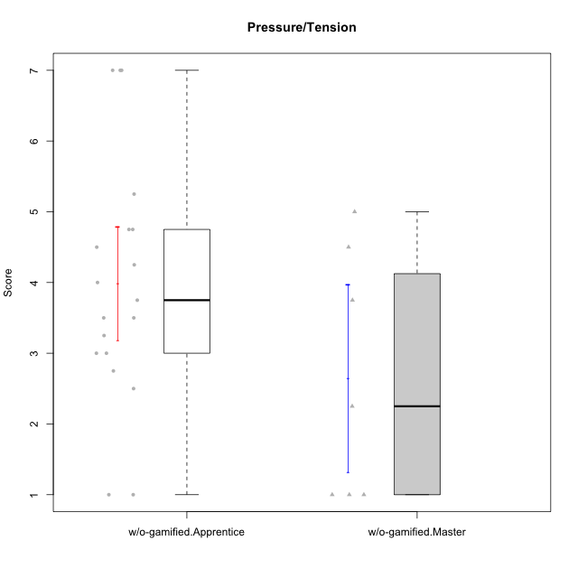

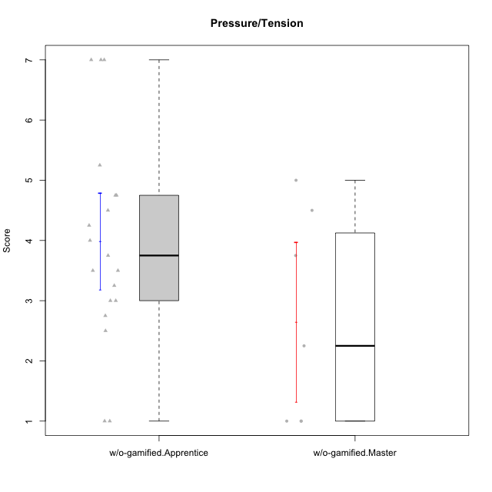

Student's t-Test data
UserID | NroUSP | Type | CLGroup | CLRole | PlayerRole | Item08IE | Item09IE | Item11IE | Item12IE | Item21IE | Item24IE | Item03PC | Item05PC | Item13PC | Item18PC | Item20PC | Item02PT | Item04PT | Item06PT | Item23PT | Item01EI | Item14EI | Item19EI | Item22EI | Item18A | Item25A | Item20A | Item07A | Item13A | Item01S | Item02S | Item05S | Item21S | Interest/Enjoyment | Perceived Choice | Pressure/Tension | Effort/Importance | Attention | Satisfaction | Intrinsic Motivation | Level of Motivation
10170 | 10260351 | w/o-gamified | Grupo11 | Apprentice |  | 6 | 4 | 4 | 3 | 4 | 4 | 3 | 2 | 2 | 1 | 3 | 1 | 1 | 1 | 1 | 3 | 4 | 3 | 5 | 6 | 5 | 6 | 5 | 6 | 4 | 4 | 5 | 5 | 4.1666666667 | 5.8 | 2.5 | 4.75 | 5.6 | 4 | 5 | 4.8888888889
10172 | 10273971 | w/o-gamified | Grupo5 | Apprentice |  | 7 | 5 | 5 | 4 | 5 | 5 | 5 | 6 | 5 | 5 | 5 | 4 | 6 | 5 | 5 | 5 | 4 | 5 | 5 | 5 | 5 | 5 | 6 | 6 | 6 | 4 | 5 | 5 | 5.1666666667 | 2.8 | 4.5 | 3.75 | 5.4 | 4.5 | 3.8947368421 | 5
10174 | 10276852 | w/o-gamified | Grupo7 | Master |  | 6 | 4 | 4 | 3 | 4 | 6 | 4 | 4 | 4 | 3 | 4 | 4 | 5 | 6 | 5 | 5 | 4 | 2 | 4 | 5 | 4 | 4 | 6 | 4 | 6 | 5 | 4 | 4 | 4.5 | 4.2 | 4.5 | 4.25 | 4.6 | 4.75 | 4.1578947368 | 4.6666666667
10181 | 10276866 | w/o-gamified | Grupo2 | Apprentice |  | 2 | 3 | 1 | 2 | 3 | 2 | 5 | 1 | 5 | 5 | 3 | 4 | 1 | 5 | 4 | 7 | 1 | 4 | 5 | 4 | 4 | 4 | 5 | 4 | 1 | 1 | 3 | 4 | 2.1666666667 | 4.2 | 3.5 | 2.75 | 4.2 | 2.25 | 3.3157894737 | 3.3333333333
10183 | 10352030 | w/o-gamified | Grupo3 | Apprentice |  | 3 | 3 | 3 | 3 | 3 | 2 | 4 | 4 | 2 | 3 | 5 | 4 | 4 | 5 | 2 | 4 | 2 | 3 | 4 | 2 | 2 | 2 | 2 | 3 | 2 | 2 | 4 | 4 | 2.8333333333 | 4.4 | 4.75 | 3.75 | 2.2 | 3 | 3.5263157895 | 2.5555555556
10184 | 10276675 | w/o-gamified | Grupo10 | Apprentice |  | 4 | 4 | 4 | 4 | 3 | 4 | 4 | 5 | 3 | 4 | 4 | 4 | 3 | 4 | 4 | 4 | 3 | 4 | 4 | 4 | 4 | 4 | 2 | 4 | 6 | 4 | 4 | 4 | 3.8333333333 | 4 | 3.75 | 3.75 | 3.6 | 4.5 | 3.9473684211 | 4
10185 | 10276960 | w/o-gamified | Grupo9 | Apprentice |  | 6 | 4 | 5 | 5 | 3 | 6 | 3 | 6 | 5 | 6 | 3 | 4 | 4 | 5 | 4 | 4 | 4 | 3 | 5 | 3 | 5 | 3 | 4 | 3 | 4 | 5 | 5 | 6 | 4.8333333333 | 3.4 | 4.25 | 4.5 | 3.6 | 4 | 4.1578947368 | 3.7777777778
10190 | 10276907 | w/o-gamified | Grupo4 | Apprentice |  | 3 | 3 | 3 | 2 | 4 | 4 | 7 | 7 | 3 | 5 | 4 | 5 | 7 | 6 | 5 | 3 | 4 | 5 | 4 | 6 | 5 | 5 | 5 | 3 | 3 | 4 | 4 | 4 | 3.1666666667 | 2.8 | 5.25 | 4 | 4.8 | 3.75 | 3.1578947368 | 4.3333333333
10191 | 10276981 | w/o-gamified | Grupo1 | Master |  | 3 | 3 | 3 | 1 | 2 | 2 | 5 | 5 | 5 | 4 | 5 | 1 | 1 | 1 | 7 | 2 | 4 | 4 | 4 | 2 | 4 | 2 | 4 | 5 | 4 | 4 | 5 | 6 | 2.3333333333 | 3.2 | 1 | 4.5 | 3.4 | 3.75 | 4 | 3.5555555556
10197 | 10276661 | w/o-gamified | Grupo8 | Apprentice |  | 5 | 3 | 5 | 4 | 2 | 2 | 2 | 3 | 4 | 2 | 4 | 3 | 3 | 5 | 5 | 3 | 4 | 3 | 4 | 7 | 4 | 4 | 5 | 3 | 4 | 4 | 2 | 4 | 3.5 | 5 | 3.5 | 4.5 | 4.6 | 3.5 | 4.3157894737 | 4.1111111111
10199 | 10276737 | w/o-gamified | Grupo1 | Apprentice |  | 4 | 3 | 4 | 1 | 3 | 3 | 3 | 5 | 3 | 5 | 5 | 4 | 2 | 3 | 4 | 4 | 4 | 4 | 5 | 5 | 4 | 3 | 3 | 4 | 6 | 4 | 4 | 2 | 3 | 3.8 | 3.25 | 4.25 | 3.8 | 5 | 3.8421052632 | 4.3333333333
10201 | 10276928 | w/o-gamified | Grupo11 | Apprentice |  | 6 | 5 | 5 | 6 | 6 | 3 | 5 | 3 | 3 | 4 | 4 | 3 | 2 | 4 | 5 | 3 | 5 | 3 | 5 | 6 | 5 | 6 | 6 | 6 | 6 | 5 | 6 | 5 | 5.1666666667 | 4.2 | 3 | 5 | 5.8 | 5 | 4.8421052632 | 5.4444444444
10204 | 10310471 | w/o-gamified | Grupo6 | Apprentice |  | 1 | 1 | 1 | 1 | 1 | 1 | 7 | 7 | 7 | 7 | 7 | 7 | 7 | 7 | 1 | 4 | 4 | 1 | 7 | 1 | 1 | 1 | 1 | 1 | 2 | 1 | 4 | 4 | 1 | 1 | 7 | 5.5 | 1 | 2.75 | 1.9473684211 | 1.7777777778
10206 | 10310721 | w/o-gamified | Grupo8 | Apprentice |  | 4 | 4 | 2 | 3 | 5 | 4 | 3 | 2 | 3 | 2 | 2 | 3 | 2 | 3 | 4 | 2 | 5 | 2 | 5 | 4 | 6 | 4 | 4 | 5 | 5 | 5 | 6 | 3 | 3.6666666667 | 5.6 | 3 | 5.5 | 4.6 | 5.25 | 4.8421052632 | 4.8888888889
10210 | 10277015 | w/o-gamified | Grupo6 | Apprentice |  | 1 | 1 | 1 | 1 | 1 | 1 | 7 | 7 | 7 | 7 | 7 | 7 | 7 | 7 | 1 | 1 | 7 | 1 | 7 | 1 | 1 | 1 | 1 | 1 | 1 | 1 | 1 | 7 | 1 | 1 | 7 | 7 | 1 | 1 | 2.2631578947 | 1
10213 | 10277040 | w/o-gamified | Grupo7 | Apprentice |  | 4 | 3 | 7 | 1 | 4 | 4 | 7 | 7 | 7 | 7 | 7 | 1 | 7 | 7 | 4 | 1 | 7 | 1 | 7 | 5 | 7 | 7 | 7 | 4 | 7 | 4 | 7 | 1 | 3.8333333333 | 1 | 4.75 | 7 | 6 | 6.25 | 3.6315789474 | 6.1111111111
10217 | 9805341 | w/o-gamified | Grupo9 | Apprentice |  | 5 | 5 | 3 | 4 | 5 | 4 | 4 | 5 | 4 | 4 | 2 | 1 | 1 | 1 | 7 | 3 | 3 | 4 | 2 | 3 | 4 | 4 | 4 | 6 | 4 | 4 | 4 | 3 | 4.3333333333 | 4.2 | 1 | 3.5 | 4.2 | 4.25 | 4.6842105263 | 4.2222222222
10218 | 9842913 | w/o-gamified | Grupo10 | Apprentice |  | 4 | 4 | 4 | 4 | 4 | 4 | 4 | 5 | 4 | 5 | 4 | 4 | 5 | 4 | 5 | 4 | 4 | 4 | 5 | 3 | 4 | 4 | 5 | 4 | 4 | 3 | 3 | 4 | 4 | 3.6 | 4 | 4.25 | 4 | 3.5 | 3.9473684211 | 3.7777777778
10219 | 10276831 | w/o-gamified | Grupo3 | Master |  | 1 | 2 | 1 | 4 | 1 | 2 | 7 | 7 | 1 | 4 | 7 | 1 | 1 | 1 | 7 | 5 | 1 | 7 | 2 | 3 | 2 | 2 | 3 | 2 | 1 | 1 | 1 | 5 | 1.8333333333 | 2.8 | 1 | 1.75 | 2.4 | 1.5 | 3.1578947368 | 2
10220 | 9760151 | w/o-gamified | Grupo3 | Apprentice |  | 4 | 1 | 1 | 1 | 4 | 4 | 1 | 1 | 1 | 4 | 1 | 1 | 1 | 1 | 7 | 1 | 4 | 1 | 7 | 1 | 1 | 1 | 1 | 1 | 7 | 4 | 7 | 1 | 2.5 | 6.4 | 1 | 6.25 | 1 | 6.25 | 5.2631578947 | 3.3333333333
10226 | 10310342 | w/o-gamified | Grupo4 | Apprentice |  | 4 | 1 | 1 | 1 | 1 | 1 | 7 | 7 | 7 | 7 | 7 | 7 | 7 | 7 | 1 | 7 | 1 | 7 | 1 | 3 | 2 | 1 | 2 | 2 | 3 | 2 | 3 | 5 | 1.5 | 1 | 7 | 1 | 2 | 2.75 | 1.1578947368 | 2.3333333333
10227 | 9274382 | w/o-gamified | Grupo5 | Master |  | 6 | 4 | 3 | 5 | 3 | 5 | 4 | 4 | 3 | 3 | 3 | 5 | 4 | 3 | 5 | 5 | 4 | 3 | 3 | 5 | 5 | 5 | 6 | 6 | 6 | 6 | 6 | 2 | 4.3333333333 | 4.6 | 3.75 | 3.75 | 5.4 | 6 | 4.2631578947 | 5.6666666667
10231 | 10276911 | w/o-gamified | Grupo9 | Master |  | 4 | 4 | 4 | 6 | 4 | 5 | 1 | 1 | 2 | 2 | 2 | 1 | 1 | 1 | 7 | 3 | 1 | 4 | 1 | 4 | 4 | 4 | 4 | 4 | 7 | 5 | 4 | 2 | 4.5 | 6.4 | 1 | 2.75 | 4 | 5.5 | 5.1578947368 | 4.6666666667
10232 | 10276974 | w/o-gamified | Grupo7 | Apprentice |  | 5 | 4 | 5 | 4 | 4 | 5 | 3 | 3 | 3 | 4 | 4 | 2 | 2 | 2 | 3 | 1 | 5 | 1 | 6 | 4 | 6 | 4 | 5 | 4 | 6 | 5 | 6 | 1 | 4.5 | 4.6 | 2.75 | 6.25 | 4.6 | 6 | 5.0526315789 | 5.2222222222
10234 | 10310676 | w/o-gamified | Grupo4 | Master |  | 2 | 2 | 1 | 1 | 2 | 2 | 6 | 6 | 7 | 6 | 6 | 4 | 2 | 2 | 7 | 6 | 1 | 6 | 4 | 2 | 2 | 2 | 1 | 2 | 1 | 2 | 2 | 2 | 1.6666666667 | 1.8 | 2.25 | 2.25 | 1.8 | 2.75 | 2.6842105263 | 2.2222222222
10238 | 10276953 | w/o-gamified | Grupo2 | Master |  | 4 | 4 | 4 | 3 | 4 | 4 | 7 | 5 | 5 | 5 | 4 | 5 | 5 | 5 | 3 | 1 | 5 | 2 | 5 | 4 | 5 | 4 | 5 | 5 | 3 | 2 | 5 | 4 | 3.8333333333 | 2.8 | 5 | 5.75 | 4.6 | 3.5 | 3.7894736842 | 4.1111111111

