Assumptions
ANOVA assumptions for Satisfaction

Shapiro-Wilk normality test for Satisfaction
W | p.value
0.97942761992 | 0.51483929547

Plots for normality test
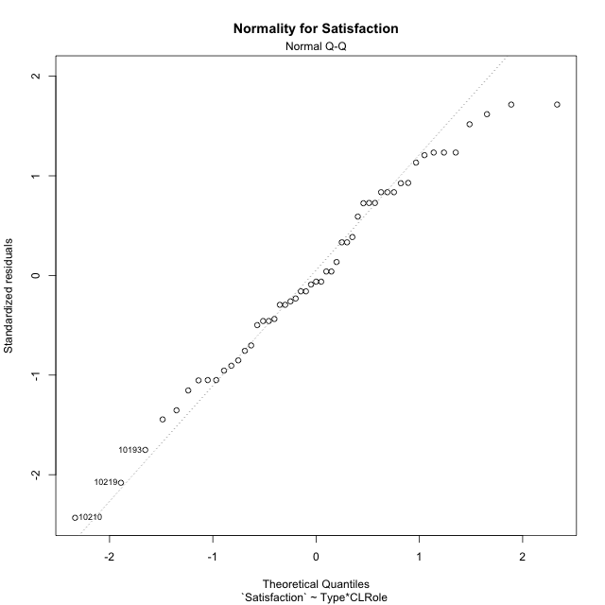

Levene's Test for Homogeneity of Variance in Satisfaction
Df | F value | Pr(>F)
3 | 0.6803474326 | 0.56848069989
47

Plots for homogeneity of variance
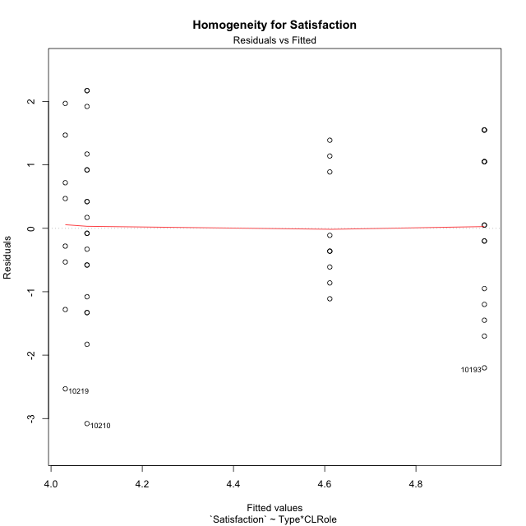

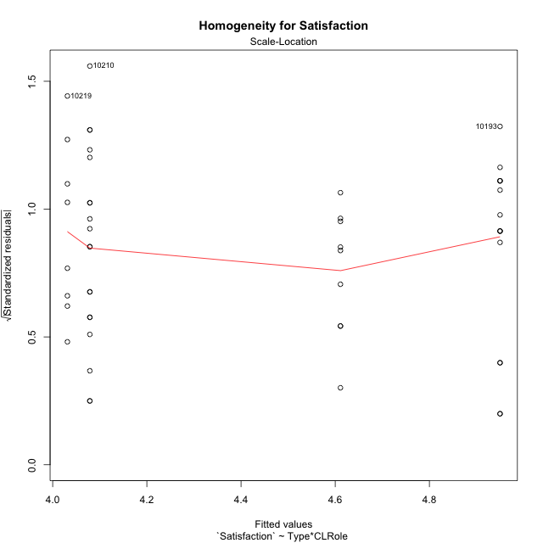

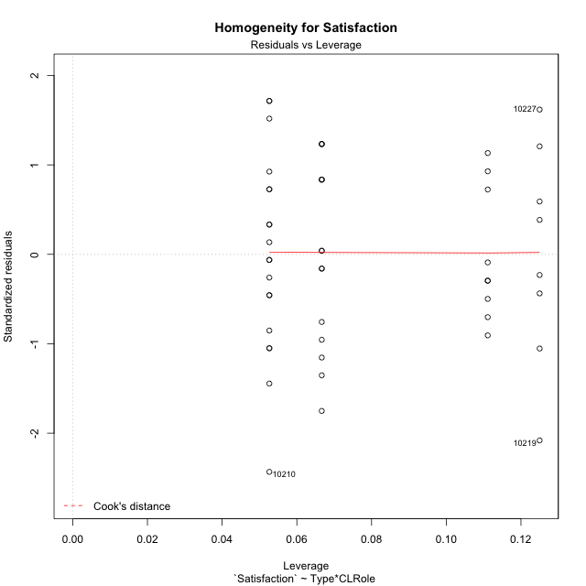

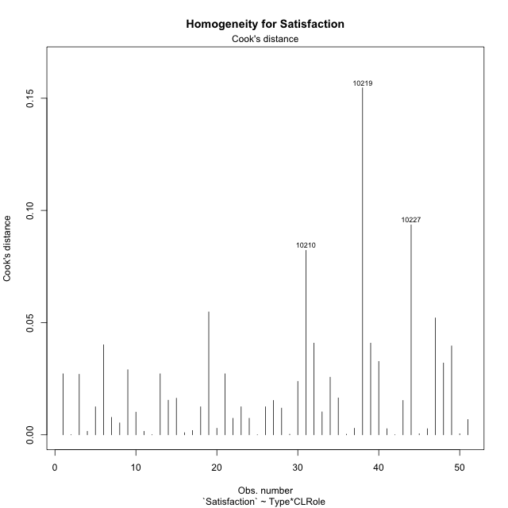

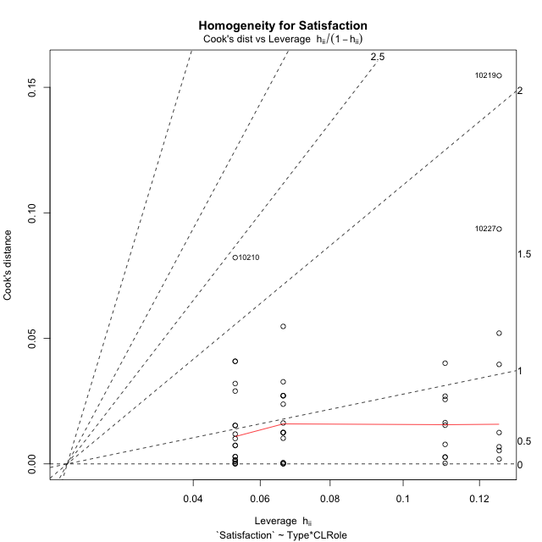

Minimum Sample Size Test for Satisfaction
Type | CLRole | Freq
ont-gamified | Apprentice | 15
w/o-gamified | Apprentice | 19
ont-gamified | Master | 9
w/o-gamified | Master | 8

Errors and Warnings in Sample Size Test for ANOVA in Satisfaction
code | description
WARN: sample.size | current.size is = 9 and recommended.size must be = 15 for the group: 'ont-gamified:Master'. Size sample for parametric test isn't recomended
WARN: sample.size | current.size is = 8 and recommended.size must be = 15 for the group: 'w/o-gamified:Master'. Size sample for parametric test isn't recomended

For the group: 'ont-gamified:Apprentice', you can perform a parametric test with a non-normal distribution For the group: 'w/o-gamified:Apprentice', you can perform a parametric test with a non-normal distribution For the group: 'ont-gamified:Master', we recommend the use of non parametric test. For the group: 'w/o-gamified:Master', we recommend the use of non parametric test.

If you don't want to remove non-normal data, you must cite the following references: ... (1) Lix, L.M., J.C. Keselman, and H.J. Keselman. 1996. Consequences of assumption violations revisited: A quantitative review of alternatives to the one-way analysis of variance F test. Rev. Educ. Res. 66: 579-619. ... (2) Harwell, M.R., E.N. Rubinstein, W.S. Hayes, and C.C. Olds. 1992. Summarizing Monte Carlo results in methodological research: the one- and two-factor fixed effects ANOVA cases. J. Educ. Stat. 17: 315-339.

Post-hoc
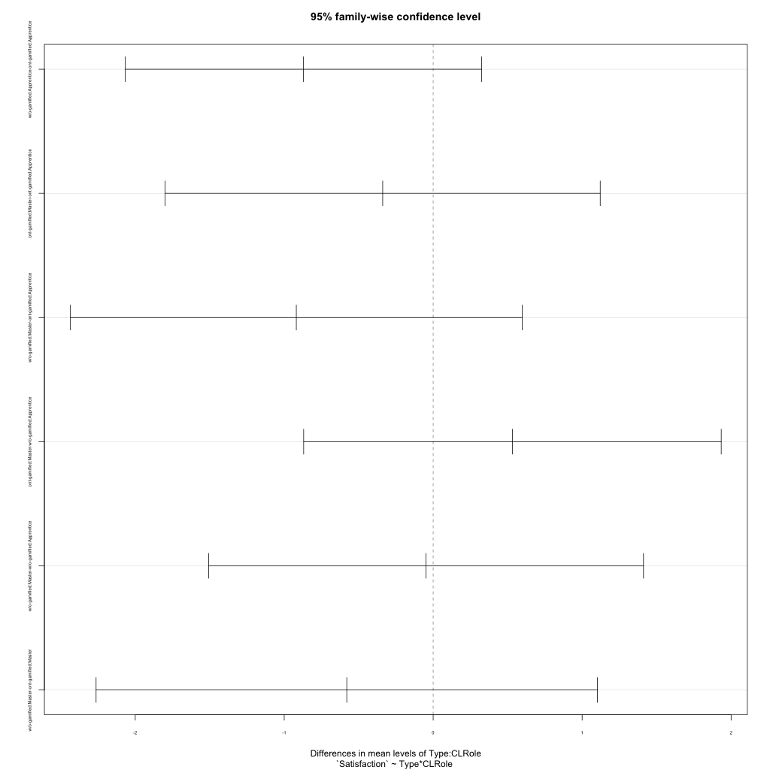
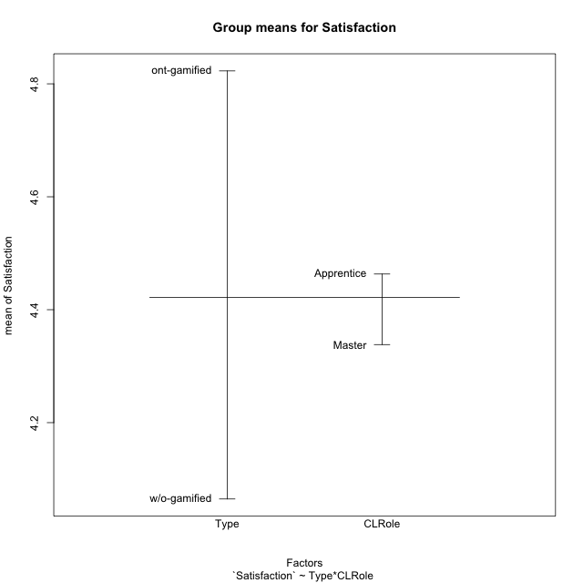
Post-hoc Tukey Honestly Significant Difference (HSD) Test for Satisfaction

Comparisons of means for Type
 | diff | lwr | upr | p adj
w/o-gamified-ont-gamified | -0.75810185185 | -1.4920008773 | -0.024202826441 | 0.043188157909

Comparisons of means for CLRole
 | diff | lwr | upr | p adj
Master-Apprentice | -0.19189133987 | -0.96896089619 | 0.58517821645 | 0.62165730774

Comparisons of means for Type:CLRole
 | diff | lwr | upr | p adj
w/o-gamified:Apprentice-ont-gamified:Apprentice | -0.87105263158 | -2.0672929561 | 0.32518769296 | 0.22586610664
ont-gamified:Master-ont-gamified:Apprentice | -0.33888888889 | -1.7991823691 | 1.1214045913 | 0.92579743762
w/o-gamified:Master-ont-gamified:Apprentice | -0.91875 | -2.4350135837 | 0.59751358371 | 0.38088339117
ont-gamified:Master-w/o-gamified:Apprentice | 0.53216374269 | -0.86930162475 | 1.9336291101 | 0.74362370312
w/o-gamified:Master-w/o-gamified:Apprentice | -0.047697368421 | -1.5073902755 | 1.4119955387 | 0.9997602108
w/o-gamified:Master-ont-gamified:Master | -0.57986111111 | -2.2627661938 | 1.1030439716 | 0.79552898704

Contrast Matrices for Satisfaction
contrast | CLRole | estimate | SE | df | t.ratio | p.value
ont-gamified - w/o-gamified | Apprentice | 0.87105263158 | 0.44914212795 | 47 | 1.9393696948 | 0.058472109675
ont-gamified - w/o-gamified | Master | 0.57986111111 | 0.63186598418 | 47 | 0.91769635592 | 0.36346328371

Least Squares Means and Confidence Intervals
Type | CLRole | lsmean | SE | df | lower.CL | upper.CL
ont-gamified | Apprentice | 4.95 | 0.33575395275 | 47 | 4.2745501706 | 5.6254498294
w/o-gamified | Apprentice | 4.0789473684 | 0.29832521567 | 47 | 3.4787944458 | 4.6791002911
ont-gamified | Master | 4.6111111111 | 0.43345648914 | 47 | 3.739109131 | 5.4831130913
w/o-gamified | Master | 4.03125 | 0.45975003424 | 47 | 3.1063522299 | 4.9561477701

Plots

Type_1
Student's t-Test for Satisfaction in Type between ont-gamified:w/o-gamified

Student's t-Test results
Alternative hypothesis: less
Group | N | Mean | Mean.Difference | Std.deviation | Std.error | CI.lower | CI.upper | df | t.value | p.value | g | magnitude
ont-gamified | 24 | 4.8229166667 | 0.75810185185 | 1.1432200107 | 0.23335880749 | 4.3561990517 | 5.2896342816 | 48.739823353 | 2.1375181494 | 0.98120084159 | 0.58369219433 | medium
w/o-gamified | 27 | 4.0648148148 | -0.75810185185 | 1.387777333 | 0.26707787226 | 3.5306590703 | 4.5989705593 | 48.739823353 | 2.1375181494 | 0.98120084159 | 0.58369219433 | medium
Alternative hypothesis: greater
Group | N | Mean | Mean.Difference | Std.deviation | Std.error | CI.lower | CI.upper | df | t.value | p.value | g | magnitude
ont-gamified | 24 | 4.8229166667 | 0.75810185185 | 1.1432200107 | 0.23335880749 | 4.3561990517 | 5.2896342816 | 48.739823353 | 2.1375181494 | 0.018799158407 | 0.58369219433 | medium
w/o-gamified | 27 | 4.0648148148 | -0.75810185185 | 1.387777333 | 0.26707787226 | 3.5306590703 | 4.5989705593 | 48.739823353 | 2.1375181494 | 0.018799158407 | 0.58369219433 | medium
Alternative hypothesis: two.sided
Group | N | Mean | Mean.Difference | Std.deviation | Std.error | CI.lower | CI.upper | df | t.value | p.value | g | magnitude
ont-gamified | 24 | 4.8229166667 | 0.75810185185 | 1.1432200107 | 0.23335880749 | 4.3561990517 | 5.2896342816 | 48.739823353 | 2.1375181494 | 0.037598316813 | 0.58369219433 | medium
w/o-gamified | 27 | 4.0648148148 | -0.75810185185 | 1.387777333 | 0.26707787226 | 3.5306590703 | 4.5989705593 | 48.739823353 | 2.1375181494 | 0.037598316813 | 0.58369219433 | medium

Box plots for Student's t-Test
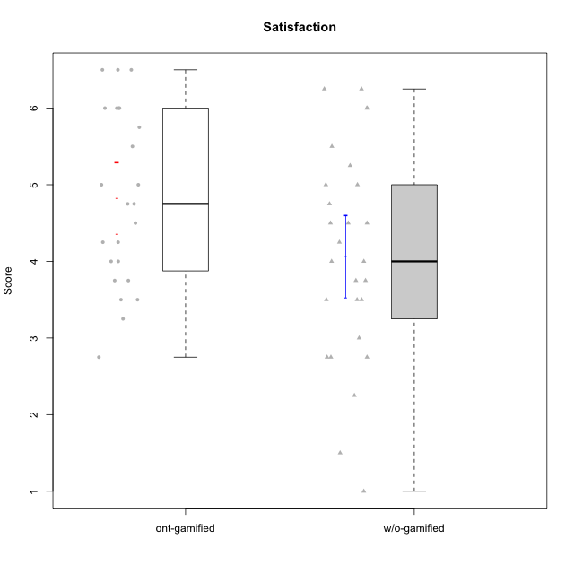

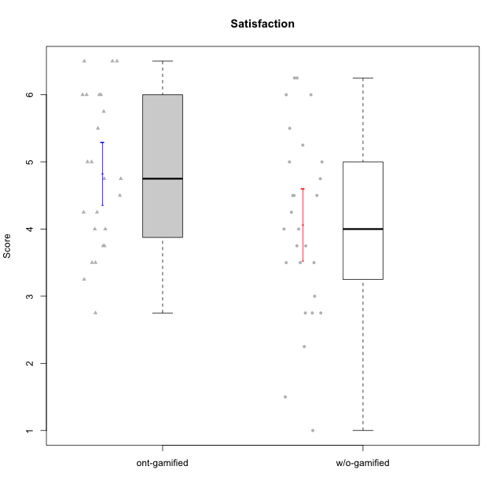

Student's t-Test data
UserID | NroUSP | Type | CLGroup | CLRole | PlayerRole | Item08IE | Item09IE | Item11IE | Item12IE | Item21IE | Item24IE | Item03PC | Item05PC | Item13PC | Item18PC | Item20PC | Item02PT | Item04PT | Item06PT | Item23PT | Item01EI | Item14EI | Item19EI | Item22EI | Item18A | Item25A | Item20A | Item07A | Item13A | Item01S | Item02S | Item05S | Item21S | Interest/Enjoyment | Perceived Choice | Pressure/Tension | Effort/Importance | Attention | Satisfaction | Intrinsic Motivation | Level of Motivation
10169 | 10377538 | ont-gamified | Resistance | Apprentice | Social Achiever | 7 | 7 | 7 | 7 | 7 | 7 | 4 | 2 | 4 | 2 | 2 | 7 | 7 | 6 | 1 | 5 | 5 | 5 | 6 | 7 | 7 | 7 | 7 | 7 | 7 | 7 | 7 | 3 | 7 | 5.2 | 6.75 | 4.25 | 7 | 6.5 | 4.7368421053 | 6.7777777778
10170 | 10260351 | w/o-gamified | Grupo11 | Apprentice |  | 6 | 4 | 4 | 3 | 4 | 4 | 3 | 2 | 2 | 1 | 3 | 1 | 1 | 1 | 1 | 3 | 4 | 3 | 5 | 6 | 5 | 6 | 5 | 6 | 4 | 4 | 5 | 5 | 4.1666666667 | 5.8 | 2.5 | 4.75 | 5.6 | 4 | 5 | 4.8888888889
10171 | 698531 | ont-gamified | Mafia | Master | Social Achiever | 6 | 6 | 6 | 5 | 7 | 5 | 2 | 2 | 2 | 2 | 1 | 2 | 2 | 1 | 6 | 1 | 7 | 1 | 6 | 6 | 5 | 6 | 5 | 6 | 6 | 6 | 4 | 1 | 5.8333333333 | 6.2 | 1.75 | 6.75 | 5.6 | 5.75 | 6.2105263158 | 5.6666666667
10172 | 10273971 | w/o-gamified | Grupo5 | Apprentice |  | 7 | 5 | 5 | 4 | 5 | 5 | 5 | 6 | 5 | 5 | 5 | 4 | 6 | 5 | 5 | 5 | 4 | 5 | 5 | 5 | 5 | 5 | 6 | 6 | 6 | 4 | 5 | 5 | 5.1666666667 | 2.8 | 4.5 | 3.75 | 5.4 | 4.5 | 3.8947368421 | 5
10174 | 10276852 | w/o-gamified | Grupo7 | Master |  | 6 | 4 | 4 | 3 | 4 | 6 | 4 | 4 | 4 | 3 | 4 | 4 | 5 | 6 | 5 | 5 | 4 | 2 | 4 | 5 | 4 | 4 | 6 | 4 | 6 | 5 | 4 | 4 | 4.5 | 4.2 | 4.5 | 4.25 | 4.6 | 4.75 | 4.1578947368 | 4.6666666667
10175 | 10310700 | ont-gamified | Warriors | Master | Social Achiever | 4 | 4 | 4 | 4 | 4 | 4 | 3 | 1 | 1 | 1 | 1 | 1 | 1 | 1 | 7 | 1 | 4 | 1 | 4 | 5 | 5 | 5 | 6 | 6 | 6 | 6 | 5 | 1 | 4 | 6.6 | 1 | 5.5 | 5.4 | 6 | 5.6315789474 | 5.6666666667
10176 | 10276949 | ont-gamified | Outlaws | Master | Social Achiever | 4 | 4 | 4 | 3 | 4 | 4 | 4 | 4 | 6 | 5 | 4 | 4 | 6 | 6 | 4 | 4 | 4 | 5 | 4 | 5 | 5 | 5 | 4 | 4 | 4 | 4 | 4 | 4 | 3.8333333333 | 3.4 | 5 | 3.75 | 4.6 | 4 | 3.5263157895 | 4.3333333333
10179 | 10310759 | w/o-gamified | Grupo10 | Master |  | 3 | 3 | 2 | 6 | 4 | 4 | 7 | 6 | 5 | 5 | 4 | 1 | 1 | 2 | 7 | 2 | 6 | 1 | 5 | 4 | 4 | 4 | 2 | 4 | 3 | 4 | 5 | 2 | 3.6666666667 | 2.6 | 1.25 | 6 | 3.6 | 4.5 | 4.5263157895 | 4
10181 | 10276866 | w/o-gamified | Grupo2 | Apprentice |  | 2 | 3 | 1 | 2 | 3 | 2 | 5 | 1 | 5 | 5 | 3 | 4 | 1 | 5 | 4 | 7 | 1 | 4 | 5 | 4 | 4 | 4 | 5 | 4 | 1 | 1 | 3 | 4 | 2.1666666667 | 4.2 | 3.5 | 2.75 | 4.2 | 2.25 | 3.3157894737 | 3.3333333333
10183 | 10352030 | w/o-gamified | Grupo3 | Apprentice |  | 3 | 3 | 3 | 3 | 3 | 2 | 4 | 4 | 2 | 3 | 5 | 4 | 4 | 5 | 2 | 4 | 2 | 3 | 4 | 2 | 2 | 2 | 2 | 3 | 2 | 2 | 4 | 4 | 2.8333333333 | 4.4 | 4.75 | 3.75 | 2.2 | 3 | 3.5263157895 | 2.5555555556
10184 | 10276675 | w/o-gamified | Grupo10 | Apprentice |  | 4 | 4 | 4 | 4 | 3 | 4 | 4 | 5 | 3 | 4 | 4 | 4 | 3 | 4 | 4 | 4 | 3 | 4 | 4 | 4 | 4 | 4 | 2 | 4 | 6 | 4 | 4 | 4 | 3.8333333333 | 4 | 3.75 | 3.75 | 3.6 | 4.5 | 3.9473684211 | 4
10185 | 10276960 | w/o-gamified | Grupo9 | Apprentice |  | 6 | 4 | 5 | 5 | 3 | 6 | 3 | 6 | 5 | 6 | 3 | 4 | 4 | 5 | 4 | 4 | 4 | 3 | 5 | 3 | 5 | 3 | 4 | 3 | 4 | 5 | 5 | 6 | 4.8333333333 | 3.4 | 4.25 | 4.5 | 3.6 | 4 | 4.1578947368 | 3.7777777778
10186 | 10310551 | ont-gamified | Slayers | Apprentice | Social Achiever | 6 | 4 | 6 | 1 | 3 | 3 | 4 | 4 | 4 | 4 | 1 | 5 | 4 | 4 | 1 | 1 | 7 | 1 | 7 | 4 | 1 | 4 | 1 | 4 | 7 | 7 | 5 | 1 | 3.8333333333 | 4.6 | 5 | 7 | 2.8 | 6.5 | 4.5263157895 | 4.4444444444
10188 | 10276995 | ont-gamified | Vandals | Master | Yee Achiever | 4 | 3 | 1 | 4 | 3 | 3 | 3 | 1 | 3 | 1 | 1 | 1 | 1 | 1 | 7 | 2 | 4 | 3 | 1 | 4 | 4 | 3 | 2 | 4 | 3 | 3 | 3 | 2 | 3 | 6.2 | 1 | 4 | 3.4 | 3.75 | 4.8947368421 | 3.5555555556
10189 | 9363926 | ont-gamified | Vikings | Apprentice | Social Achiever | 4 | 2 | 1 | 1 | 2 | 2 | 5 | 5 | 5 | 4 | 4 | 1 | 1 | 2 | 4 | 1 | 5 | 3 | 6 | 2 | 1 | 1 | 1 | 3 | 3 | 2 | 3 | 1 | 2 | 3.4 | 2 | 5.75 | 1.6 | 3.75 | 4 | 2.5555555556
10190 | 10276907 | w/o-gamified | Grupo4 | Apprentice |  | 3 | 3 | 3 | 2 | 4 | 4 | 7 | 7 | 3 | 5 | 4 | 5 | 7 | 6 | 5 | 3 | 4 | 5 | 4 | 6 | 5 | 5 | 5 | 3 | 3 | 4 | 4 | 4 | 3.1666666667 | 2.8 | 5.25 | 4 | 4.8 | 3.75 | 3.1578947368 | 4.3333333333
10191 | 10276981 | w/o-gamified | Grupo1 | Master |  | 3 | 3 | 3 | 1 | 2 | 2 | 5 | 5 | 5 | 4 | 5 | 1 | 1 | 1 | 7 | 2 | 4 | 4 | 4 | 2 | 4 | 2 | 4 | 5 | 4 | 4 | 5 | 6 | 2.3333333333 | 3.2 | 1 | 4.5 | 3.4 | 3.75 | 4 | 3.5555555556
10192 | 10276682 | ont-gamified | Attractive Devils | Apprentice | Social Achiever | 4 | 4 | 6 | 4 | 5 | 1 | 3 | 2 | 3 | 4 | 4 | 4 | 4 | 4 | 3 | 1 | 7 | 5 | 5 | 4 | 4 | 4 | 7 | 6 | 7 | 6 | 7 | 4 | 4 | 4.8 | 4.25 | 5.5 | 5 | 6 | 4.4736842105 | 5.4444444444
10193 | 10276762 | ont-gamified | Vandals | Apprentice | Yee Achiever | 1 | 2 | 1 | 1 | 1 | 2 | 1 | 1 | 1 | 1 | 1 | 1 | 1 | 2 | 1 | 1 | 1 | 2 | 2 | 2 | 1 | 2 | 1 | 1 | 1 | 2 | 1 | 1 | 1.3333333333 | 7 | 2.75 | 4 | 1.4 | 2.75 | 4.2105263158 | 2
10197 | 10276661 | w/o-gamified | Grupo8 | Apprentice |  | 5 | 3 | 5 | 4 | 2 | 2 | 2 | 3 | 4 | 2 | 4 | 3 | 3 | 5 | 5 | 3 | 4 | 3 | 4 | 7 | 4 | 4 | 5 | 3 | 4 | 4 | 2 | 4 | 3.5 | 5 | 3.5 | 4.5 | 4.6 | 3.5 | 4.3157894737 | 4.1111111111
10198 | 10310888 | ont-gamified | Attractive Devils | Apprentice | Social Achiever | 4 | 6 | 4 | 5 | 3 | 2 | 1 | 4 | 5 | 6 | 6 | 4 | 4 | 4 | 3 | 2 | 6 | 3 | 6 | 5 | 5 | 6 | 7 | 5 | 7 | 7 | 6 | 2 | 4 | 3.6 | 4.25 | 5.75 | 5.6 | 6.5 | 4.2105263158 | 6
10199 | 10276737 | w/o-gamified | Grupo1 | Apprentice |  | 4 | 3 | 4 | 1 | 3 | 3 | 3 | 5 | 3 | 5 | 5 | 4 | 2 | 3 | 4 | 4 | 4 | 4 | 5 | 5 | 4 | 3 | 3 | 4 | 6 | 4 | 4 | 2 | 3 | 3.8 | 3.25 | 4.25 | 3.8 | 5 | 3.8421052632 | 4.3333333333
10200 | 9795272 | ont-gamified | Warriors | Apprentice | Social Achiever | 5 | 4 | 5 | 3 | 5 | 5 | 3 | 4 | 5 | 2 | 2 | 5 | 5 | 4 | 3 | 1 | 6 | 1 | 6 | 4 | 5 | 4 | 6 | 5 | 5 | 6 | 7 | 2 | 4.5 | 4.8 | 4.75 | 6.5 | 4.8 | 6 | 4.7368421053 | 5.3333333333
10201 | 10276928 | w/o-gamified | Grupo11 | Apprentice |  | 6 | 5 | 5 | 6 | 6 | 3 | 5 | 3 | 3 | 4 | 4 | 3 | 2 | 4 | 5 | 3 | 5 | 3 | 5 | 6 | 5 | 6 | 6 | 6 | 6 | 5 | 6 | 5 | 5.1666666667 | 4.2 | 3 | 5 | 5.8 | 5 | 4.8421052632 | 5.4444444444
10202 | 10277036 | ont-gamified | Silly Knights | Apprentice | Social Achiever | 3 | 3 | 3 | 3 | 3 | 3 | 3 | 2 | 2 | 5 | 2 | 3 | 3 | 3 | 3 | 2 | 5 | 2 | 5 | 2 | 3 | 2 | 2 | 3 | 5 | 5 | 5 | 3 | 3 | 5.2 | 3.5 | 5.5 | 2.4 | 5 | 4.4210526316 | 3.5555555556
10203 | 9921470 | ont-gamified | Mercenaries | Apprentice | Social Achiever | 3 | 5 | 4 | 5 | 4 | 4 | 4 | 1 | 1 | 1 | 1 | 2 | 5 | 1 | 3 | 1 | 7 | 1 | 6 | 4 | 5 | 7 | 6 | 5 | 5 | 7 | 7 | 3 | 4.1666666667 | 6.4 | 3.25 | 6.75 | 5.4 | 6 | 5.4210526316 | 5.6666666667
10204 | 10310471 | w/o-gamified | Grupo6 | Apprentice |  | 1 | 1 | 1 | 1 | 1 | 1 | 7 | 7 | 7 | 7 | 7 | 7 | 7 | 7 | 1 | 4 | 4 | 1 | 7 | 1 | 1 | 1 | 1 | 1 | 2 | 1 | 4 | 4 | 1 | 1 | 7 | 5.5 | 1 | 2.75 | 1.9473684211 | 1.7777777778
10206 | 10310721 | w/o-gamified | Grupo8 | Apprentice |  | 4 | 4 | 2 | 3 | 5 | 4 | 3 | 2 | 3 | 2 | 2 | 3 | 2 | 3 | 4 | 2 | 5 | 2 | 5 | 4 | 6 | 4 | 4 | 5 | 5 | 5 | 6 | 3 | 3.6666666667 | 5.6 | 3 | 5.5 | 4.6 | 5.25 | 4.8421052632 | 4.8888888889
10208 | 10276932 | ont-gamified | Mercenaries | Master | Social Achiever | 4 | 4 | 4 | 3 | 4 | 4 | 4 | 2 | 4 | 4 | 2 | 2 | 2 | 2 | 5 | 2 | 5 | 2 | 4 | 2 | 2 | 2 | 3 | 4 | 5 | 5 | 3 | 3 | 3.8333333333 | 4.8 | 2.25 | 5.25 | 2.6 | 4.5 | 4.7894736842 | 3.4444444444
10209 | 10262669 | ont-gamified | Mafia | Apprentice | Social Achiever | 2 | 2 | 4 | 2 | 2 | 2 | 7 | 7 | 7 | 7 | 7 | 2 | 1 | 1 | 7 | 2 | 3 | 3 | 2 | 2 | 2 | 1 | 2 | 4 | 2 | 2 | 3 | 1 | 2.3333333333 | 1 | 1.25 | 4 | 2.2 | 3.5 | 3.2631578947 | 2.7777777778
10210 | 10277015 | w/o-gamified | Grupo6 | Apprentice |  | 1 | 1 | 1 | 1 | 1 | 1 | 7 | 7 | 7 | 7 | 7 | 7 | 7 | 7 | 1 | 1 | 7 | 1 | 7 | 1 | 1 | 1 | 1 | 1 | 1 | 1 | 1 | 7 | 1 | 1 | 7 | 7 | 1 | 1 | 2.2631578947 | 1
10213 | 10277040 | w/o-gamified | Grupo7 | Apprentice |  | 4 | 3 | 7 | 1 | 4 | 4 | 7 | 7 | 7 | 7 | 7 | 1 | 7 | 7 | 4 | 1 | 7 | 1 | 7 | 5 | 7 | 7 | 7 | 4 | 7 | 4 | 7 | 1 | 3.8333333333 | 1 | 4.75 | 7 | 6 | 6.25 | 3.6315789474 | 6.1111111111
10214 | 10277022 | ont-gamified | Vikings | Apprentice | Social Achiever | 2 | 1 | 1 | 1 | 1 | 1 | 6 | 2 | 6 | 7 | 6 | 5 | 1 | 4 | 2 | 1 | 7 | 1 | 7 | 1 | 2 | 1 | 1 | 2 | 3 | 4 | 4 | 3 | 1.1666666667 | 2.6 | 4 | 7 | 1.4 | 4 | 3.3684210526 | 2.5555555556
10215 | 9285227 | ont-gamified | Vikings | Master | Social Achiever | 5 | 5 | 2 | 3 | 4 | 5 | 5 | 1 | 2 | 4 | 1 | 1 | 1 | 1 | 1 | 1 | 2 | 4 | 1 | 4 | 4 | 1 | 1 | 3 | 3 | 3 | 1 | 1 | 4 | 5.4 | 2.5 | 3.5 | 2.6 | 3.5 | 4.5789473684 | 3
10216 | 10276720 | ont-gamified | Silly Knights | Master | Social Achiever | 4 | 5 | 3 | 7 | 4 | 5 | 3 | 2 | 2 | 1 | 3 | 1 | 1 | 1 | 7 | 1 | 4 | 2 | 4 | 4 | 6 | 5 | 2 | 4 | 5 | 5 | 6 | 2 | 4.6666666667 | 5.8 | 1 | 5.25 | 4.2 | 5.5 | 5.5789473684 | 4.7777777778
10217 | 9805341 | w/o-gamified | Grupo9 | Apprentice |  | 5 | 5 | 3 | 4 | 5 | 4 | 4 | 5 | 4 | 4 | 2 | 1 | 1 | 1 | 7 | 3 | 3 | 4 | 2 | 3 | 4 | 4 | 4 | 6 | 4 | 4 | 4 | 3 | 4.3333333333 | 4.2 | 1 | 3.5 | 4.2 | 4.25 | 4.6842105263 | 4.2222222222
10218 | 9842913 | w/o-gamified | Grupo10 | Apprentice |  | 4 | 4 | 4 | 4 | 4 | 4 | 4 | 5 | 4 | 5 | 4 | 4 | 5 | 4 | 5 | 4 | 4 | 4 | 5 | 3 | 4 | 4 | 5 | 4 | 4 | 3 | 3 | 4 | 4 | 3.6 | 4 | 4.25 | 4 | 3.5 | 3.9473684211 | 3.7777777778
10219 | 10276831 | w/o-gamified | Grupo3 | Master |  | 1 | 2 | 1 | 4 | 1 | 2 | 7 | 7 | 1 | 4 | 7 | 1 | 1 | 1 | 7 | 5 | 1 | 7 | 2 | 3 | 2 | 2 | 3 | 2 | 1 | 1 | 1 | 5 | 1.8333333333 | 2.8 | 1 | 1.75 | 2.4 | 1.5 | 3.1578947368 | 2
10220 | 9760151 | w/o-gamified | Grupo3 | Apprentice |  | 4 | 1 | 1 | 1 | 4 | 4 | 1 | 1 | 1 | 4 | 1 | 1 | 1 | 1 | 7 | 1 | 4 | 1 | 7 | 1 | 1 | 1 | 1 | 1 | 7 | 4 | 7 | 1 | 2.5 | 6.4 | 1 | 6.25 | 1 | 6.25 | 5.2631578947 | 3.3333333333
10221 | 9082496 | ont-gamified | Warriors | Apprentice | Social Achiever | 3 | 3 | 2 | 2 | 3 | 3 | 4 | 4 | 6 | 5 | 6 | 4 | 2 | 6 | 6 | 2 | 5 | 3 | 5 | 4 | 2 | 3 | 3 | 2 | 4 | 3 | 5 | 7 | 2.6666666667 | 3 | 3.5 | 5.25 | 2.8 | 3.25 | 3.6842105263 | 3
10223 | 9795185 | ont-gamified | Slayers | Master | Social Achiever | 6 | 5 | 4 | 5 | 5 | 5 | 4 | 4 | 4 | 3 | 4 | 4 | 4 | 2 | 4 | 4 | 5 | 4 | 4 | 3 | 4 | 4 | 4 | 5 | 4 | 5 | 4 | 4 | 5 | 4.2 | 3.5 | 4.25 | 4 | 4.25 | 4.5263157895 | 4.1111111111
10224 | 9368772 | ont-gamified | Mercenaries | Apprentice | Social Achiever | 4 | 4 | 4 | 4 | 4 | 4 | 5 | 5 | 4 | 4 | 4 | 4 | 5 | 5 | 3 | 4 | 5 | 5 | 6 | 4 | 4 | 4 | 4 | 4 | 5 | 4 | 6 | 3 | 4 | 3.6 | 4.75 | 4.5 | 4 | 5 | 3.8421052632 | 4.4444444444
10226 | 10310342 | w/o-gamified | Grupo4 | Apprentice |  | 4 | 1 | 1 | 1 | 1 | 1 | 7 | 7 | 7 | 7 | 7 | 7 | 7 | 7 | 1 | 7 | 1 | 7 | 1 | 3 | 2 | 1 | 2 | 2 | 3 | 2 | 3 | 5 | 1.5 | 1 | 7 | 1 | 2 | 2.75 | 1.1578947368 | 2.3333333333
10227 | 9274382 | w/o-gamified | Grupo5 | Master |  | 6 | 4 | 3 | 5 | 3 | 5 | 4 | 4 | 3 | 3 | 3 | 5 | 4 | 3 | 5 | 5 | 4 | 3 | 3 | 5 | 5 | 5 | 6 | 6 | 6 | 6 | 6 | 2 | 4.3333333333 | 4.6 | 3.75 | 3.75 | 5.4 | 6 | 4.2631578947 | 5.6666666667
10228 | 10310492 | ont-gamified | Resistance | Apprentice | Social Achiever | 2 | 1 | 1 | 1 | 1 | 2 | 2 | 2 | 1 | 1 | 2 | 2 | 3 | 2 | 1 | 2 | 1 | 1 | 1 | 1 | 1 | 1 | 4 | 3 | 4 | 4 | 4 | 1 | 1.3333333333 | 6.4 | 3.5 | 3.75 | 2 | 4.75 | 3.8421052632 | 3.2222222222
10230 | 10351992 | ont-gamified | Resistance | Master | Social Achiever | 5 | 4 | 4 | 4 | 5 | 5 | 5 | 4 | 3 | 3 | 5 | 5 | 4 | 6 | 6 | 3 | 3 | 2 | 5 | 3 | 4 | 2 | 6 | 4 | 4 | 6 | 2 | 3 | 4.5 | 4 | 4.25 | 4.75 | 3.8 | 4.25 | 4.2631578947 | 4
10231 | 10276911 | w/o-gamified | Grupo9 | Master |  | 4 | 4 | 4 | 6 | 4 | 5 | 1 | 1 | 2 | 2 | 2 | 1 | 1 | 1 | 7 | 3 | 1 | 4 | 1 | 4 | 4 | 4 | 4 | 4 | 7 | 5 | 4 | 2 | 4.5 | 6.4 | 1 | 2.75 | 4 | 5.5 | 5.1578947368 | 4.6666666667
10232 | 10276974 | w/o-gamified | Grupo7 | Apprentice |  | 5 | 4 | 5 | 4 | 4 | 5 | 3 | 3 | 3 | 4 | 4 | 2 | 2 | 2 | 3 | 1 | 5 | 1 | 6 | 4 | 6 | 4 | 5 | 4 | 6 | 5 | 6 | 1 | 4.5 | 4.6 | 2.75 | 6.25 | 4.6 | 6 | 5.0526315789 | 5.2222222222
10234 | 10310676 | w/o-gamified | Grupo4 | Master |  | 2 | 2 | 1 | 1 | 2 | 2 | 6 | 6 | 7 | 6 | 6 | 4 | 2 | 2 | 7 | 6 | 1 | 6 | 4 | 2 | 2 | 2 | 1 | 2 | 1 | 2 | 2 | 2 | 1.6666666667 | 1.8 | 2.25 | 2.25 | 1.8 | 2.75 | 2.6842105263 | 2.2222222222
10237 | 10377688 | ont-gamified | Outlaws | Apprentice | Social Achiever | 3 | 3 | 3 | 4 | 5 | 6 | 6 | 3 | 3 | 3 | 4 | 6 | 5 | 4 | 3 | 2 | 4 | 4 | 5 | 4 | 3 | 3 | 5 | 4 | 3 | 4 | 6 | 2 | 4 | 4.2 | 5 | 4.75 | 3.8 | 4.75 | 4 | 4.2222222222
10238 | 10276953 | w/o-gamified | Grupo2 | Master |  | 4 | 4 | 4 | 3 | 4 | 4 | 7 | 5 | 5 | 5 | 4 | 5 | 5 | 5 | 3 | 1 | 5 | 2 | 5 | 4 | 5 | 4 | 5 | 5 | 3 | 2 | 5 | 4 | 3.8333333333 | 2.8 | 5 | 5.75 | 4.6 | 3.5 | 3.7894736842 | 4.1111111111

Type_CLRole_1
Student's t-Test for Satisfaction in Type:CLRole between ont-gamified.Apprentice:ont-gamified.Master

Student's t-Test results
Alternative hypothesis: less
Group | N | Mean | Mean.Difference | Std.deviation | Std.error | CI.lower | CI.upper | df | t.value | p.value | g | magnitude
ont-gamified.Apprentice | 15 | 4.95 | 0.33888888889 | 1.2754551009 | 0.32932109096 | 4.2913578181 | 5.6086421819 | 21.15935303 | 0.75653290641 | 0.77116444721 | 0.28297787437 | small
ont-gamified.Master | 9 | 4.6111111111 | -0.33888888889 | 0.91096712954 | 0.30365570985 | 4.0037996914 | 5.2184225308 | 21.15935303 | 0.75653290641 | 0.77116444721 | 0.28297787437 | small
Alternative hypothesis: greater
Group | N | Mean | Mean.Difference | Std.deviation | Std.error | CI.lower | CI.upper | df | t.value | p.value | g | magnitude
ont-gamified.Apprentice | 15 | 4.95 | 0.33888888889 | 1.2754551009 | 0.32932109096 | 4.2913578181 | 5.6086421819 | 21.15935303 | 0.75653290641 | 0.22883555279 | 0.28297787437 | small
ont-gamified.Master | 9 | 4.6111111111 | -0.33888888889 | 0.91096712954 | 0.30365570985 | 4.0037996914 | 5.2184225308 | 21.15935303 | 0.75653290641 | 0.22883555279 | 0.28297787437 | small
Alternative hypothesis: two.sided
Group | N | Mean | Mean.Difference | Std.deviation | Std.error | CI.lower | CI.upper | df | t.value | p.value | g | magnitude
ont-gamified.Apprentice | 15 | 4.95 | 0.33888888889 | 1.2754551009 | 0.32932109096 | 4.2913578181 | 5.6086421819 | 21.15935303 | 0.75653290641 | 0.45767110559 | 0.28297787437 | small
ont-gamified.Master | 9 | 4.6111111111 | -0.33888888889 | 0.91096712954 | 0.30365570985 | 4.0037996914 | 5.2184225308 | 21.15935303 | 0.75653290641 | 0.45767110559 | 0.28297787437 | small

Box plots for Student's t-Test
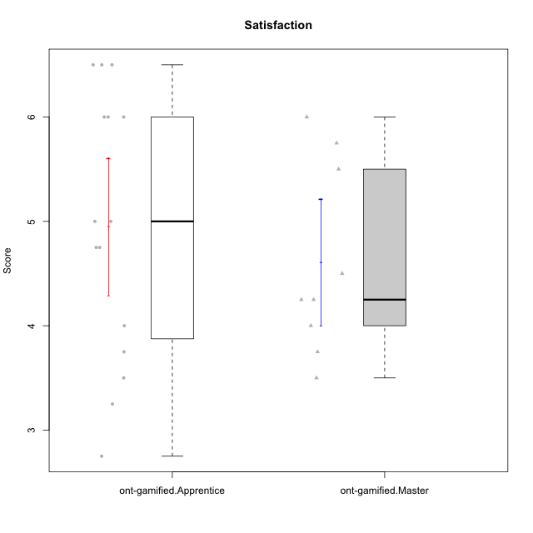

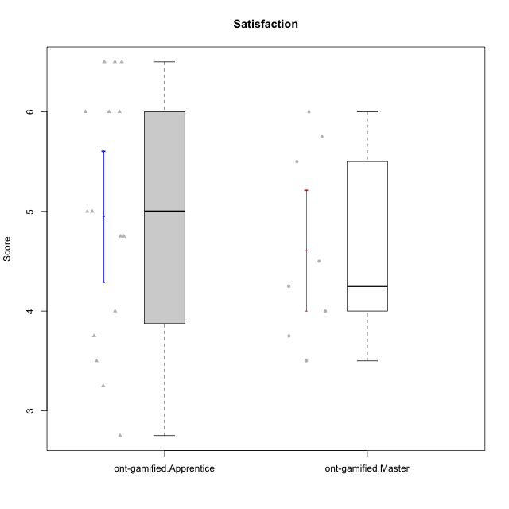

Student's t-Test data
UserID | NroUSP | Type | CLGroup | CLRole | PlayerRole | Item08IE | Item09IE | Item11IE | Item12IE | Item21IE | Item24IE | Item03PC | Item05PC | Item13PC | Item18PC | Item20PC | Item02PT | Item04PT | Item06PT | Item23PT | Item01EI | Item14EI | Item19EI | Item22EI | Item18A | Item25A | Item20A | Item07A | Item13A | Item01S | Item02S | Item05S | Item21S | Interest/Enjoyment | Perceived Choice | Pressure/Tension | Effort/Importance | Attention | Satisfaction | Intrinsic Motivation | Level of Motivation
10169 | 10377538 | ont-gamified | Resistance | Apprentice | Social Achiever | 7 | 7 | 7 | 7 | 7 | 7 | 4 | 2 | 4 | 2 | 2 | 7 | 7 | 6 | 1 | 5 | 5 | 5 | 6 | 7 | 7 | 7 | 7 | 7 | 7 | 7 | 7 | 3 | 7 | 5.2 | 6.75 | 4.25 | 7 | 6.5 | 4.7368421053 | 6.7777777778
10171 | 698531 | ont-gamified | Mafia | Master | Social Achiever | 6 | 6 | 6 | 5 | 7 | 5 | 2 | 2 | 2 | 2 | 1 | 2 | 2 | 1 | 6 | 1 | 7 | 1 | 6 | 6 | 5 | 6 | 5 | 6 | 6 | 6 | 4 | 1 | 5.8333333333 | 6.2 | 1.75 | 6.75 | 5.6 | 5.75 | 6.2105263158 | 5.6666666667
10175 | 10310700 | ont-gamified | Warriors | Master | Social Achiever | 4 | 4 | 4 | 4 | 4 | 4 | 3 | 1 | 1 | 1 | 1 | 1 | 1 | 1 | 7 | 1 | 4 | 1 | 4 | 5 | 5 | 5 | 6 | 6 | 6 | 6 | 5 | 1 | 4 | 6.6 | 1 | 5.5 | 5.4 | 6 | 5.6315789474 | 5.6666666667
10176 | 10276949 | ont-gamified | Outlaws | Master | Social Achiever | 4 | 4 | 4 | 3 | 4 | 4 | 4 | 4 | 6 | 5 | 4 | 4 | 6 | 6 | 4 | 4 | 4 | 5 | 4 | 5 | 5 | 5 | 4 | 4 | 4 | 4 | 4 | 4 | 3.8333333333 | 3.4 | 5 | 3.75 | 4.6 | 4 | 3.5263157895 | 4.3333333333
10186 | 10310551 | ont-gamified | Slayers | Apprentice | Social Achiever | 6 | 4 | 6 | 1 | 3 | 3 | 4 | 4 | 4 | 4 | 1 | 5 | 4 | 4 | 1 | 1 | 7 | 1 | 7 | 4 | 1 | 4 | 1 | 4 | 7 | 7 | 5 | 1 | 3.8333333333 | 4.6 | 5 | 7 | 2.8 | 6.5 | 4.5263157895 | 4.4444444444
10188 | 10276995 | ont-gamified | Vandals | Master | Yee Achiever | 4 | 3 | 1 | 4 | 3 | 3 | 3 | 1 | 3 | 1 | 1 | 1 | 1 | 1 | 7 | 2 | 4 | 3 | 1 | 4 | 4 | 3 | 2 | 4 | 3 | 3 | 3 | 2 | 3 | 6.2 | 1 | 4 | 3.4 | 3.75 | 4.8947368421 | 3.5555555556
10189 | 9363926 | ont-gamified | Vikings | Apprentice | Social Achiever | 4 | 2 | 1 | 1 | 2 | 2 | 5 | 5 | 5 | 4 | 4 | 1 | 1 | 2 | 4 | 1 | 5 | 3 | 6 | 2 | 1 | 1 | 1 | 3 | 3 | 2 | 3 | 1 | 2 | 3.4 | 2 | 5.75 | 1.6 | 3.75 | 4 | 2.5555555556
10192 | 10276682 | ont-gamified | Attractive Devils | Apprentice | Social Achiever | 4 | 4 | 6 | 4 | 5 | 1 | 3 | 2 | 3 | 4 | 4 | 4 | 4 | 4 | 3 | 1 | 7 | 5 | 5 | 4 | 4 | 4 | 7 | 6 | 7 | 6 | 7 | 4 | 4 | 4.8 | 4.25 | 5.5 | 5 | 6 | 4.4736842105 | 5.4444444444
10193 | 10276762 | ont-gamified | Vandals | Apprentice | Yee Achiever | 1 | 2 | 1 | 1 | 1 | 2 | 1 | 1 | 1 | 1 | 1 | 1 | 1 | 2 | 1 | 1 | 1 | 2 | 2 | 2 | 1 | 2 | 1 | 1 | 1 | 2 | 1 | 1 | 1.3333333333 | 7 | 2.75 | 4 | 1.4 | 2.75 | 4.2105263158 | 2
10198 | 10310888 | ont-gamified | Attractive Devils | Apprentice | Social Achiever | 4 | 6 | 4 | 5 | 3 | 2 | 1 | 4 | 5 | 6 | 6 | 4 | 4 | 4 | 3 | 2 | 6 | 3 | 6 | 5 | 5 | 6 | 7 | 5 | 7 | 7 | 6 | 2 | 4 | 3.6 | 4.25 | 5.75 | 5.6 | 6.5 | 4.2105263158 | 6
10200 | 9795272 | ont-gamified | Warriors | Apprentice | Social Achiever | 5 | 4 | 5 | 3 | 5 | 5 | 3 | 4 | 5 | 2 | 2 | 5 | 5 | 4 | 3 | 1 | 6 | 1 | 6 | 4 | 5 | 4 | 6 | 5 | 5 | 6 | 7 | 2 | 4.5 | 4.8 | 4.75 | 6.5 | 4.8 | 6 | 4.7368421053 | 5.3333333333
10202 | 10277036 | ont-gamified | Silly Knights | Apprentice | Social Achiever | 3 | 3 | 3 | 3 | 3 | 3 | 3 | 2 | 2 | 5 | 2 | 3 | 3 | 3 | 3 | 2 | 5 | 2 | 5 | 2 | 3 | 2 | 2 | 3 | 5 | 5 | 5 | 3 | 3 | 5.2 | 3.5 | 5.5 | 2.4 | 5 | 4.4210526316 | 3.5555555556
10203 | 9921470 | ont-gamified | Mercenaries | Apprentice | Social Achiever | 3 | 5 | 4 | 5 | 4 | 4 | 4 | 1 | 1 | 1 | 1 | 2 | 5 | 1 | 3 | 1 | 7 | 1 | 6 | 4 | 5 | 7 | 6 | 5 | 5 | 7 | 7 | 3 | 4.1666666667 | 6.4 | 3.25 | 6.75 | 5.4 | 6 | 5.4210526316 | 5.6666666667
10208 | 10276932 | ont-gamified | Mercenaries | Master | Social Achiever | 4 | 4 | 4 | 3 | 4 | 4 | 4 | 2 | 4 | 4 | 2 | 2 | 2 | 2 | 5 | 2 | 5 | 2 | 4 | 2 | 2 | 2 | 3 | 4 | 5 | 5 | 3 | 3 | 3.8333333333 | 4.8 | 2.25 | 5.25 | 2.6 | 4.5 | 4.7894736842 | 3.4444444444
10209 | 10262669 | ont-gamified | Mafia | Apprentice | Social Achiever | 2 | 2 | 4 | 2 | 2 | 2 | 7 | 7 | 7 | 7 | 7 | 2 | 1 | 1 | 7 | 2 | 3 | 3 | 2 | 2 | 2 | 1 | 2 | 4 | 2 | 2 | 3 | 1 | 2.3333333333 | 1 | 1.25 | 4 | 2.2 | 3.5 | 3.2631578947 | 2.7777777778
10214 | 10277022 | ont-gamified | Vikings | Apprentice | Social Achiever | 2 | 1 | 1 | 1 | 1 | 1 | 6 | 2 | 6 | 7 | 6 | 5 | 1 | 4 | 2 | 1 | 7 | 1 | 7 | 1 | 2 | 1 | 1 | 2 | 3 | 4 | 4 | 3 | 1.1666666667 | 2.6 | 4 | 7 | 1.4 | 4 | 3.3684210526 | 2.5555555556
10215 | 9285227 | ont-gamified | Vikings | Master | Social Achiever | 5 | 5 | 2 | 3 | 4 | 5 | 5 | 1 | 2 | 4 | 1 | 1 | 1 | 1 | 1 | 1 | 2 | 4 | 1 | 4 | 4 | 1 | 1 | 3 | 3 | 3 | 1 | 1 | 4 | 5.4 | 2.5 | 3.5 | 2.6 | 3.5 | 4.5789473684 | 3
10216 | 10276720 | ont-gamified | Silly Knights | Master | Social Achiever | 4 | 5 | 3 | 7 | 4 | 5 | 3 | 2 | 2 | 1 | 3 | 1 | 1 | 1 | 7 | 1 | 4 | 2 | 4 | 4 | 6 | 5 | 2 | 4 | 5 | 5 | 6 | 2 | 4.6666666667 | 5.8 | 1 | 5.25 | 4.2 | 5.5 | 5.5789473684 | 4.7777777778
10221 | 9082496 | ont-gamified | Warriors | Apprentice | Social Achiever | 3 | 3 | 2 | 2 | 3 | 3 | 4 | 4 | 6 | 5 | 6 | 4 | 2 | 6 | 6 | 2 | 5 | 3 | 5 | 4 | 2 | 3 | 3 | 2 | 4 | 3 | 5 | 7 | 2.6666666667 | 3 | 3.5 | 5.25 | 2.8 | 3.25 | 3.6842105263 | 3
10223 | 9795185 | ont-gamified | Slayers | Master | Social Achiever | 6 | 5 | 4 | 5 | 5 | 5 | 4 | 4 | 4 | 3 | 4 | 4 | 4 | 2 | 4 | 4 | 5 | 4 | 4 | 3 | 4 | 4 | 4 | 5 | 4 | 5 | 4 | 4 | 5 | 4.2 | 3.5 | 4.25 | 4 | 4.25 | 4.5263157895 | 4.1111111111
10224 | 9368772 | ont-gamified | Mercenaries | Apprentice | Social Achiever | 4 | 4 | 4 | 4 | 4 | 4 | 5 | 5 | 4 | 4 | 4 | 4 | 5 | 5 | 3 | 4 | 5 | 5 | 6 | 4 | 4 | 4 | 4 | 4 | 5 | 4 | 6 | 3 | 4 | 3.6 | 4.75 | 4.5 | 4 | 5 | 3.8421052632 | 4.4444444444
10228 | 10310492 | ont-gamified | Resistance | Apprentice | Social Achiever | 2 | 1 | 1 | 1 | 1 | 2 | 2 | 2 | 1 | 1 | 2 | 2 | 3 | 2 | 1 | 2 | 1 | 1 | 1 | 1 | 1 | 1 | 4 | 3 | 4 | 4 | 4 | 1 | 1.3333333333 | 6.4 | 3.5 | 3.75 | 2 | 4.75 | 3.8421052632 | 3.2222222222
10230 | 10351992 | ont-gamified | Resistance | Master | Social Achiever | 5 | 4 | 4 | 4 | 5 | 5 | 5 | 4 | 3 | 3 | 5 | 5 | 4 | 6 | 6 | 3 | 3 | 2 | 5 | 3 | 4 | 2 | 6 | 4 | 4 | 6 | 2 | 3 | 4.5 | 4 | 4.25 | 4.75 | 3.8 | 4.25 | 4.2631578947 | 4
10237 | 10377688 | ont-gamified | Outlaws | Apprentice | Social Achiever | 3 | 3 | 3 | 4 | 5 | 6 | 6 | 3 | 3 | 3 | 4 | 6 | 5 | 4 | 3 | 2 | 4 | 4 | 5 | 4 | 3 | 3 | 5 | 4 | 3 | 4 | 6 | 2 | 4 | 4.2 | 5 | 4.75 | 3.8 | 4.75 | 4 | 4.2222222222

Type_CLRole_2
Student's t-Test for Satisfaction in Type:CLRole between ont-gamified.Apprentice:w/o-gamified.Apprentice

Student's t-Test results
Alternative hypothesis: less
Group | N | Mean | Mean.Difference | Std.deviation | Std.error | CI.lower | CI.upper | df | t.value | p.value | g | magnitude
ont-gamified.Apprentice | 15 | 4.95 | 0.87105263158 | 1.2754551009 | 0.32932109096 | 4.2913578181 | 5.6086421819 | 31.230923776 | 1.8987805737 | 0.96656694952 | 0.63359671302 | medium
w/o-gamified.Apprentice | 19 | 4.0789473684 | -0.87105263158 | 1.3920723749 | 0.3193633055 | 3.4402207574 | 4.7176739794 | 31.230923776 | 1.8987805737 | 0.96656694952 | 0.63359671302 | medium
Alternative hypothesis: greater
Group | N | Mean | Mean.Difference | Std.deviation | Std.error | CI.lower | CI.upper | df | t.value | p.value | g | magnitude
ont-gamified.Apprentice | 15 | 4.95 | 0.87105263158 | 1.2754551009 | 0.32932109096 | 4.2913578181 | 5.6086421819 | 31.230923776 | 1.8987805737 | 0.033433050477 | 0.63359671302 | medium
w/o-gamified.Apprentice | 19 | 4.0789473684 | -0.87105263158 | 1.3920723749 | 0.3193633055 | 3.4402207574 | 4.7176739794 | 31.230923776 | 1.8987805737 | 0.033433050477 | 0.63359671302 | medium
Alternative hypothesis: two.sided
Group | N | Mean | Mean.Difference | Std.deviation | Std.error | CI.lower | CI.upper | df | t.value | p.value | g | magnitude
ont-gamified.Apprentice | 15 | 4.95 | 0.87105263158 | 1.2754551009 | 0.32932109096 | 4.2913578181 | 5.6086421819 | 31.230923776 | 1.8987805737 | 0.066866100955 | 0.63359671302 | medium
w/o-gamified.Apprentice | 19 | 4.0789473684 | -0.87105263158 | 1.3920723749 | 0.3193633055 | 3.4402207574 | 4.7176739794 | 31.230923776 | 1.8987805737 | 0.066866100955 | 0.63359671302 | medium

Box plots for Student's t-Test


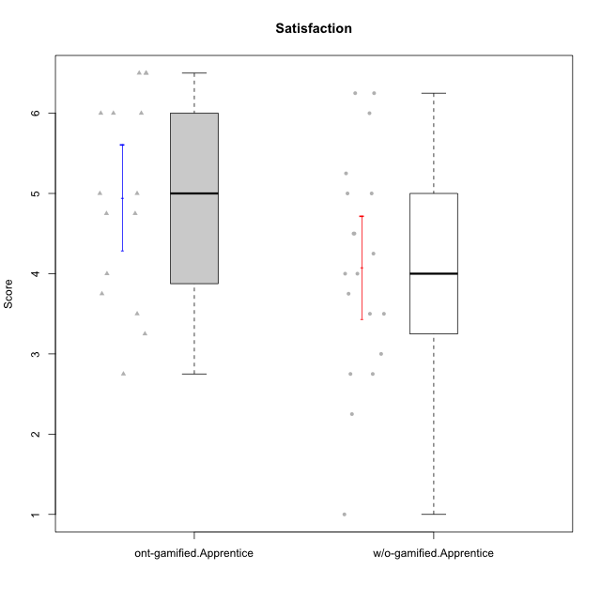

Student's t-Test data
UserID | NroUSP | Type | CLGroup | CLRole | PlayerRole | Item08IE | Item09IE | Item11IE | Item12IE | Item21IE | Item24IE | Item03PC | Item05PC | Item13PC | Item18PC | Item20PC | Item02PT | Item04PT | Item06PT | Item23PT | Item01EI | Item14EI | Item19EI | Item22EI | Item18A | Item25A | Item20A | Item07A | Item13A | Item01S | Item02S | Item05S | Item21S | Interest/Enjoyment | Perceived Choice | Pressure/Tension | Effort/Importance | Attention | Satisfaction | Intrinsic Motivation | Level of Motivation
10169 | 10377538 | ont-gamified | Resistance | Apprentice | Social Achiever | 7 | 7 | 7 | 7 | 7 | 7 | 4 | 2 | 4 | 2 | 2 | 7 | 7 | 6 | 1 | 5 | 5 | 5 | 6 | 7 | 7 | 7 | 7 | 7 | 7 | 7 | 7 | 3 | 7 | 5.2 | 6.75 | 4.25 | 7 | 6.5 | 4.7368421053 | 6.7777777778
10170 | 10260351 | w/o-gamified | Grupo11 | Apprentice |  | 6 | 4 | 4 | 3 | 4 | 4 | 3 | 2 | 2 | 1 | 3 | 1 | 1 | 1 | 1 | 3 | 4 | 3 | 5 | 6 | 5 | 6 | 5 | 6 | 4 | 4 | 5 | 5 | 4.1666666667 | 5.8 | 2.5 | 4.75 | 5.6 | 4 | 5 | 4.8888888889
10172 | 10273971 | w/o-gamified | Grupo5 | Apprentice |  | 7 | 5 | 5 | 4 | 5 | 5 | 5 | 6 | 5 | 5 | 5 | 4 | 6 | 5 | 5 | 5 | 4 | 5 | 5 | 5 | 5 | 5 | 6 | 6 | 6 | 4 | 5 | 5 | 5.1666666667 | 2.8 | 4.5 | 3.75 | 5.4 | 4.5 | 3.8947368421 | 5
10181 | 10276866 | w/o-gamified | Grupo2 | Apprentice |  | 2 | 3 | 1 | 2 | 3 | 2 | 5 | 1 | 5 | 5 | 3 | 4 | 1 | 5 | 4 | 7 | 1 | 4 | 5 | 4 | 4 | 4 | 5 | 4 | 1 | 1 | 3 | 4 | 2.1666666667 | 4.2 | 3.5 | 2.75 | 4.2 | 2.25 | 3.3157894737 | 3.3333333333
10183 | 10352030 | w/o-gamified | Grupo3 | Apprentice |  | 3 | 3 | 3 | 3 | 3 | 2 | 4 | 4 | 2 | 3 | 5 | 4 | 4 | 5 | 2 | 4 | 2 | 3 | 4 | 2 | 2 | 2 | 2 | 3 | 2 | 2 | 4 | 4 | 2.8333333333 | 4.4 | 4.75 | 3.75 | 2.2 | 3 | 3.5263157895 | 2.5555555556
10184 | 10276675 | w/o-gamified | Grupo10 | Apprentice |  | 4 | 4 | 4 | 4 | 3 | 4 | 4 | 5 | 3 | 4 | 4 | 4 | 3 | 4 | 4 | 4 | 3 | 4 | 4 | 4 | 4 | 4 | 2 | 4 | 6 | 4 | 4 | 4 | 3.8333333333 | 4 | 3.75 | 3.75 | 3.6 | 4.5 | 3.9473684211 | 4
10185 | 10276960 | w/o-gamified | Grupo9 | Apprentice |  | 6 | 4 | 5 | 5 | 3 | 6 | 3 | 6 | 5 | 6 | 3 | 4 | 4 | 5 | 4 | 4 | 4 | 3 | 5 | 3 | 5 | 3 | 4 | 3 | 4 | 5 | 5 | 6 | 4.8333333333 | 3.4 | 4.25 | 4.5 | 3.6 | 4 | 4.1578947368 | 3.7777777778
10186 | 10310551 | ont-gamified | Slayers | Apprentice | Social Achiever | 6 | 4 | 6 | 1 | 3 | 3 | 4 | 4 | 4 | 4 | 1 | 5 | 4 | 4 | 1 | 1 | 7 | 1 | 7 | 4 | 1 | 4 | 1 | 4 | 7 | 7 | 5 | 1 | 3.8333333333 | 4.6 | 5 | 7 | 2.8 | 6.5 | 4.5263157895 | 4.4444444444
10189 | 9363926 | ont-gamified | Vikings | Apprentice | Social Achiever | 4 | 2 | 1 | 1 | 2 | 2 | 5 | 5 | 5 | 4 | 4 | 1 | 1 | 2 | 4 | 1 | 5 | 3 | 6 | 2 | 1 | 1 | 1 | 3 | 3 | 2 | 3 | 1 | 2 | 3.4 | 2 | 5.75 | 1.6 | 3.75 | 4 | 2.5555555556
10190 | 10276907 | w/o-gamified | Grupo4 | Apprentice |  | 3 | 3 | 3 | 2 | 4 | 4 | 7 | 7 | 3 | 5 | 4 | 5 | 7 | 6 | 5 | 3 | 4 | 5 | 4 | 6 | 5 | 5 | 5 | 3 | 3 | 4 | 4 | 4 | 3.1666666667 | 2.8 | 5.25 | 4 | 4.8 | 3.75 | 3.1578947368 | 4.3333333333
10192 | 10276682 | ont-gamified | Attractive Devils | Apprentice | Social Achiever | 4 | 4 | 6 | 4 | 5 | 1 | 3 | 2 | 3 | 4 | 4 | 4 | 4 | 4 | 3 | 1 | 7 | 5 | 5 | 4 | 4 | 4 | 7 | 6 | 7 | 6 | 7 | 4 | 4 | 4.8 | 4.25 | 5.5 | 5 | 6 | 4.4736842105 | 5.4444444444
10193 | 10276762 | ont-gamified | Vandals | Apprentice | Yee Achiever | 1 | 2 | 1 | 1 | 1 | 2 | 1 | 1 | 1 | 1 | 1 | 1 | 1 | 2 | 1 | 1 | 1 | 2 | 2 | 2 | 1 | 2 | 1 | 1 | 1 | 2 | 1 | 1 | 1.3333333333 | 7 | 2.75 | 4 | 1.4 | 2.75 | 4.2105263158 | 2
10197 | 10276661 | w/o-gamified | Grupo8 | Apprentice |  | 5 | 3 | 5 | 4 | 2 | 2 | 2 | 3 | 4 | 2 | 4 | 3 | 3 | 5 | 5 | 3 | 4 | 3 | 4 | 7 | 4 | 4 | 5 | 3 | 4 | 4 | 2 | 4 | 3.5 | 5 | 3.5 | 4.5 | 4.6 | 3.5 | 4.3157894737 | 4.1111111111
10198 | 10310888 | ont-gamified | Attractive Devils | Apprentice | Social Achiever | 4 | 6 | 4 | 5 | 3 | 2 | 1 | 4 | 5 | 6 | 6 | 4 | 4 | 4 | 3 | 2 | 6 | 3 | 6 | 5 | 5 | 6 | 7 | 5 | 7 | 7 | 6 | 2 | 4 | 3.6 | 4.25 | 5.75 | 5.6 | 6.5 | 4.2105263158 | 6
10199 | 10276737 | w/o-gamified | Grupo1 | Apprentice |  | 4 | 3 | 4 | 1 | 3 | 3 | 3 | 5 | 3 | 5 | 5 | 4 | 2 | 3 | 4 | 4 | 4 | 4 | 5 | 5 | 4 | 3 | 3 | 4 | 6 | 4 | 4 | 2 | 3 | 3.8 | 3.25 | 4.25 | 3.8 | 5 | 3.8421052632 | 4.3333333333
10200 | 9795272 | ont-gamified | Warriors | Apprentice | Social Achiever | 5 | 4 | 5 | 3 | 5 | 5 | 3 | 4 | 5 | 2 | 2 | 5 | 5 | 4 | 3 | 1 | 6 | 1 | 6 | 4 | 5 | 4 | 6 | 5 | 5 | 6 | 7 | 2 | 4.5 | 4.8 | 4.75 | 6.5 | 4.8 | 6 | 4.7368421053 | 5.3333333333
10201 | 10276928 | w/o-gamified | Grupo11 | Apprentice |  | 6 | 5 | 5 | 6 | 6 | 3 | 5 | 3 | 3 | 4 | 4 | 3 | 2 | 4 | 5 | 3 | 5 | 3 | 5 | 6 | 5 | 6 | 6 | 6 | 6 | 5 | 6 | 5 | 5.1666666667 | 4.2 | 3 | 5 | 5.8 | 5 | 4.8421052632 | 5.4444444444
10202 | 10277036 | ont-gamified | Silly Knights | Apprentice | Social Achiever | 3 | 3 | 3 | 3 | 3 | 3 | 3 | 2 | 2 | 5 | 2 | 3 | 3 | 3 | 3 | 2 | 5 | 2 | 5 | 2 | 3 | 2 | 2 | 3 | 5 | 5 | 5 | 3 | 3 | 5.2 | 3.5 | 5.5 | 2.4 | 5 | 4.4210526316 | 3.5555555556
10203 | 9921470 | ont-gamified | Mercenaries | Apprentice | Social Achiever | 3 | 5 | 4 | 5 | 4 | 4 | 4 | 1 | 1 | 1 | 1 | 2 | 5 | 1 | 3 | 1 | 7 | 1 | 6 | 4 | 5 | 7 | 6 | 5 | 5 | 7 | 7 | 3 | 4.1666666667 | 6.4 | 3.25 | 6.75 | 5.4 | 6 | 5.4210526316 | 5.6666666667
10204 | 10310471 | w/o-gamified | Grupo6 | Apprentice |  | 1 | 1 | 1 | 1 | 1 | 1 | 7 | 7 | 7 | 7 | 7 | 7 | 7 | 7 | 1 | 4 | 4 | 1 | 7 | 1 | 1 | 1 | 1 | 1 | 2 | 1 | 4 | 4 | 1 | 1 | 7 | 5.5 | 1 | 2.75 | 1.9473684211 | 1.7777777778
10206 | 10310721 | w/o-gamified | Grupo8 | Apprentice |  | 4 | 4 | 2 | 3 | 5 | 4 | 3 | 2 | 3 | 2 | 2 | 3 | 2 | 3 | 4 | 2 | 5 | 2 | 5 | 4 | 6 | 4 | 4 | 5 | 5 | 5 | 6 | 3 | 3.6666666667 | 5.6 | 3 | 5.5 | 4.6 | 5.25 | 4.8421052632 | 4.8888888889
10209 | 10262669 | ont-gamified | Mafia | Apprentice | Social Achiever | 2 | 2 | 4 | 2 | 2 | 2 | 7 | 7 | 7 | 7 | 7 | 2 | 1 | 1 | 7 | 2 | 3 | 3 | 2 | 2 | 2 | 1 | 2 | 4 | 2 | 2 | 3 | 1 | 2.3333333333 | 1 | 1.25 | 4 | 2.2 | 3.5 | 3.2631578947 | 2.7777777778
10210 | 10277015 | w/o-gamified | Grupo6 | Apprentice |  | 1 | 1 | 1 | 1 | 1 | 1 | 7 | 7 | 7 | 7 | 7 | 7 | 7 | 7 | 1 | 1 | 7 | 1 | 7 | 1 | 1 | 1 | 1 | 1 | 1 | 1 | 1 | 7 | 1 | 1 | 7 | 7 | 1 | 1 | 2.2631578947 | 1
10213 | 10277040 | w/o-gamified | Grupo7 | Apprentice |  | 4 | 3 | 7 | 1 | 4 | 4 | 7 | 7 | 7 | 7 | 7 | 1 | 7 | 7 | 4 | 1 | 7 | 1 | 7 | 5 | 7 | 7 | 7 | 4 | 7 | 4 | 7 | 1 | 3.8333333333 | 1 | 4.75 | 7 | 6 | 6.25 | 3.6315789474 | 6.1111111111
10214 | 10277022 | ont-gamified | Vikings | Apprentice | Social Achiever | 2 | 1 | 1 | 1 | 1 | 1 | 6 | 2 | 6 | 7 | 6 | 5 | 1 | 4 | 2 | 1 | 7 | 1 | 7 | 1 | 2 | 1 | 1 | 2 | 3 | 4 | 4 | 3 | 1.1666666667 | 2.6 | 4 | 7 | 1.4 | 4 | 3.3684210526 | 2.5555555556
10217 | 9805341 | w/o-gamified | Grupo9 | Apprentice |  | 5 | 5 | 3 | 4 | 5 | 4 | 4 | 5 | 4 | 4 | 2 | 1 | 1 | 1 | 7 | 3 | 3 | 4 | 2 | 3 | 4 | 4 | 4 | 6 | 4 | 4 | 4 | 3 | 4.3333333333 | 4.2 | 1 | 3.5 | 4.2 | 4.25 | 4.6842105263 | 4.2222222222
10218 | 9842913 | w/o-gamified | Grupo10 | Apprentice |  | 4 | 4 | 4 | 4 | 4 | 4 | 4 | 5 | 4 | 5 | 4 | 4 | 5 | 4 | 5 | 4 | 4 | 4 | 5 | 3 | 4 | 4 | 5 | 4 | 4 | 3 | 3 | 4 | 4 | 3.6 | 4 | 4.25 | 4 | 3.5 | 3.9473684211 | 3.7777777778
10220 | 9760151 | w/o-gamified | Grupo3 | Apprentice |  | 4 | 1 | 1 | 1 | 4 | 4 | 1 | 1 | 1 | 4 | 1 | 1 | 1 | 1 | 7 | 1 | 4 | 1 | 7 | 1 | 1 | 1 | 1 | 1 | 7 | 4 | 7 | 1 | 2.5 | 6.4 | 1 | 6.25 | 1 | 6.25 | 5.2631578947 | 3.3333333333
10221 | 9082496 | ont-gamified | Warriors | Apprentice | Social Achiever | 3 | 3 | 2 | 2 | 3 | 3 | 4 | 4 | 6 | 5 | 6 | 4 | 2 | 6 | 6 | 2 | 5 | 3 | 5 | 4 | 2 | 3 | 3 | 2 | 4 | 3 | 5 | 7 | 2.6666666667 | 3 | 3.5 | 5.25 | 2.8 | 3.25 | 3.6842105263 | 3
10224 | 9368772 | ont-gamified | Mercenaries | Apprentice | Social Achiever | 4 | 4 | 4 | 4 | 4 | 4 | 5 | 5 | 4 | 4 | 4 | 4 | 5 | 5 | 3 | 4 | 5 | 5 | 6 | 4 | 4 | 4 | 4 | 4 | 5 | 4 | 6 | 3 | 4 | 3.6 | 4.75 | 4.5 | 4 | 5 | 3.8421052632 | 4.4444444444
10226 | 10310342 | w/o-gamified | Grupo4 | Apprentice |  | 4 | 1 | 1 | 1 | 1 | 1 | 7 | 7 | 7 | 7 | 7 | 7 | 7 | 7 | 1 | 7 | 1 | 7 | 1 | 3 | 2 | 1 | 2 | 2 | 3 | 2 | 3 | 5 | 1.5 | 1 | 7 | 1 | 2 | 2.75 | 1.1578947368 | 2.3333333333
10228 | 10310492 | ont-gamified | Resistance | Apprentice | Social Achiever | 2 | 1 | 1 | 1 | 1 | 2 | 2 | 2 | 1 | 1 | 2 | 2 | 3 | 2 | 1 | 2 | 1 | 1 | 1 | 1 | 1 | 1 | 4 | 3 | 4 | 4 | 4 | 1 | 1.3333333333 | 6.4 | 3.5 | 3.75 | 2 | 4.75 | 3.8421052632 | 3.2222222222
10232 | 10276974 | w/o-gamified | Grupo7 | Apprentice |  | 5 | 4 | 5 | 4 | 4 | 5 | 3 | 3 | 3 | 4 | 4 | 2 | 2 | 2 | 3 | 1 | 5 | 1 | 6 | 4 | 6 | 4 | 5 | 4 | 6 | 5 | 6 | 1 | 4.5 | 4.6 | 2.75 | 6.25 | 4.6 | 6 | 5.0526315789 | 5.2222222222
10237 | 10377688 | ont-gamified | Outlaws | Apprentice | Social Achiever | 3 | 3 | 3 | 4 | 5 | 6 | 6 | 3 | 3 | 3 | 4 | 6 | 5 | 4 | 3 | 2 | 4 | 4 | 5 | 4 | 3 | 3 | 5 | 4 | 3 | 4 | 6 | 2 | 4 | 4.2 | 5 | 4.75 | 3.8 | 4.75 | 4 | 4.2222222222

Type_CLRole_3
Student's t-Test for Satisfaction in Type:CLRole between ont-gamified.Apprentice:w/o-gamified.Master

Student's t-Test results
Alternative hypothesis: less
Group | N | Mean | Mean.Difference | Std.deviation | Std.error | CI.lower | CI.upper | df | t.value | p.value | g | magnitude
ont-gamified.Apprentice | 15 | 4.95 | 0.91875 | 1.2754551009 | 0.32932109096 | 4.2913578181 | 5.6086421819 | 12.704995158 | 1.4913549898 | 0.91986247148 | 0.65869775622 | medium
w/o-gamified.Master | 8 | 4.03125 | -0.91875 | 1.4725918599 | 0.52063984501 | 2.98997031 | 5.07252969 | 12.704995158 | 1.4913549898 | 0.91986247148 | 0.65869775622 | medium
Alternative hypothesis: greater
Group | N | Mean | Mean.Difference | Std.deviation | Std.error | CI.lower | CI.upper | df | t.value | p.value | g | magnitude
ont-gamified.Apprentice | 15 | 4.95 | 0.91875 | 1.2754551009 | 0.32932109096 | 4.2913578181 | 5.6086421819 | 12.704995158 | 1.4913549898 | 0.080137528519 | 0.65869775622 | medium
w/o-gamified.Master | 8 | 4.03125 | -0.91875 | 1.4725918599 | 0.52063984501 | 2.98997031 | 5.07252969 | 12.704995158 | 1.4913549898 | 0.080137528519 | 0.65869775622 | medium
Alternative hypothesis: two.sided
Group | N | Mean | Mean.Difference | Std.deviation | Std.error | CI.lower | CI.upper | df | t.value | p.value | g | magnitude
ont-gamified.Apprentice | 15 | 4.95 | 0.91875 | 1.2754551009 | 0.32932109096 | 4.2913578181 | 5.6086421819 | 12.704995158 | 1.4913549898 | 0.16027505704 | 0.65869775622 | medium
w/o-gamified.Master | 8 | 4.03125 | -0.91875 | 1.4725918599 | 0.52063984501 | 2.98997031 | 5.07252969 | 12.704995158 | 1.4913549898 | 0.16027505704 | 0.65869775622 | medium

Box plots for Student's t-Test
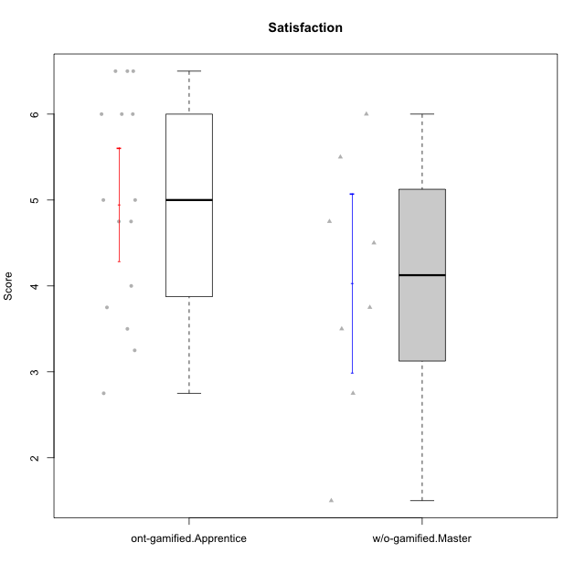

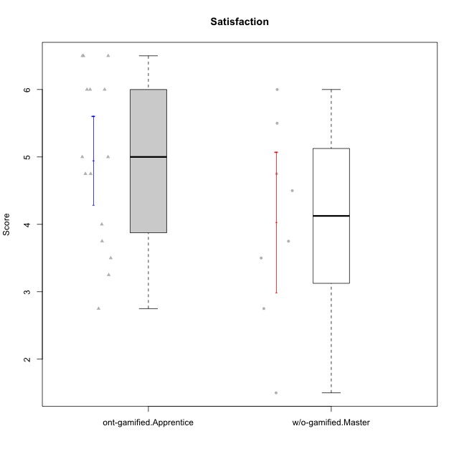

Student's t-Test data
UserID | NroUSP | Type | CLGroup | CLRole | PlayerRole | Item08IE | Item09IE | Item11IE | Item12IE | Item21IE | Item24IE | Item03PC | Item05PC | Item13PC | Item18PC | Item20PC | Item02PT | Item04PT | Item06PT | Item23PT | Item01EI | Item14EI | Item19EI | Item22EI | Item18A | Item25A | Item20A | Item07A | Item13A | Item01S | Item02S | Item05S | Item21S | Interest/Enjoyment | Perceived Choice | Pressure/Tension | Effort/Importance | Attention | Satisfaction | Intrinsic Motivation | Level of Motivation
10169 | 10377538 | ont-gamified | Resistance | Apprentice | Social Achiever | 7 | 7 | 7 | 7 | 7 | 7 | 4 | 2 | 4 | 2 | 2 | 7 | 7 | 6 | 1 | 5 | 5 | 5 | 6 | 7 | 7 | 7 | 7 | 7 | 7 | 7 | 7 | 3 | 7 | 5.2 | 6.75 | 4.25 | 7 | 6.5 | 4.7368421053 | 6.7777777778
10174 | 10276852 | w/o-gamified | Grupo7 | Master |  | 6 | 4 | 4 | 3 | 4 | 6 | 4 | 4 | 4 | 3 | 4 | 4 | 5 | 6 | 5 | 5 | 4 | 2 | 4 | 5 | 4 | 4 | 6 | 4 | 6 | 5 | 4 | 4 | 4.5 | 4.2 | 4.5 | 4.25 | 4.6 | 4.75 | 4.1578947368 | 4.6666666667
10179 | 10310759 | w/o-gamified | Grupo10 | Master |  | 3 | 3 | 2 | 6 | 4 | 4 | 7 | 6 | 5 | 5 | 4 | 1 | 1 | 2 | 7 | 2 | 6 | 1 | 5 | 4 | 4 | 4 | 2 | 4 | 3 | 4 | 5 | 2 | 3.6666666667 | 2.6 | 1.25 | 6 | 3.6 | 4.5 | 4.5263157895 | 4
10186 | 10310551 | ont-gamified | Slayers | Apprentice | Social Achiever | 6 | 4 | 6 | 1 | 3 | 3 | 4 | 4 | 4 | 4 | 1 | 5 | 4 | 4 | 1 | 1 | 7 | 1 | 7 | 4 | 1 | 4 | 1 | 4 | 7 | 7 | 5 | 1 | 3.8333333333 | 4.6 | 5 | 7 | 2.8 | 6.5 | 4.5263157895 | 4.4444444444
10189 | 9363926 | ont-gamified | Vikings | Apprentice | Social Achiever | 4 | 2 | 1 | 1 | 2 | 2 | 5 | 5 | 5 | 4 | 4 | 1 | 1 | 2 | 4 | 1 | 5 | 3 | 6 | 2 | 1 | 1 | 1 | 3 | 3 | 2 | 3 | 1 | 2 | 3.4 | 2 | 5.75 | 1.6 | 3.75 | 4 | 2.5555555556
10191 | 10276981 | w/o-gamified | Grupo1 | Master |  | 3 | 3 | 3 | 1 | 2 | 2 | 5 | 5 | 5 | 4 | 5 | 1 | 1 | 1 | 7 | 2 | 4 | 4 | 4 | 2 | 4 | 2 | 4 | 5 | 4 | 4 | 5 | 6 | 2.3333333333 | 3.2 | 1 | 4.5 | 3.4 | 3.75 | 4 | 3.5555555556
10192 | 10276682 | ont-gamified | Attractive Devils | Apprentice | Social Achiever | 4 | 4 | 6 | 4 | 5 | 1 | 3 | 2 | 3 | 4 | 4 | 4 | 4 | 4 | 3 | 1 | 7 | 5 | 5 | 4 | 4 | 4 | 7 | 6 | 7 | 6 | 7 | 4 | 4 | 4.8 | 4.25 | 5.5 | 5 | 6 | 4.4736842105 | 5.4444444444
10193 | 10276762 | ont-gamified | Vandals | Apprentice | Yee Achiever | 1 | 2 | 1 | 1 | 1 | 2 | 1 | 1 | 1 | 1 | 1 | 1 | 1 | 2 | 1 | 1 | 1 | 2 | 2 | 2 | 1 | 2 | 1 | 1 | 1 | 2 | 1 | 1 | 1.3333333333 | 7 | 2.75 | 4 | 1.4 | 2.75 | 4.2105263158 | 2
10198 | 10310888 | ont-gamified | Attractive Devils | Apprentice | Social Achiever | 4 | 6 | 4 | 5 | 3 | 2 | 1 | 4 | 5 | 6 | 6 | 4 | 4 | 4 | 3 | 2 | 6 | 3 | 6 | 5 | 5 | 6 | 7 | 5 | 7 | 7 | 6 | 2 | 4 | 3.6 | 4.25 | 5.75 | 5.6 | 6.5 | 4.2105263158 | 6
10200 | 9795272 | ont-gamified | Warriors | Apprentice | Social Achiever | 5 | 4 | 5 | 3 | 5 | 5 | 3 | 4 | 5 | 2 | 2 | 5 | 5 | 4 | 3 | 1 | 6 | 1 | 6 | 4 | 5 | 4 | 6 | 5 | 5 | 6 | 7 | 2 | 4.5 | 4.8 | 4.75 | 6.5 | 4.8 | 6 | 4.7368421053 | 5.3333333333
10202 | 10277036 | ont-gamified | Silly Knights | Apprentice | Social Achiever | 3 | 3 | 3 | 3 | 3 | 3 | 3 | 2 | 2 | 5 | 2 | 3 | 3 | 3 | 3 | 2 | 5 | 2 | 5 | 2 | 3 | 2 | 2 | 3 | 5 | 5 | 5 | 3 | 3 | 5.2 | 3.5 | 5.5 | 2.4 | 5 | 4.4210526316 | 3.5555555556
10203 | 9921470 | ont-gamified | Mercenaries | Apprentice | Social Achiever | 3 | 5 | 4 | 5 | 4 | 4 | 4 | 1 | 1 | 1 | 1 | 2 | 5 | 1 | 3 | 1 | 7 | 1 | 6 | 4 | 5 | 7 | 6 | 5 | 5 | 7 | 7 | 3 | 4.1666666667 | 6.4 | 3.25 | 6.75 | 5.4 | 6 | 5.4210526316 | 5.6666666667
10209 | 10262669 | ont-gamified | Mafia | Apprentice | Social Achiever | 2 | 2 | 4 | 2 | 2 | 2 | 7 | 7 | 7 | 7 | 7 | 2 | 1 | 1 | 7 | 2 | 3 | 3 | 2 | 2 | 2 | 1 | 2 | 4 | 2 | 2 | 3 | 1 | 2.3333333333 | 1 | 1.25 | 4 | 2.2 | 3.5 | 3.2631578947 | 2.7777777778
10214 | 10277022 | ont-gamified | Vikings | Apprentice | Social Achiever | 2 | 1 | 1 | 1 | 1 | 1 | 6 | 2 | 6 | 7 | 6 | 5 | 1 | 4 | 2 | 1 | 7 | 1 | 7 | 1 | 2 | 1 | 1 | 2 | 3 | 4 | 4 | 3 | 1.1666666667 | 2.6 | 4 | 7 | 1.4 | 4 | 3.3684210526 | 2.5555555556
10219 | 10276831 | w/o-gamified | Grupo3 | Master |  | 1 | 2 | 1 | 4 | 1 | 2 | 7 | 7 | 1 | 4 | 7 | 1 | 1 | 1 | 7 | 5 | 1 | 7 | 2 | 3 | 2 | 2 | 3 | 2 | 1 | 1 | 1 | 5 | 1.8333333333 | 2.8 | 1 | 1.75 | 2.4 | 1.5 | 3.1578947368 | 2
10221 | 9082496 | ont-gamified | Warriors | Apprentice | Social Achiever | 3 | 3 | 2 | 2 | 3 | 3 | 4 | 4 | 6 | 5 | 6 | 4 | 2 | 6 | 6 | 2 | 5 | 3 | 5 | 4 | 2 | 3 | 3 | 2 | 4 | 3 | 5 | 7 | 2.6666666667 | 3 | 3.5 | 5.25 | 2.8 | 3.25 | 3.6842105263 | 3
10224 | 9368772 | ont-gamified | Mercenaries | Apprentice | Social Achiever | 4 | 4 | 4 | 4 | 4 | 4 | 5 | 5 | 4 | 4 | 4 | 4 | 5 | 5 | 3 | 4 | 5 | 5 | 6 | 4 | 4 | 4 | 4 | 4 | 5 | 4 | 6 | 3 | 4 | 3.6 | 4.75 | 4.5 | 4 | 5 | 3.8421052632 | 4.4444444444
10227 | 9274382 | w/o-gamified | Grupo5 | Master |  | 6 | 4 | 3 | 5 | 3 | 5 | 4 | 4 | 3 | 3 | 3 | 5 | 4 | 3 | 5 | 5 | 4 | 3 | 3 | 5 | 5 | 5 | 6 | 6 | 6 | 6 | 6 | 2 | 4.3333333333 | 4.6 | 3.75 | 3.75 | 5.4 | 6 | 4.2631578947 | 5.6666666667
10228 | 10310492 | ont-gamified | Resistance | Apprentice | Social Achiever | 2 | 1 | 1 | 1 | 1 | 2 | 2 | 2 | 1 | 1 | 2 | 2 | 3 | 2 | 1 | 2 | 1 | 1 | 1 | 1 | 1 | 1 | 4 | 3 | 4 | 4 | 4 | 1 | 1.3333333333 | 6.4 | 3.5 | 3.75 | 2 | 4.75 | 3.8421052632 | 3.2222222222
10231 | 10276911 | w/o-gamified | Grupo9 | Master |  | 4 | 4 | 4 | 6 | 4 | 5 | 1 | 1 | 2 | 2 | 2 | 1 | 1 | 1 | 7 | 3 | 1 | 4 | 1 | 4 | 4 | 4 | 4 | 4 | 7 | 5 | 4 | 2 | 4.5 | 6.4 | 1 | 2.75 | 4 | 5.5 | 5.1578947368 | 4.6666666667
10234 | 10310676 | w/o-gamified | Grupo4 | Master |  | 2 | 2 | 1 | 1 | 2 | 2 | 6 | 6 | 7 | 6 | 6 | 4 | 2 | 2 | 7 | 6 | 1 | 6 | 4 | 2 | 2 | 2 | 1 | 2 | 1 | 2 | 2 | 2 | 1.6666666667 | 1.8 | 2.25 | 2.25 | 1.8 | 2.75 | 2.6842105263 | 2.2222222222
10237 | 10377688 | ont-gamified | Outlaws | Apprentice | Social Achiever | 3 | 3 | 3 | 4 | 5 | 6 | 6 | 3 | 3 | 3 | 4 | 6 | 5 | 4 | 3 | 2 | 4 | 4 | 5 | 4 | 3 | 3 | 5 | 4 | 3 | 4 | 6 | 2 | 4 | 4.2 | 5 | 4.75 | 3.8 | 4.75 | 4 | 4.2222222222
10238 | 10276953 | w/o-gamified | Grupo2 | Master |  | 4 | 4 | 4 | 3 | 4 | 4 | 7 | 5 | 5 | 5 | 4 | 5 | 5 | 5 | 3 | 1 | 5 | 2 | 5 | 4 | 5 | 4 | 5 | 5 | 3 | 2 | 5 | 4 | 3.8333333333 | 2.8 | 5 | 5.75 | 4.6 | 3.5 | 3.7894736842 | 4.1111111111

Type_CLRole_4
Student's t-Test for Satisfaction in Type:CLRole between ont-gamified.Master:w/o-gamified.Apprentice

Student's t-Test results
Alternative hypothesis: less
Group | N | Mean | Mean.Difference | Std.deviation | Std.error | CI.lower | CI.upper | df | t.value | p.value | g | magnitude
ont-gamified.Master | 9 | 4.6111111111 | 0.53216374269 | 0.91096712954 | 0.30365570985 | 4.0037996914 | 5.2184225308 | 22.986504427 | 1.2075941272 | 0.88025879589 | 0.40884963281 | small
w/o-gamified.Apprentice | 19 | 4.0789473684 | -0.53216374269 | 1.3920723749 | 0.3193633055 | 3.4402207574 | 4.7176739794 | 22.986504427 | 1.2075941272 | 0.88025879589 | 0.40884963281 | small
Alternative hypothesis: greater
Group | N | Mean | Mean.Difference | Std.deviation | Std.error | CI.lower | CI.upper | df | t.value | p.value | g | magnitude
ont-gamified.Master | 9 | 4.6111111111 | 0.53216374269 | 0.91096712954 | 0.30365570985 | 4.0037996914 | 5.2184225308 | 22.986504427 | 1.2075941272 | 0.11974120411 | 0.40884963281 | small
w/o-gamified.Apprentice | 19 | 4.0789473684 | -0.53216374269 | 1.3920723749 | 0.3193633055 | 3.4402207574 | 4.7176739794 | 22.986504427 | 1.2075941272 | 0.11974120411 | 0.40884963281 | small
Alternative hypothesis: two.sided
Group | N | Mean | Mean.Difference | Std.deviation | Std.error | CI.lower | CI.upper | df | t.value | p.value | g | magnitude
ont-gamified.Master | 9 | 4.6111111111 | 0.53216374269 | 0.91096712954 | 0.30365570985 | 4.0037996914 | 5.2184225308 | 22.986504427 | 1.2075941272 | 0.23948240822 | 0.40884963281 | small
w/o-gamified.Apprentice | 19 | 4.0789473684 | -0.53216374269 | 1.3920723749 | 0.3193633055 | 3.4402207574 | 4.7176739794 | 22.986504427 | 1.2075941272 | 0.23948240822 | 0.40884963281 | small

Box plots for Student's t-Test
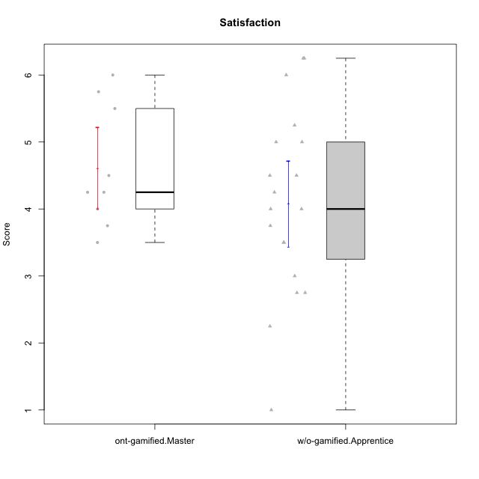

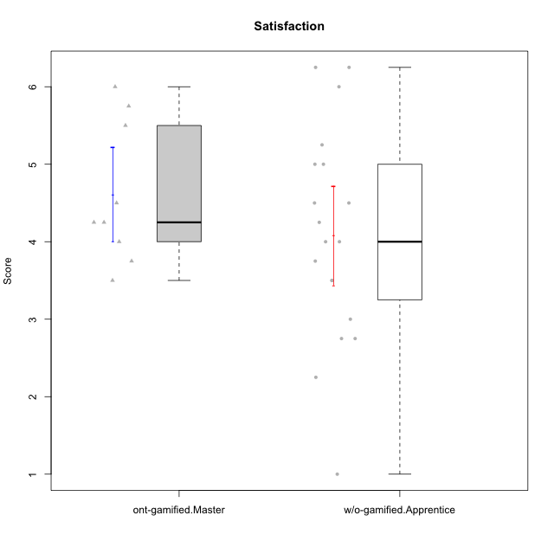

Student's t-Test data
UserID | NroUSP | Type | CLGroup | CLRole | PlayerRole | Item08IE | Item09IE | Item11IE | Item12IE | Item21IE | Item24IE | Item03PC | Item05PC | Item13PC | Item18PC | Item20PC | Item02PT | Item04PT | Item06PT | Item23PT | Item01EI | Item14EI | Item19EI | Item22EI | Item18A | Item25A | Item20A | Item07A | Item13A | Item01S | Item02S | Item05S | Item21S | Interest/Enjoyment | Perceived Choice | Pressure/Tension | Effort/Importance | Attention | Satisfaction | Intrinsic Motivation | Level of Motivation
10170 | 10260351 | w/o-gamified | Grupo11 | Apprentice |  | 6 | 4 | 4 | 3 | 4 | 4 | 3 | 2 | 2 | 1 | 3 | 1 | 1 | 1 | 1 | 3 | 4 | 3 | 5 | 6 | 5 | 6 | 5 | 6 | 4 | 4 | 5 | 5 | 4.1666666667 | 5.8 | 2.5 | 4.75 | 5.6 | 4 | 5 | 4.8888888889
10171 | 698531 | ont-gamified | Mafia | Master | Social Achiever | 6 | 6 | 6 | 5 | 7 | 5 | 2 | 2 | 2 | 2 | 1 | 2 | 2 | 1 | 6 | 1 | 7 | 1 | 6 | 6 | 5 | 6 | 5 | 6 | 6 | 6 | 4 | 1 | 5.8333333333 | 6.2 | 1.75 | 6.75 | 5.6 | 5.75 | 6.2105263158 | 5.6666666667
10172 | 10273971 | w/o-gamified | Grupo5 | Apprentice |  | 7 | 5 | 5 | 4 | 5 | 5 | 5 | 6 | 5 | 5 | 5 | 4 | 6 | 5 | 5 | 5 | 4 | 5 | 5 | 5 | 5 | 5 | 6 | 6 | 6 | 4 | 5 | 5 | 5.1666666667 | 2.8 | 4.5 | 3.75 | 5.4 | 4.5 | 3.8947368421 | 5
10175 | 10310700 | ont-gamified | Warriors | Master | Social Achiever | 4 | 4 | 4 | 4 | 4 | 4 | 3 | 1 | 1 | 1 | 1 | 1 | 1 | 1 | 7 | 1 | 4 | 1 | 4 | 5 | 5 | 5 | 6 | 6 | 6 | 6 | 5 | 1 | 4 | 6.6 | 1 | 5.5 | 5.4 | 6 | 5.6315789474 | 5.6666666667
10176 | 10276949 | ont-gamified | Outlaws | Master | Social Achiever | 4 | 4 | 4 | 3 | 4 | 4 | 4 | 4 | 6 | 5 | 4 | 4 | 6 | 6 | 4 | 4 | 4 | 5 | 4 | 5 | 5 | 5 | 4 | 4 | 4 | 4 | 4 | 4 | 3.8333333333 | 3.4 | 5 | 3.75 | 4.6 | 4 | 3.5263157895 | 4.3333333333
10181 | 10276866 | w/o-gamified | Grupo2 | Apprentice |  | 2 | 3 | 1 | 2 | 3 | 2 | 5 | 1 | 5 | 5 | 3 | 4 | 1 | 5 | 4 | 7 | 1 | 4 | 5 | 4 | 4 | 4 | 5 | 4 | 1 | 1 | 3 | 4 | 2.1666666667 | 4.2 | 3.5 | 2.75 | 4.2 | 2.25 | 3.3157894737 | 3.3333333333
10183 | 10352030 | w/o-gamified | Grupo3 | Apprentice |  | 3 | 3 | 3 | 3 | 3 | 2 | 4 | 4 | 2 | 3 | 5 | 4 | 4 | 5 | 2 | 4 | 2 | 3 | 4 | 2 | 2 | 2 | 2 | 3 | 2 | 2 | 4 | 4 | 2.8333333333 | 4.4 | 4.75 | 3.75 | 2.2 | 3 | 3.5263157895 | 2.5555555556
10184 | 10276675 | w/o-gamified | Grupo10 | Apprentice |  | 4 | 4 | 4 | 4 | 3 | 4 | 4 | 5 | 3 | 4 | 4 | 4 | 3 | 4 | 4 | 4 | 3 | 4 | 4 | 4 | 4 | 4 | 2 | 4 | 6 | 4 | 4 | 4 | 3.8333333333 | 4 | 3.75 | 3.75 | 3.6 | 4.5 | 3.9473684211 | 4
10185 | 10276960 | w/o-gamified | Grupo9 | Apprentice |  | 6 | 4 | 5 | 5 | 3 | 6 | 3 | 6 | 5 | 6 | 3 | 4 | 4 | 5 | 4 | 4 | 4 | 3 | 5 | 3 | 5 | 3 | 4 | 3 | 4 | 5 | 5 | 6 | 4.8333333333 | 3.4 | 4.25 | 4.5 | 3.6 | 4 | 4.1578947368 | 3.7777777778
10188 | 10276995 | ont-gamified | Vandals | Master | Yee Achiever | 4 | 3 | 1 | 4 | 3 | 3 | 3 | 1 | 3 | 1 | 1 | 1 | 1 | 1 | 7 | 2 | 4 | 3 | 1 | 4 | 4 | 3 | 2 | 4 | 3 | 3 | 3 | 2 | 3 | 6.2 | 1 | 4 | 3.4 | 3.75 | 4.8947368421 | 3.5555555556
10190 | 10276907 | w/o-gamified | Grupo4 | Apprentice |  | 3 | 3 | 3 | 2 | 4 | 4 | 7 | 7 | 3 | 5 | 4 | 5 | 7 | 6 | 5 | 3 | 4 | 5 | 4 | 6 | 5 | 5 | 5 | 3 | 3 | 4 | 4 | 4 | 3.1666666667 | 2.8 | 5.25 | 4 | 4.8 | 3.75 | 3.1578947368 | 4.3333333333
10197 | 10276661 | w/o-gamified | Grupo8 | Apprentice |  | 5 | 3 | 5 | 4 | 2 | 2 | 2 | 3 | 4 | 2 | 4 | 3 | 3 | 5 | 5 | 3 | 4 | 3 | 4 | 7 | 4 | 4 | 5 | 3 | 4 | 4 | 2 | 4 | 3.5 | 5 | 3.5 | 4.5 | 4.6 | 3.5 | 4.3157894737 | 4.1111111111
10199 | 10276737 | w/o-gamified | Grupo1 | Apprentice |  | 4 | 3 | 4 | 1 | 3 | 3 | 3 | 5 | 3 | 5 | 5 | 4 | 2 | 3 | 4 | 4 | 4 | 4 | 5 | 5 | 4 | 3 | 3 | 4 | 6 | 4 | 4 | 2 | 3 | 3.8 | 3.25 | 4.25 | 3.8 | 5 | 3.8421052632 | 4.3333333333
10201 | 10276928 | w/o-gamified | Grupo11 | Apprentice |  | 6 | 5 | 5 | 6 | 6 | 3 | 5 | 3 | 3 | 4 | 4 | 3 | 2 | 4 | 5 | 3 | 5 | 3 | 5 | 6 | 5 | 6 | 6 | 6 | 6 | 5 | 6 | 5 | 5.1666666667 | 4.2 | 3 | 5 | 5.8 | 5 | 4.8421052632 | 5.4444444444
10204 | 10310471 | w/o-gamified | Grupo6 | Apprentice |  | 1 | 1 | 1 | 1 | 1 | 1 | 7 | 7 | 7 | 7 | 7 | 7 | 7 | 7 | 1 | 4 | 4 | 1 | 7 | 1 | 1 | 1 | 1 | 1 | 2 | 1 | 4 | 4 | 1 | 1 | 7 | 5.5 | 1 | 2.75 | 1.9473684211 | 1.7777777778
10206 | 10310721 | w/o-gamified | Grupo8 | Apprentice |  | 4 | 4 | 2 | 3 | 5 | 4 | 3 | 2 | 3 | 2 | 2 | 3 | 2 | 3 | 4 | 2 | 5 | 2 | 5 | 4 | 6 | 4 | 4 | 5 | 5 | 5 | 6 | 3 | 3.6666666667 | 5.6 | 3 | 5.5 | 4.6 | 5.25 | 4.8421052632 | 4.8888888889
10208 | 10276932 | ont-gamified | Mercenaries | Master | Social Achiever | 4 | 4 | 4 | 3 | 4 | 4 | 4 | 2 | 4 | 4 | 2 | 2 | 2 | 2 | 5 | 2 | 5 | 2 | 4 | 2 | 2 | 2 | 3 | 4 | 5 | 5 | 3 | 3 | 3.8333333333 | 4.8 | 2.25 | 5.25 | 2.6 | 4.5 | 4.7894736842 | 3.4444444444
10210 | 10277015 | w/o-gamified | Grupo6 | Apprentice |  | 1 | 1 | 1 | 1 | 1 | 1 | 7 | 7 | 7 | 7 | 7 | 7 | 7 | 7 | 1 | 1 | 7 | 1 | 7 | 1 | 1 | 1 | 1 | 1 | 1 | 1 | 1 | 7 | 1 | 1 | 7 | 7 | 1 | 1 | 2.2631578947 | 1
10213 | 10277040 | w/o-gamified | Grupo7 | Apprentice |  | 4 | 3 | 7 | 1 | 4 | 4 | 7 | 7 | 7 | 7 | 7 | 1 | 7 | 7 | 4 | 1 | 7 | 1 | 7 | 5 | 7 | 7 | 7 | 4 | 7 | 4 | 7 | 1 | 3.8333333333 | 1 | 4.75 | 7 | 6 | 6.25 | 3.6315789474 | 6.1111111111
10215 | 9285227 | ont-gamified | Vikings | Master | Social Achiever | 5 | 5 | 2 | 3 | 4 | 5 | 5 | 1 | 2 | 4 | 1 | 1 | 1 | 1 | 1 | 1 | 2 | 4 | 1 | 4 | 4 | 1 | 1 | 3 | 3 | 3 | 1 | 1 | 4 | 5.4 | 2.5 | 3.5 | 2.6 | 3.5 | 4.5789473684 | 3
10216 | 10276720 | ont-gamified | Silly Knights | Master | Social Achiever | 4 | 5 | 3 | 7 | 4 | 5 | 3 | 2 | 2 | 1 | 3 | 1 | 1 | 1 | 7 | 1 | 4 | 2 | 4 | 4 | 6 | 5 | 2 | 4 | 5 | 5 | 6 | 2 | 4.6666666667 | 5.8 | 1 | 5.25 | 4.2 | 5.5 | 5.5789473684 | 4.7777777778
10217 | 9805341 | w/o-gamified | Grupo9 | Apprentice |  | 5 | 5 | 3 | 4 | 5 | 4 | 4 | 5 | 4 | 4 | 2 | 1 | 1 | 1 | 7 | 3 | 3 | 4 | 2 | 3 | 4 | 4 | 4 | 6 | 4 | 4 | 4 | 3 | 4.3333333333 | 4.2 | 1 | 3.5 | 4.2 | 4.25 | 4.6842105263 | 4.2222222222
10218 | 9842913 | w/o-gamified | Grupo10 | Apprentice |  | 4 | 4 | 4 | 4 | 4 | 4 | 4 | 5 | 4 | 5 | 4 | 4 | 5 | 4 | 5 | 4 | 4 | 4 | 5 | 3 | 4 | 4 | 5 | 4 | 4 | 3 | 3 | 4 | 4 | 3.6 | 4 | 4.25 | 4 | 3.5 | 3.9473684211 | 3.7777777778
10220 | 9760151 | w/o-gamified | Grupo3 | Apprentice |  | 4 | 1 | 1 | 1 | 4 | 4 | 1 | 1 | 1 | 4 | 1 | 1 | 1 | 1 | 7 | 1 | 4 | 1 | 7 | 1 | 1 | 1 | 1 | 1 | 7 | 4 | 7 | 1 | 2.5 | 6.4 | 1 | 6.25 | 1 | 6.25 | 5.2631578947 | 3.3333333333
10223 | 9795185 | ont-gamified | Slayers | Master | Social Achiever | 6 | 5 | 4 | 5 | 5 | 5 | 4 | 4 | 4 | 3 | 4 | 4 | 4 | 2 | 4 | 4 | 5 | 4 | 4 | 3 | 4 | 4 | 4 | 5 | 4 | 5 | 4 | 4 | 5 | 4.2 | 3.5 | 4.25 | 4 | 4.25 | 4.5263157895 | 4.1111111111
10226 | 10310342 | w/o-gamified | Grupo4 | Apprentice |  | 4 | 1 | 1 | 1 | 1 | 1 | 7 | 7 | 7 | 7 | 7 | 7 | 7 | 7 | 1 | 7 | 1 | 7 | 1 | 3 | 2 | 1 | 2 | 2 | 3 | 2 | 3 | 5 | 1.5 | 1 | 7 | 1 | 2 | 2.75 | 1.1578947368 | 2.3333333333
10230 | 10351992 | ont-gamified | Resistance | Master | Social Achiever | 5 | 4 | 4 | 4 | 5 | 5 | 5 | 4 | 3 | 3 | 5 | 5 | 4 | 6 | 6 | 3 | 3 | 2 | 5 | 3 | 4 | 2 | 6 | 4 | 4 | 6 | 2 | 3 | 4.5 | 4 | 4.25 | 4.75 | 3.8 | 4.25 | 4.2631578947 | 4
10232 | 10276974 | w/o-gamified | Grupo7 | Apprentice |  | 5 | 4 | 5 | 4 | 4 | 5 | 3 | 3 | 3 | 4 | 4 | 2 | 2 | 2 | 3 | 1 | 5 | 1 | 6 | 4 | 6 | 4 | 5 | 4 | 6 | 5 | 6 | 1 | 4.5 | 4.6 | 2.75 | 6.25 | 4.6 | 6 | 5.0526315789 | 5.2222222222

Type_CLRole_5
Student's t-Test for Satisfaction in Type:CLRole between ont-gamified.Master:w/o-gamified.Master

Student's t-Test results
Alternative hypothesis: less
Group | N | Mean | Mean.Difference | Std.deviation | Std.error | CI.lower | CI.upper | df | t.value | p.value | g | magnitude
ont-gamified.Master | 9 | 4.6111111111 | 0.57986111111 | 0.91096712954 | 0.30365570985 | 4.0037996914 | 5.2184225308 | 11.41639214 | 0.96207214213 | 0.8220257529 | 0.4563440822 | small
w/o-gamified.Master | 8 | 4.03125 | -0.57986111111 | 1.4725918599 | 0.52063984501 | 2.98997031 | 5.07252969 | 11.41639214 | 0.96207214213 | 0.8220257529 | 0.4563440822 | small
Alternative hypothesis: greater
Group | N | Mean | Mean.Difference | Std.deviation | Std.error | CI.lower | CI.upper | df | t.value | p.value | g | magnitude
ont-gamified.Master | 9 | 4.6111111111 | 0.57986111111 | 0.91096712954 | 0.30365570985 | 4.0037996914 | 5.2184225308 | 11.41639214 | 0.96207214213 | 0.1779742471 | 0.4563440822 | small
w/o-gamified.Master | 8 | 4.03125 | -0.57986111111 | 1.4725918599 | 0.52063984501 | 2.98997031 | 5.07252969 | 11.41639214 | 0.96207214213 | 0.1779742471 | 0.4563440822 | small
Alternative hypothesis: two.sided
Group | N | Mean | Mean.Difference | Std.deviation | Std.error | CI.lower | CI.upper | df | t.value | p.value | g | magnitude
ont-gamified.Master | 9 | 4.6111111111 | 0.57986111111 | 0.91096712954 | 0.30365570985 | 4.0037996914 | 5.2184225308 | 11.41639214 | 0.96207214213 | 0.35594849419 | 0.4563440822 | small
w/o-gamified.Master | 8 | 4.03125 | -0.57986111111 | 1.4725918599 | 0.52063984501 | 2.98997031 | 5.07252969 | 11.41639214 | 0.96207214213 | 0.35594849419 | 0.4563440822 | small

Box plots for Student's t-Test
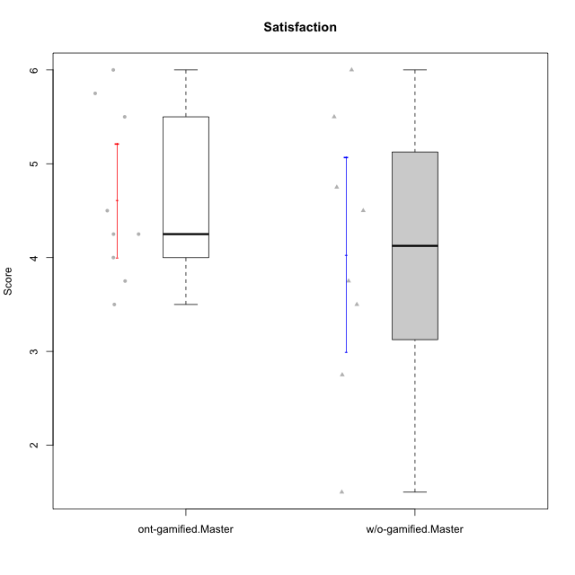

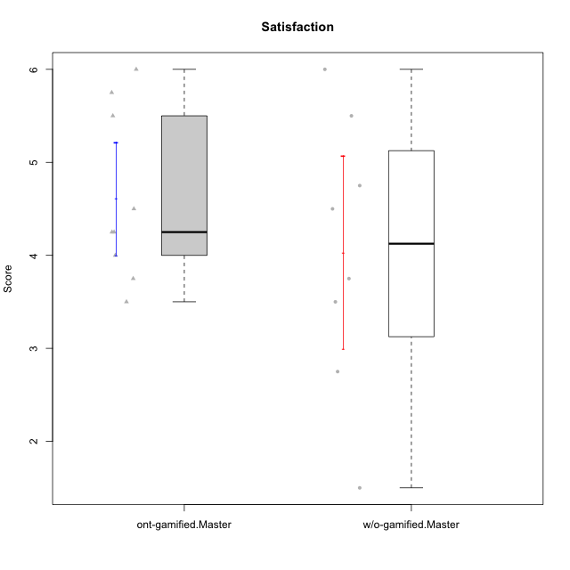

Student's t-Test data
UserID | NroUSP | Type | CLGroup | CLRole | PlayerRole | Item08IE | Item09IE | Item11IE | Item12IE | Item21IE | Item24IE | Item03PC | Item05PC | Item13PC | Item18PC | Item20PC | Item02PT | Item04PT | Item06PT | Item23PT | Item01EI | Item14EI | Item19EI | Item22EI | Item18A | Item25A | Item20A | Item07A | Item13A | Item01S | Item02S | Item05S | Item21S | Interest/Enjoyment | Perceived Choice | Pressure/Tension | Effort/Importance | Attention | Satisfaction | Intrinsic Motivation | Level of Motivation
10171 | 698531 | ont-gamified | Mafia | Master | Social Achiever | 6 | 6 | 6 | 5 | 7 | 5 | 2 | 2 | 2 | 2 | 1 | 2 | 2 | 1 | 6 | 1 | 7 | 1 | 6 | 6 | 5 | 6 | 5 | 6 | 6 | 6 | 4 | 1 | 5.8333333333 | 6.2 | 1.75 | 6.75 | 5.6 | 5.75 | 6.2105263158 | 5.6666666667
10174 | 10276852 | w/o-gamified | Grupo7 | Master |  | 6 | 4 | 4 | 3 | 4 | 6 | 4 | 4 | 4 | 3 | 4 | 4 | 5 | 6 | 5 | 5 | 4 | 2 | 4 | 5 | 4 | 4 | 6 | 4 | 6 | 5 | 4 | 4 | 4.5 | 4.2 | 4.5 | 4.25 | 4.6 | 4.75 | 4.1578947368 | 4.6666666667
10175 | 10310700 | ont-gamified | Warriors | Master | Social Achiever | 4 | 4 | 4 | 4 | 4 | 4 | 3 | 1 | 1 | 1 | 1 | 1 | 1 | 1 | 7 | 1 | 4 | 1 | 4 | 5 | 5 | 5 | 6 | 6 | 6 | 6 | 5 | 1 | 4 | 6.6 | 1 | 5.5 | 5.4 | 6 | 5.6315789474 | 5.6666666667
10176 | 10276949 | ont-gamified | Outlaws | Master | Social Achiever | 4 | 4 | 4 | 3 | 4 | 4 | 4 | 4 | 6 | 5 | 4 | 4 | 6 | 6 | 4 | 4 | 4 | 5 | 4 | 5 | 5 | 5 | 4 | 4 | 4 | 4 | 4 | 4 | 3.8333333333 | 3.4 | 5 | 3.75 | 4.6 | 4 | 3.5263157895 | 4.3333333333
10179 | 10310759 | w/o-gamified | Grupo10 | Master |  | 3 | 3 | 2 | 6 | 4 | 4 | 7 | 6 | 5 | 5 | 4 | 1 | 1 | 2 | 7 | 2 | 6 | 1 | 5 | 4 | 4 | 4 | 2 | 4 | 3 | 4 | 5 | 2 | 3.6666666667 | 2.6 | 1.25 | 6 | 3.6 | 4.5 | 4.5263157895 | 4
10188 | 10276995 | ont-gamified | Vandals | Master | Yee Achiever | 4 | 3 | 1 | 4 | 3 | 3 | 3 | 1 | 3 | 1 | 1 | 1 | 1 | 1 | 7 | 2 | 4 | 3 | 1 | 4 | 4 | 3 | 2 | 4 | 3 | 3 | 3 | 2 | 3 | 6.2 | 1 | 4 | 3.4 | 3.75 | 4.8947368421 | 3.5555555556
10191 | 10276981 | w/o-gamified | Grupo1 | Master |  | 3 | 3 | 3 | 1 | 2 | 2 | 5 | 5 | 5 | 4 | 5 | 1 | 1 | 1 | 7 | 2 | 4 | 4 | 4 | 2 | 4 | 2 | 4 | 5 | 4 | 4 | 5 | 6 | 2.3333333333 | 3.2 | 1 | 4.5 | 3.4 | 3.75 | 4 | 3.5555555556
10208 | 10276932 | ont-gamified | Mercenaries | Master | Social Achiever | 4 | 4 | 4 | 3 | 4 | 4 | 4 | 2 | 4 | 4 | 2 | 2 | 2 | 2 | 5 | 2 | 5 | 2 | 4 | 2 | 2 | 2 | 3 | 4 | 5 | 5 | 3 | 3 | 3.8333333333 | 4.8 | 2.25 | 5.25 | 2.6 | 4.5 | 4.7894736842 | 3.4444444444
10215 | 9285227 | ont-gamified | Vikings | Master | Social Achiever | 5 | 5 | 2 | 3 | 4 | 5 | 5 | 1 | 2 | 4 | 1 | 1 | 1 | 1 | 1 | 1 | 2 | 4 | 1 | 4 | 4 | 1 | 1 | 3 | 3 | 3 | 1 | 1 | 4 | 5.4 | 2.5 | 3.5 | 2.6 | 3.5 | 4.5789473684 | 3
10216 | 10276720 | ont-gamified | Silly Knights | Master | Social Achiever | 4 | 5 | 3 | 7 | 4 | 5 | 3 | 2 | 2 | 1 | 3 | 1 | 1 | 1 | 7 | 1 | 4 | 2 | 4 | 4 | 6 | 5 | 2 | 4 | 5 | 5 | 6 | 2 | 4.6666666667 | 5.8 | 1 | 5.25 | 4.2 | 5.5 | 5.5789473684 | 4.7777777778
10219 | 10276831 | w/o-gamified | Grupo3 | Master |  | 1 | 2 | 1 | 4 | 1 | 2 | 7 | 7 | 1 | 4 | 7 | 1 | 1 | 1 | 7 | 5 | 1 | 7 | 2 | 3 | 2 | 2 | 3 | 2 | 1 | 1 | 1 | 5 | 1.8333333333 | 2.8 | 1 | 1.75 | 2.4 | 1.5 | 3.1578947368 | 2
10223 | 9795185 | ont-gamified | Slayers | Master | Social Achiever | 6 | 5 | 4 | 5 | 5 | 5 | 4 | 4 | 4 | 3 | 4 | 4 | 4 | 2 | 4 | 4 | 5 | 4 | 4 | 3 | 4 | 4 | 4 | 5 | 4 | 5 | 4 | 4 | 5 | 4.2 | 3.5 | 4.25 | 4 | 4.25 | 4.5263157895 | 4.1111111111
10227 | 9274382 | w/o-gamified | Grupo5 | Master |  | 6 | 4 | 3 | 5 | 3 | 5 | 4 | 4 | 3 | 3 | 3 | 5 | 4 | 3 | 5 | 5 | 4 | 3 | 3 | 5 | 5 | 5 | 6 | 6 | 6 | 6 | 6 | 2 | 4.3333333333 | 4.6 | 3.75 | 3.75 | 5.4 | 6 | 4.2631578947 | 5.6666666667
10230 | 10351992 | ont-gamified | Resistance | Master | Social Achiever | 5 | 4 | 4 | 4 | 5 | 5 | 5 | 4 | 3 | 3 | 5 | 5 | 4 | 6 | 6 | 3 | 3 | 2 | 5 | 3 | 4 | 2 | 6 | 4 | 4 | 6 | 2 | 3 | 4.5 | 4 | 4.25 | 4.75 | 3.8 | 4.25 | 4.2631578947 | 4
10231 | 10276911 | w/o-gamified | Grupo9 | Master |  | 4 | 4 | 4 | 6 | 4 | 5 | 1 | 1 | 2 | 2 | 2 | 1 | 1 | 1 | 7 | 3 | 1 | 4 | 1 | 4 | 4 | 4 | 4 | 4 | 7 | 5 | 4 | 2 | 4.5 | 6.4 | 1 | 2.75 | 4 | 5.5 | 5.1578947368 | 4.6666666667
10234 | 10310676 | w/o-gamified | Grupo4 | Master |  | 2 | 2 | 1 | 1 | 2 | 2 | 6 | 6 | 7 | 6 | 6 | 4 | 2 | 2 | 7 | 6 | 1 | 6 | 4 | 2 | 2 | 2 | 1 | 2 | 1 | 2 | 2 | 2 | 1.6666666667 | 1.8 | 2.25 | 2.25 | 1.8 | 2.75 | 2.6842105263 | 2.2222222222
10238 | 10276953 | w/o-gamified | Grupo2 | Master |  | 4 | 4 | 4 | 3 | 4 | 4 | 7 | 5 | 5 | 5 | 4 | 5 | 5 | 5 | 3 | 1 | 5 | 2 | 5 | 4 | 5 | 4 | 5 | 5 | 3 | 2 | 5 | 4 | 3.8333333333 | 2.8 | 5 | 5.75 | 4.6 | 3.5 | 3.7894736842 | 4.1111111111

Type_CLRole_6
Student's t-Test for Satisfaction in Type:CLRole between w/o-gamified.Apprentice:w/o-gamified.Master

Student's t-Test results
Alternative hypothesis: less
Group | N | Mean | Mean.Difference | Std.deviation | Std.error | CI.lower | CI.upper | df | t.value | p.value | g | magnitude
w/o-gamified.Apprentice | 19 | 4.0789473684 | 0.047697368421 | 1.3920723749 | 0.3193633055 | 3.4402207574 | 4.7176739794 | 12.566861686 | 0.078091864517 | 0.53050766522 | 0.032685079476 | negligible
w/o-gamified.Master | 8 | 4.03125 | -0.047697368421 | 1.4725918599 | 0.52063984501 | 2.98997031 | 5.07252969 | 12.566861686 | 0.078091864517 | 0.53050766522 | 0.032685079476 | negligible
Alternative hypothesis: greater
Group | N | Mean | Mean.Difference | Std.deviation | Std.error | CI.lower | CI.upper | df | t.value | p.value | g | magnitude
w/o-gamified.Apprentice | 19 | 4.0789473684 | 0.047697368421 | 1.3920723749 | 0.3193633055 | 3.4402207574 | 4.7176739794 | 12.566861686 | 0.078091864517 | 0.46949233478 | 0.032685079476 | negligible
w/o-gamified.Master | 8 | 4.03125 | -0.047697368421 | 1.4725918599 | 0.52063984501 | 2.98997031 | 5.07252969 | 12.566861686 | 0.078091864517 | 0.46949233478 | 0.032685079476 | negligible
Alternative hypothesis: two.sided
Group | N | Mean | Mean.Difference | Std.deviation | Std.error | CI.lower | CI.upper | df | t.value | p.value | g | magnitude
w/o-gamified.Apprentice | 19 | 4.0789473684 | 0.047697368421 | 1.3920723749 | 0.3193633055 | 3.4402207574 | 4.7176739794 | 12.566861686 | 0.078091864517 | 0.93898466955 | 0.032685079476 | negligible
w/o-gamified.Master | 8 | 4.03125 | -0.047697368421 | 1.4725918599 | 0.52063984501 | 2.98997031 | 5.07252969 | 12.566861686 | 0.078091864517 | 0.93898466955 | 0.032685079476 | negligible

Box plots for Student's t-Test
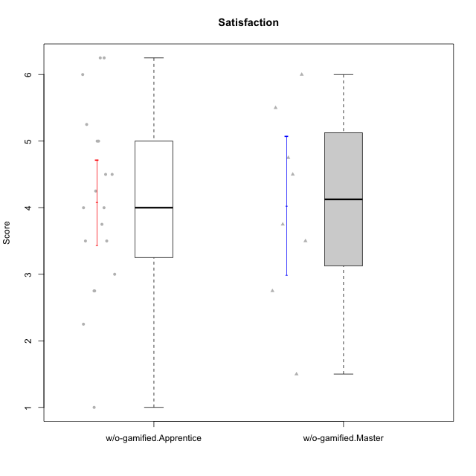

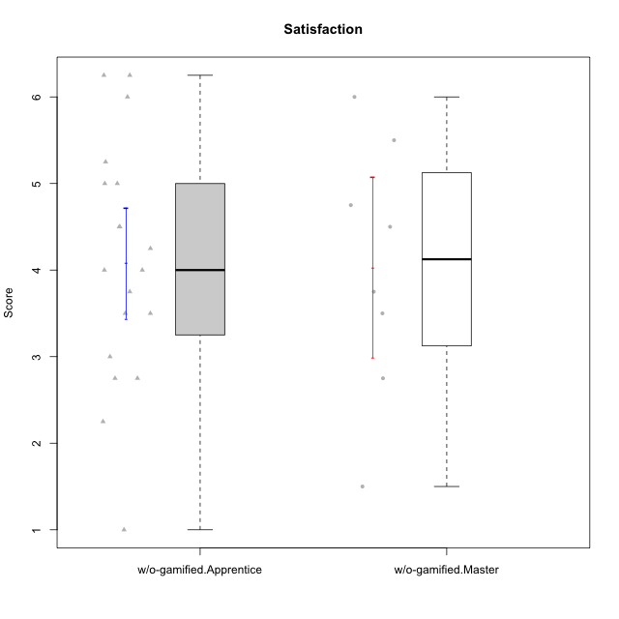

Student's t-Test data
UserID | NroUSP | Type | CLGroup | CLRole | PlayerRole | Item08IE | Item09IE | Item11IE | Item12IE | Item21IE | Item24IE | Item03PC | Item05PC | Item13PC | Item18PC | Item20PC | Item02PT | Item04PT | Item06PT | Item23PT | Item01EI | Item14EI | Item19EI | Item22EI | Item18A | Item25A | Item20A | Item07A | Item13A | Item01S | Item02S | Item05S | Item21S | Interest/Enjoyment | Perceived Choice | Pressure/Tension | Effort/Importance | Attention | Satisfaction | Intrinsic Motivation | Level of Motivation
10170 | 10260351 | w/o-gamified | Grupo11 | Apprentice |  | 6 | 4 | 4 | 3 | 4 | 4 | 3 | 2 | 2 | 1 | 3 | 1 | 1 | 1 | 1 | 3 | 4 | 3 | 5 | 6 | 5 | 6 | 5 | 6 | 4 | 4 | 5 | 5 | 4.1666666667 | 5.8 | 2.5 | 4.75 | 5.6 | 4 | 5 | 4.8888888889
10172 | 10273971 | w/o-gamified | Grupo5 | Apprentice |  | 7 | 5 | 5 | 4 | 5 | 5 | 5 | 6 | 5 | 5 | 5 | 4 | 6 | 5 | 5 | 5 | 4 | 5 | 5 | 5 | 5 | 5 | 6 | 6 | 6 | 4 | 5 | 5 | 5.1666666667 | 2.8 | 4.5 | 3.75 | 5.4 | 4.5 | 3.8947368421 | 5
10174 | 10276852 | w/o-gamified | Grupo7 | Master |  | 6 | 4 | 4 | 3 | 4 | 6 | 4 | 4 | 4 | 3 | 4 | 4 | 5 | 6 | 5 | 5 | 4 | 2 | 4 | 5 | 4 | 4 | 6 | 4 | 6 | 5 | 4 | 4 | 4.5 | 4.2 | 4.5 | 4.25 | 4.6 | 4.75 | 4.1578947368 | 4.6666666667
10179 | 10310759 | w/o-gamified | Grupo10 | Master |  | 3 | 3 | 2 | 6 | 4 | 4 | 7 | 6 | 5 | 5 | 4 | 1 | 1 | 2 | 7 | 2 | 6 | 1 | 5 | 4 | 4 | 4 | 2 | 4 | 3 | 4 | 5 | 2 | 3.6666666667 | 2.6 | 1.25 | 6 | 3.6 | 4.5 | 4.5263157895 | 4
10181 | 10276866 | w/o-gamified | Grupo2 | Apprentice |  | 2 | 3 | 1 | 2 | 3 | 2 | 5 | 1 | 5 | 5 | 3 | 4 | 1 | 5 | 4 | 7 | 1 | 4 | 5 | 4 | 4 | 4 | 5 | 4 | 1 | 1 | 3 | 4 | 2.1666666667 | 4.2 | 3.5 | 2.75 | 4.2 | 2.25 | 3.3157894737 | 3.3333333333
10183 | 10352030 | w/o-gamified | Grupo3 | Apprentice |  | 3 | 3 | 3 | 3 | 3 | 2 | 4 | 4 | 2 | 3 | 5 | 4 | 4 | 5 | 2 | 4 | 2 | 3 | 4 | 2 | 2 | 2 | 2 | 3 | 2 | 2 | 4 | 4 | 2.8333333333 | 4.4 | 4.75 | 3.75 | 2.2 | 3 | 3.5263157895 | 2.5555555556
10184 | 10276675 | w/o-gamified | Grupo10 | Apprentice |  | 4 | 4 | 4 | 4 | 3 | 4 | 4 | 5 | 3 | 4 | 4 | 4 | 3 | 4 | 4 | 4 | 3 | 4 | 4 | 4 | 4 | 4 | 2 | 4 | 6 | 4 | 4 | 4 | 3.8333333333 | 4 | 3.75 | 3.75 | 3.6 | 4.5 | 3.9473684211 | 4
10185 | 10276960 | w/o-gamified | Grupo9 | Apprentice |  | 6 | 4 | 5 | 5 | 3 | 6 | 3 | 6 | 5 | 6 | 3 | 4 | 4 | 5 | 4 | 4 | 4 | 3 | 5 | 3 | 5 | 3 | 4 | 3 | 4 | 5 | 5 | 6 | 4.8333333333 | 3.4 | 4.25 | 4.5 | 3.6 | 4 | 4.1578947368 | 3.7777777778
10190 | 10276907 | w/o-gamified | Grupo4 | Apprentice |  | 3 | 3 | 3 | 2 | 4 | 4 | 7 | 7 | 3 | 5 | 4 | 5 | 7 | 6 | 5 | 3 | 4 | 5 | 4 | 6 | 5 | 5 | 5 | 3 | 3 | 4 | 4 | 4 | 3.1666666667 | 2.8 | 5.25 | 4 | 4.8 | 3.75 | 3.1578947368 | 4.3333333333
10191 | 10276981 | w/o-gamified | Grupo1 | Master |  | 3 | 3 | 3 | 1 | 2 | 2 | 5 | 5 | 5 | 4 | 5 | 1 | 1 | 1 | 7 | 2 | 4 | 4 | 4 | 2 | 4 | 2 | 4 | 5 | 4 | 4 | 5 | 6 | 2.3333333333 | 3.2 | 1 | 4.5 | 3.4 | 3.75 | 4 | 3.5555555556
10197 | 10276661 | w/o-gamified | Grupo8 | Apprentice |  | 5 | 3 | 5 | 4 | 2 | 2 | 2 | 3 | 4 | 2 | 4 | 3 | 3 | 5 | 5 | 3 | 4 | 3 | 4 | 7 | 4 | 4 | 5 | 3 | 4 | 4 | 2 | 4 | 3.5 | 5 | 3.5 | 4.5 | 4.6 | 3.5 | 4.3157894737 | 4.1111111111
10199 | 10276737 | w/o-gamified | Grupo1 | Apprentice |  | 4 | 3 | 4 | 1 | 3 | 3 | 3 | 5 | 3 | 5 | 5 | 4 | 2 | 3 | 4 | 4 | 4 | 4 | 5 | 5 | 4 | 3 | 3 | 4 | 6 | 4 | 4 | 2 | 3 | 3.8 | 3.25 | 4.25 | 3.8 | 5 | 3.8421052632 | 4.3333333333
10201 | 10276928 | w/o-gamified | Grupo11 | Apprentice |  | 6 | 5 | 5 | 6 | 6 | 3 | 5 | 3 | 3 | 4 | 4 | 3 | 2 | 4 | 5 | 3 | 5 | 3 | 5 | 6 | 5 | 6 | 6 | 6 | 6 | 5 | 6 | 5 | 5.1666666667 | 4.2 | 3 | 5 | 5.8 | 5 | 4.8421052632 | 5.4444444444
10204 | 10310471 | w/o-gamified | Grupo6 | Apprentice |  | 1 | 1 | 1 | 1 | 1 | 1 | 7 | 7 | 7 | 7 | 7 | 7 | 7 | 7 | 1 | 4 | 4 | 1 | 7 | 1 | 1 | 1 | 1 | 1 | 2 | 1 | 4 | 4 | 1 | 1 | 7 | 5.5 | 1 | 2.75 | 1.9473684211 | 1.7777777778
10206 | 10310721 | w/o-gamified | Grupo8 | Apprentice |  | 4 | 4 | 2 | 3 | 5 | 4 | 3 | 2 | 3 | 2 | 2 | 3 | 2 | 3 | 4 | 2 | 5 | 2 | 5 | 4 | 6 | 4 | 4 | 5 | 5 | 5 | 6 | 3 | 3.6666666667 | 5.6 | 3 | 5.5 | 4.6 | 5.25 | 4.8421052632 | 4.8888888889
10210 | 10277015 | w/o-gamified | Grupo6 | Apprentice |  | 1 | 1 | 1 | 1 | 1 | 1 | 7 | 7 | 7 | 7 | 7 | 7 | 7 | 7 | 1 | 1 | 7 | 1 | 7 | 1 | 1 | 1 | 1 | 1 | 1 | 1 | 1 | 7 | 1 | 1 | 7 | 7 | 1 | 1 | 2.2631578947 | 1
10213 | 10277040 | w/o-gamified | Grupo7 | Apprentice |  | 4 | 3 | 7 | 1 | 4 | 4 | 7 | 7 | 7 | 7 | 7 | 1 | 7 | 7 | 4 | 1 | 7 | 1 | 7 | 5 | 7 | 7 | 7 | 4 | 7 | 4 | 7 | 1 | 3.8333333333 | 1 | 4.75 | 7 | 6 | 6.25 | 3.6315789474 | 6.1111111111
10217 | 9805341 | w/o-gamified | Grupo9 | Apprentice |  | 5 | 5 | 3 | 4 | 5 | 4 | 4 | 5 | 4 | 4 | 2 | 1 | 1 | 1 | 7 | 3 | 3 | 4 | 2 | 3 | 4 | 4 | 4 | 6 | 4 | 4 | 4 | 3 | 4.3333333333 | 4.2 | 1 | 3.5 | 4.2 | 4.25 | 4.6842105263 | 4.2222222222
10218 | 9842913 | w/o-gamified | Grupo10 | Apprentice |  | 4 | 4 | 4 | 4 | 4 | 4 | 4 | 5 | 4 | 5 | 4 | 4 | 5 | 4 | 5 | 4 | 4 | 4 | 5 | 3 | 4 | 4 | 5 | 4 | 4 | 3 | 3 | 4 | 4 | 3.6 | 4 | 4.25 | 4 | 3.5 | 3.9473684211 | 3.7777777778
10219 | 10276831 | w/o-gamified | Grupo3 | Master |  | 1 | 2 | 1 | 4 | 1 | 2 | 7 | 7 | 1 | 4 | 7 | 1 | 1 | 1 | 7 | 5 | 1 | 7 | 2 | 3 | 2 | 2 | 3 | 2 | 1 | 1 | 1 | 5 | 1.8333333333 | 2.8 | 1 | 1.75 | 2.4 | 1.5 | 3.1578947368 | 2
10220 | 9760151 | w/o-gamified | Grupo3 | Apprentice |  | 4 | 1 | 1 | 1 | 4 | 4 | 1 | 1 | 1 | 4 | 1 | 1 | 1 | 1 | 7 | 1 | 4 | 1 | 7 | 1 | 1 | 1 | 1 | 1 | 7 | 4 | 7 | 1 | 2.5 | 6.4 | 1 | 6.25 | 1 | 6.25 | 5.2631578947 | 3.3333333333
10226 | 10310342 | w/o-gamified | Grupo4 | Apprentice |  | 4 | 1 | 1 | 1 | 1 | 1 | 7 | 7 | 7 | 7 | 7 | 7 | 7 | 7 | 1 | 7 | 1 | 7 | 1 | 3 | 2 | 1 | 2 | 2 | 3 | 2 | 3 | 5 | 1.5 | 1 | 7 | 1 | 2 | 2.75 | 1.1578947368 | 2.3333333333
10227 | 9274382 | w/o-gamified | Grupo5 | Master |  | 6 | 4 | 3 | 5 | 3 | 5 | 4 | 4 | 3 | 3 | 3 | 5 | 4 | 3 | 5 | 5 | 4 | 3 | 3 | 5 | 5 | 5 | 6 | 6 | 6 | 6 | 6 | 2 | 4.3333333333 | 4.6 | 3.75 | 3.75 | 5.4 | 6 | 4.2631578947 | 5.6666666667
10231 | 10276911 | w/o-gamified | Grupo9 | Master |  | 4 | 4 | 4 | 6 | 4 | 5 | 1 | 1 | 2 | 2 | 2 | 1 | 1 | 1 | 7 | 3 | 1 | 4 | 1 | 4 | 4 | 4 | 4 | 4 | 7 | 5 | 4 | 2 | 4.5 | 6.4 | 1 | 2.75 | 4 | 5.5 | 5.1578947368 | 4.6666666667
10232 | 10276974 | w/o-gamified | Grupo7 | Apprentice |  | 5 | 4 | 5 | 4 | 4 | 5 | 3 | 3 | 3 | 4 | 4 | 2 | 2 | 2 | 3 | 1 | 5 | 1 | 6 | 4 | 6 | 4 | 5 | 4 | 6 | 5 | 6 | 1 | 4.5 | 4.6 | 2.75 | 6.25 | 4.6 | 6 | 5.0526315789 | 5.2222222222
10234 | 10310676 | w/o-gamified | Grupo4 | Master |  | 2 | 2 | 1 | 1 | 2 | 2 | 6 | 6 | 7 | 6 | 6 | 4 | 2 | 2 | 7 | 6 | 1 | 6 | 4 | 2 | 2 | 2 | 1 | 2 | 1 | 2 | 2 | 2 | 1.6666666667 | 1.8 | 2.25 | 2.25 | 1.8 | 2.75 | 2.6842105263 | 2.2222222222
10238 | 10276953 | w/o-gamified | Grupo2 | Master |  | 4 | 4 | 4 | 3 | 4 | 4 | 7 | 5 | 5 | 5 | 4 | 5 | 5 | 5 | 3 | 1 | 5 | 2 | 5 | 4 | 5 | 4 | 5 | 5 | 3 | 2 | 5 | 4 | 3.8333333333 | 2.8 | 5 | 5.75 | 4.6 | 3.5 | 3.7894736842 | 4.1111111111

