Assumptions
ANOVA assumptions for Programming Skill - Conditionals

Shapiro-Wilk normality test for Programming Skill - Conditionals
W | p.value
0.97361730153 | 0.40327719271

Plots for normality test
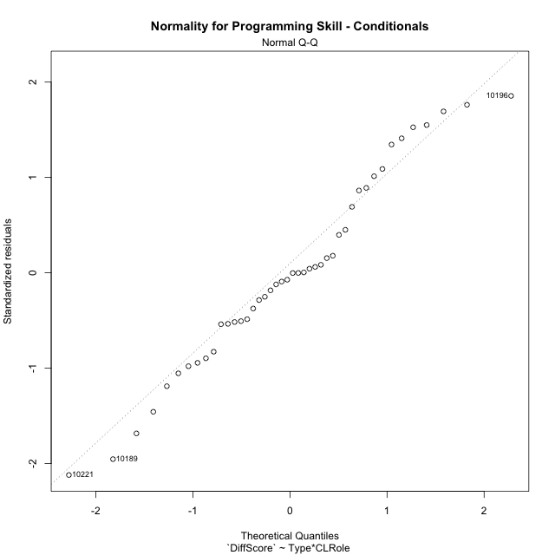

Levene's Test for Homogeneity of Variance in Programming Skill - Conditionals
Df | F value | Pr(>F)
3 | 2.1292491624 | 0.11167649799
40

Plots for homogeneity of variance
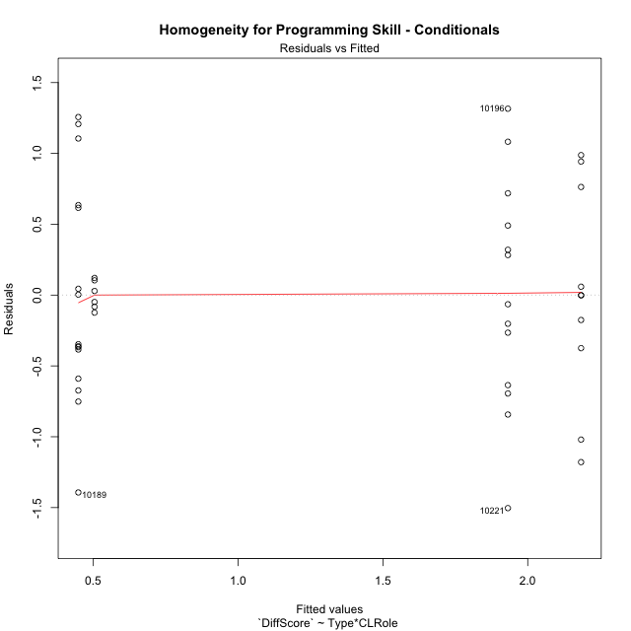

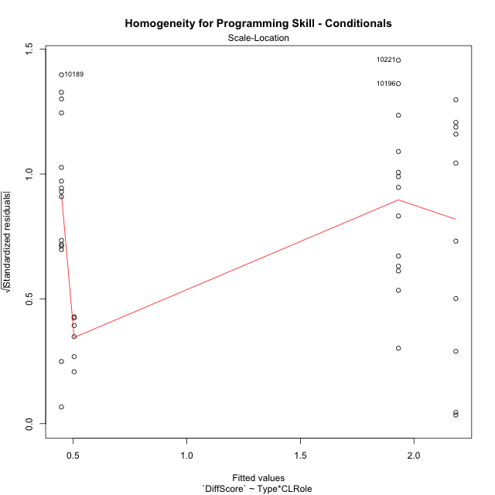

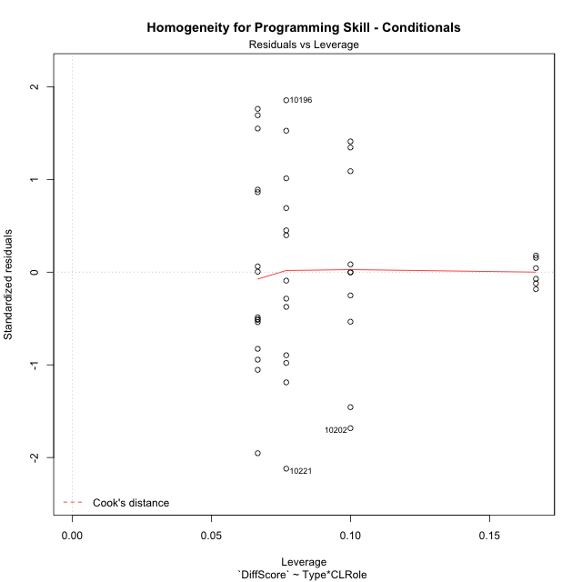

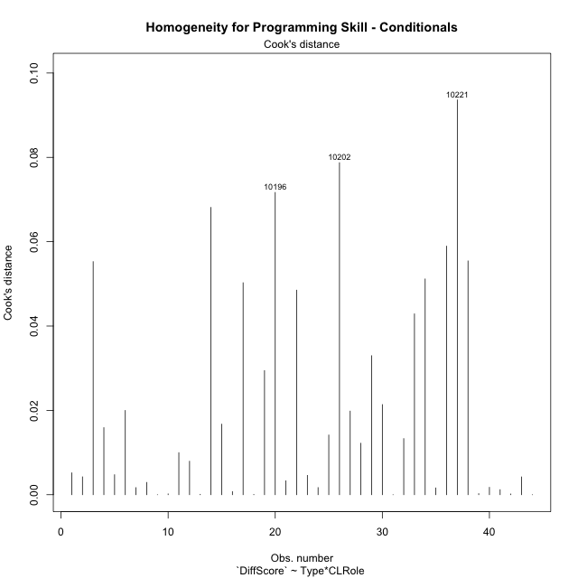

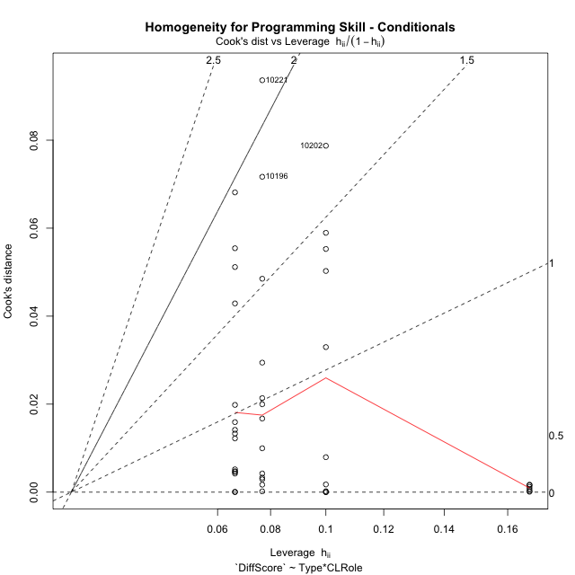

Minimum Sample Size Test for Programming Skill - Conditionals
Type | CLRole | Freq
non-gamified | Apprentice | 10
ont-gamified | Apprentice | 13
non-gamified | Master | 6
ont-gamified | Master | 15

Errors and Warnings in Sample Size Test for ANOVA in Programming Skill - Conditionals
code | description
WARN: sample.size | current.size is = 10 and recommended.size must be = 15 for the group: 'non-gamified:Apprentice'. Size sample for parametric test isn't recomended
WARN: sample.size | current.size is = 13 and recommended.size must be = 15 for the group: 'ont-gamified:Apprentice'. Size sample for parametric test isn't recomended
WARN: sample.size | current.size is = 6 and recommended.size must be = 15 for the group: 'non-gamified:Master'. Size sample for parametric test isn't recomended

For the group: 'non-gamified:Apprentice', we recommend the use of non parametric test. For the group: 'ont-gamified:Apprentice', we recommend the use of non parametric test. For the group: 'non-gamified:Master', we recommend the use of non parametric test. For the group: 'ont-gamified:Master', you can perform a parametric test with a non-normal distribution

If you don't want to remove non-normal data, you must cite the following references: ... (1) Lix, L.M., J.C. Keselman, and H.J. Keselman. 1996. Consequences of assumption violations revisited: A quantitative review of alternatives to the one-way analysis of variance F test. Rev. Educ. Res. 66: 579-619. ... (2) Harwell, M.R., E.N. Rubinstein, W.S. Hayes, and C.C. Olds. 1992. Summarizing Monte Carlo results in methodological research: the one- and two-factor fixed effects ANOVA cases. J. Educ. Stat. 17: 315-339.

Post-hoc
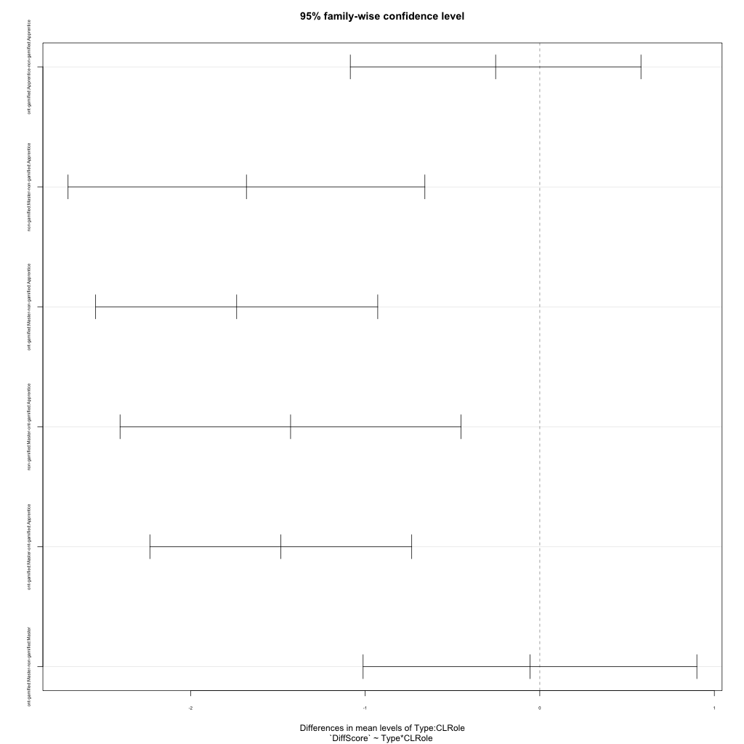
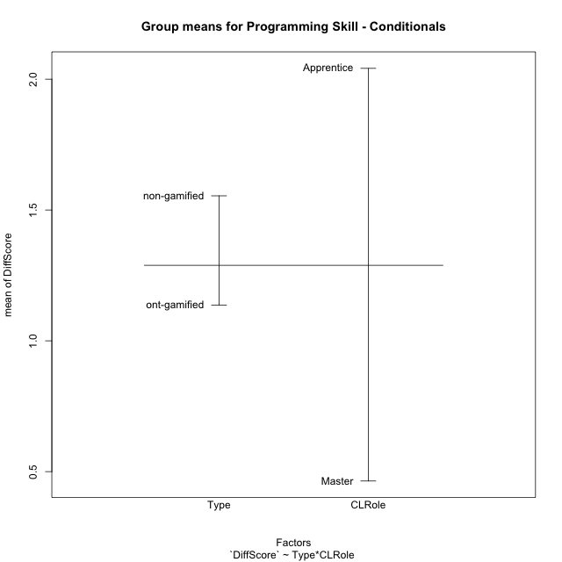
Post-hoc Tukey Honestly Significant Difference (HSD) Test for Programming Skill - Conditionals

Comparisons of means for Type
 | diff | lwr | upr | p adj
ont-gamified-non-gamified | -0.41731682256 | -0.88494624604 | 0.050312600913 | 0.078825356877

Comparisons of means for CLRole
 | diff | lwr | upr | p adj
Master-Apprentice | -1.5149656049 | -1.9653333415 | -1.0645978684 | 3.5810885146E-08

Comparisons of means for Type:CLRole
 | diff | lwr | upr | p adj
ont-gamified:Apprentice-non-gamified:Apprentice | -0.25269993895 | -1.0850901558 | 0.57969027792 | 0.84761587492
non-gamified:Master-non-gamified:Apprentice | -1.6800198413 | -2.7019450009 | -0.6580946816 | 0.00043095601819
ont-gamified:Master-non-gamified:Apprentice | -1.7359986772 | -2.5439014529 | -0.92809590155 | 6.0013676786E-06
non-gamified:Master-ont-gamified:Apprentice | -1.4273199023 | -2.404026732 | -0.45061307265 | 0.0018654063171
ont-gamified:Master-ont-gamified:Apprentice | -1.4832987383 | -2.2331867927 | -0.73341068389 | 2.6045359549E-05
ont-gamified:Master-non-gamified:Master | -0.055978835979 | -1.0119022916 | 0.89994461963 | 0.99859906576

Contrast Matrices for Programming Skill - Conditionals
contrast | CLRole | estimate | SE | df | t.ratio | p.value
non-gamified - ont-gamified | Apprentice | 0.25269993895 | 0.31054477468 | 40 | 0.81373109308 | 0.42061677186
non-gamified - ont-gamified | Master | 0.055978835979 | 0.35663205564 | 40 | 0.15696523937 | 0.87606186604

Least Squares Means and Confidence Intervals
Type | CLRole | lsmean | SE | df | lower.CL | upper.CL
non-gamified | Apprentice | 2.1841865079 | 0.23347048431 | 40 | 1.7123250577 | 2.6560479581
ont-gamified | Apprentice | 1.931486569 | 0.20476716054 | 40 | 1.5176367001 | 2.3453364379
non-gamified | Master | 0.50416666667 | 0.30140909919 | 40 | -0.10500384613 | 1.1133371795
ont-gamified | Master | 0.44818783069 | 0.19062785219 | 40 | 0.06291456992 | 0.83346109146

Plots

Type_1
Student's t-Test for Programming Skill - Conditionals in Type between non-gamified:ont-gamified

Student's t-Test results
Alternative hypothesis: less
Group | N | Mean | Mean.Difference | Std.deviation | Std.error | CI.lower | CI.upper | df | t.value | p.value | g | magnitude
non-gamified | 16 | 1.5541790675 | 0.41731682256 | 1.022653118 | 0.25566327949 | 1.0428525085 | 2.0655056264 | 33.033575596 | 1.2714911584 | 0.8937830924 | 0.38451377957 | small
ont-gamified | 28 | 1.1368622449 | -0.41731682256 | 1.0890531764 | 0.20581170496 | 0.72523883498 | 1.5484856548 | 33.033575596 | 1.2714911584 | 0.8937830924 | 0.38451377957 | small
Alternative hypothesis: greater
Group | N | Mean | Mean.Difference | Std.deviation | Std.error | CI.lower | CI.upper | df | t.value | p.value | g | magnitude
non-gamified | 16 | 1.5541790675 | 0.41731682256 | 1.022653118 | 0.25566327949 | 1.0428525085 | 2.0655056264 | 33.033575596 | 1.2714911584 | 0.1062169076 | 0.38451377957 | small
ont-gamified | 28 | 1.1368622449 | -0.41731682256 | 1.0890531764 | 0.20581170496 | 0.72523883498 | 1.5484856548 | 33.033575596 | 1.2714911584 | 0.1062169076 | 0.38451377957 | small
Alternative hypothesis: two.sided
Group | N | Mean | Mean.Difference | Std.deviation | Std.error | CI.lower | CI.upper | df | t.value | p.value | g | magnitude
non-gamified | 16 | 1.5541790675 | 0.41731682256 | 1.022653118 | 0.25566327949 | 1.0428525085 | 2.0655056264 | 33.033575596 | 1.2714911584 | 0.21243381521 | 0.38451377957 | small
ont-gamified | 28 | 1.1368622449 | -0.41731682256 | 1.0890531764 | 0.20581170496 | 0.72523883498 | 1.5484856548 | 33.033575596 | 1.2714911584 | 0.21243381521 | 0.38451377957 | small

Box plots for Student's t-Test
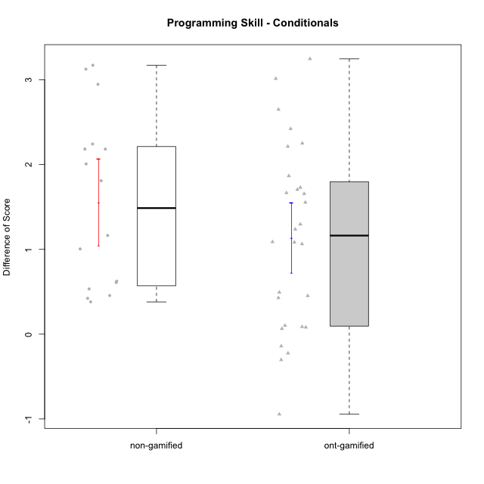

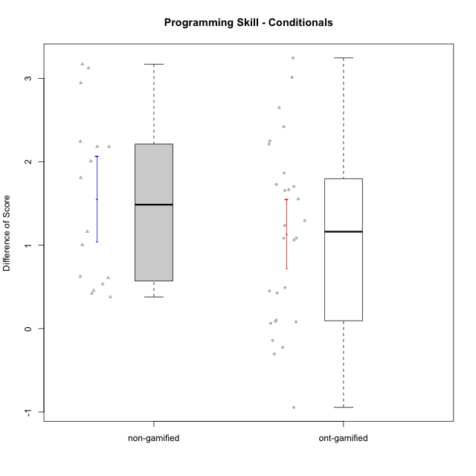

Student's t-Test data
UserID | NroUSP | Type | CLGroup | CLRole | PlayerRole | Re2 | Re1 | Un2 | Un1 | Ap2 | Ap3 | Ap1 | An3 | Ev2 | Ev1 | ReB | ReA | UnB | UnA | ApB | ApC | ApA | AnC | EvB | EvA | PreScore | PostScore | DiffScore
10169 | 10377538 | ont-gamified | Grupo Hefesto | Master | Yee Achiever | 1 | 1 | 0 | 0.94444444444 | 1 | 0.5 | 1 | 0.5 | 1 | 1 | 0.8 | 1 | 0.75 | 1 | 0.91666666667 | 0.375 | 1 | 0.5 | 0.66666666667 | 1 | 7.9444444444 | 8.0083333333 | 0.063888888889
10170 | 10260351 | ont-gamified | Grupo Afrodite | Apprentice | Yee Achiever | 0.975 | 1 | 0.5 | 0.94444444444 | 0 | 0 | 0.5 | 0.9375 | 1 | 0.66666666667 | 0.775 | 1 | 1 | 1 | 0.91666666667 | 0.5 | 1 | 1 | 0.58333333333 | 1 | 6.5236111111 | 8.775 | 2.2513888889
10171 | 698531 | non-gamified | Grupo Team 6 | Apprentice |  | 1 | 0.96666666667 | 0 | 0.61111111111 | 1 | 1 | 1 | 1 | 0 | 0.25 | 1 | 1 | 1 | 1 | 1 | 1 | 1 | 1 | 1 | 1 | 6.8277777778 | 10 | 3.1722222222
10174 | 10276852 | ont-gamified | Grupo Urano | Master | Yee Achiever | 1 | 0.73333333333 | 0.5 | 0.94444444444 | 1 | 0.5 | 1 | 0.5 | 0.5 | 1 | 0.55 | 0.75 | 1 | 0.61111111111 | 0.91666666667 | 0.375 | 1 | 1 | 0.25 | 1 | 7.6777777778 | 7.4527777778 | -0.225
10175 | 10310700 | ont-gamified | Grupo Hélio | Master | Yee Socializer | 0.975 | 1 | 0.5 | 0.94444444444 | 1 | 1 | 1 | 1 | 1 | 1 | 1 | 1 | 1 | 1 | 1 | 0.5 | 1 | 1 | 1 | 1 | 9.4194444444 | 9.5 | 0.080555555556
10176 | 10276949 | ont-gamified | Grupo Cronus | Apprentice | Yee Achiever | 1 | 1 | 0.5 | 0.66666666667 | 0 | 1 | 1 | 0.875 | 0.4 | 0.66666666667 | 1 | 1 | 1 | 1 | 1 | 0.5 | 1 | 0.92857142857 | 0.58333333333 | 0.33333333333 | 7.1083333333 | 8.3452380952 | 1.2369047619
10181 | 10276866 | non-gamified | Grupo Team 10 | Master |  | 1 | 1 | 0.5 | 0.94444444444 | 1 | 0.5 | 1 | 1 | 0.4 | 1 | 0.975 | 1 | 1 | 1 | 0.66666666667 | 0.5 | 1 | 1 | 0.58333333333 | 1 | 8.3444444444 | 8.725 | 0.38055555556
10183 | 10352030 | ont-gamified | Grupo Hélio | Apprentice | Yee Socializer | 0.775 | 0.98333333333 | 0.5 | 1 | 1 | 0.375 | 0.33333333333 | 0.9375 | 0.4 | 0 | 1 | 1 | 0.75 | 1 | 0.75 | 0.375 | 1 | 0.92857142857 | 0.16666666667 | 1 | 6.3041666667 | 7.9702380952 | 1.6660714286
10184 | 10276675 | ont-gamified | Grupo Apolo | Master | Yee Socializer | 1 | 1 | 0.16666666667 | 0.94444444444 | 1 | 0.5 | 1 | 0.9375 | 1 | 1 | 1 | 1 | 0 | 1 | 1 | 1 | 1 | 1 | 1 | 1 | 8.5486111111 | 9 | 0.45138888889
10185 | 10276960 | non-gamified | Grupo Team 12 | Apprentice |  | 0.3 | 0.76666666667 | 0.66666666667 | 0.94444444444 | 1 | 0.375 | 1 | 0.4375 | 1 | 1 | 1 | 0.98333333333 | 0.75 | 1 | 1 | 1 | 1 | 1 | 1 | 1 | 7.4902777778 | 9.7333333333 | 2.2430555556
10186 | 10310551 | ont-gamified | Grupo Ares | Apprentice | Yee Achiever | 1 | 0.96666666667 | 0.33333333333 | 0.94444444444 | 0 | 1 | 1 | 1 | 0 | 1 | 1 | 1 | 1 | 1 | 1 | 1 | 1 | 1 | 0.66666666667 | 1 | 7.2444444444 | 9.6666666667 | 2.4222222222
10187 | 9790781 | non-gamified | Grupo Team 15 | Apprentice |  | 0.55 | 0.95 | 0.5 | 0.94444444444 | 1 | 0.5 | 1 | 0.4375 | 0 | 1 | 0.775 | 0.91666666667 | 1 | 1 | 0.91666666667 | 0.5 | 1 | 1 | 0.58333333333 | 1 | 6.8819444444 | 8.6916666667 | 1.8097222222
10188 | 10276995 | non-gamified | Grupo Team 3 | Master |  | 0.8 | 1 | 1 | 0.66666666667 | 1 | 1 | 1 | 1 | 1 | 1 | 1 | 1 | 1 | 1 | 1 | 1 | 1 | 1 | 1 | 1 | 9.4666666667 | 10 | 0.53333333333
10189 | 9363926 | ont-gamified | Grupo Hades | Master | Yee Socializer | 0.775 | 0.9 | 0.5 | 0.94444444444 | 1 | 1 | 1 | 0.9375 | 1 | 1 | 1 | 0.93333333333 | 0 | 1 | 1 | 1 | 1 | 0.92857142857 | 0.25 | 1 | 9.0569444444 | 8.1119047619 | -0.94503968254
10190 | 10276907 | ont-gamified | Grupo Zeus | Apprentice | Yee Socializer | 0.725 | 0.9 | 0.5 | 0.66666666667 | 1 | 1 | 1 | 0.3125 | 0.5 | 0 | 1 | 0.9 | 0 | 1 | 1 | 1 | 1 | 1 | 0 | 1 | 6.6041666667 | 7.9 | 1.2958333333
10191 | 10276981 | non-gamified | Grupo Team 6 | Master |  | 0.8 | 1 | 1 | 0.94444444444 | 1 | 0.5 | 1 | 1 | 1 | 1 | 1 | 1 | 1 | 0.66666666667 | 1 | 1 | 1 | 1 | 1 | 1 | 9.2444444444 | 9.6666666667 | 0.42222222222
10192 | 10276682 | non-gamified | Grupo Team 5 | Apprentice |  | 0.95 | 1 | 0.5 | 0.94444444444 | 0 | 0.375 | 1 | 0.9375 | 0 | 0.66666666667 | 1 | 1 | 1 | 1 | 1 | 0.5 | 1 | 1 | 1 | 1 | 6.3736111111 | 9.5 | 3.1263888889
10193 | 10276762 | ont-gamified | Grupo Afrodite | Master | Yee Achiever | 0.975 | 0.98333333333 | 1 | 0.94444444444 | 1 | 0.5 | 1 | 1 | 0 | 1 | 1 | 0.96666666667 | 0 | 1 | 1 | 1 | 1 | 0.92857142857 | 1 | 1 | 8.4027777778 | 8.8952380952 | 0.49246031746
10195 | 10351971 | ont-gamified | Grupo Urano | Apprentice | Yee Achiever | 0.975 | 1 | 0.5 | 0.94444444444 | 1 | 0.5 | 1 | 0.4375 | 0.4 | 1 | 1 | 1 | 1 | 1 | 0.91666666667 | 0.5 | 1 | 0.42857142857 | 1 | 1 | 7.7569444444 | 8.8452380952 | 1.0882936508
10196 | 10310655 | ont-gamified | Grupo Hefesto | Apprentice | Yee Achiever | 0.775 | 0.78333333333 | 0.5 | 0.61111111111 | 0 | 0.5 | 1 | 1 | 0.5 | 0.66666666667 | 1 | 1 | 1 | 1 | 1 | 1 | 1 | 1 | 0.58333333333 | 1 | 6.3361111111 | 9.5833333333 | 3.2472222222
10197 | 10276661 | ont-gamified | Grupo Gaia | Apprentice | Yee Achiever | 0.525 | 0.98333333333 | 0 | 0.94444444444 | 0 | 1 | 1 | 1 | 0.5 | 1 | 1 | 1 | 1 | 1 | 1 | 0.5 | 1 | 1 | 0.66666666667 | 1 | 6.9527777778 | 9.1666666667 | 2.2138888889
10198 | 10310888 | ont-gamified | Grupo Apolo | Apprentice | Yee Socializer | 0.525 | 0.93333333333 | 0.5 | 0.61111111111 | 0 | 0.375 | 1 | 0.375 | 0.5 | 0.66666666667 | 1 | 1 | 0.75 | 0.66666666667 | 1 | 0.5 | 1 | 1 | 0.58333333333 | 1 | 5.4861111111 | 8.5 | 3.0138888889
10199 | 10276737 | ont-gamified | Grupo Gaia | Master | Yee Achiever | 0.975 | 1 | 0.5 | 0.66666666667 | 1 | 1 | 0.33333333333 | 1 | 0.5 | 1 | 1 | 0.8 | 1 | 0.66666666667 | 1 | 1 | 0.33333333333 | 0.92857142857 | 1 | 0.33333333333 | 7.975 | 8.0619047619 | 0.086904761905
10200 | 9795272 | ont-gamified | Grupo Hades | Apprentice | Yee Socializer | 0.8 | 0.58333333333 | 0.5 | 1 | 0 | 0.5 | 1 | 0.9375 | 1 | 1 | 0.8 | 1 | 1 | 1 | 1 | 1 | 1 | 1 | 0.25 | 1 | 7.3208333333 | 9.05 | 1.7291666667
10201 | 10276928 | ont-gamified | Grupo Caronte | Master | Yee Achiever | 1 | 1 | 0.5 | 0.66666666667 | 0 | 1 | 1 | 1 | 1 | 1 | 1 | 1 | 0.75 | 1 | 1 | 0.5 | 1 | 1 | 1 | 1 | 8.1666666667 | 9.25 | 1.0833333333
10202 | 10277036 | non-gamified | Grupo Team 11 | Apprentice |  | 0.975 | 0.91666666667 | 0.5 | 0.94444444444 | 1 | 0.5 | 1 | 0.9375 | 0.5 | 0 | 1 | 0.93333333333 | 1 | 0.66666666667 | 0.66666666667 | 0.5 | 1 | 0.92857142857 | 0.58333333333 | 1 | 7.2736111111 | 8.2785714286 | 1.0049603175
10204 | 10310471 | ont-gamified | Grupo Hermes | Master | Yee Achiever | 0.975 | 1 | 1 | 0.94444444444 | 1 | 1 | 1 | 0.8125 | 1 | 1 | 1 | 1 | 1 | 1 | 1 | 0.5 | 1 | 0.92857142857 | 1 | 1 | 9.7319444444 | 9.4285714286 | -0.30337301587
10206 | 10310721 | ont-gamified | Grupo Hera | Master | Yee Achiever | 1 | 1 | 0.5 | 0.66666666667 | 1 | 1 | 1 | 1 | 1 | 1 | 1 | 0.98333333333 | 1 | 1 | 0.66666666667 | 0.375 | 1 | 1 | 1 | 1 | 9.1666666667 | 9.025 | -0.14166666667
10208 | 10276932 | non-gamified | Grupo Team 7 | Apprentice |  | 0.775 | 1 | 1 | 0.61111111111 | 0 | 0.5 | 1 | 1 | 0 | 0.66666666667 | 1 | 1 | 1 | 1 | 1 | 0.5 | 1 | 1 | 1 | 1 | 6.5527777778 | 9.5 | 2.9472222222
10209 | 10262669 | ont-gamified | Grupo Artemis | Apprentice | Yee Achiever | 1 | 1 | 0.5 | 1 | 0 | 0.5 | 1 | 1 | 0 | 1 | 1 | 0.98333333333 | 1 | 0.66666666667 | 1 | 1 | 1 | 1 | 1 | 1 | 7 | 9.65 | 2.65
10210 | 10277015 | non-gamified | Grupo Team 9 | Apprentice |  | 0.975 | 0.8 | 0 | 0.61111111111 | 0 | 0.5 | 0.5 | 0.9375 | 1 | 1 | 0.8 | 1 | 1 | 0.94444444444 | 0.75 | 0.5 | 1 | 0.92857142857 | 0.58333333333 | 1 | 6.3236111111 | 8.5063492063 | 2.1827380952
10213 | 10277040 | ont-gamified | Grupo Morfeu | Master | Yee Socializer | 0.375 | 0.8 | 1 | 0.94444444444 | 1 | 1 | 1 | 1 | 0.4 | 1 | 1 | 1 | 1 | 1 | 1 | 1 | 1 | 1 | 0.58333333333 | 1 | 8.5194444444 | 9.5833333333 | 1.0638888889
10215 | 9285227 | ont-gamified | Grupo Zeus | Master | Yee Socializer | 0.975 | 1 | 0.5 | 0.66666666667 | 1 | 0.5 | 1 | 1 | 0.4 | 1 | 1 | 1 | 1 | 0.66666666667 | 1 | 1 | 1 | 0.92857142857 | 1 | 1 | 8.0416666667 | 9.5952380952 | 1.5535714286
10218 | 9842913 | ont-gamified | Grupo Ares | Master | Yee Achiever | 1 | 0.95 | 0 | 0.94444444444 | 1 | 0.5 | 1 | 1 | 0.5 | 1 | 0.8 | 1 | 1 | 1 | 0.75 | 1 | 1 | 1 | 1 | 1 | 7.8944444444 | 9.55 | 1.6555555556
10219 | 10276831 | non-gamified | Grupo Team 12 | Master |  | 1 | 1 | 0.5 | 0.33333333333 | 1 | 0.5 | 1 | 1 | 1 | 1 | 1 | 1 | 1 | 1 | 1 | 0.375 | 1 | 1 | 0.58333333333 | 1 | 8.3333333333 | 8.9583333333 | 0.625
10220 | 9760151 | non-gamified | Grupo Team 2 | Apprentice |  | 0.975 | 0.96666666667 | 0.5 | 0.94444444444 | 0 | 0.5 | 1 | 1 | 0.5 | 1 | 1 | 0.96666666667 | 0 | 1 | 1 | 1 | 1 | 1 | 0.58333333333 | 1 | 7.3861111111 | 8.55 | 1.1638888889
10221 | 9082496 | ont-gamified | Grupo Hermes | Apprentice | Yee Achiever | 0.975 | 0.9 | 0.33333333333 | 0.66666666667 | 0 | 0.375 | 0.33333333333 | 0.875 | 1 | 0.66666666667 | 0.8 | 0.93333333333 | 0 | 0.27777777778 | 0.58333333333 | 0.375 | 1 | 1 | 0.58333333333 | 1 | 6.125 | 6.5527777778 | 0.42777777778
10223 | 9795185 | ont-gamified | Grupo Cronus | Master | Yee Achiever | 0.975 | 0.8 | 1 | 0.94444444444 | 1 | 0.5 | 1 | 0.9375 | 0 | 1 | 1 | 0.93333333333 | 1 | 1 | 1 | 1 | 1 | 0.92857142857 | 1 | 1 | 8.1569444444 | 9.8619047619 | 1.7049603175
10226 | 10310342 | non-gamified | Grupo Team 8 | Master |  | 0.55 | 0.98333333333 | 0.83333333333 | 0.94444444444 | 1 | 1 | 1 | 1 | 0.5 | 1 | 1 | 0.93333333333 | 1 | 0.33333333333 | 1 | 1 | 1 | 1 | 1 | 1 | 8.8111111111 | 9.2666666667 | 0.45555555556
10227 | 9274382 | non-gamified | Grupo Team 4 | Apprentice |  | 0.775 | 0.18333333333 | 0.5 | 0.66666666667 | 1 | 0.375 | 1 | 0.875 | 0.5 | 0.25 | 0.8 | 1 | 1 | 0.66666666667 | 1 | 1 | 1 | 1 | 0.66666666667 | 0 | 6.125 | 8.1333333333 | 2.0083333333
10230 | 10351992 | non-gamified | Grupo Team 14 | Master |  | 0.325 | 0.95 | 1 | 0.88888888889 | 0 | 1 | 1 | 1 | 1 | 0.66666666667 | 0.8 | 1 | 0.75 | 0.88888888889 | 0.91666666667 | 0.5 | 1 | 1 | 0.58333333333 | 1 | 7.8305555556 | 8.4388888889 | 0.60833333333
10231 | 10276911 | ont-gamified | Grupo Caronte | Apprentice | Yee Achiever | 1 | 0.96666666667 | 1 | 0.66666666667 | 1 | 0 | 1 | 1 | 0 | 1 | 1 | 1 | 1 | 1 | 1 | 0.5 | 1 | 1 | 1 | 1 | 7.6333333333 | 9.5 | 1.8666666667
10232 | 10276974 | ont-gamified | Grupo Artemis | Master | Yee Achiever | 0.6 | 1 | 0.5 | 0.94444444444 | 1 | 1 | 1 | 0.4375 | 1 | 1 | 1 | 1 | 1 | 1 | 1 | 0 | 1 | 1 | 0.58333333333 | 1 | 8.4819444444 | 8.5833333333 | 0.10138888889
10233 | 9805320 | non-gamified | Grupo Team 16 | Apprentice |  | 0.775 | 1 | 0.5 | 0.66666666667 | 0 | 0 | 1 | 1 | 0.5 | 1 | 1 | 1 | 1 | 0.33333333333 | 0.91666666667 | 0.375 | 1 | 1 | 1 | 1 | 6.4416666667 | 8.625 | 2.1833333333

Type_CLRole_1
Student's t-Test for Programming Skill - Conditionals in Type:CLRole between non-gamified.Apprentice:non-gamified.Master

Student's t-Test results
Alternative hypothesis: less
Group | N | Mean | Mean.Difference | Std.deviation | Std.error | CI.lower | CI.upper | df | t.value | p.value | g | magnitude
non-gamified.Apprentice | 10 | 2.1841865079 | 1.6800198413 | 0.74925008963 | 0.23693368203 | 1.7103191439 | 2.658053872 | 9.5340678445 | 6.9863764328 | 0.99997594304 | 2.6309012922 | large
non-gamified.Master | 6 | 0.50416666667 | -1.6800198413 | 0.10065756029 | 0.041093276913 | 0.42198011284 | 0.58635322049 | 9.5340678445 | 6.9863764328 | 0.99997594304 | 2.6309012922 | large
Alternative hypothesis: greater
Group | N | Mean | Mean.Difference | Std.deviation | Std.error | CI.lower | CI.upper | df | t.value | p.value | g | magnitude
non-gamified.Apprentice | 10 | 2.1841865079 | 1.6800198413 | 0.74925008963 | 0.23693368203 | 1.7103191439 | 2.658053872 | 9.5340678445 | 6.9863764328 | 2.40569562E-05 | 2.6309012922 | large
non-gamified.Master | 6 | 0.50416666667 | -1.6800198413 | 0.10065756029 | 0.041093276913 | 0.42198011284 | 0.58635322049 | 9.5340678445 | 6.9863764328 | 2.40569562E-05 | 2.6309012922 | large
Alternative hypothesis: two.sided
Group | N | Mean | Mean.Difference | Std.deviation | Std.error | CI.lower | CI.upper | df | t.value | p.value | g | magnitude
non-gamified.Apprentice | 10 | 2.1841865079 | 1.6800198413 | 0.74925008963 | 0.23693368203 | 1.7103191439 | 2.658053872 | 9.5340678445 | 6.9863764328 | 4.8113912401E-05 | 2.6309012922 | large
non-gamified.Master | 6 | 0.50416666667 | -1.6800198413 | 0.10065756029 | 0.041093276913 | 0.42198011284 | 0.58635322049 | 9.5340678445 | 6.9863764328 | 4.8113912401E-05 | 2.6309012922 | large

Box plots for Student's t-Test
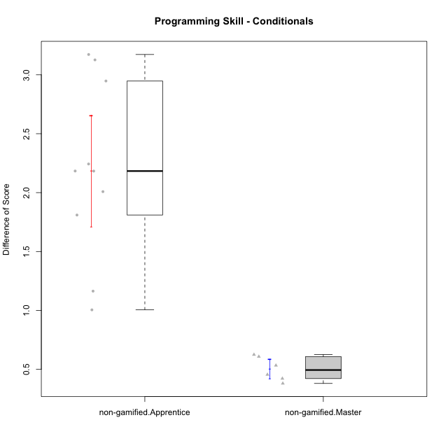

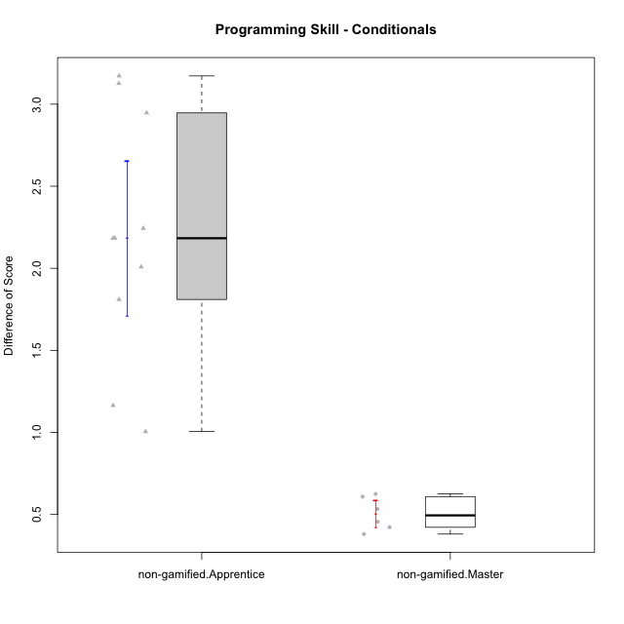

Student's t-Test data
UserID | NroUSP | Type | CLGroup | CLRole | PlayerRole | Re2 | Re1 | Un2 | Un1 | Ap2 | Ap3 | Ap1 | An3 | Ev2 | Ev1 | ReB | ReA | UnB | UnA | ApB | ApC | ApA | AnC | EvB | EvA | PreScore | PostScore | DiffScore
10171 | 698531 | non-gamified | Grupo Team 6 | Apprentice |  | 1 | 0.96666666667 | 0 | 0.61111111111 | 1 | 1 | 1 | 1 | 0 | 0.25 | 1 | 1 | 1 | 1 | 1 | 1 | 1 | 1 | 1 | 1 | 6.8277777778 | 10 | 3.1722222222
10181 | 10276866 | non-gamified | Grupo Team 10 | Master |  | 1 | 1 | 0.5 | 0.94444444444 | 1 | 0.5 | 1 | 1 | 0.4 | 1 | 0.975 | 1 | 1 | 1 | 0.66666666667 | 0.5 | 1 | 1 | 0.58333333333 | 1 | 8.3444444444 | 8.725 | 0.38055555556
10185 | 10276960 | non-gamified | Grupo Team 12 | Apprentice |  | 0.3 | 0.76666666667 | 0.66666666667 | 0.94444444444 | 1 | 0.375 | 1 | 0.4375 | 1 | 1 | 1 | 0.98333333333 | 0.75 | 1 | 1 | 1 | 1 | 1 | 1 | 1 | 7.4902777778 | 9.7333333333 | 2.2430555556
10187 | 9790781 | non-gamified | Grupo Team 15 | Apprentice |  | 0.55 | 0.95 | 0.5 | 0.94444444444 | 1 | 0.5 | 1 | 0.4375 | 0 | 1 | 0.775 | 0.91666666667 | 1 | 1 | 0.91666666667 | 0.5 | 1 | 1 | 0.58333333333 | 1 | 6.8819444444 | 8.6916666667 | 1.8097222222
10188 | 10276995 | non-gamified | Grupo Team 3 | Master |  | 0.8 | 1 | 1 | 0.66666666667 | 1 | 1 | 1 | 1 | 1 | 1 | 1 | 1 | 1 | 1 | 1 | 1 | 1 | 1 | 1 | 1 | 9.4666666667 | 10 | 0.53333333333
10191 | 10276981 | non-gamified | Grupo Team 6 | Master |  | 0.8 | 1 | 1 | 0.94444444444 | 1 | 0.5 | 1 | 1 | 1 | 1 | 1 | 1 | 1 | 0.66666666667 | 1 | 1 | 1 | 1 | 1 | 1 | 9.2444444444 | 9.6666666667 | 0.42222222222
10192 | 10276682 | non-gamified | Grupo Team 5 | Apprentice |  | 0.95 | 1 | 0.5 | 0.94444444444 | 0 | 0.375 | 1 | 0.9375 | 0 | 0.66666666667 | 1 | 1 | 1 | 1 | 1 | 0.5 | 1 | 1 | 1 | 1 | 6.3736111111 | 9.5 | 3.1263888889
10202 | 10277036 | non-gamified | Grupo Team 11 | Apprentice |  | 0.975 | 0.91666666667 | 0.5 | 0.94444444444 | 1 | 0.5 | 1 | 0.9375 | 0.5 | 0 | 1 | 0.93333333333 | 1 | 0.66666666667 | 0.66666666667 | 0.5 | 1 | 0.92857142857 | 0.58333333333 | 1 | 7.2736111111 | 8.2785714286 | 1.0049603175
10208 | 10276932 | non-gamified | Grupo Team 7 | Apprentice |  | 0.775 | 1 | 1 | 0.61111111111 | 0 | 0.5 | 1 | 1 | 0 | 0.66666666667 | 1 | 1 | 1 | 1 | 1 | 0.5 | 1 | 1 | 1 | 1 | 6.5527777778 | 9.5 | 2.9472222222
10210 | 10277015 | non-gamified | Grupo Team 9 | Apprentice |  | 0.975 | 0.8 | 0 | 0.61111111111 | 0 | 0.5 | 0.5 | 0.9375 | 1 | 1 | 0.8 | 1 | 1 | 0.94444444444 | 0.75 | 0.5 | 1 | 0.92857142857 | 0.58333333333 | 1 | 6.3236111111 | 8.5063492063 | 2.1827380952
10219 | 10276831 | non-gamified | Grupo Team 12 | Master |  | 1 | 1 | 0.5 | 0.33333333333 | 1 | 0.5 | 1 | 1 | 1 | 1 | 1 | 1 | 1 | 1 | 1 | 0.375 | 1 | 1 | 0.58333333333 | 1 | 8.3333333333 | 8.9583333333 | 0.625
10220 | 9760151 | non-gamified | Grupo Team 2 | Apprentice |  | 0.975 | 0.96666666667 | 0.5 | 0.94444444444 | 0 | 0.5 | 1 | 1 | 0.5 | 1 | 1 | 0.96666666667 | 0 | 1 | 1 | 1 | 1 | 1 | 0.58333333333 | 1 | 7.3861111111 | 8.55 | 1.1638888889
10226 | 10310342 | non-gamified | Grupo Team 8 | Master |  | 0.55 | 0.98333333333 | 0.83333333333 | 0.94444444444 | 1 | 1 | 1 | 1 | 0.5 | 1 | 1 | 0.93333333333 | 1 | 0.33333333333 | 1 | 1 | 1 | 1 | 1 | 1 | 8.8111111111 | 9.2666666667 | 0.45555555556
10227 | 9274382 | non-gamified | Grupo Team 4 | Apprentice |  | 0.775 | 0.18333333333 | 0.5 | 0.66666666667 | 1 | 0.375 | 1 | 0.875 | 0.5 | 0.25 | 0.8 | 1 | 1 | 0.66666666667 | 1 | 1 | 1 | 1 | 0.66666666667 | 0 | 6.125 | 8.1333333333 | 2.0083333333
10230 | 10351992 | non-gamified | Grupo Team 14 | Master |  | 0.325 | 0.95 | 1 | 0.88888888889 | 0 | 1 | 1 | 1 | 1 | 0.66666666667 | 0.8 | 1 | 0.75 | 0.88888888889 | 0.91666666667 | 0.5 | 1 | 1 | 0.58333333333 | 1 | 7.8305555556 | 8.4388888889 | 0.60833333333
10233 | 9805320 | non-gamified | Grupo Team 16 | Apprentice |  | 0.775 | 1 | 0.5 | 0.66666666667 | 0 | 0 | 1 | 1 | 0.5 | 1 | 1 | 1 | 1 | 0.33333333333 | 0.91666666667 | 0.375 | 1 | 1 | 1 | 1 | 6.4416666667 | 8.625 | 2.1833333333

Type_CLRole_2
Student's t-Test for Programming Skill - Conditionals in Type:CLRole between non-gamified.Apprentice:ont-gamified.Apprentice

Student's t-Test results
Alternative hypothesis: less
Group | N | Mean | Mean.Difference | Std.deviation | Std.error | CI.lower | CI.upper | df | t.value | p.value | g | magnitude
non-gamified.Apprentice | 10 | 2.1841865079 | 0.25269993895 | 0.74925008963 | 0.23693368203 | 1.7103191439 | 2.658053872 | 20.178871266 | 0.77528120884 | 0.77641777595 | 0.31114490284 | small
ont-gamified.Apprentice | 13 | 1.931486569 | -0.25269993895 | 0.80705845492 | 0.22383774166 | 1.4838110857 | 2.3791620523 | 20.178871266 | 0.77528120884 | 0.77641777595 | 0.31114490284 | small
Alternative hypothesis: greater
Group | N | Mean | Mean.Difference | Std.deviation | Std.error | CI.lower | CI.upper | df | t.value | p.value | g | magnitude
non-gamified.Apprentice | 10 | 2.1841865079 | 0.25269993895 | 0.74925008963 | 0.23693368203 | 1.7103191439 | 2.658053872 | 20.178871266 | 0.77528120884 | 0.22358222405 | 0.31114490284 | small
ont-gamified.Apprentice | 13 | 1.931486569 | -0.25269993895 | 0.80705845492 | 0.22383774166 | 1.4838110857 | 2.3791620523 | 20.178871266 | 0.77528120884 | 0.22358222405 | 0.31114490284 | small
Alternative hypothesis: two.sided
Group | N | Mean | Mean.Difference | Std.deviation | Std.error | CI.lower | CI.upper | df | t.value | p.value | g | magnitude
non-gamified.Apprentice | 10 | 2.1841865079 | 0.25269993895 | 0.74925008963 | 0.23693368203 | 1.7103191439 | 2.658053872 | 20.178871266 | 0.77528120884 | 0.44716444809 | 0.31114490284 | small
ont-gamified.Apprentice | 13 | 1.931486569 | -0.25269993895 | 0.80705845492 | 0.22383774166 | 1.4838110857 | 2.3791620523 | 20.178871266 | 0.77528120884 | 0.44716444809 | 0.31114490284 | small

Box plots for Student's t-Test
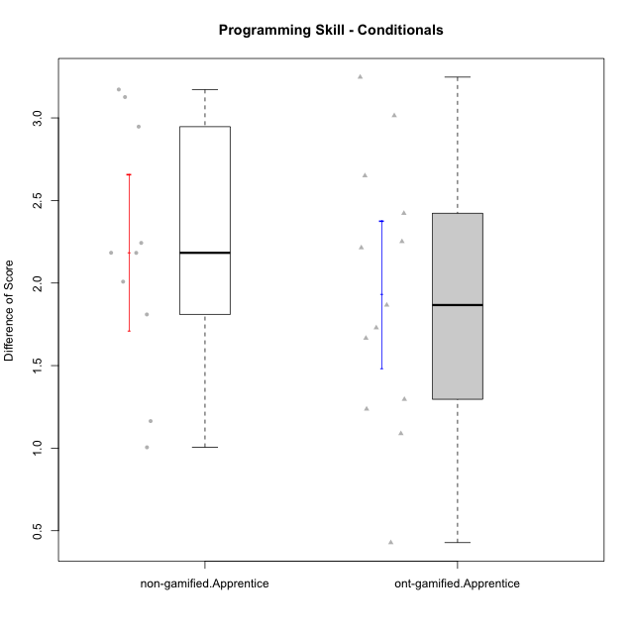

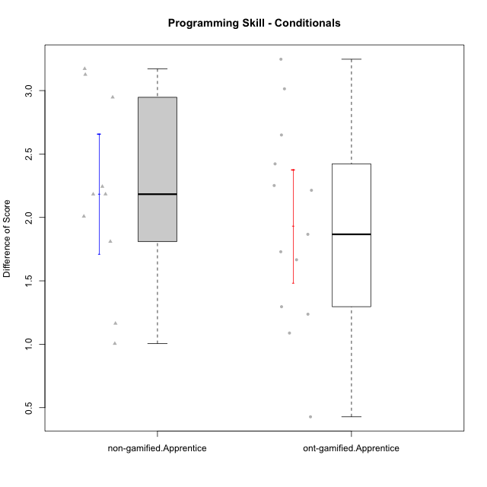

Student's t-Test data
UserID | NroUSP | Type | CLGroup | CLRole | PlayerRole | Re2 | Re1 | Un2 | Un1 | Ap2 | Ap3 | Ap1 | An3 | Ev2 | Ev1 | ReB | ReA | UnB | UnA | ApB | ApC | ApA | AnC | EvB | EvA | PreScore | PostScore | DiffScore
10170 | 10260351 | ont-gamified | Grupo Afrodite | Apprentice | Yee Achiever | 0.975 | 1 | 0.5 | 0.94444444444 | 0 | 0 | 0.5 | 0.9375 | 1 | 0.66666666667 | 0.775 | 1 | 1 | 1 | 0.91666666667 | 0.5 | 1 | 1 | 0.58333333333 | 1 | 6.5236111111 | 8.775 | 2.2513888889
10171 | 698531 | non-gamified | Grupo Team 6 | Apprentice |  | 1 | 0.96666666667 | 0 | 0.61111111111 | 1 | 1 | 1 | 1 | 0 | 0.25 | 1 | 1 | 1 | 1 | 1 | 1 | 1 | 1 | 1 | 1 | 6.8277777778 | 10 | 3.1722222222
10176 | 10276949 | ont-gamified | Grupo Cronus | Apprentice | Yee Achiever | 1 | 1 | 0.5 | 0.66666666667 | 0 | 1 | 1 | 0.875 | 0.4 | 0.66666666667 | 1 | 1 | 1 | 1 | 1 | 0.5 | 1 | 0.92857142857 | 0.58333333333 | 0.33333333333 | 7.1083333333 | 8.3452380952 | 1.2369047619
10183 | 10352030 | ont-gamified | Grupo Hélio | Apprentice | Yee Socializer | 0.775 | 0.98333333333 | 0.5 | 1 | 1 | 0.375 | 0.33333333333 | 0.9375 | 0.4 | 0 | 1 | 1 | 0.75 | 1 | 0.75 | 0.375 | 1 | 0.92857142857 | 0.16666666667 | 1 | 6.3041666667 | 7.9702380952 | 1.6660714286
10185 | 10276960 | non-gamified | Grupo Team 12 | Apprentice |  | 0.3 | 0.76666666667 | 0.66666666667 | 0.94444444444 | 1 | 0.375 | 1 | 0.4375 | 1 | 1 | 1 | 0.98333333333 | 0.75 | 1 | 1 | 1 | 1 | 1 | 1 | 1 | 7.4902777778 | 9.7333333333 | 2.2430555556
10186 | 10310551 | ont-gamified | Grupo Ares | Apprentice | Yee Achiever | 1 | 0.96666666667 | 0.33333333333 | 0.94444444444 | 0 | 1 | 1 | 1 | 0 | 1 | 1 | 1 | 1 | 1 | 1 | 1 | 1 | 1 | 0.66666666667 | 1 | 7.2444444444 | 9.6666666667 | 2.4222222222
10187 | 9790781 | non-gamified | Grupo Team 15 | Apprentice |  | 0.55 | 0.95 | 0.5 | 0.94444444444 | 1 | 0.5 | 1 | 0.4375 | 0 | 1 | 0.775 | 0.91666666667 | 1 | 1 | 0.91666666667 | 0.5 | 1 | 1 | 0.58333333333 | 1 | 6.8819444444 | 8.6916666667 | 1.8097222222
10190 | 10276907 | ont-gamified | Grupo Zeus | Apprentice | Yee Socializer | 0.725 | 0.9 | 0.5 | 0.66666666667 | 1 | 1 | 1 | 0.3125 | 0.5 | 0 | 1 | 0.9 | 0 | 1 | 1 | 1 | 1 | 1 | 0 | 1 | 6.6041666667 | 7.9 | 1.2958333333
10192 | 10276682 | non-gamified | Grupo Team 5 | Apprentice |  | 0.95 | 1 | 0.5 | 0.94444444444 | 0 | 0.375 | 1 | 0.9375 | 0 | 0.66666666667 | 1 | 1 | 1 | 1 | 1 | 0.5 | 1 | 1 | 1 | 1 | 6.3736111111 | 9.5 | 3.1263888889
10195 | 10351971 | ont-gamified | Grupo Urano | Apprentice | Yee Achiever | 0.975 | 1 | 0.5 | 0.94444444444 | 1 | 0.5 | 1 | 0.4375 | 0.4 | 1 | 1 | 1 | 1 | 1 | 0.91666666667 | 0.5 | 1 | 0.42857142857 | 1 | 1 | 7.7569444444 | 8.8452380952 | 1.0882936508
10196 | 10310655 | ont-gamified | Grupo Hefesto | Apprentice | Yee Achiever | 0.775 | 0.78333333333 | 0.5 | 0.61111111111 | 0 | 0.5 | 1 | 1 | 0.5 | 0.66666666667 | 1 | 1 | 1 | 1 | 1 | 1 | 1 | 1 | 0.58333333333 | 1 | 6.3361111111 | 9.5833333333 | 3.2472222222
10197 | 10276661 | ont-gamified | Grupo Gaia | Apprentice | Yee Achiever | 0.525 | 0.98333333333 | 0 | 0.94444444444 | 0 | 1 | 1 | 1 | 0.5 | 1 | 1 | 1 | 1 | 1 | 1 | 0.5 | 1 | 1 | 0.66666666667 | 1 | 6.9527777778 | 9.1666666667 | 2.2138888889
10198 | 10310888 | ont-gamified | Grupo Apolo | Apprentice | Yee Socializer | 0.525 | 0.93333333333 | 0.5 | 0.61111111111 | 0 | 0.375 | 1 | 0.375 | 0.5 | 0.66666666667 | 1 | 1 | 0.75 | 0.66666666667 | 1 | 0.5 | 1 | 1 | 0.58333333333 | 1 | 5.4861111111 | 8.5 | 3.0138888889
10200 | 9795272 | ont-gamified | Grupo Hades | Apprentice | Yee Socializer | 0.8 | 0.58333333333 | 0.5 | 1 | 0 | 0.5 | 1 | 0.9375 | 1 | 1 | 0.8 | 1 | 1 | 1 | 1 | 1 | 1 | 1 | 0.25 | 1 | 7.3208333333 | 9.05 | 1.7291666667
10202 | 10277036 | non-gamified | Grupo Team 11 | Apprentice |  | 0.975 | 0.91666666667 | 0.5 | 0.94444444444 | 1 | 0.5 | 1 | 0.9375 | 0.5 | 0 | 1 | 0.93333333333 | 1 | 0.66666666667 | 0.66666666667 | 0.5 | 1 | 0.92857142857 | 0.58333333333 | 1 | 7.2736111111 | 8.2785714286 | 1.0049603175
10208 | 10276932 | non-gamified | Grupo Team 7 | Apprentice |  | 0.775 | 1 | 1 | 0.61111111111 | 0 | 0.5 | 1 | 1 | 0 | 0.66666666667 | 1 | 1 | 1 | 1 | 1 | 0.5 | 1 | 1 | 1 | 1 | 6.5527777778 | 9.5 | 2.9472222222
10209 | 10262669 | ont-gamified | Grupo Artemis | Apprentice | Yee Achiever | 1 | 1 | 0.5 | 1 | 0 | 0.5 | 1 | 1 | 0 | 1 | 1 | 0.98333333333 | 1 | 0.66666666667 | 1 | 1 | 1 | 1 | 1 | 1 | 7 | 9.65 | 2.65
10210 | 10277015 | non-gamified | Grupo Team 9 | Apprentice |  | 0.975 | 0.8 | 0 | 0.61111111111 | 0 | 0.5 | 0.5 | 0.9375 | 1 | 1 | 0.8 | 1 | 1 | 0.94444444444 | 0.75 | 0.5 | 1 | 0.92857142857 | 0.58333333333 | 1 | 6.3236111111 | 8.5063492063 | 2.1827380952
10220 | 9760151 | non-gamified | Grupo Team 2 | Apprentice |  | 0.975 | 0.96666666667 | 0.5 | 0.94444444444 | 0 | 0.5 | 1 | 1 | 0.5 | 1 | 1 | 0.96666666667 | 0 | 1 | 1 | 1 | 1 | 1 | 0.58333333333 | 1 | 7.3861111111 | 8.55 | 1.1638888889
10221 | 9082496 | ont-gamified | Grupo Hermes | Apprentice | Yee Achiever | 0.975 | 0.9 | 0.33333333333 | 0.66666666667 | 0 | 0.375 | 0.33333333333 | 0.875 | 1 | 0.66666666667 | 0.8 | 0.93333333333 | 0 | 0.27777777778 | 0.58333333333 | 0.375 | 1 | 1 | 0.58333333333 | 1 | 6.125 | 6.5527777778 | 0.42777777778
10227 | 9274382 | non-gamified | Grupo Team 4 | Apprentice |  | 0.775 | 0.18333333333 | 0.5 | 0.66666666667 | 1 | 0.375 | 1 | 0.875 | 0.5 | 0.25 | 0.8 | 1 | 1 | 0.66666666667 | 1 | 1 | 1 | 1 | 0.66666666667 | 0 | 6.125 | 8.1333333333 | 2.0083333333
10231 | 10276911 | ont-gamified | Grupo Caronte | Apprentice | Yee Achiever | 1 | 0.96666666667 | 1 | 0.66666666667 | 1 | 0 | 1 | 1 | 0 | 1 | 1 | 1 | 1 | 1 | 1 | 0.5 | 1 | 1 | 1 | 1 | 7.6333333333 | 9.5 | 1.8666666667
10233 | 9805320 | non-gamified | Grupo Team 16 | Apprentice |  | 0.775 | 1 | 0.5 | 0.66666666667 | 0 | 0 | 1 | 1 | 0.5 | 1 | 1 | 1 | 1 | 0.33333333333 | 0.91666666667 | 0.375 | 1 | 1 | 1 | 1 | 6.4416666667 | 8.625 | 2.1833333333

Type_CLRole_3
Student's t-Test for Programming Skill - Conditionals in Type:CLRole between non-gamified.Apprentice:ont-gamified.Master

Student's t-Test results
Alternative hypothesis: less
Group | N | Mean | Mean.Difference | Std.deviation | Std.error | CI.lower | CI.upper | df | t.value | p.value | g | magnitude
non-gamified.Apprentice | 10 | 2.1841865079 | 1.7359986772 | 0.74925008963 | 0.23693368203 | 1.7103191439 | 2.658053872 | 20.274267014 | 5.5329414472 | 0.99999025435 | 2.1566320875 | large
ont-gamified.Master | 15 | 0.44818783069 | -1.7359986772 | 0.79661003315 | 0.20568382612 | 0.036820178446 | 0.85955548293 | 20.274267014 | 5.5329414472 | 0.99999025435 | 2.1566320875 | large
Alternative hypothesis: greater
Group | N | Mean | Mean.Difference | Std.deviation | Std.error | CI.lower | CI.upper | df | t.value | p.value | g | magnitude
non-gamified.Apprentice | 10 | 2.1841865079 | 1.7359986772 | 0.74925008963 | 0.23693368203 | 1.7103191439 | 2.658053872 | 20.274267014 | 5.5329414472 | 9.7456534443E-06 | 2.1566320875 | large
ont-gamified.Master | 15 | 0.44818783069 | -1.7359986772 | 0.79661003315 | 0.20568382612 | 0.036820178446 | 0.85955548293 | 20.274267014 | 5.5329414472 | 9.7456534443E-06 | 2.1566320875 | large
Alternative hypothesis: two.sided
Group | N | Mean | Mean.Difference | Std.deviation | Std.error | CI.lower | CI.upper | df | t.value | p.value | g | magnitude
non-gamified.Apprentice | 10 | 2.1841865079 | 1.7359986772 | 0.74925008963 | 0.23693368203 | 1.7103191439 | 2.658053872 | 20.274267014 | 5.5329414472 | 1.9491306889E-05 | 2.1566320875 | large
ont-gamified.Master | 15 | 0.44818783069 | -1.7359986772 | 0.79661003315 | 0.20568382612 | 0.036820178446 | 0.85955548293 | 20.274267014 | 5.5329414472 | 1.9491306889E-05 | 2.1566320875 | large

Box plots for Student's t-Test
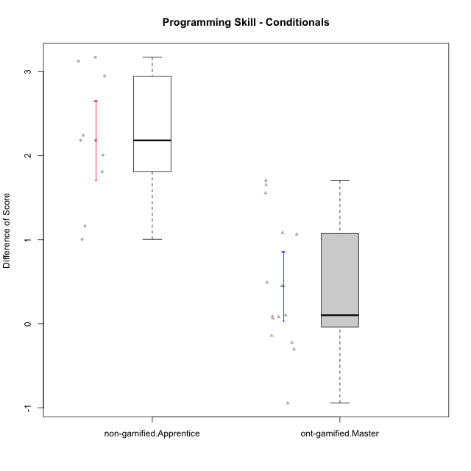

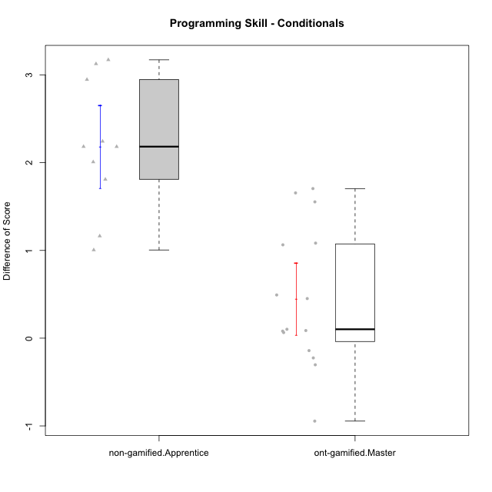

Student's t-Test data
UserID | NroUSP | Type | CLGroup | CLRole | PlayerRole | Re2 | Re1 | Un2 | Un1 | Ap2 | Ap3 | Ap1 | An3 | Ev2 | Ev1 | ReB | ReA | UnB | UnA | ApB | ApC | ApA | AnC | EvB | EvA | PreScore | PostScore | DiffScore
10169 | 10377538 | ont-gamified | Grupo Hefesto | Master | Yee Achiever | 1 | 1 | 0 | 0.94444444444 | 1 | 0.5 | 1 | 0.5 | 1 | 1 | 0.8 | 1 | 0.75 | 1 | 0.91666666667 | 0.375 | 1 | 0.5 | 0.66666666667 | 1 | 7.9444444444 | 8.0083333333 | 0.063888888889
10171 | 698531 | non-gamified | Grupo Team 6 | Apprentice |  | 1 | 0.96666666667 | 0 | 0.61111111111 | 1 | 1 | 1 | 1 | 0 | 0.25 | 1 | 1 | 1 | 1 | 1 | 1 | 1 | 1 | 1 | 1 | 6.8277777778 | 10 | 3.1722222222
10174 | 10276852 | ont-gamified | Grupo Urano | Master | Yee Achiever | 1 | 0.73333333333 | 0.5 | 0.94444444444 | 1 | 0.5 | 1 | 0.5 | 0.5 | 1 | 0.55 | 0.75 | 1 | 0.61111111111 | 0.91666666667 | 0.375 | 1 | 1 | 0.25 | 1 | 7.6777777778 | 7.4527777778 | -0.225
10175 | 10310700 | ont-gamified | Grupo Hélio | Master | Yee Socializer | 0.975 | 1 | 0.5 | 0.94444444444 | 1 | 1 | 1 | 1 | 1 | 1 | 1 | 1 | 1 | 1 | 1 | 0.5 | 1 | 1 | 1 | 1 | 9.4194444444 | 9.5 | 0.080555555556
10184 | 10276675 | ont-gamified | Grupo Apolo | Master | Yee Socializer | 1 | 1 | 0.16666666667 | 0.94444444444 | 1 | 0.5 | 1 | 0.9375 | 1 | 1 | 1 | 1 | 0 | 1 | 1 | 1 | 1 | 1 | 1 | 1 | 8.5486111111 | 9 | 0.45138888889
10185 | 10276960 | non-gamified | Grupo Team 12 | Apprentice |  | 0.3 | 0.76666666667 | 0.66666666667 | 0.94444444444 | 1 | 0.375 | 1 | 0.4375 | 1 | 1 | 1 | 0.98333333333 | 0.75 | 1 | 1 | 1 | 1 | 1 | 1 | 1 | 7.4902777778 | 9.7333333333 | 2.2430555556
10187 | 9790781 | non-gamified | Grupo Team 15 | Apprentice |  | 0.55 | 0.95 | 0.5 | 0.94444444444 | 1 | 0.5 | 1 | 0.4375 | 0 | 1 | 0.775 | 0.91666666667 | 1 | 1 | 0.91666666667 | 0.5 | 1 | 1 | 0.58333333333 | 1 | 6.8819444444 | 8.6916666667 | 1.8097222222
10189 | 9363926 | ont-gamified | Grupo Hades | Master | Yee Socializer | 0.775 | 0.9 | 0.5 | 0.94444444444 | 1 | 1 | 1 | 0.9375 | 1 | 1 | 1 | 0.93333333333 | 0 | 1 | 1 | 1 | 1 | 0.92857142857 | 0.25 | 1 | 9.0569444444 | 8.1119047619 | -0.94503968254
10192 | 10276682 | non-gamified | Grupo Team 5 | Apprentice |  | 0.95 | 1 | 0.5 | 0.94444444444 | 0 | 0.375 | 1 | 0.9375 | 0 | 0.66666666667 | 1 | 1 | 1 | 1 | 1 | 0.5 | 1 | 1 | 1 | 1 | 6.3736111111 | 9.5 | 3.1263888889
10193 | 10276762 | ont-gamified | Grupo Afrodite | Master | Yee Achiever | 0.975 | 0.98333333333 | 1 | 0.94444444444 | 1 | 0.5 | 1 | 1 | 0 | 1 | 1 | 0.96666666667 | 0 | 1 | 1 | 1 | 1 | 0.92857142857 | 1 | 1 | 8.4027777778 | 8.8952380952 | 0.49246031746
10199 | 10276737 | ont-gamified | Grupo Gaia | Master | Yee Achiever | 0.975 | 1 | 0.5 | 0.66666666667 | 1 | 1 | 0.33333333333 | 1 | 0.5 | 1 | 1 | 0.8 | 1 | 0.66666666667 | 1 | 1 | 0.33333333333 | 0.92857142857 | 1 | 0.33333333333 | 7.975 | 8.0619047619 | 0.086904761905
10201 | 10276928 | ont-gamified | Grupo Caronte | Master | Yee Achiever | 1 | 1 | 0.5 | 0.66666666667 | 0 | 1 | 1 | 1 | 1 | 1 | 1 | 1 | 0.75 | 1 | 1 | 0.5 | 1 | 1 | 1 | 1 | 8.1666666667 | 9.25 | 1.0833333333
10202 | 10277036 | non-gamified | Grupo Team 11 | Apprentice |  | 0.975 | 0.91666666667 | 0.5 | 0.94444444444 | 1 | 0.5 | 1 | 0.9375 | 0.5 | 0 | 1 | 0.93333333333 | 1 | 0.66666666667 | 0.66666666667 | 0.5 | 1 | 0.92857142857 | 0.58333333333 | 1 | 7.2736111111 | 8.2785714286 | 1.0049603175
10204 | 10310471 | ont-gamified | Grupo Hermes | Master | Yee Achiever | 0.975 | 1 | 1 | 0.94444444444 | 1 | 1 | 1 | 0.8125 | 1 | 1 | 1 | 1 | 1 | 1 | 1 | 0.5 | 1 | 0.92857142857 | 1 | 1 | 9.7319444444 | 9.4285714286 | -0.30337301587
10206 | 10310721 | ont-gamified | Grupo Hera | Master | Yee Achiever | 1 | 1 | 0.5 | 0.66666666667 | 1 | 1 | 1 | 1 | 1 | 1 | 1 | 0.98333333333 | 1 | 1 | 0.66666666667 | 0.375 | 1 | 1 | 1 | 1 | 9.1666666667 | 9.025 | -0.14166666667
10208 | 10276932 | non-gamified | Grupo Team 7 | Apprentice |  | 0.775 | 1 | 1 | 0.61111111111 | 0 | 0.5 | 1 | 1 | 0 | 0.66666666667 | 1 | 1 | 1 | 1 | 1 | 0.5 | 1 | 1 | 1 | 1 | 6.5527777778 | 9.5 | 2.9472222222
10210 | 10277015 | non-gamified | Grupo Team 9 | Apprentice |  | 0.975 | 0.8 | 0 | 0.61111111111 | 0 | 0.5 | 0.5 | 0.9375 | 1 | 1 | 0.8 | 1 | 1 | 0.94444444444 | 0.75 | 0.5 | 1 | 0.92857142857 | 0.58333333333 | 1 | 6.3236111111 | 8.5063492063 | 2.1827380952
10213 | 10277040 | ont-gamified | Grupo Morfeu | Master | Yee Socializer | 0.375 | 0.8 | 1 | 0.94444444444 | 1 | 1 | 1 | 1 | 0.4 | 1 | 1 | 1 | 1 | 1 | 1 | 1 | 1 | 1 | 0.58333333333 | 1 | 8.5194444444 | 9.5833333333 | 1.0638888889
10215 | 9285227 | ont-gamified | Grupo Zeus | Master | Yee Socializer | 0.975 | 1 | 0.5 | 0.66666666667 | 1 | 0.5 | 1 | 1 | 0.4 | 1 | 1 | 1 | 1 | 0.66666666667 | 1 | 1 | 1 | 0.92857142857 | 1 | 1 | 8.0416666667 | 9.5952380952 | 1.5535714286
10218 | 9842913 | ont-gamified | Grupo Ares | Master | Yee Achiever | 1 | 0.95 | 0 | 0.94444444444 | 1 | 0.5 | 1 | 1 | 0.5 | 1 | 0.8 | 1 | 1 | 1 | 0.75 | 1 | 1 | 1 | 1 | 1 | 7.8944444444 | 9.55 | 1.6555555556
10220 | 9760151 | non-gamified | Grupo Team 2 | Apprentice |  | 0.975 | 0.96666666667 | 0.5 | 0.94444444444 | 0 | 0.5 | 1 | 1 | 0.5 | 1 | 1 | 0.96666666667 | 0 | 1 | 1 | 1 | 1 | 1 | 0.58333333333 | 1 | 7.3861111111 | 8.55 | 1.1638888889
10223 | 9795185 | ont-gamified | Grupo Cronus | Master | Yee Achiever | 0.975 | 0.8 | 1 | 0.94444444444 | 1 | 0.5 | 1 | 0.9375 | 0 | 1 | 1 | 0.93333333333 | 1 | 1 | 1 | 1 | 1 | 0.92857142857 | 1 | 1 | 8.1569444444 | 9.8619047619 | 1.7049603175
10227 | 9274382 | non-gamified | Grupo Team 4 | Apprentice |  | 0.775 | 0.18333333333 | 0.5 | 0.66666666667 | 1 | 0.375 | 1 | 0.875 | 0.5 | 0.25 | 0.8 | 1 | 1 | 0.66666666667 | 1 | 1 | 1 | 1 | 0.66666666667 | 0 | 6.125 | 8.1333333333 | 2.0083333333
10232 | 10276974 | ont-gamified | Grupo Artemis | Master | Yee Achiever | 0.6 | 1 | 0.5 | 0.94444444444 | 1 | 1 | 1 | 0.4375 | 1 | 1 | 1 | 1 | 1 | 1 | 1 | 0 | 1 | 1 | 0.58333333333 | 1 | 8.4819444444 | 8.5833333333 | 0.10138888889
10233 | 9805320 | non-gamified | Grupo Team 16 | Apprentice |  | 0.775 | 1 | 0.5 | 0.66666666667 | 0 | 0 | 1 | 1 | 0.5 | 1 | 1 | 1 | 1 | 0.33333333333 | 0.91666666667 | 0.375 | 1 | 1 | 1 | 1 | 6.4416666667 | 8.625 | 2.1833333333

Type_CLRole_4
Student's t-Test for Programming Skill - Conditionals in Type:CLRole between non-gamified.Master:ont-gamified.Apprentice

Student's t-Test results
Alternative hypothesis: less
Group | N | Mean | Mean.Difference | Std.deviation | Std.error | CI.lower | CI.upper | df | t.value | p.value | g | magnitude
non-gamified.Master | 6 | 0.50416666667 | -1.4273199023 | 0.10065756029 | 0.041093276913 | 0.42198011284 | 0.58635322049 | 12.787652978 | -6.2717684214 | 1.5462491442E-05 | -2.0042525891 | large
ont-gamified.Apprentice | 13 | 1.931486569 | 1.4273199023 | 0.80705845492 | 0.22383774166 | 1.4838110857 | 2.3791620523 | 12.787652978 | -6.2717684214 | 1.5462491442E-05 | -2.0042525891 | large
Alternative hypothesis: greater
Group | N | Mean | Mean.Difference | Std.deviation | Std.error | CI.lower | CI.upper | df | t.value | p.value | g | magnitude
non-gamified.Master | 6 | 0.50416666667 | -1.4273199023 | 0.10065756029 | 0.041093276913 | 0.42198011284 | 0.58635322049 | 12.787652978 | -6.2717684214 | 0.99998453751 | -2.0042525891 | large
ont-gamified.Apprentice | 13 | 1.931486569 | 1.4273199023 | 0.80705845492 | 0.22383774166 | 1.4838110857 | 2.3791620523 | 12.787652978 | -6.2717684214 | 0.99998453751 | -2.0042525891 | large
Alternative hypothesis: two.sided
Group | N | Mean | Mean.Difference | Std.deviation | Std.error | CI.lower | CI.upper | df | t.value | p.value | g | magnitude
non-gamified.Master | 6 | 0.50416666667 | -1.4273199023 | 0.10065756029 | 0.041093276913 | 0.42198011284 | 0.58635322049 | 12.787652978 | -6.2717684214 | 3.0924982884E-05 | -2.0042525891 | large
ont-gamified.Apprentice | 13 | 1.931486569 | 1.4273199023 | 0.80705845492 | 0.22383774166 | 1.4838110857 | 2.3791620523 | 12.787652978 | -6.2717684214 | 3.0924982884E-05 | -2.0042525891 | large

Box plots for Student's t-Test
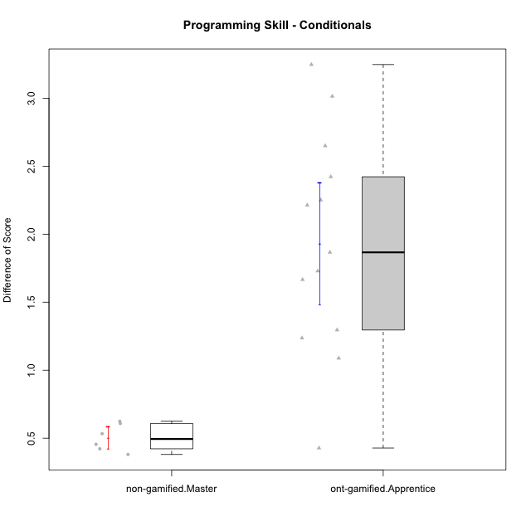

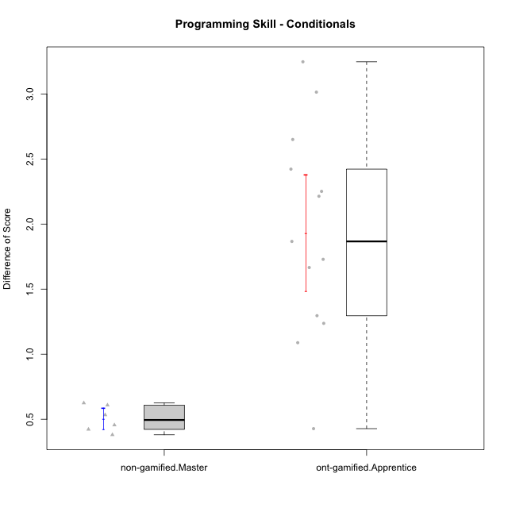

Student's t-Test data
UserID | NroUSP | Type | CLGroup | CLRole | PlayerRole | Re2 | Re1 | Un2 | Un1 | Ap2 | Ap3 | Ap1 | An3 | Ev2 | Ev1 | ReB | ReA | UnB | UnA | ApB | ApC | ApA | AnC | EvB | EvA | PreScore | PostScore | DiffScore
10170 | 10260351 | ont-gamified | Grupo Afrodite | Apprentice | Yee Achiever | 0.975 | 1 | 0.5 | 0.94444444444 | 0 | 0 | 0.5 | 0.9375 | 1 | 0.66666666667 | 0.775 | 1 | 1 | 1 | 0.91666666667 | 0.5 | 1 | 1 | 0.58333333333 | 1 | 6.5236111111 | 8.775 | 2.2513888889
10176 | 10276949 | ont-gamified | Grupo Cronus | Apprentice | Yee Achiever | 1 | 1 | 0.5 | 0.66666666667 | 0 | 1 | 1 | 0.875 | 0.4 | 0.66666666667 | 1 | 1 | 1 | 1 | 1 | 0.5 | 1 | 0.92857142857 | 0.58333333333 | 0.33333333333 | 7.1083333333 | 8.3452380952 | 1.2369047619
10181 | 10276866 | non-gamified | Grupo Team 10 | Master |  | 1 | 1 | 0.5 | 0.94444444444 | 1 | 0.5 | 1 | 1 | 0.4 | 1 | 0.975 | 1 | 1 | 1 | 0.66666666667 | 0.5 | 1 | 1 | 0.58333333333 | 1 | 8.3444444444 | 8.725 | 0.38055555556
10183 | 10352030 | ont-gamified | Grupo Hélio | Apprentice | Yee Socializer | 0.775 | 0.98333333333 | 0.5 | 1 | 1 | 0.375 | 0.33333333333 | 0.9375 | 0.4 | 0 | 1 | 1 | 0.75 | 1 | 0.75 | 0.375 | 1 | 0.92857142857 | 0.16666666667 | 1 | 6.3041666667 | 7.9702380952 | 1.6660714286
10186 | 10310551 | ont-gamified | Grupo Ares | Apprentice | Yee Achiever | 1 | 0.96666666667 | 0.33333333333 | 0.94444444444 | 0 | 1 | 1 | 1 | 0 | 1 | 1 | 1 | 1 | 1 | 1 | 1 | 1 | 1 | 0.66666666667 | 1 | 7.2444444444 | 9.6666666667 | 2.4222222222
10188 | 10276995 | non-gamified | Grupo Team 3 | Master |  | 0.8 | 1 | 1 | 0.66666666667 | 1 | 1 | 1 | 1 | 1 | 1 | 1 | 1 | 1 | 1 | 1 | 1 | 1 | 1 | 1 | 1 | 9.4666666667 | 10 | 0.53333333333
10190 | 10276907 | ont-gamified | Grupo Zeus | Apprentice | Yee Socializer | 0.725 | 0.9 | 0.5 | 0.66666666667 | 1 | 1 | 1 | 0.3125 | 0.5 | 0 | 1 | 0.9 | 0 | 1 | 1 | 1 | 1 | 1 | 0 | 1 | 6.6041666667 | 7.9 | 1.2958333333
10191 | 10276981 | non-gamified | Grupo Team 6 | Master |  | 0.8 | 1 | 1 | 0.94444444444 | 1 | 0.5 | 1 | 1 | 1 | 1 | 1 | 1 | 1 | 0.66666666667 | 1 | 1 | 1 | 1 | 1 | 1 | 9.2444444444 | 9.6666666667 | 0.42222222222
10195 | 10351971 | ont-gamified | Grupo Urano | Apprentice | Yee Achiever | 0.975 | 1 | 0.5 | 0.94444444444 | 1 | 0.5 | 1 | 0.4375 | 0.4 | 1 | 1 | 1 | 1 | 1 | 0.91666666667 | 0.5 | 1 | 0.42857142857 | 1 | 1 | 7.7569444444 | 8.8452380952 | 1.0882936508
10196 | 10310655 | ont-gamified | Grupo Hefesto | Apprentice | Yee Achiever | 0.775 | 0.78333333333 | 0.5 | 0.61111111111 | 0 | 0.5 | 1 | 1 | 0.5 | 0.66666666667 | 1 | 1 | 1 | 1 | 1 | 1 | 1 | 1 | 0.58333333333 | 1 | 6.3361111111 | 9.5833333333 | 3.2472222222
10197 | 10276661 | ont-gamified | Grupo Gaia | Apprentice | Yee Achiever | 0.525 | 0.98333333333 | 0 | 0.94444444444 | 0 | 1 | 1 | 1 | 0.5 | 1 | 1 | 1 | 1 | 1 | 1 | 0.5 | 1 | 1 | 0.66666666667 | 1 | 6.9527777778 | 9.1666666667 | 2.2138888889
10198 | 10310888 | ont-gamified | Grupo Apolo | Apprentice | Yee Socializer | 0.525 | 0.93333333333 | 0.5 | 0.61111111111 | 0 | 0.375 | 1 | 0.375 | 0.5 | 0.66666666667 | 1 | 1 | 0.75 | 0.66666666667 | 1 | 0.5 | 1 | 1 | 0.58333333333 | 1 | 5.4861111111 | 8.5 | 3.0138888889
10200 | 9795272 | ont-gamified | Grupo Hades | Apprentice | Yee Socializer | 0.8 | 0.58333333333 | 0.5 | 1 | 0 | 0.5 | 1 | 0.9375 | 1 | 1 | 0.8 | 1 | 1 | 1 | 1 | 1 | 1 | 1 | 0.25 | 1 | 7.3208333333 | 9.05 | 1.7291666667
10209 | 10262669 | ont-gamified | Grupo Artemis | Apprentice | Yee Achiever | 1 | 1 | 0.5 | 1 | 0 | 0.5 | 1 | 1 | 0 | 1 | 1 | 0.98333333333 | 1 | 0.66666666667 | 1 | 1 | 1 | 1 | 1 | 1 | 7 | 9.65 | 2.65
10219 | 10276831 | non-gamified | Grupo Team 12 | Master |  | 1 | 1 | 0.5 | 0.33333333333 | 1 | 0.5 | 1 | 1 | 1 | 1 | 1 | 1 | 1 | 1 | 1 | 0.375 | 1 | 1 | 0.58333333333 | 1 | 8.3333333333 | 8.9583333333 | 0.625
10221 | 9082496 | ont-gamified | Grupo Hermes | Apprentice | Yee Achiever | 0.975 | 0.9 | 0.33333333333 | 0.66666666667 | 0 | 0.375 | 0.33333333333 | 0.875 | 1 | 0.66666666667 | 0.8 | 0.93333333333 | 0 | 0.27777777778 | 0.58333333333 | 0.375 | 1 | 1 | 0.58333333333 | 1 | 6.125 | 6.5527777778 | 0.42777777778
10226 | 10310342 | non-gamified | Grupo Team 8 | Master |  | 0.55 | 0.98333333333 | 0.83333333333 | 0.94444444444 | 1 | 1 | 1 | 1 | 0.5 | 1 | 1 | 0.93333333333 | 1 | 0.33333333333 | 1 | 1 | 1 | 1 | 1 | 1 | 8.8111111111 | 9.2666666667 | 0.45555555556
10230 | 10351992 | non-gamified | Grupo Team 14 | Master |  | 0.325 | 0.95 | 1 | 0.88888888889 | 0 | 1 | 1 | 1 | 1 | 0.66666666667 | 0.8 | 1 | 0.75 | 0.88888888889 | 0.91666666667 | 0.5 | 1 | 1 | 0.58333333333 | 1 | 7.8305555556 | 8.4388888889 | 0.60833333333
10231 | 10276911 | ont-gamified | Grupo Caronte | Apprentice | Yee Achiever | 1 | 0.96666666667 | 1 | 0.66666666667 | 1 | 0 | 1 | 1 | 0 | 1 | 1 | 1 | 1 | 1 | 1 | 0.5 | 1 | 1 | 1 | 1 | 7.6333333333 | 9.5 | 1.8666666667

Type_CLRole_5
Student's t-Test for Programming Skill - Conditionals in Type:CLRole between non-gamified.Master:ont-gamified.Master

Student's t-Test results
Alternative hypothesis: less
Group | N | Mean | Mean.Difference | Std.deviation | Std.error | CI.lower | CI.upper | df | t.value | p.value | g | magnitude
non-gamified.Master | 6 | 0.50416666667 | 0.055978835979 | 0.10065756029 | 0.041093276913 | 0.42198011284 | 0.58635322049 | 15.072698036 | 0.26688532933 | 0.60341283377 | 0.078365950398 | negligible
ont-gamified.Master | 15 | 0.44818783069 | -0.055978835979 | 0.79661003315 | 0.20568382612 | 0.036820178446 | 0.85955548293 | 15.072698036 | 0.26688532933 | 0.60341283377 | 0.078365950398 | negligible
Alternative hypothesis: greater
Group | N | Mean | Mean.Difference | Std.deviation | Std.error | CI.lower | CI.upper | df | t.value | p.value | g | magnitude
non-gamified.Master | 6 | 0.50416666667 | 0.055978835979 | 0.10065756029 | 0.041093276913 | 0.42198011284 | 0.58635322049 | 15.072698036 | 0.26688532933 | 0.39658716623 | 0.078365950398 | negligible
ont-gamified.Master | 15 | 0.44818783069 | -0.055978835979 | 0.79661003315 | 0.20568382612 | 0.036820178446 | 0.85955548293 | 15.072698036 | 0.26688532933 | 0.39658716623 | 0.078365950398 | negligible
Alternative hypothesis: two.sided
Group | N | Mean | Mean.Difference | Std.deviation | Std.error | CI.lower | CI.upper | df | t.value | p.value | g | magnitude
non-gamified.Master | 6 | 0.50416666667 | 0.055978835979 | 0.10065756029 | 0.041093276913 | 0.42198011284 | 0.58635322049 | 15.072698036 | 0.26688532933 | 0.79317433245 | 0.078365950398 | negligible
ont-gamified.Master | 15 | 0.44818783069 | -0.055978835979 | 0.79661003315 | 0.20568382612 | 0.036820178446 | 0.85955548293 | 15.072698036 | 0.26688532933 | 0.79317433245 | 0.078365950398 | negligible

Box plots for Student's t-Test
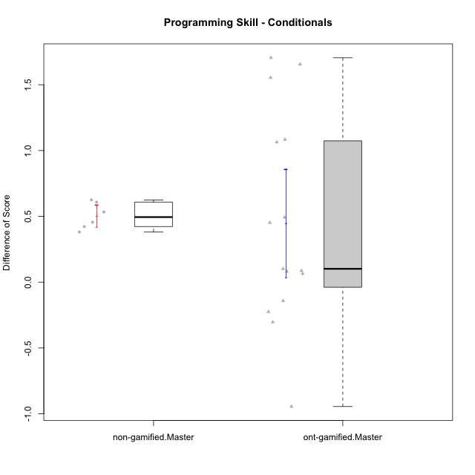

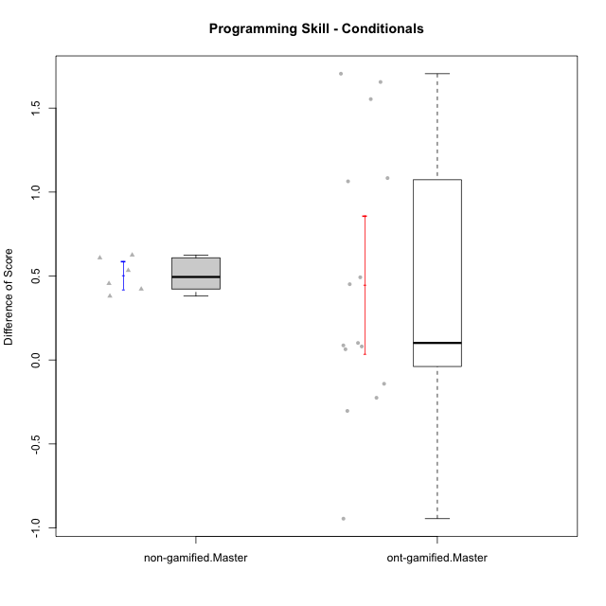

Student's t-Test data
UserID | NroUSP | Type | CLGroup | CLRole | PlayerRole | Re2 | Re1 | Un2 | Un1 | Ap2 | Ap3 | Ap1 | An3 | Ev2 | Ev1 | ReB | ReA | UnB | UnA | ApB | ApC | ApA | AnC | EvB | EvA | PreScore | PostScore | DiffScore
10169 | 10377538 | ont-gamified | Grupo Hefesto | Master | Yee Achiever | 1 | 1 | 0 | 0.94444444444 | 1 | 0.5 | 1 | 0.5 | 1 | 1 | 0.8 | 1 | 0.75 | 1 | 0.91666666667 | 0.375 | 1 | 0.5 | 0.66666666667 | 1 | 7.9444444444 | 8.0083333333 | 0.063888888889
10174 | 10276852 | ont-gamified | Grupo Urano | Master | Yee Achiever | 1 | 0.73333333333 | 0.5 | 0.94444444444 | 1 | 0.5 | 1 | 0.5 | 0.5 | 1 | 0.55 | 0.75 | 1 | 0.61111111111 | 0.91666666667 | 0.375 | 1 | 1 | 0.25 | 1 | 7.6777777778 | 7.4527777778 | -0.225
10175 | 10310700 | ont-gamified | Grupo Hélio | Master | Yee Socializer | 0.975 | 1 | 0.5 | 0.94444444444 | 1 | 1 | 1 | 1 | 1 | 1 | 1 | 1 | 1 | 1 | 1 | 0.5 | 1 | 1 | 1 | 1 | 9.4194444444 | 9.5 | 0.080555555556
10181 | 10276866 | non-gamified | Grupo Team 10 | Master |  | 1 | 1 | 0.5 | 0.94444444444 | 1 | 0.5 | 1 | 1 | 0.4 | 1 | 0.975 | 1 | 1 | 1 | 0.66666666667 | 0.5 | 1 | 1 | 0.58333333333 | 1 | 8.3444444444 | 8.725 | 0.38055555556
10184 | 10276675 | ont-gamified | Grupo Apolo | Master | Yee Socializer | 1 | 1 | 0.16666666667 | 0.94444444444 | 1 | 0.5 | 1 | 0.9375 | 1 | 1 | 1 | 1 | 0 | 1 | 1 | 1 | 1 | 1 | 1 | 1 | 8.5486111111 | 9 | 0.45138888889
10188 | 10276995 | non-gamified | Grupo Team 3 | Master |  | 0.8 | 1 | 1 | 0.66666666667 | 1 | 1 | 1 | 1 | 1 | 1 | 1 | 1 | 1 | 1 | 1 | 1 | 1 | 1 | 1 | 1 | 9.4666666667 | 10 | 0.53333333333
10189 | 9363926 | ont-gamified | Grupo Hades | Master | Yee Socializer | 0.775 | 0.9 | 0.5 | 0.94444444444 | 1 | 1 | 1 | 0.9375 | 1 | 1 | 1 | 0.93333333333 | 0 | 1 | 1 | 1 | 1 | 0.92857142857 | 0.25 | 1 | 9.0569444444 | 8.1119047619 | -0.94503968254
10191 | 10276981 | non-gamified | Grupo Team 6 | Master |  | 0.8 | 1 | 1 | 0.94444444444 | 1 | 0.5 | 1 | 1 | 1 | 1 | 1 | 1 | 1 | 0.66666666667 | 1 | 1 | 1 | 1 | 1 | 1 | 9.2444444444 | 9.6666666667 | 0.42222222222
10193 | 10276762 | ont-gamified | Grupo Afrodite | Master | Yee Achiever | 0.975 | 0.98333333333 | 1 | 0.94444444444 | 1 | 0.5 | 1 | 1 | 0 | 1 | 1 | 0.96666666667 | 0 | 1 | 1 | 1 | 1 | 0.92857142857 | 1 | 1 | 8.4027777778 | 8.8952380952 | 0.49246031746
10199 | 10276737 | ont-gamified | Grupo Gaia | Master | Yee Achiever | 0.975 | 1 | 0.5 | 0.66666666667 | 1 | 1 | 0.33333333333 | 1 | 0.5 | 1 | 1 | 0.8 | 1 | 0.66666666667 | 1 | 1 | 0.33333333333 | 0.92857142857 | 1 | 0.33333333333 | 7.975 | 8.0619047619 | 0.086904761905
10201 | 10276928 | ont-gamified | Grupo Caronte | Master | Yee Achiever | 1 | 1 | 0.5 | 0.66666666667 | 0 | 1 | 1 | 1 | 1 | 1 | 1 | 1 | 0.75 | 1 | 1 | 0.5 | 1 | 1 | 1 | 1 | 8.1666666667 | 9.25 | 1.0833333333
10204 | 10310471 | ont-gamified | Grupo Hermes | Master | Yee Achiever | 0.975 | 1 | 1 | 0.94444444444 | 1 | 1 | 1 | 0.8125 | 1 | 1 | 1 | 1 | 1 | 1 | 1 | 0.5 | 1 | 0.92857142857 | 1 | 1 | 9.7319444444 | 9.4285714286 | -0.30337301587
10206 | 10310721 | ont-gamified | Grupo Hera | Master | Yee Achiever | 1 | 1 | 0.5 | 0.66666666667 | 1 | 1 | 1 | 1 | 1 | 1 | 1 | 0.98333333333 | 1 | 1 | 0.66666666667 | 0.375 | 1 | 1 | 1 | 1 | 9.1666666667 | 9.025 | -0.14166666667
10213 | 10277040 | ont-gamified | Grupo Morfeu | Master | Yee Socializer | 0.375 | 0.8 | 1 | 0.94444444444 | 1 | 1 | 1 | 1 | 0.4 | 1 | 1 | 1 | 1 | 1 | 1 | 1 | 1 | 1 | 0.58333333333 | 1 | 8.5194444444 | 9.5833333333 | 1.0638888889
10215 | 9285227 | ont-gamified | Grupo Zeus | Master | Yee Socializer | 0.975 | 1 | 0.5 | 0.66666666667 | 1 | 0.5 | 1 | 1 | 0.4 | 1 | 1 | 1 | 1 | 0.66666666667 | 1 | 1 | 1 | 0.92857142857 | 1 | 1 | 8.0416666667 | 9.5952380952 | 1.5535714286
10218 | 9842913 | ont-gamified | Grupo Ares | Master | Yee Achiever | 1 | 0.95 | 0 | 0.94444444444 | 1 | 0.5 | 1 | 1 | 0.5 | 1 | 0.8 | 1 | 1 | 1 | 0.75 | 1 | 1 | 1 | 1 | 1 | 7.8944444444 | 9.55 | 1.6555555556
10219 | 10276831 | non-gamified | Grupo Team 12 | Master |  | 1 | 1 | 0.5 | 0.33333333333 | 1 | 0.5 | 1 | 1 | 1 | 1 | 1 | 1 | 1 | 1 | 1 | 0.375 | 1 | 1 | 0.58333333333 | 1 | 8.3333333333 | 8.9583333333 | 0.625
10223 | 9795185 | ont-gamified | Grupo Cronus | Master | Yee Achiever | 0.975 | 0.8 | 1 | 0.94444444444 | 1 | 0.5 | 1 | 0.9375 | 0 | 1 | 1 | 0.93333333333 | 1 | 1 | 1 | 1 | 1 | 0.92857142857 | 1 | 1 | 8.1569444444 | 9.8619047619 | 1.7049603175
10226 | 10310342 | non-gamified | Grupo Team 8 | Master |  | 0.55 | 0.98333333333 | 0.83333333333 | 0.94444444444 | 1 | 1 | 1 | 1 | 0.5 | 1 | 1 | 0.93333333333 | 1 | 0.33333333333 | 1 | 1 | 1 | 1 | 1 | 1 | 8.8111111111 | 9.2666666667 | 0.45555555556
10230 | 10351992 | non-gamified | Grupo Team 14 | Master |  | 0.325 | 0.95 | 1 | 0.88888888889 | 0 | 1 | 1 | 1 | 1 | 0.66666666667 | 0.8 | 1 | 0.75 | 0.88888888889 | 0.91666666667 | 0.5 | 1 | 1 | 0.58333333333 | 1 | 7.8305555556 | 8.4388888889 | 0.60833333333
10232 | 10276974 | ont-gamified | Grupo Artemis | Master | Yee Achiever | 0.6 | 1 | 0.5 | 0.94444444444 | 1 | 1 | 1 | 0.4375 | 1 | 1 | 1 | 1 | 1 | 1 | 1 | 0 | 1 | 1 | 0.58333333333 | 1 | 8.4819444444 | 8.5833333333 | 0.10138888889

Type_CLRole_6
Student's t-Test for Programming Skill - Conditionals in Type:CLRole between ont-gamified.Apprentice:ont-gamified.Master

Student's t-Test results
Alternative hypothesis: less
Group | N | Mean | Mean.Difference | Std.deviation | Std.error | CI.lower | CI.upper | df | t.value | p.value | g | magnitude
ont-gamified.Apprentice | 13 | 1.931486569 | 1.4832987383 | 0.80705845492 | 0.22383774166 | 1.4838110857 | 2.3791620523 | 25.336843607 | 4.8794524524 | 0.999975375 | 1.7968645653 | large
ont-gamified.Master | 15 | 0.44818783069 | -1.4832987383 | 0.79661003315 | 0.20568382612 | 0.036820178446 | 0.85955548293 | 25.336843607 | 4.8794524524 | 0.999975375 | 1.7968645653 | large
Alternative hypothesis: greater
Group | N | Mean | Mean.Difference | Std.deviation | Std.error | CI.lower | CI.upper | df | t.value | p.value | g | magnitude
ont-gamified.Apprentice | 13 | 1.931486569 | 1.4832987383 | 0.80705845492 | 0.22383774166 | 1.4838110857 | 2.3791620523 | 25.336843607 | 4.8794524524 | 2.4625004273E-05 | 1.7968645653 | large
ont-gamified.Master | 15 | 0.44818783069 | -1.4832987383 | 0.79661003315 | 0.20568382612 | 0.036820178446 | 0.85955548293 | 25.336843607 | 4.8794524524 | 2.4625004273E-05 | 1.7968645653 | large
Alternative hypothesis: two.sided
Group | N | Mean | Mean.Difference | Std.deviation | Std.error | CI.lower | CI.upper | df | t.value | p.value | g | magnitude
ont-gamified.Apprentice | 13 | 1.931486569 | 1.4832987383 | 0.80705845492 | 0.22383774166 | 1.4838110857 | 2.3791620523 | 25.336843607 | 4.8794524524 | 4.9250008545E-05 | 1.7968645653 | large
ont-gamified.Master | 15 | 0.44818783069 | -1.4832987383 | 0.79661003315 | 0.20568382612 | 0.036820178446 | 0.85955548293 | 25.336843607 | 4.8794524524 | 4.9250008545E-05 | 1.7968645653 | large

Box plots for Student's t-Test
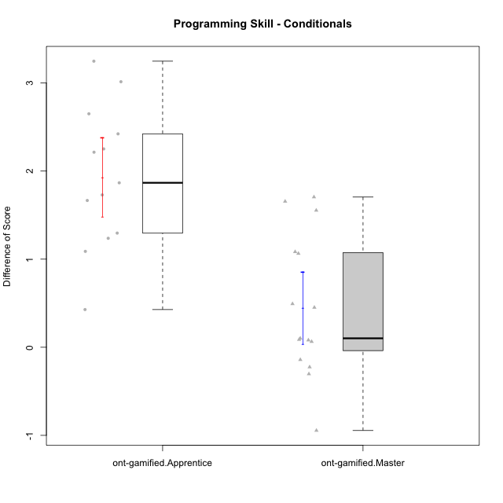

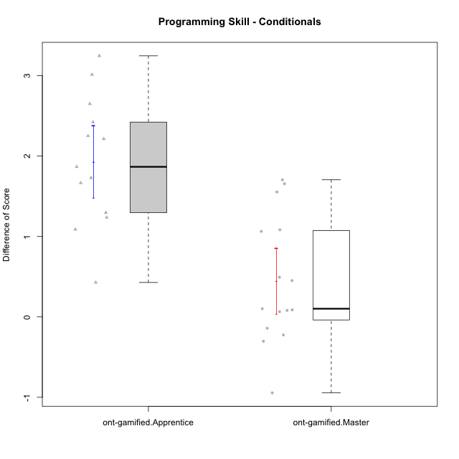

Student's t-Test data
UserID | NroUSP | Type | CLGroup | CLRole | PlayerRole | Re2 | Re1 | Un2 | Un1 | Ap2 | Ap3 | Ap1 | An3 | Ev2 | Ev1 | ReB | ReA | UnB | UnA | ApB | ApC | ApA | AnC | EvB | EvA | PreScore | PostScore | DiffScore
10169 | 10377538 | ont-gamified | Grupo Hefesto | Master | Yee Achiever | 1 | 1 | 0 | 0.94444444444 | 1 | 0.5 | 1 | 0.5 | 1 | 1 | 0.8 | 1 | 0.75 | 1 | 0.91666666667 | 0.375 | 1 | 0.5 | 0.66666666667 | 1 | 7.9444444444 | 8.0083333333 | 0.063888888889
10170 | 10260351 | ont-gamified | Grupo Afrodite | Apprentice | Yee Achiever | 0.975 | 1 | 0.5 | 0.94444444444 | 0 | 0 | 0.5 | 0.9375 | 1 | 0.66666666667 | 0.775 | 1 | 1 | 1 | 0.91666666667 | 0.5 | 1 | 1 | 0.58333333333 | 1 | 6.5236111111 | 8.775 | 2.2513888889
10174 | 10276852 | ont-gamified | Grupo Urano | Master | Yee Achiever | 1 | 0.73333333333 | 0.5 | 0.94444444444 | 1 | 0.5 | 1 | 0.5 | 0.5 | 1 | 0.55 | 0.75 | 1 | 0.61111111111 | 0.91666666667 | 0.375 | 1 | 1 | 0.25 | 1 | 7.6777777778 | 7.4527777778 | -0.225
10175 | 10310700 | ont-gamified | Grupo Hélio | Master | Yee Socializer | 0.975 | 1 | 0.5 | 0.94444444444 | 1 | 1 | 1 | 1 | 1 | 1 | 1 | 1 | 1 | 1 | 1 | 0.5 | 1 | 1 | 1 | 1 | 9.4194444444 | 9.5 | 0.080555555556
10176 | 10276949 | ont-gamified | Grupo Cronus | Apprentice | Yee Achiever | 1 | 1 | 0.5 | 0.66666666667 | 0 | 1 | 1 | 0.875 | 0.4 | 0.66666666667 | 1 | 1 | 1 | 1 | 1 | 0.5 | 1 | 0.92857142857 | 0.58333333333 | 0.33333333333 | 7.1083333333 | 8.3452380952 | 1.2369047619
10183 | 10352030 | ont-gamified | Grupo Hélio | Apprentice | Yee Socializer | 0.775 | 0.98333333333 | 0.5 | 1 | 1 | 0.375 | 0.33333333333 | 0.9375 | 0.4 | 0 | 1 | 1 | 0.75 | 1 | 0.75 | 0.375 | 1 | 0.92857142857 | 0.16666666667 | 1 | 6.3041666667 | 7.9702380952 | 1.6660714286
10184 | 10276675 | ont-gamified | Grupo Apolo | Master | Yee Socializer | 1 | 1 | 0.16666666667 | 0.94444444444 | 1 | 0.5 | 1 | 0.9375 | 1 | 1 | 1 | 1 | 0 | 1 | 1 | 1 | 1 | 1 | 1 | 1 | 8.5486111111 | 9 | 0.45138888889
10186 | 10310551 | ont-gamified | Grupo Ares | Apprentice | Yee Achiever | 1 | 0.96666666667 | 0.33333333333 | 0.94444444444 | 0 | 1 | 1 | 1 | 0 | 1 | 1 | 1 | 1 | 1 | 1 | 1 | 1 | 1 | 0.66666666667 | 1 | 7.2444444444 | 9.6666666667 | 2.4222222222
10189 | 9363926 | ont-gamified | Grupo Hades | Master | Yee Socializer | 0.775 | 0.9 | 0.5 | 0.94444444444 | 1 | 1 | 1 | 0.9375 | 1 | 1 | 1 | 0.93333333333 | 0 | 1 | 1 | 1 | 1 | 0.92857142857 | 0.25 | 1 | 9.0569444444 | 8.1119047619 | -0.94503968254
10190 | 10276907 | ont-gamified | Grupo Zeus | Apprentice | Yee Socializer | 0.725 | 0.9 | 0.5 | 0.66666666667 | 1 | 1 | 1 | 0.3125 | 0.5 | 0 | 1 | 0.9 | 0 | 1 | 1 | 1 | 1 | 1 | 0 | 1 | 6.6041666667 | 7.9 | 1.2958333333
10193 | 10276762 | ont-gamified | Grupo Afrodite | Master | Yee Achiever | 0.975 | 0.98333333333 | 1 | 0.94444444444 | 1 | 0.5 | 1 | 1 | 0 | 1 | 1 | 0.96666666667 | 0 | 1 | 1 | 1 | 1 | 0.92857142857 | 1 | 1 | 8.4027777778 | 8.8952380952 | 0.49246031746
10195 | 10351971 | ont-gamified | Grupo Urano | Apprentice | Yee Achiever | 0.975 | 1 | 0.5 | 0.94444444444 | 1 | 0.5 | 1 | 0.4375 | 0.4 | 1 | 1 | 1 | 1 | 1 | 0.91666666667 | 0.5 | 1 | 0.42857142857 | 1 | 1 | 7.7569444444 | 8.8452380952 | 1.0882936508
10196 | 10310655 | ont-gamified | Grupo Hefesto | Apprentice | Yee Achiever | 0.775 | 0.78333333333 | 0.5 | 0.61111111111 | 0 | 0.5 | 1 | 1 | 0.5 | 0.66666666667 | 1 | 1 | 1 | 1 | 1 | 1 | 1 | 1 | 0.58333333333 | 1 | 6.3361111111 | 9.5833333333 | 3.2472222222
10197 | 10276661 | ont-gamified | Grupo Gaia | Apprentice | Yee Achiever | 0.525 | 0.98333333333 | 0 | 0.94444444444 | 0 | 1 | 1 | 1 | 0.5 | 1 | 1 | 1 | 1 | 1 | 1 | 0.5 | 1 | 1 | 0.66666666667 | 1 | 6.9527777778 | 9.1666666667 | 2.2138888889
10198 | 10310888 | ont-gamified | Grupo Apolo | Apprentice | Yee Socializer | 0.525 | 0.93333333333 | 0.5 | 0.61111111111 | 0 | 0.375 | 1 | 0.375 | 0.5 | 0.66666666667 | 1 | 1 | 0.75 | 0.66666666667 | 1 | 0.5 | 1 | 1 | 0.58333333333 | 1 | 5.4861111111 | 8.5 | 3.0138888889
10199 | 10276737 | ont-gamified | Grupo Gaia | Master | Yee Achiever | 0.975 | 1 | 0.5 | 0.66666666667 | 1 | 1 | 0.33333333333 | 1 | 0.5 | 1 | 1 | 0.8 | 1 | 0.66666666667 | 1 | 1 | 0.33333333333 | 0.92857142857 | 1 | 0.33333333333 | 7.975 | 8.0619047619 | 0.086904761905
10200 | 9795272 | ont-gamified | Grupo Hades | Apprentice | Yee Socializer | 0.8 | 0.58333333333 | 0.5 | 1 | 0 | 0.5 | 1 | 0.9375 | 1 | 1 | 0.8 | 1 | 1 | 1 | 1 | 1 | 1 | 1 | 0.25 | 1 | 7.3208333333 | 9.05 | 1.7291666667
10201 | 10276928 | ont-gamified | Grupo Caronte | Master | Yee Achiever | 1 | 1 | 0.5 | 0.66666666667 | 0 | 1 | 1 | 1 | 1 | 1 | 1 | 1 | 0.75 | 1 | 1 | 0.5 | 1 | 1 | 1 | 1 | 8.1666666667 | 9.25 | 1.0833333333
10204 | 10310471 | ont-gamified | Grupo Hermes | Master | Yee Achiever | 0.975 | 1 | 1 | 0.94444444444 | 1 | 1 | 1 | 0.8125 | 1 | 1 | 1 | 1 | 1 | 1 | 1 | 0.5 | 1 | 0.92857142857 | 1 | 1 | 9.7319444444 | 9.4285714286 | -0.30337301587
10206 | 10310721 | ont-gamified | Grupo Hera | Master | Yee Achiever | 1 | 1 | 0.5 | 0.66666666667 | 1 | 1 | 1 | 1 | 1 | 1 | 1 | 0.98333333333 | 1 | 1 | 0.66666666667 | 0.375 | 1 | 1 | 1 | 1 | 9.1666666667 | 9.025 | -0.14166666667
10209 | 10262669 | ont-gamified | Grupo Artemis | Apprentice | Yee Achiever | 1 | 1 | 0.5 | 1 | 0 | 0.5 | 1 | 1 | 0 | 1 | 1 | 0.98333333333 | 1 | 0.66666666667 | 1 | 1 | 1 | 1 | 1 | 1 | 7 | 9.65 | 2.65
10213 | 10277040 | ont-gamified | Grupo Morfeu | Master | Yee Socializer | 0.375 | 0.8 | 1 | 0.94444444444 | 1 | 1 | 1 | 1 | 0.4 | 1 | 1 | 1 | 1 | 1 | 1 | 1 | 1 | 1 | 0.58333333333 | 1 | 8.5194444444 | 9.5833333333 | 1.0638888889
10215 | 9285227 | ont-gamified | Grupo Zeus | Master | Yee Socializer | 0.975 | 1 | 0.5 | 0.66666666667 | 1 | 0.5 | 1 | 1 | 0.4 | 1 | 1 | 1 | 1 | 0.66666666667 | 1 | 1 | 1 | 0.92857142857 | 1 | 1 | 8.0416666667 | 9.5952380952 | 1.5535714286
10218 | 9842913 | ont-gamified | Grupo Ares | Master | Yee Achiever | 1 | 0.95 | 0 | 0.94444444444 | 1 | 0.5 | 1 | 1 | 0.5 | 1 | 0.8 | 1 | 1 | 1 | 0.75 | 1 | 1 | 1 | 1 | 1 | 7.8944444444 | 9.55 | 1.6555555556
10221 | 9082496 | ont-gamified | Grupo Hermes | Apprentice | Yee Achiever | 0.975 | 0.9 | 0.33333333333 | 0.66666666667 | 0 | 0.375 | 0.33333333333 | 0.875 | 1 | 0.66666666667 | 0.8 | 0.93333333333 | 0 | 0.27777777778 | 0.58333333333 | 0.375 | 1 | 1 | 0.58333333333 | 1 | 6.125 | 6.5527777778 | 0.42777777778
10223 | 9795185 | ont-gamified | Grupo Cronus | Master | Yee Achiever | 0.975 | 0.8 | 1 | 0.94444444444 | 1 | 0.5 | 1 | 0.9375 | 0 | 1 | 1 | 0.93333333333 | 1 | 1 | 1 | 1 | 1 | 0.92857142857 | 1 | 1 | 8.1569444444 | 9.8619047619 | 1.7049603175
10231 | 10276911 | ont-gamified | Grupo Caronte | Apprentice | Yee Achiever | 1 | 0.96666666667 | 1 | 0.66666666667 | 1 | 0 | 1 | 1 | 0 | 1 | 1 | 1 | 1 | 1 | 1 | 0.5 | 1 | 1 | 1 | 1 | 7.6333333333 | 9.5 | 1.8666666667
10232 | 10276974 | ont-gamified | Grupo Artemis | Master | Yee Achiever | 0.6 | 1 | 0.5 | 0.94444444444 | 1 | 1 | 1 | 0.4375 | 1 | 1 | 1 | 1 | 1 | 1 | 1 | 0 | 1 | 1 | 0.58333333333 | 1 | 8.4819444444 | 8.5833333333 | 0.10138888889

