Assumptions
ANOVA assumptions for Programming Skill - Loops

Shapiro-Wilk normality test for Programming Skill - Loops
W | p.value
0.97545209155 | 0.40619255881

Plots for normality test
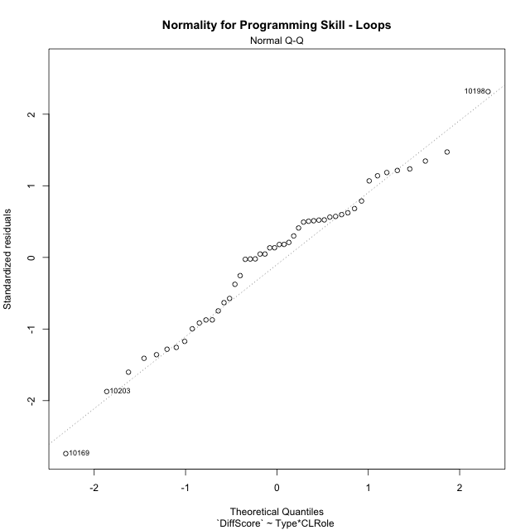

Levene's Test for Homogeneity of Variance in Programming Skill - Loops
Df | F value | Pr(>F)
3 | 2.3264809233 | 0.087700953488
44

Plots for homogeneity of variance
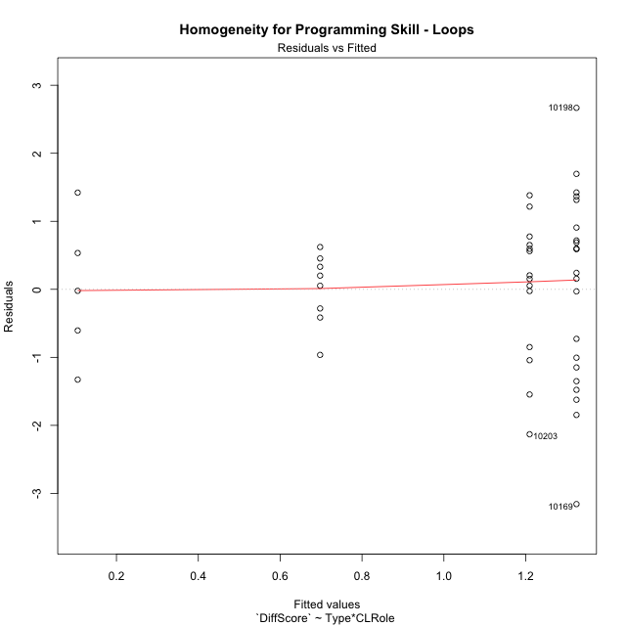

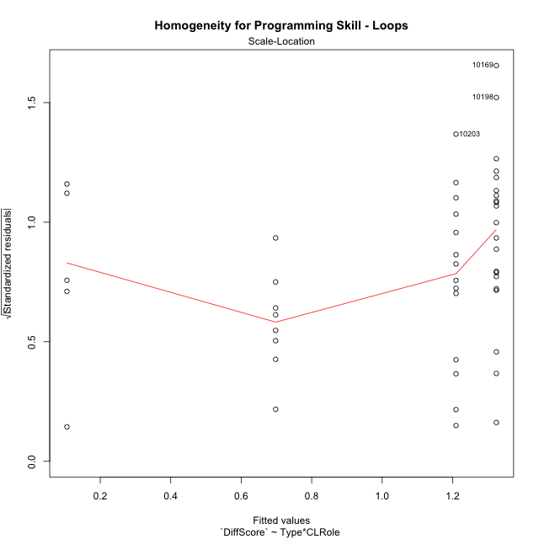

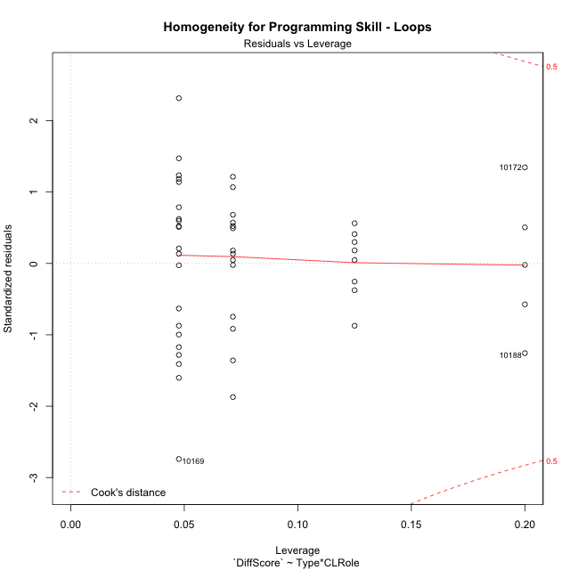

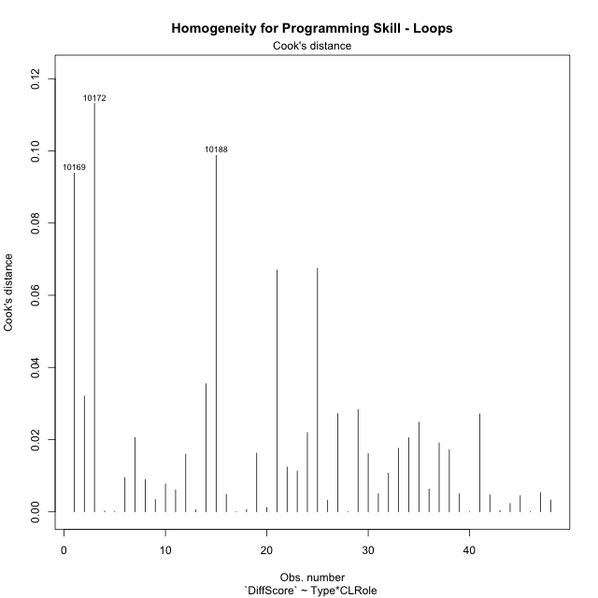

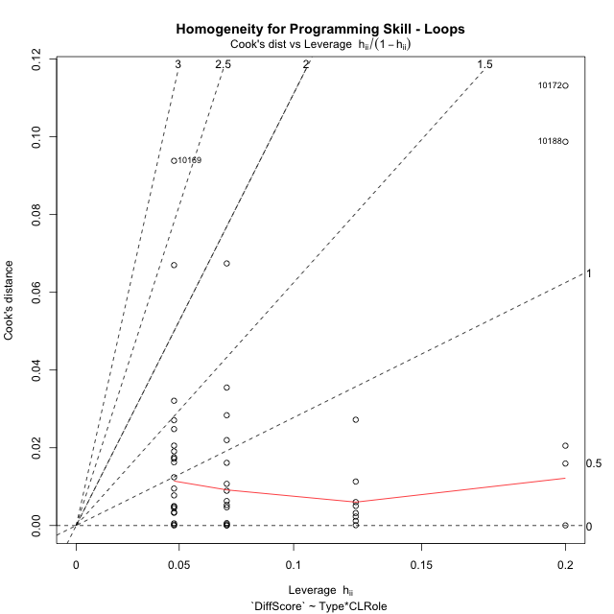

Minimum Sample Size Test for Programming Skill - Loops
Type | CLRole | Freq
non-gamified | Apprentice | 21
ont-gamified | Apprentice | 14
non-gamified | Master | 8
ont-gamified | Master | 5

Errors and Warnings in Sample Size Test for ANOVA in Programming Skill - Loops
code | description
WARN: sample.size | current.size is = 14 and recommended.size must be = 15 for the group: 'ont-gamified:Apprentice'. Size sample for parametric test isn't recomended
WARN: sample.size | current.size is = 8 and recommended.size must be = 15 for the group: 'non-gamified:Master'. Size sample for parametric test isn't recomended
WARN: sample.size | current.size is = 5 and recommended.size must be = 15 for the group: 'ont-gamified:Master'. Size sample for parametric test isn't recomended

For the group: 'non-gamified:Apprentice', you can perform a parametric test with a non-normal distribution For the group: 'ont-gamified:Apprentice', we recommend the use of non parametric test. For the group: 'non-gamified:Master', we recommend the use of non parametric test. For the group: 'ont-gamified:Master', we recommend the use of non parametric test.

If you don't want to remove non-normal data, you must cite the following references: ... (1) Lix, L.M., J.C. Keselman, and H.J. Keselman. 1996. Consequences of assumption violations revisited: A quantitative review of alternatives to the one-way analysis of variance F test. Rev. Educ. Res. 66: 579-619. ... (2) Harwell, M.R., E.N. Rubinstein, W.S. Hayes, and C.C. Olds. 1992. Summarizing Monte Carlo results in methodological research: the one- and two-factor fixed effects ANOVA cases. J. Educ. Stat. 17: 315-339.

Post-hoc
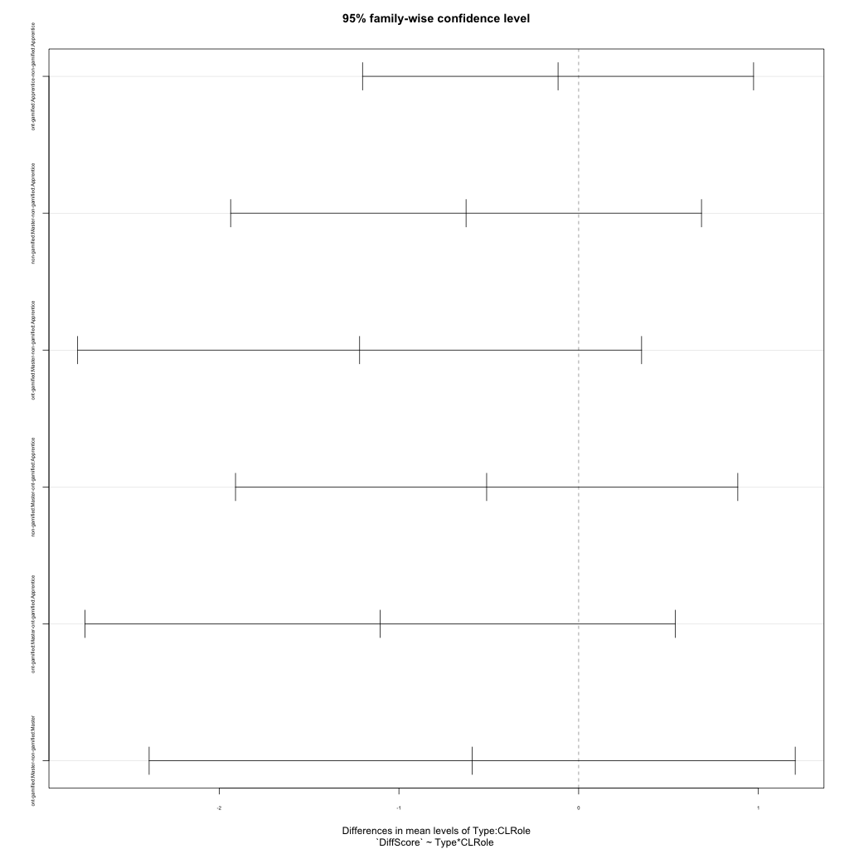
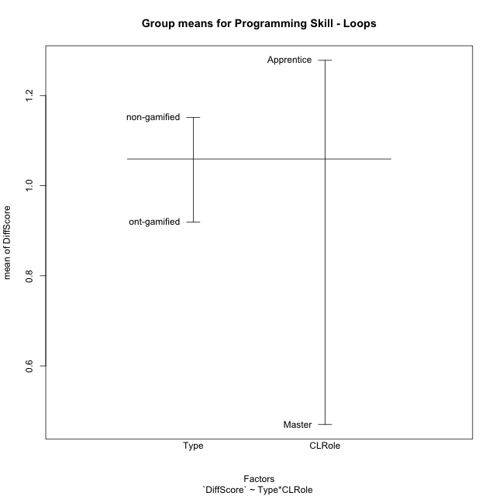
Post-hoc Tukey Honestly Significant Difference (HSD) Test for Programming Skill - Loops

Comparisons of means for Type
 | diff | lwr | upr | p adj
ont-gamified-non-gamified | -0.23227509534 | -0.93470607564 | 0.47015588495 | 0.50861701992

Comparisons of means for CLRole
 | diff | lwr | upr | p adj
Master-Apprentice | -0.81193973654 | -1.5849295285 | -0.038949944549 | 0.039956903501

Comparisons of means for Type:CLRole
 | diff | lwr | upr | p adj
ont-gamified:Apprentice-non-gamified:Apprentice | -0.11448630734 | -1.2023565835 | 0.97338396882 | 0.99214789735
non-gamified:Master-non-gamified:Apprentice | -0.62634500916 | -1.9363142911 | 0.68362427283 | 0.58240067594
ont-gamified:Master-non-gamified:Apprentice | -1.2186660562 | -2.7876148809 | 0.35028276854 | 0.1775941787
non-gamified:Master-ont-gamified:Apprentice | -0.51185870181 | -1.9092533731 | 0.88553596946 | 0.76259624813
ont-gamified:Master-ont-gamified:Apprentice | -1.1041797488 | -2.7468278432 | 0.5384683456 | 0.28948016924
ont-gamified:Master-non-gamified:Master | -0.59232104701 | -2.3897777347 | 1.2051356407 | 0.81524522431

Contrast Matrices for Programming Skill - Loops
contrast | CLRole | estimate | SE | df | t.ratio | p.value
non-gamified - ont-gamified | Apprentice | 0.11448630734 | 0.40744118706 | 44 | 0.2809885475 | 0.78003631678
non-gamified - ont-gamified | Master | 0.59232104701 | 0.67320332447 | 44 | 0.87985460777 | 0.38371844528

Least Squares Means and Confidence Intervals
Type | CLRole | lsmean | SE | df | lower.CL | upper.CL
non-gamified | Apprentice | 1.3239774115 | 0.25768843273 | 44 | 0.80464049984 | 1.8433143231
ont-gamified | Apprentice | 1.2094911041 | 0.31560258641 | 44 | 0.57343588508 | 1.8455463232
non-gamified | Master | 0.69763240232 | 0.41750297838 | 44 | -0.14378956254 | 1.5390543672
ont-gamified | Master | 0.10531135531 | 0.52810413663 | 44 | -0.95901259759 | 1.1696353082

Plots

Type_1
Student's t-Test for Programming Skill - Loops in Type between non-gamified:ont-gamified

Student's t-Test results
Alternative hypothesis: less
Group | N | Mean | Mean.Difference | Std.deviation | Std.error | CI.lower | CI.upper | df | t.value | p.value | g | magnitude
non-gamified | 29 | 1.1511925814 | 0.23227509534 | 1.2720064165 | 0.23620566167 | 0.67878125802 | 1.6236039047 | 41.869973957 | 0.66361596577 | 0.74471309621 | 0.18774217869 | negligible
ont-gamified | 19 | 0.91891748602 | -0.23227509534 | 1.1258869257 | 0.2582961753 | 0.40232513541 | 1.4355098366 | 41.869973957 | 0.66361596577 | 0.74471309621 | 0.18774217869 | negligible
Alternative hypothesis: greater
Group | N | Mean | Mean.Difference | Std.deviation | Std.error | CI.lower | CI.upper | df | t.value | p.value | g | magnitude
non-gamified | 29 | 1.1511925814 | 0.23227509534 | 1.2720064165 | 0.23620566167 | 0.67878125802 | 1.6236039047 | 41.869973957 | 0.66361596577 | 0.25528690379 | 0.18774217869 | negligible
ont-gamified | 19 | 0.91891748602 | -0.23227509534 | 1.1258869257 | 0.2582961753 | 0.40232513541 | 1.4355098366 | 41.869973957 | 0.66361596577 | 0.25528690379 | 0.18774217869 | negligible
Alternative hypothesis: two.sided
Group | N | Mean | Mean.Difference | Std.deviation | Std.error | CI.lower | CI.upper | df | t.value | p.value | g | magnitude
non-gamified | 29 | 1.1511925814 | 0.23227509534 | 1.2720064165 | 0.23620566167 | 0.67878125802 | 1.6236039047 | 41.869973957 | 0.66361596577 | 0.51057380757 | 0.18774217869 | negligible
ont-gamified | 19 | 0.91891748602 | -0.23227509534 | 1.1258869257 | 0.2582961753 | 0.40232513541 | 1.4355098366 | 41.869973957 | 0.66361596577 | 0.51057380757 | 0.18774217869 | negligible

Box plots for Student's t-Test
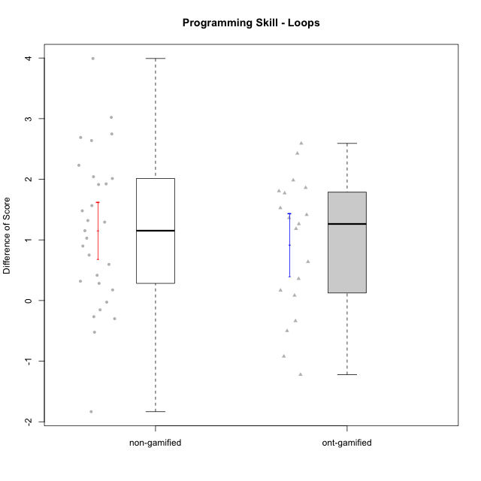

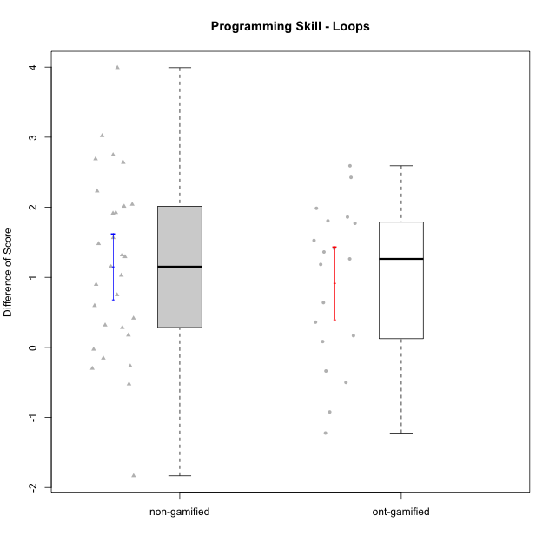

Student's t-Test data
UserID | NroUSP | Type | CLGroup | CLRole | PlayerRole | Re1 | Un3 | Ap2a | Ap2b | An3a | An3b | Ev2 | ReA | UnC | ApB1 | ApB2 | AnC1 | AnC2 | EvB | PreScore | PostScore | DiffScore
10169 | 10377538 | non-gamified | Grupo Team 10 | Apprentice |  | 1 | 1 | 1 | 1 | 0.25 | 0 | 0.75 | 0.83333333333 | 0.5 | 0 | 0.5 | 0 | 0.33333333333 | 1 | 5 | 3.1666666667 | -1.8333333333
10170 | 10260351 | non-gamified | Grupo Team 6 | Apprentice |  | 0.62820512821 | 0.45 | 1 | 1 | 0.25 | 0.41666666667 | 0.72222222222 | 1 | 1 | 0 | 0 | 0.27777777778 | 0.66666666667 | 1 | 4.4670940171 | 3.9444444444 | -0.52264957265
10172 | 10273971 | ont-gamified | Grupo Koil | Master | Yee Achiever | 0.79487179487 | 1 | 1 | 0.42857142857 | 0.5 | 1 | 0.75 | 1 | 1 | 1 | 1 | 1 | 1 | 1 | 5.4734432234 | 7 | 1.5265567766
10174 | 10276852 | non-gamified | Grupo Team 1 | Apprentice |  | 0.62820512821 | 0.15 | 0 | 0.92857142857 | 0 | 0 | 0 | 0.83333333333 | 0 | 1 | 0.21428571429 | 0.66666666667 | 0.27777777778 | 0.19444444444 | 1.7067765568 | 3.1865079365 | 1.4797313797
10175 | 10310700 | non-gamified | Grupo Team 6 | Master |  | 0.83333333333 | 1 | 1 | 1 | 1 | 0.41666666667 | 0.72222222222 | 1 | 1 | 1 | 1 | 1 | 1 | 0.72222222222 | 5.9722222222 | 6.7222222222 | 0.75
10176 | 10276949 | non-gamified | Grupo Team 9 | Apprentice |  | 0.82051282051 | 1 | 1 | 0.42857142857 | 0.5 | 0.41666666667 | 0.44444444444 | 0.66666666667 | 1 | 1 | 0.42857142857 | 0.33333333333 | 1 | 0.5 | 4.6101953602 | 4.9285714286 | 0.31837606838
10178 | 8656201 | non-gamified | Grupo Team 11 | Apprentice |  | 0.98717948718 | 1 | 1 | 0 | 0.75 | 0.41666666667 | 0.72222222222 | 1 | 1 | 1 | 0 | 0.66666666667 | 0.61111111111 | 0.44444444444 | 4.8760683761 | 4.7222222222 | -0.15384615385
10179 | 10310759 | ont-gamified | Grupo Tosskor | Apprentice | Yee Achiever | 0.65384615385 | 1 | 1 | 0 | 0.5 | 0.41666666667 | 0.72222222222 | 1 | 1 | 1 | 1 | 0.66666666667 | 0.61111111111 | 1 | 4.2927350427 | 6.2777777778 | 1.985042735
10181 | 10276866 | non-gamified | Grupo Team 7 | Apprentice |  | 0.48717948718 | 0.7 | 1 | 0 | 0.5 | 1 | 0.16666666667 | 0.61111111111 | 1 | 1 | 1 | 0.55555555556 | 0.61111111111 | 1 | 3.8538461538 | 5.7777777778 | 1.9239316239
10183 | 10352030 | non-gamified | Grupo Belos | Apprentice | Yee Socializer | 0.83333333333 | 0.225 | 1 | 0 | 0 | 0 | 0 | 0.83333333333 | 1 | 1 | 0.42857142857 | 0.61111111111 | 0.22222222222 | 0.19444444444 | 2.0583333333 | 4.2896825397 | 2.2313492063
10184 | 10276675 | non-gamified | Grupo Team 7 | Master |  | 0.65384615385 | 1 | 1 | 0.5 | 0.5 | 1 | 0.47222222222 | 1 | 1 | 1 | 1 | 1 | 0.27777777778 | 1 | 5.1260683761 | 6.2777777778 | 1.1517094017
10185 | 10276960 | ont-gamified | Grupo Tosskor | Master | Yee Achiever | 0.83333333333 | 1 | 1 | 1 | 1 | 0.41666666667 | 0.72222222222 | 0.61111111111 | 1 | 1 | 1 | 1 | 1 | 1 | 5.9722222222 | 6.6111111111 | 0.63888888889
10186 | 10310551 | non-gamified | Grupo Team 5 | Apprentice |  | 0.48717948718 | 0.725 | 1 | 0 | 0.5 | 0.5 | 0 | 0.83333333333 | 1 | 1 | 0 | 0.66666666667 | 0.27777777778 | 1 | 3.2121794872 | 4.7777777778 | 1.5655982906
10187 | 9790781 | ont-gamified | Grupo Razorg | Apprentice | Yee Achiever | 0.98717948718 | 1 | 1 | 0 | 0.75 | 0.41666666667 | 0.72222222222 | 0.66666666667 | 1 | 1 | 0.42857142857 | 0.66666666667 | 0.61111111111 | 0.16666666667 | 4.8760683761 | 4.5396825397 | -0.33638583639
10188 | 10276995 | ont-gamified | Grupo Paldira | Master | Yee Achiever | 0.83333333333 | 1 | 1 | 1 | 1 | 1 | 1 | 0.66666666667 | 1 | 1 | 1 | 0.61111111111 | 0.33333333333 | 1 | 6.8333333333 | 5.6111111111 | -1.2222222222
10189 | 9363926 | non-gamified | Grupo Team 2 | Apprentice |  | 0.80769230769 | 0.225 | 0 | 0.5 | 0.1875 | 0.41666666667 | 0.44444444444 | 0.80555555556 | 1 | 1 | 0.42857142857 | 0.33333333333 | 0.33333333333 | 0.72222222222 | 2.5813034188 | 4.623015873 | 2.0417124542
10190 | 10276907 | non-gamified | Grupo Team 8 | Apprentice |  | 0.62820512821 | 0.75 | 1 | 0.42857142857 | 1 | 0 | 0.47222222222 | 0.83333333333 | 0.46153846154 | 1 | 1 | 0.61111111111 | 0.66666666667 | 1 | 4.278998779 | 5.5726495726 | 1.2936507937
10192 | 10276682 | ont-gamified | Grupo Yeka | Apprentice | Yee Socializer | 0.65384615385 | 0.975 | 0 | 0.42857142857 | 0.5 | 0.41666666667 | 0.72222222222 | 0.83333333333 | 1 | 1 | 0 | 0.66666666667 | 0.61111111111 | 1 | 3.6963064713 | 5.1111111111 | 1.4148046398
10196 | 10310655 | non-gamified | Grupo Team 5 | Apprentice |  | 0.66666666667 | 0.475 | 1 | 0.42857142857 | 0.5 | 0 | 0.44444444444 | 0.81944444444 | 1 | 1 | 1 | 0.66666666667 | 0.66666666667 | 1 | 3.5146825397 | 6.1527777778 | 2.6380952381
10197 | 10276661 | non-gamified | Grupo Team 11 | Master |  | 0.94871794872 | 1 | 1 | 0.5 | 0.75 | 0 | 0.72222222222 | 0.98611111111 | 1 | 1 | 0.5 | 0.66666666667 | 0.66666666667 | 1 | 4.9209401709 | 5.8194444444 | 0.8985042735
10198 | 10310888 | non-gamified | Grupo Team 1 | Apprentice |  | 0.32051282051 | 0 | 1 | 0 | 0.1875 | 0 | 0.44444444444 | 1 | 1 | 1 | 1 | 0.33333333333 | 0.61111111111 | 1 | 1.952457265 | 5.9444444444 | 3.9919871795
10200 | 9795272 | non-gamified | Grupo Team 4 | Apprentice |  | 0.48717948718 | 0.45 | 1 | 0 | 0.25 | 0.41666666667 | 0.16666666667 | 0.83333333333 | 0.46153846154 | 0 | 0.42857142857 | 0.27777777778 | 0.22222222222 | 0.72222222222 | 2.7705128205 | 2.9456654457 | 0.17515262515
10201 | 10276928 | non-gamified | Grupo Team 10 | Master |  | 0.80769230769 | 1 | 1 | 0.42857142857 | 0.25 | 1 | 0.47222222222 | 1 | 1 | 1 | 1 | 0.27777777778 | 1 | 1 | 4.9584859585 | 6.2777777778 | 1.3192918193
10202 | 10277036 | ont-gamified | Grupo Paldira | Apprentice | Yee Achiever | 0.79487179487 | 0.725 | 0 | 0 | 0 | 0 | 0.41666666667 | 1 | 0.46153846154 | 1 | 0.42857142857 | 0.94444444444 | 0.33333333333 | 0.19444444444 | 1.9365384615 | 4.3623321123 | 2.4257936508
10203 | 9921470 | ont-gamified | Grupo Paldira | Apprentice | Yee Achiever | 0.62820512821 | 0.175 | 1 | 0 | 0.1875 | 0 | 0.41666666667 | 0.81944444444 | 0 | 0 | 0 | 0 | 0.22222222222 | 0.44444444444 | 2.4073717949 | 1.4861111111 | -0.92126068376
10204 | 10310471 | non-gamified | Grupo Team 5 | Master |  | 0.65384615385 | 1 | 1 | 0.42857142857 | 1 | 1 | 0.5 | 1 | 1 | 1 | 1 | 1 | 0.61111111111 | 1 | 5.5824175824 | 6.6111111111 | 1.0286935287
10206 | 10310721 | non-gamified | Grupo Team 9 | Master |  | 0.83333333333 | 0.725 | 1 | 0.42857142857 | 0.75 | 1 | 1 | 0.81944444444 | 1 | 1 | 0.42857142857 | 1 | 0.22222222222 | 1 | 5.7369047619 | 5.4702380952 | -0.26666666667
10208 | 10276932 | ont-gamified | Grupo Yeka | Master | Yee Socializer | 0.83333333333 | 1 | 1 | 1 | 0.75 | 1 | 1 | 1 | 1 | 1 | 1 | 1 | 0.66666666667 | 1 | 6.5833333333 | 6.6666666667 | 0.083333333333
10210 | 10277015 | ont-gamified | Grupo Losvakai | Apprentice | Yee Achiever | 0.64102564103 | 0.45 | 1 | 0.42857142857 | 0.25 | 0.41666666667 | 0 | 1 | 1 | 1 | 0.5 | 1 | 0.27777777778 | 1 | 3.1862637363 | 5.7777777778 | 2.5915140415
10212 | 9065750 | ont-gamified | Grupo Ellaru | Apprentice | Yee Socializer | 0.94871794872 | 1 | 1 | 0.42857142857 | 0.5 | 0.41666666667 | 1 | 0.66666666667 | 0.96153846154 | 1 | 0.5 | 1 | 0.33333333333 | 1 | 5.293956044 | 5.4615384615 | 0.16758241758
10213 | 10277040 | non-gamified | Grupo Team 8 | Master |  | 0.82051282051 | 0.975 | 1 | 0.42857142857 | 0.9375 | 1 | 0.72222222222 | 0.83333333333 | 1 | 1 | 1 | 1 | 0.33333333333 | 1 | 5.8838064713 | 6.1666666667 | 0.28286019536
10214 | 10277022 | ont-gamified | Grupo Koil | Apprentice | Yee Achiever | 0.62820512821 | 1 | 1 | 0.42857142857 | 0.75 | 0.5 | 1 | 0.66666666667 | 1 | 1 | 1 | 0.66666666667 | 0.33333333333 | 1 | 5.3067765568 | 5.6666666667 | 0.35989010989
10215 | 9285227 | non-gamified | Grupo Team 7 | Apprentice |  | 0.64102564103 | 0.725 | 1 | 0 | 0.5 | 0.5 | 0.44444444444 | 0.83333333333 | 1 | 1 | 1 | 0.66666666667 | 1 | 1 | 3.8104700855 | 6.5 | 2.6895299145
10217 | 9805341 | ont-gamified | Grupo Belos | Master | Yee Socializer | 0.83333333333 | 1 | 1 | 1 | 1 | 1 | 1 | 1 | 1 | 1 | 1 | 1 | 0.33333333333 | 1 | 6.8333333333 | 6.3333333333 | -0.5
10218 | 9842913 | non-gamified | Grupo Team 10 | Apprentice |  | 0.80769230769 | 0.75 | 1 | 0 | 1 | 0.5 | 0.75 | 1 | 1 | 1 | 0.28571428571 | 0.11111111111 | 0.66666666667 | 0.44444444444 | 4.8076923077 | 4.5079365079 | -0.29975579976
10219 | 10276831 | ont-gamified | Grupo Razorg | Apprentice | Yee Achiever | 0.66666666667 | 0.45 | 1 | 0.42857142857 | 0.25 | 0.41666666667 | 0.72222222222 | 1 | 0.46153846154 | 1 | 1 | 0.66666666667 | 0.66666666667 | 1 | 3.9341269841 | 5.7948717949 | 1.8607448107
10220 | 9760151 | non-gamified | Grupo Team 4 | Apprentice |  | 0.97435897436 | 0.25 | 1 | 0 | 0.5 | 0 | 0.75 | 0.83333333333 | 1 | 1 | 1 | 1 | 0.66666666667 | 0.72222222222 | 3.4743589744 | 6.2222222222 | 2.7478632479
10221 | 9082496 | non-gamified | Grupo Team 3 | Apprentice |  | 0.47435897436 | 0.45 | 1 | 0 | 0 | 0 | 0.69444444444 | 0.97222222222 | 0.23076923077 | 0 | 0 | 0.33333333333 | 0.33333333333 | 0.72222222222 | 2.6188034188 | 2.5918803419 | -0.026923076923
10224 | 9368772 | non-gamified | Grupo Team 9 | Apprentice |  | 0.96153846154 | 1 | 1 | 0.42857142857 | 0.75 | 0.41666666667 | 0.19444444444 | 0.45833333333 | 1 | 1 | 1 | 0.27777777778 | 0.61111111111 | 1 | 4.7512210012 | 5.3472222222 | 0.596001221
10226 | 10310342 | ont-gamified | Grupo Yeka | Apprentice | Yee Socializer | 0.97435897436 | 0.425 | 1 | 0 | 0.5 | 1 | 0.41666666667 | 0.83333333333 | 0 | 1 | 1 | 1 | 0.66666666667 | 1 | 4.316025641 | 5.5 | 1.183974359
10227 | 9274382 | non-gamified | Grupo Team 2 | Apprentice |  | 0.62820512821 | 0.45 | 0 | 0.42857142857 | 0.6875 | 0 | 0 | 0.66666666667 | 0.73076923077 | 1 | 0.42857142857 | 0.66666666667 | 1 | 0.72222222222 | 2.1942765568 | 5.2148962149 | 3.0206196581
10228 | 10310492 | ont-gamified | Grupo Losvakai | Apprentice | Yee Achiever | 0.78205128205 | 0.725 | 0 | 1 | 0.25 | 0.5 | 0 | 0.97222222222 | 1 | 1 | 1 | 0.33333333333 | 0 | 0.72222222222 | 3.2570512821 | 5.0277777778 | 1.7707264957
10230 | 10351992 | ont-gamified | Grupo Koil | Apprentice | Yee Achiever | 0.65384615385 | 1 | 1 | 0.42857142857 | 0.75 | 0.41666666667 | 1 | 1 | 1 | 1 | 1 | 0.61111111111 | 1 | 1 | 5.2490842491 | 6.6111111111 | 1.362026862
10231 | 10276911 | non-gamified | Grupo Team 4 | Master |  | 0.66666666667 | 1 | 1 | 1 | 0.75 | 1 | 1 | 0.83333333333 | 1 | 1 | 1 | 1 | 1 | 1 | 6.4166666667 | 6.8333333333 | 0.41666666667
10232 | 10276974 | non-gamified | Grupo Team 3 | Apprentice |  | 0.48717948718 | 0 | 1 | 0.42857142857 | 0.5 | 0.33333333333 | 0.44444444444 | 1 | 1 | 1 | 0.42857142857 | 1 | 0.27777777778 | 0.5 | 3.1935286935 | 5.2063492063 | 2.0128205128
10237 | 10377688 | ont-gamified | Grupo Ellaru | Apprentice | Yee Socializer | 0.82051282051 | 0.25 | 1 | 1 | 1 | 0.5 | 1 | 0.83333333333 | 1 | 1 | 1 | 1 | 1 | 1 | 5.5705128205 | 6.8333333333 | 1.2628205128
10238 | 10276953 | ont-gamified | Grupo Belos | Apprentice | Yee Socializer | 0.80769230769 | 0.475 | 0 | 1 | 0.6875 | 0.41666666667 | 0.16666666667 | 0.81944444444 | 1 | 1 | 0.42857142857 | 0.66666666667 | 1 | 0.44444444444 | 3.553525641 | 5.3591269841 | 1.8056013431
10240 | 10276654 | non-gamified | Grupo Team 8 | Apprentice |  | 0.48717948718 | 1 | 1 | 0 | 0.25 | 0 | 0.72222222222 | 1 | 1 | 1 | 0.42857142857 | 0.66666666667 | 0.27777777778 | 1 | 3.4594017094 | 5.373015873 | 1.9136141636

Type_CLRole_1
Student's t-Test for Programming Skill - Loops in Type:CLRole between non-gamified.Apprentice:non-gamified.Master

Student's t-Test results
Alternative hypothesis: less
Group | N | Mean | Mean.Difference | Std.deviation | Std.error | CI.lower | CI.upper | df | t.value | p.value | g | magnitude
non-gamified.Apprentice | 21 | 1.3239774115 | 0.62634500916 | 1.4336167149 | 0.31284081494 | 0.6982957816 | 1.9496590414 | 26.999911121 | 1.722225926 | 0.9517664414 | 0.4822282972 | small
non-gamified.Master | 8 | 0.69763240232 | -0.62634500916 | 0.52456650377 | 0.185462266 | 0.32670787032 | 1.0685569343 | 26.999911121 | 1.722225926 | 0.9517664414 | 0.4822282972 | small
Alternative hypothesis: greater
Group | N | Mean | Mean.Difference | Std.deviation | Std.error | CI.lower | CI.upper | df | t.value | p.value | g | magnitude
non-gamified.Apprentice | 21 | 1.3239774115 | 0.62634500916 | 1.4336167149 | 0.31284081494 | 0.6982957816 | 1.9496590414 | 26.999911121 | 1.722225926 | 0.048233558597 | 0.4822282972 | small
non-gamified.Master | 8 | 0.69763240232 | -0.62634500916 | 0.52456650377 | 0.185462266 | 0.32670787032 | 1.0685569343 | 26.999911121 | 1.722225926 | 0.048233558597 | 0.4822282972 | small
Alternative hypothesis: two.sided
Group | N | Mean | Mean.Difference | Std.deviation | Std.error | CI.lower | CI.upper | df | t.value | p.value | g | magnitude
non-gamified.Apprentice | 21 | 1.3239774115 | 0.62634500916 | 1.4336167149 | 0.31284081494 | 0.6982957816 | 1.9496590414 | 26.999911121 | 1.722225926 | 0.096467117193 | 0.4822282972 | small
non-gamified.Master | 8 | 0.69763240232 | -0.62634500916 | 0.52456650377 | 0.185462266 | 0.32670787032 | 1.0685569343 | 26.999911121 | 1.722225926 | 0.096467117193 | 0.4822282972 | small

Box plots for Student's t-Test
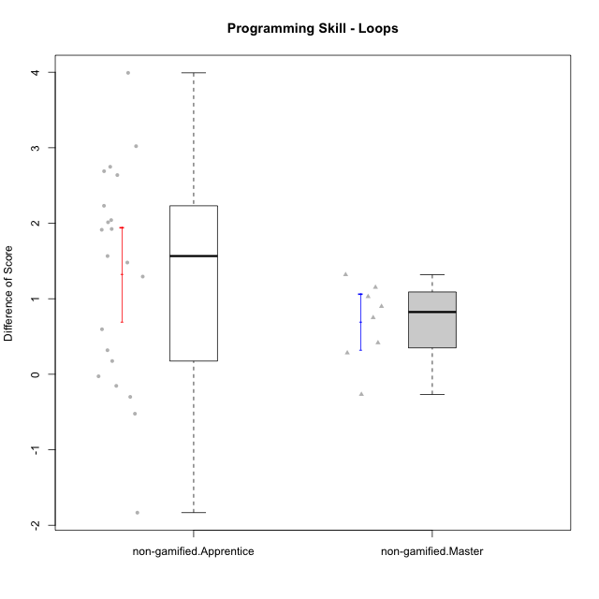

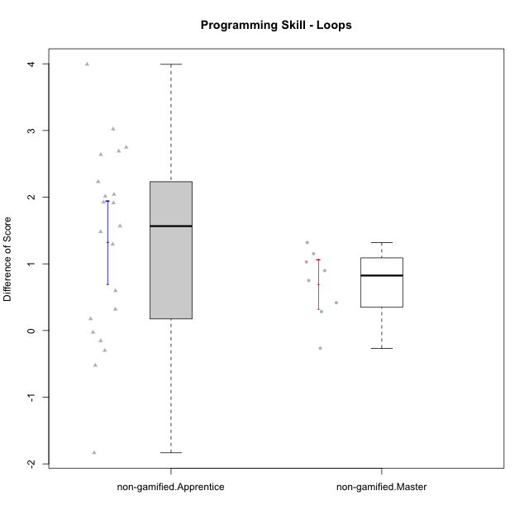

Student's t-Test data
UserID | NroUSP | Type | CLGroup | CLRole | PlayerRole | Re1 | Un3 | Ap2a | Ap2b | An3a | An3b | Ev2 | ReA | UnC | ApB1 | ApB2 | AnC1 | AnC2 | EvB | PreScore | PostScore | DiffScore
10169 | 10377538 | non-gamified | Grupo Team 10 | Apprentice |  | 1 | 1 | 1 | 1 | 0.25 | 0 | 0.75 | 0.83333333333 | 0.5 | 0 | 0.5 | 0 | 0.33333333333 | 1 | 5 | 3.1666666667 | -1.8333333333
10170 | 10260351 | non-gamified | Grupo Team 6 | Apprentice |  | 0.62820512821 | 0.45 | 1 | 1 | 0.25 | 0.41666666667 | 0.72222222222 | 1 | 1 | 0 | 0 | 0.27777777778 | 0.66666666667 | 1 | 4.4670940171 | 3.9444444444 | -0.52264957265
10174 | 10276852 | non-gamified | Grupo Team 1 | Apprentice |  | 0.62820512821 | 0.15 | 0 | 0.92857142857 | 0 | 0 | 0 | 0.83333333333 | 0 | 1 | 0.21428571429 | 0.66666666667 | 0.27777777778 | 0.19444444444 | 1.7067765568 | 3.1865079365 | 1.4797313797
10175 | 10310700 | non-gamified | Grupo Team 6 | Master |  | 0.83333333333 | 1 | 1 | 1 | 1 | 0.41666666667 | 0.72222222222 | 1 | 1 | 1 | 1 | 1 | 1 | 0.72222222222 | 5.9722222222 | 6.7222222222 | 0.75
10176 | 10276949 | non-gamified | Grupo Team 9 | Apprentice |  | 0.82051282051 | 1 | 1 | 0.42857142857 | 0.5 | 0.41666666667 | 0.44444444444 | 0.66666666667 | 1 | 1 | 0.42857142857 | 0.33333333333 | 1 | 0.5 | 4.6101953602 | 4.9285714286 | 0.31837606838
10178 | 8656201 | non-gamified | Grupo Team 11 | Apprentice |  | 0.98717948718 | 1 | 1 | 0 | 0.75 | 0.41666666667 | 0.72222222222 | 1 | 1 | 1 | 0 | 0.66666666667 | 0.61111111111 | 0.44444444444 | 4.8760683761 | 4.7222222222 | -0.15384615385
10181 | 10276866 | non-gamified | Grupo Team 7 | Apprentice |  | 0.48717948718 | 0.7 | 1 | 0 | 0.5 | 1 | 0.16666666667 | 0.61111111111 | 1 | 1 | 1 | 0.55555555556 | 0.61111111111 | 1 | 3.8538461538 | 5.7777777778 | 1.9239316239
10183 | 10352030 | non-gamified | Grupo Belos | Apprentice | Yee Socializer | 0.83333333333 | 0.225 | 1 | 0 | 0 | 0 | 0 | 0.83333333333 | 1 | 1 | 0.42857142857 | 0.61111111111 | 0.22222222222 | 0.19444444444 | 2.0583333333 | 4.2896825397 | 2.2313492063
10184 | 10276675 | non-gamified | Grupo Team 7 | Master |  | 0.65384615385 | 1 | 1 | 0.5 | 0.5 | 1 | 0.47222222222 | 1 | 1 | 1 | 1 | 1 | 0.27777777778 | 1 | 5.1260683761 | 6.2777777778 | 1.1517094017
10186 | 10310551 | non-gamified | Grupo Team 5 | Apprentice |  | 0.48717948718 | 0.725 | 1 | 0 | 0.5 | 0.5 | 0 | 0.83333333333 | 1 | 1 | 0 | 0.66666666667 | 0.27777777778 | 1 | 3.2121794872 | 4.7777777778 | 1.5655982906
10189 | 9363926 | non-gamified | Grupo Team 2 | Apprentice |  | 0.80769230769 | 0.225 | 0 | 0.5 | 0.1875 | 0.41666666667 | 0.44444444444 | 0.80555555556 | 1 | 1 | 0.42857142857 | 0.33333333333 | 0.33333333333 | 0.72222222222 | 2.5813034188 | 4.623015873 | 2.0417124542
10190 | 10276907 | non-gamified | Grupo Team 8 | Apprentice |  | 0.62820512821 | 0.75 | 1 | 0.42857142857 | 1 | 0 | 0.47222222222 | 0.83333333333 | 0.46153846154 | 1 | 1 | 0.61111111111 | 0.66666666667 | 1 | 4.278998779 | 5.5726495726 | 1.2936507937
10196 | 10310655 | non-gamified | Grupo Team 5 | Apprentice |  | 0.66666666667 | 0.475 | 1 | 0.42857142857 | 0.5 | 0 | 0.44444444444 | 0.81944444444 | 1 | 1 | 1 | 0.66666666667 | 0.66666666667 | 1 | 3.5146825397 | 6.1527777778 | 2.6380952381
10197 | 10276661 | non-gamified | Grupo Team 11 | Master |  | 0.94871794872 | 1 | 1 | 0.5 | 0.75 | 0 | 0.72222222222 | 0.98611111111 | 1 | 1 | 0.5 | 0.66666666667 | 0.66666666667 | 1 | 4.9209401709 | 5.8194444444 | 0.8985042735
10198 | 10310888 | non-gamified | Grupo Team 1 | Apprentice |  | 0.32051282051 | 0 | 1 | 0 | 0.1875 | 0 | 0.44444444444 | 1 | 1 | 1 | 1 | 0.33333333333 | 0.61111111111 | 1 | 1.952457265 | 5.9444444444 | 3.9919871795
10200 | 9795272 | non-gamified | Grupo Team 4 | Apprentice |  | 0.48717948718 | 0.45 | 1 | 0 | 0.25 | 0.41666666667 | 0.16666666667 | 0.83333333333 | 0.46153846154 | 0 | 0.42857142857 | 0.27777777778 | 0.22222222222 | 0.72222222222 | 2.7705128205 | 2.9456654457 | 0.17515262515
10201 | 10276928 | non-gamified | Grupo Team 10 | Master |  | 0.80769230769 | 1 | 1 | 0.42857142857 | 0.25 | 1 | 0.47222222222 | 1 | 1 | 1 | 1 | 0.27777777778 | 1 | 1 | 4.9584859585 | 6.2777777778 | 1.3192918193
10204 | 10310471 | non-gamified | Grupo Team 5 | Master |  | 0.65384615385 | 1 | 1 | 0.42857142857 | 1 | 1 | 0.5 | 1 | 1 | 1 | 1 | 1 | 0.61111111111 | 1 | 5.5824175824 | 6.6111111111 | 1.0286935287
10206 | 10310721 | non-gamified | Grupo Team 9 | Master |  | 0.83333333333 | 0.725 | 1 | 0.42857142857 | 0.75 | 1 | 1 | 0.81944444444 | 1 | 1 | 0.42857142857 | 1 | 0.22222222222 | 1 | 5.7369047619 | 5.4702380952 | -0.26666666667
10213 | 10277040 | non-gamified | Grupo Team 8 | Master |  | 0.82051282051 | 0.975 | 1 | 0.42857142857 | 0.9375 | 1 | 0.72222222222 | 0.83333333333 | 1 | 1 | 1 | 1 | 0.33333333333 | 1 | 5.8838064713 | 6.1666666667 | 0.28286019536
10215 | 9285227 | non-gamified | Grupo Team 7 | Apprentice |  | 0.64102564103 | 0.725 | 1 | 0 | 0.5 | 0.5 | 0.44444444444 | 0.83333333333 | 1 | 1 | 1 | 0.66666666667 | 1 | 1 | 3.8104700855 | 6.5 | 2.6895299145
10218 | 9842913 | non-gamified | Grupo Team 10 | Apprentice |  | 0.80769230769 | 0.75 | 1 | 0 | 1 | 0.5 | 0.75 | 1 | 1 | 1 | 0.28571428571 | 0.11111111111 | 0.66666666667 | 0.44444444444 | 4.8076923077 | 4.5079365079 | -0.29975579976
10220 | 9760151 | non-gamified | Grupo Team 4 | Apprentice |  | 0.97435897436 | 0.25 | 1 | 0 | 0.5 | 0 | 0.75 | 0.83333333333 | 1 | 1 | 1 | 1 | 0.66666666667 | 0.72222222222 | 3.4743589744 | 6.2222222222 | 2.7478632479
10221 | 9082496 | non-gamified | Grupo Team 3 | Apprentice |  | 0.47435897436 | 0.45 | 1 | 0 | 0 | 0 | 0.69444444444 | 0.97222222222 | 0.23076923077 | 0 | 0 | 0.33333333333 | 0.33333333333 | 0.72222222222 | 2.6188034188 | 2.5918803419 | -0.026923076923
10224 | 9368772 | non-gamified | Grupo Team 9 | Apprentice |  | 0.96153846154 | 1 | 1 | 0.42857142857 | 0.75 | 0.41666666667 | 0.19444444444 | 0.45833333333 | 1 | 1 | 1 | 0.27777777778 | 0.61111111111 | 1 | 4.7512210012 | 5.3472222222 | 0.596001221
10227 | 9274382 | non-gamified | Grupo Team 2 | Apprentice |  | 0.62820512821 | 0.45 | 0 | 0.42857142857 | 0.6875 | 0 | 0 | 0.66666666667 | 0.73076923077 | 1 | 0.42857142857 | 0.66666666667 | 1 | 0.72222222222 | 2.1942765568 | 5.2148962149 | 3.0206196581
10231 | 10276911 | non-gamified | Grupo Team 4 | Master |  | 0.66666666667 | 1 | 1 | 1 | 0.75 | 1 | 1 | 0.83333333333 | 1 | 1 | 1 | 1 | 1 | 1 | 6.4166666667 | 6.8333333333 | 0.41666666667
10232 | 10276974 | non-gamified | Grupo Team 3 | Apprentice |  | 0.48717948718 | 0 | 1 | 0.42857142857 | 0.5 | 0.33333333333 | 0.44444444444 | 1 | 1 | 1 | 0.42857142857 | 1 | 0.27777777778 | 0.5 | 3.1935286935 | 5.2063492063 | 2.0128205128
10240 | 10276654 | non-gamified | Grupo Team 8 | Apprentice |  | 0.48717948718 | 1 | 1 | 0 | 0.25 | 0 | 0.72222222222 | 1 | 1 | 1 | 0.42857142857 | 0.66666666667 | 0.27777777778 | 1 | 3.4594017094 | 5.373015873 | 1.9136141636

Type_CLRole_2
Student's t-Test for Programming Skill - Loops in Type:CLRole between non-gamified.Apprentice:ont-gamified.Apprentice

Student's t-Test results
Alternative hypothesis: less
Group | N | Mean | Mean.Difference | Std.deviation | Std.error | CI.lower | CI.upper | df | t.value | p.value | g | magnitude
non-gamified.Apprentice | 21 | 1.3239774115 | 0.11448630734 | 1.4336167149 | 0.31284081494 | 0.6982957816 | 1.9496590414 | 32.731844789 | 0.27430534241 | 0.6072130977 | 0.086652525676 | negligible
ont-gamified.Apprentice | 14 | 1.2094911041 | -0.11448630734 | 1.0337189687 | 0.27627301537 | 0.6569450734 | 1.7620371349 | 32.731844789 | 0.27430534241 | 0.6072130977 | 0.086652525676 | negligible
Alternative hypothesis: greater
Group | N | Mean | Mean.Difference | Std.deviation | Std.error | CI.lower | CI.upper | df | t.value | p.value | g | magnitude
non-gamified.Apprentice | 21 | 1.3239774115 | 0.11448630734 | 1.4336167149 | 0.31284081494 | 0.6982957816 | 1.9496590414 | 32.731844789 | 0.27430534241 | 0.3927869023 | 0.086652525676 | negligible
ont-gamified.Apprentice | 14 | 1.2094911041 | -0.11448630734 | 1.0337189687 | 0.27627301537 | 0.6569450734 | 1.7620371349 | 32.731844789 | 0.27430534241 | 0.3927869023 | 0.086652525676 | negligible
Alternative hypothesis: two.sided
Group | N | Mean | Mean.Difference | Std.deviation | Std.error | CI.lower | CI.upper | df | t.value | p.value | g | magnitude
non-gamified.Apprentice | 21 | 1.3239774115 | 0.11448630734 | 1.4336167149 | 0.31284081494 | 0.6982957816 | 1.9496590414 | 32.731844789 | 0.27430534241 | 0.78557380459 | 0.086652525676 | negligible
ont-gamified.Apprentice | 14 | 1.2094911041 | -0.11448630734 | 1.0337189687 | 0.27627301537 | 0.6569450734 | 1.7620371349 | 32.731844789 | 0.27430534241 | 0.78557380459 | 0.086652525676 | negligible

Box plots for Student's t-Test
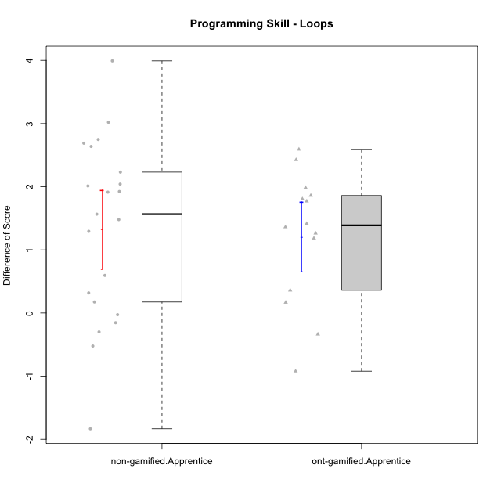

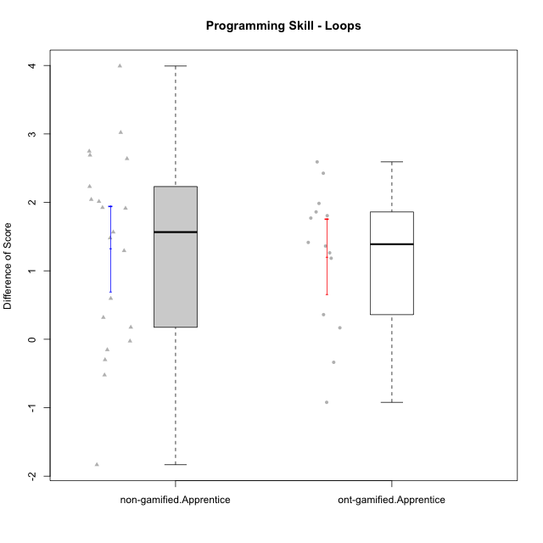

Student's t-Test data
UserID | NroUSP | Type | CLGroup | CLRole | PlayerRole | Re1 | Un3 | Ap2a | Ap2b | An3a | An3b | Ev2 | ReA | UnC | ApB1 | ApB2 | AnC1 | AnC2 | EvB | PreScore | PostScore | DiffScore
10169 | 10377538 | non-gamified | Grupo Team 10 | Apprentice |  | 1 | 1 | 1 | 1 | 0.25 | 0 | 0.75 | 0.83333333333 | 0.5 | 0 | 0.5 | 0 | 0.33333333333 | 1 | 5 | 3.1666666667 | -1.8333333333
10170 | 10260351 | non-gamified | Grupo Team 6 | Apprentice |  | 0.62820512821 | 0.45 | 1 | 1 | 0.25 | 0.41666666667 | 0.72222222222 | 1 | 1 | 0 | 0 | 0.27777777778 | 0.66666666667 | 1 | 4.4670940171 | 3.9444444444 | -0.52264957265
10174 | 10276852 | non-gamified | Grupo Team 1 | Apprentice |  | 0.62820512821 | 0.15 | 0 | 0.92857142857 | 0 | 0 | 0 | 0.83333333333 | 0 | 1 | 0.21428571429 | 0.66666666667 | 0.27777777778 | 0.19444444444 | 1.7067765568 | 3.1865079365 | 1.4797313797
10176 | 10276949 | non-gamified | Grupo Team 9 | Apprentice |  | 0.82051282051 | 1 | 1 | 0.42857142857 | 0.5 | 0.41666666667 | 0.44444444444 | 0.66666666667 | 1 | 1 | 0.42857142857 | 0.33333333333 | 1 | 0.5 | 4.6101953602 | 4.9285714286 | 0.31837606838
10178 | 8656201 | non-gamified | Grupo Team 11 | Apprentice |  | 0.98717948718 | 1 | 1 | 0 | 0.75 | 0.41666666667 | 0.72222222222 | 1 | 1 | 1 | 0 | 0.66666666667 | 0.61111111111 | 0.44444444444 | 4.8760683761 | 4.7222222222 | -0.15384615385
10179 | 10310759 | ont-gamified | Grupo Tosskor | Apprentice | Yee Achiever | 0.65384615385 | 1 | 1 | 0 | 0.5 | 0.41666666667 | 0.72222222222 | 1 | 1 | 1 | 1 | 0.66666666667 | 0.61111111111 | 1 | 4.2927350427 | 6.2777777778 | 1.985042735
10181 | 10276866 | non-gamified | Grupo Team 7 | Apprentice |  | 0.48717948718 | 0.7 | 1 | 0 | 0.5 | 1 | 0.16666666667 | 0.61111111111 | 1 | 1 | 1 | 0.55555555556 | 0.61111111111 | 1 | 3.8538461538 | 5.7777777778 | 1.9239316239
10183 | 10352030 | non-gamified | Grupo Belos | Apprentice | Yee Socializer | 0.83333333333 | 0.225 | 1 | 0 | 0 | 0 | 0 | 0.83333333333 | 1 | 1 | 0.42857142857 | 0.61111111111 | 0.22222222222 | 0.19444444444 | 2.0583333333 | 4.2896825397 | 2.2313492063
10186 | 10310551 | non-gamified | Grupo Team 5 | Apprentice |  | 0.48717948718 | 0.725 | 1 | 0 | 0.5 | 0.5 | 0 | 0.83333333333 | 1 | 1 | 0 | 0.66666666667 | 0.27777777778 | 1 | 3.2121794872 | 4.7777777778 | 1.5655982906
10187 | 9790781 | ont-gamified | Grupo Razorg | Apprentice | Yee Achiever | 0.98717948718 | 1 | 1 | 0 | 0.75 | 0.41666666667 | 0.72222222222 | 0.66666666667 | 1 | 1 | 0.42857142857 | 0.66666666667 | 0.61111111111 | 0.16666666667 | 4.8760683761 | 4.5396825397 | -0.33638583639
10189 | 9363926 | non-gamified | Grupo Team 2 | Apprentice |  | 0.80769230769 | 0.225 | 0 | 0.5 | 0.1875 | 0.41666666667 | 0.44444444444 | 0.80555555556 | 1 | 1 | 0.42857142857 | 0.33333333333 | 0.33333333333 | 0.72222222222 | 2.5813034188 | 4.623015873 | 2.0417124542
10190 | 10276907 | non-gamified | Grupo Team 8 | Apprentice |  | 0.62820512821 | 0.75 | 1 | 0.42857142857 | 1 | 0 | 0.47222222222 | 0.83333333333 | 0.46153846154 | 1 | 1 | 0.61111111111 | 0.66666666667 | 1 | 4.278998779 | 5.5726495726 | 1.2936507937
10192 | 10276682 | ont-gamified | Grupo Yeka | Apprentice | Yee Socializer | 0.65384615385 | 0.975 | 0 | 0.42857142857 | 0.5 | 0.41666666667 | 0.72222222222 | 0.83333333333 | 1 | 1 | 0 | 0.66666666667 | 0.61111111111 | 1 | 3.6963064713 | 5.1111111111 | 1.4148046398
10196 | 10310655 | non-gamified | Grupo Team 5 | Apprentice |  | 0.66666666667 | 0.475 | 1 | 0.42857142857 | 0.5 | 0 | 0.44444444444 | 0.81944444444 | 1 | 1 | 1 | 0.66666666667 | 0.66666666667 | 1 | 3.5146825397 | 6.1527777778 | 2.6380952381
10198 | 10310888 | non-gamified | Grupo Team 1 | Apprentice |  | 0.32051282051 | 0 | 1 | 0 | 0.1875 | 0 | 0.44444444444 | 1 | 1 | 1 | 1 | 0.33333333333 | 0.61111111111 | 1 | 1.952457265 | 5.9444444444 | 3.9919871795
10200 | 9795272 | non-gamified | Grupo Team 4 | Apprentice |  | 0.48717948718 | 0.45 | 1 | 0 | 0.25 | 0.41666666667 | 0.16666666667 | 0.83333333333 | 0.46153846154 | 0 | 0.42857142857 | 0.27777777778 | 0.22222222222 | 0.72222222222 | 2.7705128205 | 2.9456654457 | 0.17515262515
10202 | 10277036 | ont-gamified | Grupo Paldira | Apprentice | Yee Achiever | 0.79487179487 | 0.725 | 0 | 0 | 0 | 0 | 0.41666666667 | 1 | 0.46153846154 | 1 | 0.42857142857 | 0.94444444444 | 0.33333333333 | 0.19444444444 | 1.9365384615 | 4.3623321123 | 2.4257936508
10203 | 9921470 | ont-gamified | Grupo Paldira | Apprentice | Yee Achiever | 0.62820512821 | 0.175 | 1 | 0 | 0.1875 | 0 | 0.41666666667 | 0.81944444444 | 0 | 0 | 0 | 0 | 0.22222222222 | 0.44444444444 | 2.4073717949 | 1.4861111111 | -0.92126068376
10210 | 10277015 | ont-gamified | Grupo Losvakai | Apprentice | Yee Achiever | 0.64102564103 | 0.45 | 1 | 0.42857142857 | 0.25 | 0.41666666667 | 0 | 1 | 1 | 1 | 0.5 | 1 | 0.27777777778 | 1 | 3.1862637363 | 5.7777777778 | 2.5915140415
10212 | 9065750 | ont-gamified | Grupo Ellaru | Apprentice | Yee Socializer | 0.94871794872 | 1 | 1 | 0.42857142857 | 0.5 | 0.41666666667 | 1 | 0.66666666667 | 0.96153846154 | 1 | 0.5 | 1 | 0.33333333333 | 1 | 5.293956044 | 5.4615384615 | 0.16758241758
10214 | 10277022 | ont-gamified | Grupo Koil | Apprentice | Yee Achiever | 0.62820512821 | 1 | 1 | 0.42857142857 | 0.75 | 0.5 | 1 | 0.66666666667 | 1 | 1 | 1 | 0.66666666667 | 0.33333333333 | 1 | 5.3067765568 | 5.6666666667 | 0.35989010989
10215 | 9285227 | non-gamified | Grupo Team 7 | Apprentice |  | 0.64102564103 | 0.725 | 1 | 0 | 0.5 | 0.5 | 0.44444444444 | 0.83333333333 | 1 | 1 | 1 | 0.66666666667 | 1 | 1 | 3.8104700855 | 6.5 | 2.6895299145
10218 | 9842913 | non-gamified | Grupo Team 10 | Apprentice |  | 0.80769230769 | 0.75 | 1 | 0 | 1 | 0.5 | 0.75 | 1 | 1 | 1 | 0.28571428571 | 0.11111111111 | 0.66666666667 | 0.44444444444 | 4.8076923077 | 4.5079365079 | -0.29975579976
10219 | 10276831 | ont-gamified | Grupo Razorg | Apprentice | Yee Achiever | 0.66666666667 | 0.45 | 1 | 0.42857142857 | 0.25 | 0.41666666667 | 0.72222222222 | 1 | 0.46153846154 | 1 | 1 | 0.66666666667 | 0.66666666667 | 1 | 3.9341269841 | 5.7948717949 | 1.8607448107
10220 | 9760151 | non-gamified | Grupo Team 4 | Apprentice |  | 0.97435897436 | 0.25 | 1 | 0 | 0.5 | 0 | 0.75 | 0.83333333333 | 1 | 1 | 1 | 1 | 0.66666666667 | 0.72222222222 | 3.4743589744 | 6.2222222222 | 2.7478632479
10221 | 9082496 | non-gamified | Grupo Team 3 | Apprentice |  | 0.47435897436 | 0.45 | 1 | 0 | 0 | 0 | 0.69444444444 | 0.97222222222 | 0.23076923077 | 0 | 0 | 0.33333333333 | 0.33333333333 | 0.72222222222 | 2.6188034188 | 2.5918803419 | -0.026923076923
10224 | 9368772 | non-gamified | Grupo Team 9 | Apprentice |  | 0.96153846154 | 1 | 1 | 0.42857142857 | 0.75 | 0.41666666667 | 0.19444444444 | 0.45833333333 | 1 | 1 | 1 | 0.27777777778 | 0.61111111111 | 1 | 4.7512210012 | 5.3472222222 | 0.596001221
10226 | 10310342 | ont-gamified | Grupo Yeka | Apprentice | Yee Socializer | 0.97435897436 | 0.425 | 1 | 0 | 0.5 | 1 | 0.41666666667 | 0.83333333333 | 0 | 1 | 1 | 1 | 0.66666666667 | 1 | 4.316025641 | 5.5 | 1.183974359
10227 | 9274382 | non-gamified | Grupo Team 2 | Apprentice |  | 0.62820512821 | 0.45 | 0 | 0.42857142857 | 0.6875 | 0 | 0 | 0.66666666667 | 0.73076923077 | 1 | 0.42857142857 | 0.66666666667 | 1 | 0.72222222222 | 2.1942765568 | 5.2148962149 | 3.0206196581
10228 | 10310492 | ont-gamified | Grupo Losvakai | Apprentice | Yee Achiever | 0.78205128205 | 0.725 | 0 | 1 | 0.25 | 0.5 | 0 | 0.97222222222 | 1 | 1 | 1 | 0.33333333333 | 0 | 0.72222222222 | 3.2570512821 | 5.0277777778 | 1.7707264957
10230 | 10351992 | ont-gamified | Grupo Koil | Apprentice | Yee Achiever | 0.65384615385 | 1 | 1 | 0.42857142857 | 0.75 | 0.41666666667 | 1 | 1 | 1 | 1 | 1 | 0.61111111111 | 1 | 1 | 5.2490842491 | 6.6111111111 | 1.362026862
10232 | 10276974 | non-gamified | Grupo Team 3 | Apprentice |  | 0.48717948718 | 0 | 1 | 0.42857142857 | 0.5 | 0.33333333333 | 0.44444444444 | 1 | 1 | 1 | 0.42857142857 | 1 | 0.27777777778 | 0.5 | 3.1935286935 | 5.2063492063 | 2.0128205128
10237 | 10377688 | ont-gamified | Grupo Ellaru | Apprentice | Yee Socializer | 0.82051282051 | 0.25 | 1 | 1 | 1 | 0.5 | 1 | 0.83333333333 | 1 | 1 | 1 | 1 | 1 | 1 | 5.5705128205 | 6.8333333333 | 1.2628205128
10238 | 10276953 | ont-gamified | Grupo Belos | Apprentice | Yee Socializer | 0.80769230769 | 0.475 | 0 | 1 | 0.6875 | 0.41666666667 | 0.16666666667 | 0.81944444444 | 1 | 1 | 0.42857142857 | 0.66666666667 | 1 | 0.44444444444 | 3.553525641 | 5.3591269841 | 1.8056013431
10240 | 10276654 | non-gamified | Grupo Team 8 | Apprentice |  | 0.48717948718 | 1 | 1 | 0 | 0.25 | 0 | 0.72222222222 | 1 | 1 | 1 | 0.42857142857 | 0.66666666667 | 0.27777777778 | 1 | 3.4594017094 | 5.373015873 | 1.9136141636

Type_CLRole_3
Student's t-Test for Programming Skill - Loops in Type:CLRole between non-gamified.Apprentice:ont-gamified.Master

Student's t-Test results
Alternative hypothesis: less
Group | N | Mean | Mean.Difference | Std.deviation | Std.error | CI.lower | CI.upper | df | t.value | p.value | g | magnitude
non-gamified.Apprentice | 21 | 1.3239774115 | 1.2186660562 | 1.4336167149 | 0.31284081494 | 0.6982957816 | 1.9496590414 | 7.9994518676 | 2.1557898629 | 0.9683975333 | 0.85676705431 | large
ont-gamified.Master | 5 | 0.10531135531 | -1.2186660562 | 1.0528382831 | 0.47084359407 | -0.83637583283 | 1.0469985435 | 7.9994518676 | 2.1557898629 | 0.9683975333 | 0.85676705431 | large
Alternative hypothesis: greater
Group | N | Mean | Mean.Difference | Std.deviation | Std.error | CI.lower | CI.upper | df | t.value | p.value | g | magnitude
non-gamified.Apprentice | 21 | 1.3239774115 | 1.2186660562 | 1.4336167149 | 0.31284081494 | 0.6982957816 | 1.9496590414 | 7.9994518676 | 2.1557898629 | 0.031602466699 | 0.85676705431 | large
ont-gamified.Master | 5 | 0.10531135531 | -1.2186660562 | 1.0528382831 | 0.47084359407 | -0.83637583283 | 1.0469985435 | 7.9994518676 | 2.1557898629 | 0.031602466699 | 0.85676705431 | large
Alternative hypothesis: two.sided
Group | N | Mean | Mean.Difference | Std.deviation | Std.error | CI.lower | CI.upper | df | t.value | p.value | g | magnitude
non-gamified.Apprentice | 21 | 1.3239774115 | 1.2186660562 | 1.4336167149 | 0.31284081494 | 0.6982957816 | 1.9496590414 | 7.9994518676 | 2.1557898629 | 0.063204933399 | 0.85676705431 | large
ont-gamified.Master | 5 | 0.10531135531 | -1.2186660562 | 1.0528382831 | 0.47084359407 | -0.83637583283 | 1.0469985435 | 7.9994518676 | 2.1557898629 | 0.063204933399 | 0.85676705431 | large

Box plots for Student's t-Test
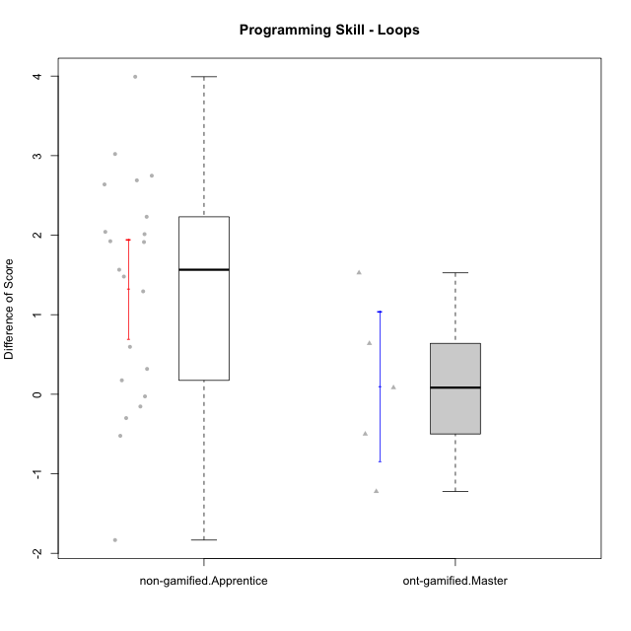

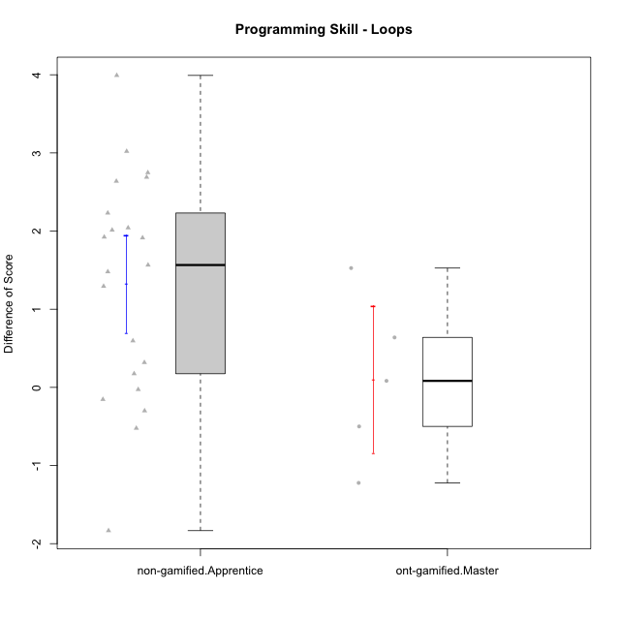

Student's t-Test data
UserID | NroUSP | Type | CLGroup | CLRole | PlayerRole | Re1 | Un3 | Ap2a | Ap2b | An3a | An3b | Ev2 | ReA | UnC | ApB1 | ApB2 | AnC1 | AnC2 | EvB | PreScore | PostScore | DiffScore
10169 | 10377538 | non-gamified | Grupo Team 10 | Apprentice |  | 1 | 1 | 1 | 1 | 0.25 | 0 | 0.75 | 0.83333333333 | 0.5 | 0 | 0.5 | 0 | 0.33333333333 | 1 | 5 | 3.1666666667 | -1.8333333333
10170 | 10260351 | non-gamified | Grupo Team 6 | Apprentice |  | 0.62820512821 | 0.45 | 1 | 1 | 0.25 | 0.41666666667 | 0.72222222222 | 1 | 1 | 0 | 0 | 0.27777777778 | 0.66666666667 | 1 | 4.4670940171 | 3.9444444444 | -0.52264957265
10172 | 10273971 | ont-gamified | Grupo Koil | Master | Yee Achiever | 0.79487179487 | 1 | 1 | 0.42857142857 | 0.5 | 1 | 0.75 | 1 | 1 | 1 | 1 | 1 | 1 | 1 | 5.4734432234 | 7 | 1.5265567766
10174 | 10276852 | non-gamified | Grupo Team 1 | Apprentice |  | 0.62820512821 | 0.15 | 0 | 0.92857142857 | 0 | 0 | 0 | 0.83333333333 | 0 | 1 | 0.21428571429 | 0.66666666667 | 0.27777777778 | 0.19444444444 | 1.7067765568 | 3.1865079365 | 1.4797313797
10176 | 10276949 | non-gamified | Grupo Team 9 | Apprentice |  | 0.82051282051 | 1 | 1 | 0.42857142857 | 0.5 | 0.41666666667 | 0.44444444444 | 0.66666666667 | 1 | 1 | 0.42857142857 | 0.33333333333 | 1 | 0.5 | 4.6101953602 | 4.9285714286 | 0.31837606838
10178 | 8656201 | non-gamified | Grupo Team 11 | Apprentice |  | 0.98717948718 | 1 | 1 | 0 | 0.75 | 0.41666666667 | 0.72222222222 | 1 | 1 | 1 | 0 | 0.66666666667 | 0.61111111111 | 0.44444444444 | 4.8760683761 | 4.7222222222 | -0.15384615385
10181 | 10276866 | non-gamified | Grupo Team 7 | Apprentice |  | 0.48717948718 | 0.7 | 1 | 0 | 0.5 | 1 | 0.16666666667 | 0.61111111111 | 1 | 1 | 1 | 0.55555555556 | 0.61111111111 | 1 | 3.8538461538 | 5.7777777778 | 1.9239316239
10183 | 10352030 | non-gamified | Grupo Belos | Apprentice | Yee Socializer | 0.83333333333 | 0.225 | 1 | 0 | 0 | 0 | 0 | 0.83333333333 | 1 | 1 | 0.42857142857 | 0.61111111111 | 0.22222222222 | 0.19444444444 | 2.0583333333 | 4.2896825397 | 2.2313492063
10185 | 10276960 | ont-gamified | Grupo Tosskor | Master | Yee Achiever | 0.83333333333 | 1 | 1 | 1 | 1 | 0.41666666667 | 0.72222222222 | 0.61111111111 | 1 | 1 | 1 | 1 | 1 | 1 | 5.9722222222 | 6.6111111111 | 0.63888888889
10186 | 10310551 | non-gamified | Grupo Team 5 | Apprentice |  | 0.48717948718 | 0.725 | 1 | 0 | 0.5 | 0.5 | 0 | 0.83333333333 | 1 | 1 | 0 | 0.66666666667 | 0.27777777778 | 1 | 3.2121794872 | 4.7777777778 | 1.5655982906
10188 | 10276995 | ont-gamified | Grupo Paldira | Master | Yee Achiever | 0.83333333333 | 1 | 1 | 1 | 1 | 1 | 1 | 0.66666666667 | 1 | 1 | 1 | 0.61111111111 | 0.33333333333 | 1 | 6.8333333333 | 5.6111111111 | -1.2222222222
10189 | 9363926 | non-gamified | Grupo Team 2 | Apprentice |  | 0.80769230769 | 0.225 | 0 | 0.5 | 0.1875 | 0.41666666667 | 0.44444444444 | 0.80555555556 | 1 | 1 | 0.42857142857 | 0.33333333333 | 0.33333333333 | 0.72222222222 | 2.5813034188 | 4.623015873 | 2.0417124542
10190 | 10276907 | non-gamified | Grupo Team 8 | Apprentice |  | 0.62820512821 | 0.75 | 1 | 0.42857142857 | 1 | 0 | 0.47222222222 | 0.83333333333 | 0.46153846154 | 1 | 1 | 0.61111111111 | 0.66666666667 | 1 | 4.278998779 | 5.5726495726 | 1.2936507937
10196 | 10310655 | non-gamified | Grupo Team 5 | Apprentice |  | 0.66666666667 | 0.475 | 1 | 0.42857142857 | 0.5 | 0 | 0.44444444444 | 0.81944444444 | 1 | 1 | 1 | 0.66666666667 | 0.66666666667 | 1 | 3.5146825397 | 6.1527777778 | 2.6380952381
10198 | 10310888 | non-gamified | Grupo Team 1 | Apprentice |  | 0.32051282051 | 0 | 1 | 0 | 0.1875 | 0 | 0.44444444444 | 1 | 1 | 1 | 1 | 0.33333333333 | 0.61111111111 | 1 | 1.952457265 | 5.9444444444 | 3.9919871795
10200 | 9795272 | non-gamified | Grupo Team 4 | Apprentice |  | 0.48717948718 | 0.45 | 1 | 0 | 0.25 | 0.41666666667 | 0.16666666667 | 0.83333333333 | 0.46153846154 | 0 | 0.42857142857 | 0.27777777778 | 0.22222222222 | 0.72222222222 | 2.7705128205 | 2.9456654457 | 0.17515262515
10208 | 10276932 | ont-gamified | Grupo Yeka | Master | Yee Socializer | 0.83333333333 | 1 | 1 | 1 | 0.75 | 1 | 1 | 1 | 1 | 1 | 1 | 1 | 0.66666666667 | 1 | 6.5833333333 | 6.6666666667 | 0.083333333333
10215 | 9285227 | non-gamified | Grupo Team 7 | Apprentice |  | 0.64102564103 | 0.725 | 1 | 0 | 0.5 | 0.5 | 0.44444444444 | 0.83333333333 | 1 | 1 | 1 | 0.66666666667 | 1 | 1 | 3.8104700855 | 6.5 | 2.6895299145
10217 | 9805341 | ont-gamified | Grupo Belos | Master | Yee Socializer | 0.83333333333 | 1 | 1 | 1 | 1 | 1 | 1 | 1 | 1 | 1 | 1 | 1 | 0.33333333333 | 1 | 6.8333333333 | 6.3333333333 | -0.5
10218 | 9842913 | non-gamified | Grupo Team 10 | Apprentice |  | 0.80769230769 | 0.75 | 1 | 0 | 1 | 0.5 | 0.75 | 1 | 1 | 1 | 0.28571428571 | 0.11111111111 | 0.66666666667 | 0.44444444444 | 4.8076923077 | 4.5079365079 | -0.29975579976
10220 | 9760151 | non-gamified | Grupo Team 4 | Apprentice |  | 0.97435897436 | 0.25 | 1 | 0 | 0.5 | 0 | 0.75 | 0.83333333333 | 1 | 1 | 1 | 1 | 0.66666666667 | 0.72222222222 | 3.4743589744 | 6.2222222222 | 2.7478632479
10221 | 9082496 | non-gamified | Grupo Team 3 | Apprentice |  | 0.47435897436 | 0.45 | 1 | 0 | 0 | 0 | 0.69444444444 | 0.97222222222 | 0.23076923077 | 0 | 0 | 0.33333333333 | 0.33333333333 | 0.72222222222 | 2.6188034188 | 2.5918803419 | -0.026923076923
10224 | 9368772 | non-gamified | Grupo Team 9 | Apprentice |  | 0.96153846154 | 1 | 1 | 0.42857142857 | 0.75 | 0.41666666667 | 0.19444444444 | 0.45833333333 | 1 | 1 | 1 | 0.27777777778 | 0.61111111111 | 1 | 4.7512210012 | 5.3472222222 | 0.596001221
10227 | 9274382 | non-gamified | Grupo Team 2 | Apprentice |  | 0.62820512821 | 0.45 | 0 | 0.42857142857 | 0.6875 | 0 | 0 | 0.66666666667 | 0.73076923077 | 1 | 0.42857142857 | 0.66666666667 | 1 | 0.72222222222 | 2.1942765568 | 5.2148962149 | 3.0206196581
10232 | 10276974 | non-gamified | Grupo Team 3 | Apprentice |  | 0.48717948718 | 0 | 1 | 0.42857142857 | 0.5 | 0.33333333333 | 0.44444444444 | 1 | 1 | 1 | 0.42857142857 | 1 | 0.27777777778 | 0.5 | 3.1935286935 | 5.2063492063 | 2.0128205128
10240 | 10276654 | non-gamified | Grupo Team 8 | Apprentice |  | 0.48717948718 | 1 | 1 | 0 | 0.25 | 0 | 0.72222222222 | 1 | 1 | 1 | 0.42857142857 | 0.66666666667 | 0.27777777778 | 1 | 3.4594017094 | 5.373015873 | 1.9136141636

Type_CLRole_4
Student's t-Test for Programming Skill - Loops in Type:CLRole between non-gamified.Master:ont-gamified.Apprentice

Student's t-Test results
Alternative hypothesis: less
Group | N | Mean | Mean.Difference | Std.deviation | Std.error | CI.lower | CI.upper | df | t.value | p.value | g | magnitude
non-gamified.Master | 8 | 0.69763240232 | -0.51185870181 | 0.52456650377 | 0.185462266 | 0.32670787032 | 1.0685569343 | 19.864803967 | -1.5382648192 | 0.069880582964 | -0.55370751528 | medium
ont-gamified.Apprentice | 14 | 1.2094911041 | 0.51185870181 | 1.0337189687 | 0.27627301537 | 0.6569450734 | 1.7620371349 | 19.864803967 | -1.5382648192 | 0.069880582964 | -0.55370751528 | medium
Alternative hypothesis: greater
Group | N | Mean | Mean.Difference | Std.deviation | Std.error | CI.lower | CI.upper | df | t.value | p.value | g | magnitude
non-gamified.Master | 8 | 0.69763240232 | -0.51185870181 | 0.52456650377 | 0.185462266 | 0.32670787032 | 1.0685569343 | 19.864803967 | -1.5382648192 | 0.93011941704 | -0.55370751528 | medium
ont-gamified.Apprentice | 14 | 1.2094911041 | 0.51185870181 | 1.0337189687 | 0.27627301537 | 0.6569450734 | 1.7620371349 | 19.864803967 | -1.5382648192 | 0.93011941704 | -0.55370751528 | medium
Alternative hypothesis: two.sided
Group | N | Mean | Mean.Difference | Std.deviation | Std.error | CI.lower | CI.upper | df | t.value | p.value | g | magnitude
non-gamified.Master | 8 | 0.69763240232 | -0.51185870181 | 0.52456650377 | 0.185462266 | 0.32670787032 | 1.0685569343 | 19.864803967 | -1.5382648192 | 0.13976116593 | -0.55370751528 | medium
ont-gamified.Apprentice | 14 | 1.2094911041 | 0.51185870181 | 1.0337189687 | 0.27627301537 | 0.6569450734 | 1.7620371349 | 19.864803967 | -1.5382648192 | 0.13976116593 | -0.55370751528 | medium

Box plots for Student's t-Test
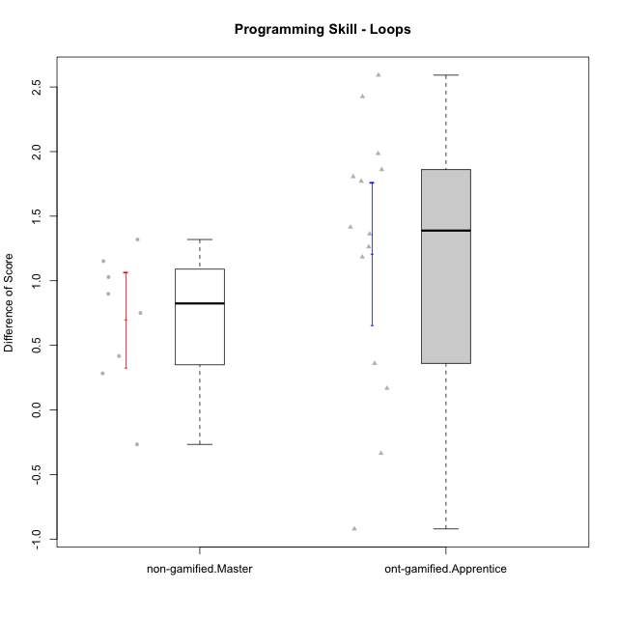

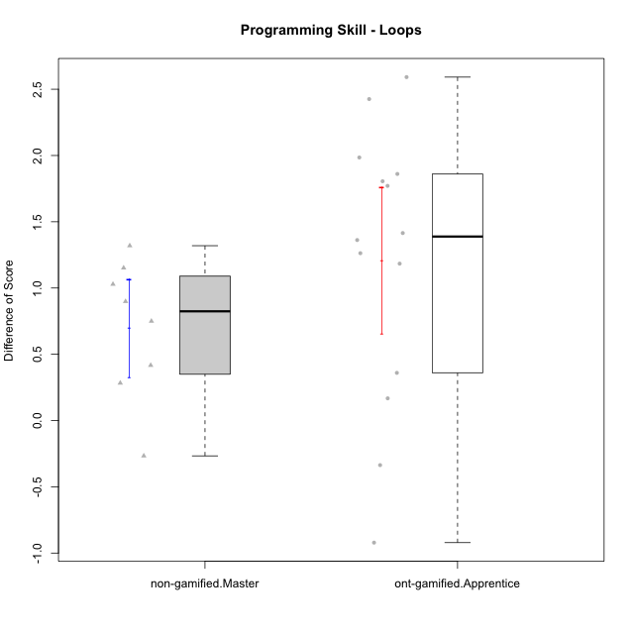

Student's t-Test data
UserID | NroUSP | Type | CLGroup | CLRole | PlayerRole | Re1 | Un3 | Ap2a | Ap2b | An3a | An3b | Ev2 | ReA | UnC | ApB1 | ApB2 | AnC1 | AnC2 | EvB | PreScore | PostScore | DiffScore
10175 | 10310700 | non-gamified | Grupo Team 6 | Master |  | 0.83333333333 | 1 | 1 | 1 | 1 | 0.41666666667 | 0.72222222222 | 1 | 1 | 1 | 1 | 1 | 1 | 0.72222222222 | 5.9722222222 | 6.7222222222 | 0.75
10179 | 10310759 | ont-gamified | Grupo Tosskor | Apprentice | Yee Achiever | 0.65384615385 | 1 | 1 | 0 | 0.5 | 0.41666666667 | 0.72222222222 | 1 | 1 | 1 | 1 | 0.66666666667 | 0.61111111111 | 1 | 4.2927350427 | 6.2777777778 | 1.985042735
10184 | 10276675 | non-gamified | Grupo Team 7 | Master |  | 0.65384615385 | 1 | 1 | 0.5 | 0.5 | 1 | 0.47222222222 | 1 | 1 | 1 | 1 | 1 | 0.27777777778 | 1 | 5.1260683761 | 6.2777777778 | 1.1517094017
10187 | 9790781 | ont-gamified | Grupo Razorg | Apprentice | Yee Achiever | 0.98717948718 | 1 | 1 | 0 | 0.75 | 0.41666666667 | 0.72222222222 | 0.66666666667 | 1 | 1 | 0.42857142857 | 0.66666666667 | 0.61111111111 | 0.16666666667 | 4.8760683761 | 4.5396825397 | -0.33638583639
10192 | 10276682 | ont-gamified | Grupo Yeka | Apprentice | Yee Socializer | 0.65384615385 | 0.975 | 0 | 0.42857142857 | 0.5 | 0.41666666667 | 0.72222222222 | 0.83333333333 | 1 | 1 | 0 | 0.66666666667 | 0.61111111111 | 1 | 3.6963064713 | 5.1111111111 | 1.4148046398
10197 | 10276661 | non-gamified | Grupo Team 11 | Master |  | 0.94871794872 | 1 | 1 | 0.5 | 0.75 | 0 | 0.72222222222 | 0.98611111111 | 1 | 1 | 0.5 | 0.66666666667 | 0.66666666667 | 1 | 4.9209401709 | 5.8194444444 | 0.8985042735
10201 | 10276928 | non-gamified | Grupo Team 10 | Master |  | 0.80769230769 | 1 | 1 | 0.42857142857 | 0.25 | 1 | 0.47222222222 | 1 | 1 | 1 | 1 | 0.27777777778 | 1 | 1 | 4.9584859585 | 6.2777777778 | 1.3192918193
10202 | 10277036 | ont-gamified | Grupo Paldira | Apprentice | Yee Achiever | 0.79487179487 | 0.725 | 0 | 0 | 0 | 0 | 0.41666666667 | 1 | 0.46153846154 | 1 | 0.42857142857 | 0.94444444444 | 0.33333333333 | 0.19444444444 | 1.9365384615 | 4.3623321123 | 2.4257936508
10203 | 9921470 | ont-gamified | Grupo Paldira | Apprentice | Yee Achiever | 0.62820512821 | 0.175 | 1 | 0 | 0.1875 | 0 | 0.41666666667 | 0.81944444444 | 0 | 0 | 0 | 0 | 0.22222222222 | 0.44444444444 | 2.4073717949 | 1.4861111111 | -0.92126068376
10204 | 10310471 | non-gamified | Grupo Team 5 | Master |  | 0.65384615385 | 1 | 1 | 0.42857142857 | 1 | 1 | 0.5 | 1 | 1 | 1 | 1 | 1 | 0.61111111111 | 1 | 5.5824175824 | 6.6111111111 | 1.0286935287
10206 | 10310721 | non-gamified | Grupo Team 9 | Master |  | 0.83333333333 | 0.725 | 1 | 0.42857142857 | 0.75 | 1 | 1 | 0.81944444444 | 1 | 1 | 0.42857142857 | 1 | 0.22222222222 | 1 | 5.7369047619 | 5.4702380952 | -0.26666666667
10210 | 10277015 | ont-gamified | Grupo Losvakai | Apprentice | Yee Achiever | 0.64102564103 | 0.45 | 1 | 0.42857142857 | 0.25 | 0.41666666667 | 0 | 1 | 1 | 1 | 0.5 | 1 | 0.27777777778 | 1 | 3.1862637363 | 5.7777777778 | 2.5915140415
10212 | 9065750 | ont-gamified | Grupo Ellaru | Apprentice | Yee Socializer | 0.94871794872 | 1 | 1 | 0.42857142857 | 0.5 | 0.41666666667 | 1 | 0.66666666667 | 0.96153846154 | 1 | 0.5 | 1 | 0.33333333333 | 1 | 5.293956044 | 5.4615384615 | 0.16758241758
10213 | 10277040 | non-gamified | Grupo Team 8 | Master |  | 0.82051282051 | 0.975 | 1 | 0.42857142857 | 0.9375 | 1 | 0.72222222222 | 0.83333333333 | 1 | 1 | 1 | 1 | 0.33333333333 | 1 | 5.8838064713 | 6.1666666667 | 0.28286019536
10214 | 10277022 | ont-gamified | Grupo Koil | Apprentice | Yee Achiever | 0.62820512821 | 1 | 1 | 0.42857142857 | 0.75 | 0.5 | 1 | 0.66666666667 | 1 | 1 | 1 | 0.66666666667 | 0.33333333333 | 1 | 5.3067765568 | 5.6666666667 | 0.35989010989
10219 | 10276831 | ont-gamified | Grupo Razorg | Apprentice | Yee Achiever | 0.66666666667 | 0.45 | 1 | 0.42857142857 | 0.25 | 0.41666666667 | 0.72222222222 | 1 | 0.46153846154 | 1 | 1 | 0.66666666667 | 0.66666666667 | 1 | 3.9341269841 | 5.7948717949 | 1.8607448107
10226 | 10310342 | ont-gamified | Grupo Yeka | Apprentice | Yee Socializer | 0.97435897436 | 0.425 | 1 | 0 | 0.5 | 1 | 0.41666666667 | 0.83333333333 | 0 | 1 | 1 | 1 | 0.66666666667 | 1 | 4.316025641 | 5.5 | 1.183974359
10228 | 10310492 | ont-gamified | Grupo Losvakai | Apprentice | Yee Achiever | 0.78205128205 | 0.725 | 0 | 1 | 0.25 | 0.5 | 0 | 0.97222222222 | 1 | 1 | 1 | 0.33333333333 | 0 | 0.72222222222 | 3.2570512821 | 5.0277777778 | 1.7707264957
10230 | 10351992 | ont-gamified | Grupo Koil | Apprentice | Yee Achiever | 0.65384615385 | 1 | 1 | 0.42857142857 | 0.75 | 0.41666666667 | 1 | 1 | 1 | 1 | 1 | 0.61111111111 | 1 | 1 | 5.2490842491 | 6.6111111111 | 1.362026862
10231 | 10276911 | non-gamified | Grupo Team 4 | Master |  | 0.66666666667 | 1 | 1 | 1 | 0.75 | 1 | 1 | 0.83333333333 | 1 | 1 | 1 | 1 | 1 | 1 | 6.4166666667 | 6.8333333333 | 0.41666666667
10237 | 10377688 | ont-gamified | Grupo Ellaru | Apprentice | Yee Socializer | 0.82051282051 | 0.25 | 1 | 1 | 1 | 0.5 | 1 | 0.83333333333 | 1 | 1 | 1 | 1 | 1 | 1 | 5.5705128205 | 6.8333333333 | 1.2628205128
10238 | 10276953 | ont-gamified | Grupo Belos | Apprentice | Yee Socializer | 0.80769230769 | 0.475 | 0 | 1 | 0.6875 | 0.41666666667 | 0.16666666667 | 0.81944444444 | 1 | 1 | 0.42857142857 | 0.66666666667 | 1 | 0.44444444444 | 3.553525641 | 5.3591269841 | 1.8056013431

Type_CLRole_5
Student's t-Test for Programming Skill - Loops in Type:CLRole between non-gamified.Master:ont-gamified.Master

Student's t-Test results
Alternative hypothesis: less
Group | N | Mean | Mean.Difference | Std.deviation | Std.error | CI.lower | CI.upper | df | t.value | p.value | g | magnitude
non-gamified.Master | 8 | 0.69763240232 | 0.59232104701 | 0.52456650377 | 0.185462266 | 0.32670787032 | 1.0685569343 | 5.2650819094 | 1.1704716624 | 0.85397592101 | 0.72462665099 | medium
ont-gamified.Master | 5 | 0.10531135531 | -0.59232104701 | 1.0528382831 | 0.47084359407 | -0.83637583283 | 1.0469985435 | 5.2650819094 | 1.1704716624 | 0.85397592101 | 0.72462665099 | medium
Alternative hypothesis: greater
Group | N | Mean | Mean.Difference | Std.deviation | Std.error | CI.lower | CI.upper | df | t.value | p.value | g | magnitude
non-gamified.Master | 8 | 0.69763240232 | 0.59232104701 | 0.52456650377 | 0.185462266 | 0.32670787032 | 1.0685569343 | 5.2650819094 | 1.1704716624 | 0.14602407899 | 0.72462665099 | medium
ont-gamified.Master | 5 | 0.10531135531 | -0.59232104701 | 1.0528382831 | 0.47084359407 | -0.83637583283 | 1.0469985435 | 5.2650819094 | 1.1704716624 | 0.14602407899 | 0.72462665099 | medium
Alternative hypothesis: two.sided
Group | N | Mean | Mean.Difference | Std.deviation | Std.error | CI.lower | CI.upper | df | t.value | p.value | g | magnitude
non-gamified.Master | 8 | 0.69763240232 | 0.59232104701 | 0.52456650377 | 0.185462266 | 0.32670787032 | 1.0685569343 | 5.2650819094 | 1.1704716624 | 0.29204815798 | 0.72462665099 | medium
ont-gamified.Master | 5 | 0.10531135531 | -0.59232104701 | 1.0528382831 | 0.47084359407 | -0.83637583283 | 1.0469985435 | 5.2650819094 | 1.1704716624 | 0.29204815798 | 0.72462665099 | medium

Box plots for Student's t-Test
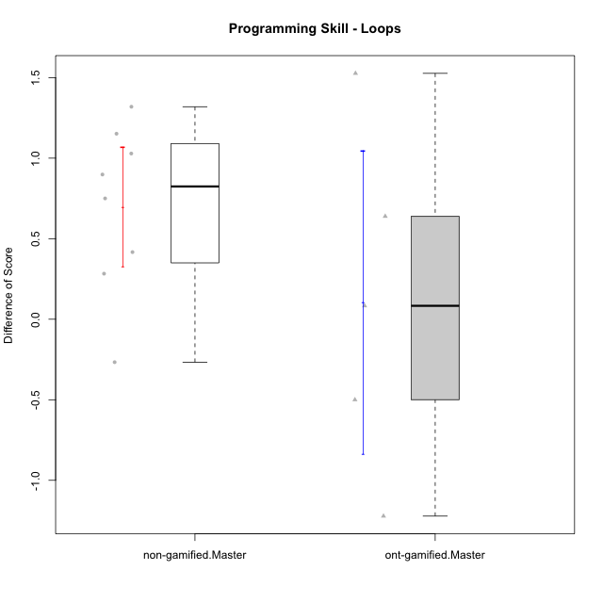

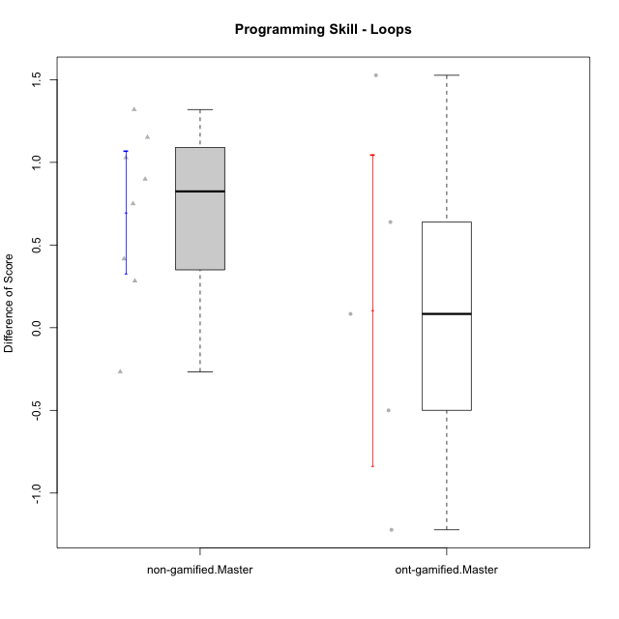

Student's t-Test data
UserID | NroUSP | Type | CLGroup | CLRole | PlayerRole | Re1 | Un3 | Ap2a | Ap2b | An3a | An3b | Ev2 | ReA | UnC | ApB1 | ApB2 | AnC1 | AnC2 | EvB | PreScore | PostScore | DiffScore
10172 | 10273971 | ont-gamified | Grupo Koil | Master | Yee Achiever | 0.79487179487 | 1 | 1 | 0.42857142857 | 0.5 | 1 | 0.75 | 1 | 1 | 1 | 1 | 1 | 1 | 1 | 5.4734432234 | 7 | 1.5265567766
10175 | 10310700 | non-gamified | Grupo Team 6 | Master |  | 0.83333333333 | 1 | 1 | 1 | 1 | 0.41666666667 | 0.72222222222 | 1 | 1 | 1 | 1 | 1 | 1 | 0.72222222222 | 5.9722222222 | 6.7222222222 | 0.75
10184 | 10276675 | non-gamified | Grupo Team 7 | Master |  | 0.65384615385 | 1 | 1 | 0.5 | 0.5 | 1 | 0.47222222222 | 1 | 1 | 1 | 1 | 1 | 0.27777777778 | 1 | 5.1260683761 | 6.2777777778 | 1.1517094017
10185 | 10276960 | ont-gamified | Grupo Tosskor | Master | Yee Achiever | 0.83333333333 | 1 | 1 | 1 | 1 | 0.41666666667 | 0.72222222222 | 0.61111111111 | 1 | 1 | 1 | 1 | 1 | 1 | 5.9722222222 | 6.6111111111 | 0.63888888889
10188 | 10276995 | ont-gamified | Grupo Paldira | Master | Yee Achiever | 0.83333333333 | 1 | 1 | 1 | 1 | 1 | 1 | 0.66666666667 | 1 | 1 | 1 | 0.61111111111 | 0.33333333333 | 1 | 6.8333333333 | 5.6111111111 | -1.2222222222
10197 | 10276661 | non-gamified | Grupo Team 11 | Master |  | 0.94871794872 | 1 | 1 | 0.5 | 0.75 | 0 | 0.72222222222 | 0.98611111111 | 1 | 1 | 0.5 | 0.66666666667 | 0.66666666667 | 1 | 4.9209401709 | 5.8194444444 | 0.8985042735
10201 | 10276928 | non-gamified | Grupo Team 10 | Master |  | 0.80769230769 | 1 | 1 | 0.42857142857 | 0.25 | 1 | 0.47222222222 | 1 | 1 | 1 | 1 | 0.27777777778 | 1 | 1 | 4.9584859585 | 6.2777777778 | 1.3192918193
10204 | 10310471 | non-gamified | Grupo Team 5 | Master |  | 0.65384615385 | 1 | 1 | 0.42857142857 | 1 | 1 | 0.5 | 1 | 1 | 1 | 1 | 1 | 0.61111111111 | 1 | 5.5824175824 | 6.6111111111 | 1.0286935287
10206 | 10310721 | non-gamified | Grupo Team 9 | Master |  | 0.83333333333 | 0.725 | 1 | 0.42857142857 | 0.75 | 1 | 1 | 0.81944444444 | 1 | 1 | 0.42857142857 | 1 | 0.22222222222 | 1 | 5.7369047619 | 5.4702380952 | -0.26666666667
10208 | 10276932 | ont-gamified | Grupo Yeka | Master | Yee Socializer | 0.83333333333 | 1 | 1 | 1 | 0.75 | 1 | 1 | 1 | 1 | 1 | 1 | 1 | 0.66666666667 | 1 | 6.5833333333 | 6.6666666667 | 0.083333333333
10213 | 10277040 | non-gamified | Grupo Team 8 | Master |  | 0.82051282051 | 0.975 | 1 | 0.42857142857 | 0.9375 | 1 | 0.72222222222 | 0.83333333333 | 1 | 1 | 1 | 1 | 0.33333333333 | 1 | 5.8838064713 | 6.1666666667 | 0.28286019536
10217 | 9805341 | ont-gamified | Grupo Belos | Master | Yee Socializer | 0.83333333333 | 1 | 1 | 1 | 1 | 1 | 1 | 1 | 1 | 1 | 1 | 1 | 0.33333333333 | 1 | 6.8333333333 | 6.3333333333 | -0.5
10231 | 10276911 | non-gamified | Grupo Team 4 | Master |  | 0.66666666667 | 1 | 1 | 1 | 0.75 | 1 | 1 | 0.83333333333 | 1 | 1 | 1 | 1 | 1 | 1 | 6.4166666667 | 6.8333333333 | 0.41666666667

Type_CLRole_6
Student's t-Test for Programming Skill - Loops in Type:CLRole between ont-gamified.Apprentice:ont-gamified.Master

Student's t-Test results
Alternative hypothesis: less
Group | N | Mean | Mean.Difference | Std.deviation | Std.error | CI.lower | CI.upper | df | t.value | p.value | g | magnitude
ont-gamified.Apprentice | 14 | 1.2094911041 | 1.1041797488 | 1.0337189687 | 0.27627301537 | 0.6569450734 | 1.7620371349 | 6.974093899 | 2.0226313331 | 0.95852053057 | 1.0158820795 | large
ont-gamified.Master | 5 | 0.10531135531 | -1.1041797488 | 1.0528382831 | 0.47084359407 | -0.83637583283 | 1.0469985435 | 6.974093899 | 2.0226313331 | 0.95852053057 | 1.0158820795 | large
Alternative hypothesis: greater
Group | N | Mean | Mean.Difference | Std.deviation | Std.error | CI.lower | CI.upper | df | t.value | p.value | g | magnitude
ont-gamified.Apprentice | 14 | 1.2094911041 | 1.1041797488 | 1.0337189687 | 0.27627301537 | 0.6569450734 | 1.7620371349 | 6.974093899 | 2.0226313331 | 0.041479469427 | 1.0158820795 | large
ont-gamified.Master | 5 | 0.10531135531 | -1.1041797488 | 1.0528382831 | 0.47084359407 | -0.83637583283 | 1.0469985435 | 6.974093899 | 2.0226313331 | 0.041479469427 | 1.0158820795 | large
Alternative hypothesis: two.sided
Group | N | Mean | Mean.Difference | Std.deviation | Std.error | CI.lower | CI.upper | df | t.value | p.value | g | magnitude
ont-gamified.Apprentice | 14 | 1.2094911041 | 1.1041797488 | 1.0337189687 | 0.27627301537 | 0.6569450734 | 1.7620371349 | 6.974093899 | 2.0226313331 | 0.082958938854 | 1.0158820795 | large
ont-gamified.Master | 5 | 0.10531135531 | -1.1041797488 | 1.0528382831 | 0.47084359407 | -0.83637583283 | 1.0469985435 | 6.974093899 | 2.0226313331 | 0.082958938854 | 1.0158820795 | large

Box plots for Student's t-Test
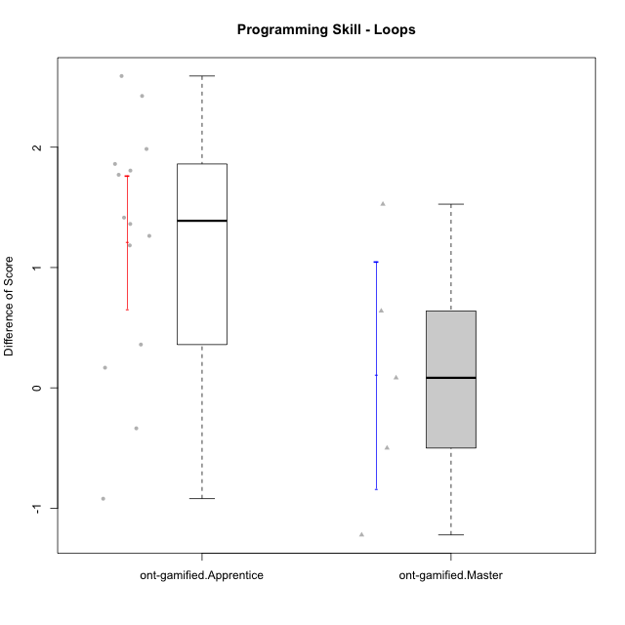

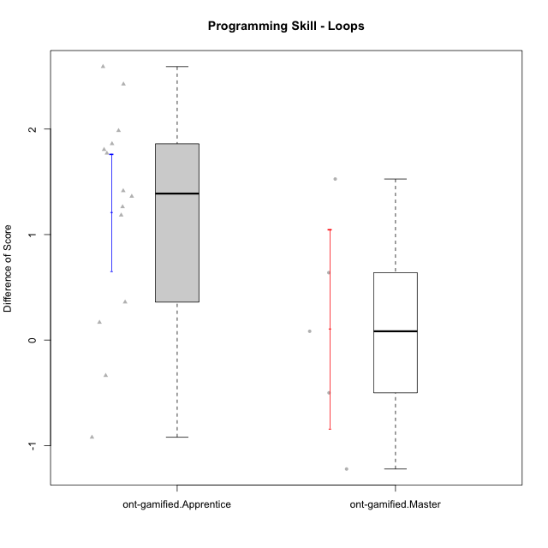

Student's t-Test data
UserID | NroUSP | Type | CLGroup | CLRole | PlayerRole | Re1 | Un3 | Ap2a | Ap2b | An3a | An3b | Ev2 | ReA | UnC | ApB1 | ApB2 | AnC1 | AnC2 | EvB | PreScore | PostScore | DiffScore
10172 | 10273971 | ont-gamified | Grupo Koil | Master | Yee Achiever | 0.79487179487 | 1 | 1 | 0.42857142857 | 0.5 | 1 | 0.75 | 1 | 1 | 1 | 1 | 1 | 1 | 1 | 5.4734432234 | 7 | 1.5265567766
10179 | 10310759 | ont-gamified | Grupo Tosskor | Apprentice | Yee Achiever | 0.65384615385 | 1 | 1 | 0 | 0.5 | 0.41666666667 | 0.72222222222 | 1 | 1 | 1 | 1 | 0.66666666667 | 0.61111111111 | 1 | 4.2927350427 | 6.2777777778 | 1.985042735
10185 | 10276960 | ont-gamified | Grupo Tosskor | Master | Yee Achiever | 0.83333333333 | 1 | 1 | 1 | 1 | 0.41666666667 | 0.72222222222 | 0.61111111111 | 1 | 1 | 1 | 1 | 1 | 1 | 5.9722222222 | 6.6111111111 | 0.63888888889
10187 | 9790781 | ont-gamified | Grupo Razorg | Apprentice | Yee Achiever | 0.98717948718 | 1 | 1 | 0 | 0.75 | 0.41666666667 | 0.72222222222 | 0.66666666667 | 1 | 1 | 0.42857142857 | 0.66666666667 | 0.61111111111 | 0.16666666667 | 4.8760683761 | 4.5396825397 | -0.33638583639
10188 | 10276995 | ont-gamified | Grupo Paldira | Master | Yee Achiever | 0.83333333333 | 1 | 1 | 1 | 1 | 1 | 1 | 0.66666666667 | 1 | 1 | 1 | 0.61111111111 | 0.33333333333 | 1 | 6.8333333333 | 5.6111111111 | -1.2222222222
10192 | 10276682 | ont-gamified | Grupo Yeka | Apprentice | Yee Socializer | 0.65384615385 | 0.975 | 0 | 0.42857142857 | 0.5 | 0.41666666667 | 0.72222222222 | 0.83333333333 | 1 | 1 | 0 | 0.66666666667 | 0.61111111111 | 1 | 3.6963064713 | 5.1111111111 | 1.4148046398
10202 | 10277036 | ont-gamified | Grupo Paldira | Apprentice | Yee Achiever | 0.79487179487 | 0.725 | 0 | 0 | 0 | 0 | 0.41666666667 | 1 | 0.46153846154 | 1 | 0.42857142857 | 0.94444444444 | 0.33333333333 | 0.19444444444 | 1.9365384615 | 4.3623321123 | 2.4257936508
10203 | 9921470 | ont-gamified | Grupo Paldira | Apprentice | Yee Achiever | 0.62820512821 | 0.175 | 1 | 0 | 0.1875 | 0 | 0.41666666667 | 0.81944444444 | 0 | 0 | 0 | 0 | 0.22222222222 | 0.44444444444 | 2.4073717949 | 1.4861111111 | -0.92126068376
10208 | 10276932 | ont-gamified | Grupo Yeka | Master | Yee Socializer | 0.83333333333 | 1 | 1 | 1 | 0.75 | 1 | 1 | 1 | 1 | 1 | 1 | 1 | 0.66666666667 | 1 | 6.5833333333 | 6.6666666667 | 0.083333333333
10210 | 10277015 | ont-gamified | Grupo Losvakai | Apprentice | Yee Achiever | 0.64102564103 | 0.45 | 1 | 0.42857142857 | 0.25 | 0.41666666667 | 0 | 1 | 1 | 1 | 0.5 | 1 | 0.27777777778 | 1 | 3.1862637363 | 5.7777777778 | 2.5915140415
10212 | 9065750 | ont-gamified | Grupo Ellaru | Apprentice | Yee Socializer | 0.94871794872 | 1 | 1 | 0.42857142857 | 0.5 | 0.41666666667 | 1 | 0.66666666667 | 0.96153846154 | 1 | 0.5 | 1 | 0.33333333333 | 1 | 5.293956044 | 5.4615384615 | 0.16758241758
10214 | 10277022 | ont-gamified | Grupo Koil | Apprentice | Yee Achiever | 0.62820512821 | 1 | 1 | 0.42857142857 | 0.75 | 0.5 | 1 | 0.66666666667 | 1 | 1 | 1 | 0.66666666667 | 0.33333333333 | 1 | 5.3067765568 | 5.6666666667 | 0.35989010989
10217 | 9805341 | ont-gamified | Grupo Belos | Master | Yee Socializer | 0.83333333333 | 1 | 1 | 1 | 1 | 1 | 1 | 1 | 1 | 1 | 1 | 1 | 0.33333333333 | 1 | 6.8333333333 | 6.3333333333 | -0.5
10219 | 10276831 | ont-gamified | Grupo Razorg | Apprentice | Yee Achiever | 0.66666666667 | 0.45 | 1 | 0.42857142857 | 0.25 | 0.41666666667 | 0.72222222222 | 1 | 0.46153846154 | 1 | 1 | 0.66666666667 | 0.66666666667 | 1 | 3.9341269841 | 5.7948717949 | 1.8607448107
10226 | 10310342 | ont-gamified | Grupo Yeka | Apprentice | Yee Socializer | 0.97435897436 | 0.425 | 1 | 0 | 0.5 | 1 | 0.41666666667 | 0.83333333333 | 0 | 1 | 1 | 1 | 0.66666666667 | 1 | 4.316025641 | 5.5 | 1.183974359
10228 | 10310492 | ont-gamified | Grupo Losvakai | Apprentice | Yee Achiever | 0.78205128205 | 0.725 | 0 | 1 | 0.25 | 0.5 | 0 | 0.97222222222 | 1 | 1 | 1 | 0.33333333333 | 0 | 0.72222222222 | 3.2570512821 | 5.0277777778 | 1.7707264957
10230 | 10351992 | ont-gamified | Grupo Koil | Apprentice | Yee Achiever | 0.65384615385 | 1 | 1 | 0.42857142857 | 0.75 | 0.41666666667 | 1 | 1 | 1 | 1 | 1 | 0.61111111111 | 1 | 1 | 5.2490842491 | 6.6111111111 | 1.362026862
10237 | 10377688 | ont-gamified | Grupo Ellaru | Apprentice | Yee Socializer | 0.82051282051 | 0.25 | 1 | 1 | 1 | 0.5 | 1 | 0.83333333333 | 1 | 1 | 1 | 1 | 1 | 1 | 5.5705128205 | 6.8333333333 | 1.2628205128
10238 | 10276953 | ont-gamified | Grupo Belos | Apprentice | Yee Socializer | 0.80769230769 | 0.475 | 0 | 1 | 0.6875 | 0.41666666667 | 0.16666666667 | 0.81944444444 | 1 | 1 | 0.42857142857 | 0.66666666667 | 1 | 0.44444444444 | 3.553525641 | 5.3591269841 | 1.8056013431

