Assumptions
ANOVA assumptions for Programming Skill - Recursion

Shapiro-Wilk normality test for Programming Skill - Recursion
W | p.value
0.97945811488 | 0.54275479938

Plots for normality test
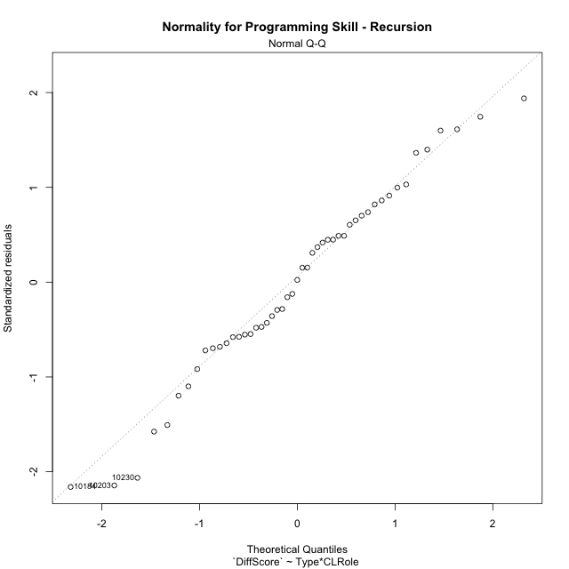

Levene's Test for Homogeneity of Variance in Programming Skill - Recursion
Df | F value | Pr(>F)
3 | 1.0378356369 | 0.38497017199
45

Plots for homogeneity of variance
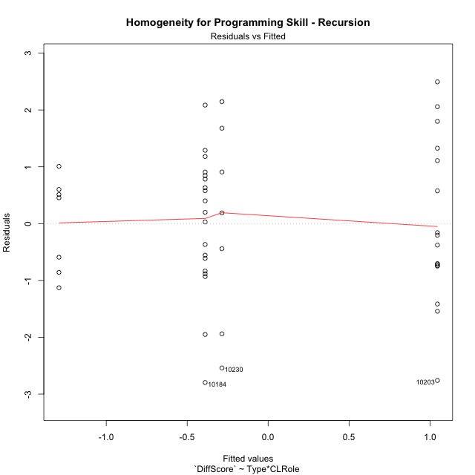

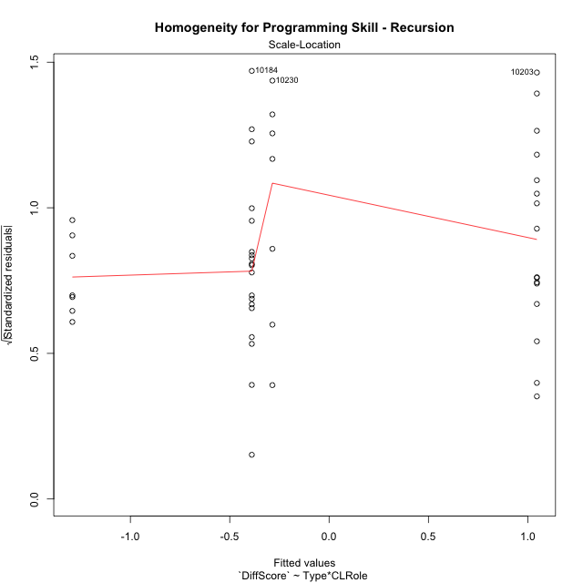

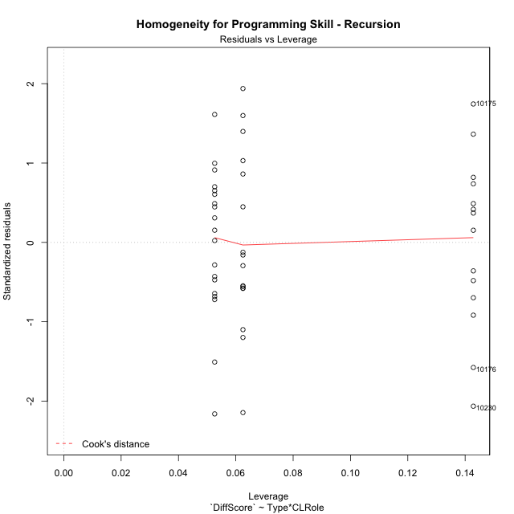

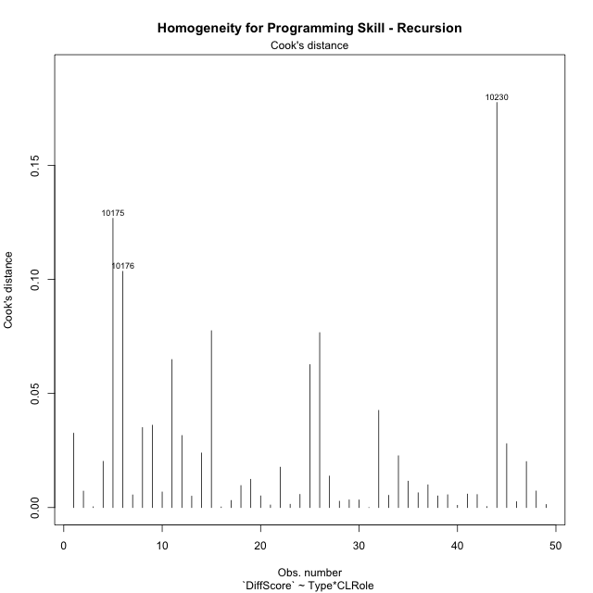

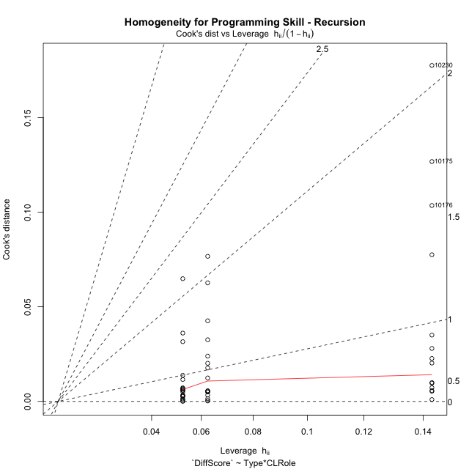

Minimum Sample Size Test for Programming Skill - Recursion
Type | CLRole | Freq
ont-gamified | Apprentice | 16
w/o-gamified | Apprentice | 19
ont-gamified | Master | 7
w/o-gamified | Master | 7

Errors and Warnings in Sample Size Test for ANOVA in Programming Skill - Recursion
code | description
WARN: sample.size | current.size is = 7 and recommended.size must be = 15 for the group: 'ont-gamified:Master'. Size sample for parametric test isn't recomended
WARN: sample.size | current.size is = 7 and recommended.size must be = 15 for the group: 'w/o-gamified:Master'. Size sample for parametric test isn't recomended

For the group: 'ont-gamified:Apprentice', you can perform a parametric test with a non-normal distribution For the group: 'w/o-gamified:Apprentice', you can perform a parametric test with a non-normal distribution For the group: 'ont-gamified:Master', we recommend the use of non parametric test. For the group: 'w/o-gamified:Master', we recommend the use of non parametric test.

If you don't want to remove non-normal data, you must cite the following references: ... (1) Lix, L.M., J.C. Keselman, and H.J. Keselman. 1996. Consequences of assumption violations revisited: A quantitative review of alternatives to the one-way analysis of variance F test. Rev. Educ. Res. 66: 579-619. ... (2) Harwell, M.R., E.N. Rubinstein, W.S. Hayes, and C.C. Olds. 1992. Summarizing Monte Carlo results in methodological research: the one- and two-factor fixed effects ANOVA cases. J. Educ. Stat. 17: 315-339.

Post-hoc
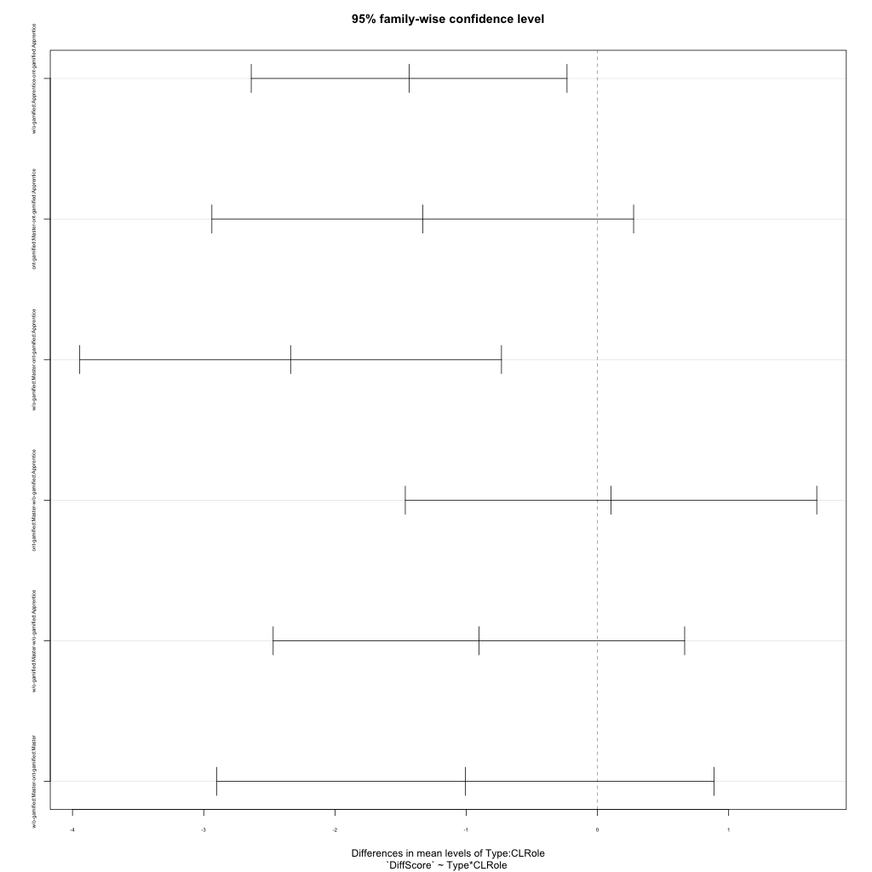
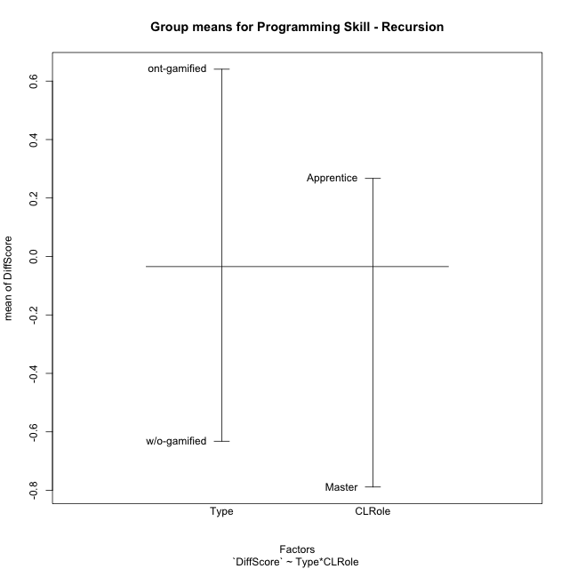
Post-hoc Tukey Honestly Significant Difference (HSD) Test for Programming Skill - Recursion

Comparisons of means for Type
 | diff | lwr | upr | p adj
w/o-gamified-ont-gamified | -1.2728175299 | -2.0391093496 | -0.50652571024 | 0.0016648200464

Comparisons of means for CLRole
 | diff | lwr | upr | p adj
Master-Apprentice | -1.1101940748 | -1.9567326275 | -0.26365552202 | 0.011313257727

Comparisons of means for Type:CLRole
 | diff | lwr | upr | p adj
w/o-gamified:Apprentice-ont-gamified:Apprentice | -1.4347982975 | -2.637891062 | -0.23170553289 | 0.013643778129
ont-gamified:Master-ont-gamified:Apprentice | -1.3311438066 | -2.93792519 | 0.27563757685 | 0.13603282333
w/o-gamified:Master-ont-gamified:Apprentice | -2.3379267062 | -3.9447080897 | -0.73114532279 | 0.0018489378976
ont-gamified:Master-w/o-gamified:Apprentice | 0.10365449087 | -1.464044714 | 1.6713536958 | 0.9980210762
w/o-gamified:Master-w/o-gamified:Apprentice | -0.90312840877 | -2.4708276137 | 0.66457079613 | 0.42458093454
w/o-gamified:Master-ont-gamified:Master | -1.0067828996 | -2.9020388219 | 0.88847302267 | 0.49551948545

Contrast Matrices for Programming Skill - Recursion
contrast | CLRole | estimate | SE | df | t.ratio | p.value
ont-gamified - w/o-gamified | Apprentice | 1.4347982975 | 0.45098511869 | 45 | 3.1814759246 | 0.0026550330804
ont-gamified - w/o-gamified | Master | 1.0067828996 | 0.71044581285 | 45 | 1.4171142703 | 0.16333614798

Least Squares Means and Confidence Intervals
Type | CLRole | lsmean | SE | df | lower.CL | upper.CL
ont-gamified | Apprentice | 1.0458378427 | 0.33228060295 | 45 | 0.37659035426 | 1.7150853312
w/o-gamified | Apprentice | -0.38896045475 | 0.3049215935 | 45 | -1.0031040696 | 0.22518316007
ont-gamified | Master | -0.28530596388 | 0.50236105193 | 45 | -1.297113061 | 0.72650113327
w/o-gamified | Master | -1.2920888635 | 0.50236105193 | 45 | -2.3038959607 | -0.28028176637

Plots

Type_1
Student's t-Test for Programming Skill - Recursion in Type between ont-gamified:w/o-gamified

Student's t-Test results
Alternative hypothesis: less
Group | N | Mean | Mean.Difference | Std.deviation | Std.error | CI.lower | CI.upper | df | t.value | p.value | g | magnitude
ont-gamified | 23 | 0.64070711897 | 1.2728175299 | 1.6327830129 | 0.34045879323 | -0.040210467483 | 1.3216247054 | 39.163085332 | 3.1083790369 | 0.9982517028 | 0.89371472094 | large
w/o-gamified | 26 | -0.63211041096 | -1.2728175299 | 1.1600833135 | 0.22751105587 | -1.0871325227 | -0.17708829921 | 39.163085332 | 3.1083790369 | 0.9982517028 | 0.89371472094 | large
Alternative hypothesis: greater
Group | N | Mean | Mean.Difference | Std.deviation | Std.error | CI.lower | CI.upper | df | t.value | p.value | g | magnitude
ont-gamified | 23 | 0.64070711897 | 1.2728175299 | 1.6327830129 | 0.34045879323 | -0.040210467483 | 1.3216247054 | 39.163085332 | 3.1083790369 | 0.0017482971985 | 0.89371472094 | large
w/o-gamified | 26 | -0.63211041096 | -1.2728175299 | 1.1600833135 | 0.22751105587 | -1.0871325227 | -0.17708829921 | 39.163085332 | 3.1083790369 | 0.0017482971985 | 0.89371472094 | large
Alternative hypothesis: two.sided
Group | N | Mean | Mean.Difference | Std.deviation | Std.error | CI.lower | CI.upper | df | t.value | p.value | g | magnitude
ont-gamified | 23 | 0.64070711897 | 1.2728175299 | 1.6327830129 | 0.34045879323 | -0.040210467483 | 1.3216247054 | 39.163085332 | 3.1083790369 | 0.0034965943969 | 0.89371472094 | large
w/o-gamified | 26 | -0.63211041096 | -1.2728175299 | 1.1600833135 | 0.22751105587 | -1.0871325227 | -0.17708829921 | 39.163085332 | 3.1083790369 | 0.0034965943969 | 0.89371472094 | large

Box plots for Student's t-Test
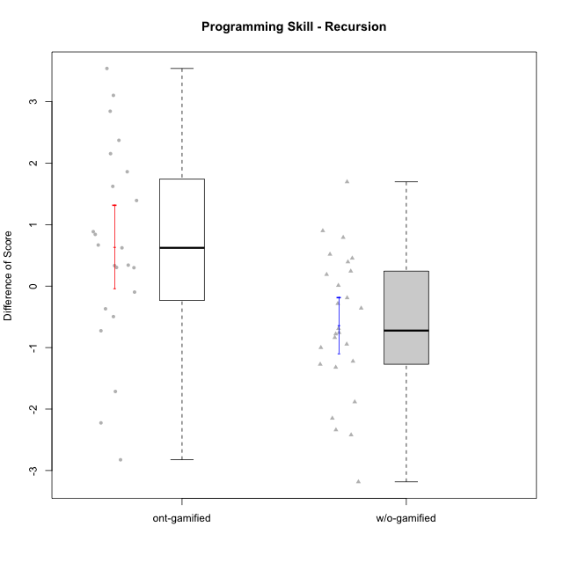

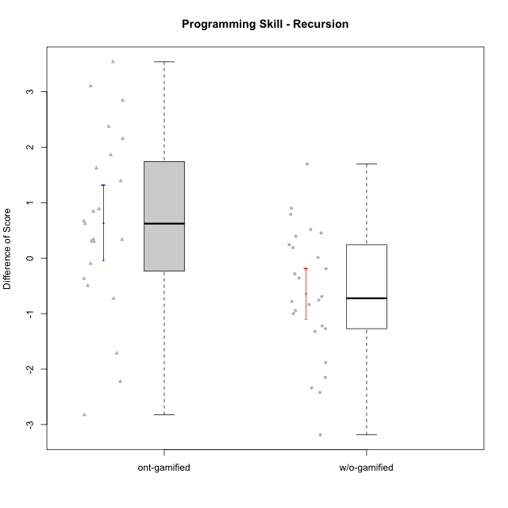

Student's t-Test data
UserID | NroUSP | Type | CLGroup | CLRole | PlayerRole | Re2 | Un2 | Ap3 | Ap1 | An3a | An3b | Ev2 | ReB | UnB | ApC | ApA | AnC1 | AnC2 | EvB | PreScore | PostScore | DiffScore
10169 | 10377538 | ont-gamified | Resistance | Apprentice | Social Achiever | 0.51785714286 | 0.33333333333 | 0.45454545455 | 0 | 0 | 0 | 0 | 1 | 0.83333333333 | 0.44444444444 | 1 | 0.42857142857 | 0 | 0.44444444444 | 1.3057359307 | 4.1507936508 | 2.8450577201
10170 | 10260351 | w/o-gamified | Grupo11 | Apprentice |  | 0.375 | 0.28571428571 | 0.45454545455 | 1 | 0 | 0.5 | 1 | 0.69642857143 | 0.65384615385 | 0.44444444444 | 0 | 0.5 | 0 | 0 | 3.6152597403 | 2.2947191697 | -1.3205405705
10172 | 10273971 | w/o-gamified | Grupo5 | Apprentice |  | 0.67857142857 | 0.97619047619 | 0 | 0 | 0.5 | 0 | 0 | 0.035714285714 | 1 | 0.5 | 0 | 0.42857142857 | 0 | 0 | 2.1547619048 | 1.9642857143 | -0.19047619048
10174 | 10276852 | w/o-gamified | Grupo7 | Master |  | 0.67857142857 | 0.33333333333 | 0.45454545455 | 1 | 0.42857142857 | 1 | 0.44444444444 | 0.67857142857 | 0.65384615385 | 0 | 0 | 0 | 0.85714285714 | 0 | 4.3394660895 | 2.1895604396 | -2.1499056499
10175 | 10310700 | ont-gamified | Warriors | Master | Social Achiever | 0.51785714286 | 0.66666666667 | 0 | 0.45454545455 | 0.5 | 1 | 1 | 1 | 1 | 1 | 1 | 1 | 0 | 1 | 4.1390692641 | 6 | 1.8609307359
10176 | 10276949 | ont-gamified | Outlaws | Master | Social Achiever | 0.51785714286 | 0.64285714286 | 1 | 0.81818181818 | 1 | 1 | 0 | 0.21428571429 | 0.66666666667 | 0.44444444444 | 0.42857142857 | 1 | 0 | 0 | 4.9788961039 | 2.753968254 | -2.2249278499
10178 | 8656201 | ont-gamified | Outlaws | Apprentice | Social Achiever | 0.53571428571 | 0 | 1 | 1 | 0 | 0 | 0 | 0.85714285714 | 0.30769230769 | 0 | 0 | 0.92857142857 | 0.35714285714 | 0.38888888889 | 2.5357142857 | 2.8394383394 | 0.30372405372
10179 | 10310759 | w/o-gamified | Grupo10 | Master |  | 0.85714285714 | 0.64285714286 | 1 | 1 | 0.42857142857 | 0.42857142857 | 0.44444444444 | 0.85714285714 | 0.66666666667 | 0 | 0.42857142857 | 0 | 0.42857142857 | 0 | 4.8015873016 | 2.380952381 | -2.4206349206
10181 | 10276866 | w/o-gamified | Grupo2 | Apprentice |  | 0.51785714286 | 0.61904761905 | 0 | 0 | 0.5 | 0 | 0 | 1 | 0.83333333333 | 0 | 1 | 0.5 | 0 | 0 | 1.6369047619 | 3.3333333333 | 1.6964285714
10183 | 10352030 | w/o-gamified | Grupo3 | Apprentice |  | 0.51785714286 | 0.61904761905 | 1 | 0 | 0 | 0 | 0 | 0.67857142857 | 0.83333333333 | 0 | 0.28571428571 | 0.42857142857 | 0.42857142857 | 0 | 2.1369047619 | 2.6547619048 | 0.51785714286
10184 | 10276675 | w/o-gamified | Grupo10 | Apprentice |  | 0.51785714286 | 0.66666666667 | 0.5 | 1 | 0.5 | 0 | 1 | 1 | 0 | 0 | 0 | 0 | 0 | 0 | 4.1845238095 | 1 | -3.1845238095
10185 | 10276960 | w/o-gamified | Grupo9 | Apprentice |  | 0.83928571429 | 1 | 1 | 0 | 0.5 | 0 | 0 | 1 | 0 | 0 | 0 | 0 | 0 | 0 | 3.3392857143 | 1 | -2.3392857143
10186 | 10310551 | ont-gamified | Slayers | Apprentice | Social Achiever | 0.375 | 0.69047619048 | 0.54545454545 | 0.45454545455 | 0.57142857143 | 0.57142857143 | 0 | 0.67857142857 | 0.80769230769 | 0.33333333333 | 0.85714285714 | 0 | 0.42857142857 | 0.44444444444 | 3.2083333333 | 3.5497557998 | 0.34142246642
10187 | 9790781 | ont-gamified | Mafia | Apprentice | Social Achiever | 0.51785714286 | 0 | 1 | 1 | 0 | 0 | 0 | 1 | 0.30769230769 | 0 | 0 | 0.35714285714 | 0.35714285714 | 0 | 2.5178571429 | 2.021978022 | -0.49587912088
10188 | 10276995 | ont-gamified | Vandals | Master | Yee Achiever | 0.53571428571 | 0.33333333333 | 0 | 1 | 1 | 1 | 0 | 1 | 0.83333333333 | 1 | 1 | 0 | 0.42857142857 | 1 | 3.869047619 | 5.2619047619 | 1.3928571429
10189 | 9363926 | ont-gamified | Vikings | Apprentice | Social Achiever | 0.83928571429 | 0.2619047619 | 0 | 0 | 0.35714285714 | 0 | 0 | 0.35714285714 | 0.98717948718 | 0 | 0 | 0 | 0 | 1 | 1.4583333333 | 2.3443223443 | 0.88598901099
10190 | 10276907 | w/o-gamified | Grupo4 | Apprentice |  | 0.51785714286 | 0.28571428571 | 0 | 0.45454545455 | 0.5 | 0.42857142857 | 0.44444444444 | 0.035714285714 | 0.66666666667 | 0 | 0.42857142857 | 0 | 0.5 | 0 | 2.6311327561 | 1.630952381 | -1.0001803752
10191 | 10276981 | w/o-gamified | Grupo1 | Master |  | 0.51785714286 | 0.97619047619 | 1 | 1 | 0 | 0.92857142857 | 0 | 0.67857142857 | 0.98717948718 | 0 | 0 | 0 | 0.42857142857 | 0.44444444444 | 4.4226190476 | 2.5387667888 | -1.8838522589
10192 | 10276682 | ont-gamified | Attractive Devils | Apprentice | Social Achiever | 0.51785714286 | 0.59523809524 | 1 | 1 | 0 | 0 | 0 | 0.83928571429 | 1 | 1 | 1 | 0 | 0.42857142857 | 1 | 3.1130952381 | 5.2678571429 | 2.1547619048
10193 | 10276762 | ont-gamified | Vandals | Apprentice | Yee Achiever | 0.51785714286 | 0.64285714286 | 0.5 | 1 | 0.42857142857 | 0 | 0 | 0.23214285714 | 0.83333333333 | 0 | 1 | 0 | 0.85714285714 | 0.5 | 3.0892857143 | 3.4226190476 | 0.33333333333
10197 | 10276661 | w/o-gamified | Grupo8 | Apprentice |  | 0.51785714286 | 0.66666666667 | 0 | 1 | 0.92857142857 | 0 | 0.44444444444 | 0.35714285714 | 1 | 1 | 0 | 0 | 0 | 0.44444444444 | 3.5575396825 | 2.8015873016 | -0.75595238095
10198 | 10310888 | ont-gamified | Attractive Devils | Apprentice | Social Achiever | 0.51785714286 | 0.64285714286 | 0 | 0 | 0.5 | 0 | 0 | 0.83928571429 | 0.82051282051 | 0.44444444444 | 1 | 0.5 | 0.42857142857 | 0 | 1.6607142857 | 4.0328144078 | 2.3721001221
10200 | 9795272 | ont-gamified | Warriors | Apprentice | Social Achiever | 0.51785714286 | 0.64285714286 | 0.45454545455 | 0 | 0.42857142857 | 0 | 0 | 0.83928571429 | 1 | 0.44444444444 | 0 | 0 | 0.42857142857 | 0 | 2.0438311688 | 2.7123015873 | 0.66847041847
10201 | 10276928 | w/o-gamified | Grupo11 | Apprentice |  | 0.51785714286 | 0.64285714286 | 0 | 1 | 1 | 1 | 0 | 0.66071428571 | 0.83333333333 | 0.44444444444 | 0 | 1 | 0 | 0 | 4.1607142857 | 2.9384920635 | -1.2222222222
10202 | 10277036 | ont-gamified | Silly Knights | Apprentice | Social Achiever | 0.51785714286 | 0.61904761905 | 0 | 0 | 0 | 0 | 0 | 1 | 0.82051282051 | 1 | 0.42857142857 | 1 | 0.42857142857 | 0 | 1.1369047619 | 4.6776556777 | 3.5407509158
10203 | 9921470 | ont-gamified | Mercenaries | Apprentice | Social Achiever | 0.53571428571 | 1 | 1 | 0 | 0 | 0 | 0.44444444444 | 0.19642857143 | 0.64102564103 | 0 | 0.42857142857 | 0 | 0 | 0 | 2.9801587302 | 1.266025641 | -1.7141330891
10204 | 10310471 | w/o-gamified | Grupo6 | Apprentice |  | 0.51785714286 | 0.30952380952 | 0.45454545455 | 0 | 0.5 | 0.42857142857 | 0 | 1 | 0.66666666667 | 0.44444444444 | 0 | 0 | 1 | 0 | 2.2104978355 | 3.1111111111 | 0.90061327561
10206 | 10310721 | w/o-gamified | Grupo8 | Apprentice |  | 0.69642857143 | 0.64285714286 | 0.45454545455 | 0 | 0.92857142857 | 0 | 1 | 0.67857142857 | 0.98717948718 | 0.38888888889 | 0.42857142857 | 1 | 0.42857142857 | 0 | 3.7224025974 | 3.9117826618 | 0.18938006438
10209 | 10262669 | ont-gamified | Mafia | Apprentice | Social Achiever | 0.51785714286 | 0.66666666667 | 0.45454545455 | 1 | 0 | 1 | 0.44444444444 | 1 | 0.83333333333 | 1 | 1 | 1 | 0.42857142857 | 0.44444444444 | 4.0835137085 | 5.7063492063 | 1.6228354978
10210 | 10277015 | w/o-gamified | Grupo6 | Apprentice |  | 0.53571428571 | 0.95238095238 | 0.5 | 0 | 0.42857142857 | 0.85714285714 | 0 | 0.83928571429 | 0.82051282051 | 1 | 0 | 0.42857142857 | 0.42857142857 | 0 | 3.2738095238 | 3.5169413919 | 0.24313186813
10213 | 10277040 | w/o-gamified | Grupo7 | Apprentice |  | 0.375 | 0.28571428571 | 0 | 1 | 0 | 0.5 | 1 | 1 | 1 | 0 | 0 | 0 | 0.35714285714 | 0.44444444444 | 3.1607142857 | 2.8015873016 | -0.35912698413
10214 | 10277022 | ont-gamified | Vikings | Apprentice | Social Achiever | 0.35714285714 | 0 | 0.45454545455 | 0 | 0 | 0.42857142857 | 0 | 0.375 | 0.66666666667 | 0.44444444444 | 1 | 1 | 0.85714285714 | 0 | 1.2402597403 | 4.3432539683 | 3.102994228
10215 | 9285227 | ont-gamified | Vikings | Master | Social Achiever | 0.51785714286 | 0.66666666667 | 1 | 0.45454545455 | 0.5 | 0 | 0.44444444444 | 0.35714285714 | 1 | 0 | 1 | 0.5 | 0 | 0 | 3.5835137085 | 2.8571428571 | -0.72637085137
10216 | 10276720 | ont-gamified | Silly Knights | Master | Social Achiever | 0.51785714286 | 0.66666666667 | 0.45454545455 | 1 | 0.5 | 0.5 | 0 | 1 | 0.83333333333 | 0 | 0.42857142857 | 1 | 1 | 0 | 3.6390692641 | 4.2619047619 | 0.62283549784
10217 | 9805341 | w/o-gamified | Grupo9 | Apprentice |  | 0.51785714286 | 0.61904761905 | 0 | 1 | 1 | 0 | 1 | 1 | 0.83333333333 | 0.33333333333 | 1 | 1 | 0.42857142857 | 0.33333333333 | 4.1369047619 | 4.9285714286 | 0.79166666667
10218 | 9842913 | w/o-gamified | Grupo10 | Apprentice |  | 0.51785714286 | 0.30952380952 | 1 | 1 | 0 | 0 | 0.44444444444 | 1 | 1 | 0 | 0 | 0 | 0 | 0 | 3.2718253968 | 2 | -1.2718253968
10219 | 10276831 | w/o-gamified | Grupo3 | Master |  | 0.375 | 0.64285714286 | 0.45454545455 | 1 | 1 | 0 | 0 | 0.69642857143 | 0.64102564103 | 0.44444444444 | 1 | 0 | 0 | 0 | 3.4724025974 | 2.7818986569 | -0.6905039405
10220 | 9760151 | w/o-gamified | Grupo3 | Apprentice |  | 0.51785714286 | 0.30952380952 | 0 | 1 | 0 | 0 | 0.44444444444 | 0.67857142857 | 0.48717948718 | 0 | 0 | 0 | 1 | 0.5 | 2.2718253968 | 2.6657509158 | 0.39392551893
10221 | 9082496 | ont-gamified | Warriors | Apprentice | Social Achiever | 0.39285714286 | 0.30952380952 | 0 | 0 | 0 | 0 | 0.44444444444 | 0.51785714286 | 0.5 | 0 | 0 | 0 | 0.42857142857 | 0 | 1.1468253968 | 1.4464285714 | 0.2996031746
10223 | 9795185 | ont-gamified | Slayers | Master | Social Achiever | 0.51785714286 | 0.33333333333 | 0 | 1 | 1 | 1 | 0 | 0.35714285714 | 0.66666666667 | 0 | 0.42857142857 | 1 | 0.85714285714 | 0.44444444444 | 3.8511904762 | 3.753968254 | -0.097222222222
10226 | 10310342 | w/o-gamified | Grupo4 | Apprentice |  | 0.51785714286 | 0.28571428571 | 0.45454545455 | 0 | 0.42857142857 | 0 | 0.5 | 1 | 0.64102564103 | 0 | 0 | 0.5 | 0.5 | 0 | 2.1866883117 | 2.641025641 | 0.45433732934
10227 | 9274382 | w/o-gamified | Grupo5 | Master |  | 0.67857142857 | 0.33333333333 | 0.5 | 1 | 0.42857142857 | 1 | 0 | 0 | 0.83333333333 | 0 | 0.57142857143 | 0.57142857143 | 0.57142857143 | 0.55555555556 | 3.9404761905 | 3.1031746032 | -0.8373015873
10228 | 10310492 | ont-gamified | Resistance | Apprentice | Social Achiever | 0.51785714286 | 0 | 0 | 0 | 0 | 0 | 0.44444444444 | 0.375 | 0.5 | 0 | 0.42857142857 | 0.5 | 0 | 0 | 0.9623015873 | 1.8035714286 | 0.84126984127
10230 | 10351992 | ont-gamified | Resistance | Master | Social Achiever | 0.51785714286 | 0.57142857143 | 1 | 1 | 0.85714285714 | 0 | 0.44444444444 | 0.035714285714 | 0.64102564103 | 0.44444444444 | 0 | 0 | 0 | 0.44444444444 | 4.3908730159 | 1.5656288156 | -2.8252442002
10231 | 10276911 | w/o-gamified | Grupo9 | Master |  | 0.51785714286 | 1 | 0 | 1 | 1 | 1 | 0.44444444444 | 0.67857142857 | 1 | 0 | 1 | 1 | 0 | 1 | 4.9623015873 | 4.6785714286 | -0.28373015873
10232 | 10276974 | w/o-gamified | Grupo7 | Apprentice |  | 0.51785714286 | 0.64285714286 | 1 | 1 | 0 | 0.42857142857 | 0.38888888889 | 0.51785714286 | 1 | 0.44444444444 | 0.42857142857 | 0.35714285714 | 0.28571428571 | 0 | 3.9781746032 | 3.0337301587 | -0.94444444444
10237 | 10377688 | ont-gamified | Outlaws | Apprentice | Social Achiever | 0.51785714286 | 0.64285714286 | 0 | 1 | 1 | 0 | 0 | 1 | 0.47435897436 | 0.44444444444 | 0 | 0.42857142857 | 0 | 0.44444444444 | 3.1607142857 | 2.7918192918 | -0.36889499389
10238 | 10276953 | w/o-gamified | Grupo2 | Master |  | 1 | 0.2619047619 | 1 | 0 | 1 | 0 | 0.44444444444 | 0.67857142857 | 0.82051282051 | 0 | 0 | 1 | 0.42857142857 | 0 | 3.7063492063 | 2.9276556777 | -0.77869352869
10240 | 10276654 | w/o-gamified | Grupo5 | Apprentice |  | 0.51785714286 | 0.64285714286 | 0 | 1 | 0 | 0.42857142857 | 0 | 0.51785714286 | 0.65384615385 | 0 | 0.42857142857 | 1 | 0 | 0 | 2.5892857143 | 2.6002747253 | 0.010989010989

Type_CLRole_1
Student's t-Test for Programming Skill - Recursion in Type:CLRole between ont-gamified.Apprentice:ont-gamified.Master

Student's t-Test results
Alternative hypothesis: less
Group | N | Mean | Mean.Difference | Std.deviation | Std.error | CI.lower | CI.upper | df | t.value | p.value | g | magnitude
ont-gamified.Apprentice | 16 | 1.0458378427 | 1.3311438066 | 1.4452763216 | 0.36131908041 | 0.3231996819 | 1.7684760035 | 9.7027318531 | 1.7545968435 | 0.94460581573 | 0.83130764102 | large
ont-gamified.Master | 7 | -0.28530596388 | -1.3311438066 | 1.7649654073 | 0.66709422004 | -1.619494404 | 1.0488824762 | 9.7027318531 | 1.7545968435 | 0.94460581573 | 0.83130764102 | large
Alternative hypothesis: greater
Group | N | Mean | Mean.Difference | Std.deviation | Std.error | CI.lower | CI.upper | df | t.value | p.value | g | magnitude
ont-gamified.Apprentice | 16 | 1.0458378427 | 1.3311438066 | 1.4452763216 | 0.36131908041 | 0.3231996819 | 1.7684760035 | 9.7027318531 | 1.7545968435 | 0.055394184268 | 0.83130764102 | large
ont-gamified.Master | 7 | -0.28530596388 | -1.3311438066 | 1.7649654073 | 0.66709422004 | -1.619494404 | 1.0488824762 | 9.7027318531 | 1.7545968435 | 0.055394184268 | 0.83130764102 | large
Alternative hypothesis: two.sided
Group | N | Mean | Mean.Difference | Std.deviation | Std.error | CI.lower | CI.upper | df | t.value | p.value | g | magnitude
ont-gamified.Apprentice | 16 | 1.0458378427 | 1.3311438066 | 1.4452763216 | 0.36131908041 | 0.3231996819 | 1.7684760035 | 9.7027318531 | 1.7545968435 | 0.11078836854 | 0.83130764102 | large
ont-gamified.Master | 7 | -0.28530596388 | -1.3311438066 | 1.7649654073 | 0.66709422004 | -1.619494404 | 1.0488824762 | 9.7027318531 | 1.7545968435 | 0.11078836854 | 0.83130764102 | large

Box plots for Student's t-Test
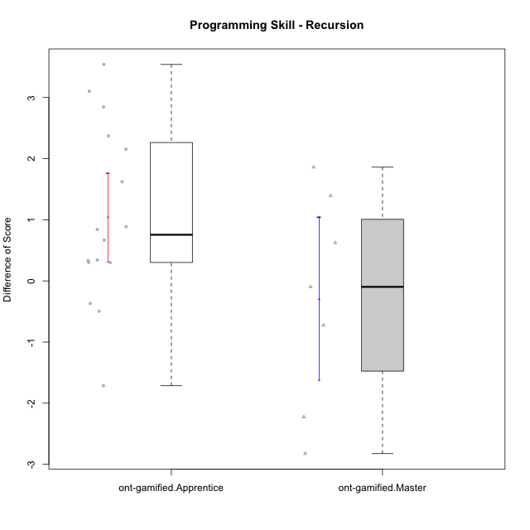

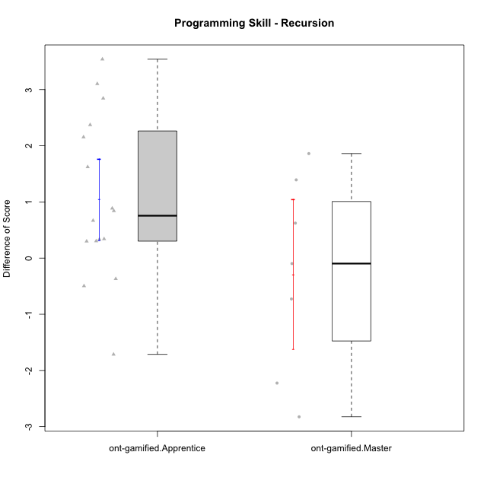

Student's t-Test data
UserID | NroUSP | Type | CLGroup | CLRole | PlayerRole | Re2 | Un2 | Ap3 | Ap1 | An3a | An3b | Ev2 | ReB | UnB | ApC | ApA | AnC1 | AnC2 | EvB | PreScore | PostScore | DiffScore
10169 | 10377538 | ont-gamified | Resistance | Apprentice | Social Achiever | 0.51785714286 | 0.33333333333 | 0.45454545455 | 0 | 0 | 0 | 0 | 1 | 0.83333333333 | 0.44444444444 | 1 | 0.42857142857 | 0 | 0.44444444444 | 1.3057359307 | 4.1507936508 | 2.8450577201
10175 | 10310700 | ont-gamified | Warriors | Master | Social Achiever | 0.51785714286 | 0.66666666667 | 0 | 0.45454545455 | 0.5 | 1 | 1 | 1 | 1 | 1 | 1 | 1 | 0 | 1 | 4.1390692641 | 6 | 1.8609307359
10176 | 10276949 | ont-gamified | Outlaws | Master | Social Achiever | 0.51785714286 | 0.64285714286 | 1 | 0.81818181818 | 1 | 1 | 0 | 0.21428571429 | 0.66666666667 | 0.44444444444 | 0.42857142857 | 1 | 0 | 0 | 4.9788961039 | 2.753968254 | -2.2249278499
10178 | 8656201 | ont-gamified | Outlaws | Apprentice | Social Achiever | 0.53571428571 | 0 | 1 | 1 | 0 | 0 | 0 | 0.85714285714 | 0.30769230769 | 0 | 0 | 0.92857142857 | 0.35714285714 | 0.38888888889 | 2.5357142857 | 2.8394383394 | 0.30372405372
10186 | 10310551 | ont-gamified | Slayers | Apprentice | Social Achiever | 0.375 | 0.69047619048 | 0.54545454545 | 0.45454545455 | 0.57142857143 | 0.57142857143 | 0 | 0.67857142857 | 0.80769230769 | 0.33333333333 | 0.85714285714 | 0 | 0.42857142857 | 0.44444444444 | 3.2083333333 | 3.5497557998 | 0.34142246642
10187 | 9790781 | ont-gamified | Mafia | Apprentice | Social Achiever | 0.51785714286 | 0 | 1 | 1 | 0 | 0 | 0 | 1 | 0.30769230769 | 0 | 0 | 0.35714285714 | 0.35714285714 | 0 | 2.5178571429 | 2.021978022 | -0.49587912088
10188 | 10276995 | ont-gamified | Vandals | Master | Yee Achiever | 0.53571428571 | 0.33333333333 | 0 | 1 | 1 | 1 | 0 | 1 | 0.83333333333 | 1 | 1 | 0 | 0.42857142857 | 1 | 3.869047619 | 5.2619047619 | 1.3928571429
10189 | 9363926 | ont-gamified | Vikings | Apprentice | Social Achiever | 0.83928571429 | 0.2619047619 | 0 | 0 | 0.35714285714 | 0 | 0 | 0.35714285714 | 0.98717948718 | 0 | 0 | 0 | 0 | 1 | 1.4583333333 | 2.3443223443 | 0.88598901099
10192 | 10276682 | ont-gamified | Attractive Devils | Apprentice | Social Achiever | 0.51785714286 | 0.59523809524 | 1 | 1 | 0 | 0 | 0 | 0.83928571429 | 1 | 1 | 1 | 0 | 0.42857142857 | 1 | 3.1130952381 | 5.2678571429 | 2.1547619048
10193 | 10276762 | ont-gamified | Vandals | Apprentice | Yee Achiever | 0.51785714286 | 0.64285714286 | 0.5 | 1 | 0.42857142857 | 0 | 0 | 0.23214285714 | 0.83333333333 | 0 | 1 | 0 | 0.85714285714 | 0.5 | 3.0892857143 | 3.4226190476 | 0.33333333333
10198 | 10310888 | ont-gamified | Attractive Devils | Apprentice | Social Achiever | 0.51785714286 | 0.64285714286 | 0 | 0 | 0.5 | 0 | 0 | 0.83928571429 | 0.82051282051 | 0.44444444444 | 1 | 0.5 | 0.42857142857 | 0 | 1.6607142857 | 4.0328144078 | 2.3721001221
10200 | 9795272 | ont-gamified | Warriors | Apprentice | Social Achiever | 0.51785714286 | 0.64285714286 | 0.45454545455 | 0 | 0.42857142857 | 0 | 0 | 0.83928571429 | 1 | 0.44444444444 | 0 | 0 | 0.42857142857 | 0 | 2.0438311688 | 2.7123015873 | 0.66847041847
10202 | 10277036 | ont-gamified | Silly Knights | Apprentice | Social Achiever | 0.51785714286 | 0.61904761905 | 0 | 0 | 0 | 0 | 0 | 1 | 0.82051282051 | 1 | 0.42857142857 | 1 | 0.42857142857 | 0 | 1.1369047619 | 4.6776556777 | 3.5407509158
10203 | 9921470 | ont-gamified | Mercenaries | Apprentice | Social Achiever | 0.53571428571 | 1 | 1 | 0 | 0 | 0 | 0.44444444444 | 0.19642857143 | 0.64102564103 | 0 | 0.42857142857 | 0 | 0 | 0 | 2.9801587302 | 1.266025641 | -1.7141330891
10209 | 10262669 | ont-gamified | Mafia | Apprentice | Social Achiever | 0.51785714286 | 0.66666666667 | 0.45454545455 | 1 | 0 | 1 | 0.44444444444 | 1 | 0.83333333333 | 1 | 1 | 1 | 0.42857142857 | 0.44444444444 | 4.0835137085 | 5.7063492063 | 1.6228354978
10214 | 10277022 | ont-gamified | Vikings | Apprentice | Social Achiever | 0.35714285714 | 0 | 0.45454545455 | 0 | 0 | 0.42857142857 | 0 | 0.375 | 0.66666666667 | 0.44444444444 | 1 | 1 | 0.85714285714 | 0 | 1.2402597403 | 4.3432539683 | 3.102994228
10215 | 9285227 | ont-gamified | Vikings | Master | Social Achiever | 0.51785714286 | 0.66666666667 | 1 | 0.45454545455 | 0.5 | 0 | 0.44444444444 | 0.35714285714 | 1 | 0 | 1 | 0.5 | 0 | 0 | 3.5835137085 | 2.8571428571 | -0.72637085137
10216 | 10276720 | ont-gamified | Silly Knights | Master | Social Achiever | 0.51785714286 | 0.66666666667 | 0.45454545455 | 1 | 0.5 | 0.5 | 0 | 1 | 0.83333333333 | 0 | 0.42857142857 | 1 | 1 | 0 | 3.6390692641 | 4.2619047619 | 0.62283549784
10221 | 9082496 | ont-gamified | Warriors | Apprentice | Social Achiever | 0.39285714286 | 0.30952380952 | 0 | 0 | 0 | 0 | 0.44444444444 | 0.51785714286 | 0.5 | 0 | 0 | 0 | 0.42857142857 | 0 | 1.1468253968 | 1.4464285714 | 0.2996031746
10223 | 9795185 | ont-gamified | Slayers | Master | Social Achiever | 0.51785714286 | 0.33333333333 | 0 | 1 | 1 | 1 | 0 | 0.35714285714 | 0.66666666667 | 0 | 0.42857142857 | 1 | 0.85714285714 | 0.44444444444 | 3.8511904762 | 3.753968254 | -0.097222222222
10228 | 10310492 | ont-gamified | Resistance | Apprentice | Social Achiever | 0.51785714286 | 0 | 0 | 0 | 0 | 0 | 0.44444444444 | 0.375 | 0.5 | 0 | 0.42857142857 | 0.5 | 0 | 0 | 0.9623015873 | 1.8035714286 | 0.84126984127
10230 | 10351992 | ont-gamified | Resistance | Master | Social Achiever | 0.51785714286 | 0.57142857143 | 1 | 1 | 0.85714285714 | 0 | 0.44444444444 | 0.035714285714 | 0.64102564103 | 0.44444444444 | 0 | 0 | 0 | 0.44444444444 | 4.3908730159 | 1.5656288156 | -2.8252442002
10237 | 10377688 | ont-gamified | Outlaws | Apprentice | Social Achiever | 0.51785714286 | 0.64285714286 | 0 | 1 | 1 | 0 | 0 | 1 | 0.47435897436 | 0.44444444444 | 0 | 0.42857142857 | 0 | 0.44444444444 | 3.1607142857 | 2.7918192918 | -0.36889499389

Type_CLRole_2
Student's t-Test for Programming Skill - Recursion in Type:CLRole between ont-gamified.Apprentice:w/o-gamified.Apprentice

Student's t-Test results
Alternative hypothesis: less
Group | N | Mean | Mean.Difference | Std.deviation | Std.error | CI.lower | CI.upper | df | t.value | p.value | g | magnitude
ont-gamified.Apprentice | 16 | 1.0458378427 | 1.4347982975 | 1.4452763216 | 0.36131908041 | 0.3231996819 | 1.7684760035 | 29.031714173 | 3.1734150991 | 0.99822573567 | 1.0705159893 | large
w/o-gamified.Apprentice | 19 | -0.38896045475 | -1.4347982975 | 1.1847120521 | 0.27179158486 | -0.93254362446 | 0.15462271496 | 29.031714173 | 3.1734150991 | 0.99822573567 | 1.0705159893 | large
Alternative hypothesis: greater
Group | N | Mean | Mean.Difference | Std.deviation | Std.error | CI.lower | CI.upper | df | t.value | p.value | g | magnitude
ont-gamified.Apprentice | 16 | 1.0458378427 | 1.4347982975 | 1.4452763216 | 0.36131908041 | 0.3231996819 | 1.7684760035 | 29.031714173 | 3.1734150991 | 0.0017742643251 | 1.0705159893 | large
w/o-gamified.Apprentice | 19 | -0.38896045475 | -1.4347982975 | 1.1847120521 | 0.27179158486 | -0.93254362446 | 0.15462271496 | 29.031714173 | 3.1734150991 | 0.0017742643251 | 1.0705159893 | large
Alternative hypothesis: two.sided
Group | N | Mean | Mean.Difference | Std.deviation | Std.error | CI.lower | CI.upper | df | t.value | p.value | g | magnitude
ont-gamified.Apprentice | 16 | 1.0458378427 | 1.4347982975 | 1.4452763216 | 0.36131908041 | 0.3231996819 | 1.7684760035 | 29.031714173 | 3.1734150991 | 0.0035485286502 | 1.0705159893 | large
w/o-gamified.Apprentice | 19 | -0.38896045475 | -1.4347982975 | 1.1847120521 | 0.27179158486 | -0.93254362446 | 0.15462271496 | 29.031714173 | 3.1734150991 | 0.0035485286502 | 1.0705159893 | large

Box plots for Student's t-Test
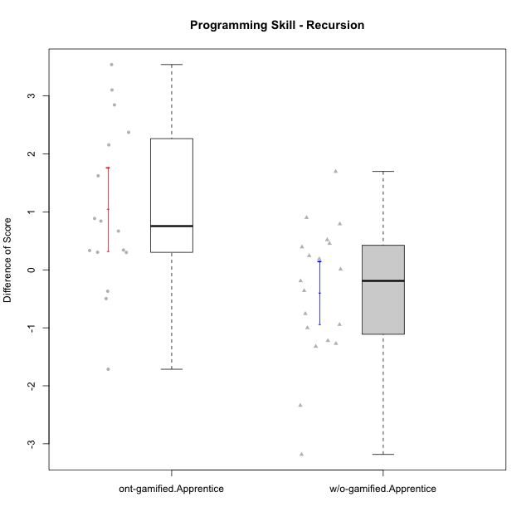

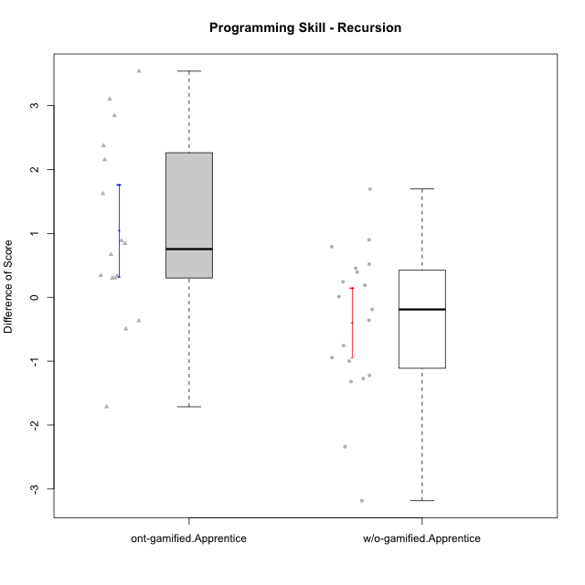

Student's t-Test data
UserID | NroUSP | Type | CLGroup | CLRole | PlayerRole | Re2 | Un2 | Ap3 | Ap1 | An3a | An3b | Ev2 | ReB | UnB | ApC | ApA | AnC1 | AnC2 | EvB | PreScore | PostScore | DiffScore
10169 | 10377538 | ont-gamified | Resistance | Apprentice | Social Achiever | 0.51785714286 | 0.33333333333 | 0.45454545455 | 0 | 0 | 0 | 0 | 1 | 0.83333333333 | 0.44444444444 | 1 | 0.42857142857 | 0 | 0.44444444444 | 1.3057359307 | 4.1507936508 | 2.8450577201
10170 | 10260351 | w/o-gamified | Grupo11 | Apprentice |  | 0.375 | 0.28571428571 | 0.45454545455 | 1 | 0 | 0.5 | 1 | 0.69642857143 | 0.65384615385 | 0.44444444444 | 0 | 0.5 | 0 | 0 | 3.6152597403 | 2.2947191697 | -1.3205405705
10172 | 10273971 | w/o-gamified | Grupo5 | Apprentice |  | 0.67857142857 | 0.97619047619 | 0 | 0 | 0.5 | 0 | 0 | 0.035714285714 | 1 | 0.5 | 0 | 0.42857142857 | 0 | 0 | 2.1547619048 | 1.9642857143 | -0.19047619048
10178 | 8656201 | ont-gamified | Outlaws | Apprentice | Social Achiever | 0.53571428571 | 0 | 1 | 1 | 0 | 0 | 0 | 0.85714285714 | 0.30769230769 | 0 | 0 | 0.92857142857 | 0.35714285714 | 0.38888888889 | 2.5357142857 | 2.8394383394 | 0.30372405372
10181 | 10276866 | w/o-gamified | Grupo2 | Apprentice |  | 0.51785714286 | 0.61904761905 | 0 | 0 | 0.5 | 0 | 0 | 1 | 0.83333333333 | 0 | 1 | 0.5 | 0 | 0 | 1.6369047619 | 3.3333333333 | 1.6964285714
10183 | 10352030 | w/o-gamified | Grupo3 | Apprentice |  | 0.51785714286 | 0.61904761905 | 1 | 0 | 0 | 0 | 0 | 0.67857142857 | 0.83333333333 | 0 | 0.28571428571 | 0.42857142857 | 0.42857142857 | 0 | 2.1369047619 | 2.6547619048 | 0.51785714286
10184 | 10276675 | w/o-gamified | Grupo10 | Apprentice |  | 0.51785714286 | 0.66666666667 | 0.5 | 1 | 0.5 | 0 | 1 | 1 | 0 | 0 | 0 | 0 | 0 | 0 | 4.1845238095 | 1 | -3.1845238095
10185 | 10276960 | w/o-gamified | Grupo9 | Apprentice |  | 0.83928571429 | 1 | 1 | 0 | 0.5 | 0 | 0 | 1 | 0 | 0 | 0 | 0 | 0 | 0 | 3.3392857143 | 1 | -2.3392857143
10186 | 10310551 | ont-gamified | Slayers | Apprentice | Social Achiever | 0.375 | 0.69047619048 | 0.54545454545 | 0.45454545455 | 0.57142857143 | 0.57142857143 | 0 | 0.67857142857 | 0.80769230769 | 0.33333333333 | 0.85714285714 | 0 | 0.42857142857 | 0.44444444444 | 3.2083333333 | 3.5497557998 | 0.34142246642
10187 | 9790781 | ont-gamified | Mafia | Apprentice | Social Achiever | 0.51785714286 | 0 | 1 | 1 | 0 | 0 | 0 | 1 | 0.30769230769 | 0 | 0 | 0.35714285714 | 0.35714285714 | 0 | 2.5178571429 | 2.021978022 | -0.49587912088
10189 | 9363926 | ont-gamified | Vikings | Apprentice | Social Achiever | 0.83928571429 | 0.2619047619 | 0 | 0 | 0.35714285714 | 0 | 0 | 0.35714285714 | 0.98717948718 | 0 | 0 | 0 | 0 | 1 | 1.4583333333 | 2.3443223443 | 0.88598901099
10190 | 10276907 | w/o-gamified | Grupo4 | Apprentice |  | 0.51785714286 | 0.28571428571 | 0 | 0.45454545455 | 0.5 | 0.42857142857 | 0.44444444444 | 0.035714285714 | 0.66666666667 | 0 | 0.42857142857 | 0 | 0.5 | 0 | 2.6311327561 | 1.630952381 | -1.0001803752
10192 | 10276682 | ont-gamified | Attractive Devils | Apprentice | Social Achiever | 0.51785714286 | 0.59523809524 | 1 | 1 | 0 | 0 | 0 | 0.83928571429 | 1 | 1 | 1 | 0 | 0.42857142857 | 1 | 3.1130952381 | 5.2678571429 | 2.1547619048
10193 | 10276762 | ont-gamified | Vandals | Apprentice | Yee Achiever | 0.51785714286 | 0.64285714286 | 0.5 | 1 | 0.42857142857 | 0 | 0 | 0.23214285714 | 0.83333333333 | 0 | 1 | 0 | 0.85714285714 | 0.5 | 3.0892857143 | 3.4226190476 | 0.33333333333
10197 | 10276661 | w/o-gamified | Grupo8 | Apprentice |  | 0.51785714286 | 0.66666666667 | 0 | 1 | 0.92857142857 | 0 | 0.44444444444 | 0.35714285714 | 1 | 1 | 0 | 0 | 0 | 0.44444444444 | 3.5575396825 | 2.8015873016 | -0.75595238095
10198 | 10310888 | ont-gamified | Attractive Devils | Apprentice | Social Achiever | 0.51785714286 | 0.64285714286 | 0 | 0 | 0.5 | 0 | 0 | 0.83928571429 | 0.82051282051 | 0.44444444444 | 1 | 0.5 | 0.42857142857 | 0 | 1.6607142857 | 4.0328144078 | 2.3721001221
10200 | 9795272 | ont-gamified | Warriors | Apprentice | Social Achiever | 0.51785714286 | 0.64285714286 | 0.45454545455 | 0 | 0.42857142857 | 0 | 0 | 0.83928571429 | 1 | 0.44444444444 | 0 | 0 | 0.42857142857 | 0 | 2.0438311688 | 2.7123015873 | 0.66847041847
10201 | 10276928 | w/o-gamified | Grupo11 | Apprentice |  | 0.51785714286 | 0.64285714286 | 0 | 1 | 1 | 1 | 0 | 0.66071428571 | 0.83333333333 | 0.44444444444 | 0 | 1 | 0 | 0 | 4.1607142857 | 2.9384920635 | -1.2222222222
10202 | 10277036 | ont-gamified | Silly Knights | Apprentice | Social Achiever | 0.51785714286 | 0.61904761905 | 0 | 0 | 0 | 0 | 0 | 1 | 0.82051282051 | 1 | 0.42857142857 | 1 | 0.42857142857 | 0 | 1.1369047619 | 4.6776556777 | 3.5407509158
10203 | 9921470 | ont-gamified | Mercenaries | Apprentice | Social Achiever | 0.53571428571 | 1 | 1 | 0 | 0 | 0 | 0.44444444444 | 0.19642857143 | 0.64102564103 | 0 | 0.42857142857 | 0 | 0 | 0 | 2.9801587302 | 1.266025641 | -1.7141330891
10204 | 10310471 | w/o-gamified | Grupo6 | Apprentice |  | 0.51785714286 | 0.30952380952 | 0.45454545455 | 0 | 0.5 | 0.42857142857 | 0 | 1 | 0.66666666667 | 0.44444444444 | 0 | 0 | 1 | 0 | 2.2104978355 | 3.1111111111 | 0.90061327561
10206 | 10310721 | w/o-gamified | Grupo8 | Apprentice |  | 0.69642857143 | 0.64285714286 | 0.45454545455 | 0 | 0.92857142857 | 0 | 1 | 0.67857142857 | 0.98717948718 | 0.38888888889 | 0.42857142857 | 1 | 0.42857142857 | 0 | 3.7224025974 | 3.9117826618 | 0.18938006438
10209 | 10262669 | ont-gamified | Mafia | Apprentice | Social Achiever | 0.51785714286 | 0.66666666667 | 0.45454545455 | 1 | 0 | 1 | 0.44444444444 | 1 | 0.83333333333 | 1 | 1 | 1 | 0.42857142857 | 0.44444444444 | 4.0835137085 | 5.7063492063 | 1.6228354978
10210 | 10277015 | w/o-gamified | Grupo6 | Apprentice |  | 0.53571428571 | 0.95238095238 | 0.5 | 0 | 0.42857142857 | 0.85714285714 | 0 | 0.83928571429 | 0.82051282051 | 1 | 0 | 0.42857142857 | 0.42857142857 | 0 | 3.2738095238 | 3.5169413919 | 0.24313186813
10213 | 10277040 | w/o-gamified | Grupo7 | Apprentice |  | 0.375 | 0.28571428571 | 0 | 1 | 0 | 0.5 | 1 | 1 | 1 | 0 | 0 | 0 | 0.35714285714 | 0.44444444444 | 3.1607142857 | 2.8015873016 | -0.35912698413
10214 | 10277022 | ont-gamified | Vikings | Apprentice | Social Achiever | 0.35714285714 | 0 | 0.45454545455 | 0 | 0 | 0.42857142857 | 0 | 0.375 | 0.66666666667 | 0.44444444444 | 1 | 1 | 0.85714285714 | 0 | 1.2402597403 | 4.3432539683 | 3.102994228
10217 | 9805341 | w/o-gamified | Grupo9 | Apprentice |  | 0.51785714286 | 0.61904761905 | 0 | 1 | 1 | 0 | 1 | 1 | 0.83333333333 | 0.33333333333 | 1 | 1 | 0.42857142857 | 0.33333333333 | 4.1369047619 | 4.9285714286 | 0.79166666667
10218 | 9842913 | w/o-gamified | Grupo10 | Apprentice |  | 0.51785714286 | 0.30952380952 | 1 | 1 | 0 | 0 | 0.44444444444 | 1 | 1 | 0 | 0 | 0 | 0 | 0 | 3.2718253968 | 2 | -1.2718253968
10220 | 9760151 | w/o-gamified | Grupo3 | Apprentice |  | 0.51785714286 | 0.30952380952 | 0 | 1 | 0 | 0 | 0.44444444444 | 0.67857142857 | 0.48717948718 | 0 | 0 | 0 | 1 | 0.5 | 2.2718253968 | 2.6657509158 | 0.39392551893
10221 | 9082496 | ont-gamified | Warriors | Apprentice | Social Achiever | 0.39285714286 | 0.30952380952 | 0 | 0 | 0 | 0 | 0.44444444444 | 0.51785714286 | 0.5 | 0 | 0 | 0 | 0.42857142857 | 0 | 1.1468253968 | 1.4464285714 | 0.2996031746
10226 | 10310342 | w/o-gamified | Grupo4 | Apprentice |  | 0.51785714286 | 0.28571428571 | 0.45454545455 | 0 | 0.42857142857 | 0 | 0.5 | 1 | 0.64102564103 | 0 | 0 | 0.5 | 0.5 | 0 | 2.1866883117 | 2.641025641 | 0.45433732934
10228 | 10310492 | ont-gamified | Resistance | Apprentice | Social Achiever | 0.51785714286 | 0 | 0 | 0 | 0 | 0 | 0.44444444444 | 0.375 | 0.5 | 0 | 0.42857142857 | 0.5 | 0 | 0 | 0.9623015873 | 1.8035714286 | 0.84126984127
10232 | 10276974 | w/o-gamified | Grupo7 | Apprentice |  | 0.51785714286 | 0.64285714286 | 1 | 1 | 0 | 0.42857142857 | 0.38888888889 | 0.51785714286 | 1 | 0.44444444444 | 0.42857142857 | 0.35714285714 | 0.28571428571 | 0 | 3.9781746032 | 3.0337301587 | -0.94444444444
10237 | 10377688 | ont-gamified | Outlaws | Apprentice | Social Achiever | 0.51785714286 | 0.64285714286 | 0 | 1 | 1 | 0 | 0 | 1 | 0.47435897436 | 0.44444444444 | 0 | 0.42857142857 | 0 | 0.44444444444 | 3.1607142857 | 2.7918192918 | -0.36889499389
10240 | 10276654 | w/o-gamified | Grupo5 | Apprentice |  | 0.51785714286 | 0.64285714286 | 0 | 1 | 0 | 0.42857142857 | 0 | 0.51785714286 | 0.65384615385 | 0 | 0.42857142857 | 1 | 0 | 0 | 2.5892857143 | 2.6002747253 | 0.010989010989

Type_CLRole_3
Student's t-Test for Programming Skill - Recursion in Type:CLRole between ont-gamified.Apprentice:w/o-gamified.Master

Student's t-Test results
Alternative hypothesis: less
Group | N | Mean | Mean.Difference | Std.deviation | Std.error | CI.lower | CI.upper | df | t.value | p.value | g | magnitude
ont-gamified.Apprentice | 16 | 1.0458378427 | 2.3379267062 | 1.4452763216 | 0.36131908041 | 0.3231996819 | 1.7684760035 | 18.951129097 | 4.8668824427 | 0.99994607848 | 1.7321559374 | large
w/o-gamified.Master | 7 | -1.2920888635 | -2.3379267062 | 0.83753086427 | 0.31655691174 | -1.925202687 | -0.65897504003 | 18.951129097 | 4.8668824427 | 0.99994607848 | 1.7321559374 | large
Alternative hypothesis: greater
Group | N | Mean | Mean.Difference | Std.deviation | Std.error | CI.lower | CI.upper | df | t.value | p.value | g | magnitude
ont-gamified.Apprentice | 16 | 1.0458378427 | 2.3379267062 | 1.4452763216 | 0.36131908041 | 0.3231996819 | 1.7684760035 | 18.951129097 | 4.8668824427 | 5.3921523473E-05 | 1.7321559374 | large
w/o-gamified.Master | 7 | -1.2920888635 | -2.3379267062 | 0.83753086427 | 0.31655691174 | -1.925202687 | -0.65897504003 | 18.951129097 | 4.8668824427 | 5.3921523473E-05 | 1.7321559374 | large
Alternative hypothesis: two.sided
Group | N | Mean | Mean.Difference | Std.deviation | Std.error | CI.lower | CI.upper | df | t.value | p.value | g | magnitude
ont-gamified.Apprentice | 16 | 1.0458378427 | 2.3379267062 | 1.4452763216 | 0.36131908041 | 0.3231996819 | 1.7684760035 | 18.951129097 | 4.8668824427 | 0.00010784304695 | 1.7321559374 | large
w/o-gamified.Master | 7 | -1.2920888635 | -2.3379267062 | 0.83753086427 | 0.31655691174 | -1.925202687 | -0.65897504003 | 18.951129097 | 4.8668824427 | 0.00010784304695 | 1.7321559374 | large

Box plots for Student's t-Test
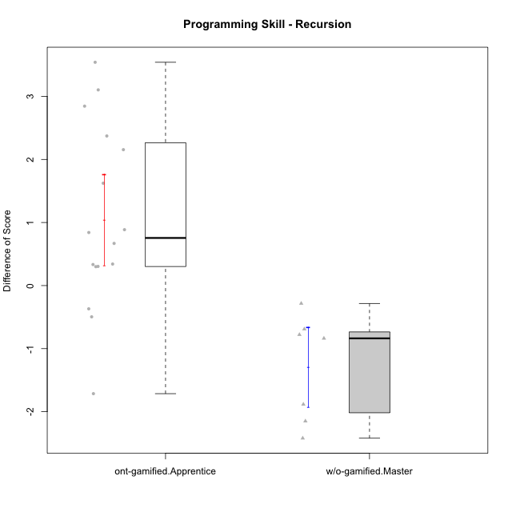

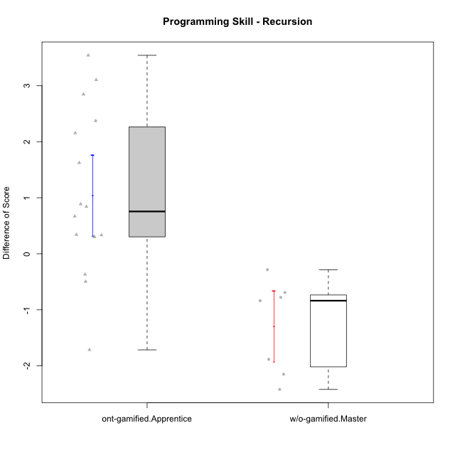

Student's t-Test data
UserID | NroUSP | Type | CLGroup | CLRole | PlayerRole | Re2 | Un2 | Ap3 | Ap1 | An3a | An3b | Ev2 | ReB | UnB | ApC | ApA | AnC1 | AnC2 | EvB | PreScore | PostScore | DiffScore
10169 | 10377538 | ont-gamified | Resistance | Apprentice | Social Achiever | 0.51785714286 | 0.33333333333 | 0.45454545455 | 0 | 0 | 0 | 0 | 1 | 0.83333333333 | 0.44444444444 | 1 | 0.42857142857 | 0 | 0.44444444444 | 1.3057359307 | 4.1507936508 | 2.8450577201
10174 | 10276852 | w/o-gamified | Grupo7 | Master |  | 0.67857142857 | 0.33333333333 | 0.45454545455 | 1 | 0.42857142857 | 1 | 0.44444444444 | 0.67857142857 | 0.65384615385 | 0 | 0 | 0 | 0.85714285714 | 0 | 4.3394660895 | 2.1895604396 | -2.1499056499
10178 | 8656201 | ont-gamified | Outlaws | Apprentice | Social Achiever | 0.53571428571 | 0 | 1 | 1 | 0 | 0 | 0 | 0.85714285714 | 0.30769230769 | 0 | 0 | 0.92857142857 | 0.35714285714 | 0.38888888889 | 2.5357142857 | 2.8394383394 | 0.30372405372
10179 | 10310759 | w/o-gamified | Grupo10 | Master |  | 0.85714285714 | 0.64285714286 | 1 | 1 | 0.42857142857 | 0.42857142857 | 0.44444444444 | 0.85714285714 | 0.66666666667 | 0 | 0.42857142857 | 0 | 0.42857142857 | 0 | 4.8015873016 | 2.380952381 | -2.4206349206
10186 | 10310551 | ont-gamified | Slayers | Apprentice | Social Achiever | 0.375 | 0.69047619048 | 0.54545454545 | 0.45454545455 | 0.57142857143 | 0.57142857143 | 0 | 0.67857142857 | 0.80769230769 | 0.33333333333 | 0.85714285714 | 0 | 0.42857142857 | 0.44444444444 | 3.2083333333 | 3.5497557998 | 0.34142246642
10187 | 9790781 | ont-gamified | Mafia | Apprentice | Social Achiever | 0.51785714286 | 0 | 1 | 1 | 0 | 0 | 0 | 1 | 0.30769230769 | 0 | 0 | 0.35714285714 | 0.35714285714 | 0 | 2.5178571429 | 2.021978022 | -0.49587912088
10189 | 9363926 | ont-gamified | Vikings | Apprentice | Social Achiever | 0.83928571429 | 0.2619047619 | 0 | 0 | 0.35714285714 | 0 | 0 | 0.35714285714 | 0.98717948718 | 0 | 0 | 0 | 0 | 1 | 1.4583333333 | 2.3443223443 | 0.88598901099
10191 | 10276981 | w/o-gamified | Grupo1 | Master |  | 0.51785714286 | 0.97619047619 | 1 | 1 | 0 | 0.92857142857 | 0 | 0.67857142857 | 0.98717948718 | 0 | 0 | 0 | 0.42857142857 | 0.44444444444 | 4.4226190476 | 2.5387667888 | -1.8838522589
10192 | 10276682 | ont-gamified | Attractive Devils | Apprentice | Social Achiever | 0.51785714286 | 0.59523809524 | 1 | 1 | 0 | 0 | 0 | 0.83928571429 | 1 | 1 | 1 | 0 | 0.42857142857 | 1 | 3.1130952381 | 5.2678571429 | 2.1547619048
10193 | 10276762 | ont-gamified | Vandals | Apprentice | Yee Achiever | 0.51785714286 | 0.64285714286 | 0.5 | 1 | 0.42857142857 | 0 | 0 | 0.23214285714 | 0.83333333333 | 0 | 1 | 0 | 0.85714285714 | 0.5 | 3.0892857143 | 3.4226190476 | 0.33333333333
10198 | 10310888 | ont-gamified | Attractive Devils | Apprentice | Social Achiever | 0.51785714286 | 0.64285714286 | 0 | 0 | 0.5 | 0 | 0 | 0.83928571429 | 0.82051282051 | 0.44444444444 | 1 | 0.5 | 0.42857142857 | 0 | 1.6607142857 | 4.0328144078 | 2.3721001221
10200 | 9795272 | ont-gamified | Warriors | Apprentice | Social Achiever | 0.51785714286 | 0.64285714286 | 0.45454545455 | 0 | 0.42857142857 | 0 | 0 | 0.83928571429 | 1 | 0.44444444444 | 0 | 0 | 0.42857142857 | 0 | 2.0438311688 | 2.7123015873 | 0.66847041847
10202 | 10277036 | ont-gamified | Silly Knights | Apprentice | Social Achiever | 0.51785714286 | 0.61904761905 | 0 | 0 | 0 | 0 | 0 | 1 | 0.82051282051 | 1 | 0.42857142857 | 1 | 0.42857142857 | 0 | 1.1369047619 | 4.6776556777 | 3.5407509158
10203 | 9921470 | ont-gamified | Mercenaries | Apprentice | Social Achiever | 0.53571428571 | 1 | 1 | 0 | 0 | 0 | 0.44444444444 | 0.19642857143 | 0.64102564103 | 0 | 0.42857142857 | 0 | 0 | 0 | 2.9801587302 | 1.266025641 | -1.7141330891
10209 | 10262669 | ont-gamified | Mafia | Apprentice | Social Achiever | 0.51785714286 | 0.66666666667 | 0.45454545455 | 1 | 0 | 1 | 0.44444444444 | 1 | 0.83333333333 | 1 | 1 | 1 | 0.42857142857 | 0.44444444444 | 4.0835137085 | 5.7063492063 | 1.6228354978
10214 | 10277022 | ont-gamified | Vikings | Apprentice | Social Achiever | 0.35714285714 | 0 | 0.45454545455 | 0 | 0 | 0.42857142857 | 0 | 0.375 | 0.66666666667 | 0.44444444444 | 1 | 1 | 0.85714285714 | 0 | 1.2402597403 | 4.3432539683 | 3.102994228
10219 | 10276831 | w/o-gamified | Grupo3 | Master |  | 0.375 | 0.64285714286 | 0.45454545455 | 1 | 1 | 0 | 0 | 0.69642857143 | 0.64102564103 | 0.44444444444 | 1 | 0 | 0 | 0 | 3.4724025974 | 2.7818986569 | -0.6905039405
10221 | 9082496 | ont-gamified | Warriors | Apprentice | Social Achiever | 0.39285714286 | 0.30952380952 | 0 | 0 | 0 | 0 | 0.44444444444 | 0.51785714286 | 0.5 | 0 | 0 | 0 | 0.42857142857 | 0 | 1.1468253968 | 1.4464285714 | 0.2996031746
10227 | 9274382 | w/o-gamified | Grupo5 | Master |  | 0.67857142857 | 0.33333333333 | 0.5 | 1 | 0.42857142857 | 1 | 0 | 0 | 0.83333333333 | 0 | 0.57142857143 | 0.57142857143 | 0.57142857143 | 0.55555555556 | 3.9404761905 | 3.1031746032 | -0.8373015873
10228 | 10310492 | ont-gamified | Resistance | Apprentice | Social Achiever | 0.51785714286 | 0 | 0 | 0 | 0 | 0 | 0.44444444444 | 0.375 | 0.5 | 0 | 0.42857142857 | 0.5 | 0 | 0 | 0.9623015873 | 1.8035714286 | 0.84126984127
10231 | 10276911 | w/o-gamified | Grupo9 | Master |  | 0.51785714286 | 1 | 0 | 1 | 1 | 1 | 0.44444444444 | 0.67857142857 | 1 | 0 | 1 | 1 | 0 | 1 | 4.9623015873 | 4.6785714286 | -0.28373015873
10237 | 10377688 | ont-gamified | Outlaws | Apprentice | Social Achiever | 0.51785714286 | 0.64285714286 | 0 | 1 | 1 | 0 | 0 | 1 | 0.47435897436 | 0.44444444444 | 0 | 0.42857142857 | 0 | 0.44444444444 | 3.1607142857 | 2.7918192918 | -0.36889499389
10238 | 10276953 | w/o-gamified | Grupo2 | Master |  | 1 | 0.2619047619 | 1 | 0 | 1 | 0 | 0.44444444444 | 0.67857142857 | 0.82051282051 | 0 | 0 | 1 | 0.42857142857 | 0 | 3.7063492063 | 2.9276556777 | -0.77869352869

Type_CLRole_4
Student's t-Test for Programming Skill - Recursion in Type:CLRole between ont-gamified.Master:w/o-gamified.Apprentice

Student's t-Test results
Alternative hypothesis: less
Group | N | Mean | Mean.Difference | Std.deviation | Std.error | CI.lower | CI.upper | df | t.value | p.value | g | magnitude
ont-gamified.Master | 7 | -0.28530596388 | 0.10365449087 | 1.7649654073 | 0.66709422004 | -1.619494404 | 1.0488824762 | 8.0830383767 | 0.14389722286 | 0.55544770271 | 0.074174881633 | negligible
w/o-gamified.Apprentice | 19 | -0.38896045475 | -0.10365449087 | 1.1847120521 | 0.27179158486 | -0.93254362446 | 0.15462271496 | 8.0830383767 | 0.14389722286 | 0.55544770271 | 0.074174881633 | negligible
Alternative hypothesis: greater
Group | N | Mean | Mean.Difference | Std.deviation | Std.error | CI.lower | CI.upper | df | t.value | p.value | g | magnitude
ont-gamified.Master | 7 | -0.28530596388 | 0.10365449087 | 1.7649654073 | 0.66709422004 | -1.619494404 | 1.0488824762 | 8.0830383767 | 0.14389722286 | 0.44455229729 | 0.074174881633 | negligible
w/o-gamified.Apprentice | 19 | -0.38896045475 | -0.10365449087 | 1.1847120521 | 0.27179158486 | -0.93254362446 | 0.15462271496 | 8.0830383767 | 0.14389722286 | 0.44455229729 | 0.074174881633 | negligible
Alternative hypothesis: two.sided
Group | N | Mean | Mean.Difference | Std.deviation | Std.error | CI.lower | CI.upper | df | t.value | p.value | g | magnitude
ont-gamified.Master | 7 | -0.28530596388 | 0.10365449087 | 1.7649654073 | 0.66709422004 | -1.619494404 | 1.0488824762 | 8.0830383767 | 0.14389722286 | 0.88910459458 | 0.074174881633 | negligible
w/o-gamified.Apprentice | 19 | -0.38896045475 | -0.10365449087 | 1.1847120521 | 0.27179158486 | -0.93254362446 | 0.15462271496 | 8.0830383767 | 0.14389722286 | 0.88910459458 | 0.074174881633 | negligible

Box plots for Student's t-Test
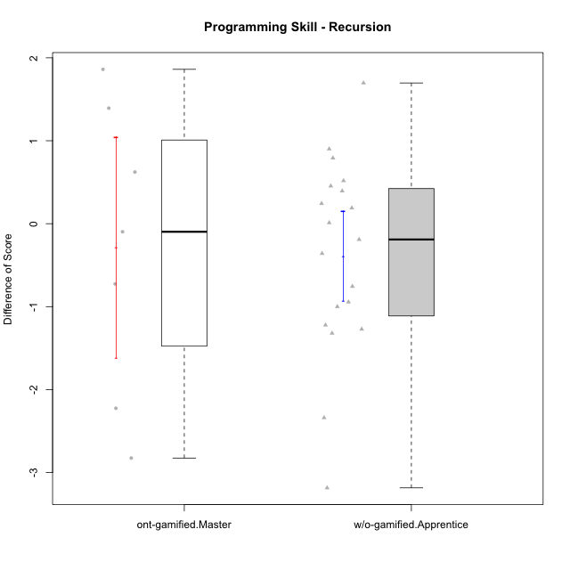

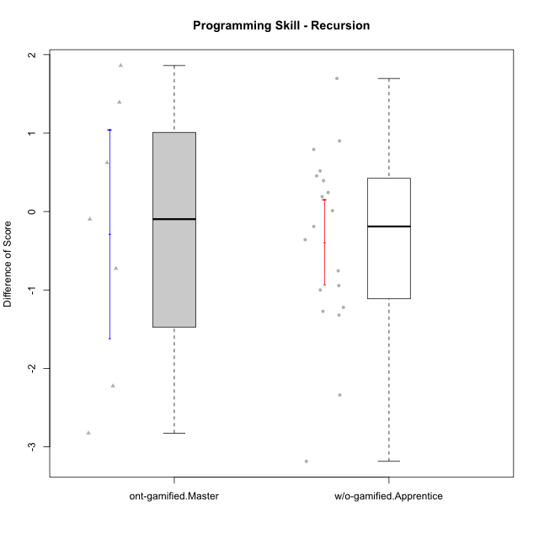

Student's t-Test data
UserID | NroUSP | Type | CLGroup | CLRole | PlayerRole | Re2 | Un2 | Ap3 | Ap1 | An3a | An3b | Ev2 | ReB | UnB | ApC | ApA | AnC1 | AnC2 | EvB | PreScore | PostScore | DiffScore
10170 | 10260351 | w/o-gamified | Grupo11 | Apprentice |  | 0.375 | 0.28571428571 | 0.45454545455 | 1 | 0 | 0.5 | 1 | 0.69642857143 | 0.65384615385 | 0.44444444444 | 0 | 0.5 | 0 | 0 | 3.6152597403 | 2.2947191697 | -1.3205405705
10172 | 10273971 | w/o-gamified | Grupo5 | Apprentice |  | 0.67857142857 | 0.97619047619 | 0 | 0 | 0.5 | 0 | 0 | 0.035714285714 | 1 | 0.5 | 0 | 0.42857142857 | 0 | 0 | 2.1547619048 | 1.9642857143 | -0.19047619048
10175 | 10310700 | ont-gamified | Warriors | Master | Social Achiever | 0.51785714286 | 0.66666666667 | 0 | 0.45454545455 | 0.5 | 1 | 1 | 1 | 1 | 1 | 1 | 1 | 0 | 1 | 4.1390692641 | 6 | 1.8609307359
10176 | 10276949 | ont-gamified | Outlaws | Master | Social Achiever | 0.51785714286 | 0.64285714286 | 1 | 0.81818181818 | 1 | 1 | 0 | 0.21428571429 | 0.66666666667 | 0.44444444444 | 0.42857142857 | 1 | 0 | 0 | 4.9788961039 | 2.753968254 | -2.2249278499
10181 | 10276866 | w/o-gamified | Grupo2 | Apprentice |  | 0.51785714286 | 0.61904761905 | 0 | 0 | 0.5 | 0 | 0 | 1 | 0.83333333333 | 0 | 1 | 0.5 | 0 | 0 | 1.6369047619 | 3.3333333333 | 1.6964285714
10183 | 10352030 | w/o-gamified | Grupo3 | Apprentice |  | 0.51785714286 | 0.61904761905 | 1 | 0 | 0 | 0 | 0 | 0.67857142857 | 0.83333333333 | 0 | 0.28571428571 | 0.42857142857 | 0.42857142857 | 0 | 2.1369047619 | 2.6547619048 | 0.51785714286
10184 | 10276675 | w/o-gamified | Grupo10 | Apprentice |  | 0.51785714286 | 0.66666666667 | 0.5 | 1 | 0.5 | 0 | 1 | 1 | 0 | 0 | 0 | 0 | 0 | 0 | 4.1845238095 | 1 | -3.1845238095
10185 | 10276960 | w/o-gamified | Grupo9 | Apprentice |  | 0.83928571429 | 1 | 1 | 0 | 0.5 | 0 | 0 | 1 | 0 | 0 | 0 | 0 | 0 | 0 | 3.3392857143 | 1 | -2.3392857143
10188 | 10276995 | ont-gamified | Vandals | Master | Yee Achiever | 0.53571428571 | 0.33333333333 | 0 | 1 | 1 | 1 | 0 | 1 | 0.83333333333 | 1 | 1 | 0 | 0.42857142857 | 1 | 3.869047619 | 5.2619047619 | 1.3928571429
10190 | 10276907 | w/o-gamified | Grupo4 | Apprentice |  | 0.51785714286 | 0.28571428571 | 0 | 0.45454545455 | 0.5 | 0.42857142857 | 0.44444444444 | 0.035714285714 | 0.66666666667 | 0 | 0.42857142857 | 0 | 0.5 | 0 | 2.6311327561 | 1.630952381 | -1.0001803752
10197 | 10276661 | w/o-gamified | Grupo8 | Apprentice |  | 0.51785714286 | 0.66666666667 | 0 | 1 | 0.92857142857 | 0 | 0.44444444444 | 0.35714285714 | 1 | 1 | 0 | 0 | 0 | 0.44444444444 | 3.5575396825 | 2.8015873016 | -0.75595238095
10201 | 10276928 | w/o-gamified | Grupo11 | Apprentice |  | 0.51785714286 | 0.64285714286 | 0 | 1 | 1 | 1 | 0 | 0.66071428571 | 0.83333333333 | 0.44444444444 | 0 | 1 | 0 | 0 | 4.1607142857 | 2.9384920635 | -1.2222222222
10204 | 10310471 | w/o-gamified | Grupo6 | Apprentice |  | 0.51785714286 | 0.30952380952 | 0.45454545455 | 0 | 0.5 | 0.42857142857 | 0 | 1 | 0.66666666667 | 0.44444444444 | 0 | 0 | 1 | 0 | 2.2104978355 | 3.1111111111 | 0.90061327561
10206 | 10310721 | w/o-gamified | Grupo8 | Apprentice |  | 0.69642857143 | 0.64285714286 | 0.45454545455 | 0 | 0.92857142857 | 0 | 1 | 0.67857142857 | 0.98717948718 | 0.38888888889 | 0.42857142857 | 1 | 0.42857142857 | 0 | 3.7224025974 | 3.9117826618 | 0.18938006438
10210 | 10277015 | w/o-gamified | Grupo6 | Apprentice |  | 0.53571428571 | 0.95238095238 | 0.5 | 0 | 0.42857142857 | 0.85714285714 | 0 | 0.83928571429 | 0.82051282051 | 1 | 0 | 0.42857142857 | 0.42857142857 | 0 | 3.2738095238 | 3.5169413919 | 0.24313186813
10213 | 10277040 | w/o-gamified | Grupo7 | Apprentice |  | 0.375 | 0.28571428571 | 0 | 1 | 0 | 0.5 | 1 | 1 | 1 | 0 | 0 | 0 | 0.35714285714 | 0.44444444444 | 3.1607142857 | 2.8015873016 | -0.35912698413
10215 | 9285227 | ont-gamified | Vikings | Master | Social Achiever | 0.51785714286 | 0.66666666667 | 1 | 0.45454545455 | 0.5 | 0 | 0.44444444444 | 0.35714285714 | 1 | 0 | 1 | 0.5 | 0 | 0 | 3.5835137085 | 2.8571428571 | -0.72637085137
10216 | 10276720 | ont-gamified | Silly Knights | Master | Social Achiever | 0.51785714286 | 0.66666666667 | 0.45454545455 | 1 | 0.5 | 0.5 | 0 | 1 | 0.83333333333 | 0 | 0.42857142857 | 1 | 1 | 0 | 3.6390692641 | 4.2619047619 | 0.62283549784
10217 | 9805341 | w/o-gamified | Grupo9 | Apprentice |  | 0.51785714286 | 0.61904761905 | 0 | 1 | 1 | 0 | 1 | 1 | 0.83333333333 | 0.33333333333 | 1 | 1 | 0.42857142857 | 0.33333333333 | 4.1369047619 | 4.9285714286 | 0.79166666667
10218 | 9842913 | w/o-gamified | Grupo10 | Apprentice |  | 0.51785714286 | 0.30952380952 | 1 | 1 | 0 | 0 | 0.44444444444 | 1 | 1 | 0 | 0 | 0 | 0 | 0 | 3.2718253968 | 2 | -1.2718253968
10220 | 9760151 | w/o-gamified | Grupo3 | Apprentice |  | 0.51785714286 | 0.30952380952 | 0 | 1 | 0 | 0 | 0.44444444444 | 0.67857142857 | 0.48717948718 | 0 | 0 | 0 | 1 | 0.5 | 2.2718253968 | 2.6657509158 | 0.39392551893
10223 | 9795185 | ont-gamified | Slayers | Master | Social Achiever | 0.51785714286 | 0.33333333333 | 0 | 1 | 1 | 1 | 0 | 0.35714285714 | 0.66666666667 | 0 | 0.42857142857 | 1 | 0.85714285714 | 0.44444444444 | 3.8511904762 | 3.753968254 | -0.097222222222
10226 | 10310342 | w/o-gamified | Grupo4 | Apprentice |  | 0.51785714286 | 0.28571428571 | 0.45454545455 | 0 | 0.42857142857 | 0 | 0.5 | 1 | 0.64102564103 | 0 | 0 | 0.5 | 0.5 | 0 | 2.1866883117 | 2.641025641 | 0.45433732934
10230 | 10351992 | ont-gamified | Resistance | Master | Social Achiever | 0.51785714286 | 0.57142857143 | 1 | 1 | 0.85714285714 | 0 | 0.44444444444 | 0.035714285714 | 0.64102564103 | 0.44444444444 | 0 | 0 | 0 | 0.44444444444 | 4.3908730159 | 1.5656288156 | -2.8252442002
10232 | 10276974 | w/o-gamified | Grupo7 | Apprentice |  | 0.51785714286 | 0.64285714286 | 1 | 1 | 0 | 0.42857142857 | 0.38888888889 | 0.51785714286 | 1 | 0.44444444444 | 0.42857142857 | 0.35714285714 | 0.28571428571 | 0 | 3.9781746032 | 3.0337301587 | -0.94444444444
10240 | 10276654 | w/o-gamified | Grupo5 | Apprentice |  | 0.51785714286 | 0.64285714286 | 0 | 1 | 0 | 0.42857142857 | 0 | 0.51785714286 | 0.65384615385 | 0 | 0.42857142857 | 1 | 0 | 0 | 2.5892857143 | 2.6002747253 | 0.010989010989

Type_CLRole_5
Student's t-Test for Programming Skill - Recursion in Type:CLRole between ont-gamified.Master:w/o-gamified.Master

Student's t-Test results
Alternative hypothesis: less
Group | N | Mean | Mean.Difference | Std.deviation | Std.error | CI.lower | CI.upper | df | t.value | p.value | g | magnitude
ont-gamified.Master | 7 | -0.28530596388 | 1.0067828996 | 1.7649654073 | 0.66709422004 | -1.619494404 | 1.0488824762 | 8.5717533878 | 1.3634799487 | 0.89626836488 | 0.68229085761 | medium
w/o-gamified.Master | 7 | -1.2920888635 | -1.0067828996 | 0.83753086427 | 0.31655691174 | -1.925202687 | -0.65897504003 | 8.5717533878 | 1.3634799487 | 0.89626836488 | 0.68229085761 | medium
Alternative hypothesis: greater
Group | N | Mean | Mean.Difference | Std.deviation | Std.error | CI.lower | CI.upper | df | t.value | p.value | g | magnitude
ont-gamified.Master | 7 | -0.28530596388 | 1.0067828996 | 1.7649654073 | 0.66709422004 | -1.619494404 | 1.0488824762 | 8.5717533878 | 1.3634799487 | 0.10373163512 | 0.68229085761 | medium
w/o-gamified.Master | 7 | -1.2920888635 | -1.0067828996 | 0.83753086427 | 0.31655691174 | -1.925202687 | -0.65897504003 | 8.5717533878 | 1.3634799487 | 0.10373163512 | 0.68229085761 | medium
Alternative hypothesis: two.sided
Group | N | Mean | Mean.Difference | Std.deviation | Std.error | CI.lower | CI.upper | df | t.value | p.value | g | magnitude
ont-gamified.Master | 7 | -0.28530596388 | 1.0067828996 | 1.7649654073 | 0.66709422004 | -1.619494404 | 1.0488824762 | 8.5717533878 | 1.3634799487 | 0.20746327024 | 0.68229085761 | medium
w/o-gamified.Master | 7 | -1.2920888635 | -1.0067828996 | 0.83753086427 | 0.31655691174 | -1.925202687 | -0.65897504003 | 8.5717533878 | 1.3634799487 | 0.20746327024 | 0.68229085761 | medium

Box plots for Student's t-Test
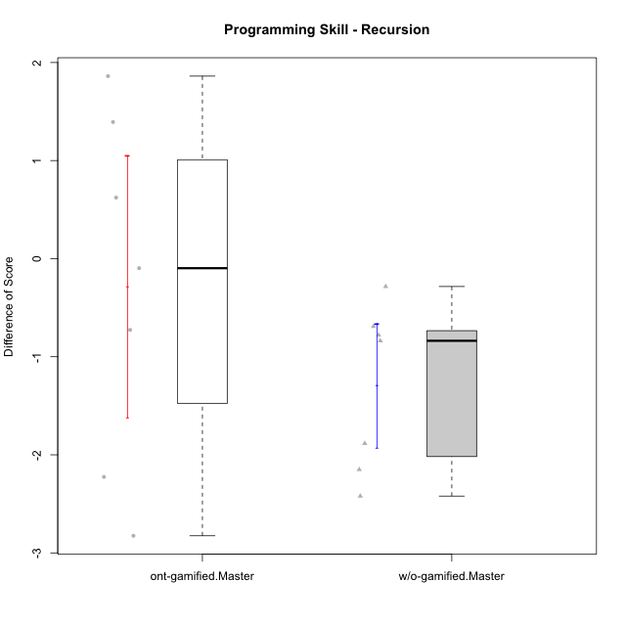

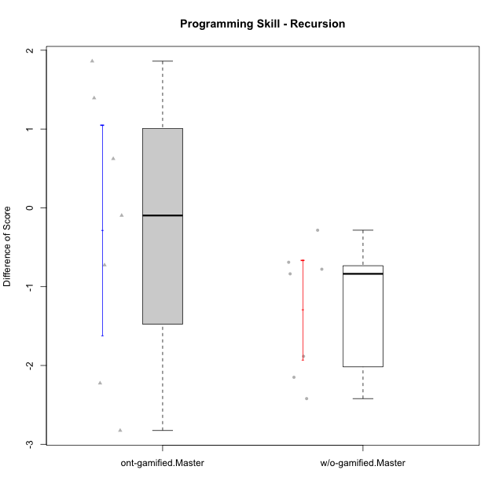

Student's t-Test data
UserID | NroUSP | Type | CLGroup | CLRole | PlayerRole | Re2 | Un2 | Ap3 | Ap1 | An3a | An3b | Ev2 | ReB | UnB | ApC | ApA | AnC1 | AnC2 | EvB | PreScore | PostScore | DiffScore
10174 | 10276852 | w/o-gamified | Grupo7 | Master |  | 0.67857142857 | 0.33333333333 | 0.45454545455 | 1 | 0.42857142857 | 1 | 0.44444444444 | 0.67857142857 | 0.65384615385 | 0 | 0 | 0 | 0.85714285714 | 0 | 4.3394660895 | 2.1895604396 | -2.1499056499
10175 | 10310700 | ont-gamified | Warriors | Master | Social Achiever | 0.51785714286 | 0.66666666667 | 0 | 0.45454545455 | 0.5 | 1 | 1 | 1 | 1 | 1 | 1 | 1 | 0 | 1 | 4.1390692641 | 6 | 1.8609307359
10176 | 10276949 | ont-gamified | Outlaws | Master | Social Achiever | 0.51785714286 | 0.64285714286 | 1 | 0.81818181818 | 1 | 1 | 0 | 0.21428571429 | 0.66666666667 | 0.44444444444 | 0.42857142857 | 1 | 0 | 0 | 4.9788961039 | 2.753968254 | -2.2249278499
10179 | 10310759 | w/o-gamified | Grupo10 | Master |  | 0.85714285714 | 0.64285714286 | 1 | 1 | 0.42857142857 | 0.42857142857 | 0.44444444444 | 0.85714285714 | 0.66666666667 | 0 | 0.42857142857 | 0 | 0.42857142857 | 0 | 4.8015873016 | 2.380952381 | -2.4206349206
10188 | 10276995 | ont-gamified | Vandals | Master | Yee Achiever | 0.53571428571 | 0.33333333333 | 0 | 1 | 1 | 1 | 0 | 1 | 0.83333333333 | 1 | 1 | 0 | 0.42857142857 | 1 | 3.869047619 | 5.2619047619 | 1.3928571429
10191 | 10276981 | w/o-gamified | Grupo1 | Master |  | 0.51785714286 | 0.97619047619 | 1 | 1 | 0 | 0.92857142857 | 0 | 0.67857142857 | 0.98717948718 | 0 | 0 | 0 | 0.42857142857 | 0.44444444444 | 4.4226190476 | 2.5387667888 | -1.8838522589
10215 | 9285227 | ont-gamified | Vikings | Master | Social Achiever | 0.51785714286 | 0.66666666667 | 1 | 0.45454545455 | 0.5 | 0 | 0.44444444444 | 0.35714285714 | 1 | 0 | 1 | 0.5 | 0 | 0 | 3.5835137085 | 2.8571428571 | -0.72637085137
10216 | 10276720 | ont-gamified | Silly Knights | Master | Social Achiever | 0.51785714286 | 0.66666666667 | 0.45454545455 | 1 | 0.5 | 0.5 | 0 | 1 | 0.83333333333 | 0 | 0.42857142857 | 1 | 1 | 0 | 3.6390692641 | 4.2619047619 | 0.62283549784
10219 | 10276831 | w/o-gamified | Grupo3 | Master |  | 0.375 | 0.64285714286 | 0.45454545455 | 1 | 1 | 0 | 0 | 0.69642857143 | 0.64102564103 | 0.44444444444 | 1 | 0 | 0 | 0 | 3.4724025974 | 2.7818986569 | -0.6905039405
10223 | 9795185 | ont-gamified | Slayers | Master | Social Achiever | 0.51785714286 | 0.33333333333 | 0 | 1 | 1 | 1 | 0 | 0.35714285714 | 0.66666666667 | 0 | 0.42857142857 | 1 | 0.85714285714 | 0.44444444444 | 3.8511904762 | 3.753968254 | -0.097222222222
10227 | 9274382 | w/o-gamified | Grupo5 | Master |  | 0.67857142857 | 0.33333333333 | 0.5 | 1 | 0.42857142857 | 1 | 0 | 0 | 0.83333333333 | 0 | 0.57142857143 | 0.57142857143 | 0.57142857143 | 0.55555555556 | 3.9404761905 | 3.1031746032 | -0.8373015873
10230 | 10351992 | ont-gamified | Resistance | Master | Social Achiever | 0.51785714286 | 0.57142857143 | 1 | 1 | 0.85714285714 | 0 | 0.44444444444 | 0.035714285714 | 0.64102564103 | 0.44444444444 | 0 | 0 | 0 | 0.44444444444 | 4.3908730159 | 1.5656288156 | -2.8252442002
10231 | 10276911 | w/o-gamified | Grupo9 | Master |  | 0.51785714286 | 1 | 0 | 1 | 1 | 1 | 0.44444444444 | 0.67857142857 | 1 | 0 | 1 | 1 | 0 | 1 | 4.9623015873 | 4.6785714286 | -0.28373015873
10238 | 10276953 | w/o-gamified | Grupo2 | Master |  | 1 | 0.2619047619 | 1 | 0 | 1 | 0 | 0.44444444444 | 0.67857142857 | 0.82051282051 | 0 | 0 | 1 | 0.42857142857 | 0 | 3.7063492063 | 2.9276556777 | -0.77869352869

Type_CLRole_6
Student's t-Test for Programming Skill - Recursion in Type:CLRole between w/o-gamified.Apprentice:w/o-gamified.Master

Student's t-Test results
Alternative hypothesis: less
Group | N | Mean | Mean.Difference | Std.deviation | Std.error | CI.lower | CI.upper | df | t.value | p.value | g | magnitude
w/o-gamified.Apprentice | 19 | -0.38896045475 | 0.90312840877 | 1.1847120521 | 0.27179158486 | -0.93254362446 | 0.15462271496 | 15.32974651 | 2.1645936592 | 0.9767066179 | 0.78924301224 | medium
w/o-gamified.Master | 7 | -1.2920888635 | -0.90312840877 | 0.83753086427 | 0.31655691174 | -1.925202687 | -0.65897504003 | 15.32974651 | 2.1645936592 | 0.9767066179 | 0.78924301224 | medium
Alternative hypothesis: greater
Group | N | Mean | Mean.Difference | Std.deviation | Std.error | CI.lower | CI.upper | df | t.value | p.value | g | magnitude
w/o-gamified.Apprentice | 19 | -0.38896045475 | 0.90312840877 | 1.1847120521 | 0.27179158486 | -0.93254362446 | 0.15462271496 | 15.32974651 | 2.1645936592 | 0.023293382105 | 0.78924301224 | medium
w/o-gamified.Master | 7 | -1.2920888635 | -0.90312840877 | 0.83753086427 | 0.31655691174 | -1.925202687 | -0.65897504003 | 15.32974651 | 2.1645936592 | 0.023293382105 | 0.78924301224 | medium
Alternative hypothesis: two.sided
Group | N | Mean | Mean.Difference | Std.deviation | Std.error | CI.lower | CI.upper | df | t.value | p.value | g | magnitude
w/o-gamified.Apprentice | 19 | -0.38896045475 | 0.90312840877 | 1.1847120521 | 0.27179158486 | -0.93254362446 | 0.15462271496 | 15.32974651 | 2.1645936592 | 0.046586764209 | 0.78924301224 | medium
w/o-gamified.Master | 7 | -1.2920888635 | -0.90312840877 | 0.83753086427 | 0.31655691174 | -1.925202687 | -0.65897504003 | 15.32974651 | 2.1645936592 | 0.046586764209 | 0.78924301224 | medium

Box plots for Student's t-Test
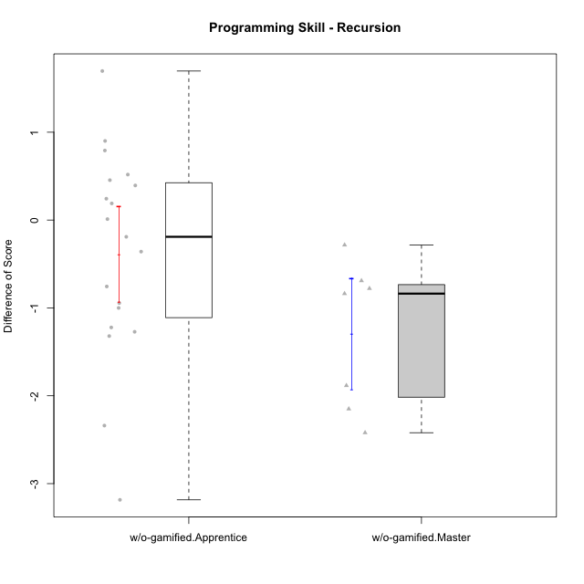

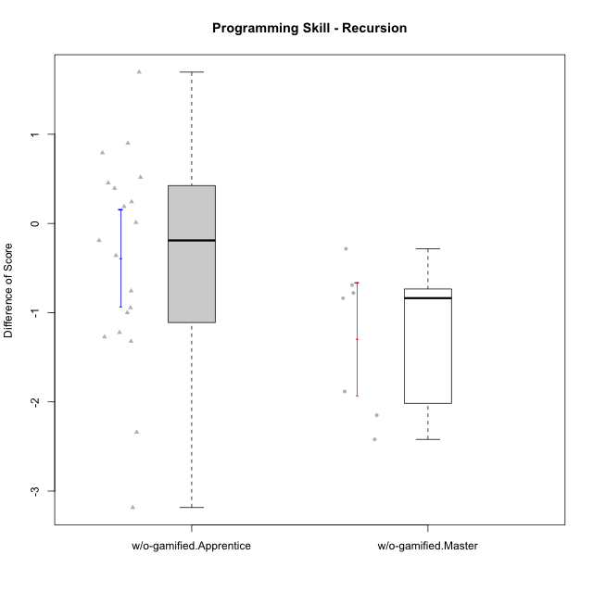

Student's t-Test data
UserID | NroUSP | Type | CLGroup | CLRole | PlayerRole | Re2 | Un2 | Ap3 | Ap1 | An3a | An3b | Ev2 | ReB | UnB | ApC | ApA | AnC1 | AnC2 | EvB | PreScore | PostScore | DiffScore
10170 | 10260351 | w/o-gamified | Grupo11 | Apprentice |  | 0.375 | 0.28571428571 | 0.45454545455 | 1 | 0 | 0.5 | 1 | 0.69642857143 | 0.65384615385 | 0.44444444444 | 0 | 0.5 | 0 | 0 | 3.6152597403 | 2.2947191697 | -1.3205405705
10172 | 10273971 | w/o-gamified | Grupo5 | Apprentice |  | 0.67857142857 | 0.97619047619 | 0 | 0 | 0.5 | 0 | 0 | 0.035714285714 | 1 | 0.5 | 0 | 0.42857142857 | 0 | 0 | 2.1547619048 | 1.9642857143 | -0.19047619048
10174 | 10276852 | w/o-gamified | Grupo7 | Master |  | 0.67857142857 | 0.33333333333 | 0.45454545455 | 1 | 0.42857142857 | 1 | 0.44444444444 | 0.67857142857 | 0.65384615385 | 0 | 0 | 0 | 0.85714285714 | 0 | 4.3394660895 | 2.1895604396 | -2.1499056499
10179 | 10310759 | w/o-gamified | Grupo10 | Master |  | 0.85714285714 | 0.64285714286 | 1 | 1 | 0.42857142857 | 0.42857142857 | 0.44444444444 | 0.85714285714 | 0.66666666667 | 0 | 0.42857142857 | 0 | 0.42857142857 | 0 | 4.8015873016 | 2.380952381 | -2.4206349206
10181 | 10276866 | w/o-gamified | Grupo2 | Apprentice |  | 0.51785714286 | 0.61904761905 | 0 | 0 | 0.5 | 0 | 0 | 1 | 0.83333333333 | 0 | 1 | 0.5 | 0 | 0 | 1.6369047619 | 3.3333333333 | 1.6964285714
10183 | 10352030 | w/o-gamified | Grupo3 | Apprentice |  | 0.51785714286 | 0.61904761905 | 1 | 0 | 0 | 0 | 0 | 0.67857142857 | 0.83333333333 | 0 | 0.28571428571 | 0.42857142857 | 0.42857142857 | 0 | 2.1369047619 | 2.6547619048 | 0.51785714286
10184 | 10276675 | w/o-gamified | Grupo10 | Apprentice |  | 0.51785714286 | 0.66666666667 | 0.5 | 1 | 0.5 | 0 | 1 | 1 | 0 | 0 | 0 | 0 | 0 | 0 | 4.1845238095 | 1 | -3.1845238095
10185 | 10276960 | w/o-gamified | Grupo9 | Apprentice |  | 0.83928571429 | 1 | 1 | 0 | 0.5 | 0 | 0 | 1 | 0 | 0 | 0 | 0 | 0 | 0 | 3.3392857143 | 1 | -2.3392857143
10190 | 10276907 | w/o-gamified | Grupo4 | Apprentice |  | 0.51785714286 | 0.28571428571 | 0 | 0.45454545455 | 0.5 | 0.42857142857 | 0.44444444444 | 0.035714285714 | 0.66666666667 | 0 | 0.42857142857 | 0 | 0.5 | 0 | 2.6311327561 | 1.630952381 | -1.0001803752
10191 | 10276981 | w/o-gamified | Grupo1 | Master |  | 0.51785714286 | 0.97619047619 | 1 | 1 | 0 | 0.92857142857 | 0 | 0.67857142857 | 0.98717948718 | 0 | 0 | 0 | 0.42857142857 | 0.44444444444 | 4.4226190476 | 2.5387667888 | -1.8838522589
10197 | 10276661 | w/o-gamified | Grupo8 | Apprentice |  | 0.51785714286 | 0.66666666667 | 0 | 1 | 0.92857142857 | 0 | 0.44444444444 | 0.35714285714 | 1 | 1 | 0 | 0 | 0 | 0.44444444444 | 3.5575396825 | 2.8015873016 | -0.75595238095
10201 | 10276928 | w/o-gamified | Grupo11 | Apprentice |  | 0.51785714286 | 0.64285714286 | 0 | 1 | 1 | 1 | 0 | 0.66071428571 | 0.83333333333 | 0.44444444444 | 0 | 1 | 0 | 0 | 4.1607142857 | 2.9384920635 | -1.2222222222
10204 | 10310471 | w/o-gamified | Grupo6 | Apprentice |  | 0.51785714286 | 0.30952380952 | 0.45454545455 | 0 | 0.5 | 0.42857142857 | 0 | 1 | 0.66666666667 | 0.44444444444 | 0 | 0 | 1 | 0 | 2.2104978355 | 3.1111111111 | 0.90061327561
10206 | 10310721 | w/o-gamified | Grupo8 | Apprentice |  | 0.69642857143 | 0.64285714286 | 0.45454545455 | 0 | 0.92857142857 | 0 | 1 | 0.67857142857 | 0.98717948718 | 0.38888888889 | 0.42857142857 | 1 | 0.42857142857 | 0 | 3.7224025974 | 3.9117826618 | 0.18938006438
10210 | 10277015 | w/o-gamified | Grupo6 | Apprentice |  | 0.53571428571 | 0.95238095238 | 0.5 | 0 | 0.42857142857 | 0.85714285714 | 0 | 0.83928571429 | 0.82051282051 | 1 | 0 | 0.42857142857 | 0.42857142857 | 0 | 3.2738095238 | 3.5169413919 | 0.24313186813
10213 | 10277040 | w/o-gamified | Grupo7 | Apprentice |  | 0.375 | 0.28571428571 | 0 | 1 | 0 | 0.5 | 1 | 1 | 1 | 0 | 0 | 0 | 0.35714285714 | 0.44444444444 | 3.1607142857 | 2.8015873016 | -0.35912698413
10217 | 9805341 | w/o-gamified | Grupo9 | Apprentice |  | 0.51785714286 | 0.61904761905 | 0 | 1 | 1 | 0 | 1 | 1 | 0.83333333333 | 0.33333333333 | 1 | 1 | 0.42857142857 | 0.33333333333 | 4.1369047619 | 4.9285714286 | 0.79166666667
10218 | 9842913 | w/o-gamified | Grupo10 | Apprentice |  | 0.51785714286 | 0.30952380952 | 1 | 1 | 0 | 0 | 0.44444444444 | 1 | 1 | 0 | 0 | 0 | 0 | 0 | 3.2718253968 | 2 | -1.2718253968
10219 | 10276831 | w/o-gamified | Grupo3 | Master |  | 0.375 | 0.64285714286 | 0.45454545455 | 1 | 1 | 0 | 0 | 0.69642857143 | 0.64102564103 | 0.44444444444 | 1 | 0 | 0 | 0 | 3.4724025974 | 2.7818986569 | -0.6905039405
10220 | 9760151 | w/o-gamified | Grupo3 | Apprentice |  | 0.51785714286 | 0.30952380952 | 0 | 1 | 0 | 0 | 0.44444444444 | 0.67857142857 | 0.48717948718 | 0 | 0 | 0 | 1 | 0.5 | 2.2718253968 | 2.6657509158 | 0.39392551893
10226 | 10310342 | w/o-gamified | Grupo4 | Apprentice |  | 0.51785714286 | 0.28571428571 | 0.45454545455 | 0 | 0.42857142857 | 0 | 0.5 | 1 | 0.64102564103 | 0 | 0 | 0.5 | 0.5 | 0 | 2.1866883117 | 2.641025641 | 0.45433732934
10227 | 9274382 | w/o-gamified | Grupo5 | Master |  | 0.67857142857 | 0.33333333333 | 0.5 | 1 | 0.42857142857 | 1 | 0 | 0 | 0.83333333333 | 0 | 0.57142857143 | 0.57142857143 | 0.57142857143 | 0.55555555556 | 3.9404761905 | 3.1031746032 | -0.8373015873
10231 | 10276911 | w/o-gamified | Grupo9 | Master |  | 0.51785714286 | 1 | 0 | 1 | 1 | 1 | 0.44444444444 | 0.67857142857 | 1 | 0 | 1 | 1 | 0 | 1 | 4.9623015873 | 4.6785714286 | -0.28373015873
10232 | 10276974 | w/o-gamified | Grupo7 | Apprentice |  | 0.51785714286 | 0.64285714286 | 1 | 1 | 0 | 0.42857142857 | 0.38888888889 | 0.51785714286 | 1 | 0.44444444444 | 0.42857142857 | 0.35714285714 | 0.28571428571 | 0 | 3.9781746032 | 3.0337301587 | -0.94444444444
10238 | 10276953 | w/o-gamified | Grupo2 | Master |  | 1 | 0.2619047619 | 1 | 0 | 1 | 0 | 0.44444444444 | 0.67857142857 | 0.82051282051 | 0 | 0 | 1 | 0.42857142857 | 0 | 3.7063492063 | 2.9276556777 | -0.77869352869
10240 | 10276654 | w/o-gamified | Grupo5 | Apprentice |  | 0.51785714286 | 0.64285714286 | 0 | 1 | 0 | 0.42857142857 | 0 | 0.51785714286 | 0.65384615385 | 0 | 0.42857142857 | 1 | 0 | 0 | 2.5892857143 | 2.6002747253 | 0.010989010989

