global-Estimate-Items
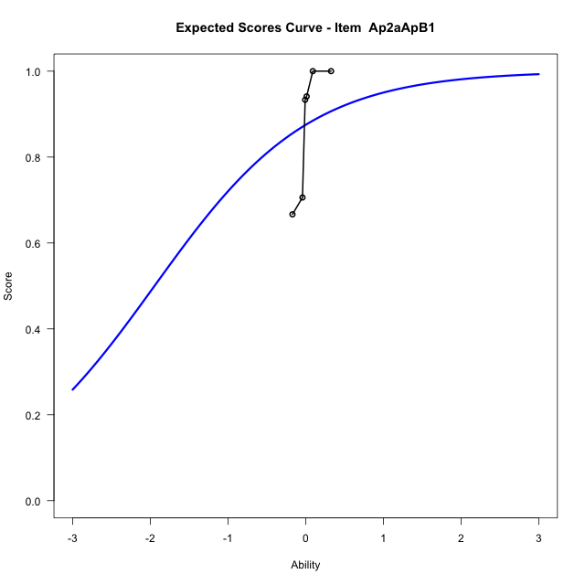
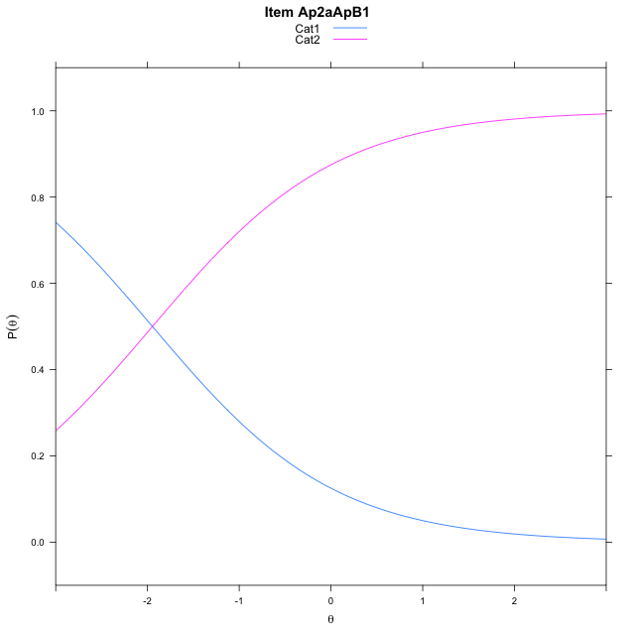
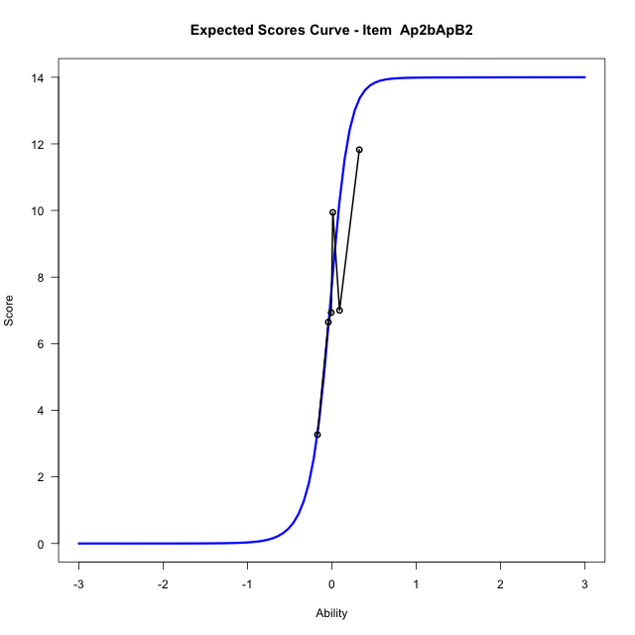
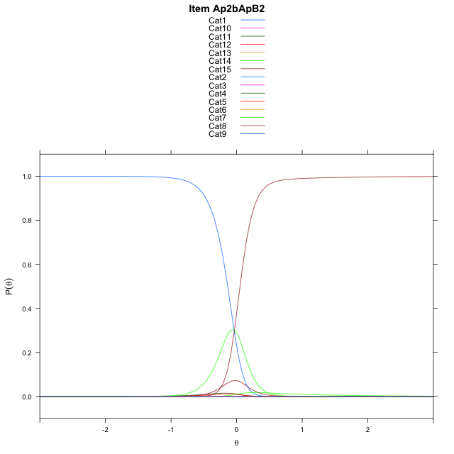
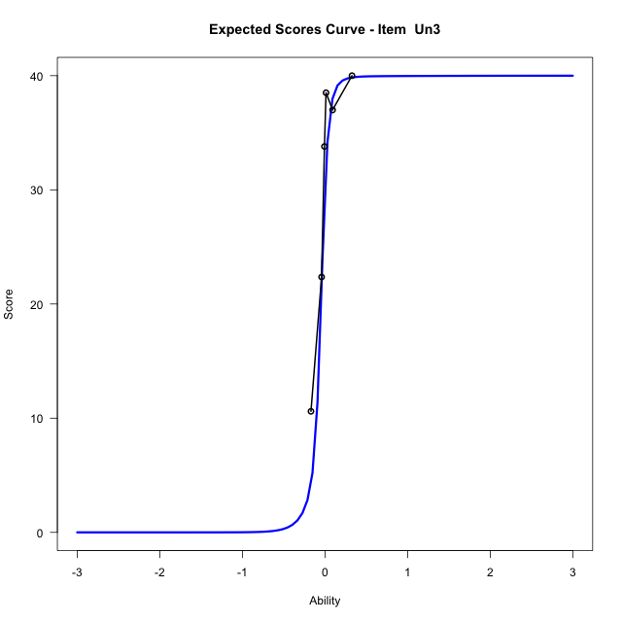
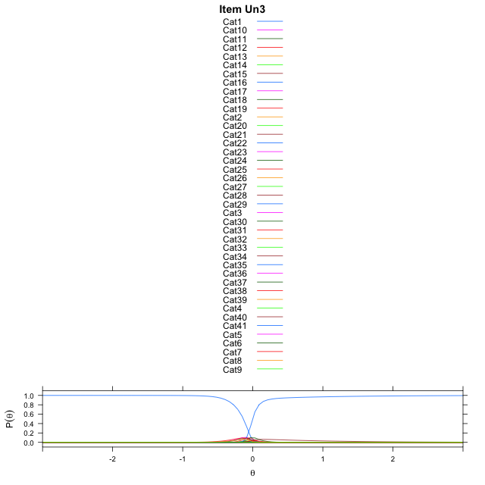
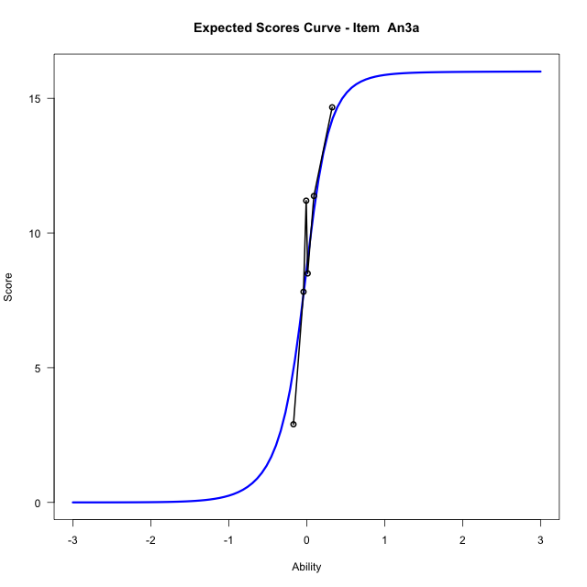
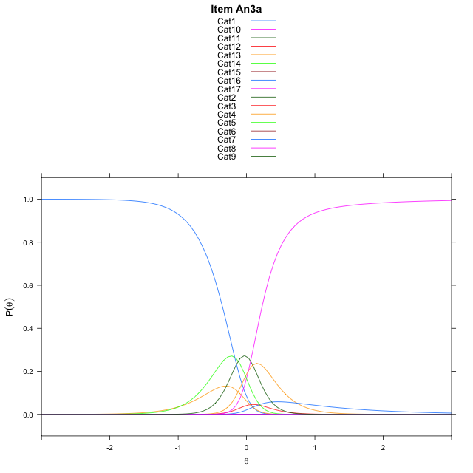
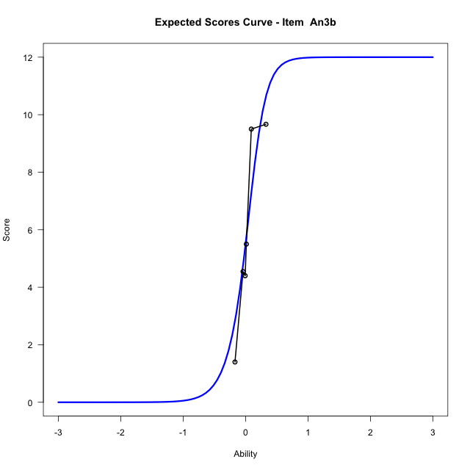
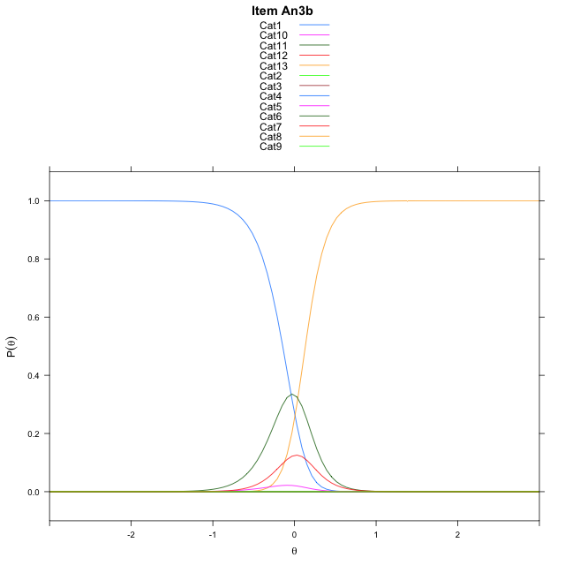
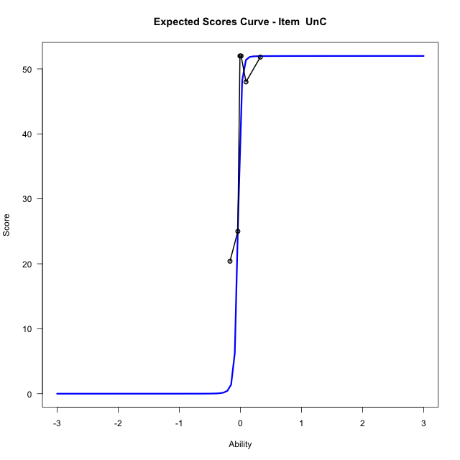
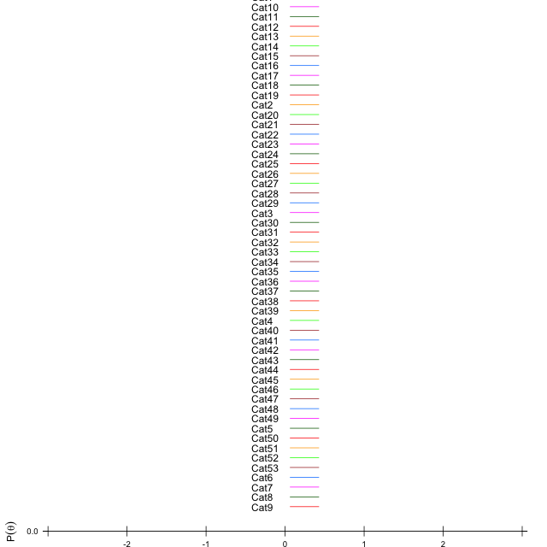
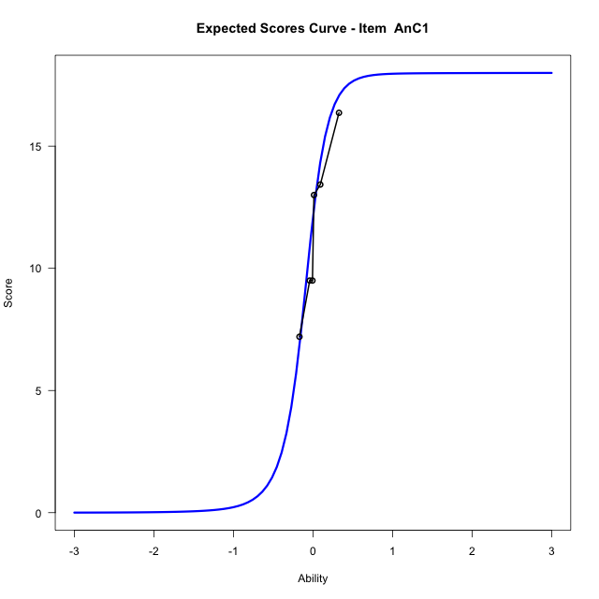
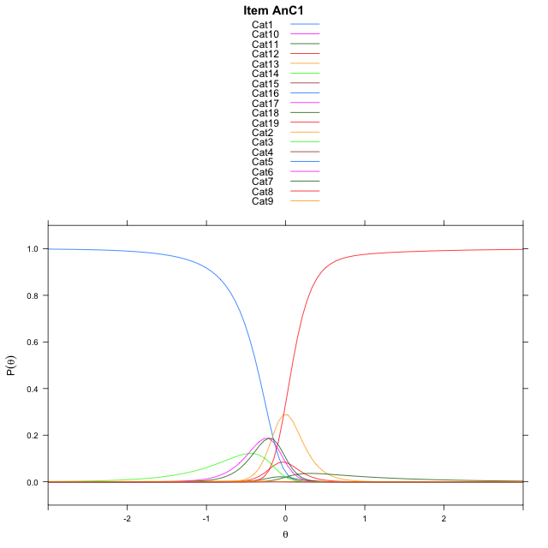
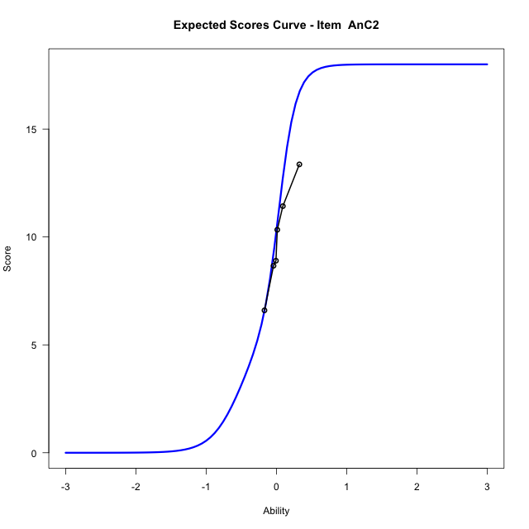
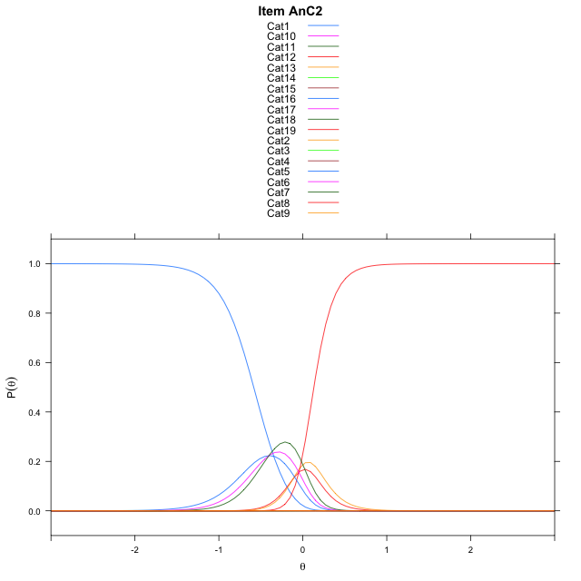
Estimate items information for the measurement model

Full Item Information
item | N | M | xsi.item | AXsi_.Cat1 | AXsi_.Cat2 | AXsi_.Cat3 | AXsi_.Cat4 | AXsi_.Cat5 | AXsi_.Cat6 | AXsi_.Cat7 | AXsi_.Cat8 | AXsi_.Cat9 | AXsi_.Cat10 | AXsi_.Cat11 | AXsi_.Cat12 | AXsi_.Cat13 | AXsi_.Cat14 | AXsi_.Cat15 | AXsi_.Cat16 | AXsi_.Cat17 | AXsi_.Cat18 | AXsi_.Cat19 | AXsi_.Cat20 | AXsi_.Cat21 | AXsi_.Cat22 | AXsi_.Cat23 | AXsi_.Cat24 | AXsi_.Cat25 | AXsi_.Cat26 | AXsi_.Cat27 | AXsi_.Cat28 | AXsi_.Cat29 | AXsi_.Cat30 | AXsi_.Cat31 | AXsi_.Cat32 | AXsi_.Cat33 | AXsi_.Cat34 | AXsi_.Cat35 | AXsi_.Cat36 | AXsi_.Cat37 | AXsi_.Cat38 | AXsi_.Cat39 | AXsi_.Cat40 | AXsi_.Cat41 | AXsi_.Cat42 | AXsi_.Cat43 | AXsi_.Cat44 | AXsi_.Cat45 | AXsi_.Cat46 | AXsi_.Cat47 | AXsi_.Cat48 | AXsi_.Cat49 | AXsi_.Cat50 | AXsi_.Cat51 | AXsi_.Cat52 | B.Cat1.Dim1 | B.Cat2.Dim1 | B.Cat3.Dim1 | B.Cat4.Dim1 | B.Cat5.Dim1 | B.Cat6.Dim1 | B.Cat7.Dim1 | B.Cat8.Dim1 | B.Cat9.Dim1 | B.Cat10.Dim1 | B.Cat11.Dim1 | B.Cat12.Dim1 | B.Cat13.Dim1 | B.Cat14.Dim1 | B.Cat15.Dim1 | B.Cat16.Dim1 | B.Cat17.Dim1 | B.Cat18.Dim1 | B.Cat19.Dim1 | B.Cat20.Dim1 | B.Cat21.Dim1 | B.Cat22.Dim1 | B.Cat23.Dim1 | B.Cat24.Dim1 | B.Cat25.Dim1 | B.Cat26.Dim1 | B.Cat27.Dim1 | B.Cat28.Dim1 | B.Cat29.Dim1 | B.Cat30.Dim1 | B.Cat31.Dim1 | B.Cat32.Dim1 | B.Cat33.Dim1 | B.Cat34.Dim1 | B.Cat35.Dim1 | B.Cat36.Dim1 | B.Cat37.Dim1 | B.Cat38.Dim1 | B.Cat39.Dim1 | B.Cat40.Dim1 | B.Cat41.Dim1 | B.Cat42.Dim1 | B.Cat43.Dim1 | B.Cat44.Dim1 | B.Cat45.Dim1 | B.Cat46.Dim1 | B.Cat47.Dim1 | B.Cat48.Dim1 | B.Cat49.Dim1 | B.Cat50.Dim1 | B.Cat51.Dim1 | B.Cat52.Dim1
Ap2aApB1 | 96 | 0.875 | -1.9459101491 | -1.9459101491 |  |  |  |  |  |  |  |  |  |  |  |  |  |  |  |  |  |  |  |  |  |  |  |  |  |  |  |  |  |  |  |  |  |  |  |  |  |  |  |  |  |  |  |  |  |  |  |  |  |  |  | 1 | 0 | 0 | 0 | 0 | 0 | 0 | 0 | 0 | 0 | 0 | 0 | 0 | 0 | 0 | 0 | 0 | 0 | 0 | 0 | 0 | 0 | 0 | 0 | 0 | 0 | 0 | 0 | 0 | 0 | 0 | 0 | 0 | 0 | 0 | 0 | 0 | 0 | 0 | 0 | 0 | 0 | 0 | 0 | 0 | 0 | 0 | 0 | 0 | 0 | 0 | 0
Ap2bApB2 | 96 | 7.71875 | -0.034831873949 | 6.2848902132 | 6.4849119611 | 3.1314410254 | 3.1316721522 | 5.6979001226 | -0.2388168879 | 1.1528945799 | 6.5963459255 | 8.0059355982 | 8.2081265458 | 7.9687710693 | 6.7413076763 | 3.1401135407 | -0.48764623528 |  |  |  |  |  |  |  |  |  |  |  |  |  |  |  |  |  |  |  |  |  |  |  |  |  |  |  |  |  |  |  |  |  |  |  |  |  |  | 1 | 2 | 3 | 4 | 5 | 6 | 7 | 8 | 9 | 10 | 11 | 12 | 13 | 14 | 0 | 0 | 0 | 0 | 0 | 0 | 0 | 0 | 0 | 0 | 0 | 0 | 0 | 0 | 0 | 0 | 0 | 0 | 0 | 0 | 0 | 0 | 0 | 0 | 0 | 0 | 0 | 0 | 0 | 0 | 0 | 0 | 0 | 0 | 0 | 0 | 0 | 0
Un3 | 48 | 28.4375 | -0.063912340647 | 5.8347349637 | 7.7176163792 | 7.9870596197 | 7.3170505872 | 5.8327880919 | 0.4081418121 | 0.65062150288 | 4.5005010619 | -0.14809763707 | -0.15563195759 | 4.5300603714 | 5.9335488025 | 6.6889710076 | 6.180159282 | 5.8485803095 | 4.3660450992 | 0.23303058646 | -1.4180649339 | -0.25794037357 | 3.8074927428 | 5.5387111072 | 6.3671867358 | 6.6725160937 | 6.743758866 | 6.4125744094 | 5.5812285378 | 4.0646830334 | 0.52949609192 | -1.0460826861 | -0.031500637704 | 4.2605585759 | 5.5536983734 | 6.292876447 | 6.5354347685 | 6.5928788823 | 6.0957611617 | 5.4847151663 | 3.7658490446 | -0.084239861491 | -2.5564936259 |  |  |  |  |  |  |  |  |  |  |  |  | 1 | 2 | 3 | 4 | 5 | 6 | 7 | 8 | 9 | 10 | 11 | 12 | 13 | 14 | 15 | 16 | 17 | 18 | 19 | 20 | 21 | 22 | 23 | 24 | 25 | 26 | 27 | 28 | 29 | 30 | 31 | 32 | 33 | 34 | 35 | 36 | 37 | 38 | 39 | 40 | 0 | 0 | 0 | 0 | 0 | 0 | 0 | 0 | 0 | 0 | 0 | 0
An3a | 48 | 8.7083333333 | -0.04341541722 | 6.8033700948 | 6.8234146185 | 0.28734530769 | -0.69426434192 | 6.1640010572 | 7.4289767114 | 6.1539666883 | -1.1788863404 | 5.7928616894 | 5.9744990842 | 0.69656563912 | -0.81168405393 | 6.1110580556 | 6.2569135067 | 1.3925001061 | -0.69464667552 |  |  |  |  |  |  |  |  |  |  |  |  |  |  |  |  |  |  |  |  |  |  |  |  |  |  |  |  |  |  |  |  |  |  |  |  | 1 | 2 | 3 | 4 | 5 | 6 | 7 | 8 | 9 | 10 | 11 | 12 | 13 | 14 | 15 | 16 | 0 | 0 | 0 | 0 | 0 | 0 | 0 | 0 | 0 | 0 | 0 | 0 | 0 | 0 | 0 | 0 | 0 | 0 | 0 | 0 | 0 | 0 | 0 | 0 | 0 | 0 | 0 | 0 | 0 | 0 | 0 | 0 | 0 | 0 | 0 | 0
An3b | 48 | 5.5 | 0.006559183355 | 7.2441945855 | 8.4291002511 | 7.5109771697 | 2.5728127307 | -0.20906768929 | 0.77306525357 | 7.5596495702 | 9.2191463647 | 9.7291378559 | 9.2773305958 | 7.4840523109 | 0.07871020026 |  |  |  |  |  |  |  |  |  |  |  |  |  |  |  |  |  |  |  |  |  |  |  |  |  |  |  |  |  |  |  |  |  |  |  |  |  |  |  |  | 1 | 2 | 3 | 4 | 5 | 6 | 7 | 8 | 9 | 10 | 11 | 12 | 0 | 0 | 0 | 0 | 0 | 0 | 0 | 0 | 0 | 0 | 0 | 0 | 0 | 0 | 0 | 0 | 0 | 0 | 0 | 0 | 0 | 0 | 0 | 0 | 0 | 0 | 0 | 0 | 0 | 0 | 0 | 0 | 0 | 0 | 0 | 0 | 0 | 0 | 0 | 0
UnC | 48 | 44.708333333 | -0.050321290788 | 4.8762327968 | 6.7559679894 | 7.8139130394 | 8.4546580951 | 8.7486880591 | 8.8283666936 | 8.8350373951 | 8.6493565498 | 8.07721037 | 6.6740262585 | 4.672542623 | 1.203405388 | 4.2367481393 | 5.8187532274 | 6.8181158053 | 7.5512551709 | 7.7783023414 | 8.3898339974 | 8.274383234 | 7.8326663813 | 6.8474682132 | 5.878363917 | 3.6495378071 | -0.27345906184 | 3.0024421954 | 1.239826081 | 4.0121873066 | 5.7272979995 | 6.4997256951 | 6.8080811078 | 7.0981394671 | 7.1718565296 | 7.0648922197 | 6.6817199073 | 6.200602141 | 5.4393143068 | 4.092059506 | 1.2221135146 | 4.1931551945 | 5.5509881462 | 6.3041349503 | 6.7220891095 | 6.8474660299 | 6.9905515937 | 6.9684009254 | 6.6509181002 | 6.2495205252 | 5.4621272377 | 4.1950391633 | 1.4377035513 | 2.7211519931 | -2.616707121 | 1 | 2 | 3 | 4 | 5 | 6 | 7 | 8 | 9 | 10 | 11 | 12 | 13 | 14 | 15 | 16 | 17 | 18 | 19 | 20 | 21 | 22 | 23 | 24 | 25 | 26 | 27 | 28 | 29 | 30 | 31 | 32 | 33 | 34 | 35 | 36 | 37 | 38 | 39 | 40 | 41 | 42 | 43 | 44 | 45 | 46 | 47 | 48 | 49 | 50 | 51 | 52
AnC1 | 48 | 12.0625 | -0.11494781234 | 4.7184564367 | 0.71272120333 | 5.0425037344 | 5.0570535463 | -0.68980782044 | -0.90793971422 | 4.1182240553 | 5.2324661967 | 4.4014144883 | 0.73071978112 | -0.68794546212 | -1.9372806615 | 4.0456417173 | 5.4782650739 | 5.3290643419 | 4.3510510101 | 0.73932757387 | -2.0690606221 |  |  |  |  |  |  |  |  |  |  |  |  |  |  |  |  |  |  |  |  |  |  |  |  |  |  |  |  |  |  |  |  |  |  | 1 | 2 | 3 | 4 | 5 | 6 | 7 | 8 | 9 | 10 | 11 | 12 | 13 | 14 | 15 | 16 | 17 | 18 | 0 | 0 | 0 | 0 | 0 | 0 | 0 | 0 | 0 | 0 | 0 | 0 | 0 | 0 | 0 | 0 | 0 | 0 | 0 | 0 | 0 | 0 | 0 | 0 | 0 | 0 | 0 | 0 | 0 | 0 | 0 | 0 | 0 | 0
AnC2 | 48 | 10.291666667 | -0.13355918804 | 6.2582178523 | 7.4414027035 | 6.2254545313 | -1.3892924171 | -1.7956748507 | -2.1988708299 | 4.0038451882 | 5.647919593 | 5.6057556985 | 3.9305592102 | -2.0825702074 | -2.2009217648 | 4.2610330335 | 5.8293267503 | 6.5106960105 | 6.0523124197 | 4.2353201223 | -2.4040653848 |  |  |  |  |  |  |  |  |  |  |  |  |  |  |  |  |  |  |  |  |  |  |  |  |  |  |  |  |  |  |  |  |  |  | 1 | 2 | 3 | 4 | 5 | 6 | 7 | 8 | 9 | 10 | 11 | 12 | 13 | 14 | 15 | 16 | 17 | 18 | 0 | 0 | 0 | 0 | 0 | 0 | 0 | 0 | 0 | 0 | 0 | 0 | 0 | 0 | 0 | 0 | 0 | 0 | 0 | 0 | 0 | 0 | 0 | 0 | 0 | 0 | 0 | 0 | 0 | 0 | 0 | 0 | 0 | 0

Thurstonian Thresholds (category-wise)
 | Cat1 | Cat2 | Cat3 | Cat4 | Cat5 | Cat6 | Cat7 | Cat8 | Cat9 | Cat10 | Cat11 | Cat12 | Cat13 | Cat14 | Cat15 | Cat16 | Cat17 | Cat18 | Cat19 | Cat20 | Cat21 | Cat22 | Cat23 | Cat24 | Cat25 | Cat26 | Cat27 | Cat28 | Cat29 | Cat30 | Cat31 | Cat32 | Cat33 | Cat34 | Cat35 | Cat36 | Cat37 | Cat38 | Cat39 | Cat40 | Cat41 | Cat42 | Cat43 | Cat44 | Cat45 | Cat46 | Cat47 | Cat48 | Cat49 | Cat50 | Cat51 | Cat52
Ap2aApB1 | -1.9459533691
Ap2bApB2 | -0.13613891602 | -0.13577270508 | -0.13540649414 | -0.12826538086 | -0.12203979492 | -0.12167358398 | 0.017120361328 | 0.046234130859 | 0.046234130859 | 0.046234130859 | 0.046417236328 | 0.046417236328 | 0.046417236328 | 0.051727294922
Un3 | -0.13394165039 | -0.13357543945 | -0.13357543945 | -0.13357543945 | -0.13357543945 | -0.13339233398 | -0.10757446289 | -0.093475341797 | -0.093109130859 | -0.072601318359 | -0.058685302734 | -0.058502197266 | -0.058502197266 | -0.058502197266 | -0.058502197266 | -0.058502197266 | -0.058319091797 | -0.055023193359 | -0.040008544922 | -0.035430908203 | -0.035247802734 | -0.035247802734 | -0.035247802734 | -0.035247802734 | -0.035247802734 | -0.035247802734 | -0.035247802734 | -0.035064697266 | -0.032318115234 | -0.016754150391 | -0.010528564453 | -0.010345458984 | -0.010345458984 | -0.010345458984 | -0.010345458984 | -0.010345458984 | -0.010345458984 | -0.010345458984 | -0.010162353516 | -0.0026550292969
An3a | -0.35147094727 | -0.35110473633 | -0.35092163086 | -0.25094604492 | -0.094390869141 | -0.094207763672 | -0.094207763672 | -0.094024658203 | 0.040008544922 | 0.040191650391 | 0.040191650391 | 0.062347412109 | 0.19436645508 | 0.19454956055 | 0.19473266602 | 0.22640991211
An3b | -0.14419555664 | -0.14401245117 | -0.14401245117 | -0.1438293457 | -0.13027954102 | 0.070404052734 | 0.13284301758 | 0.13302612305 | 0.13302612305 | 0.13302612305 | 0.13302612305 | 0.13320922852
UnC | -0.053375244141 | -0.052825927734 | -0.052825927734 | -0.052825927734 | -0.052825927734 | -0.052825927734 | -0.052825927734 | -0.052825927734 | -0.052825927734 | -0.052825927734 | -0.052825927734 | -0.052459716797 | -0.045501708984 | -0.045135498047 | -0.045135498047 | -0.045135498047 | -0.045135498047 | -0.045135498047 | -0.045135498047 | -0.045135498047 | -0.045135498047 | -0.044952392578 | -0.044952392578 | -0.044769287109 | -0.030853271484 | -0.030303955078 | -0.027740478516 | -0.027557373047 | -0.027557373047 | -0.027557373047 | -0.027374267578 | -0.027374267578 | -0.027374267578 | -0.027374267578 | -0.027374267578 | -0.027374267578 | -0.027374267578 | -0.027374267578 | -0.025543212891 | -0.025543212891 | -0.025543212891 | -0.025543212891 | -0.025543212891 | -0.025543212891 | -0.025360107422 | -0.025360107422 | -0.025360107422 | -0.025360107422 | -0.025360107422 | -0.025360107422 | -0.024444580078 | -0.024261474609
AnC1 | -0.36611938477 | -0.36392211914 | -0.29177856445 | -0.29122924805 | -0.29086303711 | -0.19125366211 | -0.11050415039 | -0.11013793945 | -0.10995483398 | -0.10977172852 | -0.10116577148 | -0.066741943359 | 0.068389892578 | 0.068756103516 | 0.068939208984 | 0.068939208984 | 0.069305419922 | 0.083038330078
AnC2 | -0.58474731445 | -0.58438110352 | -0.58438110352 | -0.58419799805 | -0.39981079102 | -0.18814086914 | -0.037628173828 | -0.037445068359 | -0.037445068359 | -0.037445068359 | -0.037261962891 | 0.039459228516 | 0.13101196289 | 0.13119506836 | 0.13119506836 | 0.13119506836 | 0.13137817383 | 0.1315612793

Thurstonian Thresholds (item-wise)
 | Threshold
Ap2aApB1 | -1.9475960171
Ap2bApB2 | -0.058895744735
Un3 | -0.17680456883
An3a | -0.054953525176
An3b | 0.047803232262
UnC | -0.22956620052
AnC1 | -0.16688822816
AnC2 | -0.097735464731

Item Infit/Outfit Statistic
parameter | Outfit | Outfit_t | Outfit_p | Outfit_pholm | Infit | Infit_t | Infit_p | Infit_pholm
Ap2aApB1_Cat1 | 0.99999999909 | 0.077151671031 | 0.93850288792 | 1 | 1 | 0.077151674981 | 0.93850288478 | 1
Ap2bApB2_Cat1 | 1.0034855112 | 0.070416592332 | 0.94386208526 | 1 | 1.0034855117 | 0.070416596631 | 0.94386208184 | 1
Ap2bApB2_Cat2 | 1.0022632918 | 0.0611414599 | 0.95124655067 | 1 | 1.0022632923 | 0.0611414642 | 0.95124654725 | 1
Ap2bApB2_Cat3 | 1.0012622064 | 0.0535104624 | 0.9573251948 | 1 | 1.0012622069 | 0.053510466702 | 0.95732519138 | 1
Ap2bApB2_Cat4 | 1.0023568748 | 0.060521316583 | 0.95174043879 | 1 | 1.0023568753 | 0.060521320985 | 0.95174043528 | 1
Ap2bApB2_Cat5 | 1.0032650624 | 0.067035123672 | 0.94655374143 | 1 | 1.003265063 | 0.067035128188 | 0.94655373783 | 1
Ap2bApB2_Cat6 | 1.0013692071 | 0.050972198866 | 0.95934767383 | 1 | 1.0013692076 | 0.050972203387 | 0.95934767023 | 1
Ap2bApB2_Cat7 | 0.99966943606 | -0.014300803253 | 0.98858999879 | 1 | 0.99966943646 | -0.014300779077 | 0.98859001808 | 1
Ap2bApB2_Cat8 | 0.99861806964 | -0.013352165889 | 0.98934682953 | 1 | 0.99861807006 | -0.013352157002 | 0.98934683662 | 1
Ap2bApB2_Cat9 | 0.99889141254 | -0.0074770084753 | 0.99403426596 | 1 | 0.99889141296 | -0.007476999609 | 0.99403427304 | 1
Ap2bApB2_Cat10 | 0.9989566032 | -0.0060806900696 | 0.99514834117 | 1 | 0.99895660362 | -0.0060806812082 | 0.99514834824 | 1
Ap2bApB2_Cat11 | 0.99901013957 | -0.0049353872597 | 0.99606214669 | 1 | 0.99901013999 | -0.0049353784023 | 0.99606215376 | 1
Ap2bApB2_Cat12 | 0.99907891045 | -0.0034660088075 | 0.99723453062 | 1 | 0.99907891087 | -0.0034659999552 | 0.99723453768 | 1
Ap2bApB2_Cat13 | 0.9993188627 | 0.001644821437 | 0.99868762296 | 1 | 0.99931886312 | 0.0016448302713 | 0.99868761591 | 1
Ap2bApB2_Cat14 | 0.99883992339 | -0.0048239257814 | 0.99615107902 | 1 | 0.99883992381 | -0.0048239176221 | 0.99615108553 | 1
Un3_Cat1 | 0.58797385504 | -0.89555973784 | 0.37048794724 | 1 | 0.58797385589 | -0.89555973525 | 0.37048794862 | 1
Un3_Cat2 | 0.58670421419 | -0.90156709823 | 0.36728687541 | 1 | 0.58670421502 | -0.90156709565 | 0.36728687679 | 1
Un3_Cat3 | 0.58655786713 | -0.90226156833 | 0.36691793579 | 1 | 0.58655786797 | -0.90226156575 | 0.36691793716 | 1
Un3_Cat4 | 0.58646548129 | -0.90270018899 | 0.36668503613 | 1 | 0.58646548212 | -0.90270018641 | 0.3666850375 | 1
Un3_Cat5 | 0.58630873483 | -0.90344475788 | 0.36628989457 | 1 | 0.58630873567 | -0.90344475529 | 0.36628989594 | 1
Un3_Cat6 | 0.58572918681 | -0.90620189269 | 0.36482900142 | 1 | 0.58572918765 | -0.90620189011 | 0.36482900279 | 1
Un3_Cat7 | 0.77963003625 | -0.39913348039 | 0.68979485392 | 1 | 0.77963003728 | -0.39913347761 | 0.68979485596 | 1
Un3_Cat8 | 0.93328955323 | -0.027162440101 | 0.9783301731 | 1 | 0.93328955437 | -0.027162437215 | 0.9783301754 | 1
Un3_Cat9 | 0.93209440799 | -0.030486380173 | 0.97567915538 | 1 | 0.93209440912 | -0.03048637729 | 0.97567915768 | 1
Un3_Cat10 | 1.2211364497 | 0.66529165828 | 0.50586396495 | 1 | 1.2211364511 | 0.66529166137 | 0.50586396298 | 1
Un3_Cat11 | 1.315124811 | 0.97148514832 | 0.33130674531 | 1 | 1.3151248123 | 0.97148515139 | 0.33130674378 | 1
Un3_Cat12 | 1.3132676304 | 0.96768788947 | 0.33320026819 | 1 | 1.3132676316 | 0.96768789253 | 0.33320026666 | 1
Un3_Cat13 | 1.3127986304 | 0.96672713491 | 0.33368045847 | 1 | 1.3127986316 | 0.96672713798 | 0.33368045693 | 1
Un3_Cat14 | 1.3125638807 | 0.9662459698 | 0.33392111506 | 1 | 1.3125638819 | 0.96624597286 | 0.33392111353 | 1
Un3_Cat15 | 1.3121368077 | 0.96537012753 | 0.33435945822 | 1 | 1.3121368089 | 0.96537013059 | 0.33435945668 | 1
Un3_Cat16 | 1.3114505072 | 0.96396137989 | 0.33506528865 | 1 | 1.3114505084 | 0.96396138295 | 0.33506528711 | 1
Un3_Cat17 | 1.3077911356 | 0.95642311962 | 0.33885850881 | 1 | 1.3077911368 | 0.95642312268 | 0.33885850727 | 1
Un3_Cat18 | 1.1689369864 | 0.6749007712 | 0.49973881052 | 1 | 1.1689369873 | 0.67490077413 | 0.49973880866 | 1
Un3_Cat19 | 1.006904757 | 0.097469469575 | 0.92235357851 | 1 | 1.0069047575 | 0.097469473503 | 0.92235357539 | 1
Un3_Cat20 | 0.99273351338 | -0.058584266003 | 0.95328324307 | 1 | 0.99273351381 | -0.058584260855 | 0.95328324717 | 1
Un3_Cat21 | 0.99191266009 | -0.069089634773 | 0.94491827157 | 1 | 0.99191266052 | -0.069089629602 | 0.94491827568 | 1
Un3_Cat22 | 0.99177458152 | -0.070869471867 | 0.94350164018 | 1 | 0.99177458195 | -0.070869466693 | 0.9435016443 | 1
Un3_Cat23 | 0.99171519649 | -0.071636086753 | 0.94289152076 | 1 | 0.99171519692 | -0.071636081577 | 0.94289152488 | 1
Un3_Cat24 | 0.9916711645 | -0.07220494985 | 0.94243880605 | 1 | 0.99167116493 | -0.072204944673 | 0.94243881017 | 1
Un3_Cat25 | 0.99162967531 | -0.072741308559 | 0.94201197612 | 1 | 0.99162967574 | -0.07274130338 | 0.94201198025 | 1
Un3_Cat26 | 0.99157087209 | -0.073502074851 | 0.94140659305 | 1 | 0.99157087252 | -0.073502069671 | 0.94140659717 | 1
Un3_Cat27 | 0.99143045972 | -0.075321407953 | 0.93995898878 | 1 | 0.99143046015 | -0.075321402769 | 0.9399589929 | 1
Un3_Cat28 | 0.99075685696 | -0.084103875684 | 0.93297384321 | 1 | 0.99075685739 | -0.084103870481 | 0.93297384735 | 1
Un3_Cat29 | 0.98854461156 | -0.14942740608 | 0.88121638757 | 1 | 0.98854461198 | -0.14942739981 | 0.88121639252 | 1
Un3_Cat30 | 0.99951180924 | -0.23918903812 | 0.81095900232 | 1 | 0.99951180964 | -0.23918884164 | 0.81095915467 | 1
Un3_Cat31 | 1.0035695754 | 0.18815288161 | 0.85075680776 | 1 | 1.0035695758 | 0.1881529021 | 0.85075679169 | 1
Un3_Cat32 | 1.0037470289 | 0.19467703726 | 0.84564578957 | 1 | 1.0037470293 | 0.19467705748 | 0.84564577374 | 1
Un3_Cat33 | 1.0037943542 | 0.19639550728 | 0.84430061246 | 1 | 1.0037943546 | 0.19639552743 | 0.84430059669 | 1
Un3_Cat34 | 1.0038166953 | 0.19720369725 | 0.84366813745 | 1 | 1.0038166957 | 0.19720371736 | 0.8436681217 | 1
Un3_Cat35 | 1.0038342109 | 0.19783596831 | 0.84317340367 | 1 | 1.0038342113 | 0.1978359884 | 0.84317338796 | 1
Un3_Cat36 | 1.0038510277 | 0.19844189553 | 0.84269934125 | 1 | 1.0038510281 | 0.19844191559 | 0.84269932556 | 1
Un3_Cat37 | 1.0038777243 | 0.19940156761 | 0.84194863433 | 1 | 1.0038777247 | 0.19940158763 | 0.84194861867 | 1
Un3_Cat38 | 1.0039261377 | 0.20113498403 | 0.84059302763 | 1 | 1.0039261381 | 0.20113500398 | 0.84059301203 | 1
Un3_Cat39 | 1.0042021506 | 0.21085304661 | 0.83300194373 | 1 | 1.004202151 | 0.21085306618 | 0.83300192846 | 1
Un3_Cat40 | 1.0104356261 | 0.24144027558 | 0.80921390045 | 1 | 1.0104356265 | 0.24144028453 | 0.80921389352 | 1
An3a_Cat1 | 0.99986737018 | 0.14474605712 | 0.88491137372 | 1 | 0.99986737149 | 0.14474606013 | 0.88491137135 | 1
An3a_Cat2 | 0.99892756503 | 0.14248558943 | 0.88669646121 | 1 | 0.99892756633 | 0.14248559243 | 0.88669645883 | 1
An3a_Cat3 | 0.99800805566 | 0.14026969982 | 0.88844690365 | 1 | 0.99800805697 | 0.14026970282 | 0.88844690127 | 1
An3a_Cat4 | 0.99923328643 | 0.093836452193 | 0.92523907476 | 1 | 0.99923328723 | 0.093836454963 | 0.92523907256 | 1
An3a_Cat5 | 0.99993624963 | 0.038370061456 | 0.96939263089 | 1 | 0.9999362501 | 0.038370065442 | 0.96939262772 | 1
An3a_Cat6 | 0.99964614977 | 0.035841545069 | 0.97140870616 | 1 | 0.99964615023 | 0.035841549058 | 0.97140870298 | 1
An3a_Cat7 | 0.99956445815 | 0.035128488101 | 0.97197728521 | 1 | 0.99956445862 | 0.035128492091 | 0.97197728203 | 1
An3a_Cat8 | 0.99927033807 | 0.032557449291 | 0.97402750237 | 1 | 0.99927033854 | 0.032557453284 | 0.97402749919 | 1
An3a_Cat9 | 1.0000269646 | 0.016825228153 | 0.98657604359 | 1 | 1.000026965 | 0.016825236581 | 0.98657603686 | 1
An3a_Cat10 | 1.0001926497 | 0.020255504673 | 0.98383955062 | 1 | 1.0001926501 | 0.020255513078 | 0.98383954392 | 1
An3a_Cat11 | 1.0003322256 | 0.023129311084 | 0.98154712507 | 1 | 1.0003322261 | 0.02312931947 | 0.98154711838 | 1
An3a_Cat12 | 1.0002681057 | 0.028487390253 | 0.97727342507 | 1 | 1.0002681061 | 0.028487395967 | 0.97727342051 | 1
An3a_Cat13 | 1.0000900641 | 0.077440194855 | 0.9382733659 | 1 | 1.0000900647 | 0.077440197695 | 0.93827336364 | 1
An3a_Cat14 | 1.0007998051 | 0.080576529056 | 0.9357787326 | 1 | 1.0007998057 | 0.080576531896 | 0.93577873034 | 1
An3a_Cat15 | 1.0014140591 | 0.083285177791 | 0.93362478575 | 1 | 1.0014140598 | 0.083285180632 | 0.9336247835 | 1
An3a_Cat16 | 1.0008452276 | 0.089417598861 | 0.92875003763 | 1 | 1.0008452283 | 0.08941760165 | 0.92875003541 | 1
An3b_Cat1 | 1.000620364 | 0.053855530874 | 0.95705026644 | 1 | 1.0006203645 | 0.053855534273 | 0.95705026373 | 1
An3b_Cat2 | 1.0002431078 | 0.051282780305 | 0.95910018937 | 1 | 1.0002431083 | 0.051282783706 | 0.95910018666 | 1
An3b_Cat3 | 1.0001285041 | 0.050500187368 | 0.9597238001 | 1 | 1.0001285046 | 0.05050019077 | 0.95972379739 | 1
An3b_Cat4 | 0.9998344299 | 0.048489827518 | 0.96132587137 | 1 | 0.9998344304 | 0.048489830921 | 0.96132586866 | 1
An3b_Cat5 | 1.00017184 | 0.045424506343 | 0.96376894791 | 1 | 1.0001718405 | 0.04542451 | 0.96376894499 | 1
An3b_Cat6 | 0.99998017805 | 0.024575276056 | 0.98039374019 | 1 | 0.99998017847 | 0.024575281781 | 0.98039373563 | 1
An3b_Cat7 | 0.99960189301 | 0.053120426689 | 0.95763595628 | 1 | 0.99960189354 | 0.05312042989 | 0.95763595373 | 1
An3b_Cat8 | 0.99992012498 | 0.055067339912 | 0.95608481562 | 1 | 0.99992012551 | 0.055067343112 | 0.95608481307 | 1
An3b_Cat9 | 0.99997961212 | 0.055430957137 | 0.95579513351 | 1 | 0.99997961266 | 0.055430960337 | 0.95579513096 | 1
An3b_Cat10 | 1.0000152383 | 0.055648674996 | 0.95562168751 | 1 | 1.0000152388 | 0.055648678196 | 0.95562168497 | 1
An3b_Cat11 | 1.0000715717 | 0.055992865836 | 0.95534749048 | 1 | 1.0000715723 | 0.055992869036 | 0.95534748794 | 1
An3b_Cat12 | 1.0004170556 | 0.058101763463 | 0.95366756973 | 1 | 1.0004170561 | 0.058101766663 | 0.95366756718 | 1
UnC_Cat1 | 0.89819040811 | -0.055425974081 | 0.95579910331 | 1 | 0.89819040948 | -0.055425971038 | 0.95579910574 | 1
UnC_Cat2 | 0.89316650932 | -0.068077456184 | 0.94572397607 | 1 | 0.89316651068 | -0.068077453152 | 0.94572397849 | 1
UnC_Cat3 | 0.89242211852 | -0.069964207816 | 0.94422214782 | 1 | 0.89242211988 | -0.069964204786 | 0.94422215024 | 1
UnC_Cat4 | 0.89216265728 | -0.070622589704 | 0.94369813132 | 1 | 0.89216265863 | -0.070622586674 | 0.94369813373 | 1
UnC_Cat5 | 0.89202638348 | -0.070968538393 | 0.94342279506 | 1 | 0.89202638484 | -0.070968535363 | 0.94342279747 | 1
UnC_Cat6 | 0.89192528876 | -0.071225249217 | 0.94321848648 | 1 | 0.89192529012 | -0.071225246188 | 0.94321848889 | 1
UnC_Cat7 | 0.89183236789 | -0.071461255794 | 0.94303065909 | 1 | 0.89183236925 | -0.071461252765 | 0.9430306615 | 1
UnC_Cat8 | 0.89173937029 | -0.071697506869 | 0.94284264029 | 1 | 0.89173937165 | -0.071697503841 | 0.9428426427 | 1
UnC_Cat9 | 0.89162679322 | -0.071983564015 | 0.94261498793 | 1 | 0.89162679458 | -0.071983560987 | 0.94261499034 | 1
UnC_Cat10 | 0.89142449173 | -0.072497792905 | 0.94220576186 | 1 | 0.89142449308 | -0.072497789876 | 0.94220576427 | 1
UnC_Cat11 | 0.89059537139 | -0.074607787836 | 0.9405267776 | 1 | 0.89059537274 | -0.074607784809 | 0.94052678001 | 1
UnC_Cat12 | 0.88416423297 | -0.091109759172 | 0.9274053782 | 1 | 0.8841642343 | -0.09110975616 | 0.92740538059 | 1
UnC_Cat13 | 0.89376263355 | -0.14223841559 | 0.886891689 | 1 | 0.89376263459 | -0.14223841277 | 0.88689169123 | 1
UnC_Cat14 | 0.88652586489 | -0.16453534964 | 0.86930972094 | 1 | 0.88652586592 | -0.16453534684 | 0.86930972314 | 1
UnC_Cat15 | 0.8851082226 | -0.16895102303 | 0.86583516544 | 1 | 0.88510822362 | -0.16895102023 | 0.86583516764 | 1
UnC_Cat16 | 0.88458359694 | -0.1705891566 | 0.86454682473 | 1 | 0.88458359796 | -0.1705891538 | 0.86454682692 | 1
UnC_Cat17 | 0.8843244037 | -0.17139928863 | 0.8639098141 | 1 | 0.88432440472 | -0.17139928583 | 0.86390981629 | 1
UnC_Cat18 | 0.88410951597 | -0.17207134459 | 0.86338144043 | 1 | 0.88410951699 | -0.17207134179 | 0.86338144263 | 1
UnC_Cat19 | 0.88398848532 | -0.17245002661 | 0.86308374568 | 1 | 0.88398848634 | -0.17245002381 | 0.86308374788 | 1
UnC_Cat20 | 0.88384687912 | -0.17289323367 | 0.86273535031 | 1 | 0.88384688014 | -0.17289323088 | 0.86273535251 | 1
UnC_Cat21 | 0.88361810085 | -0.17360961437 | 0.8621722756 | 1 | 0.88361810187 | -0.17360961157 | 0.8621722778 | 1
UnC_Cat22 | 0.88297412896 | -0.17562834657 | 0.86058593115 | 1 | 0.88297412998 | -0.17562834377 | 0.86058593335 | 1
UnC_Cat23 | 0.8811744857 | -0.18128751406 | 0.85614190598 | 1 | 0.88117448672 | -0.18128751127 | 0.85614190817 | 1
UnC_Cat24 | 0.86394394305 | -0.23682660267 | 0.81279131261 | 1 | 0.86394394402 | -0.23682659991 | 0.81279131475 | 1
UnC_Cat25 | 0.79183251675 | -1.214877101 | 0.22441296868 | 1 | 0.79183251718 | -1.2148770982 | 0.22441296977 | 1
UnC_Cat26 | 0.78576977152 | -1.2866832689 | 0.198204707 | 1 | 0.78576977195 | -1.286683266 | 0.19820470802 | 1
UnC_Cat27 | 0.80722763468 | -1.3339143714 | 0.18223192107 | 1 | 0.80722763509 | -1.3339143683 | 0.1822319221 | 1
UnC_Cat28 | 0.80580961506 | -1.3559372134 | 0.17511914593 | 1 | 0.80580961547 | -1.3559372102 | 0.17511914694 | 1
UnC_Cat29 | 0.80557441558 | -1.3596523031 | 0.17393997846 | 1 | 0.80557441598 | -1.3596522999 | 0.17393997947 | 1
UnC_Cat30 | 0.8054700089 | -1.361307331 | 0.17341658722 | 1 | 0.80547000931 | -1.3613073278 | 0.17341658822 | 1
UnC_Cat31 | 0.80539548497 | -1.3624908926 | 0.17304301642 | 1 | 0.80539548537 | -1.3624908894 | 0.17304301742 | 1
UnC_Cat32 | 0.80534142927 | -1.3633505515 | 0.17277205732 | 1 | 0.80534142967 | -1.3633505483 | 0.17277205832 | 1
UnC_Cat33 | 0.80529264635 | -1.364127201 | 0.17252753514 | 1 | 0.80529264675 | -1.3641271978 | 0.17252753614 | 1
UnC_Cat34 | 0.80523917003 | -1.3649794955 | 0.17225949468 | 1 | 0.80523917043 | -1.3649794924 | 0.17225949568 | 1
UnC_Cat35 | 0.80516111029 | -1.3662253361 | 0.17186824755 | 1 | 0.8051611107 | -1.3662253329 | 0.17186824855 | 1
UnC_Cat36 | 0.80503405006 | -1.3682576701 | 0.17123143567 | 1 | 0.80503405047 | -1.3682576669 | 0.17123143666 | 1
UnC_Cat37 | 0.80478186226 | -1.372307873 | 0.16996761577 | 1 | 0.80478186267 | -1.3723078698 | 0.16996761676 | 1
UnC_Cat38 | 0.80385859556 | -1.3873274687 | 0.16534193076 | 1 | 0.80385859596 | -1.3873274655 | 0.16534193173 | 1
UnC_Cat39 | 0.83132765905 | -1.3156424638 | 0.18829407397 | 1 | 0.83132765945 | -1.3156424603 | 0.18829407513 | 1
UnC_Cat40 | 0.8305624679 | -1.3296559792 | 0.18363164501 | 1 | 0.8305624683 | -1.3296559757 | 0.18363164615 | 1
UnC_Cat41 | 0.83037513377 | -1.3331325744 | 0.18248830124 | 1 | 0.83037513417 | -1.3331325709 | 0.18248830238 | 1
UnC_Cat42 | 0.83028768465 | -1.3347618199 | 0.18195431319 | 1 | 0.83028768505 | -1.3347618164 | 0.18195431433 | 1
UnC_Cat43 | 0.83022957949 | -1.3358466169 | 0.18159941244 | 1 | 0.83022957989 | -1.3358466134 | 0.18159941357 | 1
UnC_Cat44 | 0.8301770104 | -1.3368296159 | 0.18127825965 | 1 | 0.8301770108 | -1.3368296124 | 0.18127826078 | 1
UnC_Cat45 | 0.83013031966 | -1.337703941 | 0.18099296578 | 1 | 0.83013032006 | -1.3377039375 | 0.18099296691 | 1
UnC_Cat46 | 0.83008549233 | -1.3385444798 | 0.18071901086 | 1 | 0.83008549273 | -1.3385444763 | 0.18071901199 | 1
UnC_Cat47 | 0.83002718718 | -1.3396393658 | 0.18036261907 | 1 | 0.83002718758 | -1.3396393624 | 0.1803626202 | 1
UnC_Cat48 | 0.82994354361 | -1.3412133067 | 0.17985120724 | 1 | 0.82994354401 | -1.3412133032 | 0.17985120836 | 1
UnC_Cat49 | 0.8297670742 | -1.3445465944 | 0.1787716998 | 1 | 0.8297670746 | -1.344546591 | 0.17877170092 | 1
UnC_Cat50 | 0.82916433884 | -1.3560638503 | 0.17507885348 | 1 | 0.82916433924 | -1.3560638468 | 0.17507885458 | 1
UnC_Cat51 | 0.85781965999 | -1.2067558291 | 0.22752619148 | 1 | 0.8578196604 | -1.2067558253 | 0.22752619291 | 1
UnC_Cat52 | 0.85573982897 | -1.2476682917 | 0.21215255786 | 1 | 0.85573982937 | -1.2476682879 | 0.21215255923 | 1
AnC1_Cat1 | 1.0140217405 | 0.24344522255 | 0.80766051477 | 1 | 1.0140217431 | 0.24344522638 | 0.80766051181 | 1
AnC1_Cat2 | 1.0068247952 | 0.23184419571 | 0.81665902891 | 1 | 1.0068247977 | 0.23184419951 | 0.81665902596 | 1
AnC1_Cat3 | 1.012820934 | 0.19963170166 | 0.84176863248 | 1 | 1.0128209357 | 0.19963170496 | 0.8417686299 | 1
AnC1_Cat4 | 1.0093683225 | 0.19276783214 | 0.84714079718 | 1 | 1.0093683242 | 0.19276783543 | 0.8471407946 | 1
AnC1_Cat5 | 1.0060374249 | 0.18610351144 | 0.85236358829 | 1 | 1.0060374266 | 0.18610351472 | 0.85236358572 | 1
AnC1_Cat6 | 1.0060544387 | 0.11787364295 | 0.90616777751 | 1 | 1.0060544395 | 0.11787364573 | 0.90616777531 | 1
AnC1_Cat7 | 1.0058138055 | 0.090614322705 | 0.92779905088 | 1 | 1.0058138061 | 0.090614325893 | 0.92779904835 | 1
AnC1_Cat8 | 1.0042042759 | 0.081001159405 | 0.93544103046 | 1 | 1.0042042764 | 0.081001162596 | 0.93544102793 | 1
AnC1_Cat9 | 1.0037051416 | 0.078005767842 | 0.9378234649 | 1 | 1.0037051421 | 0.078005771035 | 0.93782346236 | 1
AnC1_Cat10 | 1.0025248358 | 0.070895429887 | 0.94348098065 | 1 | 1.0025248363 | 0.070895433082 | 0.9434809781 | 1
AnC1_Cat11 | 1.0036075398 | 0.074044779726 | 0.94097475396 | 1 | 1.0036075403 | 0.074044783115 | 0.94097475127 | 1
AnC1_Cat12 | 1.0020018358 | 0.052148134209 | 0.95841065956 | 1 | 1.0020018362 | 0.052148139132 | 0.95841065564 | 1
AnC1_Cat13 | 0.99740327241 | -0.0011035118402 | 0.99911952512 | 1 | 0.99740327285 | -0.0011035068129 | 0.99911952913 | 1
AnC1_Cat14 | 0.99819559772 | 0.0082935521874 | 0.99338277861 | 1 | 0.99819559815 | 0.0082935571958 | 0.99338277462 | 1
AnC1_Cat15 | 0.99837914019 | 0.0104566539 | 0.99165694934 | 1 | 0.99837914063 | 0.010456658904 | 0.99165694534 | 1
AnC1_Cat16 | 0.99859346687 | 0.012976109817 | 0.98964685286 | 1 | 0.99859346731 | 0.012976114816 | 0.98964684887 | 1
AnC1_Cat17 | 0.99919205109 | 0.019976231483 | 0.98406233331 | 1 | 0.99919205153 | 0.019976236468 | 0.98406232933 | 1
AnC1_Cat18 | 0.99817169767 | 0.015664141454 | 0.98750233446 | 1 | 0.99817169812 | 0.015664145889 | 0.98750233092 | 1
AnC2_Cat1 | 0.99893885954 | 0.32154164282 | 0.74779995985 | 1 | 0.99893886443 | 0.32154164788 | 0.74779995602 | 1
AnC2_Cat2 | 0.99724659752 | 0.3194906723 | 0.7493544635 | 1 | 0.9972466024 | 0.31949067735 | 0.74935445967 | 1
AnC2_Cat3 | 0.99673462436 | 0.31886908798 | 0.74982578587 | 1 | 0.99673462923 | 0.31886909303 | 0.74982578204 | 1
AnC2_Cat4 | 0.99499168328 | 0.31674918712 | 0.75143392305 | 1 | 0.99499168813 | 0.31674919216 | 0.75143391923 | 1
AnC2_Cat5 | 0.99818559241 | 0.11964618233 | 0.90476343426 | 1 | 0.99818559347 | 0.1196461852 | 0.90476343199 | 1
AnC2_Cat6 | 0.99875943726 | 0.055188796721 | 0.95598805425 | 1 | 0.99875943782 | 0.055188799766 | 0.95598805183 | 1
AnC2_Cat7 | 0.99984930562 | 0.01312386997 | 0.98952896736 | 1 | 0.99984930603 | 0.013123878423 | 0.98952896061 | 1
AnC2_Cat8 | 0.99961279364 | 0.0081583619265 | 0.99349064119 | 1 | 0.99961279406 | 0.0081583704135 | 0.99349063442 | 1
AnC2_Cat9 | 0.99956814962 | 0.007216121486 | 0.99424241805 | 1 | 0.99956815003 | 0.0072161299794 | 0.99424241127 | 1
AnC2_Cat10 | 0.99952178955 | 0.0062359789135 | 0.99502444095 | 1 | 0.99952178996 | 0.0062359874137 | 0.99502443417 | 1
AnC2_Cat11 | 0.99927265012 | 0.00093892839506 | 0.99925084364 | 1 | 0.99927265053 | 0.00093893693184 | 0.99925083683 | 1
AnC2_Cat12 | 1.0004418667 | 0.025376709368 | 0.97975448836 | 1 | 1.0004418671 | 0.025376717739 | 0.97975448168 | 1
AnC2_Cat13 | 1.0004701679 | 0.06458084521 | 0.94850773618 | 1 | 1.0004701685 | 0.064580848252 | 0.94850773375 | 1
AnC2_Cat14 | 1.0012998722 | 0.069112614395 | 0.9448999802 | 1 | 1.0012998728 | 0.069112617436 | 0.94489997778 | 1
AnC2_Cat15 | 1.001470232 | 0.070041230335 | 0.94416084314 | 1 | 1.0014702326 | 0.070041233376 | 0.94416084072 | 1
AnC2_Cat16 | 1.0015551456 | 0.070503848731 | 0.94379263733 | 1 | 1.0015551462 | 0.070503851772 | 0.94379263491 | 1
AnC2_Cat17 | 1.0016914952 | 0.07124636588 | 0.94320168051 | 1 | 1.0016914957 | 0.071246368921 | 0.94320167809 | 1
AnC2_Cat18 | 1.002547837 | 0.075900455978 | 0.93949829409 | 1 | 1.0025478375 | 0.075900459018 | 0.93949829167 | 1

Box plot of expected curves

stacking-pre-Estimate-Items
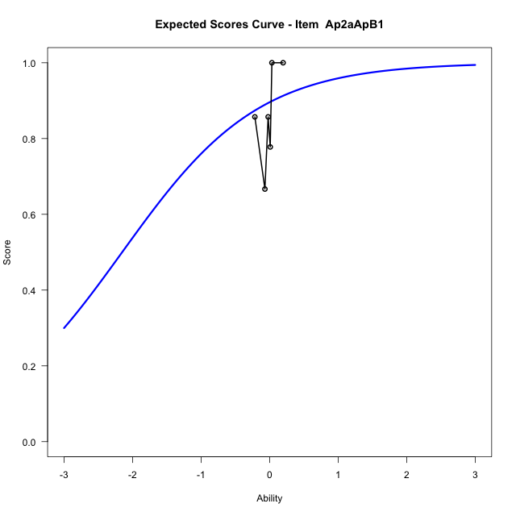
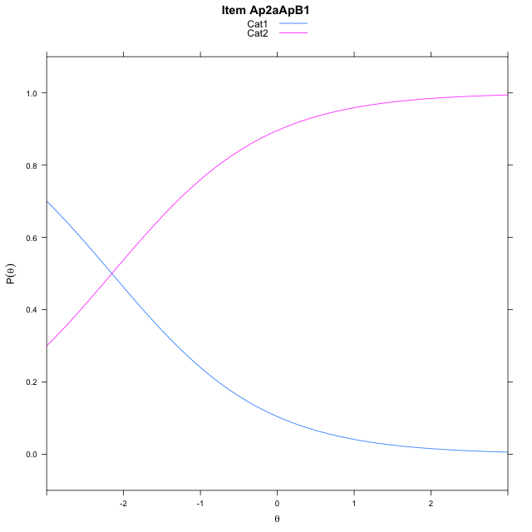
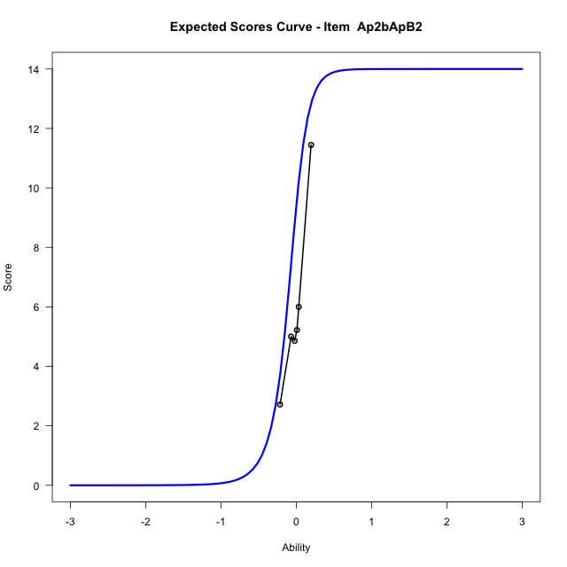
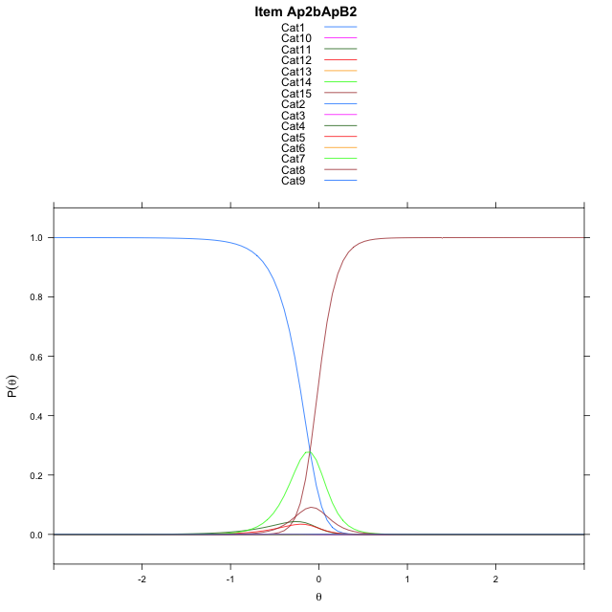
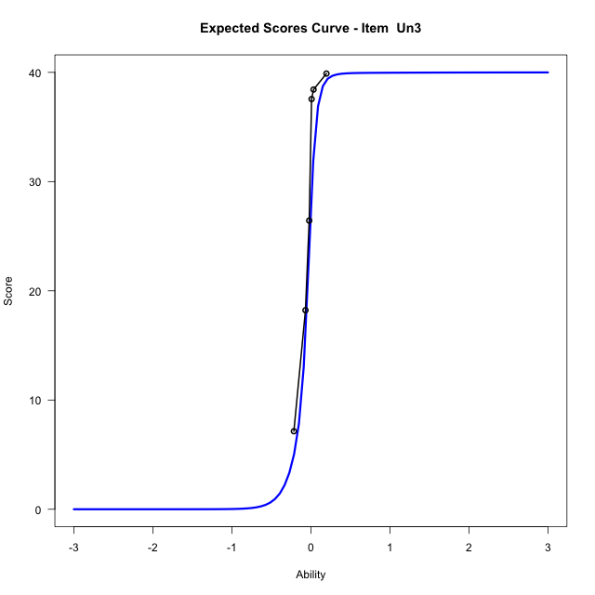
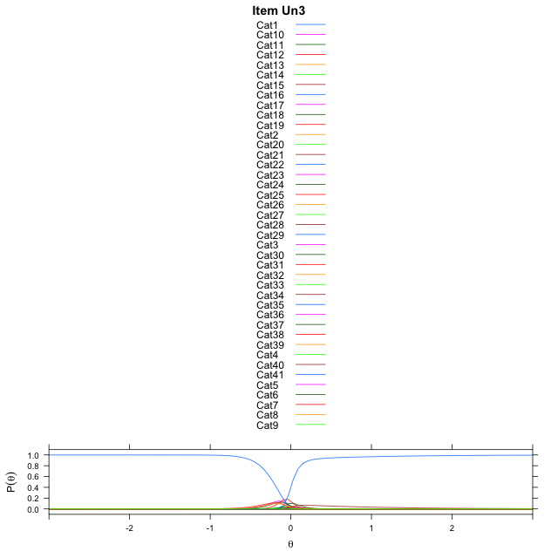
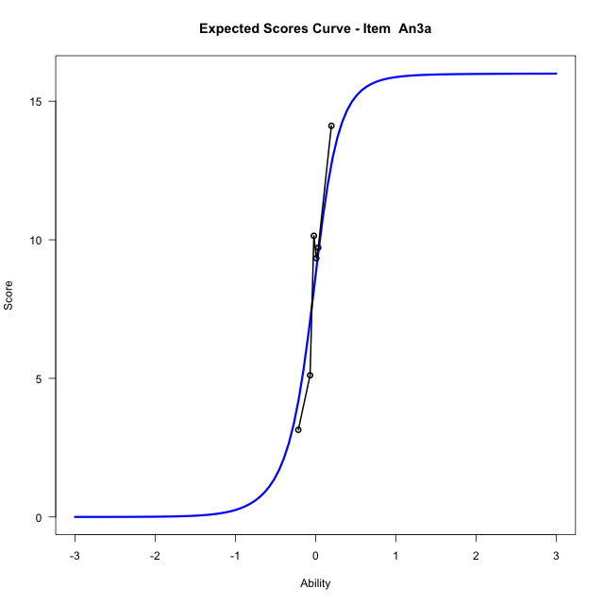

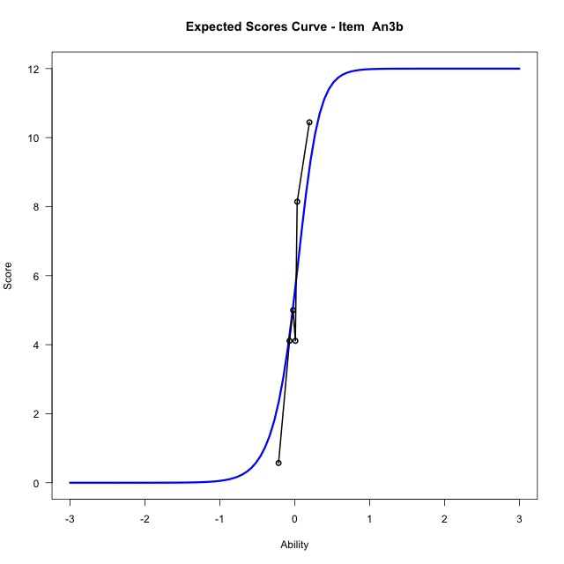

Estimate items information for the measurement model

Full Item Information
item | N | M | xsi.item | AXsi_.Cat1 | AXsi_.Cat2 | AXsi_.Cat3 | AXsi_.Cat4 | AXsi_.Cat5 | AXsi_.Cat6 | AXsi_.Cat7 | AXsi_.Cat8 | AXsi_.Cat9 | AXsi_.Cat10 | AXsi_.Cat11 | AXsi_.Cat12 | AXsi_.Cat13 | AXsi_.Cat14 | AXsi_.Cat15 | AXsi_.Cat16 | AXsi_.Cat17 | AXsi_.Cat18 | AXsi_.Cat19 | AXsi_.Cat20 | AXsi_.Cat21 | AXsi_.Cat22 | AXsi_.Cat23 | AXsi_.Cat24 | AXsi_.Cat25 | AXsi_.Cat26 | AXsi_.Cat27 | AXsi_.Cat28 | AXsi_.Cat29 | AXsi_.Cat30 | AXsi_.Cat31 | AXsi_.Cat32 | AXsi_.Cat33 | AXsi_.Cat34 | AXsi_.Cat35 | AXsi_.Cat36 | AXsi_.Cat37 | AXsi_.Cat38 | AXsi_.Cat39 | AXsi_.Cat40 | B.Cat1.Dim1 | B.Cat2.Dim1 | B.Cat3.Dim1 | B.Cat4.Dim1 | B.Cat5.Dim1 | B.Cat6.Dim1 | B.Cat7.Dim1 | B.Cat8.Dim1 | B.Cat9.Dim1 | B.Cat10.Dim1 | B.Cat11.Dim1 | B.Cat12.Dim1 | B.Cat13.Dim1 | B.Cat14.Dim1 | B.Cat15.Dim1 | B.Cat16.Dim1 | B.Cat17.Dim1 | B.Cat18.Dim1 | B.Cat19.Dim1 | B.Cat20.Dim1 | B.Cat21.Dim1 | B.Cat22.Dim1 | B.Cat23.Dim1 | B.Cat24.Dim1 | B.Cat25.Dim1 | B.Cat26.Dim1 | B.Cat27.Dim1 | B.Cat28.Dim1 | B.Cat29.Dim1 | B.Cat30.Dim1 | B.Cat31.Dim1 | B.Cat32.Dim1 | B.Cat33.Dim1 | B.Cat34.Dim1 | B.Cat35.Dim1 | B.Cat36.Dim1 | B.Cat37.Dim1 | B.Cat38.Dim1 | B.Cat39.Dim1 | B.Cat40.Dim1
Ap2aApB1 | 48 | 0.85416666667 | -2.1517622033 | -2.1517622033 |  |  |  |  |  |  |  |  |  |  |  |  |  |  |  |  |  |  |  |  |  |  |  |  |  |  |  |  |  |  |  |  |  |  |  |  |  |  |  | 1 | 0 | 0 | 0 | 0 | 0 | 0 | 0 | 0 | 0 | 0 | 0 | 0 | 0 | 0 | 0 | 0 | 0 | 0 | 0 | 0 | 0 | 0 | 0 | 0 | 0 | 0 | 0 | 0 | 0 | 0 | 0 | 0 | 0 | 0 | 0 | 0 | 0 | 0 | 0
Ap2bApB2 | 48 | 6.0416666667 | -0.10145873169 | 5.9105662694 | 5.9094923103 | 1.8080792888 | 1.8118289972 | 5.0161902255 | -0.60236136092 | 0.41404081693 | 5.4714659686 | 7.0585769178 | 7.8070840597 | 7.6979408515 | 7.0675544635 | 5.4076710687 | -1.4204222436 |  |  |  |  |  |  |  |  |  |  |  |  |  |  |  |  |  |  |  |  |  |  |  |  |  |  | 1 | 2 | 3 | 4 | 5 | 6 | 7 | 8 | 9 | 10 | 11 | 12 | 13 | 14 | 0 | 0 | 0 | 0 | 0 | 0 | 0 | 0 | 0 | 0 | 0 | 0 | 0 | 0 | 0 | 0 | 0 | 0 | 0 | 0 | 0 | 0 | 0 | 0 | 0 | 0
Un3 | 48 | 28.4375 | -0.058198804826 | 6.4131568683 | 8.0168996295 | 8.8052362606 | 8.2676632785 | 5.9672452295 | 0.89975714026 | 0.85921799851 | 4.5708357203 | 0.18024360999 | 0.19960032488 | 4.7320261144 | 5.9249505228 | 6.8118522979 | 7.1456404318 | 6.4849108651 | 4.9510933796 | 0.9809837837 | -0.9580429103 | 0.17123419889 | 4.3998596207 | 5.7185362191 | 6.9016780011 | 7.0733661955 | 6.9507584078 | 6.4218431135 | 5.6611315279 | 4.2898058894 | 0.64368119394 | -0.87762756003 | 0.22788635019 | 4.247002097 | 5.4693793682 | 6.2314915428 | 6.6301379662 | 6.8934682491 | 6.6098712143 | 5.8365487807 | 4.0088914892 | 0.070315145727 | -2.3279521931 | 1 | 2 | 3 | 4 | 5 | 6 | 7 | 8 | 9 | 10 | 11 | 12 | 13 | 14 | 15 | 16 | 17 | 18 | 19 | 20 | 21 | 22 | 23 | 24 | 25 | 26 | 27 | 28 | 29 | 30 | 31 | 32 | 33 | 34 | 35 | 36 | 37 | 38 | 39 | 40
An3a | 48 | 8.7083333333 | -0.043070911854 | 5.7497601251 | 5.8329016205 | 0.28943719234 | -0.69009958416 | 4.8734771664 | 5.9894045019 | 5.1206448728 | -1.1730957676 | 4.4841131873 | 4.7439522601 | 0.71497291077 | -0.8066825605 | 5.1004852881 | 5.2251258377 | 1.4160498818 | -0.68913458966 |  |  |  |  |  |  |  |  |  |  |  |  |  |  |  |  |  |  |  |  |  |  |  |  | 1 | 2 | 3 | 4 | 5 | 6 | 7 | 8 | 9 | 10 | 11 | 12 | 13 | 14 | 15 | 16 | 0 | 0 | 0 | 0 | 0 | 0 | 0 | 0 | 0 | 0 | 0 | 0 | 0 | 0 | 0 | 0 | 0 | 0 | 0 | 0 | 0 | 0 | 0 | 0
An3b | 48 | 5.5 | 0.0067396745075 | 7.4716628776 | 8.2977506791 | 7.7062480706 | 2.5726825972 | -0.20803834145 | 0.7740029136 | 7.6892017918 | 9.4690701395 | 9.8993646922 | 9.4004846496 | 7.6632404185 | 0.08087609409 |  |  |  |  |  |  |  |  |  |  |  |  |  |  |  |  |  |  |  |  |  |  |  |  |  |  |  |  | 1 | 2 | 3 | 4 | 5 | 6 | 7 | 8 | 9 | 10 | 11 | 12 | 0 | 0 | 0 | 0 | 0 | 0 | 0 | 0 | 0 | 0 | 0 | 0 | 0 | 0 | 0 | 0 | 0 | 0 | 0 | 0 | 0 | 0 | 0 | 0 | 0 | 0 | 0 | 0

Thurstonian Thresholds (category-wise)
 | Cat1 | Cat2 | Cat3 | Cat4 | Cat5 | Cat6 | Cat7 | Cat8 | Cat9 | Cat10 | Cat11 | Cat12 | Cat13 | Cat14 | Cat15 | Cat16 | Cat17 | Cat18 | Cat19 | Cat20 | Cat21 | Cat22 | Cat23 | Cat24 | Cat25 | Cat26 | Cat27 | Cat28 | Cat29 | Cat30 | Cat31 | Cat32 | Cat33 | Cat34 | Cat35 | Cat36 | Cat37 | Cat38 | Cat39 | Cat40
Ap2aApB1 | -2.151763916
Ap2bApB2 | -0.21725463867 | -0.2165222168 | -0.21615600586 | -0.1936340332 | -0.17642211914 | -0.17568969727 | -0.045318603516 | -0.0083312988281 | -0.0081481933594 | -0.0081481933594 | -0.0081481933594 | -0.0081481933594 | -0.0081481933594 | -0.0077819824219
Un3 | -0.2194519043 | -0.21908569336 | -0.21908569336 | -0.21890258789 | -0.21890258789 | -0.21871948242 | -0.17349243164 | -0.13760375977 | -0.13687133789 | -0.094390869141 | -0.067840576172 | -0.067657470703 | -0.067474365234 | -0.067474365234 | -0.067474365234 | -0.067474365234 | -0.067291259766 | -0.061614990234 | -0.027557373047 | -0.018585205078 | -0.018402099609 | -0.018402099609 | -0.018402099609 | -0.018402099609 | -0.018402099609 | -0.018402099609 | -0.018402099609 | -0.018218994141 | -0.014373779297 | 0.0044860839844 | 0.011260986328 | 0.011260986328 | 0.011444091797 | 0.011444091797 | 0.011444091797 | 0.011444091797 | 0.011444091797 | 0.011444091797 | 0.011627197266 | 0.020416259766
An3a | -0.35293579102 | -0.35202026367 | -0.35147094727 | -0.25149536133 | -0.095123291016 | -0.094757080078 | -0.094757080078 | -0.094390869141 | 0.039276123047 | 0.039642333984 | 0.040008544922 | 0.061981201172 | 0.19381713867 | 0.19418334961 | 0.19473266602 | 0.2258605957
An3b | -0.14437866211 | -0.14419555664 | -0.14419555664 | -0.14401245117 | -0.13046264648 | 0.070404052734 | 0.13284301758 | 0.13284301758 | 0.13284301758 | 0.13284301758 | 0.13284301758 | 0.13302612305

Thurstonian Thresholds (item-wise)
 | Threshold
Ap2aApB1 | -2.1510166207
Ap2bApB2 | -0.16047280929
Un3 | -0.18799249899
An3a | -0.054399137447
An3b | 0.047867781173

Item Infit/Outfit Statistic
parameter | Outfit | Outfit_t | Outfit_p | Outfit_pholm | Infit | Infit_t | Infit_p | Infit_pholm
Ap2aApB1_Cat1 | 1.3534883706 | 0.97610135503 | 0.32901423995 | 1 | 1.3534883721 | 0.9761013582 | 0.32901423838 | 1
Ap2bApB2_Cat1 | 2.4211886954 | 3.2575644469 | 0.0011237273838 | 0.084279553786 | 2.4211886976 | 3.2575644507 | 0.001123727369 | 0.084279552673
Ap2bApB2_Cat2 | 2.4142968933 | 3.2521155202 | 0.0011454945521 | 0.084766596856 | 2.4142968955 | 3.2521155239 | 0.001145494537 | 0.084766595739
Ap2bApB2_Cat3 | 2.4074367374 | 3.2466616374 | 0.0011676712148 | 0.085239998678 | 2.4074367395 | 3.2466616411 | 0.0011676711994 | 0.085239997558
Ap2bApB2_Cat4 | 2.0549890034 | 2.9186428215 | 0.0035155878817 | 0.25312232749 | 2.054989005 | 2.9186428251 | 0.003515587842 | 0.25312232462
Ap2bApB2_Cat5 | 1.7954952311 | 2.5944203561 | 0.0094750563153 | 0.6158786605 | 1.7954952324 | 2.5944203595 | 0.0094750562219 | 0.61587865442
Ap2bApB2_Cat6 | 1.7864192019 | 2.5813083228 | 0.0098426632278 | 0.62993044658 | 1.7864192032 | 2.5813083262 | 0.0098426631312 | 0.6299304404
Ap2bApB2_Cat7 | 1.2504314624 | 3.833338518 | 0.00012641579813 | 0.010366095447 | 1.2504314629 | 3.8333385254 | 0.00012641579433 | 0.010366095135
Ap2bApB2_Cat8 | 1.0438940969 | 3.6983860454 | 0.00021697472067 | 0.017574952374 | 1.0438940974 | 3.6983860801 | 0.00021697469101 | 0.017574949971
Ap2bApB2_Cat9 | 1.0426654439 | 3.6923838563 | 0.00022216180736 | 0.017772944589 | 1.0426654443 | 3.6923838919 | 0.00022216177623 | 0.017772942099
Ap2bApB2_Cat10 | 1.0424147509 | 3.6911557205 | 0.00022323740887 | 0.017772944589 | 1.0424147513 | 3.6911557563 | 0.00022323737744 | 0.017772942099
Ap2bApB2_Cat11 | 1.0422962242 | 3.6905746532 | 0.00022374800955 | 0.017772944589 | 1.0422962247 | 3.6905746891 | 0.00022374797797 | 0.017772942099
Ap2bApB2_Cat12 | 1.0421640813 | 3.6899265226 | 0.00022431883392 | 0.017772944589 | 1.0421640817 | 3.6899265586 | 0.00022431880217 | 0.017772942099
Ap2bApB2_Cat13 | 1.0419160218 | 3.6887089636 | 0.0002253948658 | 0.017772944589 | 1.0419160223 | 3.6887089998 | 0.00022539483374 | 0.017772942099
Ap2bApB2_Cat14 | 1.0437619463 | 3.9633340789 | 7.3910237935E-05 | 0.0061345497486 | 1.0437619467 | 3.9633341162 | 7.3910226382E-05 | 0.0061345487897
Un3_Cat1 | 0.40336513773 | -2.7379840457 | 0.0061817074755 | 0.43216366306 | 0.40336513804 | -2.7379840436 | 0.0061817075141 | 0.43216366576
Un3_Cat2 | 0.40329398706 | -2.741221975 | 0.006121113925 | 0.43216366306 | 0.40329398737 | -2.7412219729 | 0.0061211139632 | 0.43216366576
Un3_Cat3 | 0.40328427471 | -2.7416664359 | 0.0061128383147 | 0.43216366306 | 0.40328427502 | -2.7416664339 | 0.0061128383528 | 0.43216366576
Un3_Cat4 | 0.40328126162 | -2.7418044442 | 0.0061102707288 | 0.43216366306 | 0.40328126193 | -2.7418044422 | 0.0061102707669 | 0.43216366576
Un3_Cat5 | 0.40327773827 | -2.7419658979 | 0.0061072681859 | 0.43216366306 | 0.40327773858 | -2.7419658958 | 0.006107268224 | 0.43216366576
Un3_Cat6 | 0.40325373853 | -2.7430677723 | 0.0060868121558 | 0.43216366306 | 0.40325373884 | -2.7430677703 | 0.0060868121937 | 0.43216366576
Un3_Cat7 | 0.50594650862 | -2.196157251 | 0.028080689977 | 1 | 0.505946509 | -2.1961572487 | 0.028080690135 | 1
Un3_Cat8 | 0.60055111348 | -1.7267270744 | 0.084216690864 | 1 | 0.60055111391 | -1.7267270721 | 0.084216691287 | 1
Un3_Cat9 | 0.60033069567 | -1.7292636607 | 0.083761917283 | 1 | 0.6003306961 | -1.7292636584 | 0.083761917704 | 1
Un3_Cat10 | 0.77075048075 | -0.93655860687 | 0.34898565256 | 1 | 0.77075048128 | -0.93655860429 | 0.34898565389 | 1
Un3_Cat11 | 0.91719871362 | -0.28979764258 | 0.77197105147 | 1 | 0.91719871422 | -0.28979763982 | 0.77197105358 | 1
Un3_Cat12 | 0.91678421149 | -0.29196666816 | 0.77031210909 | 1 | 0.91678421209 | -0.2919666654 | 0.7703121112 | 1
Un3_Cat13 | 0.9166491831 | -0.29267400707 | 0.76977133968 | 1 | 0.9166491837 | -0.29267400431 | 0.76977134179 | 1
Un3_Cat14 | 0.91658931173 | -0.29298775914 | 0.76953150814 | 1 | 0.91658931233 | -0.29298775639 | 0.76953151024 | 1
Un3_Cat15 | 0.91654327991 | -0.29322903577 | 0.76934709169 | 1 | 0.91654328051 | -0.29322903301 | 0.7693470938 | 1
Un3_Cat16 | 0.9164475527 | -0.29373093032 | 0.76896351736 | 1 | 0.9164475533 | -0.29373092756 | 0.76896351947 | 1
Un3_Cat17 | 0.91597081922 | -0.29623322258 | 0.76705197887 | 1 | 0.91597081982 | -0.29623321982 | 0.76705198097 | 1
Un3_Cat18 | 0.97133981734 | -0.05600536866 | 0.9553375303 | 1 | 0.97133981796 | -0.056005365822 | 0.95533753256 | 1
Un3_Cat19 | 1.1566770563 | 0.96253496064 | 0.33578095043 | 1 | 1.1566770569 | 0.96253496402 | 0.33578094873 | 1
Un3_Cat20 | 1.1861931158 | 1.2425953012 | 0.21401700231 | 1 | 1.1861931164 | 1.2425953048 | 0.21401700097 | 1
Un3_Cat21 | 1.1850942584 | 1.2378992683 | 0.2157534137 | 1 | 1.185094259 | 1.2378992719 | 0.21575341235 | 1
Un3_Cat22 | 1.1847819194 | 1.2365616314 | 0.2162498717 | 1 | 1.1847819199 | 1.2365616351 | 0.21624987035 | 1
Un3_Cat23 | 1.1846803887 | 1.2361265406 | 0.21641153086 | 1 | 1.1846803893 | 1.2361265442 | 0.21641152951 | 1
Un3_Cat24 | 1.1845895647 | 1.2357372181 | 0.2165562584 | 1 | 1.1845895653 | 1.2357372217 | 0.21655625705 | 1
Un3_Cat25 | 1.1844805954 | 1.2352699734 | 0.21673004481 | 1 | 1.184480596 | 1.235269977 | 0.21673004346 | 1
Un3_Cat26 | 1.1842842595 | 1.234427726 | 0.21704356277 | 1 | 1.1842842601 | 1.2344277296 | 0.21704356142 | 1
Un3_Cat27 | 1.1838381058 | 1.2325119438 | 0.2177579078 | 1 | 1.1838381064 | 1.2325119474 | 0.21775790645 | 1
Un3_Cat28 | 1.1819726766 | 1.2244736854 | 0.22077358727 | 1 | 1.1819726772 | 1.224473689 | 0.2207735859 | 1
Un3_Cat29 | 1.1551116755 | 1.1871273381 | 0.23517739644 | 1 | 1.1551116761 | 1.187127342 | 0.2351773949 | 1
Un3_Cat30 | 1.06991533 | 1.150470365 | 0.24995019323 | 1 | 1.0699153305 | 1.1504703721 | 0.24995019032 | 1
Un3_Cat31 | 1.0492712896 | 1.2361854412 | 0.21638964109 | 1 | 1.0492712901 | 1.2361854516 | 0.2163896372 | 1
Un3_Cat32 | 1.0484503576 | 1.227480577 | 0.21964201764 | 1 | 1.048450358 | 1.2274805875 | 0.21964201368 | 1
Un3_Cat33 | 1.0482045622 | 1.224858846 | 0.22062840856 | 1 | 1.0482045627 | 1.2248588566 | 0.22062840458 | 1
Un3_Cat34 | 1.048087427 | 1.2236069167 | 0.22110054912 | 1 | 1.0480874274 | 1.2236069272 | 0.22110054513 | 1
Un3_Cat35 | 1.0480069998 | 1.2227463715 | 0.22142550657 | 1 | 1.0480070003 | 1.2227463821 | 0.22142550257 | 1
Un3_Cat36 | 1.0479445552 | 1.2220776991 | 0.22167824554 | 1 | 1.0479445556 | 1.2220777097 | 0.22167824154 | 1
Un3_Cat37 | 1.0478607447 | 1.2211795005 | 0.22201806406 | 1 | 1.0478607451 | 1.2211795111 | 0.22201806005 | 1
Un3_Cat38 | 1.0476771941 | 1.2192094317 | 0.22276471306 | 1 | 1.0476771946 | 1.2192094423 | 0.22276470903 | 1
Un3_Cat39 | 1.0465315062 | 1.2068196297 | 0.22750161465 | 1 | 1.0465315066 | 1.2068196405 | 0.22750161051 | 1
Un3_Cat40 | 1.0124541548 | 1.1299547716 | 0.2584952829 | 1 | 1.0124541553 | 1.1299548081 | 0.25849526751 | 1
An3a_Cat1 | 0.99946739855 | 0.14378455913 | 0.8856705962 | 1 | 0.99946739986 | 0.14378456213 | 0.88567059383 | 1
An3a_Cat2 | 0.9965908898 | 0.13684628511 | 0.89115229754 | 1 | 0.9965908911 | 0.13684628811 | 0.89115229516 | 1
An3a_Cat3 | 0.99396234041 | 0.13046992943 | 0.8961946436 | 1 | 0.99396234171 | 0.13046993243 | 0.89619464123 | 1
An3a_Cat4 | 0.99724117144 | 0.086734880265 | 0.93088225044 | 1 | 0.99724117224 | 0.086734883034 | 0.93088224824 | 1
An3a_Cat5 | 0.99985279212 | 0.037643228441 | 0.96997214102 | 1 | 0.99985279258 | 0.037643232428 | 0.96997213784 | 1
An3a_Cat6 | 0.99874833113 | 0.027979730389 | 0.97767831762 | 1 | 0.9987483316 | 0.027979734386 | 0.97767831444 | 1
An3a_Cat7 | 0.99838871702 | 0.024815145261 | 0.98020241061 | 1 | 0.99838871749 | 0.024815149262 | 0.98020240742 | 1
An3a_Cat8 | 0.99753561476 | 0.0172716912 | 0.98621986938 | 1 | 0.99753561523 | 0.017271695208 | 0.98621986619 | 1
An3a_Cat9 | 1.0000642568 | 0.017599116615 | 0.98595866141 | 1 | 1.0000642572 | 0.017599125038 | 0.98595865469 | 1
An3a_Cat10 | 1.0007175145 | 0.030988466182 | 0.97527873791 | 1 | 1.000717515 | 0.030988474515 | 0.97527873126 | 1
An3a_Cat11 | 1.0012318806 | 0.04131757597 | 0.96704272144 | 1 | 1.001231881 | 0.041317584236 | 0.96704271485 | 1
An3a_Cat12 | 1.0009510983 | 0.037693515428 | 0.96993204626 | 1 | 1.0009510987 | 0.037693521117 | 0.96993204173 | 1
An3a_Cat13 | 1.0008478971 | 0.080788789907 | 0.93560992329 | 1 | 1.0008478978 | 0.080788792747 | 0.93560992103 | 1
An3a_Cat14 | 1.002942297 | 0.090001253986 | 0.92828621834 | 1 | 1.0029422977 | 0.090001256826 | 0.92828621608 | 1
An3a_Cat15 | 1.0048045353 | 0.098141322725 | 0.9218200751 | 1 | 1.004804536 | 0.098141325566 | 0.92182007284 | 1
An3a_Cat16 | 1.0027193572 | 0.096819449433 | 0.92286977808 | 1 | 1.0027193579 | 0.096819452223 | 0.92286977587 | 1
An3b_Cat1 | 1.0004345277 | 0.052588848407 | 0.95805950236 | 1 | 1.0004345282 | 0.052588851807 | 0.95805949965 | 1
An3b_Cat2 | 1.0000770548 | 0.050148698398 | 0.96000389282 | 1 | 1.0000770553 | 0.050148701799 | 0.96000389011 | 1
An3b_Cat3 | 0.99992083072 | 0.049080815397 | 0.96085489207 | 1 | 0.99992083122 | 0.049080818799 | 0.96085488936 | 1
An3b_Cat4 | 0.99963889277 | 0.047151317912 | 0.96239262701 | 1 | 0.99963889327 | 0.047151321315 | 0.9623926243 | 1
An3b_Cat5 | 1.000017504 | 0.044239184252 | 0.9647137481 | 1 | 1.0000175045 | 0.04423918791 | 0.96471374518 | 1
An3b_Cat6 | 1.0000344064 | 0.025313514223 | 0.97980489459 | 1 | 1.0000344068 | 0.025313519946 | 0.97980489003 | 1
An3b_Cat7 | 0.99971787196 | 0.053830308872 | 0.95707036153 | 1 | 0.9997178725 | 0.053830312072 | 0.95707035898 | 1
An3b_Cat8 | 1.0000478029 | 0.055847651968 | 0.95546317337 | 1 | 1.0000478034 | 0.055847655168 | 0.95546317082 | 1
An3b_Cat9 | 1.0001035028 | 0.056187921006 | 0.9551921036 | 1 | 1.0001035034 | 0.056187924206 | 0.95519210105 | 1
An3b_Cat10 | 1.000139736 | 0.056409221001 | 0.95501581136 | 1 | 1.0001397366 | 0.056409224201 | 0.95501580881 | 1
An3b_Cat11 | 1.0001994257 | 0.056773704387 | 0.954725461 | 1 | 1.0001994263 | 0.056773707587 | 0.95472545845 | 1
An3b_Cat12 | 1.0005389569 | 0.058845065873 | 0.95307551325 | 1 | 1.0005389574 | 0.058845069071 | 0.9530755107 | 1

Box plot of expected curves

stacking-pos-Estimate-Items
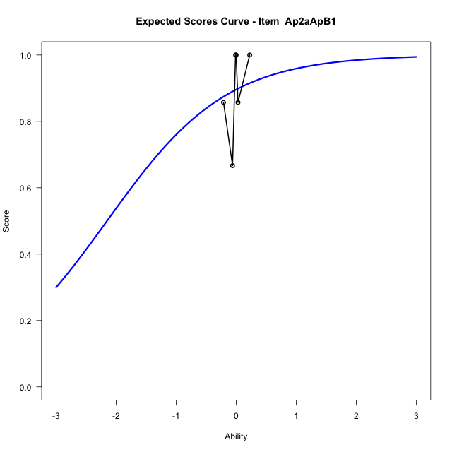
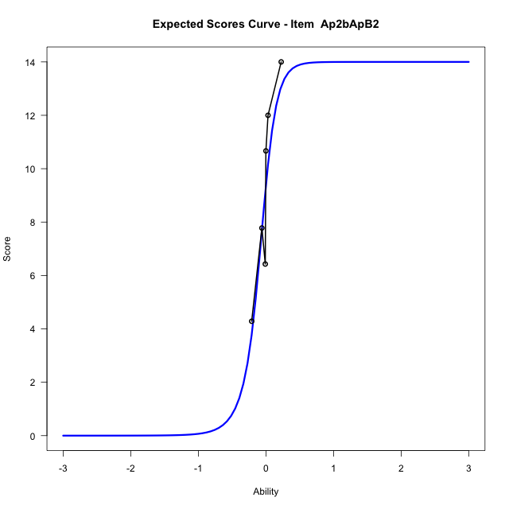
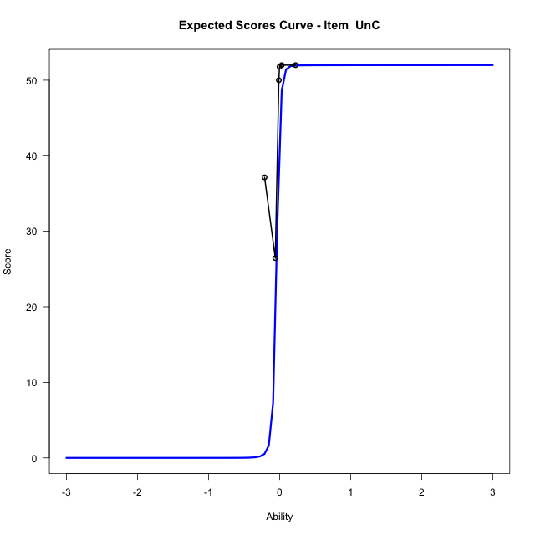
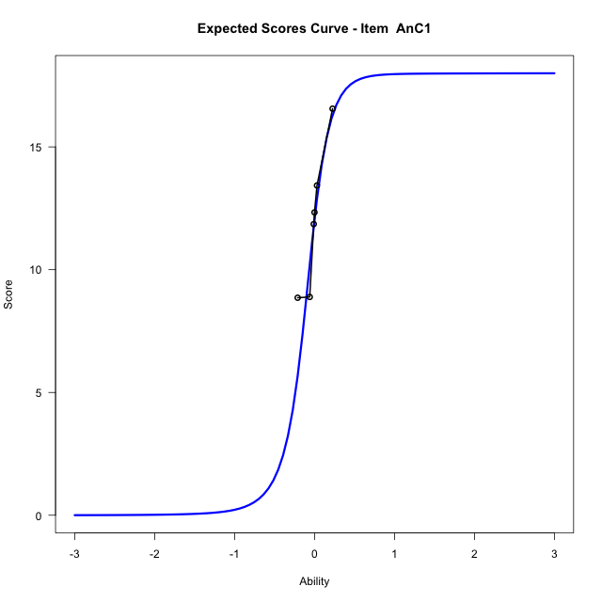
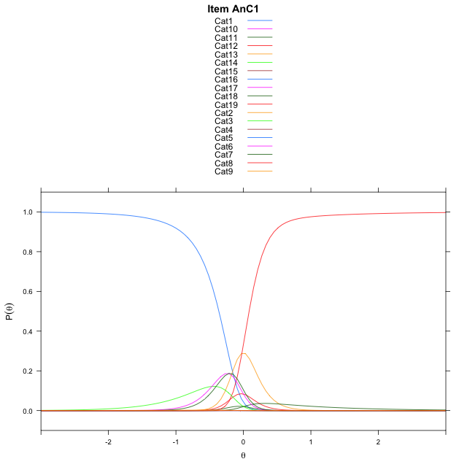
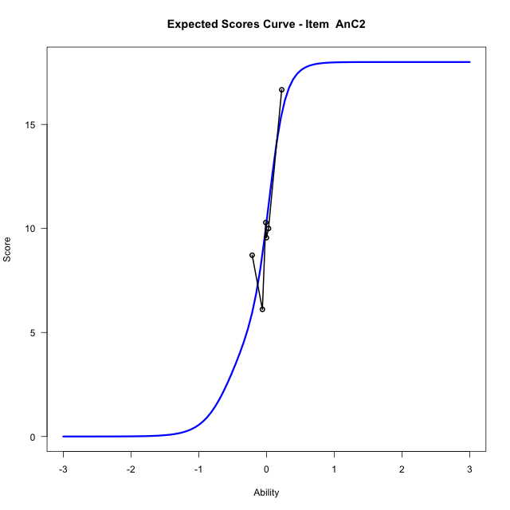

Estimate items information for the measurement model

Full Item Information
item | N | M | xsi.item | AXsi_.Cat1 | AXsi_.Cat2 | AXsi_.Cat3 | AXsi_.Cat4 | AXsi_.Cat5 | AXsi_.Cat6 | AXsi_.Cat7 | AXsi_.Cat8 | AXsi_.Cat9 | AXsi_.Cat10 | AXsi_.Cat11 | AXsi_.Cat12 | AXsi_.Cat13 | AXsi_.Cat14 | AXsi_.Cat15 | AXsi_.Cat16 | AXsi_.Cat17 | AXsi_.Cat18 | AXsi_.Cat19 | AXsi_.Cat20 | AXsi_.Cat21 | AXsi_.Cat22 | AXsi_.Cat23 | AXsi_.Cat24 | AXsi_.Cat25 | AXsi_.Cat26 | AXsi_.Cat27 | AXsi_.Cat28 | AXsi_.Cat29 | AXsi_.Cat30 | AXsi_.Cat31 | AXsi_.Cat32 | AXsi_.Cat33 | AXsi_.Cat34 | AXsi_.Cat35 | AXsi_.Cat36 | AXsi_.Cat37 | AXsi_.Cat38 | AXsi_.Cat39 | AXsi_.Cat40 | AXsi_.Cat41 | AXsi_.Cat42 | AXsi_.Cat43 | AXsi_.Cat44 | AXsi_.Cat45 | AXsi_.Cat46 | AXsi_.Cat47 | AXsi_.Cat48 | AXsi_.Cat49 | AXsi_.Cat50 | AXsi_.Cat51 | AXsi_.Cat52 | B.Cat1.Dim1 | B.Cat2.Dim1 | B.Cat3.Dim1 | B.Cat4.Dim1 | B.Cat5.Dim1 | B.Cat6.Dim1 | B.Cat7.Dim1 | B.Cat8.Dim1 | B.Cat9.Dim1 | B.Cat10.Dim1 | B.Cat11.Dim1 | B.Cat12.Dim1 | B.Cat13.Dim1 | B.Cat14.Dim1 | B.Cat15.Dim1 | B.Cat16.Dim1 | B.Cat17.Dim1 | B.Cat18.Dim1 | B.Cat19.Dim1 | B.Cat20.Dim1 | B.Cat21.Dim1 | B.Cat22.Dim1 | B.Cat23.Dim1 | B.Cat24.Dim1 | B.Cat25.Dim1 | B.Cat26.Dim1 | B.Cat27.Dim1 | B.Cat28.Dim1 | B.Cat29.Dim1 | B.Cat30.Dim1 | B.Cat31.Dim1 | B.Cat32.Dim1 | B.Cat33.Dim1 | B.Cat34.Dim1 | B.Cat35.Dim1 | B.Cat36.Dim1 | B.Cat37.Dim1 | B.Cat38.Dim1 | B.Cat39.Dim1 | B.Cat40.Dim1 | B.Cat41.Dim1 | B.Cat42.Dim1 | B.Cat43.Dim1 | B.Cat44.Dim1 | B.Cat45.Dim1 | B.Cat46.Dim1 | B.Cat47.Dim1 | B.Cat48.Dim1 | B.Cat49.Dim1 | B.Cat50.Dim1 | B.Cat51.Dim1 | B.Cat52.Dim1
Ap2aApB1 | 48 | 0.89583333333 | -2.1517622033 | -2.1517622033 |  |  |  |  |  |  |  |  |  |  |  |  |  |  |  |  |  |  |  |  |  |  |  |  |  |  |  |  |  |  |  |  |  |  |  |  |  |  |  |  |  |  |  |  |  |  |  |  |  |  |  | 1 | 0 | 0 | 0 | 0 | 0 | 0 | 0 | 0 | 0 | 0 | 0 | 0 | 0 | 0 | 0 | 0 | 0 | 0 | 0 | 0 | 0 | 0 | 0 | 0 | 0 | 0 | 0 | 0 | 0 | 0 | 0 | 0 | 0 | 0 | 0 | 0 | 0 | 0 | 0 | 0 | 0 | 0 | 0 | 0 | 0 | 0 | 0 | 0 | 0 | 0 | 0
Ap2bApB2 | 48 | 9.3958333333 | -0.10261050945 | 5.9081561536 | 5.9059267945 | 1.803993531 | 1.806532629 | 5.0086280644 | -0.61040338117 | 0.40507917461 | 5.4605876441 | 7.0466621029 | 7.7940934898 | 7.6841132585 | 7.0527069727 | 5.3919238623 | -1.4365471322 |  |  |  |  |  |  |  |  |  |  |  |  |  |  |  |  |  |  |  |  |  |  |  |  |  |  |  |  |  |  |  |  |  |  |  |  |  |  | 1 | 2 | 3 | 4 | 5 | 6 | 7 | 8 | 9 | 10 | 11 | 12 | 13 | 14 | 0 | 0 | 0 | 0 | 0 | 0 | 0 | 0 | 0 | 0 | 0 | 0 | 0 | 0 | 0 | 0 | 0 | 0 | 0 | 0 | 0 | 0 | 0 | 0 | 0 | 0 | 0 | 0 | 0 | 0 | 0 | 0 | 0 | 0 | 0 | 0 | 0 | 0
UnC | 48 | 44.708333333 | -0.049058155398 | 5.3486036358 | 7.1380742652 | 8.1573813617 | 8.4437079116 | 8.718397052 | 9.0336802705 | 8.8991596834 | 8.4102601092 | 7.9408903464 | 6.8358222072 | 5.1748434431 | 1.0997925412 | 4.6784534129 | 5.9682986909 | 7.1536277814 | 7.9026314101 | 8.2973537063 | 8.4731327311 | 8.723957512 | 8.5309123065 | 8.2328879495 | 6.7280769898 | 4.8343134325 | -0.13318484907 | 3.050687963 | 1.1846809445 | 4.0685125353 | 5.6979800532 | 6.6555930711 | 7.1588123875 | 7.5208612337 | 7.6933400526 | 7.6062715392 | 7.2042549075 | 6.6680359265 | 5.861596504 | 4.346369501 | 1.2904422808 | 4.1875541673 | 5.3806581598 | 6.533465346 | 7.1880838668 | 7.5885914825 | 7.6324475427 | 7.5717956399 | 7.3082102892 | 7.0971930144 | 6.365113182 | 4.8923944587 | 1.5027856715 | 2.7394137611 | -2.5510240807 | 1 | 2 | 3 | 4 | 5 | 6 | 7 | 8 | 9 | 10 | 11 | 12 | 13 | 14 | 15 | 16 | 17 | 18 | 19 | 20 | 21 | 22 | 23 | 24 | 25 | 26 | 27 | 28 | 29 | 30 | 31 | 32 | 33 | 34 | 35 | 36 | 37 | 38 | 39 | 40 | 41 | 42 | 43 | 44 | 45 | 46 | 47 | 48 | 49 | 50 | 51 | 52
AnC1 | 48 | 12.0625 | -0.11643142337 | 5.1108950465 | 0.70543414204 | 5.2843372958 | 5.3217361632 | -0.69848519964 | -0.91935123424 | 4.356446338 | 5.4663077469 | 4.6444365396 | 0.7073992682 | -0.70691638093 | -1.9564715511 | 4.2173324506 | 5.6086515386 | 5.6837033542 | 4.4690974767 | 0.70818927201 | -2.0957656207 |  |  |  |  |  |  |  |  |  |  |  |  |  |  |  |  |  |  |  |  |  |  |  |  |  |  |  |  |  |  |  |  |  |  | 1 | 2 | 3 | 4 | 5 | 6 | 7 | 8 | 9 | 10 | 11 | 12 | 13 | 14 | 15 | 16 | 17 | 18 | 0 | 0 | 0 | 0 | 0 | 0 | 0 | 0 | 0 | 0 | 0 | 0 | 0 | 0 | 0 | 0 | 0 | 0 | 0 | 0 | 0 | 0 | 0 | 0 | 0 | 0 | 0 | 0 | 0 | 0 | 0 | 0 | 0 | 0
AnC2 | 48 | 10.291666667 | -0.13370450422 | 5.9350144142 | 7.2580307986 | 5.8170537361 | -1.3901059435 | -1.7972670094 | -2.1992213673 | 3.5713561478 | 5.3260340683 | 5.3539718365 | 3.5524442324 | -2.0832663694 | -2.2026133392 | 3.7795619349 | 5.7062352133 | 6.3081061144 | 5.5039400679 | 3.8396358594 | -2.406681076 |  |  |  |  |  |  |  |  |  |  |  |  |  |  |  |  |  |  |  |  |  |  |  |  |  |  |  |  |  |  |  |  |  |  | 1 | 2 | 3 | 4 | 5 | 6 | 7 | 8 | 9 | 10 | 11 | 12 | 13 | 14 | 15 | 16 | 17 | 18 | 0 | 0 | 0 | 0 | 0 | 0 | 0 | 0 | 0 | 0 | 0 | 0 | 0 | 0 | 0 | 0 | 0 | 0 | 0 | 0 | 0 | 0 | 0 | 0 | 0 | 0 | 0 | 0 | 0 | 0 | 0 | 0 | 0 | 0

Thurstonian Thresholds (category-wise)
 | Cat1 | Cat2 | Cat3 | Cat4 | Cat5 | Cat6 | Cat7 | Cat8 | Cat9 | Cat10 | Cat11 | Cat12 | Cat13 | Cat14 | Cat15 | Cat16 | Cat17 | Cat18 | Cat19 | Cat20 | Cat21 | Cat22 | Cat23 | Cat24 | Cat25 | Cat26 | Cat27 | Cat28 | Cat29 | Cat30 | Cat31 | Cat32 | Cat33 | Cat34 | Cat35 | Cat36 | Cat37 | Cat38 | Cat39 | Cat40 | Cat41 | Cat42 | Cat43 | Cat44 | Cat45 | Cat46 | Cat47 | Cat48 | Cat49 | Cat50 | Cat51 | Cat52
Ap2aApB1 | -2.151763916
Ap2bApB2 | -0.21725463867 | -0.2165222168 | -0.21615600586 | -0.1936340332 | -0.17642211914 | -0.17568969727 | -0.045318603516 | -0.0083312988281 | -0.0081481933594 | -0.0081481933594 | -0.0081481933594 | -0.0081481933594 | -0.0081481933594 | -0.0077819824219
UnC | -0.058868408203 | -0.058685302734 | -0.058685302734 | -0.058685302734 | -0.058685302734 | -0.058685302734 | -0.058685302734 | -0.058685302734 | -0.058685302734 | -0.058502197266 | -0.058502197266 | -0.058319091797 | -0.050079345703 | -0.049896240234 | -0.049713134766 | -0.049713134766 | -0.049713134766 | -0.049713134766 | -0.049713134766 | -0.049713134766 | -0.049713134766 | -0.049713134766 | -0.049713134766 | -0.049530029297 | -0.035247802734 | -0.034698486328 | -0.031402587891 | -0.031219482422 | -0.031219482422 | -0.031036376953 | -0.031036376953 | -0.031036376953 | -0.031036376953 | -0.031036376953 | -0.031036376953 | -0.031036376953 | -0.031036376953 | -0.031036376953 | -0.029205322266 | -0.029022216797 | -0.029022216797 | -0.029022216797 | -0.029022216797 | -0.029022216797 | -0.029022216797 | -0.029022216797 | -0.029022216797 | -0.029022216797 | -0.029022216797 | -0.029022216797 | -0.028106689453 | -0.027740478516
AnC1 | -0.36337280273 | -0.36190795898 | -0.2897644043 | -0.28921508789 | -0.28884887695 | -0.18942260742 | -0.10885620117 | -0.10848999023 | -0.10830688477 | -0.1081237793 | -0.099517822266 | -0.065093994141 | 0.069854736328 | 0.070220947266 | 0.070220947266 | 0.070404052734 | 0.070587158203 | 0.084503173828
AnC2 | -0.58493041992 | -0.58438110352 | -0.58419799805 | -0.58401489258 | -0.39981079102 | -0.18795776367 | -0.037628173828 | -0.037261962891 | -0.037261962891 | -0.037261962891 | -0.036895751953 | 0.039642333984 | 0.13119506836 | 0.13137817383 | 0.13137817383 | 0.13137817383 | 0.1315612793 | 0.13192749023

Thurstonian Thresholds (item-wise)
 | Threshold
Ap2aApB1 | -2.1510166207
Ap2bApB2 | -0.16048917695
UnC | 0.089874361127
AnC1 | -0.16521140005
AnC2 | -0.097462484155

Item Infit/Outfit Statistic
parameter | Outfit | Outfit_t | Outfit_p | Outfit_pholm | Infit | Infit_t | Infit_p | Infit_pholm
Ap2aApB1_Cat1 | 0.99999999893 | 0.12468737537 | 0.90077105239 | 1 | 1 | 0.12468737824 | 0.90077105012 | 1
Ap2bApB2_Cat1 | 0.99768961708 | 0.10180620185 | 0.91891050287 | 1 | 0.99768961799 | 0.10180620464 | 0.91891050066 | 1
Ap2bApB2_Cat2 | 0.9954032879 | 0.094539176562 | 0.92468086339 | 1 | 0.99540328881 | 0.094539179349 | 0.92468086118 | 1
Ap2bApB2_Cat3 | 0.99312754137 | 0.087265547458 | 0.93046043866 | 1 | 0.99312754227 | 0.087265550243 | 0.93046043645 | 1
Ap2bApB2_Cat4 | 0.99582379546 | 0.081659331146 | 0.93491761935 | 1 | 0.99582379625 | 0.081659333913 | 0.93491761715 | 1
Ap2bApB2_Cat5 | 0.9981467239 | 0.078689385752 | 0.93727968824 | 1 | 0.99814672462 | 0.078689388539 | 0.93727968603 | 1
Ap2bApB2_Cat6 | 0.99423973759 | 0.063006802123 | 0.94976108777 | 1 | 0.9942397383 | 0.063006804909 | 0.94976108556 | 1
Ap2bApB2_Cat7 | 0.99912260298 | 0.0058669913911 | 0.99531884501 | 1 | 0.99912260339 | 0.0058669982535 | 0.99531883953 | 1
Ap2bApB2_Cat8 | 0.9999099984 | -0.0037748467783 | 0.99698811519 | 1 | 0.9999099988 | -0.0037748125875 | 0.99698814247 | 1
Ap2bApB2_Cat9 | 0.99982954143 | -0.011128132753 | 0.99112121794 | 1 | 0.99982954183 | -0.011128097659 | 0.99112124594 | 1
Ap2bApB2_Cat10 | 0.99981364359 | -0.012630498033 | 0.98992258857 | 1 | 0.99981364399 | -0.012630462749 | 0.98992261672 | 1
Ap2bApB2_Cat11 | 0.99980619107 | -0.013340803378 | 0.98935589469 | 1 | 0.99980619147 | -0.013340768004 | 0.98935592291 | 1
Ap2bApB2_Cat12 | 0.99979793026 | -0.014132752768 | 0.98872407013 | 1 | 0.99979793066 | -0.014132717292 | 0.98872409843 | 1
Ap2bApB2_Cat13 | 0.9997825493 | -0.015620506018 | 0.98753714624 | 1 | 0.9997825497 | -0.015620470349 | 0.9875371747 | 1
Ap2bApB2_Cat14 | 0.99970457124 | -0.023449623947 | 0.98129162169 | 1 | 0.99970457164 | -0.023449587229 | 0.98129165098 | 1
UnC_Cat1 | 0.66294088074 | -5.0456818059 | 4.5190694616E-07 | 2.4868506036E-05 | 0.66294088102 | -5.0456818009 | 4.5190695779E-07 | 2.4868506692E-05
UnC_Cat2 | 0.66610919503 | -5.0608023826 | 4.1749576304E-07 | 2.4868506036E-05 | 0.66610919532 | -5.0608023776 | 4.1749577396E-07 | 2.4868506692E-05
UnC_Cat3 | 0.6666043528 | -5.0631480804 | 4.1238927877E-07 | 2.4868506036E-05 | 0.66660435308 | -5.0631480754 | 4.1238928959E-07 | 2.4868506692E-05
UnC_Cat4 | 0.66677132986 | -5.0639380464 | 4.1068316125E-07 | 2.4868506036E-05 | 0.66677133014 | -5.0639380414 | 4.1068317203E-07 | 2.4868506692E-05
UnC_Cat5 | 0.66688904856 | -5.0644946543 | 4.094851275E-07 | 2.4868506036E-05 | 0.66688904885 | -5.0644946493 | 4.0948513826E-07 | 2.4868506692E-05
UnC_Cat6 | 0.66697310649 | -5.0648919438 | 4.0863207123E-07 | 2.4868506036E-05 | 0.66697310678 | -5.0648919388 | 4.0863208197E-07 | 2.4868506692E-05
UnC_Cat7 | 0.66703086819 | -5.0651648699 | 4.0804704083E-07 | 2.4868506036E-05 | 0.66703086847 | -5.0651648648 | 4.0804705156E-07 | 2.4868506692E-05
UnC_Cat8 | 0.66709269214 | -5.0654569204 | 4.0742191131E-07 | 2.4868506036E-05 | 0.66709269243 | -5.0654569154 | 4.0742192203E-07 | 2.4868506692E-05
UnC_Cat9 | 0.66718705806 | -5.0659025567 | 4.0646981419E-07 | 2.4868506036E-05 | 0.66718705834 | -5.0659025517 | 4.0646982489E-07 | 2.4868506692E-05
UnC_Cat10 | 0.66732739951 | -5.0665649983 | 4.0505848146E-07 | 2.4868506036E-05 | 0.6673273998 | -5.0665649933 | 4.0505849213E-07 | 2.4868506692E-05
UnC_Cat11 | 0.66772348696 | -5.068432613 | 4.0110493606E-07 | 2.4868506036E-05 | 0.66772348724 | -5.068432608 | 4.0110494664E-07 | 2.4868506692E-05
UnC_Cat12 | 0.66967653925 | -5.077598612 | 3.8223513218E-07 | 2.4080813327E-05 | 0.66967653953 | -5.0775986069 | 3.8223514237E-07 | 2.4080813969E-05
UnC_Cat13 | 0.80904686552 | -5.2247193943 | 1.7441941108E-07 | 1.1430546003E-05 | 0.80904686585 | -5.2247193846 | 1.7441942024E-07 | 1.1430546631E-05
UnC_Cat14 | 0.81270165448 | -5.2380111214 | 1.6231628364E-07 | 1.1430546003E-05 | 0.81270165481 | -5.2380111115 | 1.6231629239E-07 | 1.1430546631E-05
UnC_Cat15 | 0.81371547172 | -5.2416721767 | 1.5912789658E-07 | 1.1430546003E-05 | 0.81371547206 | -5.2416721667 | 1.5912790522E-07 | 1.1430546631E-05
UnC_Cat16 | 0.81403006524 | -5.2428059515 | 1.5815284221E-07 | 1.1430546003E-05 | 0.81403006558 | -5.2428059414 | 1.5815285082E-07 | 1.1430546631E-05
UnC_Cat17 | 0.81418210447 | -5.2433535063 | 1.5768401246E-07 | 1.1430546003E-05 | 0.8141821048 | -5.2433534963 | 1.5768402105E-07 | 1.1430546631E-05
UnC_Cat18 | 0.81428663214 | -5.2437298076 | 1.5736259368E-07 | 1.1430546003E-05 | 0.81428663247 | -5.2437297976 | 1.5736260226E-07 | 1.1430546631E-05
UnC_Cat19 | 0.81437626484 | -5.2440523925 | 1.570875613E-07 | 1.1430546003E-05 | 0.81437626517 | -5.2440523825 | 1.5708756987E-07 | 1.1430546631E-05
UnC_Cat20 | 0.81444777452 | -5.2443096911 | 1.5686852471E-07 | 1.1430546003E-05 | 0.81444777485 | -5.244309681 | 1.5686853327E-07 | 1.1430546631E-05
UnC_Cat21 | 0.81453688277 | -5.2446302334 | 1.5659606213E-07 | 1.1430546003E-05 | 0.8145368831 | -5.2446302234 | 1.5659607069E-07 | 1.1430546631E-05
UnC_Cat22 | 0.81466069037 | -5.2450754548 | 1.5621838099E-07 | 1.1430546003E-05 | 0.8146606907 | -5.2450754447 | 1.5621838953E-07 | 1.1430546631E-05
UnC_Cat23 | 0.81523928365 | -5.2471539265 | 1.5446683788E-07 | 1.1430546003E-05 | 0.81523928398 | -5.2471539164 | 1.5446684636E-07 | 1.1430546631E-05
UnC_Cat24 | 0.81932038771 | -5.2617127625 | 1.4271960863E-07 | 1.0703970647E-05 | 0.81932038804 | -5.2617127521 | 1.4271961671E-07 | 1.0703971253E-05
UnC_Cat25 | 1.8747475527 | 6.1867102129 | 6.143274609E-10 | 4.6688887029E-08 | 1.8747475536 | 6.1867102179 | 6.1432744138E-10 | 4.6688885545E-08
UnC_Cat26 | 1.9387465071 | 6.244859671 | 4.2418076921E-10 | 3.3086099998E-08 | 1.9387465081 | 6.2448596758 | 4.2418075593E-10 | 3.3086098962E-08
UnC_Cat27 | 2.3087973269 | 6.367287641 | 1.9240015731E-10 | 1.6765864026E-08 | 2.3087973281 | 6.3672876454 | 1.9240015176E-10 | 1.6765863542E-08
UnC_Cat28 | 2.3328699498 | 6.3831343219 | 1.7349959287E-10 | 1.6765864026E-08 | 2.3328699511 | 6.3831343263 | 1.7349958787E-10 | 1.6765863542E-08
UnC_Cat29 | 2.33731432 | 6.3860267883 | 1.7025118991E-10 | 1.6765864026E-08 | 2.3373143212 | 6.3860267927 | 1.7025118499E-10 | 1.6765863542E-08
UnC_Cat30 | 2.3389224827 | 6.3870708883 | 1.6909326621E-10 | 1.6765864026E-08 | 2.3389224839 | 6.3870708927 | 1.6909326134E-10 | 1.6765863542E-08
UnC_Cat31 | 2.3398412661 | 6.3876668098 | 1.6843583269E-10 | 1.6765864026E-08 | 2.3398412673 | 6.3876668142 | 1.6843582783E-10 | 1.6765863542E-08
UnC_Cat32 | 2.3404464622 | 6.3880591015 | 1.680044119E-10 | 1.6765864026E-08 | 2.3404464634 | 6.3880591059 | 1.6800440706E-10 | 1.6765863542E-08
UnC_Cat33 | 2.3409287019 | 6.3883715572 | 1.6766156304E-10 | 1.6765864026E-08 | 2.3409287031 | 6.3883715616 | 1.676615582E-10 | 1.6765863542E-08
UnC_Cat34 | 2.3414270461 | 6.3886943217 | 1.6730812041E-10 | 1.6765864026E-08 | 2.3414270473 | 6.3886943261 | 1.6730811558E-10 | 1.6765863542E-08
UnC_Cat35 | 2.3421341056 | 6.3891520466 | 1.6680813773E-10 | 1.6765864026E-08 | 2.3421341068 | 6.389152051 | 1.6680813292E-10 | 1.6765863542E-08
UnC_Cat36 | 2.3432841012 | 6.3898959641 | 1.6599865372E-10 | 1.6765864026E-08 | 2.3432841024 | 6.3898959685 | 1.6599864893E-10 | 1.6765863542E-08
UnC_Cat37 | 2.3457427793 | 6.3914841777 | 1.6428328389E-10 | 1.6756894956E-08 | 2.3457427805 | 6.3914841821 | 1.6428327915E-10 | 1.6756894473E-08
UnC_Cat38 | 2.356515531 | 6.3984066555 | 1.5700667834E-10 | 1.6171687869E-08 | 2.3565155323 | 6.3984066599 | 1.5700667381E-10 | 1.6171687402E-08
UnC_Cat39 | 2.5452823676 | 6.3632748962 | 1.9749675743E-10 | 1.6765864026E-08 | 2.5452823689 | 6.3632749005 | 1.9749675192E-10 | 1.6765863542E-08
UnC_Cat40 | 2.5578469547 | 6.3704742098 | 1.8844463035E-10 | 1.6765864026E-08 | 2.5578469561 | 6.3704742141 | 1.8844462509E-10 | 1.6765863542E-08
UnC_Cat41 | 2.5613096944 | 6.372446709 | 1.8603607274E-10 | 1.6765864026E-08 | 2.5613096958 | 6.3724467132 | 1.8603606755E-10 | 1.6765863542E-08
UnC_Cat42 | 2.5623099575 | 6.3730155674 | 1.8534706289E-10 | 1.6765864026E-08 | 2.5623099589 | 6.3730155717 | 1.8534705772E-10 | 1.6765863542E-08
UnC_Cat43 | 2.5627866762 | 6.3732865356 | 1.8501973937E-10 | 1.6765864026E-08 | 2.5627866776 | 6.3732865399 | 1.8501973421E-10 | 1.6765863542E-08
UnC_Cat44 | 2.5630803622 | 6.3734534207 | 1.8481842702E-10 | 1.6765864026E-08 | 2.5630803636 | 6.373453425 | 1.8481842186E-10 | 1.6765863542E-08
UnC_Cat45 | 2.5633393391 | 6.373600553 | 1.8464111994E-10 | 1.6765864026E-08 | 2.5633393405 | 6.3736005573 | 1.8464111479E-10 | 1.6765863542E-08
...
Item Infit/Outfit Statistic
AnC2_Cat12 | 1.0006409747 | 0.02943568907 | 0.97651710937 | 1 | 1.0006409751 | 0.029435697414 | 0.97651710271 | 1
AnC2_Cat13 | 1.00069618 | 0.065816806977 | 0.94752367522 | 1 | 1.0006961806 | 0.06581681002 | 0.94752367279 | 1
AnC2_Cat14 | 1.0021361769 | 0.07366513984 | 0.94127683777 | 1 | 1.0021361775 | 0.073665142881 | 0.94127683535 | 1
AnC2_Cat15 | 1.0023461654 | 0.074805839136 | 0.94036919588 | 1 | 1.002346166 | 0.074805842177 | 0.94036919346 | 1
AnC2_Cat16 | 1.002461034 | 0.075429421851 | 0.93987305063 | 1 | 1.0024610345 | 0.075429424892 | 0.93987304821 | 1
AnC2_Cat17 | 1.0027181114 | 0.076823970593 | 0.93876358131 | 1 | 1.002718112 | 0.076823973634 | 0.93876357889 | 1
AnC2_Cat18 | 1.0040814054 | 0.084195463561 | 0.93290102494 | 1 | 1.004081406 | 0.0841954666 | 0.93290102252 | 1

Box plot of expected curves

racking-Estimate-Items
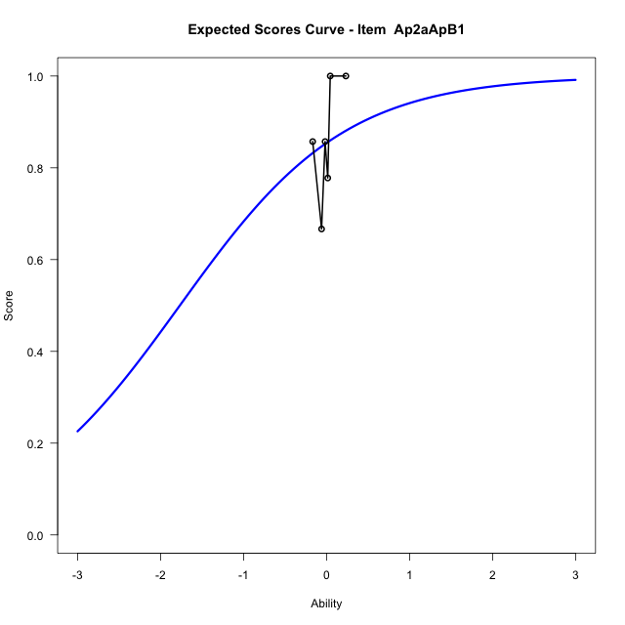
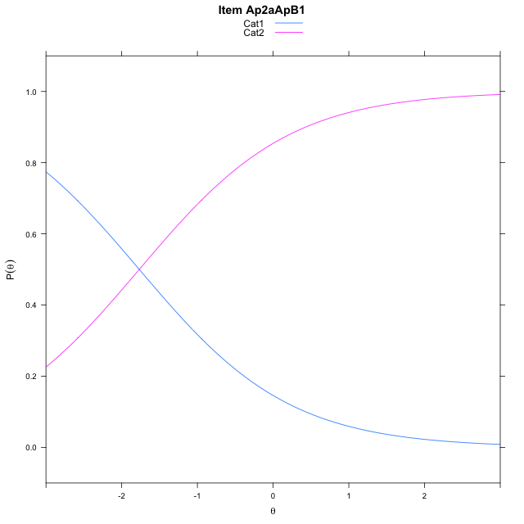
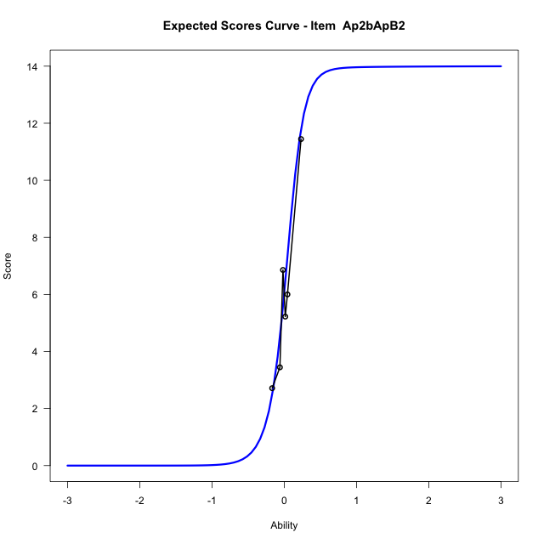
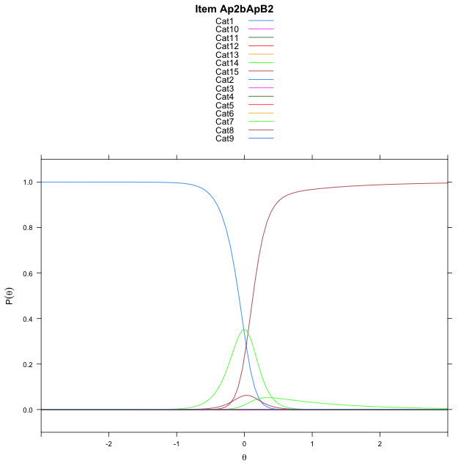
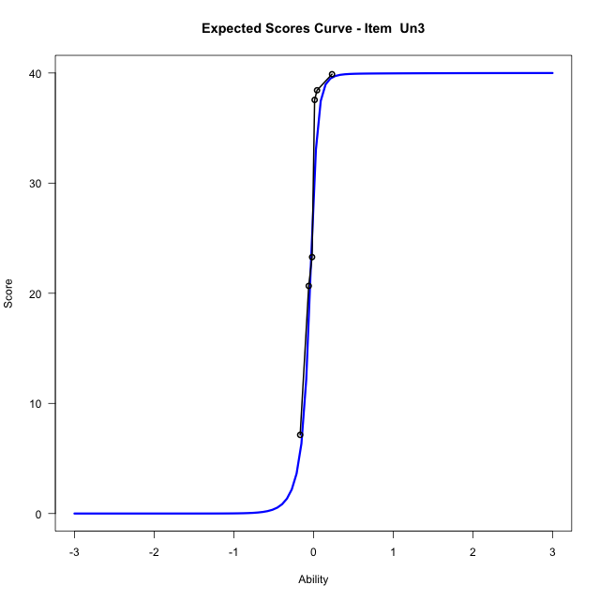
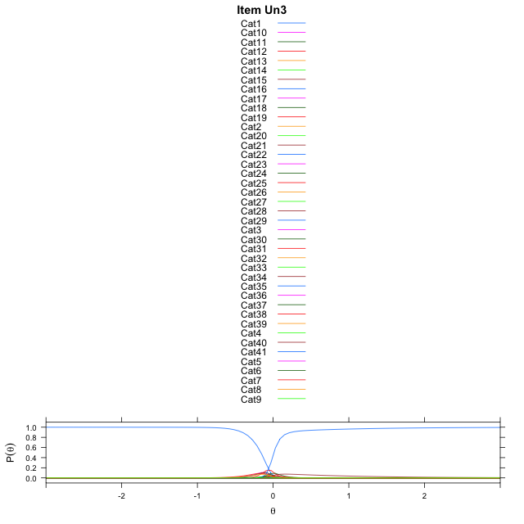
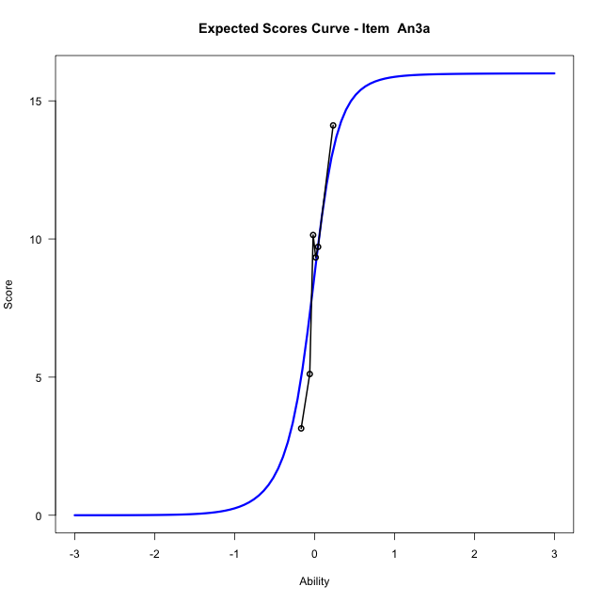

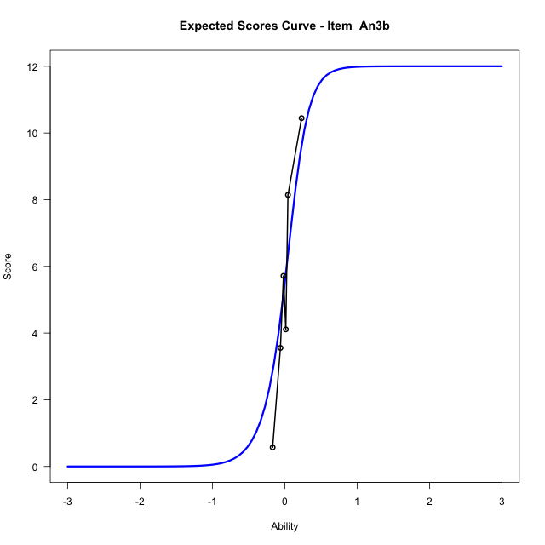

...
Item Infit/Outfit Statistic
An3b_Cat6 | 0.99998476127 | 0.024637695601 | 0.98034395168 | 1 | 0.9999847617 | 0.024637701326 | 0.98034394711 | 1
An3b_Cat7 | 0.99962706112 | 0.053274507812 | 0.95751319117 | 1 | 0.99962706165 | 0.053274511013 | 0.95751318862 | 1
An3b_Cat8 | 0.99995693047 | 0.055292326597 | 0.9559055753 | 1 | 0.999956931 | 0.055292329798 | 0.95590557275 | 1
An3b_Cat9 | 1.0000100497 | 0.055616968749 | 0.95564694632 | 1 | 1.0000100502 | 0.055616971949 | 0.95564694377 | 1
An3b_Cat10 | 1.0000422254 | 0.055813574142 | 0.9554903212 | 1 | 1.0000422259 | 0.055813577341 | 0.95549031865 | 1
An3b_Cat11 | 1.0000847181 | 0.056073175664 | 0.95528351303 | 1 | 1.0000847187 | 0.056073178863 | 0.95528351048 | 1
An3b_Cat12 | 1.000438131 | 0.058230302253 | 0.95356518396 | 1 | 1.0004381315 | 0.058230305452 | 0.95356518141 | 1

Box plot of expected curves

