Type_1
Wilcoxon Analysis for Difference of Programming Skill - Loops in Type between non-gamified:ont-gamified

Wilcoxon test results
Alternative hypothesis: less
Group | N | Median | Mean.Ranks | Sum.Ranks | U | Z | p.value | r | magnitude
non-gamified | 29 | 0.047386757521 | 26.862068966 | 779 | 344 | 1.4442119313 | 0.9257666832 | 0.20845403682 | small
ont-gamified | 19 | -0.0051463591163 | 20.894736842 | 397 | 344 | 1.4442119313 | 0.9257666832 | 0.20845403682 | small
Alternative hypothesis: greater
Group | N | Median | Mean.Ranks | Sum.Ranks | U | Z | p.value | r | magnitude
non-gamified | 29 | 0.047386757521 | 26.862068966 | 779 | 344 | 1.4442119313 | 0.075736705363 | 0.20845403682 | small
ont-gamified | 19 | -0.0051463591163 | 20.894736842 | 397 | 344 | 1.4442119313 | 0.075736705363 | 0.20845403682 | small
Alternative hypothesis: two.sided
Group | N | Median | Mean.Ranks | Sum.Ranks | U | Z | p.value | r | magnitude
non-gamified | 29 | 0.047386757521 | 26.862068966 | 779 | 344 | 1.4442119313 | 0.15147360739 | 0.20845403682 | small
ont-gamified | 19 | -0.0051463591163 | 20.894736842 | 397 | 344 | 1.4442119313 | 0.15147360739 | 0.20845403682 | small

Box plots for wilcoxon tests
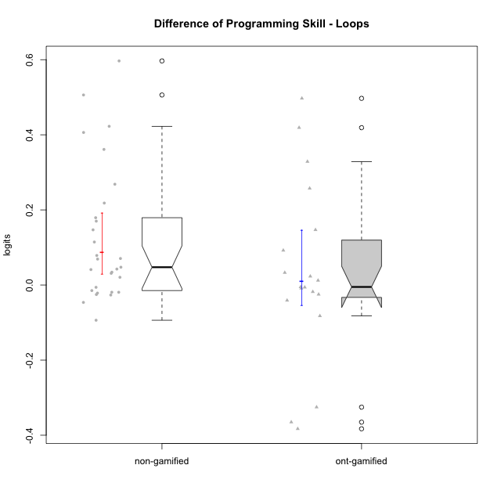

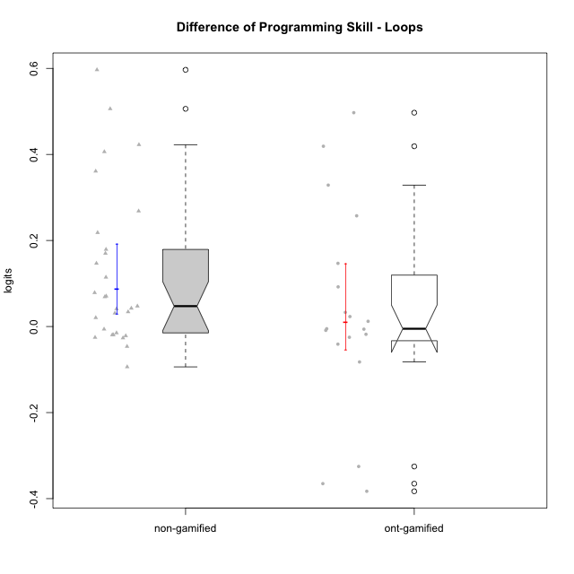

Wilcoxon data
UserID | NroUSP | Type | CLGroup | CLRole | PlayerRole | PreTheta | PostTheta | DiffTheta
10169 | 10377538 | non-gamified | Grupo Team 10 | Apprentice |  | 0.0063461120783 | 0.5123855 | 0.50603938792
10170 | 10260351 | non-gamified | Grupo Team 6 | Apprentice |  | -0.042285594341 | 0.0051011631804 | 0.047386757521
10172 | 10273971 | ont-gamified | Grupo Koil | Master | Yee Achiever | 0.042332715572 | 0.29967561382 | 0.25734289825
10174 | 10276852 | non-gamified | Grupo Team 1 | Apprentice |  | -0.12959814431 | -0.095531736362 | 0.034066407946
10175 | 10310700 | non-gamified | Grupo Team 6 | Master |  | 0.15278597458 | 0.29967561382 | 0.14688963925
10176 | 10276949 | non-gamified | Grupo Team 9 | Apprentice |  | 0.0099101722505 | 0.43251519676 | 0.42260502451
10178 | 8656201 | non-gamified | Grupo Team 11 | Apprentice |  | 0.0029248749671 | -0.0032186184212 | -0.0061434933883
10179 | 10310759 | ont-gamified | Grupo Tosskor | Apprentice | Yee Achiever | -0.009609545422 | 0.0025009181329 | 0.012110463555
10181 | 10276866 | non-gamified | Grupo Team 7 | Apprentice |  | -0.023682552814 | -0.0031944802046 | 0.020488072609
10183 | 10352030 | non-gamified | Grupo Belos | Apprentice | Yee Socializer | -0.23157763121 | -0.05237610515 | 0.17920152606
10184 | 10276675 | non-gamified | Grupo Team 7 | Master |  | 0.048846907864 | 0.0025009181329 | -0.046345989731
10185 | 10276960 | ont-gamified | Grupo Tosskor | Master | Yee Achiever | 0.15278597458 | 0.29967561382 | 0.14688963925
10186 | 10310551 | non-gamified | Grupo Team 5 | Apprentice |  | -0.079450507085 | 0.090593173543 | 0.17004368063
10187 | 9790781 | ont-gamified | Grupo Razorg | Apprentice | Yee Achiever | 0.0029248749671 | -0.015092901545 | -0.018017776512
10188 | 10276995 | ont-gamified | Grupo Paldira | Master | Yee Achiever | 0.3712482209 | -0.011661650245 | -0.38290987115
10189 | 9363926 | non-gamified | Grupo Team 2 | Apprentice |  | -0.10082274093 | -0.031797889026 | 0.069024851901
10190 | 10276907 | non-gamified | Grupo Team 8 | Apprentice |  | -0.012535396461 | -0.037889529091 | -0.02535413263
10192 | 10276682 | ont-gamified | Grupo Yeka | Apprentice | Yee Socializer | 0.0029248749671 | -0.0032186184212 | -0.0061434933883
10196 | 10310655 | non-gamified | Grupo Team 5 | Apprentice |  | -0.064525230136 | 0.0060700983464 | 0.070595328483
10197 | 10276661 | non-gamified | Grupo Team 11 | Master |  | 0.0099101722505 | -0.011661650245 | -0.021571822496
10198 | 10310888 | non-gamified | Grupo Team 1 | Apprentice |  | -0.3727052415 | -0.011661650245 | 0.36104359125
10200 | 9795272 | non-gamified | Grupo Team 4 | Apprentice |  | -0.0842842381 | 0.5123855 | 0.5966697381
10201 | 10276928 | non-gamified | Grupo Team 10 | Master |  | 0.021832701345 | 0.0025009181329 | -0.019331783212
10202 | 10277036 | ont-gamified | Grupo Paldira | Apprentice | Yee Achiever | -0.080668579365 | -0.047763227162 | 0.032905352203
10203 | 9921470 | ont-gamified | Grupo Paldira | Apprentice | Yee Achiever | -0.2160453359 | -0.5413040712 | -0.3252587353
10204 | 10310471 | non-gamified | Grupo Team 5 | Master |  | 0.13339889319 | 0.11853977314 | -0.014859120056
10206 | 10310721 | non-gamified | Grupo Team 9 | Master |  | 0.0099101722505 | -0.016709459235 | -0.026619631486
10208 | 10276932 | ont-gamified | Grupo Yeka | Master | Yee Socializer | 0.22107621252 | 0.13874233142 | -0.082333881094
10210 | 10277015 | ont-gamified | Grupo Losvakai | Apprentice | Yee Achiever | -0.064525230136 | 0.43251519676 | 0.4970404269
10212 | 9065750 | ont-gamified | Grupo Ellaru | Apprentice | Yee Socializer | 0.0099101722505 | -0.015092901545 | -0.025003073796
10213 | 10277040 | non-gamified | Grupo Team 8 | Master |  | 0.099868638408 | 0.0060700983464 | -0.093798540061
10214 | 10277022 | ont-gamified | Grupo Koil | Apprentice | Yee Achiever | 0.031197613045 | -0.0097820298014 | -0.040979642846
10215 | 9285227 | non-gamified | Grupo Team 7 | Apprentice |  | -0.079450507085 | 0.13874233142 | 0.21819283851
10217 | 9805341 | ont-gamified | Grupo Belos | Master | Yee Socializer | 0.3712482209 | 0.0060700983464 | -0.36517812256
10218 | 9842913 | non-gamified | Grupo Team 10 | Apprentice |  | -0.012535396461 | -0.031797889026 | -0.019262492565
10219 | 10276831 | ont-gamified | Grupo Razorg | Apprentice | Yee Achiever | -0.064525230136 | -0.07339599866 | -0.0088707685242
10220 | 9760151 | non-gamified | Grupo Team 4 | Apprentice |  | -0.12959814431 | 0.13874233142 | 0.26834047573
10221 | 9082496 | non-gamified | Grupo Team 3 | Apprentice |  | -0.12959814431 | -0.087132809529 | 0.042465334779
10224 | 9368772 | non-gamified | Grupo Team 9 | Apprentice |  | 0.026336377454 | 0.43251519676 | 0.40617881931
10226 | 10310342 | ont-gamified | Grupo Yeka | Apprentice | Yee Socializer | -0.053101564108 | -0.058247923224 | -0.0051463591163
10227 | 9274382 | non-gamified | Grupo Team 2 | Apprentice |  | -0.061576647251 | -0.020519279434 | 0.041057367817
10228 | 10310492 | ont-gamified | Grupo Losvakai | Apprentice | Yee Achiever | -0.012535396461 | 0.4064791111 | 0.41901450756
10230 | 10351992 | ont-gamified | Grupo Koil | Apprentice | Yee Achiever | 0.026336377454 | 0.11853977314 | 0.092203395684
10231 | 10276911 | non-gamified | Grupo Team 4 | Master |  | 0.22107621252 | 0.29967561382 | 0.078599401308
10232 | 10276974 | non-gamified | Grupo Team 3 | Apprentice |  | -0.12959814431 | -0.015092901545 | 0.11450524276
10237 | 10377688 | ont-gamified | Grupo Ellaru | Apprentice | Yee Socializer | -0.028968045237 | 0.29967561382 | 0.32864365906
10238 | 10276953 | ont-gamified | Grupo Belos | Apprentice | Yee Socializer | -0.023682552814 | -0.00053167959721 | 0.023150873217
10240 | 10276654 | non-gamified | Grupo Team 8 | Apprentice |  | -0.034352104696 | -0.0032186184212 | 0.031133486274

Type_CLRole_1
Wilcoxon Analysis for Difference of Programming Skill - Loops in Type:CLRole between non-gamified.Apprentice:non-gamified.Master

Wilcoxon test results
Alternative hypothesis: less
Group | N | Median | Mean.Ranks | Sum.Ranks | U | Z | p.value | r | magnitude
non-gamified.Apprentice | 21 | 0.070595328483 | 17.714285714 | 372 | 141 | 2.7813152079 | 0.99829782079 | 0.51647726811 | large
non-gamified.Master | 8 | -0.020451802854 | 7.875 | 63 | 141 | 2.7813152079 | 0.99829782079 | 0.51647726811 | large
Alternative hypothesis: greater
Group | N | Median | Mean.Ranks | Sum.Ranks | U | Z | p.value | r | magnitude
non-gamified.Apprentice | 21 | 0.070595328483 | 17.714285714 | 372 | 141 | 2.7813152079 | 0.0020535186952 | 0.51647726811 | large
non-gamified.Master | 8 | -0.020451802854 | 7.875 | 63 | 141 | 2.7813152079 | 0.0020535186952 | 0.51647726811 | large
Alternative hypothesis: two.sided
Group | N | Median | Mean.Ranks | Sum.Ranks | U | Z | p.value | r | magnitude
non-gamified.Apprentice | 21 | 0.070595328483 | 17.714285714 | 372 | 141 | 2.7813152079 | 0.0041070373904 | 0.51647726811 | large
non-gamified.Master | 8 | -0.020451802854 | 7.875 | 63 | 141 | 2.7813152079 | 0.0041070373904 | 0.51647726811 | large

Box plots for wilcoxon tests
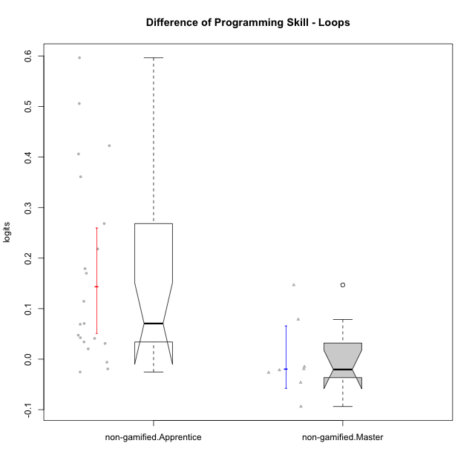

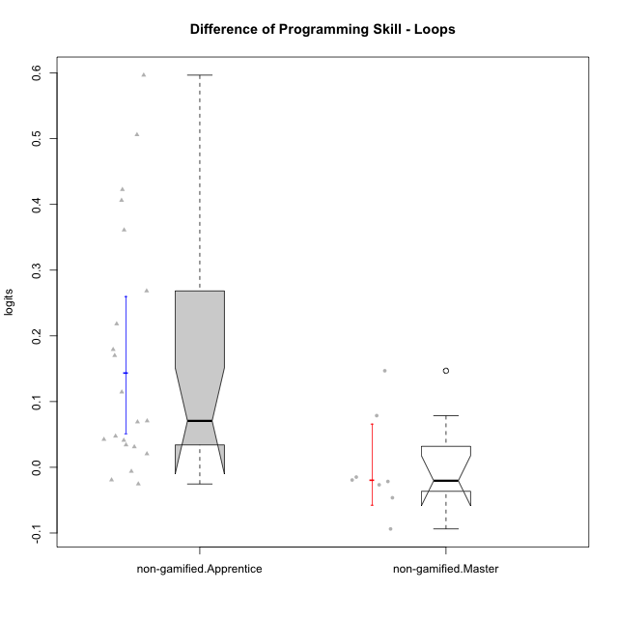

Wilcoxon data
UserID | NroUSP | Type | CLGroup | CLRole | PlayerRole | PreTheta | PostTheta | DiffTheta
10169 | 10377538 | non-gamified | Grupo Team 10 | Apprentice |  | 0.0063461120783 | 0.5123855 | 0.50603938792
10170 | 10260351 | non-gamified | Grupo Team 6 | Apprentice |  | -0.042285594341 | 0.0051011631804 | 0.047386757521
10174 | 10276852 | non-gamified | Grupo Team 1 | Apprentice |  | -0.12959814431 | -0.095531736362 | 0.034066407946
10175 | 10310700 | non-gamified | Grupo Team 6 | Master |  | 0.15278597458 | 0.29967561382 | 0.14688963925
10176 | 10276949 | non-gamified | Grupo Team 9 | Apprentice |  | 0.0099101722505 | 0.43251519676 | 0.42260502451
10178 | 8656201 | non-gamified | Grupo Team 11 | Apprentice |  | 0.0029248749671 | -0.0032186184212 | -0.0061434933883
10181 | 10276866 | non-gamified | Grupo Team 7 | Apprentice |  | -0.023682552814 | -0.0031944802046 | 0.020488072609
10183 | 10352030 | non-gamified | Grupo Belos | Apprentice | Yee Socializer | -0.23157763121 | -0.05237610515 | 0.17920152606
10184 | 10276675 | non-gamified | Grupo Team 7 | Master |  | 0.048846907864 | 0.0025009181329 | -0.046345989731
10186 | 10310551 | non-gamified | Grupo Team 5 | Apprentice |  | -0.079450507085 | 0.090593173543 | 0.17004368063
10189 | 9363926 | non-gamified | Grupo Team 2 | Apprentice |  | -0.10082274093 | -0.031797889026 | 0.069024851901
10190 | 10276907 | non-gamified | Grupo Team 8 | Apprentice |  | -0.012535396461 | -0.037889529091 | -0.02535413263
10196 | 10310655 | non-gamified | Grupo Team 5 | Apprentice |  | -0.064525230136 | 0.0060700983464 | 0.070595328483
10197 | 10276661 | non-gamified | Grupo Team 11 | Master |  | 0.0099101722505 | -0.011661650245 | -0.021571822496
10198 | 10310888 | non-gamified | Grupo Team 1 | Apprentice |  | -0.3727052415 | -0.011661650245 | 0.36104359125
10200 | 9795272 | non-gamified | Grupo Team 4 | Apprentice |  | -0.0842842381 | 0.5123855 | 0.5966697381
10201 | 10276928 | non-gamified | Grupo Team 10 | Master |  | 0.021832701345 | 0.0025009181329 | -0.019331783212
10204 | 10310471 | non-gamified | Grupo Team 5 | Master |  | 0.13339889319 | 0.11853977314 | -0.014859120056
10206 | 10310721 | non-gamified | Grupo Team 9 | Master |  | 0.0099101722505 | -0.016709459235 | -0.026619631486
10213 | 10277040 | non-gamified | Grupo Team 8 | Master |  | 0.099868638408 | 0.0060700983464 | -0.093798540061
10215 | 9285227 | non-gamified | Grupo Team 7 | Apprentice |  | -0.079450507085 | 0.13874233142 | 0.21819283851
10218 | 9842913 | non-gamified | Grupo Team 10 | Apprentice |  | -0.012535396461 | -0.031797889026 | -0.019262492565
10220 | 9760151 | non-gamified | Grupo Team 4 | Apprentice |  | -0.12959814431 | 0.13874233142 | 0.26834047573
10221 | 9082496 | non-gamified | Grupo Team 3 | Apprentice |  | -0.12959814431 | -0.087132809529 | 0.042465334779
10224 | 9368772 | non-gamified | Grupo Team 9 | Apprentice |  | 0.026336377454 | 0.43251519676 | 0.40617881931
10227 | 9274382 | non-gamified | Grupo Team 2 | Apprentice |  | -0.061576647251 | -0.020519279434 | 0.041057367817
10231 | 10276911 | non-gamified | Grupo Team 4 | Master |  | 0.22107621252 | 0.29967561382 | 0.078599401308
10232 | 10276974 | non-gamified | Grupo Team 3 | Apprentice |  | -0.12959814431 | -0.015092901545 | 0.11450524276
10240 | 10276654 | non-gamified | Grupo Team 8 | Apprentice |  | -0.034352104696 | -0.0032186184212 | 0.031133486274

Type_CLRole_2
Wilcoxon Analysis for Difference of Programming Skill - Loops in Type:CLRole between non-gamified.Apprentice:ont-gamified.Apprentice

Wilcoxon test results
Alternative hypothesis: less
Group | N | Median | Mean.Ranks | Sum.Ranks | U | Z | p.value | r | magnitude
non-gamified.Apprentice | 21 | 0.070595328483 | 20.880952381 | 438.5 | 207.5 | 2.0372836368 | 0.98020586481 | 0.34436378674 | medium
ont-gamified.Apprentice | 14 | 0.0034820522193 | 13.678571429 | 191.5 | 207.5 | 2.0372836368 | 0.98020586481 | 0.34436378674 | medium
Alternative hypothesis: greater
Group | N | Median | Mean.Ranks | Sum.Ranks | U | Z | p.value | r | magnitude
non-gamified.Apprentice | 21 | 0.070595328483 | 20.880952381 | 438.5 | 207.5 | 2.0372836368 | 0.020694456981 | 0.34436378674 | medium
ont-gamified.Apprentice | 14 | 0.0034820522193 | 13.678571429 | 191.5 | 207.5 | 2.0372836368 | 0.020694456981 | 0.34436378674 | medium
Alternative hypothesis: two.sided
Group | N | Median | Mean.Ranks | Sum.Ranks | U | Z | p.value | r | magnitude
non-gamified.Apprentice | 21 | 0.070595328483 | 20.880952381 | 438.5 | 207.5 | 2.0372836368 | 0.041268560993 | 0.34436378674 | medium
ont-gamified.Apprentice | 14 | 0.0034820522193 | 13.678571429 | 191.5 | 207.5 | 2.0372836368 | 0.041268560993 | 0.34436378674 | medium

Box plots for wilcoxon tests
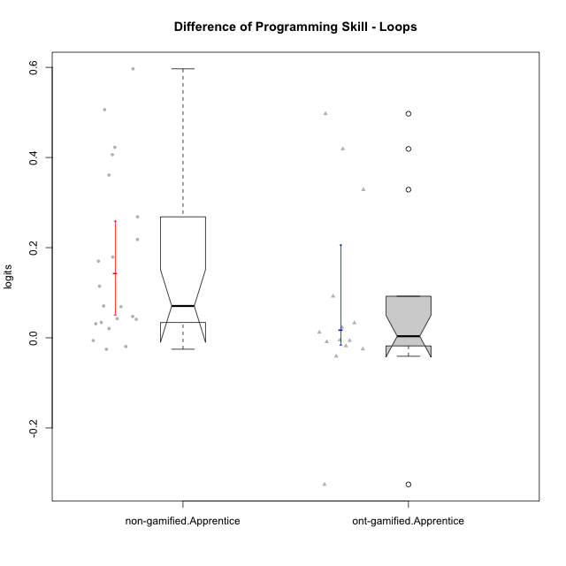

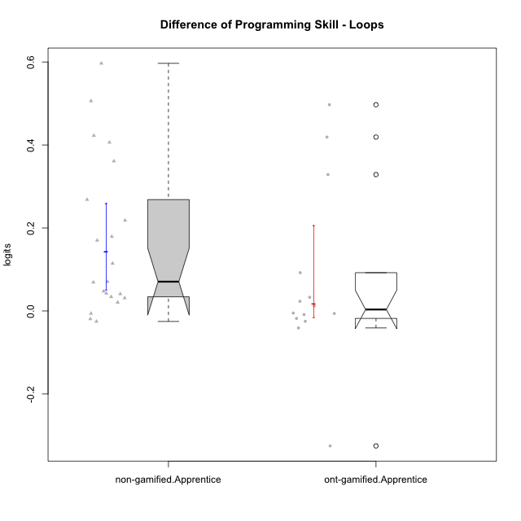

Wilcoxon data
UserID | NroUSP | Type | CLGroup | CLRole | PlayerRole | PreTheta | PostTheta | DiffTheta
10169 | 10377538 | non-gamified | Grupo Team 10 | Apprentice |  | 0.0063461120783 | 0.5123855 | 0.50603938792
10170 | 10260351 | non-gamified | Grupo Team 6 | Apprentice |  | -0.042285594341 | 0.0051011631804 | 0.047386757521
10174 | 10276852 | non-gamified | Grupo Team 1 | Apprentice |  | -0.12959814431 | -0.095531736362 | 0.034066407946
10176 | 10276949 | non-gamified | Grupo Team 9 | Apprentice |  | 0.0099101722505 | 0.43251519676 | 0.42260502451
10178 | 8656201 | non-gamified | Grupo Team 11 | Apprentice |  | 0.0029248749671 | -0.0032186184212 | -0.0061434933883
10179 | 10310759 | ont-gamified | Grupo Tosskor | Apprentice | Yee Achiever | -0.009609545422 | 0.0025009181329 | 0.012110463555
10181 | 10276866 | non-gamified | Grupo Team 7 | Apprentice |  | -0.023682552814 | -0.0031944802046 | 0.020488072609
10183 | 10352030 | non-gamified | Grupo Belos | Apprentice | Yee Socializer | -0.23157763121 | -0.05237610515 | 0.17920152606
10186 | 10310551 | non-gamified | Grupo Team 5 | Apprentice |  | -0.079450507085 | 0.090593173543 | 0.17004368063
10187 | 9790781 | ont-gamified | Grupo Razorg | Apprentice | Yee Achiever | 0.0029248749671 | -0.015092901545 | -0.018017776512
10189 | 9363926 | non-gamified | Grupo Team 2 | Apprentice |  | -0.10082274093 | -0.031797889026 | 0.069024851901
10190 | 10276907 | non-gamified | Grupo Team 8 | Apprentice |  | -0.012535396461 | -0.037889529091 | -0.02535413263
10192 | 10276682 | ont-gamified | Grupo Yeka | Apprentice | Yee Socializer | 0.0029248749671 | -0.0032186184212 | -0.0061434933883
10196 | 10310655 | non-gamified | Grupo Team 5 | Apprentice |  | -0.064525230136 | 0.0060700983464 | 0.070595328483
10198 | 10310888 | non-gamified | Grupo Team 1 | Apprentice |  | -0.3727052415 | -0.011661650245 | 0.36104359125
10200 | 9795272 | non-gamified | Grupo Team 4 | Apprentice |  | -0.0842842381 | 0.5123855 | 0.5966697381
10202 | 10277036 | ont-gamified | Grupo Paldira | Apprentice | Yee Achiever | -0.080668579365 | -0.047763227162 | 0.032905352203
10203 | 9921470 | ont-gamified | Grupo Paldira | Apprentice | Yee Achiever | -0.2160453359 | -0.5413040712 | -0.3252587353
10210 | 10277015 | ont-gamified | Grupo Losvakai | Apprentice | Yee Achiever | -0.064525230136 | 0.43251519676 | 0.4970404269
10212 | 9065750 | ont-gamified | Grupo Ellaru | Apprentice | Yee Socializer | 0.0099101722505 | -0.015092901545 | -0.025003073796
10214 | 10277022 | ont-gamified | Grupo Koil | Apprentice | Yee Achiever | 0.031197613045 | -0.0097820298014 | -0.040979642846
10215 | 9285227 | non-gamified | Grupo Team 7 | Apprentice |  | -0.079450507085 | 0.13874233142 | 0.21819283851
10218 | 9842913 | non-gamified | Grupo Team 10 | Apprentice |  | -0.012535396461 | -0.031797889026 | -0.019262492565
10219 | 10276831 | ont-gamified | Grupo Razorg | Apprentice | Yee Achiever | -0.064525230136 | -0.07339599866 | -0.0088707685242
10220 | 9760151 | non-gamified | Grupo Team 4 | Apprentice |  | -0.12959814431 | 0.13874233142 | 0.26834047573
10221 | 9082496 | non-gamified | Grupo Team 3 | Apprentice |  | -0.12959814431 | -0.087132809529 | 0.042465334779
10224 | 9368772 | non-gamified | Grupo Team 9 | Apprentice |  | 0.026336377454 | 0.43251519676 | 0.40617881931
10226 | 10310342 | ont-gamified | Grupo Yeka | Apprentice | Yee Socializer | -0.053101564108 | -0.058247923224 | -0.0051463591163
10227 | 9274382 | non-gamified | Grupo Team 2 | Apprentice |  | -0.061576647251 | -0.020519279434 | 0.041057367817
10228 | 10310492 | ont-gamified | Grupo Losvakai | Apprentice | Yee Achiever | -0.012535396461 | 0.4064791111 | 0.41901450756
10230 | 10351992 | ont-gamified | Grupo Koil | Apprentice | Yee Achiever | 0.026336377454 | 0.11853977314 | 0.092203395684
10232 | 10276974 | non-gamified | Grupo Team 3 | Apprentice |  | -0.12959814431 | -0.015092901545 | 0.11450524276
10237 | 10377688 | ont-gamified | Grupo Ellaru | Apprentice | Yee Socializer | -0.028968045237 | 0.29967561382 | 0.32864365906
10238 | 10276953 | ont-gamified | Grupo Belos | Apprentice | Yee Socializer | -0.023682552814 | -0.00053167959721 | 0.023150873217
10240 | 10276654 | non-gamified | Grupo Team 8 | Apprentice |  | -0.034352104696 | -0.0032186184212 | 0.031133486274

Type_CLRole_3
Wilcoxon Analysis for Difference of Programming Skill - Loops in Type:CLRole between non-gamified.Apprentice:ont-gamified.Master

Wilcoxon test results
Alternative hypothesis: less
Group | N | Median | Mean.Ranks | Sum.Ranks | U | Z | p.value | r | magnitude
non-gamified.Apprentice | 21 | 0.070595328483 | 14.714285714 | 309 | 78 | 1.659030124 | 0.95434782609 | 0.325362576 | medium
ont-gamified.Master | 5 | -0.082333881094 | 8.4 | 42 | 78 | 1.659030124 | 0.95434782609 | 0.325362576 | medium
Alternative hypothesis: greater
Group | N | Median | Mean.Ranks | Sum.Ranks | U | Z | p.value | r | magnitude
non-gamified.Apprentice | 21 | 0.070595328483 | 14.714285714 | 309 | 78 | 1.659030124 | 0.052675585284 | 0.325362576 | medium
ont-gamified.Master | 5 | -0.082333881094 | 8.4 | 42 | 78 | 1.659030124 | 0.052675585284 | 0.325362576 | medium
Alternative hypothesis: two.sided
Group | N | Median | Mean.Ranks | Sum.Ranks | U | Z | p.value | r | magnitude
non-gamified.Apprentice | 21 | 0.070595328483 | 14.714285714 | 309 | 78 | 1.659030124 | 0.10535117057 | 0.325362576 | medium
ont-gamified.Master | 5 | -0.082333881094 | 8.4 | 42 | 78 | 1.659030124 | 0.10535117057 | 0.325362576 | medium

Box plots for wilcoxon tests
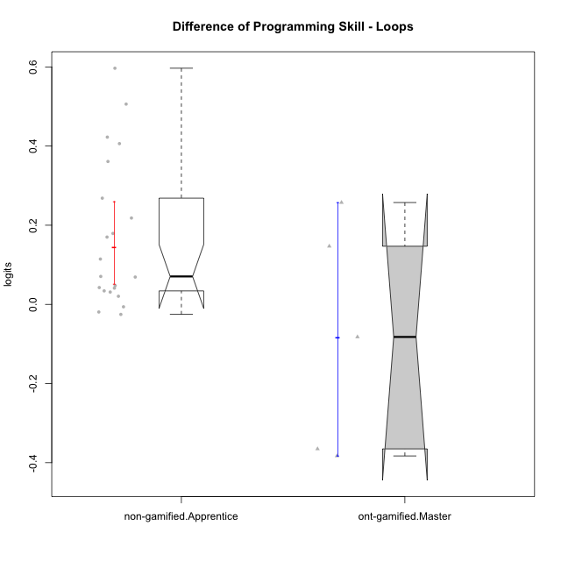

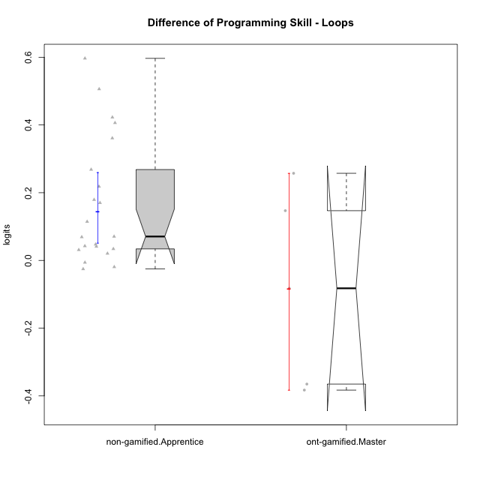

Wilcoxon data
UserID | NroUSP | Type | CLGroup | CLRole | PlayerRole | PreTheta | PostTheta | DiffTheta
10169 | 10377538 | non-gamified | Grupo Team 10 | Apprentice |  | 0.0063461120783 | 0.5123855 | 0.50603938792
10170 | 10260351 | non-gamified | Grupo Team 6 | Apprentice |  | -0.042285594341 | 0.0051011631804 | 0.047386757521
10172 | 10273971 | ont-gamified | Grupo Koil | Master | Yee Achiever | 0.042332715572 | 0.29967561382 | 0.25734289825
10174 | 10276852 | non-gamified | Grupo Team 1 | Apprentice |  | -0.12959814431 | -0.095531736362 | 0.034066407946
10176 | 10276949 | non-gamified | Grupo Team 9 | Apprentice |  | 0.0099101722505 | 0.43251519676 | 0.42260502451
10178 | 8656201 | non-gamified | Grupo Team 11 | Apprentice |  | 0.0029248749671 | -0.0032186184212 | -0.0061434933883
10181 | 10276866 | non-gamified | Grupo Team 7 | Apprentice |  | -0.023682552814 | -0.0031944802046 | 0.020488072609
10183 | 10352030 | non-gamified | Grupo Belos | Apprentice | Yee Socializer | -0.23157763121 | -0.05237610515 | 0.17920152606
10185 | 10276960 | ont-gamified | Grupo Tosskor | Master | Yee Achiever | 0.15278597458 | 0.29967561382 | 0.14688963925
10186 | 10310551 | non-gamified | Grupo Team 5 | Apprentice |  | -0.079450507085 | 0.090593173543 | 0.17004368063
10188 | 10276995 | ont-gamified | Grupo Paldira | Master | Yee Achiever | 0.3712482209 | -0.011661650245 | -0.38290987115
10189 | 9363926 | non-gamified | Grupo Team 2 | Apprentice |  | -0.10082274093 | -0.031797889026 | 0.069024851901
10190 | 10276907 | non-gamified | Grupo Team 8 | Apprentice |  | -0.012535396461 | -0.037889529091 | -0.02535413263
10196 | 10310655 | non-gamified | Grupo Team 5 | Apprentice |  | -0.064525230136 | 0.0060700983464 | 0.070595328483
10198 | 10310888 | non-gamified | Grupo Team 1 | Apprentice |  | -0.3727052415 | -0.011661650245 | 0.36104359125
10200 | 9795272 | non-gamified | Grupo Team 4 | Apprentice |  | -0.0842842381 | 0.5123855 | 0.5966697381
10208 | 10276932 | ont-gamified | Grupo Yeka | Master | Yee Socializer | 0.22107621252 | 0.13874233142 | -0.082333881094
10215 | 9285227 | non-gamified | Grupo Team 7 | Apprentice |  | -0.079450507085 | 0.13874233142 | 0.21819283851
10217 | 9805341 | ont-gamified | Grupo Belos | Master | Yee Socializer | 0.3712482209 | 0.0060700983464 | -0.36517812256
10218 | 9842913 | non-gamified | Grupo Team 10 | Apprentice |  | -0.012535396461 | -0.031797889026 | -0.019262492565
10220 | 9760151 | non-gamified | Grupo Team 4 | Apprentice |  | -0.12959814431 | 0.13874233142 | 0.26834047573
10221 | 9082496 | non-gamified | Grupo Team 3 | Apprentice |  | -0.12959814431 | -0.087132809529 | 0.042465334779
10224 | 9368772 | non-gamified | Grupo Team 9 | Apprentice |  | 0.026336377454 | 0.43251519676 | 0.40617881931
10227 | 9274382 | non-gamified | Grupo Team 2 | Apprentice |  | -0.061576647251 | -0.020519279434 | 0.041057367817
10232 | 10276974 | non-gamified | Grupo Team 3 | Apprentice |  | -0.12959814431 | -0.015092901545 | 0.11450524276
10240 | 10276654 | non-gamified | Grupo Team 8 | Apprentice |  | -0.034352104696 | -0.0032186184212 | 0.031133486274

Type_CLRole_4
Wilcoxon Analysis for Difference of Programming Skill - Loops in Type:CLRole between non-gamified.Master:ont-gamified.Apprentice

Wilcoxon test results
Alternative hypothesis: less
Group | N | Median | Mean.Ranks | Sum.Ranks | U | Z | p.value | r | magnitude
non-gamified.Master | 8 | -0.020451802854 | 8.875 | 71 | 35 | -1.4332996289 | 0.082656284204 | 0.30558050762 | medium
ont-gamified.Apprentice | 14 | 0.0034820522193 | 13 | 182 | 35 | -1.4332996289 | 0.082656284204 | 0.30558050762 | medium
Alternative hypothesis: greater
Group | N | Median | Mean.Ranks | Sum.Ranks | U | Z | p.value | r | magnitude
non-gamified.Master | 8 | -0.020451802854 | 8.875 | 71 | 35 | -1.4332996289 | 0.92748225287 | 0.30558050762 | medium
ont-gamified.Apprentice | 14 | 0.0034820522193 | 13 | 182 | 35 | -1.4332996289 | 0.92748225287 | 0.30558050762 | medium
Alternative hypothesis: two.sided
Group | N | Median | Mean.Ranks | Sum.Ranks | U | Z | p.value | r | magnitude
non-gamified.Master | 8 | -0.020451802854 | 8.875 | 71 | 35 | -1.4332996289 | 0.16531256841 | 0.30558050762 | medium
ont-gamified.Apprentice | 14 | 0.0034820522193 | 13 | 182 | 35 | -1.4332996289 | 0.16531256841 | 0.30558050762 | medium

Box plots for wilcoxon tests
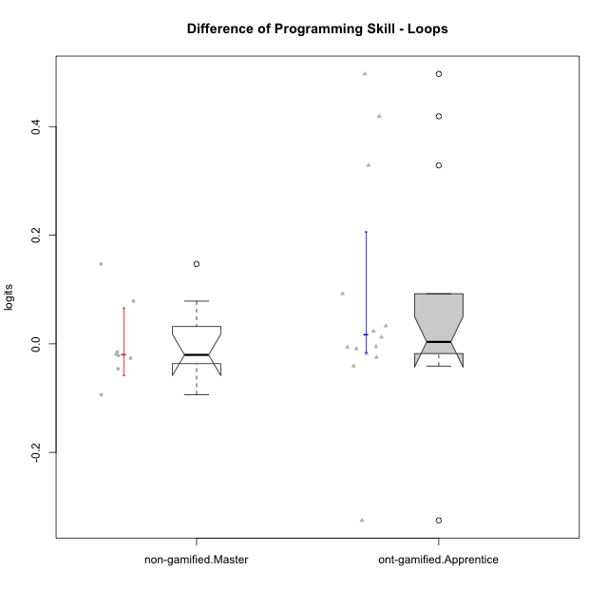

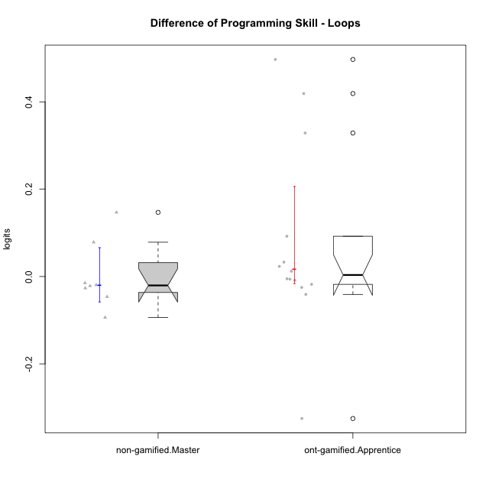

Wilcoxon data
UserID | NroUSP | Type | CLGroup | CLRole | PlayerRole | PreTheta | PostTheta | DiffTheta
10175 | 10310700 | non-gamified | Grupo Team 6 | Master |  | 0.15278597458 | 0.29967561382 | 0.14688963925
10179 | 10310759 | ont-gamified | Grupo Tosskor | Apprentice | Yee Achiever | -0.009609545422 | 0.0025009181329 | 0.012110463555
10184 | 10276675 | non-gamified | Grupo Team 7 | Master |  | 0.048846907864 | 0.0025009181329 | -0.046345989731
10187 | 9790781 | ont-gamified | Grupo Razorg | Apprentice | Yee Achiever | 0.0029248749671 | -0.015092901545 | -0.018017776512
10192 | 10276682 | ont-gamified | Grupo Yeka | Apprentice | Yee Socializer | 0.0029248749671 | -0.0032186184212 | -0.0061434933883
10197 | 10276661 | non-gamified | Grupo Team 11 | Master |  | 0.0099101722505 | -0.011661650245 | -0.021571822496
10201 | 10276928 | non-gamified | Grupo Team 10 | Master |  | 0.021832701345 | 0.0025009181329 | -0.019331783212
10202 | 10277036 | ont-gamified | Grupo Paldira | Apprentice | Yee Achiever | -0.080668579365 | -0.047763227162 | 0.032905352203
10203 | 9921470 | ont-gamified | Grupo Paldira | Apprentice | Yee Achiever | -0.2160453359 | -0.5413040712 | -0.3252587353
10204 | 10310471 | non-gamified | Grupo Team 5 | Master |  | 0.13339889319 | 0.11853977314 | -0.014859120056
10206 | 10310721 | non-gamified | Grupo Team 9 | Master |  | 0.0099101722505 | -0.016709459235 | -0.026619631486
10210 | 10277015 | ont-gamified | Grupo Losvakai | Apprentice | Yee Achiever | -0.064525230136 | 0.43251519676 | 0.4970404269
10212 | 9065750 | ont-gamified | Grupo Ellaru | Apprentice | Yee Socializer | 0.0099101722505 | -0.015092901545 | -0.025003073796
10213 | 10277040 | non-gamified | Grupo Team 8 | Master |  | 0.099868638408 | 0.0060700983464 | -0.093798540061
10214 | 10277022 | ont-gamified | Grupo Koil | Apprentice | Yee Achiever | 0.031197613045 | -0.0097820298014 | -0.040979642846
10219 | 10276831 | ont-gamified | Grupo Razorg | Apprentice | Yee Achiever | -0.064525230136 | -0.07339599866 | -0.0088707685242
10226 | 10310342 | ont-gamified | Grupo Yeka | Apprentice | Yee Socializer | -0.053101564108 | -0.058247923224 | -0.0051463591163
10228 | 10310492 | ont-gamified | Grupo Losvakai | Apprentice | Yee Achiever | -0.012535396461 | 0.4064791111 | 0.41901450756
10230 | 10351992 | ont-gamified | Grupo Koil | Apprentice | Yee Achiever | 0.026336377454 | 0.11853977314 | 0.092203395684
10231 | 10276911 | non-gamified | Grupo Team 4 | Master |  | 0.22107621252 | 0.29967561382 | 0.078599401308
10237 | 10377688 | ont-gamified | Grupo Ellaru | Apprentice | Yee Socializer | -0.028968045237 | 0.29967561382 | 0.32864365906
10238 | 10276953 | ont-gamified | Grupo Belos | Apprentice | Yee Socializer | -0.023682552814 | -0.00053167959721 | 0.023150873217

Type_CLRole_5
Wilcoxon Analysis for Difference of Programming Skill - Loops in Type:CLRole between non-gamified.Master:ont-gamified.Master

Wilcoxon test results
Alternative hypothesis: less
Group | N | Median | Mean.Ranks | Sum.Ranks | U | Z | p.value | r | magnitude
non-gamified.Master | 8 | -0.020451802854 | 7.4375 | 59.5 | 23.5 | 0.5130527658 | 0.70240870241 | 0.14229523493 | small
ont-gamified.Master | 5 | -0.082333881094 | 6.3 | 31.5 | 23.5 | 0.5130527658 | 0.70240870241 | 0.14229523493 | small
Alternative hypothesis: greater
Group | N | Median | Mean.Ranks | Sum.Ranks | U | Z | p.value | r | magnitude
non-gamified.Master | 8 | -0.020451802854 | 7.4375 | 59.5 | 23.5 | 0.5130527658 | 0.32400932401 | 0.14229523493 | small
ont-gamified.Master | 5 | -0.082333881094 | 6.3 | 31.5 | 23.5 | 0.5130527658 | 0.32400932401 | 0.14229523493 | small
Alternative hypothesis: two.sided
Group | N | Median | Mean.Ranks | Sum.Ranks | U | Z | p.value | r | magnitude
non-gamified.Master | 8 | -0.020451802854 | 7.4375 | 59.5 | 23.5 | 0.5130527658 | 0.64957264957 | 0.14229523493 | small
ont-gamified.Master | 5 | -0.082333881094 | 6.3 | 31.5 | 23.5 | 0.5130527658 | 0.64957264957 | 0.14229523493 | small

Box plots for wilcoxon tests
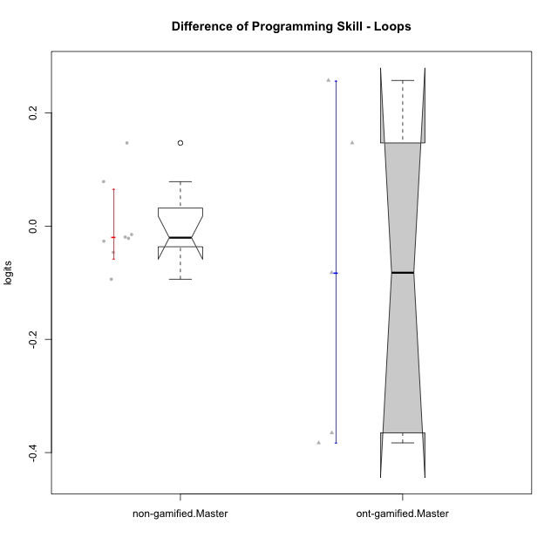

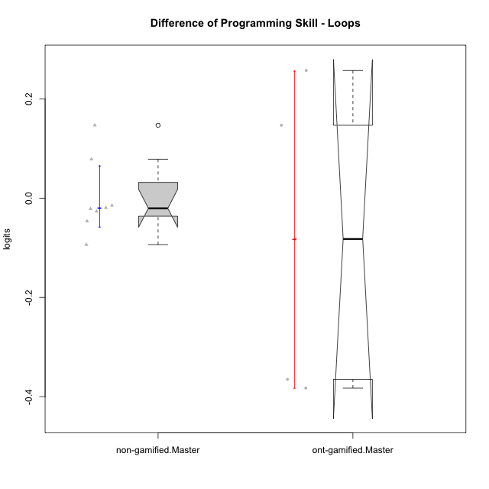

Wilcoxon data
UserID | NroUSP | Type | CLGroup | CLRole | PlayerRole | PreTheta | PostTheta | DiffTheta
10172 | 10273971 | ont-gamified | Grupo Koil | Master | Yee Achiever | 0.042332715572 | 0.29967561382 | 0.25734289825
10175 | 10310700 | non-gamified | Grupo Team 6 | Master |  | 0.15278597458 | 0.29967561382 | 0.14688963925
10184 | 10276675 | non-gamified | Grupo Team 7 | Master |  | 0.048846907864 | 0.0025009181329 | -0.046345989731
10185 | 10276960 | ont-gamified | Grupo Tosskor | Master | Yee Achiever | 0.15278597458 | 0.29967561382 | 0.14688963925
10188 | 10276995 | ont-gamified | Grupo Paldira | Master | Yee Achiever | 0.3712482209 | -0.011661650245 | -0.38290987115
10197 | 10276661 | non-gamified | Grupo Team 11 | Master |  | 0.0099101722505 | -0.011661650245 | -0.021571822496
10201 | 10276928 | non-gamified | Grupo Team 10 | Master |  | 0.021832701345 | 0.0025009181329 | -0.019331783212
10204 | 10310471 | non-gamified | Grupo Team 5 | Master |  | 0.13339889319 | 0.11853977314 | -0.014859120056
10206 | 10310721 | non-gamified | Grupo Team 9 | Master |  | 0.0099101722505 | -0.016709459235 | -0.026619631486
10208 | 10276932 | ont-gamified | Grupo Yeka | Master | Yee Socializer | 0.22107621252 | 0.13874233142 | -0.082333881094
10213 | 10277040 | non-gamified | Grupo Team 8 | Master |  | 0.099868638408 | 0.0060700983464 | -0.093798540061
10217 | 9805341 | ont-gamified | Grupo Belos | Master | Yee Socializer | 0.3712482209 | 0.0060700983464 | -0.36517812256
10231 | 10276911 | non-gamified | Grupo Team 4 | Master |  | 0.22107621252 | 0.29967561382 | 0.078599401308

Type_CLRole_6
Wilcoxon Analysis for Difference of Programming Skill - Loops in Type:CLRole between ont-gamified.Apprentice:ont-gamified.Master

Wilcoxon test results
Alternative hypothesis: less
Group | N | Median | Mean.Ranks | Sum.Ranks | U | Z | p.value | r | magnitude
ont-gamified.Apprentice | 14 | 0.0034820522193 | 10.857142857 | 152 | 47 | 1.1109841197 | 0.87168902649 | 0.25487723715 | small
ont-gamified.Master | 5 | -0.082333881094 | 7.6 | 38 | 47 | 1.1109841197 | 0.87168902649 | 0.25487723715 | small
Alternative hypothesis: greater
Group | N | Median | Mean.Ranks | Sum.Ranks | U | Z | p.value | r | magnitude
ont-gamified.Apprentice | 14 | 0.0034820522193 | 10.857142857 | 152 | 47 | 1.1109841197 | 0.14877880977 | 0.25487723715 | small
ont-gamified.Master | 5 | -0.082333881094 | 7.6 | 38 | 47 | 1.1109841197 | 0.14877880977 | 0.25487723715 | small
Alternative hypothesis: two.sided
Group | N | Median | Mean.Ranks | Sum.Ranks | U | Z | p.value | r | magnitude
ont-gamified.Apprentice | 14 | 0.0034820522193 | 10.857142857 | 152 | 47 | 1.1109841197 | 0.29755761954 | 0.25487723715 | small
ont-gamified.Master | 5 | -0.082333881094 | 7.6 | 38 | 47 | 1.1109841197 | 0.29755761954 | 0.25487723715 | small

Box plots for wilcoxon tests
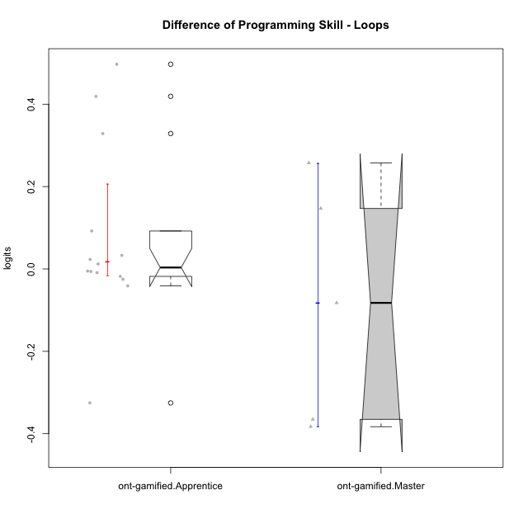

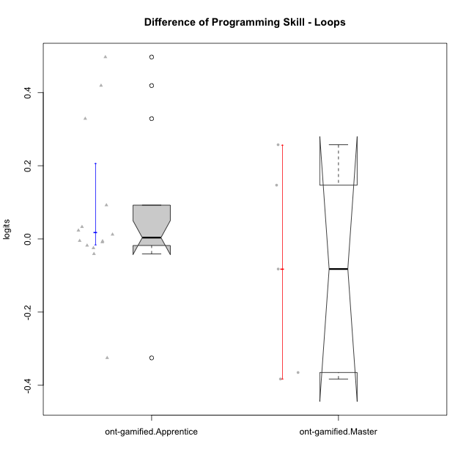

Wilcoxon data
UserID | NroUSP | Type | CLGroup | CLRole | PlayerRole | PreTheta | PostTheta | DiffTheta
10172 | 10273971 | ont-gamified | Grupo Koil | Master | Yee Achiever | 0.042332715572 | 0.29967561382 | 0.25734289825
10179 | 10310759 | ont-gamified | Grupo Tosskor | Apprentice | Yee Achiever | -0.009609545422 | 0.0025009181329 | 0.012110463555
10185 | 10276960 | ont-gamified | Grupo Tosskor | Master | Yee Achiever | 0.15278597458 | 0.29967561382 | 0.14688963925
10187 | 9790781 | ont-gamified | Grupo Razorg | Apprentice | Yee Achiever | 0.0029248749671 | -0.015092901545 | -0.018017776512
10188 | 10276995 | ont-gamified | Grupo Paldira | Master | Yee Achiever | 0.3712482209 | -0.011661650245 | -0.38290987115
10192 | 10276682 | ont-gamified | Grupo Yeka | Apprentice | Yee Socializer | 0.0029248749671 | -0.0032186184212 | -0.0061434933883
10202 | 10277036 | ont-gamified | Grupo Paldira | Apprentice | Yee Achiever | -0.080668579365 | -0.047763227162 | 0.032905352203
10203 | 9921470 | ont-gamified | Grupo Paldira | Apprentice | Yee Achiever | -0.2160453359 | -0.5413040712 | -0.3252587353
10208 | 10276932 | ont-gamified | Grupo Yeka | Master | Yee Socializer | 0.22107621252 | 0.13874233142 | -0.082333881094
10210 | 10277015 | ont-gamified | Grupo Losvakai | Apprentice | Yee Achiever | -0.064525230136 | 0.43251519676 | 0.4970404269
10212 | 9065750 | ont-gamified | Grupo Ellaru | Apprentice | Yee Socializer | 0.0099101722505 | -0.015092901545 | -0.025003073796
10214 | 10277022 | ont-gamified | Grupo Koil | Apprentice | Yee Achiever | 0.031197613045 | -0.0097820298014 | -0.040979642846
10217 | 9805341 | ont-gamified | Grupo Belos | Master | Yee Socializer | 0.3712482209 | 0.0060700983464 | -0.36517812256
10219 | 10276831 | ont-gamified | Grupo Razorg | Apprentice | Yee Achiever | -0.064525230136 | -0.07339599866 | -0.0088707685242
10226 | 10310342 | ont-gamified | Grupo Yeka | Apprentice | Yee Socializer | -0.053101564108 | -0.058247923224 | -0.0051463591163
10228 | 10310492 | ont-gamified | Grupo Losvakai | Apprentice | Yee Achiever | -0.012535396461 | 0.4064791111 | 0.41901450756
10230 | 10351992 | ont-gamified | Grupo Koil | Apprentice | Yee Achiever | 0.026336377454 | 0.11853977314 | 0.092203395684
10237 | 10377688 | ont-gamified | Grupo Ellaru | Apprentice | Yee Socializer | -0.028968045237 | 0.29967561382 | 0.32864365906
10238 | 10276953 | ont-gamified | Grupo Belos | Apprentice | Yee Socializer | -0.023682552814 | -0.00053167959721 | 0.023150873217

