Type_1
Wilcoxon Analysis for Gains in Skill/Knowledge - Loop Structures in Type between non-gamified:ont-gamified

Wilcoxon test results
Alternative hypothesis: less
Group | N | Median | Mean.Ranks | Sum.Ranks | U | Z | p.value | r | magnitude
non-gamified | 8 | 2.8108104929 | 10.625 | 85 | 49 | -0.21740326413 | 0.42312152931 | 0.047441281629 | none
ont-gamified | 13 | 4.6837051139 | 11.230769231 | 146 | 49 | -0.21740326413 | 0.42312152931 | 0.047441281629 | none
Alternative hypothesis: greater
Group | N | Median | Mean.Ranks | Sum.Ranks | U | Z | p.value | r | magnitude
non-gamified | 8 | 2.8108104929 | 10.625 | 85 | 49 | -0.21740326413 | 0.59129686963 | 0.047441281629 | none
ont-gamified | 13 | 4.6837051139 | 11.230769231 | 146 | 49 | -0.21740326413 | 0.59129686963 | 0.047441281629 | none
Alternative hypothesis: two.sided
Group | N | Median | Mean.Ranks | Sum.Ranks | U | Z | p.value | r | magnitude
non-gamified | 8 | 2.8108104929 | 10.625 | 85 | 49 | -0.21740326413 | 0.84626271561 | 0.047441281629 | none
ont-gamified | 13 | 4.6837051139 | 11.230769231 | 146 | 49 | -0.21740326413 | 0.84626271561 | 0.047441281629 | none

Box plots for wilcoxon tests
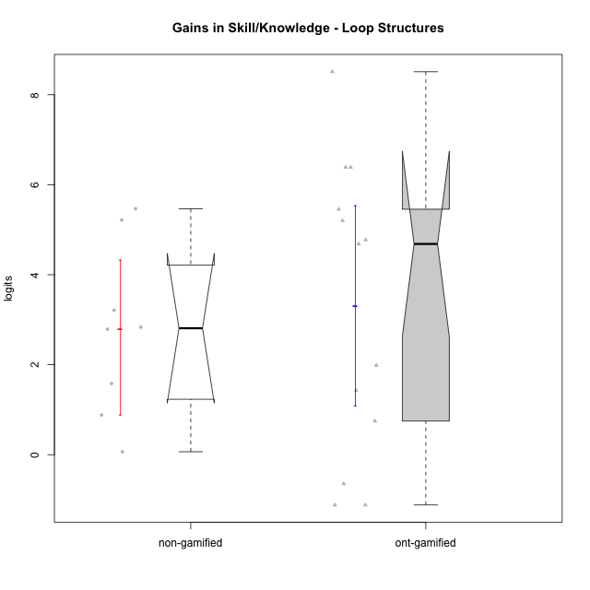

Wilcoxon data
UserID | Type | CLGroup | CLRole | PlayerRole | pre.theta | pos.theta | gain.theta
10116 | non-gamified | GroupC | Master |  | -1.3129298063 | 0.26863357757 | 1.5815633838
10119 | ont-gamified | Grupo Zeus | Master | Yee Achiever | -5.3198435546 | -3.3364584403 | 1.9833851143
10120 | ont-gamified | Grupo Hélio | Master | Yee Socializer | 0.57106163604 | -0.54630759537 | -1.1173692314
10121 | ont-gamified | Grupo Hades | Master | Yee Achiever | -2.4696533328 | -1.7223186469 | 0.74733468587
10122 | non-gamified | GroupB | Apprentice |  | -2.4696533328 | 0.31891779948 | 2.7885711323
10126 | ont-gamified | Grupo Hélio | Apprentice | Yee Socializer | -2.564416276 | -1.1379646184 | 1.4264516577
10129 | non-gamified | GroupB | Apprentice |  | -5.3198435546 | -0.10545882037 | 5.2143847342
10130 | non-gamified | GroupC | Apprentice |  | -3.7214581505 | -0.51182742187 | 3.2096307286
10131 | ont-gamified | Grupo Zeus | Apprentice | Yee Achiever | -4.7484844996 | -0.064779385731 | 4.6837051139
10134 | ont-gamified | Grupo Apolo | Apprentice | Yee Socializer | -5.3198435546 | -0.54630759537 | 4.7735359592
10135 | non-gamified | GroupB | Apprentice |  | -2.564416276 | 0.26863357757 | 2.8330498536
10137 | ont-gamified | Grupo Morfeu | Apprentice | Yee Achiever | -5.3074976363 | -0.10545882037 | 5.2020388159
10138 | ont-gamified | Grupo Hélio | Apprentice | Yee Socializer | -5.3198435546 | 1.0672524931 | 6.3870960477
10139 | ont-gamified | Grupo Zeus | Apprentice | Yee Achiever | -4.7484844996 | 0.70721934527 | 5.4557038449
10141 | ont-gamified | Grupo Apolo | Master | Yee Socializer | -5.3198435546 | 3.1906742076 | 8.5105177621
10143 | ont-gamified | Grupo Apolo | Apprentice | Yee Socializer | -2.4696533328 | -3.1150702293 | -0.64541689649
10144 | non-gamified | GroupA | Master |  | -0.24487397877 | 0.63696871494 | 0.88184269371
10145 | non-gamified | GroupB | Master |  | 0.57106163604 | 0.63696871494 | 0.065907078898
10146 | non-gamified | GroupA | Apprentice |  | -3.7489141003 | 1.7167627632 | 5.4656768635
10148 | ont-gamified | Grupo Apolo | Apprentice | Yee Socializer | -5.3198435546 | 1.0672524931 | 6.3870960477
10152 | ont-gamified | Grupo Morfeu | Master | Yee Achiever | 0.57106163604 | -0.54630759537 | -1.1173692314

Type_CLRole_1
Wilcoxon Analysis for Gains in Skill/Knowledge - Loop Structures in Type:CLRole between non-gamified.Apprentice:non-gamified.Master

Wilcoxon test results
Alternative hypothesis: less
Group | N | Median | Mean.Ranks | Sum.Ranks | U | Z | p.value | r | magnitude
non-gamified.Apprentice | 5 | 3.2096307286 | 6 | 30 | 15 | 2.2360679775 | 1 | 0.79056941504 | large
non-gamified.Master | 3 | 0.88184269371 | 2 | 6 | 15 | 2.2360679775 | 1 | 0.79056941504 | large
Alternative hypothesis: greater
Group | N | Median | Mean.Ranks | Sum.Ranks | U | Z | p.value | r | magnitude
non-gamified.Apprentice | 5 | 3.2096307286 | 6 | 30 | 15 | 2.2360679775 | 0.017857142857 | 0.79056941504 | large
non-gamified.Master | 3 | 0.88184269371 | 2 | 6 | 15 | 2.2360679775 | 0.017857142857 | 0.79056941504 | large
Alternative hypothesis: two.sided
Group | N | Median | Mean.Ranks | Sum.Ranks | U | Z | p.value | r | magnitude
non-gamified.Apprentice | 5 | 3.2096307286 | 6 | 30 | 15 | 2.2360679775 | 0.035714285714 | 0.79056941504 | large
non-gamified.Master | 3 | 0.88184269371 | 2 | 6 | 15 | 2.2360679775 | 0.035714285714 | 0.79056941504 | large

Box plots for wilcoxon tests
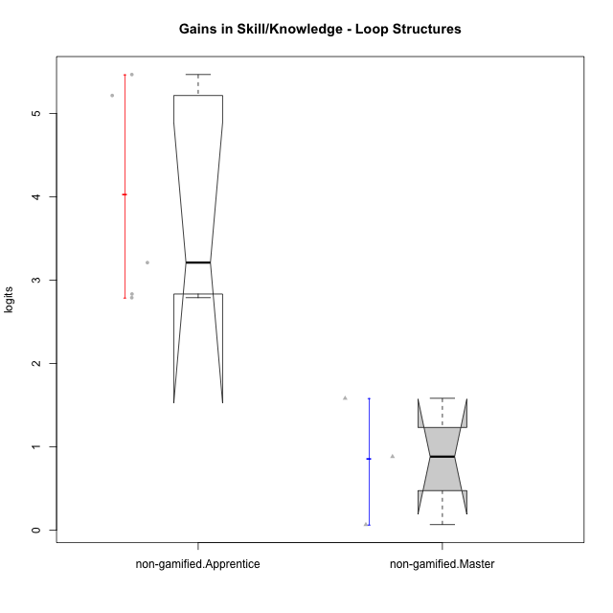

Wilcoxon data
UserID | Type | CLGroup | CLRole | PlayerRole | pre.theta | pos.theta | gain.theta
10116 | non-gamified | GroupC | Master |  | -1.3129298063 | 0.26863357757 | 1.5815633838
10122 | non-gamified | GroupB | Apprentice |  | -2.4696533328 | 0.31891779948 | 2.7885711323
10129 | non-gamified | GroupB | Apprentice |  | -5.3198435546 | -0.10545882037 | 5.2143847342
10130 | non-gamified | GroupC | Apprentice |  | -3.7214581505 | -0.51182742187 | 3.2096307286
10135 | non-gamified | GroupB | Apprentice |  | -2.564416276 | 0.26863357757 | 2.8330498536
10144 | non-gamified | GroupA | Master |  | -0.24487397877 | 0.63696871494 | 0.88184269371
10145 | non-gamified | GroupB | Master |  | 0.57106163604 | 0.63696871494 | 0.065907078898
10146 | non-gamified | GroupA | Apprentice |  | -3.7489141003 | 1.7167627632 | 5.4656768635

Type_CLRole_2
Wilcoxon Analysis for Gains in Skill/Knowledge - Loop Structures in Type:CLRole between non-gamified.Apprentice:ont-gamified.Apprentice

Wilcoxon test results
Alternative hypothesis: less
Group | N | Median | Mean.Ranks | Sum.Ranks | U | Z | p.value | r | magnitude
non-gamified.Apprentice | 5 | 3.2096307286 | 6.4 | 32 | 17 | -0.43975951354 | 0.34731934732 | 0.12196734423 | small
ont-gamified.Apprentice | 8 | 4.9877873875 | 7.375 | 59 | 17 | -0.43975951354 | 0.34731934732 | 0.12196734423 | small
Alternative hypothesis: greater
Group | N | Median | Mean.Ranks | Sum.Ranks | U | Z | p.value | r | magnitude
non-gamified.Apprentice | 5 | 3.2096307286 | 6.4 | 32 | 17 | -0.43975951354 | 0.67676767677 | 0.12196734423 | small
ont-gamified.Apprentice | 8 | 4.9877873875 | 7.375 | 59 | 17 | -0.43975951354 | 0.67676767677 | 0.12196734423 | small
Alternative hypothesis: two.sided
Group | N | Median | Mean.Ranks | Sum.Ranks | U | Z | p.value | r | magnitude
non-gamified.Apprentice | 5 | 3.2096307286 | 6.4 | 32 | 17 | -0.43975951354 | 0.69153069153 | 0.12196734423 | small
ont-gamified.Apprentice | 8 | 4.9877873875 | 7.375 | 59 | 17 | -0.43975951354 | 0.69153069153 | 0.12196734423 | small

Box plots for wilcoxon tests
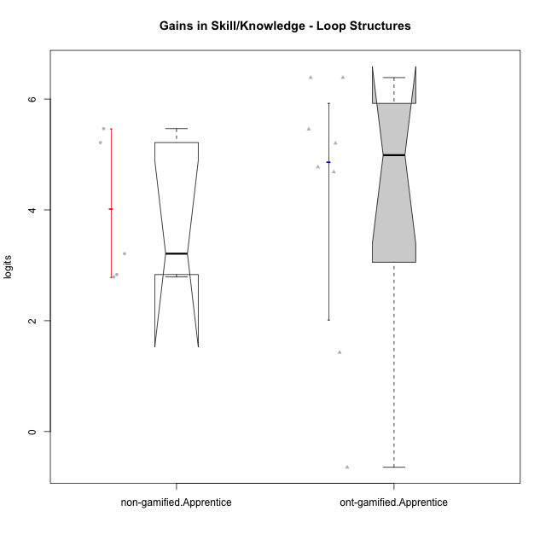

Wilcoxon data
UserID | Type | CLGroup | CLRole | PlayerRole | pre.theta | pos.theta | gain.theta
10122 | non-gamified | GroupB | Apprentice |  | -2.4696533328 | 0.31891779948 | 2.7885711323
10126 | ont-gamified | Grupo Hélio | Apprentice | Yee Socializer | -2.564416276 | -1.1379646184 | 1.4264516577
10129 | non-gamified | GroupB | Apprentice |  | -5.3198435546 | -0.10545882037 | 5.2143847342
10130 | non-gamified | GroupC | Apprentice |  | -3.7214581505 | -0.51182742187 | 3.2096307286
10131 | ont-gamified | Grupo Zeus | Apprentice | Yee Achiever | -4.7484844996 | -0.064779385731 | 4.6837051139
10134 | ont-gamified | Grupo Apolo | Apprentice | Yee Socializer | -5.3198435546 | -0.54630759537 | 4.7735359592
10135 | non-gamified | GroupB | Apprentice |  | -2.564416276 | 0.26863357757 | 2.8330498536
10137 | ont-gamified | Grupo Morfeu | Apprentice | Yee Achiever | -5.3074976363 | -0.10545882037 | 5.2020388159
10138 | ont-gamified | Grupo Hélio | Apprentice | Yee Socializer | -5.3198435546 | 1.0672524931 | 6.3870960477
10139 | ont-gamified | Grupo Zeus | Apprentice | Yee Achiever | -4.7484844996 | 0.70721934527 | 5.4557038449
10143 | ont-gamified | Grupo Apolo | Apprentice | Yee Socializer | -2.4696533328 | -3.1150702293 | -0.64541689649
10146 | non-gamified | GroupA | Apprentice |  | -3.7489141003 | 1.7167627632 | 5.4656768635
10148 | ont-gamified | Grupo Apolo | Apprentice | Yee Socializer | -5.3198435546 | 1.0672524931 | 6.3870960477

Type_CLRole_3
Wilcoxon Analysis for Gains in Skill/Knowledge - Loop Structures in Type:CLRole between non-gamified.Apprentice:ont-gamified.Master

Wilcoxon test results
Alternative hypothesis: less
Group | N | Median | Mean.Ranks | Sum.Ranks | U | Z | p.value | r | magnitude
non-gamified.Apprentice | 5 | 3.2096307286 | 7 | 35 | 20 | 1.5714681655 | 0.94841269841 | 0.49694186734 | medium
ont-gamified.Master | 5 | 0.74733468587 | 4 | 20 | 20 | 1.5714681655 | 0.94841269841 | 0.49694186734 | medium
Alternative hypothesis: greater
Group | N | Median | Mean.Ranks | Sum.Ranks | U | Z | p.value | r | magnitude
non-gamified.Apprentice | 5 | 3.2096307286 | 7 | 35 | 20 | 1.5714681655 | 0.071428571429 | 0.49694186734 | medium
ont-gamified.Master | 5 | 0.74733468587 | 4 | 20 | 20 | 1.5714681655 | 0.071428571429 | 0.49694186734 | medium
Alternative hypothesis: two.sided
Group | N | Median | Mean.Ranks | Sum.Ranks | U | Z | p.value | r | magnitude
non-gamified.Apprentice | 5 | 3.2096307286 | 7 | 35 | 20 | 1.5714681655 | 0.14285714286 | 0.49694186734 | medium
ont-gamified.Master | 5 | 0.74733468587 | 4 | 20 | 20 | 1.5714681655 | 0.14285714286 | 0.49694186734 | medium

Box plots for wilcoxon tests
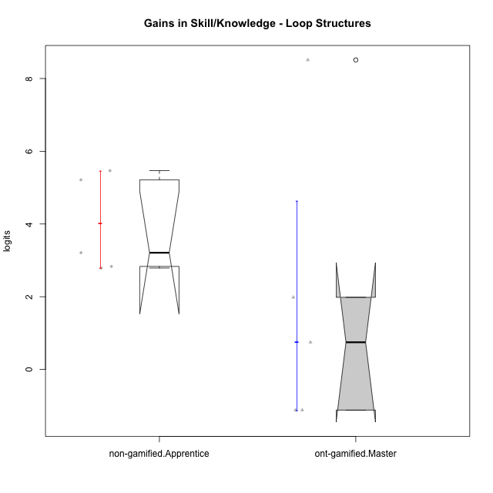

Wilcoxon data
UserID | Type | CLGroup | CLRole | PlayerRole | pre.theta | pos.theta | gain.theta
10119 | ont-gamified | Grupo Zeus | Master | Yee Achiever | -5.3198435546 | -3.3364584403 | 1.9833851143
10120 | ont-gamified | Grupo Hélio | Master | Yee Socializer | 0.57106163604 | -0.54630759537 | -1.1173692314
10121 | ont-gamified | Grupo Hades | Master | Yee Achiever | -2.4696533328 | -1.7223186469 | 0.74733468587
10122 | non-gamified | GroupB | Apprentice |  | -2.4696533328 | 0.31891779948 | 2.7885711323
10129 | non-gamified | GroupB | Apprentice |  | -5.3198435546 | -0.10545882037 | 5.2143847342
10130 | non-gamified | GroupC | Apprentice |  | -3.7214581505 | -0.51182742187 | 3.2096307286
10135 | non-gamified | GroupB | Apprentice |  | -2.564416276 | 0.26863357757 | 2.8330498536
10141 | ont-gamified | Grupo Apolo | Master | Yee Socializer | -5.3198435546 | 3.1906742076 | 8.5105177621
10146 | non-gamified | GroupA | Apprentice |  | -3.7489141003 | 1.7167627632 | 5.4656768635
10152 | ont-gamified | Grupo Morfeu | Master | Yee Achiever | 0.57106163604 | -0.54630759537 | -1.1173692314

Type_CLRole_4
Wilcoxon Analysis for Gains in Skill/Knowledge - Loop Structures in Type:CLRole between non-gamified.Master:ont-gamified.Apprentice

Wilcoxon test results
Alternative hypothesis: less
Group | N | Median | Mean.Ranks | Sum.Ranks | U | Z | p.value | r | magnitude
non-gamified.Master | 3 | 0.88184269371 | 3.3333333333 | 10 | 4 | -1.6367172104 | 0.066666666667 | 0.4934888068 | medium
ont-gamified.Apprentice | 8 | 4.9877873875 | 7 | 56 | 4 | -1.6367172104 | 0.066666666667 | 0.4934888068 | medium
Alternative hypothesis: greater
Group | N | Median | Mean.Ranks | Sum.Ranks | U | Z | p.value | r | magnitude
non-gamified.Master | 3 | 0.88184269371 | 3.3333333333 | 10 | 4 | -1.6367172104 | 0.95757575758 | 0.4934888068 | medium
ont-gamified.Apprentice | 8 | 4.9877873875 | 7 | 56 | 4 | -1.6367172104 | 0.95757575758 | 0.4934888068 | medium
Alternative hypothesis: two.sided
Group | N | Median | Mean.Ranks | Sum.Ranks | U | Z | p.value | r | magnitude
non-gamified.Master | 3 | 0.88184269371 | 3.3333333333 | 10 | 4 | -1.6367172104 | 0.12121212121 | 0.4934888068 | medium
ont-gamified.Apprentice | 8 | 4.9877873875 | 7 | 56 | 4 | -1.6367172104 | 0.12121212121 | 0.4934888068 | medium

Box plots for wilcoxon tests
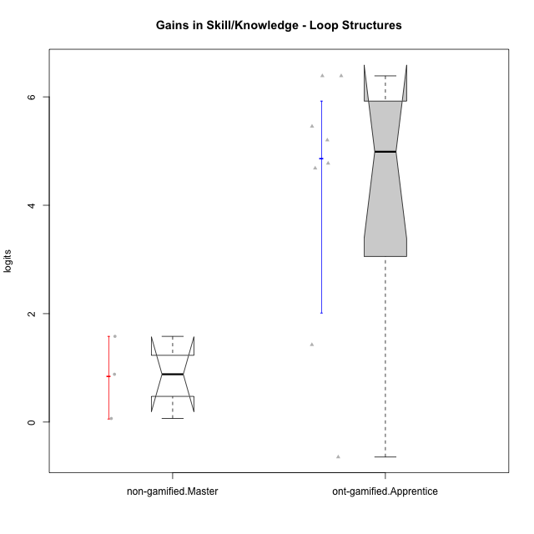

Wilcoxon data
UserID | Type | CLGroup | CLRole | PlayerRole | pre.theta | pos.theta | gain.theta
10116 | non-gamified | GroupC | Master |  | -1.3129298063 | 0.26863357757 | 1.5815633838
10126 | ont-gamified | Grupo Hélio | Apprentice | Yee Socializer | -2.564416276 | -1.1379646184 | 1.4264516577
10131 | ont-gamified | Grupo Zeus | Apprentice | Yee Achiever | -4.7484844996 | -0.064779385731 | 4.6837051139
10134 | ont-gamified | Grupo Apolo | Apprentice | Yee Socializer | -5.3198435546 | -0.54630759537 | 4.7735359592
10137 | ont-gamified | Grupo Morfeu | Apprentice | Yee Achiever | -5.3074976363 | -0.10545882037 | 5.2020388159
10138 | ont-gamified | Grupo Hélio | Apprentice | Yee Socializer | -5.3198435546 | 1.0672524931 | 6.3870960477
10139 | ont-gamified | Grupo Zeus | Apprentice | Yee Achiever | -4.7484844996 | 0.70721934527 | 5.4557038449
10143 | ont-gamified | Grupo Apolo | Apprentice | Yee Socializer | -2.4696533328 | -3.1150702293 | -0.64541689649
10144 | non-gamified | GroupA | Master |  | -0.24487397877 | 0.63696871494 | 0.88184269371
10145 | non-gamified | GroupB | Master |  | 0.57106163604 | 0.63696871494 | 0.065907078898
10148 | ont-gamified | Grupo Apolo | Apprentice | Yee Socializer | -5.3198435546 | 1.0672524931 | 6.3870960477

Type_CLRole_5
Wilcoxon Analysis for Gains in Skill/Knowledge - Loop Structures in Type:CLRole between non-gamified.Master:ont-gamified.Master

Wilcoxon test results
Alternative hypothesis: less
Group | N | Median | Mean.Ranks | Sum.Ranks | U | Z | p.value | r | magnitude
non-gamified.Master | 3 | 0.88184269371 | 4.6666666667 | 14 | 8 | 0.14996652906 | 0.57142857143 | 0.053021174826 | none
ont-gamified.Master | 5 | 0.74733468587 | 4.4 | 22 | 8 | 0.14996652906 | 0.57142857143 | 0.053021174826 | none
Alternative hypothesis: greater
Group | N | Median | Mean.Ranks | Sum.Ranks | U | Z | p.value | r | magnitude
non-gamified.Master | 3 | 0.88184269371 | 4.6666666667 | 14 | 8 | 0.14996652906 | 0.46428571429 | 0.053021174826 | none
ont-gamified.Master | 5 | 0.74733468587 | 4.4 | 22 | 8 | 0.14996652906 | 0.46428571429 | 0.053021174826 | none
Alternative hypothesis: two.sided
Group | N | Median | Mean.Ranks | Sum.Ranks | U | Z | p.value | r | magnitude
non-gamified.Master | 3 | 0.88184269371 | 4.6666666667 | 14 | 8 | 0.14996652906 | 0.92857142857 | 0.053021174826 | none
ont-gamified.Master | 5 | 0.74733468587 | 4.4 | 22 | 8 | 0.14996652906 | 0.92857142857 | 0.053021174826 | none

Box plots for wilcoxon tests
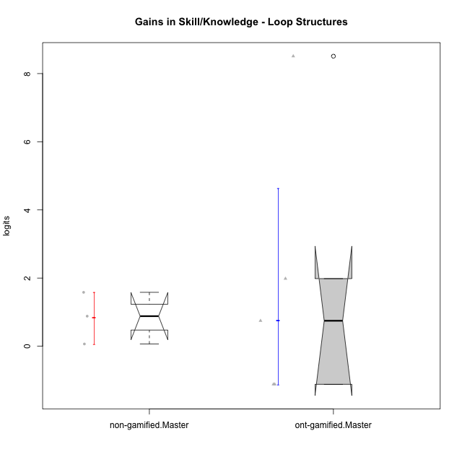

Wilcoxon data
UserID | Type | CLGroup | CLRole | PlayerRole | pre.theta | pos.theta | gain.theta
10116 | non-gamified | GroupC | Master |  | -1.3129298063 | 0.26863357757 | 1.5815633838
10119 | ont-gamified | Grupo Zeus | Master | Yee Achiever | -5.3198435546 | -3.3364584403 | 1.9833851143
10120 | ont-gamified | Grupo Hélio | Master | Yee Socializer | 0.57106163604 | -0.54630759537 | -1.1173692314
10121 | ont-gamified | Grupo Hades | Master | Yee Achiever | -2.4696533328 | -1.7223186469 | 0.74733468587
10141 | ont-gamified | Grupo Apolo | Master | Yee Socializer | -5.3198435546 | 3.1906742076 | 8.5105177621
10144 | non-gamified | GroupA | Master |  | -0.24487397877 | 0.63696871494 | 0.88184269371
10145 | non-gamified | GroupB | Master |  | 0.57106163604 | 0.63696871494 | 0.065907078898
10152 | ont-gamified | Grupo Morfeu | Master | Yee Achiever | 0.57106163604 | -0.54630759537 | -1.1173692314

Type_CLRole_6
Wilcoxon Analysis for Gains in Skill/Knowledge - Loop Structures in Type:CLRole between ont-gamified.Apprentice:ont-gamified.Master

Wilcoxon test results
Alternative hypothesis: less
Group | N | Median | Mean.Ranks | Sum.Ranks | U | Z | p.value | r | magnitude
ont-gamified.Apprentice | 8 | 4.9877873875 | 8.125 | 65 | 29 | 1.3210994919 | 0.90675990676 | 0.36640707369 | medium
ont-gamified.Master | 5 | 0.74733468587 | 5.2 | 26 | 29 | 1.3210994919 | 0.90675990676 | 0.36640707369 | medium
Alternative hypothesis: greater
Group | N | Median | Mean.Ranks | Sum.Ranks | U | Z | p.value | r | magnitude
ont-gamified.Apprentice | 8 | 4.9877873875 | 8.125 | 65 | 29 | 1.3210994919 | 0.10178710179 | 0.36640707369 | medium
ont-gamified.Master | 5 | 0.74733468587 | 5.2 | 26 | 29 | 1.3210994919 | 0.10178710179 | 0.36640707369 | medium
Alternative hypothesis: two.sided
Group | N | Median | Mean.Ranks | Sum.Ranks | U | Z | p.value | r | magnitude
ont-gamified.Apprentice | 8 | 4.9877873875 | 8.125 | 65 | 29 | 1.3210994919 | 0.20435120435 | 0.36640707369 | medium
ont-gamified.Master | 5 | 0.74733468587 | 5.2 | 26 | 29 | 1.3210994919 | 0.20435120435 | 0.36640707369 | medium

Box plots for wilcoxon tests
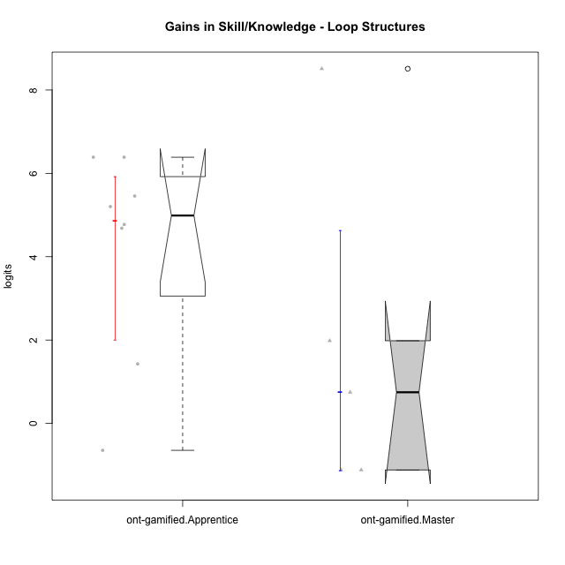

Wilcoxon data
UserID | Type | CLGroup | CLRole | PlayerRole | pre.theta | pos.theta | gain.theta
10119 | ont-gamified | Grupo Zeus | Master | Yee Achiever | -5.3198435546 | -3.3364584403 | 1.9833851143
10120 | ont-gamified | Grupo Hélio | Master | Yee Socializer | 0.57106163604 | -0.54630759537 | -1.1173692314
10121 | ont-gamified | Grupo Hades | Master | Yee Achiever | -2.4696533328 | -1.7223186469 | 0.74733468587
10126 | ont-gamified | Grupo Hélio | Apprentice | Yee Socializer | -2.564416276 | -1.1379646184 | 1.4264516577
10131 | ont-gamified | Grupo Zeus | Apprentice | Yee Achiever | -4.7484844996 | -0.064779385731 | 4.6837051139
10134 | ont-gamified | Grupo Apolo | Apprentice | Yee Socializer | -5.3198435546 | -0.54630759537 | 4.7735359592
10137 | ont-gamified | Grupo Morfeu | Apprentice | Yee Achiever | -5.3074976363 | -0.10545882037 | 5.2020388159
10138 | ont-gamified | Grupo Hélio | Apprentice | Yee Socializer | -5.3198435546 | 1.0672524931 | 6.3870960477
10139 | ont-gamified | Grupo Zeus | Apprentice | Yee Achiever | -4.7484844996 | 0.70721934527 | 5.4557038449
10141 | ont-gamified | Grupo Apolo | Master | Yee Socializer | -5.3198435546 | 3.1906742076 | 8.5105177621
10143 | ont-gamified | Grupo Apolo | Apprentice | Yee Socializer | -2.4696533328 | -3.1150702293 | -0.64541689649
10148 | ont-gamified | Grupo Apolo | Apprentice | Yee Socializer | -5.3198435546 | 1.0672524931 | 6.3870960477
10152 | ont-gamified | Grupo Morfeu | Master | Yee Achiever | 0.57106163604 | -0.54630759537 | -1.1173692314

