Assumptions
ANOVA assumptions for Gains in Skill/Knowledge - Loop Structures

Shapiro-Wilk normality test for Gains in Skill/Knowledge - Loop Structures
W | p.value
0.90509470984 | 0.043977044442

Plots for normality test
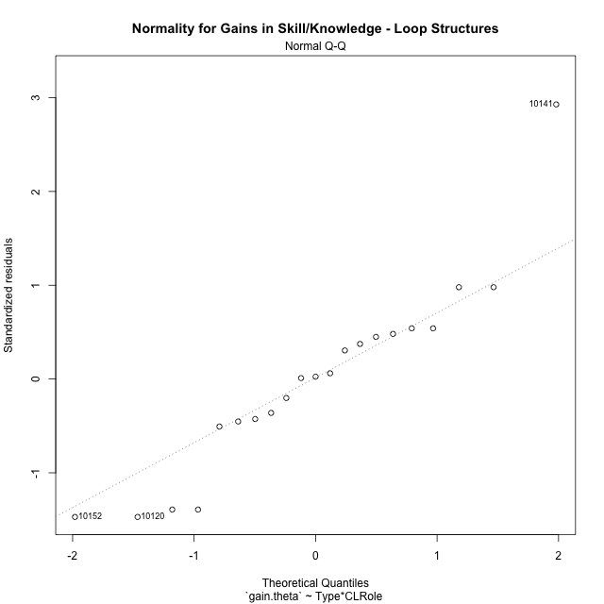

Levene's Test for Homogeneity of Variance in Gains in Skill/Knowledge - Loop Structures
Df | F value | Pr(>F)
3 | 1.4599813402 | 0.26073219071
17

Plots for homogeneity of variance
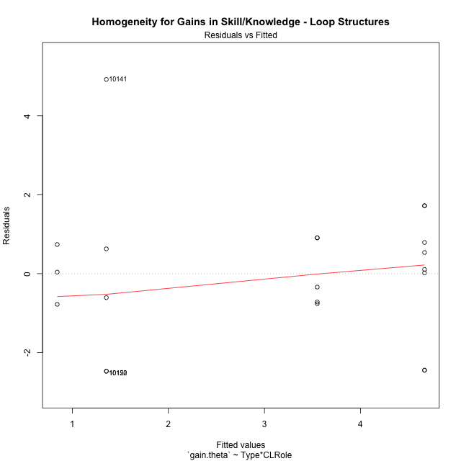

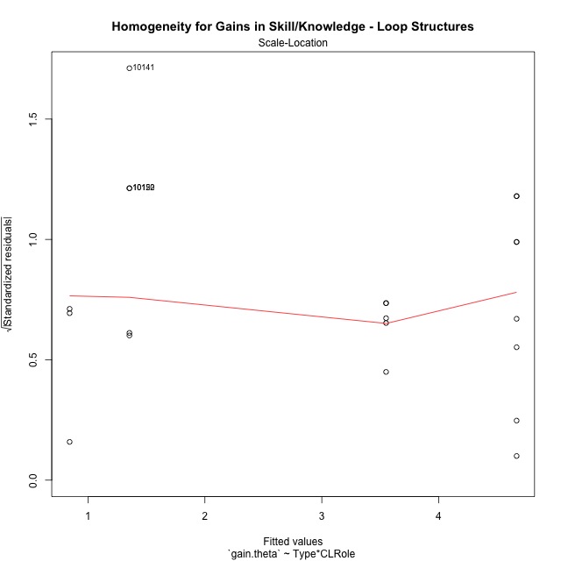

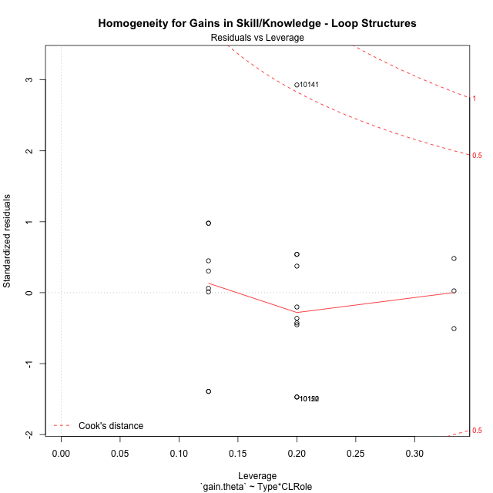

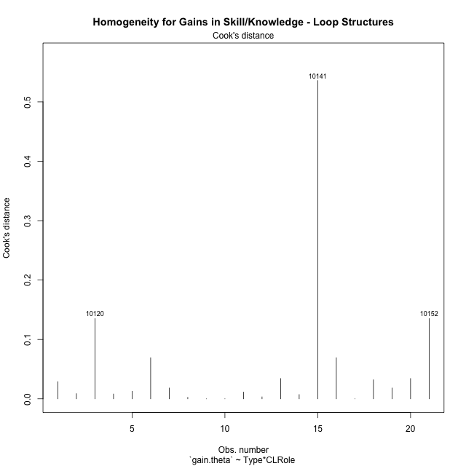

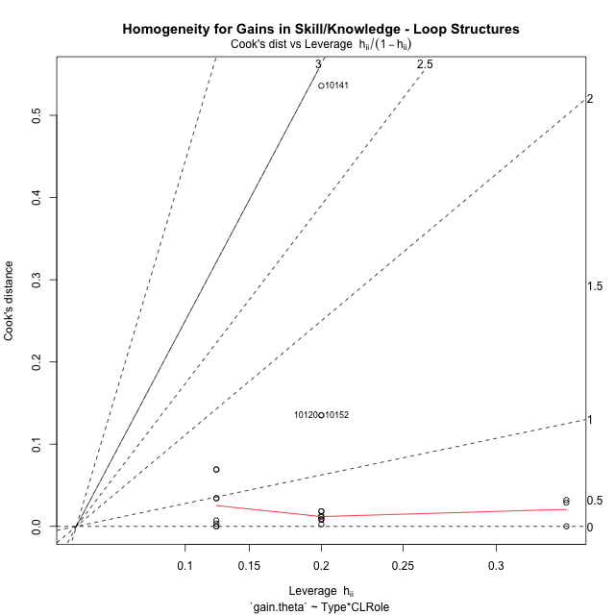

Minimum Sample Size Test for Gains in Skill/Knowledge - Loop Structures
Type | CLRole | Freq
non-gamified | Apprentice | 5
ont-gamified | Apprentice | 8
non-gamified | Master | 3
ont-gamified | Master | 5

Errors and Warnings in Sample Size Test for ANOVA in Gains in Skill/Knowledge - Loop Structures
code | description
WARN: sample.size | current size is 5 and recommended size is 15 for the group: 'non-gamified:Apprentice'.
WARN: sample.size | current size is 8 and recommended size is 15 for the group: 'ont-gamified:Apprentice'.
FAIL: min.size | current size is 3 but the minimal recomended size is 5 for the group: 'non-gamified:Master'.
WARN: sample.size | current size is 5 and recommended size is 15 for the group: 'ont-gamified:Master'.

For the group: 'non-gamified:Apprentice', we recommend the use of non-parametric test. For the group: 'ont-gamified:Apprentice', we recommend the use of non-parametric test. For the group: 'non-gamified:Master', we recommend the use of non-parametric test. For the group: 'ont-gamified:Master', we recommend the use of non-parametric test.

Post-hoc
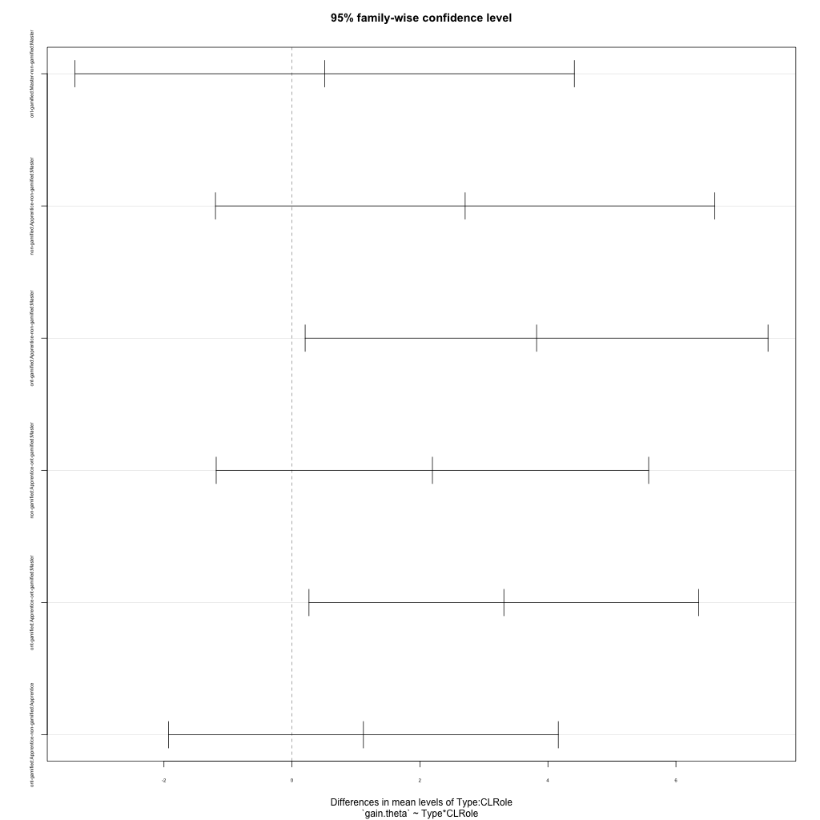
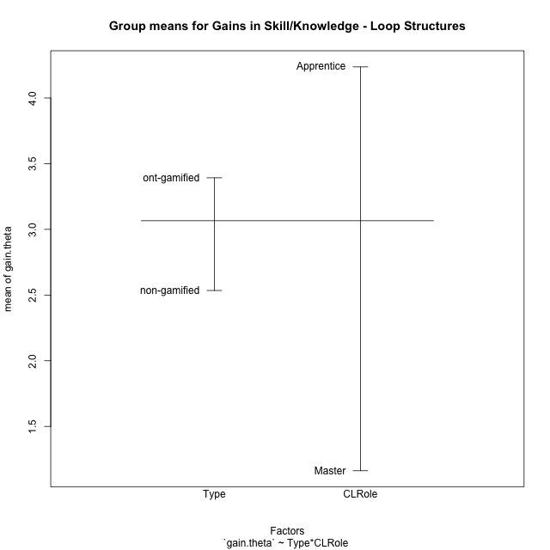
Post-hoc Tukey Honestly Significant Difference (HSD) Test for Gains in Skill/Knowledge - Loop Structures

Comparisons of means for Type
 | diff | lwr | upr | p adj
ont-gamified-non-gamified | 0.85774336597 | -0.92394484253 | 2.6394315745 | 0.32400578454

Comparisons of means for CLRole
 | diff | lwr | upr | p adj
Apprentice-Master | 3.0821025078 | 1.3004142993 | 4.8637907163 | 0.0019828997124

Comparisons of means for Type:CLRole
 | diff | lwr | upr | p adj
ont-gamified:Master-non-gamified:Master | 0.51140283027 | -3.3898403171 | 4.4126459777 | 0.98175170102
non-gamified:Apprentice-non-gamified:Master | 2.7064086149 | -1.1948345325 | 6.6076517622 | 0.23685599148
ont-gamified:Apprentice-non-gamified:Master | 3.8229024503 | 0.20635325932 | 7.4394516412 | 0.03629996588
non-gamified:Apprentice-ont-gamified:Master | 2.1950057846 | -1.1835698874 | 5.5735814566 | 0.28678837929
ont-gamified:Apprentice-ont-gamified:Master | 3.31149962 | 0.26609266415 | 6.3569065758 | 0.030544279435
ont-gamified:Apprentice-non-gamified:Apprentice | 1.1164938354 | -1.9289131204 | 4.1619007912 | 0.72772112352

Contrast Matrices for Gains in Skill/Knowledge - Loop Structures - Type
contrast | estimate | SE | df | t.ratio | p.value
non-gamified - ont-gamified | -0.81394833283 | 0.8705470354 | 17 | -0.93498489999 | 0.36288829279

Contrast Matrices for Gains in Skill/Knowledge - Loop Structures - Type:CLRole
contrast | CLRole | estimate | SE | df | t.ratio | p.value
non-gamified - ont-gamified | Apprentice | -1.1164938354 | 1.0713612336 | 17 | -1.0421264092 | 0.31194752298
non-gamified - ont-gamified | Master | -0.51140283027 | 1.3724407712 | 17 | -0.37262287816 | 0.71403406757

Least Squares Means and Confidence Intervals for Type
Type | lsmean | SE | df | lower.CL | upper.CL | Pairs
non-gamified | 2.1963086929 | 0.6862203856 | 17 | 0.74851023354 | 3.6441071523 | non-gamified
ont-gamified | 3.0102570257 | 0.53568061682 | 17 | 1.8800697156 | 4.1404443358 | ont-gamified

Least Squares Means and Confidence Intervals for Type:CLRole
Type | CLRole | lsmean | SE | df | lower.CL | upper.CL | Pairs
non-gamified | Apprentice | 3.5495130003 | 0.84044489791 | 17 | 1.7763292624 | 5.3226967383 | non-gamified.Apprentice
ont-gamified | Apprentice | 4.6660068357 | 0.66443003132 | 17 | 3.2641820053 | 6.0678316662 | ont-gamified.Apprentice
non-gamified | Master | 0.84310438548 | 1.0850096977 | 17 | -1.4460659768 | 3.1322747477 | non-gamified.Master
ont-gamified | Master | 1.3545072157 | 0.84044489791 | 17 | -0.41867652217 | 3.1276909537 | ont-gamified.Master

Plots

Type_1
Student's t-Test for Gains in Skill/Knowledge - Loop Structures in Type between non-gamified:ont-gamified

Student's t-Test results
Alternative hypothesis: less
Group | N | Mean | Mean.Difference | Std.deviation | Std.error | CI.lower | CI.upper | df | t.value | p.value | g | magnitude
non-gamified | 8 | 2.5346097698 | -0.85774336597 | 1.5921104907 | 0.56289606217 | 1.4088176454 | 3.6604018941 | 18.985505078 | -0.90802939689 | 0.18762253547 | -0.34615538245 | small
ont-gamified | 13 | 3.3923531357 | 0.85774336597 | 2.7351292128 | 0.75858835551 | 1.8751764247 | 4.9095298468 | 18.985505078 | -0.90802939689 | 0.18762253547 | -0.34615538245 | small
Alternative hypothesis: greater
Group | N | Mean | Mean.Difference | Std.deviation | Std.error | CI.lower | CI.upper | df | t.value | p.value | g | magnitude
non-gamified | 8 | 2.5346097698 | -0.85774336597 | 1.5921104907 | 0.56289606217 | 1.4088176454 | 3.6604018941 | 18.985505078 | -0.90802939689 | 0.81237746453 | -0.34615538245 | small
ont-gamified | 13 | 3.3923531357 | 0.85774336597 | 2.7351292128 | 0.75858835551 | 1.8751764247 | 4.9095298468 | 18.985505078 | -0.90802939689 | 0.81237746453 | -0.34615538245 | small
Alternative hypothesis: two.sided
Group | N | Mean | Mean.Difference | Std.deviation | Std.error | CI.lower | CI.upper | df | t.value | p.value | g | magnitude
non-gamified | 8 | 2.5346097698 | -0.85774336597 | 1.5921104907 | 0.56289606217 | 1.4088176454 | 3.6604018941 | 18.985505078 | -0.90802939689 | 0.37524507095 | -0.34615538245 | small
ont-gamified | 13 | 3.3923531357 | 0.85774336597 | 2.7351292128 | 0.75858835551 | 1.8751764247 | 4.9095298468 | 18.985505078 | -0.90802939689 | 0.37524507095 | -0.34615538245 | small

Box plots for Student's t-Test
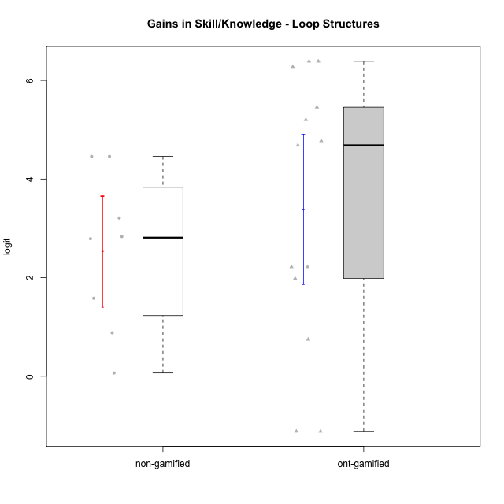

Student's t-Test data
UserID | Type | CLGroup | CLRole | PlayerRole | gain.theta
10116 | non-gamified | GroupC | Master |  | 1.5815633838
10119 | ont-gamified | Grupo Zeus | Master | Yee Achiever | 1.9833851143
10120 | ont-gamified | Grupo Hélio | Master | Yee Socializer | -1.1173692314
10121 | ont-gamified | Grupo Hades | Master | Yee Achiever | 0.74733468587
10122 | non-gamified | GroupB | Apprentice |  | 2.7885711323
10126 | ont-gamified | Grupo Hélio | Apprentice | Yee Socializer | 2.2194394284
10129 | non-gamified | GroupB | Apprentice |  | 4.4581566436
10130 | non-gamified | GroupC | Apprentice |  | 3.2096307286
10131 | ont-gamified | Grupo Zeus | Apprentice | Yee Achiever | 4.6837051139
10134 | ont-gamified | Grupo Apolo | Apprentice | Yee Socializer | 4.7735359592
10135 | non-gamified | GroupB | Apprentice |  | 2.8330498536
10137 | ont-gamified | Grupo Morfeu | Apprentice | Yee Achiever | 5.2020388159
10138 | ont-gamified | Grupo Hélio | Apprentice | Yee Socializer | 6.3870960477
10139 | ont-gamified | Grupo Zeus | Apprentice | Yee Achiever | 5.4557038449
10141 | ont-gamified | Grupo Apolo | Master | Yee Socializer | 6.2765547414
10143 | ont-gamified | Grupo Apolo | Apprentice | Yee Socializer | 2.2194394284
10144 | non-gamified | GroupA | Master |  | 0.88184269371
10145 | non-gamified | GroupB | Master |  | 0.065907078898
10146 | non-gamified | GroupA | Apprentice |  | 4.4581566436
10148 | ont-gamified | Grupo Apolo | Apprentice | Yee Socializer | 6.3870960477
10152 | ont-gamified | Grupo Morfeu | Master | Yee Achiever | -1.1173692314

Type_CLRole_1
Student's t-Test for Gains in Skill/Knowledge - Loop Structures in Type:CLRole between non-gamified.Apprentice:non-gamified.Master

Student's t-Test results
Alternative hypothesis: less
Group | N | Mean | Mean.Difference | Std.deviation | Std.error | CI.lower | CI.upper | df | t.value | p.value | g | magnitude
non-gamified.Apprentice | 5 | 3.5495130003 | 2.7064086149 | 0.84544935783 | 0.37809644713 | 2.7933201061 | 4.3057058946 | 4.767937215 | 4.6775917269 | 0.99693032392 | 2.8787182227 | large
non-gamified.Master | 3 | 0.84310438548 | -2.7064086149 | 0.75857036659 | 0.43796080535 | -0.032817225219 | 1.7190259962 | 4.767937215 | 4.6775917269 | 0.99693032392 | 2.8787182227 | large
Alternative hypothesis: greater
Group | N | Mean | Mean.Difference | Std.deviation | Std.error | CI.lower | CI.upper | df | t.value | p.value | g | magnitude
non-gamified.Apprentice | 5 | 3.5495130003 | 2.7064086149 | 0.84544935783 | 0.37809644713 | 2.7933201061 | 4.3057058946 | 4.767937215 | 4.6775917269 | 0.0030696760849 | 2.8787182227 | large
non-gamified.Master | 3 | 0.84310438548 | -2.7064086149 | 0.75857036659 | 0.43796080535 | -0.032817225219 | 1.7190259962 | 4.767937215 | 4.6775917269 | 0.0030696760849 | 2.8787182227 | large
Alternative hypothesis: two.sided
Group | N | Mean | Mean.Difference | Std.deviation | Std.error | CI.lower | CI.upper | df | t.value | p.value | g | magnitude
non-gamified.Apprentice | 5 | 3.5495130003 | 2.7064086149 | 0.84544935783 | 0.37809644713 | 2.7933201061 | 4.3057058946 | 4.767937215 | 4.6775917269 | 0.0061393521698 | 2.8787182227 | large
non-gamified.Master | 3 | 0.84310438548 | -2.7064086149 | 0.75857036659 | 0.43796080535 | -0.032817225219 | 1.7190259962 | 4.767937215 | 4.6775917269 | 0.0061393521698 | 2.8787182227 | large

Box plots for Student's t-Test
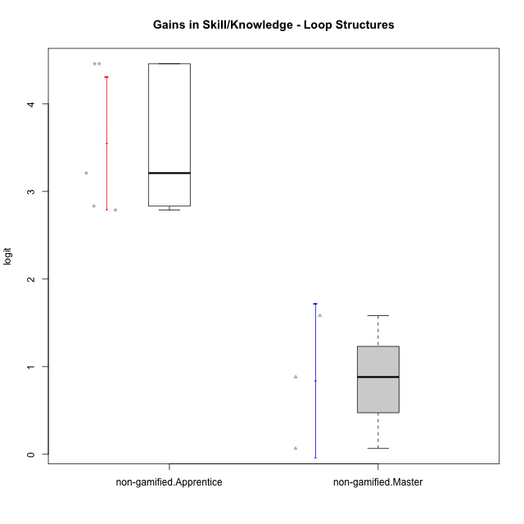

Student's t-Test data
UserID | Type | CLGroup | CLRole | PlayerRole | gain.theta
10116 | non-gamified | GroupC | Master |  | 1.5815633838
10122 | non-gamified | GroupB | Apprentice |  | 2.7885711323
10129 | non-gamified | GroupB | Apprentice |  | 4.4581566436
10130 | non-gamified | GroupC | Apprentice |  | 3.2096307286
10135 | non-gamified | GroupB | Apprentice |  | 2.8330498536
10144 | non-gamified | GroupA | Master |  | 0.88184269371
10145 | non-gamified | GroupB | Master |  | 0.065907078898
10146 | non-gamified | GroupA | Apprentice |  | 4.4581566436

Type_CLRole_2
Student's t-Test for Gains in Skill/Knowledge - Loop Structures in Type:CLRole between non-gamified.Apprentice:ont-gamified.Apprentice

Student's t-Test results
Alternative hypothesis: less
Group | N | Mean | Mean.Difference | Std.deviation | Std.error | CI.lower | CI.upper | df | t.value | p.value | g | magnitude
non-gamified.Apprentice | 5 | 3.5495130003 | -1.1164938354 | 0.84544935783 | 0.37809644713 | 2.7933201061 | 4.3057058946 | 10.801636401 | -1.6131984663 | 0.067754217665 | -0.73984057604 | medium
ont-gamified.Apprentice | 8 | 4.6660068357 | 1.1164938354 | 1.6396213718 | 0.57969369529 | 3.5066194452 | 5.8253942263 | 10.801636401 | -1.6131984663 | 0.067754217665 | -0.73984057604 | medium
Alternative hypothesis: greater
Group | N | Mean | Mean.Difference | Std.deviation | Std.error | CI.lower | CI.upper | df | t.value | p.value | g | magnitude
non-gamified.Apprentice | 5 | 3.5495130003 | -1.1164938354 | 0.84544935783 | 0.37809644713 | 2.7933201061 | 4.3057058946 | 10.801636401 | -1.6131984663 | 0.93224578233 | -0.73984057604 | medium
ont-gamified.Apprentice | 8 | 4.6660068357 | 1.1164938354 | 1.6396213718 | 0.57969369529 | 3.5066194452 | 5.8253942263 | 10.801636401 | -1.6131984663 | 0.93224578233 | -0.73984057604 | medium
Alternative hypothesis: two.sided
Group | N | Mean | Mean.Difference | Std.deviation | Std.error | CI.lower | CI.upper | df | t.value | p.value | g | magnitude
non-gamified.Apprentice | 5 | 3.5495130003 | -1.1164938354 | 0.84544935783 | 0.37809644713 | 2.7933201061 | 4.3057058946 | 10.801636401 | -1.6131984663 | 0.13550843533 | -0.73984057604 | medium
ont-gamified.Apprentice | 8 | 4.6660068357 | 1.1164938354 | 1.6396213718 | 0.57969369529 | 3.5066194452 | 5.8253942263 | 10.801636401 | -1.6131984663 | 0.13550843533 | -0.73984057604 | medium

Box plots for Student's t-Test
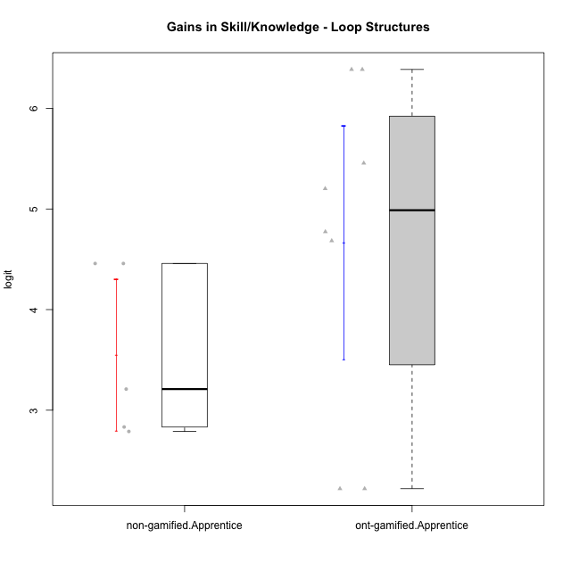

Student's t-Test data
UserID | Type | CLGroup | CLRole | PlayerRole | gain.theta
10122 | non-gamified | GroupB | Apprentice |  | 2.7885711323
10126 | ont-gamified | Grupo Hélio | Apprentice | Yee Socializer | 2.2194394284
10129 | non-gamified | GroupB | Apprentice |  | 4.4581566436
10130 | non-gamified | GroupC | Apprentice |  | 3.2096307286
10131 | ont-gamified | Grupo Zeus | Apprentice | Yee Achiever | 4.6837051139
10134 | ont-gamified | Grupo Apolo | Apprentice | Yee Socializer | 4.7735359592
10135 | non-gamified | GroupB | Apprentice |  | 2.8330498536
10137 | ont-gamified | Grupo Morfeu | Apprentice | Yee Achiever | 5.2020388159
10138 | ont-gamified | Grupo Hélio | Apprentice | Yee Socializer | 6.3870960477
10139 | ont-gamified | Grupo Zeus | Apprentice | Yee Achiever | 5.4557038449
10143 | ont-gamified | Grupo Apolo | Apprentice | Yee Socializer | 2.2194394284
10146 | non-gamified | GroupA | Apprentice |  | 4.4581566436
10148 | ont-gamified | Grupo Apolo | Apprentice | Yee Socializer | 6.3870960477

Type_CLRole_3
Student's t-Test for Gains in Skill/Knowledge - Loop Structures in Type:CLRole between non-gamified.Apprentice:ont-gamified.Master

Student's t-Test results
Alternative hypothesis: less
Group | N | Mean | Mean.Difference | Std.deviation | Std.error | CI.lower | CI.upper | df | t.value | p.value | g | magnitude
non-gamified.Apprentice | 5 | 3.5495130003 | 2.1950057846 | 0.84544935783 | 0.37809644713 | 2.7933201061 | 4.3057058946 | 4.6110783541 | 1.5507436321 | 0.90674585533 | 0.8858625448 | large
ont-gamified.Master | 5 | 1.3545072157 | -2.1950057846 | 3.0500427897 | 1.3640206024 | -1.3735339891 | 4.0825484206 | 4.6110783541 | 1.5507436321 | 0.90674585533 | 0.8858625448 | large
Alternative hypothesis: greater
Group | N | Mean | Mean.Difference | Std.deviation | Std.error | CI.lower | CI.upper | df | t.value | p.value | g | magnitude
non-gamified.Apprentice | 5 | 3.5495130003 | 2.1950057846 | 0.84544935783 | 0.37809644713 | 2.7933201061 | 4.3057058946 | 4.6110783541 | 1.5507436321 | 0.093254144673 | 0.8858625448 | large
ont-gamified.Master | 5 | 1.3545072157 | -2.1950057846 | 3.0500427897 | 1.3640206024 | -1.3735339891 | 4.0825484206 | 4.6110783541 | 1.5507436321 | 0.093254144673 | 0.8858625448 | large
Alternative hypothesis: two.sided
Group | N | Mean | Mean.Difference | Std.deviation | Std.error | CI.lower | CI.upper | df | t.value | p.value | g | magnitude
non-gamified.Apprentice | 5 | 3.5495130003 | 2.1950057846 | 0.84544935783 | 0.37809644713 | 2.7933201061 | 4.3057058946 | 4.6110783541 | 1.5507436321 | 0.18650828935 | 0.8858625448 | large
ont-gamified.Master | 5 | 1.3545072157 | -2.1950057846 | 3.0500427897 | 1.3640206024 | -1.3735339891 | 4.0825484206 | 4.6110783541 | 1.5507436321 | 0.18650828935 | 0.8858625448 | large

Box plots for Student's t-Test
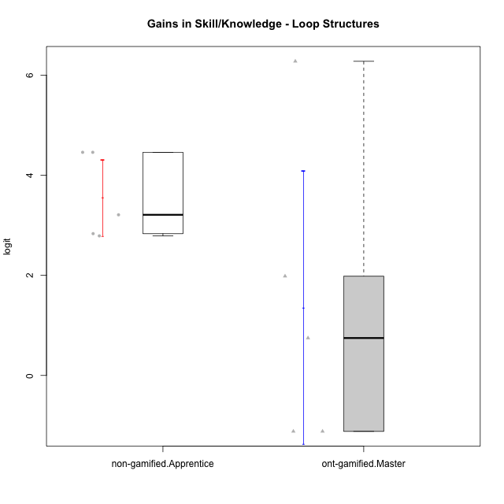

Student's t-Test data
UserID | Type | CLGroup | CLRole | PlayerRole | gain.theta
10119 | ont-gamified | Grupo Zeus | Master | Yee Achiever | 1.9833851143
10120 | ont-gamified | Grupo Hélio | Master | Yee Socializer | -1.1173692314
10121 | ont-gamified | Grupo Hades | Master | Yee Achiever | 0.74733468587
10122 | non-gamified | GroupB | Apprentice |  | 2.7885711323
10129 | non-gamified | GroupB | Apprentice |  | 4.4581566436
10130 | non-gamified | GroupC | Apprentice |  | 3.2096307286
10135 | non-gamified | GroupB | Apprentice |  | 2.8330498536
10141 | ont-gamified | Grupo Apolo | Master | Yee Socializer | 6.2765547414
10146 | non-gamified | GroupA | Apprentice |  | 4.4581566436
10152 | ont-gamified | Grupo Morfeu | Master | Yee Achiever | -1.1173692314

Type_CLRole_4
Student's t-Test for Gains in Skill/Knowledge - Loop Structures in Type:CLRole between non-gamified.Master:ont-gamified.Apprentice

Student's t-Test results
Alternative hypothesis: less
Group | N | Mean | Mean.Difference | Std.deviation | Std.error | CI.lower | CI.upper | df | t.value | p.value | g | magnitude
non-gamified.Master | 3 | 0.84310438548 | -3.8229024503 | 0.75857036659 | 0.43796080535 | -0.032817225219 | 1.7190259962 | 8.0697447395 | -5.2618216517 | 0.00037082535349 | -2.3464660215 | large
ont-gamified.Apprentice | 8 | 4.6660068357 | 3.8229024503 | 1.6396213718 | 0.57969369529 | 3.5066194452 | 5.8253942263 | 8.0697447395 | -5.2618216517 | 0.00037082535349 | -2.3464660215 | large
Alternative hypothesis: greater
Group | N | Mean | Mean.Difference | Std.deviation | Std.error | CI.lower | CI.upper | df | t.value | p.value | g | magnitude
non-gamified.Master | 3 | 0.84310438548 | -3.8229024503 | 0.75857036659 | 0.43796080535 | -0.032817225219 | 1.7190259962 | 8.0697447395 | -5.2618216517 | 0.99962917465 | -2.3464660215 | large
ont-gamified.Apprentice | 8 | 4.6660068357 | 3.8229024503 | 1.6396213718 | 0.57969369529 | 3.5066194452 | 5.8253942263 | 8.0697447395 | -5.2618216517 | 0.99962917465 | -2.3464660215 | large
Alternative hypothesis: two.sided
Group | N | Mean | Mean.Difference | Std.deviation | Std.error | CI.lower | CI.upper | df | t.value | p.value | g | magnitude
non-gamified.Master | 3 | 0.84310438548 | -3.8229024503 | 0.75857036659 | 0.43796080535 | -0.032817225219 | 1.7190259962 | 8.0697447395 | -5.2618216517 | 0.00074165070699 | -2.3464660215 | large
ont-gamified.Apprentice | 8 | 4.6660068357 | 3.8229024503 | 1.6396213718 | 0.57969369529 | 3.5066194452 | 5.8253942263 | 8.0697447395 | -5.2618216517 | 0.00074165070699 | -2.3464660215 | large

Box plots for Student's t-Test
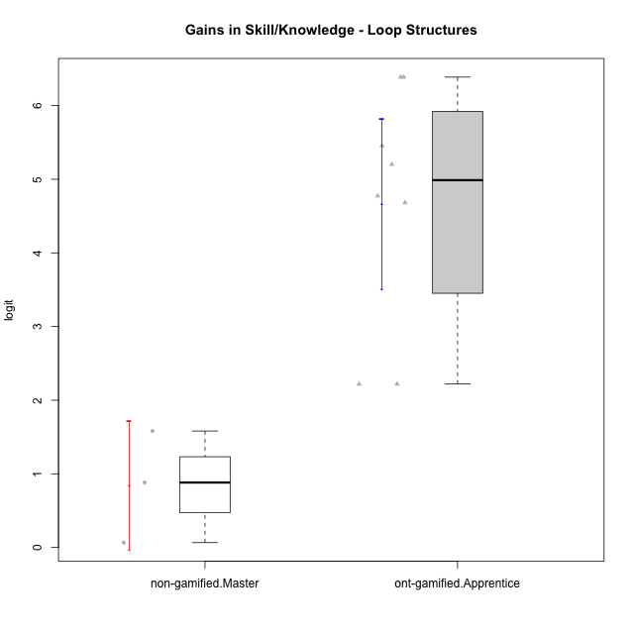

Student's t-Test data
UserID | Type | CLGroup | CLRole | PlayerRole | gain.theta
10116 | non-gamified | GroupC | Master |  | 1.5815633838
10126 | ont-gamified | Grupo Hélio | Apprentice | Yee Socializer | 2.2194394284
10131 | ont-gamified | Grupo Zeus | Apprentice | Yee Achiever | 4.6837051139
10134 | ont-gamified | Grupo Apolo | Apprentice | Yee Socializer | 4.7735359592
10137 | ont-gamified | Grupo Morfeu | Apprentice | Yee Achiever | 5.2020388159
10138 | ont-gamified | Grupo Hélio | Apprentice | Yee Socializer | 6.3870960477
10139 | ont-gamified | Grupo Zeus | Apprentice | Yee Achiever | 5.4557038449
10143 | ont-gamified | Grupo Apolo | Apprentice | Yee Socializer | 2.2194394284
10144 | non-gamified | GroupA | Master |  | 0.88184269371
10145 | non-gamified | GroupB | Master |  | 0.065907078898
10148 | ont-gamified | Grupo Apolo | Apprentice | Yee Socializer | 6.3870960477

Type_CLRole_5
Student's t-Test for Gains in Skill/Knowledge - Loop Structures in Type:CLRole between non-gamified.Master:ont-gamified.Master

Student's t-Test results
Alternative hypothesis: less
Group | N | Mean | Mean.Difference | Std.deviation | Std.error | CI.lower | CI.upper | df | t.value | p.value | g | magnitude
non-gamified.Master | 3 | 0.84310438548 | -0.51140283027 | 0.75857036659 | 0.43796080535 | -0.032817225219 | 1.7190259962 | 4.7659491728 | -0.35697364879 | 0.36818484993 | -0.17586962835 | negligible
ont-gamified.Master | 5 | 1.3545072157 | 0.51140283027 | 3.0500427897 | 1.3640206024 | -1.3735339891 | 4.0825484206 | 4.7659491728 | -0.35697364879 | 0.36818484993 | -0.17586962835 | negligible
Alternative hypothesis: greater
Group | N | Mean | Mean.Difference | Std.deviation | Std.error | CI.lower | CI.upper | df | t.value | p.value | g | magnitude
non-gamified.Master | 3 | 0.84310438548 | -0.51140283027 | 0.75857036659 | 0.43796080535 | -0.032817225219 | 1.7190259962 | 4.7659491728 | -0.35697364879 | 0.63181515007 | -0.17586962835 | negligible
ont-gamified.Master | 5 | 1.3545072157 | 0.51140283027 | 3.0500427897 | 1.3640206024 | -1.3735339891 | 4.0825484206 | 4.7659491728 | -0.35697364879 | 0.63181515007 | -0.17586962835 | negligible
Alternative hypothesis: two.sided
Group | N | Mean | Mean.Difference | Std.deviation | Std.error | CI.lower | CI.upper | df | t.value | p.value | g | magnitude
non-gamified.Master | 3 | 0.84310438548 | -0.51140283027 | 0.75857036659 | 0.43796080535 | -0.032817225219 | 1.7190259962 | 4.7659491728 | -0.35697364879 | 0.73636969986 | -0.17586962835 | negligible
ont-gamified.Master | 5 | 1.3545072157 | 0.51140283027 | 3.0500427897 | 1.3640206024 | -1.3735339891 | 4.0825484206 | 4.7659491728 | -0.35697364879 | 0.73636969986 | -0.17586962835 | negligible

Box plots for Student's t-Test
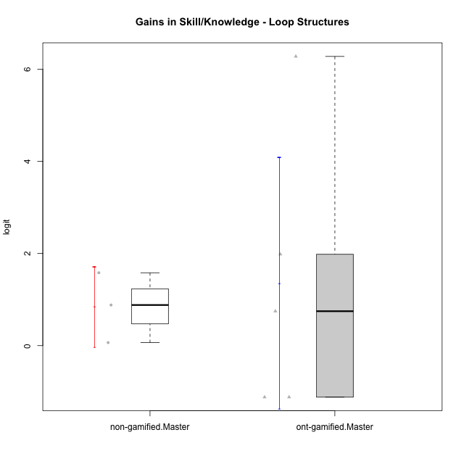

Student's t-Test data
UserID | Type | CLGroup | CLRole | PlayerRole | gain.theta
10116 | non-gamified | GroupC | Master |  | 1.5815633838
10119 | ont-gamified | Grupo Zeus | Master | Yee Achiever | 1.9833851143
10120 | ont-gamified | Grupo Hélio | Master | Yee Socializer | -1.1173692314
10121 | ont-gamified | Grupo Hades | Master | Yee Achiever | 0.74733468587
10141 | ont-gamified | Grupo Apolo | Master | Yee Socializer | 6.2765547414
10144 | non-gamified | GroupA | Master |  | 0.88184269371
10145 | non-gamified | GroupB | Master |  | 0.065907078898
10152 | ont-gamified | Grupo Morfeu | Master | Yee Achiever | -1.1173692314

Type_CLRole_6
Student's t-Test for Gains in Skill/Knowledge - Loop Structures in Type:CLRole between ont-gamified.Apprentice:ont-gamified.Master

Student's t-Test results
Alternative hypothesis: less
Group | N | Mean | Mean.Difference | Std.deviation | Std.error | CI.lower | CI.upper | df | t.value | p.value | g | magnitude
ont-gamified.Apprentice | 8 | 4.6660068357 | 3.31149962 | 1.6396213718 | 0.57969369529 | 3.5066194452 | 5.8253942263 | 5.4733828087 | 2.234341325 | 0.96443518518 | 1.3649099941 | large
ont-gamified.Master | 5 | 1.3545072157 | -3.31149962 | 3.0500427897 | 1.3640206024 | -1.3735339891 | 4.0825484206 | 5.4733828087 | 2.234341325 | 0.96443518518 | 1.3649099941 | large
Alternative hypothesis: greater
Group | N | Mean | Mean.Difference | Std.deviation | Std.error | CI.lower | CI.upper | df | t.value | p.value | g | magnitude
ont-gamified.Apprentice | 8 | 4.6660068357 | 3.31149962 | 1.6396213718 | 0.57969369529 | 3.5066194452 | 5.8253942263 | 5.4733828087 | 2.234341325 | 0.035564814821 | 1.3649099941 | large
ont-gamified.Master | 5 | 1.3545072157 | -3.31149962 | 3.0500427897 | 1.3640206024 | -1.3735339891 | 4.0825484206 | 5.4733828087 | 2.234341325 | 0.035564814821 | 1.3649099941 | large
Alternative hypothesis: two.sided
Group | N | Mean | Mean.Difference | Std.deviation | Std.error | CI.lower | CI.upper | df | t.value | p.value | g | magnitude
ont-gamified.Apprentice | 8 | 4.6660068357 | 3.31149962 | 1.6396213718 | 0.57969369529 | 3.5066194452 | 5.8253942263 | 5.4733828087 | 2.234341325 | 0.071129629641 | 1.3649099941 | large
ont-gamified.Master | 5 | 1.3545072157 | -3.31149962 | 3.0500427897 | 1.3640206024 | -1.3735339891 | 4.0825484206 | 5.4733828087 | 2.234341325 | 0.071129629641 | 1.3649099941 | large

Box plots for Student's t-Test
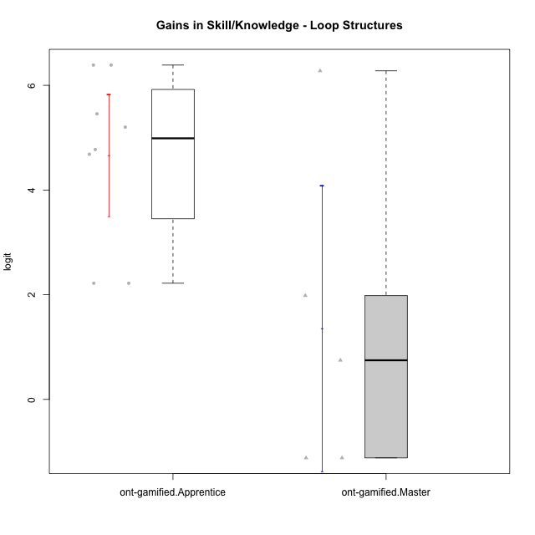

Student's t-Test data
UserID | Type | CLGroup | CLRole | PlayerRole | gain.theta
10119 | ont-gamified | Grupo Zeus | Master | Yee Achiever | 1.9833851143
10120 | ont-gamified | Grupo Hélio | Master | Yee Socializer | -1.1173692314
10121 | ont-gamified | Grupo Hades | Master | Yee Achiever | 0.74733468587
10126 | ont-gamified | Grupo Hélio | Apprentice | Yee Socializer | 2.2194394284
10131 | ont-gamified | Grupo Zeus | Apprentice | Yee Achiever | 4.6837051139
10134 | ont-gamified | Grupo Apolo | Apprentice | Yee Socializer | 4.7735359592
10137 | ont-gamified | Grupo Morfeu | Apprentice | Yee Achiever | 5.2020388159
10138 | ont-gamified | Grupo Hélio | Apprentice | Yee Socializer | 6.3870960477
10139 | ont-gamified | Grupo Zeus | Apprentice | Yee Achiever | 5.4557038449
10141 | ont-gamified | Grupo Apolo | Master | Yee Socializer | 6.2765547414
10143 | ont-gamified | Grupo Apolo | Apprentice | Yee Socializer | 2.2194394284
10148 | ont-gamified | Grupo Apolo | Apprentice | Yee Socializer | 6.3870960477
10152 | ont-gamified | Grupo Morfeu | Master | Yee Achiever | -1.1173692314

