Assumptions
ANOVA assumptions for Gains in Skill/Knowledge - Loop Structures

Shapiro-Wilk normality test for Gains in Skill/Knowledge - Loop Structures
W | p.value
0.97643756076 | 0.72501277386

Plots for normality test
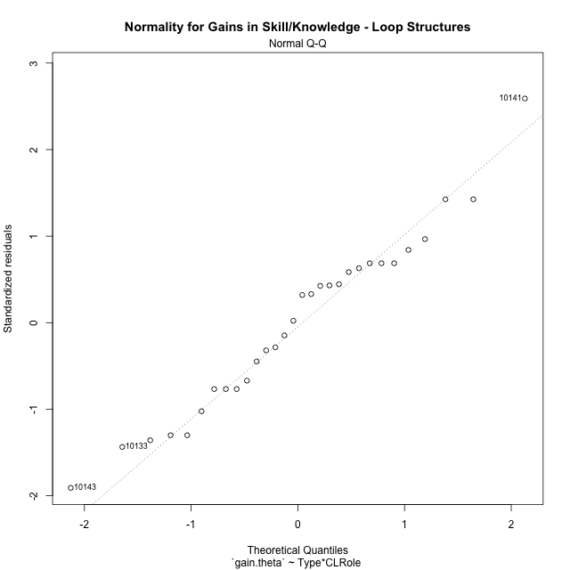

Levene's Test for Homogeneity of Variance in Gains in Skill/Knowledge - Loop Structures
Df | F value | Pr(>F)
3 | 1.4658617429 | 0.24685886757
26

Plots for homogeneity of variance
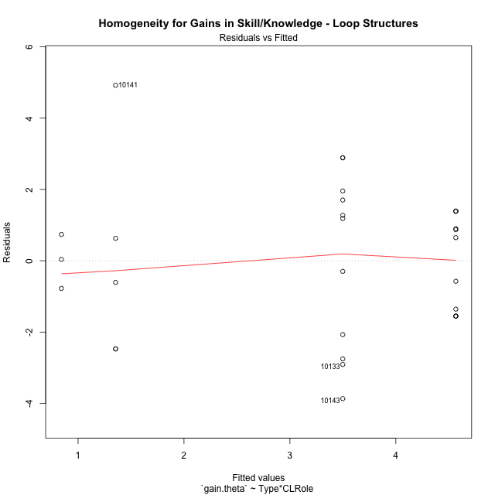

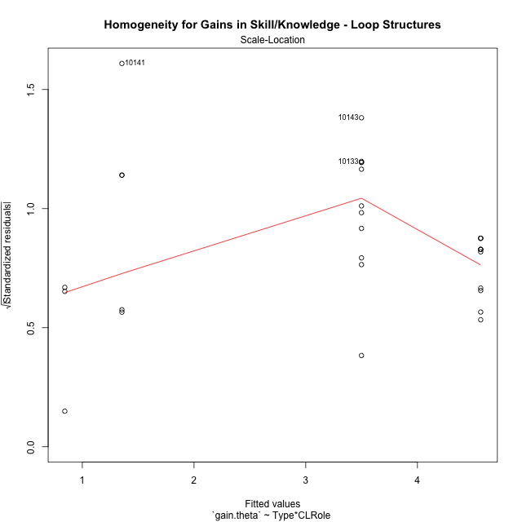

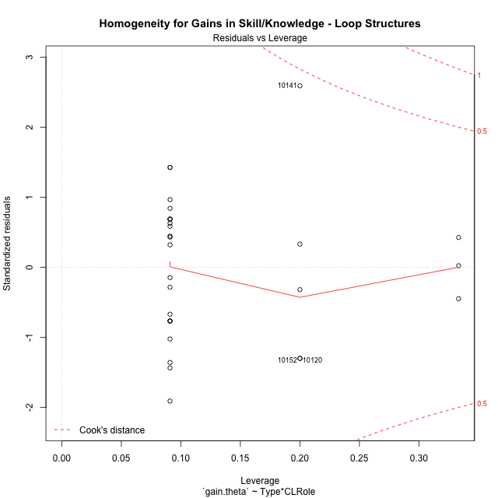

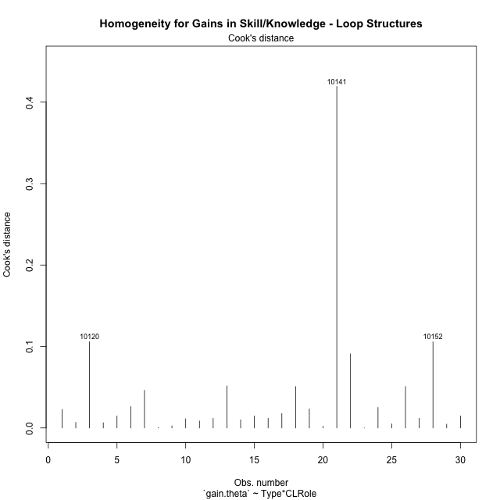

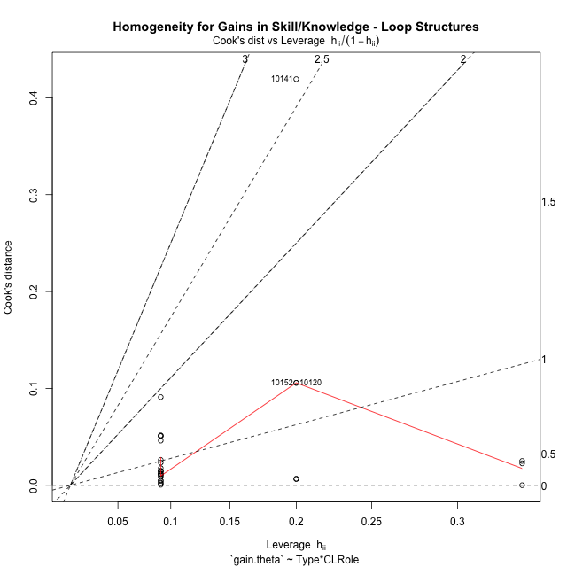

Minimum Sample Size Test for Gains in Skill/Knowledge - Loop Structures
Type | CLRole | Freq
non-gamified | Apprentice | 11
ont-gamified | Apprentice | 11
non-gamified | Master | 3
ont-gamified | Master | 5

Errors and Warnings in Sample Size Test for ANOVA in Gains in Skill/Knowledge - Loop Structures
code | description
WARN: sample.size | current size is 11 and recommended size is 15 for the group: 'non-gamified:Apprentice'.
WARN: sample.size | current size is 11 and recommended size is 15 for the group: 'ont-gamified:Apprentice'.
FAIL: min.size | current size is 3 but the minimal recomended size is 5 for the group: 'non-gamified:Master'.
WARN: sample.size | current size is 5 and recommended size is 15 for the group: 'ont-gamified:Master'.

For the group: 'non-gamified:Apprentice', we recommend the use of non-parametric test. For the group: 'ont-gamified:Apprentice', we recommend the use of non-parametric test. For the group: 'non-gamified:Master', we recommend the use of non-parametric test. For the group: 'ont-gamified:Master', we recommend the use of non-parametric test.

Post-hoc
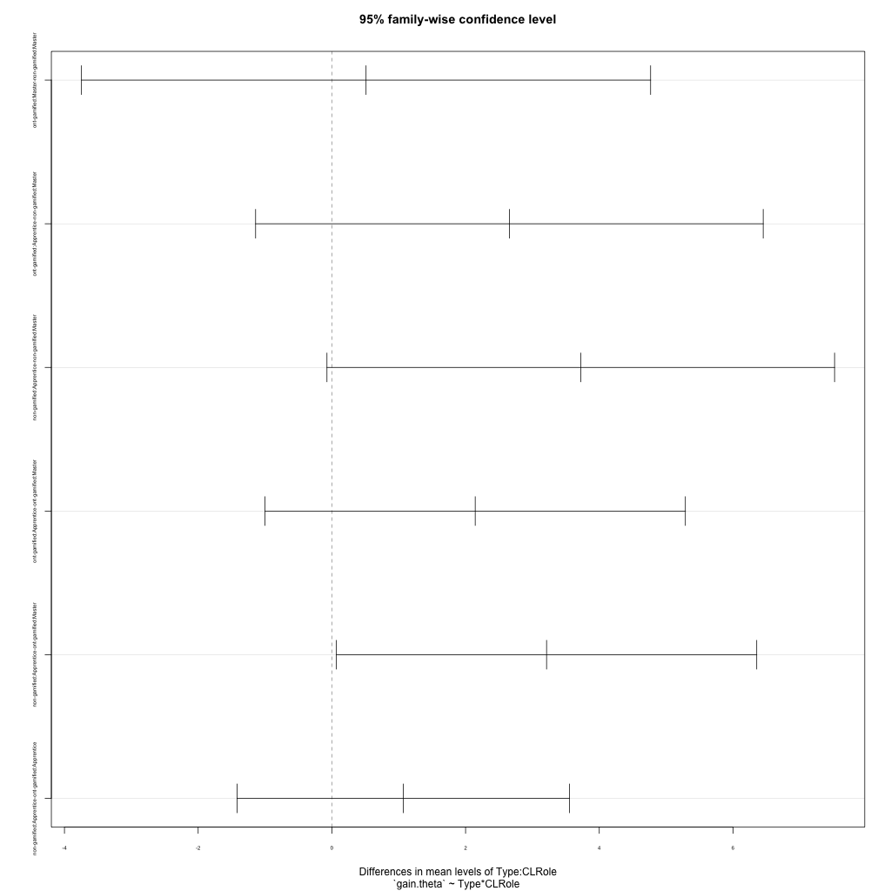
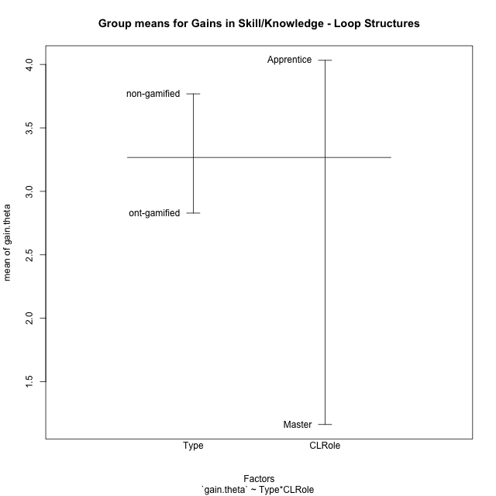
Post-hoc Tukey Honestly Significant Difference (HSD) Test for Gains in Skill/Knowledge - Loop Structures

Comparisons of means for Type
 | diff | lwr | upr | p adj
non-gamified-ont-gamified | 0.93960085164 | -0.65866344829 | 2.5378651516 | 0.23776135938

Comparisons of means for CLRole
 | diff | lwr | upr | p adj
Apprentice-Master | 2.7522883577 | 0.94920305203 | 4.5553736633 | 0.0042031659453

Comparisons of means for Type:CLRole
 | diff | lwr | upr | p adj
ont-gamified:Master-non-gamified:Master | 0.51140283027 | -3.745209423 | 4.7680150835 | 0.98735707886
ont-gamified:Apprentice-non-gamified:Master | 2.6557205247 | -1.1406778152 | 6.4521188646 | 0.24490232052
non-gamified:Apprentice-non-gamified:Master | 3.7230099414 | -0.073388398451 | 7.5194082813 | 0.056054732483
ont-gamified:Apprentice-ont-gamified:Master | 2.1443176944 | -0.99939879823 | 5.2880341871 | 0.26467639726
non-gamified:Apprentice-ont-gamified:Master | 3.2116071112 | 0.067890618486 | 6.3553236038 | 0.043935656091
non-gamified:Apprentice-ont-gamified:Apprentice | 1.0672894167 | -1.4180366919 | 3.5526155254 | 0.64566208884

Contrast Matrices for Gains in Skill/Knowledge - Loop Structures - Type
contrast | estimate | SE | df | t.ratio | p.value
non-gamified - ont-gamified | 0.27794329323 | 0.89837429184 | 26 | 0.30938473613 | 0.75949476569

Contrast Matrices for Gains in Skill/Knowledge - Loop Structures - Type:CLRole
contrast | CLRole | estimate | SE | df | t.ratio | p.value
non-gamified - ont-gamified | Apprentice | 1.0672894167 | 0.9059556439 | 26 | 1.1780813155 | 0.24943485019
non-gamified - ont-gamified | Master | -0.51140283027 | 1.5516281269 | 26 | -0.32959110588 | 0.74434958341

Least Squares Means and Confidence Intervals for Type
Type | lsmean | SE | df | lower.CL | upper.CL | Pairs
non-gamified | 2.7046093562 | 0.69193505241 | 26 | 1.2823164863 | 4.126902226 | non-gamified
ont-gamified | 2.426666063 | 0.57297665876 | 26 | 1.2488956732 | 3.6044364527 | ont-gamified

Least Squares Means and Confidence Intervals for Type:CLRole
Type | CLRole | lsmean | SE | df | lower.CL | upper.CL | Pairs
non-gamified | Apprentice | 4.5661143269 | 0.64060737926 | 26 | 3.2493270002 | 5.8829016536 | non-gamified.Apprentice
ont-gamified | Apprentice | 3.4988249102 | 0.64060737926 | 26 | 2.1820375835 | 4.8156122369 | ont-gamified.Apprentice
non-gamified | Master | 0.84310438548 | 1.2266697407 | 26 | -1.6783513779 | 3.3645601489 | non-gamified.Master
ont-gamified | Master | 1.3545072157 | 0.95017429537 | 26 | -0.59860402023 | 3.3076184517 | ont-gamified.Master

Plots

Type_1
Student's t-Test for Gains in Skill/Knowledge - Loop Structures in Type between non-gamified:ont-gamified

Student's t-Test results
Alternative hypothesis: less
Group | N | Mean | Mean.Difference | Std.deviation | Std.error | CI.lower | CI.upper | df | t.value | p.value | g | magnitude
non-gamified | 14 | 3.7683264823 | 0.93960085164 | 1.981138456 | 0.52948152416 | 2.709363434 | 4.8272895306 | 27.023407485 | 1.0786650224 | 0.85486424939 | 0.37563911622 | small
ont-gamified | 16 | 2.8287256307 | -0.93960085164 | 2.7667319632 | 0.69168299081 | 1.4453596491 | 4.2120916123 | 27.023407485 | 1.0786650224 | 0.85486424939 | 0.37563911622 | small
Alternative hypothesis: greater
Group | N | Mean | Mean.Difference | Std.deviation | Std.error | CI.lower | CI.upper | df | t.value | p.value | g | magnitude
non-gamified | 14 | 3.7683264823 | 0.93960085164 | 1.981138456 | 0.52948152416 | 2.709363434 | 4.8272895306 | 27.023407485 | 1.0786650224 | 0.14513575061 | 0.37563911622 | small
ont-gamified | 16 | 2.8287256307 | -0.93960085164 | 2.7667319632 | 0.69168299081 | 1.4453596491 | 4.2120916123 | 27.023407485 | 1.0786650224 | 0.14513575061 | 0.37563911622 | small
Alternative hypothesis: two.sided
Group | N | Mean | Mean.Difference | Std.deviation | Std.error | CI.lower | CI.upper | df | t.value | p.value | g | magnitude
non-gamified | 14 | 3.7683264823 | 0.93960085164 | 1.981138456 | 0.52948152416 | 2.709363434 | 4.8272895306 | 27.023407485 | 1.0786650224 | 0.29027150122 | 0.37563911622 | small
ont-gamified | 16 | 2.8287256307 | -0.93960085164 | 2.7667319632 | 0.69168299081 | 1.4453596491 | 4.2120916123 | 27.023407485 | 1.0786650224 | 0.29027150122 | 0.37563911622 | small

Box plots for Student's t-Test
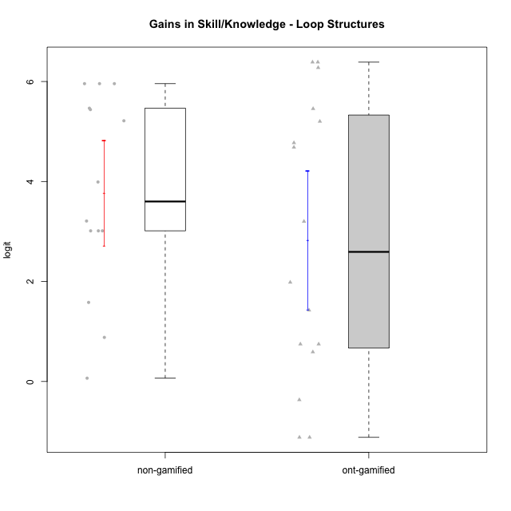

Student's t-Test data
UserID | Type | CLGroup | CLRole | PlayerRole | gain.theta
10116 | non-gamified | GroupC | Master |  | 1.5815633838
10119 | ont-gamified | Grupo Zeus | Master | Yee Achiever | 1.9833851143
10120 | ont-gamified | Grupo Hélio | Master | Yee Socializer | -1.1173692314
10121 | ont-gamified | Grupo Hades | Master | Yee Achiever | 0.74733468587
10122 | non-gamified | GroupB | Apprentice |  | 3.0129386065
10126 | ont-gamified | Grupo Hélio | Apprentice | Yee Socializer | 1.4264516577
10127 | ont-gamified | Grupo Hades | Apprentice | Yee Achiever | 0.74733468587
10128 | ont-gamified | Grupo Morfeu | Apprentice | Yee Achiever | 3.201384991
10129 | non-gamified | GroupB | Apprentice |  | 5.2143847342
10130 | non-gamified | GroupC | Apprentice |  | 3.2096307286
10131 | ont-gamified | Grupo Zeus | Apprentice | Yee Achiever | 4.6837051139
10132 | non-gamified | GroupA | Apprentice |  | 5.9568122695
10133 | ont-gamified | Grupo Hades | Apprentice | Yee Achiever | 0.58991653144
10134 | ont-gamified | Grupo Apolo | Apprentice | Yee Socializer | 4.7735359592
10135 | non-gamified | GroupB | Apprentice |  | 3.0129386065
10136 | non-gamified | GroupC | Apprentice |  | 5.9568122695
10137 | ont-gamified | Grupo Morfeu | Apprentice | Yee Achiever | 5.2020388159
10138 | ont-gamified | Grupo Hélio | Apprentice | Yee Socializer | 6.3870960477
10139 | ont-gamified | Grupo Zeus | Apprentice | Yee Achiever | 5.4557038449
10140 | non-gamified | GroupC | Apprentice |  | 3.990091728
10141 | ont-gamified | Grupo Apolo | Master | Yee Socializer | 6.2765547414
10143 | ont-gamified | Grupo Apolo | Apprentice | Yee Socializer | -0.36718968313
10144 | non-gamified | GroupA | Master |  | 0.88184269371
10145 | non-gamified | GroupB | Master |  | 0.065907078898
10146 | non-gamified | GroupA | Apprentice |  | 5.4656768635
10148 | ont-gamified | Grupo Apolo | Apprentice | Yee Socializer | 6.3870960477
10149 | non-gamified | GroupA | Apprentice |  | 5.9568122695
10152 | ont-gamified | Grupo Morfeu | Master | Yee Achiever | -1.1173692314
10153 | non-gamified | GroupA | Apprentice |  | 5.4382209136
10154 | non-gamified | GroupC | Apprentice |  | 3.0129386065

Type_CLRole_1
Student's t-Test for Gains in Skill/Knowledge - Loop Structures in Type:CLRole between non-gamified.Apprentice:non-gamified.Master

Student's t-Test results
Alternative hypothesis: less
Group | N | Mean | Mean.Difference | Std.deviation | Std.error | CI.lower | CI.upper | df | t.value | p.value | g | magnitude
non-gamified.Apprentice | 11 | 4.5661143269 | 3.7230099414 | 1.3115286395 | 0.39544076354 | 3.7752327998 | 5.356995854 | 5.8170418758 | 6.3094335999 | 0.99958308229 | 2.8183747873 | large
non-gamified.Master | 3 | 0.84310438548 | -3.7230099414 | 0.75857036659 | 0.43796080535 | -0.032817225219 | 1.7190259962 | 5.8170418758 | 6.3094335999 | 0.99958308229 | 2.8183747873 | large
Alternative hypothesis: greater
Group | N | Mean | Mean.Difference | Std.deviation | Std.error | CI.lower | CI.upper | df | t.value | p.value | g | magnitude
non-gamified.Apprentice | 11 | 4.5661143269 | 3.7230099414 | 1.3115286395 | 0.39544076354 | 3.7752327998 | 5.356995854 | 5.8170418758 | 6.3094335999 | 0.00041691770621 | 2.8183747873 | large
non-gamified.Master | 3 | 0.84310438548 | -3.7230099414 | 0.75857036659 | 0.43796080535 | -0.032817225219 | 1.7190259962 | 5.8170418758 | 6.3094335999 | 0.00041691770621 | 2.8183747873 | large
Alternative hypothesis: two.sided
Group | N | Mean | Mean.Difference | Std.deviation | Std.error | CI.lower | CI.upper | df | t.value | p.value | g | magnitude
non-gamified.Apprentice | 11 | 4.5661143269 | 3.7230099414 | 1.3115286395 | 0.39544076354 | 3.7752327998 | 5.356995854 | 5.8170418758 | 6.3094335999 | 0.00083383541243 | 2.8183747873 | large
non-gamified.Master | 3 | 0.84310438548 | -3.7230099414 | 0.75857036659 | 0.43796080535 | -0.032817225219 | 1.7190259962 | 5.8170418758 | 6.3094335999 | 0.00083383541243 | 2.8183747873 | large

Box plots for Student's t-Test
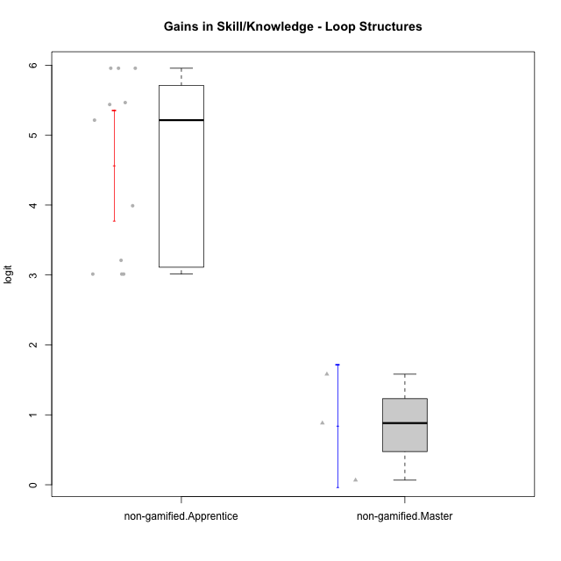

Student's t-Test data
UserID | Type | CLGroup | CLRole | PlayerRole | gain.theta
10116 | non-gamified | GroupC | Master |  | 1.5815633838
10122 | non-gamified | GroupB | Apprentice |  | 3.0129386065
10129 | non-gamified | GroupB | Apprentice |  | 5.2143847342
10130 | non-gamified | GroupC | Apprentice |  | 3.2096307286
10132 | non-gamified | GroupA | Apprentice |  | 5.9568122695
10135 | non-gamified | GroupB | Apprentice |  | 3.0129386065
10136 | non-gamified | GroupC | Apprentice |  | 5.9568122695
10140 | non-gamified | GroupC | Apprentice |  | 3.990091728
10144 | non-gamified | GroupA | Master |  | 0.88184269371
10145 | non-gamified | GroupB | Master |  | 0.065907078898
10146 | non-gamified | GroupA | Apprentice |  | 5.4656768635
10149 | non-gamified | GroupA | Apprentice |  | 5.9568122695
10153 | non-gamified | GroupA | Apprentice |  | 5.4382209136
10154 | non-gamified | GroupC | Apprentice |  | 3.0129386065

Type_CLRole_2
Student's t-Test for Gains in Skill/Knowledge - Loop Structures in Type:CLRole between non-gamified.Apprentice:ont-gamified.Apprentice

Student's t-Test results
Alternative hypothesis: less
Group | N | Mean | Mean.Difference | Std.deviation | Std.error | CI.lower | CI.upper | df | t.value | p.value | g | magnitude
non-gamified.Apprentice | 11 | 4.5661143269 | 1.0672894167 | 1.3115286395 | 0.39544076354 | 3.7752327998 | 5.356995854 | 15.166081908 | 1.2593547608 | 0.88653003457 | 0.51659862337 | medium
ont-gamified.Apprentice | 11 | 3.4988249102 | -1.0672894167 | 2.4860627326 | 0.74957611722 | 1.9996726757 | 4.9979771446 | 15.166081908 | 1.2593547608 | 0.88653003457 | 0.51659862337 | medium
Alternative hypothesis: greater
Group | N | Mean | Mean.Difference | Std.deviation | Std.error | CI.lower | CI.upper | df | t.value | p.value | g | magnitude
non-gamified.Apprentice | 11 | 4.5661143269 | 1.0672894167 | 1.3115286395 | 0.39544076354 | 3.7752327998 | 5.356995854 | 15.166081908 | 1.2593547608 | 0.11346996543 | 0.51659862337 | medium
ont-gamified.Apprentice | 11 | 3.4988249102 | -1.0672894167 | 2.4860627326 | 0.74957611722 | 1.9996726757 | 4.9979771446 | 15.166081908 | 1.2593547608 | 0.11346996543 | 0.51659862337 | medium
Alternative hypothesis: two.sided
Group | N | Mean | Mean.Difference | Std.deviation | Std.error | CI.lower | CI.upper | df | t.value | p.value | g | magnitude
non-gamified.Apprentice | 11 | 4.5661143269 | 1.0672894167 | 1.3115286395 | 0.39544076354 | 3.7752327998 | 5.356995854 | 15.166081908 | 1.2593547608 | 0.22693993087 | 0.51659862337 | medium
ont-gamified.Apprentice | 11 | 3.4988249102 | -1.0672894167 | 2.4860627326 | 0.74957611722 | 1.9996726757 | 4.9979771446 | 15.166081908 | 1.2593547608 | 0.22693993087 | 0.51659862337 | medium

Box plots for Student's t-Test
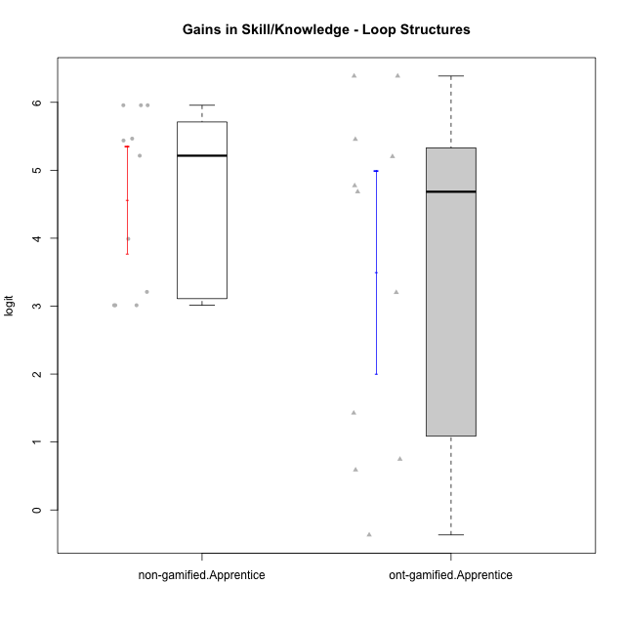

Student's t-Test data
UserID | Type | CLGroup | CLRole | PlayerRole | gain.theta
10122 | non-gamified | GroupB | Apprentice |  | 3.0129386065
10126 | ont-gamified | Grupo Hélio | Apprentice | Yee Socializer | 1.4264516577
10127 | ont-gamified | Grupo Hades | Apprentice | Yee Achiever | 0.74733468587
10128 | ont-gamified | Grupo Morfeu | Apprentice | Yee Achiever | 3.201384991
10129 | non-gamified | GroupB | Apprentice |  | 5.2143847342
10130 | non-gamified | GroupC | Apprentice |  | 3.2096307286
10131 | ont-gamified | Grupo Zeus | Apprentice | Yee Achiever | 4.6837051139
10132 | non-gamified | GroupA | Apprentice |  | 5.9568122695
10133 | ont-gamified | Grupo Hades | Apprentice | Yee Achiever | 0.58991653144
10134 | ont-gamified | Grupo Apolo | Apprentice | Yee Socializer | 4.7735359592
10135 | non-gamified | GroupB | Apprentice |  | 3.0129386065
10136 | non-gamified | GroupC | Apprentice |  | 5.9568122695
10137 | ont-gamified | Grupo Morfeu | Apprentice | Yee Achiever | 5.2020388159
10138 | ont-gamified | Grupo Hélio | Apprentice | Yee Socializer | 6.3870960477
10139 | ont-gamified | Grupo Zeus | Apprentice | Yee Achiever | 5.4557038449
10140 | non-gamified | GroupC | Apprentice |  | 3.990091728
10143 | ont-gamified | Grupo Apolo | Apprentice | Yee Socializer | -0.36718968313
10146 | non-gamified | GroupA | Apprentice |  | 5.4656768635
10148 | ont-gamified | Grupo Apolo | Apprentice | Yee Socializer | 6.3870960477
10149 | non-gamified | GroupA | Apprentice |  | 5.9568122695
10153 | non-gamified | GroupA | Apprentice |  | 5.4382209136
10154 | non-gamified | GroupC | Apprentice |  | 3.0129386065

Type_CLRole_3
Student's t-Test for Gains in Skill/Knowledge - Loop Structures in Type:CLRole between non-gamified.Apprentice:ont-gamified.Master

Student's t-Test results
Alternative hypothesis: less
Group | N | Mean | Mean.Difference | Std.deviation | Std.error | CI.lower | CI.upper | df | t.value | p.value | g | magnitude
non-gamified.Apprentice | 11 | 4.5661143269 | 3.2116071112 | 1.3115286395 | 0.39544076354 | 3.7752327998 | 5.356995854 | 4.6873851605 | 2.2614004359 | 0.96161644272 | 1.5402076213 | large
ont-gamified.Master | 5 | 1.3545072157 | -3.2116071112 | 3.0500427897 | 1.3640206024 | -1.3735339891 | 4.0825484206 | 4.6873851605 | 2.2614004359 | 0.96161644272 | 1.5402076213 | large
Alternative hypothesis: greater
Group | N | Mean | Mean.Difference | Std.deviation | Std.error | CI.lower | CI.upper | df | t.value | p.value | g | magnitude
non-gamified.Apprentice | 11 | 4.5661143269 | 3.2116071112 | 1.3115286395 | 0.39544076354 | 3.7752327998 | 5.356995854 | 4.6873851605 | 2.2614004359 | 0.038383557278 | 1.5402076213 | large
ont-gamified.Master | 5 | 1.3545072157 | -3.2116071112 | 3.0500427897 | 1.3640206024 | -1.3735339891 | 4.0825484206 | 4.6873851605 | 2.2614004359 | 0.038383557278 | 1.5402076213 | large
Alternative hypothesis: two.sided
Group | N | Mean | Mean.Difference | Std.deviation | Std.error | CI.lower | CI.upper | df | t.value | p.value | g | magnitude
non-gamified.Apprentice | 11 | 4.5661143269 | 3.2116071112 | 1.3115286395 | 0.39544076354 | 3.7752327998 | 5.356995854 | 4.6873851605 | 2.2614004359 | 0.076767114556 | 1.5402076213 | large
ont-gamified.Master | 5 | 1.3545072157 | -3.2116071112 | 3.0500427897 | 1.3640206024 | -1.3735339891 | 4.0825484206 | 4.6873851605 | 2.2614004359 | 0.076767114556 | 1.5402076213 | large

Box plots for Student's t-Test
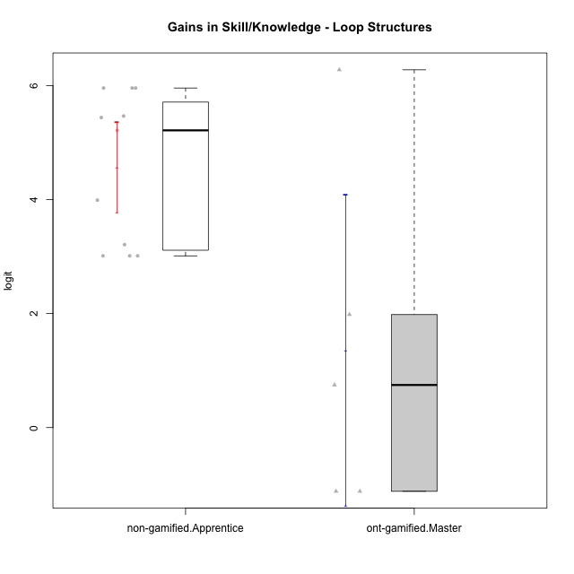

Student's t-Test data
UserID | Type | CLGroup | CLRole | PlayerRole | gain.theta
10119 | ont-gamified | Grupo Zeus | Master | Yee Achiever | 1.9833851143
10120 | ont-gamified | Grupo Hélio | Master | Yee Socializer | -1.1173692314
10121 | ont-gamified | Grupo Hades | Master | Yee Achiever | 0.74733468587
10122 | non-gamified | GroupB | Apprentice |  | 3.0129386065
10129 | non-gamified | GroupB | Apprentice |  | 5.2143847342
10130 | non-gamified | GroupC | Apprentice |  | 3.2096307286
10132 | non-gamified | GroupA | Apprentice |  | 5.9568122695
10135 | non-gamified | GroupB | Apprentice |  | 3.0129386065
10136 | non-gamified | GroupC | Apprentice |  | 5.9568122695
10140 | non-gamified | GroupC | Apprentice |  | 3.990091728
10141 | ont-gamified | Grupo Apolo | Master | Yee Socializer | 6.2765547414
10146 | non-gamified | GroupA | Apprentice |  | 5.4656768635
10149 | non-gamified | GroupA | Apprentice |  | 5.9568122695
10152 | ont-gamified | Grupo Morfeu | Master | Yee Achiever | -1.1173692314
10153 | non-gamified | GroupA | Apprentice |  | 5.4382209136
10154 | non-gamified | GroupC | Apprentice |  | 3.0129386065

Type_CLRole_4
Student's t-Test for Gains in Skill/Knowledge - Loop Structures in Type:CLRole between non-gamified.Master:ont-gamified.Apprentice

Student's t-Test results
Alternative hypothesis: less
Group | N | Mean | Mean.Difference | Std.deviation | Std.error | CI.lower | CI.upper | df | t.value | p.value | g | magnitude
non-gamified.Master | 3 | 0.84310438548 | -2.6557205247 | 0.75857036659 | 0.43796080535 | -0.032817225219 | 1.7190259962 | 11.36853284 | -3.059078325 | 0.0052471523672 | -1.0854491057 | large
ont-gamified.Apprentice | 11 | 3.4988249102 | 2.6557205247 | 2.4860627326 | 0.74957611722 | 1.9996726757 | 4.9979771446 | 11.36853284 | -3.059078325 | 0.0052471523672 | -1.0854491057 | large
Alternative hypothesis: greater
Group | N | Mean | Mean.Difference | Std.deviation | Std.error | CI.lower | CI.upper | df | t.value | p.value | g | magnitude
non-gamified.Master | 3 | 0.84310438548 | -2.6557205247 | 0.75857036659 | 0.43796080535 | -0.032817225219 | 1.7190259962 | 11.36853284 | -3.059078325 | 0.99475284763 | -1.0854491057 | large
ont-gamified.Apprentice | 11 | 3.4988249102 | 2.6557205247 | 2.4860627326 | 0.74957611722 | 1.9996726757 | 4.9979771446 | 11.36853284 | -3.059078325 | 0.99475284763 | -1.0854491057 | large
Alternative hypothesis: two.sided
Group | N | Mean | Mean.Difference | Std.deviation | Std.error | CI.lower | CI.upper | df | t.value | p.value | g | magnitude
non-gamified.Master | 3 | 0.84310438548 | -2.6557205247 | 0.75857036659 | 0.43796080535 | -0.032817225219 | 1.7190259962 | 11.36853284 | -3.059078325 | 0.010494304734 | -1.0854491057 | large
ont-gamified.Apprentice | 11 | 3.4988249102 | 2.6557205247 | 2.4860627326 | 0.74957611722 | 1.9996726757 | 4.9979771446 | 11.36853284 | -3.059078325 | 0.010494304734 | -1.0854491057 | large

Box plots for Student's t-Test
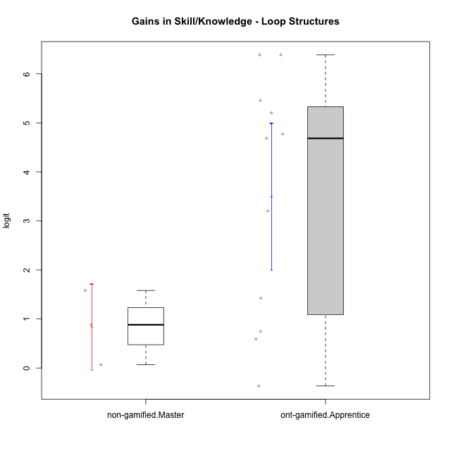

Student's t-Test data
UserID | Type | CLGroup | CLRole | PlayerRole | gain.theta
10116 | non-gamified | GroupC | Master |  | 1.5815633838
10126 | ont-gamified | Grupo Hélio | Apprentice | Yee Socializer | 1.4264516577
10127 | ont-gamified | Grupo Hades | Apprentice | Yee Achiever | 0.74733468587
10128 | ont-gamified | Grupo Morfeu | Apprentice | Yee Achiever | 3.201384991
10131 | ont-gamified | Grupo Zeus | Apprentice | Yee Achiever | 4.6837051139
10133 | ont-gamified | Grupo Hades | Apprentice | Yee Achiever | 0.58991653144
10134 | ont-gamified | Grupo Apolo | Apprentice | Yee Socializer | 4.7735359592
10137 | ont-gamified | Grupo Morfeu | Apprentice | Yee Achiever | 5.2020388159
10138 | ont-gamified | Grupo Hélio | Apprentice | Yee Socializer | 6.3870960477
10139 | ont-gamified | Grupo Zeus | Apprentice | Yee Achiever | 5.4557038449
10143 | ont-gamified | Grupo Apolo | Apprentice | Yee Socializer | -0.36718968313
10144 | non-gamified | GroupA | Master |  | 0.88184269371
10145 | non-gamified | GroupB | Master |  | 0.065907078898
10148 | ont-gamified | Grupo Apolo | Apprentice | Yee Socializer | 6.3870960477

Type_CLRole_5
Student's t-Test for Gains in Skill/Knowledge - Loop Structures in Type:CLRole between non-gamified.Master:ont-gamified.Master

Student's t-Test results
Alternative hypothesis: less
Group | N | Mean | Mean.Difference | Std.deviation | Std.error | CI.lower | CI.upper | df | t.value | p.value | g | magnitude
non-gamified.Master | 3 | 0.84310438548 | -0.51140283027 | 0.75857036659 | 0.43796080535 | -0.032817225219 | 1.7190259962 | 4.7659491728 | -0.35697364879 | 0.36818484993 | -0.17586962835 | negligible
ont-gamified.Master | 5 | 1.3545072157 | 0.51140283027 | 3.0500427897 | 1.3640206024 | -1.3735339891 | 4.0825484206 | 4.7659491728 | -0.35697364879 | 0.36818484993 | -0.17586962835 | negligible
Alternative hypothesis: greater
Group | N | Mean | Mean.Difference | Std.deviation | Std.error | CI.lower | CI.upper | df | t.value | p.value | g | magnitude
non-gamified.Master | 3 | 0.84310438548 | -0.51140283027 | 0.75857036659 | 0.43796080535 | -0.032817225219 | 1.7190259962 | 4.7659491728 | -0.35697364879 | 0.63181515007 | -0.17586962835 | negligible
ont-gamified.Master | 5 | 1.3545072157 | 0.51140283027 | 3.0500427897 | 1.3640206024 | -1.3735339891 | 4.0825484206 | 4.7659491728 | -0.35697364879 | 0.63181515007 | -0.17586962835 | negligible
Alternative hypothesis: two.sided
Group | N | Mean | Mean.Difference | Std.deviation | Std.error | CI.lower | CI.upper | df | t.value | p.value | g | magnitude
non-gamified.Master | 3 | 0.84310438548 | -0.51140283027 | 0.75857036659 | 0.43796080535 | -0.032817225219 | 1.7190259962 | 4.7659491728 | -0.35697364879 | 0.73636969986 | -0.17586962835 | negligible
ont-gamified.Master | 5 | 1.3545072157 | 0.51140283027 | 3.0500427897 | 1.3640206024 | -1.3735339891 | 4.0825484206 | 4.7659491728 | -0.35697364879 | 0.73636969986 | -0.17586962835 | negligible

Box plots for Student's t-Test
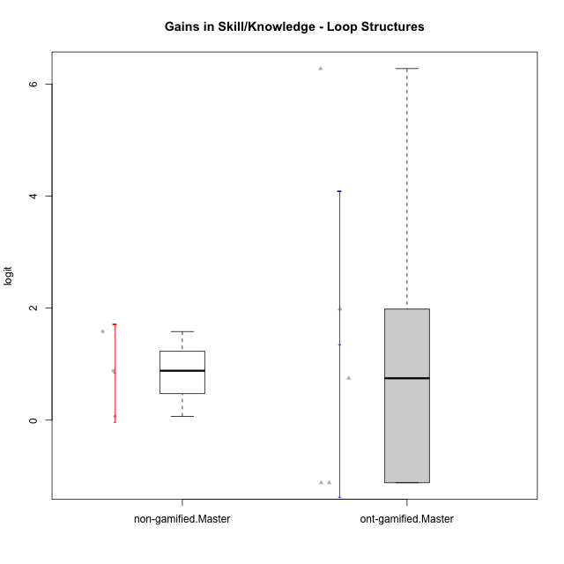

Student's t-Test data
UserID | Type | CLGroup | CLRole | PlayerRole | gain.theta
10116 | non-gamified | GroupC | Master |  | 1.5815633838
10119 | ont-gamified | Grupo Zeus | Master | Yee Achiever | 1.9833851143
10120 | ont-gamified | Grupo Hélio | Master | Yee Socializer | -1.1173692314
10121 | ont-gamified | Grupo Hades | Master | Yee Achiever | 0.74733468587
10141 | ont-gamified | Grupo Apolo | Master | Yee Socializer | 6.2765547414
10144 | non-gamified | GroupA | Master |  | 0.88184269371
10145 | non-gamified | GroupB | Master |  | 0.065907078898
10152 | ont-gamified | Grupo Morfeu | Master | Yee Achiever | -1.1173692314

Type_CLRole_6
Student's t-Test for Gains in Skill/Knowledge - Loop Structures in Type:CLRole between ont-gamified.Apprentice:ont-gamified.Master

Student's t-Test results
Alternative hypothesis: less
Group | N | Mean | Mean.Difference | Std.deviation | Std.error | CI.lower | CI.upper | df | t.value | p.value | g | magnitude
ont-gamified.Apprentice | 11 | 3.4988249102 | 2.1443176944 | 2.4860627326 | 0.74957611722 | 1.9996726757 | 4.9979771446 | 6.5420452989 | 1.3777319058 | 0.89321804135 | 0.76232619315 | medium
ont-gamified.Master | 5 | 1.3545072157 | -2.1443176944 | 3.0500427897 | 1.3640206024 | -1.3735339891 | 4.0825484206 | 6.5420452989 | 1.3777319058 | 0.89321804135 | 0.76232619315 | medium
Alternative hypothesis: greater
Group | N | Mean | Mean.Difference | Std.deviation | Std.error | CI.lower | CI.upper | df | t.value | p.value | g | magnitude
ont-gamified.Apprentice | 11 | 3.4988249102 | 2.1443176944 | 2.4860627326 | 0.74957611722 | 1.9996726757 | 4.9979771446 | 6.5420452989 | 1.3777319058 | 0.10678195865 | 0.76232619315 | medium
ont-gamified.Master | 5 | 1.3545072157 | -2.1443176944 | 3.0500427897 | 1.3640206024 | -1.3735339891 | 4.0825484206 | 6.5420452989 | 1.3777319058 | 0.10678195865 | 0.76232619315 | medium
Alternative hypothesis: two.sided
Group | N | Mean | Mean.Difference | Std.deviation | Std.error | CI.lower | CI.upper | df | t.value | p.value | g | magnitude
ont-gamified.Apprentice | 11 | 3.4988249102 | 2.1443176944 | 2.4860627326 | 0.74957611722 | 1.9996726757 | 4.9979771446 | 6.5420452989 | 1.3777319058 | 0.2135639173 | 0.76232619315 | medium
ont-gamified.Master | 5 | 1.3545072157 | -2.1443176944 | 3.0500427897 | 1.3640206024 | -1.3735339891 | 4.0825484206 | 6.5420452989 | 1.3777319058 | 0.2135639173 | 0.76232619315 | medium

Box plots for Student's t-Test


Student's t-Test data
UserID | Type | CLGroup | CLRole | PlayerRole | gain.theta
10119 | ont-gamified | Grupo Zeus | Master | Yee Achiever | 1.9833851143
10120 | ont-gamified | Grupo Hélio | Master | Yee Socializer | -1.1173692314
10121 | ont-gamified | Grupo Hades | Master | Yee Achiever | 0.74733468587
10126 | ont-gamified | Grupo Hélio | Apprentice | Yee Socializer | 1.4264516577
10127 | ont-gamified | Grupo Hades | Apprentice | Yee Achiever | 0.74733468587
10128 | ont-gamified | Grupo Morfeu | Apprentice | Yee Achiever | 3.201384991
10131 | ont-gamified | Grupo Zeus | Apprentice | Yee Achiever | 4.6837051139
10133 | ont-gamified | Grupo Hades | Apprentice | Yee Achiever | 0.58991653144
10134 | ont-gamified | Grupo Apolo | Apprentice | Yee Socializer | 4.7735359592
10137 | ont-gamified | Grupo Morfeu | Apprentice | Yee Achiever | 5.2020388159
10138 | ont-gamified | Grupo Hélio | Apprentice | Yee Socializer | 6.3870960477
10139 | ont-gamified | Grupo Zeus | Apprentice | Yee Achiever | 5.4557038449
10141 | ont-gamified | Grupo Apolo | Master | Yee Socializer | 6.2765547414
10143 | ont-gamified | Grupo Apolo | Apprentice | Yee Socializer | -0.36718968313
10148 | ont-gamified | Grupo Apolo | Apprentice | Yee Socializer | 6.3870960477
10152 | ont-gamified | Grupo Morfeu | Master | Yee Achiever | -1.1173692314

