Type_1
Wilcoxon Analysis for Pct of Students Having Adequate Participation in Type between non-gamified:ont-gamified

Wilcoxon test results
Alternative hypothesis: less
Group | N | Median | Mean.Ranks | Sum.Ranks | U | Z | p.value | r | magnitude
non-gamified | 4 | 0.4 | 4.125 | 16.5 | 6.5 | -1.447279333 | 0.081818181818 | 0.43637113768 | medium
ont-gamified | 7 | 0.5 | 7.0714285714 | 49.5 | 6.5 | -1.447279333 | 0.081818181818 | 0.43637113768 | medium
Alternative hypothesis: greater
Group | N | Median | Mean.Ranks | Sum.Ranks | U | Z | p.value | r | magnitude
non-gamified | 4 | 0.4 | 4.125 | 16.5 | 6.5 | -1.447279333 | 0.92424242424 | 0.43637113768 | medium
ont-gamified | 7 | 0.5 | 7.0714285714 | 49.5 | 6.5 | -1.447279333 | 0.92424242424 | 0.43637113768 | medium
Alternative hypothesis: two.sided
Group | N | Median | Mean.Ranks | Sum.Ranks | U | Z | p.value | r | magnitude
non-gamified | 4 | 0.4 | 4.125 | 16.5 | 6.5 | -1.447279333 | 0.16060606061 | 0.43637113768 | medium
ont-gamified | 7 | 0.5 | 7.0714285714 | 49.5 | 6.5 | -1.447279333 | 0.16060606061 | 0.43637113768 | medium

Box plots for wilcoxon tests
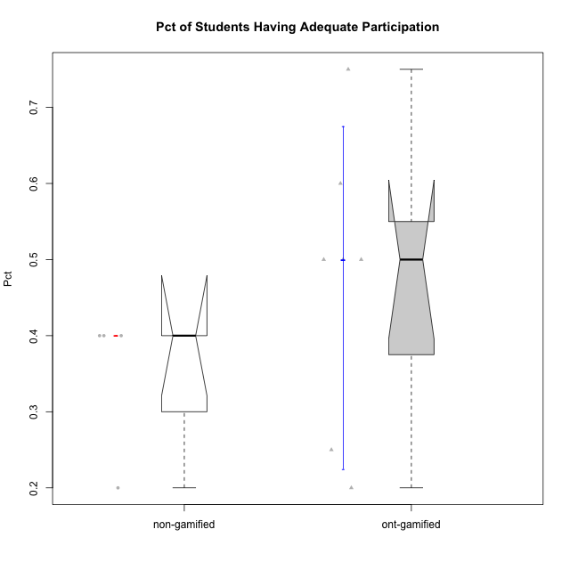

Wilcoxon data
id | Group | Type | LevelParticipation | PctAdequateParticipation
1 | GroupA | non-gamified | complete | 0.4
2 | GroupB | non-gamified | complete | 0.2
5 | Grupo Apolo | ont-gamified | complete | 0.5
7 | Grupo Hélio | ont-gamified | complete | 0.25
8 | Grupo Morfeu | ont-gamified | complete | 0.75
9 | Grupo Zeus | ont-gamified | complete | 0.6
11 | GroupB | non-gamified | semicomplete | 0.4
12 | GroupC | non-gamified | semicomplete | 0.4
14 | Grupo Apolo | ont-gamified | semicomplete | 0.5
16 | Grupo Hélio | ont-gamified | semicomplete | 0.5
18 | Grupo Zeus | ont-gamified | semicomplete | 0.2

