Type_1
Wilcoxon Analysis for Pct of Students Having Participation in Type between non-gamified:ont-gamified

Wilcoxon test results
Alternative hypothesis: less
Group | N | Median | Mean.Ranks | Sum.Ranks | U | Z | p.value | r | magnitude
non-gamified | 6 | 0.4 | 5.25 | 31.5 | 10.5 | -1.7845099626 | 0.034965034965 | 0.4769303488 | medium
ont-gamified | 8 | 0.5 | 9.1875 | 73.5 | 10.5 | -1.7845099626 | 0.034965034965 | 0.4769303488 | medium
Alternative hypothesis: greater
Group | N | Median | Mean.Ranks | Sum.Ranks | U | Z | p.value | r | magnitude
non-gamified | 6 | 0.4 | 5.25 | 31.5 | 10.5 | -1.7845099626 | 0.9657009657 | 0.4769303488 | medium
ont-gamified | 8 | 0.5 | 9.1875 | 73.5 | 10.5 | -1.7845099626 | 0.9657009657 | 0.4769303488 | medium
Alternative hypothesis: two.sided
Group | N | Median | Mean.Ranks | Sum.Ranks | U | Z | p.value | r | magnitude
non-gamified | 6 | 0.4 | 5.25 | 31.5 | 10.5 | -1.7845099626 | 0.077589077589 | 0.4769303488 | medium
ont-gamified | 8 | 0.5 | 9.1875 | 73.5 | 10.5 | -1.7845099626 | 0.077589077589 | 0.4769303488 | medium

Box plots for wilcoxon tests
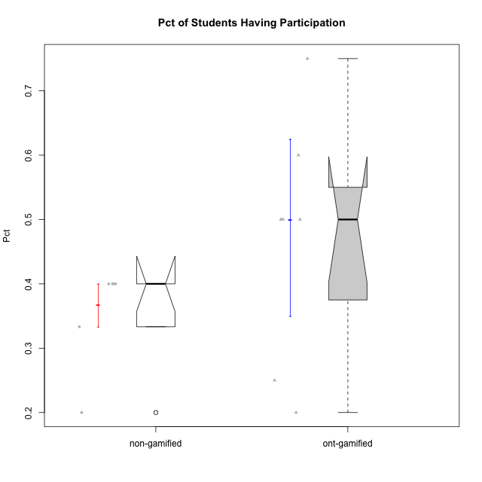

Wilcoxon data
id | Group | Type | LevelParticipation | PctHavingParticipation
1 | GroupA | non-gamified | complete | 0.4
2 | GroupB | non-gamified | complete | 0.2
5 | Grupo Apolo | ont-gamified | complete | 0.5
7 | Grupo Hélio | ont-gamified | complete | 0.25
8 | Grupo Morfeu | ont-gamified | complete | 0.75
9 | Grupo Zeus | ont-gamified | complete | 0.6
11 | GroupB | non-gamified | semicomplete | 0.4
12 | GroupC | non-gamified | semicomplete | 0.4
14 | Grupo Apolo | ont-gamified | semicomplete | 0.5
16 | Grupo Hélio | ont-gamified | semicomplete | 0.5
18 | Grupo Zeus | ont-gamified | semicomplete | 0.2
20 | GroupB | non-gamified | incomplete | 0.4
22 | GroupD | non-gamified | incomplete | 0.33333333333
24 | Grupo Hades | ont-gamified | incomplete | 0.5

