Assumptions
ANOVA assumptions for Gains in Skill/Knowledge - Cond Structures

Shapiro-Wilk normality test for Gains in Skill/Knowledge - Cond Structures
W | p.value
0.97620707286 | 0.46026210696

Plots for normality test
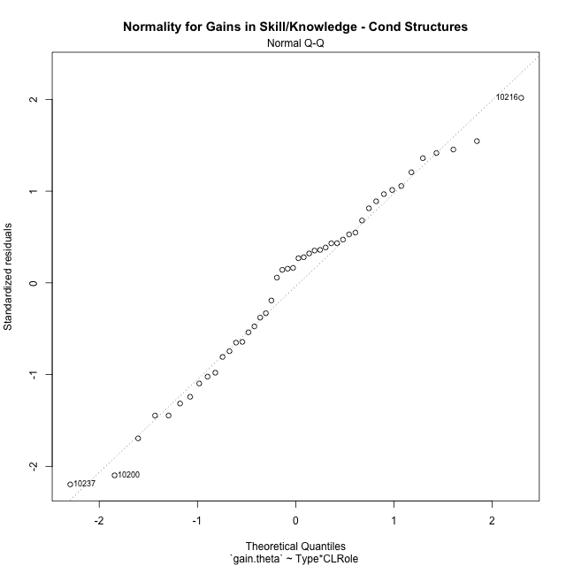

Levene's Test for Homogeneity of Variance in Gains in Skill/Knowledge - Cond Structures
Df | F value | Pr(>F)
3 | 2.4829054459 | 0.073935911382
42

Plots for homogeneity of variance
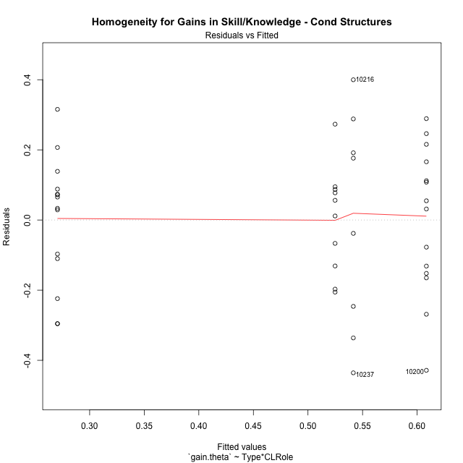

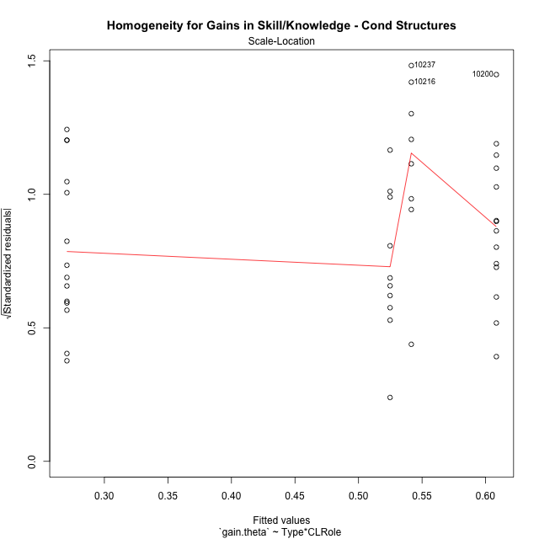

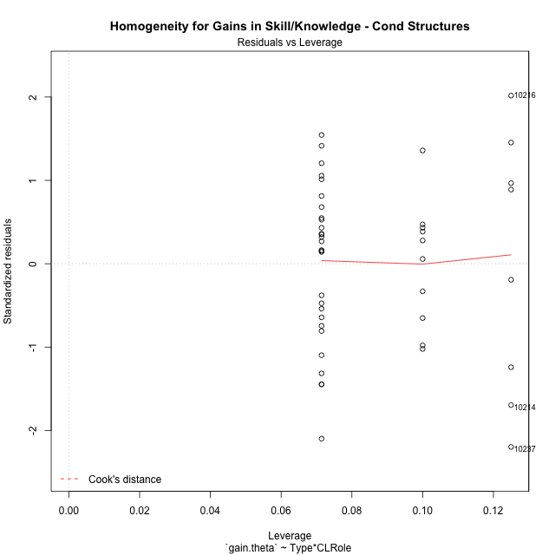

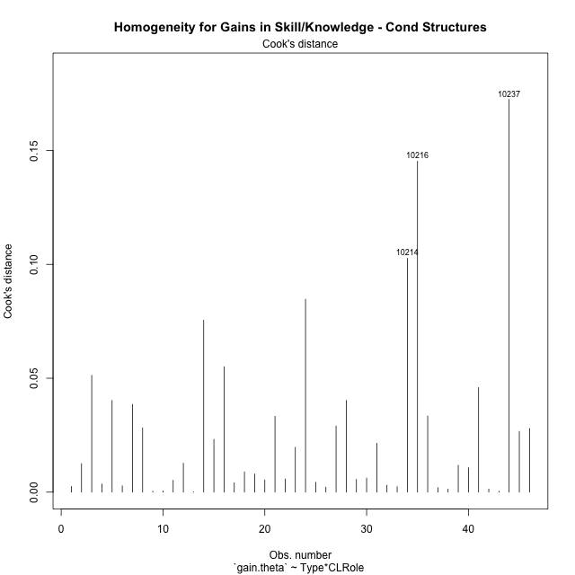

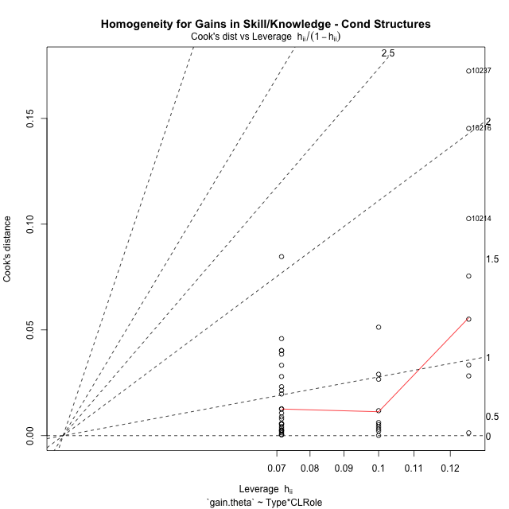

Minimum Sample Size Test for Gains in Skill/Knowledge - Cond Structures
Type | CLRole | Freq
non-gamified | Apprentice | 10
ont-gamified | Apprentice | 14
non-gamified | Master | 8
ont-gamified | Master | 14

Errors and Warnings in Sample Size Test for ANOVA in Gains in Skill/Knowledge - Cond Structures
code | description
WARN: sample.size | current size is 10 and recommended size is 15 for the group: 'non-gamified:Apprentice'.
WARN: sample.size | current size is 14 and recommended size is 15 for the group: 'ont-gamified:Apprentice'.
WARN: sample.size | current size is 8 and recommended size is 15 for the group: 'non-gamified:Master'.
WARN: sample.size | current size is 14 and recommended size is 15 for the group: 'ont-gamified:Master'.

For the group: 'non-gamified:Apprentice', we recommend the use of non-parametric test. For the group: 'ont-gamified:Apprentice', we recommend the use of non-parametric test. For the group: 'non-gamified:Master', we recommend the use of non-parametric test. For the group: 'ont-gamified:Master', we recommend the use of non-parametric test.

If you don't want to remove non-normal data, you must cite the following references: ... (1) Lix, L.M., J.C. Keselman, and H.J. Keselman. 1996. Consequences of assumption violations revisited: A quantitative review of alternatives to the one-way analysis of variance F test. Rev. Educ. Res. 66: 579-619. ... (2) Harwell, M.R., E.N. Rubinstein, W.S. Hayes, and C.C. Olds. 1992. Summarizing Monte Carlo results in methodological research: the one- and two-factor fixed effects ANOVA cases. J. Educ. Stat. 17: 315-339.

Post-hoc
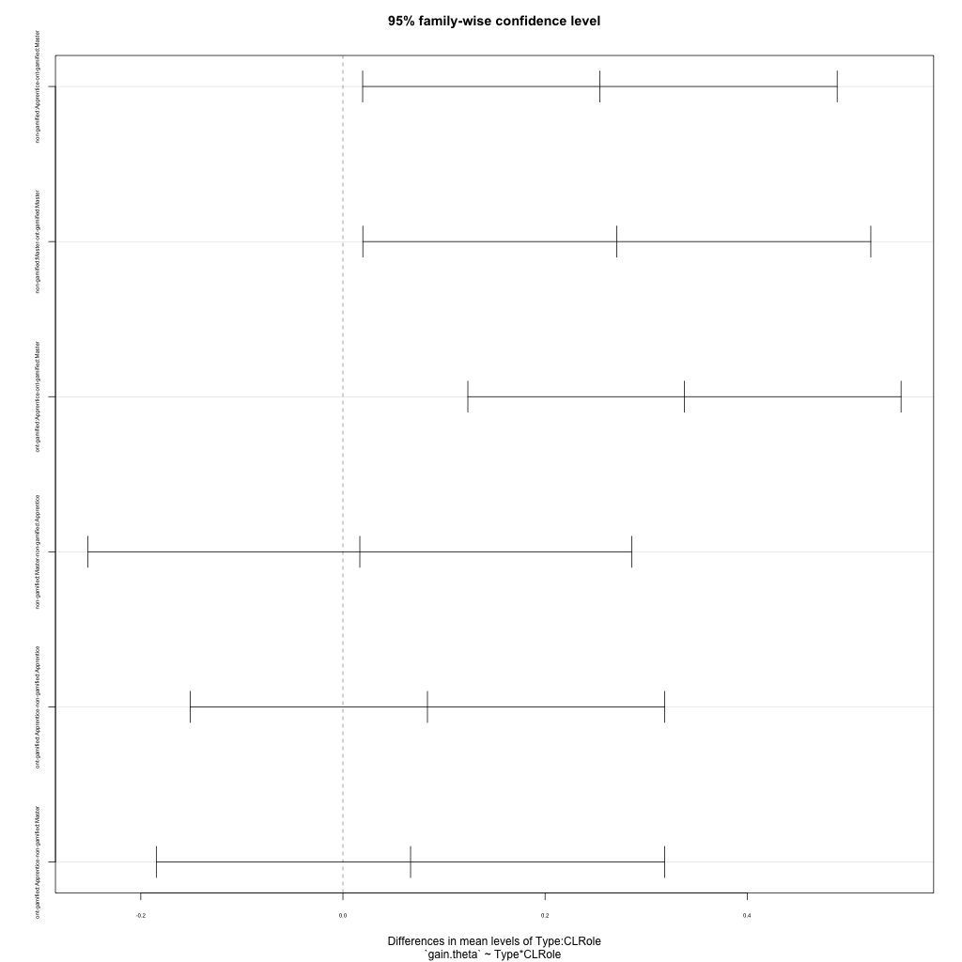
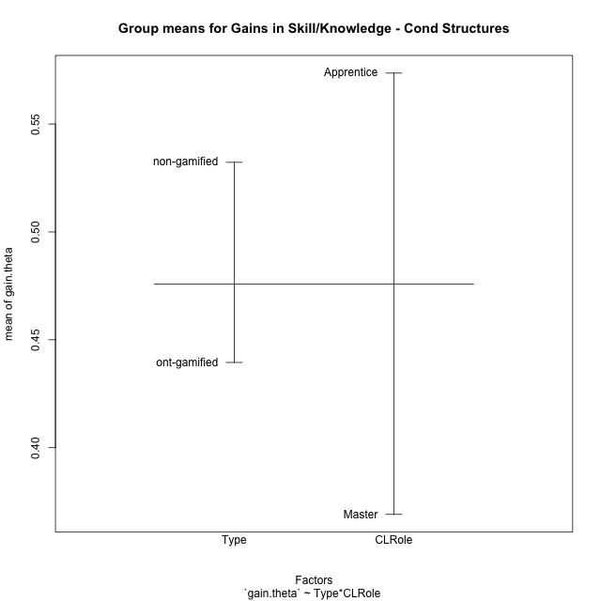
Post-hoc Tukey Honestly Significant Difference (HSD) Test for Gains in Skill/Knowledge - Cond Structures

Comparisons of means for Type
 | diff | lwr | upr | p adj
non-gamified-ont-gamified | 0.092760074264 | -0.036480266594 | 0.22200041512 | 0.15491785996

Comparisons of means for CLRole
 | diff | lwr | upr | p adj
Apprentice-Master | 0.19961727586 | 0.073348374523 | 0.32588617721 | 0.0026878591974

Comparisons of means for Type:CLRole
 | diff | lwr | upr | p adj
non-gamified:Apprentice-ont-gamified:Master | 0.25429858802 | 0.019522345578 | 0.48907483046 | 0.029229813584
non-gamified:Master-ont-gamified:Master | 0.27101607334 | 0.019703120162 | 0.52232902651 | 0.030166063492
ont-gamified:Apprentice-ont-gamified:Master | 0.33793701446 | 0.12361660787 | 0.55225742104 | 0.0007180100672
non-gamified:Master-non-gamified:Apprentice | 0.016717485318 | -0.25225249027 | 0.28568746091 | 0.99833859565
ont-gamified:Apprentice-non-gamified:Apprentice | 0.083638426438 | -0.151137816 | 0.31841466888 | 0.77651815995
ont-gamified:Apprentice-non-gamified:Master | 0.06692094112 | -0.18439201205 | 0.31823389429 | 0.89166063068

Contrast Matrices for Gains in Skill/Knowledge - Cond Structures - Type
contrast | estimate | SE | df | t.ratio | p.value
non-gamified - ont-gamified | 0.093688823449 | 0.064284356859 | 42 | 1.4574124721 | 0.15243945721

Contrast Matrices for Gains in Skill/Knowledge - Cond Structures - Type:CLRole
contrast | CLRole | estimate | SE | df | t.ratio | p.value
non-gamified - ont-gamified | Apprentice | -0.083638426438 | 0.087768222961 | 42 | -0.9529465633 | 0.34606958537
non-gamified - ont-gamified | Master | 0.27101607334 | 0.093950269746 | 42 | 2.8846758404 | 0.0061581218042

Least Squares Means and Confidence Intervals for Type
Type | lsmean | SE | df | lower.CL | upper.CL | Pairs
non-gamified | 0.53317645152 | 0.050275565666 | 42 | 0.43171625235 | 0.63463665069 | non-gamified
ont-gamified | 0.43948762807 | 0.040060529623 | 42 | 0.35864220623 | 0.5203330499 | ont-gamified

Least Squares Means and Confidence Intervals for Type:CLRole
Type | CLRole | lsmean | SE | df | lower.CL | upper.CL | Pairs
non-gamified | Apprentice | 0.52481770886 | 0.067034087555 | 42 | 0.3895374433 | 0.66009797442 | non-gamified.Apprentice
ont-gamified | Apprentice | 0.60845613529 | 0.056654144309 | 42 | 0.49412344328 | 0.72278882731 | ont-gamified.Apprentice
non-gamified | Master | 0.54153519417 | 0.074946388292 | 42 | 0.39028725927 | 0.69278312908 | non-gamified.Master
ont-gamified | Master | 0.27051912084 | 0.056654144309 | 42 | 0.15618642882 | 0.38485181286 | ont-gamified.Master

Plots

Type_1
Student's t-Test for Gains in Skill/Knowledge - Cond Structures in Type between non-gamified:ont-gamified

Student's t-Test results
Alternative hypothesis: less
Group | N | Mean | Mean.Difference | Std.deviation | Std.error | CI.lower | CI.upper | df | t.value | p.value | g | magnitude
non-gamified | 18 | 0.53224770233 | 0.092760074264 | 0.22753980973 | 0.053631647483 | 0.42498440736 | 0.6395109973 | 39.727374737 | 1.2780694241 | 0.89567884474 | 0.36886474486 | small
ont-gamified | 28 | 0.43948762807 | -0.092760074264 | 0.25875677258 | 0.048900433594 | 0.34168676088 | 0.53728849525 | 39.727374737 | 1.2780694241 | 0.89567884474 | 0.36886474486 | small
Alternative hypothesis: greater
Group | N | Mean | Mean.Difference | Std.deviation | Std.error | CI.lower | CI.upper | df | t.value | p.value | g | magnitude
non-gamified | 18 | 0.53224770233 | 0.092760074264 | 0.22753980973 | 0.053631647483 | 0.42498440736 | 0.6395109973 | 39.727374737 | 1.2780694241 | 0.10432115526 | 0.36886474486 | small
ont-gamified | 28 | 0.43948762807 | -0.092760074264 | 0.25875677258 | 0.048900433594 | 0.34168676088 | 0.53728849525 | 39.727374737 | 1.2780694241 | 0.10432115526 | 0.36886474486 | small
Alternative hypothesis: two.sided
Group | N | Mean | Mean.Difference | Std.deviation | Std.error | CI.lower | CI.upper | df | t.value | p.value | g | magnitude
non-gamified | 18 | 0.53224770233 | 0.092760074264 | 0.22753980973 | 0.053631647483 | 0.42498440736 | 0.6395109973 | 39.727374737 | 1.2780694241 | 0.20864231052 | 0.36886474486 | small
ont-gamified | 28 | 0.43948762807 | -0.092760074264 | 0.25875677258 | 0.048900433594 | 0.34168676088 | 0.53728849525 | 39.727374737 | 1.2780694241 | 0.20864231052 | 0.36886474486 | small

Box plots for Student's t-Test
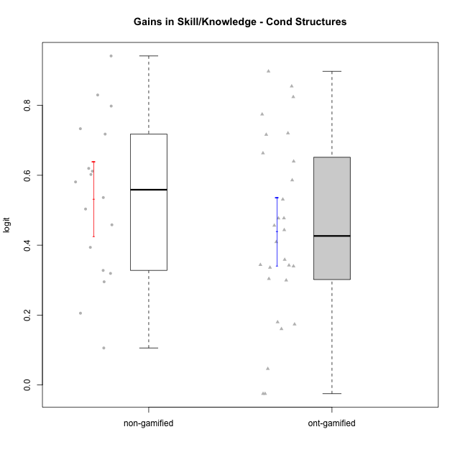

Student's t-Test data
UserID | NroUSP | Type | CLGroup | CLRole | PlayerRole | gain.theta
10169 | 10377538 | ont-gamified | Grupo Hefesto | Master | Yee Achiever | 0.34387623353
10170 | 10260351 | ont-gamified | Grupo Afrodite | Apprentice | Yee Achiever | 0.44355069885
10171 | 698531 | non-gamified | Grupo Team 6 | Apprentice |  | 0.7980642795
10174 | 10276852 | ont-gamified | Grupo Urano | Master | Yee Achiever | 0.35861364878
10175 | 10310700 | ont-gamified | Grupo Hélio | Master | Yee Socializer | -0.024963847923
10176 | 10276949 | ont-gamified | Grupo Cronus | Apprentice | Yee Achiever | 0.53108732213
10178 | 8656201 | ont-gamified | Grupo Morfeu | Apprentice | Yee Socializer | 0.89747852377
10179 | 10310759 | non-gamified | Grupo Team 9 | Master |  | 0.71781794567
10183 | 10352030 | ont-gamified | Grupo Hélio | Apprentice | Yee Socializer | 0.63987679007
10184 | 10276675 | ont-gamified | Grupo Apolo | Master | Yee Socializer | 0.30383264579
10185 | 10276960 | non-gamified | Grupo Team 12 | Apprentice |  | 0.61174072279
10186 | 10310551 | ont-gamified | Grupo Ares | Apprentice | Yee Achiever | 0.77447101867
10187 | 9790781 | non-gamified | Grupo Team 15 | Apprentice |  | 0.53630923995
10188 | 10276995 | non-gamified | Grupo Team 3 | Master |  | 0.82975378698
10189 | 9363926 | ont-gamified | Grupo Hades | Master | Yee Socializer | 0.046388024404
10191 | 10276981 | non-gamified | Grupo Team 6 | Master |  | 0.29528105475
10192 | 10276682 | non-gamified | Grupo Team 5 | Apprentice |  | 0.60230791384
10193 | 10276762 | ont-gamified | Grupo Afrodite | Master | Yee Achiever | 0.4092911304
10195 | 10351971 | ont-gamified | Grupo Urano | Apprentice | Yee Achiever | 0.47703540226
10196 | 10310655 | ont-gamified | Grupo Hefesto | Apprentice | Yee Achiever | 0.71632841769
10197 | 10276661 | ont-gamified | Grupo Gaia | Apprentice | Yee Achiever | 0.33979821127
10198 | 10310888 | ont-gamified | Grupo Apolo | Apprentice | Yee Socializer | 0.72043342285
10199 | 10276737 | ont-gamified | Grupo Gaia | Master | Yee Achiever | 0.47732032249
10200 | 9795272 | ont-gamified | Grupo Hades | Apprentice | Yee Socializer | 0.17989077621
10201 | 10276928 | ont-gamified | Grupo Caronte | Master | Yee Achiever | 0.17361633199
10202 | 10277036 | non-gamified | Grupo Team 11 | Apprentice |  | 0.58099772783
10203 | 9921470 | non-gamified | Grupo Team 3 | Apprentice |  | 0.31924268828
10204 | 10310471 | ont-gamified | Grupo Hermes | Master | Yee Achiever | -0.024963847923
10206 | 10310721 | ont-gamified | Grupo Hera | Master | Yee Achiever | 0.16036616228
10208 | 10276932 | non-gamified | Grupo Team 7 | Apprentice |  | 0.61971934323
10209 | 10262669 | ont-gamified | Grupo Artemis | Apprentice | Yee Achiever | 0.82416004247
10210 | 10277015 | non-gamified | Grupo Team 9 | Apprentice |  | 0.45823897387
10213 | 10277040 | ont-gamified | Grupo Morfeu | Master | Yee Socializer | 0.34235911521
10214 | 10277022 | non-gamified | Grupo Team 5 | Master |  | 0.20541005082
10216 | 10276720 | non-gamified | Grupo Team 15 | Master |  | 0.94144179567
10217 | 9805341 | non-gamified | Grupo Team 13 | Master |  | 0.73326292226
10218 | 9842913 | ont-gamified | Grupo Ares | Master | Yee Achiever | 0.33599204052
10219 | 10276831 | non-gamified | Grupo Team 12 | Master |  | 0.50345376445
10220 | 9760151 | non-gamified | Grupo Team 2 | Apprentice |  | 0.39377230289
10221 | 9082496 | ont-gamified | Grupo Hermes | Apprentice | Yee Achiever | 0.456296792
10223 | 9795185 | ont-gamified | Grupo Cronus | Master | Yee Achiever | 0.58605051249
10231 | 10276911 | ont-gamified | Grupo Caronte | Apprentice | Yee Achiever | 0.66328206622
10232 | 10276974 | ont-gamified | Grupo Artemis | Master | Yee Achiever | 0.29948921971
10237 | 10377688 | non-gamified | Grupo Team 11 | Master |  | 0.10586023279
10238 | 10276953 | non-gamified | Grupo Team 13 | Apprentice |  | 0.32778389637
10240 | 10276654 | ont-gamified | Grupo Hera | Apprentice | Yee Achiever | 0.85469640967

Type_CLRole_1
Student's t-Test for Gains in Skill/Knowledge - Cond Structures in Type:CLRole between non-gamified.Apprentice:non-gamified.Master

Student's t-Test results
Alternative hypothesis: less
Group | N | Mean | Mean.Difference | Std.deviation | Std.error | CI.lower | CI.upper | df | t.value | p.value | g | magnitude
non-gamified.Apprentice | 10 | 0.52481770886 | -0.016717485318 | 0.15026186007 | 0.047516972329 | 0.4297837642 | 0.61985165351 | 9.6032639707 | -0.13968053174 | 0.44589914729 | -0.0679307565 | negligible
non-gamified.Master | 8 | 0.54153519417 | 0.016717485318 | 0.31069379915 | 0.10984684612 | 0.32184150193 | 0.76122888642 | 9.6032639707 | -0.13968053174 | 0.44589914729 | -0.0679307565 | negligible
Alternative hypothesis: greater
Group | N | Mean | Mean.Difference | Std.deviation | Std.error | CI.lower | CI.upper | df | t.value | p.value | g | magnitude
non-gamified.Apprentice | 10 | 0.52481770886 | -0.016717485318 | 0.15026186007 | 0.047516972329 | 0.4297837642 | 0.61985165351 | 9.6032639707 | -0.13968053174 | 0.55410085271 | -0.0679307565 | negligible
non-gamified.Master | 8 | 0.54153519417 | 0.016717485318 | 0.31069379915 | 0.10984684612 | 0.32184150193 | 0.76122888642 | 9.6032639707 | -0.13968053174 | 0.55410085271 | -0.0679307565 | negligible
Alternative hypothesis: two.sided
Group | N | Mean | Mean.Difference | Std.deviation | Std.error | CI.lower | CI.upper | df | t.value | p.value | g | magnitude
non-gamified.Apprentice | 10 | 0.52481770886 | -0.016717485318 | 0.15026186007 | 0.047516972329 | 0.4297837642 | 0.61985165351 | 9.6032639707 | -0.13968053174 | 0.89179829458 | -0.0679307565 | negligible
non-gamified.Master | 8 | 0.54153519417 | 0.016717485318 | 0.31069379915 | 0.10984684612 | 0.32184150193 | 0.76122888642 | 9.6032639707 | -0.13968053174 | 0.89179829458 | -0.0679307565 | negligible

Box plots for Student's t-Test
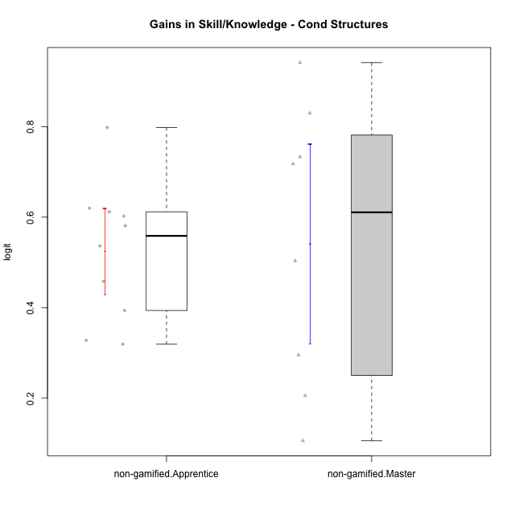

Student's t-Test data
UserID | NroUSP | Type | CLGroup | CLRole | PlayerRole | gain.theta
10171 | 698531 | non-gamified | Grupo Team 6 | Apprentice |  | 0.7980642795
10179 | 10310759 | non-gamified | Grupo Team 9 | Master |  | 0.71781794567
10185 | 10276960 | non-gamified | Grupo Team 12 | Apprentice |  | 0.61174072279
10187 | 9790781 | non-gamified | Grupo Team 15 | Apprentice |  | 0.53630923995
10188 | 10276995 | non-gamified | Grupo Team 3 | Master |  | 0.82975378698
10191 | 10276981 | non-gamified | Grupo Team 6 | Master |  | 0.29528105475
10192 | 10276682 | non-gamified | Grupo Team 5 | Apprentice |  | 0.60230791384
10202 | 10277036 | non-gamified | Grupo Team 11 | Apprentice |  | 0.58099772783
10203 | 9921470 | non-gamified | Grupo Team 3 | Apprentice |  | 0.31924268828
10208 | 10276932 | non-gamified | Grupo Team 7 | Apprentice |  | 0.61971934323
10210 | 10277015 | non-gamified | Grupo Team 9 | Apprentice |  | 0.45823897387
10214 | 10277022 | non-gamified | Grupo Team 5 | Master |  | 0.20541005082
10216 | 10276720 | non-gamified | Grupo Team 15 | Master |  | 0.94144179567
10217 | 9805341 | non-gamified | Grupo Team 13 | Master |  | 0.73326292226
10219 | 10276831 | non-gamified | Grupo Team 12 | Master |  | 0.50345376445
10220 | 9760151 | non-gamified | Grupo Team 2 | Apprentice |  | 0.39377230289
10237 | 10377688 | non-gamified | Grupo Team 11 | Master |  | 0.10586023279
10238 | 10276953 | non-gamified | Grupo Team 13 | Apprentice |  | 0.32778389637

Type_CLRole_2
Student's t-Test for Gains in Skill/Knowledge - Cond Structures in Type:CLRole between non-gamified.Apprentice:ont-gamified.Apprentice

Student's t-Test results
Alternative hypothesis: less
Group | N | Mean | Mean.Difference | Std.deviation | Std.error | CI.lower | CI.upper | df | t.value | p.value | g | magnitude
non-gamified.Apprentice | 10 | 0.52481770886 | -0.083638426438 | 0.15026186007 | 0.047516972329 | 0.4297837642 | 0.61985165351 | 21.995105287 | -1.1358623546 | 0.13411986224 | -0.42912669077 | small
ont-gamified.Apprentice | 14 | 0.60845613529 | 0.083638426438 | 0.21047104159 | 0.056250751962 | 0.49595463137 | 0.72095763922 | 21.995105287 | -1.1358623546 | 0.13411986224 | -0.42912669077 | small
Alternative hypothesis: greater
Group | N | Mean | Mean.Difference | Std.deviation | Std.error | CI.lower | CI.upper | df | t.value | p.value | g | magnitude
non-gamified.Apprentice | 10 | 0.52481770886 | -0.083638426438 | 0.15026186007 | 0.047516972329 | 0.4297837642 | 0.61985165351 | 21.995105287 | -1.1358623546 | 0.86588013776 | -0.42912669077 | small
ont-gamified.Apprentice | 14 | 0.60845613529 | 0.083638426438 | 0.21047104159 | 0.056250751962 | 0.49595463137 | 0.72095763922 | 21.995105287 | -1.1358623546 | 0.86588013776 | -0.42912669077 | small
Alternative hypothesis: two.sided
Group | N | Mean | Mean.Difference | Std.deviation | Std.error | CI.lower | CI.upper | df | t.value | p.value | g | magnitude
non-gamified.Apprentice | 10 | 0.52481770886 | -0.083638426438 | 0.15026186007 | 0.047516972329 | 0.4297837642 | 0.61985165351 | 21.995105287 | -1.1358623546 | 0.26823972447 | -0.42912669077 | small
ont-gamified.Apprentice | 14 | 0.60845613529 | 0.083638426438 | 0.21047104159 | 0.056250751962 | 0.49595463137 | 0.72095763922 | 21.995105287 | -1.1358623546 | 0.26823972447 | -0.42912669077 | small

Box plots for Student's t-Test
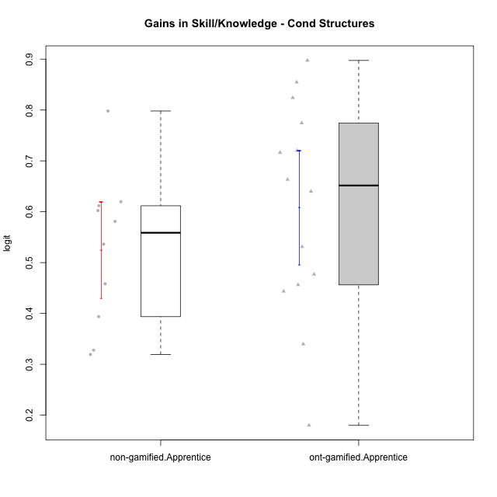

Student's t-Test data
UserID | NroUSP | Type | CLGroup | CLRole | PlayerRole | gain.theta
10170 | 10260351 | ont-gamified | Grupo Afrodite | Apprentice | Yee Achiever | 0.44355069885
10171 | 698531 | non-gamified | Grupo Team 6 | Apprentice |  | 0.7980642795
10176 | 10276949 | ont-gamified | Grupo Cronus | Apprentice | Yee Achiever | 0.53108732213
10178 | 8656201 | ont-gamified | Grupo Morfeu | Apprentice | Yee Socializer | 0.89747852377
10183 | 10352030 | ont-gamified | Grupo Hélio | Apprentice | Yee Socializer | 0.63987679007
10185 | 10276960 | non-gamified | Grupo Team 12 | Apprentice |  | 0.61174072279
10186 | 10310551 | ont-gamified | Grupo Ares | Apprentice | Yee Achiever | 0.77447101867
10187 | 9790781 | non-gamified | Grupo Team 15 | Apprentice |  | 0.53630923995
10192 | 10276682 | non-gamified | Grupo Team 5 | Apprentice |  | 0.60230791384
10195 | 10351971 | ont-gamified | Grupo Urano | Apprentice | Yee Achiever | 0.47703540226
10196 | 10310655 | ont-gamified | Grupo Hefesto | Apprentice | Yee Achiever | 0.71632841769
10197 | 10276661 | ont-gamified | Grupo Gaia | Apprentice | Yee Achiever | 0.33979821127
10198 | 10310888 | ont-gamified | Grupo Apolo | Apprentice | Yee Socializer | 0.72043342285
10200 | 9795272 | ont-gamified | Grupo Hades | Apprentice | Yee Socializer | 0.17989077621
10202 | 10277036 | non-gamified | Grupo Team 11 | Apprentice |  | 0.58099772783
10203 | 9921470 | non-gamified | Grupo Team 3 | Apprentice |  | 0.31924268828
10208 | 10276932 | non-gamified | Grupo Team 7 | Apprentice |  | 0.61971934323
10209 | 10262669 | ont-gamified | Grupo Artemis | Apprentice | Yee Achiever | 0.82416004247
10210 | 10277015 | non-gamified | Grupo Team 9 | Apprentice |  | 0.45823897387
10220 | 9760151 | non-gamified | Grupo Team 2 | Apprentice |  | 0.39377230289
10221 | 9082496 | ont-gamified | Grupo Hermes | Apprentice | Yee Achiever | 0.456296792
10231 | 10276911 | ont-gamified | Grupo Caronte | Apprentice | Yee Achiever | 0.66328206622
10238 | 10276953 | non-gamified | Grupo Team 13 | Apprentice |  | 0.32778389637
10240 | 10276654 | ont-gamified | Grupo Hera | Apprentice | Yee Achiever | 0.85469640967

Type_CLRole_3
Student's t-Test for Gains in Skill/Knowledge - Cond Structures in Type:CLRole between non-gamified.Apprentice:ont-gamified.Master

Student's t-Test results
Alternative hypothesis: less
Group | N | Mean | Mean.Difference | Std.deviation | Std.error | CI.lower | CI.upper | df | t.value | p.value | g | magnitude
non-gamified.Apprentice | 10 | 0.52481770886 | 0.25429858802 | 0.15026186007 | 0.047516972329 | 0.4297837642 | 0.61985165351 | 21.458255706 | 3.7355480746 | 0.9994071803 | 1.4443947506 | large
ont-gamified.Master | 14 | 0.27051912084 | -0.25429858802 | 0.18239898511 | 0.048748179283 | 0.17302276227 | 0.36801547941 | 21.458255706 | 3.7355480746 | 0.9994071803 | 1.4443947506 | large
Alternative hypothesis: greater
Group | N | Mean | Mean.Difference | Std.deviation | Std.error | CI.lower | CI.upper | df | t.value | p.value | g | magnitude
non-gamified.Apprentice | 10 | 0.52481770886 | 0.25429858802 | 0.15026186007 | 0.047516972329 | 0.4297837642 | 0.61985165351 | 21.458255706 | 3.7355480746 | 0.00059281970185 | 1.4443947506 | large
ont-gamified.Master | 14 | 0.27051912084 | -0.25429858802 | 0.18239898511 | 0.048748179283 | 0.17302276227 | 0.36801547941 | 21.458255706 | 3.7355480746 | 0.00059281970185 | 1.4443947506 | large
Alternative hypothesis: two.sided
Group | N | Mean | Mean.Difference | Std.deviation | Std.error | CI.lower | CI.upper | df | t.value | p.value | g | magnitude
non-gamified.Apprentice | 10 | 0.52481770886 | 0.25429858802 | 0.15026186007 | 0.047516972329 | 0.4297837642 | 0.61985165351 | 21.458255706 | 3.7355480746 | 0.0011856394037 | 1.4443947506 | large
ont-gamified.Master | 14 | 0.27051912084 | -0.25429858802 | 0.18239898511 | 0.048748179283 | 0.17302276227 | 0.36801547941 | 21.458255706 | 3.7355480746 | 0.0011856394037 | 1.4443947506 | large

Box plots for Student's t-Test
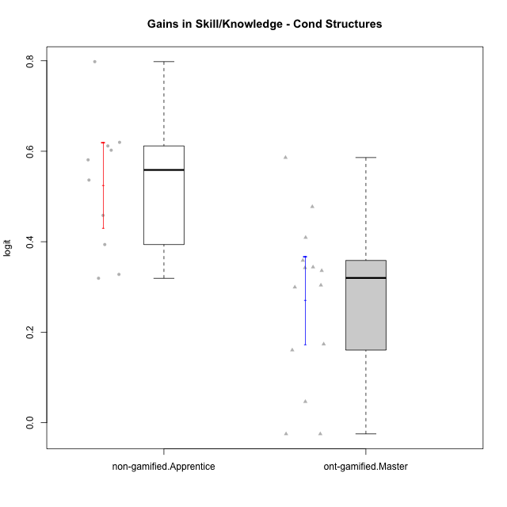

Student's t-Test data
UserID | NroUSP | Type | CLGroup | CLRole | PlayerRole | gain.theta
10169 | 10377538 | ont-gamified | Grupo Hefesto | Master | Yee Achiever | 0.34387623353
10171 | 698531 | non-gamified | Grupo Team 6 | Apprentice |  | 0.7980642795
10174 | 10276852 | ont-gamified | Grupo Urano | Master | Yee Achiever | 0.35861364878
10175 | 10310700 | ont-gamified | Grupo Hélio | Master | Yee Socializer | -0.024963847923
10184 | 10276675 | ont-gamified | Grupo Apolo | Master | Yee Socializer | 0.30383264579
10185 | 10276960 | non-gamified | Grupo Team 12 | Apprentice |  | 0.61174072279
10187 | 9790781 | non-gamified | Grupo Team 15 | Apprentice |  | 0.53630923995
10189 | 9363926 | ont-gamified | Grupo Hades | Master | Yee Socializer | 0.046388024404
10192 | 10276682 | non-gamified | Grupo Team 5 | Apprentice |  | 0.60230791384
10193 | 10276762 | ont-gamified | Grupo Afrodite | Master | Yee Achiever | 0.4092911304
10199 | 10276737 | ont-gamified | Grupo Gaia | Master | Yee Achiever | 0.47732032249
10201 | 10276928 | ont-gamified | Grupo Caronte | Master | Yee Achiever | 0.17361633199
10202 | 10277036 | non-gamified | Grupo Team 11 | Apprentice |  | 0.58099772783
10203 | 9921470 | non-gamified | Grupo Team 3 | Apprentice |  | 0.31924268828
10204 | 10310471 | ont-gamified | Grupo Hermes | Master | Yee Achiever | -0.024963847923
10206 | 10310721 | ont-gamified | Grupo Hera | Master | Yee Achiever | 0.16036616228
10208 | 10276932 | non-gamified | Grupo Team 7 | Apprentice |  | 0.61971934323
10210 | 10277015 | non-gamified | Grupo Team 9 | Apprentice |  | 0.45823897387
10213 | 10277040 | ont-gamified | Grupo Morfeu | Master | Yee Socializer | 0.34235911521
10218 | 9842913 | ont-gamified | Grupo Ares | Master | Yee Achiever | 0.33599204052
10220 | 9760151 | non-gamified | Grupo Team 2 | Apprentice |  | 0.39377230289
10223 | 9795185 | ont-gamified | Grupo Cronus | Master | Yee Achiever | 0.58605051249
10232 | 10276974 | ont-gamified | Grupo Artemis | Master | Yee Achiever | 0.29948921971
10238 | 10276953 | non-gamified | Grupo Team 13 | Apprentice |  | 0.32778389637

Type_CLRole_4
Student's t-Test for Gains in Skill/Knowledge - Cond Structures in Type:CLRole between non-gamified.Master:ont-gamified.Apprentice

Student's t-Test results
Alternative hypothesis: less
Group | N | Mean | Mean.Difference | Std.deviation | Std.error | CI.lower | CI.upper | df | t.value | p.value | g | magnitude
non-gamified.Master | 8 | 0.54153519417 | -0.06692094112 | 0.31069379915 | 0.10984684612 | 0.32184150193 | 0.76122888642 | 10.754361528 | -0.54225715554 | 0.29934877184 | -0.25735501175 | small
ont-gamified.Apprentice | 14 | 0.60845613529 | 0.06692094112 | 0.21047104159 | 0.056250751962 | 0.49595463137 | 0.72095763922 | 10.754361528 | -0.54225715554 | 0.29934877184 | -0.25735501175 | small
Alternative hypothesis: greater
Group | N | Mean | Mean.Difference | Std.deviation | Std.error | CI.lower | CI.upper | df | t.value | p.value | g | magnitude
non-gamified.Master | 8 | 0.54153519417 | -0.06692094112 | 0.31069379915 | 0.10984684612 | 0.32184150193 | 0.76122888642 | 10.754361528 | -0.54225715554 | 0.70065122816 | -0.25735501175 | small
ont-gamified.Apprentice | 14 | 0.60845613529 | 0.06692094112 | 0.21047104159 | 0.056250751962 | 0.49595463137 | 0.72095763922 | 10.754361528 | -0.54225715554 | 0.70065122816 | -0.25735501175 | small
Alternative hypothesis: two.sided
Group | N | Mean | Mean.Difference | Std.deviation | Std.error | CI.lower | CI.upper | df | t.value | p.value | g | magnitude
non-gamified.Master | 8 | 0.54153519417 | -0.06692094112 | 0.31069379915 | 0.10984684612 | 0.32184150193 | 0.76122888642 | 10.754361528 | -0.54225715554 | 0.59869754367 | -0.25735501175 | small
ont-gamified.Apprentice | 14 | 0.60845613529 | 0.06692094112 | 0.21047104159 | 0.056250751962 | 0.49595463137 | 0.72095763922 | 10.754361528 | -0.54225715554 | 0.59869754367 | -0.25735501175 | small

Box plots for Student's t-Test
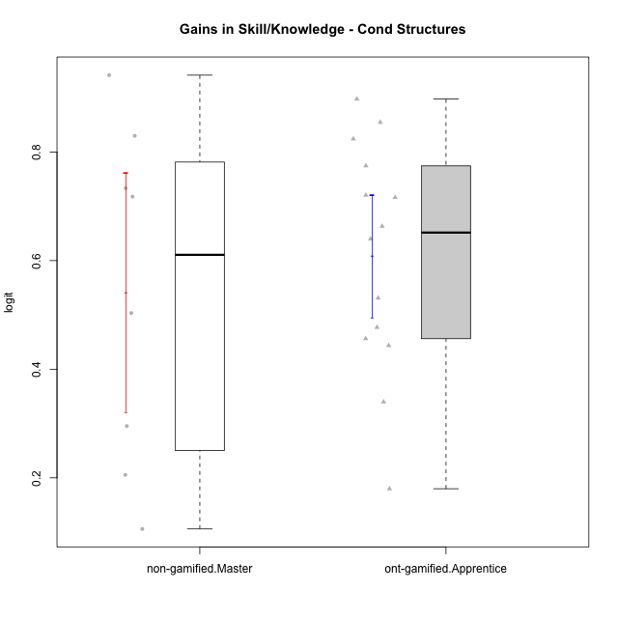

Student's t-Test data
UserID | NroUSP | Type | CLGroup | CLRole | PlayerRole | gain.theta
10170 | 10260351 | ont-gamified | Grupo Afrodite | Apprentice | Yee Achiever | 0.44355069885
10176 | 10276949 | ont-gamified | Grupo Cronus | Apprentice | Yee Achiever | 0.53108732213
10178 | 8656201 | ont-gamified | Grupo Morfeu | Apprentice | Yee Socializer | 0.89747852377
10179 | 10310759 | non-gamified | Grupo Team 9 | Master |  | 0.71781794567
10183 | 10352030 | ont-gamified | Grupo Hélio | Apprentice | Yee Socializer | 0.63987679007
10186 | 10310551 | ont-gamified | Grupo Ares | Apprentice | Yee Achiever | 0.77447101867
10188 | 10276995 | non-gamified | Grupo Team 3 | Master |  | 0.82975378698
10191 | 10276981 | non-gamified | Grupo Team 6 | Master |  | 0.29528105475
10195 | 10351971 | ont-gamified | Grupo Urano | Apprentice | Yee Achiever | 0.47703540226
10196 | 10310655 | ont-gamified | Grupo Hefesto | Apprentice | Yee Achiever | 0.71632841769
10197 | 10276661 | ont-gamified | Grupo Gaia | Apprentice | Yee Achiever | 0.33979821127
10198 | 10310888 | ont-gamified | Grupo Apolo | Apprentice | Yee Socializer | 0.72043342285
10200 | 9795272 | ont-gamified | Grupo Hades | Apprentice | Yee Socializer | 0.17989077621
10209 | 10262669 | ont-gamified | Grupo Artemis | Apprentice | Yee Achiever | 0.82416004247
10214 | 10277022 | non-gamified | Grupo Team 5 | Master |  | 0.20541005082
10216 | 10276720 | non-gamified | Grupo Team 15 | Master |  | 0.94144179567
10217 | 9805341 | non-gamified | Grupo Team 13 | Master |  | 0.73326292226
10219 | 10276831 | non-gamified | Grupo Team 12 | Master |  | 0.50345376445
10221 | 9082496 | ont-gamified | Grupo Hermes | Apprentice | Yee Achiever | 0.456296792
10231 | 10276911 | ont-gamified | Grupo Caronte | Apprentice | Yee Achiever | 0.66328206622
10237 | 10377688 | non-gamified | Grupo Team 11 | Master |  | 0.10586023279
10240 | 10276654 | ont-gamified | Grupo Hera | Apprentice | Yee Achiever | 0.85469640967

Type_CLRole_5
Student's t-Test for Gains in Skill/Knowledge - Cond Structures in Type:CLRole between non-gamified.Master:ont-gamified.Master

Student's t-Test results
Alternative hypothesis: less
Group | N | Mean | Mean.Difference | Std.deviation | Std.error | CI.lower | CI.upper | df | t.value | p.value | g | magnitude
non-gamified.Master | 8 | 0.54153519417 | 0.27101607334 | 0.31069379915 | 0.10984684612 | 0.32184150193 | 0.76122888642 | 9.8235494617 | 2.2551250761 | 0.97589219436 | 1.1076032888 | large
ont-gamified.Master | 14 | 0.27051912084 | -0.27101607334 | 0.18239898511 | 0.048748179283 | 0.17302276227 | 0.36801547941 | 9.8235494617 | 2.2551250761 | 0.97589219436 | 1.1076032888 | large
Alternative hypothesis: greater
Group | N | Mean | Mean.Difference | Std.deviation | Std.error | CI.lower | CI.upper | df | t.value | p.value | g | magnitude
non-gamified.Master | 8 | 0.54153519417 | 0.27101607334 | 0.31069379915 | 0.10984684612 | 0.32184150193 | 0.76122888642 | 9.8235494617 | 2.2551250761 | 0.02410780564 | 1.1076032888 | large
ont-gamified.Master | 14 | 0.27051912084 | -0.27101607334 | 0.18239898511 | 0.048748179283 | 0.17302276227 | 0.36801547941 | 9.8235494617 | 2.2551250761 | 0.02410780564 | 1.1076032888 | large
Alternative hypothesis: two.sided
Group | N | Mean | Mean.Difference | Std.deviation | Std.error | CI.lower | CI.upper | df | t.value | p.value | g | magnitude
non-gamified.Master | 8 | 0.54153519417 | 0.27101607334 | 0.31069379915 | 0.10984684612 | 0.32184150193 | 0.76122888642 | 9.8235494617 | 2.2551250761 | 0.048215611281 | 1.1076032888 | large
ont-gamified.Master | 14 | 0.27051912084 | -0.27101607334 | 0.18239898511 | 0.048748179283 | 0.17302276227 | 0.36801547941 | 9.8235494617 | 2.2551250761 | 0.048215611281 | 1.1076032888 | large

Box plots for Student's t-Test
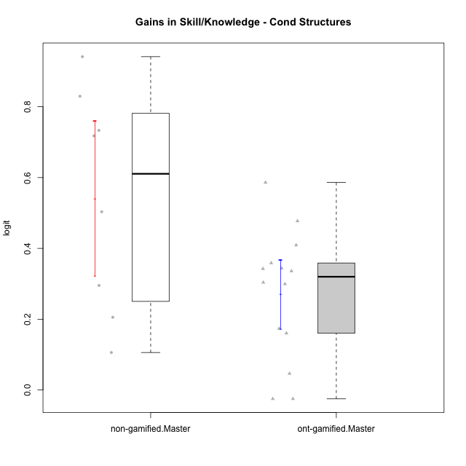

Student's t-Test data
UserID | NroUSP | Type | CLGroup | CLRole | PlayerRole | gain.theta
10169 | 10377538 | ont-gamified | Grupo Hefesto | Master | Yee Achiever | 0.34387623353
10174 | 10276852 | ont-gamified | Grupo Urano | Master | Yee Achiever | 0.35861364878
10175 | 10310700 | ont-gamified | Grupo Hélio | Master | Yee Socializer | -0.024963847923
10179 | 10310759 | non-gamified | Grupo Team 9 | Master |  | 0.71781794567
10184 | 10276675 | ont-gamified | Grupo Apolo | Master | Yee Socializer | 0.30383264579
10188 | 10276995 | non-gamified | Grupo Team 3 | Master |  | 0.82975378698
10189 | 9363926 | ont-gamified | Grupo Hades | Master | Yee Socializer | 0.046388024404
10191 | 10276981 | non-gamified | Grupo Team 6 | Master |  | 0.29528105475
10193 | 10276762 | ont-gamified | Grupo Afrodite | Master | Yee Achiever | 0.4092911304
10199 | 10276737 | ont-gamified | Grupo Gaia | Master | Yee Achiever | 0.47732032249
10201 | 10276928 | ont-gamified | Grupo Caronte | Master | Yee Achiever | 0.17361633199
10204 | 10310471 | ont-gamified | Grupo Hermes | Master | Yee Achiever | -0.024963847923
10206 | 10310721 | ont-gamified | Grupo Hera | Master | Yee Achiever | 0.16036616228
10213 | 10277040 | ont-gamified | Grupo Morfeu | Master | Yee Socializer | 0.34235911521
10214 | 10277022 | non-gamified | Grupo Team 5 | Master |  | 0.20541005082
10216 | 10276720 | non-gamified | Grupo Team 15 | Master |  | 0.94144179567
10217 | 9805341 | non-gamified | Grupo Team 13 | Master |  | 0.73326292226
10218 | 9842913 | ont-gamified | Grupo Ares | Master | Yee Achiever | 0.33599204052
10219 | 10276831 | non-gamified | Grupo Team 12 | Master |  | 0.50345376445
10223 | 9795185 | ont-gamified | Grupo Cronus | Master | Yee Achiever | 0.58605051249
10232 | 10276974 | ont-gamified | Grupo Artemis | Master | Yee Achiever | 0.29948921971
10237 | 10377688 | non-gamified | Grupo Team 11 | Master |  | 0.10586023279

Type_CLRole_6
Student's t-Test for Gains in Skill/Knowledge - Cond Structures in Type:CLRole between ont-gamified.Apprentice:ont-gamified.Master

Student's t-Test results
Alternative hypothesis: less
Group | N | Mean | Mean.Difference | Std.deviation | Std.error | CI.lower | CI.upper | df | t.value | p.value | g | magnitude
ont-gamified.Apprentice | 14 | 0.60845613529 | 0.33793701446 | 0.21047104159 | 0.056250751962 | 0.49595463137 | 0.72095763922 | 25.484808596 | 4.5400436255 | 0.99994102086 | 1.6659953363 | large
ont-gamified.Master | 14 | 0.27051912084 | -0.33793701446 | 0.18239898511 | 0.048748179283 | 0.17302276227 | 0.36801547941 | 25.484808596 | 4.5400436255 | 0.99994102086 | 1.6659953363 | large
Alternative hypothesis: greater
Group | N | Mean | Mean.Difference | Std.deviation | Std.error | CI.lower | CI.upper | df | t.value | p.value | g | magnitude
ont-gamified.Apprentice | 14 | 0.60845613529 | 0.33793701446 | 0.21047104159 | 0.056250751962 | 0.49595463137 | 0.72095763922 | 25.484808596 | 4.5400436255 | 5.8979135232E-05 | 1.6659953363 | large
ont-gamified.Master | 14 | 0.27051912084 | -0.33793701446 | 0.18239898511 | 0.048748179283 | 0.17302276227 | 0.36801547941 | 25.484808596 | 4.5400436255 | 5.8979135232E-05 | 1.6659953363 | large
Alternative hypothesis: two.sided
Group | N | Mean | Mean.Difference | Std.deviation | Std.error | CI.lower | CI.upper | df | t.value | p.value | g | magnitude
ont-gamified.Apprentice | 14 | 0.60845613529 | 0.33793701446 | 0.21047104159 | 0.056250751962 | 0.49595463137 | 0.72095763922 | 25.484808596 | 4.5400436255 | 0.00011795827046 | 1.6659953363 | large
ont-gamified.Master | 14 | 0.27051912084 | -0.33793701446 | 0.18239898511 | 0.048748179283 | 0.17302276227 | 0.36801547941 | 25.484808596 | 4.5400436255 | 0.00011795827046 | 1.6659953363 | large

Box plots for Student's t-Test
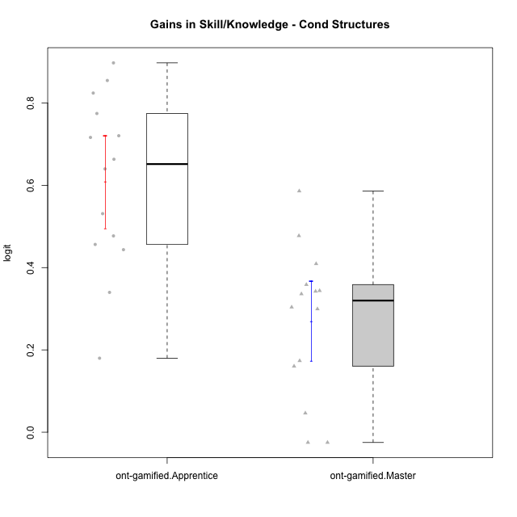

Student's t-Test data
UserID | NroUSP | Type | CLGroup | CLRole | PlayerRole | gain.theta
10169 | 10377538 | ont-gamified | Grupo Hefesto | Master | Yee Achiever | 0.34387623353
10170 | 10260351 | ont-gamified | Grupo Afrodite | Apprentice | Yee Achiever | 0.44355069885
10174 | 10276852 | ont-gamified | Grupo Urano | Master | Yee Achiever | 0.35861364878
10175 | 10310700 | ont-gamified | Grupo Hélio | Master | Yee Socializer | -0.024963847923
10176 | 10276949 | ont-gamified | Grupo Cronus | Apprentice | Yee Achiever | 0.53108732213
10178 | 8656201 | ont-gamified | Grupo Morfeu | Apprentice | Yee Socializer | 0.89747852377
10183 | 10352030 | ont-gamified | Grupo Hélio | Apprentice | Yee Socializer | 0.63987679007
10184 | 10276675 | ont-gamified | Grupo Apolo | Master | Yee Socializer | 0.30383264579
10186 | 10310551 | ont-gamified | Grupo Ares | Apprentice | Yee Achiever | 0.77447101867
10189 | 9363926 | ont-gamified | Grupo Hades | Master | Yee Socializer | 0.046388024404
10193 | 10276762 | ont-gamified | Grupo Afrodite | Master | Yee Achiever | 0.4092911304
10195 | 10351971 | ont-gamified | Grupo Urano | Apprentice | Yee Achiever | 0.47703540226
10196 | 10310655 | ont-gamified | Grupo Hefesto | Apprentice | Yee Achiever | 0.71632841769
10197 | 10276661 | ont-gamified | Grupo Gaia | Apprentice | Yee Achiever | 0.33979821127
10198 | 10310888 | ont-gamified | Grupo Apolo | Apprentice | Yee Socializer | 0.72043342285
10199 | 10276737 | ont-gamified | Grupo Gaia | Master | Yee Achiever | 0.47732032249
10200 | 9795272 | ont-gamified | Grupo Hades | Apprentice | Yee Socializer | 0.17989077621
10201 | 10276928 | ont-gamified | Grupo Caronte | Master | Yee Achiever | 0.17361633199
10204 | 10310471 | ont-gamified | Grupo Hermes | Master | Yee Achiever | -0.024963847923
10206 | 10310721 | ont-gamified | Grupo Hera | Master | Yee Achiever | 0.16036616228
10209 | 10262669 | ont-gamified | Grupo Artemis | Apprentice | Yee Achiever | 0.82416004247
10213 | 10277040 | ont-gamified | Grupo Morfeu | Master | Yee Socializer | 0.34235911521
10218 | 9842913 | ont-gamified | Grupo Ares | Master | Yee Achiever | 0.33599204052
10221 | 9082496 | ont-gamified | Grupo Hermes | Apprentice | Yee Achiever | 0.456296792
10223 | 9795185 | ont-gamified | Grupo Cronus | Master | Yee Achiever | 0.58605051249
10231 | 10276911 | ont-gamified | Grupo Caronte | Apprentice | Yee Achiever | 0.66328206622
10232 | 10276974 | ont-gamified | Grupo Artemis | Master | Yee Achiever | 0.29948921971
10240 | 10276654 | ont-gamified | Grupo Hera | Apprentice | Yee Achiever | 0.85469640967

