Type_1
Wilcoxon Analysis for Gains in Skill/Knowledge - Cond Structures in Type between non-gamified:ont-gamified

Wilcoxon test results
Alternative hypothesis: less
Group | N | Median | Mean.Ranks | Sum.Ranks | U | Z | p.value | r | magnitude
non-gamified | 27 | 0.50345376445 | 28.925925926 | 781 | 403 | -0.031964220099 | 0.4905133927 | 0.004233764379 | none
ont-gamified | 30 | 0.44992374542 | 29.066666667 | 872 | 403 | -0.031964220099 | 0.4905133927 | 0.004233764379 | none
Alternative hypothesis: greater
Group | N | Median | Mean.Ranks | Sum.Ranks | U | Z | p.value | r | magnitude
non-gamified | 27 | 0.50345376445 | 28.925925926 | 781 | 403 | -0.031964220099 | 0.51580840529 | 0.004233764379 | none
ont-gamified | 30 | 0.44992374542 | 29.066666667 | 872 | 403 | -0.031964220099 | 0.51580840529 | 0.004233764379 | none
Alternative hypothesis: two.sided
Group | N | Median | Mean.Ranks | Sum.Ranks | U | Z | p.value | r | magnitude
non-gamified | 27 | 0.50345376445 | 28.925925926 | 781 | 403 | -0.031964220099 | 0.9810267854 | 0.004233764379 | none
ont-gamified | 30 | 0.44992374542 | 29.066666667 | 872 | 403 | -0.031964220099 | 0.9810267854 | 0.004233764379 | none

Box plots for wilcoxon tests
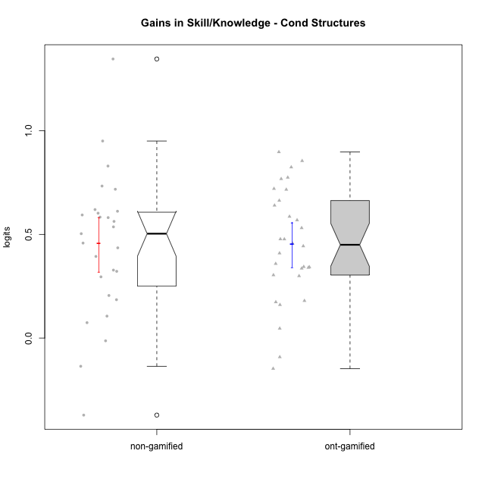

Wilcoxon data
UserID | NroUSP | Type | CLGroup | CLRole | PlayerRole | pre.theta | pos.theta | gain.theta
10169 | 10377538 | ont-gamified | Grupo Hefesto | Master | Yee Achiever | -0.52458584712 | -0.18070961359 | 0.34387623353
10170 | 10260351 | ont-gamified | Grupo Afrodite | Apprentice | Yee Achiever | -0.56473626728 | -0.12118556843 | 0.44355069885
10171 | 698531 | non-gamified | Grupo Team 6 | Apprentice |  | -0.71602238638 | 0.23442630461 | 0.95044869099
10174 | 10276852 | ont-gamified | Grupo Urano | Master | Yee Achiever | -0.56473626728 | -0.20612261851 | 0.35861364878
10175 | 10310700 | ont-gamified | Grupo Hélio | Master | Yee Socializer | 0.10735244369 | 0.015832242198 | -0.091520201496
10176 | 10276949 | ont-gamified | Grupo Cronus | Apprentice | Yee Achiever | -0.59630304278 | -0.06521572065 | 0.53108732213
10178 | 8656201 | ont-gamified | Grupo Morfeu | Apprentice | Yee Socializer | -1.0026218914 | -0.1051433676 | 0.89747852377
10179 | 10310759 | non-gamified | Grupo Team 9 | Master |  | -0.39588495477 | 0.3219329909 | 0.71781794567
10181 | 10276866 | non-gamified | Grupo Team 10 | Master |  | -0.39588495477 | -0.07403019424 | 0.32185476053
10183 | 10352030 | ont-gamified | Grupo Hélio | Apprentice | Yee Socializer | -0.71602238638 | -0.076145596305 | 0.63987679007
10184 | 10276675 | ont-gamified | Grupo Apolo | Master | Yee Socializer | -0.25603637251 | 0.047796273278 | 0.30383264579
10185 | 10276960 | non-gamified | Grupo Team 12 | Apprentice |  | -0.47822823808 | 0.13351248472 | 0.61174072279
10186 | 10310551 | ont-gamified | Grupo Ares | Apprentice | Yee Achiever | -0.45253802777 | 0.3219329909 | 0.77447101867
10187 | 9790781 | non-gamified | Grupo Team 15 | Apprentice |  | -0.64145260755 | -0.1051433676 | 0.53630923995
10188 | 10276995 | non-gamified | Grupo Team 3 | Master |  | 0.014109640412 | 0.8438634274 | 0.82975378698
10189 | 9363926 | ont-gamified | Grupo Hades | Master | Yee Socializer | -0.053291789423 | -0.0069037650193 | 0.046388024404
10190 | 10276907 | ont-gamified | Grupo Zeus | Apprentice | Yee Socializer | -0.77467932154 | -0.0069037650193 | 0.76777555652
10191 | 10276981 | non-gamified | Grupo Team 6 | Master |  | 0.02665193615 | 0.3219329909 | 0.29528105475
10192 | 10276682 | non-gamified | Grupo Team 5 | Apprentice |  | -0.62721464293 | -0.024906729088 | 0.60230791384
10193 | 10276762 | ont-gamified | Grupo Afrodite | Master | Yee Achiever | -0.3934588882 | 0.015832242198 | 0.4092911304
10195 | 10351971 | ont-gamified | Grupo Urano | Apprentice | Yee Achiever | -0.59964269837 | -0.12260729611 | 0.47703540226
10196 | 10310655 | ont-gamified | Grupo Hefesto | Apprentice | Yee Achiever | -0.61220497701 | 0.10412344069 | 0.71632841769
10197 | 10276661 | ont-gamified | Grupo Gaia | Apprentice | Yee Achiever | -0.36470494036 | -0.024906729088 | 0.33979821127
10198 | 10310888 | ont-gamified | Grupo Apolo | Apprentice | Yee Socializer | -0.76048683472 | -0.04005341187 | 0.72043342285
10199 | 10276737 | ont-gamified | Grupo Gaia | Master | Yee Achiever | -0.50222705157 | -0.024906729088 | 0.47732032249
10200 | 9795272 | ont-gamified | Grupo Hades | Apprentice | Yee Socializer | -0.25603637251 | -0.076145596305 | 0.17989077621
10201 | 10276928 | ont-gamified | Grupo Caronte | Master | Yee Achiever | -0.21366974386 | -0.04005341187 | 0.17361633199
10202 | 10277036 | non-gamified | Grupo Team 11 | Apprentice |  | -0.65502792207 | -0.07403019424 | 0.58099772783
10203 | 9921470 | non-gamified | Grupo Team 3 | Apprentice |  | -0.49908109229 | -0.63510430752 | -0.13602321523
10204 | 10310471 | ont-gamified | Grupo Hermes | Master | Yee Achiever | 0.10735244369 | -0.04005341187 | -0.14740585556
10206 | 10310721 | ont-gamified | Grupo Hera | Master | Yee Achiever | -0.21366974386 | -0.053303581572 | 0.16036616228
10208 | 10276932 | non-gamified | Grupo Team 7 | Apprentice |  | -0.64462607232 | -0.024906729088 | 0.61971934323
10209 | 10262669 | ont-gamified | Grupo Artemis | Apprentice | Yee Achiever | -0.50222705157 | 0.3219329909 | 0.82416004247
10210 | 10277015 | non-gamified | Grupo Team 9 | Apprentice |  | -0.59630304278 | -0.1380640689 | 0.45823897387
10212 | 9065750 | non-gamified | Grupo Team 4 | Master |  | 0.20032080376 | -0.17127129134 | -0.3715920951
10213 | 10277040 | ont-gamified | Grupo Morfeu | Master | Yee Socializer | -0.1079328106 | 0.23442630461 | 0.34235911521
10214 | 10277022 | non-gamified | Grupo Team 5 | Master |  | -0.21231381584 | -0.0069037650193 | 0.20541005082
10215 | 9285227 | ont-gamified | Grupo Zeus | Master | Yee Socializer | -0.52113361549 | 0.047796273278 | 0.56892988877
10216 | 10276720 | non-gamified | Grupo Team 15 | Master |  | -0.50222705157 | 0.8438634274 | 1.346090479
10217 | 9805341 | non-gamified | Grupo Team 13 | Master |  | -0.49883661765 | 0.23442630461 | 0.73326292226
10218 | 9842913 | ont-gamified | Grupo Ares | Master | Yee Achiever | -0.42232726824 | -0.086335227715 | 0.33599204052
10219 | 10276831 | non-gamified | Grupo Team 12 | Master |  | -0.52458584712 | -0.02113208267 | 0.50345376445
10220 | 9760151 | non-gamified | Grupo Team 2 | Apprentice |  | -0.39588495477 | -0.0021126518816 | 0.39377230289
10221 | 9082496 | ont-gamified | Grupo Hermes | Apprentice | Yee Achiever | -0.64462607232 | -0.18832928032 | 0.456296792
10222 | 9436110 | non-gamified | Grupo Team 16 | Master |  | -0.36470494036 | -0.17972768513 | 0.18497725523
10223 | 9795185 | ont-gamified | Grupo Cronus | Master | Yee Achiever | -0.45253802777 | 0.13351248472 | 0.58605051249
10224 | 9368772 | non-gamified | Grupo Team 10 | Apprentice |  | -0.74951898432 | -0.15577319212 | 0.5937457922
10226 | 10310342 | non-gamified | Grupo Team 8 | Master |  | -0.11327556902 | 0.3219329909 | 0.43520855991
10227 | 9274382 | non-gamified | Grupo Team 4 | Apprentice |  | -0.70449624239 | -0.12118556843 | 0.58331067396
10230 | 10351992 | non-gamified | Grupo Team 14 | Master |  | -0.1079328106 | -0.12118556843 | -0.013252757829
10231 | 10276911 | ont-gamified | Grupo Caronte | Apprentice | Yee Achiever | -0.61548579294 | 0.047796273278 | 0.66328206622
10232 | 10276974 | ont-gamified | Grupo Artemis | Master | Yee Achiever | -0.36470494036 | -0.06521572065 | 0.29948921971
10233 | 9805320 | non-gamified | Grupo Team 16 | Apprentice |  | -0.59964269837 | -0.036921043989 | 0.56272165438
10234 | 10310676 | non-gamified | Grupo Team 7 | Master |  | -0.21231381584 | -0.1380640689 | 0.074249746938
10237 | 10377688 | non-gamified | Grupo Team 11 | Master |  | -0.17989042703 | -0.07403019424 | 0.10586023279
10238 | 10276953 | non-gamified | Grupo Team 13 | Apprentice |  | -0.36470494036 | -0.036921043989 | 0.32778389637
10240 | 10276654 | ont-gamified | Grupo Hera | Apprentice | Yee Achiever | -0.89474982154 | -0.04005341187 | 0.85469640967

Type_CLRole_1
Wilcoxon Analysis for Gains in Skill/Knowledge - Cond Structures in Type:CLRole between non-gamified.Apprentice:non-gamified.Master

Wilcoxon test results
Alternative hypothesis: less
Group | N | Median | Mean.Ranks | Sum.Ranks | U | Z | p.value | r | magnitude
non-gamified.Apprentice | 13 | 0.58099772783 | 16.153846154 | 210 | 119 | 1.358732441 | 0.91530722943 | 0.26148818018 | small
non-gamified.Master | 14 | 0.30856790764 | 12 | 168 | 119 | 1.358732441 | 0.91530722943 | 0.26148818018 | small
Alternative hypothesis: greater
Group | N | Median | Mean.Ranks | Sum.Ranks | U | Z | p.value | r | magnitude
non-gamified.Apprentice | 13 | 0.58099772783 | 16.153846154 | 210 | 119 | 1.358732441 | 0.092592393174 | 0.26148818018 | small
non-gamified.Master | 14 | 0.30856790764 | 12 | 168 | 119 | 1.358732441 | 0.092592393174 | 0.26148818018 | small
Alternative hypothesis: two.sided
Group | N | Median | Mean.Ranks | Sum.Ranks | U | Z | p.value | r | magnitude
non-gamified.Apprentice | 13 | 0.58099772783 | 16.153846154 | 210 | 119 | 1.358732441 | 0.18518478635 | 0.26148818018 | small
non-gamified.Master | 14 | 0.30856790764 | 12 | 168 | 119 | 1.358732441 | 0.18518478635 | 0.26148818018 | small

Box plots for wilcoxon tests
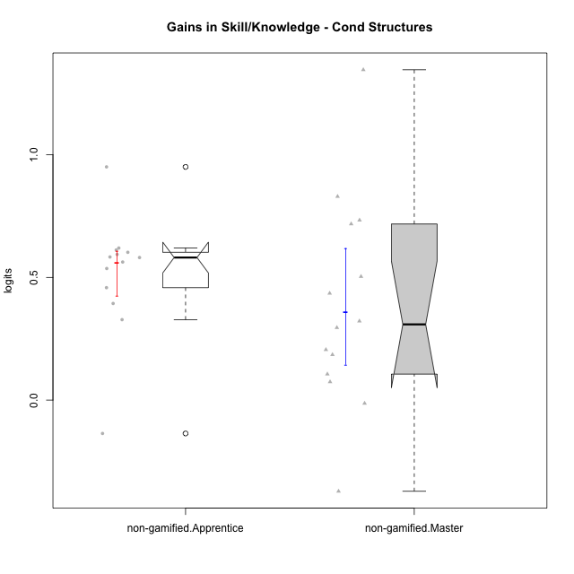

Wilcoxon data
UserID | NroUSP | Type | CLGroup | CLRole | PlayerRole | pre.theta | pos.theta | gain.theta
10171 | 698531 | non-gamified | Grupo Team 6 | Apprentice |  | -0.71602238638 | 0.23442630461 | 0.95044869099
10179 | 10310759 | non-gamified | Grupo Team 9 | Master |  | -0.39588495477 | 0.3219329909 | 0.71781794567
10181 | 10276866 | non-gamified | Grupo Team 10 | Master |  | -0.39588495477 | -0.07403019424 | 0.32185476053
10185 | 10276960 | non-gamified | Grupo Team 12 | Apprentice |  | -0.47822823808 | 0.13351248472 | 0.61174072279
10187 | 9790781 | non-gamified | Grupo Team 15 | Apprentice |  | -0.64145260755 | -0.1051433676 | 0.53630923995
10188 | 10276995 | non-gamified | Grupo Team 3 | Master |  | 0.014109640412 | 0.8438634274 | 0.82975378698
10191 | 10276981 | non-gamified | Grupo Team 6 | Master |  | 0.02665193615 | 0.3219329909 | 0.29528105475
10192 | 10276682 | non-gamified | Grupo Team 5 | Apprentice |  | -0.62721464293 | -0.024906729088 | 0.60230791384
10202 | 10277036 | non-gamified | Grupo Team 11 | Apprentice |  | -0.65502792207 | -0.07403019424 | 0.58099772783
10203 | 9921470 | non-gamified | Grupo Team 3 | Apprentice |  | -0.49908109229 | -0.63510430752 | -0.13602321523
10208 | 10276932 | non-gamified | Grupo Team 7 | Apprentice |  | -0.64462607232 | -0.024906729088 | 0.61971934323
10210 | 10277015 | non-gamified | Grupo Team 9 | Apprentice |  | -0.59630304278 | -0.1380640689 | 0.45823897387
10212 | 9065750 | non-gamified | Grupo Team 4 | Master |  | 0.20032080376 | -0.17127129134 | -0.3715920951
10214 | 10277022 | non-gamified | Grupo Team 5 | Master |  | -0.21231381584 | -0.0069037650193 | 0.20541005082
10216 | 10276720 | non-gamified | Grupo Team 15 | Master |  | -0.50222705157 | 0.8438634274 | 1.346090479
10217 | 9805341 | non-gamified | Grupo Team 13 | Master |  | -0.49883661765 | 0.23442630461 | 0.73326292226
10219 | 10276831 | non-gamified | Grupo Team 12 | Master |  | -0.52458584712 | -0.02113208267 | 0.50345376445
10220 | 9760151 | non-gamified | Grupo Team 2 | Apprentice |  | -0.39588495477 | -0.0021126518816 | 0.39377230289
10222 | 9436110 | non-gamified | Grupo Team 16 | Master |  | -0.36470494036 | -0.17972768513 | 0.18497725523
10224 | 9368772 | non-gamified | Grupo Team 10 | Apprentice |  | -0.74951898432 | -0.15577319212 | 0.5937457922
10226 | 10310342 | non-gamified | Grupo Team 8 | Master |  | -0.11327556902 | 0.3219329909 | 0.43520855991
10227 | 9274382 | non-gamified | Grupo Team 4 | Apprentice |  | -0.70449624239 | -0.12118556843 | 0.58331067396
10230 | 10351992 | non-gamified | Grupo Team 14 | Master |  | -0.1079328106 | -0.12118556843 | -0.013252757829
10233 | 9805320 | non-gamified | Grupo Team 16 | Apprentice |  | -0.59964269837 | -0.036921043989 | 0.56272165438
10234 | 10310676 | non-gamified | Grupo Team 7 | Master |  | -0.21231381584 | -0.1380640689 | 0.074249746938
10237 | 10377688 | non-gamified | Grupo Team 11 | Master |  | -0.17989042703 | -0.07403019424 | 0.10586023279
10238 | 10276953 | non-gamified | Grupo Team 13 | Apprentice |  | -0.36470494036 | -0.036921043989 | 0.32778389637

Type_CLRole_2
Wilcoxon Analysis for Gains in Skill/Knowledge - Cond Structures in Type:CLRole between non-gamified.Apprentice:ont-gamified.Apprentice

Wilcoxon test results
Alternative hypothesis: less
Group | N | Median | Mean.Ranks | Sum.Ranks | U | Z | p.value | r | magnitude
non-gamified.Apprentice | 13 | 0.58099772783 | 12.384615385 | 161 | 70 | -1.2667969592 | 0.10868000137 | 0.23940212254 | small
ont-gamified.Apprentice | 15 | 0.66328206622 | 16.333333333 | 245 | 70 | -1.2667969592 | 0.10868000137 | 0.23940212254 | small
Alternative hypothesis: greater
Group | N | Median | Mean.Ranks | Sum.Ranks | U | Z | p.value | r | magnitude
non-gamified.Apprentice | 13 | 0.58099772783 | 12.384615385 | 161 | 70 | -1.2667969592 | 0.8997441654 | 0.23940212254 | small
ont-gamified.Apprentice | 15 | 0.66328206622 | 16.333333333 | 245 | 70 | -1.2667969592 | 0.8997441654 | 0.23940212254 | small
Alternative hypothesis: two.sided
Group | N | Median | Mean.Ranks | Sum.Ranks | U | Z | p.value | r | magnitude
non-gamified.Apprentice | 13 | 0.58099772783 | 12.384615385 | 161 | 70 | -1.2667969592 | 0.21736000273 | 0.23940212254 | small
ont-gamified.Apprentice | 15 | 0.66328206622 | 16.333333333 | 245 | 70 | -1.2667969592 | 0.21736000273 | 0.23940212254 | small

Box plots for wilcoxon tests
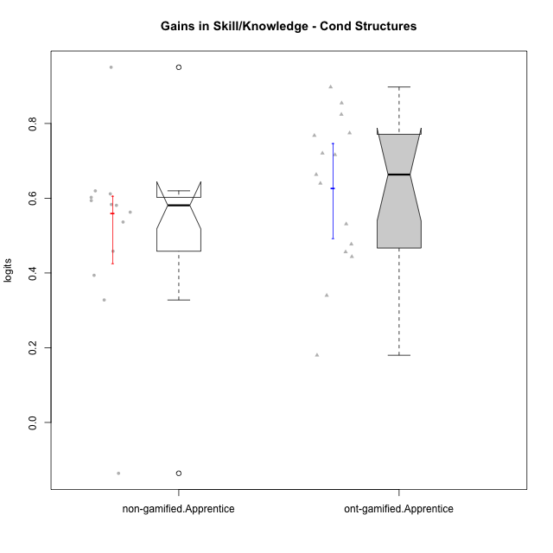

Wilcoxon data
UserID | NroUSP | Type | CLGroup | CLRole | PlayerRole | pre.theta | pos.theta | gain.theta
10170 | 10260351 | ont-gamified | Grupo Afrodite | Apprentice | Yee Achiever | -0.56473626728 | -0.12118556843 | 0.44355069885
10171 | 698531 | non-gamified | Grupo Team 6 | Apprentice |  | -0.71602238638 | 0.23442630461 | 0.95044869099
10176 | 10276949 | ont-gamified | Grupo Cronus | Apprentice | Yee Achiever | -0.59630304278 | -0.06521572065 | 0.53108732213
10178 | 8656201 | ont-gamified | Grupo Morfeu | Apprentice | Yee Socializer | -1.0026218914 | -0.1051433676 | 0.89747852377
10183 | 10352030 | ont-gamified | Grupo Hélio | Apprentice | Yee Socializer | -0.71602238638 | -0.076145596305 | 0.63987679007
10185 | 10276960 | non-gamified | Grupo Team 12 | Apprentice |  | -0.47822823808 | 0.13351248472 | 0.61174072279
10186 | 10310551 | ont-gamified | Grupo Ares | Apprentice | Yee Achiever | -0.45253802777 | 0.3219329909 | 0.77447101867
10187 | 9790781 | non-gamified | Grupo Team 15 | Apprentice |  | -0.64145260755 | -0.1051433676 | 0.53630923995
10190 | 10276907 | ont-gamified | Grupo Zeus | Apprentice | Yee Socializer | -0.77467932154 | -0.0069037650193 | 0.76777555652
10192 | 10276682 | non-gamified | Grupo Team 5 | Apprentice |  | -0.62721464293 | -0.024906729088 | 0.60230791384
10195 | 10351971 | ont-gamified | Grupo Urano | Apprentice | Yee Achiever | -0.59964269837 | -0.12260729611 | 0.47703540226
10196 | 10310655 | ont-gamified | Grupo Hefesto | Apprentice | Yee Achiever | -0.61220497701 | 0.10412344069 | 0.71632841769
10197 | 10276661 | ont-gamified | Grupo Gaia | Apprentice | Yee Achiever | -0.36470494036 | -0.024906729088 | 0.33979821127
10198 | 10310888 | ont-gamified | Grupo Apolo | Apprentice | Yee Socializer | -0.76048683472 | -0.04005341187 | 0.72043342285
10200 | 9795272 | ont-gamified | Grupo Hades | Apprentice | Yee Socializer | -0.25603637251 | -0.076145596305 | 0.17989077621
10202 | 10277036 | non-gamified | Grupo Team 11 | Apprentice |  | -0.65502792207 | -0.07403019424 | 0.58099772783
10203 | 9921470 | non-gamified | Grupo Team 3 | Apprentice |  | -0.49908109229 | -0.63510430752 | -0.13602321523
10208 | 10276932 | non-gamified | Grupo Team 7 | Apprentice |  | -0.64462607232 | -0.024906729088 | 0.61971934323
10209 | 10262669 | ont-gamified | Grupo Artemis | Apprentice | Yee Achiever | -0.50222705157 | 0.3219329909 | 0.82416004247
10210 | 10277015 | non-gamified | Grupo Team 9 | Apprentice |  | -0.59630304278 | -0.1380640689 | 0.45823897387
10220 | 9760151 | non-gamified | Grupo Team 2 | Apprentice |  | -0.39588495477 | -0.0021126518816 | 0.39377230289
10221 | 9082496 | ont-gamified | Grupo Hermes | Apprentice | Yee Achiever | -0.64462607232 | -0.18832928032 | 0.456296792
10224 | 9368772 | non-gamified | Grupo Team 10 | Apprentice |  | -0.74951898432 | -0.15577319212 | 0.5937457922
10227 | 9274382 | non-gamified | Grupo Team 4 | Apprentice |  | -0.70449624239 | -0.12118556843 | 0.58331067396
10231 | 10276911 | ont-gamified | Grupo Caronte | Apprentice | Yee Achiever | -0.61548579294 | 0.047796273278 | 0.66328206622
10233 | 9805320 | non-gamified | Grupo Team 16 | Apprentice |  | -0.59964269837 | -0.036921043989 | 0.56272165438
10238 | 10276953 | non-gamified | Grupo Team 13 | Apprentice |  | -0.36470494036 | -0.036921043989 | 0.32778389637
10240 | 10276654 | ont-gamified | Grupo Hera | Apprentice | Yee Achiever | -0.89474982154 | -0.04005341187 | 0.85469640967

Type_CLRole_3
Wilcoxon Analysis for Gains in Skill/Knowledge - Cond Structures in Type:CLRole between non-gamified.Apprentice:ont-gamified.Master

Wilcoxon test results
Alternative hypothesis: less
Group | N | Median | Mean.Ranks | Sum.Ranks | U | Z | p.value | r | magnitude
non-gamified.Apprentice | 13 | 0.58099772783 | 19.307692308 | 251 | 160 | 2.8790839982 | 0.99868397016 | 0.54409573306 | large
ont-gamified.Master | 15 | 0.33599204052 | 10.333333333 | 155 | 160 | 2.8790839982 | 0.99868397016 | 0.54409573306 | large
Alternative hypothesis: greater
Group | N | Median | Mean.Ranks | Sum.Ranks | U | Z | p.value | r | magnitude
non-gamified.Apprentice | 13 | 0.58099772783 | 19.307692308 | 251 | 160 | 2.8790839982 | 0.0015675377703 | 0.54409573306 | large
ont-gamified.Master | 15 | 0.33599204052 | 10.333333333 | 155 | 160 | 2.8790839982 | 0.0015675377703 | 0.54409573306 | large
Alternative hypothesis: two.sided
Group | N | Median | Mean.Ranks | Sum.Ranks | U | Z | p.value | r | magnitude
non-gamified.Apprentice | 13 | 0.58099772783 | 19.307692308 | 251 | 160 | 2.8790839982 | 0.0031350755405 | 0.54409573306 | large
ont-gamified.Master | 15 | 0.33599204052 | 10.333333333 | 155 | 160 | 2.8790839982 | 0.0031350755405 | 0.54409573306 | large

Box plots for wilcoxon tests
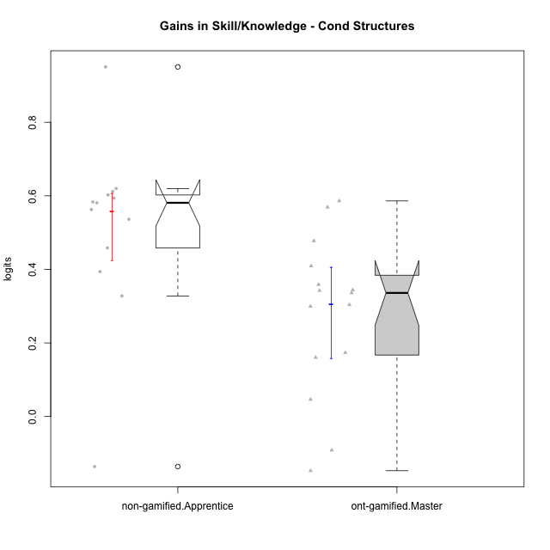

Wilcoxon data
UserID | NroUSP | Type | CLGroup | CLRole | PlayerRole | pre.theta | pos.theta | gain.theta
10169 | 10377538 | ont-gamified | Grupo Hefesto | Master | Yee Achiever | -0.52458584712 | -0.18070961359 | 0.34387623353
10171 | 698531 | non-gamified | Grupo Team 6 | Apprentice |  | -0.71602238638 | 0.23442630461 | 0.95044869099
10174 | 10276852 | ont-gamified | Grupo Urano | Master | Yee Achiever | -0.56473626728 | -0.20612261851 | 0.35861364878
10175 | 10310700 | ont-gamified | Grupo Hélio | Master | Yee Socializer | 0.10735244369 | 0.015832242198 | -0.091520201496
10184 | 10276675 | ont-gamified | Grupo Apolo | Master | Yee Socializer | -0.25603637251 | 0.047796273278 | 0.30383264579
10185 | 10276960 | non-gamified | Grupo Team 12 | Apprentice |  | -0.47822823808 | 0.13351248472 | 0.61174072279
10187 | 9790781 | non-gamified | Grupo Team 15 | Apprentice |  | -0.64145260755 | -0.1051433676 | 0.53630923995
10189 | 9363926 | ont-gamified | Grupo Hades | Master | Yee Socializer | -0.053291789423 | -0.0069037650193 | 0.046388024404
10192 | 10276682 | non-gamified | Grupo Team 5 | Apprentice |  | -0.62721464293 | -0.024906729088 | 0.60230791384
10193 | 10276762 | ont-gamified | Grupo Afrodite | Master | Yee Achiever | -0.3934588882 | 0.015832242198 | 0.4092911304
10199 | 10276737 | ont-gamified | Grupo Gaia | Master | Yee Achiever | -0.50222705157 | -0.024906729088 | 0.47732032249
10201 | 10276928 | ont-gamified | Grupo Caronte | Master | Yee Achiever | -0.21366974386 | -0.04005341187 | 0.17361633199
10202 | 10277036 | non-gamified | Grupo Team 11 | Apprentice |  | -0.65502792207 | -0.07403019424 | 0.58099772783
10203 | 9921470 | non-gamified | Grupo Team 3 | Apprentice |  | -0.49908109229 | -0.63510430752 | -0.13602321523
10204 | 10310471 | ont-gamified | Grupo Hermes | Master | Yee Achiever | 0.10735244369 | -0.04005341187 | -0.14740585556
10206 | 10310721 | ont-gamified | Grupo Hera | Master | Yee Achiever | -0.21366974386 | -0.053303581572 | 0.16036616228
10208 | 10276932 | non-gamified | Grupo Team 7 | Apprentice |  | -0.64462607232 | -0.024906729088 | 0.61971934323
10210 | 10277015 | non-gamified | Grupo Team 9 | Apprentice |  | -0.59630304278 | -0.1380640689 | 0.45823897387
10213 | 10277040 | ont-gamified | Grupo Morfeu | Master | Yee Socializer | -0.1079328106 | 0.23442630461 | 0.34235911521
10215 | 9285227 | ont-gamified | Grupo Zeus | Master | Yee Socializer | -0.52113361549 | 0.047796273278 | 0.56892988877
10218 | 9842913 | ont-gamified | Grupo Ares | Master | Yee Achiever | -0.42232726824 | -0.086335227715 | 0.33599204052
10220 | 9760151 | non-gamified | Grupo Team 2 | Apprentice |  | -0.39588495477 | -0.0021126518816 | 0.39377230289
10223 | 9795185 | ont-gamified | Grupo Cronus | Master | Yee Achiever | -0.45253802777 | 0.13351248472 | 0.58605051249
10224 | 9368772 | non-gamified | Grupo Team 10 | Apprentice |  | -0.74951898432 | -0.15577319212 | 0.5937457922
10227 | 9274382 | non-gamified | Grupo Team 4 | Apprentice |  | -0.70449624239 | -0.12118556843 | 0.58331067396
10232 | 10276974 | ont-gamified | Grupo Artemis | Master | Yee Achiever | -0.36470494036 | -0.06521572065 | 0.29948921971
10233 | 9805320 | non-gamified | Grupo Team 16 | Apprentice |  | -0.59964269837 | -0.036921043989 | 0.56272165438
10238 | 10276953 | non-gamified | Grupo Team 13 | Apprentice |  | -0.36470494036 | -0.036921043989 | 0.32778389637

Type_CLRole_4
Wilcoxon Analysis for Gains in Skill/Knowledge - Cond Structures in Type:CLRole between non-gamified.Master:ont-gamified.Apprentice

Wilcoxon test results
Alternative hypothesis: less
Group | N | Median | Mean.Ranks | Sum.Ranks | U | Z | p.value | r | magnitude
non-gamified.Master | 14 | 0.30856790764 | 11.642857143 | 163 | 58 | -2.0512481682 | 0.020551024797 | 0.38090722228 | medium
ont-gamified.Apprentice | 15 | 0.66328206622 | 18.133333333 | 272 | 58 | -2.0512481682 | 0.020551024797 | 0.38090722228 | medium
Alternative hypothesis: greater
Group | N | Median | Mean.Ranks | Sum.Ranks | U | Z | p.value | r | magnitude
non-gamified.Master | 14 | 0.30856790764 | 11.642857143 | 163 | 58 | -2.0512481682 | 0.98162893527 | 0.38090722228 | medium
ont-gamified.Apprentice | 15 | 0.66328206622 | 18.133333333 | 272 | 58 | -2.0512481682 | 0.98162893527 | 0.38090722228 | medium
Alternative hypothesis: two.sided
Group | N | Median | Mean.Ranks | Sum.Ranks | U | Z | p.value | r | magnitude
non-gamified.Master | 14 | 0.30856790764 | 11.642857143 | 163 | 58 | -2.0512481682 | 0.041102049594 | 0.38090722228 | medium
ont-gamified.Apprentice | 15 | 0.66328206622 | 18.133333333 | 272 | 58 | -2.0512481682 | 0.041102049594 | 0.38090722228 | medium

Box plots for wilcoxon tests
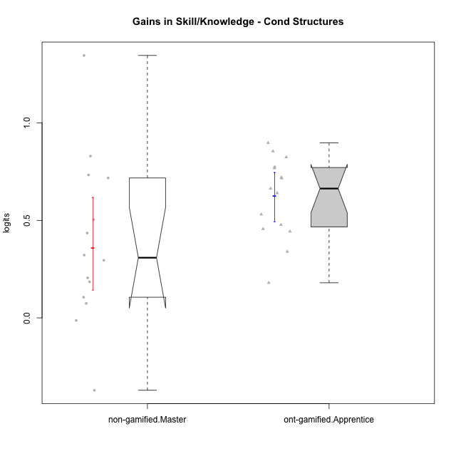

Wilcoxon data
UserID | NroUSP | Type | CLGroup | CLRole | PlayerRole | pre.theta | pos.theta | gain.theta
10170 | 10260351 | ont-gamified | Grupo Afrodite | Apprentice | Yee Achiever | -0.56473626728 | -0.12118556843 | 0.44355069885
10176 | 10276949 | ont-gamified | Grupo Cronus | Apprentice | Yee Achiever | -0.59630304278 | -0.06521572065 | 0.53108732213
10178 | 8656201 | ont-gamified | Grupo Morfeu | Apprentice | Yee Socializer | -1.0026218914 | -0.1051433676 | 0.89747852377
10179 | 10310759 | non-gamified | Grupo Team 9 | Master |  | -0.39588495477 | 0.3219329909 | 0.71781794567
10181 | 10276866 | non-gamified | Grupo Team 10 | Master |  | -0.39588495477 | -0.07403019424 | 0.32185476053
10183 | 10352030 | ont-gamified | Grupo Hélio | Apprentice | Yee Socializer | -0.71602238638 | -0.076145596305 | 0.63987679007
10186 | 10310551 | ont-gamified | Grupo Ares | Apprentice | Yee Achiever | -0.45253802777 | 0.3219329909 | 0.77447101867
10188 | 10276995 | non-gamified | Grupo Team 3 | Master |  | 0.014109640412 | 0.8438634274 | 0.82975378698
10190 | 10276907 | ont-gamified | Grupo Zeus | Apprentice | Yee Socializer | -0.77467932154 | -0.0069037650193 | 0.76777555652
10191 | 10276981 | non-gamified | Grupo Team 6 | Master |  | 0.02665193615 | 0.3219329909 | 0.29528105475
10195 | 10351971 | ont-gamified | Grupo Urano | Apprentice | Yee Achiever | -0.59964269837 | -0.12260729611 | 0.47703540226
10196 | 10310655 | ont-gamified | Grupo Hefesto | Apprentice | Yee Achiever | -0.61220497701 | 0.10412344069 | 0.71632841769
10197 | 10276661 | ont-gamified | Grupo Gaia | Apprentice | Yee Achiever | -0.36470494036 | -0.024906729088 | 0.33979821127
10198 | 10310888 | ont-gamified | Grupo Apolo | Apprentice | Yee Socializer | -0.76048683472 | -0.04005341187 | 0.72043342285
10200 | 9795272 | ont-gamified | Grupo Hades | Apprentice | Yee Socializer | -0.25603637251 | -0.076145596305 | 0.17989077621
10209 | 10262669 | ont-gamified | Grupo Artemis | Apprentice | Yee Achiever | -0.50222705157 | 0.3219329909 | 0.82416004247
10212 | 9065750 | non-gamified | Grupo Team 4 | Master |  | 0.20032080376 | -0.17127129134 | -0.3715920951
10214 | 10277022 | non-gamified | Grupo Team 5 | Master |  | -0.21231381584 | -0.0069037650193 | 0.20541005082
10216 | 10276720 | non-gamified | Grupo Team 15 | Master |  | -0.50222705157 | 0.8438634274 | 1.346090479
10217 | 9805341 | non-gamified | Grupo Team 13 | Master |  | -0.49883661765 | 0.23442630461 | 0.73326292226
10219 | 10276831 | non-gamified | Grupo Team 12 | Master |  | -0.52458584712 | -0.02113208267 | 0.50345376445
10221 | 9082496 | ont-gamified | Grupo Hermes | Apprentice | Yee Achiever | -0.64462607232 | -0.18832928032 | 0.456296792
10222 | 9436110 | non-gamified | Grupo Team 16 | Master |  | -0.36470494036 | -0.17972768513 | 0.18497725523
10226 | 10310342 | non-gamified | Grupo Team 8 | Master |  | -0.11327556902 | 0.3219329909 | 0.43520855991
10230 | 10351992 | non-gamified | Grupo Team 14 | Master |  | -0.1079328106 | -0.12118556843 | -0.013252757829
10231 | 10276911 | ont-gamified | Grupo Caronte | Apprentice | Yee Achiever | -0.61548579294 | 0.047796273278 | 0.66328206622
10234 | 10310676 | non-gamified | Grupo Team 7 | Master |  | -0.21231381584 | -0.1380640689 | 0.074249746938
10237 | 10377688 | non-gamified | Grupo Team 11 | Master |  | -0.17989042703 | -0.07403019424 | 0.10586023279
10240 | 10276654 | ont-gamified | Grupo Hera | Apprentice | Yee Achiever | -0.89474982154 | -0.04005341187 | 0.85469640967

Type_CLRole_5
Wilcoxon Analysis for Gains in Skill/Knowledge - Cond Structures in Type:CLRole between non-gamified.Master:ont-gamified.Master

Wilcoxon test results
Alternative hypothesis: less
Group | N | Median | Mean.Ranks | Sum.Ranks | U | Z | p.value | r | magnitude
non-gamified.Master | 14 | 0.30856790764 | 15.714285714 | 220 | 115 | 0.43643578047 | 0.67419063946 | 0.081044089847 | none
ont-gamified.Master | 15 | 0.33599204052 | 14.333333333 | 215 | 115 | 0.43643578047 | 0.67419063946 | 0.081044089847 | none
Alternative hypothesis: greater
Group | N | Median | Mean.Ranks | Sum.Ranks | U | Z | p.value | r | magnitude
non-gamified.Master | 14 | 0.30856790764 | 15.714285714 | 220 | 115 | 0.43643578047 | 0.34147693955 | 0.081044089847 | none
ont-gamified.Master | 15 | 0.33599204052 | 14.333333333 | 215 | 115 | 0.43643578047 | 0.34147693955 | 0.081044089847 | none
Alternative hypothesis: two.sided
Group | N | Median | Mean.Ranks | Sum.Ranks | U | Z | p.value | r | magnitude
non-gamified.Master | 14 | 0.30856790764 | 15.714285714 | 220 | 115 | 0.43643578047 | 0.6829538791 | 0.081044089847 | none
ont-gamified.Master | 15 | 0.33599204052 | 14.333333333 | 215 | 115 | 0.43643578047 | 0.6829538791 | 0.081044089847 | none

Box plots for wilcoxon tests
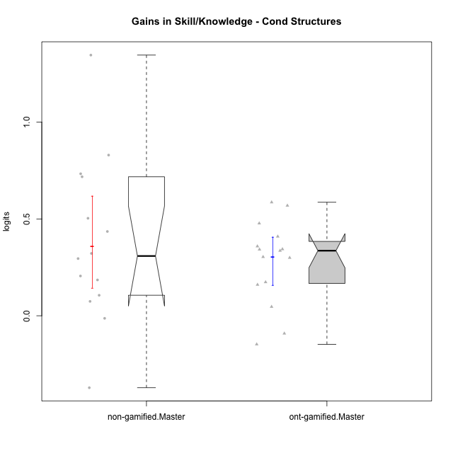

Wilcoxon data
UserID | NroUSP | Type | CLGroup | CLRole | PlayerRole | pre.theta | pos.theta | gain.theta
10169 | 10377538 | ont-gamified | Grupo Hefesto | Master | Yee Achiever | -0.52458584712 | -0.18070961359 | 0.34387623353
10174 | 10276852 | ont-gamified | Grupo Urano | Master | Yee Achiever | -0.56473626728 | -0.20612261851 | 0.35861364878
10175 | 10310700 | ont-gamified | Grupo Hélio | Master | Yee Socializer | 0.10735244369 | 0.015832242198 | -0.091520201496
10179 | 10310759 | non-gamified | Grupo Team 9 | Master |  | -0.39588495477 | 0.3219329909 | 0.71781794567
10181 | 10276866 | non-gamified | Grupo Team 10 | Master |  | -0.39588495477 | -0.07403019424 | 0.32185476053
10184 | 10276675 | ont-gamified | Grupo Apolo | Master | Yee Socializer | -0.25603637251 | 0.047796273278 | 0.30383264579
10188 | 10276995 | non-gamified | Grupo Team 3 | Master |  | 0.014109640412 | 0.8438634274 | 0.82975378698
10189 | 9363926 | ont-gamified | Grupo Hades | Master | Yee Socializer | -0.053291789423 | -0.0069037650193 | 0.046388024404
10191 | 10276981 | non-gamified | Grupo Team 6 | Master |  | 0.02665193615 | 0.3219329909 | 0.29528105475
10193 | 10276762 | ont-gamified | Grupo Afrodite | Master | Yee Achiever | -0.3934588882 | 0.015832242198 | 0.4092911304
10199 | 10276737 | ont-gamified | Grupo Gaia | Master | Yee Achiever | -0.50222705157 | -0.024906729088 | 0.47732032249
10201 | 10276928 | ont-gamified | Grupo Caronte | Master | Yee Achiever | -0.21366974386 | -0.04005341187 | 0.17361633199
10204 | 10310471 | ont-gamified | Grupo Hermes | Master | Yee Achiever | 0.10735244369 | -0.04005341187 | -0.14740585556
10206 | 10310721 | ont-gamified | Grupo Hera | Master | Yee Achiever | -0.21366974386 | -0.053303581572 | 0.16036616228
10212 | 9065750 | non-gamified | Grupo Team 4 | Master |  | 0.20032080376 | -0.17127129134 | -0.3715920951
10213 | 10277040 | ont-gamified | Grupo Morfeu | Master | Yee Socializer | -0.1079328106 | 0.23442630461 | 0.34235911521
10214 | 10277022 | non-gamified | Grupo Team 5 | Master |  | -0.21231381584 | -0.0069037650193 | 0.20541005082
10215 | 9285227 | ont-gamified | Grupo Zeus | Master | Yee Socializer | -0.52113361549 | 0.047796273278 | 0.56892988877
10216 | 10276720 | non-gamified | Grupo Team 15 | Master |  | -0.50222705157 | 0.8438634274 | 1.346090479
10217 | 9805341 | non-gamified | Grupo Team 13 | Master |  | -0.49883661765 | 0.23442630461 | 0.73326292226
10218 | 9842913 | ont-gamified | Grupo Ares | Master | Yee Achiever | -0.42232726824 | -0.086335227715 | 0.33599204052
10219 | 10276831 | non-gamified | Grupo Team 12 | Master |  | -0.52458584712 | -0.02113208267 | 0.50345376445
10222 | 9436110 | non-gamified | Grupo Team 16 | Master |  | -0.36470494036 | -0.17972768513 | 0.18497725523
10223 | 9795185 | ont-gamified | Grupo Cronus | Master | Yee Achiever | -0.45253802777 | 0.13351248472 | 0.58605051249
10226 | 10310342 | non-gamified | Grupo Team 8 | Master |  | -0.11327556902 | 0.3219329909 | 0.43520855991
10230 | 10351992 | non-gamified | Grupo Team 14 | Master |  | -0.1079328106 | -0.12118556843 | -0.013252757829
10232 | 10276974 | ont-gamified | Grupo Artemis | Master | Yee Achiever | -0.36470494036 | -0.06521572065 | 0.29948921971
10234 | 10310676 | non-gamified | Grupo Team 7 | Master |  | -0.21231381584 | -0.1380640689 | 0.074249746938
10237 | 10377688 | non-gamified | Grupo Team 11 | Master |  | -0.17989042703 | -0.07403019424 | 0.10586023279

Type_CLRole_6
Wilcoxon Analysis for Gains in Skill/Knowledge - Cond Structures in Type:CLRole between ont-gamified.Apprentice:ont-gamified.Master

Wilcoxon test results
Alternative hypothesis: less
Group | N | Median | Mean.Ranks | Sum.Ranks | U | Z | p.value | r | magnitude
ont-gamified.Apprentice | 15 | 0.66328206622 | 21.133333333 | 317 | 197 | 3.5048967282 | 0.99991293053 | 0.63990366659 | large
ont-gamified.Master | 15 | 0.33599204052 | 9.8666666667 | 148 | 197 | 3.5048967282 | 0.99991293053 | 0.63990366659 | large
Alternative hypothesis: greater
Group | N | Median | Mean.Ranks | Sum.Ranks | U | Z | p.value | r | magnitude
ont-gamified.Apprentice | 15 | 0.66328206622 | 21.133333333 | 317 | 197 | 3.5048967282 | 0.00010753137363 | 0.63990366659 | large
ont-gamified.Master | 15 | 0.33599204052 | 9.8666666667 | 148 | 197 | 3.5048967282 | 0.00010753137363 | 0.63990366659 | large
Alternative hypothesis: two.sided
Group | N | Median | Mean.Ranks | Sum.Ranks | U | Z | p.value | r | magnitude
ont-gamified.Apprentice | 15 | 0.66328206622 | 21.133333333 | 317 | 197 | 3.5048967282 | 0.00021506274726 | 0.63990366659 | large
ont-gamified.Master | 15 | 0.33599204052 | 9.8666666667 | 148 | 197 | 3.5048967282 | 0.00021506274726 | 0.63990366659 | large

Box plots for wilcoxon tests
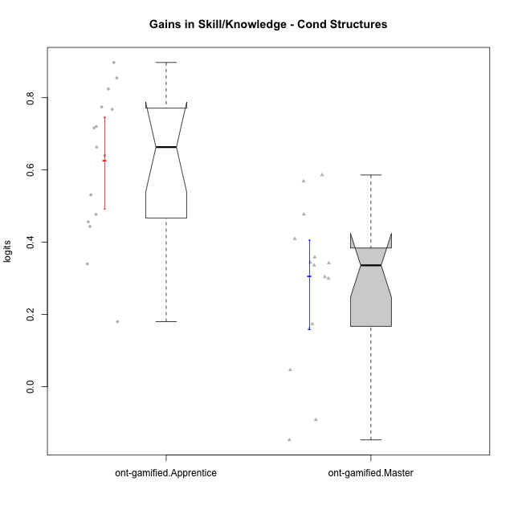

Wilcoxon data
UserID | NroUSP | Type | CLGroup | CLRole | PlayerRole | pre.theta | pos.theta | gain.theta
10169 | 10377538 | ont-gamified | Grupo Hefesto | Master | Yee Achiever | -0.52458584712 | -0.18070961359 | 0.34387623353
10170 | 10260351 | ont-gamified | Grupo Afrodite | Apprentice | Yee Achiever | -0.56473626728 | -0.12118556843 | 0.44355069885
10174 | 10276852 | ont-gamified | Grupo Urano | Master | Yee Achiever | -0.56473626728 | -0.20612261851 | 0.35861364878
10175 | 10310700 | ont-gamified | Grupo Hélio | Master | Yee Socializer | 0.10735244369 | 0.015832242198 | -0.091520201496
10176 | 10276949 | ont-gamified | Grupo Cronus | Apprentice | Yee Achiever | -0.59630304278 | -0.06521572065 | 0.53108732213
10178 | 8656201 | ont-gamified | Grupo Morfeu | Apprentice | Yee Socializer | -1.0026218914 | -0.1051433676 | 0.89747852377
10183 | 10352030 | ont-gamified | Grupo Hélio | Apprentice | Yee Socializer | -0.71602238638 | -0.076145596305 | 0.63987679007
10184 | 10276675 | ont-gamified | Grupo Apolo | Master | Yee Socializer | -0.25603637251 | 0.047796273278 | 0.30383264579
10186 | 10310551 | ont-gamified | Grupo Ares | Apprentice | Yee Achiever | -0.45253802777 | 0.3219329909 | 0.77447101867
10189 | 9363926 | ont-gamified | Grupo Hades | Master | Yee Socializer | -0.053291789423 | -0.0069037650193 | 0.046388024404
10190 | 10276907 | ont-gamified | Grupo Zeus | Apprentice | Yee Socializer | -0.77467932154 | -0.0069037650193 | 0.76777555652
10193 | 10276762 | ont-gamified | Grupo Afrodite | Master | Yee Achiever | -0.3934588882 | 0.015832242198 | 0.4092911304
10195 | 10351971 | ont-gamified | Grupo Urano | Apprentice | Yee Achiever | -0.59964269837 | -0.12260729611 | 0.47703540226
10196 | 10310655 | ont-gamified | Grupo Hefesto | Apprentice | Yee Achiever | -0.61220497701 | 0.10412344069 | 0.71632841769
10197 | 10276661 | ont-gamified | Grupo Gaia | Apprentice | Yee Achiever | -0.36470494036 | -0.024906729088 | 0.33979821127
10198 | 10310888 | ont-gamified | Grupo Apolo | Apprentice | Yee Socializer | -0.76048683472 | -0.04005341187 | 0.72043342285
10199 | 10276737 | ont-gamified | Grupo Gaia | Master | Yee Achiever | -0.50222705157 | -0.024906729088 | 0.47732032249
10200 | 9795272 | ont-gamified | Grupo Hades | Apprentice | Yee Socializer | -0.25603637251 | -0.076145596305 | 0.17989077621
10201 | 10276928 | ont-gamified | Grupo Caronte | Master | Yee Achiever | -0.21366974386 | -0.04005341187 | 0.17361633199
10204 | 10310471 | ont-gamified | Grupo Hermes | Master | Yee Achiever | 0.10735244369 | -0.04005341187 | -0.14740585556
10206 | 10310721 | ont-gamified | Grupo Hera | Master | Yee Achiever | -0.21366974386 | -0.053303581572 | 0.16036616228
10209 | 10262669 | ont-gamified | Grupo Artemis | Apprentice | Yee Achiever | -0.50222705157 | 0.3219329909 | 0.82416004247
10213 | 10277040 | ont-gamified | Grupo Morfeu | Master | Yee Socializer | -0.1079328106 | 0.23442630461 | 0.34235911521
10215 | 9285227 | ont-gamified | Grupo Zeus | Master | Yee Socializer | -0.52113361549 | 0.047796273278 | 0.56892988877
10218 | 9842913 | ont-gamified | Grupo Ares | Master | Yee Achiever | -0.42232726824 | -0.086335227715 | 0.33599204052
10221 | 9082496 | ont-gamified | Grupo Hermes | Apprentice | Yee Achiever | -0.64462607232 | -0.18832928032 | 0.456296792
10223 | 9795185 | ont-gamified | Grupo Cronus | Master | Yee Achiever | -0.45253802777 | 0.13351248472 | 0.58605051249
10231 | 10276911 | ont-gamified | Grupo Caronte | Apprentice | Yee Achiever | -0.61548579294 | 0.047796273278 | 0.66328206622
10232 | 10276974 | ont-gamified | Grupo Artemis | Master | Yee Achiever | -0.36470494036 | -0.06521572065 | 0.29948921971
10240 | 10276654 | ont-gamified | Grupo Hera | Apprentice | Yee Achiever | -0.89474982154 | -0.04005341187 | 0.85469640967

