Assumptions
ANOVA assumptions for Gains in Skill/Knowledge - Cond Structures

Shapiro-Wilk normality test for Gains in Skill/Knowledge - Cond Structures
W | p.value
0.98759862956 | 0.84726358484

Plots for normality test
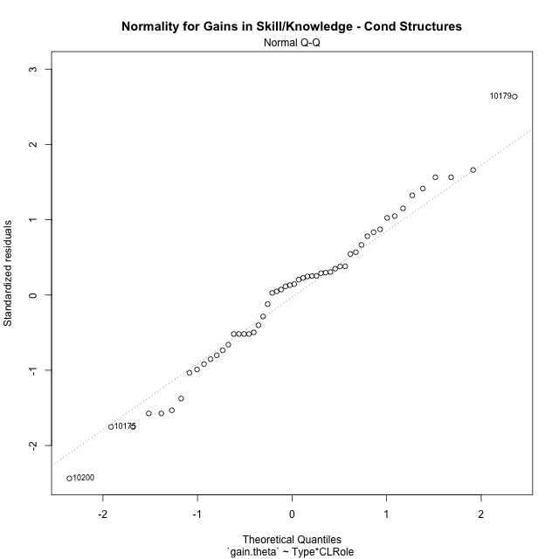

Levene's Test for Homogeneity of Variance in Gains in Skill/Knowledge - Cond Structures
Df | F value | Pr(>F)
3 | 2.7427669831 | 0.052824949047
50

Plots for homogeneity of variance
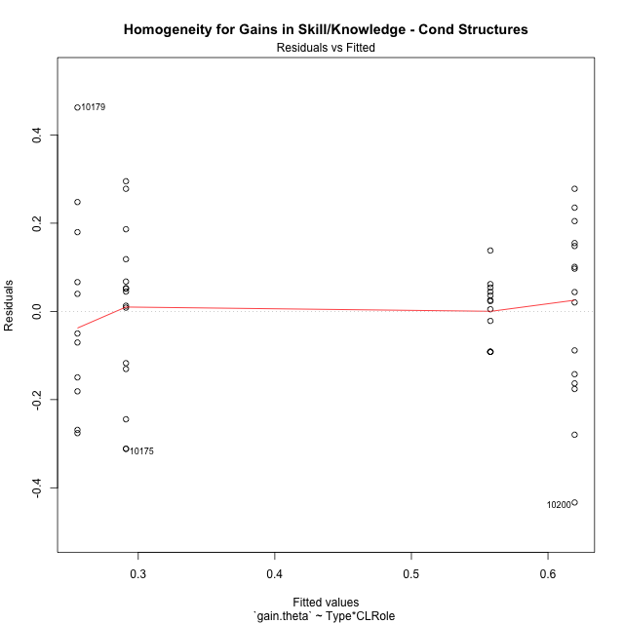

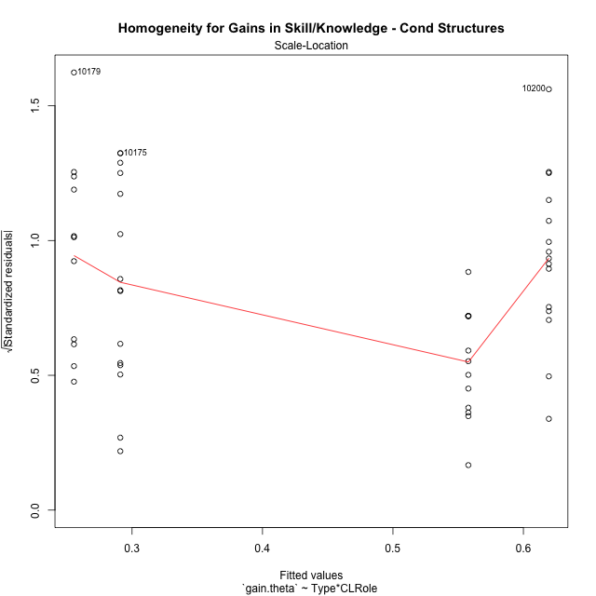

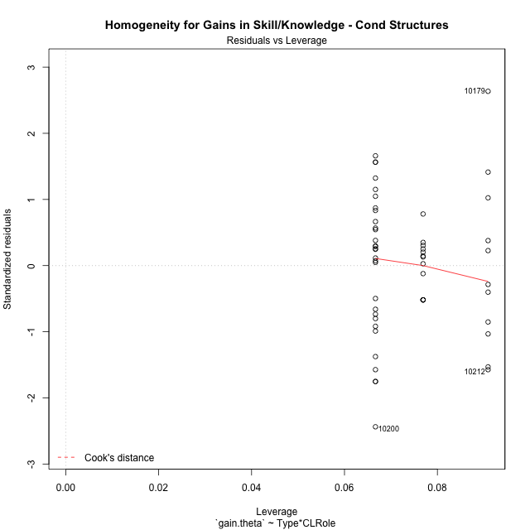

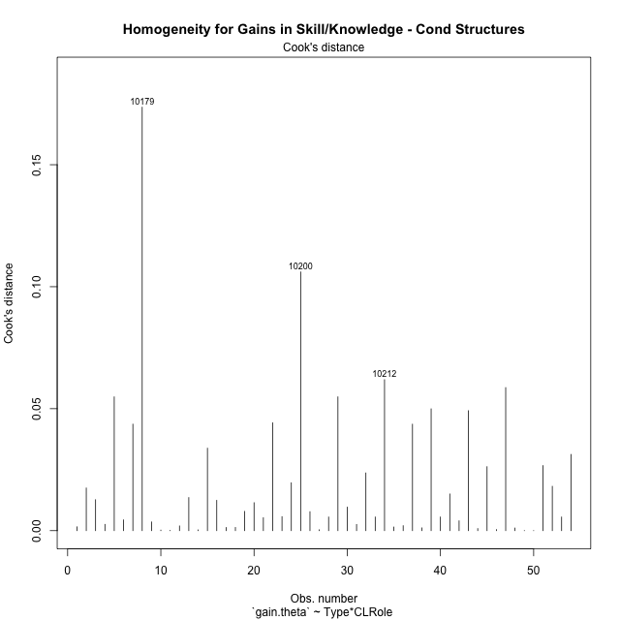

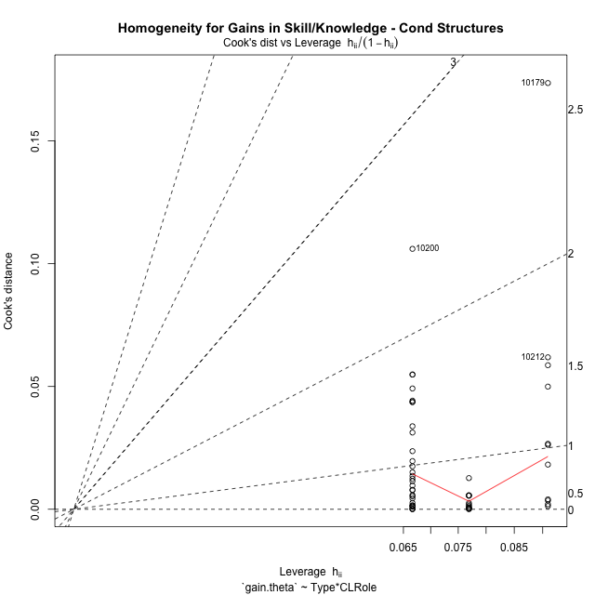

Minimum Sample Size Test for Gains in Skill/Knowledge - Cond Structures
Type | CLRole | Freq
non-gamified | Apprentice | 13
ont-gamified | Apprentice | 15
non-gamified | Master | 11
ont-gamified | Master | 15

Errors and Warnings in Sample Size Test for ANOVA in Gains in Skill/Knowledge - Cond Structures
code | description
WARN: sample.size | current size is 13 and recommended size is 15 for the group: 'non-gamified:Apprentice'.
WARN: sample.size | current size is 11 and recommended size is 15 for the group: 'non-gamified:Master'.

For the group: 'non-gamified:Apprentice', we recommend the use of non-parametric test. For the group: 'ont-gamified:Apprentice', you can perform a parametric test without having a normal distribution For the group: 'non-gamified:Master', we recommend the use of non-parametric test. For the group: 'ont-gamified:Master', you can perform a parametric test without having a normal distribution

If you don't want to remove non-normal data, you must cite the following references: ... (1) Lix, L.M., J.C. Keselman, and H.J. Keselman. 1996. Consequences of assumption violations revisited: A quantitative review of alternatives to the one-way analysis of variance F test. Rev. Educ. Res. 66: 579-619. ... (2) Harwell, M.R., E.N. Rubinstein, W.S. Hayes, and C.C. Olds. 1992. Summarizing Monte Carlo results in methodological research: the one- and two-factor fixed effects ANOVA cases. J. Educ. Stat. 17: 315-339.

Post-hoc
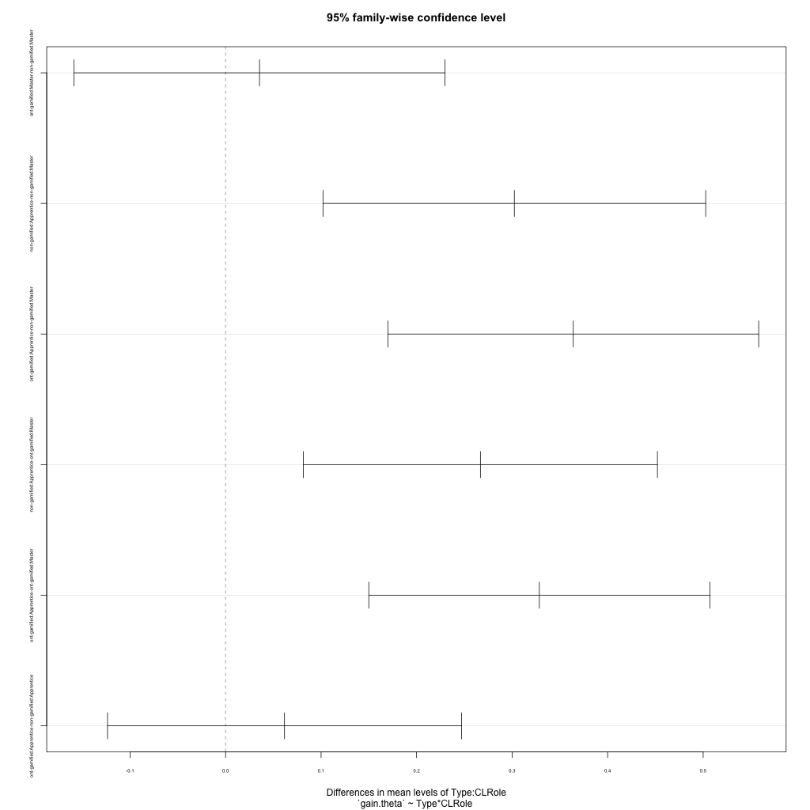
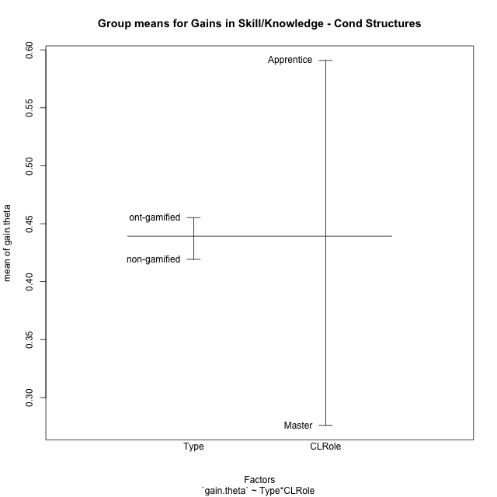
Post-hoc Tukey Honestly Significant Difference (HSD) Test for Gains in Skill/Knowledge - Cond Structures

Comparisons of means for Type
 | diff | lwr | upr | p adj
ont-gamified-non-gamified | 0.036013092683 | -0.065209102413 | 0.13723528778 | 0.47817314113

Comparisons of means for CLRole
 | diff | lwr | upr | p adj
Apprentice-Master | 0.31636718622 | 0.21570269341 | 0.41703167903 | 7.1366408783E-08

Comparisons of means for Type:CLRole
 | diff | lwr | upr | p adj
ont-gamified:Master-non-gamified:Master | 0.0355175183 | -0.1586124633 | 0.2296474999 | 0.96181170662
non-gamified:Apprentice-non-gamified:Master | 0.3023193903 | 0.1019711586 | 0.50266762199 | 0.0011282799349
ont-gamified:Apprentice-non-gamified:Master | 0.36402133989 | 0.16989135829 | 0.55815132149 | 4.5638976599E-05
non-gamified:Apprentice-ont-gamified:Master | 0.266801872 | 0.081487278413 | 0.45211646558 | 0.001996626474
ont-gamified:Apprentice-ont-gamified:Master | 0.32850382159 | 0.14993021097 | 0.5070774322 | 6.30114993E-05
ont-gamified:Apprentice-non-gamified:Apprentice | 0.061701949591 | -0.12361264399 | 0.24701654317 | 0.81268760532

Contrast Matrices for Gains in Skill/Knowledge - Cond Structures - Type
contrast | estimate | SE | df | t.ratio | p.value
non-gamified - ont-gamified | -0.048609733945 | 0.050493225812 | 50 | -0.96269812759 | 0.34033197445

Contrast Matrices for Gains in Skill/Knowledge - Cond Structures - Type:CLRole
contrast | CLRole | estimate | SE | df | t.ratio | p.value
non-gamified - ont-gamified | Apprentice | -0.061701949591 | 0.069730408889 | 50 | -0.88486430201 | 0.38046541002
non-gamified - ont-gamified | Master | -0.0355175183 | 0.073047474206 | 50 | -0.48622513901 | 0.62893188724

Least Squares Means and Confidence Intervals for Type
Type | lsmean | SE | df | lower.CL | upper.CL | Pairs
non-gamified | 0.40663951296 | 0.037693642594 | 50 | 0.33092960366 | 0.48234942226 | non-gamified
ont-gamified | 0.45524924691 | 0.033596951661 | 50 | 0.38776778351 | 0.5227307103 | ont-gamified

Least Squares Means and Confidence Intervals for Type:CLRole
Type | CLRole | lsmean | SE | df | lower.CL | upper.CL | Pairs
non-gamified | Apprentice | 0.55779920811 | 0.051037433341 | 50 | 0.45528750631 | 0.6603109099 | non-gamified.Apprentice
ont-gamified | Apprentice | 0.6195011577 | 0.047513264693 | 50 | 0.52406795695 | 0.71493435844 | ont-gamified.Apprentice
non-gamified | Master | 0.25547981781 | 0.055483539596 | 50 | 0.14403784879 | 0.36692178684 | non-gamified.Master
ont-gamified | Master | 0.29099733611 | 0.047513264693 | 50 | 0.19556413537 | 0.38643053686 | ont-gamified.Master

Plots

Type_1
Student's t-Test for Gains in Skill/Knowledge - Cond Structures in Type between non-gamified:ont-gamified

Student's t-Test results
Alternative hypothesis: less
Group | N | Mean | Mean.Difference | Std.deviation | Std.error | CI.lower | CI.upper | df | t.value | p.value | g | magnitude
non-gamified | 24 | 0.41923615422 | -0.036013092683 | 0.22200330366 | 0.045316234598 | 0.32860368503 | 0.50986862342 | 51.65577245 | -0.5522215219 | 0.2915890739 | -0.14661583826 | negligible
ont-gamified | 30 | 0.45524924691 | 0.036013092683 | 0.25687119969 | 0.046898050148 | 0.36145314661 | 0.5490453472 | 51.65577245 | -0.5522215219 | 0.2915890739 | -0.14661583826 | negligible
Alternative hypothesis: greater
Group | N | Mean | Mean.Difference | Std.deviation | Std.error | CI.lower | CI.upper | df | t.value | p.value | g | magnitude
non-gamified | 24 | 0.41923615422 | -0.036013092683 | 0.22200330366 | 0.045316234598 | 0.32860368503 | 0.50986862342 | 51.65577245 | -0.5522215219 | 0.7084109261 | -0.14661583826 | negligible
ont-gamified | 30 | 0.45524924691 | 0.036013092683 | 0.25687119969 | 0.046898050148 | 0.36145314661 | 0.5490453472 | 51.65577245 | -0.5522215219 | 0.7084109261 | -0.14661583826 | negligible
Alternative hypothesis: two.sided
Group | N | Mean | Mean.Difference | Std.deviation | Std.error | CI.lower | CI.upper | df | t.value | p.value | g | magnitude
non-gamified | 24 | 0.41923615422 | -0.036013092683 | 0.22200330366 | 0.045316234598 | 0.32860368503 | 0.50986862342 | 51.65577245 | -0.5522215219 | 0.58317814779 | -0.14661583826 | negligible
ont-gamified | 30 | 0.45524924691 | 0.036013092683 | 0.25687119969 | 0.046898050148 | 0.36145314661 | 0.5490453472 | 51.65577245 | -0.5522215219 | 0.58317814779 | -0.14661583826 | negligible

Box plots for Student's t-Test
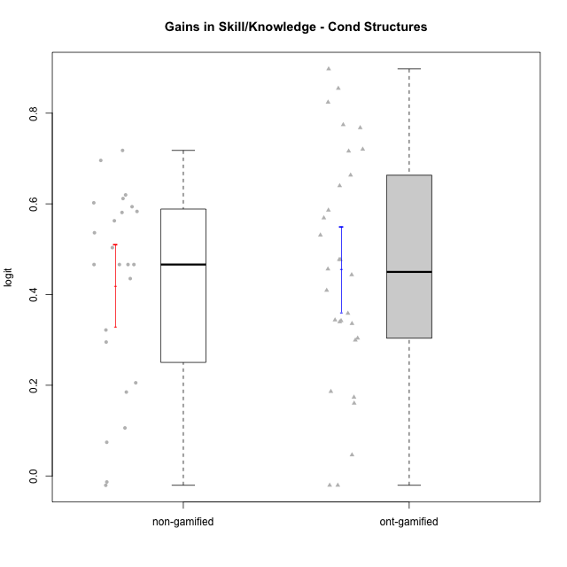

Student's t-Test data
UserID | NroUSP | Type | CLGroup | CLRole | PlayerRole | gain.theta
10169 | 10377538 | ont-gamified | Grupo Hefesto | Master | Yee Achiever | 0.34387623353
10170 | 10260351 | ont-gamified | Grupo Afrodite | Apprentice | Yee Achiever | 0.44355069885
10171 | 698531 | non-gamified | Grupo Team 6 | Apprentice |  | 0.69581506181
10174 | 10276852 | ont-gamified | Grupo Urano | Master | Yee Achiever | 0.35861364878
10175 | 10310700 | ont-gamified | Grupo Hélio | Master | Yee Socializer | -0.020582617339
10176 | 10276949 | ont-gamified | Grupo Cronus | Apprentice | Yee Achiever | 0.53108732213
10178 | 8656201 | ont-gamified | Grupo Morfeu | Apprentice | Yee Socializer | 0.89747852377
10179 | 10310759 | non-gamified | Grupo Team 9 | Master |  | 0.71781794567
10181 | 10276866 | non-gamified | Grupo Team 10 | Master |  | 0.32185476053
10183 | 10352030 | ont-gamified | Grupo Hélio | Apprentice | Yee Socializer | 0.63987679007
10184 | 10276675 | ont-gamified | Grupo Apolo | Master | Yee Socializer | 0.30383264579
10185 | 10276960 | non-gamified | Grupo Team 12 | Apprentice |  | 0.61174072279
10186 | 10310551 | ont-gamified | Grupo Ares | Apprentice | Yee Achiever | 0.77447101867
10187 | 9790781 | non-gamified | Grupo Team 15 | Apprentice |  | 0.53630923995
10189 | 9363926 | ont-gamified | Grupo Hades | Master | Yee Socializer | 0.046388024404
10190 | 10276907 | ont-gamified | Grupo Zeus | Apprentice | Yee Socializer | 0.76777555652
10191 | 10276981 | non-gamified | Grupo Team 6 | Master |  | 0.29528105475
10192 | 10276682 | non-gamified | Grupo Team 5 | Apprentice |  | 0.60230791384
10193 | 10276762 | ont-gamified | Grupo Afrodite | Master | Yee Achiever | 0.4092911304
10195 | 10351971 | ont-gamified | Grupo Urano | Apprentice | Yee Achiever | 0.47703540226
10196 | 10310655 | ont-gamified | Grupo Hefesto | Apprentice | Yee Achiever | 0.71632841769
10197 | 10276661 | ont-gamified | Grupo Gaia | Apprentice | Yee Achiever | 0.33979821127
10198 | 10310888 | ont-gamified | Grupo Apolo | Apprentice | Yee Socializer | 0.72043342285
10199 | 10276737 | ont-gamified | Grupo Gaia | Master | Yee Achiever | 0.47732032249
10200 | 9795272 | ont-gamified | Grupo Hades | Apprentice | Yee Socializer | 0.18624669103
10201 | 10276928 | ont-gamified | Grupo Caronte | Master | Yee Achiever | 0.17361633199
10202 | 10277036 | non-gamified | Grupo Team 11 | Apprentice |  | 0.58099772783
10203 | 9921470 | non-gamified | Grupo Team 3 | Apprentice |  | 0.46618039385
10204 | 10310471 | ont-gamified | Grupo Hermes | Master | Yee Achiever | -0.020582617339
10206 | 10310721 | ont-gamified | Grupo Hera | Master | Yee Achiever | 0.16036616228
10208 | 10276932 | non-gamified | Grupo Team 7 | Apprentice |  | 0.61971934323
10209 | 10262669 | ont-gamified | Grupo Artemis | Apprentice | Yee Achiever | 0.82416004247
10210 | 10277015 | non-gamified | Grupo Team 9 | Apprentice |  | 0.46618039385
10212 | 9065750 | non-gamified | Grupo Team 4 | Master |  | -0.020582617339
10213 | 10277040 | ont-gamified | Grupo Morfeu | Master | Yee Socializer | 0.34235911521
10214 | 10277022 | non-gamified | Grupo Team 5 | Master |  | 0.20541005082
10215 | 9285227 | ont-gamified | Grupo Zeus | Master | Yee Socializer | 0.56892988877
10218 | 9842913 | ont-gamified | Grupo Ares | Master | Yee Achiever | 0.33599204052
10219 | 10276831 | non-gamified | Grupo Team 12 | Master |  | 0.50345376445
10220 | 9760151 | non-gamified | Grupo Team 2 | Apprentice |  | 0.46618039385
10221 | 9082496 | ont-gamified | Grupo Hermes | Apprentice | Yee Achiever | 0.456296792
10222 | 9436110 | non-gamified | Grupo Team 16 | Master |  | 0.18497725523
10223 | 9795185 | ont-gamified | Grupo Cronus | Master | Yee Achiever | 0.58605051249
10224 | 9368772 | non-gamified | Grupo Team 10 | Apprentice |  | 0.5937457922
10226 | 10310342 | non-gamified | Grupo Team 8 | Master |  | 0.43520855991
10227 | 9274382 | non-gamified | Grupo Team 4 | Apprentice |  | 0.58331067396
10230 | 10351992 | non-gamified | Grupo Team 14 | Master |  | -0.013252757829
10231 | 10276911 | ont-gamified | Grupo Caronte | Apprentice | Yee Achiever | 0.66328206622
10232 | 10276974 | ont-gamified | Grupo Artemis | Master | Yee Achiever | 0.29948921971
10233 | 9805320 | non-gamified | Grupo Team 16 | Apprentice |  | 0.56272165438
10234 | 10310676 | non-gamified | Grupo Team 7 | Master |  | 0.074249746938
10237 | 10377688 | non-gamified | Grupo Team 11 | Master |  | 0.10586023279
10238 | 10276953 | non-gamified | Grupo Team 13 | Apprentice |  | 0.46618039385
10240 | 10276654 | ont-gamified | Grupo Hera | Apprentice | Yee Achiever | 0.85469640967

Type_CLRole_1
Student's t-Test for Gains in Skill/Knowledge - Cond Structures in Type:CLRole between non-gamified.Apprentice:non-gamified.Master

Student's t-Test results
Alternative hypothesis: less
Group | N | Mean | Mean.Difference | Std.deviation | Std.error | CI.lower | CI.upper | df | t.value | p.value | g | magnitude
non-gamified.Apprentice | 13 | 0.55779920811 | 0.3023193903 | 0.073209990057 | 0.020304797925 | 0.51718961226 | 0.59840880396 | 11.730416922 | 4.1996657148 | 0.99935296866 | 1.7839502104 | large
non-gamified.Master | 11 | 0.25547981781 | -0.3023193903 | 0.22905794724 | 0.069063569657 | 0.1173526785 | 0.39360695713 | 11.730416922 | 4.1996657148 | 0.99935296866 | 1.7839502104 | large
Alternative hypothesis: greater
Group | N | Mean | Mean.Difference | Std.deviation | Std.error | CI.lower | CI.upper | df | t.value | p.value | g | magnitude
non-gamified.Apprentice | 13 | 0.55779920811 | 0.3023193903 | 0.073209990057 | 0.020304797925 | 0.51718961226 | 0.59840880396 | 11.730416922 | 4.1996657148 | 0.0006470313438 | 1.7839502104 | large
non-gamified.Master | 11 | 0.25547981781 | -0.3023193903 | 0.22905794724 | 0.069063569657 | 0.1173526785 | 0.39360695713 | 11.730416922 | 4.1996657148 | 0.0006470313438 | 1.7839502104 | large
Alternative hypothesis: two.sided
Group | N | Mean | Mean.Difference | Std.deviation | Std.error | CI.lower | CI.upper | df | t.value | p.value | g | magnitude
non-gamified.Apprentice | 13 | 0.55779920811 | 0.3023193903 | 0.073209990057 | 0.020304797925 | 0.51718961226 | 0.59840880396 | 11.730416922 | 4.1996657148 | 0.0012940626876 | 1.7839502104 | large
non-gamified.Master | 11 | 0.25547981781 | -0.3023193903 | 0.22905794724 | 0.069063569657 | 0.1173526785 | 0.39360695713 | 11.730416922 | 4.1996657148 | 0.0012940626876 | 1.7839502104 | large

Box plots for Student's t-Test
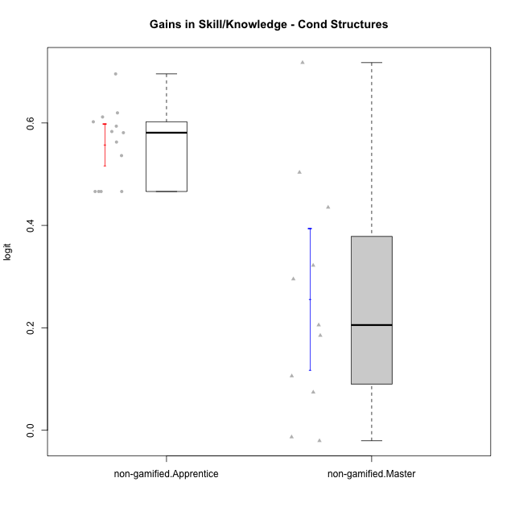

Student's t-Test data
UserID | NroUSP | Type | CLGroup | CLRole | PlayerRole | gain.theta
10171 | 698531 | non-gamified | Grupo Team 6 | Apprentice |  | 0.69581506181
10179 | 10310759 | non-gamified | Grupo Team 9 | Master |  | 0.71781794567
10181 | 10276866 | non-gamified | Grupo Team 10 | Master |  | 0.32185476053
10185 | 10276960 | non-gamified | Grupo Team 12 | Apprentice |  | 0.61174072279
10187 | 9790781 | non-gamified | Grupo Team 15 | Apprentice |  | 0.53630923995
10191 | 10276981 | non-gamified | Grupo Team 6 | Master |  | 0.29528105475
10192 | 10276682 | non-gamified | Grupo Team 5 | Apprentice |  | 0.60230791384
10202 | 10277036 | non-gamified | Grupo Team 11 | Apprentice |  | 0.58099772783
10203 | 9921470 | non-gamified | Grupo Team 3 | Apprentice |  | 0.46618039385
10208 | 10276932 | non-gamified | Grupo Team 7 | Apprentice |  | 0.61971934323
10210 | 10277015 | non-gamified | Grupo Team 9 | Apprentice |  | 0.46618039385
10212 | 9065750 | non-gamified | Grupo Team 4 | Master |  | -0.020582617339
10214 | 10277022 | non-gamified | Grupo Team 5 | Master |  | 0.20541005082
10219 | 10276831 | non-gamified | Grupo Team 12 | Master |  | 0.50345376445
10220 | 9760151 | non-gamified | Grupo Team 2 | Apprentice |  | 0.46618039385
10222 | 9436110 | non-gamified | Grupo Team 16 | Master |  | 0.18497725523
10224 | 9368772 | non-gamified | Grupo Team 10 | Apprentice |  | 0.5937457922
10226 | 10310342 | non-gamified | Grupo Team 8 | Master |  | 0.43520855991
10227 | 9274382 | non-gamified | Grupo Team 4 | Apprentice |  | 0.58331067396
10230 | 10351992 | non-gamified | Grupo Team 14 | Master |  | -0.013252757829
10233 | 9805320 | non-gamified | Grupo Team 16 | Apprentice |  | 0.56272165438
10234 | 10310676 | non-gamified | Grupo Team 7 | Master |  | 0.074249746938
10237 | 10377688 | non-gamified | Grupo Team 11 | Master |  | 0.10586023279
10238 | 10276953 | non-gamified | Grupo Team 13 | Apprentice |  | 0.46618039385

Type_CLRole_2
Student's t-Test for Gains in Skill/Knowledge - Cond Structures in Type:CLRole between non-gamified.Apprentice:ont-gamified.Apprentice

Student's t-Test results
Alternative hypothesis: less
Group | N | Mean | Mean.Difference | Std.deviation | Std.error | CI.lower | CI.upper | df | t.value | p.value | g | magnitude
non-gamified.Apprentice | 13 | 0.55779920811 | -0.061701949591 | 0.073209990057 | 0.020304797925 | 0.51718961226 | 0.59840880396 | 17.93399481 | -1.0838335406 | 0.14639762281 | -0.37646478257 | small
ont-gamified.Apprentice | 15 | 0.6195011577 | 0.061701949591 | 0.20598545537 | 0.05318521588 | 0.51313072594 | 0.72587158946 | 17.93399481 | -1.0838335406 | 0.14639762281 | -0.37646478257 | small
Alternative hypothesis: greater
Group | N | Mean | Mean.Difference | Std.deviation | Std.error | CI.lower | CI.upper | df | t.value | p.value | g | magnitude
non-gamified.Apprentice | 13 | 0.55779920811 | -0.061701949591 | 0.073209990057 | 0.020304797925 | 0.51718961226 | 0.59840880396 | 17.93399481 | -1.0838335406 | 0.85360237719 | -0.37646478257 | small
ont-gamified.Apprentice | 15 | 0.6195011577 | 0.061701949591 | 0.20598545537 | 0.05318521588 | 0.51313072594 | 0.72587158946 | 17.93399481 | -1.0838335406 | 0.85360237719 | -0.37646478257 | small
Alternative hypothesis: two.sided
Group | N | Mean | Mean.Difference | Std.deviation | Std.error | CI.lower | CI.upper | df | t.value | p.value | g | magnitude
non-gamified.Apprentice | 13 | 0.55779920811 | -0.061701949591 | 0.073209990057 | 0.020304797925 | 0.51718961226 | 0.59840880396 | 17.93399481 | -1.0838335406 | 0.29279524563 | -0.37646478257 | small
ont-gamified.Apprentice | 15 | 0.6195011577 | 0.061701949591 | 0.20598545537 | 0.05318521588 | 0.51313072594 | 0.72587158946 | 17.93399481 | -1.0838335406 | 0.29279524563 | -0.37646478257 | small

Box plots for Student's t-Test
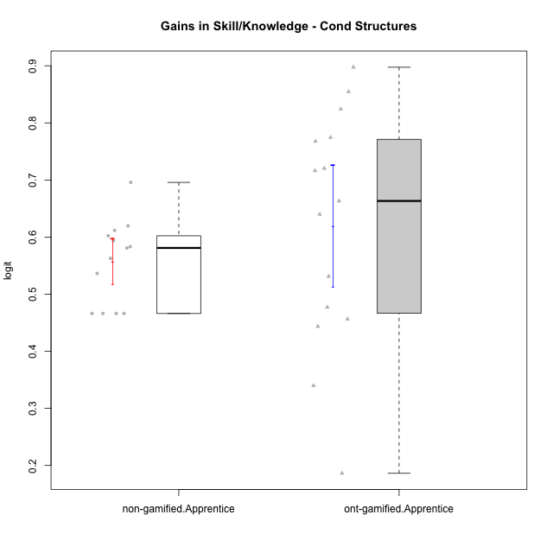

Student's t-Test data
UserID | NroUSP | Type | CLGroup | CLRole | PlayerRole | gain.theta
10170 | 10260351 | ont-gamified | Grupo Afrodite | Apprentice | Yee Achiever | 0.44355069885
10171 | 698531 | non-gamified | Grupo Team 6 | Apprentice |  | 0.69581506181
10176 | 10276949 | ont-gamified | Grupo Cronus | Apprentice | Yee Achiever | 0.53108732213
10178 | 8656201 | ont-gamified | Grupo Morfeu | Apprentice | Yee Socializer | 0.89747852377
10183 | 10352030 | ont-gamified | Grupo Hélio | Apprentice | Yee Socializer | 0.63987679007
10185 | 10276960 | non-gamified | Grupo Team 12 | Apprentice |  | 0.61174072279
10186 | 10310551 | ont-gamified | Grupo Ares | Apprentice | Yee Achiever | 0.77447101867
10187 | 9790781 | non-gamified | Grupo Team 15 | Apprentice |  | 0.53630923995
10190 | 10276907 | ont-gamified | Grupo Zeus | Apprentice | Yee Socializer | 0.76777555652
10192 | 10276682 | non-gamified | Grupo Team 5 | Apprentice |  | 0.60230791384
10195 | 10351971 | ont-gamified | Grupo Urano | Apprentice | Yee Achiever | 0.47703540226
10196 | 10310655 | ont-gamified | Grupo Hefesto | Apprentice | Yee Achiever | 0.71632841769
10197 | 10276661 | ont-gamified | Grupo Gaia | Apprentice | Yee Achiever | 0.33979821127
10198 | 10310888 | ont-gamified | Grupo Apolo | Apprentice | Yee Socializer | 0.72043342285
10200 | 9795272 | ont-gamified | Grupo Hades | Apprentice | Yee Socializer | 0.18624669103
10202 | 10277036 | non-gamified | Grupo Team 11 | Apprentice |  | 0.58099772783
10203 | 9921470 | non-gamified | Grupo Team 3 | Apprentice |  | 0.46618039385
10208 | 10276932 | non-gamified | Grupo Team 7 | Apprentice |  | 0.61971934323
10209 | 10262669 | ont-gamified | Grupo Artemis | Apprentice | Yee Achiever | 0.82416004247
10210 | 10277015 | non-gamified | Grupo Team 9 | Apprentice |  | 0.46618039385
10220 | 9760151 | non-gamified | Grupo Team 2 | Apprentice |  | 0.46618039385
10221 | 9082496 | ont-gamified | Grupo Hermes | Apprentice | Yee Achiever | 0.456296792
10224 | 9368772 | non-gamified | Grupo Team 10 | Apprentice |  | 0.5937457922
10227 | 9274382 | non-gamified | Grupo Team 4 | Apprentice |  | 0.58331067396
10231 | 10276911 | ont-gamified | Grupo Caronte | Apprentice | Yee Achiever | 0.66328206622
10233 | 9805320 | non-gamified | Grupo Team 16 | Apprentice |  | 0.56272165438
10238 | 10276953 | non-gamified | Grupo Team 13 | Apprentice |  | 0.46618039385
10240 | 10276654 | ont-gamified | Grupo Hera | Apprentice | Yee Achiever | 0.85469640967

Type_CLRole_3
Student's t-Test for Gains in Skill/Knowledge - Cond Structures in Type:CLRole between non-gamified.Apprentice:ont-gamified.Master

Student's t-Test results
Alternative hypothesis: less
Group | N | Mean | Mean.Difference | Std.deviation | Std.error | CI.lower | CI.upper | df | t.value | p.value | g | magnitude
non-gamified.Apprentice | 13 | 0.55779920811 | 0.266801872 | 0.073209990057 | 0.020304797925 | 0.51718961226 | 0.59840880396 | 18.532728514 | 5.0051867912 | 0.99995779952 | 1.7426775781 | large
ont-gamified.Master | 15 | 0.29099733611 | -0.266801872 | 0.19088529992 | 0.049286372509 | 0.19242459109 | 0.38957008113 | 18.532728514 | 5.0051867912 | 0.99995779952 | 1.7426775781 | large
Alternative hypothesis: greater
Group | N | Mean | Mean.Difference | Std.deviation | Std.error | CI.lower | CI.upper | df | t.value | p.value | g | magnitude
non-gamified.Apprentice | 13 | 0.55779920811 | 0.266801872 | 0.073209990057 | 0.020304797925 | 0.51718961226 | 0.59840880396 | 18.532728514 | 5.0051867912 | 4.2200480207E-05 | 1.7426775781 | large
ont-gamified.Master | 15 | 0.29099733611 | -0.266801872 | 0.19088529992 | 0.049286372509 | 0.19242459109 | 0.38957008113 | 18.532728514 | 5.0051867912 | 4.2200480207E-05 | 1.7426775781 | large
Alternative hypothesis: two.sided
Group | N | Mean | Mean.Difference | Std.deviation | Std.error | CI.lower | CI.upper | df | t.value | p.value | g | magnitude
non-gamified.Apprentice | 13 | 0.55779920811 | 0.266801872 | 0.073209990057 | 0.020304797925 | 0.51718961226 | 0.59840880396 | 18.532728514 | 5.0051867912 | 8.4400960414E-05 | 1.7426775781 | large
ont-gamified.Master | 15 | 0.29099733611 | -0.266801872 | 0.19088529992 | 0.049286372509 | 0.19242459109 | 0.38957008113 | 18.532728514 | 5.0051867912 | 8.4400960414E-05 | 1.7426775781 | large

Box plots for Student's t-Test
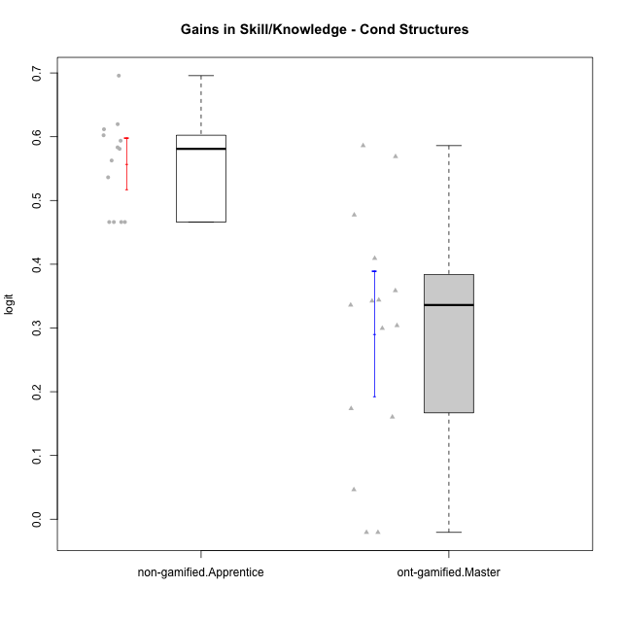

Student's t-Test data
UserID | NroUSP | Type | CLGroup | CLRole | PlayerRole | gain.theta
10169 | 10377538 | ont-gamified | Grupo Hefesto | Master | Yee Achiever | 0.34387623353
10171 | 698531 | non-gamified | Grupo Team 6 | Apprentice |  | 0.69581506181
10174 | 10276852 | ont-gamified | Grupo Urano | Master | Yee Achiever | 0.35861364878
10175 | 10310700 | ont-gamified | Grupo Hélio | Master | Yee Socializer | -0.020582617339
10184 | 10276675 | ont-gamified | Grupo Apolo | Master | Yee Socializer | 0.30383264579
10185 | 10276960 | non-gamified | Grupo Team 12 | Apprentice |  | 0.61174072279
10187 | 9790781 | non-gamified | Grupo Team 15 | Apprentice |  | 0.53630923995
10189 | 9363926 | ont-gamified | Grupo Hades | Master | Yee Socializer | 0.046388024404
10192 | 10276682 | non-gamified | Grupo Team 5 | Apprentice |  | 0.60230791384
10193 | 10276762 | ont-gamified | Grupo Afrodite | Master | Yee Achiever | 0.4092911304
10199 | 10276737 | ont-gamified | Grupo Gaia | Master | Yee Achiever | 0.47732032249
10201 | 10276928 | ont-gamified | Grupo Caronte | Master | Yee Achiever | 0.17361633199
10202 | 10277036 | non-gamified | Grupo Team 11 | Apprentice |  | 0.58099772783
10203 | 9921470 | non-gamified | Grupo Team 3 | Apprentice |  | 0.46618039385
10204 | 10310471 | ont-gamified | Grupo Hermes | Master | Yee Achiever | -0.020582617339
10206 | 10310721 | ont-gamified | Grupo Hera | Master | Yee Achiever | 0.16036616228
10208 | 10276932 | non-gamified | Grupo Team 7 | Apprentice |  | 0.61971934323
10210 | 10277015 | non-gamified | Grupo Team 9 | Apprentice |  | 0.46618039385
10213 | 10277040 | ont-gamified | Grupo Morfeu | Master | Yee Socializer | 0.34235911521
10215 | 9285227 | ont-gamified | Grupo Zeus | Master | Yee Socializer | 0.56892988877
10218 | 9842913 | ont-gamified | Grupo Ares | Master | Yee Achiever | 0.33599204052
10220 | 9760151 | non-gamified | Grupo Team 2 | Apprentice |  | 0.46618039385
10223 | 9795185 | ont-gamified | Grupo Cronus | Master | Yee Achiever | 0.58605051249
10224 | 9368772 | non-gamified | Grupo Team 10 | Apprentice |  | 0.5937457922
10227 | 9274382 | non-gamified | Grupo Team 4 | Apprentice |  | 0.58331067396
10232 | 10276974 | ont-gamified | Grupo Artemis | Master | Yee Achiever | 0.29948921971
10233 | 9805320 | non-gamified | Grupo Team 16 | Apprentice |  | 0.56272165438
10238 | 10276953 | non-gamified | Grupo Team 13 | Apprentice |  | 0.46618039385

Type_CLRole_4
Student's t-Test for Gains in Skill/Knowledge - Cond Structures in Type:CLRole between non-gamified.Master:ont-gamified.Apprentice

Student's t-Test results
Alternative hypothesis: less
Group | N | Mean | Mean.Difference | Std.deviation | Std.error | CI.lower | CI.upper | df | t.value | p.value | g | magnitude
non-gamified.Master | 11 | 0.25547981781 | -0.36402133989 | 0.22905794724 | 0.069063569657 | 0.1173526785 | 0.39360695713 | 20.282546877 | -4.1760387015 | 0.00022714671395 | -1.6328291056 | large
ont-gamified.Apprentice | 15 | 0.6195011577 | 0.36402133989 | 0.20598545537 | 0.05318521588 | 0.51313072594 | 0.72587158946 | 20.282546877 | -4.1760387015 | 0.00022714671395 | -1.6328291056 | large
Alternative hypothesis: greater
Group | N | Mean | Mean.Difference | Std.deviation | Std.error | CI.lower | CI.upper | df | t.value | p.value | g | magnitude
non-gamified.Master | 11 | 0.25547981781 | -0.36402133989 | 0.22905794724 | 0.069063569657 | 0.1173526785 | 0.39360695713 | 20.282546877 | -4.1760387015 | 0.99977285329 | -1.6328291056 | large
ont-gamified.Apprentice | 15 | 0.6195011577 | 0.36402133989 | 0.20598545537 | 0.05318521588 | 0.51313072594 | 0.72587158946 | 20.282546877 | -4.1760387015 | 0.99977285329 | -1.6328291056 | large
Alternative hypothesis: two.sided
Group | N | Mean | Mean.Difference | Std.deviation | Std.error | CI.lower | CI.upper | df | t.value | p.value | g | magnitude
non-gamified.Master | 11 | 0.25547981781 | -0.36402133989 | 0.22905794724 | 0.069063569657 | 0.1173526785 | 0.39360695713 | 20.282546877 | -4.1760387015 | 0.00045429342791 | -1.6328291056 | large
ont-gamified.Apprentice | 15 | 0.6195011577 | 0.36402133989 | 0.20598545537 | 0.05318521588 | 0.51313072594 | 0.72587158946 | 20.282546877 | -4.1760387015 | 0.00045429342791 | -1.6328291056 | large

Box plots for Student's t-Test
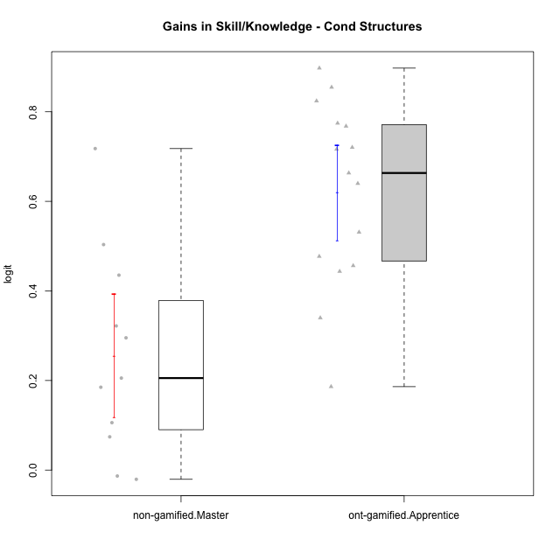

Student's t-Test data
UserID | NroUSP | Type | CLGroup | CLRole | PlayerRole | gain.theta
10170 | 10260351 | ont-gamified | Grupo Afrodite | Apprentice | Yee Achiever | 0.44355069885
10176 | 10276949 | ont-gamified | Grupo Cronus | Apprentice | Yee Achiever | 0.53108732213
10178 | 8656201 | ont-gamified | Grupo Morfeu | Apprentice | Yee Socializer | 0.89747852377
10179 | 10310759 | non-gamified | Grupo Team 9 | Master |  | 0.71781794567
10181 | 10276866 | non-gamified | Grupo Team 10 | Master |  | 0.32185476053
10183 | 10352030 | ont-gamified | Grupo Hélio | Apprentice | Yee Socializer | 0.63987679007
10186 | 10310551 | ont-gamified | Grupo Ares | Apprentice | Yee Achiever | 0.77447101867
10190 | 10276907 | ont-gamified | Grupo Zeus | Apprentice | Yee Socializer | 0.76777555652
10191 | 10276981 | non-gamified | Grupo Team 6 | Master |  | 0.29528105475
10195 | 10351971 | ont-gamified | Grupo Urano | Apprentice | Yee Achiever | 0.47703540226
10196 | 10310655 | ont-gamified | Grupo Hefesto | Apprentice | Yee Achiever | 0.71632841769
10197 | 10276661 | ont-gamified | Grupo Gaia | Apprentice | Yee Achiever | 0.33979821127
10198 | 10310888 | ont-gamified | Grupo Apolo | Apprentice | Yee Socializer | 0.72043342285
10200 | 9795272 | ont-gamified | Grupo Hades | Apprentice | Yee Socializer | 0.18624669103
10209 | 10262669 | ont-gamified | Grupo Artemis | Apprentice | Yee Achiever | 0.82416004247
10212 | 9065750 | non-gamified | Grupo Team 4 | Master |  | -0.020582617339
10214 | 10277022 | non-gamified | Grupo Team 5 | Master |  | 0.20541005082
10219 | 10276831 | non-gamified | Grupo Team 12 | Master |  | 0.50345376445
10221 | 9082496 | ont-gamified | Grupo Hermes | Apprentice | Yee Achiever | 0.456296792
10222 | 9436110 | non-gamified | Grupo Team 16 | Master |  | 0.18497725523
10226 | 10310342 | non-gamified | Grupo Team 8 | Master |  | 0.43520855991
10230 | 10351992 | non-gamified | Grupo Team 14 | Master |  | -0.013252757829
10231 | 10276911 | ont-gamified | Grupo Caronte | Apprentice | Yee Achiever | 0.66328206622
10234 | 10310676 | non-gamified | Grupo Team 7 | Master |  | 0.074249746938
10237 | 10377688 | non-gamified | Grupo Team 11 | Master |  | 0.10586023279
10240 | 10276654 | ont-gamified | Grupo Hera | Apprentice | Yee Achiever | 0.85469640967

Type_CLRole_5
Student's t-Test for Gains in Skill/Knowledge - Cond Structures in Type:CLRole between non-gamified.Master:ont-gamified.Master

Student's t-Test results
Alternative hypothesis: less
Group | N | Mean | Mean.Difference | Std.deviation | Std.error | CI.lower | CI.upper | df | t.value | p.value | g | magnitude
non-gamified.Master | 11 | 0.25547981781 | -0.0355175183 | 0.22905794724 | 0.069063569657 | 0.1173526785 | 0.39360695713 | 19.2187486 | -0.41860927209 | 0.34007130522 | -0.16564756004 | negligible
ont-gamified.Master | 15 | 0.29099733611 | 0.0355175183 | 0.19088529992 | 0.049286372509 | 0.19242459109 | 0.38957008113 | 19.2187486 | -0.41860927209 | 0.34007130522 | -0.16564756004 | negligible
Alternative hypothesis: greater
Group | N | Mean | Mean.Difference | Std.deviation | Std.error | CI.lower | CI.upper | df | t.value | p.value | g | magnitude
non-gamified.Master | 11 | 0.25547981781 | -0.0355175183 | 0.22905794724 | 0.069063569657 | 0.1173526785 | 0.39360695713 | 19.2187486 | -0.41860927209 | 0.65992869478 | -0.16564756004 | negligible
ont-gamified.Master | 15 | 0.29099733611 | 0.0355175183 | 0.19088529992 | 0.049286372509 | 0.19242459109 | 0.38957008113 | 19.2187486 | -0.41860927209 | 0.65992869478 | -0.16564756004 | negligible
Alternative hypothesis: two.sided
Group | N | Mean | Mean.Difference | Std.deviation | Std.error | CI.lower | CI.upper | df | t.value | p.value | g | magnitude
non-gamified.Master | 11 | 0.25547981781 | -0.0355175183 | 0.22905794724 | 0.069063569657 | 0.1173526785 | 0.39360695713 | 19.2187486 | -0.41860927209 | 0.68014261045 | -0.16564756004 | negligible
ont-gamified.Master | 15 | 0.29099733611 | 0.0355175183 | 0.19088529992 | 0.049286372509 | 0.19242459109 | 0.38957008113 | 19.2187486 | -0.41860927209 | 0.68014261045 | -0.16564756004 | negligible

Box plots for Student's t-Test
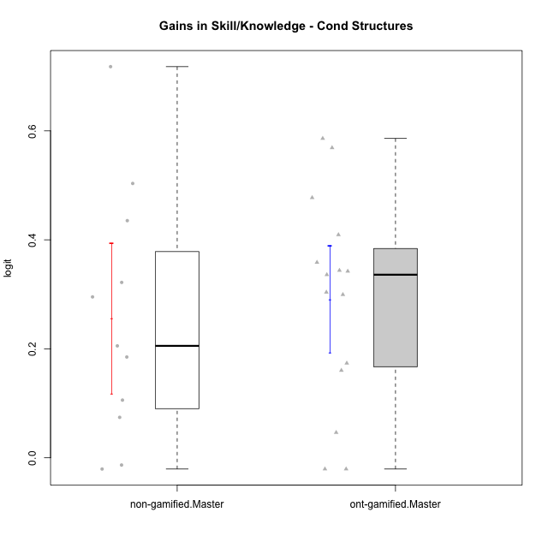

Student's t-Test data
UserID | NroUSP | Type | CLGroup | CLRole | PlayerRole | gain.theta
10169 | 10377538 | ont-gamified | Grupo Hefesto | Master | Yee Achiever | 0.34387623353
10174 | 10276852 | ont-gamified | Grupo Urano | Master | Yee Achiever | 0.35861364878
10175 | 10310700 | ont-gamified | Grupo Hélio | Master | Yee Socializer | -0.020582617339
10179 | 10310759 | non-gamified | Grupo Team 9 | Master |  | 0.71781794567
10181 | 10276866 | non-gamified | Grupo Team 10 | Master |  | 0.32185476053
10184 | 10276675 | ont-gamified | Grupo Apolo | Master | Yee Socializer | 0.30383264579
10189 | 9363926 | ont-gamified | Grupo Hades | Master | Yee Socializer | 0.046388024404
10191 | 10276981 | non-gamified | Grupo Team 6 | Master |  | 0.29528105475
10193 | 10276762 | ont-gamified | Grupo Afrodite | Master | Yee Achiever | 0.4092911304
10199 | 10276737 | ont-gamified | Grupo Gaia | Master | Yee Achiever | 0.47732032249
10201 | 10276928 | ont-gamified | Grupo Caronte | Master | Yee Achiever | 0.17361633199
10204 | 10310471 | ont-gamified | Grupo Hermes | Master | Yee Achiever | -0.020582617339
10206 | 10310721 | ont-gamified | Grupo Hera | Master | Yee Achiever | 0.16036616228
10212 | 9065750 | non-gamified | Grupo Team 4 | Master |  | -0.020582617339
10213 | 10277040 | ont-gamified | Grupo Morfeu | Master | Yee Socializer | 0.34235911521
10214 | 10277022 | non-gamified | Grupo Team 5 | Master |  | 0.20541005082
10215 | 9285227 | ont-gamified | Grupo Zeus | Master | Yee Socializer | 0.56892988877
10218 | 9842913 | ont-gamified | Grupo Ares | Master | Yee Achiever | 0.33599204052
10219 | 10276831 | non-gamified | Grupo Team 12 | Master |  | 0.50345376445
10222 | 9436110 | non-gamified | Grupo Team 16 | Master |  | 0.18497725523
10223 | 9795185 | ont-gamified | Grupo Cronus | Master | Yee Achiever | 0.58605051249
10226 | 10310342 | non-gamified | Grupo Team 8 | Master |  | 0.43520855991
10230 | 10351992 | non-gamified | Grupo Team 14 | Master |  | -0.013252757829
10232 | 10276974 | ont-gamified | Grupo Artemis | Master | Yee Achiever | 0.29948921971
10234 | 10310676 | non-gamified | Grupo Team 7 | Master |  | 0.074249746938
10237 | 10377688 | non-gamified | Grupo Team 11 | Master |  | 0.10586023279

Type_CLRole_6
Student's t-Test for Gains in Skill/Knowledge - Cond Structures in Type:CLRole between ont-gamified.Apprentice:ont-gamified.Master

Student's t-Test results
Alternative hypothesis: less
Group | N | Mean | Mean.Difference | Std.deviation | Std.error | CI.lower | CI.upper | df | t.value | p.value | g | magnitude
ont-gamified.Apprentice | 15 | 0.6195011577 | 0.32850382159 | 0.20598545537 | 0.05318521588 | 0.51313072594 | 0.72587158946 | 27.83925932 | 4.5304133588 | 0.9999494173 | 1.6095629782 | large
ont-gamified.Master | 15 | 0.29099733611 | -0.32850382159 | 0.19088529992 | 0.049286372509 | 0.19242459109 | 0.38957008113 | 27.83925932 | 4.5304133588 | 0.9999494173 | 1.6095629782 | large
Alternative hypothesis: greater
Group | N | Mean | Mean.Difference | Std.deviation | Std.error | CI.lower | CI.upper | df | t.value | p.value | g | magnitude
ont-gamified.Apprentice | 15 | 0.6195011577 | 0.32850382159 | 0.20598545537 | 0.05318521588 | 0.51313072594 | 0.72587158946 | 27.83925932 | 4.5304133588 | 5.0582699787E-05 | 1.6095629782 | large
ont-gamified.Master | 15 | 0.29099733611 | -0.32850382159 | 0.19088529992 | 0.049286372509 | 0.19242459109 | 0.38957008113 | 27.83925932 | 4.5304133588 | 5.0582699787E-05 | 1.6095629782 | large
Alternative hypothesis: two.sided
Group | N | Mean | Mean.Difference | Std.deviation | Std.error | CI.lower | CI.upper | df | t.value | p.value | g | magnitude
ont-gamified.Apprentice | 15 | 0.6195011577 | 0.32850382159 | 0.20598545537 | 0.05318521588 | 0.51313072594 | 0.72587158946 | 27.83925932 | 4.5304133588 | 0.00010116539957 | 1.6095629782 | large
ont-gamified.Master | 15 | 0.29099733611 | -0.32850382159 | 0.19088529992 | 0.049286372509 | 0.19242459109 | 0.38957008113 | 27.83925932 | 4.5304133588 | 0.00010116539957 | 1.6095629782 | large

Box plots for Student's t-Test
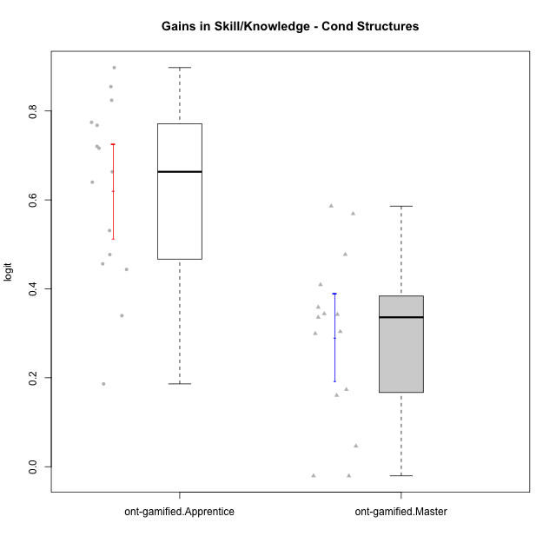

Student's t-Test data
UserID | NroUSP | Type | CLGroup | CLRole | PlayerRole | gain.theta
10169 | 10377538 | ont-gamified | Grupo Hefesto | Master | Yee Achiever | 0.34387623353
10170 | 10260351 | ont-gamified | Grupo Afrodite | Apprentice | Yee Achiever | 0.44355069885
10174 | 10276852 | ont-gamified | Grupo Urano | Master | Yee Achiever | 0.35861364878
10175 | 10310700 | ont-gamified | Grupo Hélio | Master | Yee Socializer | -0.020582617339
10176 | 10276949 | ont-gamified | Grupo Cronus | Apprentice | Yee Achiever | 0.53108732213
10178 | 8656201 | ont-gamified | Grupo Morfeu | Apprentice | Yee Socializer | 0.89747852377
10183 | 10352030 | ont-gamified | Grupo Hélio | Apprentice | Yee Socializer | 0.63987679007
10184 | 10276675 | ont-gamified | Grupo Apolo | Master | Yee Socializer | 0.30383264579
10186 | 10310551 | ont-gamified | Grupo Ares | Apprentice | Yee Achiever | 0.77447101867
10189 | 9363926 | ont-gamified | Grupo Hades | Master | Yee Socializer | 0.046388024404
10190 | 10276907 | ont-gamified | Grupo Zeus | Apprentice | Yee Socializer | 0.76777555652
10193 | 10276762 | ont-gamified | Grupo Afrodite | Master | Yee Achiever | 0.4092911304
10195 | 10351971 | ont-gamified | Grupo Urano | Apprentice | Yee Achiever | 0.47703540226
10196 | 10310655 | ont-gamified | Grupo Hefesto | Apprentice | Yee Achiever | 0.71632841769
10197 | 10276661 | ont-gamified | Grupo Gaia | Apprentice | Yee Achiever | 0.33979821127
10198 | 10310888 | ont-gamified | Grupo Apolo | Apprentice | Yee Socializer | 0.72043342285
10199 | 10276737 | ont-gamified | Grupo Gaia | Master | Yee Achiever | 0.47732032249
10200 | 9795272 | ont-gamified | Grupo Hades | Apprentice | Yee Socializer | 0.18624669103
10201 | 10276928 | ont-gamified | Grupo Caronte | Master | Yee Achiever | 0.17361633199
10204 | 10310471 | ont-gamified | Grupo Hermes | Master | Yee Achiever | -0.020582617339
10206 | 10310721 | ont-gamified | Grupo Hera | Master | Yee Achiever | 0.16036616228
10209 | 10262669 | ont-gamified | Grupo Artemis | Apprentice | Yee Achiever | 0.82416004247
10213 | 10277040 | ont-gamified | Grupo Morfeu | Master | Yee Socializer | 0.34235911521
10215 | 9285227 | ont-gamified | Grupo Zeus | Master | Yee Socializer | 0.56892988877
10218 | 9842913 | ont-gamified | Grupo Ares | Master | Yee Achiever | 0.33599204052
10221 | 9082496 | ont-gamified | Grupo Hermes | Apprentice | Yee Achiever | 0.456296792
10223 | 9795185 | ont-gamified | Grupo Cronus | Master | Yee Achiever | 0.58605051249
10231 | 10276911 | ont-gamified | Grupo Caronte | Apprentice | Yee Achiever | 0.66328206622
10232 | 10276974 | ont-gamified | Grupo Artemis | Master | Yee Achiever | 0.29948921971
10240 | 10276654 | ont-gamified | Grupo Hera | Apprentice | Yee Achiever | 0.85469640967

