Global-info
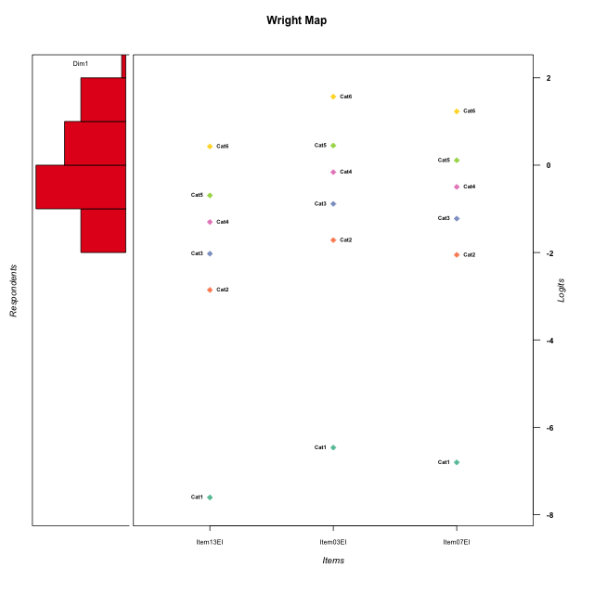
Global information for a measurement model

Information
Number.of.items | Deviance | Log.Likelihood | Number.of.persons | EAP.rel | n.theta.nodes | irt.model
3 | 526.14581401 | -263.072907 | 60 | 0.68941467203 | 21 | RSM

Global fit statistic MADaQ3 and test fit
MADaQ3 | maxaQ3 | p
0.038076947156 | 0.057115420734 | 1

Test statistic of global fit based on Chi square
maxX2 | Npairs | p.holm
49.081593654 | 3 | 0.21511819779

Model fit statistics
X100.MADCOV | SRMR | SRMSR
6.0631852983 | 0.012412311568 | 0.015141191347

Chi square tests for every item pairs
index1 | index2 | maxK1 | maxK2 | df | chi2 | p | p.holm
1 | 2 | 6 | 6 | 36 | 39.045167905 | 0.33455766439 | 0.33455766439
1 | 3 | 6 | 6 | 36 | 49.081593654 | 0.071706065929 | 0.21511819779
2 | 3 | 6 | 6 | 36 | 47.157810829 | 0.10094247827 | 0.21511819779

Item residuals
Item13EI | Item03EI | Item07EI
-0.41466644617 | 0.55702178307 | 0.19373185096
0.58533355383 | -0.44297821693 | 0.19373185096
0.73139194504 | -2.1433433596 | 1.4511046899
-2.2608077658 | 1.2442519165 | -0.19036266264
0.34220996863 | -0.022288437435 | 0.72603935785
-2.9232890325 | 0.44454806059 | 1.991470277
0.2774363183 | 0.72374670099 | -1.7342375876
0.58533355383 | -0.44297821693 | 0.19373185096
0.34220996863 | -0.022288437435 | 0.72603935785
0.58533355383 | -1.4429782169 | 1.193731851
-0.26860805496 | -0.14334335961 | 0.45110468986
0.34220996863 | -0.022288437435 | 0.72603935785
-0.92328903248 | 0.44454806059 | -0.0085297229559
0.24484644675 | 0.71719288454 | 0.52635848527
0.34220996863 | -0.022288437435 | 0.72603935785
0.2774363183 | -0.27625329901 | -0.7342375876
0.45578880481 | 0.26120921077 | -0.049581305821
0.73919223424 | -0.75574808347 | -1.1903626626
0.49841505523 | 0.99063907552 | -2.4606512134
1.4984150552 | -2.0093609245 | -0.46065121345
0.2774363183 | -1.276253299 | 0.2657624124
0.58533355383 | -0.44297821693 | 0.19373185096
0.45578880481 | -0.73879078923 | 0.95041869418
1.0767109675 | 1.4445480606 | -3.008529723
0.24484644675 | 0.71719288454 | 0.52635848527
0.2774363183 | -0.27625329901 | -0.7342375876
-1.9232890325 | 0.44454806059 | 0.99147027704
0.24484644675 | 0.71719288454 | 0.52635848527
0.24484644675 | 0.71719288454 | 0.52635848527
0.2774363183 | 0.72374670099 | -1.7342375876
0.58533355383 | 0.55702178307 | -0.80626814904
-0.26860805496 | -0.14334335961 | 0.45110468986
0.24484644675 | 0.71719288454 | 0.52635848527
0.24484644675 | 0.71719288454 | 0.52635848527
0.34220996863 | -0.022288437435 | 0.72603935785
-1.1297599968 | 0.10641289152 | -1.1933546099
-0.41466644617 | 0.55702178307 | 0.19373185096
-0.72565813654 | -1.2941781156 | 0.32783656968
-1.2608077658 | -0.75574808347 | 0.80963733736
-1.4146664462 | 0.55702178307 | 1.193731851
0.45578880481 | 0.26120921077 | -0.049581305821
0.73139194504 | 0.85665664039 | -1.5488953101
-0.54421119519 | 0.26120921077 | 0.95041869418
-0.26080776576 | 0.24425191653 | -1.1903626626
0.58533355383 | -1.4429782169 | 1.193731851
0.45578880481 | 0.26120921077 | -0.049581305821
0.2774363183 | -0.27625329901 | -0.7342375876
-1.1050221629 | 1.15421147 | -0.28145348948
0.2774363183 | -0.27625329901 | -0.7342375876
0.34220996863 | -0.022288437435 | 0.72603935785
-1.2608077658 | 0.24425191653 | -0.19036266264
0.58533355383 | -0.44297821693 | 0.19373185096
1.0767109675 | 0.44454806059 | -2.008529723
0.45578880481 | -0.73879078923 | 0.95041869418
0.58533355383 | 0.55702178307 | -0.80626814904
0.076710967522 | -0.55545193941 | -0.0085297229559
-1.2608077658 | 0.24425191653 | -0.19036266264
0.49841505523 | -2.0093609245 | 0.53934878655
-0.26860805496 | -0.14334335961 | 0.45110468986
-0.7225636817 | 0.72374670099 | -0.7342375876

Wright Map for Item Response Models

Estimate-Items
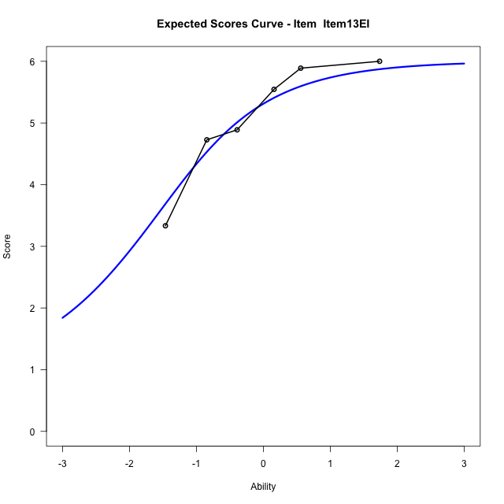
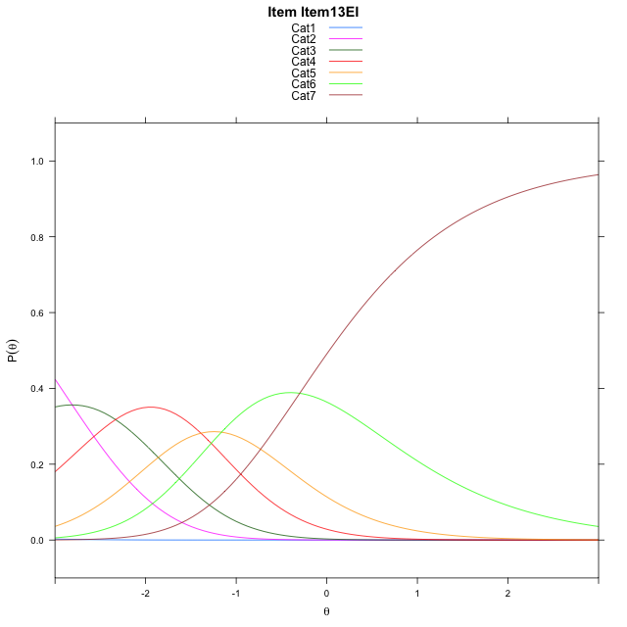
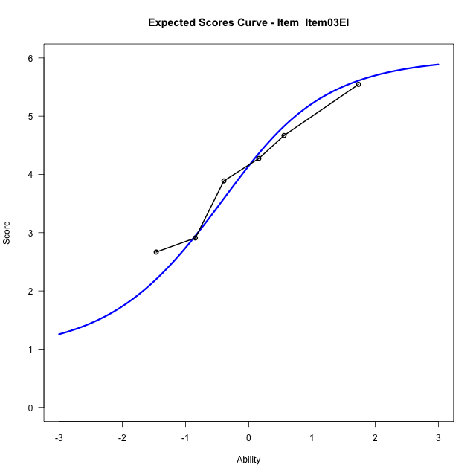
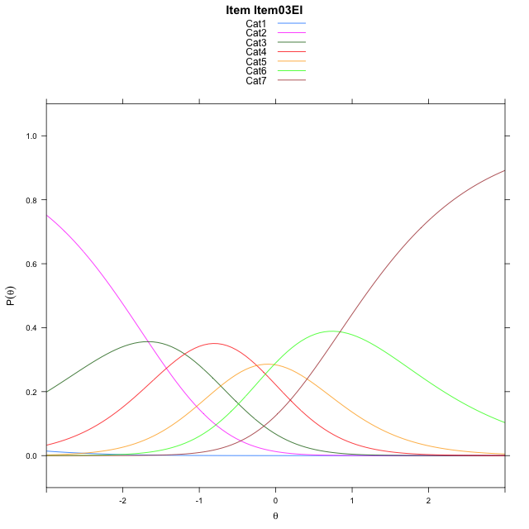
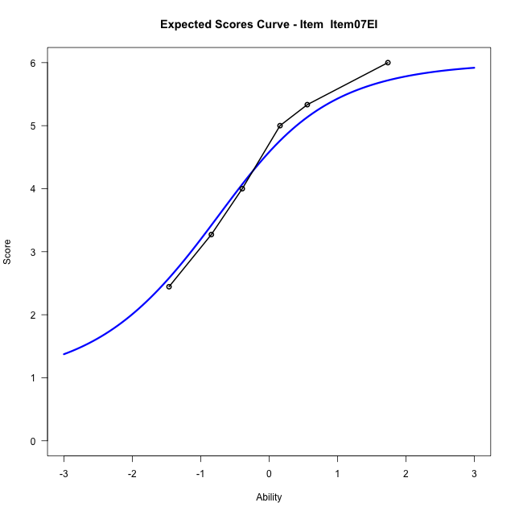
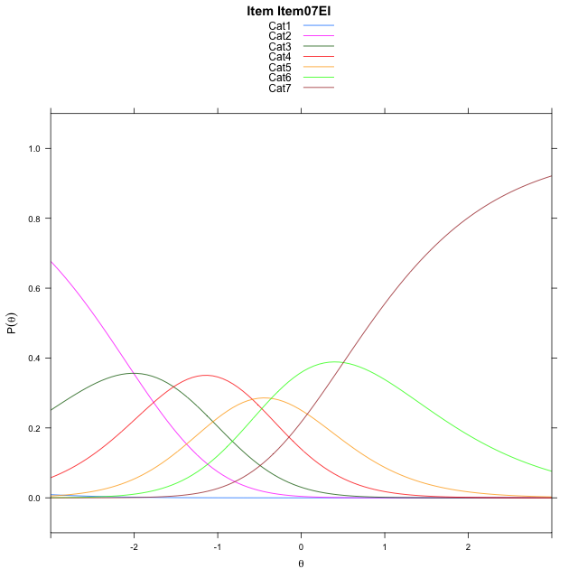
Estimate items information for the measurement model

Full Item Information
item | N | M | xsi.item | AXsi_.Cat1 | AXsi_.Cat2 | AXsi_.Cat3 | AXsi_.Cat4 | AXsi_.Cat5 | AXsi_.Cat6 | B.Cat1.Dim1 | B.Cat2.Dim1 | B.Cat3.Dim1 | B.Cat4.Dim1 | B.Cat5.Dim1 | B.Cat6.Dim1
Item13EI | 60 | 5.1 | -2.6836523287 | -8.1082254944 | -10.918309039 | -13.250279613 | -14.639450558 | -15.801986142 | -16.101913972 | 1 | 2 | 3 | 4 | 5 | 6
Item03EI | 60 | 4.0166666667 | -1.5426293156 | -6.9672024813 | -8.6362630132 | -9.8272105732 | -10.075358506 | -10.096871077 | -9.2557758934 | 1 | 2 | 3 | 4 | 5 | 6
Item07EI | 60 | 4.3833333333 | -1.8802806631 | -7.3048538288 | -9.3115657083 | -10.840164616 | -11.425963896 | -11.785127814 | -11.281683979 | 1 | 2 | 3 | 4 | 5 | 6

Thurstonian Thresholds (category-wise)
 | Cat1 | Cat2 | Cat3 | Cat4 | Cat5 | Cat6
Item13EI | -8.1142272949 | -3.2049865723 | -2.2989807129 | -1.5522766113 | -0.9641418457 | 0.027008056641
Item03EI | -6.9732971191 | -2.0640563965 | -1.1580505371 | -0.41134643555 | 0.17678833008 | 1.1679382324
Item07EI | -7.3109436035 | -2.4017028809 | -1.4956970215 | -0.74899291992 | -0.1608581543 | 0.83029174805

Thurstonian Thresholds (item-wise)
 | Threshold
Item13EI | -1.9551454008
Item03EI | -0.81564652728
Item07EI | -1.1436634009

Item Infit/Outfit Statistic
parameter | Outfit | Outfit_t | Outfit_p | Outfit_pholm | Infit | Infit_t | Infit_p | Infit_pholm
Item13EI | 1.0760297444 | 0.34153726681 | 0.73269915471 | 1 | 1.1720919104 | 0.81596185013 | 0.41452195553 | 1
Item03EI | 0.89734280452 | -0.56080799654 | 0.57492843479 | 1 | 0.86133990698 | -0.80703480371 | 0.41964643185 | 1
Item07EI | 1.0849122059 | 0.45861653102 | 0.6465095634 | 1 | 1.1592927206 | 0.87242388534 | 0.38297717485 | 1
Cat1 | 1.0810505906 | 0.41217599886 | 0.68021042768 | 1 | 1.1290469499 | 1.3361917317 | 0.18148661293 | 0.90743306463
Cat2 | 1.1474513938 | 0.49151413048 | 0.62306286042 | 1 | 1.1462499659 | 1.6016495411 | 0.1092331291 | 0.65539877461
Cat3 | 1.1887324338 | 0.83382683509 | 0.40437857114 | 1 | 1.1915369974 | 2.772777186 | 0.0055580162156 | 0.038906113509
Cat4 | 1.151594824 | 0.70002385333 | 0.48391240798 | 1 | 1.1566492103 | 3.4317131878 | 0.00059978150928 | 0.0047982520742
Cat5 | 0.94248821165 | 0.09919548755 | 0.9209830576 | 1 | 0.95717730505 | -0.58212181039 | 0.56048463514 | 1

Box plot of expected curves

