Global-info
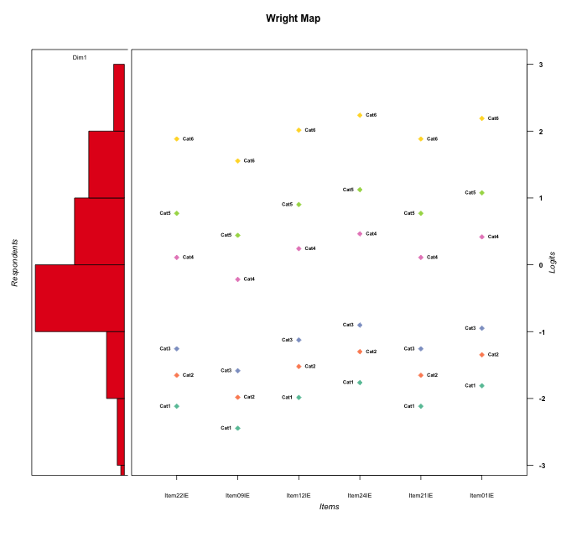
Global information for a measurement model

Information
Number.of.items | Deviance | Log.Likelihood | Number.of.persons | EAP.rel | n.theta.nodes | irt.model
6 | 1073.0454732 | -536.52273658 | 60 | 0.89088930593 | 21 | RSM

Global fit statistic MADaQ3 and test fit
MADaQ3 | maxaQ3 | p
0.19964094902 | 0.49453043249 | 0.0028311755424

Test statistic of global fit based on Chi square
maxX2 | Npairs | p.holm
519.94373652 | 15 | 0

Model fit statistics
X100.MADCOV | SRMR | SRMSR
18.870255585 | 0.083295035482 | 0.10740106562

Chi square tests for every item pairs
index1 | index2 | maxK1 | maxK2 | df | chi2 | p | p.holm
1 | 2 | 6 | 6 | 36 | 123.62212354 | 1.5455303704E-11 | 1.2364242963E-10
1 | 3 | 6 | 6 | 36 | 303.63497275 | 0 | 0
1 | 4 | 6 | 6 | 36 | 291.2577622 | 0 | 0
1 | 5 | 6 | 6 | 36 | 67.947748754 | 0.0010098574307 | 0.0050492871537
1 | 6 | 6 | 6 | 36 | 506.49317239 | 0 | 0
2 | 3 | 6 | 6 | 36 | 33.681712123 | 0.57934220476 | 1
2 | 4 | 6 | 6 | 36 | 145.5201132 | 4.1078251911E-15 | 3.697042672E-14
2 | 5 | 6 | 6 | 36 | 103.59337461 | 1.8374144317E-08 | 1.102448659E-07
2 | 6 | 6 | 6 | 36 | 29.730445897 | 0.76017456938 | 1
3 | 4 | 6 | 6 | 36 | 119.26857018 | 7.5067951855E-11 | 5.2547566298E-10
3 | 5 | 6 | 6 | 36 | 332.56067924 | 0 | 0
3 | 6 | 6 | 6 | 36 | 32.193152913 | 0.65029886295 | 1
4 | 5 | 6 | 6 | 36 | 35.367251102 | 0.49849475859 | 1
4 | 6 | 6 | 6 | 36 | 202.10665156 | 0 | 0
5 | 6 | 6 | 6 | 36 | 519.94373652 | 0 | 0

Item residuals
Item22IE | Item09IE | Item12IE | Item24IE | Item21IE | Item01IE
0.32946462892 | 0.024452690896 | 0.46269166791 | 0.69642137017 | 0.32946462892 | -1.3534689468
0.78105560828 | -0.56598686686 | -0.076660715873 | -0.83702288078 | 0.78105560828 | 0.11269064253
-0.67053537108 | 0.024452690896 | 0.46269166791 | 0.69642137017 | -0.67053537108 | 0.64653105316
-0.21894439172 | 0.43401313314 | -0.076660715873 | -0.83702288078 | -0.21894439172 | 1.1126906425
1.0891091413 | -0.2667472014 | -0.76936167439 | 1.4667127703 | -0.91089085869 | -0.58278617636
-0.67053537108 | 0.024452690896 | 0.46269166791 | 0.69642137017 | -0.67053537108 | 0.64653105316
-0.31091857511 | 0.34106282693 | -0.16965105467 | -0.92268593219 | -0.31091857511 | 1.024073752
-0.063269001728 | -0.41652012028 | 0.078981544957 | 0.31673745477 | -0.063269001728 | 0.26694000179
-0.014945708574 | -0.3713397119 | -0.86414973127 | 0.40650913318 | -0.014945708574 | 0.34763729537
-0.45954371339 | 0.19125035662 | 0.68012526659 | -2.0795876378 | 0.54045628661 | 0.86900719053
-0.16355562148 | -0.5138428774 | -0.018555370201 | -0.76131971112 | -0.16355562148 | 1.1829101555
-0.6103193595 | 0.037361572615 | 0.5293553354 | -0.23393446373 | -0.6103193595 | 0.71584922942
-0.16355562148 | -0.5138428774 | -0.018555370201 | 0.23868028888 | -0.16355562148 | 0.18291015553
0.23907849022 | 0.88389829776 | -0.62040472341 | 1.615110054 | -0.76092150978 | -1.4344921807
0.26075338096 | 0.18930850807 | 0.296167016 | 0.36645791574 | 0.26075338096 | 0.35046633818
-0.014945708574 | -0.3713397119 | 0.13585026873 | 0.40650913318 | -1.0149457086 | 0.34763729537
-0.16355562148 | -0.5138428774 | -1.0185553702 | 1.2386802889 | 1.8364443785 | -1.8170898445
-0.6103193595 | 0.037361572615 | 0.5293553354 | 0.76606553627 | -0.6103193595 | -0.28415077058
-0.67053537108 | 0.024452690896 | 0.46269166791 | 1.6964213702 | 0.32946462892 | -1.3534689468
-0.10711626807 | 0.66589206549 | 0.9985359075 | 1.1945366614 | -0.10711626807 | -1.8484765811
1.0891091413 | -0.2667472014 | 0.23063832561 | -0.53328722972 | 0.089109141307 | -0.58278617636
-0.3736457229 | 0.28917299234 | -0.23250367639 | 0.0079259041179 | 0.6263542771 | -0.042732659547
-0.16355562148 | -0.5138428774 | -0.018555370201 | 0.23868028888 | -0.16355562148 | 0.18291015553
-0.91089085869 | 0.7332527986 | -0.76936167439 | 0.46671277028 | 1.0891091413 | -0.58278617636
0.26075338096 | 0.18930850807 | 0.296167016 | 0.36645791574 | 0.26075338096 | 0.35046633818
2.8364443785 | -0.5138428774 | -0.018555370201 | -2.7613197111 | -0.16355562148 | 0.18291015553
-0.2446424274 | -0.44128169159 | 0.84854732164 | 1.0244850899 | -0.2446424274 | -0.014474350372
0.7553575726 | 0.55871830841 | 0.84854732164 | -0.97551491005 | 0.7553575726 | -1.0144743504
-0.16355562148 | -0.5138428774 | -0.018555370201 | 0.23868028888 | -0.16355562148 | 0.18291015553
-3.1635556215 | 2.4861571226 | 2.9814446298 | -2.7613197111 | -3.1635556215 | 3.1829101555
0.37240553288 | 0.27117230572 | 0.42222750269 | 0.52025618448 | 0.37240553288 | -0.50193737779
0.3896806405 | 1.0373615726 | -0.4706446646 | -1.2339344637 | 0.3896806405 | -0.28415077058
-0.2446424274 | -0.44128169159 | 0.84854732164 | 0.024485089945 | 0.7553575726 | -0.014474350372
-1.4327602322 | -0.84159751784 | -0.25410663557 | 1.0626139153 | -0.43276023221 | 0.99472874334
-1.7219616531 | 0.90047697971 | 0.4432471077 | 0.74222647538 | -1.7219616531 | 0.67727001197
-0.10711626807 | 0.66589206549 | -1.0014640925 | 0.19453666136 | -0.10711626807 | 1.1515234189
0.7553575726 | -0.44128169159 | -0.15145267836 | 1.0244850899 | 0.7553575726 | -1.0144743504
-1.5235977466 | 0.15304818092 | -0.38532787712 | 1.8534563147 | -1.5235977466 | 1.8028556134
-0.2732043975 | 0.2980883295 | -0.088410758945 | -1.7676743161 | -0.2732043975 | 1.1643930105
-0.063269001728 | 1.5834798797 | -0.92101845504 | -0.68326254523 | 0.93673099827 | -0.73305999821
2.0891091413 | 1.7332527986 | 0.23063832561 | -3.5332872297 | 0.089109141307 | -0.58278617636
-0.014945708574 | 0.6286602881 | 0.13585026873 | -1.5934908668 | 0.98505429143 | -0.65236270463
0.41988824174 | -0.97186392656 | -0.40796611968 | -1.0983979286 | 0.41988824174 | 0.83468137029
0.13353064946 | -0.23221361184 | 0.29141159668 | -0.42317591673 | -0.86646935054 | 0.51469602895
1.4764022534 | 1.1530481809 | -1.3853278771 | 1.8534563147 | -1.5235977466 | -1.1971443866
0.3896806405 | 0.037361572615 | -0.4706446646 | -0.23393446373 | 0.3896806405 | -0.28415077058
-0.36940979948 | -0.5588753785 | -0.31237811107 | -0.23591721941 | -0.36940979948 | -0.25018983305
0.7553575726 | -0.44128169159 | -0.15145267836 | 0.024485089945 | 0.7553575726 | -0.014474350372
-0.37787403741 | 0.45714390296 | 0.7015168949 | -0.14620680357 | 0.62212596259 | -0.18020834772
-0.014945708574 | -0.3713397119 | 0.13585026873 | 1.4065091332 | -0.014945708574 | -1.6523627046
2.8947831496 | -1.5545493523 | 0.084912968482 | -0.59325132183 | -0.10521685039 | -1.6604697612
-0.16355562148 | -0.5138428774 | 0.9814446298 | -0.76131971112 | -0.16355562148 | 0.18291015553
-1.9408176265 | 0.59211984446 | -1.7471687305 | 0.57253374571 | 3.0591823735 | -1.4933087448
0.26075338096 | 0.18930850807 | 0.296167016 | 0.36645791574 | 0.26075338096 | 0.35046633818
-0.52359774663 | -1.8469518191 | -0.38532787712 | 1.8534563147 | 0.47640225337 | 0.80285561343
-0.64025625532 | 0.8779698091 | -0.44936081876 | 0.85240125095 | -1.6402562553 | -0.20830044619
1.4198882417 | -0.97186392656 | -1.4079661197 | -1.0983979286 | 2.4198882417 | -1.1653186297
0.089109141307 | -0.2667472014 | -0.76936167439 | -1.5332872297 | 1.0891091413 | 1.4172138236
-0.014945708574 | -1.3713397119 | 0.13585026873 | 0.40650913318 | -0.014945708574 | 0.34763729537
0.27803834688 | -1.0995230203 | 0.4432471077 | 0.74222647538 | -1.7219616531 | 0.67727001197

Wright Map for Item Response Models

Estimate-Items
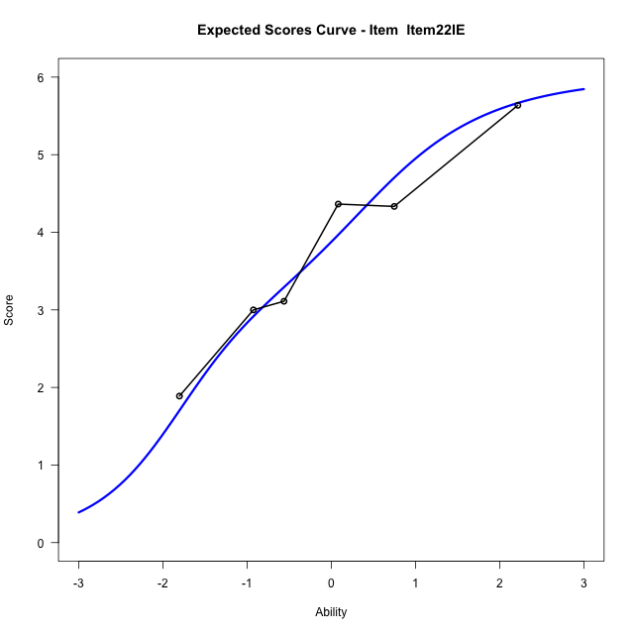
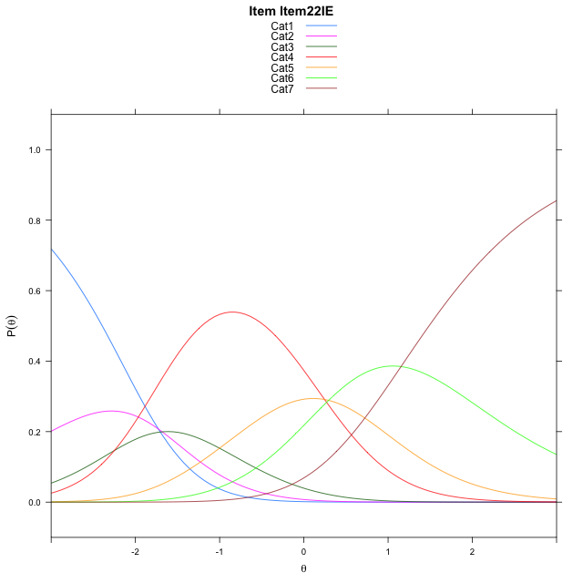
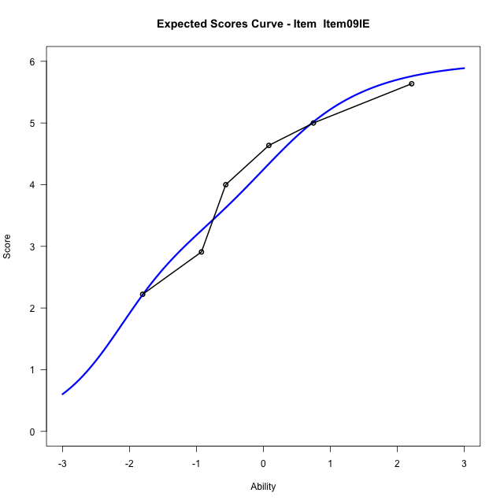
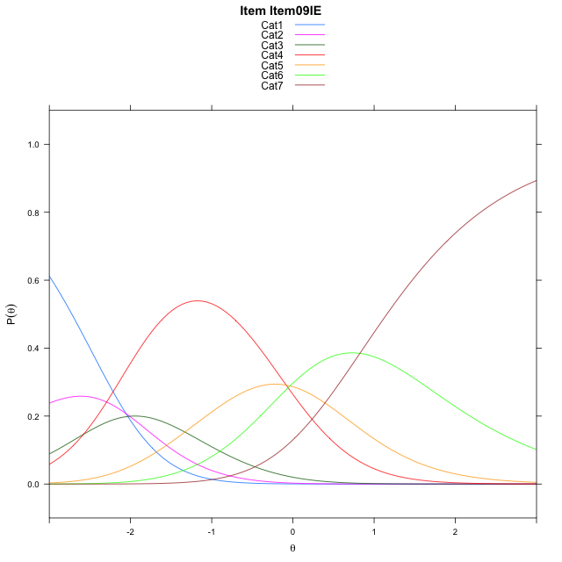
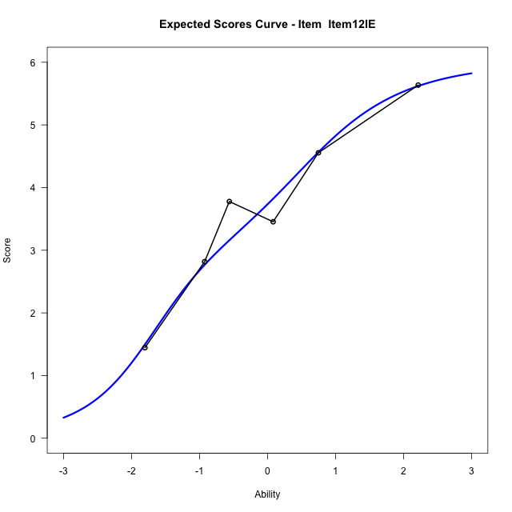
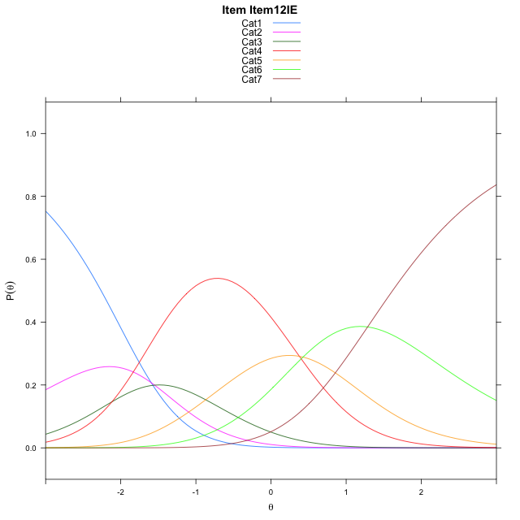
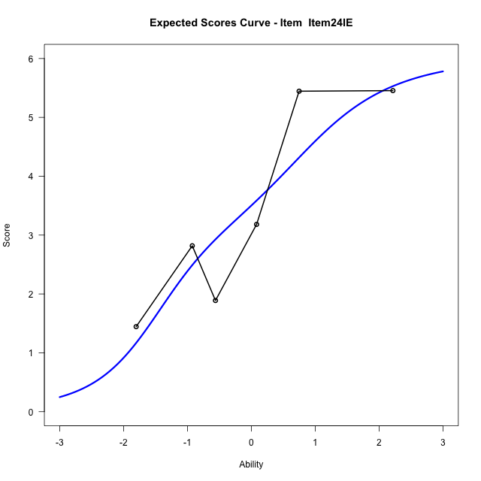
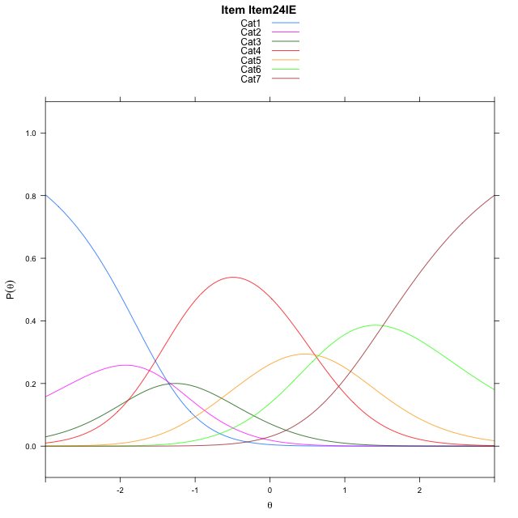
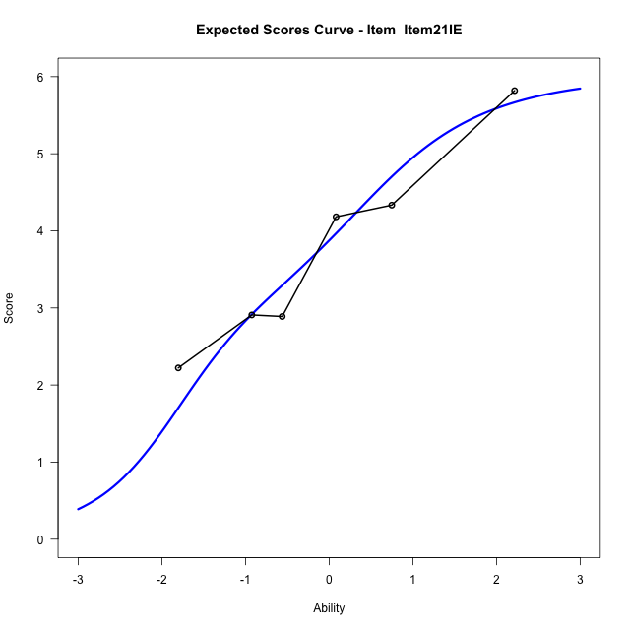
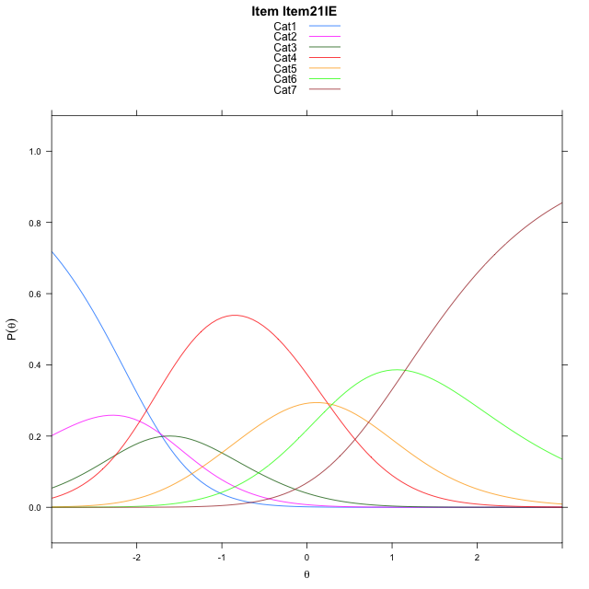
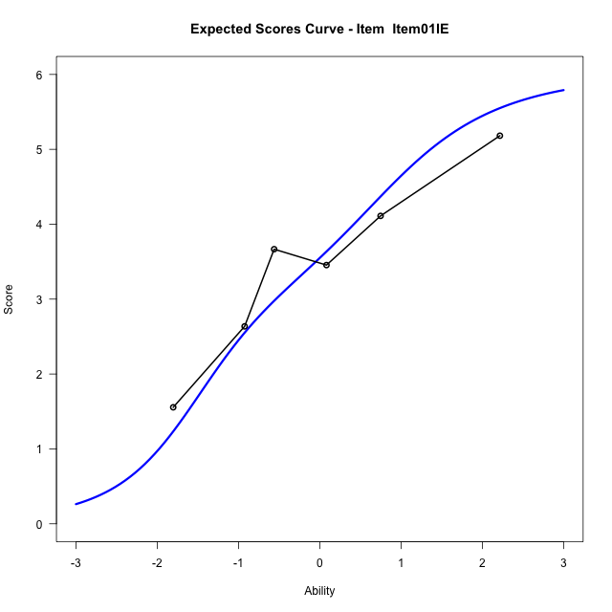
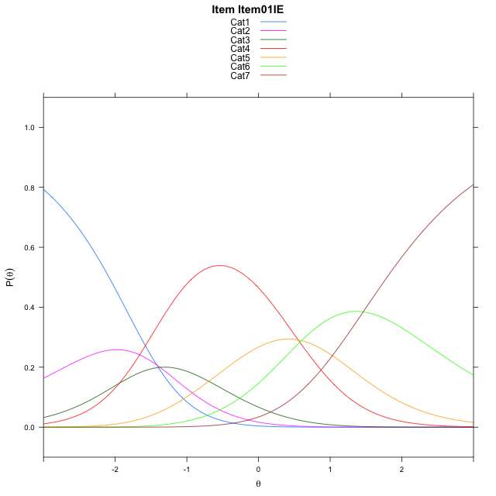
Estimate items information for the measurement model

Full Item Information
item | N | M | xsi.item | AXsi_.Cat1 | AXsi_.Cat2 | AXsi_.Cat3 | AXsi_.Cat4 | AXsi_.Cat5 | AXsi_.Cat6 | B.Cat1.Dim1 | B.Cat2.Dim1 | B.Cat3.Dim1 | B.Cat4.Dim1 | B.Cat5.Dim1 | B.Cat6.Dim1
Item22IE | 60 | 3.7833333333 | -0.66056726519 | -1.726601075 | -3.4084090667 | -5.6569692601 | -5.4109067814 | -5.1171433326 | -3.9634035911 | 1 | 2 | 3 | 4 | 5 | 6
Item09IE | 60 | 4.1 | -0.98945443332 | -2.0554882432 | -4.066183403 | -6.6436307645 | -6.726455454 | -6.7615791732 | -5.9367265999 | 1 | 2 | 3 | 4 | 5 | 6
Item12IE | 60 | 3.65 | -0.52881997984 | -1.5948537897 | -3.144914496 | -5.2617274041 | -4.88391764 | -4.4584069058 | -3.172919879 | 1 | 2 | 3 | 4 | 5 | 6
Item24IE | 60 | 3.4166666667 | -0.30665641733 | -1.3726902272 | -2.700587371 | -4.5952367166 | -3.99526339 | -3.3475890933 | -1.839938504 | 1 | 2 | 3 | 4 | 5 | 6
Item21IE | 60 | 3.7833333333 | -0.66056726519 | -1.726601075 | -3.4084090667 | -5.6569692601 | -5.4109067814 | -5.1171433326 | -3.9634035911 | 1 | 2 | 3 | 4 | 5 | 6
Item01IE | 60 | 3.4666666667 | -0.35343643223 | -1.4194702421 | -2.7941474008 | -4.7355767613 | -4.1823834496 | -3.5814891678 | -2.1206185934 | 1 | 2 | 3 | 4 | 5 | 6

Thurstonian Thresholds (category-wise)
 | Cat1 | Cat2 | Cat3 | Cat4 | Cat5 | Cat6
Item22IE | -2.3934631348 | -1.8798522949 | -1.5096130371 | -0.18338012695 | 0.48916625977 | 1.4856262207
Item09IE | -2.7223205566 | -2.2087097168 | -1.8386535645 | -0.51223754883 | 0.16012573242 | 1.1567687988
Item12IE | -2.2618103027 | -1.7480163574 | -1.3779602051 | -0.051544189453 | 0.6208190918 | 1.6174621582
Item24IE | -2.0395202637 | -1.5259094238 | -1.1558532715 | 0.17056274414 | 0.84292602539 | 1.8395690918
Item21IE | -2.3934631348 | -1.8798522949 | -1.5096130371 | -0.18338012695 | 0.48916625977 | 1.4856262207
Item01IE | -2.0863952637 | -1.5726013184 | -1.202545166 | 0.12387084961 | 0.79623413086 | 1.7928771973

Thurstonian Thresholds (item-wise)
 | Threshold
Item22IE | -0.8300789928
Item09IE | -1.1748178612
Item12IE | -0.70257683967
Item24IE | -0.48741732656
Item21IE | -0.8300789928
Item01IE | -0.53694906736

Item Infit/Outfit Statistic
parameter | Outfit | Outfit_t | Outfit_p | Outfit_pholm | Infit | Infit_t | Infit_p | Infit_pholm
Item22IE | 1.005968843 | 0.080006577433 | 0.93623202471 | 1 | 1.0952418768 | 0.52134353209 | 0.60212748066 | 1
Item09IE | 0.76664994656 | -1.1235398125 | 0.26120830181 | 1 | 0.79305426146 | -1.0962049229 | 0.27298910572 | 1
Item12IE | 0.62962967916 | -2.0242662837 | 0.042942760777 | 0.38648484699 | 0.64241939548 | -2.1200538747 | 0.034001502179 | 0.20400901307
Item24IE | 1.3993808102 | 1.7934752529 | 0.072896964198 | 0.58307521561 | 1.4317828222 | 2.0902632502 | 0.036594158558 | 0.20400901307
Item21IE | 1.0220542429 | 0.15574062033 | 0.87623747742 | 1 | 1.1241756151 | 0.66671191459 | 0.50495616681 | 1
Item01IE | 1.043766915 | 0.25402182093 | 0.79947870023 | 1 | 1.0459084296 | 0.2828300154 | 0.77730714437 | 1
Cat1 | 3.587999135 | 1.7935538893 | 0.072884401951 | 0.58307521561 | 2.2759060057 | 10.298700634 | 7.1419443772E-25 | 7.1419443772E-24
Cat2 | 2.354675056 | 1.4726028034 | 0.14085816845 | 0.84514901071 | 1.9620758762 | 9.4067051982 | 5.1193275436E-21 | 4.6073947893E-20
Cat3 | 1.6207008082 | 1.018214242 | 0.30857615263 | 1 | 1.6118327481 | 8.1241462257 | 4.5052235741E-16 | 3.6041788593E-15
Cat4 | 1.7163241436 | 2.4209357813 | 0.015480611814 | 0.15480611814 | 1.7518510333 | 14.406867746 | 4.6847972697E-47 | 5.1532769967E-46
Cat5 | 3.0768230318 | 22.448699319 | 1.3177109993E-111 | 1.4494820992E-110 | 1.4764840528 | 5.363530768 | 8.1610742603E-08 | 5.7127519822E-07

Box plot of expected curves

