Assumptions
ANOVA assumptions for Pressure/Tension by Type

Shapiro-Wilk normality test for Pressure/Tension by Type
W | p.value
0.9353339787 | 0.0033687277538

Plots for normality test
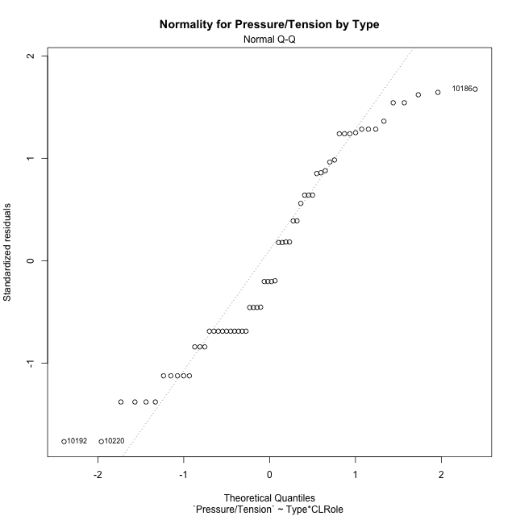

Levene's Test for Homogeneity of Variance in Pressure/Tension by Type
Df | F value | Pr(>F)
3 | 0.41634794635 | 0.74193529371
56

Plots for homogeneity of variance
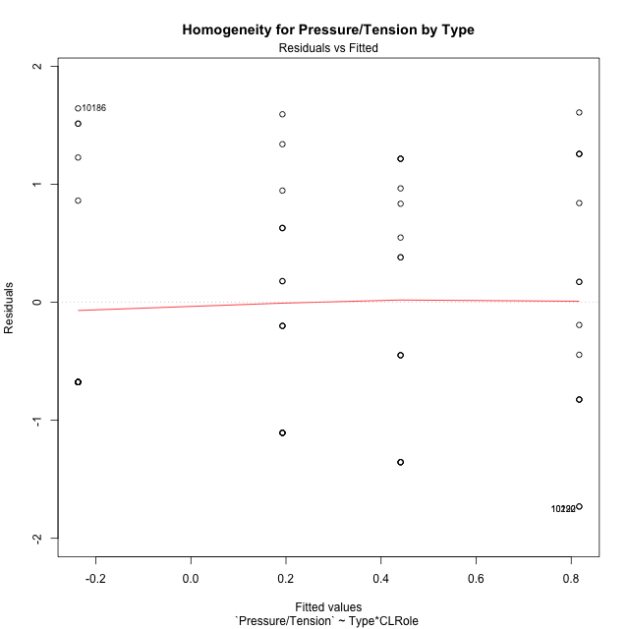

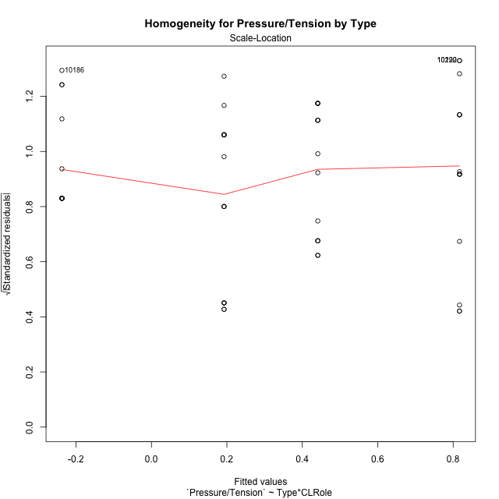

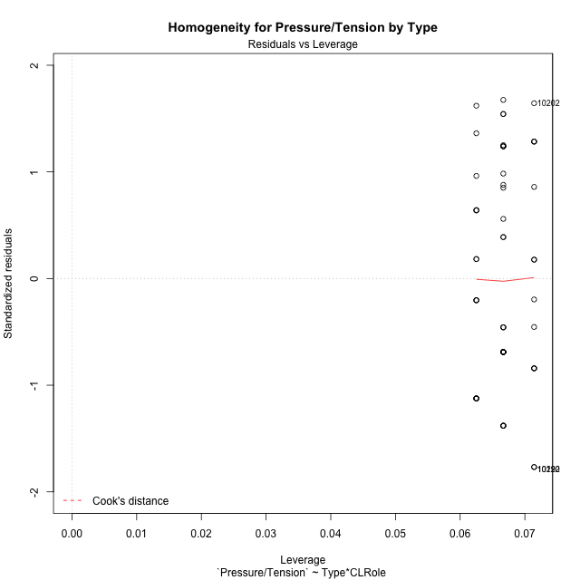

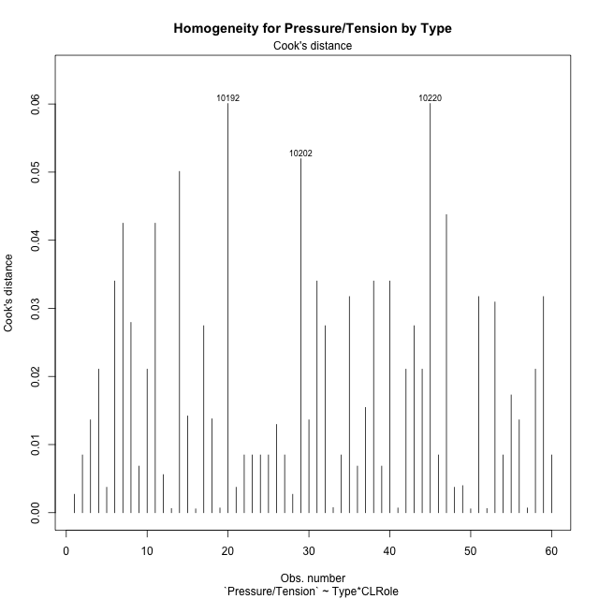

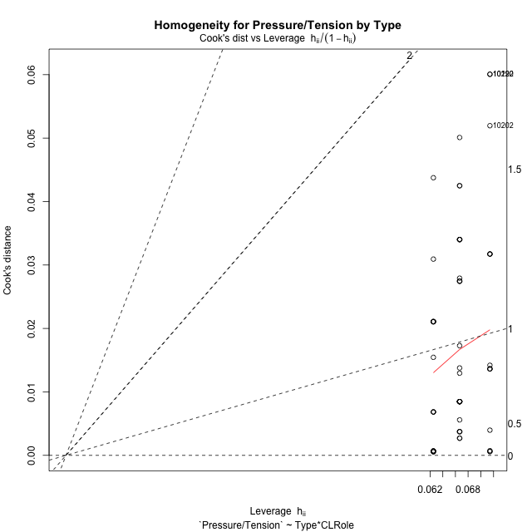

Minimum Sample Size Test for Pressure/Tension by Type
Type | CLRole | Freq
non-gamified | Apprentice | 14
ont-gamified | Apprentice | 15
non-gamified | Master | 16
ont-gamified | Master | 15

Errors and Warnings in Sample Size Test for ANOVA in Pressure/Tension by Type
code | description
WARN: sample.size | current size is 14 and recommended size is 15 for the group: 'non-gamified:Apprentice'.

For the group: 'non-gamified:Apprentice', we recommend the use of non-parametric test. For the group: 'ont-gamified:Apprentice', you can perform a parametric test without having a normal distribution For the group: 'non-gamified:Master', you can perform a parametric test without having a normal distribution For the group: 'ont-gamified:Master', you can perform a parametric test without having a normal distribution

If you don't want to remove non-normal data, you must cite the following references: ... (1) Lix, L.M., J.C. Keselman, and H.J. Keselman. 1996. Consequences of assumption violations revisited: A quantitative review of alternatives to the one-way analysis of variance F test. Rev. Educ. Res. 66: 579-619. ... (2) Harwell, M.R., E.N. Rubinstein, W.S. Hayes, and C.C. Olds. 1992. Summarizing Monte Carlo results in methodological research: the one- and two-factor fixed effects ANOVA cases. J. Educ. Stat. 17: 315-339.

Post-hoc
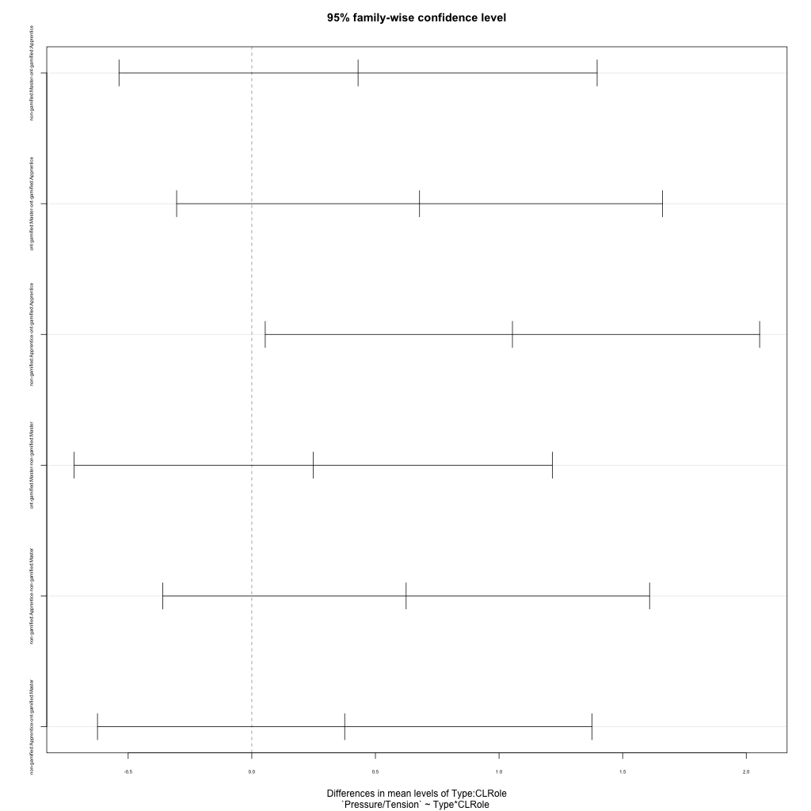
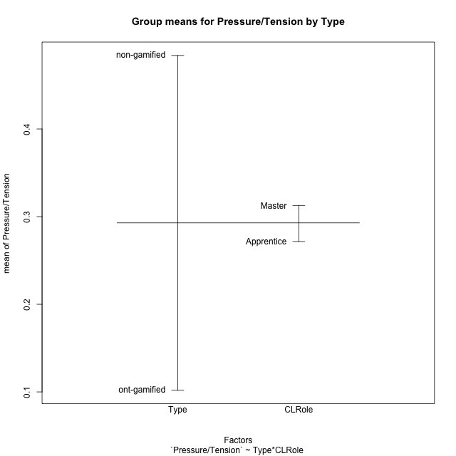
Post-hoc Tukey Honestly Significant Difference (HSD) Test for Pressure/Tension by Type

Comparisons of means for Type
 | diff | lwr | upr | p adj
non-gamified-ont-gamified | 0.38200270688 | -0.14354844556 | 0.90755385931 | 0.15095501891

Comparisons of means for CLRole
 | diff | lwr | upr | p adj
Master-Apprentice | 0.028495260091 | -0.49734810875 | 0.55433862893 | 0.91394358224

Comparisons of means for Type:CLRole
 | diff | lwr | upr | p adj
non-gamified:Master-ont-gamified:Apprentice | 0.42988949587 | -0.53705648404 | 1.3968354758 | 0.64359468419
ont-gamified:Master-ont-gamified:Apprentice | 0.67846928707 | -0.30394881093 | 1.6608873851 | 0.27093513659
non-gamified:Apprentice-ont-gamified:Apprentice | 1.054206327 | 0.054398948097 | 2.054013706 | 0.035030446765
ont-gamified:Master-non-gamified:Master | 0.2485797912 | -0.7183661887 | 1.2155257711 | 0.90399842597
non-gamified:Apprentice-non-gamified:Master | 0.62431683116 | -0.3602917224 | 1.6089253847 | 0.34427245204
non-gamified:Apprentice-ont-gamified:Master | 0.37573703996 | -0.62407033897 | 1.3755444189 | 0.75279576416

Contrast Matrices for Pressure/Tension by Type - Type
contrast | estimate | SE | df | t.ratio | p.value
non-gamified - ont-gamified | 0.40281326791 | 0.26264311279 | 56 | 1.5336905797 | 0.13073646754

Contrast Matrices for Pressure/Tension by Type - Type:CLRole
contrast | CLRole | estimate | SE | df | t.ratio | p.value
non-gamified - ont-gamified | Apprentice | 1.054206327 | 0.37758682702 | 56 | 2.7919573767 | 0.0071537358134
non-gamified - ont-gamified | Master | -0.2485797912 | 0.36517640512 | 56 | -0.68071153481 | 0.49885903885

Least Squares Means and Confidence Intervals for Type
Type | lsmean | SE | df | lower.CL | upper.CL | Pairs
non-gamified | 0.50467361626 | 0.18592342256 | 56 | 0.1322242456 | 0.87712298693 | non-gamified
ont-gamified | 0.10186034835 | 0.18550979931 | 56 | -0.26976043537 | 0.47348113207 | ont-gamified

Least Squares Means and Confidence Intervals for Type:CLRole
Type | CLRole | lsmean | SE | df | lower.CL | upper.CL | Pairs
non-gamified | Apprentice | 0.81683203184 | 0.27155854002 | 56 | 0.27283490693 | 1.3608291568 | non-gamified.Apprentice
ont-gamified | Apprentice | -0.23737429519 | 0.26235047414 | 56 | -0.76292544758 | 0.28817685721 | ont-gamified.Apprentice
non-gamified | Master | 0.19251520068 | 0.2540197543 | 56 | -0.31634751452 | 0.70137791589 | non-gamified.Master
ont-gamified | Master | 0.44109499189 | 0.26235047414 | 56 | -0.084456160512 | 0.96664614428 | ont-gamified.Master

Plots

Type_1
Student's t-Test for Pressure/Tension by Type in Type between non-gamified:ont-gamified

Student's t-Test results
Alternative hypothesis: less
Group | N | Mean | Mean.Difference | Std.deviation | Std.error | CI.lower | CI.upper | df | t.value | p.value | g | magnitude
non-gamified | 30 | 0.48386305522 | 0.38200270688 | 1.0504753915 | 0.19178968934 | 0.10028367654 | 0.86744243391 | 57.999568207 | 1.4064778237 | 0.91754107853 | 0.35843476563 | small
ont-gamified | 30 | 0.10186034835 | -0.38200270688 | 1.0533455435 | 0.19231370501 | -0.28276706168 | 0.48648775838 | 57.999568207 | 1.4064778237 | 0.91754107853 | 0.35843476563 | small
Alternative hypothesis: greater
Group | N | Mean | Mean.Difference | Std.deviation | Std.error | CI.lower | CI.upper | df | t.value | p.value | g | magnitude
non-gamified | 30 | 0.48386305522 | 0.38200270688 | 1.0504753915 | 0.19178968934 | 0.10028367654 | 0.86744243391 | 57.999568207 | 1.4064778237 | 0.082458921465 | 0.35843476563 | small
ont-gamified | 30 | 0.10186034835 | -0.38200270688 | 1.0533455435 | 0.19231370501 | -0.28276706168 | 0.48648775838 | 57.999568207 | 1.4064778237 | 0.082458921465 | 0.35843476563 | small
Alternative hypothesis: two.sided
Group | N | Mean | Mean.Difference | Std.deviation | Std.error | CI.lower | CI.upper | df | t.value | p.value | g | magnitude
non-gamified | 30 | 0.48386305522 | 0.38200270688 | 1.0504753915 | 0.19178968934 | 0.10028367654 | 0.86744243391 | 57.999568207 | 1.4064778237 | 0.16491784293 | 0.35843476563 | small
ont-gamified | 30 | 0.10186034835 | -0.38200270688 | 1.0533455435 | 0.19231370501 | -0.28276706168 | 0.48648775838 | 57.999568207 | 1.4064778237 | 0.16491784293 | 0.35843476563 | small

Box plots for Student's t-Test
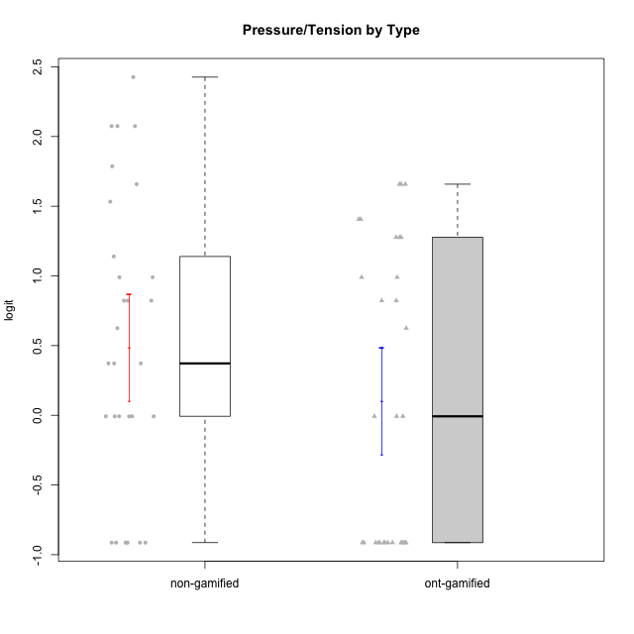

Student's t-Test data
UserID | NroUSP | Type | CLGroup | CLRole | PlayerRole | Interest/Enjoyment | Perceived Choice | Pressure/Tension | Effort/Importance | Intrinsic Motivation
10169 | 10377538 | ont-gamified | Grupo Hefesto | Master | Yee Achiever | 0.77354775663 | -0.34506436271 | 0.8224933278 | 0.21371742061 | -0.045073128315
10170 | 10260351 | ont-gamified | Grupo Afrodite | Apprentice | Yee Achiever | 0.33909170565 | 0.81251309803 | -0.91363027987 | 0.21371742061 | 0.56973812604
10171 | 698531 | non-gamified | Grupo Team 6 | Apprentice |  | 0.77354775663 | 0.43204236264 | -0.0073696712261 | -0.08257998554 | 0.28259495124
10172 | 10273971 | non-gamified | Grupo Team 1 | Master |  | 0.33909170565 | 0.010078688627 | -0.91363027987 | -1.2960764082 | -0.0083189335065
10174 | 10276852 | ont-gamified | Grupo Urano | Master | Yee Achiever | 0.04532479257 | -0.56508989585 | -0.0073696712261 | 1.1151835345 | 0.15069702562
10175 | 10310700 | ont-gamified | Grupo Hélio | Master | Yee Socializer | 0.77354775663 | 1.7454889569 | -0.91363027987 | -0.58740121816 | 0.81121714881
10176 | 10276949 | ont-gamified | Grupo Cronus | Apprentice | Yee Achiever | -0.62176572839 | 0.27922605818 | 1.2769315148 | -0.82301683991 | -0.61062200623
10178 | 8656201 | ont-gamified | Grupo Morfeu | Apprentice | Yee Socializer | 0.19438092697 | 0.27922605818 | 0.99020355854 | 0.21371742061 | -0.075719788195
10179 | 10310759 | non-gamified | Grupo Team 9 | Master |  | -0.94401358639 | -1.210479532 | 0.8224933278 | 0.57969939192 | -0.4654507279
10181 | 10276866 | non-gamified | Grupo Team 10 | Master |  | -0.44706097603 | 0.43204236264 | -0.91363027987 | 0.21371742061 | 0.27808227177
10183 | 10352030 | ont-gamified | Grupo Hélio | Apprentice | Yee Socializer | -0.78975287252 | 0.010078688627 | 1.2769315148 | -0.08257998554 | -0.53479642106
10184 | 10276675 | ont-gamified | Grupo Apolo | Master | Yee Socializer | -0.27485572343 | 0.13995114232 | 0.99020355854 | 1.1151835345 | -0.0024811512813
10185 | 10276960 | non-gamified | Grupo Team 12 | Apprentice |  | -0.78975287252 | -0.56508989585 | 0.99020355854 | -0.58740121816 | -0.73311188627
10186 | 10310551 | ont-gamified | Grupo Ares | Apprentice | Yee Achiever | -0.11051255329 | 0.60542829398 | 1.4068182928 | 2.112963375 | 0.33599966761
10187 | 9790781 | non-gamified | Grupo Team 15 | Apprentice |  | 1.68641942 | 0.43204236264 | 1.6580383299 | 1.1151835345 | 0.90913447293
10188 | 10276995 | non-gamified | Grupo Team 3 | Master |  | -0.94401358639 | -0.23096919108 | 0.37211775447 | -0.82301683991 | -0.59252934296
10189 | 9363926 | ont-gamified | Grupo Hades | Master | Yee Socializer | -0.78975287252 | -0.11298912179 | 1.6580383299 | 0.58104575034 | -0.49493364347
10190 | 10276907 | ont-gamified | Grupo Zeus | Apprentice | Yee Socializer | -0.27485572343 | 0.27922605818 | 0.62480349003 | -1.2960764082 | -0.47912739086
10191 | 10276981 | non-gamified | Grupo Team 6 | Master |  | 0.77354775663 | -0.11298912179 | -0.0073696712261 | -1.0572723105 | -0.097336001102
10192 | 10276682 | non-gamified | Grupo Team 5 | Apprentice |  | 1.2808857648 | -0.56508989585 | -0.91363027987 | -1.0572723105 | 0.14303845959
10193 | 10276762 | ont-gamified | Grupo Afrodite | Master | Yee Achiever | 0.04532479257 | -0.56508989585 | -0.0073696712261 | -0.82301683991 | -0.33385306799
10195 | 10351971 | ont-gamified | Grupo Urano | Apprentice | Yee Achiever | 0.48203349534 | -0.45618554659 | -0.91363027987 | 0.21371742061 | 0.28829891231
10196 | 10310655 | ont-gamified | Grupo Hefesto | Apprentice | Yee Achiever | -0.78975287252 | -0.67246472837 | -0.91363027987 | 0.58104575034 | 0.0081146073306
10197 | 10276661 | ont-gamified | Grupo Gaia | Apprentice | Yee Achiever | 0.04532479257 | 1.4951814649 | -0.91363027987 | -0.58740121816 | 0.4666838298
10198 | 10310888 | ont-gamified | Grupo Apolo | Apprentice | Yee Socializer | 1.6465049901 | 1.7454889569 | -0.91363027987 | 2.112963375 | 1.2184175745
10199 | 10276737 | ont-gamified | Grupo Gaia | Master | Yee Achiever | -0.78975287252 | 1.7454889569 | 1.2769315148 | -0.82301683991 | -0.10207539477
10200 | 9795272 | ont-gamified | Grupo Hades | Apprentice | Yee Socializer | 1.4951617996 | 0.010078688627 | -0.91363027987 | -0.58740121816 | 0.45786738748
10201 | 10276928 | ont-gamified | Grupo Caronte | Master | Yee Achiever | 1.4951617996 | 0.27922605818 | 0.8224933278 | 1.8670095161 | 0.80194893812
10202 | 10277036 | non-gamified | Grupo Team 11 | Apprentice |  | -0.78975287252 | -1.210479532 | 2.4262382357 | 1.5139624553 | -1.110958985
10203 | 9921470 | non-gamified | Grupo Team 3 | Apprentice |  | -0.78975287252 | 1.6049919821 | -0.0073696712261 | -0.82301683991 | 0.21899990174
10204 | 10310471 | ont-gamified | Grupo Hermes | Master | Yee Achiever | 1.9117264103 | 0.60542829398 | -0.91363027987 | 0.21371742061 | 0.81121714881
10206 | 10310721 | ont-gamified | Grupo Hera | Master | Yee Achiever | -0.27485572343 | 1.0818912276 | 1.6580383299 | -0.08257998554 | -0.23339570283
10208 | 10276932 | non-gamified | Grupo Team 7 | Apprentice |  | 1.4951617996 | 0.13995114232 | 0.62480349003 | 1.5139624553 | 0.81655266859
10209 | 10262669 | ont-gamified | Grupo Artemis | Apprentice | Yee Achiever | -1.4355957758 | -1.3020766724 | -0.91363027987 | 2.112963375 | -0.23281615393
10210 | 10277015 | non-gamified | Grupo Team 9 | Apprentice |  | -1.2095717429 | -1.4411884157 | 2.0744710307 | 1.1151835345 | -0.90251191367
10211 | 9311643 | non-gamified | Grupo Team 2 | Master |  | 1.1257867718 | -1.3237490316 | 0.8224933278 | -2.2257330717 | -0.84504088772
10212 | 9065750 | non-gamified | Grupo Team 4 | Master |  | 1.1257867718 | 0.43204236264 | 1.1395172339 | 0.21371742061 | 0.25035108724
10213 | 10277040 | ont-gamified | Grupo Morfeu | Master | Yee Socializer | 0.62587550794 | -0.45618554659 | -0.91363027987 | -1.4395746749 | -0.18410762009
10214 | 10277022 | non-gamified | Grupo Team 5 | Master |  | -1.5404013327 | -0.88530121499 | 0.8224933278 | -1.2960764082 | -1.1360680709
10215 | 9285227 | ont-gamified | Grupo Zeus | Master | Yee Socializer | 0.19438092697 | 1.7454889569 | -0.91363027987 | 0.21371742061 | 0.81121714881
10216 | 10276720 | non-gamified | Grupo Team 15 | Master |  | 0.04532479257 | 0.81251309803 | -0.0073696712261 | 0.57969939192 | 0.36156332804
10217 | 9805341 | non-gamified | Grupo Team 13 | Master |  | -0.94401358639 | 1.4951814649 | -0.91363027987 | -0.08257998554 | 0.34555454321
10218 | 9842913 | ont-gamified | Grupo Ares | Master | Yee Achiever | -1.326100113 | 0.010078688627 | 1.6580383299 | 0.58104575034 | -0.59825350099
10219 | 10276831 | non-gamified | Grupo Team 12 | Master |  | -1.0832226321 | -0.45618554659 | -0.91363027987 | -1.2960764082 | -0.48046357674
10220 | 9760151 | non-gamified | Grupo Team 2 | Apprentice |  | 0.62587550794 | 0.81251309803 | -0.91363027987 | 0.21371742061 | 0.64143407661
10221 | 9082496 | ont-gamified | Grupo Hermes | Apprentice | Yee Achiever | -0.27485572343 | 0.010078688627 | -0.91363027987 | 0.58104575034 | 0.30747474885
10222 | 9436110 | non-gamified | Grupo Team 16 | Master |  | -2.5202017096 | -1.7253315796 | 1.7865507753 | -0.82301683991 | -1.3914733638
10223 | 9795185 | ont-gamified | Grupo Cronus | Master | Yee Achiever | 1.4951617996 | 0.81251309803 | -0.0073696712261 | -0.34384769996 | 0.49279921722
10224 | 9368772 | non-gamified | Grupo Team 10 | Apprentice |  | 1.68641942 | -1.5642049221 | 0.37211775447 | -0.82301683991 | -0.25070987018
10226 | 10310342 | non-gamified | Grupo Team 8 | Master |  | -0.94401358639 | -1.3237490316 | 0.37211775447 | 0.57969939192 | -0.38117420949
10227 | 9274382 | non-gamified | Grupo Team 4 | Apprentice |  | -1.6425046828 | -0.67246472837 | 2.0744710307 | -1.2960764082 | -1.3914733638
10228 | 10310492 | non-gamified | Grupo Team 14 | Apprentice |  | -0.78975287252 | -0.34506436271 | 0.99020355854 | 0.21371742061 | -0.47782584329
10230 | 10351992 | non-gamified | Grupo Team 14 | Master |  | -1.7436870557 | 0.010078688627 | 1.5327201225 | -0.58740121816 | -0.96343242692
10231 | 10276911 | ont-gamified | Grupo Caronte | Apprentice | Yee Achiever | 1.6465049901 | 1.4951814649 | -0.91363027987 | 0.58104575034 | 1.2184175745
10232 | 10276974 | ont-gamified | Grupo Artemis | Master | Yee Achiever | 0.62587550794 | -0.11298912179 | 1.4068182928 | 0.21371742061 | -0.1700536215
10233 | 9805320 | non-gamified | Grupo Team 16 | Apprentice |  | -1.9503088127 | -0.99214359514 | -0.0073696712261 | -0.58740121816 | -0.88062098869
10234 | 10310676 | non-gamified | Grupo Team 7 | Master |  | -1.326100113 | -0.88530121499 | -0.0073696712261 | -1.2960764082 | -0.87502701624
10237 | 10377688 | non-gamified | Grupo Team 11 | Master |  | 0.04532479257 | 0.010078688627 | -0.91363027987 | -1.0572723105 | -0.022059637352
10238 | 10276953 | non-gamified | Grupo Team 13 | Apprentice |  | -0.94401358639 | -1.3237490316 | 2.0744710307 | -0.08257998554 | -1.1062034086
10240 | 10276654 | ont-gamified | Grupo Hera | Apprentice | Yee Achiever | -1.2095717429 | -1.3020766724 | -0.91363027987 | -0.82301683991 | -0.79108933843

Type_CLRole_1
Student's t-Test for Pressure/Tension by Type in Type:CLRole between non-gamified.Apprentice:non-gamified.Master

Student's t-Test results
Alternative hypothesis: less
Group | N | Mean | Mean.Difference | Std.deviation | Std.error | CI.lower | CI.upper | df | t.value | p.value | g | magnitude
non-gamified.Apprentice | 14 | 0.81683203184 | 0.62431683116 | 1.1219649661 | 0.29985775023 | 0.21711653139 | 1.4165475323 | 25.245355203 | 1.6512934664 | 0.94446727404 | 0.59594240122 | medium
non-gamified.Master | 16 | 0.19251520068 | -0.62431683116 | 0.92111142937 | 0.23027785734 | -0.268040514 | 0.65307091537 | 25.245355203 | 1.6512934664 | 0.94446727404 | 0.59594240122 | medium
Alternative hypothesis: greater
Group | N | Mean | Mean.Difference | Std.deviation | Std.error | CI.lower | CI.upper | df | t.value | p.value | g | magnitude
non-gamified.Apprentice | 14 | 0.81683203184 | 0.62431683116 | 1.1219649661 | 0.29985775023 | 0.21711653139 | 1.4165475323 | 25.245355203 | 1.6512934664 | 0.055532725958 | 0.59594240122 | medium
non-gamified.Master | 16 | 0.19251520068 | -0.62431683116 | 0.92111142937 | 0.23027785734 | -0.268040514 | 0.65307091537 | 25.245355203 | 1.6512934664 | 0.055532725958 | 0.59594240122 | medium
Alternative hypothesis: two.sided
Group | N | Mean | Mean.Difference | Std.deviation | Std.error | CI.lower | CI.upper | df | t.value | p.value | g | magnitude
non-gamified.Apprentice | 14 | 0.81683203184 | 0.62431683116 | 1.1219649661 | 0.29985775023 | 0.21711653139 | 1.4165475323 | 25.245355203 | 1.6512934664 | 0.11106545192 | 0.59594240122 | medium
non-gamified.Master | 16 | 0.19251520068 | -0.62431683116 | 0.92111142937 | 0.23027785734 | -0.268040514 | 0.65307091537 | 25.245355203 | 1.6512934664 | 0.11106545192 | 0.59594240122 | medium

Box plots for Student's t-Test
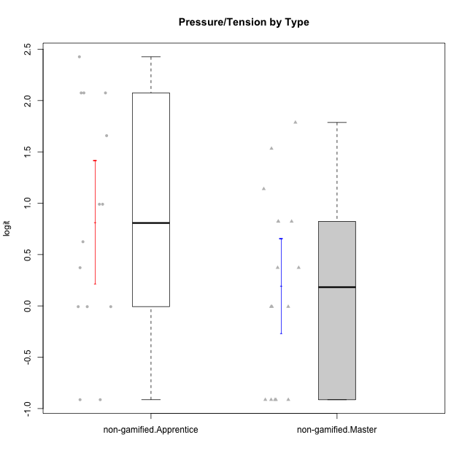

Student's t-Test data
UserID | NroUSP | Type | CLGroup | CLRole | PlayerRole | Interest/Enjoyment | Perceived Choice | Pressure/Tension | Effort/Importance | Intrinsic Motivation
10171 | 698531 | non-gamified | Grupo Team 6 | Apprentice |  | 0.77354775663 | 0.43204236264 | -0.0073696712261 | -0.08257998554 | 0.28259495124
10172 | 10273971 | non-gamified | Grupo Team 1 | Master |  | 0.33909170565 | 0.010078688627 | -0.91363027987 | -1.2960764082 | -0.0083189335065
10179 | 10310759 | non-gamified | Grupo Team 9 | Master |  | -0.94401358639 | -1.210479532 | 0.8224933278 | 0.57969939192 | -0.4654507279
10181 | 10276866 | non-gamified | Grupo Team 10 | Master |  | -0.44706097603 | 0.43204236264 | -0.91363027987 | 0.21371742061 | 0.27808227177
10185 | 10276960 | non-gamified | Grupo Team 12 | Apprentice |  | -0.78975287252 | -0.56508989585 | 0.99020355854 | -0.58740121816 | -0.73311188627
10187 | 9790781 | non-gamified | Grupo Team 15 | Apprentice |  | 1.68641942 | 0.43204236264 | 1.6580383299 | 1.1151835345 | 0.90913447293
10188 | 10276995 | non-gamified | Grupo Team 3 | Master |  | -0.94401358639 | -0.23096919108 | 0.37211775447 | -0.82301683991 | -0.59252934296
10191 | 10276981 | non-gamified | Grupo Team 6 | Master |  | 0.77354775663 | -0.11298912179 | -0.0073696712261 | -1.0572723105 | -0.097336001102
10192 | 10276682 | non-gamified | Grupo Team 5 | Apprentice |  | 1.2808857648 | -0.56508989585 | -0.91363027987 | -1.0572723105 | 0.14303845959
10202 | 10277036 | non-gamified | Grupo Team 11 | Apprentice |  | -0.78975287252 | -1.210479532 | 2.4262382357 | 1.5139624553 | -1.110958985
10203 | 9921470 | non-gamified | Grupo Team 3 | Apprentice |  | -0.78975287252 | 1.6049919821 | -0.0073696712261 | -0.82301683991 | 0.21899990174
10208 | 10276932 | non-gamified | Grupo Team 7 | Apprentice |  | 1.4951617996 | 0.13995114232 | 0.62480349003 | 1.5139624553 | 0.81655266859
10210 | 10277015 | non-gamified | Grupo Team 9 | Apprentice |  | -1.2095717429 | -1.4411884157 | 2.0744710307 | 1.1151835345 | -0.90251191367
10211 | 9311643 | non-gamified | Grupo Team 2 | Master |  | 1.1257867718 | -1.3237490316 | 0.8224933278 | -2.2257330717 | -0.84504088772
10212 | 9065750 | non-gamified | Grupo Team 4 | Master |  | 1.1257867718 | 0.43204236264 | 1.1395172339 | 0.21371742061 | 0.25035108724
10214 | 10277022 | non-gamified | Grupo Team 5 | Master |  | -1.5404013327 | -0.88530121499 | 0.8224933278 | -1.2960764082 | -1.1360680709
10216 | 10276720 | non-gamified | Grupo Team 15 | Master |  | 0.04532479257 | 0.81251309803 | -0.0073696712261 | 0.57969939192 | 0.36156332804
10217 | 9805341 | non-gamified | Grupo Team 13 | Master |  | -0.94401358639 | 1.4951814649 | -0.91363027987 | -0.08257998554 | 0.34555454321
10219 | 10276831 | non-gamified | Grupo Team 12 | Master |  | -1.0832226321 | -0.45618554659 | -0.91363027987 | -1.2960764082 | -0.48046357674
10220 | 9760151 | non-gamified | Grupo Team 2 | Apprentice |  | 0.62587550794 | 0.81251309803 | -0.91363027987 | 0.21371742061 | 0.64143407661
10222 | 9436110 | non-gamified | Grupo Team 16 | Master |  | -2.5202017096 | -1.7253315796 | 1.7865507753 | -0.82301683991 | -1.3914733638
10224 | 9368772 | non-gamified | Grupo Team 10 | Apprentice |  | 1.68641942 | -1.5642049221 | 0.37211775447 | -0.82301683991 | -0.25070987018
10226 | 10310342 | non-gamified | Grupo Team 8 | Master |  | -0.94401358639 | -1.3237490316 | 0.37211775447 | 0.57969939192 | -0.38117420949
10227 | 9274382 | non-gamified | Grupo Team 4 | Apprentice |  | -1.6425046828 | -0.67246472837 | 2.0744710307 | -1.2960764082 | -1.3914733638
10228 | 10310492 | non-gamified | Grupo Team 14 | Apprentice |  | -0.78975287252 | -0.34506436271 | 0.99020355854 | 0.21371742061 | -0.47782584329
10230 | 10351992 | non-gamified | Grupo Team 14 | Master |  | -1.7436870557 | 0.010078688627 | 1.5327201225 | -0.58740121816 | -0.96343242692
10233 | 9805320 | non-gamified | Grupo Team 16 | Apprentice |  | -1.9503088127 | -0.99214359514 | -0.0073696712261 | -0.58740121816 | -0.88062098869
10234 | 10310676 | non-gamified | Grupo Team 7 | Master |  | -1.326100113 | -0.88530121499 | -0.0073696712261 | -1.2960764082 | -0.87502701624
10237 | 10377688 | non-gamified | Grupo Team 11 | Master |  | 0.04532479257 | 0.010078688627 | -0.91363027987 | -1.0572723105 | -0.022059637352
10238 | 10276953 | non-gamified | Grupo Team 13 | Apprentice |  | -0.94401358639 | -1.3237490316 | 2.0744710307 | -0.08257998554 | -1.1062034086

Type_CLRole_2
Student's t-Test for Pressure/Tension by Type in Type:CLRole between non-gamified.Apprentice:ont-gamified.Apprentice

Student's t-Test results
Alternative hypothesis: less
Group | N | Mean | Mean.Difference | Std.deviation | Std.error | CI.lower | CI.upper | df | t.value | p.value | g | magnitude
non-gamified.Apprentice | 14 | 0.81683203184 | 1.054206327 | 1.1219649661 | 0.29985775023 | 0.21711653139 | 1.4165475323 | 26.137121572 | 2.6595600029 | 0.99340630134 | 0.96442100061 | large
ont-gamified.Apprentice | 15 | -0.23737429519 | -1.054206327 | 1.0040323318 | 0.25924003335 | -0.75585436189 | 0.28110577151 | 26.137121572 | 2.6595600029 | 0.99340630134 | 0.96442100061 | large
Alternative hypothesis: greater
Group | N | Mean | Mean.Difference | Std.deviation | Std.error | CI.lower | CI.upper | df | t.value | p.value | g | magnitude
non-gamified.Apprentice | 14 | 0.81683203184 | 1.054206327 | 1.1219649661 | 0.29985775023 | 0.21711653139 | 1.4165475323 | 26.137121572 | 2.6595600029 | 0.0065936986564 | 0.96442100061 | large
ont-gamified.Apprentice | 15 | -0.23737429519 | -1.054206327 | 1.0040323318 | 0.25924003335 | -0.75585436189 | 0.28110577151 | 26.137121572 | 2.6595600029 | 0.0065936986564 | 0.96442100061 | large
Alternative hypothesis: two.sided
Group | N | Mean | Mean.Difference | Std.deviation | Std.error | CI.lower | CI.upper | df | t.value | p.value | g | magnitude
non-gamified.Apprentice | 14 | 0.81683203184 | 1.054206327 | 1.1219649661 | 0.29985775023 | 0.21711653139 | 1.4165475323 | 26.137121572 | 2.6595600029 | 0.013187397313 | 0.96442100061 | large
ont-gamified.Apprentice | 15 | -0.23737429519 | -1.054206327 | 1.0040323318 | 0.25924003335 | -0.75585436189 | 0.28110577151 | 26.137121572 | 2.6595600029 | 0.013187397313 | 0.96442100061 | large

Box plots for Student's t-Test
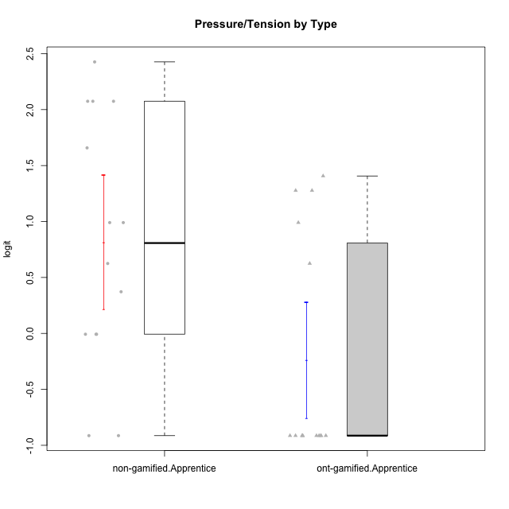

Student's t-Test data
UserID | NroUSP | Type | CLGroup | CLRole | PlayerRole | Interest/Enjoyment | Perceived Choice | Pressure/Tension | Effort/Importance | Intrinsic Motivation
10170 | 10260351 | ont-gamified | Grupo Afrodite | Apprentice | Yee Achiever | 0.33909170565 | 0.81251309803 | -0.91363027987 | 0.21371742061 | 0.56973812604
10171 | 698531 | non-gamified | Grupo Team 6 | Apprentice |  | 0.77354775663 | 0.43204236264 | -0.0073696712261 | -0.08257998554 | 0.28259495124
10176 | 10276949 | ont-gamified | Grupo Cronus | Apprentice | Yee Achiever | -0.62176572839 | 0.27922605818 | 1.2769315148 | -0.82301683991 | -0.61062200623
10178 | 8656201 | ont-gamified | Grupo Morfeu | Apprentice | Yee Socializer | 0.19438092697 | 0.27922605818 | 0.99020355854 | 0.21371742061 | -0.075719788195
10183 | 10352030 | ont-gamified | Grupo Hélio | Apprentice | Yee Socializer | -0.78975287252 | 0.010078688627 | 1.2769315148 | -0.08257998554 | -0.53479642106
10185 | 10276960 | non-gamified | Grupo Team 12 | Apprentice |  | -0.78975287252 | -0.56508989585 | 0.99020355854 | -0.58740121816 | -0.73311188627
10186 | 10310551 | ont-gamified | Grupo Ares | Apprentice | Yee Achiever | -0.11051255329 | 0.60542829398 | 1.4068182928 | 2.112963375 | 0.33599966761
10187 | 9790781 | non-gamified | Grupo Team 15 | Apprentice |  | 1.68641942 | 0.43204236264 | 1.6580383299 | 1.1151835345 | 0.90913447293
10190 | 10276907 | ont-gamified | Grupo Zeus | Apprentice | Yee Socializer | -0.27485572343 | 0.27922605818 | 0.62480349003 | -1.2960764082 | -0.47912739086
10192 | 10276682 | non-gamified | Grupo Team 5 | Apprentice |  | 1.2808857648 | -0.56508989585 | -0.91363027987 | -1.0572723105 | 0.14303845959
10195 | 10351971 | ont-gamified | Grupo Urano | Apprentice | Yee Achiever | 0.48203349534 | -0.45618554659 | -0.91363027987 | 0.21371742061 | 0.28829891231
10196 | 10310655 | ont-gamified | Grupo Hefesto | Apprentice | Yee Achiever | -0.78975287252 | -0.67246472837 | -0.91363027987 | 0.58104575034 | 0.0081146073306
10197 | 10276661 | ont-gamified | Grupo Gaia | Apprentice | Yee Achiever | 0.04532479257 | 1.4951814649 | -0.91363027987 | -0.58740121816 | 0.4666838298
10198 | 10310888 | ont-gamified | Grupo Apolo | Apprentice | Yee Socializer | 1.6465049901 | 1.7454889569 | -0.91363027987 | 2.112963375 | 1.2184175745
10200 | 9795272 | ont-gamified | Grupo Hades | Apprentice | Yee Socializer | 1.4951617996 | 0.010078688627 | -0.91363027987 | -0.58740121816 | 0.45786738748
10202 | 10277036 | non-gamified | Grupo Team 11 | Apprentice |  | -0.78975287252 | -1.210479532 | 2.4262382357 | 1.5139624553 | -1.110958985
10203 | 9921470 | non-gamified | Grupo Team 3 | Apprentice |  | -0.78975287252 | 1.6049919821 | -0.0073696712261 | -0.82301683991 | 0.21899990174
10208 | 10276932 | non-gamified | Grupo Team 7 | Apprentice |  | 1.4951617996 | 0.13995114232 | 0.62480349003 | 1.5139624553 | 0.81655266859
10209 | 10262669 | ont-gamified | Grupo Artemis | Apprentice | Yee Achiever | -1.4355957758 | -1.3020766724 | -0.91363027987 | 2.112963375 | -0.23281615393
10210 | 10277015 | non-gamified | Grupo Team 9 | Apprentice |  | -1.2095717429 | -1.4411884157 | 2.0744710307 | 1.1151835345 | -0.90251191367
10220 | 9760151 | non-gamified | Grupo Team 2 | Apprentice |  | 0.62587550794 | 0.81251309803 | -0.91363027987 | 0.21371742061 | 0.64143407661
10221 | 9082496 | ont-gamified | Grupo Hermes | Apprentice | Yee Achiever | -0.27485572343 | 0.010078688627 | -0.91363027987 | 0.58104575034 | 0.30747474885
10224 | 9368772 | non-gamified | Grupo Team 10 | Apprentice |  | 1.68641942 | -1.5642049221 | 0.37211775447 | -0.82301683991 | -0.25070987018
10227 | 9274382 | non-gamified | Grupo Team 4 | Apprentice |  | -1.6425046828 | -0.67246472837 | 2.0744710307 | -1.2960764082 | -1.3914733638
10228 | 10310492 | non-gamified | Grupo Team 14 | Apprentice |  | -0.78975287252 | -0.34506436271 | 0.99020355854 | 0.21371742061 | -0.47782584329
10231 | 10276911 | ont-gamified | Grupo Caronte | Apprentice | Yee Achiever | 1.6465049901 | 1.4951814649 | -0.91363027987 | 0.58104575034 | 1.2184175745
10233 | 9805320 | non-gamified | Grupo Team 16 | Apprentice |  | -1.9503088127 | -0.99214359514 | -0.0073696712261 | -0.58740121816 | -0.88062098869
10238 | 10276953 | non-gamified | Grupo Team 13 | Apprentice |  | -0.94401358639 | -1.3237490316 | 2.0744710307 | -0.08257998554 | -1.1062034086
10240 | 10276654 | ont-gamified | Grupo Hera | Apprentice | Yee Achiever | -1.2095717429 | -1.3020766724 | -0.91363027987 | -0.82301683991 | -0.79108933843

Type_CLRole_3
Student's t-Test for Pressure/Tension by Type in Type:CLRole between non-gamified.Apprentice:ont-gamified.Master

Student's t-Test results
Alternative hypothesis: less
Group | N | Mean | Mean.Difference | Std.deviation | Std.error | CI.lower | CI.upper | df | t.value | p.value | g | magnitude
non-gamified.Apprentice | 14 | 0.81683203184 | 0.37573703996 | 1.1219649661 | 0.29985775023 | 0.21711653139 | 1.4165475323 | 26.287188816 | 0.94084029171 | 0.82232357782 | 0.34096223872 | small
ont-gamified.Master | 15 | 0.44109499189 | -0.37573703996 | 1.0215894814 | 0.26377326988 | -0.086451547881 | 0.96864153165 | 26.287188816 | 0.94084029171 | 0.82232357782 | 0.34096223872 | small
Alternative hypothesis: greater
Group | N | Mean | Mean.Difference | Std.deviation | Std.error | CI.lower | CI.upper | df | t.value | p.value | g | magnitude
non-gamified.Apprentice | 14 | 0.81683203184 | 0.37573703996 | 1.1219649661 | 0.29985775023 | 0.21711653139 | 1.4165475323 | 26.287188816 | 0.94084029171 | 0.17767642218 | 0.34096223872 | small
ont-gamified.Master | 15 | 0.44109499189 | -0.37573703996 | 1.0215894814 | 0.26377326988 | -0.086451547881 | 0.96864153165 | 26.287188816 | 0.94084029171 | 0.17767642218 | 0.34096223872 | small
Alternative hypothesis: two.sided
Group | N | Mean | Mean.Difference | Std.deviation | Std.error | CI.lower | CI.upper | df | t.value | p.value | g | magnitude
non-gamified.Apprentice | 14 | 0.81683203184 | 0.37573703996 | 1.1219649661 | 0.29985775023 | 0.21711653139 | 1.4165475323 | 26.287188816 | 0.94084029171 | 0.35535284435 | 0.34096223872 | small
ont-gamified.Master | 15 | 0.44109499189 | -0.37573703996 | 1.0215894814 | 0.26377326988 | -0.086451547881 | 0.96864153165 | 26.287188816 | 0.94084029171 | 0.35535284435 | 0.34096223872 | small

Box plots for Student's t-Test
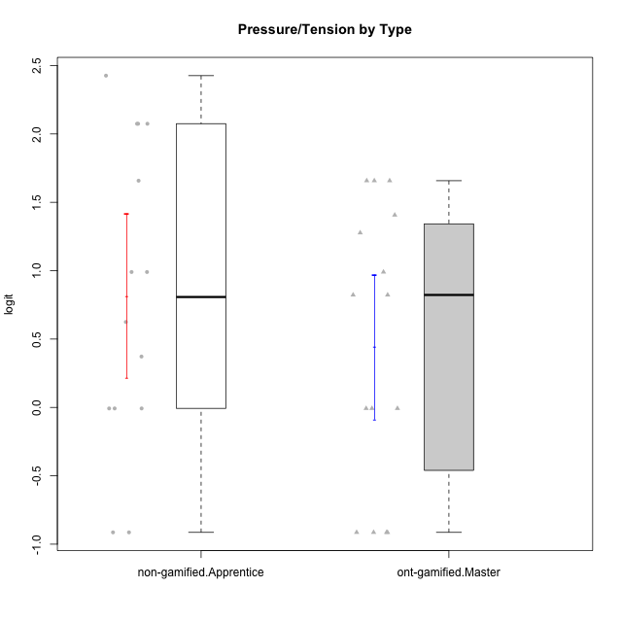

Student's t-Test data
UserID | NroUSP | Type | CLGroup | CLRole | PlayerRole | Interest/Enjoyment | Perceived Choice | Pressure/Tension | Effort/Importance | Intrinsic Motivation
10169 | 10377538 | ont-gamified | Grupo Hefesto | Master | Yee Achiever | 0.77354775663 | -0.34506436271 | 0.8224933278 | 0.21371742061 | -0.045073128315
10171 | 698531 | non-gamified | Grupo Team 6 | Apprentice |  | 0.77354775663 | 0.43204236264 | -0.0073696712261 | -0.08257998554 | 0.28259495124
10174 | 10276852 | ont-gamified | Grupo Urano | Master | Yee Achiever | 0.04532479257 | -0.56508989585 | -0.0073696712261 | 1.1151835345 | 0.15069702562
10175 | 10310700 | ont-gamified | Grupo Hélio | Master | Yee Socializer | 0.77354775663 | 1.7454889569 | -0.91363027987 | -0.58740121816 | 0.81121714881
10184 | 10276675 | ont-gamified | Grupo Apolo | Master | Yee Socializer | -0.27485572343 | 0.13995114232 | 0.99020355854 | 1.1151835345 | -0.0024811512813
10185 | 10276960 | non-gamified | Grupo Team 12 | Apprentice |  | -0.78975287252 | -0.56508989585 | 0.99020355854 | -0.58740121816 | -0.73311188627
10187 | 9790781 | non-gamified | Grupo Team 15 | Apprentice |  | 1.68641942 | 0.43204236264 | 1.6580383299 | 1.1151835345 | 0.90913447293
10189 | 9363926 | ont-gamified | Grupo Hades | Master | Yee Socializer | -0.78975287252 | -0.11298912179 | 1.6580383299 | 0.58104575034 | -0.49493364347
10192 | 10276682 | non-gamified | Grupo Team 5 | Apprentice |  | 1.2808857648 | -0.56508989585 | -0.91363027987 | -1.0572723105 | 0.14303845959
10193 | 10276762 | ont-gamified | Grupo Afrodite | Master | Yee Achiever | 0.04532479257 | -0.56508989585 | -0.0073696712261 | -0.82301683991 | -0.33385306799
10199 | 10276737 | ont-gamified | Grupo Gaia | Master | Yee Achiever | -0.78975287252 | 1.7454889569 | 1.2769315148 | -0.82301683991 | -0.10207539477
10201 | 10276928 | ont-gamified | Grupo Caronte | Master | Yee Achiever | 1.4951617996 | 0.27922605818 | 0.8224933278 | 1.8670095161 | 0.80194893812
10202 | 10277036 | non-gamified | Grupo Team 11 | Apprentice |  | -0.78975287252 | -1.210479532 | 2.4262382357 | 1.5139624553 | -1.110958985
10203 | 9921470 | non-gamified | Grupo Team 3 | Apprentice |  | -0.78975287252 | 1.6049919821 | -0.0073696712261 | -0.82301683991 | 0.21899990174
10204 | 10310471 | ont-gamified | Grupo Hermes | Master | Yee Achiever | 1.9117264103 | 0.60542829398 | -0.91363027987 | 0.21371742061 | 0.81121714881
10206 | 10310721 | ont-gamified | Grupo Hera | Master | Yee Achiever | -0.27485572343 | 1.0818912276 | 1.6580383299 | -0.08257998554 | -0.23339570283
10208 | 10276932 | non-gamified | Grupo Team 7 | Apprentice |  | 1.4951617996 | 0.13995114232 | 0.62480349003 | 1.5139624553 | 0.81655266859
10210 | 10277015 | non-gamified | Grupo Team 9 | Apprentice |  | -1.2095717429 | -1.4411884157 | 2.0744710307 | 1.1151835345 | -0.90251191367
10213 | 10277040 | ont-gamified | Grupo Morfeu | Master | Yee Socializer | 0.62587550794 | -0.45618554659 | -0.91363027987 | -1.4395746749 | -0.18410762009
10215 | 9285227 | ont-gamified | Grupo Zeus | Master | Yee Socializer | 0.19438092697 | 1.7454889569 | -0.91363027987 | 0.21371742061 | 0.81121714881
10218 | 9842913 | ont-gamified | Grupo Ares | Master | Yee Achiever | -1.326100113 | 0.010078688627 | 1.6580383299 | 0.58104575034 | -0.59825350099
10220 | 9760151 | non-gamified | Grupo Team 2 | Apprentice |  | 0.62587550794 | 0.81251309803 | -0.91363027987 | 0.21371742061 | 0.64143407661
10223 | 9795185 | ont-gamified | Grupo Cronus | Master | Yee Achiever | 1.4951617996 | 0.81251309803 | -0.0073696712261 | -0.34384769996 | 0.49279921722
10224 | 9368772 | non-gamified | Grupo Team 10 | Apprentice |  | 1.68641942 | -1.5642049221 | 0.37211775447 | -0.82301683991 | -0.25070987018
10227 | 9274382 | non-gamified | Grupo Team 4 | Apprentice |  | -1.6425046828 | -0.67246472837 | 2.0744710307 | -1.2960764082 | -1.3914733638
10228 | 10310492 | non-gamified | Grupo Team 14 | Apprentice |  | -0.78975287252 | -0.34506436271 | 0.99020355854 | 0.21371742061 | -0.47782584329
10232 | 10276974 | ont-gamified | Grupo Artemis | Master | Yee Achiever | 0.62587550794 | -0.11298912179 | 1.4068182928 | 0.21371742061 | -0.1700536215
10233 | 9805320 | non-gamified | Grupo Team 16 | Apprentice |  | -1.9503088127 | -0.99214359514 | -0.0073696712261 | -0.58740121816 | -0.88062098869
10238 | 10276953 | non-gamified | Grupo Team 13 | Apprentice |  | -0.94401358639 | -1.3237490316 | 2.0744710307 | -0.08257998554 | -1.1062034086

Type_CLRole_4
Student's t-Test for Pressure/Tension by Type in Type:CLRole between non-gamified.Master:ont-gamified.Apprentice

Student's t-Test results
Alternative hypothesis: less
Group | N | Mean | Mean.Difference | Std.deviation | Std.error | CI.lower | CI.upper | df | t.value | p.value | g | magnitude
non-gamified.Master | 16 | 0.19251520068 | 0.42988949587 | 0.92111142937 | 0.23027785734 | -0.268040514 | 0.65307091537 | 28.340980894 | 1.2397795668 | 0.88738762993 | 0.43519726703 | small
ont-gamified.Apprentice | 15 | -0.23737429519 | -0.42988949587 | 1.0040323318 | 0.25924003335 | -0.75585436189 | 0.28110577151 | 28.340980894 | 1.2397795668 | 0.88738762993 | 0.43519726703 | small
Alternative hypothesis: greater
Group | N | Mean | Mean.Difference | Std.deviation | Std.error | CI.lower | CI.upper | df | t.value | p.value | g | magnitude
non-gamified.Master | 16 | 0.19251520068 | 0.42988949587 | 0.92111142937 | 0.23027785734 | -0.268040514 | 0.65307091537 | 28.340980894 | 1.2397795668 | 0.11261237007 | 0.43519726703 | small
ont-gamified.Apprentice | 15 | -0.23737429519 | -0.42988949587 | 1.0040323318 | 0.25924003335 | -0.75585436189 | 0.28110577151 | 28.340980894 | 1.2397795668 | 0.11261237007 | 0.43519726703 | small
Alternative hypothesis: two.sided
Group | N | Mean | Mean.Difference | Std.deviation | Std.error | CI.lower | CI.upper | df | t.value | p.value | g | magnitude
non-gamified.Master | 16 | 0.19251520068 | 0.42988949587 | 0.92111142937 | 0.23027785734 | -0.268040514 | 0.65307091537 | 28.340980894 | 1.2397795668 | 0.22522474015 | 0.43519726703 | small
ont-gamified.Apprentice | 15 | -0.23737429519 | -0.42988949587 | 1.0040323318 | 0.25924003335 | -0.75585436189 | 0.28110577151 | 28.340980894 | 1.2397795668 | 0.22522474015 | 0.43519726703 | small

Box plots for Student's t-Test
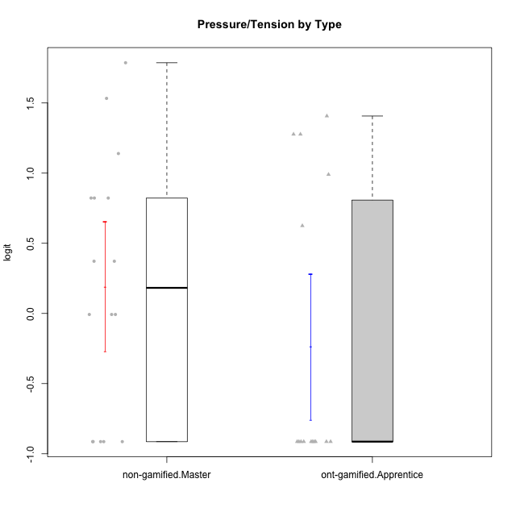

Student's t-Test data
UserID | NroUSP | Type | CLGroup | CLRole | PlayerRole | Interest/Enjoyment | Perceived Choice | Pressure/Tension | Effort/Importance | Intrinsic Motivation
10170 | 10260351 | ont-gamified | Grupo Afrodite | Apprentice | Yee Achiever | 0.33909170565 | 0.81251309803 | -0.91363027987 | 0.21371742061 | 0.56973812604
10172 | 10273971 | non-gamified | Grupo Team 1 | Master |  | 0.33909170565 | 0.010078688627 | -0.91363027987 | -1.2960764082 | -0.0083189335065
10176 | 10276949 | ont-gamified | Grupo Cronus | Apprentice | Yee Achiever | -0.62176572839 | 0.27922605818 | 1.2769315148 | -0.82301683991 | -0.61062200623
10178 | 8656201 | ont-gamified | Grupo Morfeu | Apprentice | Yee Socializer | 0.19438092697 | 0.27922605818 | 0.99020355854 | 0.21371742061 | -0.075719788195
10179 | 10310759 | non-gamified | Grupo Team 9 | Master |  | -0.94401358639 | -1.210479532 | 0.8224933278 | 0.57969939192 | -0.4654507279
10181 | 10276866 | non-gamified | Grupo Team 10 | Master |  | -0.44706097603 | 0.43204236264 | -0.91363027987 | 0.21371742061 | 0.27808227177
10183 | 10352030 | ont-gamified | Grupo Hélio | Apprentice | Yee Socializer | -0.78975287252 | 0.010078688627 | 1.2769315148 | -0.08257998554 | -0.53479642106
10186 | 10310551 | ont-gamified | Grupo Ares | Apprentice | Yee Achiever | -0.11051255329 | 0.60542829398 | 1.4068182928 | 2.112963375 | 0.33599966761
10188 | 10276995 | non-gamified | Grupo Team 3 | Master |  | -0.94401358639 | -0.23096919108 | 0.37211775447 | -0.82301683991 | -0.59252934296
10190 | 10276907 | ont-gamified | Grupo Zeus | Apprentice | Yee Socializer | -0.27485572343 | 0.27922605818 | 0.62480349003 | -1.2960764082 | -0.47912739086
10191 | 10276981 | non-gamified | Grupo Team 6 | Master |  | 0.77354775663 | -0.11298912179 | -0.0073696712261 | -1.0572723105 | -0.097336001102
10195 | 10351971 | ont-gamified | Grupo Urano | Apprentice | Yee Achiever | 0.48203349534 | -0.45618554659 | -0.91363027987 | 0.21371742061 | 0.28829891231
10196 | 10310655 | ont-gamified | Grupo Hefesto | Apprentice | Yee Achiever | -0.78975287252 | -0.67246472837 | -0.91363027987 | 0.58104575034 | 0.0081146073306
10197 | 10276661 | ont-gamified | Grupo Gaia | Apprentice | Yee Achiever | 0.04532479257 | 1.4951814649 | -0.91363027987 | -0.58740121816 | 0.4666838298
10198 | 10310888 | ont-gamified | Grupo Apolo | Apprentice | Yee Socializer | 1.6465049901 | 1.7454889569 | -0.91363027987 | 2.112963375 | 1.2184175745
10200 | 9795272 | ont-gamified | Grupo Hades | Apprentice | Yee Socializer | 1.4951617996 | 0.010078688627 | -0.91363027987 | -0.58740121816 | 0.45786738748
10209 | 10262669 | ont-gamified | Grupo Artemis | Apprentice | Yee Achiever | -1.4355957758 | -1.3020766724 | -0.91363027987 | 2.112963375 | -0.23281615393
10211 | 9311643 | non-gamified | Grupo Team 2 | Master |  | 1.1257867718 | -1.3237490316 | 0.8224933278 | -2.2257330717 | -0.84504088772
10212 | 9065750 | non-gamified | Grupo Team 4 | Master |  | 1.1257867718 | 0.43204236264 | 1.1395172339 | 0.21371742061 | 0.25035108724
10214 | 10277022 | non-gamified | Grupo Team 5 | Master |  | -1.5404013327 | -0.88530121499 | 0.8224933278 | -1.2960764082 | -1.1360680709
10216 | 10276720 | non-gamified | Grupo Team 15 | Master |  | 0.04532479257 | 0.81251309803 | -0.0073696712261 | 0.57969939192 | 0.36156332804
10217 | 9805341 | non-gamified | Grupo Team 13 | Master |  | -0.94401358639 | 1.4951814649 | -0.91363027987 | -0.08257998554 | 0.34555454321
10219 | 10276831 | non-gamified | Grupo Team 12 | Master |  | -1.0832226321 | -0.45618554659 | -0.91363027987 | -1.2960764082 | -0.48046357674
10221 | 9082496 | ont-gamified | Grupo Hermes | Apprentice | Yee Achiever | -0.27485572343 | 0.010078688627 | -0.91363027987 | 0.58104575034 | 0.30747474885
10222 | 9436110 | non-gamified | Grupo Team 16 | Master |  | -2.5202017096 | -1.7253315796 | 1.7865507753 | -0.82301683991 | -1.3914733638
10226 | 10310342 | non-gamified | Grupo Team 8 | Master |  | -0.94401358639 | -1.3237490316 | 0.37211775447 | 0.57969939192 | -0.38117420949
10230 | 10351992 | non-gamified | Grupo Team 14 | Master |  | -1.7436870557 | 0.010078688627 | 1.5327201225 | -0.58740121816 | -0.96343242692
10231 | 10276911 | ont-gamified | Grupo Caronte | Apprentice | Yee Achiever | 1.6465049901 | 1.4951814649 | -0.91363027987 | 0.58104575034 | 1.2184175745
10234 | 10310676 | non-gamified | Grupo Team 7 | Master |  | -1.326100113 | -0.88530121499 | -0.0073696712261 | -1.2960764082 | -0.87502701624
10237 | 10377688 | non-gamified | Grupo Team 11 | Master |  | 0.04532479257 | 0.010078688627 | -0.91363027987 | -1.0572723105 | -0.022059637352
10240 | 10276654 | ont-gamified | Grupo Hera | Apprentice | Yee Achiever | -1.2095717429 | -1.3020766724 | -0.91363027987 | -0.82301683991 | -0.79108933843

Type_CLRole_5
Student's t-Test for Pressure/Tension by Type in Type:CLRole between non-gamified.Master:ont-gamified.Master

Student's t-Test results
Alternative hypothesis: less
Group | N | Mean | Mean.Difference | Std.deviation | Std.error | CI.lower | CI.upper | df | t.value | p.value | g | magnitude
non-gamified.Master | 16 | 0.19251520068 | -0.2485797912 | 0.92111142937 | 0.23027785734 | -0.268040514 | 0.65307091537 | 28.189551719 | -0.70992601776 | 0.24179087046 | -0.24934680938 | small
ont-gamified.Master | 15 | 0.44109499189 | 0.2485797912 | 1.0215894814 | 0.26377326988 | -0.086451547881 | 0.96864153165 | 28.189551719 | -0.70992601776 | 0.24179087046 | -0.24934680938 | small
Alternative hypothesis: greater
Group | N | Mean | Mean.Difference | Std.deviation | Std.error | CI.lower | CI.upper | df | t.value | p.value | g | magnitude
non-gamified.Master | 16 | 0.19251520068 | -0.2485797912 | 0.92111142937 | 0.23027785734 | -0.268040514 | 0.65307091537 | 28.189551719 | -0.70992601776 | 0.75820912954 | -0.24934680938 | small
ont-gamified.Master | 15 | 0.44109499189 | 0.2485797912 | 1.0215894814 | 0.26377326988 | -0.086451547881 | 0.96864153165 | 28.189551719 | -0.70992601776 | 0.75820912954 | -0.24934680938 | small
Alternative hypothesis: two.sided
Group | N | Mean | Mean.Difference | Std.deviation | Std.error | CI.lower | CI.upper | df | t.value | p.value | g | magnitude
non-gamified.Master | 16 | 0.19251520068 | -0.2485797912 | 0.92111142937 | 0.23027785734 | -0.268040514 | 0.65307091537 | 28.189551719 | -0.70992601776 | 0.48358174092 | -0.24934680938 | small
ont-gamified.Master | 15 | 0.44109499189 | 0.2485797912 | 1.0215894814 | 0.26377326988 | -0.086451547881 | 0.96864153165 | 28.189551719 | -0.70992601776 | 0.48358174092 | -0.24934680938 | small

Box plots for Student's t-Test
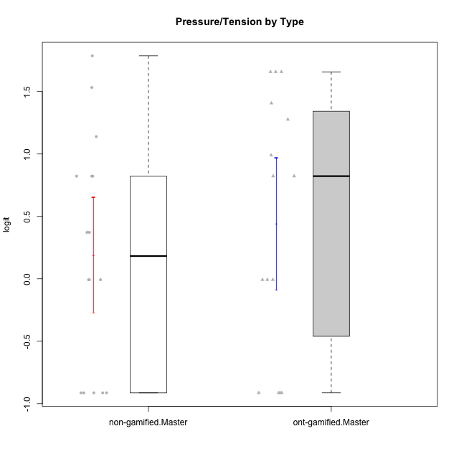

Student's t-Test data
UserID | NroUSP | Type | CLGroup | CLRole | PlayerRole | Interest/Enjoyment | Perceived Choice | Pressure/Tension | Effort/Importance | Intrinsic Motivation
10169 | 10377538 | ont-gamified | Grupo Hefesto | Master | Yee Achiever | 0.77354775663 | -0.34506436271 | 0.8224933278 | 0.21371742061 | -0.045073128315
10172 | 10273971 | non-gamified | Grupo Team 1 | Master |  | 0.33909170565 | 0.010078688627 | -0.91363027987 | -1.2960764082 | -0.0083189335065
10174 | 10276852 | ont-gamified | Grupo Urano | Master | Yee Achiever | 0.04532479257 | -0.56508989585 | -0.0073696712261 | 1.1151835345 | 0.15069702562
10175 | 10310700 | ont-gamified | Grupo Hélio | Master | Yee Socializer | 0.77354775663 | 1.7454889569 | -0.91363027987 | -0.58740121816 | 0.81121714881
10179 | 10310759 | non-gamified | Grupo Team 9 | Master |  | -0.94401358639 | -1.210479532 | 0.8224933278 | 0.57969939192 | -0.4654507279
10181 | 10276866 | non-gamified | Grupo Team 10 | Master |  | -0.44706097603 | 0.43204236264 | -0.91363027987 | 0.21371742061 | 0.27808227177
10184 | 10276675 | ont-gamified | Grupo Apolo | Master | Yee Socializer | -0.27485572343 | 0.13995114232 | 0.99020355854 | 1.1151835345 | -0.0024811512813
10188 | 10276995 | non-gamified | Grupo Team 3 | Master |  | -0.94401358639 | -0.23096919108 | 0.37211775447 | -0.82301683991 | -0.59252934296
10189 | 9363926 | ont-gamified | Grupo Hades | Master | Yee Socializer | -0.78975287252 | -0.11298912179 | 1.6580383299 | 0.58104575034 | -0.49493364347
10191 | 10276981 | non-gamified | Grupo Team 6 | Master |  | 0.77354775663 | -0.11298912179 | -0.0073696712261 | -1.0572723105 | -0.097336001102
10193 | 10276762 | ont-gamified | Grupo Afrodite | Master | Yee Achiever | 0.04532479257 | -0.56508989585 | -0.0073696712261 | -0.82301683991 | -0.33385306799
10199 | 10276737 | ont-gamified | Grupo Gaia | Master | Yee Achiever | -0.78975287252 | 1.7454889569 | 1.2769315148 | -0.82301683991 | -0.10207539477
10201 | 10276928 | ont-gamified | Grupo Caronte | Master | Yee Achiever | 1.4951617996 | 0.27922605818 | 0.8224933278 | 1.8670095161 | 0.80194893812
10204 | 10310471 | ont-gamified | Grupo Hermes | Master | Yee Achiever | 1.9117264103 | 0.60542829398 | -0.91363027987 | 0.21371742061 | 0.81121714881
10206 | 10310721 | ont-gamified | Grupo Hera | Master | Yee Achiever | -0.27485572343 | 1.0818912276 | 1.6580383299 | -0.08257998554 | -0.23339570283
10211 | 9311643 | non-gamified | Grupo Team 2 | Master |  | 1.1257867718 | -1.3237490316 | 0.8224933278 | -2.2257330717 | -0.84504088772
10212 | 9065750 | non-gamified | Grupo Team 4 | Master |  | 1.1257867718 | 0.43204236264 | 1.1395172339 | 0.21371742061 | 0.25035108724
10213 | 10277040 | ont-gamified | Grupo Morfeu | Master | Yee Socializer | 0.62587550794 | -0.45618554659 | -0.91363027987 | -1.4395746749 | -0.18410762009
10214 | 10277022 | non-gamified | Grupo Team 5 | Master |  | -1.5404013327 | -0.88530121499 | 0.8224933278 | -1.2960764082 | -1.1360680709
10215 | 9285227 | ont-gamified | Grupo Zeus | Master | Yee Socializer | 0.19438092697 | 1.7454889569 | -0.91363027987 | 0.21371742061 | 0.81121714881
10216 | 10276720 | non-gamified | Grupo Team 15 | Master |  | 0.04532479257 | 0.81251309803 | -0.0073696712261 | 0.57969939192 | 0.36156332804
10217 | 9805341 | non-gamified | Grupo Team 13 | Master |  | -0.94401358639 | 1.4951814649 | -0.91363027987 | -0.08257998554 | 0.34555454321
10218 | 9842913 | ont-gamified | Grupo Ares | Master | Yee Achiever | -1.326100113 | 0.010078688627 | 1.6580383299 | 0.58104575034 | -0.59825350099
10219 | 10276831 | non-gamified | Grupo Team 12 | Master |  | -1.0832226321 | -0.45618554659 | -0.91363027987 | -1.2960764082 | -0.48046357674
10222 | 9436110 | non-gamified | Grupo Team 16 | Master |  | -2.5202017096 | -1.7253315796 | 1.7865507753 | -0.82301683991 | -1.3914733638
10223 | 9795185 | ont-gamified | Grupo Cronus | Master | Yee Achiever | 1.4951617996 | 0.81251309803 | -0.0073696712261 | -0.34384769996 | 0.49279921722
10226 | 10310342 | non-gamified | Grupo Team 8 | Master |  | -0.94401358639 | -1.3237490316 | 0.37211775447 | 0.57969939192 | -0.38117420949
10230 | 10351992 | non-gamified | Grupo Team 14 | Master |  | -1.7436870557 | 0.010078688627 | 1.5327201225 | -0.58740121816 | -0.96343242692
10232 | 10276974 | ont-gamified | Grupo Artemis | Master | Yee Achiever | 0.62587550794 | -0.11298912179 | 1.4068182928 | 0.21371742061 | -0.1700536215
10234 | 10310676 | non-gamified | Grupo Team 7 | Master |  | -1.326100113 | -0.88530121499 | -0.0073696712261 | -1.2960764082 | -0.87502701624
10237 | 10377688 | non-gamified | Grupo Team 11 | Master |  | 0.04532479257 | 0.010078688627 | -0.91363027987 | -1.0572723105 | -0.022059637352

Type_CLRole_6
Student's t-Test for Pressure/Tension by Type in Type:CLRole between ont-gamified.Apprentice:ont-gamified.Master

Student's t-Test results
Alternative hypothesis: less
Group | N | Mean | Mean.Difference | Std.deviation | Std.error | CI.lower | CI.upper | df | t.value | p.value | g | magnitude
ont-gamified.Apprentice | 15 | -0.23737429519 | -0.67846928707 | 1.0040323318 | 0.25924003335 | -0.75585436189 | 0.28110577151 | 27.991589659 | -1.8344933518 | 0.038615561461 | -0.65175787482 | medium
ont-gamified.Master | 15 | 0.44109499189 | 0.67846928707 | 1.0215894814 | 0.26377326988 | -0.086451547881 | 0.96864153165 | 27.991589659 | -1.8344933518 | 0.038615561461 | -0.65175787482 | medium
Alternative hypothesis: greater
Group | N | Mean | Mean.Difference | Std.deviation | Std.error | CI.lower | CI.upper | df | t.value | p.value | g | magnitude
ont-gamified.Apprentice | 15 | -0.23737429519 | -0.67846928707 | 1.0040323318 | 0.25924003335 | -0.75585436189 | 0.28110577151 | 27.991589659 | -1.8344933518 | 0.96138443854 | -0.65175787482 | medium
ont-gamified.Master | 15 | 0.44109499189 | 0.67846928707 | 1.0215894814 | 0.26377326988 | -0.086451547881 | 0.96864153165 | 27.991589659 | -1.8344933518 | 0.96138443854 | -0.65175787482 | medium
Alternative hypothesis: two.sided
Group | N | Mean | Mean.Difference | Std.deviation | Std.error | CI.lower | CI.upper | df | t.value | p.value | g | magnitude
ont-gamified.Apprentice | 15 | -0.23737429519 | -0.67846928707 | 1.0040323318 | 0.25924003335 | -0.75585436189 | 0.28110577151 | 27.991589659 | -1.8344933518 | 0.077231122922 | -0.65175787482 | medium
ont-gamified.Master | 15 | 0.44109499189 | 0.67846928707 | 1.0215894814 | 0.26377326988 | -0.086451547881 | 0.96864153165 | 27.991589659 | -1.8344933518 | 0.077231122922 | -0.65175787482 | medium

Box plots for Student's t-Test
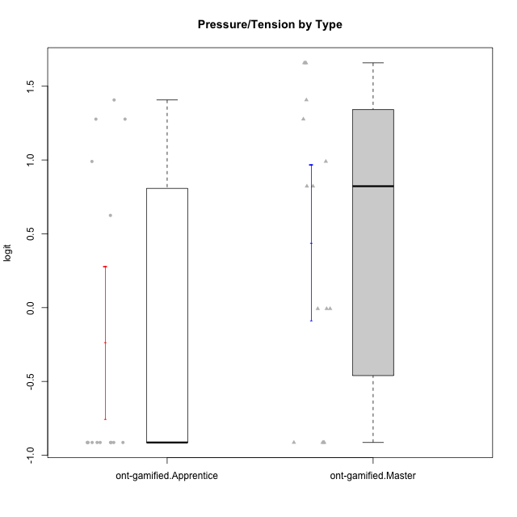

Student's t-Test data
UserID | NroUSP | Type | CLGroup | CLRole | PlayerRole | Interest/Enjoyment | Perceived Choice | Pressure/Tension | Effort/Importance | Intrinsic Motivation
10169 | 10377538 | ont-gamified | Grupo Hefesto | Master | Yee Achiever | 0.77354775663 | -0.34506436271 | 0.8224933278 | 0.21371742061 | -0.045073128315
10170 | 10260351 | ont-gamified | Grupo Afrodite | Apprentice | Yee Achiever | 0.33909170565 | 0.81251309803 | -0.91363027987 | 0.21371742061 | 0.56973812604
10174 | 10276852 | ont-gamified | Grupo Urano | Master | Yee Achiever | 0.04532479257 | -0.56508989585 | -0.0073696712261 | 1.1151835345 | 0.15069702562
10175 | 10310700 | ont-gamified | Grupo Hélio | Master | Yee Socializer | 0.77354775663 | 1.7454889569 | -0.91363027987 | -0.58740121816 | 0.81121714881
10176 | 10276949 | ont-gamified | Grupo Cronus | Apprentice | Yee Achiever | -0.62176572839 | 0.27922605818 | 1.2769315148 | -0.82301683991 | -0.61062200623
10178 | 8656201 | ont-gamified | Grupo Morfeu | Apprentice | Yee Socializer | 0.19438092697 | 0.27922605818 | 0.99020355854 | 0.21371742061 | -0.075719788195
10183 | 10352030 | ont-gamified | Grupo Hélio | Apprentice | Yee Socializer | -0.78975287252 | 0.010078688627 | 1.2769315148 | -0.08257998554 | -0.53479642106
10184 | 10276675 | ont-gamified | Grupo Apolo | Master | Yee Socializer | -0.27485572343 | 0.13995114232 | 0.99020355854 | 1.1151835345 | -0.0024811512813
10186 | 10310551 | ont-gamified | Grupo Ares | Apprentice | Yee Achiever | -0.11051255329 | 0.60542829398 | 1.4068182928 | 2.112963375 | 0.33599966761
10189 | 9363926 | ont-gamified | Grupo Hades | Master | Yee Socializer | -0.78975287252 | -0.11298912179 | 1.6580383299 | 0.58104575034 | -0.49493364347
10190 | 10276907 | ont-gamified | Grupo Zeus | Apprentice | Yee Socializer | -0.27485572343 | 0.27922605818 | 0.62480349003 | -1.2960764082 | -0.47912739086
10193 | 10276762 | ont-gamified | Grupo Afrodite | Master | Yee Achiever | 0.04532479257 | -0.56508989585 | -0.0073696712261 | -0.82301683991 | -0.33385306799
10195 | 10351971 | ont-gamified | Grupo Urano | Apprentice | Yee Achiever | 0.48203349534 | -0.45618554659 | -0.91363027987 | 0.21371742061 | 0.28829891231
10196 | 10310655 | ont-gamified | Grupo Hefesto | Apprentice | Yee Achiever | -0.78975287252 | -0.67246472837 | -0.91363027987 | 0.58104575034 | 0.0081146073306
10197 | 10276661 | ont-gamified | Grupo Gaia | Apprentice | Yee Achiever | 0.04532479257 | 1.4951814649 | -0.91363027987 | -0.58740121816 | 0.4666838298
10198 | 10310888 | ont-gamified | Grupo Apolo | Apprentice | Yee Socializer | 1.6465049901 | 1.7454889569 | -0.91363027987 | 2.112963375 | 1.2184175745
10199 | 10276737 | ont-gamified | Grupo Gaia | Master | Yee Achiever | -0.78975287252 | 1.7454889569 | 1.2769315148 | -0.82301683991 | -0.10207539477
10200 | 9795272 | ont-gamified | Grupo Hades | Apprentice | Yee Socializer | 1.4951617996 | 0.010078688627 | -0.91363027987 | -0.58740121816 | 0.45786738748
10201 | 10276928 | ont-gamified | Grupo Caronte | Master | Yee Achiever | 1.4951617996 | 0.27922605818 | 0.8224933278 | 1.8670095161 | 0.80194893812
10204 | 10310471 | ont-gamified | Grupo Hermes | Master | Yee Achiever | 1.9117264103 | 0.60542829398 | -0.91363027987 | 0.21371742061 | 0.81121714881
10206 | 10310721 | ont-gamified | Grupo Hera | Master | Yee Achiever | -0.27485572343 | 1.0818912276 | 1.6580383299 | -0.08257998554 | -0.23339570283
10209 | 10262669 | ont-gamified | Grupo Artemis | Apprentice | Yee Achiever | -1.4355957758 | -1.3020766724 | -0.91363027987 | 2.112963375 | -0.23281615393
10213 | 10277040 | ont-gamified | Grupo Morfeu | Master | Yee Socializer | 0.62587550794 | -0.45618554659 | -0.91363027987 | -1.4395746749 | -0.18410762009
10215 | 9285227 | ont-gamified | Grupo Zeus | Master | Yee Socializer | 0.19438092697 | 1.7454889569 | -0.91363027987 | 0.21371742061 | 0.81121714881
10218 | 9842913 | ont-gamified | Grupo Ares | Master | Yee Achiever | -1.326100113 | 0.010078688627 | 1.6580383299 | 0.58104575034 | -0.59825350099
10221 | 9082496 | ont-gamified | Grupo Hermes | Apprentice | Yee Achiever | -0.27485572343 | 0.010078688627 | -0.91363027987 | 0.58104575034 | 0.30747474885
10223 | 9795185 | ont-gamified | Grupo Cronus | Master | Yee Achiever | 1.4951617996 | 0.81251309803 | -0.0073696712261 | -0.34384769996 | 0.49279921722
10231 | 10276911 | ont-gamified | Grupo Caronte | Apprentice | Yee Achiever | 1.6465049901 | 1.4951814649 | -0.91363027987 | 0.58104575034 | 1.2184175745
10232 | 10276974 | ont-gamified | Grupo Artemis | Master | Yee Achiever | 0.62587550794 | -0.11298912179 | 1.4068182928 | 0.21371742061 | -0.1700536215
10240 | 10276654 | ont-gamified | Grupo Hera | Apprentice | Yee Achiever | -1.2095717429 | -1.3020766724 | -0.91363027987 | -0.82301683991 | -0.79108933843

