global-Estimate-Items
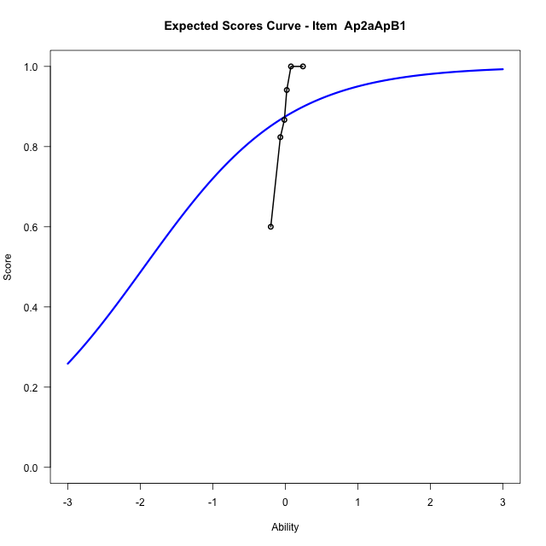
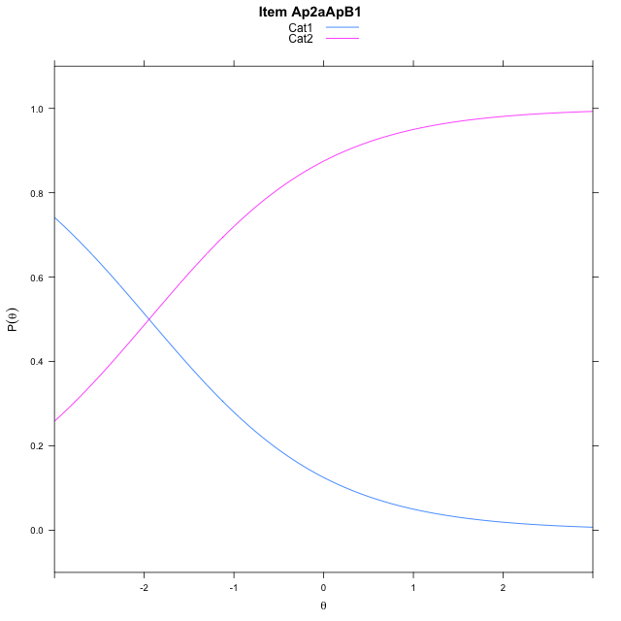
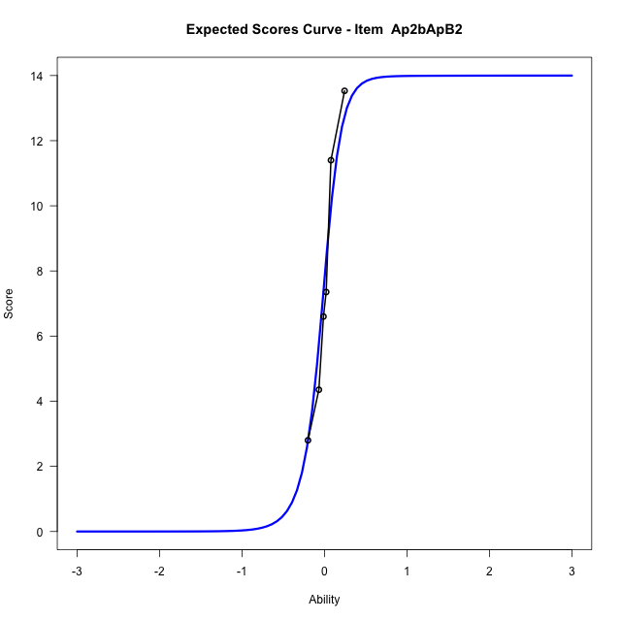
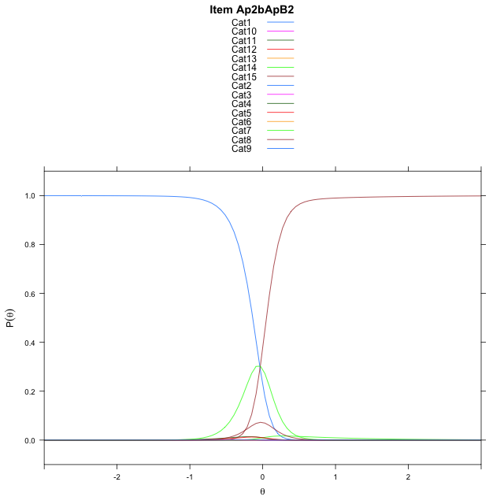
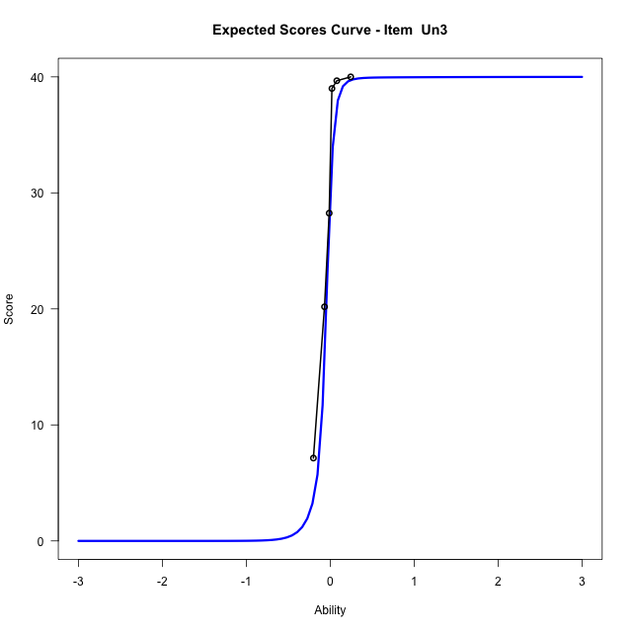
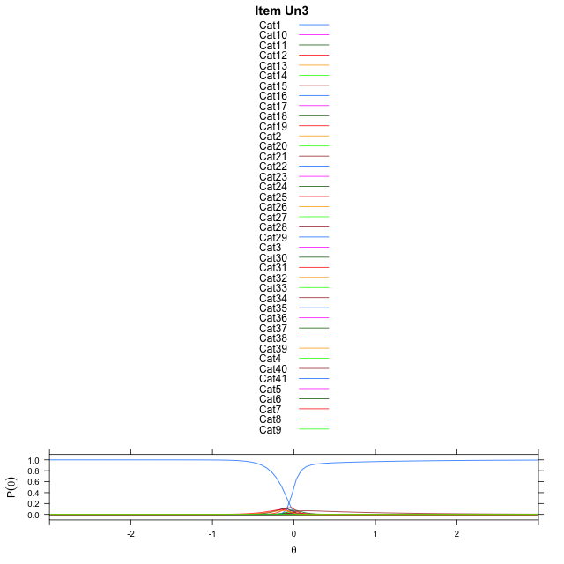
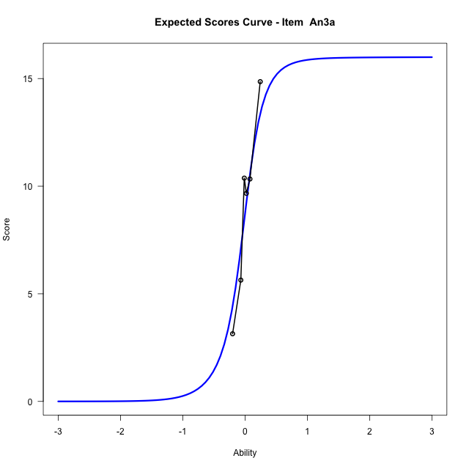
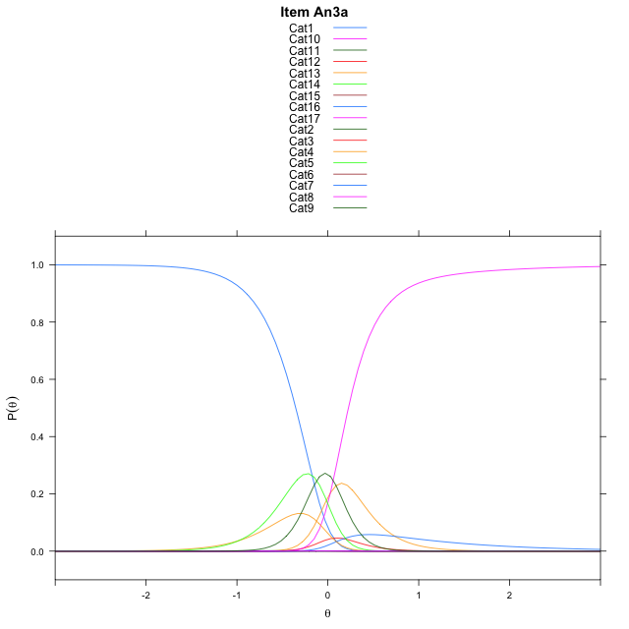
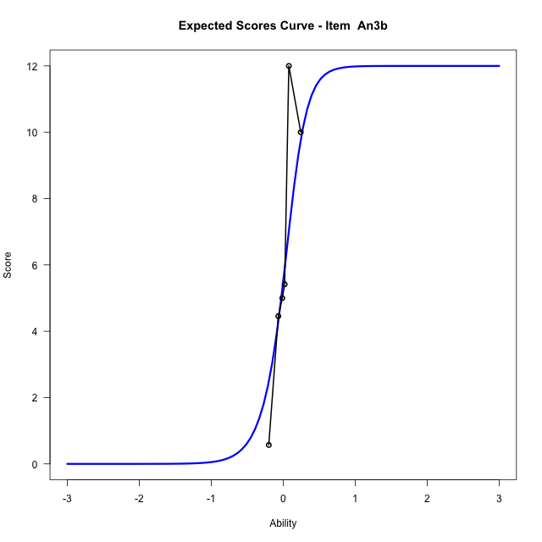
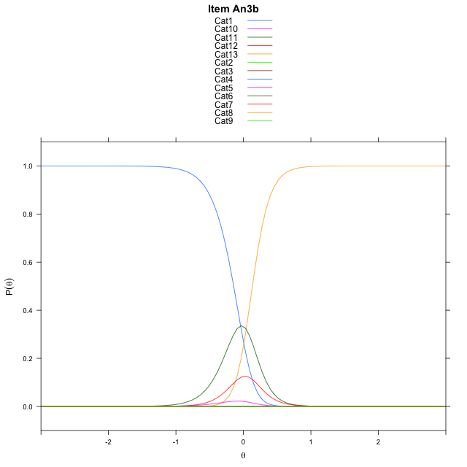
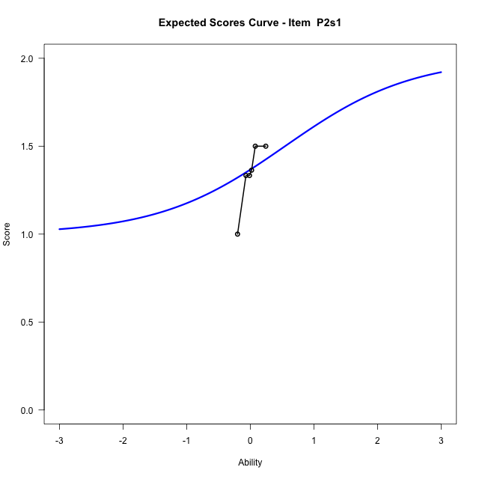
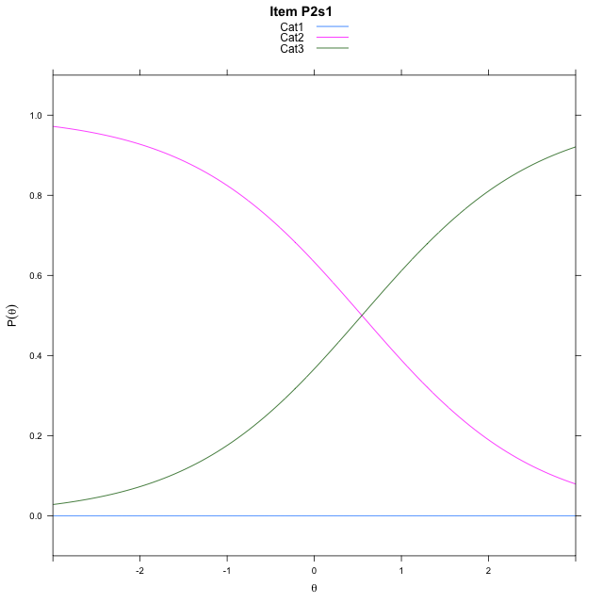
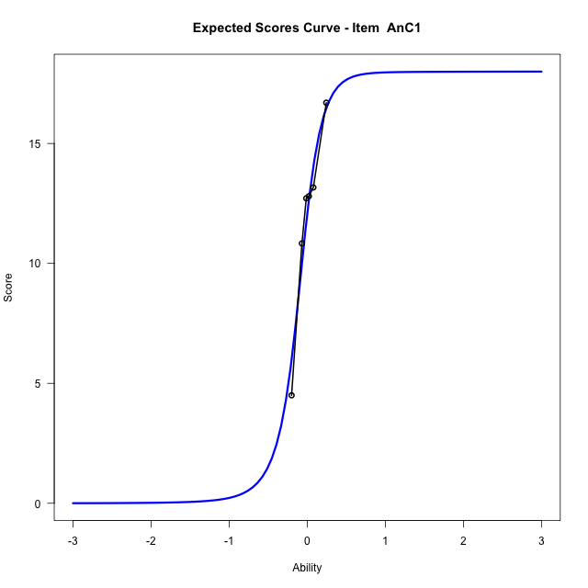
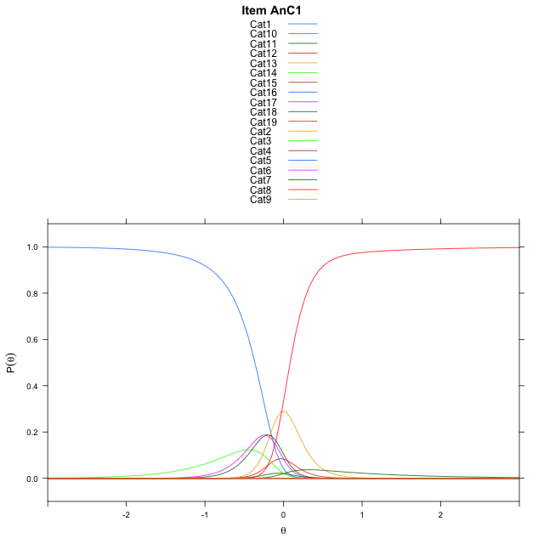
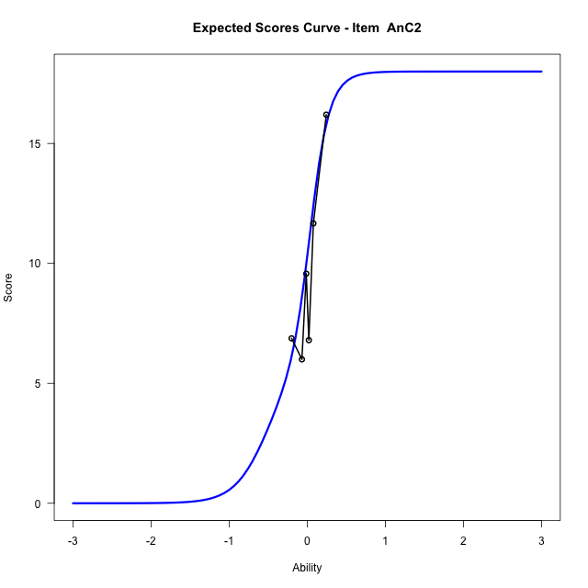
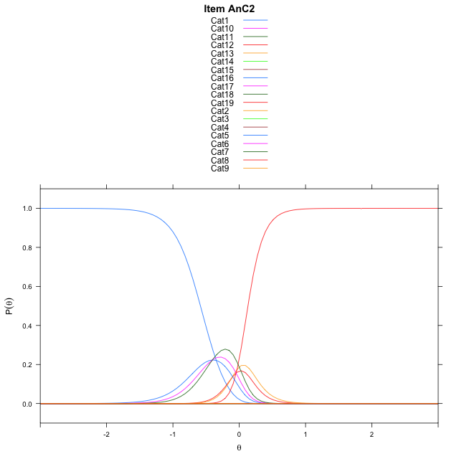
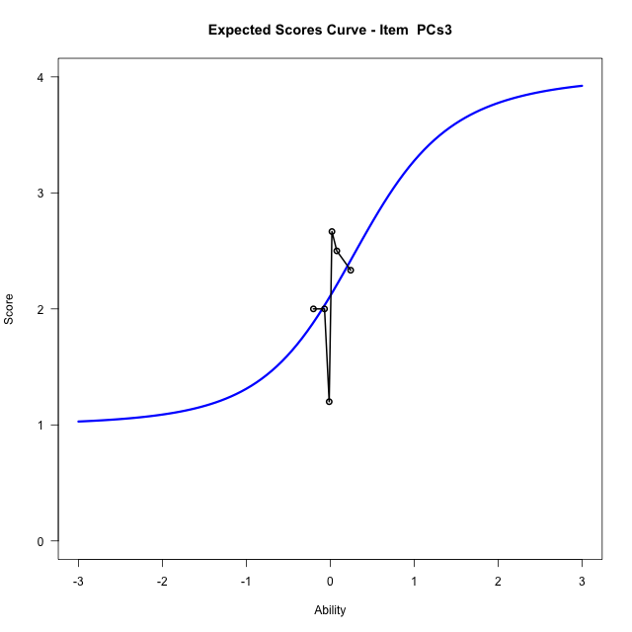
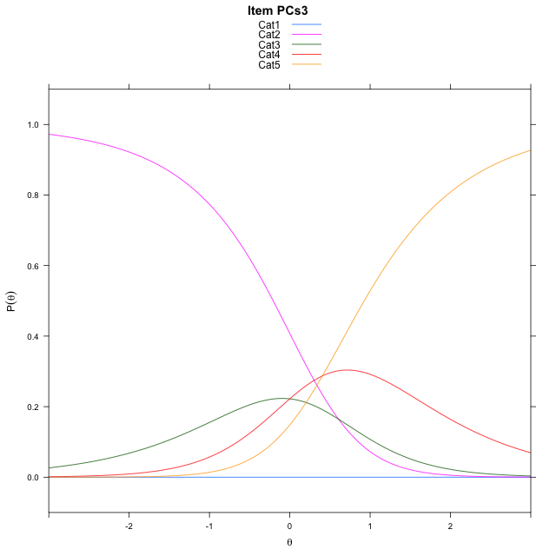
Estimate items information for the measurement model

Full Item Information
item | N | M | xsi.item | AXsi_.Cat1 | AXsi_.Cat2 | AXsi_.Cat3 | AXsi_.Cat4 | AXsi_.Cat5 | AXsi_.Cat6 | AXsi_.Cat7 | AXsi_.Cat8 | AXsi_.Cat9 | AXsi_.Cat10 | AXsi_.Cat11 | AXsi_.Cat12 | AXsi_.Cat13 | AXsi_.Cat14 | AXsi_.Cat15 | AXsi_.Cat16 | AXsi_.Cat17 | AXsi_.Cat18 | AXsi_.Cat19 | AXsi_.Cat20 | AXsi_.Cat21 | AXsi_.Cat22 | AXsi_.Cat23 | AXsi_.Cat24 | AXsi_.Cat25 | AXsi_.Cat26 | AXsi_.Cat27 | AXsi_.Cat28 | AXsi_.Cat29 | AXsi_.Cat30 | AXsi_.Cat31 | AXsi_.Cat32 | AXsi_.Cat33 | AXsi_.Cat34 | AXsi_.Cat35 | AXsi_.Cat36 | AXsi_.Cat37 | AXsi_.Cat38 | AXsi_.Cat39 | AXsi_.Cat40 | B.Cat1.Dim1 | B.Cat2.Dim1 | B.Cat3.Dim1 | B.Cat4.Dim1 | B.Cat5.Dim1 | B.Cat6.Dim1 | B.Cat7.Dim1 | B.Cat8.Dim1 | B.Cat9.Dim1 | B.Cat10.Dim1 | B.Cat11.Dim1 | B.Cat12.Dim1 | B.Cat13.Dim1 | B.Cat14.Dim1 | B.Cat15.Dim1 | B.Cat16.Dim1 | B.Cat17.Dim1 | B.Cat18.Dim1 | B.Cat19.Dim1 | B.Cat20.Dim1 | B.Cat21.Dim1 | B.Cat22.Dim1 | B.Cat23.Dim1 | B.Cat24.Dim1 | B.Cat25.Dim1 | B.Cat26.Dim1 | B.Cat27.Dim1 | B.Cat28.Dim1 | B.Cat29.Dim1 | B.Cat30.Dim1 | B.Cat31.Dim1 | B.Cat32.Dim1 | B.Cat33.Dim1 | B.Cat34.Dim1 | B.Cat35.Dim1 | B.Cat36.Dim1 | B.Cat37.Dim1 | B.Cat38.Dim1 | B.Cat39.Dim1 | B.Cat40.Dim1
Ap2aApB1 | 96 | 0.875 | -1.9459101491 | -1.9459101491 |  |  |  |  |  |  |  |  |  |  |  |  |  |  |  |  |  |  |  |  |  |  |  |  |  |  |  |  |  |  |  |  |  |  |  |  |  |  |  | 1 | 0 | 0 | 0 | 0 | 0 | 0 | 0 | 0 | 0 | 0 | 0 | 0 | 0 | 0 | 0 | 0 | 0 | 0 | 0 | 0 | 0 | 0 | 0 | 0 | 0 | 0 | 0 | 0 | 0 | 0 | 0 | 0 | 0 | 0 | 0 | 0 | 0 | 0 | 0
Ap2bApB2 | 96 | 7.71875 | -0.034664245075 | 5.7958795934 | 5.7877747748 | 3.1770231447 | 3.1472036637 | 5.2093851335 | -0.23780620559 | 1.158413912 | 5.9351234318 | 7.5813303026 | 7.881770098 | 7.2841622774 | 6.2707965311 | 3.1751530107 | -0.48529943104 |  |  |  |  |  |  |  |  |  |  |  |  |  |  |  |  |  |  |  |  |  |  |  |  |  |  | 1 | 2 | 3 | 4 | 5 | 6 | 7 | 8 | 9 | 10 | 11 | 12 | 13 | 14 | 0 | 0 | 0 | 0 | 0 | 0 | 0 | 0 | 0 | 0 | 0 | 0 | 0 | 0 | 0 | 0 | 0 | 0 | 0 | 0 | 0 | 0 | 0 | 0 | 0 | 0
Un3 | 48 | 28.4375 | -0.058776509745 | 6.2269391645 | 7.9762545205 | 8.2414102361 | 7.2428794867 | 5.5391049449 | 0.82973907999 | 0.88159477146 | 4.7365311899 | 0.155597098 | -0.032990358118 | 4.7333959546 | 6.8346727462 | 7.6365118393 | 7.3943510569 | 6.3692144941 | 4.6026697797 | 0.71580021566 | -1.210386046 | -0.059424330602 | 4.2221749345 | 5.919861879 | 6.6041308556 | 6.8542104888 | 7.0852368638 | 6.6705186886 | 5.8005326477 | 4.2954511671 | 0.4993741696 | -0.97360102886 | -0.011418293917 | 4.3749946894 | 5.9198907048 | 6.8233565538 | 7.1200700743 | 7.2095275266 | 6.8158115347 | 6.1285881378 | 4.3650807741 | 0.01784131052 | -2.3510603898 | 1 | 2 | 3 | 4 | 5 | 6 | 7 | 8 | 9 | 10 | 11 | 12 | 13 | 14 | 15 | 16 | 17 | 18 | 19 | 20 | 21 | 22 | 23 | 24 | 25 | 26 | 27 | 28 | 29 | 30 | 31 | 32 | 33 | 34 | 35 | 36 | 37 | 38 | 39 | 40
An3a | 48 | 8.7083333333 | -0.043088867212 | 5.6327469939 | 5.7962231967 | 0.28990754415 | -0.68995157514 | 4.7907047677 | 6.1488221473 | 5.0182110113 | -1.1726168644 | 4.6310658208 | 4.9608588139 | 0.70924094634 | -0.80608509966 | 5.0330998403 | 5.1409436636 | 1.4146891 | -0.68942187538 |  |  |  |  |  |  |  |  |  |  |  |  |  |  |  |  |  |  |  |  |  |  |  |  | 1 | 2 | 3 | 4 | 5 | 6 | 7 | 8 | 9 | 10 | 11 | 12 | 13 | 14 | 15 | 16 | 0 | 0 | 0 | 0 | 0 | 0 | 0 | 0 | 0 | 0 | 0 | 0 | 0 | 0 | 0 | 0 | 0 | 0 | 0 | 0 | 0 | 0 | 0 | 0
An3b | 48 | 5.5 | 0.0066890254474 | 7.4865177217 | 8.356188245 | 7.6628574777 | 2.5724244237 | -0.2087879065 | 0.77329049621 | 7.6341071427 | 9.5488806405 | 9.9298761891 | 9.4682123852 | 7.6482072041 | 0.080268305369 |  |  |  |  |  |  |  |  |  |  |  |  |  |  |  |  |  |  |  |  |  |  |  |  |  |  |  |  | 1 | 2 | 3 | 4 | 5 | 6 | 7 | 8 | 9 | 10 | 11 | 12 | 0 | 0 | 0 | 0 | 0 | 0 | 0 | 0 | 0 | 0 | 0 | 0 | 0 | 0 | 0 | 0 | 0 | 0 | 0 | 0 | 0 | 0 | 0 | 0 | 0 | 0 | 0 | 0
P2s1 | 30 | 1.3666666667 | -21.933217595 | -44.412978896 | -43.86643519 |  |  |  |  |  |  |  |  |  |  |  |  |  |  |  |  |  |  |  |  |  |  |  |  |  |  |  |  |  |  |  |  |  |  |  |  |  |  | 1 | 2 | 0 | 0 | 0 | 0 | 0 | 0 | 0 | 0 | 0 | 0 | 0 | 0 | 0 | 0 | 0 | 0 | 0 | 0 | 0 | 0 | 0 | 0 | 0 | 0 | 0 | 0 | 0 | 0 | 0 | 0 | 0 | 0 | 0 | 0 | 0 | 0 | 0 | 0
AnC1 | 48 | 12.0625 | -0.11557581474 | 5.9665007668 | 0.69817581921 | 6.3629983932 | 6.3118253797 | -0.69332749615 | -0.91585836887 | 5.6935225073 | 6.680888001 | 5.7983207203 | 0.69990580914 | -0.69409278361 | -1.9461252352 | 5.3872770927 | 7.356360258 | 7.3288334523 | 5.4922675895 | 0.70226518889 | -2.0803646653 |  |  |  |  |  |  |  |  |  |  |  |  |  |  |  |  |  |  |  |  |  |  | 1 | 2 | 3 | 4 | 5 | 6 | 7 | 8 | 9 | 10 | 11 | 12 | 13 | 14 | 15 | 16 | 17 | 18 | 0 | 0 | 0 | 0 | 0 | 0 | 0 | 0 | 0 | 0 | 0 | 0 | 0 | 0 | 0 | 0 | 0 | 0 | 0 | 0 | 0 | 0
AnC2 | 48 | 10.291666667 | -0.13329257693 | 7.0460915922 | 8.1503631945 | 6.9860890798 | -1.3866012366 | -1.7923985211 | -2.196563433 | 4.579107269 | 5.9936512013 | 6.1403254126 | 4.6044369008 | -2.0792655344 | -2.1976732917 | 4.8949308533 | 6.7368305003 | 6.929908218 | 6.6014137872 | 4.8251805103 | -2.3992663848 |  |  |  |  |  |  |  |  |  |  |  |  |  |  |  |  |  |  |  |  |  |  | 1 | 2 | 3 | 4 | 5 | 6 | 7 | 8 | 9 | 10 | 11 | 12 | 13 | 14 | 15 | 16 | 17 | 18 | 0 | 0 | 0 | 0 | 0 | 0 | 0 | 0 | 0 | 0 | 0 | 0 | 0 | 0 | 0 | 0 | 0 | 0 | 0 | 0 | 0 | 0
PCs3 | 27 | 2.1111111111 | -15.910345497 | -64.652982901 | -64.046847098 | -64.046847098 | -63.64138199 |  |  |  |  |  |  |  |  |  |  |  |  |  |  |  |  |  |  |  |  |  |  |  |  |  |  |  |  |  |  |  |  |  |  |  |  | 1 | 2 | 3 | 4 | 0 | 0 | 0 | 0 | 0 | 0 | 0 | 0 | 0 | 0 | 0 | 0 | 0 | 0 | 0 | 0 | 0 | 0 | 0 | 0 | 0 | 0 | 0 | 0 | 0 | 0 | 0 | 0 | 0 | 0 | 0 | 0 | 0 | 0 | 0 | 0

Thurstonian Thresholds (category-wise)
 | Cat1 | Cat2 | Cat3 | Cat4 | Cat5 | Cat6 | Cat7 | Cat8 | Cat9 | Cat10 | Cat11 | Cat12 | Cat13 | Cat14 | Cat15 | Cat16 | Cat17 | Cat18 | Cat19 | Cat20 | Cat21 | Cat22 | Cat23 | Cat24 | Cat25 | Cat26 | Cat27 | Cat28 | Cat29 | Cat30 | Cat31 | Cat32 | Cat33 | Cat34 | Cat35 | Cat36 | Cat37 | Cat38 | Cat39 | Cat40
Ap2aApB1 | -1.9459533691
Ap2bApB2 | -0.13668823242 | -0.13613891602 | -0.13540649414 | -0.1286315918 | -0.12258911133 | -0.12185668945 | 0.016937255859 | 0.045684814453 | 0.046051025391 | 0.046051025391 | 0.046051025391 | 0.046234130859 | 0.046417236328 | 0.051361083984
Un3 | -0.14730834961 | -0.14694213867 | -0.14694213867 | -0.14694213867 | -0.14694213867 | -0.14657592773 | -0.11947631836 | -0.10116577148 | -0.10098266602 | -0.078460693359 | -0.060333251953 | -0.060333251953 | -0.060333251953 | -0.060333251953 | -0.060150146484 | -0.060150146484 | -0.060150146484 | -0.056671142578 | -0.035614013672 | -0.029937744141 | -0.029754638672 | -0.029754638672 | -0.029754638672 | -0.029754638672 | -0.029754638672 | -0.029754638672 | -0.029754638672 | -0.029754638672 | -0.027191162109 | -0.014739990234 | -0.0096130371094 | -0.0094299316406 | -0.0094299316406 | -0.0094299316406 | -0.0094299316406 | -0.0094299316406 | -0.0094299316406 | -0.0094299316406 | -0.0094299316406 | -0.0017395019531
An3a | -0.35293579102 | -0.3518371582 | -0.3512878418 | -0.25149536133 | -0.095123291016 | -0.094757080078 | -0.094573974609 | -0.094390869141 | 0.039276123047 | 0.039642333984 | 0.040008544922 | 0.061981201172 | 0.1936340332 | 0.19418334961 | 0.19473266602 | 0.2258605957
An3b | -0.14419555664 | -0.14401245117 | -0.14401245117 | -0.14401245117 | -0.13027954102 | 0.070404052734 | 0.13284301758 | 0.13284301758 | 0.13284301758 | 0.13284301758 | 0.13284301758 | 0.13302612305
P2s1 | -11.999908447 | 0.54647827148
AnC1 | -0.36392211914 | -0.36337280273 | -0.29013061523 | -0.29013061523 | -0.28994750977 | -0.1901550293 | -0.10922241211 | -0.10922241211 | -0.10922241211 | -0.10903930664 | -0.10025024414 | -0.065826416016 | 0.069488525391 | 0.069671630859 | 0.069671630859 | 0.069671630859 | 0.069854736328 | 0.083770751953
AnC2 | -0.58493041992 | -0.58474731445 | -0.58474731445 | -0.58456420898 | -0.40017700195 | -0.18832397461 | -0.037811279297 | -0.037628173828 | -0.037628173828 | -0.037628173828 | -0.037445068359 | 0.039276123047 | 0.13101196289 | 0.13101196289 | 0.13101196289 | 0.13101196289 | 0.13101196289 | 0.13119506836
PCs3 | -11.999908447 | -0.20663452148 | 0.25900268555 | 0.92642211914

Thurstonian Thresholds (item-wise)
 | Threshold
Ap2aApB1 | -1.9475960171
Ap2bApB2 | -0.056382941952
Un3 | -0.20873172122
An3a | -0.054454054889
An3b | 0.047765321905
P2s1
AnC1 | -0.16601696643
AnC2 | -0.098439514896
PCs3 | -0.11480921004

Item Infit/Outfit Statistic
parameter | Outfit | Outfit_t | Outfit_p | Outfit_pholm | Infit | Infit_t | Infit_p | Infit_pholm
Ap2aApB1_Cat1 | 0.99999999909 | 0.077151671031 | 0.93850288792 | 1 | 1 | 0.077151674981 | 0.93850288478 | 1
Ap2bApB2_Cat1 | 0.99817210618 | 0.029759275198 | 0.97625903805 | 1 | 0.99817210674 | 0.029759279505 | 0.97625903462 | 1
Ap2bApB2_Cat2 | 0.99609234767 | 0.013603778641 | 0.98914608983 | 1 | 0.99609234823 | 0.013603782951 | 0.98914608639 | 1
Ap2bApB2_Cat3 | 0.99401712999 | -0.0026558438728 | 0.99788094567 | 1 | 0.99401713055 | -0.002655839559 | 0.99788094911 | 1
Ap2bApB2_Cat4 | 0.99672712674 | 0.014792673912 | 0.98819758431 | 1 | 0.99672712729 | 0.014792678327 | 0.98819758079 | 1
Ap2bApB2_Cat5 | 0.99835764151 | 0.025164706259 | 0.97992358836 | 1 | 0.99835764204 | 0.02516471079 | 0.97992358475 | 1
Ap2bApB2_Cat6 | 0.99511550069 | -0.0030305624352 | 0.99758196472 | 1 | 0.99511550122 | -0.0030305578944 | 0.99758196835 | 1
Ap2bApB2_Cat7 | 1.0005988024 | 0.039603832634 | 0.96840897184 | 1 | 1.0005988028 | 0.039603855311 | 0.96840895376 | 1
Ap2bApB2_Cat8 | 1.0009506508 | 0.035762313864 | 0.97147188301 | 1 | 1.0009506512 | 0.035762322582 | 0.97147187606 | 1
Ap2bApB2_Cat9 | 1.0015440198 | 0.047904647288 | 0.96179223564 | 1 | 1.0015440202 | 0.047904655965 | 0.96179222873 | 1
Ap2bApB2_Cat10 | 1.0016588116 | 0.050238101506 | 0.95993264926 | 1 | 1.001658812 | 0.050238110175 | 0.95993264235 | 1
Ap2bApB2_Cat11 | 1.0017439185 | 0.051964915473 | 0.95855664902 | 1 | 1.0017439189 | 0.051964924137 | 0.95855664212 | 1
Ap2bApB2_Cat12 | 1.0018993102 | 0.055110787462 | 0.95605020206 | 1 | 1.0018993107 | 0.055110796115 | 0.95605019516 | 1
Ap2bApB2_Cat13 | 1.0023313612 | 0.063810459613 | 0.94912114967 | 1 | 1.0023313616 | 0.063810468237 | 0.9491211428 | 1
Ap2bApB2_Cat14 | 1.0016854024 | 0.049342528833 | 0.96064632767 | 1 | 1.0016854028 | 0.04934253684 | 0.96064632129 | 1
Un3_Cat1 | 0.74220526296 | -0.33380556633 | 0.7385262828 | 1 | 0.74220526433 | -0.33380556328 | 0.7385262851 | 1
Un3_Cat2 | 0.74076045527 | -0.33793663212 | 0.73541094137 | 1 | 0.74076045664 | -0.33793662908 | 0.73541094367 | 1
Un3_Cat3 | 0.74048085626 | -0.33873791791 | 0.73480717325 | 1 | 0.74048085762 | -0.33873791486 | 0.73480717554 | 1
Un3_Cat4 | 0.74024062364 | -0.33942686465 | 0.73428818347 | 1 | 0.740240625 | -0.33942686161 | 0.73428818576 | 1
Un3_Cat5 | 0.73950712822 | -0.34153314943 | 0.73270225378 | 1 | 0.73950712958 | -0.3415331464 | 0.73270225606 | 1
Un3_Cat6 | 0.73495761489 | -0.3546905456 | 0.72282143456 | 1 | 0.73495761623 | -0.35469054257 | 0.72282143682 | 1
Un3_Cat7 | 0.62669476992 | -1.071656426 | 0.28387437914 | 1 | 0.62669477057 | -1.0716564236 | 0.28387438024 | 1
Un3_Cat8 | 0.69484564188 | -0.97327001849 | 0.33041911928 | 1 | 0.69484564249 | -0.97327001602 | 0.3304191205 | 1
Un3_Cat9 | 0.69390403635 | -0.97885116083 | 0.3276535267 | 1 | 0.69390403696 | -0.97885115837 | 0.32765352792 | 1
Un3_Cat10 | 0.88876855037 | -0.29832553142 | 0.76545471971 | 1 | 0.88876855109 | -0.29832552875 | 0.76545472175 | 1
Un3_Cat11 | 1.0457199391 | 0.25653659987 | 0.79753652312 | 1 | 1.0457199399 | 0.25653660268 | 0.79753652095 | 1
Un3_Cat12 | 1.0450393683 | 0.25414827538 | 0.79938100906 | 1 | 1.045039369 | 0.2541482782 | 0.79938100688 | 1
Un3_Cat13 | 1.044948709 | 0.25382981052 | 0.79962704203 | 1 | 1.0449487098 | 0.25382981334 | 0.79962703986 | 1
Un3_Cat14 | 1.0449042626 | 0.2536736536 | 0.79974768978 | 1 | 1.0449042633 | 0.25367365641 | 0.7997476876 | 1
Un3_Cat15 | 1.0448422586 | 0.25345578082 | 0.79991602754 | 1 | 1.0448422594 | 0.25345578363 | 0.79991602536 | 1
Un3_Cat16 | 1.0446525057 | 0.25278880129 | 0.80043142199 | 1 | 1.0446525065 | 0.2527888041 | 0.80043141981 | 1
Un3_Cat17 | 1.0434326505 | 0.24849325017 | 0.80375279193 | 1 | 1.0434326513 | 0.24849325298 | 0.80375278975 | 1
Un3_Cat18 | 1.0801259533 | 0.3927923803 | 0.69447283294 | 1 | 1.080125954 | 0.39279238316 | 0.69447283082 | 1
Un3_Cat19 | 1.1937714675 | 1.1129698418 | 0.2657213821 | 1 | 1.1937714682 | 1.1129698452 | 0.26572138066 | 1
Un3_Cat20 | 1.215824927 | 1.3637238467 | 0.17265449585 | 1 | 1.2158249276 | 1.3637238502 | 0.17265449473 | 1
Un3_Cat21 | 1.2146500993 | 1.3591119196 | 0.1741111263 | 1 | 1.2146501 | 1.3591119232 | 0.17411112517 | 1
Un3_Cat22 | 1.2144294344 | 1.3582440131 | 0.17438626898 | 1 | 1.2144294351 | 1.3582440167 | 0.17438626785 | 1
Un3_Cat23 | 1.2143147596 | 1.3577927728 | 0.17452944885 | 1 | 1.2143147603 | 1.3577927764 | 0.17452944772 | 1
Un3_Cat24 | 1.2142227112 | 1.3574304633 | 0.17464447423 | 1 | 1.2142227118 | 1.3574304669 | 0.17464447309 | 1
Un3_Cat25 | 1.2141472232 | 1.3571332684 | 0.17473886939 | 1 | 1.2141472238 | 1.357133272 | 0.17473886826 | 1
Un3_Cat26 | 1.21402902 | 1.3566677807 | 0.17488679432 | 1 | 1.2140290206 | 1.3566677842 | 0.17488679318 | 1
Un3_Cat27 | 1.2137364645 | 1.3555150368 | 0.1752535211 | 1 | 1.2137364651 | 1.3555150403 | 0.17525351996 | 1
Un3_Cat28 | 1.2123675434 | 1.3501087636 | 0.17698109771 | 1 | 1.2123675441 | 1.3501087671 | 0.17698109656 | 1
Un3_Cat29 | 1.1989337139 | 1.3867164064 | 0.16552825581 | 1 | 1.1989337145 | 1.3867164101 | 0.16552825466 | 1
Un3_Cat30 | 1.1349894931 | 1.6139642539 | 0.10653518008 | 1 | 1.1349894936 | 1.6139642594 | 0.10653517888 | 1
Un3_Cat31 | 1.1065248381 | 1.7146654822 | 0.086406575582 | 1 | 1.1065248385 | 1.7146654893 | 0.086406574278 | 1
Un3_Cat32 | 1.1056779019 | 1.7088606378 | 0.087476767267 | 1 | 1.1056779024 | 1.7088606449 | 0.087476765945 | 1
Un3_Cat33 | 1.1054919367 | 1.7075823579 | 0.087713864196 | 1 | 1.1054919371 | 1.707582365 | 0.087713862869 | 1
Un3_Cat34 | 1.1054139089 | 1.707045617 | 0.087813573971 | 1 | 1.1054139094 | 1.7070456241 | 0.087813572643 | 1
Un3_Cat35 | 1.1053536565 | 1.7066309892 | 0.087890661491 | 1 | 1.105353657 | 1.7066309963 | 0.087890660162 | 1
Un3_Cat36 | 1.1052962233 | 1.7062356307 | 0.087964217283 | 1 | 1.1052962238 | 1.7062356378 | 0.087964215953 | 1
Un3_Cat37 | 1.1052074705 | 1.7056244235 | 0.088078029072 | 1 | 1.105207471 | 1.7056244306 | 0.08807802774 | 1
Un3_Cat38 | 1.105022569 | 1.7043500956 | 0.088315701213 | 1 | 1.1050225694 | 1.7043501027 | 0.088315699876 | 1
Un3_Cat39 | 1.1038968092 | 1.6965626634 | 0.089779373669 | 1 | 1.1038968097 | 1.6965626706 | 0.089779372308 | 1
Un3_Cat40 | 1.0521309979 | 1.6190173813 | 0.10544352339 | 1 | 1.0521309983 | 1.6190173943 | 0.10544352061 | 1
An3a_Cat1 | 0.99938849709 | 0.14359479322 | 0.88582045246 | 1 | 0.9993884984 | 0.14359479622 | 0.88582045008 | 1
An3a_Cat2 | 0.99619709049 | 0.13589321229 | 0.89190570151 | 1 | 0.99619709179 | 0.13589321529 | 0.89190569914 | 1
An3a_Cat3 | 0.9935036606 | 0.12935369477 | 0.89707778599 | 1 | 0.99350366189 | 0.12935369777 | 0.89707778362 | 1
An3a_Cat4 | 0.99714243855 | 0.086381940214 | 0.93116280288 | 1 | 0.99714243935 | 0.086381942983 | 0.93116280068 | 1
An3a_Cat5 | 0.99984073936 | 0.037538221814 | 0.97005586501 | 1 | 0.99984073983 | 0.037538225801 | 0.97005586183 | 1
An3a_Cat6 | 0.9986568804 | 0.027175820344 | 0.97831950115 | 1 | 0.99865688087 | 0.027175824342 | 0.97831949796 | 1
An3a_Cat7 | 0.9983545181 | 0.024513727906 | 0.98044283372 | 1 | 0.99835451856 | 0.024513731907 | 0.98044283053 | 1
An3a_Cat8 | 0.99742029577 | 0.01624805378 | 0.98703649914 | 1 | 0.99742029623 | 0.016248057789 | 0.98703649594 | 1
An3a_Cat9 | 1.0000444536 | 0.017188293105 | 0.98628640156 | 1 | 1.0000444541 | 0.017188301531 | 0.98628639484 | 1
An3a_Cat10 | 1.0006002257 | 0.028607306091 | 0.97717778505 | 1 | 1.0006002261 | 0.02860731444 | 0.97717777839 | 1
An3a_Cat11 | 1.0010069866 | 0.036823836742 | 0.97062546796 | 1 | 1.001006987 | 0.036823845037 | 0.97062546135 | 1
An3a_Cat12 | 1.0008740977 | 0.03666073873 | 0.97075551354 | 1 | 1.0008740981 | 0.036660744422 | 0.970755509 | 1
An3a_Cat13 | 1.0001815685 | 0.077844951182 | 0.93795138904 | 1 | 1.0001815692 | 0.077844954022 | 0.93795138678 | 1
An3a_Cat14 | 1.0023899826 | 0.087577784261 | 0.93021225991 | 1 | 1.0023899832 | 0.087577787101 | 0.93021225765 | 1
An3a_Cat15 | 1.0043867333 | 0.096319221129 | 0.92326704581 | 1 | 1.0043867339 | 0.096319223969 | 0.92326704355 | 1
An3a_Cat16 | 1.0024083614 | 0.095593930641 | 0.92384308577 | 1 | 1.0024083621 | 0.095593933431 | 0.92384308356 | 1
An3b_Cat1 | 1.0006428547 | 0.054008743689 | 0.95692819795 | 1 | 1.0006428552 | 0.054008747088 | 0.95692819525 | 1
An3b_Cat2 | 1.0002954759 | 0.051640224308 | 0.95881536772 | 1 | 1.0002954764 | 0.051640227708 | 0.95881536501 | 1
An3b_Cat3 | 1.0001503061 | 0.050649103407 | 0.95960513415 | 1 | 1.0001503066 | 0.050649106808 | 0.95960513144 | 1
An3b_Cat4 | 0.99985966321 | 0.048662453817 | 0.96118829792 | 1 | 0.99985966372 | 0.048662457219 | 0.96118829521 | 1
An3b_Cat5 | 1.0002207659 | 0.045800020152 | 0.96346964275 | 1 | 1.0002207664 | 0.045800023809 | 0.96346963984 | 1
An3b_Cat6 | 0.99990559196 | 0.023558806701 | 0.98120453051 | 1 | 0.99990559239 | 0.023558812429 | 0.98120452595 | 1
An3b_Cat7 | 0.99946506105 | 0.052282414558 | 0.9583036653 | 1 | 0.99946506158 | 0.05228241776 | 0.95830366275 | 1
An3b_Cat8 | 0.99980810325 | 0.054382330202 | 0.95663055648 | 1 | 0.99980810378 | 0.054382333402 | 0.95663055393 | 1
An3b_Cat9 | 0.99985866315 | 0.05469154674 | 0.95638420401 | 1 | 0.99985866369 | 0.05469154994 | 0.95638420146 | 1
An3b_Cat10 | 0.99989323013 | 0.054902911211 | 0.95621581257 | 1 | 0.99989323066 | 0.054902914411 | 0.95621581002 | 1
An3b_Cat11 | 0.99994814567 | 0.055238629856 | 0.95594835373 | 1 | 0.9999481462 | 0.055238633056 | 0.95594835118 | 1
An3b_Cat12 | 1.0002881974 | 0.057315583917 | 0.95429380659 | 1 | 1.0002881979 | 0.057315587116 | 0.95429380404 | 1
P2s1_Cat1 | 0
P2s1_Cat2 | 0.99999999957 | 0.03367711709 | 0.97313462654 | 1 | 1 | 0.033677121352 | 0.97313462314 | 1
AnC1_Cat1 | 1.0023909597 | 0.22462420289 | 0.82227163481 | 1 | 1.0023909622 | 0.22462420668 | 0.82227163186 | 1
AnC1_Cat2 | 0.99999221883 | 0.22069462379 | 0.82533021785 | 1 | 0.99999222133 | 0.22069462757 | 0.8253302149 | 1
AnC1_Cat3 | 1.0020377414 | 0.17804541449 | 0.85868730988 | 1 | 1.0020377431 | 0.17804541777 | 0.85868730731 | 1
AnC1_Cat4 | 1.000986101 | 0.17591650751 | 0.86035953647 | 1 | 1.0009861027 | 0.17591651079 | 0.8603595339 | 1
AnC1_Cat5 | 0.99988176217 | 0.17367632402 | 0.86211984542 | 1 | 0.99988176388 | 0.17367632729 | 0.86211984285 | 1
AnC1_Cat6 | 1.0002143659 | 0.097320166539 | 0.92247214143 | 1 | 1.0002143668 | 0.09732016931 | 0.92247213923 | 1
AnC1_Cat7 | 1.0004402892 | 0.058243464742 | 0.95355469961 | 1 | 1.0004402898 | 0.058243467941 | 0.95355469706 | 1
AnC1_Cat8 | 1.0000722335 | 0.055996908621 | 0.95534426986 | 1 | 1.0000722341 | 0.055996911821 | 0.95534426731 | 1
AnC1_Cat9 | 0.99993548049 | 0.055161210649 | 0.95601003128 | 1 | 0.99993548103 | 0.055161213849 | 0.95601002873 | 1
AnC1_Cat10 | 0.99960446586 | 0.053136178715 | 0.95762340571 | 1 | 0.99960446639 | 0.053136181915 | 0.95762340316 | 1
AnC1_Cat11 | 1.0000270051 | 0.049806677803 | 0.96027644517 | 1 | 1.0000270056 | 0.049806681204 | 0.96027644246 | 1
AnC1_Cat12 | 0.99999615913 | 0.029297103967 | 0.97662763661 | 1 | 0.99999615957 | 0.029297108934 | 0.97662763265 | 1
AnC1_Cat13 | 0.99975928356 | 0.026561070866 | 0.97880982325 | 1 | 0.999759284 | 0.026561075838 | 0.97880981928 | 1
AnC1_Cat14 | 0.99999717678 | 0.029308840986 | 0.97661827585 | 1 | 0.99999717722 | 0.029308845953 | 0.97661827188 | 1
AnC1_Cat15 | 1.0000304016 | 0.029691956672 | 0.97631272674 | 1 | 1.0000304021 | 0.029691961638 | 0.97631272278 | 1
AnC1_Cat16 | 1.0000645687 | 0.030085771972 | 0.97599864792 | 1 | 1.0000645691 | 0.030085776938 | 0.97599864396 | 1
AnC1_Cat17 | 1.0002797012 | 0.032561607382 | 0.97402418645 | 1 | 1.0002797016 | 0.032561612342 | 0.9740241825 | 1
AnC1_Cat18 | 1.0000206256 | 0.034225917196 | 0.97269699971 | 1 | 1.0000206261 | 0.034225921605 | 0.9726969962 | 1
AnC2_Cat1 | 1.0012391743 | 0.3243207349 | 0.74569522317 | 1 | 1.0012391793 | 0.32432073997 | 0.74569521934 | 1
AnC2_Cat2 | 1.0003989714 | 0.32330683066 | 0.74646288144 | 1 | 1.0003989764 | 0.32330683572 | 0.74646287761 | 1
AnC2_Cat3 | 1.0001209472 | 0.32297103103 | 0.74671718124 | 1 | 1.0001209521 | 0.3229710361 | 0.74671717741 | 1
AnC2_Cat4 | 0.9992310778 | 0.3218952446 | 0.74753205588 | 1 | 0.99923108269 | 0.32189524966 | 0.74753205205 | 1
AnC2_Cat5 | 1.0005789222 | 0.12629159817 | 0.8995011067 | 1 | 1.0005789233 | 0.12629160104 | 0.89950110443 | 1
AnC2_Cat6 | 1.0004699334 | 0.06457956256 | 0.94850875745 | 1 | 1.000469934 | 0.064579565602 | 0.94850875503 | 1
AnC2_Cat7 | 1.0003597106 | 0.0236935181 | 0.98109707636 | 1 | 1.000359711 | 0.023693526481 | 0.98109706968 | 1
AnC2_Cat8 | 1.0002124924 | 0.020664939449 | 0.98351293731 | 1 | 1.0002124928 | 0.020664947851 | 0.98351293061 | 1
AnC2_Cat9 | 1.0001768564 | 0.019929417107 | 0.98409967834 | 1 | 1.0001768568 | 0.019929425514 | 0.98409967164 | 1
AnC2_Cat10 | 1.0001461248 | 0.019294357708 | 0.98460628499 | 1 | 1.0001461252 | 0.019294366119 | 0.98460627828 | 1
AnC2_Cat11 | 1.0000036939 | 0.016341780249 | 0.98696172617 | 1 | 1.0000036943 | 0.016341788681 | 0.98696171944 | 1
AnC2_Cat12 | 0.99982216597 | 0.012556300713 | 0.98998178477 | 1 | 0.99982216638 | 0.01255630917 | 0.98998177802 | 1
AnC2_Cat13 | 0.99869194973 | 0.054816943456 | 0.95628430177 | 1 | 0.99869195029 | 0.054816946501 | 0.95628429935 | 1
AnC2_Cat14 | 0.99916495215 | 0.05742101327 | 0.95420982445 | 1 | 0.99916495272 | 0.057421016314 | 0.95420982202 | 1
AnC2_Cat15 | 0.99923997104 | 0.057833561963 | 0.95388120433 | 1 | 0.9992399716 | 0.057833565007 | 0.9538812019 | 1
AnC2_Cat16 | 0.99930183234 | 0.05817365894 | 0.9536103023 | 1 | 0.99930183291 | 0.058173661984 | 0.95361029988 | 1
AnC2_Cat17 | 0.99938780614 | 0.058646177941 | 0.95323392928 | 1 | 0.99938780671 | 0.058646180985 | 0.95323392685 | 1
AnC2_Cat18 | 0.9998968233 | 0.061440399418 | 0.95100847903 | 1 | 0.99989682386 | 0.061440402461 | 0.95100847661 | 1
PCs3_Cat1 | 0
PCs3_Cat2 | 0.99999999959 | 0.024177446505 | 0.98071106795 | 1 | 1 | 0.024177452216 | 0.9807110634 | 1
PCs3_Cat3 | 0.99999999957 | 0.034440574732 | 0.97252582869 | 1 | 1 | 0.034440578882 | 0.97252582538 | 1
PCs3_Cat4 | 0.99999999921 | 0.12707395396 | 0.89888186605 | 1 | 1 | 0.12707395603 | 0.89888186441 | 1

Box plot of expected curves

stacking-pre-Estimate-Items
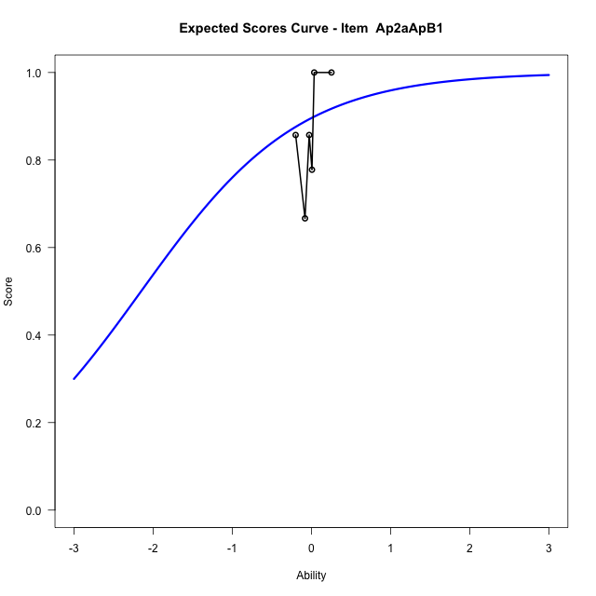
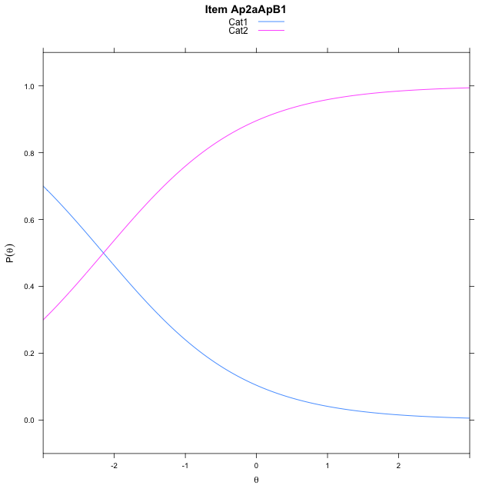
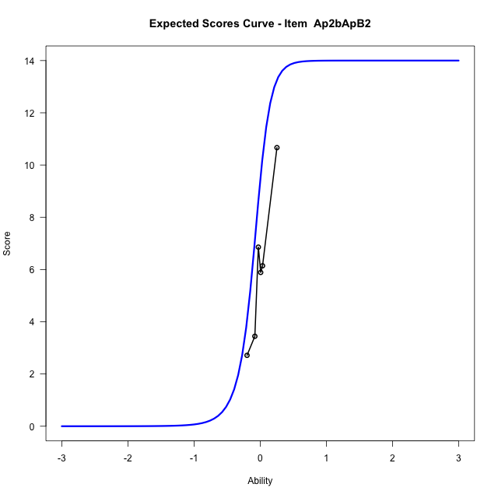
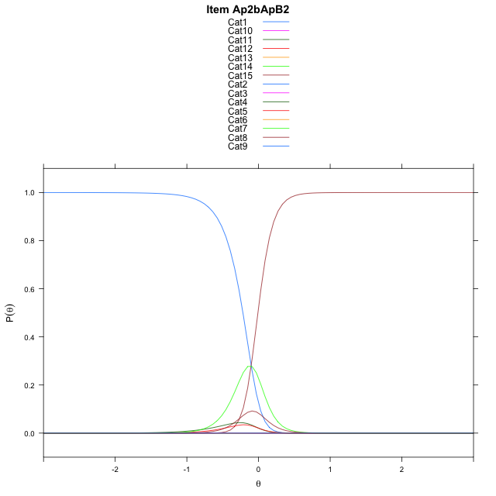
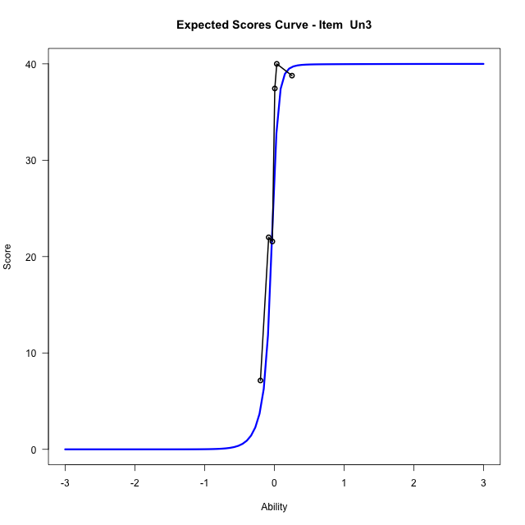

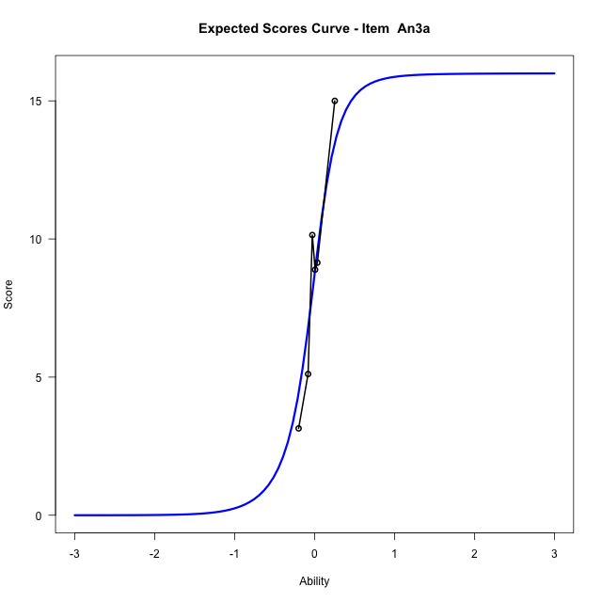



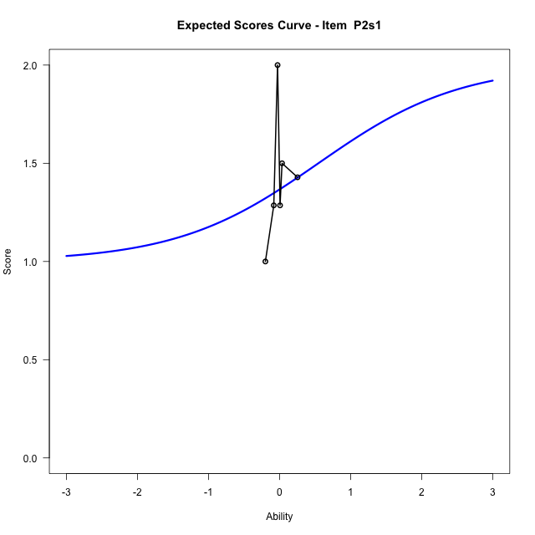
Estimate items information for the measurement model

Full Item Information
item | N | M | xsi.item | AXsi_.Cat1 | AXsi_.Cat2 | AXsi_.Cat3 | AXsi_.Cat4 | AXsi_.Cat5 | AXsi_.Cat6 | AXsi_.Cat7 | AXsi_.Cat8 | AXsi_.Cat9 | AXsi_.Cat10 | AXsi_.Cat11 | AXsi_.Cat12 | AXsi_.Cat13 | AXsi_.Cat14 | AXsi_.Cat15 | AXsi_.Cat16 | AXsi_.Cat17 | AXsi_.Cat18 | AXsi_.Cat19 | AXsi_.Cat20 | AXsi_.Cat21 | AXsi_.Cat22 | AXsi_.Cat23 | AXsi_.Cat24 | AXsi_.Cat25 | AXsi_.Cat26 | AXsi_.Cat27 | AXsi_.Cat28 | AXsi_.Cat29 | AXsi_.Cat30 | AXsi_.Cat31 | AXsi_.Cat32 | AXsi_.Cat33 | AXsi_.Cat34 | AXsi_.Cat35 | AXsi_.Cat36 | AXsi_.Cat37 | AXsi_.Cat38 | AXsi_.Cat39 | AXsi_.Cat40 | B.Cat1.Dim1 | B.Cat2.Dim1 | B.Cat3.Dim1 | B.Cat4.Dim1 | B.Cat5.Dim1 | B.Cat6.Dim1 | B.Cat7.Dim1 | B.Cat8.Dim1 | B.Cat9.Dim1 | B.Cat10.Dim1 | B.Cat11.Dim1 | B.Cat12.Dim1 | B.Cat13.Dim1 | B.Cat14.Dim1 | B.Cat15.Dim1 | B.Cat16.Dim1 | B.Cat17.Dim1 | B.Cat18.Dim1 | B.Cat19.Dim1 | B.Cat20.Dim1 | B.Cat21.Dim1 | B.Cat22.Dim1 | B.Cat23.Dim1 | B.Cat24.Dim1 | B.Cat25.Dim1 | B.Cat26.Dim1 | B.Cat27.Dim1 | B.Cat28.Dim1 | B.Cat29.Dim1 | B.Cat30.Dim1 | B.Cat31.Dim1 | B.Cat32.Dim1 | B.Cat33.Dim1 | B.Cat34.Dim1 | B.Cat35.Dim1 | B.Cat36.Dim1 | B.Cat37.Dim1 | B.Cat38.Dim1 | B.Cat39.Dim1 | B.Cat40.Dim1
Ap2aApB1 | 48 | 0.85416666667 | -2.1517622033 | -2.1517622033 |  |  |  |  |  |  |  |  |  |  |  |  |  |  |  |  |  |  |  |  |  |  |  |  |  |  |  |  |  |  |  |  |  |  |  |  |  |  |  | 1 | 0 | 0 | 0 | 0 | 0 | 0 | 0 | 0 | 0 | 0 | 0 | 0 | 0 | 0 | 0 | 0 | 0 | 0 | 0 | 0 | 0 | 0 | 0 | 0 | 0 | 0 | 0 | 0 | 0 | 0 | 0 | 0 | 0 | 0 | 0 | 0 | 0 | 0 | 0
Ap2bApB2 | 48 | 6.0416666667 | -0.10217034586 | 6.6512371361 | 6.7331527881 | 1.7971707589 | 1.7987422882 | 5.8066955559 | -0.60779809369 | 0.40612612914 | 6.2363666295 | 8.2832630411 | 9.1176532668 | 9.178351034 | 8.0630688286 | 6.2299411198 | -1.430384842 |  |  |  |  |  |  |  |  |  |  |  |  |  |  |  |  |  |  |  |  |  |  |  |  |  |  | 1 | 2 | 3 | 4 | 5 | 6 | 7 | 8 | 9 | 10 | 11 | 12 | 13 | 14 | 0 | 0 | 0 | 0 | 0 | 0 | 0 | 0 | 0 | 0 | 0 | 0 | 0 | 0 | 0 | 0 | 0 | 0 | 0 | 0 | 0 | 0 | 0 | 0 | 0 | 0
Un3 | 48 | 28.4375 | -0.057341525518 | 5.9672454942 | 7.7619740514 | 8.1921065535 | 7.6654312338 | 5.3641083392 | 0.78336625373 | 0.76781608305 | 4.379819117 | 0.069841441006 | 0.079841389828 | 4.9127847756 | 6.6891773673 | 7.2054934163 | 7.1965293582 | 6.5646324703 | 4.8152276771 | 0.59602321083 | -1.1538076836 | 0.030345145655 | 4.175067486 | 5.7829391516 | 6.5900395117 | 6.9186658566 | 6.9981387419 | 6.3820333844 | 5.7377311694 | 4.2648661451 | 0.67898551906 | -0.89580261953 | 0.060136879031 | 4.1866558444 | 5.7576603367 | 6.6343842476 | 6.9112716502 | 7.0574174176 | 6.6161293212 | 6.0727324937 | 4.3762705239 | 0.1613574086 | -2.2936610207 | 1 | 2 | 3 | 4 | 5 | 6 | 7 | 8 | 9 | 10 | 11 | 12 | 13 | 14 | 15 | 16 | 17 | 18 | 19 | 20 | 21 | 22 | 23 | 24 | 25 | 26 | 27 | 28 | 29 | 30 | 31 | 32 | 33 | 34 | 35 | 36 | 37 | 38 | 39 | 40
An3a | 48 | 8.7083333333 | -0.043441405392 | 6.8560133962 | 6.8433438923 | 0.28712447097 | -0.69402369098 | 6.2162759578 | 7.2203054 | 6.255955257 | -1.1794294584 | 5.8369771162 | 6.0049210672 | 0.69625924293 | -0.81205899358 | 6.144613842 | 6.2945750239 | 1.392378827 | -0.69506248628 |  |  |  |  |  |  |  |  |  |  |  |  |  |  |  |  |  |  |  |  |  |  |  |  | 1 | 2 | 3 | 4 | 5 | 6 | 7 | 8 | 9 | 10 | 11 | 12 | 13 | 14 | 15 | 16 | 0 | 0 | 0 | 0 | 0 | 0 | 0 | 0 | 0 | 0 | 0 | 0 | 0 | 0 | 0 | 0 | 0 | 0 | 0 | 0 | 0 | 0 | 0 | 0
An3b | 48 | 5.5 | 0.0066461157996 | 7.331444723 | 8.1337234392 | 7.5873979181 | 2.5730158067 | -0.20906311827 | 0.77327033674 | 7.5613765956 | 9.2733790578 | 9.8307212797 | 9.3027449633 | 7.550909218 | 0.079753389595 |  |  |  |  |  |  |  |  |  |  |  |  |  |  |  |  |  |  |  |  |  |  |  |  |  |  |  |  | 1 | 2 | 3 | 4 | 5 | 6 | 7 | 8 | 9 | 10 | 11 | 12 | 0 | 0 | 0 | 0 | 0 | 0 | 0 | 0 | 0 | 0 | 0 | 0 | 0 | 0 | 0 | 0 | 0 | 0 | 0 | 0 | 0 | 0 | 0 | 0 | 0 | 0 | 0 | 0
P2s1 | 30 | 1.3666666667 | -21.989514771 | -44.525573248 | -43.979029542 |  |  |  |  |  |  |  |  |  |  |  |  |  |  |  |  |  |  |  |  |  |  |  |  |  |  |  |  |  |  |  |  |  |  |  |  |  |  | 1 | 2 | 0 | 0 | 0 | 0 | 0 | 0 | 0 | 0 | 0 | 0 | 0 | 0 | 0 | 0 | 0 | 0 | 0 | 0 | 0 | 0 | 0 | 0 | 0 | 0 | 0 | 0 | 0 | 0 | 0 | 0 | 0 | 0 | 0 | 0 | 0 | 0 | 0 | 0

Thurstonian Thresholds (category-wise)
 | Cat1 | Cat2 | Cat3 | Cat4 | Cat5 | Cat6 | Cat7 | Cat8 | Cat9 | Cat10 | Cat11 | Cat12 | Cat13 | Cat14 | Cat15 | Cat16 | Cat17 | Cat18 | Cat19 | Cat20 | Cat21 | Cat22 | Cat23 | Cat24 | Cat25 | Cat26 | Cat27 | Cat28 | Cat29 | Cat30 | Cat31 | Cat32 | Cat33 | Cat34 | Cat35 | Cat36 | Cat37 | Cat38 | Cat39 | Cat40
Ap2aApB1 | -2.151763916
Ap2bApB2 | -0.21762084961 | -0.21743774414 | -0.21725463867 | -0.19454956055 | -0.17697143555 | -0.17678833008 | -0.046051025391 | -0.0088806152344 | -0.0088806152344 | -0.0088806152344 | -0.0088806152344 | -0.0088806152344 | -0.0088806152344 | -0.0086975097656
Un3 | -0.16525268555 | -0.16488647461 | -0.16488647461 | -0.16488647461 | -0.16470336914 | -0.1643371582 | -0.13339233398 | -0.11013793945 | -0.10977172852 | -0.080291748047 | -0.060882568359 | -0.060699462891 | -0.060699462891 | -0.060699462891 | -0.060699462891 | -0.060699462891 | -0.060516357422 | -0.055572509766 | -0.030487060547 | -0.023712158203 | -0.023529052734 | -0.023529052734 | -0.023529052734 | -0.023529052734 | -0.023529052734 | -0.023529052734 | -0.023529052734 | -0.023345947266 | -0.020416259766 | -0.0044860839844 | 0.0022888183594 | 0.0022888183594 | 0.0024719238281 | 0.0024719238281 | 0.0024719238281 | 0.0024719238281 | 0.0024719238281 | 0.0024719238281 | 0.0024719238281 | 0.010162353516
An3a | -0.3512878418 | -0.35110473633 | -0.35092163086 | -0.25076293945 | -0.094390869141 | -0.094207763672 | -0.094207763672 | -0.094024658203 | 0.039825439453 | 0.040008544922 | 0.040191650391 | 0.062347412109 | 0.19436645508 | 0.19454956055 | 0.19473266602 | 0.22622680664
An3b | -0.14419555664 | -0.14401245117 | -0.14401245117 | -0.14401245117 | -0.13027954102 | 0.070220947266 | 0.13265991211 | 0.13284301758 | 0.13284301758 | 0.13284301758 | 0.13284301758 | 0.13284301758
P2s1 | -11.999908447 | 0.54647827148

Thurstonian Thresholds (item-wise)
 | Threshold
Ap2aApB1 | -2.1510166207
Ap2bApB2 | -0.1614374953
Un3 | -0.20222867585
An3a | -0.055183317979
An3b | 0.047998913085
P2s1

Item Infit/Outfit Statistic
parameter | Outfit | Outfit_t | Outfit_p | Outfit_pholm | Infit | Infit_t | Infit_p | Infit_pholm
Ap2aApB1_Cat1 | 1.3534883706 | 0.97610135503 | 0.32901423995 | 1 | 1.3534883721 | 0.9761013582 | 0.32901423838 | 1
Ap2bApB2_Cat1 | 2.4363704249 | 3.2694625388 | 0.0010775200404 | 0.081891523071 | 2.4363704272 | 3.2694625426 | 0.0010775200261 | 0.081891521982
Ap2bApB2_Cat2 | 2.4330580692 | 3.266878849 | 0.0010874020444 | 0.081891523071 | 2.4330580714 | 3.2668788527 | 0.00108740203 | 0.081891521982
Ap2bApB2_Cat3 | 2.4300141563 | 3.2644985477 | 0.0010965802522 | 0.081891523071 | 2.4300141585 | 3.2644985514 | 0.0010965802376 | 0.081891521982
Ap2bApB2_Cat4 | 2.0698376817 | 2.9346925903 | 0.0033387828457 | 0.24373114773 | 2.0698376834 | 2.9346925938 | 0.0033387828077 | 0.24373114496
Ap2bApB2_Cat5 | 1.8050241798 | 2.6080369193 | 0.0091063132159 | 0.56459141939 | 1.8050241811 | 2.6080369227 | 0.0091063131256 | 0.56459141379
Ap2bApB2_Cat6 | 1.8008720053 | 2.6021222782 | 0.0092648811838 | 0.56515775221 | 1.8008720066 | 2.6021222816 | 0.0092648810922 | 0.56515774662
Ap2bApB2_Cat7 | 1.255481747 | 3.8494165793 | 0.00011839949752 | 0.0098271582942 | 1.2554817475 | 3.8494165866 | 0.00011839949399 | 0.009827158001
Ap2bApB2_Cat8 | 1.0468714158 | 3.7128155094 | 0.00020496630104 | 0.016807236686 | 1.0468714163 | 3.7128155421 | 0.00020496627456 | 0.016807234514
Ap2bApB2_Cat9 | 1.0462971034 | 3.7100447039 | 0.00020722265304 | 0.016807236686 | 1.0462971038 | 3.710044737 | 0.00020722262597 | 0.016807234514
Ap2bApB2_Cat10 | 1.0462230141 | 3.7096868207 | 0.00020751578379 | 0.016807236686 | 1.0462230145 | 3.7096868538 | 0.00020751575666 | 0.016807234514
Ap2bApB2_Cat11 | 1.0461908544 | 3.7095314443 | 0.00020764316891 | 0.016807236686 | 1.0461908548 | 3.7095314774 | 0.00020764314174 | 0.016807234514
Ap2bApB2_Cat12 | 1.0461605916 | 3.7093852153 | 0.00020776312153 | 0.016807236686 | 1.046160592 | 3.7093852485 | 0.00020776309433 | 0.016807234514
Ap2bApB2_Cat13 | 1.0460682945 | 3.7089391366 | 0.00020812944523 | 0.016807236686 | 1.0460682949 | 3.7089391698 | 0.00020812941793 | 0.016807234514
Ap2bApB2_Cat14 | 1.0489895766 | 3.9863223799 | 6.7105320707E-05 | 0.0056368469394 | 1.048989577 | 3.9863224135 | 6.71053112E-05 | 0.0056368461408
Un3_Cat1 | 1.5416692306 | 0.83225744449 | 0.40526364551 | 1 | 1.5416692365 | 0.83225744973 | 0.40526364255 | 1
Un3_Cat2 | 1.539170266 | 0.8302802727 | 0.406380339 | 1 | 1.5391702719 | 0.83028027793 | 0.40638033604 | 1
Un3_Cat3 | 1.5388610134 | 0.83003522875 | 0.406518866 | 1 | 1.5388610193 | 0.83003523398 | 0.40651886304 | 1
Un3_Cat4 | 1.5387055134 | 0.82991198412 | 0.40658854868 | 1 | 1.5387055193 | 0.82991198936 | 0.40658854572 | 1
Un3_Cat5 | 1.5384971232 | 0.82974678843 | 0.40668196173 | 1 | 1.5384971291 | 0.82974679366 | 0.40668195877 | 1
Un3_Cat6 | 1.5368575367 | 0.82844577467 | 0.40741809219 | 1 | 1.5368575426 | 0.8284457799 | 0.40741808923 | 1
Un3_Cat7 | 2.0525099469 | 1.2862058293 | 0.19837123718 | 1 | 2.052509954 | 1.2862058348 | 0.19837123526 | 1
Un3_Cat8 | 2.218940374 | 1.5214383099 | 0.12814988124 | 1 | 2.2189403803 | 1.5214383151 | 0.12814987994 | 1
Un3_Cat9 | 2.1989963642 | 1.5101036918 | 0.13101696765 | 1 | 2.1989963704 | 1.5101036969 | 0.13101696634 | 1
Un3_Cat10 | 1.2212005477 | 0.66542155207 | 0.50578090389 | 1 | 1.2212005491 | 0.66542155515 | 0.50578090192 | 1
Un3_Cat11 | 1.0340282708 | 0.21491710001 | 0.82983195252 | 1 | 1.0340282716 | 0.21491710282 | 0.82983195033 | 1
Un3_Cat12 | 1.0329305395 | 0.21094377457 | 0.83293114542 | 1 | 1.0329305403 | 0.21094377738 | 0.83293114322 | 1
Un3_Cat13 | 1.0328420878 | 0.21062311505 | 0.83318137371 | 1 | 1.0328420886 | 0.21062311786 | 0.83318137152 | 1
Un3_Cat14 | 1.0328164737 | 0.21053024343 | 0.83325384971 | 1 | 1.0328164744 | 0.21053024624 | 0.83325384752 | 1
Un3_Cat15 | 1.032803895 | 0.21048463348 | 0.83328944374 | 1 | 1.0328038958 | 0.21048463629 | 0.83328944155 | 1
Un3_Cat16 | 1.0327921522 | 0.21044205281 | 0.83332267402 | 1 | 1.0327921529 | 0.21044205562 | 0.83332267183 | 1
Un3_Cat17 | 1.0327589136 | 0.21032151952 | 0.83341674075 | 1 | 1.0327589144 | 0.21032152233 | 0.83341673855 | 1
Un3_Cat18 | 1.1365096061 | 0.57847518239 | 0.56294334806 | 1 | 1.1365096069 | 0.57847518529 | 0.56294334611 | 1
Un3_Cat19 | 1.7464747047 | 2.4055336801 | 0.016148863325 | 0.96893179948 | 1.746474706 | 2.4055336834 | 0.016148863177 | 0.9689317906
Un3_Cat20 | 1.9424016228 | 2.9116903288 | 0.0035947882711 | 0.25882475552 | 1.9424016243 | 2.9116903322 | 0.0035947882311 | 0.25882475264
Un3_Cat21 | 1.9421505489 | 2.9113790189 | 0.0035983722743 | 0.25882475552 | 1.9421505503 | 2.9113790224 | 0.0035983722343 | 0.25882475264
Un3_Cat22 | 1.9420722863 | 2.9112819631 | 0.0035994903085 | 0.25882475552 | 1.9420722877 | 2.9112819666 | 0.0035994902685 | 0.25882475264
Un3_Cat23 | 1.9420174921 | 2.9112140064 | 0.003600273324 | 0.25882475552 | 1.9420174935 | 2.9112140099 | 0.003600273284 | 0.25882475264
Un3_Cat24 | 1.9419539631 | 2.9111352116 | 0.0036011814124 | 0.25882475552 | 1.9419539645 | 2.9111352151 | 0.0036011813724 | 0.25882475264
Un3_Cat25 | 1.9418594478 | 2.911017975 | 0.0036025329189 | 0.25882475552 | 1.9418594492 | 2.9110179784 | 0.0036025328788 | 0.25882475264
Un3_Cat26 | 1.9415759035 | 2.9106661962 | 0.0036065910004 | 0.25882475552 | 1.9415759049 | 2.9106661997 | 0.0036065909603 | 0.25882475264
Un3_Cat27 | 1.940683273 | 2.9095580639 | 0.0036194014857 | 0.25882475552 | 1.9406832744 | 2.9095580674 | 0.0036194014455 | 0.25882475264
Un3_Cat28 | 1.9341599395 | 2.9014278235 | 0.003714663419 | 0.25882475552 | 1.9341599409 | 2.901427827 | 0.0037146633779 | 0.25882475264
Un3_Cat29 | 1.6654114477 | 2.6261697201 | 0.0086351749256 | 0.54401602031 | 1.6654114487 | 2.6261697235 | 0.0086351748389 | 0.54401601485
Un3_Cat30 | 1.0009825485 | 0.071264603254 | 0.94318716609 | 1 | 1.0009825489 | 0.071264630345 | 0.94318714453 | 1
Un3_Cat31 | 1.0543959541 | 1.0054783976 | 0.3146665464 | 1 | 1.0543959545 | 1.0054784054 | 0.31466654265 | 1
Un3_Cat32 | 1.0565435575 | 1.0267890614 | 0.30451980123 | 1 | 1.056543558 | 1.0267890691 | 0.30451979761 | 1
Un3_Cat33 | 1.0569327405 | 1.0306034813 | 0.30272680287 | 1 | 1.0569327409 | 1.030603489 | 0.30272679928 | 1
Un3_Cat34 | 1.0570752605 | 1.0319967749 | 0.30207362832 | 1 | 1.0570752609 | 1.0319967826 | 0.30207362474 | 1
Un3_Cat35 | 1.0571718637 | 1.0329401015 | 0.30163193065 | 1 | 1.0571718642 | 1.0329401091 | 0.30163192708 | 1
Un3_Cat36 | 1.0572467331 | 1.0336705993 | 0.30129018223 | 1 | 1.0572467335 | 1.0336706069 | 0.30129017866 | 1
Un3_Cat37 | 1.0573513651 | 1.0346906175 | 0.30081341916 | 1 | 1.0573513655 | 1.0346906251 | 0.3008134156 | 1
Un3_Cat38 | 1.057513402 | 1.0362682516 | 0.3000770133 | 1 | 1.0575134025 | 1.0362682592 | 0.30007700975 | 1
Un3_Cat39 | 1.058338034 | 1.0442597129 | 0.29636524672 | 1 | 1.0583380345 | 1.0442597205 | 0.29636524321 | 1
Un3_Cat40 | 1.082915898 | 1.03060419 | 0.3027264704 | 1 | 1.0829158985 | 1.0306041955 | 0.30272646781 | 1
An3a_Cat1 | 1.0001633794 | 0.14545712921 | 0.88434996163 | 1 | 1.0001633807 | 0.14545713222 | 0.88434995926 | 1
An3a_Cat2 | 0.99932579928 | 0.14344397675 | 0.88593955364 | 1 | 0.99932580059 | 0.14344397976 | 0.88593955126 | 1
An3a_Cat3 | 0.99847918493 | 0.14140558037 | 0.88754954607 | 1 | 0.99847918624 | 0.14140558338 | 0.88754954369 | 1
An3a_Cat4 | 0.99958498405 | 0.095086328726 | 0.92424625697 | 1 | 0.99958498485 | 0.095086331497 | 0.92424625477 | 1
An3a_Cat5 | 1.0002065707 | 0.040721064013 | 0.96751826887 | 1 | 1.0002065712 | 0.040721067997 | 0.96751826569 | 1
An3a_Cat6 | 0.99995275854 | 0.03851378196 | 0.96927804322 | 1 | 0.999952759 | 0.038513785946 | 0.96927804004 | 1
An3a_Cat7 | 0.99986107052 | 0.037715346249 | 0.96991464016 | 1 | 0.99986107098 | 0.037715350236 | 0.96991463699 | 1
An3a_Cat8 | 0.99961723671 | 0.03558922524 | 0.97160989989 | 1 | 0.99961723718 | 0.03558922923 | 0.97160989671 | 1
An3a_Cat9 | 0.99984610521 | 0.013056969862 | 0.98958234135 | 1 | 0.99984610562 | 0.013056978316 | 0.9895823346 | 1
An3a_Cat10 | 0.99999011954 | 0.016059582248 | 0.98718685805 | 1 | 0.99999011995 | 0.016059590682 | 0.98718685132 | 1
An3a_Cat11 | 1.0001131537 | 0.018612233381 | 0.9851504437 | 1 | 1.0001131542 | 0.018612241797 | 0.98515043699 | 1
An3a_Cat12 | 0.99993453918 | 0.023953453454 | 0.9808897368 | 1 | 0.9999345396 | 0.023953459181 | 0.98088973224 | 1
An3a_Cat13 | 0.99889991716 | 0.072164933695 | 0.94247065124 | 1 | 0.99889991782 | 0.072164936535 | 0.94247064898 | 1
An3a_Cat14 | 0.99953412456 | 0.074978528429 | 0.94023179563 | 1 | 0.99953412521 | 0.074978531269 | 0.94023179337 | 1
An3a_Cat15 | 1.0000833186 | 0.077410352461 | 0.93829710542 | 1 | 1.0000833192 | 0.077410355301 | 0.93829710316 | 1
An3a_Cat16 | 0.99948596799 | 0.084024172038 | 0.93303721322 | 1 | 0.99948596871 | 0.084024174826 | 0.933037211 | 1
An3b_Cat1 | 1.0000287247 | 0.049818430648 | 0.96026707939 | 1 | 1.0000287253 | 0.04981843405 | 0.96026707667 | 1
An3b_Cat2 | 0.99967218306 | 0.047379300022 | 0.96221092668 | 1 | 0.99967218357 | 0.047379303424 | 0.96221092397 | 1
An3b_Cat3 | 0.99951449534 | 0.046299041959 | 0.9630719029 | 1 | 0.99951449584 | 0.046299045362 | 0.96307190019 | 1
An3b_Cat4 | 0.99923613744 | 0.044389860516 | 0.96459364382 | 1 | 0.99923613795 | 0.044389863921 | 0.96459364111 | 1
An3b_Cat5 | 0.9996748143 | 0.04160308241 | 0.96681511596 | 1 | 0.99967481478 | 0.04160308607 | 0.96681511305 | 1
An3b_Cat6 | 1.0001366176 | 0.026703159982 | 0.97869649273 | 1 | 1.000136618 | 0.026703165701 | 0.97869648817 | 1
An3b_Cat7 | 0.99995214859 | 0.055263097822 | 0.95592886089 | 1 | 0.99995214912 | 0.055263101022 | 0.95592885834 | 1
An3b_Cat8 | 1.0002811236 | 0.057272412633 | 0.9543281958 | 1 | 1.0002811242 | 0.057272415833 | 0.95432819325 | 1
An3b_Cat9 | 1.0003396314 | 0.057629445613 | 0.95404379444 | 1 | 1.000339632 | 0.057629448812 | 0.95404379189 | 1
An3b_Cat10 | 1.0003730668 | 0.057833435249 | 0.95388130526 | 1 | 1.0003730673 | 0.057833438449 | 0.95388130271 | 1
An3b_Cat11 | 1.0004300172 | 0.058180817739 | 0.95360460006 | 1 | 1.0004300177 | 0.058180820938 | 0.95360459752 | 1
An3b_Cat12 | 1.0007644477 | 0.060218907979 | 0.95198128665 | 1 | 1.0007644482 | 0.060218911177 | 0.95198128411 | 1
P2s1_Cat1 | 0
P2s1_Cat2 | 0.99999999957 | 0.03367711709 | 0.97313462654 | 1 | 1 | 0.033677121352 | 0.97313462314 | 1

Box plot of expected curves

stacking-pos-Estimate-Items
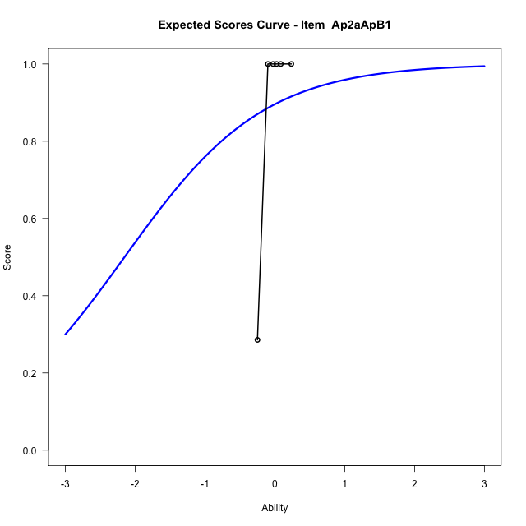
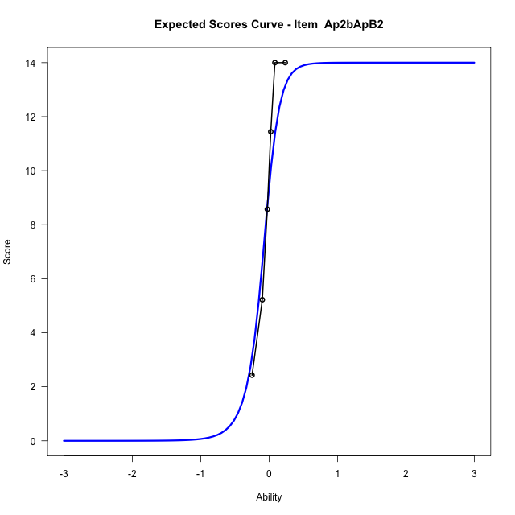
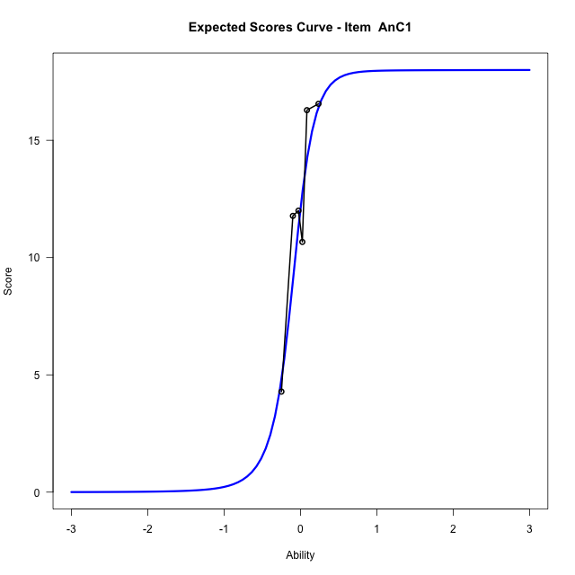
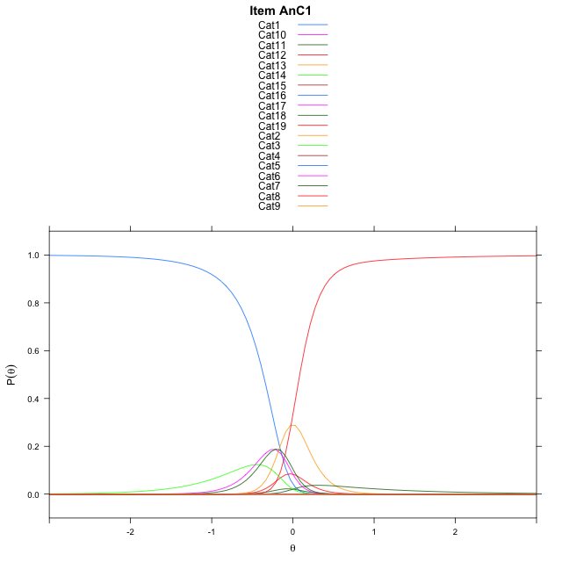
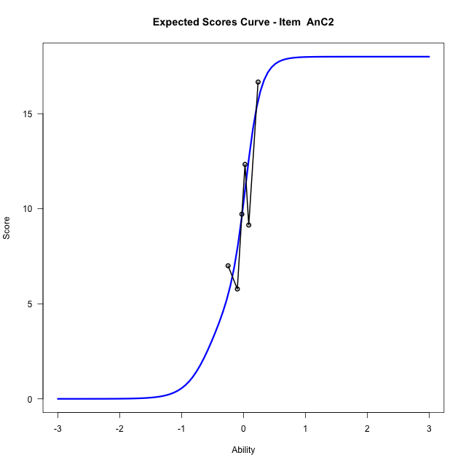

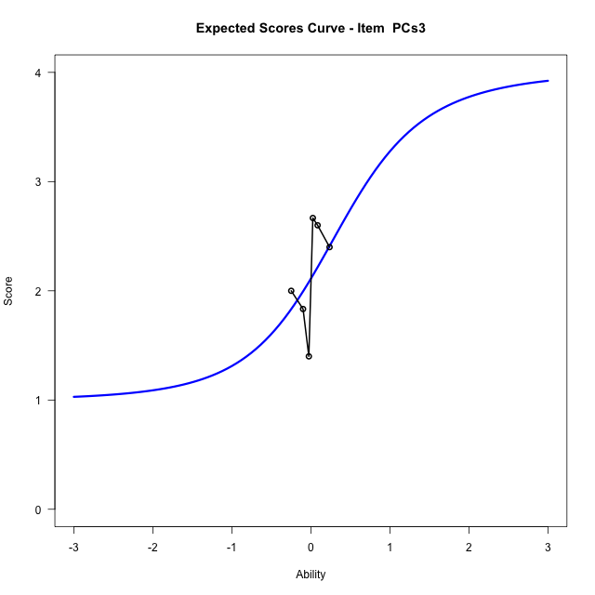
Estimate items information for the measurement model

Full Item Information
item | N | M | xsi.item | AXsi_.Cat1 | AXsi_.Cat2 | AXsi_.Cat3 | AXsi_.Cat4 | AXsi_.Cat5 | AXsi_.Cat6 | AXsi_.Cat7 | AXsi_.Cat8 | AXsi_.Cat9 | AXsi_.Cat10 | AXsi_.Cat11 | AXsi_.Cat12 | AXsi_.Cat13 | AXsi_.Cat14 | AXsi_.Cat15 | AXsi_.Cat16 | AXsi_.Cat17 | AXsi_.Cat18 | B.Cat1.Dim1 | B.Cat2.Dim1 | B.Cat3.Dim1 | B.Cat4.Dim1 | B.Cat5.Dim1 | B.Cat6.Dim1 | B.Cat7.Dim1 | B.Cat8.Dim1 | B.Cat9.Dim1 | B.Cat10.Dim1 | B.Cat11.Dim1 | B.Cat12.Dim1 | B.Cat13.Dim1 | B.Cat14.Dim1 | B.Cat15.Dim1 | B.Cat16.Dim1 | B.Cat17.Dim1 | B.Cat18.Dim1
Ap2aApB1 | 48 | 0.89583333333 | -2.1517622033 | -2.1517622033 |  |  |  |  |  |  |  |  |  |  |  |  |  |  |  |  |  | 1 | 0 | 0 | 0 | 0 | 0 | 0 | 0 | 0 | 0 | 0 | 0 | 0 | 0 | 0 | 0 | 0 | 0
Ap2bApB2 | 48 | 9.3958333333 | -0.10180743692 | 6.6513194242 | 6.7336463669 | 1.7984766949 | 1.8004088153 | 5.8084443911 | -0.60523638919 | 0.40899475559 | 6.2392944101 | 8.286465125 | 9.1211490853 | 9.1822035896 | 8.0672038452 | 6.2343783584 | -1.4253041169 |  |  |  |  | 1 | 2 | 3 | 4 | 5 | 6 | 7 | 8 | 9 | 10 | 11 | 12 | 13 | 14 | 0 | 0 | 0 | 0
AnC1 | 48 | 12.0625 | -0.11559635588 | 6.0371779292 | 0.69770801652 | 6.4709032527 | 6.3483082701 | -0.6930009554 | -0.91575299955 | 5.7293002646 | 6.7685478513 | 5.8479737806 | 0.69919716199 | -0.69427990325 | -1.9462115601 | 5.5382687304 | 7.0421208654 | 6.8733208977 | 5.583913621 | 0.70163866921 | -2.0807344059 | 1 | 2 | 3 | 4 | 5 | 6 | 7 | 8 | 9 | 10 | 11 | 12 | 13 | 14 | 15 | 16 | 17 | 18
AnC2 | 48 | 10.291666667 | -0.1329426023 | 6.403532401 | 7.4334754409 | 6.3207546072 | -1.3863193107 | -1.7920378138 | -2.1948836652 | 4.0531751341 | 5.5092936489 | 5.7543464907 | 4.1024300122 | -2.0753931553 | -2.1936557211 | 4.3099567821 | 6.1061451791 | 6.700803605 | 6.0428750224 | 4.2963695563 | -2.3929668414 | 1 | 2 | 3 | 4 | 5 | 6 | 7 | 8 | 9 | 10 | 11 | 12 | 13 | 14 | 15 | 16 | 17 | 18
PCs3 | 27 | 2.1111111111 | -15.911681343 | -64.658326282 | -64.052190478 | -64.052190478 | -63.64672537 |  |  |  |  |  |  |  |  |  |  |  |  |  |  | 1 | 2 | 3 | 4 | 0 | 0 | 0 | 0 | 0 | 0 | 0 | 0 | 0 | 0 | 0 | 0 | 0 | 0

Thurstonian Thresholds (category-wise)
 | Cat1 | Cat2 | Cat3 | Cat4 | Cat5 | Cat6 | Cat7 | Cat8 | Cat9 | Cat10 | Cat11 | Cat12 | Cat13 | Cat14 | Cat15 | Cat16 | Cat17 | Cat18
Ap2aApB1 | -2.151763916
Ap2bApB2 | -0.21762084961 | -0.21743774414 | -0.21725463867 | -0.19454956055 | -0.17697143555 | -0.17678833008 | -0.046051025391 | -0.0088806152344 | -0.0088806152344 | -0.0088806152344 | -0.0088806152344 | -0.0088806152344 | -0.0088806152344 | -0.0086975097656
AnC1 | -0.36410522461 | -0.3635559082 | -0.2903137207 | -0.29013061523 | -0.29013061523 | -0.19033813477 | -0.10922241211 | -0.10922241211 | -0.10903930664 | -0.10903930664 | -0.10025024414 | -0.065826416016 | 0.069488525391 | 0.069671630859 | 0.069671630859 | 0.069671630859 | 0.069854736328 | 0.083770751953
AnC2 | -0.58547973633 | -0.58511352539 | -0.58493041992 | -0.58493041992 | -0.40054321289 | -0.18869018555 | -0.038177490234 | -0.037994384766 | -0.037994384766 | -0.037994384766 | -0.037811279297 | 0.038909912109 | 0.13046264648 | 0.13064575195 | 0.13064575195 | 0.13064575195 | 0.13082885742 | 0.13101196289
PCs3 | -11.999908447 | -0.20663452148 | 0.25900268555 | 0.92642211914

Thurstonian Thresholds (item-wise)
 | Threshold
Ap2aApB1 | -2.1510166207
Ap2bApB2 | -0.16096342614
AnC1 | -0.16601380939
AnC2 | -0.097732915948
PCs3 | -0.11480921004

Item Infit/Outfit Statistic
parameter | Outfit | Outfit_t | Outfit_p | Outfit_pholm | Infit | Infit_t | Infit_p | Infit_pholm
Ap2aApB1_Cat1 | 0.99999999893 | 0.12468737537 | 0.90077105239 | 1 | 1 | 0.12468737824 | 0.90077105012 | 1
Ap2bApB2_Cat1 | 0.99958025286 | 0.10778521781 | 0.91416606905 | 1 | 0.99958025377 | 0.1077852206 | 0.91416606684 | 1
Ap2bApB2_Cat2 | 0.99847500402 | 0.10429325455 | 0.91693663081 | 1 | 0.99847500493 | 0.10429325734 | 0.9169366286 | 1
Ap2bApB2_Cat3 | 0.99746010458 | 0.10107852126 | 0.91948812826 | 1 | 0.99746010549 | 0.10107852405 | 0.91948812605 | 1
Ap2bApB2_Cat4 | 0.99862456563 | 0.091670419022 | 0.9269599006 | 1 | 0.99862456643 | 0.091670421792 | 0.9269598984 | 1
Ap2bApB2_Cat5 | 0.99964940337 | 0.08467379023 | 0.93252073348 | 1 | 0.99964940409 | 0.084673793018 | 0.93252073127 | 1
Ap2bApB2_Cat6 | 0.99785457578 | 0.077522877655 | 0.9382075923 | 1 | 0.9978545765 | 0.077522880442 | 0.93820759008 | 1
Ap2bApB2_Cat7 | 0.99969215768 | 0.01539889535 | 0.98771394471 | 1 | 0.9996921581 | 0.015398902172 | 0.98771393926 | 1
Ap2bApB2_Cat8 | 0.99998309281 | 0.0025818963967 | 0.99793994702 | 1 | 0.99998309321 | 0.0025819298439 | 0.99793992033 | 1
Ap2bApB2_Cat9 | 0.99994322969 | -0.00084937135023 | 0.99932229979 | 1 | 0.99994323009 | -0.00084933750587 | 0.9993223268 | 1
Ap2bApB2_Cat10 | 0.99993815316 | -0.0012923431834 | 0.99896885961 | 1 | 0.99993815356 | -0.001292309287 | 0.99896888666 | 1
Ap2bApB2_Cat11 | 0.99993595485 | -0.001484597849 | 0.99881546273 | 1 | 0.99993595525 | -0.00148456393 | 0.9988154898 | 1
Ap2bApB2_Cat12 | 0.99993388949 | -0.0016654655045 | 0.9986711514 | 1 | 0.99993388989 | -0.0016654315642 | 0.99867117848 | 1
Ap2bApB2_Cat13 | 0.99992760746 | -0.0022170327506 | 0.99823106525 | 1 | 0.99992760786 | -0.0022169987451 | 0.99823109238 | 1
Ap2bApB2_Cat14 | 0.99988889595 | -0.0056651398141 | 0.99547989659 | 1 | 0.99988889635 | -0.0056651053958 | 0.99547992405 | 1
AnC1_Cat1 | 1.0010419431 | 0.22241630805 | 0.82398981775 | 1 | 1.0010419456 | 0.22241631184 | 0.8239898148 | 1
AnC1_Cat2 | 0.99876047551 | 0.21867033629 | 0.82690685797 | 1 | 0.99876047801 | 0.21867034007 | 0.82690685503 | 1
AnC1_Cat3 | 1.0009462831 | 0.17583581758 | 0.86042292966 | 1 | 1.0009462848 | 0.17583582085 | 0.86042292708 | 1
AnC1_Cat4 | 0.99998320763 | 0.1738823059 | 0.86195795864 | 1 | 0.99998320934 | 0.17388230917 | 0.86195795607 | 1
AnC1_Cat5 | 0.99889709128 | 0.17167490637 | 0.86369311471 | 1 | 0.99889709298 | 0.17167490964 | 0.86369311214 | 1
AnC1_Cat6 | 1.0001643426 | 0.097142755904 | 0.9226130271 | 1 | 1.0001643434 | 0.097142758676 | 0.9226130249 | 1
AnC1_Cat7 | 1.0005291565 | 0.058785323 | 0.95312309879 | 1 | 1.0005291571 | 0.058785326199 | 0.95312309624 | 1
AnC1_Cat8 | 1.0001678822 | 0.056581102809 | 0.9548788882 | 1 | 1.0001678828 | 0.056581106008 | 0.95487888565 | 1
AnC1_Cat9 | 1.0000402479 | 0.0558014919 | 0.95549994643 | 1 | 1.0000402484 | 0.0558014951 | 0.95549994388 | 1
AnC1_Cat10 | 0.99972015088 | 0.053844253779 | 0.95705925122 | 1 | 0.99972015141 | 0.05384425698 | 0.95705924867 | 1
AnC1_Cat11 | 1.0001002332 | 0.050307059714 | 0.95987769806 | 1 | 1.0001002337 | 0.050307063115 | 0.95987769535 | 1
AnC1_Cat12 | 1.000050388 | 0.02992234268 | 0.97612898694 | 1 | 1.0000503884 | 0.029922347646 | 0.97612898298 | 1
AnC1_Cat13 | 0.99965770266 | 0.025385284304 | 0.97974764875 | 1 | 0.9996577031 | 0.025385289278 | 0.97974764478 | 1
AnC1_Cat14 | 0.99986582163 | 0.02779263709 | 0.97782753845 | 1 | 0.99986582206 | 0.02779264206 | 0.97782753448 | 1
AnC1_Cat15 | 0.99991215615 | 0.028327748872 | 0.97740074908 | 1 | 0.99991215659 | 0.028327753841 | 0.97740074511 | 1
AnC1_Cat16 | 0.99996704631 | 0.028961270041 | 0.97689547966 | 1 | 0.99996704674 | 0.028961275008 | 0.9768954757 | 1
AnC1_Cat17 | 1.0001666559 | 0.031261456115 | 0.97506102894 | 1 | 1.0001666564 | 0.031261461078 | 0.97506102498 | 1
AnC1_Cat18 | 0.99989793805 | 0.033004566663 | 0.97367094596 | 1 | 0.9998979385 | 0.033004571073 | 0.97367094244 | 1
AnC2_Cat1 | 0.99878298295 | 0.32135295561 | 0.7479429299 | 1 | 0.99878298784 | 0.32135296067 | 0.74794292607 | 1
AnC2_Cat2 | 0.99716735149 | 0.31939449317 | 0.74942738614 | 1 | 0.99716735636 | 0.31939449822 | 0.74942738231 | 1
AnC2_Cat3 | 0.99659184891 | 0.31869565461 | 0.74995731009 | 1 | 0.99659185378 | 0.31869565966 | 0.74995730626 | 1
AnC2_Cat4 | 0.99484507082 | 0.31657059687 | 0.75156944938 | 1 | 0.99484507567 | 0.31657060192 | 0.75156944556 | 1
AnC2_Cat5 | 0.99817052179 | 0.11960422446 | 0.90479667311 | 1 | 0.99817052286 | 0.11960422732 | 0.90479667085 | 1
AnC2_Cat6 | 0.99875655016 | 0.055172891052 | 0.95600072584 | 1 | 0.99875655073 | 0.055172894096 | 0.95600072341 | 1
AnC2_Cat7 | 0.99986243689 | 0.013398278546 | 0.98931004024 | 1 | 0.99986243731 | 0.013398286997 | 0.9893100335 | 1
AnC2_Cat8 | 0.99961643364 | 0.0082351164406 | 0.993429402 | 1 | 0.99961643405 | 0.008235124927 | 0.99342939523 | 1
AnC2_Cat9 | 0.99955940831 | 0.0070314446353 | 0.99438976511 | 1 | 0.99955940872 | 0.0070314531301 | 0.99438975834 | 1
AnC2_Cat10 | 0.9995148631 | 0.0060893922126 | 0.995141398 | 1 | 0.99951486351 | 0.0060894007137 | 0.99514139121 | 1
AnC2_Cat11 | 0.99928370191 | 0.0011749796853 | 0.99906250207 | 1 | 0.99928370232 | 0.0011749882204 | 0.99906249526 | 1
AnC2_Cat12 | 1.0004090697 | 0.024705363954 | 0.98028997657 | 1 | 1.0004090701 | 0.02470537233 | 0.98028996989 | 1
AnC2_Cat13 | 1.0004811821 | 0.064641103107 | 0.94845975758 | 1 | 1.0004811826 | 0.06464110615 | 0.94845975516 | 1
AnC2_Cat14 | 1.0013439051 | 0.069352694943 | 0.94470888217 | 1 | 1.0013439057 | 0.069352697985 | 0.94470887975 | 1
AnC2_Cat15 | 1.0014873731 | 0.070134629303 | 0.94408650436 | 1 | 1.0014873736 | 0.070134632345 | 0.94408650193 | 1
AnC2_Cat16 | 1.0015665702 | 0.070566079331 | 0.94374310786 | 1 | 1.0015665708 | 0.070566082373 | 0.94374310544 | 1
AnC2_Cat17 | 1.0017195609 | 0.07139915231 | 0.94308008425 | 1 | 1.0017195614 | 0.071399155352 | 0.94308008183 | 1
AnC2_Cat18 | 1.0025988685 | 0.076177301027 | 0.93927804136 | 1 | 1.0025988691 | 0.076177304067 | 0.93927803894 | 1
PCs3_Cat1 | 0
PCs3_Cat2 | 0.99999999959 | 0.024177446505 | 0.98071106795 | 1 | 1 | 0.024177452216 | 0.9807110634 | 1
PCs3_Cat3 | 0.99999999957 | 0.034440574732 | 0.97252582869 | 1 | 1 | 0.034440578882 | 0.97252582538 | 1
PCs3_Cat4 | 0.99999999921 | 0.12707395396 | 0.89888186605 | 1 | 1 | 0.12707395603 | 0.89888186441 | 1

Box plot of expected curves

racking-Estimate-Items
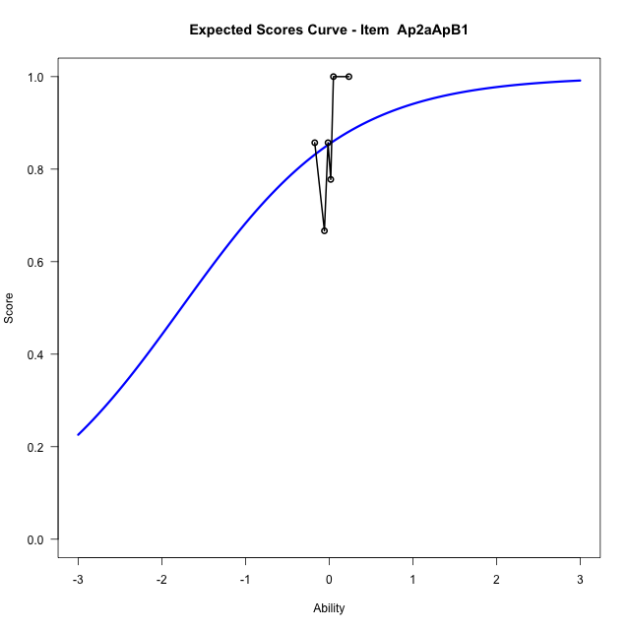
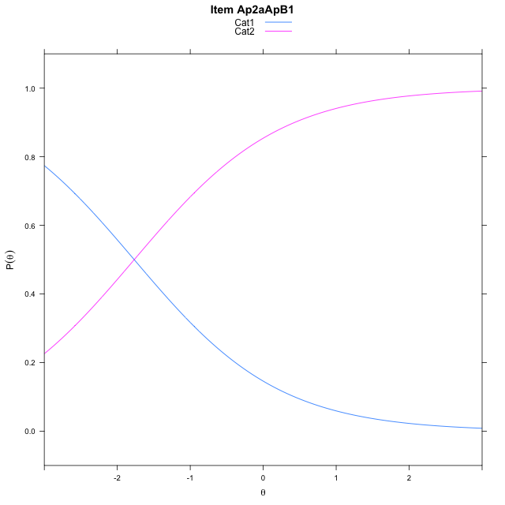
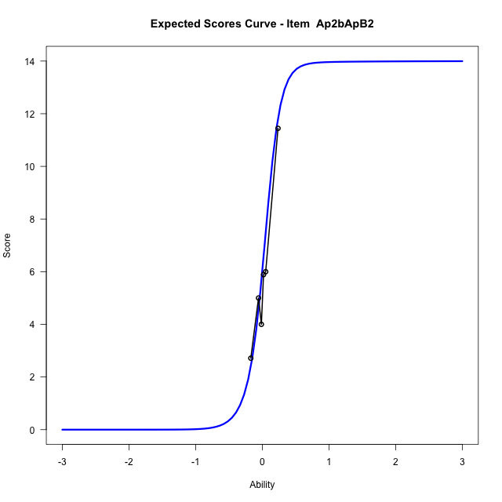
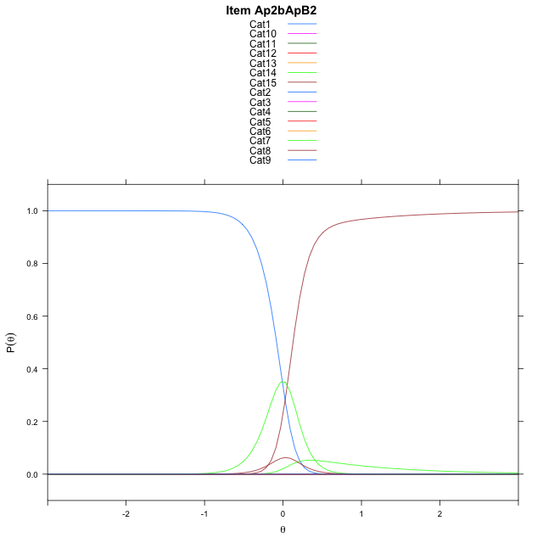
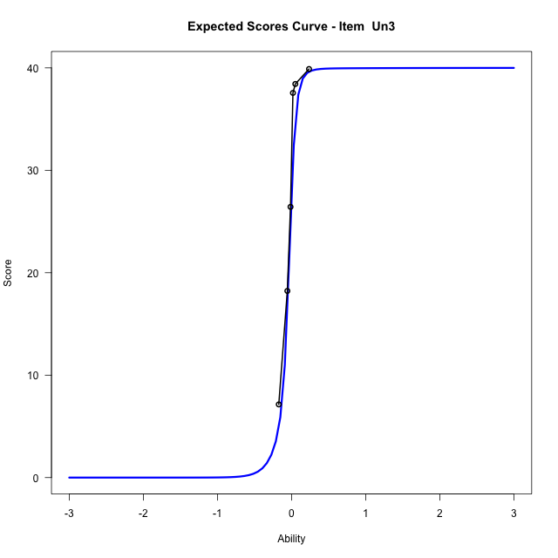



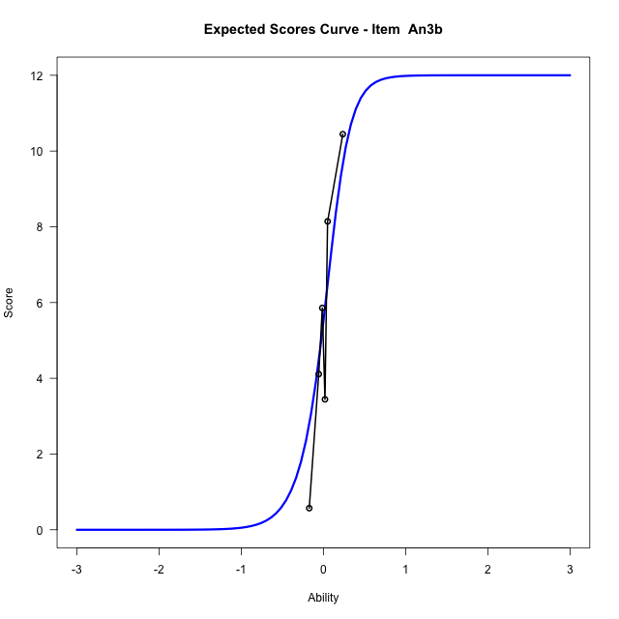

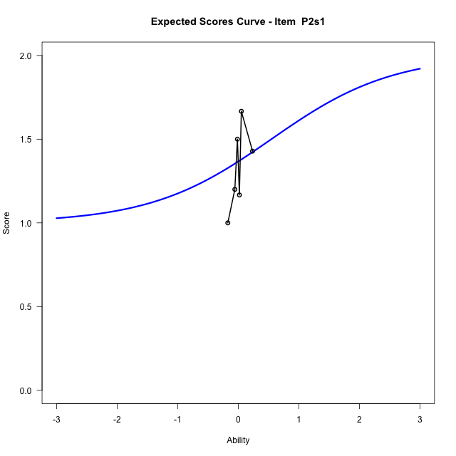
Estimate items information for the measurement model

Full Item Information
item | N | M | xsi.item | AXsi_.Cat1 | AXsi_.Cat2 | AXsi_.Cat3 | AXsi_.Cat4 | AXsi_.Cat5 | AXsi_.Cat6 | AXsi_.Cat7 | AXsi_.Cat8 | AXsi_.Cat9 | AXsi_.Cat10 | AXsi_.Cat11 | AXsi_.Cat12 | AXsi_.Cat13 | AXsi_.Cat14 | AXsi_.Cat15 | AXsi_.Cat16 | AXsi_.Cat17 | AXsi_.Cat18 | AXsi_.Cat19 | AXsi_.Cat20 | AXsi_.Cat21 | AXsi_.Cat22 | AXsi_.Cat23 | AXsi_.Cat24 | AXsi_.Cat25 | AXsi_.Cat26 | AXsi_.Cat27 | AXsi_.Cat28 | AXsi_.Cat29 | AXsi_.Cat30 | AXsi_.Cat31 | AXsi_.Cat32 | AXsi_.Cat33 | AXsi_.Cat34 | AXsi_.Cat35 | AXsi_.Cat36 | AXsi_.Cat37 | AXsi_.Cat38 | AXsi_.Cat39 | AXsi_.Cat40 | B.Cat1.Dim1 | B.Cat2.Dim1 | B.Cat3.Dim1 | B.Cat4.Dim1 | B.Cat5.Dim1 | B.Cat6.Dim1 | B.Cat7.Dim1 | B.Cat8.Dim1 | B.Cat9.Dim1 | B.Cat10.Dim1 | B.Cat11.Dim1 | B.Cat12.Dim1 | B.Cat13.Dim1 | B.Cat14.Dim1 | B.Cat15.Dim1 | B.Cat16.Dim1 | B.Cat17.Dim1 | B.Cat18.Dim1 | B.Cat19.Dim1 | B.Cat20.Dim1 | B.Cat21.Dim1 | B.Cat22.Dim1 | B.Cat23.Dim1 | B.Cat24.Dim1 | B.Cat25.Dim1 | B.Cat26.Dim1 | B.Cat27.Dim1 | B.Cat28.Dim1 | B.Cat29.Dim1 | B.Cat30.Dim1 | B.Cat31.Dim1 | B.Cat32.Dim1 | B.Cat33.Dim1 | B.Cat34.Dim1 | B.Cat35.Dim1 | B.Cat36.Dim1 | B.Cat37.Dim1 | B.Cat38.Dim1 | B.Cat39.Dim1 | B.Cat40.Dim1
Ap2aApB1 | 48 | 0.85416666667 | -1.7676619176 | -1.7676619176 |  |  |  |  |  |  |  |  |  |  |  |  |  |  |  |  |  |  |  |  |  |  |  |  |  |  |  |  |  |  |  |  |  |  |  |  |  |  |  | 1 | 0 | 0 | 0 | 0 | 0 | 0 | 0 | 0 | 0 | 0 | 0 | 0 | 0 | 0 | 0 | 0 | 0 | 0 | 0 | 0 | 0 | 0 | 0 | 0 | 0 | 0 | 0 | 0 | 0 | 0 | 0 | 0 | 0 | 0 | 0 | 0 | 0 | 0 | 0
Ap2bApB2 | 48 | 6.0416666667 | 0.026320788159 | 6.7163142275 | 8.5861128907 | 9.0569956827 | 8.6682867954 | 6.7276872971 | -0.062571395456 | 1.6765877006 | 7.0272551486 | 8.4392392991 | 8.9760896358 | 8.4402062342 | 7.1447363121 | 2.7829493854 | 0.36849103423 |  |  |  |  |  |  |  |  |  |  |  |  |  |  |  |  |  |  |  |  |  |  |  |  |  |  | 1 | 2 | 3 | 4 | 5 | 6 | 7 | 8 | 9 | 10 | 11 | 12 | 13 | 14 | 0 | 0 | 0 | 0 | 0 | 0 | 0 | 0 | 0 | 0 | 0 | 0 | 0 | 0 | 0 | 0 | 0 | 0 | 0 | 0 | 0 | 0 | 0 | 0 | 0 | 0
Un3 | 48 | 28.4375 | -0.057032764306 | 6.2729507489 | 8.1061937051 | 8.5982115847 | 7.7999276046 | 5.2891840169 | 0.84811622683 | 0.70207324893 | 4.5908516452 | 0.16053975964 | 0.14107631266 | 4.8895622023 | 6.5875753087 | 7.0741663771 | 7.3419179362 | 6.5853037799 | 4.9258105639 | 0.70622528858 | -1.2238476922 | 0.086488876007 | 4.3768199072 | 5.9084246574 | 6.9127642697 | 7.2905993392 | 7.0272672159 | 6.7455849713 | 5.8357512732 | 4.0051137269 | 0.71384049244 | -0.88291281059 | 0.1000730663 | 4.3720648562 | 6.2434304459 | 7.2371544767 | 7.5047624713 | 7.131292901 | 6.9522462107 | 6.1733230898 | 4.324086931 | 0.18546807275 | -2.2813105722 | 1 | 2 | 3 | 4 | 5 | 6 | 7 | 8 | 9 | 10 | 11 | 12 | 13 | 14 | 15 | 16 | 17 | 18 | 19 | 20 | 21 | 22 | 23 | 24 | 25 | 26 | 27 | 28 | 29 | 30 | 31 | 32 | 33 | 34 | 35 | 36 | 37 | 38 | 39 | 40
An3a | 48 | 8.7083333333 | -0.043378293072 | 6.9031112273 | 6.9180846388 | 0.28758799892 | -0.69340394996 | 6.3425527237 | 7.2963348384 | 6.3236785564 | -1.1792339955 | 6.0002104526 | 6.0820720285 | 0.69608259879 | -0.81196263501 | 6.2124950055 | 6.4966754443 | 1.391628522 | -0.69405268916 |  |  |  |  |  |  |  |  |  |  |  |  |  |  |  |  |  |  |  |  |  |  |  |  | 1 | 2 | 3 | 4 | 5 | 6 | 7 | 8 | 9 | 10 | 11 | 12 | 13 | 14 | 15 | 16 | 0 | 0 | 0 | 0 | 0 | 0 | 0 | 0 | 0 | 0 | 0 | 0 | 0 | 0 | 0 | 0 | 0 | 0 | 0 | 0 | 0 | 0 | 0 | 0
An3b | 48 | 5.5 | 0.0065980153531 | 7.4452420555 | 8.3733613225 | 7.6420948123 | 2.5710381215 | -0.21002975683 | 0.77238267284 | 7.6465862469 | 9.3434213351 | 10.185157492 | 9.741292365 | 7.557412893 | 0.079176184237 |  |  |  |  |  |  |  |  |  |  |  |  |  |  |  |  |  |  |  |  |  |  |  |  |  |  |  |  | 1 | 2 | 3 | 4 | 5 | 6 | 7 | 8 | 9 | 10 | 11 | 12 | 0 | 0 | 0 | 0 | 0 | 0 | 0 | 0 | 0 | 0 | 0 | 0 | 0 | 0 | 0 | 0 | 0 | 0 | 0 | 0 | 0 | 0 | 0 | 0 | 0 | 0 | 0 | 0
P2s1 | 30 | 1.3666666667 | -21.963607286 | -44.473758279 | -43.927214572 |  |  |  |  |  |  |  |  |  |  |  |  |  |  |  |  |  |  |  |  |  |  |  |  |  |  |  |  |  |  |  |  |  |  |  |  |  |  | 1 | 2 | 0 | 0 | 0 | 0 | 0 | 0 | 0 | 0 | 0 | 0 | 0 | 0 | 0 | 0 | 0 | 0 | 0 | 0 | 0 | 0 | 0 | 0 | 0 | 0 | 0 | 0 | 0 | 0 | 0 | 0 | 0 | 0 | 0 | 0 | 0 | 0 | 0 | 0

Thurstonian Thresholds (category-wise)
 | Cat1 | Cat2 | Cat3 | Cat4 | Cat5 | Cat6 | Cat7 | Cat8 | Cat9 | Cat10 | Cat11 | Cat12 | Cat13 | Cat14 | Cat15 | Cat16 | Cat17 | Cat18 | Cat19 | Cat20 | Cat21 | Cat22 | Cat23 | Cat24 | Cat25 | Cat26 | Cat27 | Cat28 | Cat29 | Cat30 | Cat31 | Cat32 | Cat33 | Cat34 | Cat35 | Cat36 | Cat37 | Cat38 | Cat39 | Cat40
Ap2aApB1 | -1.7676086426
Ap2bApB2 | -0.081390380859 | -0.081024169922 | -0.081024169922 | -0.081024169922 | -0.081024169922 | -0.080841064453 | 0.084686279297 | 0.10995483398 | 0.11013793945 | 0.11013793945 | 0.11013793945 | 0.11013793945 | 0.11032104492 | 0.12716674805
Un3 | -0.16213989258 | -0.16177368164 | -0.16177368164 | -0.16177368164 | -0.16177368164 | -0.16122436523 | -0.12899780273 | -0.10189819336 | -0.10153198242 | -0.072052001953 | -0.052642822266 | -0.052459716797 | -0.052459716797 | -0.052459716797 | -0.052459716797 | -0.052459716797 | -0.052276611328 | -0.048431396484 | -0.025543212891 | -0.019866943359 | -0.019683837891 | -0.019683837891 | -0.019683837891 | -0.019683837891 | -0.019683837891 | -0.019683837891 | -0.019683837891 | -0.019683837891 | -0.016754150391 | -0.0019226074219 | 0.0043029785156 | 0.0043029785156 | 0.0043029785156 | 0.0043029785156 | 0.0043029785156 | 0.0043029785156 | 0.0043029785156 | 0.0044860839844 | 0.0044860839844 | 0.011810302734
An3a | -0.35147094727 | -0.35110473633 | -0.35092163086 | -0.25094604492 | -0.094207763672 | -0.094207763672 | -0.094207763672 | -0.094024658203 | 0.040008544922 | 0.040008544922 | 0.040191650391 | 0.062347412109 | 0.19436645508 | 0.19436645508 | 0.19454956055 | 0.22622680664
An3b | -0.14419555664 | -0.14401245117 | -0.14401245117 | -0.14401245117 | -0.13027954102 | 0.070404052734 | 0.13265991211 | 0.13284301758 | 0.13284301758 | 0.13284301758 | 0.13284301758 | 0.13284301758
P2s1 | -11.999908447 | 0.54647827148

Thurstonian Thresholds (item-wise)
 | Threshold
Ap2aApB1 | -1.7668486183
Ap2bApB2 | 0.074477093389
Un3 | -0.22967060617
An3a | -0.055158833949
An3b | 0.047890786662
P2s1

Item Infit/Outfit Statistic
parameter | Outfit | Outfit_t | Outfit_p | Outfit_pholm | Infit | Infit_t | Infit_p | Infit_pholm
Ap2aApB1_Cat1 | 0.9999999992 | 0.096559738912 | 0.92307603073 | 1 | 1 | 0.096559741684 | 0.92307602852 | 1
Ap2bApB2_Cat1 | 0.99978598498 | 0.031888813491 | 0.97456071965 | 1 | 0.99978598543 | 0.031888817903 | 0.97456071613 | 1
Ap2bApB2_Cat2 | 0.99919317226 | 0.025960438481 | 0.97928889333 | 1 | 0.99919317271 | 0.025960442902 | 0.9792888898 | 1
Ap2bApB2_Cat3 | 0.99910227858 | 0.025048430938 | 0.98001633341 | 1 | 0.99910227903 | 0.025048435359 | 0.98001632988 | 1
Ap2bApB2_Cat4 | 0.99904559277 | 0.024479246836 | 0.98047033738 | 1 | 0.99904559322 | 0.024479251259 | 0.98047033385 | 1
Ap2bApB2_Cat5 | 0.99896203416 | 0.02363965543 | 0.98114004052 | 1 | 0.99896203461 | 0.023639659854 | 0.98114003699 | 1
Ap2bApB2_Cat6 | 0.99838144696 | 0.017786858734 | 0.98580888831 | 1 | 0.99838144741 | 0.017786863167 | 0.98580888478 | 1
Ap2bApB2_Cat7 | 1.0011948231 | 0.049274346068 | 0.96070066355 | 1 | 1.0011948235 | 0.049274350043 | 0.96070066038 | 1
Ap2bApB2_Cat8 | 1.0007945925 | 0.060402461869 | 0.95183509795 | 1 | 1.000794593 | 0.060402465067 | 0.9518350954 | 1
Ap2bApB2_Cat9 | 1.0015715214 | 0.065124437792 | 0.94807492319 | 1 | 1.001571522 | 0.065124440989 | 0.94807492064 | 1
Ap2bApB2_Cat10 | 1.0017608534 | 0.06627259033 | 0.94716080499 | 1 | 1.0017608539 | 0.066272593526 | 0.94716080244 | 1
Ap2bApB2_Cat11 | 1.0018715908 | 0.066943664569 | 0.94662655168 | 1 | 1.0018715914 | 0.066943667765 | 0.94662654914 | 1
Ap2bApB2_Cat12 | 1.0020608455 | 0.068089767238 | 0.94571417601 | 1 | 1.002060846 | 0.068089770434 | 0.94571417347 | 1
Ap2bApB2_Cat13 | 1.0027553667 | 0.072287193085 | 0.94237335647 | 1 | 1.0027553672 | 0.072287196279 | 0.94237335393 | 1
Ap2bApB2_Cat14 | 1.0019909819 | 0.072875849544 | 0.9419049121 | 1 | 1.0019909824 | 0.072875852585 | 0.94190490968 | 1
Un3_Cat1 | 0.73993561622 | -0.34030221294 | 0.73362895082 | 1 | 0.73993561758 | -0.3403022099 | 0.73362895311 | 1
Un3_Cat2 | 0.73885079058 | -0.34342138305 | 0.73128147526 | 1 | 0.73885079194 | -0.34342138001 | 0.73128147754 | 1
Un3_Cat3 | 0.73869452064 | -0.34387145004 | 0.73094296356 | 1 | 0.738694522 | -0.34387144701 | 0.73094296584 | 1
Un3_Cat4 | 0.73860731963 | -0.34412267638 | 0.7307540299 | 1 | 0.73860732098 | -0.34412267335 | 0.73075403218 | 1
Un3_Cat5 | 0.73842701926 | -0.34464230879 | 0.73036329448 | 1 | 0.73842702062 | -0.34464230576 | 0.73036329677 | 1
Un3_Cat6 | 0.73641712393 | -0.35045199555 | 0.72599951056 | 1 | 0.73641712528 | -0.35045199252 | 0.72599951283 | 1
Un3_Cat7 | 0.87676212765 | -0.1104065877 | 0.91208692884 | 1 | 0.87676212896 | -0.1104065847 | 0.91208693122 | 1
Un3_Cat8 | 0.97366783813 | 0.08003862876 | 0.9362065332 | 1 | 0.97366783937 | 0.080038631719 | 0.93620653085 | 1
Un3_Cat9 | 0.97059825161 | 0.072219554575 | 0.94242718351 | 1 | 0.97059825285 | 0.072219557529 | 0.94242718116 | 1
Un3_Cat10 | 1.0690234488 | 0.31026344545 | 0.75636062673 | 1 | 1.0690234498 | 0.31026344833 | 0.75636062454 | 1
Un3_Cat11 | 1.1304782625 | 0.52535567689 | 0.59933595936 | 1 | 1.1304782635 | 0.52535567978 | 0.59933595735 | 1
Un3_Cat12 | 1.1290168974 | 0.5211456893 | 0.6022652848 | 1 | 1.1290168984 | 0.52114569219 | 0.60226528279 | 1
Un3_Cat13 | 1.1287748675 | 0.5204471589 | 0.60275194828 | 1 | 1.1287748684 | 0.52044716178 | 0.60275194627 | 1
Un3_Cat14 | 1.128639569 | 0.52005651107 | 0.60302418831 | 1 | 1.1286395699 | 0.52005651395 | 0.60302418629 | 1
Un3_Cat15 | 1.1285447227 | 0.51978259316 | 0.60321511297 | 1 | 1.1285447236 | 0.51978259604 | 0.60321511096 | 1
Un3_Cat16 | 1.1283579323 | 0.51924297589 | 0.60359131338 | 1 | 1.1283579333 | 0.51924297877 | 0.60359131137 | 1
Un3_Cat17 | 1.1274583559 | 0.51664115492 | 0.60540668105 | 1 | 1.1274583568 | 0.51664115781 | 0.60540667904 | 1
Un3_Cat18 | 1.1895498875 | 0.73282520901 | 0.46366504385 | 1 | 1.1895498884 | 0.73282521195 | 0.46366504206 | 1
Un3_Cat19 | 1.4267289301 | 1.8085700221 | 0.070517829267 | 1 | 1.426728931 | 1.8085700253 | 0.070517828762 | 1
Un3_Cat20 | 1.4792050012 | 2.1405602825 | 0.032309514588 | 1 | 1.4792050021 | 2.1405602859 | 0.032309514316 | 1
Un3_Cat21 | 1.4778654084 | 2.1375203774 | 0.032555690126 | 1 | 1.4778654093 | 2.1375203807 | 0.032555689853 | 1
Un3_Cat22 | 1.4775648542 | 2.1368374129 | 0.032611217982 | 1 | 1.4775648551 | 2.1368374162 | 0.032611217708 | 1
Un3_Cat23 | 1.4774497264 | 2.1365757122 | 0.03263251682 | 1 | 1.4774497273 | 2.1365757156 | 0.032632516546 | 1
Un3_Cat24 | 1.4773672646 | 2.1363882351 | 0.032647782207 | 1 | 1.4773672655 | 2.1363882384 | 0.032647781933 | 1
Un3_Cat25 | 1.4772552746 | 2.1361335845 | 0.032668527005 | 1 | 1.4772552754 | 2.1361335879 | 0.032668526731 | 1
Un3_Cat26 | 1.4770998284 | 2.1357800424 | 0.032697346602 | 1 | 1.4770998293 | 2.1357800457 | 0.032697346328 | 1
Un3_Cat27 | 1.4766964061 | 2.134862086 | 0.032772277073 | 1 | 1.476696407 | 2.1348620894 | 0.032772276798 | 1
Un3_Cat28 | 1.4740764184 | 2.1288855535 | 0.033263730294 | 1 | 1.4740764193 | 2.1288855569 | 0.033263730015 | 1
Un3_Cat29 | 1.469049131 | 2.228944551 | 0.025817594366 | 1 | 1.4690491318 | 2.2289445545 | 0.025817594138 | 1
Un3_Cat30 | 1.4096245199 | 2.6917004707 | 0.0071088759573 | 0.53316569679 | 1.4096245206 | 2.6917004747 | 0.0071088758719 | 0.5331656904
Un3_Cat31 | 1.3771708261 | 2.8771086028 | 0.0040133744325 | 0.33712345233 | 1.3771708268 | 2.8771086071 | 0.0040133743768 | 0.33712344765
Un3_Cat32 | 1.3755717832 | 2.8724388614 | 0.0040731688439 | 0.33807301404 | 1.3755717838 | 2.8724388658 | 0.0040731687874 | 0.33807300935
Un3_Cat33 | 1.3753042903 | 2.8716561762 | 0.0040832696077 | 0.33807301404 | 1.3753042909 | 2.8716561805 | 0.0040832695511 | 0.33807300935
Un3_Cat34 | 1.375195608 | 2.8713380469 | 0.004087381645 | 0.33807301404 | 1.3751956087 | 2.8713380513 | 0.0040873815883 | 0.33807300935
Un3_Cat35 | 1.37510398 | 2.8710697822 | 0.0040908520695 | 0.33807301404 | 1.3751039807 | 2.8710697866 | 0.0040908520128 | 0.33807300935
Un3_Cat36 | 1.3749575141 | 2.8706408588 | 0.0040964064226 | 0.33807301404 | 1.3749575147 | 2.8706408632 | 0.0040964063658 | 0.33807300935
Un3_Cat37 | 1.3747639002 | 2.8700736625 | 0.0041037618523 | 0.33807301404 | 1.3747639009 | 2.8700736669 | 0.0041037617954 | 0.33807300935
Un3_Cat38 | 1.3742959819 | 2.8687019397 | 0.0041215999904 | 0.33807301404 | 1.3742959825 | 2.8687019441 | 0.0041215999333 | 0.33807300935
Un3_Cat39 | 1.371007612 | 2.8590240249 | 0.0042494659993 | 0.33807301404 | 1.3710076126 | 2.8590240293 | 0.0042494659404 | 0.33807300935
Un3_Cat40 | 1.2313328658 | 2.6805495766 | 0.0073501375977 | 0.54391018223 | 1.2313328664 | 2.6805495823 | 0.0073501374726 | 0.54391017297
An3a_Cat1 | 1.0001129124 | 0.14533592812 | 0.88444564932 | 1 | 1.0001129137 | 0.14533593113 | 0.88444564695 | 1
An3a_Cat2 | 0.99922643538 | 0.14320492196 | 0.88612834273 | 1 | 0.99922643669 | 0.14320492497 | 0.88612834035 | 1
An3a_Cat3 | 0.99835594482 | 0.14110855818 | 0.88778418285 | 1 | 0.99835594613 | 0.14110856118 | 0.88778418048 | 1
An3a_Cat4 | 0.99958925285 | 0.095101492257 | 0.9242342128 | 1 | 0.99958925365 | 0.095101495028 | 0.9242342106 | 1
An3a_Cat5 | 1.0001945666 | 0.040616768083 | 0.96760141619 | 1 | 1.0001945671 | 0.040616772067 | 0.96760141301 | 1
An3a_Cat6 | 0.99994586363 | 0.038453759656 | 0.96932589864 | 1 | 0.9999458641 | 0.038453763642 | 0.96932589546 | 1
An3a_Cat7 | 0.99985047548 | 0.037623046037 | 0.96998823285 | 1 | 0.99985047594 | 0.037623050024 | 0.96998822967 | 1
An3a_Cat8 | 0.99959785593 | 0.035420060322 | 0.97174478892 | 1 | 0.9995978564 | 0.035420064311 | 0.97174478574 | 1
An3a_Cat9 | 0.99984892537 | 0.013115921965 | 0.9895353084 | 1 | 0.99984892579 | 0.013115930418 | 0.98953530166 | 1
...
Item Infit/Outfit Statistic
An3b_Cat8 | 0.99985371339 | 0.054661277997 | 0.9564083189 | 1 | 0.99985371393 | 0.054661281197 | 0.95640831635 | 1
An3b_Cat9 | 0.99991512137 | 0.055036750614 | 0.95610918539 | 1 | 0.99991512191 | 0.055036753814 | 0.95610918284 | 1
An3b_Cat10 | 0.99994156152 | 0.055198383065 | 0.9559804171 | 1 | 0.99994156205 | 0.055198386265 | 0.95598041455 | 1
An3b_Cat11 | 0.99998279416 | 0.0554504046 | 0.95577964051 | 1 | 0.99998279469 | 0.0554504078 | 0.95577963796 | 1
An3b_Cat12 | 1.0003500668 | 0.057693115533 | 0.95399307757 | 1 | 1.0003500674 | 0.057693118732 | 0.95399307502 | 1
P2s1_Cat1 | 0
P2s1_Cat2 | 0.99999999957 | 0.03367711709 | 0.97313462654 | 1 | 1 | 0.033677121352 | 0.97313462314 | 1

Box plot of expected curves

