Assumptions
ANOVA assumptions for Gains in Skill/Knowledge - Loop Structures

Shapiro-Wilk normality test for Gains in Skill/Knowledge - Loop Structures
W | p.value
0.97193159502 | 0.3132101498

Plots for normality test
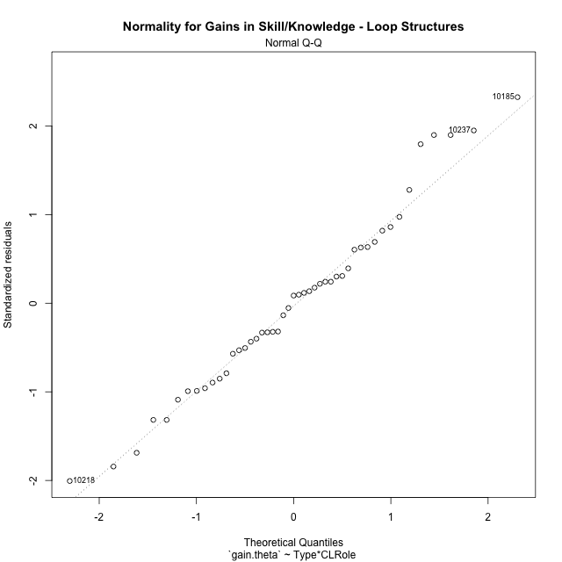

Levene's Test for Homogeneity of Variance in Gains in Skill/Knowledge - Loop Structures
Df | F value | Pr(>F)
3 | 2.4932723421 | 0.072717986916
43

Plots for homogeneity of variance
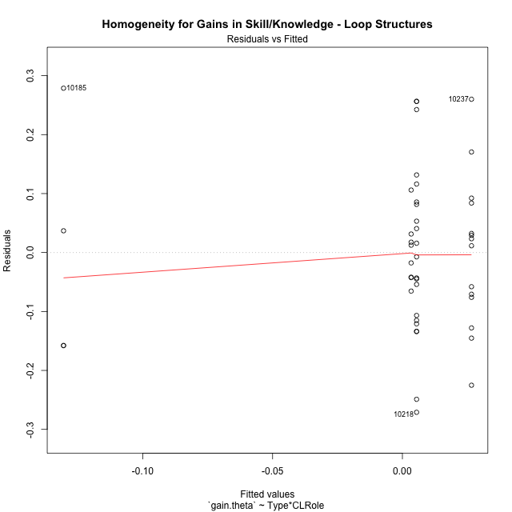

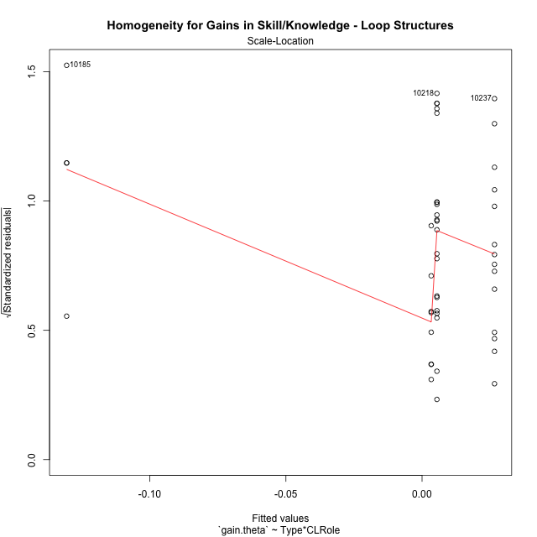

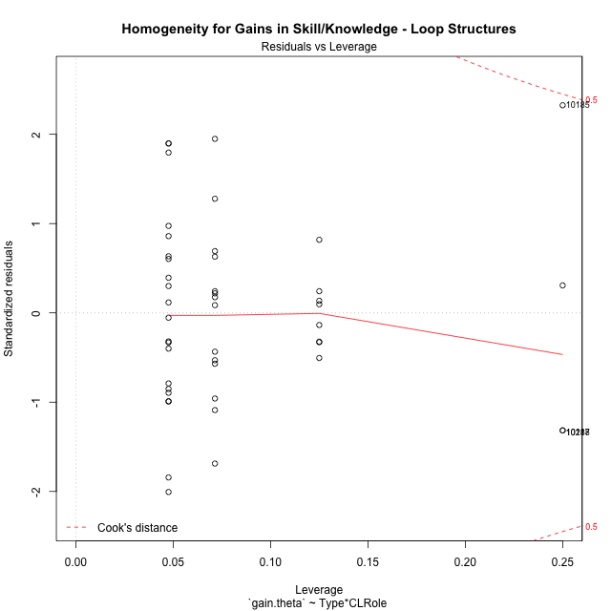

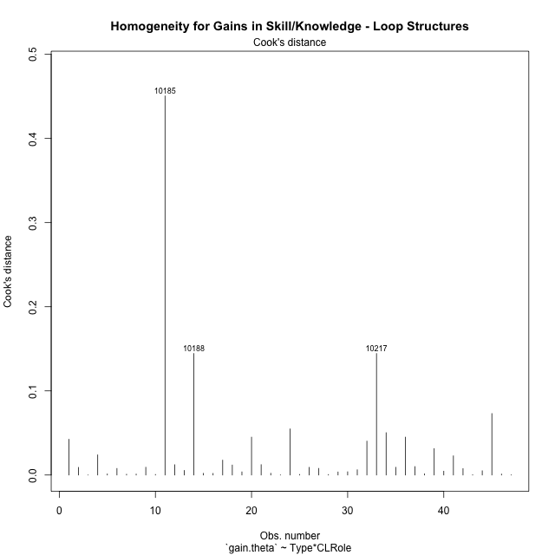

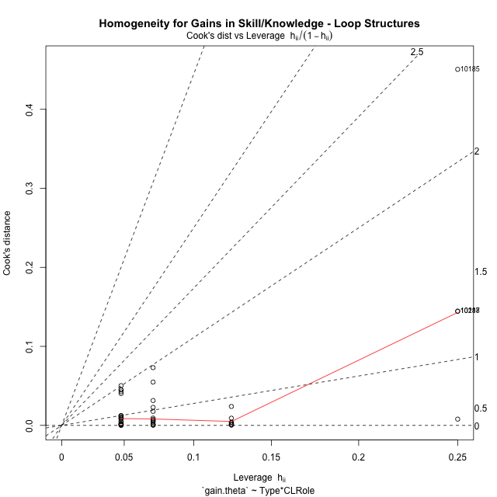

Minimum Sample Size Test for Gains in Skill/Knowledge - Loop Structures
Type | CLRole | Freq
non-gamified | Apprentice | 21
ont-gamified | Apprentice | 14
non-gamified | Master | 8
ont-gamified | Master | 4

Errors and Warnings in Sample Size Test for ANOVA in Gains in Skill/Knowledge - Loop Structures
code | description
WARN: sample.size | current size is 14 and recommended size is 15 for the group: 'ont-gamified:Apprentice'.
WARN: sample.size | current size is 8 and recommended size is 15 for the group: 'non-gamified:Master'.
FAIL: min.size | current size is 4 but the minimal recomended size is 5 for the group: 'ont-gamified:Master'.

For the group: 'non-gamified:Apprentice', you can perform a parametric test without having a normal distribution For the group: 'ont-gamified:Apprentice', we recommend the use of non-parametric test. For the group: 'non-gamified:Master', we recommend the use of non-parametric test. For the group: 'ont-gamified:Master', we recommend the use of non-parametric test.

Post-hoc
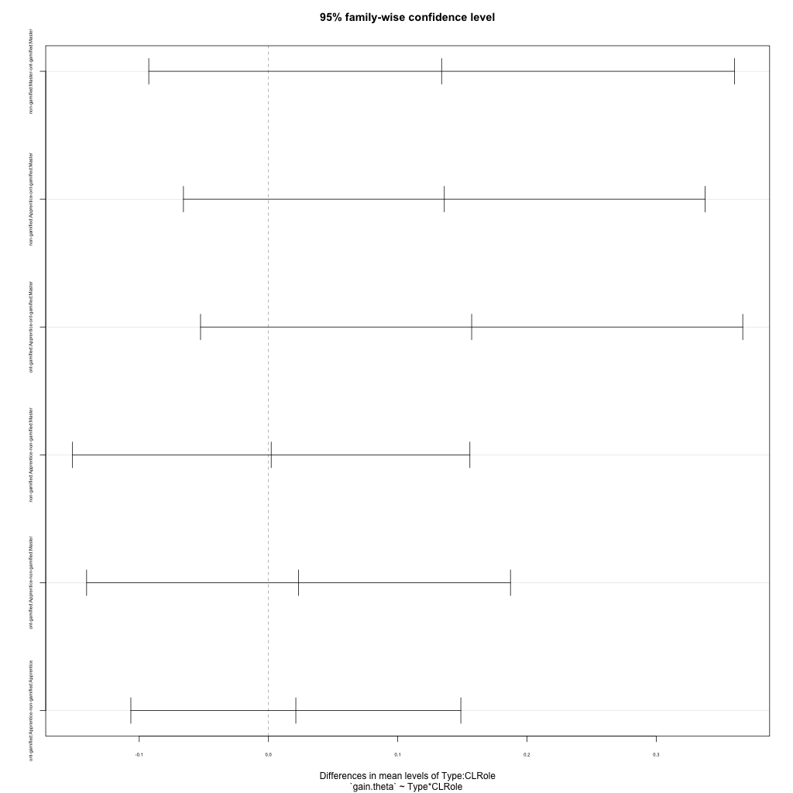
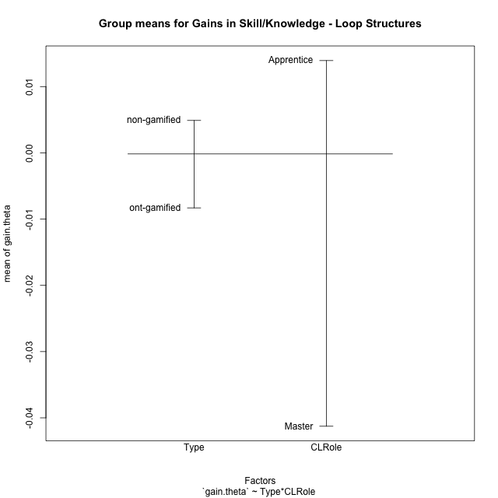
Post-hoc Tukey Honestly Significant Difference (HSD) Test for Gains in Skill/Knowledge - Loop Structures

Comparisons of means for Type
 | diff | lwr | upr | p adj
non-gamified-ont-gamified | 0.013198330373 | -0.070567217687 | 0.096963878433 | 0.75220833965

Comparisons of means for CLRole
 | diff | lwr | upr | p adj
Apprentice-Master | 0.056073080686 | -0.037311686551 | 0.14945784792 | 0.23253696072

Comparisons of means for Type:CLRole
 | diff | lwr | upr | p adj
non-gamified:Master-ont-gamified:Master | 0.1339160796 | -0.092617633953 | 0.36044979314 | 0.40061791185
non-gamified:Apprentice-ont-gamified:Master | 0.13601139824 | -0.065800873822 | 0.3378236703 | 0.28684348777
ont-gamified:Apprentice-ont-gamified:Master | 0.15715934862 | -0.052570116656 | 0.3668888139 | 0.20296331042
non-gamified:Apprentice-non-gamified:Master | 0.0020953186422 | -0.15160032876 | 0.15579096604 | 0.99998233905
ont-gamified:Apprentice-non-gamified:Master | 0.023243269028 | -0.14070979585 | 0.1871963339 | 0.98123289667
ont-gamified:Apprentice-non-gamified:Apprentice | 0.021147950386 | -0.10648933751 | 0.14878523828 | 0.9706538516

Contrast Matrices for Gains in Skill/Knowledge - Loop Structures - Type
contrast | estimate | SE | df | t.ratio | p.value
non-gamified - ont-gamified | 0.056384064605 | 0.048648174489 | 43 | 1.1590170689 | 0.2528452931

Contrast Matrices for Gains in Skill/Knowledge - Loop Structures - Type:CLRole
contrast | CLRole | estimate | SE | df | t.ratio | p.value
non-gamified - ont-gamified | Apprentice | -0.021147950386 | 0.047760899278 | 43 | -0.4427879438 | 0.6601386791
non-gamified - ont-gamified | Master | 0.1339160796 | 0.084767187193 | 43 | 1.5798103491 | 0.1214792351

Least Squares Means and Confidence Intervals for Type
Type | lsmean | SE | df | lower.CL | upper.CL | Pairs
non-gamified | 0.0044212011865 | 0.028755869291 | 43 | -0.053570536095 | 0.062412938469 | non-gamified
ont-gamified | -0.051962863418 | 0.039239582852 | 43 | -0.13109702406 | 0.027171297221 | ont-gamified

Least Squares Means and Confidence Intervals for Type:CLRole
Type | CLRole | lsmean | SE | df | lower.CL | upper.CL | Pairs
non-gamified | Apprentice | 0.0054688605076 | 0.030206644963 | 43 | -0.055448644755 | 0.06638636577 | non-gamified.Apprentice
ont-gamified | Apprentice | 0.026616810893 | 0.036995433501 | 43 | -0.047991591255 | 0.10122521304 | ont-gamified.Apprentice
non-gamified | Master | 0.0033735418654 | 0.048940358344 | 43 | -0.095324097035 | 0.10207118077 | non-gamified.Master
ont-gamified | Master | -0.13054253773 | 0.069212118518 | 43 | -0.27012207724 | 0.0090370017773 | ont-gamified.Master

Plots

Type_1
Student's t-Test for Gains in Skill/Knowledge - Loop Structures in Type between non-gamified:ont-gamified

Student's t-Test results
Alternative hypothesis: less
Group | N | Mean | Mean.Difference | Std.deviation | Std.error | CI.lower | CI.upper | df | t.value | p.value | g | magnitude
non-gamified | 29 | 0.0048908415719 | 0.013198330373 | 0.13065618371 | 0.024262244219 | -0.043633646865 | 0.053415330009 | 31.138967872 | 0.29733235612 | 0.61590631364 | 0.091721326869 | negligible
ont-gamified | 18 | -0.0083074888008 | -0.013198330373 | 0.15770644119 | 0.037171764668 | -0.082651018136 | 0.066036040535 | 31.138967872 | 0.29733235612 | 0.61590631364 | 0.091721326869 | negligible
Alternative hypothesis: greater
Group | N | Mean | Mean.Difference | Std.deviation | Std.error | CI.lower | CI.upper | df | t.value | p.value | g | magnitude
non-gamified | 29 | 0.0048908415719 | 0.013198330373 | 0.13065618371 | 0.024262244219 | -0.043633646865 | 0.053415330009 | 31.138967872 | 0.29733235612 | 0.38409368636 | 0.091721326869 | negligible
ont-gamified | 18 | -0.0083074888008 | -0.013198330373 | 0.15770644119 | 0.037171764668 | -0.082651018136 | 0.066036040535 | 31.138967872 | 0.29733235612 | 0.38409368636 | 0.091721326869 | negligible
Alternative hypothesis: two.sided
Group | N | Mean | Mean.Difference | Std.deviation | Std.error | CI.lower | CI.upper | df | t.value | p.value | g | magnitude
non-gamified | 29 | 0.0048908415719 | 0.013198330373 | 0.13065618371 | 0.024262244219 | -0.043633646865 | 0.053415330009 | 31.138967872 | 0.29733235612 | 0.76818737271 | 0.091721326869 | negligible
ont-gamified | 18 | -0.0083074888008 | -0.013198330373 | 0.15770644119 | 0.037171764668 | -0.082651018136 | 0.066036040535 | 31.138967872 | 0.29733235612 | 0.76818737271 | 0.091721326869 | negligible

Box plots for Student's t-Test
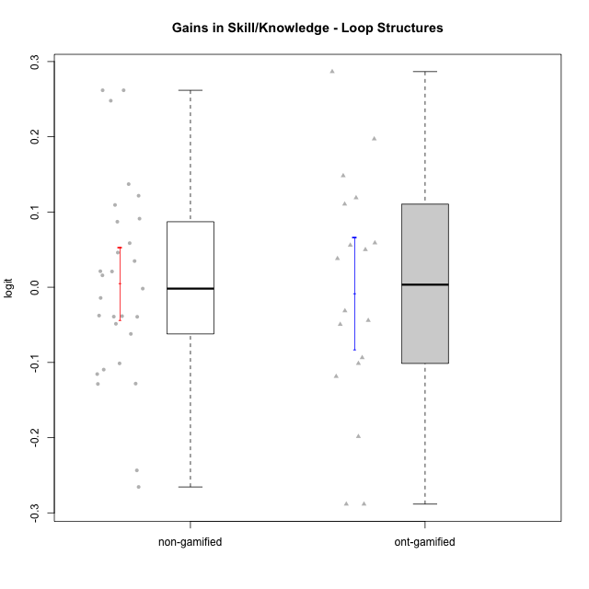

Student's t-Test data
UserID | NroUSP | Type | CLGroup | CLRole | PlayerRole | gain.theta
10169 | 10377538 | non-gamified | Grupo Team 10 | Apprentice |  | -0.24347675348
10170 | 10260351 | non-gamified | Grupo Team 6 | Apprentice |  | -0.10954686592
10174 | 10276852 | non-gamified | Grupo Team 1 | Apprentice |  | -0.00184997009
10175 | 10310700 | non-gamified | Grupo Team 6 | Master |  | 0.10936128804
10176 | 10276949 | non-gamified | Grupo Team 9 | Apprentice |  | -0.037713842104
10178 | 8656201 | non-gamified | Grupo Team 11 | Apprentice |  | -0.10127107756
10179 | 10310759 | ont-gamified | Grupo Tosskor | Apprentice | Yee Achiever | 0.055830020947
10181 | 10276866 | non-gamified | Grupo Team 7 | Apprentice |  | 0.046060287513
10183 | 10352030 | non-gamified | Grupo Belos | Apprentice | Yee Socializer | 0.12162452912
10184 | 10276675 | non-gamified | Grupo Team 7 | Master |  | 0.020923419415
10185 | 10276960 | ont-gamified | Grupo Tosskor | Master | Yee Achiever | 0.14820426249
10186 | 10310551 | non-gamified | Grupo Team 5 | Apprentice |  | -0.12817256933
10187 | 9790781 | ont-gamified | Grupo Razorg | Apprentice | Yee Achiever | -0.044148911115
10188 | 10276995 | ont-gamified | Grupo Paldira | Master | Yee Achiever | -0.28835700991
10189 | 9363926 | non-gamified | Grupo Team 2 | Apprentice |  | -0.048615488251
10190 | 10276907 | non-gamified | Grupo Team 8 | Apprentice |  | 0.058597539427
10192 | 10276682 | ont-gamified | Grupo Yeka | Apprentice | Yee Socializer | -0.10131874224
10196 | 10310655 | non-gamified | Grupo Team 5 | Apprentice |  | 0.13707681796
10197 | 10276661 | non-gamified | Grupo Team 11 | Master |  | -0.038447787278
10198 | 10310888 | non-gamified | Grupo Team 1 | Apprentice |  | 0.26183850319
10200 | 9795272 | non-gamified | Grupo Team 4 | Apprentice |  | -0.12860935188
10201 | 10276928 | non-gamified | Grupo Team 10 | Master |  | 0.034794854691
10202 | 10277036 | ont-gamified | Grupo Paldira | Apprentice | Yee Achiever | 0.038106090291
10203 | 9921470 | ont-gamified | Grupo Paldira | Apprentice | Yee Achiever | -0.19850890182
10204 | 10310471 | non-gamified | Grupo Team 5 | Master |  | -0.014255977234
10206 | 10310721 | non-gamified | Grupo Team 9 | Master |  | -0.062069971555
10208 | 10276932 | ont-gamified | Grupo Yeka | Master | Yee Socializer | -0.093660393586
10210 | 10277015 | ont-gamified | Grupo Losvakai | Apprentice | Yee Achiever | 0.049995426695
10212 | 9065750 | ont-gamified | Grupo Ellaru | Apprentice | Yee Socializer | -0.031353821399
10213 | 10277040 | non-gamified | Grupo Team 8 | Master |  | -0.039116962509
10214 | 10277022 | ont-gamified | Grupo Koil | Apprentice | Yee Achiever | -0.049443526777
10215 | 9285227 | non-gamified | Grupo Team 7 | Apprentice |  | 0.24794158682
10217 | 9805341 | ont-gamified | Grupo Belos | Master | Yee Socializer | -0.28835700991
10218 | 9842913 | non-gamified | Grupo Team 10 | Apprentice |  | -0.26553844337
10219 | 10276831 | ont-gamified | Grupo Razorg | Apprentice | Yee Achiever | 0.11888874974
10220 | 9760151 | non-gamified | Grupo Team 4 | Apprentice |  | 0.26183850319
10221 | 9082496 | non-gamified | Grupo Team 3 | Apprentice |  | -0.11548307839
10224 | 9368772 | non-gamified | Grupo Team 9 | Apprentice |  | -0.039323671341
10226 | 10310342 | ont-gamified | Grupo Yeka | Apprentice | Yee Socializer | 0.19714699828
10227 | 9274382 | non-gamified | Grupo Team 2 | Apprentice |  | 0.087077749214
10228 | 10310492 | ont-gamified | Grupo Losvakai | Apprentice | Yee Achiever | -0.11861299996
10230 | 10351992 | ont-gamified | Grupo Koil | Apprentice | Yee Achiever | 0.11050904128
10231 | 10276911 | non-gamified | Grupo Team 4 | Master |  | 0.015799471352
10232 | 10276974 | non-gamified | Grupo Team 3 | Apprentice |  | 0.091138296425
10237 | 10377688 | ont-gamified | Grupo Ellaru | Apprentice | Yee Socializer | 0.2866104188
10238 | 10276953 | ont-gamified | Grupo Belos | Apprentice | Yee Socializer | 0.058935509781
10240 | 10276654 | non-gamified | Grupo Team 8 | Apprentice |  | 0.021253369511

Type_CLRole_1
Student's t-Test for Gains in Skill/Knowledge - Loop Structures in Type:CLRole between non-gamified.Apprentice:non-gamified.Master

Student's t-Test results
Alternative hypothesis: less
Group | N | Mean | Mean.Difference | Std.deviation | Std.error | CI.lower | CI.upper | df | t.value | p.value | g | magnitude
non-gamified.Apprentice | 21 | 0.0054688605076 | 0.0020953186422 | 0.15118406276 | 0.032991067213 | -0.060513273918 | 0.071450994933 | 26.997098075 | 0.054829547793 | 0.52166099305 | 0.015306788831 | negligible
non-gamified.Master | 8 | 0.0033735418654 | -0.0020953186422 | 0.054551709533 | 0.019286941868 | -0.03520034187 | 0.041947425601 | 26.997098075 | 0.054829547793 | 0.52166099305 | 0.015306788831 | negligible
Alternative hypothesis: greater
Group | N | Mean | Mean.Difference | Std.deviation | Std.error | CI.lower | CI.upper | df | t.value | p.value | g | magnitude
non-gamified.Apprentice | 21 | 0.0054688605076 | 0.0020953186422 | 0.15118406276 | 0.032991067213 | -0.060513273918 | 0.071450994933 | 26.997098075 | 0.054829547793 | 0.47833900695 | 0.015306788831 | negligible
non-gamified.Master | 8 | 0.0033735418654 | -0.0020953186422 | 0.054551709533 | 0.019286941868 | -0.03520034187 | 0.041947425601 | 26.997098075 | 0.054829547793 | 0.47833900695 | 0.015306788831 | negligible
Alternative hypothesis: two.sided
Group | N | Mean | Mean.Difference | Std.deviation | Std.error | CI.lower | CI.upper | df | t.value | p.value | g | magnitude
non-gamified.Apprentice | 21 | 0.0054688605076 | 0.0020953186422 | 0.15118406276 | 0.032991067213 | -0.060513273918 | 0.071450994933 | 26.997098075 | 0.054829547793 | 0.9566780139 | 0.015306788831 | negligible
non-gamified.Master | 8 | 0.0033735418654 | -0.0020953186422 | 0.054551709533 | 0.019286941868 | -0.03520034187 | 0.041947425601 | 26.997098075 | 0.054829547793 | 0.9566780139 | 0.015306788831 | negligible

Box plots for Student's t-Test
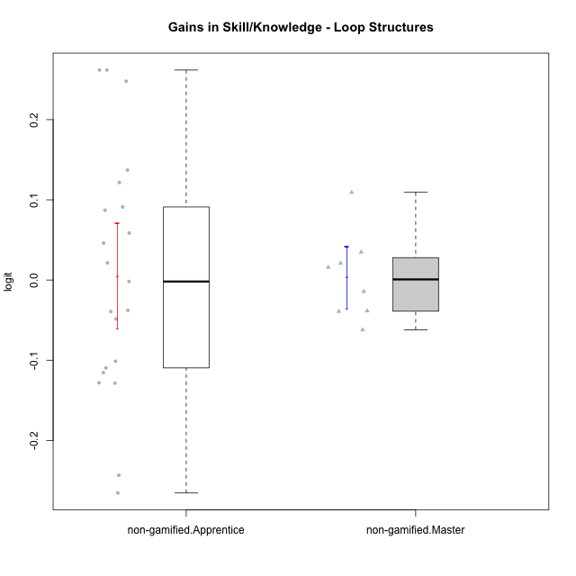

Student's t-Test data
UserID | NroUSP | Type | CLGroup | CLRole | PlayerRole | gain.theta
10169 | 10377538 | non-gamified | Grupo Team 10 | Apprentice |  | -0.24347675348
10170 | 10260351 | non-gamified | Grupo Team 6 | Apprentice |  | -0.10954686592
10174 | 10276852 | non-gamified | Grupo Team 1 | Apprentice |  | -0.00184997009
10175 | 10310700 | non-gamified | Grupo Team 6 | Master |  | 0.10936128804
10176 | 10276949 | non-gamified | Grupo Team 9 | Apprentice |  | -0.037713842104
10178 | 8656201 | non-gamified | Grupo Team 11 | Apprentice |  | -0.10127107756
10181 | 10276866 | non-gamified | Grupo Team 7 | Apprentice |  | 0.046060287513
10183 | 10352030 | non-gamified | Grupo Belos | Apprentice | Yee Socializer | 0.12162452912
10184 | 10276675 | non-gamified | Grupo Team 7 | Master |  | 0.020923419415
10186 | 10310551 | non-gamified | Grupo Team 5 | Apprentice |  | -0.12817256933
10189 | 9363926 | non-gamified | Grupo Team 2 | Apprentice |  | -0.048615488251
10190 | 10276907 | non-gamified | Grupo Team 8 | Apprentice |  | 0.058597539427
10196 | 10310655 | non-gamified | Grupo Team 5 | Apprentice |  | 0.13707681796
10197 | 10276661 | non-gamified | Grupo Team 11 | Master |  | -0.038447787278
10198 | 10310888 | non-gamified | Grupo Team 1 | Apprentice |  | 0.26183850319
10200 | 9795272 | non-gamified | Grupo Team 4 | Apprentice |  | -0.12860935188
10201 | 10276928 | non-gamified | Grupo Team 10 | Master |  | 0.034794854691
10204 | 10310471 | non-gamified | Grupo Team 5 | Master |  | -0.014255977234
10206 | 10310721 | non-gamified | Grupo Team 9 | Master |  | -0.062069971555
10213 | 10277040 | non-gamified | Grupo Team 8 | Master |  | -0.039116962509
10215 | 9285227 | non-gamified | Grupo Team 7 | Apprentice |  | 0.24794158682
10218 | 9842913 | non-gamified | Grupo Team 10 | Apprentice |  | -0.26553844337
10220 | 9760151 | non-gamified | Grupo Team 4 | Apprentice |  | 0.26183850319
10221 | 9082496 | non-gamified | Grupo Team 3 | Apprentice |  | -0.11548307839
10224 | 9368772 | non-gamified | Grupo Team 9 | Apprentice |  | -0.039323671341
10227 | 9274382 | non-gamified | Grupo Team 2 | Apprentice |  | 0.087077749214
10231 | 10276911 | non-gamified | Grupo Team 4 | Master |  | 0.015799471352
10232 | 10276974 | non-gamified | Grupo Team 3 | Apprentice |  | 0.091138296425
10240 | 10276654 | non-gamified | Grupo Team 8 | Apprentice |  | 0.021253369511

Type_CLRole_2
Student's t-Test for Gains in Skill/Knowledge - Loop Structures in Type:CLRole between non-gamified.Apprentice:ont-gamified.Apprentice

Student's t-Test results
Alternative hypothesis: less
Group | N | Mean | Mean.Difference | Std.deviation | Std.error | CI.lower | CI.upper | df | t.value | p.value | g | magnitude
non-gamified.Apprentice | 21 | 0.0054688605076 | -0.021147950386 | 0.15118406276 | 0.032991067213 | -0.060513273918 | 0.071450994933 | 30.851232978 | -0.44277198121 | 0.33050986754 | -0.14456364619 | negligible
ont-gamified.Apprentice | 14 | 0.026616810893 | 0.021147950386 | 0.12922849708 | 0.034537768621 | -0.042458726349 | 0.095692348136 | 30.851232978 | -0.44277198121 | 0.33050986754 | -0.14456364619 | negligible
Alternative hypothesis: greater
Group | N | Mean | Mean.Difference | Std.deviation | Std.error | CI.lower | CI.upper | df | t.value | p.value | g | magnitude
non-gamified.Apprentice | 21 | 0.0054688605076 | -0.021147950386 | 0.15118406276 | 0.032991067213 | -0.060513273918 | 0.071450994933 | 30.851232978 | -0.44277198121 | 0.66949013246 | -0.14456364619 | negligible
ont-gamified.Apprentice | 14 | 0.026616810893 | 0.021147950386 | 0.12922849708 | 0.034537768621 | -0.042458726349 | 0.095692348136 | 30.851232978 | -0.44277198121 | 0.66949013246 | -0.14456364619 | negligible
Alternative hypothesis: two.sided
Group | N | Mean | Mean.Difference | Std.deviation | Std.error | CI.lower | CI.upper | df | t.value | p.value | g | magnitude
non-gamified.Apprentice | 21 | 0.0054688605076 | -0.021147950386 | 0.15118406276 | 0.032991067213 | -0.060513273918 | 0.071450994933 | 30.851232978 | -0.44277198121 | 0.66101973508 | -0.14456364619 | negligible
ont-gamified.Apprentice | 14 | 0.026616810893 | 0.021147950386 | 0.12922849708 | 0.034537768621 | -0.042458726349 | 0.095692348136 | 30.851232978 | -0.44277198121 | 0.66101973508 | -0.14456364619 | negligible

Box plots for Student's t-Test
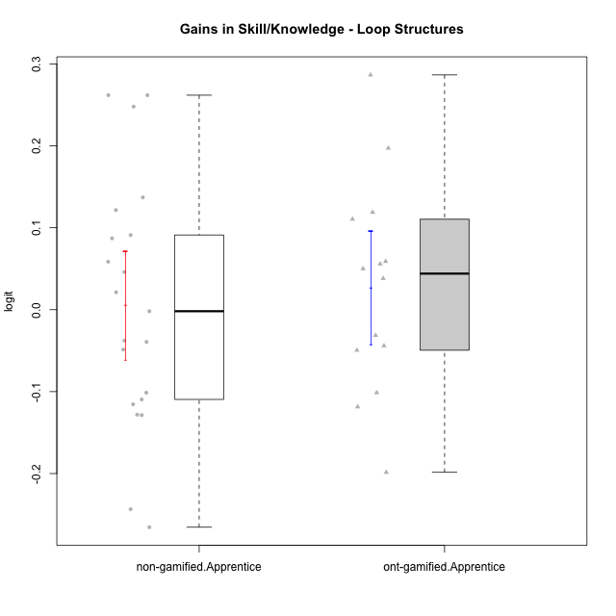

Student's t-Test data
UserID | NroUSP | Type | CLGroup | CLRole | PlayerRole | gain.theta
10169 | 10377538 | non-gamified | Grupo Team 10 | Apprentice |  | -0.24347675348
10170 | 10260351 | non-gamified | Grupo Team 6 | Apprentice |  | -0.10954686592
10174 | 10276852 | non-gamified | Grupo Team 1 | Apprentice |  | -0.00184997009
10176 | 10276949 | non-gamified | Grupo Team 9 | Apprentice |  | -0.037713842104
10178 | 8656201 | non-gamified | Grupo Team 11 | Apprentice |  | -0.10127107756
10179 | 10310759 | ont-gamified | Grupo Tosskor | Apprentice | Yee Achiever | 0.055830020947
10181 | 10276866 | non-gamified | Grupo Team 7 | Apprentice |  | 0.046060287513
10183 | 10352030 | non-gamified | Grupo Belos | Apprentice | Yee Socializer | 0.12162452912
10186 | 10310551 | non-gamified | Grupo Team 5 | Apprentice |  | -0.12817256933
10187 | 9790781 | ont-gamified | Grupo Razorg | Apprentice | Yee Achiever | -0.044148911115
10189 | 9363926 | non-gamified | Grupo Team 2 | Apprentice |  | -0.048615488251
10190 | 10276907 | non-gamified | Grupo Team 8 | Apprentice |  | 0.058597539427
10192 | 10276682 | ont-gamified | Grupo Yeka | Apprentice | Yee Socializer | -0.10131874224
10196 | 10310655 | non-gamified | Grupo Team 5 | Apprentice |  | 0.13707681796
10198 | 10310888 | non-gamified | Grupo Team 1 | Apprentice |  | 0.26183850319
10200 | 9795272 | non-gamified | Grupo Team 4 | Apprentice |  | -0.12860935188
10202 | 10277036 | ont-gamified | Grupo Paldira | Apprentice | Yee Achiever | 0.038106090291
10203 | 9921470 | ont-gamified | Grupo Paldira | Apprentice | Yee Achiever | -0.19850890182
10210 | 10277015 | ont-gamified | Grupo Losvakai | Apprentice | Yee Achiever | 0.049995426695
10212 | 9065750 | ont-gamified | Grupo Ellaru | Apprentice | Yee Socializer | -0.031353821399
10214 | 10277022 | ont-gamified | Grupo Koil | Apprentice | Yee Achiever | -0.049443526777
10215 | 9285227 | non-gamified | Grupo Team 7 | Apprentice |  | 0.24794158682
10218 | 9842913 | non-gamified | Grupo Team 10 | Apprentice |  | -0.26553844337
10219 | 10276831 | ont-gamified | Grupo Razorg | Apprentice | Yee Achiever | 0.11888874974
10220 | 9760151 | non-gamified | Grupo Team 4 | Apprentice |  | 0.26183850319
10221 | 9082496 | non-gamified | Grupo Team 3 | Apprentice |  | -0.11548307839
10224 | 9368772 | non-gamified | Grupo Team 9 | Apprentice |  | -0.039323671341
10226 | 10310342 | ont-gamified | Grupo Yeka | Apprentice | Yee Socializer | 0.19714699828
10227 | 9274382 | non-gamified | Grupo Team 2 | Apprentice |  | 0.087077749214
10228 | 10310492 | ont-gamified | Grupo Losvakai | Apprentice | Yee Achiever | -0.11861299996
10230 | 10351992 | ont-gamified | Grupo Koil | Apprentice | Yee Achiever | 0.11050904128
10232 | 10276974 | non-gamified | Grupo Team 3 | Apprentice |  | 0.091138296425
10237 | 10377688 | ont-gamified | Grupo Ellaru | Apprentice | Yee Socializer | 0.2866104188
10238 | 10276953 | ont-gamified | Grupo Belos | Apprentice | Yee Socializer | 0.058935509781
10240 | 10276654 | non-gamified | Grupo Team 8 | Apprentice |  | 0.021253369511

Type_CLRole_3
Student's t-Test for Gains in Skill/Knowledge - Loop Structures in Type:CLRole between non-gamified.Apprentice:ont-gamified.Master

Student's t-Test results
Alternative hypothesis: less
Group | N | Mean | Mean.Difference | Std.deviation | Std.error | CI.lower | CI.upper | df | t.value | p.value | g | magnitude
non-gamified.Apprentice | 21 | 0.0054688605076 | 0.13601139824 | 0.15118406276 | 0.032991067213 | -0.060513273918 | 0.071450994933 | 3.633310394 | 1.2506219698 | 0.85722169275 | 0.82400618429 | large
ont-gamified.Master | 4 | -0.13054253773 | -0.13601139824 | 0.20726061408 | 0.10363030704 | -0.33780315181 | 0.076718076352 | 3.633310394 | 1.2506219698 | 0.85722169275 | 0.82400618429 | large
Alternative hypothesis: greater
Group | N | Mean | Mean.Difference | Std.deviation | Std.error | CI.lower | CI.upper | df | t.value | p.value | g | magnitude
non-gamified.Apprentice | 21 | 0.0054688605076 | 0.13601139824 | 0.15118406276 | 0.032991067213 | -0.060513273918 | 0.071450994933 | 3.633310394 | 1.2506219698 | 0.14277830725 | 0.82400618429 | large
ont-gamified.Master | 4 | -0.13054253773 | -0.13601139824 | 0.20726061408 | 0.10363030704 | -0.33780315181 | 0.076718076352 | 3.633310394 | 1.2506219698 | 0.14277830725 | 0.82400618429 | large
Alternative hypothesis: two.sided
Group | N | Mean | Mean.Difference | Std.deviation | Std.error | CI.lower | CI.upper | df | t.value | p.value | g | magnitude
non-gamified.Apprentice | 21 | 0.0054688605076 | 0.13601139824 | 0.15118406276 | 0.032991067213 | -0.060513273918 | 0.071450994933 | 3.633310394 | 1.2506219698 | 0.2855566145 | 0.82400618429 | large
ont-gamified.Master | 4 | -0.13054253773 | -0.13601139824 | 0.20726061408 | 0.10363030704 | -0.33780315181 | 0.076718076352 | 3.633310394 | 1.2506219698 | 0.2855566145 | 0.82400618429 | large

Box plots for Student's t-Test
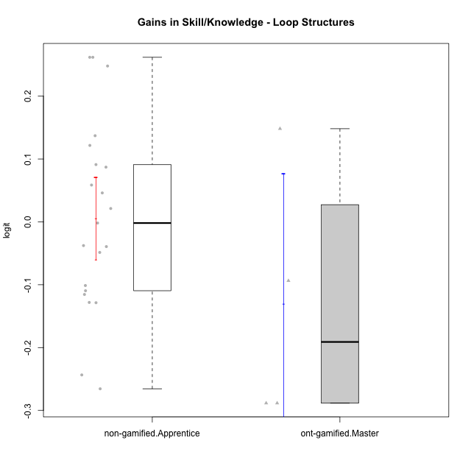

Student's t-Test data
UserID | NroUSP | Type | CLGroup | CLRole | PlayerRole | gain.theta
10169 | 10377538 | non-gamified | Grupo Team 10 | Apprentice |  | -0.24347675348
10170 | 10260351 | non-gamified | Grupo Team 6 | Apprentice |  | -0.10954686592
10174 | 10276852 | non-gamified | Grupo Team 1 | Apprentice |  | -0.00184997009
10176 | 10276949 | non-gamified | Grupo Team 9 | Apprentice |  | -0.037713842104
10178 | 8656201 | non-gamified | Grupo Team 11 | Apprentice |  | -0.10127107756
10181 | 10276866 | non-gamified | Grupo Team 7 | Apprentice |  | 0.046060287513
10183 | 10352030 | non-gamified | Grupo Belos | Apprentice | Yee Socializer | 0.12162452912
10185 | 10276960 | ont-gamified | Grupo Tosskor | Master | Yee Achiever | 0.14820426249
10186 | 10310551 | non-gamified | Grupo Team 5 | Apprentice |  | -0.12817256933
10188 | 10276995 | ont-gamified | Grupo Paldira | Master | Yee Achiever | -0.28835700991
10189 | 9363926 | non-gamified | Grupo Team 2 | Apprentice |  | -0.048615488251
10190 | 10276907 | non-gamified | Grupo Team 8 | Apprentice |  | 0.058597539427
10196 | 10310655 | non-gamified | Grupo Team 5 | Apprentice |  | 0.13707681796
10198 | 10310888 | non-gamified | Grupo Team 1 | Apprentice |  | 0.26183850319
10200 | 9795272 | non-gamified | Grupo Team 4 | Apprentice |  | -0.12860935188
10208 | 10276932 | ont-gamified | Grupo Yeka | Master | Yee Socializer | -0.093660393586
10215 | 9285227 | non-gamified | Grupo Team 7 | Apprentice |  | 0.24794158682
10217 | 9805341 | ont-gamified | Grupo Belos | Master | Yee Socializer | -0.28835700991
10218 | 9842913 | non-gamified | Grupo Team 10 | Apprentice |  | -0.26553844337
10220 | 9760151 | non-gamified | Grupo Team 4 | Apprentice |  | 0.26183850319
10221 | 9082496 | non-gamified | Grupo Team 3 | Apprentice |  | -0.11548307839
10224 | 9368772 | non-gamified | Grupo Team 9 | Apprentice |  | -0.039323671341
10227 | 9274382 | non-gamified | Grupo Team 2 | Apprentice |  | 0.087077749214
10232 | 10276974 | non-gamified | Grupo Team 3 | Apprentice |  | 0.091138296425
10240 | 10276654 | non-gamified | Grupo Team 8 | Apprentice |  | 0.021253369511

Type_CLRole_4
Student's t-Test for Gains in Skill/Knowledge - Loop Structures in Type:CLRole between non-gamified.Master:ont-gamified.Apprentice

Student's t-Test results
Alternative hypothesis: less
Group | N | Mean | Mean.Difference | Std.deviation | Std.error | CI.lower | CI.upper | df | t.value | p.value | g | magnitude
non-gamified.Master | 8 | 0.0033735418654 | -0.023243269028 | 0.054551709533 | 0.019286941868 | -0.03520034187 | 0.041947425601 | 18.949804584 | -0.58757287908 | 0.28187787281 | -0.2050090043 | small
ont-gamified.Apprentice | 14 | 0.026616810893 | 0.023243269028 | 0.12922849708 | 0.034537768621 | -0.042458726349 | 0.095692348136 | 18.949804584 | -0.58757287908 | 0.28187787281 | -0.2050090043 | small
Alternative hypothesis: greater
Group | N | Mean | Mean.Difference | Std.deviation | Std.error | CI.lower | CI.upper | df | t.value | p.value | g | magnitude
non-gamified.Master | 8 | 0.0033735418654 | -0.023243269028 | 0.054551709533 | 0.019286941868 | -0.03520034187 | 0.041947425601 | 18.949804584 | -0.58757287908 | 0.71812212719 | -0.2050090043 | small
ont-gamified.Apprentice | 14 | 0.026616810893 | 0.023243269028 | 0.12922849708 | 0.034537768621 | -0.042458726349 | 0.095692348136 | 18.949804584 | -0.58757287908 | 0.71812212719 | -0.2050090043 | small
Alternative hypothesis: two.sided
Group | N | Mean | Mean.Difference | Std.deviation | Std.error | CI.lower | CI.upper | df | t.value | p.value | g | magnitude
non-gamified.Master | 8 | 0.0033735418654 | -0.023243269028 | 0.054551709533 | 0.019286941868 | -0.03520034187 | 0.041947425601 | 18.949804584 | -0.58757287908 | 0.56375574562 | -0.2050090043 | small
ont-gamified.Apprentice | 14 | 0.026616810893 | 0.023243269028 | 0.12922849708 | 0.034537768621 | -0.042458726349 | 0.095692348136 | 18.949804584 | -0.58757287908 | 0.56375574562 | -0.2050090043 | small

Box plots for Student's t-Test
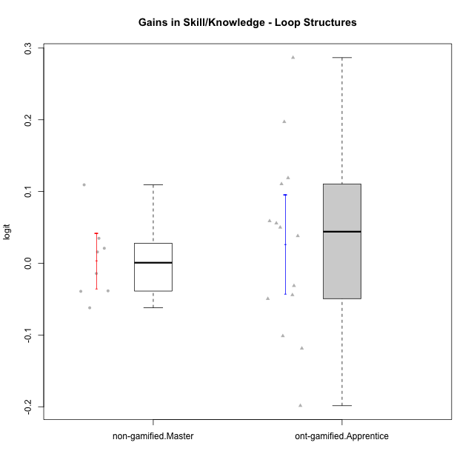

Student's t-Test data
UserID | NroUSP | Type | CLGroup | CLRole | PlayerRole | gain.theta
10175 | 10310700 | non-gamified | Grupo Team 6 | Master |  | 0.10936128804
10179 | 10310759 | ont-gamified | Grupo Tosskor | Apprentice | Yee Achiever | 0.055830020947
10184 | 10276675 | non-gamified | Grupo Team 7 | Master |  | 0.020923419415
10187 | 9790781 | ont-gamified | Grupo Razorg | Apprentice | Yee Achiever | -0.044148911115
10192 | 10276682 | ont-gamified | Grupo Yeka | Apprentice | Yee Socializer | -0.10131874224
10197 | 10276661 | non-gamified | Grupo Team 11 | Master |  | -0.038447787278
10201 | 10276928 | non-gamified | Grupo Team 10 | Master |  | 0.034794854691
10202 | 10277036 | ont-gamified | Grupo Paldira | Apprentice | Yee Achiever | 0.038106090291
10203 | 9921470 | ont-gamified | Grupo Paldira | Apprentice | Yee Achiever | -0.19850890182
10204 | 10310471 | non-gamified | Grupo Team 5 | Master |  | -0.014255977234
10206 | 10310721 | non-gamified | Grupo Team 9 | Master |  | -0.062069971555
10210 | 10277015 | ont-gamified | Grupo Losvakai | Apprentice | Yee Achiever | 0.049995426695
10212 | 9065750 | ont-gamified | Grupo Ellaru | Apprentice | Yee Socializer | -0.031353821399
10213 | 10277040 | non-gamified | Grupo Team 8 | Master |  | -0.039116962509
10214 | 10277022 | ont-gamified | Grupo Koil | Apprentice | Yee Achiever | -0.049443526777
10219 | 10276831 | ont-gamified | Grupo Razorg | Apprentice | Yee Achiever | 0.11888874974
10226 | 10310342 | ont-gamified | Grupo Yeka | Apprentice | Yee Socializer | 0.19714699828
10228 | 10310492 | ont-gamified | Grupo Losvakai | Apprentice | Yee Achiever | -0.11861299996
10230 | 10351992 | ont-gamified | Grupo Koil | Apprentice | Yee Achiever | 0.11050904128
10231 | 10276911 | non-gamified | Grupo Team 4 | Master |  | 0.015799471352
10237 | 10377688 | ont-gamified | Grupo Ellaru | Apprentice | Yee Socializer | 0.2866104188
10238 | 10276953 | ont-gamified | Grupo Belos | Apprentice | Yee Socializer | 0.058935509781

Type_CLRole_5
Student's t-Test for Gains in Skill/Knowledge - Loop Structures in Type:CLRole between non-gamified.Master:ont-gamified.Master

Student's t-Test results
Alternative hypothesis: less
Group | N | Mean | Mean.Difference | Std.deviation | Std.error | CI.lower | CI.upper | df | t.value | p.value | g | magnitude
non-gamified.Master | 8 | 0.0033735418654 | 0.1339160796 | 0.054551709533 | 0.019286941868 | -0.03520034187 | 0.041947425601 | 3.2097770962 | 1.2704328744 | 0.85590018476 | 1.0103146731 | large
ont-gamified.Master | 4 | -0.13054253773 | -0.1339160796 | 0.20726061408 | 0.10363030704 | -0.33780315181 | 0.076718076352 | 3.2097770962 | 1.2704328744 | 0.85590018476 | 1.0103146731 | large
Alternative hypothesis: greater
Group | N | Mean | Mean.Difference | Std.deviation | Std.error | CI.lower | CI.upper | df | t.value | p.value | g | magnitude
non-gamified.Master | 8 | 0.0033735418654 | 0.1339160796 | 0.054551709533 | 0.019286941868 | -0.03520034187 | 0.041947425601 | 3.2097770962 | 1.2704328744 | 0.14409981524 | 1.0103146731 | large
ont-gamified.Master | 4 | -0.13054253773 | -0.1339160796 | 0.20726061408 | 0.10363030704 | -0.33780315181 | 0.076718076352 | 3.2097770962 | 1.2704328744 | 0.14409981524 | 1.0103146731 | large
Alternative hypothesis: two.sided
Group | N | Mean | Mean.Difference | Std.deviation | Std.error | CI.lower | CI.upper | df | t.value | p.value | g | magnitude
non-gamified.Master | 8 | 0.0033735418654 | 0.1339160796 | 0.054551709533 | 0.019286941868 | -0.03520034187 | 0.041947425601 | 3.2097770962 | 1.2704328744 | 0.28819963049 | 1.0103146731 | large
ont-gamified.Master | 4 | -0.13054253773 | -0.1339160796 | 0.20726061408 | 0.10363030704 | -0.33780315181 | 0.076718076352 | 3.2097770962 | 1.2704328744 | 0.28819963049 | 1.0103146731 | large

Box plots for Student's t-Test
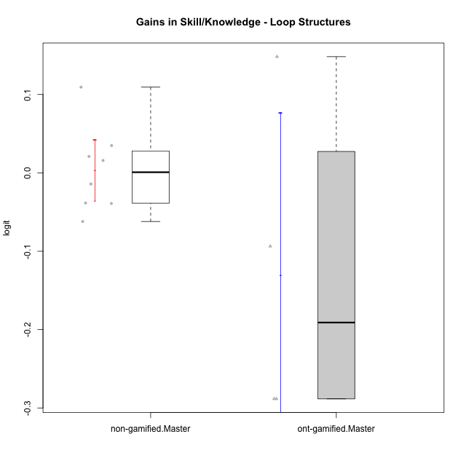

Student's t-Test data
UserID | NroUSP | Type | CLGroup | CLRole | PlayerRole | gain.theta
10175 | 10310700 | non-gamified | Grupo Team 6 | Master |  | 0.10936128804
10184 | 10276675 | non-gamified | Grupo Team 7 | Master |  | 0.020923419415
10185 | 10276960 | ont-gamified | Grupo Tosskor | Master | Yee Achiever | 0.14820426249
10188 | 10276995 | ont-gamified | Grupo Paldira | Master | Yee Achiever | -0.28835700991
10197 | 10276661 | non-gamified | Grupo Team 11 | Master |  | -0.038447787278
10201 | 10276928 | non-gamified | Grupo Team 10 | Master |  | 0.034794854691
10204 | 10310471 | non-gamified | Grupo Team 5 | Master |  | -0.014255977234
10206 | 10310721 | non-gamified | Grupo Team 9 | Master |  | -0.062069971555
10208 | 10276932 | ont-gamified | Grupo Yeka | Master | Yee Socializer | -0.093660393586
10213 | 10277040 | non-gamified | Grupo Team 8 | Master |  | -0.039116962509
10217 | 9805341 | ont-gamified | Grupo Belos | Master | Yee Socializer | -0.28835700991
10231 | 10276911 | non-gamified | Grupo Team 4 | Master |  | 0.015799471352

Type_CLRole_6
Student's t-Test for Gains in Skill/Knowledge - Loop Structures in Type:CLRole between ont-gamified.Apprentice:ont-gamified.Master

Student's t-Test results
Alternative hypothesis: less
Group | N | Mean | Mean.Difference | Std.deviation | Std.error | CI.lower | CI.upper | df | t.value | p.value | g | magnitude
ont-gamified.Apprentice | 14 | 0.026616810893 | 0.15715934862 | 0.12922849708 | 0.034537768621 | -0.042458726349 | 0.095692348136 | 3.6929463695 | 1.4387383312 | 0.88536796855 | 1.0178671509 | large
ont-gamified.Master | 4 | -0.13054253773 | -0.15715934862 | 0.20726061408 | 0.10363030704 | -0.33780315181 | 0.076718076352 | 3.6929463695 | 1.4387383312 | 0.88536796855 | 1.0178671509 | large
Alternative hypothesis: greater
Group | N | Mean | Mean.Difference | Std.deviation | Std.error | CI.lower | CI.upper | df | t.value | p.value | g | magnitude
ont-gamified.Apprentice | 14 | 0.026616810893 | 0.15715934862 | 0.12922849708 | 0.034537768621 | -0.042458726349 | 0.095692348136 | 3.6929463695 | 1.4387383312 | 0.11463203145 | 1.0178671509 | large
ont-gamified.Master | 4 | -0.13054253773 | -0.15715934862 | 0.20726061408 | 0.10363030704 | -0.33780315181 | 0.076718076352 | 3.6929463695 | 1.4387383312 | 0.11463203145 | 1.0178671509 | large
Alternative hypothesis: two.sided
Group | N | Mean | Mean.Difference | Std.deviation | Std.error | CI.lower | CI.upper | df | t.value | p.value | g | magnitude
ont-gamified.Apprentice | 14 | 0.026616810893 | 0.15715934862 | 0.12922849708 | 0.034537768621 | -0.042458726349 | 0.095692348136 | 3.6929463695 | 1.4387383312 | 0.2292640629 | 1.0178671509 | large
ont-gamified.Master | 4 | -0.13054253773 | -0.15715934862 | 0.20726061408 | 0.10363030704 | -0.33780315181 | 0.076718076352 | 3.6929463695 | 1.4387383312 | 0.2292640629 | 1.0178671509 | large

Box plots for Student's t-Test
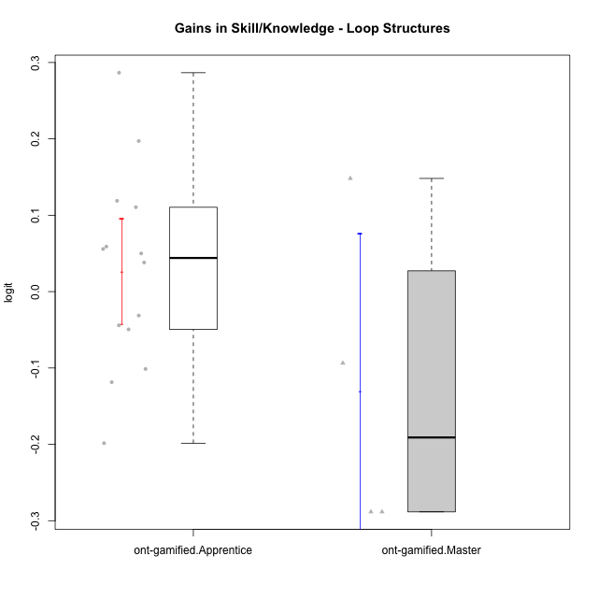

Student's t-Test data
UserID | NroUSP | Type | CLGroup | CLRole | PlayerRole | gain.theta
10179 | 10310759 | ont-gamified | Grupo Tosskor | Apprentice | Yee Achiever | 0.055830020947
10185 | 10276960 | ont-gamified | Grupo Tosskor | Master | Yee Achiever | 0.14820426249
10187 | 9790781 | ont-gamified | Grupo Razorg | Apprentice | Yee Achiever | -0.044148911115
10188 | 10276995 | ont-gamified | Grupo Paldira | Master | Yee Achiever | -0.28835700991
10192 | 10276682 | ont-gamified | Grupo Yeka | Apprentice | Yee Socializer | -0.10131874224
10202 | 10277036 | ont-gamified | Grupo Paldira | Apprentice | Yee Achiever | 0.038106090291
10203 | 9921470 | ont-gamified | Grupo Paldira | Apprentice | Yee Achiever | -0.19850890182
10208 | 10276932 | ont-gamified | Grupo Yeka | Master | Yee Socializer | -0.093660393586
10210 | 10277015 | ont-gamified | Grupo Losvakai | Apprentice | Yee Achiever | 0.049995426695
10212 | 9065750 | ont-gamified | Grupo Ellaru | Apprentice | Yee Socializer | -0.031353821399
10214 | 10277022 | ont-gamified | Grupo Koil | Apprentice | Yee Achiever | -0.049443526777
10217 | 9805341 | ont-gamified | Grupo Belos | Master | Yee Socializer | -0.28835700991
10219 | 10276831 | ont-gamified | Grupo Razorg | Apprentice | Yee Achiever | 0.11888874974
10226 | 10310342 | ont-gamified | Grupo Yeka | Apprentice | Yee Socializer | 0.19714699828
10228 | 10310492 | ont-gamified | Grupo Losvakai | Apprentice | Yee Achiever | -0.11861299996
10230 | 10351992 | ont-gamified | Grupo Koil | Apprentice | Yee Achiever | 0.11050904128
10237 | 10377688 | ont-gamified | Grupo Ellaru | Apprentice | Yee Socializer | 0.2866104188
10238 | 10276953 | ont-gamified | Grupo Belos | Apprentice | Yee Socializer | 0.058935509781

