Type_1
Wilcoxon Analysis for Level of Motivation by Type in Type between non-gamified:ont-gamified

Wilcoxon test results
Alternative hypothesis: less
Group | N | Median | Mean.Ranks | Sum.Ranks | U | Z | p.value | r | magnitude
non-gamified | 34 | -0.045402806371 | 27.911764706 | 949 | 354 | -0.85297015666 | 0.19941182087 | 0.11200046861 | small
ont-gamified | 24 | -0.016252992906 | 31.75 | 762 | 354 | -0.85297015666 | 0.19941182087 | 0.11200046861 | small
Alternative hypothesis: greater
Group | N | Median | Mean.Ranks | Sum.Ranks | U | Z | p.value | r | magnitude
non-gamified | 34 | -0.045402806371 | 27.911764706 | 949 | 354 | -0.85297015666 | 0.80278287034 | 0.11200046861 | small
ont-gamified | 24 | -0.016252992906 | 31.75 | 762 | 354 | -0.85297015666 | 0.80278287034 | 0.11200046861 | small
Alternative hypothesis: two.sided
Group | N | Median | Mean.Ranks | Sum.Ranks | U | Z | p.value | r | magnitude
non-gamified | 34 | -0.045402806371 | 27.911764706 | 949 | 354 | -0.85297015666 | 0.39882453133 | 0.11200046861 | small
ont-gamified | 24 | -0.016252992906 | 31.75 | 762 | 354 | -0.85297015666 | 0.39882453133 | 0.11200046861 | small

Box plots for wilcoxon tests
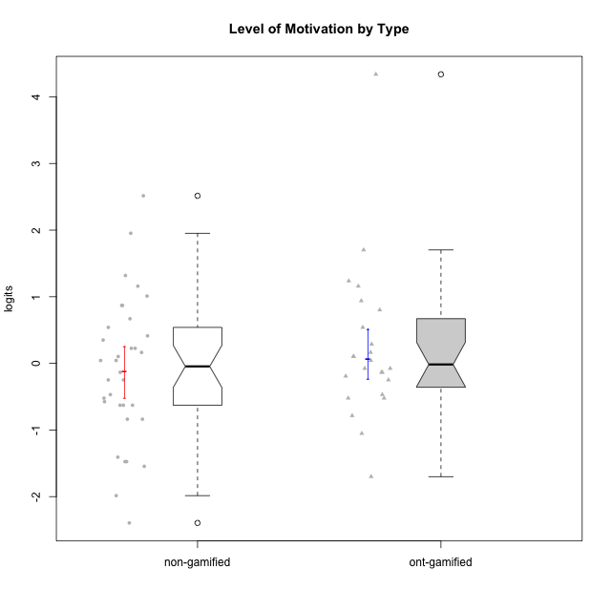

Wilcoxon data
UserID | NroUSP | Type | CLGroup | CLRole | PlayerRole | Score | theta | error | Outfit | Infit | Level of Motivation
10169 | 10377538 | non-gamified | Grupo Team 10 | Apprentice |  | 15 | -1.4076111349 | 0.2598613197 | 0.45251141138 | 0.52757510487 | -1.4076111349
10170 | 10260351 | non-gamified | Grupo Team 6 | Apprentice |  | 44 | 0.22581106577 | 0.24810034201 | 0.64135925817 | 0.64038341404 | 0.22581106577
10171 | 698531 | ont-gamified | Grupo Losvakai | Master | Yee Achiever | 53 | 0.80207969337 | 0.26179979691 | 0.36252880234 | 0.34379311354 | 0.80207969337
10172 | 10273971 | ont-gamified | Grupo Koil | Master | Yee Achiever | 45 | 0.28775137943 | 0.24925012314 | 1.0428256328 | 1.0560731108 | 0.28775137943
10174 | 10276852 | non-gamified | Grupo Team 1 | Apprentice |  | 29 | -0.62796477644 | 0.23147976429 | 1.1093837964 | 1.1185441216 | -0.62796477644
10175 | 10310700 | non-gamified | Grupo Team 6 | Master |  | 60 | 1.318822225 | 0.29409253734 | 1.0862979137 | 1.1385598537 | 1.318822225
10176 | 10276949 | non-gamified | Grupo Team 9 | Apprentice |  | 25 | -0.83778010581 | 0.23216447499 | 0.26967462637 | 0.26941148169 | -0.83778010581
10178 | 8656201 | non-gamified | Grupo Team 11 | Apprentice |  | 47 | 0.41300158693 | 0.25158747914 | 0.22746425713 | 0.22611265329 | 0.41300158693
10179 | 10310759 | ont-gamified | Grupo Tosskor | Apprentice | Yee Achiever | 42 | 0.10344207128 | 0.24572025154 | 0.2890925164 | 0.28430223912 | 0.10344207128
10181 | 10276866 | non-gamified | Grupo Team 7 | Apprentice |  | 36 | -0.24827805412 | 0.23781608693 | 1.0596610645 | 1.0735600281 | -0.24827805412
10183 | 10352030 | non-gamified | Grupo Belos | Apprentice | Yee Socializer | 29 | -0.62796477644 | 0.23147976429 | 0.62725968826 | 0.62618526176 | -0.62796477644
10184 | 10276675 | non-gamified | Grupo Team 7 | Master |  | 54 | 0.86997165345 | 0.26451328071 | 0.43703806837 | 0.44894243079 | 0.86997165345
10185 | 10276960 | ont-gamified | Grupo Tosskor | Master | Yee Achiever | 38 | -0.13391230957 | 0.24048721564 | 0.26120244531 | 0.26524901496 | -0.13391230957
10186 | 10310551 | non-gamified | Grupo Team 5 | Apprentice |  | 41 | 0.043106696827 | 0.24446676112 | 2.3384726365 | 2.3470901727 | 0.043106696827
10187 | 9790781 | ont-gamified | Grupo Razorg | Apprentice | Yee Achiever | 37 | -0.19146962765 | 0.23913846586 | 1.1337336445 | 1.1021569525 | -0.19146962765
10188 | 10276995 | ont-gamified | Grupo Paldira | Master | Yee Achiever | 41 | 0.043106696827 | 0.24446676112 | 0.42686074072 | 0.42414170632 | 0.043106696827
10189 | 9363926 | non-gamified | Grupo Team 2 | Apprentice |  | 8 | -1.9847767705 | 0.33474631612 | 1.6546351669 | 2.1489658814 | -1.9847767705
10190 | 10276907 | non-gamified | Grupo Team 8 | Apprentice |  | 31 | -0.52206996204 | 0.23252231783 | 2.8026862696 | 2.7665458955 | -0.52206996204
10191 | 10276981 | ont-gamified | Grupo Yeka | Apprentice | Yee Socializer | 59 | 1.2368829222 | 0.28695608468 | 0.85782879974 | 0.73029249542 | 1.2368829222
10192 | 10276682 | ont-gamified | Grupo Yeka | Apprentice | Yee Socializer | 64 | 1.702430705 | 0.33969143422 | 4.3174077511 | 3.504693012 | 1.702430705
10193 | 10276762 | non-gamified | Grupo Team 2 | Master |  | 29 | -0.62796477644 | 0.23147976429 | 0.73085858118 | 0.7195012576 | -0.62796477644
10196 | 10310655 | non-gamified | Grupo Team 5 | Apprentice |  | 32 | -0.46850406728 | 0.23331987958 | 0.91938522321 | 0.91190205224 | -0.46850406728
10197 | 10276661 | non-gamified | Grupo Team 11 | Master |  | 43 | 0.16436034601 | 0.24692899806 | 1.3339939193 | 1.3380437633 | 0.16436034601
10198 | 10310888 | non-gamified | Grupo Team 1 | Apprentice |  | 69 | 2.5155883325 | 0.51129937649 | 1.7640840628 | 2.0849155162 | 2.5155883325
10200 | 9795272 | non-gamified | Grupo Team 4 | Apprentice |  | 44 | 0.22581106577 | 0.24810034201 | 0.47040087293 | 0.45952880988 | 0.22581106577
10201 | 10276928 | non-gamified | Grupo Team 10 | Master |  | 51 | 0.66951773914 | 0.25747469977 | 0.28902126851 | 0.29309300528 | 0.66951773914
10202 | 10277036 | ont-gamified | Grupo Paldira | Apprentice | Yee Achiever | 36 | -0.24827805412 | 0.23781608693 | 0.18470073661 | 0.18726391199 | -0.24827805412
10203 | 9921470 | ont-gamified | Grupo Paldira | Apprentice | Yee Achiever | 72 | 4.3383976174 | 1.3683089275 | 0.042507307899 | 0.044638825637 | 4.3383976174
10204 | 10310471 | non-gamified | Grupo Team 5 | Master |  | 66 | 1.953284683 | 0.38129801119 | 1.2797712552 | 1.1121812705 | 1.953284683
10206 | 10310721 | non-gamified | Grupo Team 9 | Master |  | 41 | 0.043106696827 | 0.24446676112 | 0.49904987314 | 0.49558297445 | 0.043106696827
10208 | 10276932 | ont-gamified | Grupo Yeka | Master | Yee Socializer | 32 | -0.46850406728 | 0.23331987958 | 0.5533263584 | 0.54317708557 | -0.46850406728
10209 | 10262669 | non-gamified | Grupo Team 1 | Master |  | 13 | -1.5453160244 | 0.27326582649 | 1.1626087731 | 1.1625952861 | -1.5453160244
10210 | 10277015 | ont-gamified | Grupo Losvakai | Apprentice | Yee Achiever | 31 | -0.52206996204 | 0.23252231783 | 1.2615178007 | 1.2329569355 | -0.52206996204
10211 | 9311643 | ont-gamified | Grupo Razorg | Master | Yee Achiever | 11 | -1.7001057974 | 0.29167832313 | 0.54682712654 | 0.56393506483 | -1.7001057974
10212 | 9065750 | ont-gamified | Grupo Ellaru | Apprentice | Yee Socializer | 31 | -0.52206996204 | 0.23252231783 | 0.418741612 | 0.4173915602 | -0.52206996204
10213 | 10277040 | non-gamified | Grupo Team 8 | Master |  | 46 | 0.35015187326 | 0.25040218056 | 0.67533241647 | 0.68202374435 | 0.35015187326
10214 | 10277022 | ont-gamified | Grupo Koil | Apprentice | Yee Achiever | 43 | 0.16436034601 | 0.24692899806 | 0.44012527518 | 0.43292176225 | 0.16436034601
10215 | 9285227 | non-gamified | Grupo Team 7 | Apprentice |  | 49 | 0.54012010769 | 0.25421112044 | 1.4498965915 | 1.4499886856 | 0.54012010769
10216 | 10276720 | ont-gamified | Grupo Ellaru | Master | Yee Socializer | 38 | -0.13391230957 | 0.24048721564 | 1.4273206552 | 1.4542794563 | -0.13391230957
10217 | 9805341 | ont-gamified | Grupo Belos | Master | Yee Socializer | 49 | 0.54012010769 | 0.25421112044 | 0.32790065817 | 0.33153673551 | 0.54012010769
10218 | 9842913 | non-gamified | Grupo Team 10 | Apprentice |  | 38 | -0.13391230957 | 0.24048721564 | 0.85161077993 | 0.87011281745 | -0.13391230957
10219 | 10276831 | ont-gamified | Grupo Razorg | Apprentice | Yee Achiever | 21 | -1.0519310161 | 0.2376714651 | 1.4854837085 | 1.4656235166 | -1.0519310161
10220 | 9760151 | non-gamified | Grupo Team 4 | Apprentice |  | 36 | -0.24827805412 | 0.23781608693 | 4.1914462688 | 4.1518426538 | -0.24827805412
10221 | 9082496 | non-gamified | Grupo Team 3 | Apprentice |  | 25 | -0.83778010581 | 0.23216447499 | 0.61054290239 | 0.60972631829 | -0.83778010581
10223 | 9795185 | non-gamified | Grupo Team 3 | Master |  | 14 | -1.474714379 | 0.26604583519 | 0.51337090951 | 0.45550920091 | -1.474714379
10224 | 9368772 | non-gamified | Grupo Team 9 | Apprentice |  | 54 | 0.86997165345 | 0.26451328071 | 0.82949962286 | 0.7941451508 | 0.86997165345
10226 | 10310342 | ont-gamified | Grupo Yeka | Apprentice | Yee Socializer | 55 | 0.93924298788 | 0.26768935048 | 0.61724163243 | 0.61010193544 | 0.93924298788
10227 | 9274382 | non-gamified | Grupo Team 2 | Apprentice |  | 58 | 1.1585341734 | 0.28091332813 | 0.24581611713 | 0.27004376235 | 1.1585341734
10228 | 10310492 | ont-gamified | Grupo Losvakai | Apprentice | Yee Achiever | 39 | -0.07561268264 | 0.24183790854 | 0.13563582686 | 0.13432577248 | -0.07561268264
10230 | 10351992 | ont-gamified | Grupo Koil | Apprentice | Yee Achiever | 58 | 1.1585341734 | 0.28091332813 | 1.1896711893 | 1.1583943389 | 1.1585341734
10231 | 10276911 | non-gamified | Grupo Team 4 | Master |  | 30 | -0.57519175816 | 0.2319020023 | 0.96378494706 | 0.95344617792 | -0.57519175816
10232 | 10276974 | non-gamified | Grupo Team 3 | Apprentice |  | 56 | 1.0101826974 | 0.27141221675 | 0.29720372133 | 0.27561494087 | 1.0101826974
10233 | 9805320 | ont-gamified | Grupo Tosskor | Apprentice | Yee Achiever | 26 | -0.78527588073 | 0.23159800279 | 2.4576113252 | 2.4435407334 | -0.78527588073
10234 | 10310676 | non-gamified | Grupo Team 6 | Apprentice |  | 42 | 0.10344207128 | 0.24572025154 | 1.4442167705 | 1.420810012 | 0.10344207128
10237 | 10377688 | ont-gamified | Grupo Ellaru | Apprentice | Yee Socializer | 39 | -0.07561268264 | 0.24183790854 | 0.52749004462 | 0.51689510297 | -0.07561268264
10238 | 10276953 | ont-gamified | Grupo Belos | Apprentice | Yee Socializer | 42 | 0.10344207128 | 0.24572025154 | 0.2220604002 | 0.21928924545 | 0.10344207128
10240 | 10276654 | non-gamified | Grupo Team 8 | Apprentice |  | 14 | -1.474714379 | 0.26604583519 | 0.14664346879 | 0.16588246606 | -1.474714379
10242 | 9424506 | non-gamified | Grupo Team 11 | Apprentice |  | 5 | -2.3948523015 | 0.41658371448 | 0.96415643917 | 1.246970819 | -2.3948523015

Type_CLRole_1
Wilcoxon Analysis for Level of Motivation by Type in Type:CLRole between non-gamified.Apprentice:non-gamified.Master

Wilcoxon test results
Alternative hypothesis: less
Group | N | Median | Mean.Ranks | Sum.Ranks | U | Z | p.value | r | magnitude
non-gamified.Apprentice | 23 | -0.24827805412 | 16.586956522 | 381.5 | 105.5 | -0.77365558399 | 0.22527375608 | 0.13268083804 | small
non-gamified.Master | 11 | 0.16436034601 | 19.409090909 | 213.5 | 105.5 | -0.77365558399 | 0.22527375608 | 0.13268083804 | small
Alternative hypothesis: greater
Group | N | Median | Mean.Ranks | Sum.Ranks | U | Z | p.value | r | magnitude
non-gamified.Apprentice | 23 | -0.24827805412 | 16.586956522 | 381.5 | 105.5 | -0.77365558399 | 0.78018569247 | 0.13268083804 | small
non-gamified.Master | 11 | 0.16436034601 | 19.409090909 | 213.5 | 105.5 | -0.77365558399 | 0.78018569247 | 0.13268083804 | small
Alternative hypothesis: two.sided
Group | N | Median | Mean.Ranks | Sum.Ranks | U | Z | p.value | r | magnitude
non-gamified.Apprentice | 23 | -0.24827805412 | 16.586956522 | 381.5 | 105.5 | -0.77365558399 | 0.45056119628 | 0.13268083804 | small
non-gamified.Master | 11 | 0.16436034601 | 19.409090909 | 213.5 | 105.5 | -0.77365558399 | 0.45056119628 | 0.13268083804 | small

Box plots for wilcoxon tests
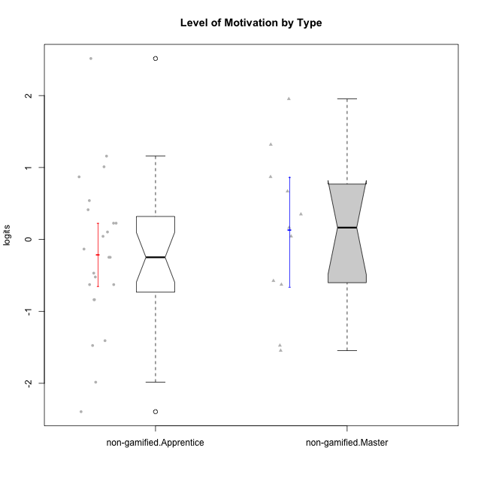

Wilcoxon data
UserID | NroUSP | Type | CLGroup | CLRole | PlayerRole | Score | theta | error | Outfit | Infit | Level of Motivation
10169 | 10377538 | non-gamified | Grupo Team 10 | Apprentice |  | 15 | -1.4076111349 | 0.2598613197 | 0.45251141138 | 0.52757510487 | -1.4076111349
10170 | 10260351 | non-gamified | Grupo Team 6 | Apprentice |  | 44 | 0.22581106577 | 0.24810034201 | 0.64135925817 | 0.64038341404 | 0.22581106577
10174 | 10276852 | non-gamified | Grupo Team 1 | Apprentice |  | 29 | -0.62796477644 | 0.23147976429 | 1.1093837964 | 1.1185441216 | -0.62796477644
10175 | 10310700 | non-gamified | Grupo Team 6 | Master |  | 60 | 1.318822225 | 0.29409253734 | 1.0862979137 | 1.1385598537 | 1.318822225
10176 | 10276949 | non-gamified | Grupo Team 9 | Apprentice |  | 25 | -0.83778010581 | 0.23216447499 | 0.26967462637 | 0.26941148169 | -0.83778010581
10178 | 8656201 | non-gamified | Grupo Team 11 | Apprentice |  | 47 | 0.41300158693 | 0.25158747914 | 0.22746425713 | 0.22611265329 | 0.41300158693
10181 | 10276866 | non-gamified | Grupo Team 7 | Apprentice |  | 36 | -0.24827805412 | 0.23781608693 | 1.0596610645 | 1.0735600281 | -0.24827805412
10183 | 10352030 | non-gamified | Grupo Belos | Apprentice | Yee Socializer | 29 | -0.62796477644 | 0.23147976429 | 0.62725968826 | 0.62618526176 | -0.62796477644
10184 | 10276675 | non-gamified | Grupo Team 7 | Master |  | 54 | 0.86997165345 | 0.26451328071 | 0.43703806837 | 0.44894243079 | 0.86997165345
10186 | 10310551 | non-gamified | Grupo Team 5 | Apprentice |  | 41 | 0.043106696827 | 0.24446676112 | 2.3384726365 | 2.3470901727 | 0.043106696827
10189 | 9363926 | non-gamified | Grupo Team 2 | Apprentice |  | 8 | -1.9847767705 | 0.33474631612 | 1.6546351669 | 2.1489658814 | -1.9847767705
10190 | 10276907 | non-gamified | Grupo Team 8 | Apprentice |  | 31 | -0.52206996204 | 0.23252231783 | 2.8026862696 | 2.7665458955 | -0.52206996204
10193 | 10276762 | non-gamified | Grupo Team 2 | Master |  | 29 | -0.62796477644 | 0.23147976429 | 0.73085858118 | 0.7195012576 | -0.62796477644
10196 | 10310655 | non-gamified | Grupo Team 5 | Apprentice |  | 32 | -0.46850406728 | 0.23331987958 | 0.91938522321 | 0.91190205224 | -0.46850406728
10197 | 10276661 | non-gamified | Grupo Team 11 | Master |  | 43 | 0.16436034601 | 0.24692899806 | 1.3339939193 | 1.3380437633 | 0.16436034601
10198 | 10310888 | non-gamified | Grupo Team 1 | Apprentice |  | 69 | 2.5155883325 | 0.51129937649 | 1.7640840628 | 2.0849155162 | 2.5155883325
10200 | 9795272 | non-gamified | Grupo Team 4 | Apprentice |  | 44 | 0.22581106577 | 0.24810034201 | 0.47040087293 | 0.45952880988 | 0.22581106577
10201 | 10276928 | non-gamified | Grupo Team 10 | Master |  | 51 | 0.66951773914 | 0.25747469977 | 0.28902126851 | 0.29309300528 | 0.66951773914
10204 | 10310471 | non-gamified | Grupo Team 5 | Master |  | 66 | 1.953284683 | 0.38129801119 | 1.2797712552 | 1.1121812705 | 1.953284683
10206 | 10310721 | non-gamified | Grupo Team 9 | Master |  | 41 | 0.043106696827 | 0.24446676112 | 0.49904987314 | 0.49558297445 | 0.043106696827
10209 | 10262669 | non-gamified | Grupo Team 1 | Master |  | 13 | -1.5453160244 | 0.27326582649 | 1.1626087731 | 1.1625952861 | -1.5453160244
10213 | 10277040 | non-gamified | Grupo Team 8 | Master |  | 46 | 0.35015187326 | 0.25040218056 | 0.67533241647 | 0.68202374435 | 0.35015187326
10215 | 9285227 | non-gamified | Grupo Team 7 | Apprentice |  | 49 | 0.54012010769 | 0.25421112044 | 1.4498965915 | 1.4499886856 | 0.54012010769
10218 | 9842913 | non-gamified | Grupo Team 10 | Apprentice |  | 38 | -0.13391230957 | 0.24048721564 | 0.85161077993 | 0.87011281745 | -0.13391230957
10220 | 9760151 | non-gamified | Grupo Team 4 | Apprentice |  | 36 | -0.24827805412 | 0.23781608693 | 4.1914462688 | 4.1518426538 | -0.24827805412
10221 | 9082496 | non-gamified | Grupo Team 3 | Apprentice |  | 25 | -0.83778010581 | 0.23216447499 | 0.61054290239 | 0.60972631829 | -0.83778010581
10223 | 9795185 | non-gamified | Grupo Team 3 | Master |  | 14 | -1.474714379 | 0.26604583519 | 0.51337090951 | 0.45550920091 | -1.474714379
10224 | 9368772 | non-gamified | Grupo Team 9 | Apprentice |  | 54 | 0.86997165345 | 0.26451328071 | 0.82949962286 | 0.7941451508 | 0.86997165345
10227 | 9274382 | non-gamified | Grupo Team 2 | Apprentice |  | 58 | 1.1585341734 | 0.28091332813 | 0.24581611713 | 0.27004376235 | 1.1585341734
10231 | 10276911 | non-gamified | Grupo Team 4 | Master |  | 30 | -0.57519175816 | 0.2319020023 | 0.96378494706 | 0.95344617792 | -0.57519175816
10232 | 10276974 | non-gamified | Grupo Team 3 | Apprentice |  | 56 | 1.0101826974 | 0.27141221675 | 0.29720372133 | 0.27561494087 | 1.0101826974
10234 | 10310676 | non-gamified | Grupo Team 6 | Apprentice |  | 42 | 0.10344207128 | 0.24572025154 | 1.4442167705 | 1.420810012 | 0.10344207128
10240 | 10276654 | non-gamified | Grupo Team 8 | Apprentice |  | 14 | -1.474714379 | 0.26604583519 | 0.14664346879 | 0.16588246606 | -1.474714379
10242 | 9424506 | non-gamified | Grupo Team 11 | Apprentice |  | 5 | -2.3948523015 | 0.41658371448 | 0.96415643917 | 1.246970819 | -2.3948523015

Type_CLRole_2
Wilcoxon Analysis for Level of Motivation by Type in Type:CLRole between non-gamified.Apprentice:ont-gamified.Apprentice

Wilcoxon test results
Alternative hypothesis: less
Group | N | Median | Mean.Ranks | Sum.Ranks | U | Z | p.value | r | magnitude
non-gamified.Apprentice | 23 | -0.24827805412 | 18.065217391 | 415.5 | 139.5 | -1.2716590453 | 0.10435807121 | 0.20362841519 | small
ont-gamified.Apprentice | 16 | 0.013914694318 | 22.78125 | 364.5 | 139.5 | -1.2716590453 | 0.10435807121 | 0.20362841519 | small
Alternative hypothesis: greater
Group | N | Median | Mean.Ranks | Sum.Ranks | U | Z | p.value | r | magnitude
non-gamified.Apprentice | 23 | -0.24827805412 | 18.065217391 | 415.5 | 139.5 | -1.2716590453 | 0.89822399317 | 0.20362841519 | small
ont-gamified.Apprentice | 16 | 0.013914694318 | 22.78125 | 364.5 | 139.5 | -1.2716590453 | 0.89822399317 | 0.20362841519 | small
Alternative hypothesis: two.sided
Group | N | Median | Mean.Ranks | Sum.Ranks | U | Z | p.value | r | magnitude
non-gamified.Apprentice | 23 | -0.24827805412 | 18.065217391 | 415.5 | 139.5 | -1.2716590453 | 0.20871460668 | 0.20362841519 | small
ont-gamified.Apprentice | 16 | 0.013914694318 | 22.78125 | 364.5 | 139.5 | -1.2716590453 | 0.20871460668 | 0.20362841519 | small

Box plots for wilcoxon tests
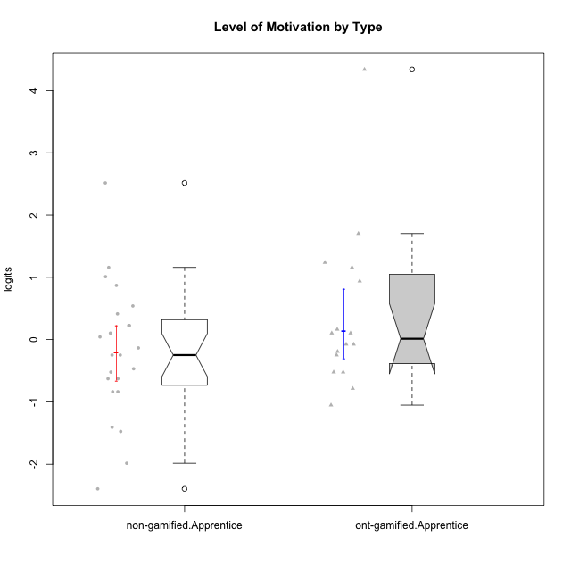

Wilcoxon data
UserID | NroUSP | Type | CLGroup | CLRole | PlayerRole | Score | theta | error | Outfit | Infit | Level of Motivation
10169 | 10377538 | non-gamified | Grupo Team 10 | Apprentice |  | 15 | -1.4076111349 | 0.2598613197 | 0.45251141138 | 0.52757510487 | -1.4076111349
10170 | 10260351 | non-gamified | Grupo Team 6 | Apprentice |  | 44 | 0.22581106577 | 0.24810034201 | 0.64135925817 | 0.64038341404 | 0.22581106577
10174 | 10276852 | non-gamified | Grupo Team 1 | Apprentice |  | 29 | -0.62796477644 | 0.23147976429 | 1.1093837964 | 1.1185441216 | -0.62796477644
10176 | 10276949 | non-gamified | Grupo Team 9 | Apprentice |  | 25 | -0.83778010581 | 0.23216447499 | 0.26967462637 | 0.26941148169 | -0.83778010581
10178 | 8656201 | non-gamified | Grupo Team 11 | Apprentice |  | 47 | 0.41300158693 | 0.25158747914 | 0.22746425713 | 0.22611265329 | 0.41300158693
10179 | 10310759 | ont-gamified | Grupo Tosskor | Apprentice | Yee Achiever | 42 | 0.10344207128 | 0.24572025154 | 0.2890925164 | 0.28430223912 | 0.10344207128
10181 | 10276866 | non-gamified | Grupo Team 7 | Apprentice |  | 36 | -0.24827805412 | 0.23781608693 | 1.0596610645 | 1.0735600281 | -0.24827805412
10183 | 10352030 | non-gamified | Grupo Belos | Apprentice | Yee Socializer | 29 | -0.62796477644 | 0.23147976429 | 0.62725968826 | 0.62618526176 | -0.62796477644
10186 | 10310551 | non-gamified | Grupo Team 5 | Apprentice |  | 41 | 0.043106696827 | 0.24446676112 | 2.3384726365 | 2.3470901727 | 0.043106696827
10187 | 9790781 | ont-gamified | Grupo Razorg | Apprentice | Yee Achiever | 37 | -0.19146962765 | 0.23913846586 | 1.1337336445 | 1.1021569525 | -0.19146962765
10189 | 9363926 | non-gamified | Grupo Team 2 | Apprentice |  | 8 | -1.9847767705 | 0.33474631612 | 1.6546351669 | 2.1489658814 | -1.9847767705
10190 | 10276907 | non-gamified | Grupo Team 8 | Apprentice |  | 31 | -0.52206996204 | 0.23252231783 | 2.8026862696 | 2.7665458955 | -0.52206996204
10191 | 10276981 | ont-gamified | Grupo Yeka | Apprentice | Yee Socializer | 59 | 1.2368829222 | 0.28695608468 | 0.85782879974 | 0.73029249542 | 1.2368829222
10192 | 10276682 | ont-gamified | Grupo Yeka | Apprentice | Yee Socializer | 64 | 1.702430705 | 0.33969143422 | 4.3174077511 | 3.504693012 | 1.702430705
10196 | 10310655 | non-gamified | Grupo Team 5 | Apprentice |  | 32 | -0.46850406728 | 0.23331987958 | 0.91938522321 | 0.91190205224 | -0.46850406728
10198 | 10310888 | non-gamified | Grupo Team 1 | Apprentice |  | 69 | 2.5155883325 | 0.51129937649 | 1.7640840628 | 2.0849155162 | 2.5155883325
10200 | 9795272 | non-gamified | Grupo Team 4 | Apprentice |  | 44 | 0.22581106577 | 0.24810034201 | 0.47040087293 | 0.45952880988 | 0.22581106577
10202 | 10277036 | ont-gamified | Grupo Paldira | Apprentice | Yee Achiever | 36 | -0.24827805412 | 0.23781608693 | 0.18470073661 | 0.18726391199 | -0.24827805412
10203 | 9921470 | ont-gamified | Grupo Paldira | Apprentice | Yee Achiever | 72 | 4.3383976174 | 1.3683089275 | 0.042507307899 | 0.044638825637 | 4.3383976174
10210 | 10277015 | ont-gamified | Grupo Losvakai | Apprentice | Yee Achiever | 31 | -0.52206996204 | 0.23252231783 | 1.2615178007 | 1.2329569355 | -0.52206996204
10212 | 9065750 | ont-gamified | Grupo Ellaru | Apprentice | Yee Socializer | 31 | -0.52206996204 | 0.23252231783 | 0.418741612 | 0.4173915602 | -0.52206996204
10214 | 10277022 | ont-gamified | Grupo Koil | Apprentice | Yee Achiever | 43 | 0.16436034601 | 0.24692899806 | 0.44012527518 | 0.43292176225 | 0.16436034601
10215 | 9285227 | non-gamified | Grupo Team 7 | Apprentice |  | 49 | 0.54012010769 | 0.25421112044 | 1.4498965915 | 1.4499886856 | 0.54012010769
10218 | 9842913 | non-gamified | Grupo Team 10 | Apprentice |  | 38 | -0.13391230957 | 0.24048721564 | 0.85161077993 | 0.87011281745 | -0.13391230957
10219 | 10276831 | ont-gamified | Grupo Razorg | Apprentice | Yee Achiever | 21 | -1.0519310161 | 0.2376714651 | 1.4854837085 | 1.4656235166 | -1.0519310161
10220 | 9760151 | non-gamified | Grupo Team 4 | Apprentice |  | 36 | -0.24827805412 | 0.23781608693 | 4.1914462688 | 4.1518426538 | -0.24827805412
10221 | 9082496 | non-gamified | Grupo Team 3 | Apprentice |  | 25 | -0.83778010581 | 0.23216447499 | 0.61054290239 | 0.60972631829 | -0.83778010581
10224 | 9368772 | non-gamified | Grupo Team 9 | Apprentice |  | 54 | 0.86997165345 | 0.26451328071 | 0.82949962286 | 0.7941451508 | 0.86997165345
10226 | 10310342 | ont-gamified | Grupo Yeka | Apprentice | Yee Socializer | 55 | 0.93924298788 | 0.26768935048 | 0.61724163243 | 0.61010193544 | 0.93924298788
10227 | 9274382 | non-gamified | Grupo Team 2 | Apprentice |  | 58 | 1.1585341734 | 0.28091332813 | 0.24581611713 | 0.27004376235 | 1.1585341734
10228 | 10310492 | ont-gamified | Grupo Losvakai | Apprentice | Yee Achiever | 39 | -0.07561268264 | 0.24183790854 | 0.13563582686 | 0.13432577248 | -0.07561268264
10230 | 10351992 | ont-gamified | Grupo Koil | Apprentice | Yee Achiever | 58 | 1.1585341734 | 0.28091332813 | 1.1896711893 | 1.1583943389 | 1.1585341734
10232 | 10276974 | non-gamified | Grupo Team 3 | Apprentice |  | 56 | 1.0101826974 | 0.27141221675 | 0.29720372133 | 0.27561494087 | 1.0101826974
10233 | 9805320 | ont-gamified | Grupo Tosskor | Apprentice | Yee Achiever | 26 | -0.78527588073 | 0.23159800279 | 2.4576113252 | 2.4435407334 | -0.78527588073
10234 | 10310676 | non-gamified | Grupo Team 6 | Apprentice |  | 42 | 0.10344207128 | 0.24572025154 | 1.4442167705 | 1.420810012 | 0.10344207128
10237 | 10377688 | ont-gamified | Grupo Ellaru | Apprentice | Yee Socializer | 39 | -0.07561268264 | 0.24183790854 | 0.52749004462 | 0.51689510297 | -0.07561268264
10238 | 10276953 | ont-gamified | Grupo Belos | Apprentice | Yee Socializer | 42 | 0.10344207128 | 0.24572025154 | 0.2220604002 | 0.21928924545 | 0.10344207128
10240 | 10276654 | non-gamified | Grupo Team 8 | Apprentice |  | 14 | -1.474714379 | 0.26604583519 | 0.14664346879 | 0.16588246606 | -1.474714379
10242 | 9424506 | non-gamified | Grupo Team 11 | Apprentice |  | 5 | -2.3948523015 | 0.41658371448 | 0.96415643917 | 1.246970819 | -2.3948523015

Type_CLRole_3
Wilcoxon Analysis for Level of Motivation by Type in Type:CLRole between non-gamified.Apprentice:ont-gamified.Master

Wilcoxon test results
Alternative hypothesis: less
Group | N | Median | Mean.Ranks | Sum.Ranks | U | Z | p.value | r | magnitude
non-gamified.Apprentice | 23 | -0.24827805412 | 15.456521739 | 355.5 | 79.5 | -0.56493547459 | 0.29350813978 | 0.10146540654 | small
ont-gamified.Master | 8 | -0.045402806371 | 17.5625 | 140.5 | 79.5 | -0.56493547459 | 0.29350813978 | 0.10146540654 | small
Alternative hypothesis: greater
Group | N | Median | Mean.Ranks | Sum.Ranks | U | Z | p.value | r | magnitude
non-gamified.Apprentice | 23 | -0.24827805412 | 15.456521739 | 355.5 | 79.5 | -0.56493547459 | 0.71412883578 | 0.10146540654 | small
ont-gamified.Master | 8 | -0.045402806371 | 17.5625 | 140.5 | 79.5 | -0.56493547459 | 0.71412883578 | 0.10146540654 | small
Alternative hypothesis: two.sided
Group | N | Median | Mean.Ranks | Sum.Ranks | U | Z | p.value | r | magnitude
non-gamified.Apprentice | 23 | -0.24827805412 | 15.456521739 | 355.5 | 79.5 | -0.56493547459 | 0.58697520829 | 0.10146540654 | small
ont-gamified.Master | 8 | -0.045402806371 | 17.5625 | 140.5 | 79.5 | -0.56493547459 | 0.58697520829 | 0.10146540654 | small

Box plots for wilcoxon tests
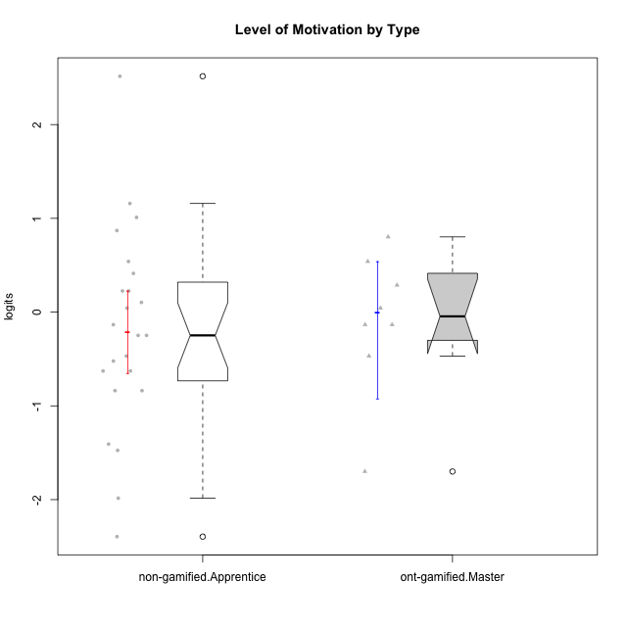

Wilcoxon data
UserID | NroUSP | Type | CLGroup | CLRole | PlayerRole | Score | theta | error | Outfit | Infit | Level of Motivation
10169 | 10377538 | non-gamified | Grupo Team 10 | Apprentice |  | 15 | -1.4076111349 | 0.2598613197 | 0.45251141138 | 0.52757510487 | -1.4076111349
10170 | 10260351 | non-gamified | Grupo Team 6 | Apprentice |  | 44 | 0.22581106577 | 0.24810034201 | 0.64135925817 | 0.64038341404 | 0.22581106577
10171 | 698531 | ont-gamified | Grupo Losvakai | Master | Yee Achiever | 53 | 0.80207969337 | 0.26179979691 | 0.36252880234 | 0.34379311354 | 0.80207969337
10172 | 10273971 | ont-gamified | Grupo Koil | Master | Yee Achiever | 45 | 0.28775137943 | 0.24925012314 | 1.0428256328 | 1.0560731108 | 0.28775137943
10174 | 10276852 | non-gamified | Grupo Team 1 | Apprentice |  | 29 | -0.62796477644 | 0.23147976429 | 1.1093837964 | 1.1185441216 | -0.62796477644
10176 | 10276949 | non-gamified | Grupo Team 9 | Apprentice |  | 25 | -0.83778010581 | 0.23216447499 | 0.26967462637 | 0.26941148169 | -0.83778010581
10178 | 8656201 | non-gamified | Grupo Team 11 | Apprentice |  | 47 | 0.41300158693 | 0.25158747914 | 0.22746425713 | 0.22611265329 | 0.41300158693
10181 | 10276866 | non-gamified | Grupo Team 7 | Apprentice |  | 36 | -0.24827805412 | 0.23781608693 | 1.0596610645 | 1.0735600281 | -0.24827805412
10183 | 10352030 | non-gamified | Grupo Belos | Apprentice | Yee Socializer | 29 | -0.62796477644 | 0.23147976429 | 0.62725968826 | 0.62618526176 | -0.62796477644
10185 | 10276960 | ont-gamified | Grupo Tosskor | Master | Yee Achiever | 38 | -0.13391230957 | 0.24048721564 | 0.26120244531 | 0.26524901496 | -0.13391230957
10186 | 10310551 | non-gamified | Grupo Team 5 | Apprentice |  | 41 | 0.043106696827 | 0.24446676112 | 2.3384726365 | 2.3470901727 | 0.043106696827
10188 | 10276995 | ont-gamified | Grupo Paldira | Master | Yee Achiever | 41 | 0.043106696827 | 0.24446676112 | 0.42686074072 | 0.42414170632 | 0.043106696827
10189 | 9363926 | non-gamified | Grupo Team 2 | Apprentice |  | 8 | -1.9847767705 | 0.33474631612 | 1.6546351669 | 2.1489658814 | -1.9847767705
10190 | 10276907 | non-gamified | Grupo Team 8 | Apprentice |  | 31 | -0.52206996204 | 0.23252231783 | 2.8026862696 | 2.7665458955 | -0.52206996204
10196 | 10310655 | non-gamified | Grupo Team 5 | Apprentice |  | 32 | -0.46850406728 | 0.23331987958 | 0.91938522321 | 0.91190205224 | -0.46850406728
10198 | 10310888 | non-gamified | Grupo Team 1 | Apprentice |  | 69 | 2.5155883325 | 0.51129937649 | 1.7640840628 | 2.0849155162 | 2.5155883325
10200 | 9795272 | non-gamified | Grupo Team 4 | Apprentice |  | 44 | 0.22581106577 | 0.24810034201 | 0.47040087293 | 0.45952880988 | 0.22581106577
10208 | 10276932 | ont-gamified | Grupo Yeka | Master | Yee Socializer | 32 | -0.46850406728 | 0.23331987958 | 0.5533263584 | 0.54317708557 | -0.46850406728
10211 | 9311643 | ont-gamified | Grupo Razorg | Master | Yee Achiever | 11 | -1.7001057974 | 0.29167832313 | 0.54682712654 | 0.56393506483 | -1.7001057974
10215 | 9285227 | non-gamified | Grupo Team 7 | Apprentice |  | 49 | 0.54012010769 | 0.25421112044 | 1.4498965915 | 1.4499886856 | 0.54012010769
10216 | 10276720 | ont-gamified | Grupo Ellaru | Master | Yee Socializer | 38 | -0.13391230957 | 0.24048721564 | 1.4273206552 | 1.4542794563 | -0.13391230957
10217 | 9805341 | ont-gamified | Grupo Belos | Master | Yee Socializer | 49 | 0.54012010769 | 0.25421112044 | 0.32790065817 | 0.33153673551 | 0.54012010769
10218 | 9842913 | non-gamified | Grupo Team 10 | Apprentice |  | 38 | -0.13391230957 | 0.24048721564 | 0.85161077993 | 0.87011281745 | -0.13391230957
10220 | 9760151 | non-gamified | Grupo Team 4 | Apprentice |  | 36 | -0.24827805412 | 0.23781608693 | 4.1914462688 | 4.1518426538 | -0.24827805412
10221 | 9082496 | non-gamified | Grupo Team 3 | Apprentice |  | 25 | -0.83778010581 | 0.23216447499 | 0.61054290239 | 0.60972631829 | -0.83778010581
10224 | 9368772 | non-gamified | Grupo Team 9 | Apprentice |  | 54 | 0.86997165345 | 0.26451328071 | 0.82949962286 | 0.7941451508 | 0.86997165345
10227 | 9274382 | non-gamified | Grupo Team 2 | Apprentice |  | 58 | 1.1585341734 | 0.28091332813 | 0.24581611713 | 0.27004376235 | 1.1585341734
10232 | 10276974 | non-gamified | Grupo Team 3 | Apprentice |  | 56 | 1.0101826974 | 0.27141221675 | 0.29720372133 | 0.27561494087 | 1.0101826974
10234 | 10310676 | non-gamified | Grupo Team 6 | Apprentice |  | 42 | 0.10344207128 | 0.24572025154 | 1.4442167705 | 1.420810012 | 0.10344207128
10240 | 10276654 | non-gamified | Grupo Team 8 | Apprentice |  | 14 | -1.474714379 | 0.26604583519 | 0.14664346879 | 0.16588246606 | -1.474714379
10242 | 9424506 | non-gamified | Grupo Team 11 | Apprentice |  | 5 | -2.3948523015 | 0.41658371448 | 0.96415643917 | 1.246970819 | -2.3948523015

Type_CLRole_4
Wilcoxon Analysis for Level of Motivation by Type in Type:CLRole between non-gamified.Master:ont-gamified.Apprentice

Wilcoxon test results
Alternative hypothesis: less
Group | N | Median | Mean.Ranks | Sum.Ranks | U | Z | p.value | r | magnitude
non-gamified.Master | 11 | 0.16436034601 | 13.681818182 | 150.5 | 84.5 | -0.17281785756 | 0.43738302847 | 0.033258812194 | none
ont-gamified.Apprentice | 16 | 0.013914694318 | 14.21875 | 227.5 | 84.5 | -0.17281785756 | 0.43738302847 | 0.033258812194 | none
Alternative hypothesis: greater
Group | N | Median | Mean.Ranks | Sum.Ranks | U | Z | p.value | r | magnitude
non-gamified.Master | 11 | 0.16436034601 | 13.681818182 | 150.5 | 84.5 | -0.17281785756 | 0.57217863773 | 0.033258812194 | none
ont-gamified.Apprentice | 16 | 0.013914694318 | 14.21875 | 227.5 | 84.5 | -0.17281785756 | 0.57217863773 | 0.033258812194 | none
Alternative hypothesis: two.sided
Group | N | Median | Mean.Ranks | Sum.Ranks | U | Z | p.value | r | magnitude
non-gamified.Master | 11 | 0.16436034601 | 13.681818182 | 150.5 | 84.5 | -0.17281785756 | 0.87473192567 | 0.033258812194 | none
ont-gamified.Apprentice | 16 | 0.013914694318 | 14.21875 | 227.5 | 84.5 | -0.17281785756 | 0.87473192567 | 0.033258812194 | none

Box plots for wilcoxon tests
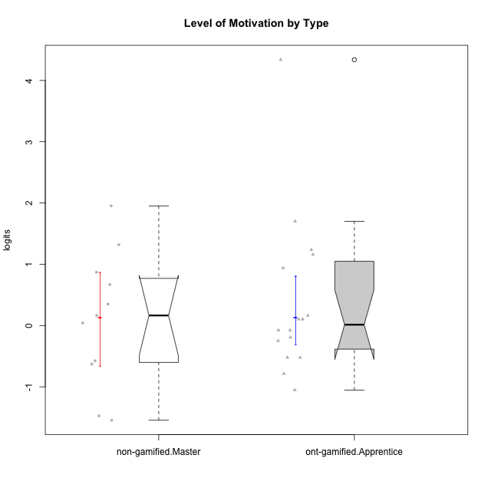

Wilcoxon data
UserID | NroUSP | Type | CLGroup | CLRole | PlayerRole | Score | theta | error | Outfit | Infit | Level of Motivation
10175 | 10310700 | non-gamified | Grupo Team 6 | Master |  | 60 | 1.318822225 | 0.29409253734 | 1.0862979137 | 1.1385598537 | 1.318822225
10179 | 10310759 | ont-gamified | Grupo Tosskor | Apprentice | Yee Achiever | 42 | 0.10344207128 | 0.24572025154 | 0.2890925164 | 0.28430223912 | 0.10344207128
10184 | 10276675 | non-gamified | Grupo Team 7 | Master |  | 54 | 0.86997165345 | 0.26451328071 | 0.43703806837 | 0.44894243079 | 0.86997165345
10187 | 9790781 | ont-gamified | Grupo Razorg | Apprentice | Yee Achiever | 37 | -0.19146962765 | 0.23913846586 | 1.1337336445 | 1.1021569525 | -0.19146962765
10191 | 10276981 | ont-gamified | Grupo Yeka | Apprentice | Yee Socializer | 59 | 1.2368829222 | 0.28695608468 | 0.85782879974 | 0.73029249542 | 1.2368829222
10192 | 10276682 | ont-gamified | Grupo Yeka | Apprentice | Yee Socializer | 64 | 1.702430705 | 0.33969143422 | 4.3174077511 | 3.504693012 | 1.702430705
10193 | 10276762 | non-gamified | Grupo Team 2 | Master |  | 29 | -0.62796477644 | 0.23147976429 | 0.73085858118 | 0.7195012576 | -0.62796477644
10197 | 10276661 | non-gamified | Grupo Team 11 | Master |  | 43 | 0.16436034601 | 0.24692899806 | 1.3339939193 | 1.3380437633 | 0.16436034601
10201 | 10276928 | non-gamified | Grupo Team 10 | Master |  | 51 | 0.66951773914 | 0.25747469977 | 0.28902126851 | 0.29309300528 | 0.66951773914
10202 | 10277036 | ont-gamified | Grupo Paldira | Apprentice | Yee Achiever | 36 | -0.24827805412 | 0.23781608693 | 0.18470073661 | 0.18726391199 | -0.24827805412
10203 | 9921470 | ont-gamified | Grupo Paldira | Apprentice | Yee Achiever | 72 | 4.3383976174 | 1.3683089275 | 0.042507307899 | 0.044638825637 | 4.3383976174
10204 | 10310471 | non-gamified | Grupo Team 5 | Master |  | 66 | 1.953284683 | 0.38129801119 | 1.2797712552 | 1.1121812705 | 1.953284683
10206 | 10310721 | non-gamified | Grupo Team 9 | Master |  | 41 | 0.043106696827 | 0.24446676112 | 0.49904987314 | 0.49558297445 | 0.043106696827
10209 | 10262669 | non-gamified | Grupo Team 1 | Master |  | 13 | -1.5453160244 | 0.27326582649 | 1.1626087731 | 1.1625952861 | -1.5453160244
10210 | 10277015 | ont-gamified | Grupo Losvakai | Apprentice | Yee Achiever | 31 | -0.52206996204 | 0.23252231783 | 1.2615178007 | 1.2329569355 | -0.52206996204
10212 | 9065750 | ont-gamified | Grupo Ellaru | Apprentice | Yee Socializer | 31 | -0.52206996204 | 0.23252231783 | 0.418741612 | 0.4173915602 | -0.52206996204
10213 | 10277040 | non-gamified | Grupo Team 8 | Master |  | 46 | 0.35015187326 | 0.25040218056 | 0.67533241647 | 0.68202374435 | 0.35015187326
10214 | 10277022 | ont-gamified | Grupo Koil | Apprentice | Yee Achiever | 43 | 0.16436034601 | 0.24692899806 | 0.44012527518 | 0.43292176225 | 0.16436034601
10219 | 10276831 | ont-gamified | Grupo Razorg | Apprentice | Yee Achiever | 21 | -1.0519310161 | 0.2376714651 | 1.4854837085 | 1.4656235166 | -1.0519310161
10223 | 9795185 | non-gamified | Grupo Team 3 | Master |  | 14 | -1.474714379 | 0.26604583519 | 0.51337090951 | 0.45550920091 | -1.474714379
10226 | 10310342 | ont-gamified | Grupo Yeka | Apprentice | Yee Socializer | 55 | 0.93924298788 | 0.26768935048 | 0.61724163243 | 0.61010193544 | 0.93924298788
10228 | 10310492 | ont-gamified | Grupo Losvakai | Apprentice | Yee Achiever | 39 | -0.07561268264 | 0.24183790854 | 0.13563582686 | 0.13432577248 | -0.07561268264
10230 | 10351992 | ont-gamified | Grupo Koil | Apprentice | Yee Achiever | 58 | 1.1585341734 | 0.28091332813 | 1.1896711893 | 1.1583943389 | 1.1585341734
10231 | 10276911 | non-gamified | Grupo Team 4 | Master |  | 30 | -0.57519175816 | 0.2319020023 | 0.96378494706 | 0.95344617792 | -0.57519175816
10233 | 9805320 | ont-gamified | Grupo Tosskor | Apprentice | Yee Achiever | 26 | -0.78527588073 | 0.23159800279 | 2.4576113252 | 2.4435407334 | -0.78527588073
10237 | 10377688 | ont-gamified | Grupo Ellaru | Apprentice | Yee Socializer | 39 | -0.07561268264 | 0.24183790854 | 0.52749004462 | 0.51689510297 | -0.07561268264
10238 | 10276953 | ont-gamified | Grupo Belos | Apprentice | Yee Socializer | 42 | 0.10344207128 | 0.24572025154 | 0.2220604002 | 0.21928924545 | 0.10344207128

Type_CLRole_5
Wilcoxon Analysis for Level of Motivation by Type in Type:CLRole between non-gamified.Master:ont-gamified.Master

Wilcoxon test results
Alternative hypothesis: less
Group | N | Median | Mean.Ranks | Sum.Ranks | U | Z | p.value | r | magnitude
non-gamified.Master | 11 | 0.16436034601 | 10.590909091 | 116.5 | 50.5 | 0.53719126276 | 0.70682173004 | 0.12324012778 | small
ont-gamified.Master | 8 | -0.045402806371 | 9.1875 | 73.5 | 50.5 | 0.53719126276 | 0.70682173004 | 0.12324012778 | small
Alternative hypothesis: greater
Group | N | Median | Mean.Ranks | Sum.Ranks | U | Z | p.value | r | magnitude
non-gamified.Master | 11 | 0.16436034601 | 10.590909091 | 116.5 | 50.5 | 0.53719126276 | 0.30662062396 | 0.12324012778 | small
ont-gamified.Master | 8 | -0.045402806371 | 9.1875 | 73.5 | 50.5 | 0.53719126276 | 0.30662062396 | 0.12324012778 | small
Alternative hypothesis: two.sided
Group | N | Median | Mean.Ranks | Sum.Ranks | U | Z | p.value | r | magnitude
non-gamified.Master | 11 | 0.16436034601 | 10.590909091 | 116.5 | 50.5 | 0.53719126276 | 0.61301632664 | 0.12324012778 | small
ont-gamified.Master | 8 | -0.045402806371 | 9.1875 | 73.5 | 50.5 | 0.53719126276 | 0.61301632664 | 0.12324012778 | small

Box plots for wilcoxon tests
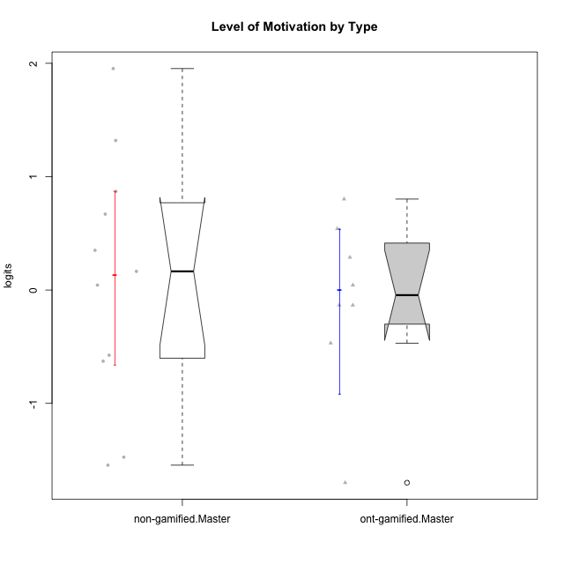

Wilcoxon data
UserID | NroUSP | Type | CLGroup | CLRole | PlayerRole | Score | theta | error | Outfit | Infit | Level of Motivation
10171 | 698531 | ont-gamified | Grupo Losvakai | Master | Yee Achiever | 53 | 0.80207969337 | 0.26179979691 | 0.36252880234 | 0.34379311354 | 0.80207969337
10172 | 10273971 | ont-gamified | Grupo Koil | Master | Yee Achiever | 45 | 0.28775137943 | 0.24925012314 | 1.0428256328 | 1.0560731108 | 0.28775137943
10175 | 10310700 | non-gamified | Grupo Team 6 | Master |  | 60 | 1.318822225 | 0.29409253734 | 1.0862979137 | 1.1385598537 | 1.318822225
10184 | 10276675 | non-gamified | Grupo Team 7 | Master |  | 54 | 0.86997165345 | 0.26451328071 | 0.43703806837 | 0.44894243079 | 0.86997165345
10185 | 10276960 | ont-gamified | Grupo Tosskor | Master | Yee Achiever | 38 | -0.13391230957 | 0.24048721564 | 0.26120244531 | 0.26524901496 | -0.13391230957
10188 | 10276995 | ont-gamified | Grupo Paldira | Master | Yee Achiever | 41 | 0.043106696827 | 0.24446676112 | 0.42686074072 | 0.42414170632 | 0.043106696827
10193 | 10276762 | non-gamified | Grupo Team 2 | Master |  | 29 | -0.62796477644 | 0.23147976429 | 0.73085858118 | 0.7195012576 | -0.62796477644
10197 | 10276661 | non-gamified | Grupo Team 11 | Master |  | 43 | 0.16436034601 | 0.24692899806 | 1.3339939193 | 1.3380437633 | 0.16436034601
10201 | 10276928 | non-gamified | Grupo Team 10 | Master |  | 51 | 0.66951773914 | 0.25747469977 | 0.28902126851 | 0.29309300528 | 0.66951773914
10204 | 10310471 | non-gamified | Grupo Team 5 | Master |  | 66 | 1.953284683 | 0.38129801119 | 1.2797712552 | 1.1121812705 | 1.953284683
10206 | 10310721 | non-gamified | Grupo Team 9 | Master |  | 41 | 0.043106696827 | 0.24446676112 | 0.49904987314 | 0.49558297445 | 0.043106696827
10208 | 10276932 | ont-gamified | Grupo Yeka | Master | Yee Socializer | 32 | -0.46850406728 | 0.23331987958 | 0.5533263584 | 0.54317708557 | -0.46850406728
10209 | 10262669 | non-gamified | Grupo Team 1 | Master |  | 13 | -1.5453160244 | 0.27326582649 | 1.1626087731 | 1.1625952861 | -1.5453160244
10211 | 9311643 | ont-gamified | Grupo Razorg | Master | Yee Achiever | 11 | -1.7001057974 | 0.29167832313 | 0.54682712654 | 0.56393506483 | -1.7001057974
10213 | 10277040 | non-gamified | Grupo Team 8 | Master |  | 46 | 0.35015187326 | 0.25040218056 | 0.67533241647 | 0.68202374435 | 0.35015187326
10216 | 10276720 | ont-gamified | Grupo Ellaru | Master | Yee Socializer | 38 | -0.13391230957 | 0.24048721564 | 1.4273206552 | 1.4542794563 | -0.13391230957
10217 | 9805341 | ont-gamified | Grupo Belos | Master | Yee Socializer | 49 | 0.54012010769 | 0.25421112044 | 0.32790065817 | 0.33153673551 | 0.54012010769
10223 | 9795185 | non-gamified | Grupo Team 3 | Master |  | 14 | -1.474714379 | 0.26604583519 | 0.51337090951 | 0.45550920091 | -1.474714379
10231 | 10276911 | non-gamified | Grupo Team 4 | Master |  | 30 | -0.57519175816 | 0.2319020023 | 0.96378494706 | 0.95344617792 | -0.57519175816

Type_CLRole_6
Wilcoxon Analysis for Level of Motivation by Type in Type:CLRole between ont-gamified.Apprentice:ont-gamified.Master

Wilcoxon test results
Alternative hypothesis: less
Group | N | Median | Mean.Ranks | Sum.Ranks | U | Z | p.value | r | magnitude
ont-gamified.Apprentice | 16 | 0.013914694318 | 12.9375 | 207 | 71 | 0.42903394033 | 0.66819357935 | 0.087576186344 | none
ont-gamified.Master | 8 | -0.045402806371 | 11.625 | 93 | 71 | 0.42903394033 | 0.66819357935 | 0.087576186344 | none
Alternative hypothesis: greater
Group | N | Median | Mean.Ranks | Sum.Ranks | U | Z | p.value | r | magnitude
ont-gamified.Apprentice | 16 | 0.013914694318 | 12.9375 | 207 | 71 | 0.42903394033 | 0.34275450698 | 0.087576186344 | none
ont-gamified.Master | 8 | -0.045402806371 | 11.625 | 93 | 71 | 0.42903394033 | 0.34275450698 | 0.087576186344 | none
Alternative hypothesis: two.sided
Group | N | Median | Mean.Ranks | Sum.Ranks | U | Z | p.value | r | magnitude
ont-gamified.Apprentice | 16 | 0.013914694318 | 12.9375 | 207 | 71 | 0.42903394033 | 0.68554844447 | 0.087576186344 | none
ont-gamified.Master | 8 | -0.045402806371 | 11.625 | 93 | 71 | 0.42903394033 | 0.68554844447 | 0.087576186344 | none

Box plots for wilcoxon tests
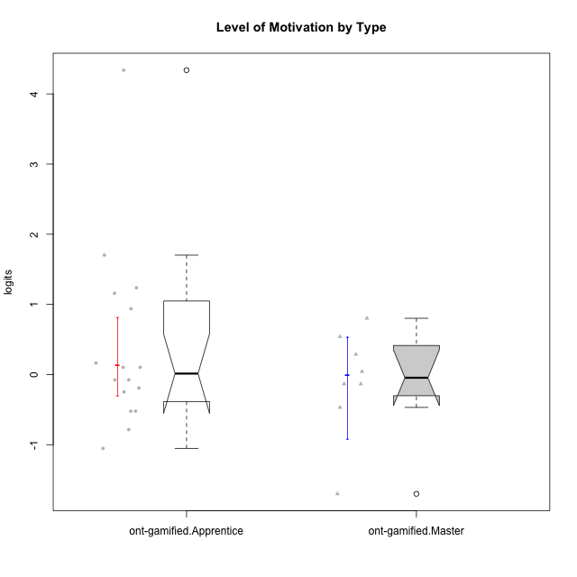

Wilcoxon data
UserID | NroUSP | Type | CLGroup | CLRole | PlayerRole | Score | theta | error | Outfit | Infit | Level of Motivation
10171 | 698531 | ont-gamified | Grupo Losvakai | Master | Yee Achiever | 53 | 0.80207969337 | 0.26179979691 | 0.36252880234 | 0.34379311354 | 0.80207969337
10172 | 10273971 | ont-gamified | Grupo Koil | Master | Yee Achiever | 45 | 0.28775137943 | 0.24925012314 | 1.0428256328 | 1.0560731108 | 0.28775137943
10179 | 10310759 | ont-gamified | Grupo Tosskor | Apprentice | Yee Achiever | 42 | 0.10344207128 | 0.24572025154 | 0.2890925164 | 0.28430223912 | 0.10344207128
10185 | 10276960 | ont-gamified | Grupo Tosskor | Master | Yee Achiever | 38 | -0.13391230957 | 0.24048721564 | 0.26120244531 | 0.26524901496 | -0.13391230957
10187 | 9790781 | ont-gamified | Grupo Razorg | Apprentice | Yee Achiever | 37 | -0.19146962765 | 0.23913846586 | 1.1337336445 | 1.1021569525 | -0.19146962765
10188 | 10276995 | ont-gamified | Grupo Paldira | Master | Yee Achiever | 41 | 0.043106696827 | 0.24446676112 | 0.42686074072 | 0.42414170632 | 0.043106696827
10191 | 10276981 | ont-gamified | Grupo Yeka | Apprentice | Yee Socializer | 59 | 1.2368829222 | 0.28695608468 | 0.85782879974 | 0.73029249542 | 1.2368829222
10192 | 10276682 | ont-gamified | Grupo Yeka | Apprentice | Yee Socializer | 64 | 1.702430705 | 0.33969143422 | 4.3174077511 | 3.504693012 | 1.702430705
10202 | 10277036 | ont-gamified | Grupo Paldira | Apprentice | Yee Achiever | 36 | -0.24827805412 | 0.23781608693 | 0.18470073661 | 0.18726391199 | -0.24827805412
10203 | 9921470 | ont-gamified | Grupo Paldira | Apprentice | Yee Achiever | 72 | 4.3383976174 | 1.3683089275 | 0.042507307899 | 0.044638825637 | 4.3383976174
10208 | 10276932 | ont-gamified | Grupo Yeka | Master | Yee Socializer | 32 | -0.46850406728 | 0.23331987958 | 0.5533263584 | 0.54317708557 | -0.46850406728
10210 | 10277015 | ont-gamified | Grupo Losvakai | Apprentice | Yee Achiever | 31 | -0.52206996204 | 0.23252231783 | 1.2615178007 | 1.2329569355 | -0.52206996204
10211 | 9311643 | ont-gamified | Grupo Razorg | Master | Yee Achiever | 11 | -1.7001057974 | 0.29167832313 | 0.54682712654 | 0.56393506483 | -1.7001057974
10212 | 9065750 | ont-gamified | Grupo Ellaru | Apprentice | Yee Socializer | 31 | -0.52206996204 | 0.23252231783 | 0.418741612 | 0.4173915602 | -0.52206996204
10214 | 10277022 | ont-gamified | Grupo Koil | Apprentice | Yee Achiever | 43 | 0.16436034601 | 0.24692899806 | 0.44012527518 | 0.43292176225 | 0.16436034601
10216 | 10276720 | ont-gamified | Grupo Ellaru | Master | Yee Socializer | 38 | -0.13391230957 | 0.24048721564 | 1.4273206552 | 1.4542794563 | -0.13391230957
10217 | 9805341 | ont-gamified | Grupo Belos | Master | Yee Socializer | 49 | 0.54012010769 | 0.25421112044 | 0.32790065817 | 0.33153673551 | 0.54012010769
10219 | 10276831 | ont-gamified | Grupo Razorg | Apprentice | Yee Achiever | 21 | -1.0519310161 | 0.2376714651 | 1.4854837085 | 1.4656235166 | -1.0519310161
10226 | 10310342 | ont-gamified | Grupo Yeka | Apprentice | Yee Socializer | 55 | 0.93924298788 | 0.26768935048 | 0.61724163243 | 0.61010193544 | 0.93924298788
10228 | 10310492 | ont-gamified | Grupo Losvakai | Apprentice | Yee Achiever | 39 | -0.07561268264 | 0.24183790854 | 0.13563582686 | 0.13432577248 | -0.07561268264
10230 | 10351992 | ont-gamified | Grupo Koil | Apprentice | Yee Achiever | 58 | 1.1585341734 | 0.28091332813 | 1.1896711893 | 1.1583943389 | 1.1585341734
10233 | 9805320 | ont-gamified | Grupo Tosskor | Apprentice | Yee Achiever | 26 | -0.78527588073 | 0.23159800279 | 2.4576113252 | 2.4435407334 | -0.78527588073
10237 | 10377688 | ont-gamified | Grupo Ellaru | Apprentice | Yee Socializer | 39 | -0.07561268264 | 0.24183790854 | 0.52749004462 | 0.51689510297 | -0.07561268264
10238 | 10276953 | ont-gamified | Grupo Belos | Apprentice | Yee Socializer | 42 | 0.10344207128 | 0.24572025154 | 0.2220604002 | 0.21928924545 | 0.10344207128

