Type_1
Wilcoxon Analysis for Relevance by Type in Type between non-gamified:ont-gamified

Wilcoxon test results
Alternative hypothesis: less
Group | N | Median | Mean.Ranks | Sum.Ranks | U | Z | p.value | r | magnitude
non-gamified | 34 | -0.054182085233 | 28.279411765 | 961.5 | 366.5 | -0.65714414086 | 0.25829697426 | 0.086287253011 | none
ont-gamified | 24 | 0.068839318216 | 31.229166667 | 749.5 | 366.5 | -0.65714414086 | 0.25829697426 | 0.086287253011 | none
Alternative hypothesis: greater
Group | N | Median | Mean.Ranks | Sum.Ranks | U | Z | p.value | r | magnitude
non-gamified | 34 | -0.054182085233 | 28.279411765 | 961.5 | 366.5 | -0.65714414086 | 0.74424387728 | 0.086287253011 | none
ont-gamified | 24 | 0.068839318216 | 31.229166667 | 749.5 | 366.5 | -0.65714414086 | 0.74424387728 | 0.086287253011 | none
Alternative hypothesis: two.sided
Group | N | Median | Mean.Ranks | Sum.Ranks | U | Z | p.value | r | magnitude
non-gamified | 34 | -0.054182085233 | 28.279411765 | 961.5 | 366.5 | -0.65714414086 | 0.51659238756 | 0.086287253011 | none
ont-gamified | 24 | 0.068839318216 | 31.229166667 | 749.5 | 366.5 | -0.65714414086 | 0.51659238756 | 0.086287253011 | none

Box plots for wilcoxon tests
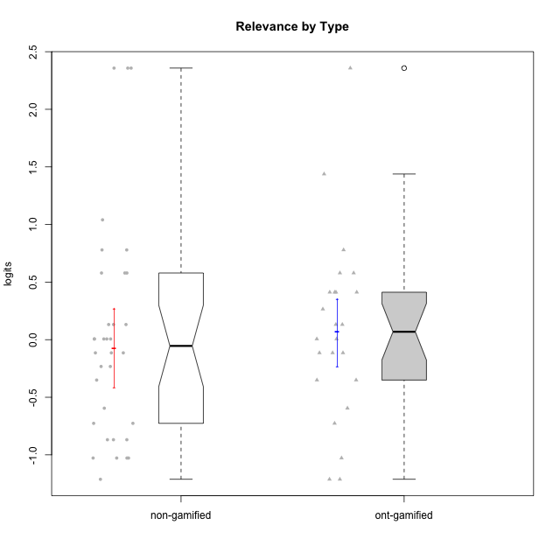

Wilcoxon data
UserID | NroUSP | Type | CLGroup | CLRole | PlayerRole | Score | theta | error | Outfit | Infit | Relevance
10169 | 10377538 | non-gamified | Grupo Team 10 | Apprentice |  | 9 | -0.86869778022 | 0.40027669815 | 0.92219673069 | 0.87488589969 | -0.86869778022
10170 | 10260351 | non-gamified | Grupo Team 6 | Apprentice |  | 16 | 0.0060927837546 | 0.36465306698 | 0.80763174823 | 0.78884567213 | 0.0060927837546
10171 | 698531 | ont-gamified | Grupo Losvakai | Master | Yee Achiever | 23 | 1.4380389397 | 0.7257520752 | 0.41984813094 | 0.43332319695 | 1.4380389397
10172 | 10273971 | ont-gamified | Grupo Koil | Master | Yee Achiever | 18 | 0.26531241963 | 0.38873692158 | 0.30884971221 | 0.29530742721 | 0.26531241963
10174 | 10276852 | non-gamified | Grupo Team 1 | Apprentice |  | 8 | -1.0275471836 | 0.42545722247 | 0.91580697214 | 0.9484517167 | -1.0275471836
10175 | 10310700 | non-gamified | Grupo Team 6 | Master |  | 24 | 2.3577241399 | 1.2651793853 | 0.13320535897 | 0.1363764189 | 2.3577241399
10176 | 10276949 | non-gamified | Grupo Team 9 | Apprentice |  | 8 | -1.0275471836 | 0.42545722247 | 0.4055033895 | 0.3898080974 | -1.0275471836
10178 | 8656201 | non-gamified | Grupo Team 11 | Apprentice |  | 15 | -0.11445695422 | 0.35909213598 | 2.051640071 | 1.9451350084 | -0.11445695422
10179 | 10310759 | ont-gamified | Grupo Tosskor | Apprentice | Yee Achiever | 17 | 0.13158585268 | 0.37420100872 | 0.18183408401 | 0.1746781303 | 0.13158585268
10181 | 10276866 | non-gamified | Grupo Team 7 | Apprentice |  | 13 | -0.35062750809 | 0.35808402784 | 0.28604120388 | 0.28689027987 | -0.35062750809
10183 | 10352030 | non-gamified | Grupo Belos | Apprentice | Yee Socializer | 10 | -0.72635160685 | 0.38262502821 | 0.40386822382 | 0.38335071449 | -0.72635160685
10184 | 10276675 | non-gamified | Grupo Team 7 | Master |  | 20 | 0.5788749914 | 0.44130928046 | 0.31389623063 | 0.27957283735 | 0.5788749914
10185 | 10276960 | ont-gamified | Grupo Tosskor | Master | Yee Achiever | 15 | -0.11445695422 | 0.35909213598 | 0.18733687843 | 0.18374426582 | -0.11445695422
10186 | 10310551 | non-gamified | Grupo Team 5 | Apprentice |  | 16 | 0.0060927837546 | 0.36465306698 | 0.99707384978 | 0.98056825949 | 0.0060927837546
10187 | 9790781 | ont-gamified | Grupo Razorg | Apprentice | Yee Achiever | 7 | -1.2121538082 | 0.46198492618 | 0.16162112349 | 0.14738273191 | -1.2121538082
10188 | 10276995 | ont-gamified | Grupo Paldira | Master | Yee Achiever | 17 | 0.13158585268 | 0.37420100872 | 0.72213977671 | 0.6956459369 | 0.13158585268
10189 | 9363926 | non-gamified | Grupo Team 2 | Apprentice |  | 8 | -1.0275471836 | 0.42545722247 | 2.3926556284 | 2.3555467094 | -1.0275471836
10190 | 10276907 | non-gamified | Grupo Team 8 | Apprentice |  | 15 | -0.11445695422 | 0.35909213598 | 2.2326125996 | 2.2461442379 | -0.11445695422
10191 | 10276981 | ont-gamified | Grupo Yeka | Apprentice | Yee Socializer | 19 | 0.41195002581 | 0.4100293961 | 0.7837667458 | 0.83673231742 | 0.41195002581
10192 | 10276682 | ont-gamified | Grupo Yeka | Apprentice | Yee Socializer | 19 | 0.41195002581 | 0.4100293961 | 2.7877783985 | 2.9517741665 | 0.41195002581
10193 | 10276762 | non-gamified | Grupo Team 2 | Master |  | 14 | -0.23262451137 | 0.35697669233 | 1.3034283513 | 1.2950718245 | -0.23262451137
10196 | 10310655 | non-gamified | Grupo Team 5 | Apprentice |  | 9 | -0.86869778022 | 0.40027669815 | 0.3428791274 | 0.32368839316 | -0.86869778022
10197 | 10276661 | non-gamified | Grupo Team 11 | Master |  | 16 | 0.0060927837546 | 0.36465306698 | 1.057338239 | 1.0490497908 | 0.0060927837546
10198 | 10310888 | non-gamified | Grupo Team 1 | Apprentice |  | 21 | 0.77920928512 | 0.48902369319 | 2.4881934509 | 2.0215846704 | 0.77920928512
10200 | 9795272 | non-gamified | Grupo Team 4 | Apprentice |  | 14 | -0.23262451137 | 0.35697669233 | 0.32547761531 | 0.3297397855 | -0.23262451137
10201 | 10276928 | non-gamified | Grupo Team 10 | Master |  | 17 | 0.13158585268 | 0.37420100872 | 0.70100119943 | 0.64030014863 | 0.13158585268
10202 | 10277036 | ont-gamified | Grupo Paldira | Apprentice | Yee Achiever | 10 | -0.72635160685 | 0.38262502821 | 0.71107187899 | 0.77872578055 | -0.72635160685
10203 | 9921470 | ont-gamified | Grupo Paldira | Apprentice | Yee Achiever | 24 | 2.3577241399 | 1.2651793853 | 0.13320535897 | 0.1363764189 | 2.3577241399
10204 | 10310471 | non-gamified | Grupo Team 5 | Master |  | 21 | 0.77920928512 | 0.48902369319 | 0.60148717955 | 0.60403638806 | 0.77920928512
10206 | 10310721 | non-gamified | Grupo Team 9 | Master |  | 15 | -0.11445695422 | 0.35909213598 | 1.3084753503 | 1.2666498134 | -0.11445695422
10208 | 10276932 | ont-gamified | Grupo Yeka | Master | Yee Socializer | 11 | -0.59491588194 | 0.3704154549 | 0.46428451476 | 0.45500572766 | -0.59491588194
10209 | 10262669 | non-gamified | Grupo Team 1 | Master |  | 11 | -0.59491588194 | 0.3704154549 | 1.6460558712 | 1.7000597411 | -0.59491588194
10210 | 10277015 | ont-gamified | Grupo Losvakai | Apprentice | Yee Achiever | 15 | -0.11445695422 | 0.35909213598 | 1.1356642472 | 1.1588696949 | -0.11445695422
10211 | 9311643 | ont-gamified | Grupo Razorg | Master | Yee Achiever | 13 | -0.35062750809 | 0.35808402784 | 0.92939334538 | 0.93156290823 | -0.35062750809
10212 | 9065750 | ont-gamified | Grupo Ellaru | Apprentice | Yee Socializer | 16 | 0.0060927837546 | 0.36465306698 | 0.1309978012 | 0.1292885793 | 0.0060927837546
10213 | 10277040 | non-gamified | Grupo Team 8 | Master |  | 16 | 0.0060927837546 | 0.36465306698 | 0.12535454397 | 0.12354905948 | 0.0060927837546
10214 | 10277022 | ont-gamified | Grupo Koil | Apprentice | Yee Achiever | 19 | 0.41195002581 | 0.4100293961 | 0.13117789963 | 0.14076909432 | 0.41195002581
10215 | 9285227 | non-gamified | Grupo Team 7 | Apprentice |  | 24 | 2.3577241399 | 1.2651793853 | 0.13320535897 | 0.1363764189 | 2.3577241399
10216 | 10276720 | ont-gamified | Grupo Ellaru | Master | Yee Socializer | 16 | 0.0060927837546 | 0.36465306698 | 0.81939548771 | 0.79025047008 | 0.0060927837546
10217 | 9805341 | ont-gamified | Grupo Belos | Master | Yee Socializer | 19 | 0.41195002581 | 0.4100293961 | 0.13117789963 | 0.14076909432 | 0.41195002581
10218 | 9842913 | non-gamified | Grupo Team 10 | Apprentice |  | 17 | 0.13158585268 | 0.37420100872 | 0.20165140851 | 0.19773966529 | 0.13158585268
10219 | 10276831 | ont-gamified | Grupo Razorg | Apprentice | Yee Achiever | 7 | -1.2121538082 | 0.46198492618 | 1.3327982154 | 1.265285207 | -1.2121538082
10220 | 9760151 | non-gamified | Grupo Team 4 | Apprentice |  | 24 | 2.3577241399 | 1.2651793853 | 0.13320535897 | 0.1363764189 | 2.3577241399
10221 | 9082496 | non-gamified | Grupo Team 3 | Apprentice |  | 10 | -0.72635160685 | 0.38262502821 | 0.83363961716 | 0.88233590578 | -0.72635160685
10223 | 9795185 | non-gamified | Grupo Team 3 | Master |  | 7 | -1.2121538082 | 0.46198492618 | 0.38754129875 | 0.39135108406 | -1.2121538082
10224 | 9368772 | non-gamified | Grupo Team 9 | Apprentice |  | 20 | 0.5788749914 | 0.44130928046 | 1.0651085162 | 1.0822188674 | 0.5788749914
10226 | 10310342 | ont-gamified | Grupo Yeka | Apprentice | Yee Socializer | 21 | 0.77920928512 | 0.48902369319 | 1.0471974127 | 0.91926987808 | 0.77920928512
10227 | 9274382 | non-gamified | Grupo Team 2 | Apprentice |  | 20 | 0.5788749914 | 0.44130928046 | 0.0383327243 | 0.038177648367 | 0.5788749914
10228 | 10310492 | ont-gamified | Grupo Losvakai | Apprentice | Yee Achiever | 15 | -0.11445695422 | 0.35909213598 | 0.11463345969 | 0.1167724543 | -0.11445695422
10230 | 10351992 | ont-gamified | Grupo Koil | Apprentice | Yee Achiever | 20 | 0.5788749914 | 0.44130928046 | 0.62487830642 | 0.61576946583 | 0.5788749914
10231 | 10276911 | non-gamified | Grupo Team 4 | Master |  | 16 | 0.0060927837546 | 0.36465306698 | 0.99373230973 | 0.97623353761 | 0.0060927837546
10232 | 10276974 | non-gamified | Grupo Team 3 | Apprentice |  | 22 | 1.0404532106 | 0.56821819672 | 0.45185643574 | 0.4424378069 | 1.0404532106
10233 | 9805320 | ont-gamified | Grupo Tosskor | Apprentice | Yee Achiever | 8 | -1.0275471836 | 0.42545722247 | 0.23059497627 | 0.22921311779 | -1.0275471836
10234 | 10310676 | non-gamified | Grupo Team 6 | Apprentice |  | 17 | 0.13158585268 | 0.37420100872 | 2.0049505429 | 2.0611968351 | 0.13158585268
10237 | 10377688 | ont-gamified | Grupo Ellaru | Apprentice | Yee Socializer | 20 | 0.5788749914 | 0.44130928046 | 0.28129992676 | 0.24989069841 | 0.5788749914
10238 | 10276953 | ont-gamified | Grupo Belos | Apprentice | Yee Socializer | 13 | -0.35062750809 | 0.35808402784 | 0.17609319299 | 0.17694489163 | -0.35062750809
10240 | 10276654 | non-gamified | Grupo Team 8 | Apprentice |  | 9 | -0.86869778022 | 0.40027669815 | 0.023991626595 | 0.024063389578 | -0.86869778022
10242 | 9424506 | non-gamified | Grupo Team 11 | Apprentice |  | 8 | -1.0275471836 | 0.42545722247 | 0.57842154391 | 0.54523020806 | -1.0275471836

Type_CLRole_1
Wilcoxon Analysis for Relevance by Type in Type:CLRole between non-gamified.Apprentice:non-gamified.Master

Wilcoxon test results
Alternative hypothesis: less
Group | N | Median | Mean.Ranks | Sum.Ranks | U | Z | p.value | r | magnitude
non-gamified.Apprentice | 23 | -0.11445695422 | 16.52173913 | 380 | 104 | -0.83165734649 | 0.20820837255 | 0.14262805825 | small
non-gamified.Master | 11 | 0.0060927837546 | 19.545454545 | 215 | 104 | -0.83165734649 | 0.20820837255 | 0.14262805825 | small
Alternative hypothesis: greater
Group | N | Median | Mean.Ranks | Sum.Ranks | U | Z | p.value | r | magnitude
non-gamified.Apprentice | 23 | -0.11445695422 | 16.52173913 | 380 | 104 | -0.83165734649 | 0.79694909181 | 0.14262805825 | small
non-gamified.Master | 11 | 0.0060927837546 | 19.545454545 | 215 | 104 | -0.83165734649 | 0.79694909181 | 0.14262805825 | small
Alternative hypothesis: two.sided
Group | N | Median | Mean.Ranks | Sum.Ranks | U | Z | p.value | r | magnitude
non-gamified.Apprentice | 23 | -0.11445695422 | 16.52173913 | 380 | 104 | -0.83165734649 | 0.41634672009 | 0.14262805825 | small
non-gamified.Master | 11 | 0.0060927837546 | 19.545454545 | 215 | 104 | -0.83165734649 | 0.41634672009 | 0.14262805825 | small

Box plots for wilcoxon tests
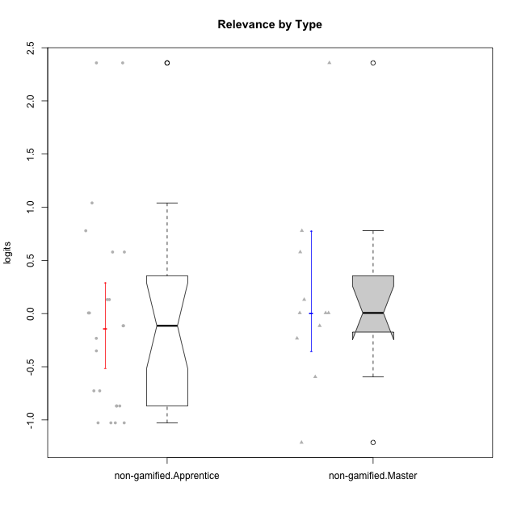

Wilcoxon data
UserID | NroUSP | Type | CLGroup | CLRole | PlayerRole | Score | theta | error | Outfit | Infit | Relevance
10169 | 10377538 | non-gamified | Grupo Team 10 | Apprentice |  | 9 | -0.86869778022 | 0.40027669815 | 0.92219673069 | 0.87488589969 | -0.86869778022
10170 | 10260351 | non-gamified | Grupo Team 6 | Apprentice |  | 16 | 0.0060927837546 | 0.36465306698 | 0.80763174823 | 0.78884567213 | 0.0060927837546
10174 | 10276852 | non-gamified | Grupo Team 1 | Apprentice |  | 8 | -1.0275471836 | 0.42545722247 | 0.91580697214 | 0.9484517167 | -1.0275471836
10175 | 10310700 | non-gamified | Grupo Team 6 | Master |  | 24 | 2.3577241399 | 1.2651793853 | 0.13320535897 | 0.1363764189 | 2.3577241399
10176 | 10276949 | non-gamified | Grupo Team 9 | Apprentice |  | 8 | -1.0275471836 | 0.42545722247 | 0.4055033895 | 0.3898080974 | -1.0275471836
10178 | 8656201 | non-gamified | Grupo Team 11 | Apprentice |  | 15 | -0.11445695422 | 0.35909213598 | 2.051640071 | 1.9451350084 | -0.11445695422
10181 | 10276866 | non-gamified | Grupo Team 7 | Apprentice |  | 13 | -0.35062750809 | 0.35808402784 | 0.28604120388 | 0.28689027987 | -0.35062750809
10183 | 10352030 | non-gamified | Grupo Belos | Apprentice | Yee Socializer | 10 | -0.72635160685 | 0.38262502821 | 0.40386822382 | 0.38335071449 | -0.72635160685
10184 | 10276675 | non-gamified | Grupo Team 7 | Master |  | 20 | 0.5788749914 | 0.44130928046 | 0.31389623063 | 0.27957283735 | 0.5788749914
10186 | 10310551 | non-gamified | Grupo Team 5 | Apprentice |  | 16 | 0.0060927837546 | 0.36465306698 | 0.99707384978 | 0.98056825949 | 0.0060927837546
10189 | 9363926 | non-gamified | Grupo Team 2 | Apprentice |  | 8 | -1.0275471836 | 0.42545722247 | 2.3926556284 | 2.3555467094 | -1.0275471836
10190 | 10276907 | non-gamified | Grupo Team 8 | Apprentice |  | 15 | -0.11445695422 | 0.35909213598 | 2.2326125996 | 2.2461442379 | -0.11445695422
10193 | 10276762 | non-gamified | Grupo Team 2 | Master |  | 14 | -0.23262451137 | 0.35697669233 | 1.3034283513 | 1.2950718245 | -0.23262451137
10196 | 10310655 | non-gamified | Grupo Team 5 | Apprentice |  | 9 | -0.86869778022 | 0.40027669815 | 0.3428791274 | 0.32368839316 | -0.86869778022
10197 | 10276661 | non-gamified | Grupo Team 11 | Master |  | 16 | 0.0060927837546 | 0.36465306698 | 1.057338239 | 1.0490497908 | 0.0060927837546
10198 | 10310888 | non-gamified | Grupo Team 1 | Apprentice |  | 21 | 0.77920928512 | 0.48902369319 | 2.4881934509 | 2.0215846704 | 0.77920928512
10200 | 9795272 | non-gamified | Grupo Team 4 | Apprentice |  | 14 | -0.23262451137 | 0.35697669233 | 0.32547761531 | 0.3297397855 | -0.23262451137
10201 | 10276928 | non-gamified | Grupo Team 10 | Master |  | 17 | 0.13158585268 | 0.37420100872 | 0.70100119943 | 0.64030014863 | 0.13158585268
10204 | 10310471 | non-gamified | Grupo Team 5 | Master |  | 21 | 0.77920928512 | 0.48902369319 | 0.60148717955 | 0.60403638806 | 0.77920928512
10206 | 10310721 | non-gamified | Grupo Team 9 | Master |  | 15 | -0.11445695422 | 0.35909213598 | 1.3084753503 | 1.2666498134 | -0.11445695422
10209 | 10262669 | non-gamified | Grupo Team 1 | Master |  | 11 | -0.59491588194 | 0.3704154549 | 1.6460558712 | 1.7000597411 | -0.59491588194
10213 | 10277040 | non-gamified | Grupo Team 8 | Master |  | 16 | 0.0060927837546 | 0.36465306698 | 0.12535454397 | 0.12354905948 | 0.0060927837546
10215 | 9285227 | non-gamified | Grupo Team 7 | Apprentice |  | 24 | 2.3577241399 | 1.2651793853 | 0.13320535897 | 0.1363764189 | 2.3577241399
10218 | 9842913 | non-gamified | Grupo Team 10 | Apprentice |  | 17 | 0.13158585268 | 0.37420100872 | 0.20165140851 | 0.19773966529 | 0.13158585268
10220 | 9760151 | non-gamified | Grupo Team 4 | Apprentice |  | 24 | 2.3577241399 | 1.2651793853 | 0.13320535897 | 0.1363764189 | 2.3577241399
10221 | 9082496 | non-gamified | Grupo Team 3 | Apprentice |  | 10 | -0.72635160685 | 0.38262502821 | 0.83363961716 | 0.88233590578 | -0.72635160685
10223 | 9795185 | non-gamified | Grupo Team 3 | Master |  | 7 | -1.2121538082 | 0.46198492618 | 0.38754129875 | 0.39135108406 | -1.2121538082
10224 | 9368772 | non-gamified | Grupo Team 9 | Apprentice |  | 20 | 0.5788749914 | 0.44130928046 | 1.0651085162 | 1.0822188674 | 0.5788749914
10227 | 9274382 | non-gamified | Grupo Team 2 | Apprentice |  | 20 | 0.5788749914 | 0.44130928046 | 0.0383327243 | 0.038177648367 | 0.5788749914
10231 | 10276911 | non-gamified | Grupo Team 4 | Master |  | 16 | 0.0060927837546 | 0.36465306698 | 0.99373230973 | 0.97623353761 | 0.0060927837546
10232 | 10276974 | non-gamified | Grupo Team 3 | Apprentice |  | 22 | 1.0404532106 | 0.56821819672 | 0.45185643574 | 0.4424378069 | 1.0404532106
10234 | 10310676 | non-gamified | Grupo Team 6 | Apprentice |  | 17 | 0.13158585268 | 0.37420100872 | 2.0049505429 | 2.0611968351 | 0.13158585268
10240 | 10276654 | non-gamified | Grupo Team 8 | Apprentice |  | 9 | -0.86869778022 | 0.40027669815 | 0.023991626595 | 0.024063389578 | -0.86869778022
10242 | 9424506 | non-gamified | Grupo Team 11 | Apprentice |  | 8 | -1.0275471836 | 0.42545722247 | 0.57842154391 | 0.54523020806 | -1.0275471836

Type_CLRole_2
Wilcoxon Analysis for Relevance by Type in Type:CLRole between non-gamified.Apprentice:ont-gamified.Apprentice

Wilcoxon test results
Alternative hypothesis: less
Group | N | Median | Mean.Ranks | Sum.Ranks | U | Z | p.value | r | magnitude
non-gamified.Apprentice | 23 | -0.11445695422 | 19.217391304 | 442 | 166 | -0.51568772744 | 0.30685454507 | 0.082576123734 | none
ont-gamified.Apprentice | 16 | 0.068839318216 | 21.125 | 338 | 166 | -0.51568772744 | 0.30685454507 | 0.082576123734 | none
Alternative hypothesis: greater
Group | N | Median | Mean.Ranks | Sum.Ranks | U | Z | p.value | r | magnitude
non-gamified.Apprentice | 23 | -0.11445695422 | 19.217391304 | 442 | 166 | -0.51568772744 | 0.69805477921 | 0.082576123734 | none
ont-gamified.Apprentice | 16 | 0.068839318216 | 21.125 | 338 | 166 | -0.51568772744 | 0.69805477921 | 0.082576123734 | none
Alternative hypothesis: two.sided
Group | N | Median | Mean.Ranks | Sum.Ranks | U | Z | p.value | r | magnitude
non-gamified.Apprentice | 23 | -0.11445695422 | 19.217391304 | 442 | 166 | -0.51568772744 | 0.61460557832 | 0.082576123734 | none
ont-gamified.Apprentice | 16 | 0.068839318216 | 21.125 | 338 | 166 | -0.51568772744 | 0.61460557832 | 0.082576123734 | none

Box plots for wilcoxon tests
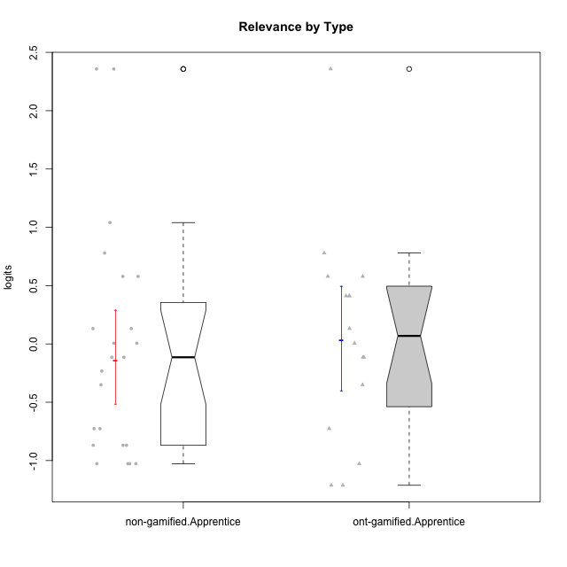

Wilcoxon data
UserID | NroUSP | Type | CLGroup | CLRole | PlayerRole | Score | theta | error | Outfit | Infit | Relevance
10169 | 10377538 | non-gamified | Grupo Team 10 | Apprentice |  | 9 | -0.86869778022 | 0.40027669815 | 0.92219673069 | 0.87488589969 | -0.86869778022
10170 | 10260351 | non-gamified | Grupo Team 6 | Apprentice |  | 16 | 0.0060927837546 | 0.36465306698 | 0.80763174823 | 0.78884567213 | 0.0060927837546
10174 | 10276852 | non-gamified | Grupo Team 1 | Apprentice |  | 8 | -1.0275471836 | 0.42545722247 | 0.91580697214 | 0.9484517167 | -1.0275471836
10176 | 10276949 | non-gamified | Grupo Team 9 | Apprentice |  | 8 | -1.0275471836 | 0.42545722247 | 0.4055033895 | 0.3898080974 | -1.0275471836
10178 | 8656201 | non-gamified | Grupo Team 11 | Apprentice |  | 15 | -0.11445695422 | 0.35909213598 | 2.051640071 | 1.9451350084 | -0.11445695422
10179 | 10310759 | ont-gamified | Grupo Tosskor | Apprentice | Yee Achiever | 17 | 0.13158585268 | 0.37420100872 | 0.18183408401 | 0.1746781303 | 0.13158585268
10181 | 10276866 | non-gamified | Grupo Team 7 | Apprentice |  | 13 | -0.35062750809 | 0.35808402784 | 0.28604120388 | 0.28689027987 | -0.35062750809
10183 | 10352030 | non-gamified | Grupo Belos | Apprentice | Yee Socializer | 10 | -0.72635160685 | 0.38262502821 | 0.40386822382 | 0.38335071449 | -0.72635160685
10186 | 10310551 | non-gamified | Grupo Team 5 | Apprentice |  | 16 | 0.0060927837546 | 0.36465306698 | 0.99707384978 | 0.98056825949 | 0.0060927837546
10187 | 9790781 | ont-gamified | Grupo Razorg | Apprentice | Yee Achiever | 7 | -1.2121538082 | 0.46198492618 | 0.16162112349 | 0.14738273191 | -1.2121538082
10189 | 9363926 | non-gamified | Grupo Team 2 | Apprentice |  | 8 | -1.0275471836 | 0.42545722247 | 2.3926556284 | 2.3555467094 | -1.0275471836
10190 | 10276907 | non-gamified | Grupo Team 8 | Apprentice |  | 15 | -0.11445695422 | 0.35909213598 | 2.2326125996 | 2.2461442379 | -0.11445695422
10191 | 10276981 | ont-gamified | Grupo Yeka | Apprentice | Yee Socializer | 19 | 0.41195002581 | 0.4100293961 | 0.7837667458 | 0.83673231742 | 0.41195002581
10192 | 10276682 | ont-gamified | Grupo Yeka | Apprentice | Yee Socializer | 19 | 0.41195002581 | 0.4100293961 | 2.7877783985 | 2.9517741665 | 0.41195002581
10196 | 10310655 | non-gamified | Grupo Team 5 | Apprentice |  | 9 | -0.86869778022 | 0.40027669815 | 0.3428791274 | 0.32368839316 | -0.86869778022
10198 | 10310888 | non-gamified | Grupo Team 1 | Apprentice |  | 21 | 0.77920928512 | 0.48902369319 | 2.4881934509 | 2.0215846704 | 0.77920928512
10200 | 9795272 | non-gamified | Grupo Team 4 | Apprentice |  | 14 | -0.23262451137 | 0.35697669233 | 0.32547761531 | 0.3297397855 | -0.23262451137
10202 | 10277036 | ont-gamified | Grupo Paldira | Apprentice | Yee Achiever | 10 | -0.72635160685 | 0.38262502821 | 0.71107187899 | 0.77872578055 | -0.72635160685
10203 | 9921470 | ont-gamified | Grupo Paldira | Apprentice | Yee Achiever | 24 | 2.3577241399 | 1.2651793853 | 0.13320535897 | 0.1363764189 | 2.3577241399
10210 | 10277015 | ont-gamified | Grupo Losvakai | Apprentice | Yee Achiever | 15 | -0.11445695422 | 0.35909213598 | 1.1356642472 | 1.1588696949 | -0.11445695422
10212 | 9065750 | ont-gamified | Grupo Ellaru | Apprentice | Yee Socializer | 16 | 0.0060927837546 | 0.36465306698 | 0.1309978012 | 0.1292885793 | 0.0060927837546
10214 | 10277022 | ont-gamified | Grupo Koil | Apprentice | Yee Achiever | 19 | 0.41195002581 | 0.4100293961 | 0.13117789963 | 0.14076909432 | 0.41195002581
10215 | 9285227 | non-gamified | Grupo Team 7 | Apprentice |  | 24 | 2.3577241399 | 1.2651793853 | 0.13320535897 | 0.1363764189 | 2.3577241399
10218 | 9842913 | non-gamified | Grupo Team 10 | Apprentice |  | 17 | 0.13158585268 | 0.37420100872 | 0.20165140851 | 0.19773966529 | 0.13158585268
10219 | 10276831 | ont-gamified | Grupo Razorg | Apprentice | Yee Achiever | 7 | -1.2121538082 | 0.46198492618 | 1.3327982154 | 1.265285207 | -1.2121538082
10220 | 9760151 | non-gamified | Grupo Team 4 | Apprentice |  | 24 | 2.3577241399 | 1.2651793853 | 0.13320535897 | 0.1363764189 | 2.3577241399
10221 | 9082496 | non-gamified | Grupo Team 3 | Apprentice |  | 10 | -0.72635160685 | 0.38262502821 | 0.83363961716 | 0.88233590578 | -0.72635160685
10224 | 9368772 | non-gamified | Grupo Team 9 | Apprentice |  | 20 | 0.5788749914 | 0.44130928046 | 1.0651085162 | 1.0822188674 | 0.5788749914
10226 | 10310342 | ont-gamified | Grupo Yeka | Apprentice | Yee Socializer | 21 | 0.77920928512 | 0.48902369319 | 1.0471974127 | 0.91926987808 | 0.77920928512
10227 | 9274382 | non-gamified | Grupo Team 2 | Apprentice |  | 20 | 0.5788749914 | 0.44130928046 | 0.0383327243 | 0.038177648367 | 0.5788749914
10228 | 10310492 | ont-gamified | Grupo Losvakai | Apprentice | Yee Achiever | 15 | -0.11445695422 | 0.35909213598 | 0.11463345969 | 0.1167724543 | -0.11445695422
10230 | 10351992 | ont-gamified | Grupo Koil | Apprentice | Yee Achiever | 20 | 0.5788749914 | 0.44130928046 | 0.62487830642 | 0.61576946583 | 0.5788749914
10232 | 10276974 | non-gamified | Grupo Team 3 | Apprentice |  | 22 | 1.0404532106 | 0.56821819672 | 0.45185643574 | 0.4424378069 | 1.0404532106
10233 | 9805320 | ont-gamified | Grupo Tosskor | Apprentice | Yee Achiever | 8 | -1.0275471836 | 0.42545722247 | 0.23059497627 | 0.22921311779 | -1.0275471836
10234 | 10310676 | non-gamified | Grupo Team 6 | Apprentice |  | 17 | 0.13158585268 | 0.37420100872 | 2.0049505429 | 2.0611968351 | 0.13158585268
10237 | 10377688 | ont-gamified | Grupo Ellaru | Apprentice | Yee Socializer | 20 | 0.5788749914 | 0.44130928046 | 0.28129992676 | 0.24989069841 | 0.5788749914
10238 | 10276953 | ont-gamified | Grupo Belos | Apprentice | Yee Socializer | 13 | -0.35062750809 | 0.35808402784 | 0.17609319299 | 0.17694489163 | -0.35062750809
10240 | 10276654 | non-gamified | Grupo Team 8 | Apprentice |  | 9 | -0.86869778022 | 0.40027669815 | 0.023991626595 | 0.024063389578 | -0.86869778022
10242 | 9424506 | non-gamified | Grupo Team 11 | Apprentice |  | 8 | -1.0275471836 | 0.42545722247 | 0.57842154391 | 0.54523020806 | -1.0275471836

Type_CLRole_3
Wilcoxon Analysis for Relevance by Type in Type:CLRole between non-gamified.Apprentice:ont-gamified.Master

Wilcoxon test results
Alternative hypothesis: less
Group | N | Median | Mean.Ranks | Sum.Ranks | U | Z | p.value | r | magnitude
non-gamified.Apprentice | 23 | -0.11445695422 | 14.97826087 | 344.5 | 68.5 | -1.0641233261 | 0.14960224878 | 0.19112219138 | small
ont-gamified.Master | 8 | 0.068839318216 | 18.9375 | 151.5 | 68.5 | -1.0641233261 | 0.14960224878 | 0.19112219138 | small
Alternative hypothesis: greater
Group | N | Median | Mean.Ranks | Sum.Ranks | U | Z | p.value | r | magnitude
non-gamified.Apprentice | 23 | -0.11445695422 | 14.97826087 | 344.5 | 68.5 | -1.0641233261 | 0.8558016663 | 0.19112219138 | small
ont-gamified.Master | 8 | 0.068839318216 | 18.9375 | 151.5 | 68.5 | -1.0641233261 | 0.8558016663 | 0.19112219138 | small
Alternative hypothesis: two.sided
Group | N | Median | Mean.Ranks | Sum.Ranks | U | Z | p.value | r | magnitude
non-gamified.Apprentice | 23 | -0.11445695422 | 14.97826087 | 344.5 | 68.5 | -1.0641233261 | 0.29877426327 | 0.19112219138 | small
ont-gamified.Master | 8 | 0.068839318216 | 18.9375 | 151.5 | 68.5 | -1.0641233261 | 0.29877426327 | 0.19112219138 | small

Box plots for wilcoxon tests
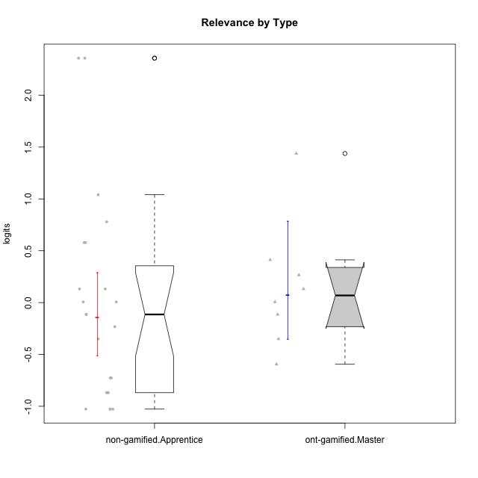

Wilcoxon data
UserID | NroUSP | Type | CLGroup | CLRole | PlayerRole | Score | theta | error | Outfit | Infit | Relevance
10169 | 10377538 | non-gamified | Grupo Team 10 | Apprentice |  | 9 | -0.86869778022 | 0.40027669815 | 0.92219673069 | 0.87488589969 | -0.86869778022
10170 | 10260351 | non-gamified | Grupo Team 6 | Apprentice |  | 16 | 0.0060927837546 | 0.36465306698 | 0.80763174823 | 0.78884567213 | 0.0060927837546
10171 | 698531 | ont-gamified | Grupo Losvakai | Master | Yee Achiever | 23 | 1.4380389397 | 0.7257520752 | 0.41984813094 | 0.43332319695 | 1.4380389397
10172 | 10273971 | ont-gamified | Grupo Koil | Master | Yee Achiever | 18 | 0.26531241963 | 0.38873692158 | 0.30884971221 | 0.29530742721 | 0.26531241963
10174 | 10276852 | non-gamified | Grupo Team 1 | Apprentice |  | 8 | -1.0275471836 | 0.42545722247 | 0.91580697214 | 0.9484517167 | -1.0275471836
10176 | 10276949 | non-gamified | Grupo Team 9 | Apprentice |  | 8 | -1.0275471836 | 0.42545722247 | 0.4055033895 | 0.3898080974 | -1.0275471836
10178 | 8656201 | non-gamified | Grupo Team 11 | Apprentice |  | 15 | -0.11445695422 | 0.35909213598 | 2.051640071 | 1.9451350084 | -0.11445695422
10181 | 10276866 | non-gamified | Grupo Team 7 | Apprentice |  | 13 | -0.35062750809 | 0.35808402784 | 0.28604120388 | 0.28689027987 | -0.35062750809
10183 | 10352030 | non-gamified | Grupo Belos | Apprentice | Yee Socializer | 10 | -0.72635160685 | 0.38262502821 | 0.40386822382 | 0.38335071449 | -0.72635160685
10185 | 10276960 | ont-gamified | Grupo Tosskor | Master | Yee Achiever | 15 | -0.11445695422 | 0.35909213598 | 0.18733687843 | 0.18374426582 | -0.11445695422
10186 | 10310551 | non-gamified | Grupo Team 5 | Apprentice |  | 16 | 0.0060927837546 | 0.36465306698 | 0.99707384978 | 0.98056825949 | 0.0060927837546
10188 | 10276995 | ont-gamified | Grupo Paldira | Master | Yee Achiever | 17 | 0.13158585268 | 0.37420100872 | 0.72213977671 | 0.6956459369 | 0.13158585268
10189 | 9363926 | non-gamified | Grupo Team 2 | Apprentice |  | 8 | -1.0275471836 | 0.42545722247 | 2.3926556284 | 2.3555467094 | -1.0275471836
10190 | 10276907 | non-gamified | Grupo Team 8 | Apprentice |  | 15 | -0.11445695422 | 0.35909213598 | 2.2326125996 | 2.2461442379 | -0.11445695422
10196 | 10310655 | non-gamified | Grupo Team 5 | Apprentice |  | 9 | -0.86869778022 | 0.40027669815 | 0.3428791274 | 0.32368839316 | -0.86869778022
10198 | 10310888 | non-gamified | Grupo Team 1 | Apprentice |  | 21 | 0.77920928512 | 0.48902369319 | 2.4881934509 | 2.0215846704 | 0.77920928512
10200 | 9795272 | non-gamified | Grupo Team 4 | Apprentice |  | 14 | -0.23262451137 | 0.35697669233 | 0.32547761531 | 0.3297397855 | -0.23262451137
10208 | 10276932 | ont-gamified | Grupo Yeka | Master | Yee Socializer | 11 | -0.59491588194 | 0.3704154549 | 0.46428451476 | 0.45500572766 | -0.59491588194
10211 | 9311643 | ont-gamified | Grupo Razorg | Master | Yee Achiever | 13 | -0.35062750809 | 0.35808402784 | 0.92939334538 | 0.93156290823 | -0.35062750809
10215 | 9285227 | non-gamified | Grupo Team 7 | Apprentice |  | 24 | 2.3577241399 | 1.2651793853 | 0.13320535897 | 0.1363764189 | 2.3577241399
10216 | 10276720 | ont-gamified | Grupo Ellaru | Master | Yee Socializer | 16 | 0.0060927837546 | 0.36465306698 | 0.81939548771 | 0.79025047008 | 0.0060927837546
10217 | 9805341 | ont-gamified | Grupo Belos | Master | Yee Socializer | 19 | 0.41195002581 | 0.4100293961 | 0.13117789963 | 0.14076909432 | 0.41195002581
10218 | 9842913 | non-gamified | Grupo Team 10 | Apprentice |  | 17 | 0.13158585268 | 0.37420100872 | 0.20165140851 | 0.19773966529 | 0.13158585268
10220 | 9760151 | non-gamified | Grupo Team 4 | Apprentice |  | 24 | 2.3577241399 | 1.2651793853 | 0.13320535897 | 0.1363764189 | 2.3577241399
10221 | 9082496 | non-gamified | Grupo Team 3 | Apprentice |  | 10 | -0.72635160685 | 0.38262502821 | 0.83363961716 | 0.88233590578 | -0.72635160685
10224 | 9368772 | non-gamified | Grupo Team 9 | Apprentice |  | 20 | 0.5788749914 | 0.44130928046 | 1.0651085162 | 1.0822188674 | 0.5788749914
10227 | 9274382 | non-gamified | Grupo Team 2 | Apprentice |  | 20 | 0.5788749914 | 0.44130928046 | 0.0383327243 | 0.038177648367 | 0.5788749914
10232 | 10276974 | non-gamified | Grupo Team 3 | Apprentice |  | 22 | 1.0404532106 | 0.56821819672 | 0.45185643574 | 0.4424378069 | 1.0404532106
10234 | 10310676 | non-gamified | Grupo Team 6 | Apprentice |  | 17 | 0.13158585268 | 0.37420100872 | 2.0049505429 | 2.0611968351 | 0.13158585268
10240 | 10276654 | non-gamified | Grupo Team 8 | Apprentice |  | 9 | -0.86869778022 | 0.40027669815 | 0.023991626595 | 0.024063389578 | -0.86869778022
10242 | 9424506 | non-gamified | Grupo Team 11 | Apprentice |  | 8 | -1.0275471836 | 0.42545722247 | 0.57842154391 | 0.54523020806 | -1.0275471836

Type_CLRole_4
Wilcoxon Analysis for Relevance by Type in Type:CLRole between non-gamified.Master:ont-gamified.Apprentice

Wilcoxon test results
Alternative hypothesis: less
Group | N | Median | Mean.Ranks | Sum.Ranks | U | Z | p.value | r | magnitude
non-gamified.Master | 11 | 0.0060927837546 | 14.181818182 | 156 | 90 | 0.099132502888 | 0.543405358 | 0.019078059076 | none
ont-gamified.Apprentice | 16 | 0.068839318216 | 13.875 | 222 | 90 | 0.099132502888 | 0.543405358 | 0.019078059076 | none
Alternative hypothesis: greater
Group | N | Median | Mean.Ranks | Sum.Ranks | U | Z | p.value | r | magnitude
non-gamified.Master | 11 | 0.0060927837546 | 14.181818182 | 156 | 90 | 0.099132502888 | 0.46607868832 | 0.019078059076 | none
ont-gamified.Apprentice | 16 | 0.068839318216 | 13.875 | 222 | 90 | 0.099132502888 | 0.46607868832 | 0.019078059076 | none
Alternative hypothesis: two.sided
Group | N | Median | Mean.Ranks | Sum.Ranks | U | Z | p.value | r | magnitude
non-gamified.Master | 11 | 0.0060927837546 | 14.181818182 | 156 | 90 | 0.099132502888 | 0.9324213763 | 0.019078059076 | none
ont-gamified.Apprentice | 16 | 0.068839318216 | 13.875 | 222 | 90 | 0.099132502888 | 0.9324213763 | 0.019078059076 | none

Box plots for wilcoxon tests
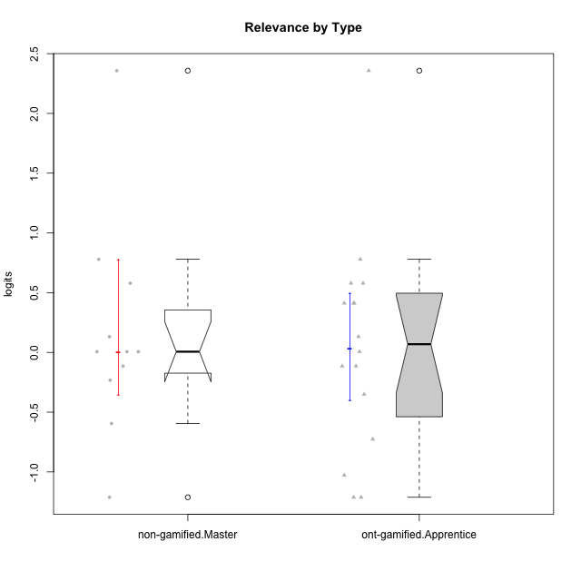

Wilcoxon data
UserID | NroUSP | Type | CLGroup | CLRole | PlayerRole | Score | theta | error | Outfit | Infit | Relevance
10175 | 10310700 | non-gamified | Grupo Team 6 | Master |  | 24 | 2.3577241399 | 1.2651793853 | 0.13320535897 | 0.1363764189 | 2.3577241399
10179 | 10310759 | ont-gamified | Grupo Tosskor | Apprentice | Yee Achiever | 17 | 0.13158585268 | 0.37420100872 | 0.18183408401 | 0.1746781303 | 0.13158585268
10184 | 10276675 | non-gamified | Grupo Team 7 | Master |  | 20 | 0.5788749914 | 0.44130928046 | 0.31389623063 | 0.27957283735 | 0.5788749914
10187 | 9790781 | ont-gamified | Grupo Razorg | Apprentice | Yee Achiever | 7 | -1.2121538082 | 0.46198492618 | 0.16162112349 | 0.14738273191 | -1.2121538082
10191 | 10276981 | ont-gamified | Grupo Yeka | Apprentice | Yee Socializer | 19 | 0.41195002581 | 0.4100293961 | 0.7837667458 | 0.83673231742 | 0.41195002581
10192 | 10276682 | ont-gamified | Grupo Yeka | Apprentice | Yee Socializer | 19 | 0.41195002581 | 0.4100293961 | 2.7877783985 | 2.9517741665 | 0.41195002581
10193 | 10276762 | non-gamified | Grupo Team 2 | Master |  | 14 | -0.23262451137 | 0.35697669233 | 1.3034283513 | 1.2950718245 | -0.23262451137
10197 | 10276661 | non-gamified | Grupo Team 11 | Master |  | 16 | 0.0060927837546 | 0.36465306698 | 1.057338239 | 1.0490497908 | 0.0060927837546
10201 | 10276928 | non-gamified | Grupo Team 10 | Master |  | 17 | 0.13158585268 | 0.37420100872 | 0.70100119943 | 0.64030014863 | 0.13158585268
10202 | 10277036 | ont-gamified | Grupo Paldira | Apprentice | Yee Achiever | 10 | -0.72635160685 | 0.38262502821 | 0.71107187899 | 0.77872578055 | -0.72635160685
10203 | 9921470 | ont-gamified | Grupo Paldira | Apprentice | Yee Achiever | 24 | 2.3577241399 | 1.2651793853 | 0.13320535897 | 0.1363764189 | 2.3577241399
10204 | 10310471 | non-gamified | Grupo Team 5 | Master |  | 21 | 0.77920928512 | 0.48902369319 | 0.60148717955 | 0.60403638806 | 0.77920928512
10206 | 10310721 | non-gamified | Grupo Team 9 | Master |  | 15 | -0.11445695422 | 0.35909213598 | 1.3084753503 | 1.2666498134 | -0.11445695422
10209 | 10262669 | non-gamified | Grupo Team 1 | Master |  | 11 | -0.59491588194 | 0.3704154549 | 1.6460558712 | 1.7000597411 | -0.59491588194
10210 | 10277015 | ont-gamified | Grupo Losvakai | Apprentice | Yee Achiever | 15 | -0.11445695422 | 0.35909213598 | 1.1356642472 | 1.1588696949 | -0.11445695422
10212 | 9065750 | ont-gamified | Grupo Ellaru | Apprentice | Yee Socializer | 16 | 0.0060927837546 | 0.36465306698 | 0.1309978012 | 0.1292885793 | 0.0060927837546
10213 | 10277040 | non-gamified | Grupo Team 8 | Master |  | 16 | 0.0060927837546 | 0.36465306698 | 0.12535454397 | 0.12354905948 | 0.0060927837546
10214 | 10277022 | ont-gamified | Grupo Koil | Apprentice | Yee Achiever | 19 | 0.41195002581 | 0.4100293961 | 0.13117789963 | 0.14076909432 | 0.41195002581
10219 | 10276831 | ont-gamified | Grupo Razorg | Apprentice | Yee Achiever | 7 | -1.2121538082 | 0.46198492618 | 1.3327982154 | 1.265285207 | -1.2121538082
10223 | 9795185 | non-gamified | Grupo Team 3 | Master |  | 7 | -1.2121538082 | 0.46198492618 | 0.38754129875 | 0.39135108406 | -1.2121538082
10226 | 10310342 | ont-gamified | Grupo Yeka | Apprentice | Yee Socializer | 21 | 0.77920928512 | 0.48902369319 | 1.0471974127 | 0.91926987808 | 0.77920928512
10228 | 10310492 | ont-gamified | Grupo Losvakai | Apprentice | Yee Achiever | 15 | -0.11445695422 | 0.35909213598 | 0.11463345969 | 0.1167724543 | -0.11445695422
10230 | 10351992 | ont-gamified | Grupo Koil | Apprentice | Yee Achiever | 20 | 0.5788749914 | 0.44130928046 | 0.62487830642 | 0.61576946583 | 0.5788749914
10231 | 10276911 | non-gamified | Grupo Team 4 | Master |  | 16 | 0.0060927837546 | 0.36465306698 | 0.99373230973 | 0.97623353761 | 0.0060927837546
10233 | 9805320 | ont-gamified | Grupo Tosskor | Apprentice | Yee Achiever | 8 | -1.0275471836 | 0.42545722247 | 0.23059497627 | 0.22921311779 | -1.0275471836
10237 | 10377688 | ont-gamified | Grupo Ellaru | Apprentice | Yee Socializer | 20 | 0.5788749914 | 0.44130928046 | 0.28129992676 | 0.24989069841 | 0.5788749914
10238 | 10276953 | ont-gamified | Grupo Belos | Apprentice | Yee Socializer | 13 | -0.35062750809 | 0.35808402784 | 0.17609319299 | 0.17694489163 | -0.35062750809

Type_CLRole_5
Wilcoxon Analysis for Relevance by Type in Type:CLRole between non-gamified.Master:ont-gamified.Master

Wilcoxon test results
Alternative hypothesis: less
Group | N | Median | Mean.Ranks | Sum.Ranks | U | Z | p.value | r | magnitude
non-gamified.Master | 11 | 0.0060927837546 | 9.8181818182 | 108 | 42 | -0.16609430909 | 0.44302876346 | 0.038104647812 | none
ont-gamified.Master | 8 | 0.068839318216 | 10.25 | 82 | 42 | -0.16609430909 | 0.44302876346 | 0.038104647812 | none
Alternative hypothesis: greater
Group | N | Median | Mean.Ranks | Sum.Ranks | U | Z | p.value | r | magnitude
non-gamified.Master | 11 | 0.0060927837546 | 9.8181818182 | 108 | 42 | -0.16609430909 | 0.57210711545 | 0.038104647812 | none
ont-gamified.Master | 8 | 0.068839318216 | 10.25 | 82 | 42 | -0.16609430909 | 0.57210711545 | 0.038104647812 | none
Alternative hypothesis: two.sided
Group | N | Median | Mean.Ranks | Sum.Ranks | U | Z | p.value | r | magnitude
non-gamified.Master | 11 | 0.0060927837546 | 9.8181818182 | 108 | 42 | -0.16609430909 | 0.88572676034 | 0.038104647812 | none
ont-gamified.Master | 8 | 0.068839318216 | 10.25 | 82 | 42 | -0.16609430909 | 0.88572676034 | 0.038104647812 | none

Box plots for wilcoxon tests
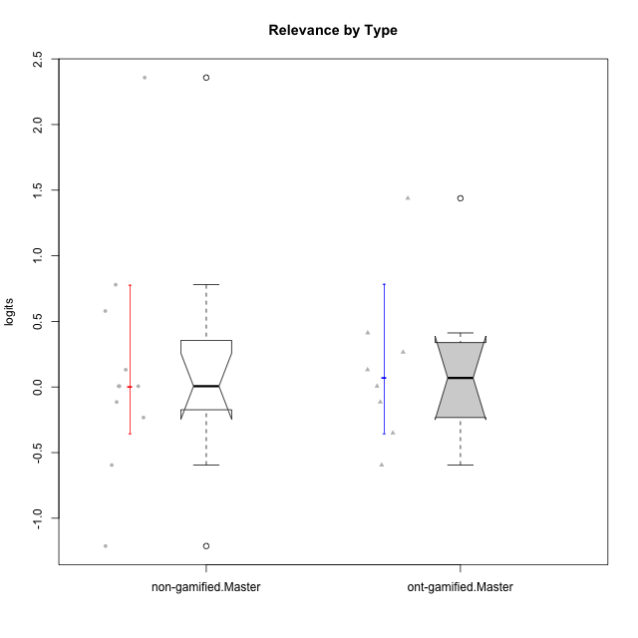

Wilcoxon data
UserID | NroUSP | Type | CLGroup | CLRole | PlayerRole | Score | theta | error | Outfit | Infit | Relevance
10171 | 698531 | ont-gamified | Grupo Losvakai | Master | Yee Achiever | 23 | 1.4380389397 | 0.7257520752 | 0.41984813094 | 0.43332319695 | 1.4380389397
10172 | 10273971 | ont-gamified | Grupo Koil | Master | Yee Achiever | 18 | 0.26531241963 | 0.38873692158 | 0.30884971221 | 0.29530742721 | 0.26531241963
10175 | 10310700 | non-gamified | Grupo Team 6 | Master |  | 24 | 2.3577241399 | 1.2651793853 | 0.13320535897 | 0.1363764189 | 2.3577241399
10184 | 10276675 | non-gamified | Grupo Team 7 | Master |  | 20 | 0.5788749914 | 0.44130928046 | 0.31389623063 | 0.27957283735 | 0.5788749914
10185 | 10276960 | ont-gamified | Grupo Tosskor | Master | Yee Achiever | 15 | -0.11445695422 | 0.35909213598 | 0.18733687843 | 0.18374426582 | -0.11445695422
10188 | 10276995 | ont-gamified | Grupo Paldira | Master | Yee Achiever | 17 | 0.13158585268 | 0.37420100872 | 0.72213977671 | 0.6956459369 | 0.13158585268
10193 | 10276762 | non-gamified | Grupo Team 2 | Master |  | 14 | -0.23262451137 | 0.35697669233 | 1.3034283513 | 1.2950718245 | -0.23262451137
10197 | 10276661 | non-gamified | Grupo Team 11 | Master |  | 16 | 0.0060927837546 | 0.36465306698 | 1.057338239 | 1.0490497908 | 0.0060927837546
10201 | 10276928 | non-gamified | Grupo Team 10 | Master |  | 17 | 0.13158585268 | 0.37420100872 | 0.70100119943 | 0.64030014863 | 0.13158585268
10204 | 10310471 | non-gamified | Grupo Team 5 | Master |  | 21 | 0.77920928512 | 0.48902369319 | 0.60148717955 | 0.60403638806 | 0.77920928512
10206 | 10310721 | non-gamified | Grupo Team 9 | Master |  | 15 | -0.11445695422 | 0.35909213598 | 1.3084753503 | 1.2666498134 | -0.11445695422
10208 | 10276932 | ont-gamified | Grupo Yeka | Master | Yee Socializer | 11 | -0.59491588194 | 0.3704154549 | 0.46428451476 | 0.45500572766 | -0.59491588194
10209 | 10262669 | non-gamified | Grupo Team 1 | Master |  | 11 | -0.59491588194 | 0.3704154549 | 1.6460558712 | 1.7000597411 | -0.59491588194
10211 | 9311643 | ont-gamified | Grupo Razorg | Master | Yee Achiever | 13 | -0.35062750809 | 0.35808402784 | 0.92939334538 | 0.93156290823 | -0.35062750809
10213 | 10277040 | non-gamified | Grupo Team 8 | Master |  | 16 | 0.0060927837546 | 0.36465306698 | 0.12535454397 | 0.12354905948 | 0.0060927837546
10216 | 10276720 | ont-gamified | Grupo Ellaru | Master | Yee Socializer | 16 | 0.0060927837546 | 0.36465306698 | 0.81939548771 | 0.79025047008 | 0.0060927837546
10217 | 9805341 | ont-gamified | Grupo Belos | Master | Yee Socializer | 19 | 0.41195002581 | 0.4100293961 | 0.13117789963 | 0.14076909432 | 0.41195002581
10223 | 9795185 | non-gamified | Grupo Team 3 | Master |  | 7 | -1.2121538082 | 0.46198492618 | 0.38754129875 | 0.39135108406 | -1.2121538082
10231 | 10276911 | non-gamified | Grupo Team 4 | Master |  | 16 | 0.0060927837546 | 0.36465306698 | 0.99373230973 | 0.97623353761 | 0.0060927837546

Type_CLRole_6
Wilcoxon Analysis for Relevance by Type in Type:CLRole between ont-gamified.Apprentice:ont-gamified.Master

Wilcoxon test results
Alternative hypothesis: less
Group | N | Median | Mean.Ranks | Sum.Ranks | U | Z | p.value | r | magnitude
ont-gamified.Apprentice | 16 | 0.068839318216 | 12.4375 | 199 | 63 | -0.061491757983 | 0.48196189925 | 0.012551952537 | none
ont-gamified.Master | 8 | 0.068839318216 | 12.625 | 101 | 63 | -0.061491757983 | 0.48196189925 | 0.012551952537 | none
Alternative hypothesis: greater
Group | N | Median | Mean.Ranks | Sum.Ranks | U | Z | p.value | r | magnitude
ont-gamified.Apprentice | 16 | 0.068839318216 | 12.4375 | 199 | 63 | -0.061491757983 | 0.52996243224 | 0.012551952537 | none
ont-gamified.Master | 8 | 0.068839318216 | 12.625 | 101 | 63 | -0.061491757983 | 0.52996243224 | 0.012551952537 | none
Alternative hypothesis: two.sided
Group | N | Median | Mean.Ranks | Sum.Ranks | U | Z | p.value | r | magnitude
ont-gamified.Apprentice | 16 | 0.068839318216 | 12.4375 | 199 | 63 | -0.061491757983 | 0.96378919087 | 0.012551952537 | none
ont-gamified.Master | 8 | 0.068839318216 | 12.625 | 101 | 63 | -0.061491757983 | 0.96378919087 | 0.012551952537 | none

Box plots for wilcoxon tests
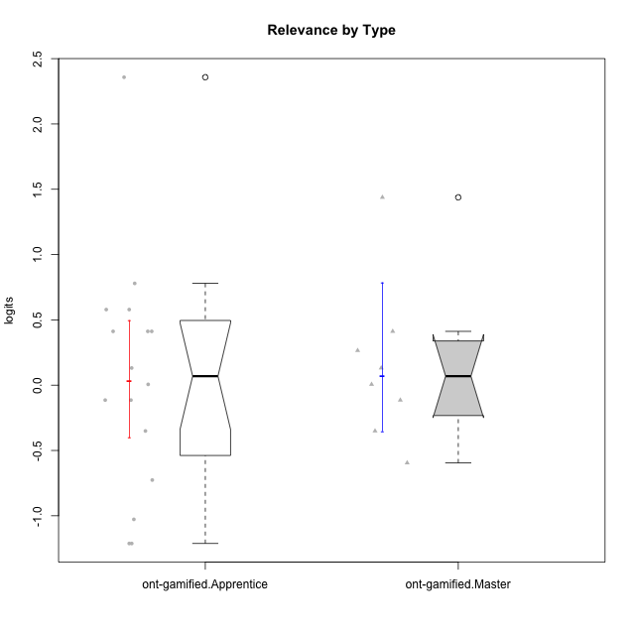

Wilcoxon data
UserID | NroUSP | Type | CLGroup | CLRole | PlayerRole | Score | theta | error | Outfit | Infit | Relevance
10171 | 698531 | ont-gamified | Grupo Losvakai | Master | Yee Achiever | 23 | 1.4380389397 | 0.7257520752 | 0.41984813094 | 0.43332319695 | 1.4380389397
10172 | 10273971 | ont-gamified | Grupo Koil | Master | Yee Achiever | 18 | 0.26531241963 | 0.38873692158 | 0.30884971221 | 0.29530742721 | 0.26531241963
10179 | 10310759 | ont-gamified | Grupo Tosskor | Apprentice | Yee Achiever | 17 | 0.13158585268 | 0.37420100872 | 0.18183408401 | 0.1746781303 | 0.13158585268
10185 | 10276960 | ont-gamified | Grupo Tosskor | Master | Yee Achiever | 15 | -0.11445695422 | 0.35909213598 | 0.18733687843 | 0.18374426582 | -0.11445695422
10187 | 9790781 | ont-gamified | Grupo Razorg | Apprentice | Yee Achiever | 7 | -1.2121538082 | 0.46198492618 | 0.16162112349 | 0.14738273191 | -1.2121538082
10188 | 10276995 | ont-gamified | Grupo Paldira | Master | Yee Achiever | 17 | 0.13158585268 | 0.37420100872 | 0.72213977671 | 0.6956459369 | 0.13158585268
10191 | 10276981 | ont-gamified | Grupo Yeka | Apprentice | Yee Socializer | 19 | 0.41195002581 | 0.4100293961 | 0.7837667458 | 0.83673231742 | 0.41195002581
10192 | 10276682 | ont-gamified | Grupo Yeka | Apprentice | Yee Socializer | 19 | 0.41195002581 | 0.4100293961 | 2.7877783985 | 2.9517741665 | 0.41195002581
10202 | 10277036 | ont-gamified | Grupo Paldira | Apprentice | Yee Achiever | 10 | -0.72635160685 | 0.38262502821 | 0.71107187899 | 0.77872578055 | -0.72635160685
10203 | 9921470 | ont-gamified | Grupo Paldira | Apprentice | Yee Achiever | 24 | 2.3577241399 | 1.2651793853 | 0.13320535897 | 0.1363764189 | 2.3577241399
10208 | 10276932 | ont-gamified | Grupo Yeka | Master | Yee Socializer | 11 | -0.59491588194 | 0.3704154549 | 0.46428451476 | 0.45500572766 | -0.59491588194
10210 | 10277015 | ont-gamified | Grupo Losvakai | Apprentice | Yee Achiever | 15 | -0.11445695422 | 0.35909213598 | 1.1356642472 | 1.1588696949 | -0.11445695422
10211 | 9311643 | ont-gamified | Grupo Razorg | Master | Yee Achiever | 13 | -0.35062750809 | 0.35808402784 | 0.92939334538 | 0.93156290823 | -0.35062750809
10212 | 9065750 | ont-gamified | Grupo Ellaru | Apprentice | Yee Socializer | 16 | 0.0060927837546 | 0.36465306698 | 0.1309978012 | 0.1292885793 | 0.0060927837546
10214 | 10277022 | ont-gamified | Grupo Koil | Apprentice | Yee Achiever | 19 | 0.41195002581 | 0.4100293961 | 0.13117789963 | 0.14076909432 | 0.41195002581
10216 | 10276720 | ont-gamified | Grupo Ellaru | Master | Yee Socializer | 16 | 0.0060927837546 | 0.36465306698 | 0.81939548771 | 0.79025047008 | 0.0060927837546
10217 | 9805341 | ont-gamified | Grupo Belos | Master | Yee Socializer | 19 | 0.41195002581 | 0.4100293961 | 0.13117789963 | 0.14076909432 | 0.41195002581
10219 | 10276831 | ont-gamified | Grupo Razorg | Apprentice | Yee Achiever | 7 | -1.2121538082 | 0.46198492618 | 1.3327982154 | 1.265285207 | -1.2121538082
10226 | 10310342 | ont-gamified | Grupo Yeka | Apprentice | Yee Socializer | 21 | 0.77920928512 | 0.48902369319 | 1.0471974127 | 0.91926987808 | 0.77920928512
10228 | 10310492 | ont-gamified | Grupo Losvakai | Apprentice | Yee Achiever | 15 | -0.11445695422 | 0.35909213598 | 0.11463345969 | 0.1167724543 | -0.11445695422
10230 | 10351992 | ont-gamified | Grupo Koil | Apprentice | Yee Achiever | 20 | 0.5788749914 | 0.44130928046 | 0.62487830642 | 0.61576946583 | 0.5788749914
10233 | 9805320 | ont-gamified | Grupo Tosskor | Apprentice | Yee Achiever | 8 | -1.0275471836 | 0.42545722247 | 0.23059497627 | 0.22921311779 | -1.0275471836
10237 | 10377688 | ont-gamified | Grupo Ellaru | Apprentice | Yee Socializer | 20 | 0.5788749914 | 0.44130928046 | 0.28129992676 | 0.24989069841 | 0.5788749914
10238 | 10276953 | ont-gamified | Grupo Belos | Apprentice | Yee Socializer | 13 | -0.35062750809 | 0.35808402784 | 0.17609319299 | 0.17694489163 | -0.35062750809

