Assumptions
ANOVA assumptions for Relevance by Type

Shapiro-Wilk normality test for Relevance by Type
W | p.value
0.96064329177 | 0.057320583853

Plots for normality test
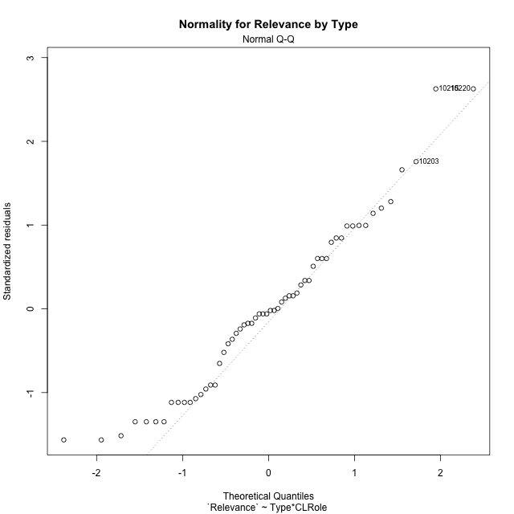

Levene's Test for Homogeneity of Variance in Relevance by Type
Df | F value | Pr(>F)
3 | 2.1221212253 | 0.10811339297
54

Plots for homogeneity of variance
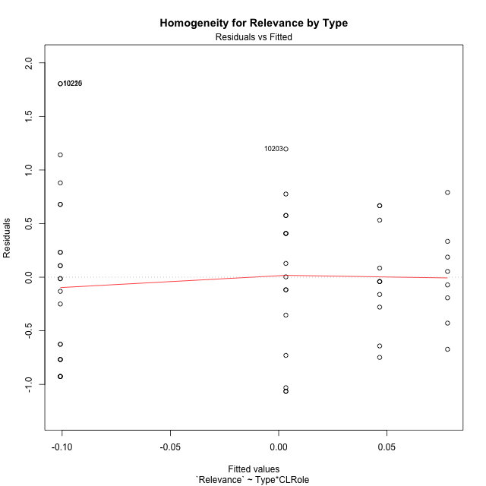

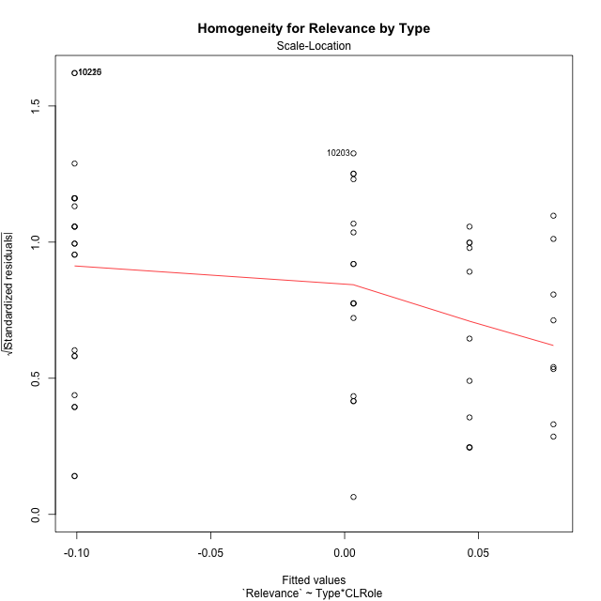

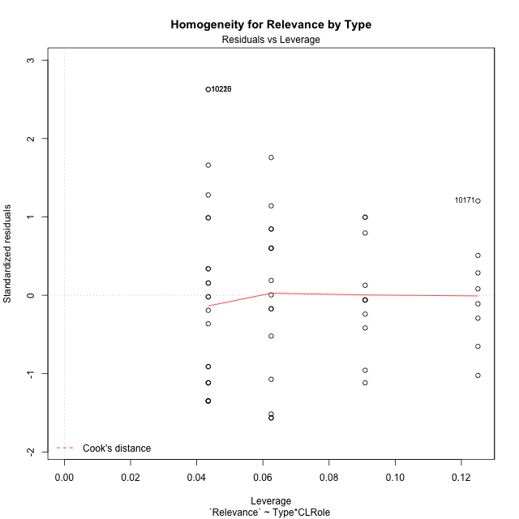

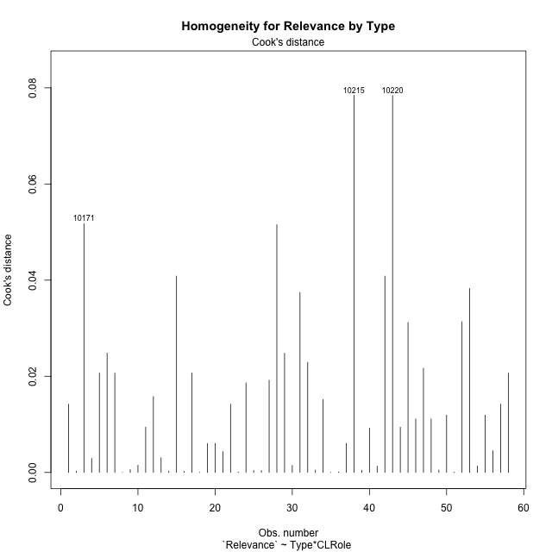

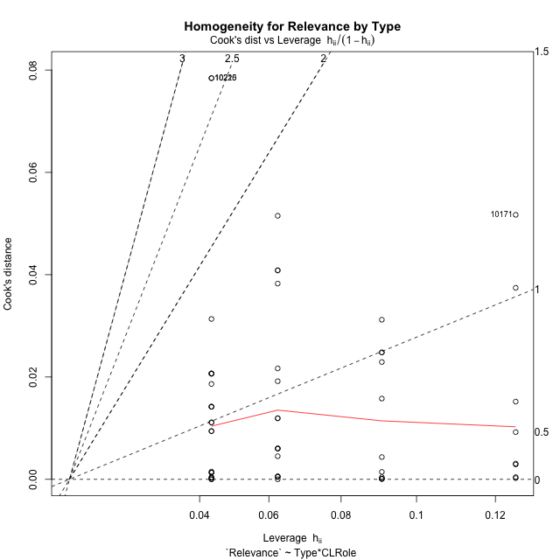

Minimum Sample Size Test for Relevance by Type
Type | CLRole | Freq
non-gamified | Apprentice | 23
ont-gamified | Apprentice | 16
non-gamified | Master | 11
ont-gamified | Master | 8

Errors and Warnings in Sample Size Test for ANOVA in Relevance by Type
code | description
WARN: sample.size | current size is 11 and recommended size is 15 for the group: 'non-gamified:Master'.
WARN: sample.size | current size is 8 and recommended size is 15 for the group: 'ont-gamified:Master'.

For the group: 'non-gamified:Apprentice', you can perform a parametric test without having a normal distribution For the group: 'ont-gamified:Apprentice', you can perform a parametric test without having a normal distribution For the group: 'non-gamified:Master', we recommend the use of non-parametric test. For the group: 'ont-gamified:Master', we recommend the use of non-parametric test.

If you don't want to remove non-normal data, you must cite the following references: ... (1) Lix, L.M., J.C. Keselman, and H.J. Keselman. 1996. Consequences of assumption violations revisited: A quantitative review of alternatives to the one-way analysis of variance F test. Rev. Educ. Res. 66: 579-619. ... (2) Harwell, M.R., E.N. Rubinstein, W.S. Hayes, and C.C. Olds. 1992. Summarizing Monte Carlo results in methodological research: the one- and two-factor fixed effects ANOVA cases. J. Educ. Stat. 17: 315-339.

Post-hoc
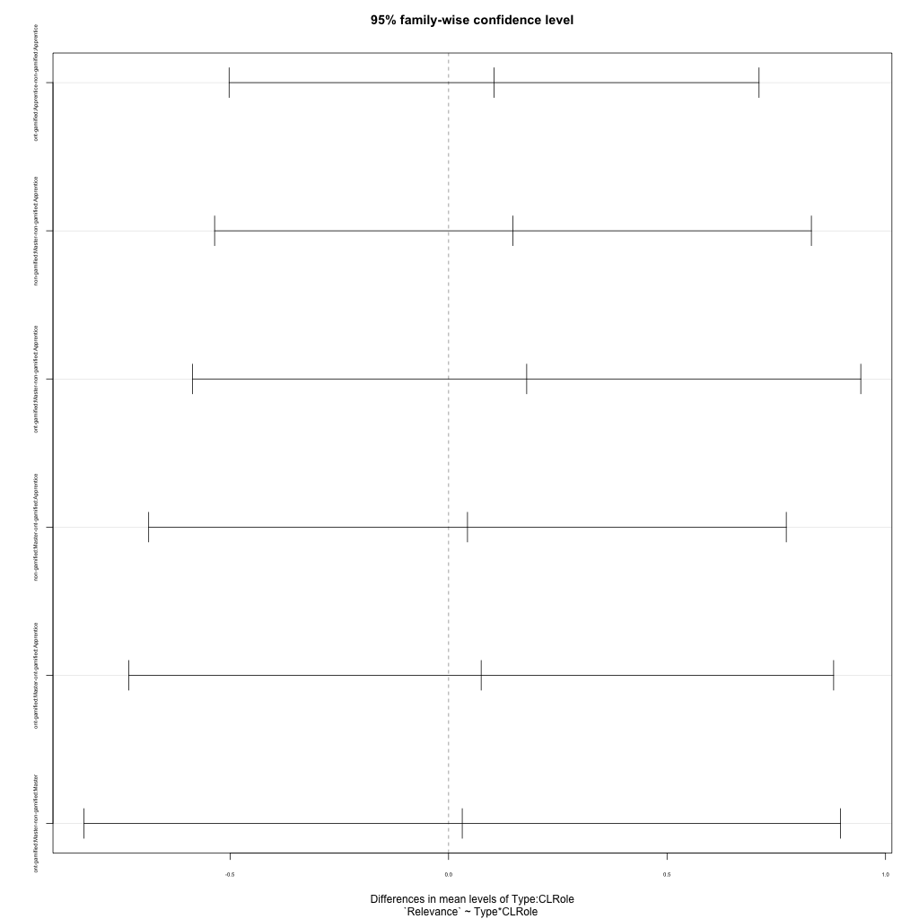
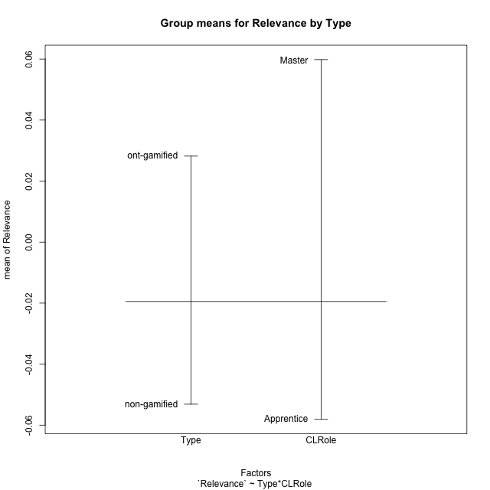
Post-hoc Tukey Honestly Significant Difference (HSD) Test for Relevance by Type

Comparisons of means for Type
 | diff | lwr | upr | p adj
ont-gamified-non-gamified | 0.081329761666 | -0.29425340026 | 0.45691292359 | 0.66591521761

Comparisons of means for CLRole
 | diff | lwr | upr | p adj
Master-Apprentice | 0.11705748963 | -0.27707486618 | 0.51118984545 | 0.55403011579

Comparisons of means for Type:CLRole
 | diff | lwr | upr | p adj
ont-gamified:Apprentice-non-gamified:Apprentice | 0.10415261707 | -0.50222990983 | 0.71053514397 | 0.96830885684
non-gamified:Master-non-gamified:Apprentice | 0.14746616541 | -0.53537152106 | 0.83030385187 | 0.93986205907
ont-gamified:Master-non-gamified:Apprentice | 0.1788129761 | -0.58574464149 | 0.94337059369 | 0.9252514754
non-gamified:Master-ont-gamified:Apprentice | 0.043313548333 | -0.68625118525 | 0.77287828191 | 0.99859440946
ont-gamified:Master-ont-gamified:Apprentice | 0.074660359027 | -0.73190380149 | 0.88122451955 | 0.99474629308
ont-gamified:Master-non-gamified:Master | 0.031346810694 | -0.8341664949 | 0.89686011629 | 0.99967892495

Contrast Matrices for Relevance by Type - Type
contrast | estimate | SE | df | t.ratio | p.value
non-gamified - ont-gamified | -0.067749713884 | 0.19932920167 | 54 | -0.33988855279 | 0.73525899406

Contrast Matrices for Relevance by Type - Type:CLRole
contrast | CLRole | estimate | SE | df | t.ratio | p.value
non-gamified - ont-gamified | Apprentice | -0.10415261707 | 0.22874802932 | 54 | -0.45531590975 | 0.65070749038
non-gamified - ont-gamified | Master | -0.031346810694 | 0.32650093665 | 54 | -0.096008333134 | 0.92386937489

Least Squares Means and Confidence Intervals for Type
Type | lsmean | SE | df | lower.CL | upper.CL | Pairs
non-gamified | -0.027109017013 | 0.12879475265 | 54 | -0.28532694902 | 0.23110891499 | non-gamified
ont-gamified | 0.04064069687 | 0.15213166116 | 54 | -0.26436491967 | 0.34564631341 | ont-gamified

Least Squares Means and Confidence Intervals for Type:CLRole
Type | CLRole | lsmean | SE | df | lower.CL | upper.CL | Pairs
non-gamified | Apprentice | -0.10084209972 | 0.14651599848 | 54 | -0.39458899047 | 0.19290479103 | non-gamified.Apprentice
ont-gamified | Apprentice | 0.0033105173566 | 0.17566651105 | 54 | -0.34887963228 | 0.35550066699 | ont-gamified.Apprentice
non-gamified | Master | 0.04662406569 | 0.21186178378 | 54 | -0.37813323656 | 0.47138136794 | non-gamified.Master
ont-gamified | Master | 0.077970876384 | 0.24842996238 | 54 | -0.42010120976 | 0.57604296253 | ont-gamified.Master

Plots

Type_1
Student's t-Test for Relevance by Type in Type between non-gamified:ont-gamified

Student's t-Test results
Alternative hypothesis: less
Group | N | Mean | Mean.Difference | Std.deviation | Std.error | CI.lower | CI.upper | df | t.value | p.value | g | magnitude
non-gamified | 34 | -0.053132457967 | -0.081329761666 | 0.74142750329 | 0.1271537678 | -0.30743999357 | 0.20117507763 | 54.439998574 | -0.45498632061 | 0.32546419416 | -0.11586733422 | negligible
ont-gamified | 24 | 0.028197303699 | 0.081329761666 | 0.61548485624 | 0.12563532018 | -0.22307333667 | 0.27946794407 | 54.439998574 | -0.45498632061 | 0.32546419416 | -0.11586733422 | negligible
Alternative hypothesis: greater
Group | N | Mean | Mean.Difference | Std.deviation | Std.error | CI.lower | CI.upper | df | t.value | p.value | g | magnitude
non-gamified | 34 | -0.053132457967 | -0.081329761666 | 0.74142750329 | 0.1271537678 | -0.30743999357 | 0.20117507763 | 54.439998574 | -0.45498632061 | 0.67453580584 | -0.11586733422 | negligible
ont-gamified | 24 | 0.028197303699 | 0.081329761666 | 0.61548485624 | 0.12563532018 | -0.22307333667 | 0.27946794407 | 54.439998574 | -0.45498632061 | 0.67453580584 | -0.11586733422 | negligible
Alternative hypothesis: two.sided
Group | N | Mean | Mean.Difference | Std.deviation | Std.error | CI.lower | CI.upper | df | t.value | p.value | g | magnitude
non-gamified | 34 | -0.053132457967 | -0.081329761666 | 0.74142750329 | 0.1271537678 | -0.30743999357 | 0.20117507763 | 54.439998574 | -0.45498632061 | 0.65092838832 | -0.11586733422 | negligible
ont-gamified | 24 | 0.028197303699 | 0.081329761666 | 0.61548485624 | 0.12563532018 | -0.22307333667 | 0.27946794407 | 54.439998574 | -0.45498632061 | 0.65092838832 | -0.11586733422 | negligible

Box plots for Student's t-Test
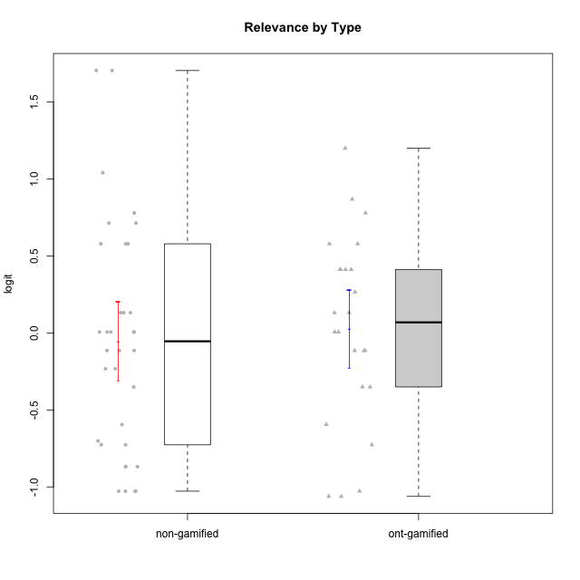

Student's t-Test data
UserID | NroUSP | Type | CLGroup | CLRole | PlayerRole | Attention | Relevance | Satisfaction | Level of Motivation
10169 | 10377538 | non-gamified | Grupo Team 10 | Apprentice |  | -1.9573725895 | -0.86869778022 | -1.9816683092 | -1.4076111349
10170 | 10260351 | non-gamified | Grupo Team 6 | Apprentice |  | 0.56791534458 | 0.0060927837546 | -0.34834388206 | 0.22581106577
10171 | 698531 | ont-gamified | Grupo Losvakai | Master | Yee Achiever | 0.75834141366 | 0.86882627345 | 0.97757031778 | 0.80207969337
10172 | 10273971 | ont-gamified | Grupo Koil | Master | Yee Achiever | 0.75834141366 | 0.26531241963 | -0.64536976432 | 0.28775137943
10174 | 10276852 | non-gamified | Grupo Team 1 | Apprentice |  | -0.95190662712 | -1.0275471836 | -0.34834388206 | -0.62796477644
10175 | 10310700 | non-gamified | Grupo Team 6 | Master |  | 1.7635905586 | 0.71393730727 | 0.97757031778 | 1.318822225
10176 | 10276949 | non-gamified | Grupo Team 9 | Apprentice |  | -1.0701126677 | -1.0275471836 | -0.91044067076 | -0.83778010581
10178 | 8656201 | non-gamified | Grupo Team 11 | Apprentice |  | 0.75834141366 | -0.11445695422 | -0.01400110805 | 0.41300158693
10179 | 10310759 | ont-gamified | Grupo Tosskor | Apprentice | Yee Achiever | -0.040980812349 | 0.13158585268 | -0.01400110805 | 0.10344207128
10181 | 10276866 | non-gamified | Grupo Team 7 | Apprentice |  | -0.040980812349 | -0.35062750809 | -0.64536976432 | -0.24827805412
10183 | 10352030 | non-gamified | Grupo Belos | Apprentice | Yee Socializer | -0.95190662712 | -0.72635160685 | -0.34834388206 | -0.62796477644
10184 | 10276675 | non-gamified | Grupo Team 7 | Master |  | 1.4363694744 | 0.5788749914 | 0.97757031778 | 0.86997165345
10185 | 10276960 | ont-gamified | Grupo Tosskor | Master | Yee Achiever | -0.040980812349 | -0.11445695422 | -0.34834388206 | -0.13391230957
10186 | 10310551 | non-gamified | Grupo Team 5 | Apprentice |  | -0.82878035661 | 0.0060927837546 | 1.2916965628 | 0.043106696827
10187 | 9790781 | ont-gamified | Grupo Razorg | Apprentice | Yee Achiever | 0.36736393919 | -1.0617581335 | 0.33281250667 | -0.19146962765
10188 | 10276995 | ont-gamified | Grupo Paldira | Master | Yee Achiever | -0.040980812349 | 0.13158585268 | 0.33281250667 | 0.043106696827
10189 | 9363926 | non-gamified | Grupo Team 2 | Apprentice |  | -2.4111310769 | -1.0275471836 | -2.9542086999 | -1.6698143652
10190 | 10276907 | non-gamified | Grupo Team 8 | Apprentice |  | -1.6652611659 | -0.11445695422 | 1.6282329698 | -0.52206996204
10191 | 10276981 | ont-gamified | Grupo Yeka | Apprentice | Yee Socializer | 1.780532862 | 0.41195002581 | 1.3428958321 | 1.2368829222
10192 | 10276682 | ont-gamified | Grupo Yeka | Apprentice | Yee Socializer | 1.780532862 | 0.41195002581 | 1.3428958321 | 1.4041786884
10193 | 10276762 | non-gamified | Grupo Team 2 | Master |  | -0.55700708254 | -0.23262451137 | -1.4075878467 | -0.62796477644
10196 | 10310655 | non-gamified | Grupo Team 5 | Apprentice |  | -0.55700708254 | -0.86869778022 | -0.01400110805 | -0.46850406728
10197 | 10276661 | non-gamified | Grupo Team 11 | Master |  | 0.16133576622 | 0.0060927837546 | -0.01400110805 | 0.16436034601
10198 | 10310888 | non-gamified | Grupo Team 1 | Apprentice |  | 2.3291694522 | 0.77920928512 | 1.6282329698 | 1.4997134295
10200 | 9795272 | non-gamified | Grupo Team 4 | Apprentice |  | 0.36736393919 | -0.23262451137 | 0.97757031778 | 0.22581106577
10201 | 10276928 | non-gamified | Grupo Team 10 | Master |  | 0.56791534458 | 0.13158585268 | 1.6282329698 | 0.66951773914
10202 | 10277036 | ont-gamified | Grupo Paldira | Apprentice | Yee Achiever | -0.23023200857 | -0.72635160685 | -0.34834388206 | -0.24827805412
10203 | 9921470 | ont-gamified | Grupo Paldira | Apprentice | Yee Achiever | 1.780532862 | 1.19943677 | 1.3428958321 | 1.4041786884
10204 | 10310471 | non-gamified | Grupo Team 5 | Master |  | 2.3291694522 | 0.71393730727 | 2.0241758621 | 1.6373083794
10206 | 10310721 | non-gamified | Grupo Team 9 | Master |  | -0.40202239655 | -0.11445695422 | 0.33281250667 | 0.043106696827
10208 | 10276932 | ont-gamified | Grupo Yeka | Master | Yee Socializer | -0.40202239655 | -0.59491588194 | -0.64536976432 | -0.46850406728
10209 | 10262669 | non-gamified | Grupo Team 1 | Master |  | -2.3569124236 | -0.59491588194 | -1.4075878467 | -1.5453160244
10210 | 10277015 | ont-gamified | Grupo Losvakai | Apprentice | Yee Achiever | -0.95190662712 | -0.11445695422 | -0.64536976432 | -0.52206996204
10211 | 9311643 | ont-gamified | Grupo Razorg | Master | Yee Achiever | -1.6601779081 | -0.35062750809 | -1.7052408222 | -1.1666271317
10212 | 9065750 | ont-gamified | Grupo Ellaru | Apprentice | Yee Socializer | -0.82878035661 | 0.0060927837546 | -1.1592674958 | -0.52206996204
10213 | 10277040 | non-gamified | Grupo Team 8 | Master |  | 0.36736393919 | 0.0060927837546 | 1.2916965628 | 0.35015187326
10214 | 10277022 | ont-gamified | Grupo Koil | Apprentice | Yee Achiever | 0.36736393919 | 0.41195002581 | -0.64536976432 | 0.16436034601
10215 | 9285227 | non-gamified | Grupo Team 7 | Apprentice |  | 0.36736393919 | 1.7045065859 | -0.01400110805 | 0.54012010769
10216 | 10276720 | ont-gamified | Grupo Ellaru | Master | Yee Socializer | -0.40202239655 | 0.0060927837546 | 0.33281250667 | -0.13391230957
10217 | 9805341 | ont-gamified | Grupo Belos | Master | Yee Socializer | 0.75834141366 | 0.41195002581 | 0.66323765493 | 0.54012010769
10218 | 9842913 | non-gamified | Grupo Team 10 | Apprentice |  | -0.95190662712 | 0.13158585268 | 0.66323765493 | -0.13391230957
10219 | 10276831 | ont-gamified | Grupo Razorg | Apprentice | Yee Achiever | -1.3006930783 | -1.0617581335 | -0.91044067076 | -1.0519310161
10220 | 9760151 | non-gamified | Grupo Team 4 | Apprentice |  | -2.3569124236 | 1.7045065859 | 1.6282329698 | -0.24827805412
10221 | 9082496 | non-gamified | Grupo Team 3 | Apprentice |  | -0.69814884637 | -0.72635160685 | -1.4075878467 | -0.83778010581
10223 | 9795185 | non-gamified | Grupo Team 3 | Master |  | -1.8032427627 | -0.70175173976 | -1.6729496884 | -1.474714379
10224 | 9368772 | non-gamified | Grupo Team 9 | Apprentice |  | 1.2744728051 | 0.5788749914 | 1.2916965628 | 0.86997165345
10226 | 10310342 | ont-gamified | Grupo Yeka | Apprentice | Yee Socializer | 0.93823748285 | 0.77920928512 | 1.2916965628 | 0.93924298788
10227 | 9274382 | non-gamified | Grupo Team 2 | Apprentice |  | 1.7635905586 | 0.5788749914 | 1.2916965628 | 1.1585341734
10228 | 10310492 | ont-gamified | Grupo Losvakai | Apprentice | Yee Achiever | -0.040980812349 | -0.11445695422 | -0.34834388206 | -0.07561268264
10230 | 10351992 | ont-gamified | Grupo Koil | Apprentice | Yee Achiever | 1.780532862 | 0.5788749914 | 0.97757031778 | 1.1585341734
10231 | 10276911 | non-gamified | Grupo Team 4 | Master |  | -1.4173134803 | 0.0060927837546 | 0.33281250667 | -0.57519175816
10232 | 10276974 | non-gamified | Grupo Team 3 | Apprentice |  | 1.1094035006 | 1.0404532106 | 1.2916965628 | 1.0101826974
10233 | 9805320 | ont-gamified | Grupo Tosskor | Apprentice | Yee Achiever | 0.16133576622 | -1.0275471836 | -1.7052408222 | -0.78527588073
10234 | 10310676 | non-gamified | Grupo Team 6 | Apprentice |  | 0.56791534458 | 0.13158585268 | -0.34834388206 | 0.10344207128
10237 | 10377688 | ont-gamified | Grupo Ellaru | Apprentice | Yee Socializer | -0.40202239655 | 0.5788749914 | -0.64536976432 | -0.07561268264
10238 | 10276953 | ont-gamified | Grupo Belos | Apprentice | Yee Socializer | 0.36736393919 | -0.35062750809 | 0.33281250667 | 0.10344207128
10240 | 10276654 | non-gamified | Grupo Team 8 | Apprentice |  | -1.8032427627 | -0.86869778022 | -2.3859873793 | -1.474714379
10242 | 9424506 | non-gamified | Grupo Team 11 | Apprentice |  | -2.4111310769 | -1.0275471836 | -2.9542086999 | -1.6698143652

Type_CLRole_1
Student's t-Test for Relevance by Type in Type:CLRole between non-gamified.Apprentice:non-gamified.Master

Student's t-Test results
Alternative hypothesis: less
Group | N | Mean | Mean.Difference | Std.deviation | Std.error | CI.lower | CI.upper | df | t.value | p.value | g | magnitude
non-gamified.Apprentice | 23 | -0.10084209972 | -0.14746616541 | 0.84523127897 | 0.17624290488 | -0.45332790947 | 0.25164371004 | 30.940198297 | -0.64904694393 | 0.26054857838 | -0.19209027064 | negligible
non-gamified.Master | 11 | 0.04662406569 | 0.14746616541 | 0.47556477432 | 0.14338817454 | -0.24015228339 | 0.33340041477 | 30.940198297 | -0.64904694393 | 0.26054857838 | -0.19209027064 | negligible
Alternative hypothesis: greater
Group | N | Mean | Mean.Difference | Std.deviation | Std.error | CI.lower | CI.upper | df | t.value | p.value | g | magnitude
non-gamified.Apprentice | 23 | -0.10084209972 | -0.14746616541 | 0.84523127897 | 0.17624290488 | -0.45332790947 | 0.25164371004 | 30.940198297 | -0.64904694393 | 0.73945142162 | -0.19209027064 | negligible
non-gamified.Master | 11 | 0.04662406569 | 0.14746616541 | 0.47556477432 | 0.14338817454 | -0.24015228339 | 0.33340041477 | 30.940198297 | -0.64904694393 | 0.73945142162 | -0.19209027064 | negligible
Alternative hypothesis: two.sided
Group | N | Mean | Mean.Difference | Std.deviation | Std.error | CI.lower | CI.upper | df | t.value | p.value | g | magnitude
non-gamified.Apprentice | 23 | -0.10084209972 | -0.14746616541 | 0.84523127897 | 0.17624290488 | -0.45332790947 | 0.25164371004 | 30.940198297 | -0.64904694393 | 0.52109715677 | -0.19209027064 | negligible
non-gamified.Master | 11 | 0.04662406569 | 0.14746616541 | 0.47556477432 | 0.14338817454 | -0.24015228339 | 0.33340041477 | 30.940198297 | -0.64904694393 | 0.52109715677 | -0.19209027064 | negligible

Box plots for Student's t-Test
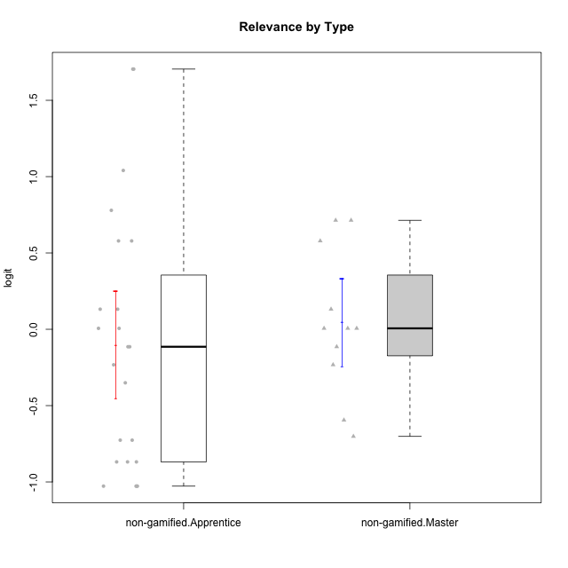

Student's t-Test data
UserID | NroUSP | Type | CLGroup | CLRole | PlayerRole | Attention | Relevance | Satisfaction | Level of Motivation
10169 | 10377538 | non-gamified | Grupo Team 10 | Apprentice |  | -1.9573725895 | -0.86869778022 | -1.9816683092 | -1.4076111349
10170 | 10260351 | non-gamified | Grupo Team 6 | Apprentice |  | 0.56791534458 | 0.0060927837546 | -0.34834388206 | 0.22581106577
10174 | 10276852 | non-gamified | Grupo Team 1 | Apprentice |  | -0.95190662712 | -1.0275471836 | -0.34834388206 | -0.62796477644
10175 | 10310700 | non-gamified | Grupo Team 6 | Master |  | 1.7635905586 | 0.71393730727 | 0.97757031778 | 1.318822225
10176 | 10276949 | non-gamified | Grupo Team 9 | Apprentice |  | -1.0701126677 | -1.0275471836 | -0.91044067076 | -0.83778010581
10178 | 8656201 | non-gamified | Grupo Team 11 | Apprentice |  | 0.75834141366 | -0.11445695422 | -0.01400110805 | 0.41300158693
10181 | 10276866 | non-gamified | Grupo Team 7 | Apprentice |  | -0.040980812349 | -0.35062750809 | -0.64536976432 | -0.24827805412
10183 | 10352030 | non-gamified | Grupo Belos | Apprentice | Yee Socializer | -0.95190662712 | -0.72635160685 | -0.34834388206 | -0.62796477644
10184 | 10276675 | non-gamified | Grupo Team 7 | Master |  | 1.4363694744 | 0.5788749914 | 0.97757031778 | 0.86997165345
10186 | 10310551 | non-gamified | Grupo Team 5 | Apprentice |  | -0.82878035661 | 0.0060927837546 | 1.2916965628 | 0.043106696827
10189 | 9363926 | non-gamified | Grupo Team 2 | Apprentice |  | -2.4111310769 | -1.0275471836 | -2.9542086999 | -1.6698143652
10190 | 10276907 | non-gamified | Grupo Team 8 | Apprentice |  | -1.6652611659 | -0.11445695422 | 1.6282329698 | -0.52206996204
10193 | 10276762 | non-gamified | Grupo Team 2 | Master |  | -0.55700708254 | -0.23262451137 | -1.4075878467 | -0.62796477644
10196 | 10310655 | non-gamified | Grupo Team 5 | Apprentice |  | -0.55700708254 | -0.86869778022 | -0.01400110805 | -0.46850406728
10197 | 10276661 | non-gamified | Grupo Team 11 | Master |  | 0.16133576622 | 0.0060927837546 | -0.01400110805 | 0.16436034601
10198 | 10310888 | non-gamified | Grupo Team 1 | Apprentice |  | 2.3291694522 | 0.77920928512 | 1.6282329698 | 1.4997134295
10200 | 9795272 | non-gamified | Grupo Team 4 | Apprentice |  | 0.36736393919 | -0.23262451137 | 0.97757031778 | 0.22581106577
10201 | 10276928 | non-gamified | Grupo Team 10 | Master |  | 0.56791534458 | 0.13158585268 | 1.6282329698 | 0.66951773914
10204 | 10310471 | non-gamified | Grupo Team 5 | Master |  | 2.3291694522 | 0.71393730727 | 2.0241758621 | 1.6373083794
10206 | 10310721 | non-gamified | Grupo Team 9 | Master |  | -0.40202239655 | -0.11445695422 | 0.33281250667 | 0.043106696827
10209 | 10262669 | non-gamified | Grupo Team 1 | Master |  | -2.3569124236 | -0.59491588194 | -1.4075878467 | -1.5453160244
10213 | 10277040 | non-gamified | Grupo Team 8 | Master |  | 0.36736393919 | 0.0060927837546 | 1.2916965628 | 0.35015187326
10215 | 9285227 | non-gamified | Grupo Team 7 | Apprentice |  | 0.36736393919 | 1.7045065859 | -0.01400110805 | 0.54012010769
10218 | 9842913 | non-gamified | Grupo Team 10 | Apprentice |  | -0.95190662712 | 0.13158585268 | 0.66323765493 | -0.13391230957
10220 | 9760151 | non-gamified | Grupo Team 4 | Apprentice |  | -2.3569124236 | 1.7045065859 | 1.6282329698 | -0.24827805412
10221 | 9082496 | non-gamified | Grupo Team 3 | Apprentice |  | -0.69814884637 | -0.72635160685 | -1.4075878467 | -0.83778010581
10223 | 9795185 | non-gamified | Grupo Team 3 | Master |  | -1.8032427627 | -0.70175173976 | -1.6729496884 | -1.474714379
10224 | 9368772 | non-gamified | Grupo Team 9 | Apprentice |  | 1.2744728051 | 0.5788749914 | 1.2916965628 | 0.86997165345
10227 | 9274382 | non-gamified | Grupo Team 2 | Apprentice |  | 1.7635905586 | 0.5788749914 | 1.2916965628 | 1.1585341734
10231 | 10276911 | non-gamified | Grupo Team 4 | Master |  | -1.4173134803 | 0.0060927837546 | 0.33281250667 | -0.57519175816
10232 | 10276974 | non-gamified | Grupo Team 3 | Apprentice |  | 1.1094035006 | 1.0404532106 | 1.2916965628 | 1.0101826974
10234 | 10310676 | non-gamified | Grupo Team 6 | Apprentice |  | 0.56791534458 | 0.13158585268 | -0.34834388206 | 0.10344207128
10240 | 10276654 | non-gamified | Grupo Team 8 | Apprentice |  | -1.8032427627 | -0.86869778022 | -2.3859873793 | -1.474714379
10242 | 9424506 | non-gamified | Grupo Team 11 | Apprentice |  | -2.4111310769 | -1.0275471836 | -2.9542086999 | -1.6698143652

Type_CLRole_2
Student's t-Test for Relevance by Type in Type:CLRole between non-gamified.Apprentice:ont-gamified.Apprentice

Student's t-Test results
Alternative hypothesis: less
Group | N | Mean | Mean.Difference | Std.deviation | Std.error | CI.lower | CI.upper | df | t.value | p.value | g | magnitude
non-gamified.Apprentice | 23 | -0.10084209972 | -0.10415261707 | 0.84523127897 | 0.17624290488 | -0.45332790947 | 0.25164371004 | 35.87545213 | -0.42106491003 | 0.33810983402 | -0.12955561356 | negligible
ont-gamified.Apprentice | 16 | 0.0033105173566 | 0.10415261707 | 0.69423983569 | 0.17355995892 | -0.34380940049 | 0.3504304352 | 35.87545213 | -0.42106491003 | 0.33810983402 | -0.12955561356 | negligible
Alternative hypothesis: greater
Group | N | Mean | Mean.Difference | Std.deviation | Std.error | CI.lower | CI.upper | df | t.value | p.value | g | magnitude
non-gamified.Apprentice | 23 | -0.10084209972 | -0.10415261707 | 0.84523127897 | 0.17624290488 | -0.45332790947 | 0.25164371004 | 35.87545213 | -0.42106491003 | 0.66189016598 | -0.12955561356 | negligible
ont-gamified.Apprentice | 16 | 0.0033105173566 | 0.10415261707 | 0.69423983569 | 0.17355995892 | -0.34380940049 | 0.3504304352 | 35.87545213 | -0.42106491003 | 0.66189016598 | -0.12955561356 | negligible
Alternative hypothesis: two.sided
Group | N | Mean | Mean.Difference | Std.deviation | Std.error | CI.lower | CI.upper | df | t.value | p.value | g | magnitude
non-gamified.Apprentice | 23 | -0.10084209972 | -0.10415261707 | 0.84523127897 | 0.17624290488 | -0.45332790947 | 0.25164371004 | 35.87545213 | -0.42106491003 | 0.67621966803 | -0.12955561356 | negligible
ont-gamified.Apprentice | 16 | 0.0033105173566 | 0.10415261707 | 0.69423983569 | 0.17355995892 | -0.34380940049 | 0.3504304352 | 35.87545213 | -0.42106491003 | 0.67621966803 | -0.12955561356 | negligible

Box plots for Student's t-Test
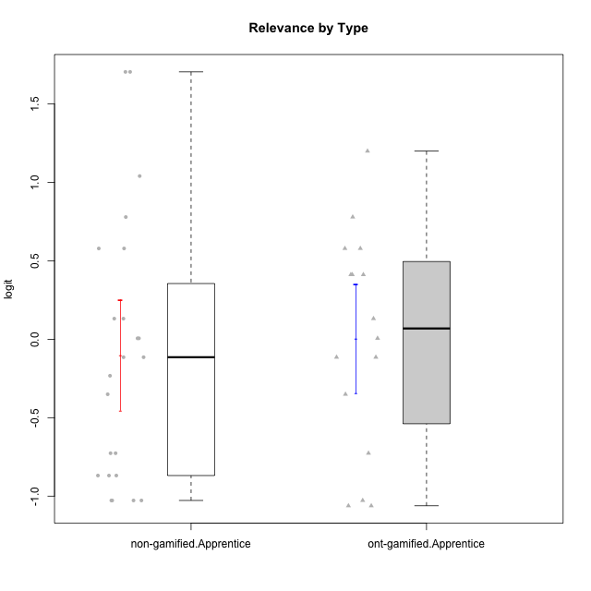

Student's t-Test data
UserID | NroUSP | Type | CLGroup | CLRole | PlayerRole | Attention | Relevance | Satisfaction | Level of Motivation
10169 | 10377538 | non-gamified | Grupo Team 10 | Apprentice |  | -1.9573725895 | -0.86869778022 | -1.9816683092 | -1.4076111349
10170 | 10260351 | non-gamified | Grupo Team 6 | Apprentice |  | 0.56791534458 | 0.0060927837546 | -0.34834388206 | 0.22581106577
10174 | 10276852 | non-gamified | Grupo Team 1 | Apprentice |  | -0.95190662712 | -1.0275471836 | -0.34834388206 | -0.62796477644
10176 | 10276949 | non-gamified | Grupo Team 9 | Apprentice |  | -1.0701126677 | -1.0275471836 | -0.91044067076 | -0.83778010581
10178 | 8656201 | non-gamified | Grupo Team 11 | Apprentice |  | 0.75834141366 | -0.11445695422 | -0.01400110805 | 0.41300158693
10179 | 10310759 | ont-gamified | Grupo Tosskor | Apprentice | Yee Achiever | -0.040980812349 | 0.13158585268 | -0.01400110805 | 0.10344207128
10181 | 10276866 | non-gamified | Grupo Team 7 | Apprentice |  | -0.040980812349 | -0.35062750809 | -0.64536976432 | -0.24827805412
10183 | 10352030 | non-gamified | Grupo Belos | Apprentice | Yee Socializer | -0.95190662712 | -0.72635160685 | -0.34834388206 | -0.62796477644
10186 | 10310551 | non-gamified | Grupo Team 5 | Apprentice |  | -0.82878035661 | 0.0060927837546 | 1.2916965628 | 0.043106696827
10187 | 9790781 | ont-gamified | Grupo Razorg | Apprentice | Yee Achiever | 0.36736393919 | -1.0617581335 | 0.33281250667 | -0.19146962765
10189 | 9363926 | non-gamified | Grupo Team 2 | Apprentice |  | -2.4111310769 | -1.0275471836 | -2.9542086999 | -1.6698143652
10190 | 10276907 | non-gamified | Grupo Team 8 | Apprentice |  | -1.6652611659 | -0.11445695422 | 1.6282329698 | -0.52206996204
10191 | 10276981 | ont-gamified | Grupo Yeka | Apprentice | Yee Socializer | 1.780532862 | 0.41195002581 | 1.3428958321 | 1.2368829222
10192 | 10276682 | ont-gamified | Grupo Yeka | Apprentice | Yee Socializer | 1.780532862 | 0.41195002581 | 1.3428958321 | 1.4041786884
10196 | 10310655 | non-gamified | Grupo Team 5 | Apprentice |  | -0.55700708254 | -0.86869778022 | -0.01400110805 | -0.46850406728
10198 | 10310888 | non-gamified | Grupo Team 1 | Apprentice |  | 2.3291694522 | 0.77920928512 | 1.6282329698 | 1.4997134295
10200 | 9795272 | non-gamified | Grupo Team 4 | Apprentice |  | 0.36736393919 | -0.23262451137 | 0.97757031778 | 0.22581106577
10202 | 10277036 | ont-gamified | Grupo Paldira | Apprentice | Yee Achiever | -0.23023200857 | -0.72635160685 | -0.34834388206 | -0.24827805412
10203 | 9921470 | ont-gamified | Grupo Paldira | Apprentice | Yee Achiever | 1.780532862 | 1.19943677 | 1.3428958321 | 1.4041786884
10210 | 10277015 | ont-gamified | Grupo Losvakai | Apprentice | Yee Achiever | -0.95190662712 | -0.11445695422 | -0.64536976432 | -0.52206996204
10212 | 9065750 | ont-gamified | Grupo Ellaru | Apprentice | Yee Socializer | -0.82878035661 | 0.0060927837546 | -1.1592674958 | -0.52206996204
10214 | 10277022 | ont-gamified | Grupo Koil | Apprentice | Yee Achiever | 0.36736393919 | 0.41195002581 | -0.64536976432 | 0.16436034601
10215 | 9285227 | non-gamified | Grupo Team 7 | Apprentice |  | 0.36736393919 | 1.7045065859 | -0.01400110805 | 0.54012010769
10218 | 9842913 | non-gamified | Grupo Team 10 | Apprentice |  | -0.95190662712 | 0.13158585268 | 0.66323765493 | -0.13391230957
10219 | 10276831 | ont-gamified | Grupo Razorg | Apprentice | Yee Achiever | -1.3006930783 | -1.0617581335 | -0.91044067076 | -1.0519310161
10220 | 9760151 | non-gamified | Grupo Team 4 | Apprentice |  | -2.3569124236 | 1.7045065859 | 1.6282329698 | -0.24827805412
10221 | 9082496 | non-gamified | Grupo Team 3 | Apprentice |  | -0.69814884637 | -0.72635160685 | -1.4075878467 | -0.83778010581
10224 | 9368772 | non-gamified | Grupo Team 9 | Apprentice |  | 1.2744728051 | 0.5788749914 | 1.2916965628 | 0.86997165345
10226 | 10310342 | ont-gamified | Grupo Yeka | Apprentice | Yee Socializer | 0.93823748285 | 0.77920928512 | 1.2916965628 | 0.93924298788
10227 | 9274382 | non-gamified | Grupo Team 2 | Apprentice |  | 1.7635905586 | 0.5788749914 | 1.2916965628 | 1.1585341734
10228 | 10310492 | ont-gamified | Grupo Losvakai | Apprentice | Yee Achiever | -0.040980812349 | -0.11445695422 | -0.34834388206 | -0.07561268264
10230 | 10351992 | ont-gamified | Grupo Koil | Apprentice | Yee Achiever | 1.780532862 | 0.5788749914 | 0.97757031778 | 1.1585341734
10232 | 10276974 | non-gamified | Grupo Team 3 | Apprentice |  | 1.1094035006 | 1.0404532106 | 1.2916965628 | 1.0101826974
10233 | 9805320 | ont-gamified | Grupo Tosskor | Apprentice | Yee Achiever | 0.16133576622 | -1.0275471836 | -1.7052408222 | -0.78527588073
10234 | 10310676 | non-gamified | Grupo Team 6 | Apprentice |  | 0.56791534458 | 0.13158585268 | -0.34834388206 | 0.10344207128
10237 | 10377688 | ont-gamified | Grupo Ellaru | Apprentice | Yee Socializer | -0.40202239655 | 0.5788749914 | -0.64536976432 | -0.07561268264
10238 | 10276953 | ont-gamified | Grupo Belos | Apprentice | Yee Socializer | 0.36736393919 | -0.35062750809 | 0.33281250667 | 0.10344207128
10240 | 10276654 | non-gamified | Grupo Team 8 | Apprentice |  | -1.8032427627 | -0.86869778022 | -2.3859873793 | -1.474714379
10242 | 9424506 | non-gamified | Grupo Team 11 | Apprentice |  | -2.4111310769 | -1.0275471836 | -2.9542086999 | -1.6698143652

Type_CLRole_3
Student's t-Test for Relevance by Type in Type:CLRole between non-gamified.Apprentice:ont-gamified.Master

Student's t-Test results
Alternative hypothesis: less
Group | N | Mean | Mean.Difference | Std.deviation | Std.error | CI.lower | CI.upper | df | t.value | p.value | g | magnitude
non-gamified.Apprentice | 23 | -0.10084209972 | -0.1788129761 | 0.84523127897 | 0.17624290488 | -0.45332790947 | 0.25164371004 | 23.204091619 | -0.74883831508 | 0.23073933618 | -0.22632011261 | small
ont-gamified.Master | 8 | 0.077970876384 | 0.1788129761 | 0.45569943819 | 0.16111408146 | -0.24425728654 | 0.40019903931 | 23.204091619 | -0.74883831508 | 0.23073933618 | -0.22632011261 | small
Alternative hypothesis: greater
Group | N | Mean | Mean.Difference | Std.deviation | Std.error | CI.lower | CI.upper | df | t.value | p.value | g | magnitude
non-gamified.Apprentice | 23 | -0.10084209972 | -0.1788129761 | 0.84523127897 | 0.17624290488 | -0.45332790947 | 0.25164371004 | 23.204091619 | -0.74883831508 | 0.76926066382 | -0.22632011261 | small
ont-gamified.Master | 8 | 0.077970876384 | 0.1788129761 | 0.45569943819 | 0.16111408146 | -0.24425728654 | 0.40019903931 | 23.204091619 | -0.74883831508 | 0.76926066382 | -0.22632011261 | small
Alternative hypothesis: two.sided
Group | N | Mean | Mean.Difference | Std.deviation | Std.error | CI.lower | CI.upper | df | t.value | p.value | g | magnitude
non-gamified.Apprentice | 23 | -0.10084209972 | -0.1788129761 | 0.84523127897 | 0.17624290488 | -0.45332790947 | 0.25164371004 | 23.204091619 | -0.74883831508 | 0.46147867235 | -0.22632011261 | small
ont-gamified.Master | 8 | 0.077970876384 | 0.1788129761 | 0.45569943819 | 0.16111408146 | -0.24425728654 | 0.40019903931 | 23.204091619 | -0.74883831508 | 0.46147867235 | -0.22632011261 | small

Box plots for Student's t-Test
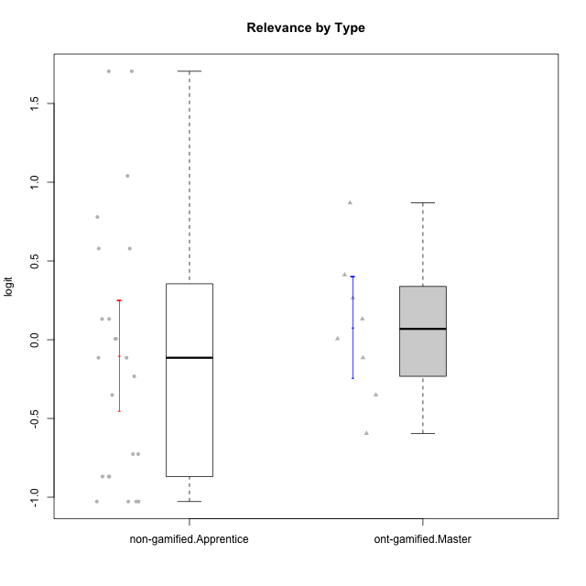

Student's t-Test data
UserID | NroUSP | Type | CLGroup | CLRole | PlayerRole | Attention | Relevance | Satisfaction | Level of Motivation
10169 | 10377538 | non-gamified | Grupo Team 10 | Apprentice |  | -1.9573725895 | -0.86869778022 | -1.9816683092 | -1.4076111349
10170 | 10260351 | non-gamified | Grupo Team 6 | Apprentice |  | 0.56791534458 | 0.0060927837546 | -0.34834388206 | 0.22581106577
10171 | 698531 | ont-gamified | Grupo Losvakai | Master | Yee Achiever | 0.75834141366 | 0.86882627345 | 0.97757031778 | 0.80207969337
10172 | 10273971 | ont-gamified | Grupo Koil | Master | Yee Achiever | 0.75834141366 | 0.26531241963 | -0.64536976432 | 0.28775137943
10174 | 10276852 | non-gamified | Grupo Team 1 | Apprentice |  | -0.95190662712 | -1.0275471836 | -0.34834388206 | -0.62796477644
10176 | 10276949 | non-gamified | Grupo Team 9 | Apprentice |  | -1.0701126677 | -1.0275471836 | -0.91044067076 | -0.83778010581
10178 | 8656201 | non-gamified | Grupo Team 11 | Apprentice |  | 0.75834141366 | -0.11445695422 | -0.01400110805 | 0.41300158693
10181 | 10276866 | non-gamified | Grupo Team 7 | Apprentice |  | -0.040980812349 | -0.35062750809 | -0.64536976432 | -0.24827805412
10183 | 10352030 | non-gamified | Grupo Belos | Apprentice | Yee Socializer | -0.95190662712 | -0.72635160685 | -0.34834388206 | -0.62796477644
10185 | 10276960 | ont-gamified | Grupo Tosskor | Master | Yee Achiever | -0.040980812349 | -0.11445695422 | -0.34834388206 | -0.13391230957
10186 | 10310551 | non-gamified | Grupo Team 5 | Apprentice |  | -0.82878035661 | 0.0060927837546 | 1.2916965628 | 0.043106696827
10188 | 10276995 | ont-gamified | Grupo Paldira | Master | Yee Achiever | -0.040980812349 | 0.13158585268 | 0.33281250667 | 0.043106696827
10189 | 9363926 | non-gamified | Grupo Team 2 | Apprentice |  | -2.4111310769 | -1.0275471836 | -2.9542086999 | -1.6698143652
10190 | 10276907 | non-gamified | Grupo Team 8 | Apprentice |  | -1.6652611659 | -0.11445695422 | 1.6282329698 | -0.52206996204
10196 | 10310655 | non-gamified | Grupo Team 5 | Apprentice |  | -0.55700708254 | -0.86869778022 | -0.01400110805 | -0.46850406728
10198 | 10310888 | non-gamified | Grupo Team 1 | Apprentice |  | 2.3291694522 | 0.77920928512 | 1.6282329698 | 1.4997134295
10200 | 9795272 | non-gamified | Grupo Team 4 | Apprentice |  | 0.36736393919 | -0.23262451137 | 0.97757031778 | 0.22581106577
10208 | 10276932 | ont-gamified | Grupo Yeka | Master | Yee Socializer | -0.40202239655 | -0.59491588194 | -0.64536976432 | -0.46850406728
10211 | 9311643 | ont-gamified | Grupo Razorg | Master | Yee Achiever | -1.6601779081 | -0.35062750809 | -1.7052408222 | -1.1666271317
10215 | 9285227 | non-gamified | Grupo Team 7 | Apprentice |  | 0.36736393919 | 1.7045065859 | -0.01400110805 | 0.54012010769
10216 | 10276720 | ont-gamified | Grupo Ellaru | Master | Yee Socializer | -0.40202239655 | 0.0060927837546 | 0.33281250667 | -0.13391230957
10217 | 9805341 | ont-gamified | Grupo Belos | Master | Yee Socializer | 0.75834141366 | 0.41195002581 | 0.66323765493 | 0.54012010769
10218 | 9842913 | non-gamified | Grupo Team 10 | Apprentice |  | -0.95190662712 | 0.13158585268 | 0.66323765493 | -0.13391230957
10220 | 9760151 | non-gamified | Grupo Team 4 | Apprentice |  | -2.3569124236 | 1.7045065859 | 1.6282329698 | -0.24827805412
10221 | 9082496 | non-gamified | Grupo Team 3 | Apprentice |  | -0.69814884637 | -0.72635160685 | -1.4075878467 | -0.83778010581
10224 | 9368772 | non-gamified | Grupo Team 9 | Apprentice |  | 1.2744728051 | 0.5788749914 | 1.2916965628 | 0.86997165345
10227 | 9274382 | non-gamified | Grupo Team 2 | Apprentice |  | 1.7635905586 | 0.5788749914 | 1.2916965628 | 1.1585341734
10232 | 10276974 | non-gamified | Grupo Team 3 | Apprentice |  | 1.1094035006 | 1.0404532106 | 1.2916965628 | 1.0101826974
10234 | 10310676 | non-gamified | Grupo Team 6 | Apprentice |  | 0.56791534458 | 0.13158585268 | -0.34834388206 | 0.10344207128
10240 | 10276654 | non-gamified | Grupo Team 8 | Apprentice |  | -1.8032427627 | -0.86869778022 | -2.3859873793 | -1.474714379
10242 | 9424506 | non-gamified | Grupo Team 11 | Apprentice |  | -2.4111310769 | -1.0275471836 | -2.9542086999 | -1.6698143652

Type_CLRole_4
Student's t-Test for Relevance by Type in Type:CLRole between non-gamified.Master:ont-gamified.Apprentice

Student's t-Test results
Alternative hypothesis: less
Group | N | Mean | Mean.Difference | Std.deviation | Std.error | CI.lower | CI.upper | df | t.value | p.value | g | magnitude
non-gamified.Master | 11 | 0.04662406569 | 0.043313548333 | 0.47556477432 | 0.14338817454 | -0.24015228339 | 0.33340041477 | 24.996663163 | 0.19239404702 | 0.57550596181 | 0.068166394543 | negligible
ont-gamified.Apprentice | 16 | 0.0033105173566 | -0.043313548333 | 0.69423983569 | 0.17355995892 | -0.34380940049 | 0.3504304352 | 24.996663163 | 0.19239404702 | 0.57550596181 | 0.068166394543 | negligible
Alternative hypothesis: greater
Group | N | Mean | Mean.Difference | Std.deviation | Std.error | CI.lower | CI.upper | df | t.value | p.value | g | magnitude
non-gamified.Master | 11 | 0.04662406569 | 0.043313548333 | 0.47556477432 | 0.14338817454 | -0.24015228339 | 0.33340041477 | 24.996663163 | 0.19239404702 | 0.42449403819 | 0.068166394543 | negligible
ont-gamified.Apprentice | 16 | 0.0033105173566 | -0.043313548333 | 0.69423983569 | 0.17355995892 | -0.34380940049 | 0.3504304352 | 24.996663163 | 0.19239404702 | 0.42449403819 | 0.068166394543 | negligible
Alternative hypothesis: two.sided
Group | N | Mean | Mean.Difference | Std.deviation | Std.error | CI.lower | CI.upper | df | t.value | p.value | g | magnitude
non-gamified.Master | 11 | 0.04662406569 | 0.043313548333 | 0.47556477432 | 0.14338817454 | -0.24015228339 | 0.33340041477 | 24.996663163 | 0.19239404702 | 0.84898807637 | 0.068166394543 | negligible
ont-gamified.Apprentice | 16 | 0.0033105173566 | -0.043313548333 | 0.69423983569 | 0.17355995892 | -0.34380940049 | 0.3504304352 | 24.996663163 | 0.19239404702 | 0.84898807637 | 0.068166394543 | negligible

Box plots for Student's t-Test
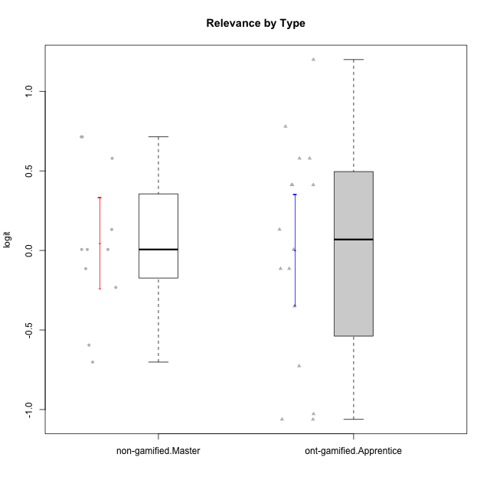

Student's t-Test data
UserID | NroUSP | Type | CLGroup | CLRole | PlayerRole | Attention | Relevance | Satisfaction | Level of Motivation
10175 | 10310700 | non-gamified | Grupo Team 6 | Master |  | 1.7635905586 | 0.71393730727 | 0.97757031778 | 1.318822225
10179 | 10310759 | ont-gamified | Grupo Tosskor | Apprentice | Yee Achiever | -0.040980812349 | 0.13158585268 | -0.01400110805 | 0.10344207128
10184 | 10276675 | non-gamified | Grupo Team 7 | Master |  | 1.4363694744 | 0.5788749914 | 0.97757031778 | 0.86997165345
10187 | 9790781 | ont-gamified | Grupo Razorg | Apprentice | Yee Achiever | 0.36736393919 | -1.0617581335 | 0.33281250667 | -0.19146962765
10191 | 10276981 | ont-gamified | Grupo Yeka | Apprentice | Yee Socializer | 1.780532862 | 0.41195002581 | 1.3428958321 | 1.2368829222
10192 | 10276682 | ont-gamified | Grupo Yeka | Apprentice | Yee Socializer | 1.780532862 | 0.41195002581 | 1.3428958321 | 1.4041786884
10193 | 10276762 | non-gamified | Grupo Team 2 | Master |  | -0.55700708254 | -0.23262451137 | -1.4075878467 | -0.62796477644
10197 | 10276661 | non-gamified | Grupo Team 11 | Master |  | 0.16133576622 | 0.0060927837546 | -0.01400110805 | 0.16436034601
10201 | 10276928 | non-gamified | Grupo Team 10 | Master |  | 0.56791534458 | 0.13158585268 | 1.6282329698 | 0.66951773914
10202 | 10277036 | ont-gamified | Grupo Paldira | Apprentice | Yee Achiever | -0.23023200857 | -0.72635160685 | -0.34834388206 | -0.24827805412
10203 | 9921470 | ont-gamified | Grupo Paldira | Apprentice | Yee Achiever | 1.780532862 | 1.19943677 | 1.3428958321 | 1.4041786884
10204 | 10310471 | non-gamified | Grupo Team 5 | Master |  | 2.3291694522 | 0.71393730727 | 2.0241758621 | 1.6373083794
10206 | 10310721 | non-gamified | Grupo Team 9 | Master |  | -0.40202239655 | -0.11445695422 | 0.33281250667 | 0.043106696827
10209 | 10262669 | non-gamified | Grupo Team 1 | Master |  | -2.3569124236 | -0.59491588194 | -1.4075878467 | -1.5453160244
10210 | 10277015 | ont-gamified | Grupo Losvakai | Apprentice | Yee Achiever | -0.95190662712 | -0.11445695422 | -0.64536976432 | -0.52206996204
10212 | 9065750 | ont-gamified | Grupo Ellaru | Apprentice | Yee Socializer | -0.82878035661 | 0.0060927837546 | -1.1592674958 | -0.52206996204
10213 | 10277040 | non-gamified | Grupo Team 8 | Master |  | 0.36736393919 | 0.0060927837546 | 1.2916965628 | 0.35015187326
10214 | 10277022 | ont-gamified | Grupo Koil | Apprentice | Yee Achiever | 0.36736393919 | 0.41195002581 | -0.64536976432 | 0.16436034601
10219 | 10276831 | ont-gamified | Grupo Razorg | Apprentice | Yee Achiever | -1.3006930783 | -1.0617581335 | -0.91044067076 | -1.0519310161
10223 | 9795185 | non-gamified | Grupo Team 3 | Master |  | -1.8032427627 | -0.70175173976 | -1.6729496884 | -1.474714379
10226 | 10310342 | ont-gamified | Grupo Yeka | Apprentice | Yee Socializer | 0.93823748285 | 0.77920928512 | 1.2916965628 | 0.93924298788
10228 | 10310492 | ont-gamified | Grupo Losvakai | Apprentice | Yee Achiever | -0.040980812349 | -0.11445695422 | -0.34834388206 | -0.07561268264
10230 | 10351992 | ont-gamified | Grupo Koil | Apprentice | Yee Achiever | 1.780532862 | 0.5788749914 | 0.97757031778 | 1.1585341734
10231 | 10276911 | non-gamified | Grupo Team 4 | Master |  | -1.4173134803 | 0.0060927837546 | 0.33281250667 | -0.57519175816
10233 | 9805320 | ont-gamified | Grupo Tosskor | Apprentice | Yee Achiever | 0.16133576622 | -1.0275471836 | -1.7052408222 | -0.78527588073
10237 | 10377688 | ont-gamified | Grupo Ellaru | Apprentice | Yee Socializer | -0.40202239655 | 0.5788749914 | -0.64536976432 | -0.07561268264
10238 | 10276953 | ont-gamified | Grupo Belos | Apprentice | Yee Socializer | 0.36736393919 | -0.35062750809 | 0.33281250667 | 0.10344207128

Type_CLRole_5
Student's t-Test for Relevance by Type in Type:CLRole between non-gamified.Master:ont-gamified.Master

Student's t-Test results
Alternative hypothesis: less
Group | N | Mean | Mean.Difference | Std.deviation | Std.error | CI.lower | CI.upper | df | t.value | p.value | g | magnitude
non-gamified.Master | 11 | 0.04662406569 | -0.031346810694 | 0.47556477432 | 0.14338817454 | -0.24015228339 | 0.33340041477 | 15.62057816 | -0.14533935779 | 0.44315090083 | -0.064051430262 | negligible
ont-gamified.Master | 8 | 0.077970876384 | 0.031346810694 | 0.45569943819 | 0.16111408146 | -0.24425728654 | 0.40019903931 | 15.62057816 | -0.14533935779 | 0.44315090083 | -0.064051430262 | negligible
Alternative hypothesis: greater
Group | N | Mean | Mean.Difference | Std.deviation | Std.error | CI.lower | CI.upper | df | t.value | p.value | g | magnitude
non-gamified.Master | 11 | 0.04662406569 | -0.031346810694 | 0.47556477432 | 0.14338817454 | -0.24015228339 | 0.33340041477 | 15.62057816 | -0.14533935779 | 0.55684909917 | -0.064051430262 | negligible
ont-gamified.Master | 8 | 0.077970876384 | 0.031346810694 | 0.45569943819 | 0.16111408146 | -0.24425728654 | 0.40019903931 | 15.62057816 | -0.14533935779 | 0.55684909917 | -0.064051430262 | negligible
Alternative hypothesis: two.sided
Group | N | Mean | Mean.Difference | Std.deviation | Std.error | CI.lower | CI.upper | df | t.value | p.value | g | magnitude
non-gamified.Master | 11 | 0.04662406569 | -0.031346810694 | 0.47556477432 | 0.14338817454 | -0.24015228339 | 0.33340041477 | 15.62057816 | -0.14533935779 | 0.88630180165 | -0.064051430262 | negligible
ont-gamified.Master | 8 | 0.077970876384 | 0.031346810694 | 0.45569943819 | 0.16111408146 | -0.24425728654 | 0.40019903931 | 15.62057816 | -0.14533935779 | 0.88630180165 | -0.064051430262 | negligible

Box plots for Student's t-Test
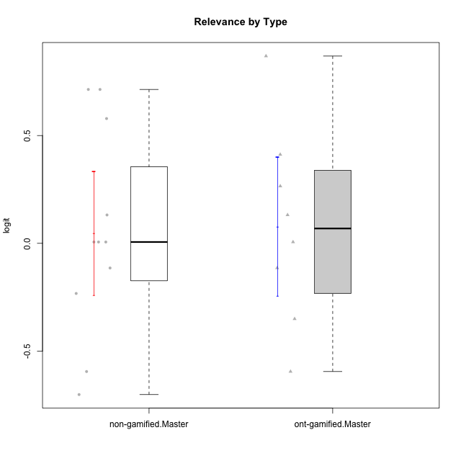

Student's t-Test data
UserID | NroUSP | Type | CLGroup | CLRole | PlayerRole | Attention | Relevance | Satisfaction | Level of Motivation
10171 | 698531 | ont-gamified | Grupo Losvakai | Master | Yee Achiever | 0.75834141366 | 0.86882627345 | 0.97757031778 | 0.80207969337
10172 | 10273971 | ont-gamified | Grupo Koil | Master | Yee Achiever | 0.75834141366 | 0.26531241963 | -0.64536976432 | 0.28775137943
10175 | 10310700 | non-gamified | Grupo Team 6 | Master |  | 1.7635905586 | 0.71393730727 | 0.97757031778 | 1.318822225
10184 | 10276675 | non-gamified | Grupo Team 7 | Master |  | 1.4363694744 | 0.5788749914 | 0.97757031778 | 0.86997165345
10185 | 10276960 | ont-gamified | Grupo Tosskor | Master | Yee Achiever | -0.040980812349 | -0.11445695422 | -0.34834388206 | -0.13391230957
10188 | 10276995 | ont-gamified | Grupo Paldira | Master | Yee Achiever | -0.040980812349 | 0.13158585268 | 0.33281250667 | 0.043106696827
10193 | 10276762 | non-gamified | Grupo Team 2 | Master |  | -0.55700708254 | -0.23262451137 | -1.4075878467 | -0.62796477644
10197 | 10276661 | non-gamified | Grupo Team 11 | Master |  | 0.16133576622 | 0.0060927837546 | -0.01400110805 | 0.16436034601
10201 | 10276928 | non-gamified | Grupo Team 10 | Master |  | 0.56791534458 | 0.13158585268 | 1.6282329698 | 0.66951773914
10204 | 10310471 | non-gamified | Grupo Team 5 | Master |  | 2.3291694522 | 0.71393730727 | 2.0241758621 | 1.6373083794
10206 | 10310721 | non-gamified | Grupo Team 9 | Master |  | -0.40202239655 | -0.11445695422 | 0.33281250667 | 0.043106696827
10208 | 10276932 | ont-gamified | Grupo Yeka | Master | Yee Socializer | -0.40202239655 | -0.59491588194 | -0.64536976432 | -0.46850406728
10209 | 10262669 | non-gamified | Grupo Team 1 | Master |  | -2.3569124236 | -0.59491588194 | -1.4075878467 | -1.5453160244
10211 | 9311643 | ont-gamified | Grupo Razorg | Master | Yee Achiever | -1.6601779081 | -0.35062750809 | -1.7052408222 | -1.1666271317
10213 | 10277040 | non-gamified | Grupo Team 8 | Master |  | 0.36736393919 | 0.0060927837546 | 1.2916965628 | 0.35015187326
10216 | 10276720 | ont-gamified | Grupo Ellaru | Master | Yee Socializer | -0.40202239655 | 0.0060927837546 | 0.33281250667 | -0.13391230957
10217 | 9805341 | ont-gamified | Grupo Belos | Master | Yee Socializer | 0.75834141366 | 0.41195002581 | 0.66323765493 | 0.54012010769
10223 | 9795185 | non-gamified | Grupo Team 3 | Master |  | -1.8032427627 | -0.70175173976 | -1.6729496884 | -1.474714379
10231 | 10276911 | non-gamified | Grupo Team 4 | Master |  | -1.4173134803 | 0.0060927837546 | 0.33281250667 | -0.57519175816

Type_CLRole_6
Student's t-Test for Relevance by Type in Type:CLRole between ont-gamified.Apprentice:ont-gamified.Master

Student's t-Test results
Alternative hypothesis: less
Group | N | Mean | Mean.Difference | Std.deviation | Std.error | CI.lower | CI.upper | df | t.value | p.value | g | magnitude
ont-gamified.Apprentice | 16 | 0.0033105173566 | -0.074660359027 | 0.69423983569 | 0.17355995892 | -0.34380940049 | 0.3504304352 | 20.064023866 | -0.31527021897 | 0.37790603767 | -0.11474198105 | negligible
ont-gamified.Master | 8 | 0.077970876384 | 0.074660359027 | 0.45569943819 | 0.16111408146 | -0.24425728654 | 0.40019903931 | 20.064023866 | -0.31527021897 | 0.37790603767 | -0.11474198105 | negligible
Alternative hypothesis: greater
Group | N | Mean | Mean.Difference | Std.deviation | Std.error | CI.lower | CI.upper | df | t.value | p.value | g | magnitude
ont-gamified.Apprentice | 16 | 0.0033105173566 | -0.074660359027 | 0.69423983569 | 0.17355995892 | -0.34380940049 | 0.3504304352 | 20.064023866 | -0.31527021897 | 0.62209396233 | -0.11474198105 | negligible
ont-gamified.Master | 8 | 0.077970876384 | 0.074660359027 | 0.45569943819 | 0.16111408146 | -0.24425728654 | 0.40019903931 | 20.064023866 | -0.31527021897 | 0.62209396233 | -0.11474198105 | negligible
Alternative hypothesis: two.sided
Group | N | Mean | Mean.Difference | Std.deviation | Std.error | CI.lower | CI.upper | df | t.value | p.value | g | magnitude
ont-gamified.Apprentice | 16 | 0.0033105173566 | -0.074660359027 | 0.69423983569 | 0.17355995892 | -0.34380940049 | 0.3504304352 | 20.064023866 | -0.31527021897 | 0.75581207533 | -0.11474198105 | negligible
ont-gamified.Master | 8 | 0.077970876384 | 0.074660359027 | 0.45569943819 | 0.16111408146 | -0.24425728654 | 0.40019903931 | 20.064023866 | -0.31527021897 | 0.75581207533 | -0.11474198105 | negligible

Box plots for Student's t-Test
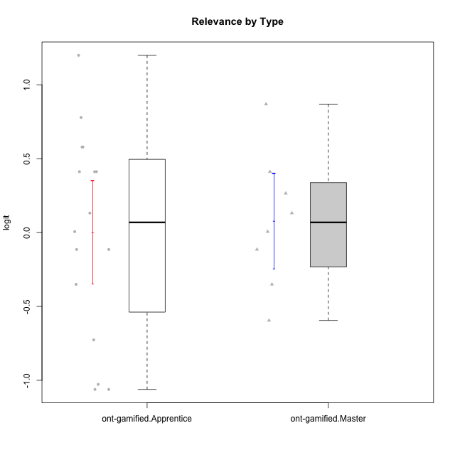

Student's t-Test data
UserID | NroUSP | Type | CLGroup | CLRole | PlayerRole | Attention | Relevance | Satisfaction | Level of Motivation
10171 | 698531 | ont-gamified | Grupo Losvakai | Master | Yee Achiever | 0.75834141366 | 0.86882627345 | 0.97757031778 | 0.80207969337
10172 | 10273971 | ont-gamified | Grupo Koil | Master | Yee Achiever | 0.75834141366 | 0.26531241963 | -0.64536976432 | 0.28775137943
10179 | 10310759 | ont-gamified | Grupo Tosskor | Apprentice | Yee Achiever | -0.040980812349 | 0.13158585268 | -0.01400110805 | 0.10344207128
10185 | 10276960 | ont-gamified | Grupo Tosskor | Master | Yee Achiever | -0.040980812349 | -0.11445695422 | -0.34834388206 | -0.13391230957
10187 | 9790781 | ont-gamified | Grupo Razorg | Apprentice | Yee Achiever | 0.36736393919 | -1.0617581335 | 0.33281250667 | -0.19146962765
10188 | 10276995 | ont-gamified | Grupo Paldira | Master | Yee Achiever | -0.040980812349 | 0.13158585268 | 0.33281250667 | 0.043106696827
10191 | 10276981 | ont-gamified | Grupo Yeka | Apprentice | Yee Socializer | 1.780532862 | 0.41195002581 | 1.3428958321 | 1.2368829222
10192 | 10276682 | ont-gamified | Grupo Yeka | Apprentice | Yee Socializer | 1.780532862 | 0.41195002581 | 1.3428958321 | 1.4041786884
10202 | 10277036 | ont-gamified | Grupo Paldira | Apprentice | Yee Achiever | -0.23023200857 | -0.72635160685 | -0.34834388206 | -0.24827805412
10203 | 9921470 | ont-gamified | Grupo Paldira | Apprentice | Yee Achiever | 1.780532862 | 1.19943677 | 1.3428958321 | 1.4041786884
10208 | 10276932 | ont-gamified | Grupo Yeka | Master | Yee Socializer | -0.40202239655 | -0.59491588194 | -0.64536976432 | -0.46850406728
10210 | 10277015 | ont-gamified | Grupo Losvakai | Apprentice | Yee Achiever | -0.95190662712 | -0.11445695422 | -0.64536976432 | -0.52206996204
10211 | 9311643 | ont-gamified | Grupo Razorg | Master | Yee Achiever | -1.6601779081 | -0.35062750809 | -1.7052408222 | -1.1666271317
10212 | 9065750 | ont-gamified | Grupo Ellaru | Apprentice | Yee Socializer | -0.82878035661 | 0.0060927837546 | -1.1592674958 | -0.52206996204
10214 | 10277022 | ont-gamified | Grupo Koil | Apprentice | Yee Achiever | 0.36736393919 | 0.41195002581 | -0.64536976432 | 0.16436034601
10216 | 10276720 | ont-gamified | Grupo Ellaru | Master | Yee Socializer | -0.40202239655 | 0.0060927837546 | 0.33281250667 | -0.13391230957
10217 | 9805341 | ont-gamified | Grupo Belos | Master | Yee Socializer | 0.75834141366 | 0.41195002581 | 0.66323765493 | 0.54012010769
10219 | 10276831 | ont-gamified | Grupo Razorg | Apprentice | Yee Achiever | -1.3006930783 | -1.0617581335 | -0.91044067076 | -1.0519310161
10226 | 10310342 | ont-gamified | Grupo Yeka | Apprentice | Yee Socializer | 0.93823748285 | 0.77920928512 | 1.2916965628 | 0.93924298788
10228 | 10310492 | ont-gamified | Grupo Losvakai | Apprentice | Yee Achiever | -0.040980812349 | -0.11445695422 | -0.34834388206 | -0.07561268264
10230 | 10351992 | ont-gamified | Grupo Koil | Apprentice | Yee Achiever | 1.780532862 | 0.5788749914 | 0.97757031778 | 1.1585341734
10233 | 9805320 | ont-gamified | Grupo Tosskor | Apprentice | Yee Achiever | 0.16133576622 | -1.0275471836 | -1.7052408222 | -0.78527588073
10237 | 10377688 | ont-gamified | Grupo Ellaru | Apprentice | Yee Socializer | -0.40202239655 | 0.5788749914 | -0.64536976432 | -0.07561268264
10238 | 10276953 | ont-gamified | Grupo Belos | Apprentice | Yee Socializer | 0.36736393919 | -0.35062750809 | 0.33281250667 | 0.10344207128

